Current Process
ECA Method Comparison - A2109 Blks CAR 216 & 269

This report compares the method used by Foresite to assess ECA (Equivalent Clearcut Area) for a given watershed boundary compared to the method BCTS currently uses. Though this was created for a request, this would be a useful starting point for us (BCTS) to revamp our ECA calculation to incorprate more factors into our analysis.

 | Foresite | NGSC | Updated NGSC | Room for Improvement | Comments |  | TSG
Disturbance Factors | Cutblocks | Cutblocks | Cutblocks |  | No difference |  |  | work with client to see legal boundaries of what ECA requires. This is typically within FSP, in supplemental document
 | ECA post-wildfire = ECA pre-wildfire + ((100- ECA pre-wildfire) x CBS) Where: CBS = burn severity coefficient assigned as follows: low severity burn = 0.1, medium severity burn = 0.5, and high severity burn = 0.8 | Wildfire Boundaries all treated as 100% ECA | unburned = 0% low severity burn = 10%, medium severity burn = 50% high severity burn = 80% no burn severity data = 100% | Calculate Burn Severity for fires missing from FAIB data. Using Kyle's script. | No difference |  |  | in FME
 | Roads never regenerate | Roads never regenerate | Roads never regenerate |  | No difference |  | leave them out completely. Then road analyses does weighted calculation which is added on. Alder assumed to be 50% recovery
 | Private land is 100% ECA |  | Private land is 75% ECA |  | Decreases ECA values slightly |  | try to estimate from adjacent VRI using species, age and site index
 | Natural non-productive areas (e.g., rock outcrops and wetlands) were assigned an ECA of zero as they reflect natural conditions. | Would also be zero in our analysis | Would also be zero in our analysis |  | No difference |  | delineate reason for outcrops - natural or man induced, etc
 | 2015 "Rita Curve" and revised curve for stands that will never achieve a mature height of >=25m | 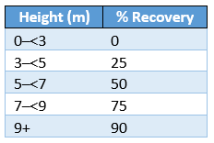 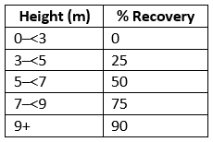 | Matched Foresite method with two curves, one for those with SITE_INDEX >=12 (assumed to reach 25m) and one for SITE_INDEX <12 (20m height assumed) |  | No difference
 | Takes into account VRI polygons <40 years old but not associated with published harvest data |  | Takes into account VRI polygons <40 years old but not associated with published harvest data |  | chose not to include these as of April 2026, since they don't necessarily mean disturbance. Could be shorter stands due to elevation, sandy/rock soil. Remote sensing data unreliable |  | same
 | Huggard Curves applied to Pine impacted by Forest Health Factors. Calculation based on full pine stand %, site index and years since attack |  | All pest layers, ECA based on % dead: trace = 1% light = 5% moderate = 20% severe = 40% very severe = 60% |  | chose not to include these as of April 2026, since they don't necessarily mean disturbance. Remote sensing data unreliable
 | Cultivated/agricultural lands |  | Pipelines, Transmission Lines, Railways, Agriculture lands |  | Increases ECA values
Watershed | LiDAR-derived Watershed Boundaries | Specified Watershed Boundary | Specified Watershed Boundary |  | Don't see a point in changing this, we are asked to do them on the watershed boundaries, not derive our own
Elevation | Considers H60/H40 | Considers H60/H40 | Considers H60/H40 |  | No difference
 |  |  |  |  |  |  | Glennis-Horel
Maps |  |  | 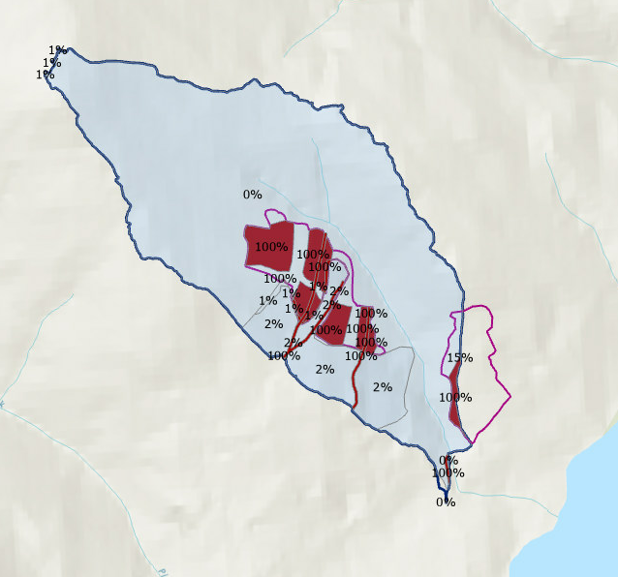
 |  |  |  |  | Watershed Area (ha)
Total ECA % | 11.21% | 9.89% | 8.36% |  | 121.71

 |  |  |  |  |  | Height (m) | % Recovery
 |  |  |  |  |  | 0–<3 | 0
 |  |  |  |  |  | 3–<5 | 25
 |  |  |  |  |  | 5–<7 | 50
 |  |  |  |  |  | 7–<9 | 75
 |  |  |  |  |  | 9+ | 90

Recovery Curves
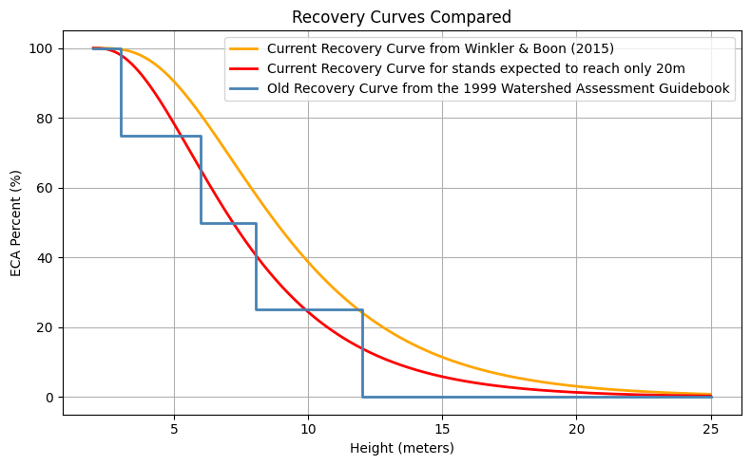

 | site_index >= 12 --> 25m height expectancy
 | site_index < 12 --> 20m heigh expectancy

Winkler, R. and S. Boon, 2015. Revised snow recovery estimates for pine-dominated forests in interior British Columbia. Province of B.C., Victoria, B.C.
Available from:
http://www.for.gov.bc.ca/hfd/pubs/docs/en/EN116.PDF [Accessed 29 Oct 2024]

Provincial Aquatic Ecosystems Technical Working Group – Ministry of Environment and Climate Change Strategy and Ministry of Forests, Lands and Natural Resource Operations and Rural Development, December 2020. Interim Assessment Protocol for Aquatic Ecosystems in British Columbia – Standards for Assessing the Condition of Aquatic Ecosystems under British Columbia’s Cumulative Effects Framework. Available from:
https://www2.gov.bc.ca/assets/gov/environment/natural-resource-stewardship/cumulative-effects/protocols/cef-aquatic-ecosystems-protocol-dec2020.pdf [Accessed 29 Oct 2024]

