Simple Metric (50th Percentile)
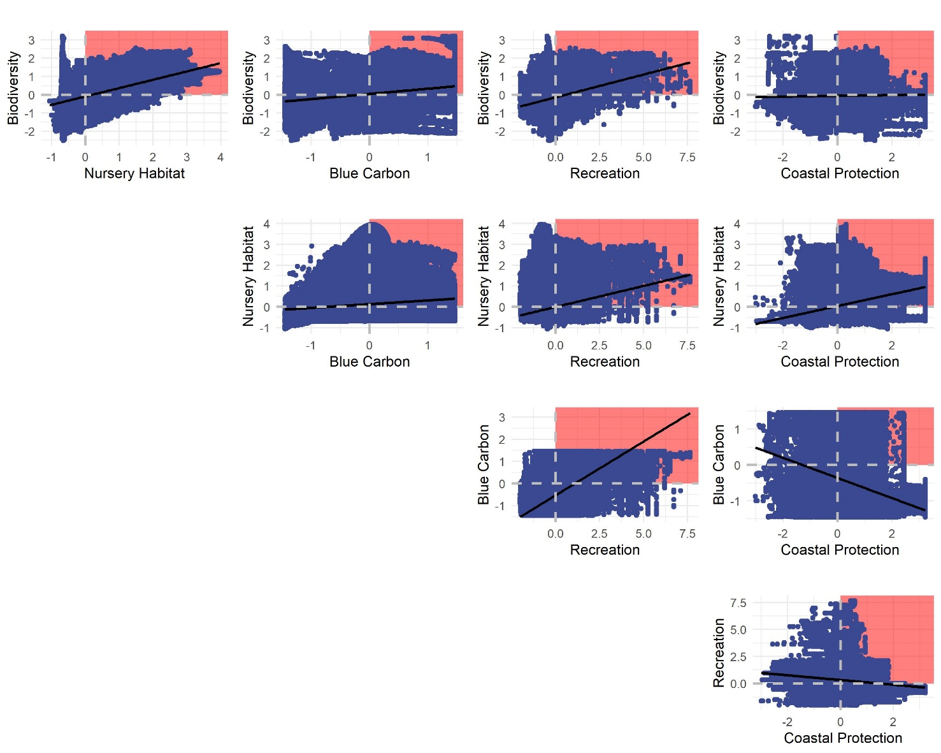
Comparison for Confirmed Seagrasses (1-hectare pixels) |  |  |  |  |  | Comparison for Potential Restoration Areas for Seagrasses (1-hectare pixels)

Trade-off Severity |  |  |  |  |  | Trade-off Severity
Measured as the fraction of pixels with win-wins for two ecosystem services (i.e., enhancement value above the 50th percentile for both services) |  |  |  |  |  | Measured as the fraction of pixels with win-wins for two ecosystem services (i.e., enhancement value above the 50th percentile for both services)
 | Biodiversity | Nursery Habitat | Blue Carbon | Recreation | Coastal Protection |  | Biodiversity | Nursery Habitat | Blue Carbon | Recreation | Coastal Protection
Biodiversity |  | 0.13 | 0.12 | 0.07 | 0.16 | Biodiversity |  | 0.14 | 0.06 | 0.12 | 0.08
Nursery Habitat |  |  | 0.04 | 0.06 | 0.14 | Nursery Habitat |  |  | 0.04 | 0.13 | 0.10
Blue Carbon |  |  |  | 0.08 | 0.08 | Blue Carbon |  |  |  | 0.12 | 0.03
Recreation |  |  |  |  | 0.04 | Recreation |  |  |  |  | 0.08
Coastal Protection |  |  |  |  |  | Coastal Protection

Ecosystem Service Associations |  |  |  |  |  | Ecosystem Service Associations
Measured as the pearson's correlation coefficients between two ecosystem services. |  |  |  |  |  | Measured as the pearson's correlation coefficients between two ecosystem services.
 | Biodiversity | Nursery Habitat | Blue Carbon | Recreation | Coastal Protection |  | Biodiversity | Nursery Habitat | Blue Carbon | Recreation | Coastal Protection
Biodiversity |  | 0.36 | -0.01 | 0.05 | 0.23 | Biodiversity |  | 0.49 | 0.30 | 0.25 | 0.02
Nursery Habitat |  |  | -0.14 | -0.15 | 0.48 | Nursery Habitat |  |  | 0.18 | 0.19 | 0.30
Blue Carbon |  |  |  | 0.21 | -0.28 | Blue Carbon |  |  |  | 0.45 | -0.30
Recreation |  |  |  |  | -0.28 | Recreation |  |  |  |  | -0.25
Coastal Protection |  |  |  |  |  | Coastal Protection

Notes for Confirmed Beds: |  |  |  |  |  | Notes for Potential Restoration Area:
The services with either no relationship or a negative association seems to show the lowest fraction of "win-wins".

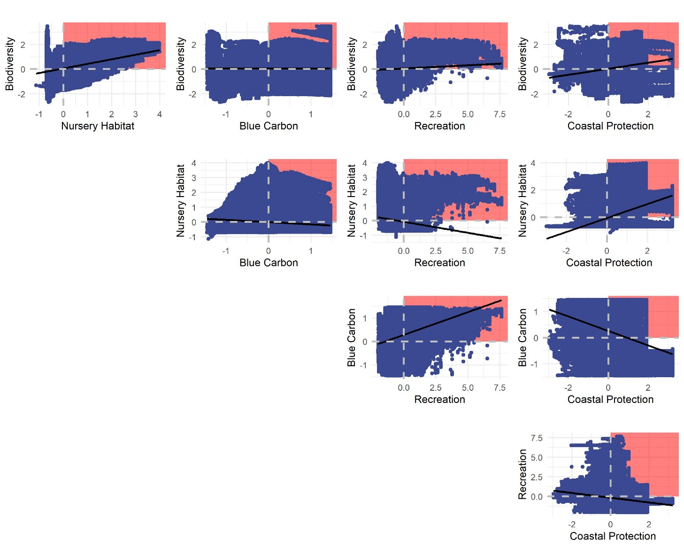
Pairwise plots of ES enhancement by confirmed beds |  |  |  |  |  | Pairwise plots of ES enhancement by potential restoration areas for seagrasses
The win-win quadrat for each service pair is shown using the vertical and horizontal red lines. |  |  |  |  |  | The win-win quadrat for each service pair is shown using the vertical and horizontal red lines.

Simple Metric (75th Percentile)
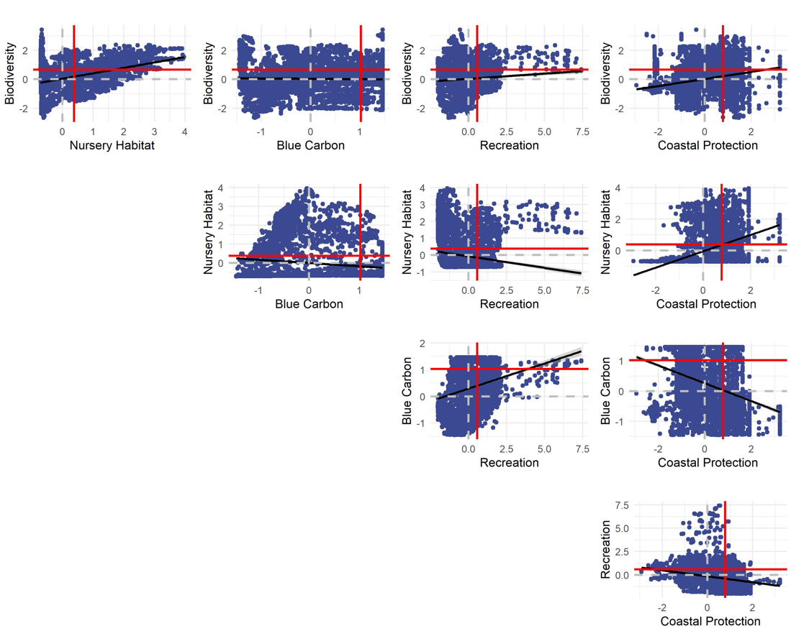
Comparison for Confirmed Seagrasses (1-hectare pixels) |  |  |  |  |  | Pairwise plots of ES enhancement by confirmed beds
 |  |  |  |  |  | The win-win quadrat for each service pair is shown using the vertical and horizontal red lines.
Trade-off Severity
Measured as the fraction of pixels with win-wins for two ecosystem services (i.e., enhancement value above the 75th percentile for both services)
 | Biodiversity | Nursery Habitat | Blue Carbon | Recreation | Coastal Protection
Biodiversity |  | 0.09 | 0.08 | 0.05 | 0.12
Nursery Habitat |  |  | 0.03 | 0.05 | 0.10
Blue Carbon |  |  |  | 0.04 | 0.07
Recreation |  |  |  |  | 0.02
Coastal Protection

Ecosystem Service Associations
Measured as the pearson's correlation coefficients between two ecosystem services.
 | Biodiversity | Nursery Habitat | Blue Carbon | Recreation | Coastal Protection
Biodiversity |  | 0.36 | -0.01 | 0.05 | 0.23
Nursery Habitat |  |  | -0.14 | -0.15 | 0.48
Blue Carbon |  |  |  | 0.21 | -0.28
Recreation |  |  |  |  | -0.28
Coastal Protection

Notes:
The services with either no relationship or a negative association seems to show the lowest fraction of "win-wins".

Simple Metric (90th Percentile)
Comparison for Confirmed Seagrasses (1-hectare pixels)
 |  |  |  |  |  | Pairwise plots of ES enhancement by confirmed beds
Trade-off Severity |  |  |  |  |  | The win-win quadrat for each service pair is shown using the vertical and horizontal red lines.
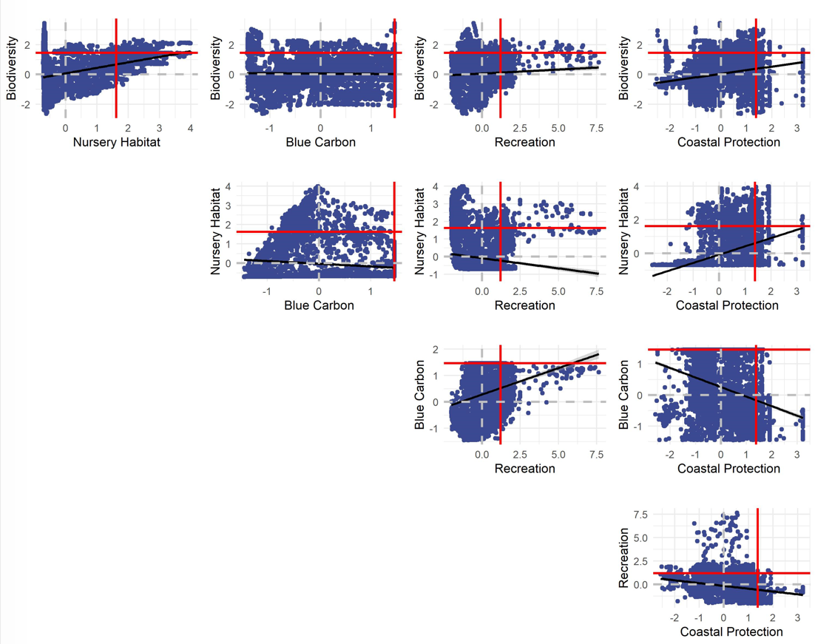
Measured as the fraction of pixels with win-wins for two ecosystem services (i.e., enhancement value above the 90th percentile for both services)
 | Biodiversity | Nursery Habitat | Blue Carbon | Recreation | Coastal Protection
Biodiversity |  | 0.07 | 0.06 | 0.04 | 0.09
Nursery Habitat |  |  | 0.02 | 0.04 | 0.07
Blue Carbon |  |  |  | 0.03 | 0.06
Recreation |  |  |  |  | 0.01
Coastal Protection

Ecosystem Service Associations
Measured as the pearson's correlation coefficients between two ecosystem services.
 | Biodiversity | Nursery Habitat | Blue Carbon | Recreation | Coastal Protection
Biodiversity |  | 0.36 | -0.01 | 0.05 | 0.23
Nursery Habitat |  |  | -0.14 | -0.15 | 0.48
Blue Carbon |  |  |  | 0.21 | -0.28
Recreation |  |  |  |  | -0.28
Coastal Protection

Notes:
The services with either no relationship or a negative association seems to show the lowest fraction of "win-wins".

