1-hectare (50th Percentile)
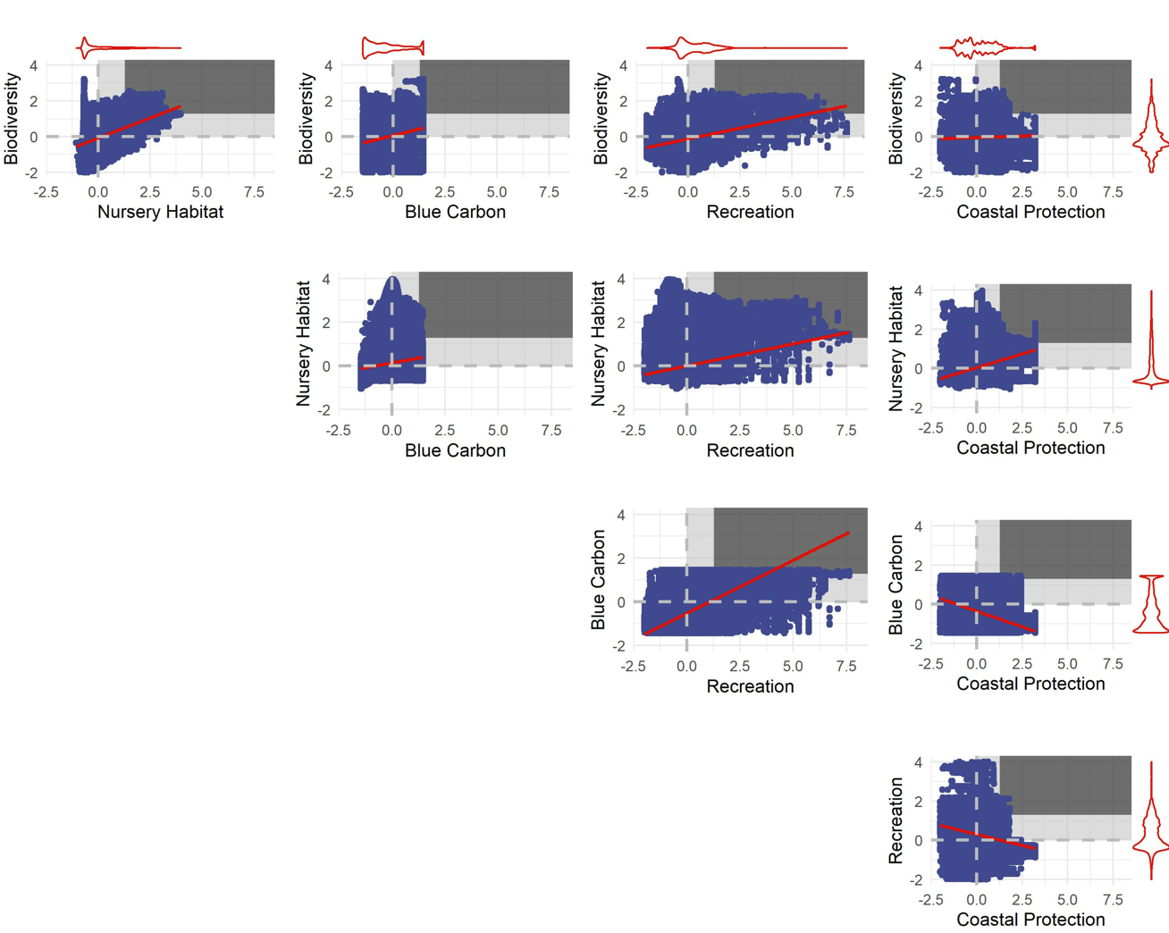
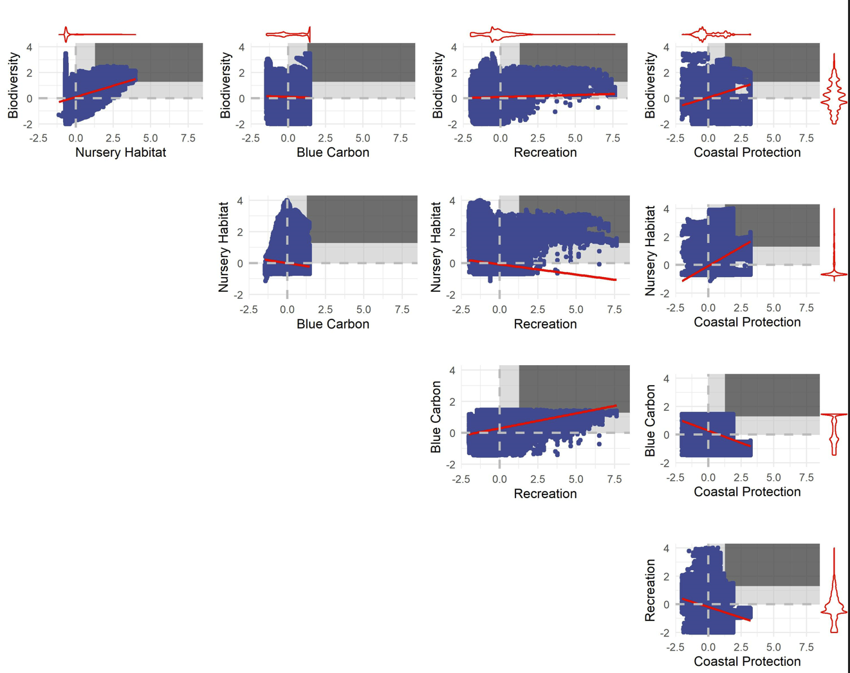
Comparison for Confirmed Seagrasses (1-hectare pixels; 50th percentile) |  |  |  |  |  | Comparison for Potential Restoration Areas for Seagrasses (1-hectare pixels; 50th percentile)
Better than random threshold: | 0.25 | Would expect 25% of points to be in the 50-50 quadrant
Trade-off Severity |  |  |  |  |  | Trade-off Severity
Measured as the fraction of pixels with win-wins for two ecosystem services (i.e., enhancement value above the 50th percentile for both services) |  |  |  |  |  | Measured as the fraction of pixels with win-wins for two ecosystem services (i.e., enhancement value above the 50th percentile for both services)
 | Biodiversity | Nursery Habitat | Blue Carbon | Recreation | Coastal Protection |  | Biodiversity | Nursery Habitat | Blue Carbon | Recreation | Coastal Protection
Biodiversity |  | 0.130 | 0.116 | 0.066 | 0.163 | Biodiversity |  | 0.144 | 0.064 | 0.124 | 0.078
Nursery Habitat |  |  | 0.044 | 0.056 | 0.137 | Nursery Habitat |  |  | 0.044 | 0.129 | 0.104
Blue Carbon |  |  |  | 0.080 | 0.083 | Blue Carbon |  |  |  | 0.118 | 0.033
Recreation |  |  |  |  | 0.043 | Recreation |  |  |  |  | 0.082
Coastal Protection |  |  |  |  |  | Coastal Protection

Ecosystem Service Associations |  |  |  |  |  | Ecosystem Service Associations
Measured as the pearson's correlation coefficients between two ecosystem services. |  |  |  |  |  | Measured as the pearson's correlation coefficients between two ecosystem services.
 | Biodiversity | Nursery Habitat | Blue Carbon | Recreation | Coastal Protection |  | Biodiversity | Nursery Habitat | Blue Carbon | Recreation | Coastal Protection
Biodiversity |  | 0.36 | -0.01 | 0.05 | 0.23 | Biodiversity |  | 0.49 | 0.30 | 0.25 | 0.02
Nursery Habitat |  |  | -0.14 | -0.15 | 0.48 | Nursery Habitat |  |  | 0.18 | 0.19 | 0.30
Blue Carbon |  |  |  | 0.21 | -0.28 | Blue Carbon |  |  |  | 0.45 | -0.30
Recreation |  |  |  |  | -0.28 | Recreation |  |  |  |  | -0.25
Coastal Protection |  |  |  |  |  | Coastal Protection

Notes for Confirmed Beds: |  |  |  |  |  | Notes for Potential Restoration Area:
The services with either no relationship or a negative association seems to show the lowest fraction of "win-wins". |  |  |  |  |  | More positive associations between ES for potential recovery areas than for confimed beds.

Pairwise plots of ES enhancement by confirmed beds |  |  |  |  |  | Pairwise plots of ES enhancement by potential restoration areas for seagrasses
The win-win quadrat for each service pair is shown using the vertical and horizontal red lines. |  |  |  |  |  | The win-win quadrat for each service pair is shown using the vertical and horizontal red lines.

5 x 5 km (50th Percentile)
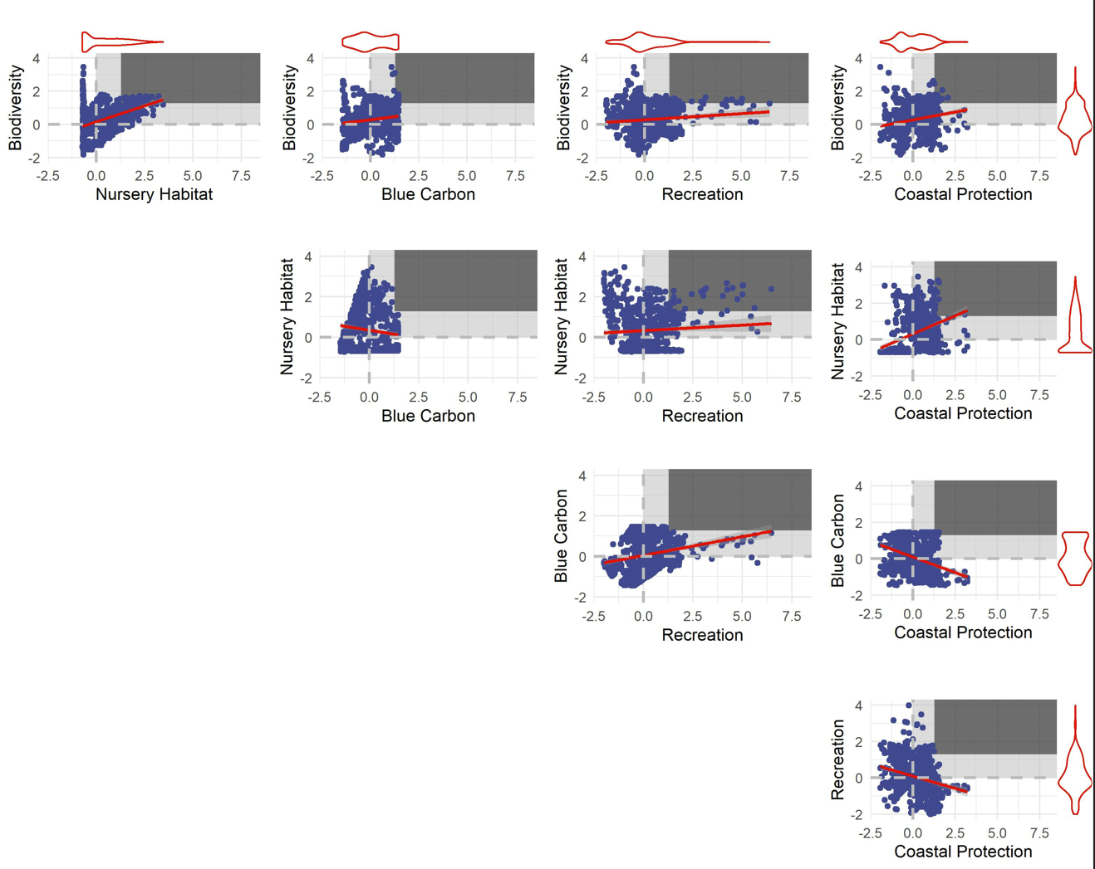
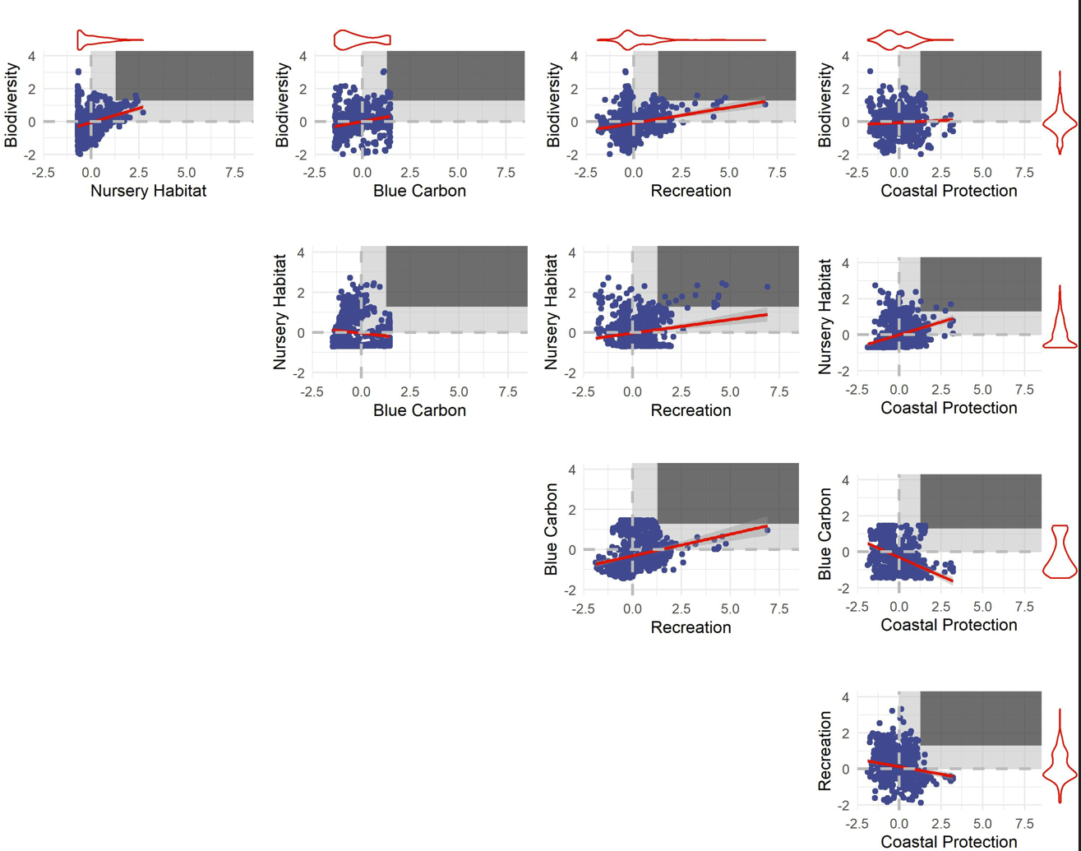
Comparison for Confirmed Seagrasses (5 by 5 kilometer pixels; 50th percentile) |  |  |  |  |  | Comparison for Potential Restoration Areas for Seagrasses (5 by 5 kilometer pixels; 50th percentile)
Better than random threshold: | 0.25 | Would expect 25% of points to be in the 50-50 quadrant
Trade-off Severity |  |  |  |  |  | Trade-off Severity
Measured as the fraction of pixels with win-wins for two ecosystem services (i.e., enhancement value above the 50th percentile for both services) |  |  |  |  |  | Measured as the fraction of pixels with win-wins for two ecosystem services (i.e., enhancement value above the 50th percentile for both services)
 | Biodiversity | Nursery Habitat | Blue Carbon | Recreation | Coastal Protection |  | Biodiversity | Nursery Habitat | Blue Carbon | Recreation | Coastal Protection | 0.48 | 0.248
Biodiversity |  | 0.248 | 0.137 | 0.155 | 0.171 | Biodiversity |  | 0.077 | 0.057 | 0.072 | 0.050 | 0.150 | 0.137
Nursery Habitat |  |  | 0.075 | 0.152 | 0.157 | Nursery Habitat |  |  | 0.018 | 0.107 | 0.064 | -0.130 | 0.075
Blue Carbon |  |  |  | 0.126 | 0.076 | Blue Carbon |  |  |  | 0.080 | 0.027 | 0.1 | 0.155
Recreation |  |  |  |  | 0.078 | Recreation |  |  |  |  | 0.069 | 0.06 | 0.152
Coastal Protection |  |  |  |  |  | Coastal Protection |  |  |  |  |  | 0.25 | 0.126
 |  |  |  |  |  |  |  |  |  |  |  | 0.18 | 0.171
Ecosystem Service Associations |  |  |  |  |  | Ecosystem Service Associations |  |  |  |  |  | 0.36 | 0.157
Measured as the pearson's correlation coefficients between two ecosystem services. |  |  |  |  |  | Measured as the pearson's correlation coefficients between two ecosystem services. |  |  |  |  |  | -0.34 | 0.076
 | Biodiversity | Nursery Habitat | Blue Carbon | Recreation | Coastal Protection |  | Biodiversity | Nursery Habitat | Blue Carbon | Recreation | Coastal Protection | -0.23 | 0.078
Biodiversity |  | 0.48 | 0.15 | 0.10 | 0.18 | Biodiversity |  | 0.34 | 0.28 | 0.24 | 0.01
Nursery Habitat |  |  | -0.13 | 0.06 | 0.36 | Nursery Habitat |  |  | -0.15 | 0.17 | 0.34 | need to adjust tradeoff severity based on random chance percentage
Blue Carbon |  |  |  | 0.25 | -0.34 | Blue Carbon |  |  |  | 0.21 | -0.36
Recreation |  |  |  |  | -0.23 | Recreation |  |  |  |  | -0.17 | compare across percentiles
Coastal Protection |  |  |  |  |  | Coastal Protection |  |  |  |  |  | compare confirmed vs restoration

Notes for Confirmed Beds: |  |  |  |  |  | Notes for Potential Restoration Area:
The services with a negative association seems to show the lowest fraction of "win-wins". |  |  |  |  |  | Tradeoff severity seems to be higher for potentail restoraiton areas at this scale.
Fewer negatively associated ES at the 5km scale. |  |  |  |  |  | Fewer negatively associated ES at the 5km scale.
Pairwise plots of ES enhancement by confirmed beds |  |  |  |  |  | Pairwise plots of ES enhancement by potential restoration areas for seagrasses
The win-win quadrat for each service pair is shown using the vertical and horizontal red lines. |  |  |  |  |  | The win-win quadrat for each service pair is shown using the vertical and horizontal red lines.

