1-hectare (50th Percentile)
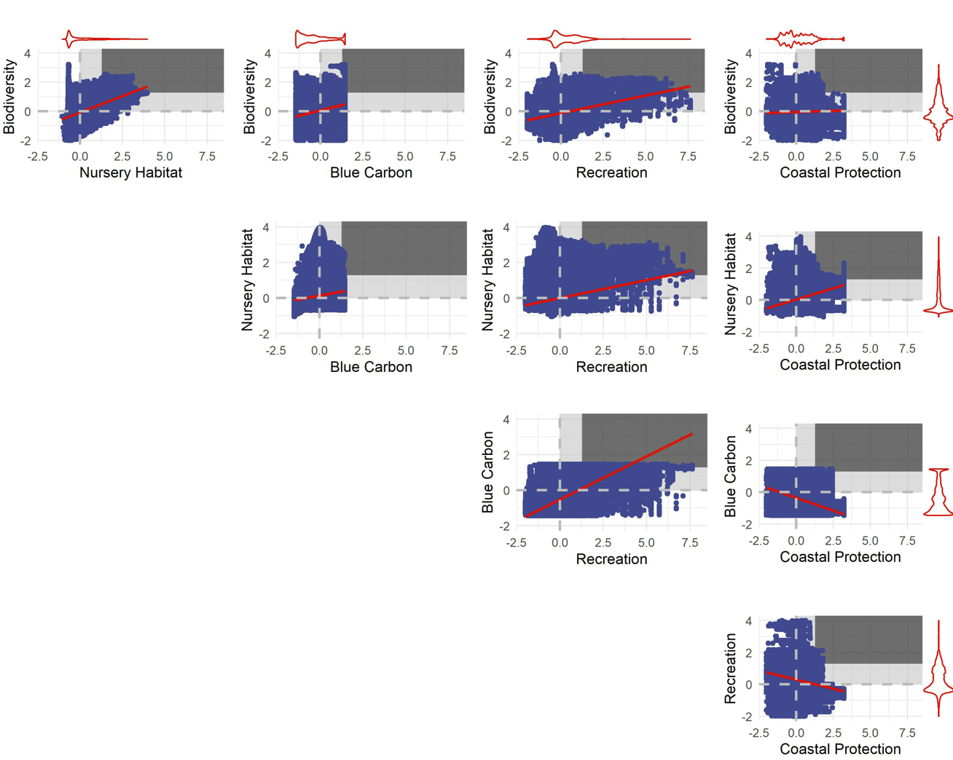
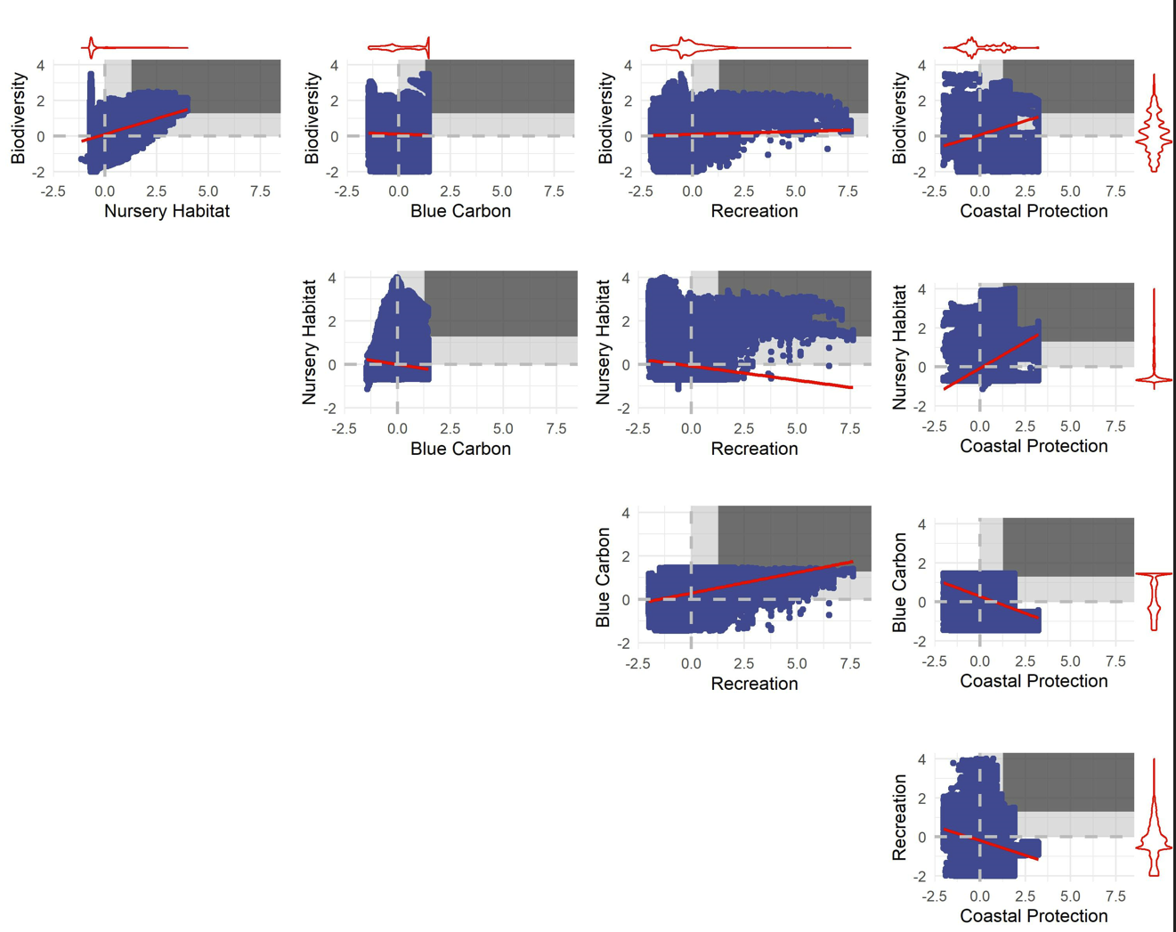
Comparison for Confirmed Seagrasses (1-hectare pixels; 50th percentile) |  |  |  |  |  | Comparison for Potential Restoration Areas for Seagrasses (1-hectare pixels; 50th percentile)
Better than random threshold: | 0.25 | Would expect 25% of points to be in the 50-50 quadrant
Trade-off Severity |  |  |  |  |  | Trade-off Severity
Measured as the fraction of pixels with win-wins for two ecosystem services (i.e., enhancement value above the 50th percentile for both services) |  |  |  |  |  | Measured as the fraction of pixels with win-wins for two ecosystem services (i.e., enhancement value above the 50th percentile for both services)
 | Biodiversity | Nursery Habitat | Blue Carbon | Recreation | Coastal Protection |  | Biodiversity | Nursery Habitat | Blue Carbon | Recreation | Coastal Protection
Biodiversity |  | 0.130 | 0.116 | 0.066 | 0.163 | Biodiversity |  | 0.144 | 0.064 | 0.124 | 0.078
Nursery Habitat |  |  | 0.044 | 0.056 | 0.137 | Nursery Habitat |  |  | 0.044 | 0.129 | 0.104
Blue Carbon |  |  |  | 0.080 | 0.083 | Blue Carbon |  |  |  | 0.118 | 0.033
Recreation |  |  |  |  | 0.043 | Recreation |  |  |  |  | 0.082
Coastal Protection |  |  |  |  |  | Coastal Protection

Ecosystem Service Associations |  |  |  |  |  | Ecosystem Service Associations
Measured as the pearson's correlation coefficients between two ecosystem services. |  |  |  |  |  | Measured as the pearson's correlation coefficients between two ecosystem services.
 | Biodiversity | Nursery Habitat | Blue Carbon | Recreation | Coastal Protection |  | Biodiversity | Nursery Habitat | Blue Carbon | Recreation | Coastal Protection
Biodiversity |  | 0.36 | -0.01 | 0.05 | 0.23 | Biodiversity |  | 0.49 | 0.30 | 0.25 | 0.02
Nursery Habitat |  |  | -0.14 | -0.15 | 0.48 | Nursery Habitat |  |  | 0.18 | 0.19 | 0.30
Blue Carbon |  |  |  | 0.21 | -0.28 | Blue Carbon |  |  |  | 0.45 | -0.30
Recreation |  |  |  |  | -0.28 | Recreation |  |  |  |  | -0.25
Coastal Protection |  |  |  |  |  | Coastal Protection

Notes for Confirmed Beds: |  |  |  |  |  | Notes for Potential Restoration Area:
The services with either no relationship or a negative association seems to show the lowest fraction of "win-wins". |  |  |  |  |  | More positive associations between ES for potential recovery areas than for confimed beds.

Pairwise plots of ES enhancement by confirmed beds |  |  |  |  |  | Pairwise plots of ES enhancement by potential restoration areas for seagrasses
The win-win quadrat for each service pair is shown using the vertical and horizontal red lines. |  |  |  |  |  | The win-win quadrat for each service pair is shown using the vertical and horizontal red lines.

5 x 5 km (50th Percentile)
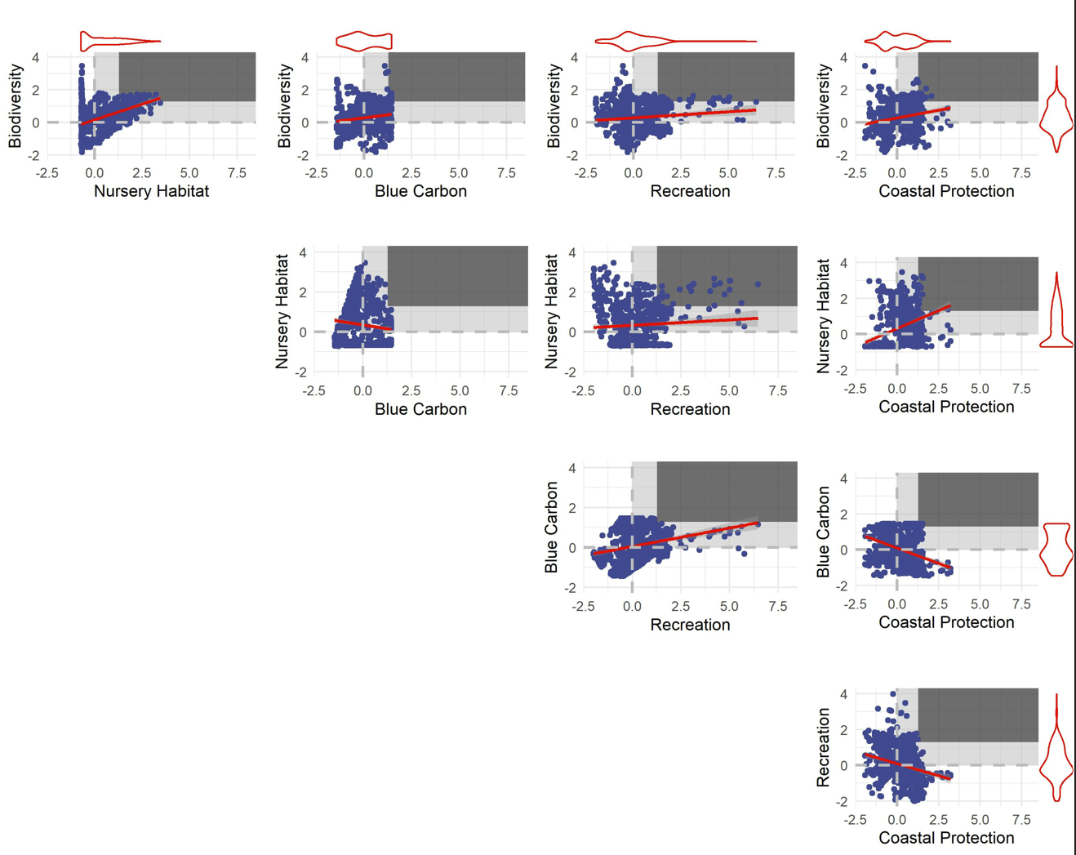
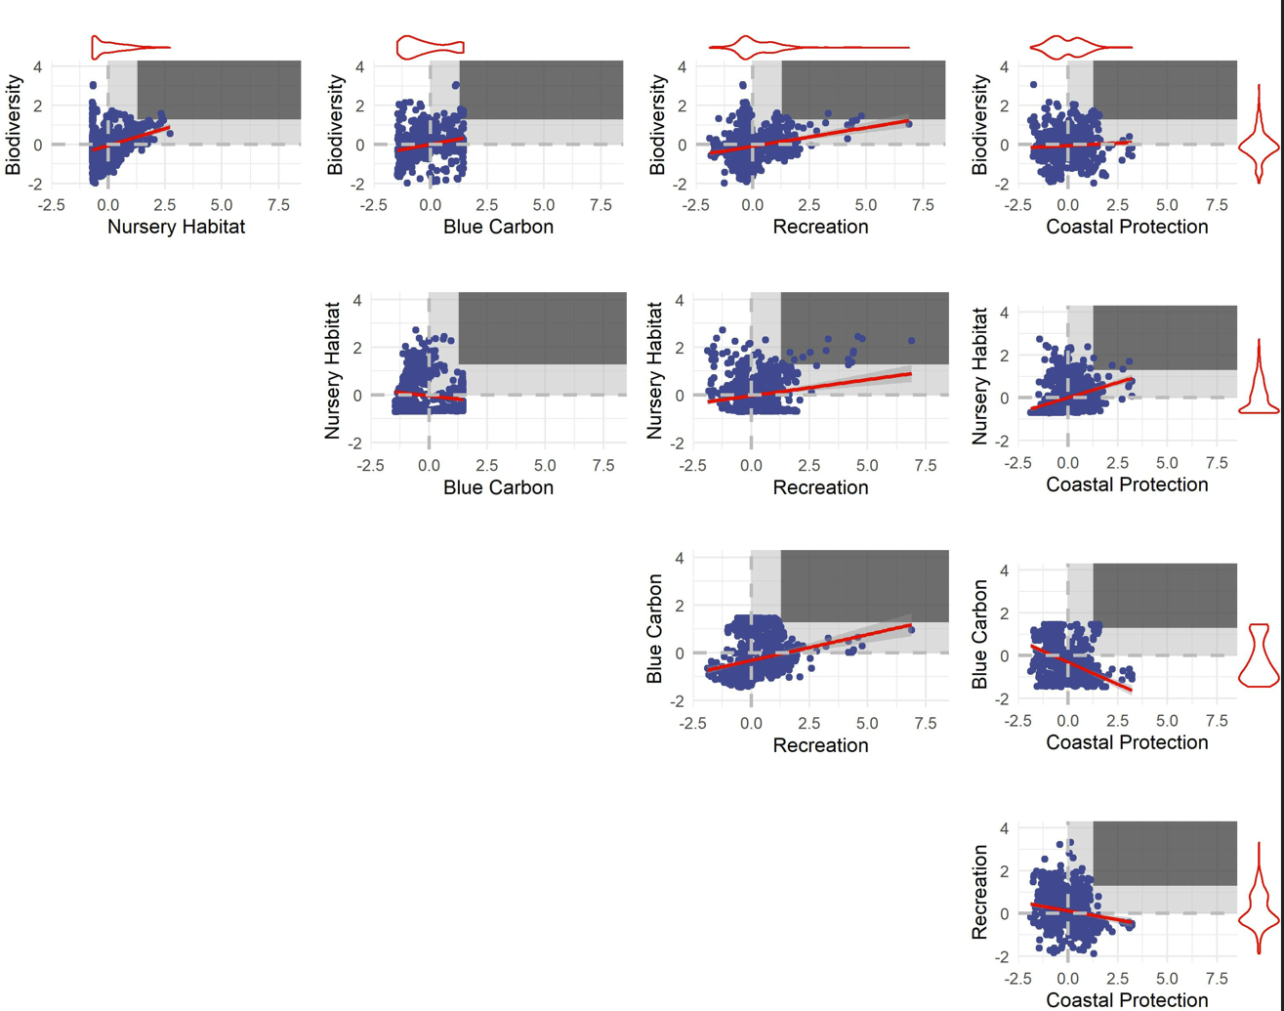
Comparison for Confirmed Seagrasses (5 by 5 kilometer pixels; 50th percentile) |  |  |  |  |  | Comparison for Potential Restoration Areas for Seagrasses (5 by 5 kilometer pixels; 50th percentile)
Better than random threshold: | 0.25 | Would expect 25% of points to be in the 50-50 quadrant
Trade-off Severity |  |  |  |  |  | Trade-off Severity
Measured as the fraction of pixels with win-wins for two ecosystem services (i.e., enhancement value above the 50th percentile for both services) |  |  |  |  |  | Measured as the fraction of pixels with win-wins for two ecosystem services (i.e., enhancement value above the 50th percentile for both services)
 | Biodiversity | Nursery Habitat | Blue Carbon | Recreation | Coastal Protection |  | Biodiversity | Nursery Habitat | Blue Carbon | Recreation | Coastal Protection
Biodiversity |  | 0.248 | 0.137 | 0.155 | 0.171 | Biodiversity |  | 0.077 | 0.057 | 0.072 | 0.050
Nursery Habitat |  |  | 0.075 | 0.152 | 0.157 | Nursery Habitat |  |  | 0.018 | 0.107 | 0.064
Blue Carbon |  |  |  | 0.126 | 0.076 | Blue Carbon |  |  |  | 0.080 | 0.027
Recreation |  |  |  |  | 0.078 | Recreation |  |  |  |  | 0.069
Coastal Protection |  |  |  |  |  | Coastal Protection

Ecosystem Service Associations |  |  |  |  |  | Ecosystem Service Associations
Measured as the pearson's correlation coefficients between two ecosystem services. |  |  |  |  |  | Measured as the pearson's correlation coefficients between two ecosystem services.
 | Biodiversity | Nursery Habitat | Blue Carbon | Recreation | Coastal Protection |  | Biodiversity | Nursery Habitat | Blue Carbon | Recreation | Coastal Protection
Biodiversity |  | 0.48 | 0.15 | 0.10 | 0.18 | Biodiversity |  | 0.34 | 0.28 | 0.24 | 0.01
Nursery Habitat |  |  | -0.13 | 0.06 | 0.36 | Nursery Habitat |  |  | -0.15 | 0.17 | 0.34
Blue Carbon |  |  |  | 0.25 | -0.34 | Blue Carbon |  |  |  | 0.21 | -0.36
Recreation |  |  |  |  | -0.23 | Recreation |  |  |  |  | -0.17
Coastal Protection |  |  |  |  |  | Coastal Protection

Notes for Confirmed Beds: |  |  |  |  |  | Notes for Potential Restoration Area:
The services with a negative association seems to show the lowest fraction of "win-wins". |  |  |  |  |  | Tradeoff severity seems to be higher for potentail restoraiton areas at this scale.
Fewer negatively associated ES at the 5km scale. |  |  |  |  |  | Fewer negatively associated ES at the 5km scale.
Pairwise plots of ES enhancement by confirmed beds |  |  |  |  |  | Pairwise plots of ES enhancement by potential restoration areas for seagrasses
The win-win quadrat for each service pair is shown using the vertical and horizontal red lines. |  |  |  |  |  | The win-win quadrat for each service pair is shown using the vertical and horizontal red lines.

1-hectare (75th Percentile)
Comparison for Confirmed Seagrasses (1-hectare pixels; 75th percentile) |  |  |  |  |  | Comparison for Potential Restoration Areas for Seagrasses (1-hectare pixels; 75th percentile)
Better than random threshold: | 0.0625 | Would expect 6.25% of points to be in the 75-75 quadrant
Trade-off Severity |  |  |  |  |  | Trade-off Severity
Measured as the fraction of pixels with win-wins for two ecosystem services (i.e., enhancement value above the 75th percentile for both services) |  |  |  |  |  | Measured as the fraction of pixels with win-wins for two ecosystem services (i.e., enhancement value above the 75th percentile for both services) |  |  |  |  |  | Measured as the fraction of pixels with win-wins for two ecosystem services (i.e., enhancement value above the 75th percentile for both services) |  |  |  |  |  | Measured as the fraction of pixels with win-wins for two ecosystem services (i.e., enhancement value above the 75th percentile for both services)
 | Biodiversity | Nursery Habitat | Blue Carbon | Recreation | Coastal Protection |  | Biodiversity | Nursery Habitat | Blue Carbon | Recreation | Coastal Protection |  | Biodiversity | Nursery Habitat | Blue Carbon | Recreation | Coastal Protection |  | Biodiversity | Nursery Habitat | Blue Carbon | Recreation | Coastal Protection
Biodiversity |  | 0.09 | 0.08 | 0.05 | 0.12 | Biodiversity |  | 0.10 | 0.04 | 0.09 | 0.05 | Biodiversity |  | 0.03 | 0.02 | -0.02 | 0.06 | Biodiversity |  | 0.04 | -0.02 | 0.02 | -0.01
Nursery Habitat |  |  | 0.03 | 0.05 | 0.10 | Nursery Habitat |  |  | 0.03 | 0.10 | 0.06 | Nursery Habitat |  |  | -0.04 | -0.02 | 0.03 | Nursery Habitat |  |  | -0.04 | 0.04 | 0.00
Blue Carbon |  |  |  | 0.04 | 0.07 | Blue Carbon |  |  |  | 0.08 | 0.02 | Blue Carbon |  |  |  | -0.02 | 0.00 | Blue Carbon |  |  |  | 0.01 | -0.04
Recreation |  |  |  |  | 0.02 | Recreation |  |  |  |  | 0.05 | Recreation |  |  |  |  | -0.04 | Recreation |  |  |  |  | -0.02
Coastal Protection |  |  |  |  |  | Coastal Protection |  |  |  |  |  | Coastal Protection |  |  |  |  |  | Coastal Protection
 |  |  |  |  |  |  |  |  |  |  |  |  |  | Confirmed |  |  |  |  |  | Restored
Ecosystem Service Associations |  |  |  |  |  | Ecosystem Service Associations |  |  |  |  |  |  |  | Correlations | Win-wins |  |  |  |  | Correlations | Win-wins
Measured as the pearson's correlation coefficients between two ecosystem services. |  |  |  |  |  | Measured as the pearson's correlation coefficients between two ecosystem services. |  |  |  |  |  |  |  | 0.362 | 0.03 |  |  |  |  | 0.49 | 0.04
 | Biodiversity | Nursery Habitat | Blue Carbon | Recreation | Coastal Protection |  | Biodiversity | Nursery Habitat | Blue Carbon | Recreation | Coastal Protection |  |  | -0.006 | 0.02 |  |  |  |  | 0.30 | -0.02
Biodiversity |  | 0.362 | -0.006 | 0.051 | 0.225 | Biodiversity |  | 0.49 | 0.30 | 0.25 | 0.02 |  |  | -0.143 | -0.04 |  | 0.055 |  |  | 0.18 | -0.04 |  | 0.039
Nursery Habitat |  |  | -0.143 | -0.153 | 0.483 | Nursery Habitat |  |  | 0.18 | 0.19 | 0.30 |  |  | 0.051 | -0.02 |  | -0.041 |  |  | 0.25 | 0.02 |  | -0.040
Blue Carbon |  |  |  | 0.209 | -0.279 | Blue Carbon |  |  |  | 0.45 | -0.30 |  |  | -0.153 | -0.02 |  |  |  |  | 0.19 | 0.04
Recreation |  |  |  |  | -0.280 | Recreation |  |  |  |  | -0.25 |  |  | 0.209 | -0.02 |  |  |  |  | 0.45 | 0.01
Coastal Protection |  |  |  |  |  | Coastal Protection |  |  |  |  |  |  |  | 0.225 | 0.06 |  |  |  |  | 0.02 | -0.01
 |  |  |  |  |  |  |  |  |  |  |  |  |  | 0.483 | 0.03 |  |  |  |  | 0.30 | 0.00
 |  |  |  |  |  |  |  |  |  |  |  |  |  | -0.279 | 0.00 |  |  |  |  | -0.30 | -0.04
Notes for Confirmed Beds: |  |  |  |  |  | Notes for Potential Restoration Area: |  |  |  |  |  |  |  | -0.280 | -0.04 |  |  |  |  | -0.25 | -0.02
The services with either no relationship or a negative association seems to show the lowest fraction of "win-wins". |  |  |  |  |  | Doesn't seem to be a very clear relationship between ES association and tradeoff severity.

Pairwise plots of ES enhancement by confirmed beds |  |  |  |  |  | Pairwise plots of ES enhancement by potential restoration areas for seagrasses
The win-win quadrat for each service pair is shown using the vertical and horizontal red lines. |  |  |  |  |  | The win-win quadrat for each service pair is shown using the vertical and horizontal red lines.

Confirmed beds - 1 ha, 75th percentile
Restoration areas - 1 ha, 75th percentile

5 x 5 km (75th Percentile)
Comparison for Confirmed Seagrasses (5 by 5 kilometer pixels; 75th percentile) |  |  |  |  |  | Comparison for Potential Restoration Areas for Seagrasses (5 by 5 kilometer pixels; 75th percentile)
Better than random threshold: | 0.0625 | Would expect 6.25% of points to be in the 75-75 quadrant
Trade-off Severity |  |  |  |  |  | Trade-off Severity |  |  |  |  |  | Trade-off Severity |  |  |  |  |  |  | Trade-off Severity
Measured as the fraction of pixels with win-wins for two ecosystem services (i.e., enhancement value above the 90th percentile for both services) |  |  |  |  |  | Measured as the fraction of pixels with win-wins for two ecosystem services (i.e., enhancement value above the 90th percentile for both services) |  |  |  |  |  | Measured as the fraction of pixels with win-wins for two ecosystem services (i.e., enhancement value above the 90th percentile for both services) |  |  |  |  |  |  | Measured as the fraction of pixels with win-wins for two ecosystem services (i.e., enhancement value above the 90th percentile for both services)
 | Biodiversity | Nursery Habitat | Blue Carbon | Recreation | Coastal Protection |  | Biodiversity | Nursery Habitat | Blue Carbon | Recreation | Coastal Protection |  | Biodiversity | Nursery Habitat | Blue Carbon | Recreation | Coastal Protection |  |  | Biodiversity | Nursery Habitat | Blue Carbon | Recreation | Coastal Protection
Biodiversity |  | 0.17 | 0.08 | 0.10 | 0.08 | Biodiversity |  | 0.050 | 0.036 | 0.048 | 0.030 | Biodiversity |  | 0.11 | 0.02 | 0.04 | 0.02 |  | Biodiversity |  | -0.01 | -0.03 | -0.01 | -0.03
Nursery Habitat |  |  | 0.03 | 0.11 | 0.07 | Nursery Habitat |  |  | 0.004 | 0.066 | 0.022 | Nursery Habitat |  |  | -0.03 | 0.04 | 0.01 |  | Nursery Habitat |  |  | -0.06 | 0.00 | -0.04
Blue Carbon |  |  |  | 0.07 | 0.05 | Blue Carbon |  |  |  | 0.044 | 0.017 | Blue Carbon |  |  |  | 0.01 | -0.02 |  | Blue Carbon |  |  |  | -0.02 | -0.05
Recreation |  |  |  |  | 0.03 | Recreation |  |  |  |  | 0.024 | Recreation |  |  |  |  | -0.04 |  | Recreation |  |  |  |  | -0.04
Coastal Protection |  |  |  |  |  | Coastal Protection |  |  |  |  |  | Coastal Protection |  |  |  |  |  |  | Coastal Protection
 |  |  |  |  |  |  |  |  |  |  |  |  |  | Confirmed |  |  |  |  |  |  | Restored
Ecosystem Service Associations |  |  |  |  |  | Ecosystem Service Associations |  |  |  |  |  |  |  | Correlations | Win-wins |  |  |  |  |  | Correlations | Win-wins
Measured as the pearson's correlation coefficients between two ecosystem services. |  |  |  |  |  | Measured as the pearson's correlation coefficients between two ecosystem services. |  |  |  |  |  |  |  | 0.48 | 0.11 |  |  |  |  |  | 0.34 | -0.01
 | Biodiversity | Nursery Habitat | Blue Carbon | Recreation | Coastal Protection |  | Biodiversity | Nursery Habitat | Blue Carbon | Recreation | Coastal Protection |  |  | 0.15 | 0.02 |  |  |  |  |  | 0.28 | -0.03
Biodiversity |  | 0.48 | 0.15 | 0.10 | 0.18 | Biodiversity |  | 0.34 | 0.28 | 0.24 | 0.01 |  |  | -0.13 | -0.03 |  |  |  |  |  | -0.15 | -0.06
Nursery Habitat |  |  | -0.13 | 0.06 | 0.36 | Nursery Habitat |  |  | -0.15 | 0.17 | 0.34 |  |  | 0.10 | 0.04 |  |  | 0.11 |  |  | 0.24 | -0.01 |  |  | 0.00
Blue Carbon |  |  |  | 0.25 | -0.34 | Blue Carbon |  |  |  | 0.21 | -0.36 |  |  | 0.06 | 0.04 |  |  | -0.04 |  |  | 0.17 | 0.00 |  |  | -0.06
Recreation |  |  |  |  | -0.23 | Recreation |  |  |  |  | -0.17 |  |  | 0.25 | 0.01 |  |  |  |  |  | 0.21 | -0.02
Coastal Protection |  |  |  |  |  | Coastal Protection |  |  |  |  |  |  |  | 0.18 | 0.02 |  |  |  |  |  | 0.01 | -0.03
 |  |  |  |  |  |  |  |  |  |  |  |  |  | 0.36 | 0.01 |  |  |  |  |  | 0.34 | -0.04
 |  |  |  |  |  |  |  |  |  |  |  |  |  | -0.34 | -0.02 |  |  |  |  |  | -0.36 | -0.05
Notes for Confirmed Beds: |  |  |  |  |  | Notes for Potential Restoration Area: |  |  |  |  |  |  |  | -0.23 | -0.04 |  |  |  |  |  | -0.17 | -0.04
The relationship between association and tradeoff severity again seems to break down. |  |  |  |  |  | High tradeoff severisty across ES at this scale.
Confirmed beds - 25 km2, 75th perentile
Restoration areas - 25 km2, 75th perentile
Pairwise plots of ES enhancement by confirmed beds |  |  |  |  |  | Pairwise plots of ES enhancement by potential restoration areas for seagrasses
The win-win quadrat for each service pair is shown using the vertical and horizontal red lines. |  |  |  |  |  | The win-win quadrat for each service pair is shown using the vertical and horizontal red lines.

1-hectare (90th Percentile)
Comparison for Confirmed Seagrasses (1-hectare pixels; 90th percentile) |  |  |  |  |  | Comparison for Potential Restoration Areas for Seagrasses (1-hectare pixels; 90th percentile)
Better than random threshold: | 0.01 | Would expect 1% of points to be in the 90-90 quadrant |  |  |  |  |  |  |  |  |  |  |  |  |  | Fraction beyond expected
Trade-off Severity |  |  |  |  |  | Trade-off Severity |  |  |  |  |  | Trade-off Severity |  |  |  |  |  | Trade-off Severity
Measured as the fraction of pixels with win-wins for two ecosystem services (i.e., enhancement value above the 90th percentile for both services) |  |  |  |  |  | Measured as the fraction of pixels with win-wins for two ecosystem services (i.e., enhancement value above the 90th percentile for both services) |  |  |  |  |  | Measured as the fraction of pixels with win-wins for two ecosystem services (i.e., enhancement value above the 90th percentile for both services) |  |  |  |  |  | Measured as the fraction of pixels with win-wins for two ecosystem services (i.e., enhancement value above the 90th percentile for both services)
 | Biodiversity | Nursery Habitat | Blue Carbon | Recreation | Coastal Protection |  | Biodiversity | Nursery Habitat | Blue Carbon | Recreation | Coastal Protection |  | Biodiversity | Nursery Habitat | Blue Carbon | Recreation | Coastal Protection |  | Biodiversity | Nursery Habitat | Blue Carbon | Recreation | Coastal Protection
Biodiversity |  | 0.07 | 0.06 | 0.04 | 0.09 | Biodiversity |  | 0.08 | 0.03 | 0.07 | 0.03 | Biodiversity |  | 0.06 | 0.05 | 0.03 | 0.08 | Biodiversity |  | 0.07 | 0.02 | 0.06 | 0.02
Nursery Habitat |  |  | 0.02 | 0.04 | 0.07 | Nursery Habitat |  |  | 0.02 | 0.08 | 0.04 | Nursery Habitat |  |  | 0.01 | 0.03 | 0.06 | Nursery Habitat |  |  | 0.01 | 0.07 | 0.03
Blue Carbon |  |  |  | 0.03 | 0.06 | Blue Carbon |  |  |  | 0.05 | 0.02 | Blue Carbon |  |  |  | 0.02 | 0.05 | Blue Carbon |  |  |  | 0.04 | 0.01
Recreation |  |  |  |  | 0.01 | Recreation |  |  |  |  | 0.03 | Recreation |  |  |  |  | 0.00 | Recreation |  |  |  |  | 0.02
Coastal Protection |  |  |  |  |  | Coastal Protection |  |  |  |  |  | Coastal Protection |  |  |  |  |  | Coastal Protection
 |  |  |  |  |  |  |  |  |  |  |  |  |  | Confirmed |  |  |  |  |  | Restored
Ecosystem Service Associations |  |  |  |  |  | Ecosystem Service Associations |  |  |  |  |  |  |  | Correlations | Win-wins |  |  |  |  | Correlations | Win-wins
Measured as the pearson's correlation coefficients between two ecosystem services. |  |  |  |  |  | Measured as the pearson's correlation coefficients between two ecosystem services. |  |  |  |  |  |  |  | 0.362 | 0.06 |  |  |  |  | 0.49 | 0.07
 | Biodiversity | Nursery Habitat | Blue Carbon | Recreation | Coastal Protection |  | Biodiversity | Nursery Habitat | Blue Carbon | Recreation | Coastal Protection |  |  | -0.006 | 0.05 |  |  |  |  | 0.30 | 0.02
Biodiversity |  | 0.362 | -0.006 | 0.051 | 0.225 | Biodiversity |  | 0.49 | 0.30 | 0.25 | 0.02 |  |  | -0.143 | 0.01 |  |  |  |  | 0.18 | 0.01
Nursery Habitat |  |  | -0.143 | -0.153 | 0.483 | Nursery Habitat |  |  | 0.18 | 0.19 | 0.30 |  |  | 0.051 | 0.03 |  |  |  |  | 0.25 | 0.06
Blue Carbon |  |  |  | 0.209 | -0.279 | Blue Carbon |  |  |  | 0.45 | -0.30 |  |  | -0.153 | 0.03 |  |  |  |  | 0.19 | 0.07
Recreation |  |  |  |  | -0.280 | Recreation |  |  |  |  | -0.25 |  |  | 0.209 | 0.02 |  |  |  |  | 0.45 | 0.04
Coastal Protection |  |  |  |  |  | Coastal Protection |  |  |  |  |  |  |  | 0.225 | 0.08 |  |  |  |  | 0.02 | 0.02
 |  |  |  |  |  |  |  |  |  |  |  |  |  | 0.483 | 0.06 |  |  |  |  | 0.30 | 0.03
 |  |  |  |  |  |  |  |  |  |  |  |  |  | -0.279 | 0.05 |  |  |  |  | -0.30 | 0.01
Notes for Confirmed Beds: |  |  |  |  |  | Notes for Potential Restoration Area: |  |  |  |  |  |  |  | -0.280 | 0.00 |  |  |  |  | -0.25 | 0.02
The services with either no relationship or a negative association seems to show the lowest fraction of "win-wins". |  |  |  |  |  | Doesn't seem to be a very clear relationship between ES association and tradeoff severity.

Confirmed beds - 1 ha, 90th perentile
Restoration areas - 1 ha, 90th perentile
Pairwise plots of ES enhancement by confirmed beds |  |  |  |  |  | Pairwise plots of ES enhancement by potential restoration areas for seagrasses
The win-win quadrat for each service pair is shown using the vertical and horizontal red lines. |  |  |  |  |  | The win-win quadrat for each service pair is shown using the vertical and horizontal red lines.

5 x 5 km (90th Percentile)
Comparison for Confirmed Seagrasses (5 by 5 kilometer pixels; 90th percentile) |  |  |  |  |  | Comparison for Potential Restoration Areas for Seagrasses (5 by 5 kilometer pixels; 90th percentile)
Better than random threshold: | 0.01 | Would expect 1% of points to be in the 90-90 quadrant
Trade-off Severity |  |  |  |  |  | Trade-off Severity
Measured as the fraction of pixels with win-wins for two ecosystem services (i.e., enhancement value above the 90th percentile for both services) |  |  |  |  |  | Measured as the fraction of pixels with win-wins for two ecosystem services (i.e., enhancement value above the 90th percentile for both services) |  |  |  |  |  | Measured as the fraction of pixels with win-wins for two ecosystem services (i.e., enhancement value above the 90th percentile for both services) |  |  |  |  |  | Measured as the fraction of pixels with win-wins for two ecosystem services (i.e., enhancement value above the 90th percentile for both services)
 | Biodiversity | Nursery Habitat | Blue Carbon | Recreation | Coastal Protection |  | Biodiversity | Nursery Habitat | Blue Carbon | Recreation | Coastal Protection |  | Biodiversity | Nursery Habitat | Blue Carbon | Recreation | Coastal Protection |  | Biodiversity | Nursery Habitat | Blue Carbon | Recreation | Coastal Protection
Biodiversity |  | 0.144 | 0.058 | 0.076 | 0.058 | Biodiversity |  | 0.031 | 0.031 | 0.033 | 0.023 | Biodiversity |  | 0.134 | 0.048 | 0.066 | 0.048 | Biodiversity |  | 0.021 | 0.021 | 0.023 | 0.013
Nursery Habitat |  |  | 0.013 | 0.092 | 0.048 | Nursery Habitat |  |  | 0.003 | 0.044 | 0.013 | Nursery Habitat |  |  | 0.003 | 0.082 | 0.038 | Nursery Habitat |  |  | -0.007 | 0.034 | 0.003
Blue Carbon |  |  |  | 0.041 | 0.038 | Blue Carbon |  |  |  | 0.031 | 0.015 | Blue Carbon |  |  |  | 0.031 | 0.028 | Blue Carbon |  |  |  | 0.021 | 0.005
Recreation |  |  |  |  | 0.017 | Recreation |  |  |  |  | 0.012 | Recreation |  |  |  |  | 0.007 | Recreation |  |  |  |  | 0.002
Coastal Protection |  |  |  |  |  | Coastal Protection |  |  |  |  |  | Coastal Protection |  |  |  |  |  | Coastal Protection
 |  |  |  |  |  |  |  |  |  |  |  |  | Confirmed |  |  |  |  |  | Restored
Ecosystem Service Associations |  |  |  |  |  | Ecosystem Service Associations |  |  |  |  |  |  | Correlations | Win-wins |  |  |  |  | Correlations | Win-wins
Measured as the pearson's correlation coefficients between two ecosystem services. |  |  |  |  |  | Measured as the pearson's correlation coefficients between two ecosystem services. |  |  |  |  |  |  | 0.48 | 0.134 |  |  |  |  | 0.34 | 0.021
 | Biodiversity | Nursery Habitat | Blue Carbon | Recreation | Coastal Protection |  | Biodiversity | Nursery Habitat | Blue Carbon | Recreation | Coastal Protection |  | 0.15 | 0.048 |  |  |  |  | 0.28 | 0.021
Biodiversity |  | 0.48 | 0.15 | 0.10 | 0.18 | Biodiversity |  | 0.34 | 0.28 | 0.24 | 0.01 |  | -0.13 | 0.003 |  |  |  |  | -0.15 | -0.007
Nursery Habitat |  |  | -0.13 | 0.06 | 0.36 | Nursery Habitat |  |  | -0.15 | 0.17 | 0.34 |  | 0.10 | 0.066 |  |  |  |  | 0.24 | 0.023
Blue Carbon |  |  |  | 0.25 | -0.34 | Blue Carbon |  |  |  | 0.21 | -0.36 |  | 0.06 | 0.082 |  |  |  |  | 0.17 | 0.034
Recreation |  |  |  |  | -0.23 | Recreation |  |  |  |  | -0.17 |  | 0.25 | 0.031 |  |  |  |  | 0.21 | 0.021
Coastal Protection |  |  |  |  |  | Coastal Protection |  |  |  |  |  |  | 0.18 | 0.048 |  |  |  |  | 0.01 | 0.013
 |  |  |  |  |  |  |  |  |  |  |  |  | 0.36 | 0.038 |  |  |  |  | 0.34 | 0.003
 |  |  |  |  |  |  |  |  |  |  |  |  | -0.34 | 0.028 |  |  |  |  | -0.36 | 0.005
Notes for Confirmed Beds: |  |  |  |  |  | Notes for Potential Restoration Area: |  |  |  |  |  |  | -0.23 | 0.007 |  |  |  |  | -0.17 | 0.002
The relationship between association and tradeoff severity again seems to break down. |  |  |  |  |  | High tradeoff severisty across ES at this scale.

Confirmed beds - 25 km2, 90th perentile
Restoration areas - 25 km2, 90th perentile
Pairwise plots of ES enhancement by confirmed beds |  |  |  |  |  | Pairwise plots of ES enhancement by potential restoration areas for seagrasses
The win-win quadrat for each service pair is shown using the vertical and horizontal red lines. |  |  |  |  |  | The win-win quadrat for each service pair is shown using the vertical and horizontal red lines.

