Simple Metric (90th Percentile)
Comparison for Confirmed Seagrasses (1-hectare pixels)
 |  |  |  |  |  | Pairwise plots of ES enhancement by confirmed beds
Trade-off Severity |  |  |  |  |  | The win-win quadrat for each service pair is shown using the vertical and horizontal red lines.
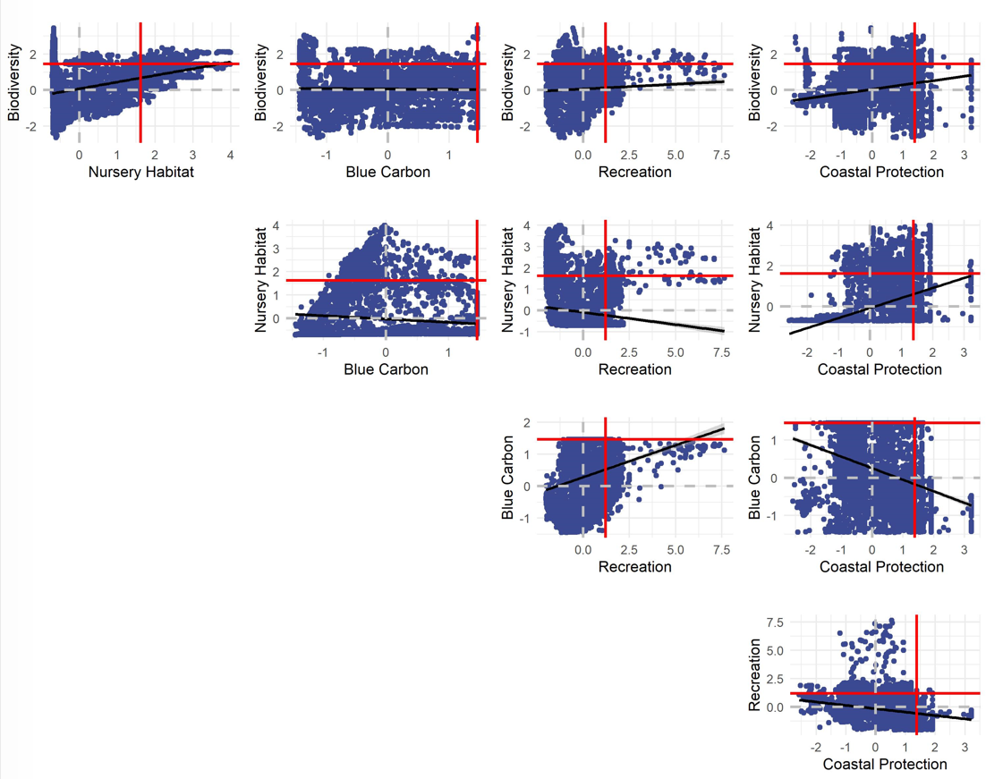
Measured as the fraction of pixels with win-wins for two ecosystem services (i.e., enhancement value above the 90th percentile for both services)
 | Biodiversity | Nursery Habitat | Blue Carbon | Recreation | Coastal Protection
Biodiversity |  | 0.02 | 0.03 | 0.01 | 0.03
Nursery Habitat |  |  | 0.00 | 0.02 | 0.02
Blue Carbon |  |  |  | 0.00 | 0.02
Recreation |  |  |  |  | 0.00
Coastal Protection

Ecosystem Service Associations
Measured as the correlation coefficients between two ecosystem services.
 | Biodiversity | Nursery Habitat | Blue Carbon | Recreation | Coastal Protection
Biodiversity |  | 0.36 | -0.01 | 0.05 | 0.23
Nursery Habitat |  |  | -0.14 | -0.15 | 0.48
Blue Carbon |  |  |  | 0.21 | -0.28
Recreation |  |  |  |  | -0.28
Coastal Protection

Notes:
The services with either no relationship or a negative association seems to show the lowest fraction of "win-wins".

Simple Metric (75th Percentile)
Comparison for Confirmed Seagrasses (1-hectare pixels)
 |  |  |  |  |  | Pairwise plots of ES enhancement by confirmed beds
Trade-off Severity |  |  |  |  |  | The win-win quadrat for each service pair is shown using the vertical and horizontal red lines.
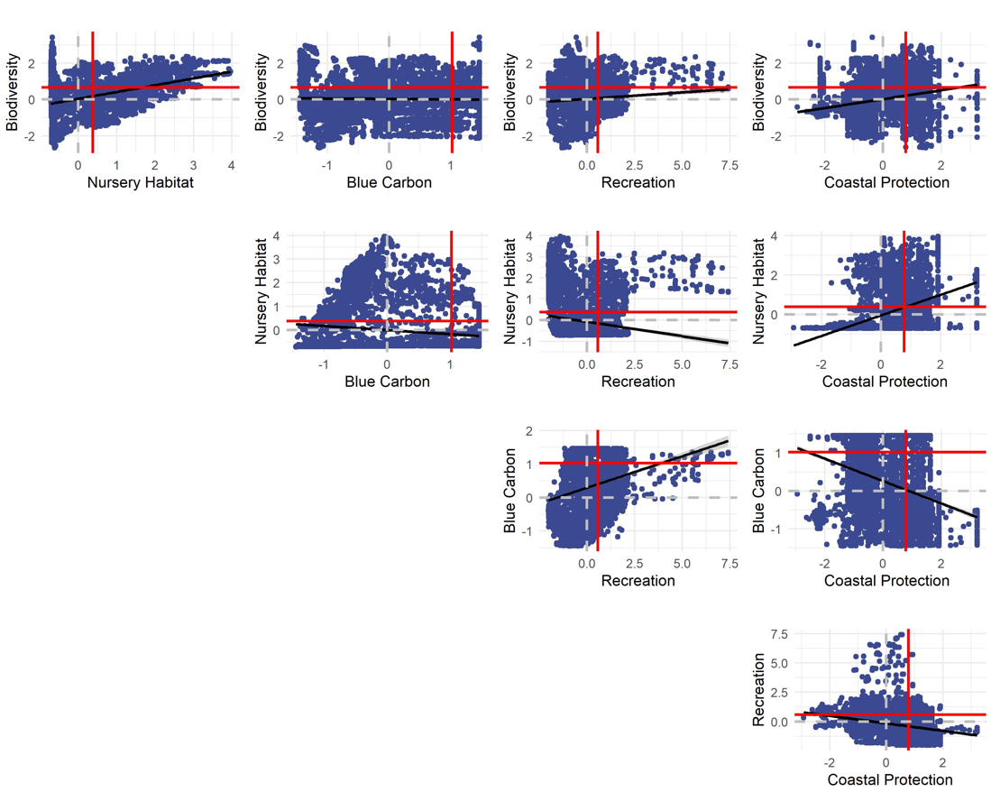
Measured as the fraction of pixels with win-wins for two ecosystem services (i.e., enhancement value above the 75th percentile for both services)
 | Biodiversity | Nursery Habitat | Blue Carbon | Recreation | Coastal Protection
Biodiversity |  | 0.13 | 0.08 | 0.06 | 0.13
Nursery Habitat |  |  | 0.03 | 0.06 | 0.12
Blue Carbon |  |  |  | 0.04 | 0.06
Recreation |  |  |  |  | 0.03
Coastal Protection

Ecosystem Service Associations
Measured as the correlation coefficients between two ecosystem services.
 | Biodiversity | Nursery Habitat | Blue Carbon | Recreation | Coastal Protection
Biodiversity |  | 0.36 | -0.01 | 0.05 | 0.23
Nursery Habitat |  |  | -0.14 | -0.15 | 0.48
Blue Carbon |  |  |  | 0.21 | -0.28
Recreation |  |  |  |  | -0.28
Coastal Protection

Notes:
The services with either no relationship or a negative association seems to show the lowest fraction of "win-wins".

