Mean Example
Data Set
6
5
8
1
4 | Sum of Values: | 157
2 | Length of Data Set: | 30
9 | Manually Calculated Mean: | 5.23
3 | Excel Mean Function: | 5.23
7
5
1 2 3 4 5 6 7 8 9 10
8
8
6
9
3
2
1
4
5
7
8
2
5
6
1
10
3
10
2
7

Median Example
Data Set | Sorted Data Set
6 | 1
5 | 1
8 | 1
1 | 2
4 | 2
2 | 2 | Manually Calulcated Median: | 5
9 | 2 | Excel Median Function: | 5
3 | 3
7 | 3
5 | 3
1 2 3 4 5 6 7 8 9 10
8 | 4
8 | 4
6 | 5
9 | 5
3 | 5
2 | 5
1 | 6
4 | 6
5 | 6
7 | 7
8 | 7
2 | 7
5 | 8
6 | 8
1 | 8
10 | 8
3 | 9
10 | 9
2 | 10
7 | 10

Single-Mode Example
Data Set
1
1
1
2 | Data Set Values: | Count:
2 | 1 | 3
2 | 2 | 4
2 | 3 | 3
3 | 4 | 2
3 | 5 | 5
3 | 6 | 2
4 | 7 | 3
4 | 8 | 4
5 | 9 | 2
5 | 10 | 2
5
5 | Excel Mode Function: | 5
5
6
1 2 3 4 5 6 7 8 9 10
6
7
7
7
8
8
8
8
9
9
10
10

Multi-Mode Example
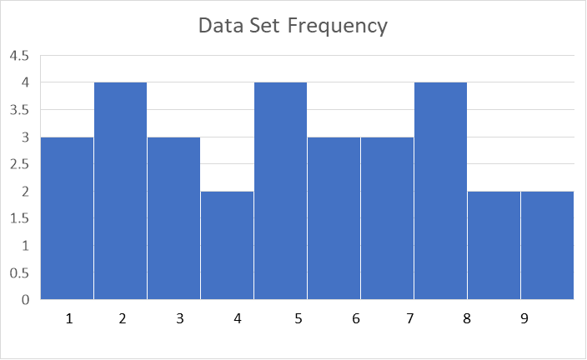
Data Set
1
1
1
2 | Data Set Values: | Count:
2 | 1 | 3
2 | 2 | 4
2 | 3 | 3
3 | 4 | 2
3 | 5 | 4
3 | 6 | 3
4 | 7 | 3
4 | 8 | 4
5 | 9 | 2
5 | 10 | 2
5
5
6
6 | Excel Single-Mode Function: | 2
6 | Excel Multi-Mode Function: | 2
7 |  | 5
7 |  | 8
7
8
8
8
8
9
9
10
10

