Passive BuildUp
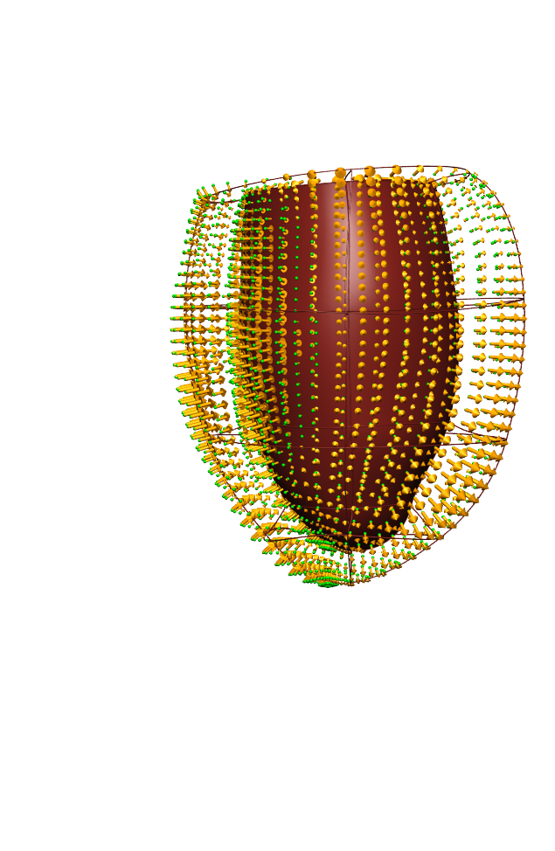
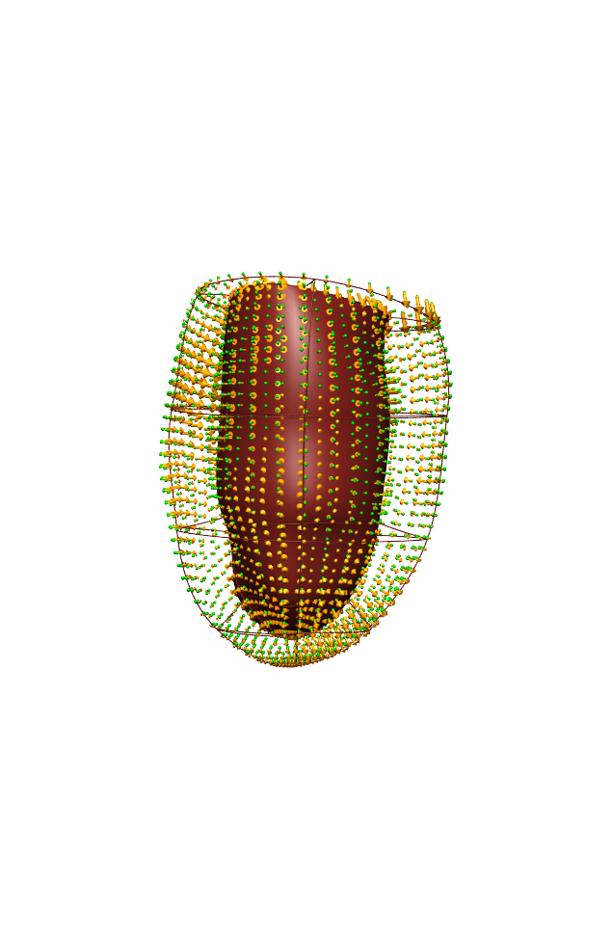
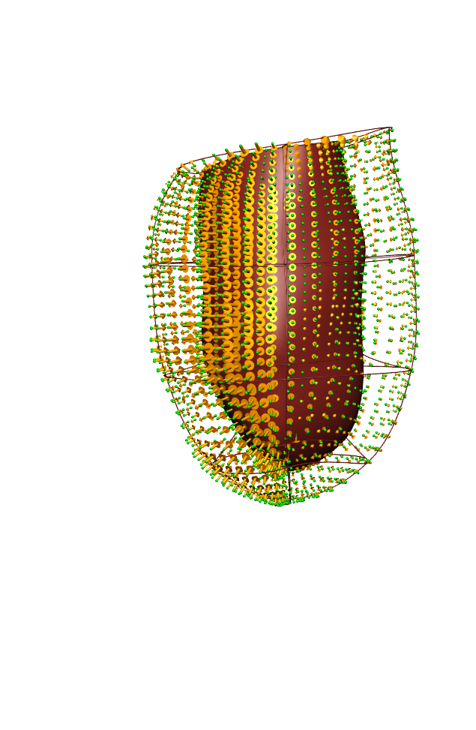
Method | Study | Initial parameters | Optimal parameters | Error quantification | Comments | Final optimal parameters | Final Error | Hessian | AIC score | What to do next | ED Model | no_data_epi | no_data_endo | Total no. data points
M estimation using ADH fibre | 912 | 2 | 1.04 | 1.429 |  | M = 1.04 | 1.429 |  | 927.27893807 |  |  | 1296 | 1296 | 2592
 |  | 0.6 | 1.04 | MSE = 1.429
 | 917 | 2 | 3.442 | MSE = 0.850458972 |  | M = 3.44 | 0.85 |  | -419.24906526
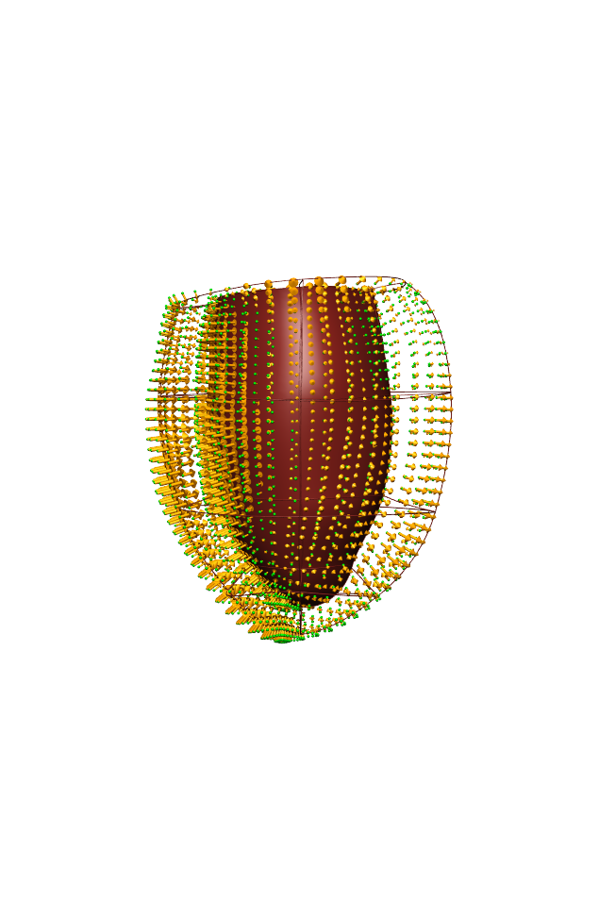
 |  | 4 | 3.439 | MSE = 0.85045877 |  |  |  |  |  |  |  |  | 2.302585093
 | 1017 | 2 | 1.109 | MSE = 1.344 |  | M = 1.11 | 1.343 |  | 766.39613827
 |  | 0.6 | 1.111 | MSE = 1.343
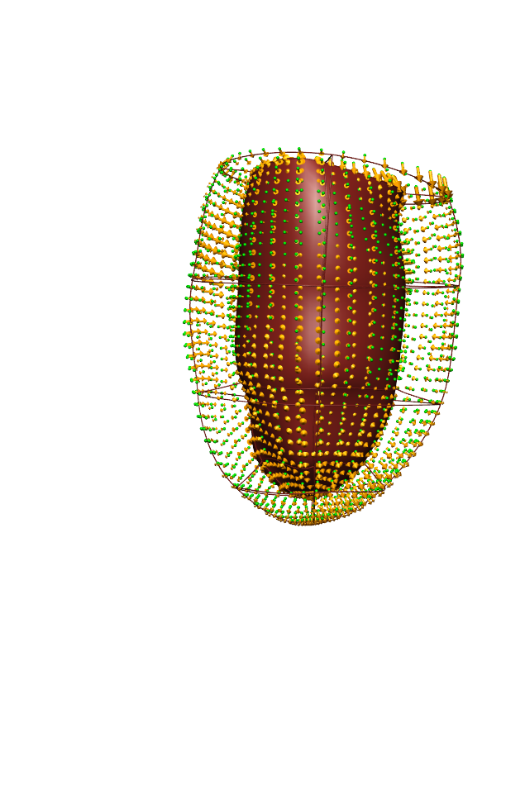
M, Mf estimation using ADH fibre | 912 | Mf = 2.0, M = 2.0 | Mf = 0.61, M=2.21 | MSE = 1.350 | Lots of oscillations about optimal solution | Mf = 0.61, M=2.21 | 1.35 | 1, 0.38; 0.38, 1 | 781.87110363
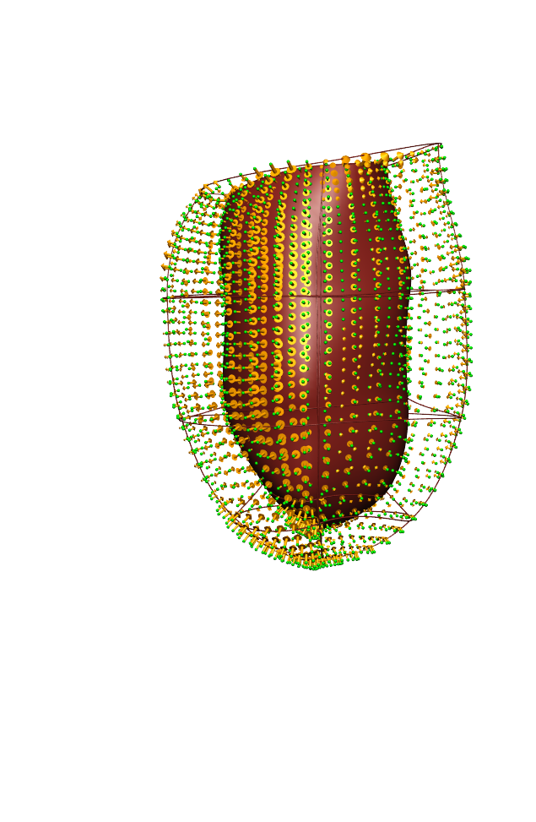
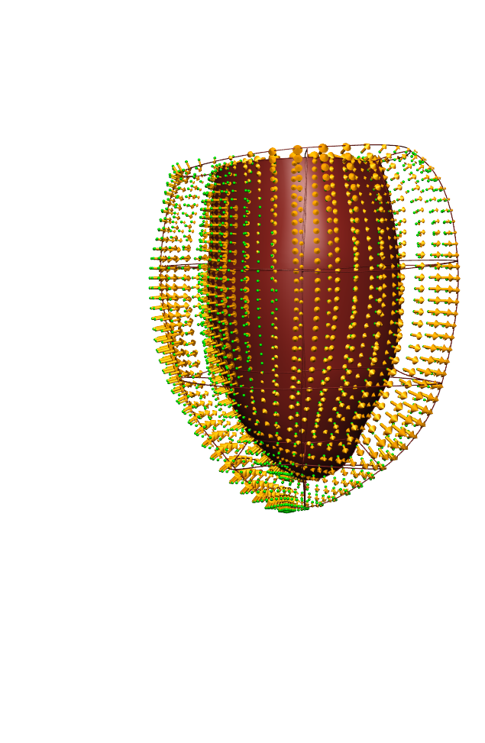
 | 917 | Mf = 2.0, M = 2.0 | Mf = 0.64, M = 10.01 | MSE = 0.687 | M hit upper bound of 10 | Mf = 0.64, M = 10.01 | 0.687 |  | -969.09119768 | Parameter Sweep?
 |  | Mf = 4.0, M = 4.0 | Mf = 0.64, M = 10.01 | MSE = 0.687
 | 1017 | Mf = 2.0, M = 2.0 | Mf = 0.2, M = 8.20 | MSE = 1.115 | Mf hit lower bound of 0.2 | Mf = 0.2, M = 8.20 | 1.115 |  | 286.15061753

 |  | Mf = 4.0, M =4.0 | Mf = 0.2, M = 8.43 | MSE = 1.116
Mf, Ms, Mn estimation using ADH fibre | 912 | Mf = 2.0, Ms = 2.0, Mn = 2.0 | Mf = 0.629, Ms = 5.51, Mn = 1.64 | MSE = 1.281 |  | Mf = 0.629, Ms = 5.51, Mn = 1.64 | 1.281 | 1, 0.04, -0.36; 0.04, 1, 0.12; -0.36, 0.12, 1 | 647.88553139

 | 917 | Mf = 2.0, Ms = 2.0, Mn = 2.0 | Mf = 0.685, Ms = 10, Mn = 10.01 | MSE = 0.701 | Ms and Mn hit upper bound of 10 | Mf = 0.685, Ms = 10, Mn = 10.01 | 0.701 |  | -914.80123993 | Parameter Sweep? Why hitting bounds?
 |  | Mf=3.0, Ms = 3.0, Mn = 3.0 | Running...
 | 1017 | Mf = 2.0, Ms = 2.0, Mn = 2.0 | Mf = 0.26, Ms = 2.54, Mn = 10.01 | MSE = 1.139 | Mn hit upper bound of 10 | Mf = 0.26, Ms = 2.54, Mn = 10.01 | 1.139 |  | 343.35057413

M, Ms estimation using ADH fibre | 912 | Ms = 2.0, M = 2.0 |  |  | Ms tried to jump from 5.7 to 10. Unable to handle jump
M, Mn estimation using ADH fibre | 912 | Mn = 2.0, M = 2.0 | Mn = 2.47, M = 0.76 | MSE = 1.366

 |  |  |  |  |  |  | 1 | 0.040721 | -0.358596
 |  |  |  |  |  |  | 0.040721 | 1 | 0.12125
 |  |  |  |  |  |  | -0.358596 | 0.12125 | 1

