motion features
Feature | Description | Qualitative Clinical Significance | Quantitative Measurement | Xsens? | VICON? | Depth Camera? | Exercise | Paper | Notes
Movement Trajectory of end effector | look at the movement path of the affected hand throughout the exercise | stability during the movement and ability to control it | position (x, y, z, total) of the affected hand across the time series | o | o | o | cup/beanbag
Elbow flexion/extension ROM | minimum and maximum range of motion of the affected elbow | residual ROM of the affected arm | euler angle measured from shoulder, elbow, wrist | o | o | o | cup/beanbag
Shoulder ad/abduction ROM | minimum and maximum range of motion of the affected shoulder | residual ROM of the affected arm | maximum and minimum angle of the shoulder on the coronal (yz, frontal) plane | o | o | o | cup/beanbag
Shoulder flexion/extension ROM | minimum and maximum range of motion of the affected shoiulder | residual ROM of the affected arm | maximum and minimum angle of the shoulder on the saggital (xz) plane | o | o | o | cup/beanbag
Trunk displacement | changes in position and orientation of the trunk | compensatory movement | T = sqrt(Tx^2 + Ty^2 = Tz^2) | o | o | o | cup/beanbag | fbioe-08-620805
Trunk rotation | maximum rotation of the trunk (with sign, depending on the direction) | compensatory movement | maximum and minimum angle of the trunk around the z axis | o | o | o | cup/beanbag
Shoulder Elevation | maximum elevation of the shoulder | compensatory movement | shoulder z displacement or scapular z displacment wrt trunk | o | o | o | cup/beanbag
Object Clearance | vertical trajectory of the object | strength and fine motor control | z trajectory (height) of the end effector | x | x | o* | cup/beanbag |  | see parameter (forearm's position wrt the table) | * we can observe the object with the depth camera, but this is limited by the resolution
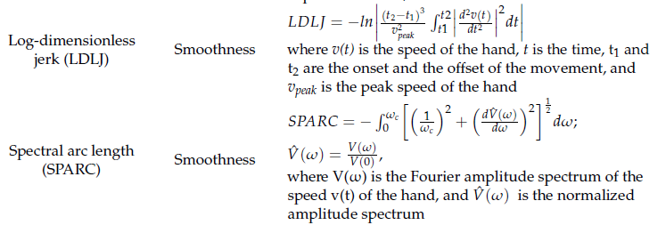
Activity Duration | time required to perform the task | efficiency of the movement | difference in time between the end and the beginning of the exercise | o | o | o | cup/beanbag
Velocity of End Effector | mean velocity of the wrist during the exercise | efficiency of the movement | total distance divided by the activity duration | o | o | o | cup/beanbag
Smoothness | smoothness of the movement in term of velocity peaks | efficiency of the movement | number of velocity peaks (or LDLJ, SPARC) | o | o | o | cup/beanbag | sensors-23-03089-v2 | to assess smoothness we can also use the log-dimensionless jerk (LDLJ) and the spectral arc length (SPARC) ------------------------------------>
Type of grasp | look at how the subject graps the object during the exercise | functional grasping | mean flexion of the fingers (except thumb) | x | o* | o | cup/beanbag |  | we can also calculate the distance between the wrist and the object if we use an object detector ==> lower distances indicate that the subject has grabbed the object (there is contact with the palm) | * we can calculate it with VICON if we place the markers also on the fingers

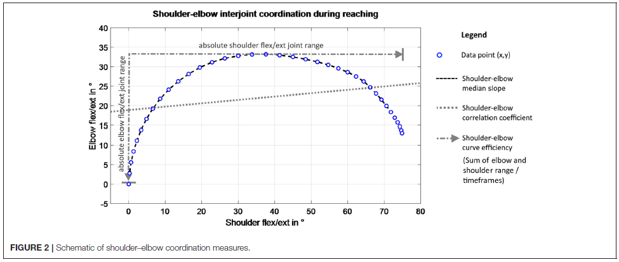
Federico
Total distance | total distance covered by the wrist during the exercise (= hand path length) | efficiency of the movement | sum of the geodetic distances covered by the wrist | o | o | o | cup/beanbag | 12984_2022_Article_1032 | the geodetic distance (with respect to the euclidean distance) takes into account the trajectory of the movement
Reaction time | time between an event and the consequent response | responsiveness | difference in time between the command of beginning the exercise and the actual start | o | o | o | cup/beanbag | 12984_2022_Article_1032 | if there isn't any command of beginning the exercise, we can evaluate it in the cases in which the subject drops the cup
Speed range | minimum and maximum velocity during the exercise | smoothness of the movement | difference between the minimum and the maximum speed | o | o | o | cup/beanbag | 12984_2022_Article_1032 | in this case, we interpret velocity with a sign depending on the direction (+ taking the object to the target position, - for tacking it back), so this is useful to see differences in the two movements
Interjoint coordination and coupling between shoulder and elbow | measures the coupling between the shoulder and the elbow | compensatory movement | mean (or median) slope in the angle-angle plot | o | o | o | cup/beanbag | fbioe-08-620805 | the angle-angle plot represents the angle (flexion/extension) of the elbow and the shoulder for each sample of time --------------------------------------------------------------------------->
Shoulder-elbow correlation coefficient | quantifies the relationship between the shoulder flexion/extension (SF) and the elbow flexion/extension (EF) | compensatory movement | formula on the right | o | o | o | cup/beanbag | fbioe-08-620805 | see formula ---> |  | see ----------------> | In the case of isolated joint movements, a low correlation coefficient highlights the ability to uncouple joint movements, whereas a coupling relationship was detected if the change in movement direction of two segments occurred at the same time. In isolated joint motions of task (1), a well-coordinated movement with a constantly extended elbow would result in a correlation coefficient close to 0, whereas pathologically coupled movements would result in a higher correlation coefficient, according to the hypothesis of voluntary joint control.
Shoulder-elbow curve efficiency | quantifies the maximum movement execution in the target DOF for the movement | quantify the upper limb movement magnitude during reaching | sum of absolute joint range in shoulder flexion/extension and elbow flexion/extension divided by the number of frames (to include the temporal efficiency) | o | o | o | cup/beanbag | fbioe-08-620805 | strongest correlation with the FMAE-UE (see paper "fbioe-08-620805"), but there is an high correlation also with the shoulder flexion/extension, elbow flexion/extension and shoulder abduction/adduction ==> a stastistically significant correlation between the clinically measured impaires interjoint coordination and curve efficiency was found
Length ratio | it compares the actual trajectory (total distance) with the straight one (to be measured) | accuracy to target - path deviations | ratio of the straight line distance (estimated) between the starting and final position of the hand and the distance traveled by the hand between the movement onset and offset (total distance) | o | o | o | cup/beanbag | sensors-23-03089-v2
Forearm's contact the table | percentage of time in which the forearm is sliding on the table | quality of the movement - when the forearm is sliding on the table | sum of the time windows in which both the wrist and the elbow are at the same quote of the table, normalized per the activity duration | x | o | o | cup/beanbag | from Kathy's instructions | we can determine when the elbow and the wrist are in contact with the table by looking at the z coordinate (when they are equal there is contact); then we determine the time samples in which there is contact and finally the time window
Forearm's lifting | percentage of time in which the forearm clears the table | quality of the movement - when the forearm clears the table | 1 - (forearm's contact with table) | x | o | o | cup/beanbag | from Kathy's instructions | this parameter is similar to the object clearance, since with this parameter we determine when there is not contact with the table (by looking at the z coordinate of the forearm) and the corresponding time window
Fragmentation | determines if the movement is smooth or if it's fragmented | smoothness of the movement | standard deviation of velocity time series (or numer of zero-crossings) of the wrist | o | o | o | cup/beanbag | from Kathy's instructions
 |  |  |  |  |  |  | cup/beanbag
 |  |  |  |  |  |  | cup/beanbag
 |  |  |  |  |  |  | cup/beanbag
 |  |  |  |  |  |  | cup/beanbag
 |  |  |  |  |  |  | cup/beanbag

