iter3
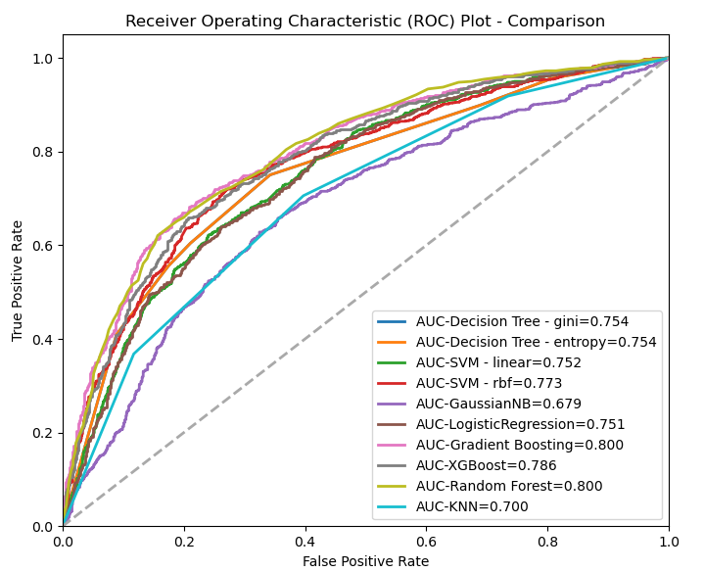
Model Name | Parameters | Target | Test Size | Accuracy | Mean Accuracy (10 folds) | RMSE | F1-score (macro avg) | ROC-AUC score
Decision Tree - gini | max_depth=3, min_samples_leaf=5 | OTHBLEED | 0.25 | 70.33 | 69.70 | 0.54 | 0.70 | 0.75
Decision Tree - entropy | max_depth=3, min_samples_leaf=5 | OTHBLEED | 0.25 | 70.33 | 69.65 | 0.54 | 0.70 | 0.75
SVM - linear | C=1.0, gamma=auto | OTHBLEED | 0.25 | 67.91 | 68.31 | 0.57 | 0.68 | 0.75
SVM - rbf | C=1.0, gamma=0.2 | OTHBLEED | 0.25 | 70.94 | 71.52 | 0.54 | 0.71 | 0.77
GaussianNB |  | OTHBLEED | 0.25 | 54.22 | 54.23 | 0.68 | 0.48 | 0.68
LogisticRegression |  | OTHBLEED | 0.25 | 67.63 | 68.28 | 0.57 | 0.68 | 0.75
Gradient Boosting | n_estimators=300, learning_rate=0.05 | OTHBLEED | 0.25 | 73.22 | 73.49 | 0.52 | 0.73 | 0.80
XGBoost | n_estimators=100, eta=0.3 | OTHBLEED | 0.25 | 71.77 | 72.62 | 0.53 | 0.72 | 0.79
KNN | n_neighbors=3 | OTHBLEED | 0.25 | 65.35 | 66.32 | 0.59 | 0.65 | 0.70
Random Forest | n_estimators=100, features_importances=20 | OTHBLEED | 0.25 | 72.94 | 73.98 | 0.52 | 0.73 | 0.80

