iter3 - 40 features
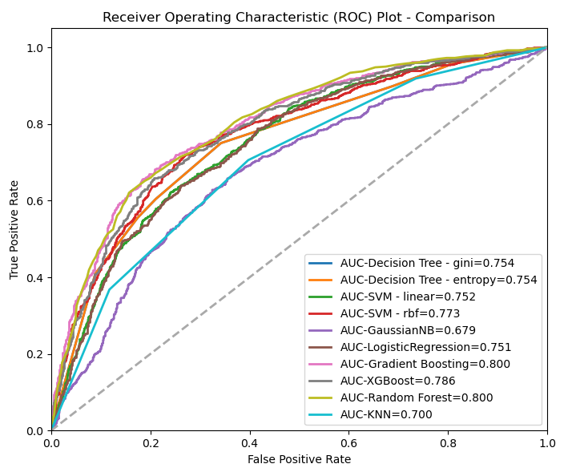
Model Name | Parameters | Target | Test Size | Accuracy | Mean Accuracy (10 folds) | RMSE | F1-score (macro avg) | ROC-AUC score
Decision Tree - gini | max_depth=3, min_samples_leaf=5 | OTHBLEED | 0.25 | 70.33069 | 69.69842 | 0.54470 | 0.70293 | 0.75382
Decision Tree - entropy | max_depth=3, min_samples_leaf=5 | OTHBLEED | 0.25 | 70.33069 | 69.65184 | 0.54470 | 0.70293 | 0.75382
SVM - linear | C=1.0, gamma=auto | OTHBLEED | 0.25 | 67.90871 | 68.31287 | 0.56649 | 0.67880 | 0.75165
SVM - rbf | C=1.0, gamma=0.2 | OTHBLEED | 0.25 | 70.93619 | 71.51508 | 0.53911 | 0.70572 | 0.77269
GaussianNB |  | OTHBLEED | 0.25 | 54.21518 | 54.23375 | 0.67664 | 0.47890 | 0.67927
LogisticRegression |  | OTHBLEED | 0.25 | 67.62925 | 68.27799 | 0.56895 | 0.67624 | 0.75083
Gradient Boosting | n_estimators=300, learning_rate=0.05 | OTHBLEED | 0.25 | 73.21844 | 73.49469 | 0.51751 | 0.73204 | 0.80018
XGBoost | n_estimators=100, eta=0.3 | OTHBLEED | 0.25 | 71.77457 | 72.62148 | 0.53128 | 0.71766 | 0.78577
KNN | n_neighbors=3 | OTHBLEED | 0.25 | 65.34700 | 66.32103 | 0.58867 | 0.65287 | 0.70040
Random Forest | n_estimators=100, features_importances=20 | OTHBLEED | 0.25 | 72.93898 | 73.98384 | 0.52020 | 0.72878 | 0.80013

Model Name | Mean Accuracy (10 folds) | RMSE | F1-score (macro avg) | ROC-AUC score
Gradient Boosting | 73.49469 | 0.51751 | 0.73204 | 0.80018
Random Forest | 73.98384 | 0.52020 | 0.72878 | 0.80013

RUC ranged from .76 - .86

iter4 - PCA
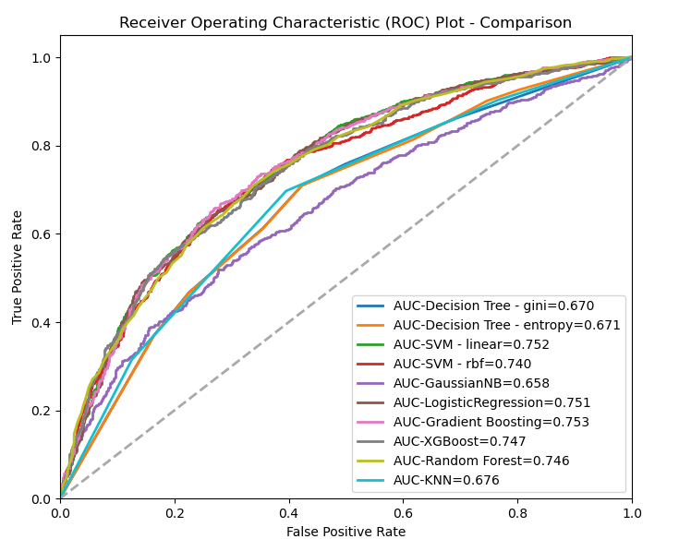
Model Name | Parameters | Target | Test Size | Accuracy | Mean Accuracy (10 folds) | RMSE | F1-score (macro avg) | ROC-AUC score
Decision Tree - gini | max_depth=3, min_samples_leaf=5 | OTHBLEED | 0.25 | 64.23 | 63.03 | 0.60 | 0.64 | 0.67
Decision Tree - entropy | max_depth=3, min_samples_leaf=5 | OTHBLEED | 0.25 | 64.23 | 62.89 | 0.60 | 0.64 | 0.67
SVM - linear | C=1.0, gamma=auto | OTHBLEED | 0.25 | 67.91 | 68.31 | 0.57 | 0.68 | 0.75
SVM - rbf | C=1.0, gamma=0.2 | OTHBLEED | 0.25 | 67.44 | 68.04 | 0.57 | 0.67 | 0.74
GaussianNB |  | OTHBLEED | 0.25 | 56.50 | 56.46 | 0.66 | 0.53 | 0.66
LogisticRegression |  | OTHBLEED | 0.25 | 67.82 | 68.27 | 0.57 | 0.68 | 0.75
Gradient Boosting | n_estimators=300, learning_rate=0.05 | OTHBLEED | 0.25 | 68.84 | 68.91 | 0.56 | 0.69 | 0.75
XGBoost | n_estimators=100, eta=0.3 | OTHBLEED | 0.25 | 67.82 | 68.78 | 0.57 | 0.68 | 0.75
KNN | n_neighbors=3 | OTHBLEED | 0.25 | 65.02 | 63.71 | 0.59 | 0.65 | 0.68
Random Forest | n_estimators=100, features_importances=20 | OTHBLEED | 0.25 | 68.00 | 69.10 | 0.57 | 0.68 | 0.75

iter5 - AutoFeat
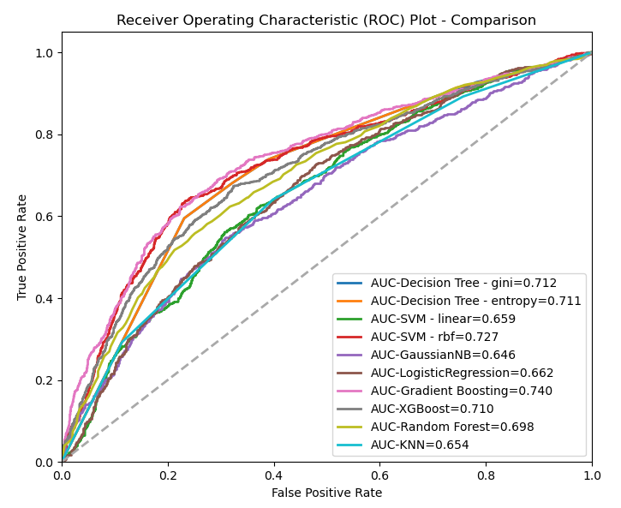
Model Name | Parameters | Target | Test Size | Accuracy | Mean Accuracy (10 folds) | RMSE | F1-score (macro avg) | ROC-AUC score
Decision Tree - gini | max_depth=3, min_samples_leaf=5 | OTHBLEED | 0.25 | 68.327899395 | 67.450361048 | 0.56277971361 | 0.68024900962 | 0.71163280185
Decision Tree - entropy | max_depth=3, min_samples_leaf=5 | OTHBLEED | 0.25 | 68.327899395 | 67.473643935 | 0.56277971361 | 0.68024900962 | 0.71139107566
SVM - linear | C=1.0, gamma=auto | OTHBLEED | 0.25 | 60.782487191 | 60.568286971 | 0.62623887462 | 0.60203349324 | 0.65873035161
SVM - rbf | C=1.0, gamma=0.2 | OTHBLEED | 0.25 | 69.306008384 | 68.987750705 | 0.55402158456 | 0.69231008446 | 0.72681989012
GaussianNB |  | OTHBLEED | 0.25 | 52.352119236 | 52.545175042 | 0.69027444371 | 0.43836814412 | 0.64597918638
LogisticRegression |  | OTHBLEED | 0.25 | 61.760596181 | 61.499968793 | 0.61838017287 | 0.61751004079 | 0.66212580178
Gradient Boosting | n_estimators=300, learning_rate=0.05 | OTHBLEED | 0.25 | 69.445738239 | 68.882977713 | 0.55275909545 | 0.6939548548 | 0.73975896817
XGBoost | n_estimators=100, eta=0.3 | OTHBLEED | 0.25 | 67.442943642 | 67.066532614 | 0.57058791047 | 0.67438168444 | 0.71021933289
KNN | n_neighbors=3 | OTHBLEED | 0.25 | 62.08663251 | 62.00059157 | 0.6157383169 | 0.62083005002 | 0.65417791395
Random Forest | n_estimators=100, features_importances=20 | OTHBLEED | 0.25 | 64.881229623 | 64.609360372 | 0.59261092107 | 0.64854689231 | 0.69842292102

iter7 - syn
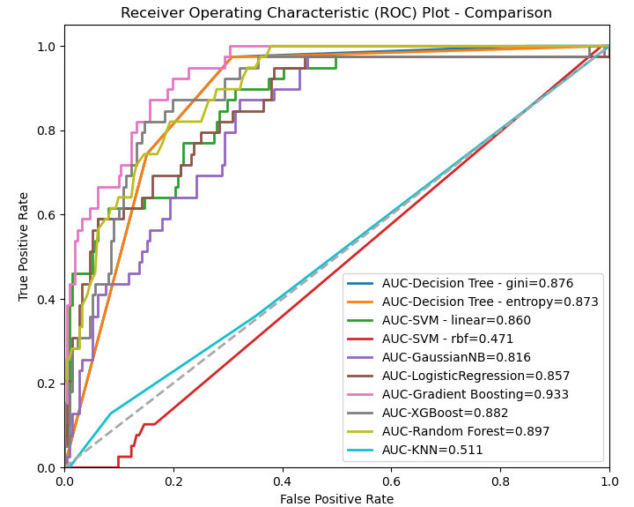
Model Name | Parameters | Target | Test Size | Accuracy | Mean Accuracy (10 folds) | RMSE | F1-score (macro avg) | ROC-AUC score
Decision Tree - gini | max_depth=3, min_samples_leaf=5 | OTHBLEED | 0.25 | 83.2 | 86.9 | 0.40987803064 | 0.7375 | 0.87562279742
Decision Tree - entropy | max_depth=3, min_samples_leaf=5 | OTHBLEED | 0.25 | 83.2 | 86.9 | 0.40987803064 | 0.7375 | 0.8733138899
SVM - linear | C=1.0, gamma=auto | OTHBLEED | 0.25 | 86.8 | 87.6 | 0.36331804249 | 0.75691682136 | 0.86025033418
SVM - rbf | C=1.0, gamma=0.2 | OTHBLEED | 0.25 | 84.4 | 83.9 | 0.39496835316 | 0.45770065076 | 0.47053104873
GaussianNB |  | OTHBLEED | 0.25 | 72 | 79.6 | 0.52915026221 | 0.6246568291 | 0.81625956981
LogisticRegression |  | OTHBLEED | 0.25 | 88.4 | 86.6 | 0.34058772732 | 0.77254901961 | 0.85660469073
Gradient Boosting | n_estimators=300, learning_rate=0.05 | OTHBLEED | 0.25 | 90.4 | 90.8 | 0.3098386677 | 0.80066445183 | 0.9334062462
XGBoost | n_estimators=100, eta=0.3 | OTHBLEED | 0.25 | 85.2 | 88.8 | 0.38470768123 | 0.72187979194 | 0.88151658768
KNN | n_neighbors=3 | OTHBLEED | 0.25 | 79.2 | 81.2 | 0.45607017004 | 0.5212844307 | 0.51069388747
Random Forest | n_estimators=100, features_importances=20 | OTHBLEED | 0.25 | 87.6 | 86.6 | 0.35213633723 | 0.71059412226 | 0.89701057237

iter8 - 2015-22
Model Name | Parameters | Target | Test Size | Accuracy | Mean Accuracy (10 folds) | RMSE | F1-score (macro avg) | ROC-AUC score
Decision Tree - gini | max_depth=3, min_samples_leaf=5 | OTHBLEED | 0.25 | 69.38534279 | 69.270006692 | 0.55330513472 | 0.69340095059 | 0.73255449946
Decision Tree - entropy | max_depth=3, min_samples_leaf=5 | OTHBLEED | 0.25 | 69.38534279 | 69.277397675 | 0.55330513472 | 0.69340095059 | 0.73555627689
SVM - linear | C=1.0, gamma=auto | OTHBLEED | 0.25 | 67.228132388 | 66.91289994 | 0.57246718345 | 0.67184778819 | 0.73117030277
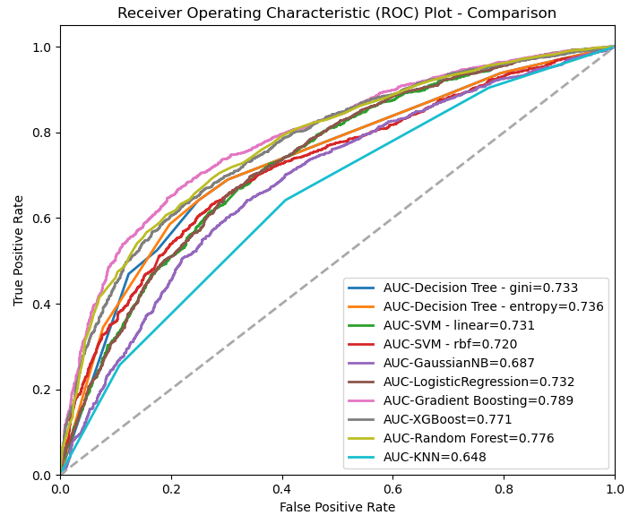
SVM - rbf | C=1.0, gamma=0.2 | OTHBLEED | 0.25 | 66.341607565 | 66.432802645 | 0.58015853381 | 0.64437668516 | 0.7203015749
GaussianNB |  | OTHBLEED | 0.25 | 56.855791962 | 54.994694213 | 0.65684250805 | 0.53379985053 | 0.68659727825
LogisticRegression |  | OTHBLEED | 0.25 | 67.641843972 | 66.898139809 | 0.56884229825 | 0.67542730089 | 0.73226351351
Gradient Boosting | n_estimators=300, learning_rate=0.05 | OTHBLEED | 0.25 | 72.901891253 | 72.328972981 | 0.52055843809 | 0.72636923709 | 0.78930761452
XGBoost | n_estimators=100, eta=0.3 | OTHBLEED | 0.25 | 70.330969267 | 70.96946334 | 0.54469285596 | 0.70120519225 | 0.77106023934
KNN | n_neighbors=3 | OTHBLEED | 0.25 | 61.643026005 | 61.001887594 | 0.61933007351 | 0.61641404765 | 0.64754878479
Random Forest | n_estimators=100, features_importances=20 | OTHBLEED | 0.25 | 70.921985816 | 72.225537429 | 0.53924033774 | 0.70484479661 | 0.77600402408

Summary
Iteration | Top 2 Model | Accuracy / Mean Accuracy (10 folds) | RMSE | F1-score (macro avg) | ROC-AUC Score
#1, 2018-2020 | Gradient Boosting | 73.93059 | 0.51058 | 0.73430 | 0.80146
 | Random Forest | 73.93059 | 0.51058 | 0.72932 | 0.79298
#2, 2018-2022 | Gradient Boosting | 75.40755 | 0.49591 | 0.75391 | 0.82770
 | XGBoost | 75.12809 | 0.49872 | 0.75123 | 0.81872
#3, 2018-2022, data cleaning, selected features | Gradient Boosting | 73.49469 | 0.51751 | 0.73204 | 0.80018
 | Random Forest | 73.98384 | 0.52020 | 0.72878 | 0.80013
#4, PCA | Gradient Boosting | 68.90664 | 0.55821 | 0.68838 | 0.75256
 | Random Forest | 69.10431 | 0.56567 | 0.67935 | 0.74613
#5, AutoFeat | Gradient Boosting | 68.88298 | 0.55276 | 0.69395 | 0.73976
 | XGBoost | 67.06653 | 0.57059 | 0.67438 | 0.71022
#7, synthetic data generation | Gradient Boosting | 90.80000 | 0.30984 | 0.80066 | 0.93341
 | XGBoost | 88.80000 | 0.38471 | 0.72188 | 0.88152
#8 2015-2022 | Gradient Boosting | 72.32897 | 0.52056 | 0.72637 | 0.78931
 | Random Forest | 72.22554 | 0.53924 | 0.70484 | 0.77600

Iteration | Top 2 Model | Accuracy / Mean Accuracy (10 folds) | RMSE | F1-score (macro avg) | ROC-AUC Score
#1, 2018-2020 | Gradient Boosting | 0.74 | 0.51 | 0.73 | 0.80
 | Random Forest | 0.74 | 0.51 | 0.73 | 0.79
#2, 2018-2022 | Gradient Boosting | 0.75 | 0.50 | 0.75 | 0.83
 | XGBoost | 0.75 | 0.50 | 0.75 | 0.82
#3, 2018-2022, data cleaning, selected features | Gradient Boosting | 0.73 | 0.52 | 0.73 | 0.80
 | Random Forest | 0.74 | 0.52 | 0.73 | 0.80
#4, PCA | Gradient Boosting | 0.69 | 0.56 | 0.69 | 0.75
 | Random Forest | 0.69 | 0.57 | 0.68 | 0.75
#5, AutoFeat | Gradient Boosting | 0.69 | 0.55 | 0.69 | 0.74
 | XGBoost | 0.67 | 0.57 | 0.67 | 0.71
#7, synthetic data generation | Gradient Boosting | 0.91 | 0.31 | 0.80 | 0.93
 | XGBoost | 0.89 | 0.38 | 0.72 | 0.88
#8 2015-2022 | Gradient Boosting | 0.72 | 0.52 | 0.73 | 0.79
 | Random Forest | 0.72 | 0.54 | 0.70 | 0.78

