Sheet1
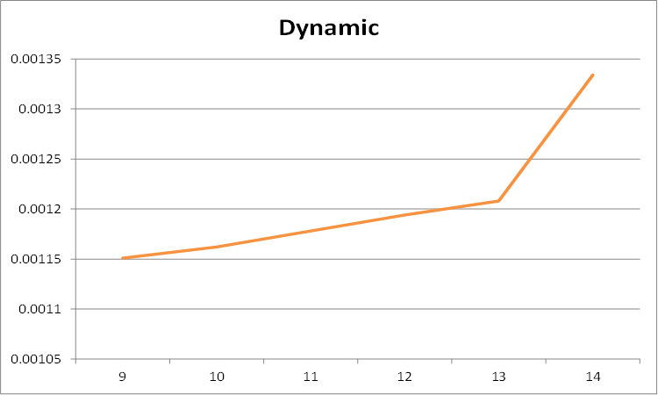
<RECURSION>
Length | 1 | 2 | 3 | 4 | 5 | 6 | 7 | 8 | 9 | 10 | 11 | 12 | 13 | 14
Time | 0.0032 | 0.0032 | 0.003281 | 0.003387 | 0.003551 | 0.004213 | 0.0010591 | 0.08553 | 0.23396 | 0.77048 | 18.1539 | 81.3177 | 669.361 | 4619.255

<DYNAMIC PROGRAMMING>
Length | 10 | 20 | 30 | 40 | 50 | 60 | 70 | 80 | 90 | 100 | 110 | 120 | 130 | 140
Time | 0.001347 | 0.00141 | 0.001415 | 0.002076 | 0.002091 | 0.003011 | 0.003576 | 0.004322 | 0.005195 | 0.005832 | 0.006571 | 0.008392 | 0.008599 | 0.009383

