Sheet1
ID | Flights( max passenger) | Arrival/Departure Date To be filled by tester | One way / Rountrip / Multicity To be filled by tester | Source --> Destination To be filled by tester | Hotel Rooms (max guests) | Hotel Name To be filled by tester | Check-in/Checout Date To be filled by tester | Car rentals | To/From /location To be filled by tester | Pickup/ Drop-off date To be filled by tester | Result To be filled by tester | Response Time To be filled by tester | Comments To be filled by tester | Screenshot of error message To be filled by tester
Use Case 1 | 0 flights | - | - | - | 0 hotel rooms | - | - | 8 cars | 1. Boston Waterfront Ma 2. Airport, Boston, MA, USA To Washington DC South Capitol Street Heliport LLC, South Capitol Street Southeast, Washington, DC, USA, 20003 3. Harry Reid International Apo 4. Boston Waterfront Ma 5. WYNDHAM LAKE BUENA VISTA 6. Hilton At Walt Disney World 7. ST LOUIS LAMBERT INT'L 8. ST LOUIS LAMBERT INT'L | 1. 8/Oct-9/Oc 2. Aug 13-Aug 15 3. Sep 10 Sep 11 4. Aug 13-Aug 14 5. Aug 13-Aug 14 6. Aug 20-Aug 21 7. Aug 13-Aug 14 8. Jul 9-July 10 | Showing the blank page after checkout, Dashbard>> Not showing the bookings | Not taking too much time to show the result | Need to show proper message for Pass or Failed | 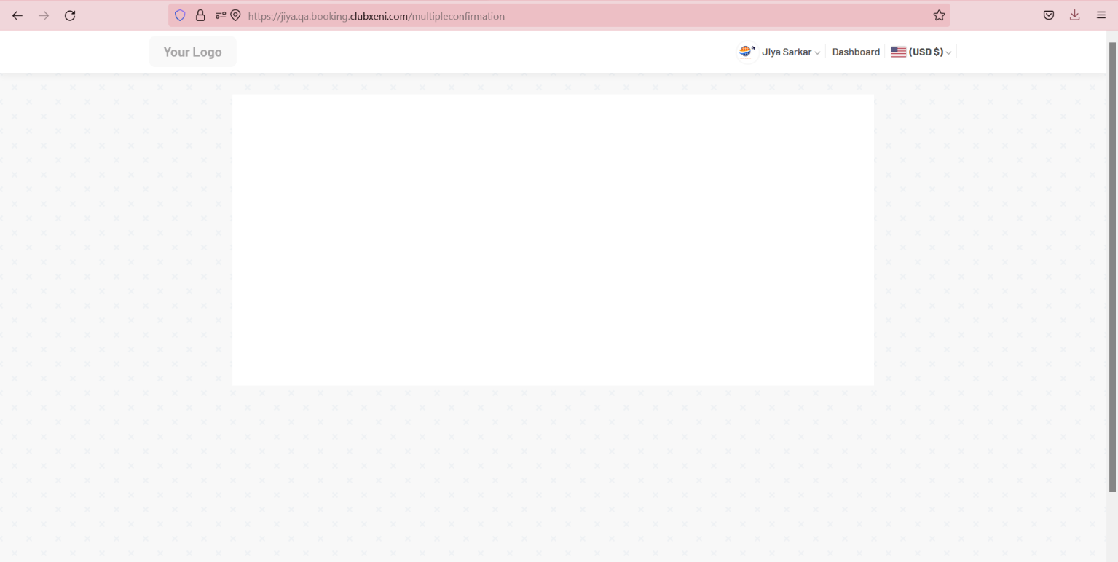
Use Case 2 | 0 flights | - | - | - | 0 hotel rooms | - | - | 7 cars | 1. Logan Intl Airport 2. San Francisco Intl Apo 3. Newark Liberty Intl Airport 4. NEWARK LIBERTY INTL APO--BOSTON LOGAN INTL AP 5. LOS ANGELES INTL AIRPORT- BOSTON LOGAN INTL AP 6. Tampa International Airport 7. NEW YORK-JFK AP | 1. Aug 13-Aug 14 2. Aug 13-Aug 14 3. Aug 13-Aug 14 4. July 30-July 31 5. Oct15-Oct 16 6. Oct 15-Oct 15 7. Jul 9-Jul 10 | 3 booking gets confirmed, 4 bookings gets failed | Taking around 30 sec to show the result |  | 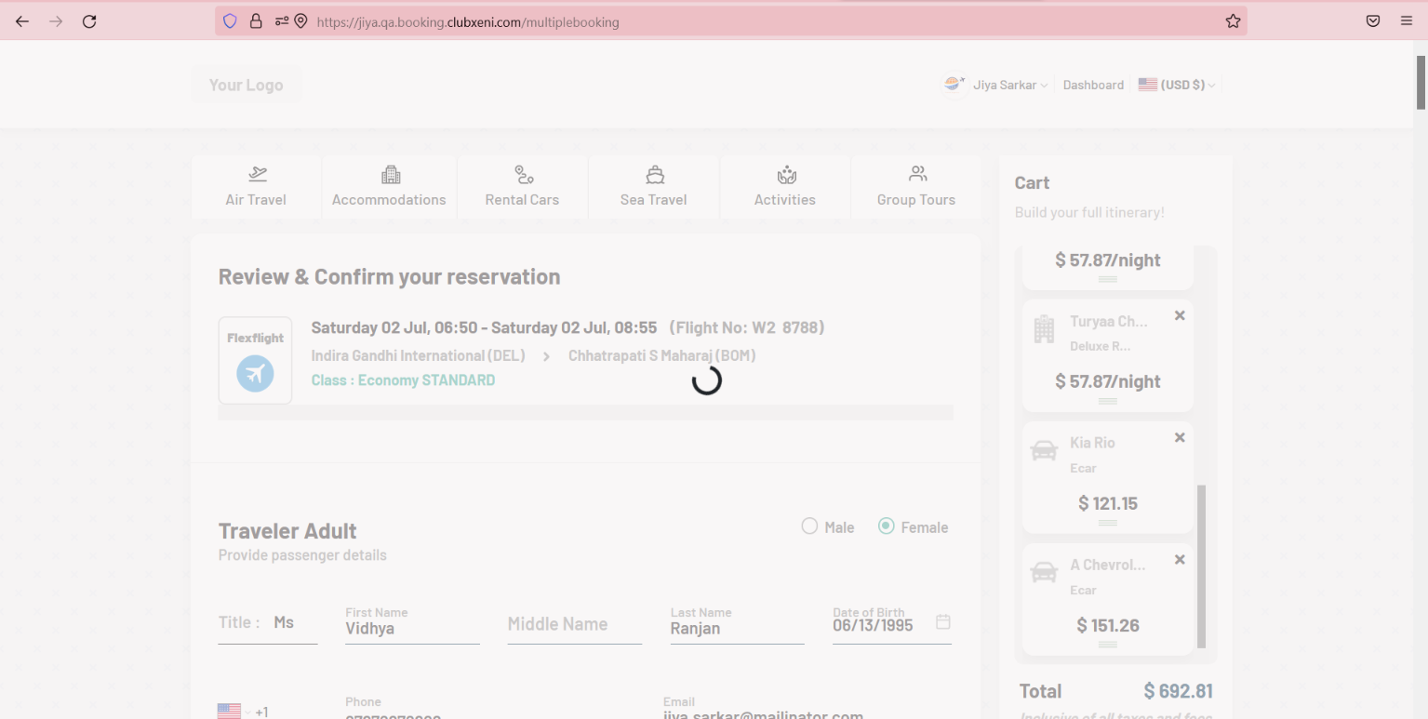
Use Case 3 | 0 flights | - | - | - | 0 hotel rooms | - | - | 6 cars | 1. Logan Intl Airport 2. San Francisco Intl Apo 3. Newark Liberty Intl Airport 4. NEWARK LIBERTY INTL APO--BOSTON LOGAN INTL AP 5. LOS ANGELES INTL AIRPORT- BOSTON LOGAN INTL AP 6. Tampa International Airport | 1. Aug 13-Aug 14 2. Aug 13-Aug 14 3. Aug 13-Aug 14 4. July 30-July 31 5. Oct15-Oct 16 6. Oct 15-Oct 15 | 3 booking gets confirmed, 3 bookings gets failed | Not taking much time to show the result |  | 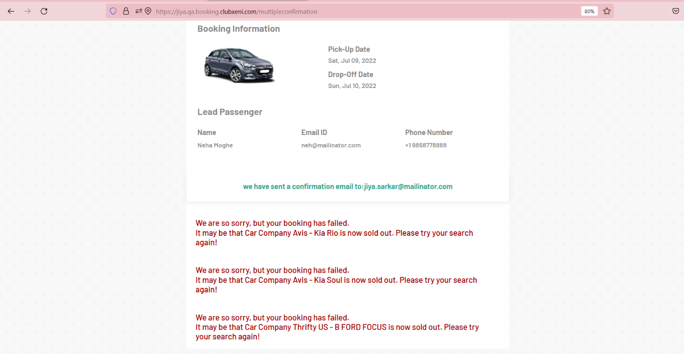
Use Case 4 | 0 flights | - | - | - | 0 hotel rooms | - | - | 5 Cars | 1. Los Angeles International Airport LAX, World Way, Los Angeles, CA, USA, 90045 2. SFO Terminal 3 Concourse E, San Francisco, CA, USA, 94128 3. Newark Liberty INTL 4. Tampa Int'l Airport 5. Newark Liberty Intl Airport | 1. Aug 13-Aug 14 2. July 23 3. Aug 27-Aug 28 4. Sep 3-Sep 4 | 4 bookings gets confirmed, 1 failed | Not taking much time to show the result | SKB: Confirmation page displayed 3 booked cars and 2 error messages | 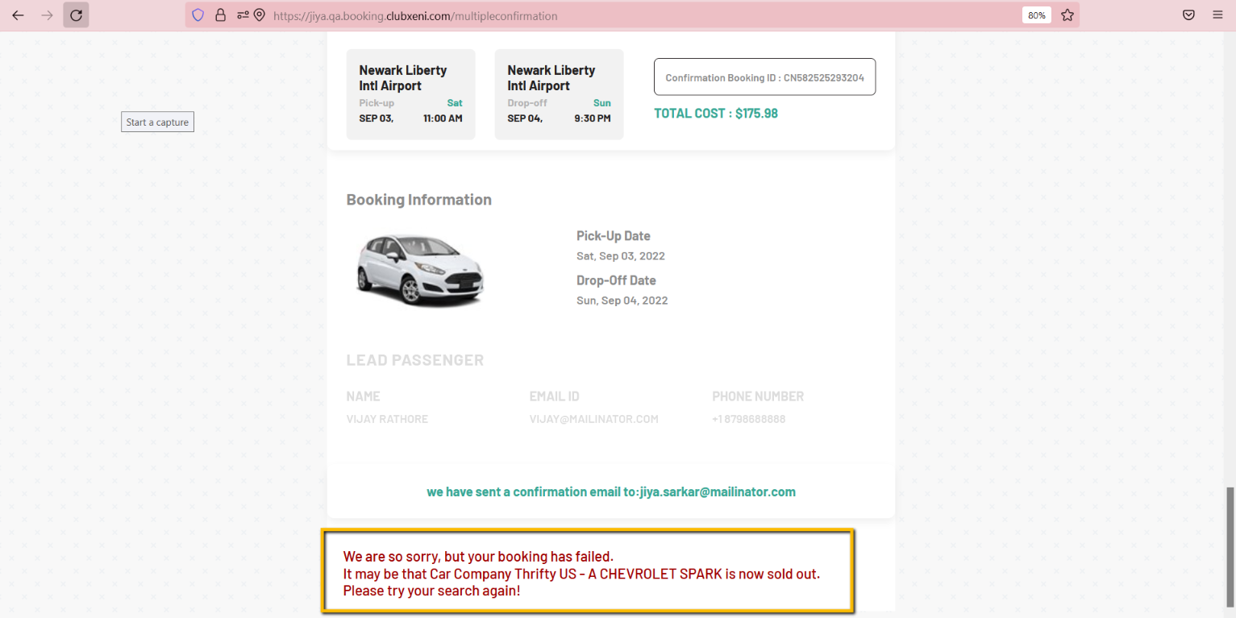
Use Case 5 | 0 flights | - | - | - | 0 hotel rooms | - | - | 4 cars | 1. Los Angeles International Apt 2. Boston Goverment Center 3. Airport, Burbank, Los Angeles, CA, USA, 91505 4. Back Bay Sztn Parking Garage | 1. Aug 13-Aug 14 2. Oct 8-Oct 9 3. Oct 8-Oct 9 4. Oct 8-Oct 9 | 3 booking gets confirmed , 1 failed | Not taking much time to show the result |  | 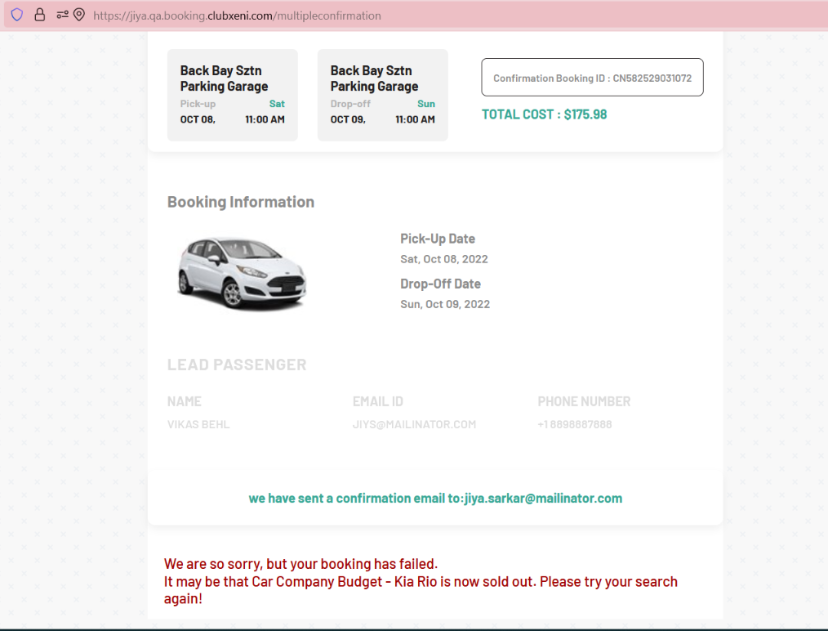
Use Case 6 | 0 flights | - | - | - | 0 hotel rooms | - | - | 3 cars | 1. Hobby Airport, Hobby Airport Loop, Houston, TX, USA, 77061 2. Airport Boulevard, Austin, TX, USA 3. Woodson Road, St Louis, Airport, MO, USA | 1. July 9-July 10 2. Sep 10-Sep 11 3. Sep 10-Sep 11 | 3 bookings gets confirmed
Use Case 7 | 0 flights | - | - | - | 0 hotel rooms | - | - | 2 cars | 1. Airport Boulevard, Austin, TX, USA 2. LA GUARDIA AP NY | 1. Jun 11-Jun12 2. July 16-July 17 | 2 Booking gets confirmed
Use Case 8 | 0 flights | - | - | - | 0 hotel rooms | - | - | 1 Car | 1. Boston Airport | 1. Aug 13-Aug 14 | Booking gets confirmed
Use Case 9 | 0 flights | - | - | - | 6 hotel rooms ( 4 adults and 4 children in each room . Total 48 guests) | Turyaa Chennai/ Taj Connemara | Sep 01 - Sep 02 Sep 14 - Sep 15 | 0 cars | - | - | Sorry! No Results found There are no hotel for the selected criteria |  |  | https://drive.google.com/file/d/1Z6vUszoFEJ8qkZily_KHvmKO9vr668-I/view?usp=sharing
Use Case 10 | 0 flights | - | - | - | 6 hotel rooms ( 4 adults and 0 children in each room . Total 24 guests) | Turyaa Chennai/ Taj Connemara | Sep 01 - Sep 02 Sep 14 - Sep 15 | 0 cars | - | - | Turyaa Chennai/ Taj Connemara hotels are not listed for the selected criteria
Use Case 11 | 0 flights | - | - | - | 6 hotel rooms ( 4 adults and 1 child in each room . Total 30 guests) | Turyaa Chennai/ Taj Connemara | Sep 01 - Sep 02 Sep 14 - Sep 15 | 0 cars | - | - | Sorry! No Results found There are no hotel for the selected criteria |  |  | https://drive.google.com/file/d/1FJ294_LDa1uupmx-UMV43J8otF34YCl_/view?usp=sharing
Use Case 12 | 0 flights | - | - | - | 6 hotel rooms ( 1 adults and 4 children in each room . Total 30 guests) | Turyaa Chennai/ Taj Connemara | Sep 01 - Sep 02 Sep 14 - Sep 15 | 0 cars | - | - | Sorry! No Results found There are no hotel for the selected criteria |  |  | https://drive.google.com/file/d/1UP8Ysg3BNIKGyWLqmjHgpiwvB1ussS_Q/view?usp=sharing
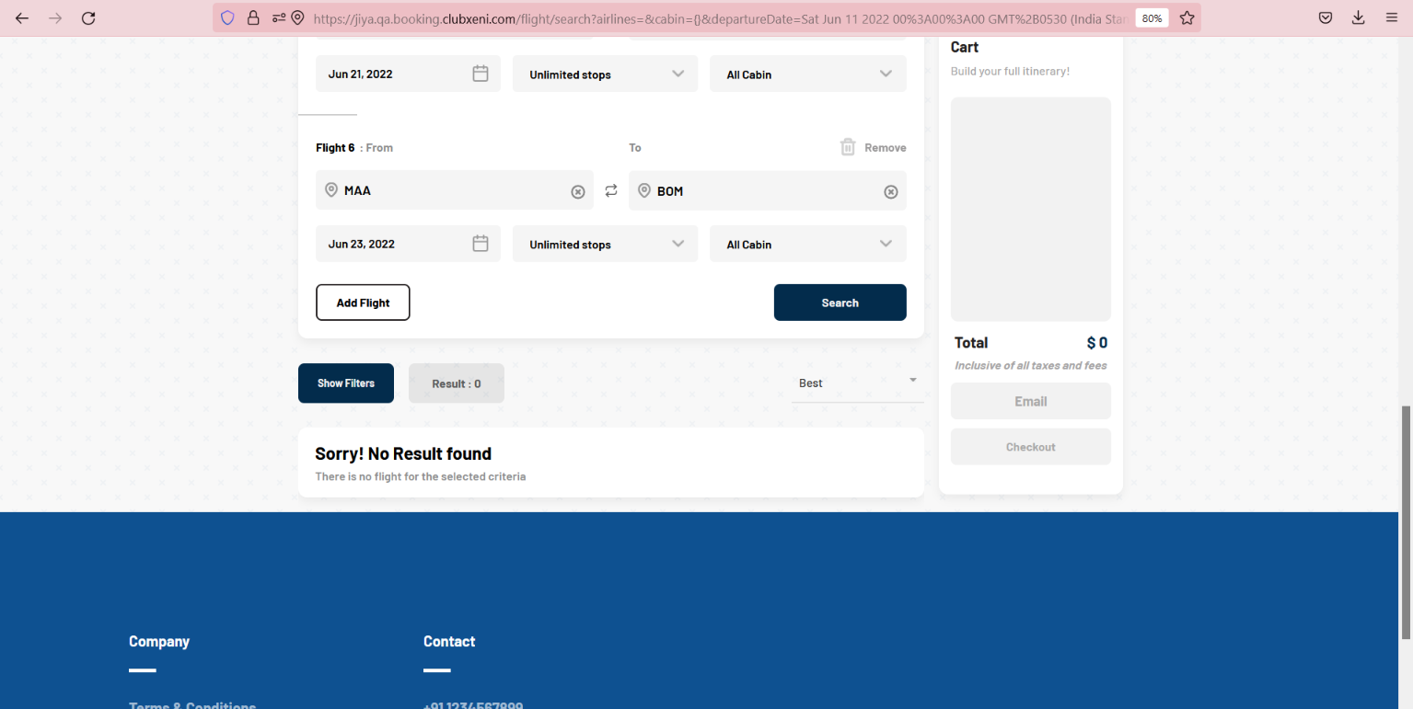
Use Case 13 | 0 flights | - | - | - | 6 hotel rooms ( 1 adult in each room. Total 6 guests) | Turyaa Chennai/ Taj Connemara | Sep 01 - Sep 02 Sep 14 - Sep 15 | 0 cars | - | - | Hotel Tickets booked Successfully | Taking around 15 secs to shown the confirmed tickets
Use Case 14 | 0 flights | - | - | - | 6 hotel rooms ( 2 adults in each room. Total 12 adults) | Turyaa Chennai/ Taj Connemara | Sep 01 - Sep 02 Sep 14 - Sep 15 | 0 cars | - | - | Hotel Tickets booked Successfully | Taking around 20 secs to shown the confirmed tickets | SKB: Please verify all the bookings in dashboard as well
Use Case 15 | 0 flights | - | - | - | 5 hotel rooms ( 1 adult in each room. Total 5 guests) | Turyaa Chennai/ Taj Connemara | Sep 01 - Sep 02 Sep 14 - Sep 15 | 0 cars | - | - | Hotel Tickets booked Successfully | Taking around 30 secs to shown the confirmed tickets
Use Case 16 | 0 flights | - | - | - | 5 hotel rooms ( 4 adults and 4 children in each room. Total 40 guests) | Turyaa Chennai/ Taj Connemara | Sep 01 - Sep 02 Sep 14 - Sep 15 | 0 cars | - | - | Sorry! No Results found There are no hotel for the selected criteria
Use Case 17 | 0 flights | - | - | - | 4 hotel rooms ( 1 adult in each room. Total 4 guests) | Turyaa Chennai/ Taj Connemara | Sep 01 - Sep 02 Sep 14 - Sep 15 | 0 cars | - | - | Hotel Tickets booked Successfully | Taking around 10 secs to shown the confirmed tickets
Use Case 18 | 0 flights | - | - | - | 4 hotel rooms ( 4 adults and 4 children in each room. Total 32 guests) | Turyaa Chennai/ Taj Connemara | Sep 01 - Sep 02 Sep 14 - Sep 15 | 0 cars | - | - | Sorry! No Results found There are no hotel for the selected criteria
Use Case 19 | 0 flights | - | - | - | 3 hotel rooms ( 1 adult in each room. Total 3 guests) | Turyaa Chennai/ Taj Connemara | Sep 01 - Sep 02 Sep 14 - Sep 15 | 0 cars | - | - | Hotel Tickets booked Successfully | Taking around 10 secs to shown the confirmed tickets
Use Case 20 | 0 flights | - | - | - | 3 hotel rooms ( 4 adults and 4 children in each room. Total 24 guests) | Turyaa Chennai/ Taj Connemara | Sep 01 - Sep 02 Sep 14 - Sep 15 | 0 cars | - | - | Sorry! No Results found There are no hotel for the selected criteria
Use Case 21 | 0 flights | - | - | - | 2 hotel rooms ( 1 adult in each room. Total 2 guests) | Turyaa Chennai/ Taj Connemara | Sep 01 - Sep 02 Sep 14 - Sep 15 | 0 cars | - | - | Hotel Ticket booked Successfully | Not taking too much time to show the confirmed tickets
Use Case 22 | 0 flights | - | - | - | 2 hotel rooms ( 4 adults and 4 children in each room. Total 16 guests) | Turyaa Chennai/ Taj Connemara | Sep 01 - Sep 02 Sep 14 - Sep 15 | 0 cars | - | - | Sorry! No Results found There are no hotel for the selected criteria
Use Case 23 | 0 flights | - | - | - | 1 hotel room ( 1 adult in the room. Total 1 guest) | Turyaa Chennai/ Taj Connemara | Sep 01 - Sep 02 Sep 14 - Sep 15 | 0 cars | - | - | Hotel Ticket booked Successfully | Not taking too much time to show the confirmed tickets
Use Case 24 | 0 flights | - | - | - | 1 hotel rooms ( 4 adults and 4 children in the room. Total 8 guests) | Turyaa Chennai/ Taj Connemara | Sep 01 - Sep 02 Sep 14 - Sep 15 | 0 cars | - | - | Turyaa Chennai/ Taj Connemara hotels are not listed for the selected criteria
Use Case 25 | 0 flights | - | - | - | 1 hotel rooms ( 1 adult, Total 1 guest) | Turyaa Chennai/ Taj Connemara | Sep 01 - Sep 02 Sep 14 - Sep 15 | 0 cars | - | - | Hotel Ticket booked Successfully | Not taking too much time to show the confirmed tickets
Use Case 26 | 0 flights | - | - | - | 4 hotel rooms ( 4 adults and 4 children in each room. Total 32 guests) | Turyaa Chennai/ Taj Connemara | Sep 01 - Sep 02 Sep 14 - Sep 15 | 0 cars | - | - | Sorry! No Results found There are no hotel for the selected criteria
Use Case 27 | 1 flight ( 9 pax, 6 multi-city) | - | Multicity | 1. Bom to Del 2. Del to Indore 3. Indore to Hyderabad 4. Hyderabad to Delhi 5. Del to Chennai 6 Chennai to Bom | 0 hotel rooms | - | - | 0 cars | - | - | Taking too much time to show the flight result, Not getting the serach result
Use Case 28 | 1 flight ( 9 pax, 2 multi-city) | - | Multicity | 1. Bom-Del 2. Del-Chennai | 0 hotel rooms | - | - | 0 cars | - | - | Unable to checkout, get stuck in the checkout page |  |  | https://www.screencast.com/t/OhHqSvcbkY
Use Case 29 | 1 flight ( 9 pax, oneway | - | One Way | 1. Bom-Del | 0 hotel rooms | - | - | 0 cars | - |  | Booking is successfull |  |  | 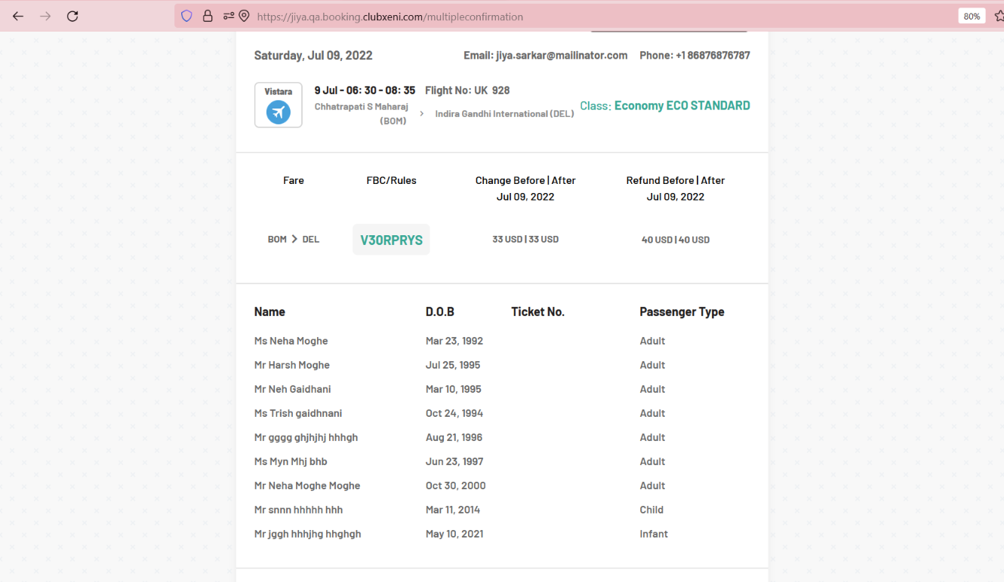
Use Case 30 | 1 flight(1pax,one way) |  | One Way | 1. Bom to Del |  |  |  |  |  | 2022-03-12 | Booking is successfull
Use Case 31 | 1 flight ( 9 pax, roundtrip | - | Round Trip | 1. Bom to Del Del to Bom | 0 hotel rooms | - | - | 0 cars | - | Aug | Booking is successfull |  |  | 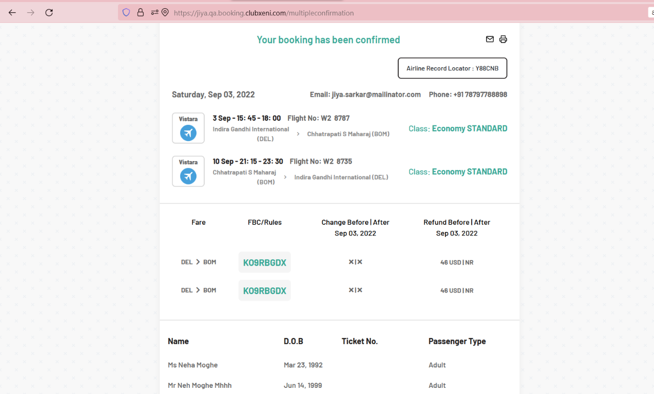
Use Case 32 | 2 flights (9 pax in each flight ,6 multi-city)t) | - | Multicity | 1. Bom to Del 2. Del to Indore 3. Indore to Hyderabad 4. Hyderabad to Delhi 5. Del to Chennai 6 Chennai to Bom | 0 hotel rooms | - | - | 0 cars | - | - | Taking too much time to show the flight result, Not getting the serach result
Use Case 33 | 2 flights (9 pax in total, one way) | - | One Way | 1. Bom to Del 2. Del to Indore 3. Indore to Hyderabad 4. Hyderabad to Delhi 5. Del to Chennai 6 Chennai to Bom | 0 hotel rooms | - | - | 0 cars | - | - | Taking too much time to show the flight result, Not getting the serach result
Use Case 34 | 2 flights ( 1pax each flight, one way) | - | One Way | 1. Bos---EWR 2. Bom----Indore | 0 hotel rooms | - | - | 0 cars | - | - | Booking gets failed |  |  | 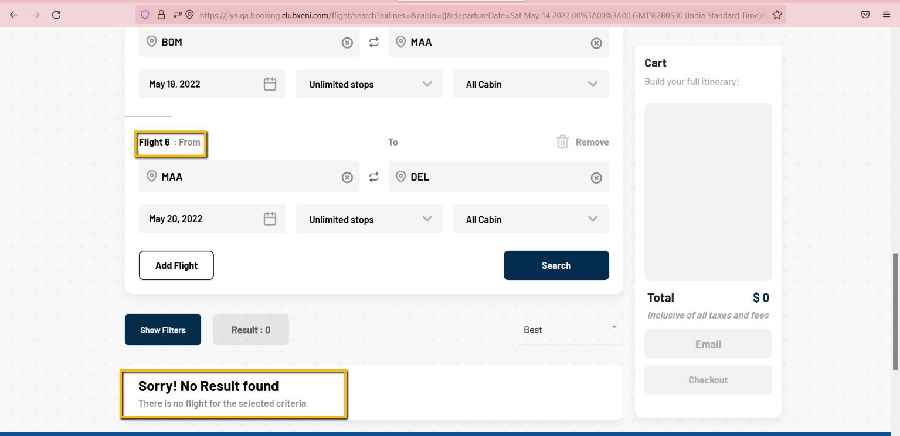 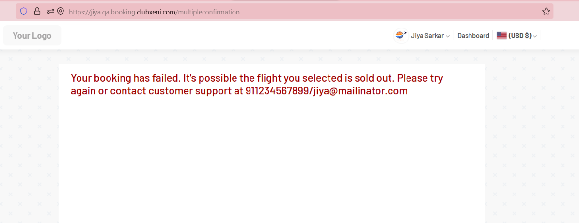
Use Case 35 | 3 flights(9 pax each, one way) | July 10 July 10 July 11 July 12 Aug 10 Aug 11 | One Way | 1. Bom to Del 2. Del to Indore 3. Indore to Hyderabad 4. Hyderabad to Delhi 5. Del to Chennai 6 Chennai to Bom | 0 hotel rooms | - | - | 0 cars | - | - | Taking too much time to show the flight result, Not getting the serach result
Use Case 36 | 3 flights(9 pax each, 6 multicity) | - | Multicity | Bom--Del Del--Hyd Hyd---Indore Indore---Bhopal Bhopal---Pune Pune--Bom | 0 hotel rooms | - | - | 0 cars | - | - | Not getting the result
Use Case 37 | 3 flights (1 pax, one way) | - | One way | - | 0 hotel rooms | - | - | 0 cars | - | - | Booking gets failed |  |  | https://www.screencast.com/t/rFohK5vhFw77
Use Case 38 | 3 flights(9 pax in total, one way | - | One Way | - | 0 hotel rooms | - | - | 0 cars | - | - | Booking gets confirmed |  | SKB: Confirmation page displayed error message but 2 flights booked in dashboard . One failed booking didn’t show up in dashboard
Use Case 39 | 3 flights (1 pax, one way) | - | One Way | - | 0 hotel rooms | - | - | 0 cars | - | - | Booking gets failed
Use Case 40 | 4 flights(9 pax each, one way) | 2022-09-01 | One Way | HYD - DEL DEF - DFW DEL - HYD DFW - DEL | 0 hotel rooms | - | - | 0 cars | - | - | Flight booking gets failed |  |  | https://drive.google.com/file/d/1uOwlU0lXt5KovyCJt90IYU-aYe0re7ZR/view?usp=sharing
Use Case 41 | 4 flights(9 pax each, 6 multicity) | 2022-09-02 | Multicity | HYD - DEL DEL - BOM BOM - PUN PUN - GOA GOA - DEL DEL - DFW | 0 hotel rooms | - |  | - | - | - | Sorry! No Result found There is no flight for the selected criteria
Use Case 42 | 4 flights (1 pax, one way) | 2022-10-05 | One Way | HYD - DEL DEF - DFW DEL - HYD DFW - DEL | 0 hotel rooms | - | - | 0 cars | - | - | Flight booking gets failed |  |  | https://drive.google.com/file/d/1uOwlU0lXt5KovyCJt90IYU-aYe0re7ZR/view?usp=sharing
Use Case 43 | 4 flights(9 pax in total, one way | 2022-11-01 | One Way | HYD - DEL DEF - DFW DEL - HYD DFW - DEL | 0 hotel rooms | - | - | 0 cars | - | - | Flight booking gets failed |  |  | https://drive.google.com/file/d/1uOwlU0lXt5KovyCJt90IYU-aYe0re7ZR/view?usp=sharing
Use Case 44 | 4 flights (1 pax, one way) | 2022-11-01 | One Way | HYD - DEL DEF - DFW DEL - HYD DFW - DEL | 0 hotel rooms | - | - | 0 cars | - | - | Flight booking gets failed |  |  | https://drive.google.com/file/d/1uOwlU0lXt5KovyCJt90IYU-aYe0re7ZR/view?usp=sharing
Use Case 45 | 1 flight (9 pax, one way) |  | One Way | DAS - DEL | 4 hotel rooms( 2adults each) | Taj Connemara | Sep 01 - Sep 02 | 3 cars | 1. Airport, Kansas City, MO, USA, 64153 2. DallasFort Worth International Airport 3. Airport, East Van Buren Street | Sep 01 - Sep 02 Oct 02 - Oct 03 Nov 01 - Nov 02 | 1. Flight booking successfull 2. 3 Cars booking successfull 3. Hotels booking Failed | Taking around 10 secs to shown the confirmed tickets |  | https://drive.google.com/file/d/1-z_Q2zuwX50Vp3XC_smPTLT2QrxVIfmx/view?usp=sharing
Use Case 46 | 1 flight (9 pax, one way) | 2022-10-01 | One Way | DEL - HYD | 3 hotel rooms( 2adults each) | Taj Connemara | Oct 01 - Oct 02 | 4 cars | 1. Airport, Kansas City, MO, USA, 64153 2. DallasFort Worth International Airport 3. Logan Intl Airport 4. San Francisco, CA, USA | Oct 05 - Oct 06 Oct 10 - Oct 11 Dec 02 - Dec 03 Nov 01 - Nov 02 | 1. Flight booking successfull 2. 4 Cars booking successfull 3. Hotels booking Failed | Taking around 10 secs to shown the confirmed tickets |  | https://drive.google.com/file/d/1mZ9fBPl5V9vnLamJRmRcUDUJwMhn3pl0/view?usp=sharing
Use Case 47 | 1 flight (9 pax, one way) | 2022-09-01 | One Way | DAS - HYD | 3 hotel rooms( 2adults each) | Taj Connemara | Sep 01 - Sep 02 | 3 cars | 1. Airport, Kansas City, MO, USA, 64153 2. DallasFort Worth International Airport 3. Logan Intl Airport | Sep 01 - Sep 02 Oct 01 - Oct 02 Nov 01 - Nov 02 | 1. Flight booking successfull 2. 2 Cars booking successfull 1 car booking failed 3. Hotels booking Failed | Taking around 10 secs to shown the confirmed tickets |  | https://drive.google.com/file/d/1osqZRISKS3iXeOEA5elom49QR6TIwJwN/view?usp=sharing https://drive.google.com/file/d/1WYvQYmKQJuYUZWLt3fH4isSFBmOg5_yH/view?usp=sharing
Use Case 48 | 1 flight (1 pax, one way) | July 2-July 3 | Oneway | Bom--Del | 4 hotel rooms( 2adults each) | Turyaa | Sep 24-Sep 25 | 4 cars | 1..SAN FRANCISCO INTL AP 2. Newark Liberty Intl Airport 3. SAN FRANCISCO INTL AP 4. Newark Liberty Intl Airport | Aug 06-Aug 07 Aug 06- Aug 07 Aug 06-Aug 07 Aug 06-Aug 07 | Loader is running continuoulsy/Getting blank page after checkout | Taking time to show the result | Loader is running continuoulsy | https://www.screencast.com/t/juAR81Rqg0 https://www.screencast.com/t/0SrA0rJGd
Use Case 49 | 1 flight (9 pax, multicity) | 2022-09-03 | One Way | Bom---Del | 3 hotel rooms( 2adults each) | Turyaa | Sep 24-Sep 25 | 2 cars | 1.. SAN FRANCISCO INTL AP 2. Newark Liberty Intl Airport | Aug 06-Aug 07 Aug 06- Aug 07 | 1. Flight booking confirmed 2. 2 Cars Bookings confirmed 3. Hotels Rooms booking Failed |  |  | https://www.screencast.com/t/a4y1qtmDjL
Use Case 50 | 1 flight (1 pax, multicity) | June 04 June 06 | Multicity | Del - Chennai Chennai-Bom | 6 hotel rooms( 1 adult each) | Turyaa Taj Connemara |  | 1 car | SAN JOSE INTL AIRPORT |  | Loader is running continuoulsy | Taking time to show the result | Loader is running continuoulsy | https://www.screencast.com/t/SfRKVH7cua
Use Case 51 | 1 flight (9 pax, roundtrip) | 2022-07-10 | Round Trip | Bom--Del | 1 hotel room (1 adult) | Turyaa | Oct 1-Oct 2 | 6 cars | 1. Logan Intl Airport 2. San Francisco Intl Apo 3. Newark Liberty Intl Airport 4. NEWARK LIBERTY INTL APO--BOSTON LOGAN INTL AP 5. LOS ANGELES INTL AIRPORT- BOSTON LOGAN INTL AP 6. Tampa International Airport | 1. Sep 05-06 2. Sep 16-Sep 17 3. Sep 16-Sep 17 4. Sep 16-Sep 17 | 1. Fligh booking Confirmed 2. Hotel Booking Failed 3. 4 Cars booked successfully 4. 2 Car booking failed | Normal time |  | https://www.screencast.com/t/fchXlZtGYX https://www.screencast.com/t/GjK0jYoYlYth
Use Case 52 | 4 flight (1 pax, one way) | 1. July 02 2. July 02 3. Aug 13 4. Aug 13 | One Way | Del---Bom Bom---Del Chennai---Del Bom---Del | 2 hotel rooms (1 adult each) | Turyaa 2 Rooms | Sep 10 Sep 10 | 2 cars | 1. Newark Liberty Intl Airport 2. SAN FRANCISCO INTL AP | 06 Aug-07 Aug | Loader is running continuously | Taking time to show the result
Use Case 53 | 2 Flights (1pax) One way, Round trip | Sep-01 Sep-02 | One Way Round Trip | DAS - DEL DEL - DAS | 2 hotel rooms (1 adult each) | Taj Connemara | Sep-01 Sep-02 | 2 Cars | 1. Newark Liberty Intl Airport 2. SAN FRANCISCO INTL AP | Sep-01 Sep-02 | 1. Flight booking Failed 2. Hotel Booking Failed 3.Cars booked successfully | Taking around 10 secs to shown the confirmed tickets |  | https://drive.google.com/file/d/1yZVoNxt58sJcUSZt2dhUUkZDQqHIjqEy/view?usp=sharing https://drive.google.com/file/d/1mZ9fBPl5V9vnLamJRmRcUDUJwMhn3pl0/view?usp=sharing
Use Case 54 | 3 Flights (1 pax each flight) One way, Round trip, MultiCity | Sep-01 Sep-02 | One Way Round Trip MultiCity | DAS - DEL DEL - DAS DEL - HYD | 2 hotel rooms (1 adult each) | Taj Connemara | Sep-01 Sep-02 | 3 Cars | 1. Newark Liberty Intl Airport 2. SAN FRANCISCO INTL AP 3. Logan Intl Airport | Sep-01 Sep-02 | 1. Flight booking Failed 2. Hotel Booking Successfully 3. 2 Cars booked successfully 1 car booking Failed | Taking around 10 secs to shown the confirmed tickets |  | https://drive.google.com/file/d/1W1PwOHlZIliyU6A2xG3lz7GUx7kqgyVM/view?usp=sharing
Use Case 55 | 3 Flights (9 pax in total) One way, Round trip, MultiCity | Sep-03 Sep-04 | One Way Round Trip MultiCity | DAS - DEL DEL - DAS DEL - HYD | 3 hotel rooms (1 adult each) | Taj Connemara | Sep-01 Sep-02 | 3 Cars | 1. Newark Liberty Intl Airport 2. SAN FRANCISCO INTL AP 3. Logan Intl Airport | Sep-01 Sep-02 | 1. Flight booking Failed 2. Hotel Booking Successfully 3. 2 Cars booked successfully 1 car booking Failed | Taking around 10 secs to shown the confirmed tickets |  | https://drive.google.com/file/d/1W1PwOHlZIliyU6A2xG3lz7GUx7kqgyVM/view?usp=sharing
Use Case 56 | 4 flights (9 pax in total and combination of One way, Round trip, Multicity | Sep-03 Sep-04 | One Way Round Trip MultiCity | DAS - DEL DEL - DAS DEL - HYD HYD - DEL | 1 hotel room ( 4 adults) | Taj Connemara | Sep-01 Sep-02 | 1 Car | 1. Newark Liberty Intl Airport | Sep-01 Sep-02 | 1. Flight booking Failed 2. Hotel Booking Successfully 3. Cars booked successfully | Taking around 20 secs to shown the confirmed tickets |  | https://drive.google.com/file/d/1yZVoNxt58sJcUSZt2dhUUkZDQqHIjqEy/view?usp=sharing
Use Case 57 | 1 Flight (pax 9) | 2022-06-18 | One Way | Bom--Del | 1 hotel rooms ( 4 adults 4 children) | hostel gandhi | Aug13-Aug14 | 4 Cars | 1. Logan Intl Airport 2. Boston Waterfront Ma 3. San Francisco Intl Apo 4. JOHN WAYNE AIRPORT | 6-7 aUG 15-16 aUG 20-21 aUG 20-21 aUG | 1. Flight booking successfull 2. Hotel Booking Successfull 3. 3 Cars booking successfull 1 car booking failed |  | Only 1 booking gets failed | https://prnt.sc/_YjV5PdUV9dQ
Use Case 58 | 4 flights( pax 1 each flight oneway) | 2022-07-02 | One Way | Bos-Lax | 2 hotel rooms (1 adult each room) | Turyaa Chennai | Spe 10-Sep 11 | 4 cars | 1. Newark Liberty Intl Airport 2. San Francisco Intl Apo 3. Avis Rent A Car Lebanon,nh 4. San Francisco Intl Apo | 09 Jul 2022 to 10 Jul 2022 09 Jul 2022 to 10 Jul 2022 09 Jul 2022 to 10 Jul 2022 09 Jul 2022 to 10 Jul 2022 | 1. Flights Booking gets failed 2. One Hotel is booked/One Failed 3. 3 cars booking gets confirmed/1 failed |  |  | https://www.screencast.com/t/Op5dTol0FCr https://www.screencast.com/t/fTRE1ytf0Qt
Use case 59 | 2 flights( 1 pax each) |  |  |  | 4 hotel rooms( 2adults each) |  |  | 3 cars |  |  |  |  | SKB: Please specify which booking failed

