CONVOY MOVEMENT CALCULATOR
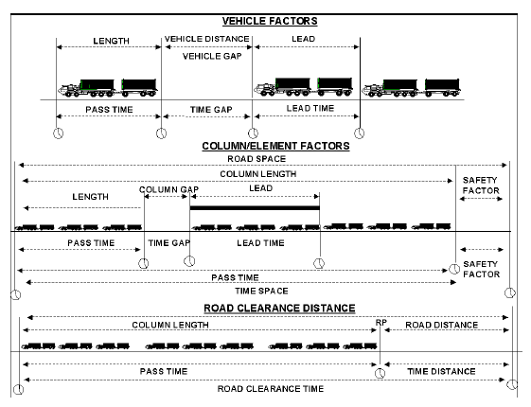
ROUTE MOVEMENT PLANNING

FILL IN WHITE AREAS ONLY
ENTER TOTAL NUMBER OF VEHICLES IN CONVOY / SERIAL |  |  |  | BUMPER TO BUMPER STAGING SPACE
195.9 | 2 | HMMWV |  | 22 | TOTAL VEHICLES
330.9 | 2 | HMMWV/W 1102 TRAILER |  |  | 55
330.9 |  | HMMWV/W 1102 GEN TRAILER |  | 922.25833333 | TOTAL VEHICLE STAGING SPACE (FT)
314.9 | 7 | MTVR |  | 0.17467013889 | MILES | 0.28 | KM
502.4 |  | MTVR W/ 353 TRAILER
512.9 |  | MTVR W/ 593 TRAILER |  | QUICK DISTANCE / TIME / RATE CALCULATOR
860.9 |  | MTVR W/ HOWITZER |  | 50.00 | DISTANCE TO TRAVEL
D
476.9 |  | MTVR W/ 149 TRAILER
686.5 | 3 | MTVR W/ EET |  |  | RATE OF MARCH
R
T
387.2 |  | MTVR WRECKER
314.9 | 3 | MTVR DUMP |  | #DIV/0! | TIME (MINUTES)
386.5 |  | MTVR (XLWB)
548.5 |  | MTVR (XLWB) W/ 149 TRAILER
574 |  | MTVR (XLWB) W/ 353 TRAILER
584.5 |  | MTVR (XLWB) W/ 593 TRAILER
427.5 |  | LVSR MKR18
786.2 |  | LVSR MKR18 W/PLST |  | PASS TIME CALCULATOR |  |  |  | DENSITY
415.5 |  | LVSR MKR16 |  |  | VEHICLE GAP (METERS)
923.5 | 4 | LVSR MKR16 W/870 TRAILER
451 | 1 | LVSR MKR 15 |  | 39.420833333 | AVERAGE VEHICLE LENGTH (METERS)
 |  | OTHER (QTY)
0 |  |  | LENGTH IN INCHES | 25.37 | DENSITY OR VEHICLES PER KILOMETER

TIME GAP
 | NUMER OF MARCH UNITS |  |  | 0.86725833333 | ROAD SPACE (KILOMETERS)

 | MARCH UNIT TIME GAP |  |  | #DIV/0! | ROAD CLEARANCE TIME (MINUTES)

 | NUMBER OF SERIALS |  |  | ADD 1 MINUTE FOR EVERY 25 VEHICLES

 | SERIAL TIME GAP |  |  | #DIV/0! | Arrival time | Minutes from SP
 |  |  |  | #DIV/0! | Mission Complete | Minutes from SP
0 | TIME GAPS

FUEL CALCULATOR_AIR
Confirm
 |  | SUSTAINED INTENSITY RATE
= | = | = | = | = | =
 | GAL FUEL | SORTIE | SUSTAINED
TYPE | PER | LENGTH | SORTIE | QTY | GAL
AIRCRAFT | HOUR | HOUR | RATE | AIRCRAFT | PER/DAY
= | = | = | = | = | =
A-6 | 1035 | 1.5 | 1.7 | 0 | 0
RF-4 | 1427 | 1.0 | 2.3 | 0 | 0
FA-18 | 1170 | 1.0 | 2.6 | 0 | 0
AV-8B | 758 | 1.0 | 3.0 | 0 | 0
OA-4M | 542 | 1.3 | 2.0 | 0 | 0
EA-6B | 992 | 2.0 | 1.3 | 0 | 0
KC-130 | 775 | 8.0 | 2.0 | 0 | 0
OV-10 | 94 | 2.0 | 1.8 | 0 | 0
CH-53D | 255 | 3.0 | 3.8 | 0 | 0
CH-53E | 435 | 3.0 | 3.8 | 0 | 0
CH-46 | 145 | 3.0 | 3.8 | 0 | 0
MV-22 |  |  | 2.5 | 0 | 0
UH-1N | 87 | 3.0 | 3.4 | 0 | 0
AH-1W | 97 | 1.2 | 3.4 | 0 | 0
MH-60 |  |  |  | 0 | 0
= | = | = | = | = | =
TOTAL PER DAY |  |  |  | 0 | 0

30 DAY TOTAL |  |  |  |  | 0

= | = | = | = | = | =

 |  | MONTHLY WARTIME FLIGHT HOURS
= | = | = | = | = | =
 | GAL FUEL | MONTHLY
TYPE | PER | FLIGHT |  | QTY | GAL
AIRCRAFT | HOUR | HOURS |  | AIRCRAFT | PER/DAY
= | = | = | = | = | =
A-6 | 1035 | 40.1 |  | 0 | 0
RF-4 | 1427 | 31.1 |  | 0 | 0
FA-18 | 1170 | 47.2 |  | 0 | 0
AV-8B | 758 | 39.9 |  | 0 | 0
OA-4M | 542 | 35.0 |  | 0 | 0
EA-6B | 992 | 48.8 |  | 0 | 0
KC-130 | 775 | 120.0 |  | 0 | 0
OV-10 | 94 | 34.5 |  | 0 | 0
CH-53D | 255 | 35.5 |  | 0 | 0
CH-53E | 435 | 35.5 |  | 0 | 0
CH-46 | 145 | 35.2 |  | 0 | 0
UH-1N | 87 | 36.3 |  | 0 | 0
AH-1W | 97 | 35.4 |  | 0 | 0
= | = | = | = | = | =
TOTAL PER DAY |  |  |  | 0 | 0

30 DAY TOTAL |  |  |  |  | 0

