Introduction
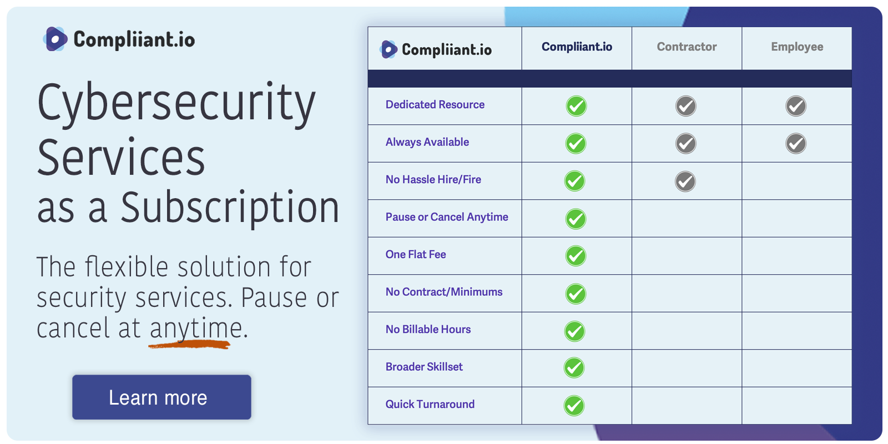

Security Services as a Subscription

Compliiant.io provides security services like Penetration Testing
and Vulnerability Management on a monthly subscription. Pause
or cancel anytime!

Visit Compliiant.io

Risk Profile
Profile your company to find out why your organization might be a target to hackers. Better
understand the level of sophistication (TTPs) your Penetration Testers should be employing. I
developed this profile approach in my previous book, "Physical Red Team Operations."

Risk Rating
Comprehensively evaluate risk using this broader and real-world set of criteria. Leverage
your Risk Profile rating for additional value.

© Copyright 2024, Compliiant.io. All rights reserved.

Risk Profile
Risk Profile
Use this table to profile your organization or client. This should help determine the sophistication level of TTPs to use during offensive security testing and
add additional flavor when rating risks. A higher value indicates greater risk. See notes for guidance.

Risk Profile
Exposure Factors | Industry | 0
 | Size | 0
 | Geographic Footprint | 0
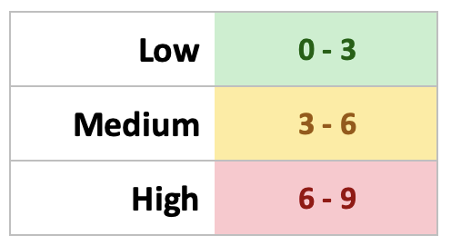
 | Prominent Personas | 0
 | Political Involvement | 0
 | Customers | 0
 | Technology Adoption | 0

 | Sum All Factors | 0

 | Profile | 0.00

Risk Rating
Risk Calculation
Use this to evaluate risk comprehensively over a broader set of real-world factors. See the notes for guidance. A higher value indicates greater risk.

Likelihood |  |  | Impact
Bad Actors | Objective | 0 | Assets | Confidentiality | 0
 | Resources | 0 |  | Integrity | 0
 | Ability | 0 |  | Availability | 0
 | Immensity | 0 |  | Traceability | 0

Organizational | Industry | 0 | Customers | Monetary | 0
 | Size/Employees | 0 |  | Reputational | 0
 | Geographic | 0 |  | Privacy | 0
 | Customers | 0 |  | Litigation | 0

Flaws | Exploitability | 0 | Organizational | Perception | 0
 | Detectibility | 0 |  | Monetary | 0
 | Widespread | 0 |  | Compliance | 0
 | Identification | 0 |  | Employees | 0

 | Sum All Factors | 0 |  | Sum All Factors | 0

 | Total Likelihood | 0.00 |  | Total Impact | 0.00

 | Overall Risk | 0.00

