Sheet1
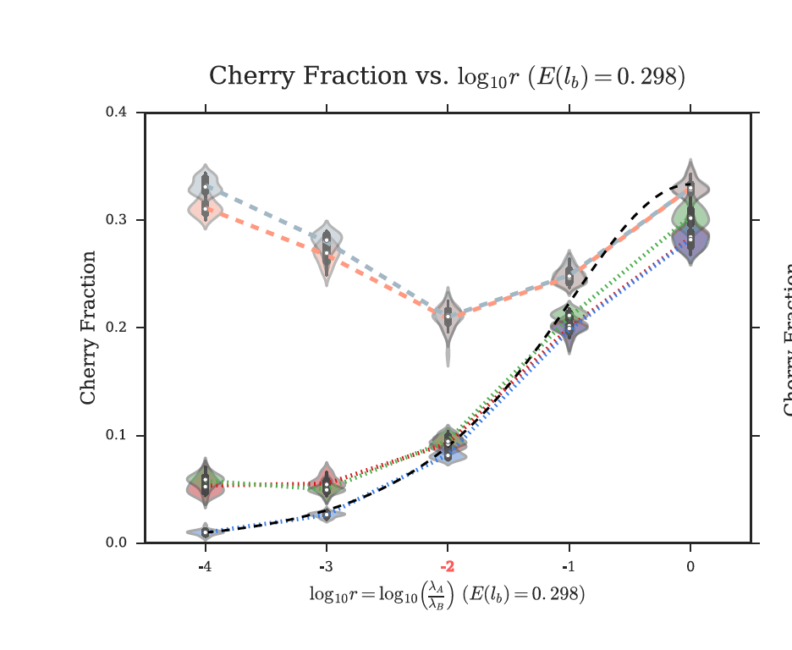
 | RF_fasttree80 | RF_true_fasttree80 | RF_fasttree90 | RF_true_fasttree90 | RF_raxml80 | RF_true_raxml80 | RF_raxml90 | RF_true_raxml90 | RF_before | CF_fasttree80 | CF_true_fasttree80 | CF_fasttree90 | CF_true_fasttree90 | CF_raxml80 | CF_true_raxml80 | CF_raxml90 | CF_true_raxml90 | CF_theoretical | CF_corrected
0.0001 | 0.9281 | 0.772 | 0.9359 | 0.367 | 0.914 | 0.755 | 0.932 | 0.319 | 0.9 | 0.189 | 0.162 | 0.0415 | 0.034 | 0.197 | 0.169 | 0.039 | 0.033 | 0.01 | 0.05
0.001 | 0.7826 | 0.557 | 0.8128 | 0.339 | 0.765 | 0.529 | 0.807 | 0.32 | 0.65 | 0.22 | 0.191 | 0.102 | 0.089 | 0.22 | 0.189 | 0.098 | 0.086 | 0.025 | 0.05
0.01 | 0.509575 | 0.302 | 0.60858 | 0.304 | 0.4955 | 0.289 | 0.612 | 0.29 | 0.37 | 0.2465 | 0.213 | 0.214 | 0.19 | 0.245 | 0.214 | 0.213 | 0.189 | 0.09 | 0.1
0.1 | 0.2575 | 0.105 | 0.3546 | 0.161 | 0.2552 | 0.101 | 0.355 | 0.164 | 0.18 | 0.271 | 0.258 | 0.289 | 0.272 | 0.27 | 0.258 | 0.29 | 0.272 | 0.2 | 0.2
1 | 0.16698 | 0.051 | 0.2262 | 0.086 | 0.17 | 0.051 | 0.235 | 0.086 | 0.1 | 0.3352 | 0.339 | 0.341 | 0.342 | 0.335 | 0.339 | 0.34 | 0.342 | 0.32 | 0.29

RF vs. r
Cherry Fraction vs. r

