bug
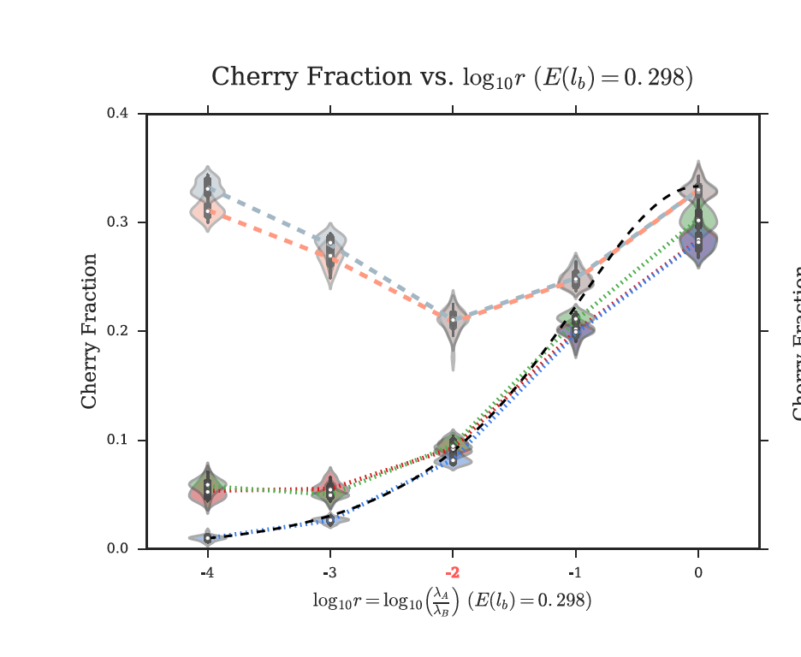
 | RF_fasttree80 | RF_true_fasttree80 | RF_fasttree90 | RF_true_fasttree90 | RF_raxml80 | RF_true_raxml80 | RF_raxml90 | RF_true_raxml90 | RF_before | CF_fasttree80 | CF_true_fasttree80 | CF_fasttree90 | CF_true_fasttree90 | CF_raxml80 | CF_true_raxml80 | CF_raxml90 | CF_true_raxml90 | CF_theoretical | CF_corrected
0.0001 | 0.9281 | 0.772 | 0.9359 | 0.367 | 0.914 | 0.755 | 0.932 | 0.319 | 0.9 | 0.189 | 0.162 | 0.0415 | 0.034 | 0.197 | 0.169 | 0.039 | 0.033 | 0.01 | 0.05
0.001 | 0.7826 | 0.557 | 0.8128 | 0.339 | 0.765 | 0.529 | 0.807 | 0.32 | 0.65 | 0.22 | 0.191 | 0.102 | 0.089 | 0.22 | 0.189 | 0.098 | 0.086 | 0.025 | 0.05
0.01 | 0.509575 | 0.302 | 0.60858 | 0.304 | 0.4955 | 0.289 | 0.612 | 0.29 | 0.37 | 0.2465 | 0.213 | 0.214 | 0.19 | 0.245 | 0.214 | 0.213 | 0.189 | 0.09 | 0.1
0.1 | 0.2575 | 0.105 | 0.3546 | 0.161 | 0.2552 | 0.101 | 0.355 | 0.164 | 0.18 | 0.271 | 0.258 | 0.289 | 0.272 | 0.27 | 0.258 | 0.29 | 0.272 | 0.2 | 0.2
1 | 0.16698 | 0.051 | 0.2262 | 0.086 | 0.17 | 0.051 | 0.235 | 0.086 | 0.1 | 0.3352 | 0.339 | 0.341 | 0.342 | 0.335 | 0.339 | 0.34 | 0.342 | 0.32 | 0.29

RF vs. r
Cherry Fraction vs. r

param00-04 graph
 | RF_fasttree80 | RF_true_fasttree80 | RF_fasttree90 | RF_true_fasttree90 | RF_raxml80 | RF_true_raxml80 | RF_raxml90 | RF_true_raxml90 | CF_fasttree80 | CF_true_fasttree80 | CF_fasttree90 | CF_true_fasttree90 | CF_raxml80 | CF_true_raxml80 | CF_raxml90 | CF_true_raxml90 | RF_before | CF_theoretical | CF_corrected
0.0001 | 0.91261075 | 0.57757 | 0.917066 | 0.17 | 0.897301 | 0.5188475 | 0.912157 | 0.1010325 | 0.1539 | 0.08995 | 0.0364 | 0.001645 | 0.1542 | 0.0854 | 0.03315 | 0.01465 | 0.9 | 0.01 | 0.05
0.001 | 0.7219475 | 0.2443 | 0.72764 | 0.06373 | 0.702735 | 0.189465 | 0.723685 | 0.0527975 | 0.16045 | 0.06795 | 0.0806 | 0.0318 | 0.1545 | 0.0625 | 0.0765 | 0.0307 | 0.65 | 0.025 | 0.05
0.01 | 0.44421 | 0.0694375 | 0.464905 | 0.03752 | 0.436075 | 0.054005 | 0.4572875 | 0.0305025 | 0.17965 | 0.1029 | 0.1517 | 0.09055 | 0.1789 | 0.10145 | 0.15135 | 0.09 | 0.37 | 0.09 | 0.1
0.1 | 0.23228 | 0.02 | 0.2674675 | 0.02585 | 0.22932 | 0.0175825 | 0.2680675 | 0.024652 | 0.2457 | 0.224 | 0.2422 | 0.22075 | 0.24575 | 0.22445 | 0.2425 | 0.2209 | 0.18 | 0.2 | 0.2
1 | 0.15754 | 0.01278 | 0.18819 | 0.0182 | 0.158045 | 0.012725 | 0.1885425 | 0.0178925 | 0.3264 | 0.3306 | 0.3228 | 0.32825 | 0.3255 | 0.33 | 0.32145 | 0.32835 | 0.1 | 0.32 | 0.29

RF vs r
CF vs r

