Enrollment
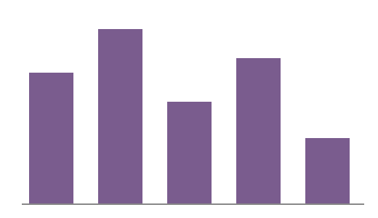
Region | Enrolled | Eligible | Rate
West | 4820 | 6100 | 0.79
Northeast | 3240 | 4500 | 0.72
South | 2910 | 3800 | 0.77
Midwest | 1760 | 2300 | 0.77

