Charts 1 & 2
 |  | disputed | TRUE

Average of days_settled |  | Average of days_settled
26 |  | 36

Settling Invoices | Settling Disputes
26 | 36

Processing Time on Settling Invoices and Disputes

Chart 3
Row Labels | Count of disputed | Row Labels | Count of dispute_lost
TRUE | 571 | TRUE | 101

Disputed | Dispute Lost
470 | 101

Percentage of Disputed and Dispute Lost

Chart 4
 |  | dispute_lost | TRUE

Sum of invoice_amount |  | Sum of invoice_amount
14770318 |  | 690167

Retained Revenues | Lost Revenues
$14,080,151 | $690,167

Percentage of Retained Revenues and Lost Revenues

Chart 5
dispute_lost | TRUE

Row Labels | Sum of invoice_amount
France | $526,264
Russia | $81,291
China | $42,630
United States | $22,936
Spain | $17,046

Lost Revenues per Country

SQL Queries
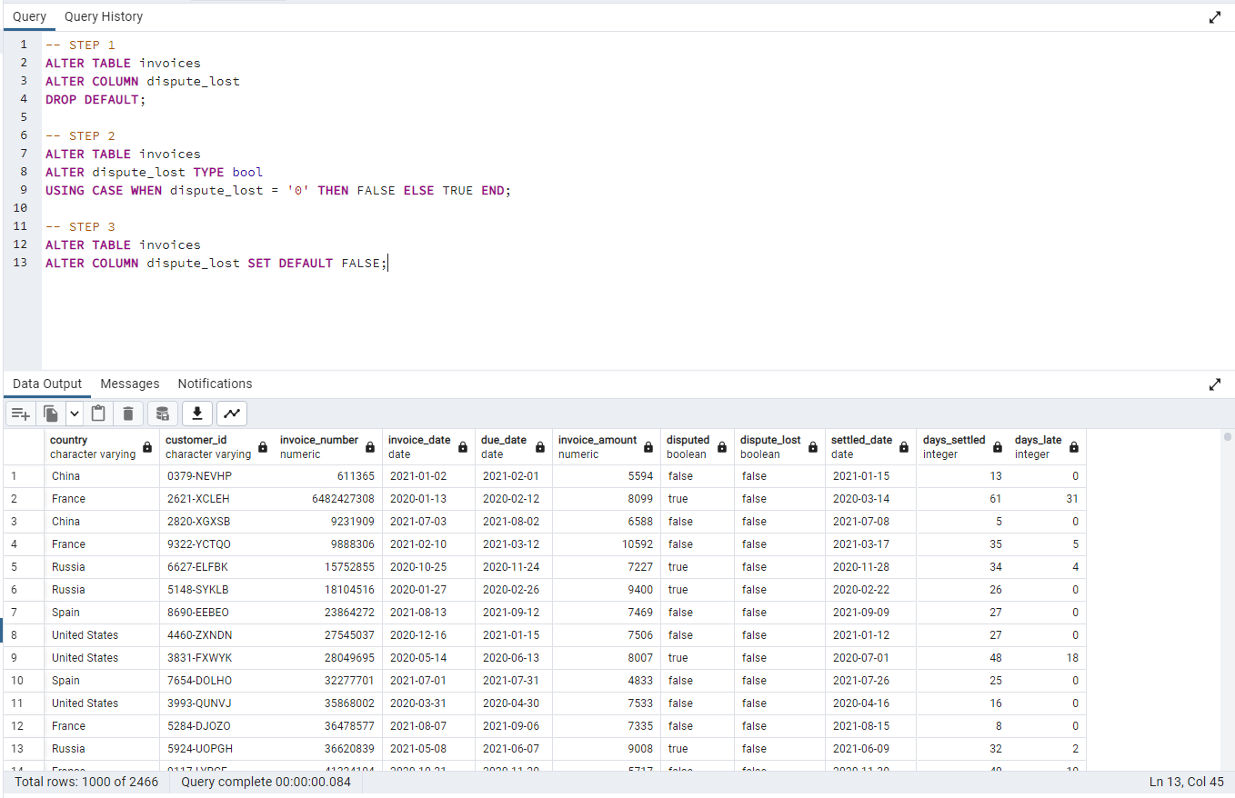
Importing data to SQL

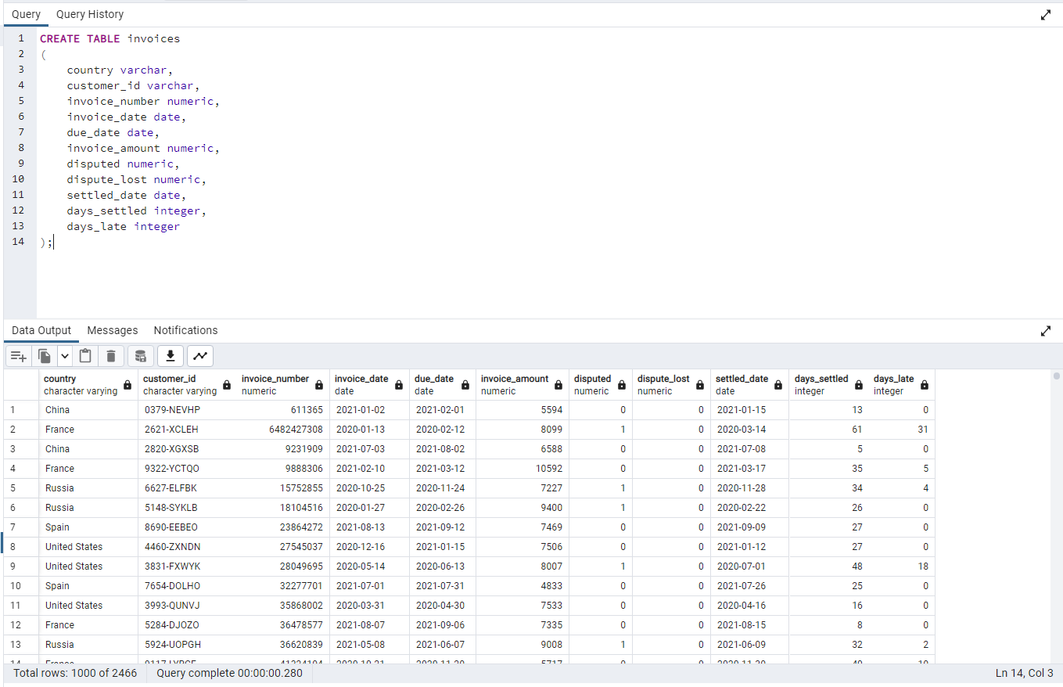

Cleaning data from changing "0" to "false" and "1" to "true"

In disputed column:

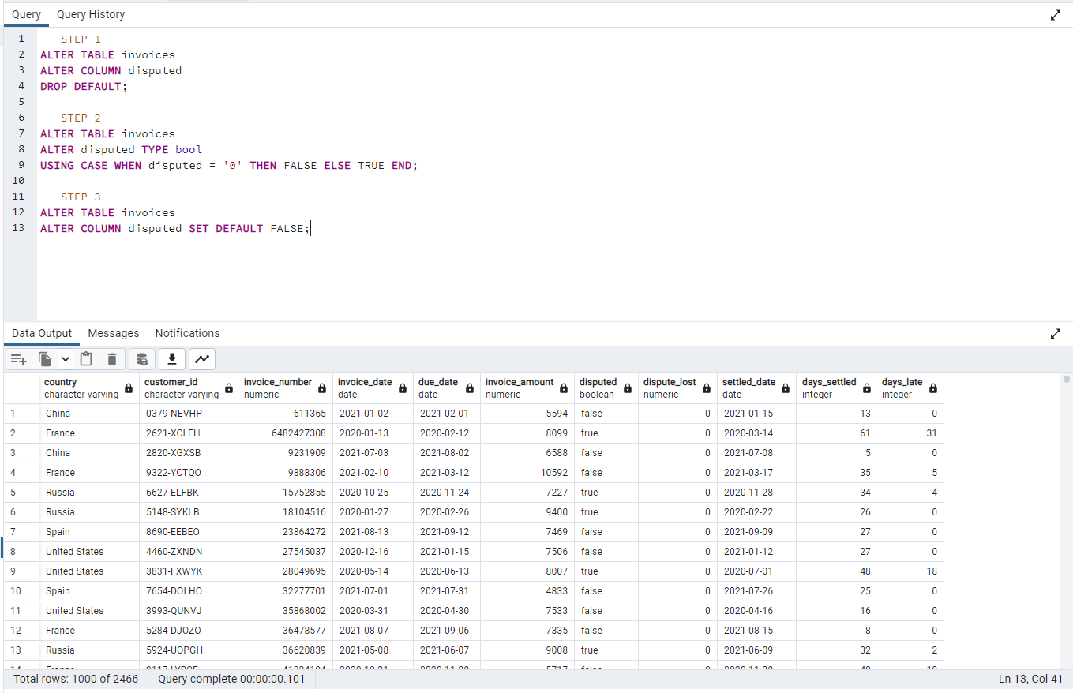

In dispute lost column:

