SCHEDULE
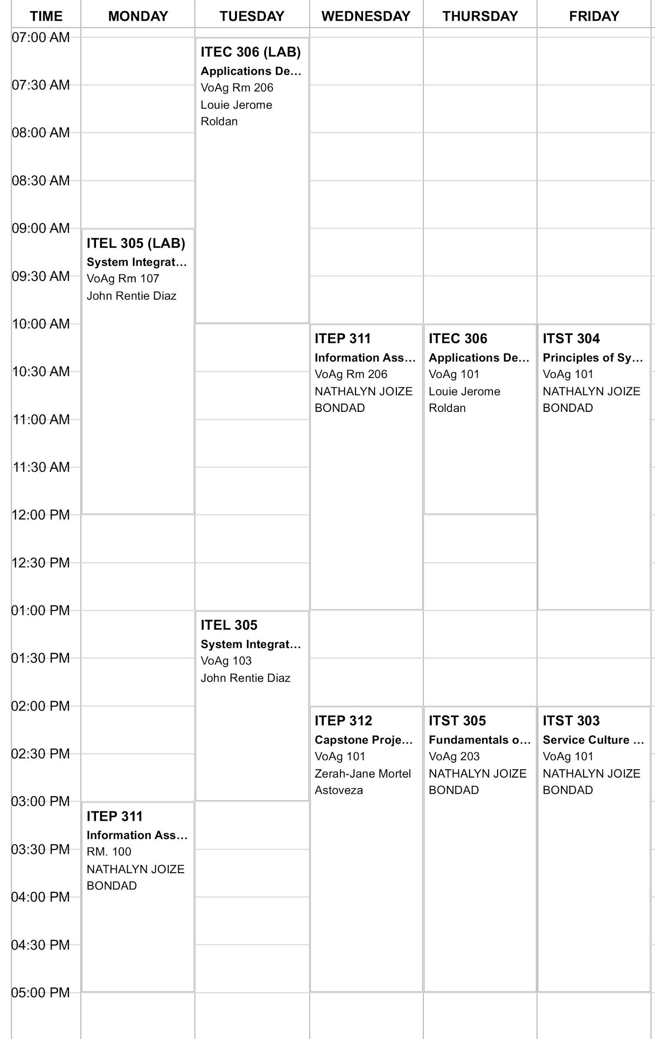
DROPDOWN KEYS - Do Not Delete
STATUS
Not Started
In Progress
Complete
On Hold

