k=5
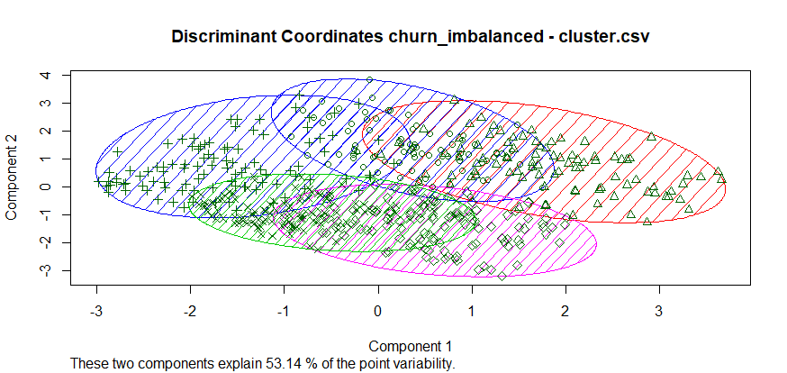
Cluster sizes: [1] "84 91 103 106 119"

TWSS: [1] 27.06169 39.30326 34.12791 23.14224 37.14803 | 160.78313

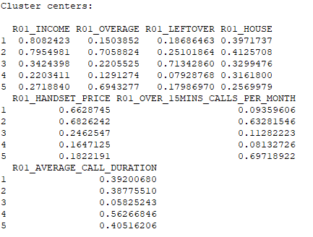

 |  | 1
 |  | 2
 |  | 3
 |  | 4
 |  | 5

k=4
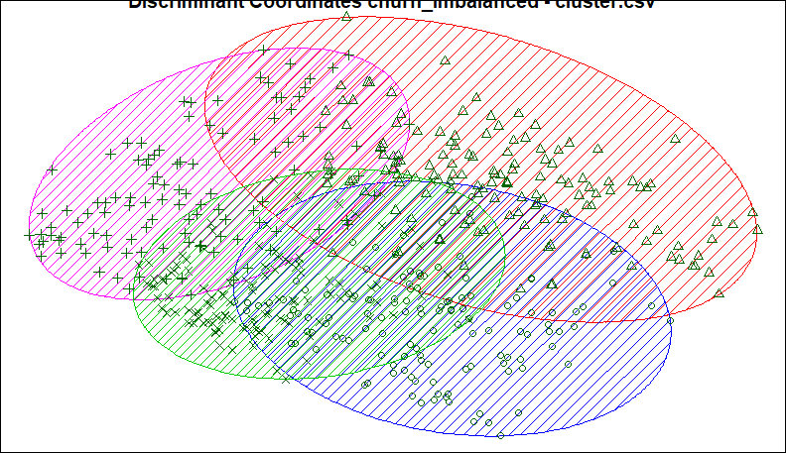
K- Means Clustering

K | 4
Cluster Sizes | 129 | 142 | 114 | 118
TWSS | 44.65677 | 66.57778 | 42.46026 | 29.63526 | 183.33007 |  |  | K | TWSS
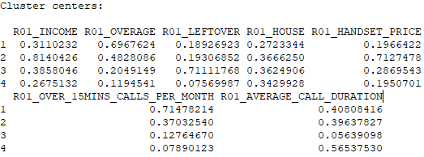
 |  |  |  |  |  |  |  | 2 | 255
 |  |  |  |  |  | Cluster | Cluster Description | 3 | 214
 |  |  |  |  |  | 1 | Callers who go over their alloted minutes | 4 | 183
 |  |  |  |  |  | 2 | Rich Customers | 5 | 161
 |  |  |  |  |  | 3 | Callers who don’t use their alloted minutes | 6 | 146
K-TWSS Chart
 |  |  |  |  |  | 4 | Caller who use most of their alloted minutes

k=3
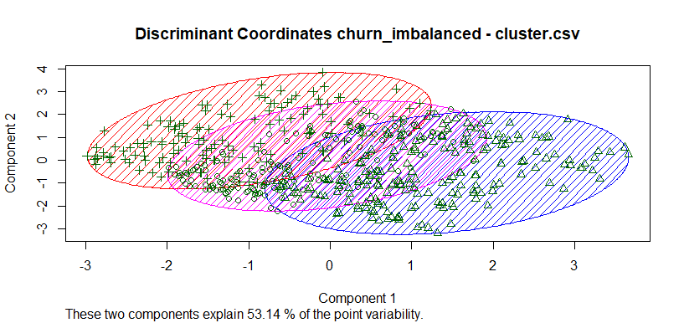
Cluster sizes: [1] "171 198 134"
TWSS: [1] 63.59948 92.83500 57.47427 | 213.90875

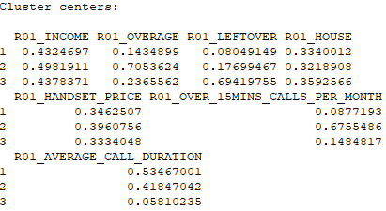

 |  | 1
 |  | 2 | overage callers
 |  | 3

k=2
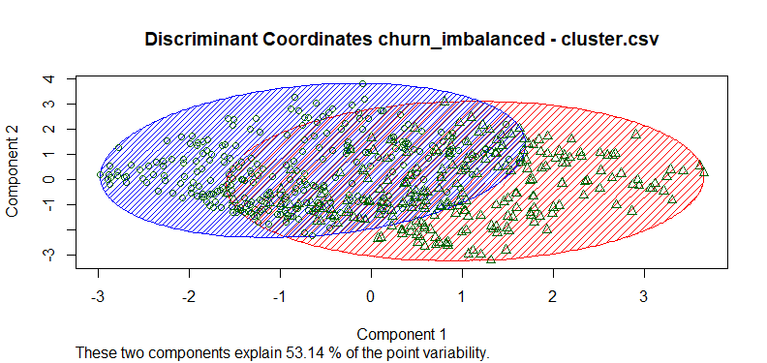
Cluster sizes:

[1] "277 226"

Within cluster sum of squares:

[1] 138.6935 116.7034 | 255.3969

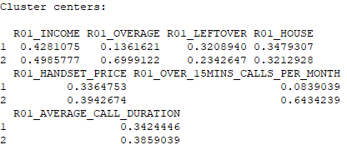

 |  | 1
 |  | 2 | Overage callers

