Test Cases
ID | Area | Scenario | Preconditions | Steps | Expected result | Spec reference | Priority | Actual result | Status | Device/OS | Tested on | Notes / bug link
SET-01 | Setup | Fresh clone and dependency install | Node.js 22.18+ (22.x) and npm installed; network access. | 1. git clone the repo into a new folder 2. cd into it 3. Run: npm ci | npm ci completes without errors; node_modules created from package-lock.json. | ALSO EXPECTED: "App runs from README instructions" | High |  | Pass
SET-02 | Setup | Type check and automated test suites pass | SET-01 passed. | 1. npm run typecheck 2. npm run test:validation 3. npm run test:submit | All three commands exit with code 0. test:validation prints FAIL lines for intentionally rejected samples; this is expected. | STRETCH: "A few automated tests for validation or privacy switch" | High |  | Pass |  |  | Record exit codes in Actual result.
SET-03 | Setup | Start Expo and open in Expo Go without login | SET-01 passed; phone and computer on same network; Expo Go (SDK 58) installed. | 1. npm start 2. Scan the QR code with Expo Go (iOS: Camera app) 3. Wait for the bundle to load | QR code shown in terminal; app loads on the phone without requiring an Expo login; screen shows the heading "Create event". | Deliver: "runnable project ... + README (how to run)" | 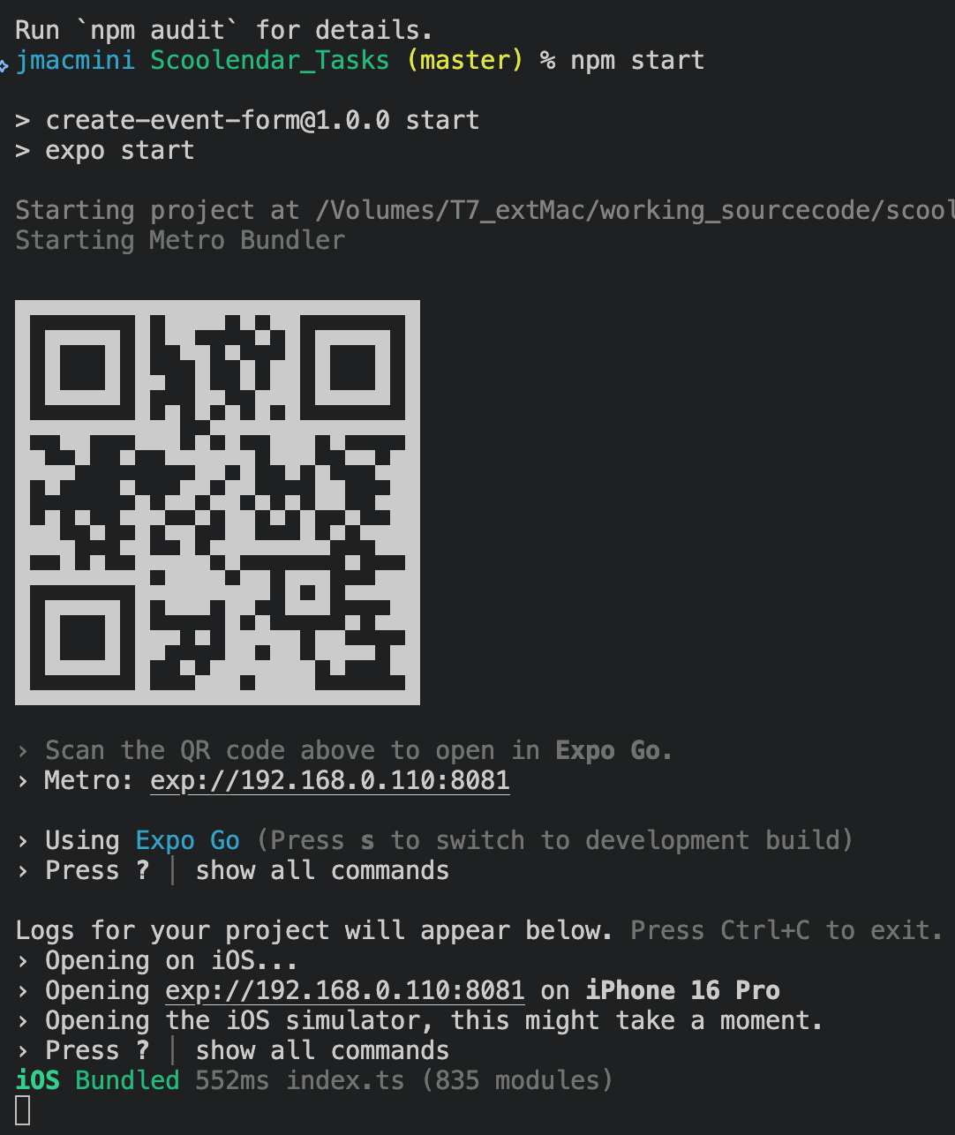 High |  | Pass |  |  | If network blocks LAN, try: npx expo start --tunnel
SET-04 | Setup | Optional setup script on a clean machine | macOS/Linux/WSL machine; Bash and curl available. | 1. bash scripts/setup.sh 2. Follow the final instructions printed | Script reuses or installs Node 22 via nvm, runs npm ci, typecheck and both test suites, then prints "Setup complete. Start Expo from the repository root with: npm start". | Own decision (README: Fresh-device setup) | Low |  | Pass
IMG-01 | Image | Empty state on first load | App open in Expo Go; fresh form (nothing entered). | 1. Look at the image section at the top of the form | Label "Event image"; dashed placeholder with "No image selected" and an "Add image" button; no error shown. | 1) IMAGE: "No image yet → empty state" | High |  | Pass
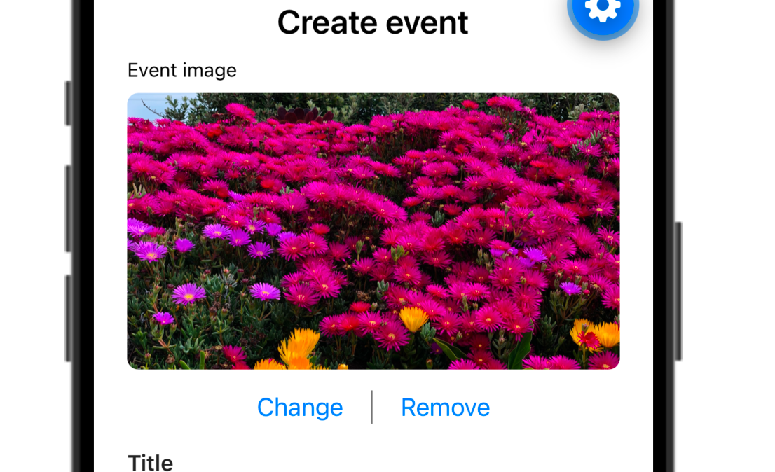
IMG-02 | Image | First-time permission prompt and allow | Photo permission for Expo Go not yet decided (reinstall Expo Go or reset permissions). | 1. Tap "Add image" 2. Allow photo access in the system prompt | System photo-permission prompt appears; after allowing, the photo library opens showing images only. | 1) IMAGE: "Add image" | 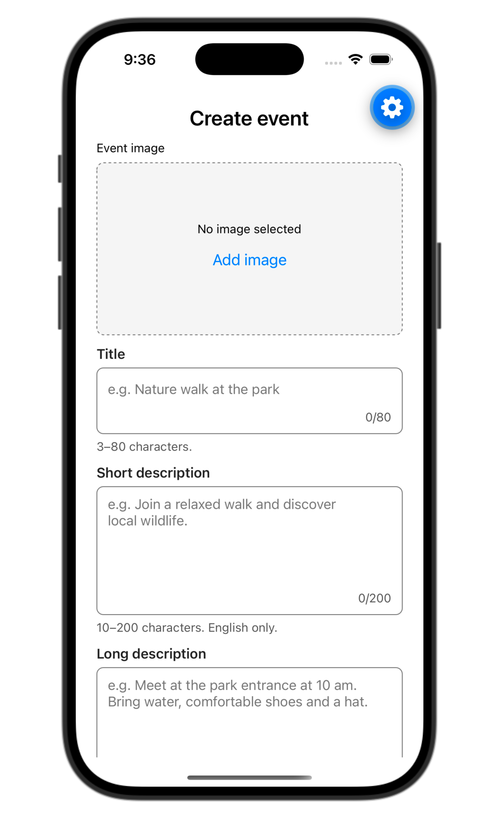 High |  | Pass |  |  | In Expo Go the permission belongs to Expo Go, not to this app.
IMG-03 | Image | Pick an image shows preview | App open in Expo Go; fresh form (nothing entered). Photo permission granted. | 1. Tap "Add image" 2. Select a photo | Placeholder disappears; selected photo shown as a 16:9 preview with "Change" and "Remove" buttons; no error. | 1) IMAGE: "User picks/drops an image → preview shown" | High |  | Pass
IMG-04 | Image | Change replaces the image | An image is already selected (IMG-03). | 1. Tap "Change" 2. Select a different photo | Preview updates to the newly selected photo; Change/Remove still visible. | 1) IMAGE: "show preview" | Med |  | Pass
IMG-05 | Image | Cancel the picker keeps current state | Run twice: once from empty state, once with an image selected. | 1. Tap "Add image" (or "Change") 2. Close/cancel the picker without selecting | Form returns unchanged: empty state stays empty, or previous preview stays; no error message appears. | Own decision | Med |  | Pass
IMG-06 | Image | Remove returns to empty state | An image is selected. | 1. Tap "Remove" | Preview removed; "No image selected" placeholder with "Add image" returns; error "Please add an image" appears immediately (image validates on every change). | 1) IMAGE: "User removes image → back to empty state" | High |  | Pass
IMG-07 | Image | Permission denied shows clear error | Photo permission not yet decided, or can still be asked. | 1. Tap "Add image" 2. Deny / Don't Allow in the system prompt | Error "Allow photo access to add an image" shown; picker does not open; no "Open Settings" button while the system can still ask. | 1) IMAGE: "Picker/permission fails → clear error message" | High |  | Pass |  |  | Android may show Open Settings after the second denial (OS no longer asks).
IMG-08 | Image | Permanently denied shows Open Settings | Photo access for Expo Go denied in system settings (cannot ask again). | 1. Tap "Add image" 2. Tap "Open Settings" 3. Grant photo access, return to Expo Go 4. Tap "Add image" again | Step 1: "Allow photo access to add an image" plus an "Open Settings" button. Step 2: device settings open. Step 4: picker opens; error and button disappear. | 1) IMAGE: "Picker/permission fails → clear error message" | 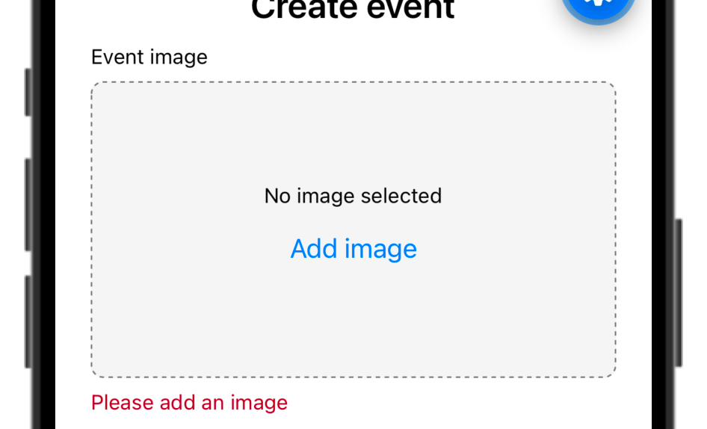 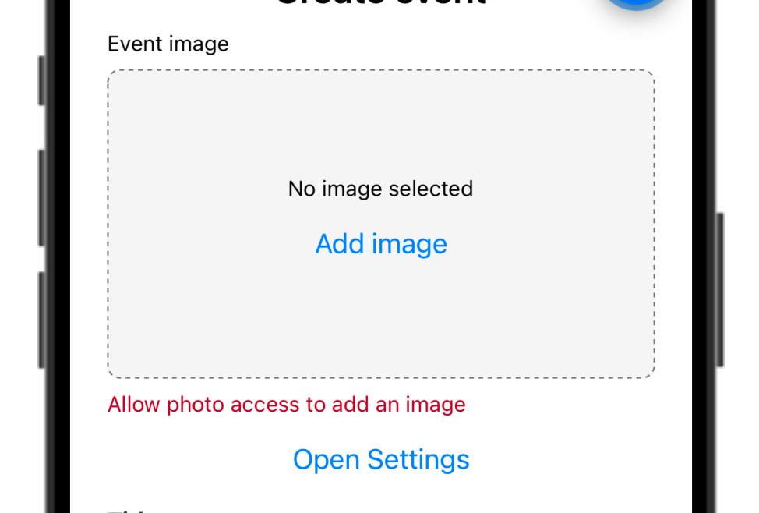 High |  | Pass
IMG-09 | Image | Submit without image is blocked | No image; Title, Short and Long description valid. Privacy Public. | 1. Tap Submit | No success; "Please add an image" shown under the image section; summary "Please fix 1 field". | 1) IMAGE: "submit not allowed"; Validation: Required | High |  | Pass
TTL-01 | Title | No premature error; helper and counter | App open in Expo Go; fresh form (nothing entered). | 1. Tap into Title, type "a" (do not leave the field) | No error while typing before first blur; helper "3–80 characters." below field; counter shows 1/80. | Own decision (README: validation on first blur, then change) | Med |  | Pass
TTL-02 | Title | Empty or spaces-only title is invalid | App open in Expo Go; fresh form (nothing entered). | 1. Tap Title, leave empty, tap elsewhere 2. Type 3 spaces, tap elsewhere | Both cases: "Title must be at least 3 characters" with red field border. | 2) TITLE: "Empty title → invalid", "Spaces only → invalid" | High |  | Pass
TTL-03 | Title | Below minimum, then live correction | App open in Expo Go; fresh form (nothing entered). | 1. Type "ab", tap elsewhere 2. Tap back in and type "c" | Step 1: "Title must be at least 3 characters". Step 2: error clears immediately while typing (re-validates on change). | 2) TITLE: "Min length ... (example: min 3)"; "Show error ... on input" | High |  | Pass
TTL-04 | Title | Leading/trailing spaces are trimmed | App open in Expo Go; fresh form (nothing entered). | 1. Type " ab " (2 spaces each side), tap elsewhere 2. Change to " Picnic " and complete a valid submit | Step 1: invalid ("Title must be at least 3 characters"); counter shows 6/80 (counts raw text). Step 2: logged payload title is "Picnic" (trimmed). | 2) TITLE: "Trim before validate/submit" | High |  | Pass
TTL-05 | Title | Maximum length 80 | App open in Expo Go; fresh form (nothing entered). | 1. Type or paste exactly 80 characters 2. Try to type an 81st character 3. Paste a 100-character text into an empty Title | 80 characters accepted with no error, counter 80/80; extra characters cannot be entered; paste is cut to 80. | 2) TITLE: "Very long title → handle with a max length" | Med |  | Pass |  |  | verify: paste truncation behaviour per platform.
SD-01 | Short description | Field layout, helper and counter | App open in Expo Go; fresh form (nothing entered). | 1. Look at the Short description field 2. Type a few characters | Multiline input; helper "10–200 characters. English only."; counter updates (e.g. 5/200). | 3) DESCRIPTION: "Multiline OK for short and long" | 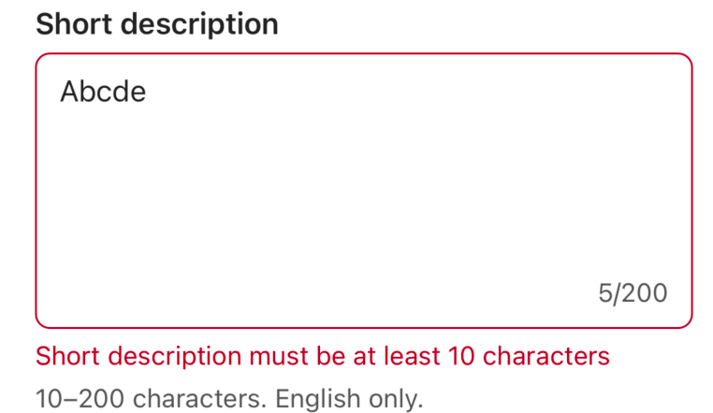 Low |  | Pass
SD-02 | Short description | Empty, spaces-only and below-minimum invalid; 10 valid | App open in Expo Go; fresh form (nothing entered). | 1. Leave empty, tap elsewhere 2. Type spaces only 3. Type 9 characters ("Join us a") 4. Add 1 character (10 total) 5. Try " Join us now " (padded) | Steps 1-3: "Short description must be at least 10 characters". Step 4: error clears. Step 5: valid (trimmed length 11); payload value is trimmed. | 3) DESCRIPTION: "Empty / Spaces only / Too short → invalid"; "Trim" | High |  | Pass
SD-03 | Short description | Line breaks allowed; max 200 | App open in Expo Go; fresh form (nothing entered). | 1. Type two lines separated by Return (each > 5 chars) 2. Paste 250 characters | Step 1: valid, no error. Step 2: input stops at 200, counter 200/200, no error. | 3) DESCRIPTION: "Multiline OK"; Own decision (max 200) | Med |  | Pass
SD-04 | Short description | Non-English text rejected | App open in Expo Go; fresh form (nothing entered). | 1. Type "Mời mọi người tham gia" 2. Replace with "Café meetup tonight" 3. Replace with "Picnic time 🎉 for all" | Each case: "Short description must be in English" (only printable ASCII and line breaks allowed). | 3) DESCRIPTION: "Short: only English allowed" | High |  | Pass
SD-05 | Short description | iOS smart punctuation (apostrophe/quotes/dash) | iOS device with default keyboard (Smart Punctuation on). | 1. Type: Don't miss our "great" picnic -- all welcome | Per spec English text should be accepted. Code allows printable ASCII only, so iOS curly ’ “ ” or em dash may trigger "Short description must be in English". | 3) DESCRIPTION: "Short: only English allowed" | 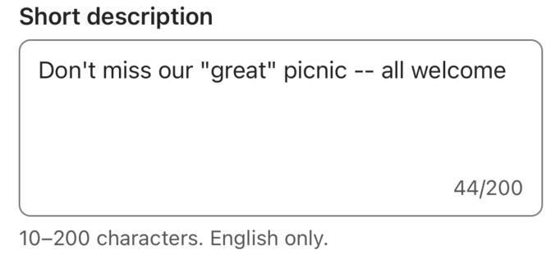 Med |  | Pass |  |  | verify: likely device-only finding; log in Bugs if rejected.
LD-01 | Long description | Empty, spaces-only and minimum boundary | App open in Expo Go; fresh form (nothing entered). | 1. Leave empty, tap elsewhere 2. Type spaces only 3. Type 19 characters 4. Add 1 character (20) | Steps 1-3: "Long description must be at least 20 characters". Step 4: error clears; helper "20–2000 characters." | 3) DESCRIPTION: "Too short → invalid" (example long min 20) | 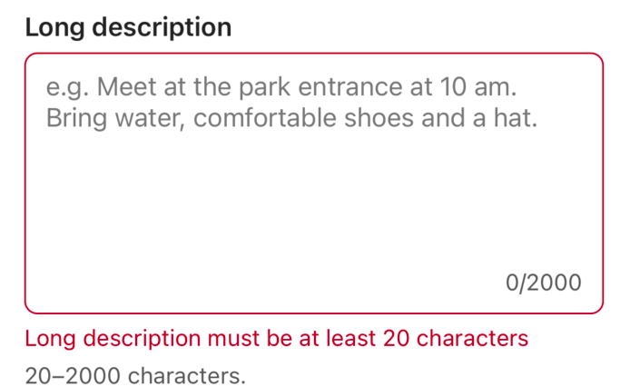 High |  | Pass
LD-02 | Long description | Any language, symbols, numbers, emoji, multiline | App open in Expo Go; fresh form (nothing entered). | 1. Type multiline text mixing Vietnamese, emoji, numbers and symbols (≥ 20 chars), e.g. "Gặp nhau lúc 10h 🎉 #picnic @park" + Return + more text | Accepted with no error; text shown exactly as typed. | 3) DESCRIPTION: "Long: any symbols, any languages, numbers allowed" | 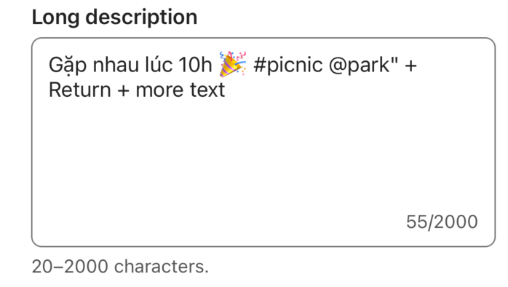 High |  | Not run
LD-03 | Long description | Maximum length 2000 | App open in Expo Go; fresh form (nothing entered). | 1. Paste a text longer than 2000 characters | Input stops at 2000; counter 2000/2000; no error; field scrolls internally. | Own decision (max 2000) | Low |  | Pass |  |  | Emoji count as 2 characters in the counter.
PRV-01 | Privacy | Starts unselected; no list shown | App open in Expo Go; fresh form (nothing entered). | 1. Scroll to Privacy | "Public" and "Private" both unselected; no helper text; neither Communities nor Invites section visible. | 4) VISIBILITY: "Choice: public | private"; Own decision (start unselected) | High |  | Not run
PRV-02 | Privacy | Submit with no choice fails | Image picked; Title, Short and Long description valid. | 1. Leave Privacy unselected 2. Tap Submit | No success; "Choose public or private" under Privacy; summary "Please fix 1 field". | 4) VISIBILITY: "Privacy not chosen → submit fails; tell user to choose public or private" | High |  | Not run
PRV-03 | Privacy | Select Public | App open in Expo Go; fresh form (nothing entered). | 1. Tap "Public" | Public highlighted (blue); helper "Shared with the selected communities."; Communities section shown; no Invites section; any privacy error cleared. | 4) PUBLIC: "Do not require invites; do not show invite UI as required" | High | 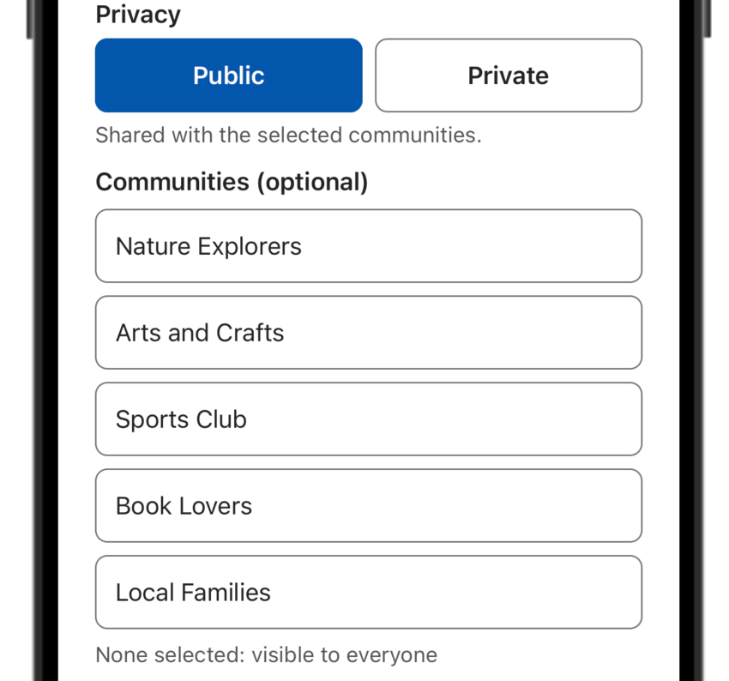 | Not run |  |  | Helper wording vs 'None selected: visible to everyone' - check it reads clearly.
PRV-04 | Privacy | Select Private | App open in Expo Go; fresh form (nothing entered). | 1. Tap "Private" | Private highlighted; helper "Invite only."; Invites section with email input, Add button and Saved emails shown; Communities hidden. | 4) PRIVATE: "Communities hidden" | High | 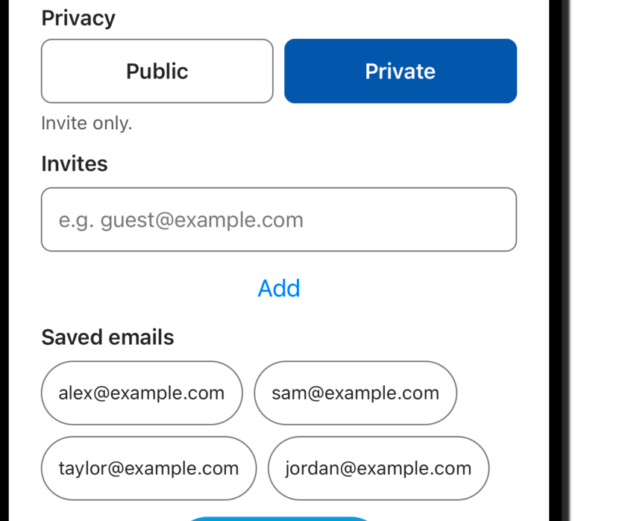 | Not run
PRV-05 | Privacy | Public → Private: communities stop driving logic | Image picked; Title, Short and Long description valid. Public with 2 communities selected. | 1. Switch to Private 2. Tap Submit (no invites) 3. Add 1 invite, Submit 4. Check Metro log | Step 2: fails with "Invite at least 1 person to a private event". Step 3: success. Payload has privacy "private", invites, and no communities key. | 4) SWITCH: "Public → private: community selection must not keep driving logic" | High | 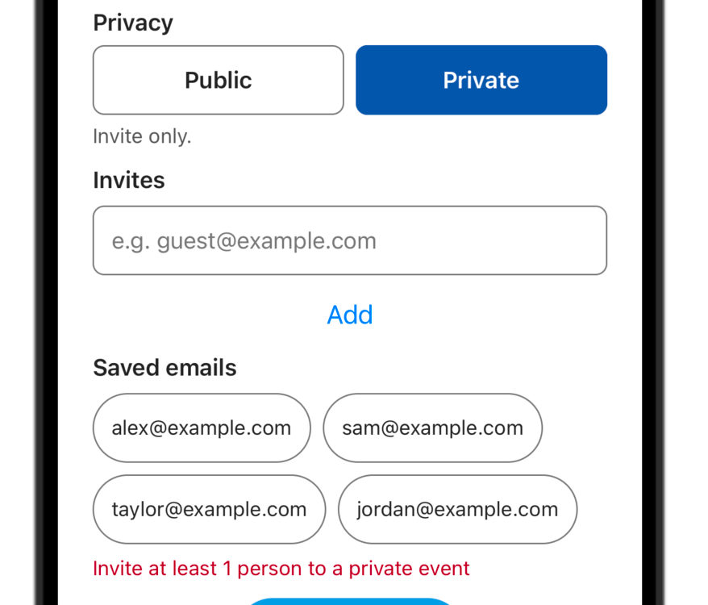 | Not run
PRV-06 | Privacy | Private → Public: invites stop blocking | Image picked; Title, Short and Long description valid. Private with 0 invites; Submit tapped so invite error is shown. | 1. Switch to Public 2. Tap Submit 3. Check Metro log | Invite error disappears on switch; submit succeeds; payload has privacy "public", communities, and no invites key. | 4) SWITCH: "Private → public: invites must not keep blocking public submit" | High |  | Not run
PRV-07 | Privacy | No ghost errors; lists preserved across switches | Image picked; Title, Short and Long description valid. | 1. Private: add 2 invites; type "draft@x" without adding 2. Switch to Public, select 1 community 3. Switch back to Private 4. Switch to Public again | Step 3: the 2 invites are still listed; no stale errors; unadded draft text is cleared. Step 4: the community is still selected. Only the active mode's rules apply. | 4) SWITCH: "After switch, rules of the new mode apply (no ghost/hidden field bugs)" | High |  | Pass |  |  | Draft text lost on switch is expected (input is remounted).
PUB-01 | Public | Communities section content | Privacy = Public. | 1. Look at the Communities section | Label "Communities (optional)"; 5 options: Nature Explorers, Arts and Crafts, Sports Club, Book Lovers, Local Families; status text "None selected: visible to everyone". | 4) PUBLIC: "Optional communities multi-select from data"; "No communities = visible to everyone" | High |  | Pass
PUB-02 | Public | Multi-select and deselect | Privacy = Public. | 1. Tap Nature Explorers and Book Lovers 2. Tap Nature Explorers again | Step 1: both highlighted with "Selected" tag; text "2 selected". Step 2: Nature Explorers deselected; "1 selected". | 4) PUBLIC: "Optional communities multi-select" | High |  | Pass
PUB-03 | Public | Submit public with no communities | Image picked; Title, Short and Long description valid. Privacy = Public, none selected. | 1. Tap Submit 2. Check Metro log | Success; payload privacy "public" and communities [] (empty = visible to everyone); no invites key. | 4) PUBLIC: "Valid image + title + description + public → submit succeeds" | High |  | Pass
PUB-04 | Public | Submit public with selected communities | Image picked; Title, Short and Long description valid. Public; Sports Club and Local Families selected. | 1. Tap Submit 2. Check Metro log | Success; payload communities ["sports-club", "local-families"]; no invites key. | SUBMIT: "Payload should include ... communities (public)" | High | Event payload: {"communities": ["sports-club", "local-families"], "image": {"fileName": "IMG_0005.jpg", "mimeType": "image/jpeg", "uri": "file:///Users/jmacmini/Library/Developer/CoreSimulator/Devices/92D58B13-5897-4C60-BC94-8DD798EEADC2/data/Containers/Data/Application/8DEFE3F1-F4D8-471E-87EC-BD79D74E319C/Library/Caches/ImagePicker/98F82059-94B8-46D1-8C09-3BAA1D891ACF.jpg"}, "longDescription": "22222222222222222222", "privacy": "public", "shortDescription": "1111111111", "title": "123"} | Pass
PUB-05 | Public | Leftover private state does not block public | Image picked; Title, Short and Long description valid. | 1. Private: add 1 invite, type "bad@" and tap Add (error shown) 2. Switch to Public 3. Submit | Success; no invite errors shown; payload has no invites key. | 4) VISIBILITY Validation: "Public: ... invites not required" | High | LOG Event payload: {"communities": [], "image": {"fileName": "IMG_0005.jpg", "mimeType": "image/jpeg", "uri": "file:///Users/jmacmini/Library/Developer/CoreSimulator/Devices/92D58B13-5897-4C60-BC94-8DD798EEADC2/data/Containers/Data/Application/8DEFE3F1-F4D8-471E-87EC-BD79D74E319C/Library/Caches/ImagePicker/CD8A790A-B0DD-42DB-933E-E4B7EB4BBE6B.jpg"}, "longDescription": "44444444444444444444", "privacy": "public", "shortDescription": "3333333333", "title": "345"} | Pass
INV-01 | Private invites | Zero invites fails | Image picked; Title, Short and Long description valid. Privacy = Private, no invites. | 1. Tap Submit | No success; "Invite at least 1 person to a private event" under Invites; summary "Please fix 1 field". | 4) PRIVATE: "Zero invites → submit fails" | High | 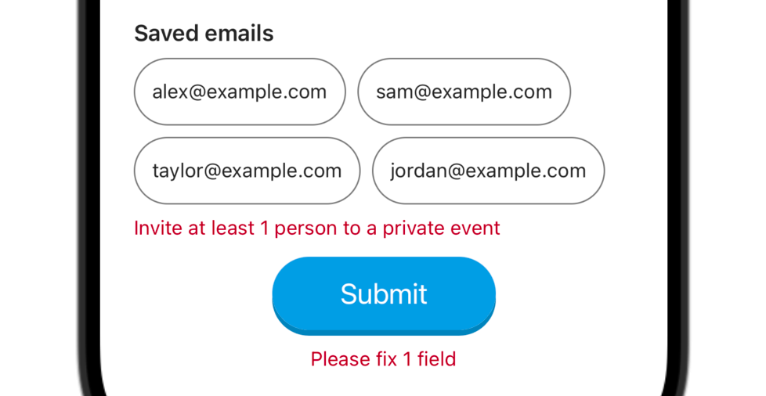 | Pass
INV-02 | Private invites | Add a valid email (button and keyboard) | Privacy = Private. | 1. Type guest@example.com, tap "Add" 2. Type friend@example.com, press keyboard Done/Return | Each email appears in the list with a "Remove" button; input clears after each add; no error. | 4) PRIVATE: "User adds one or more invite emails" | High |  | Not run
INV-03 | Private invites | Add with empty input | Privacy = Private; email input empty. | 1. Tap "Add" | Error "Enter a valid email address"; nothing added. | 4) PRIVATE Validation: "no empty rows" | Med |  | Not run
INV-04 | Private invites | Invalid email rejected | Privacy = Private. | 1. Type "foo@" and tap Add 2. Start typing again | Step 1: "Skipped: foo@ (invalid email)", red input border, text kept in input, not added. Step 2: error clears as you type. | 4) PRIVATE: "Invalid email format → submit fails for that value" | High |  | Not run
INV-05 | Private invites | Email normalised (trim + lowercase) | Privacy = Private. | 1. Type " Guest@Example.COM " and tap Add | Listed as guest@example.com. | Own decision (README: comparisons ignore case and whitespace) | Med |  | Pass
INV-06 | Private invites | Duplicate (case-insensitive) skipped | Privacy = Private; guest@example.com already invited. | 1. Type "GUEST@example.com" and tap Add | Not added; message "Skipped: GUEST@example.com (already invited)"; list unchanged. | STRETCH: "Paste many emails (split, validate, de-dupe)" | Med |  | Not run
INV-07 | Private invites | Saved-email quick add | Privacy = Private. | 1. Under "Saved emails" tap alex@example.com 2. Remove alex@example.com from the list | Saved emails shown: alex@, sam@, taylor@, jordan@example.com. Step 1: added to list; chip shows "(Added)" and is disabled. Step 2: chip enabled again. | 4) PRIVATE: "User can have saved emails for invites" | High |  | Pass
INV-08 | Private invites | Bulk paste with mixed separators | Privacy = Private. | 1. Paste "a@x.com, b@x.com; c@x.com d@x.com" into the input 2. Tap Add | All 4 emails added in order; input cleared; no error. | STRETCH: "Paste many emails (split, validate, de-dupe)" | 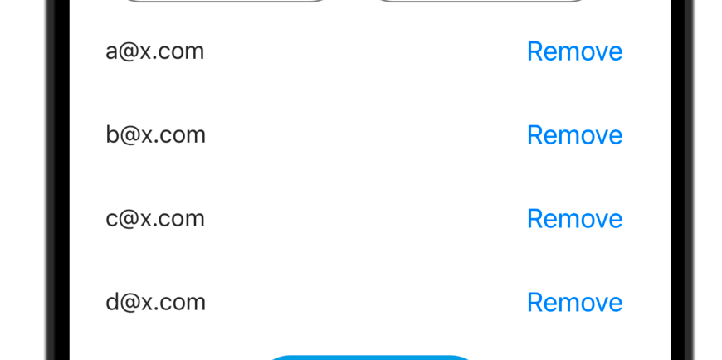 Med |  | Pass
INV-09 | Private invites | Bulk paste with invalid and duplicate entries | Privacy = Private; a@x.com already invited. | 1. Paste "A@x.com, bad, e@x.com" and tap Add | e@x.com added; input cleared; message "Skipped: A@x.com (already invited); bad (invalid email)". | STRETCH: "Paste many emails (split, validate, de-dupe)" | Med | 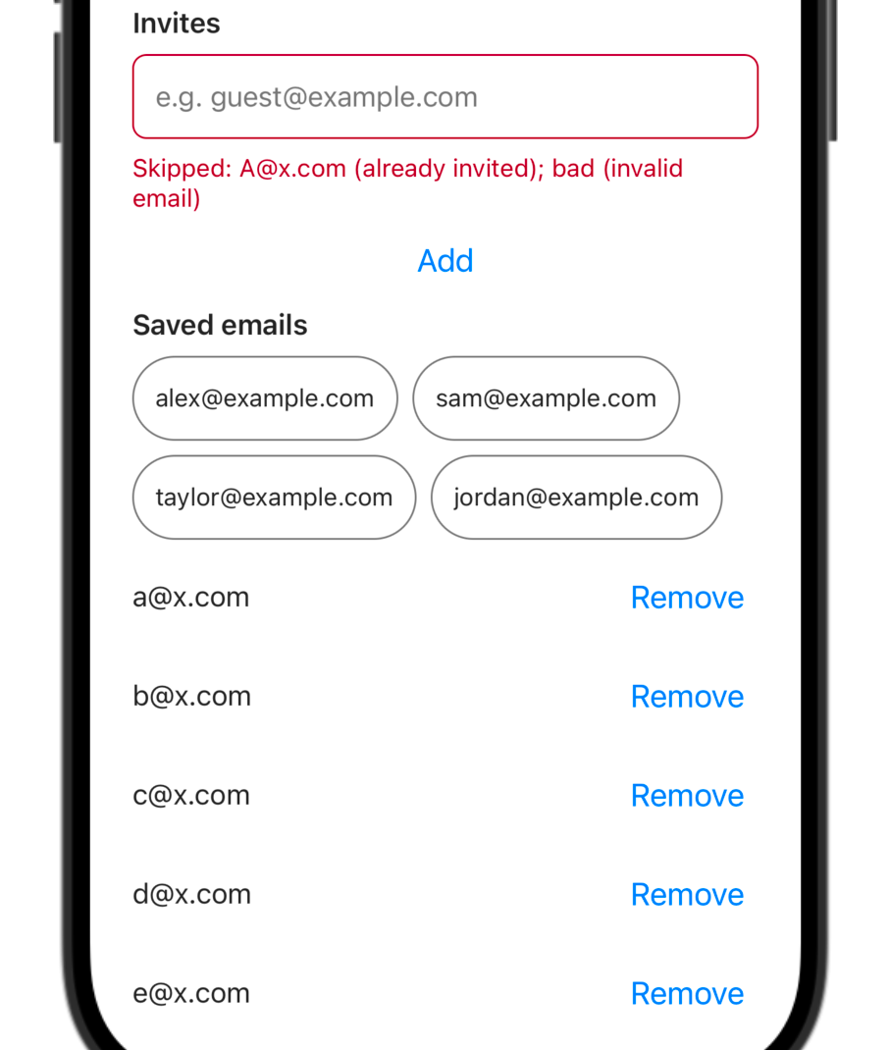 | Pass
INV-10 | Private invites | Maximum 20 invites | Privacy = Private; prepare 25 distinct emails as one comma-separated text. | 1. Paste the 25 emails and tap Add 2. Try adding one more single email | Only the first 20 are added; message lists the rest as "(limit of 20 invites reached)". Step 2: not added, same limit message. | 4) PRIVATE Validation: "max invites optional (example max 20)" | Med |  | Pass
INV-11 | Private invites | Remove an invite | Privacy = Private; 2 invites listed. | 1. Tap "Remove" next to the first 2. Remove the second 3. Tap Submit (other fields valid) | Each removal updates the list immediately. Step 3: "Invite at least 1 person to a private event". | 4) PRIVATE: "User can remove an invite" | High |  | Pass
INV-12 | Private invites | Private payload content | Image picked; Title, Short and Long description valid. Private; 2 communities selected earlier in Public; invites added as "Sam@Example.com" and via saved chip. | 1. Tap Submit 2. Check Metro log | Success; payload privacy "private", invites ["sam@example.com", ...] lowercase, no communities key. | 4) Submit payload: "invites only when private"; PRIVATE: "Communities ... not part of successful payload" | High |  | Pass
SUB-01 | Submit | Submit an empty form | App open in Expo Go; fresh form (nothing entered). | 1. Tap Submit | No success; errors under Image, Title, Short description, Long description and Privacy; summary "Please fix 5 fields" below the button. | SUBMIT: "Run full form validation on Create/Submit"; "If invalid: show errors" | High |  | Pass
SUB-02 | Submit | Error count per privacy mode | App open in Expo Go; fresh form (nothing entered). | 1. Select Public, tap Submit 2. Select Private, tap Submit | Step 1: "Please fix 4 fields" (no communities/invites error). Step 2: "Please fix 5 fields" including "Invite at least 1 person to a private event". | SUBMIT: "If invalid: show errors; do not claim success" | Med |  | Pass |  |  | Counts match test/submit.mjs.
SUB-03 | Submit | Summary persists until edit; fixing errors then resubmit | SUB-01 done (errors visible). | 1. Wait a few seconds 2. Type into Title 3. Fix every field and tap Submit | Step 1: summary stays. Step 2: summary disappears; each field error clears as it becomes valid. Step 3: success. | Own decision | Med |  | Pass
SUB-04 | Submit | Loading state during request | Image picked; Title, Short and Long description valid. Public. | 1. Tap Submit and watch the button | Button text changes to "Creating…" and is disabled for about 0.5 s, then returns to "Submit". | SUBMIT: "If valid: short loading OK" | High |  | Pass
SUB-05 | Submit | Success feedback | Image picked; Title, Short and Long description valid. Public; keyboard open on a field. | 1. Tap Submit | Alert "Success" / "Event created successfully" with OK; keyboard closes; screen scrolls to top; text "Event created" shown under Submit. | SUBMIT: "then success feedback" | High |  | Pass
SUB-06 | Submit | Payload logged in Metro console | Valid public or private form; Metro terminal visible. | 1. Submit 2. Read the terminal log | "Event payload:" logged with image {uri, mimeType, fileName}, trimmed title/shortDescription/longDescription, privacy, and communities (public) or invites (private) only. | SUBMIT: "Payload should include: image, title, description(s), privacy, communities (public), invites (private)" | High |  | Pass |  |  | Copy the payload into Actual result.
SUB-07 | Submit | Form resets after success | SUB-05 done; tap OK on the alert. | 1. Inspect the whole form | Image empty state; Title and descriptions empty (counters 0); Privacy unselected; no communities/invites section; no field errors. | Own decision (README: resets the form) | High |  | Pass |  |  | Switch to Private/Public and confirm lists are empty.
SUB-08 | Submit | Success message clears on new edit | SUB-07 done ("Event created" visible). | 1. Type a character into Title | "Event created" text disappears. | Own decision | Low |  | Pass
SUB-09 | Submit | No double submit on rapid taps | Image picked; Title, Short and Long description valid. Public. | 1. Tap Submit 3-4 times very quickly | Only one "Event payload:" log and one success alert. | Own decision | Med |  | Not run
KBD-01 | Keyboard & layout | Focused field not hidden by keyboard | App open in Expo Go; fresh form (nothing entered). | 1. Tap Long description (lower part of form) 2. Repeat for Title, Short description and the invite email input | Screen scrolls so the whole focused field stays visible above the keyboard. | Own decision | High |  | Not run
KBD-02 | Keyboard & layout | Caret stays visible while typing multiline | App open in Expo Go; fresh form (nothing entered). | 1. In Long description, type 8+ lines with Return | Caret/current line always visible; field scrolls internally; page does not jump unexpectedly. | Own decision | Med |  | Not run
KBD-03 | Keyboard & layout | Dismiss on drag; taps and scrolling with keyboard open | Keyboard open on any field. | 1. Drag the form up/down 2. Re-open keyboard; tap Public/Private or a button once 3. Scroll to Submit with keyboard open | Step 1: keyboard closes on drag. Step 2: a single tap triggers the control. Step 3: Submit reachable. | Own decision | Med |  | Not run
KBD-04 | Keyboard & layout | Safe area on notched phone | Phone with notch/Dynamic Island or punch-hole camera. | 1. Open the app; scroll to top and bottom | Heading not under status bar/notch; Submit and messages not under the home indicator / navigation bar. | Own decision | Med |  | Not run
KBD-05 | Keyboard & layout | Small screen | Small device (e.g. iPhone SE or ~5" Android) or emulator. | 1. Scroll through the whole form in both privacy modes | All content reachable; no clipped text or overlapping buttons; Change/Remove side by side. | Own decision | Low |  | Not run
KBD-06 | Keyboard & layout | Large system font size | System font size set to largest. | 1. Open the form and scroll through | Text scales and stays readable; no clipped labels or buttons. | STRETCH: "Basic accessibility labels" | Low |  | Not run |  |  | verify
A11Y-01 | Accessibility | Privacy options announced as radios | VoiceOver (iOS) or TalkBack (Android) on. | 1. Swipe to Public and Private 2. Select Public | Announced as "Public event, radio button" / "Private event" with selected state after selection. | STRETCH: "Basic accessibility labels" | Med |  | Not run
A11Y-02 | Accessibility | Communities as checkboxes; count announced | Screen reader on; Privacy = Public. | 1. Swipe to a community and double-tap | Announced as checkbox with checked/unchecked state; count change (e.g. "1 selected") announced. | STRETCH: "Basic accessibility labels" | Med |  | Not run |  |  | verify: live region support differs by platform.
A11Y-03 | Accessibility | Errors and summary announced | Screen reader on; empty form. | 1. Activate Submit | Validation summary ("Please fix 5 fields") and field errors announced as alerts or reachable by swipe. | STRETCH: "Basic accessibility labels" | Med |  | Not run |  |  | verify
A11Y-04 | Accessibility | Control labels read correctly | Screen reader on. | 1. Swipe through image buttons, Title counter, Submit, saved-email chips | "Add event image" / "Change event image" / "Remove event image"; "Title: n of 80 characters"; "Submit event" ("Creating event" while busy); chips "Add alex@example.com" or "alex@example.com, already added". | STRETCH: "Basic accessibility labels" | Low |  | Not run
OPT-01 | Optional | Repeat core flows on the other platform | Second platform (iOS or Android) available. | 1. Run IMG-03, PRV-05, PRV-06, PUB-03, INV-12, SUB-05 on the other platform | Same results as on the first platform. | Own decision | Med |  | Not run |  |  | Record platform in Device/OS.
OPT-02 | Optional | Device rotation | App open in Expo Go; fresh form (nothing entered). | 1. Enable auto-rotate and turn the phone to landscape | App stays in portrait (app.json orientation "portrait"). | Own decision | Low |  | Not run |  |  | verify: Expo Go may not honour orientation lock.
OPT-03 | Optional | Dark mode readability | System dark mode on. | 1. Open the app and fill some fields | App stays in light theme (userInterfaceStyle "light"); all text, placeholders and status bar readable. | Own decision | Low |  | Not run |  |  | verify

