SleepDashboard
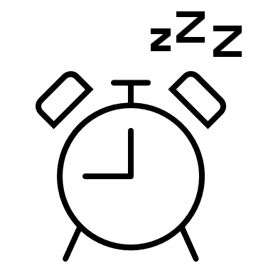
SLEEP STUDY ANALYSIS
JAROSŁAW TOMCZUK

What's the average duration of sleep for individuals?
 | Total
2 | 2
4 | 4
5 | 12
6 | 24
7 | 35
8 | 16
9 | 8
10 | 1
Do you spend 30 minutes on your phone before bedtime?
 | Total
No | 18.63%
Yes | 81.37%
Do you eat breakfast?
 | Total
No | 40.20%
Yes | 59.80%

Sleeping amount vs. tiredness during day
 | 1 - Not Tired | 2 | 3 | 4 | 5 - Very Tired
2 |  |  |  |  | 2
4 |  | 3 |  |  | 1
5 |  | 3 | 3 | 4 | 2
6 |  | 3 | 15 | 5 | 1
7 | 1 | 11 | 12 | 10 | 1
8 | 2 | 3 | 8 | 2 | 1
9 | 1 | 3 | 1 | 1 | 2
10 |  |  |  | 1
Using phone before bedtime vs. tiredness during day
 | 1 - Not Tired | 2 | 3 | 4 | 5 - Very Tired
No | 1 | 6 | 5 | 3 | 4
Yes | 3 | 20 | 34 | 20 | 6
Eating breakfast vs. tiredness during day
 | 1 - Not Tired | 2 | 3 | 4 | 5 - Very Tired
No | 1 | 7 | 15 | 11 | 7
Yes | 3 | 19 | 24 | 12 | 3

