Sheet1
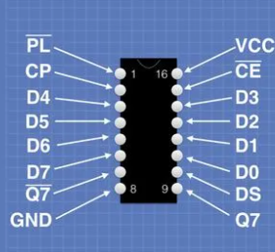
Arduino pins |  |  | notes | 165 pins (C=Column) - photoresistors chip |  |  | The 595 Board (pins from top to bottom) - water screen board - solenoids chip
1 |  |  |  | 1 | LOAD | load | 1
2 |  |  |  | 2 | CLK | clock | 2 | INPUT | SER_IN
3 |  | 165 latch | to 165 pin 1 | 3 | C5 | D4 | 3 | CLK | clock
4 |  | 595 latch | to 595 pin 4 | 4 | C6 | D5 | 4 | ST | latch
5 |  | Start Button |  | 5 | C7 | D6 | 5 | GND | ground
6 |  |  |  | 6 | GND | D7 | 6 | 5V | vcc
7 |  |  |  | 7
8 |  |  |  | 8 | GND | ground
9 |  |  |  | 9 | OUTPUT | data out
10 |  |  |  | 10 | GND | DS
11 | MOSI | SPI write | to 595 pin 2 | 11 | C1 | D0
12 | MISO | SPI read | to 165 pin 9 | 12 | C2 | D1
13 | SPI CLK | SPI clock | to 165 pin 2 + 565 pin 3 | 13 | C3 | D2
 |  |  |  | 14 | C4 | D3
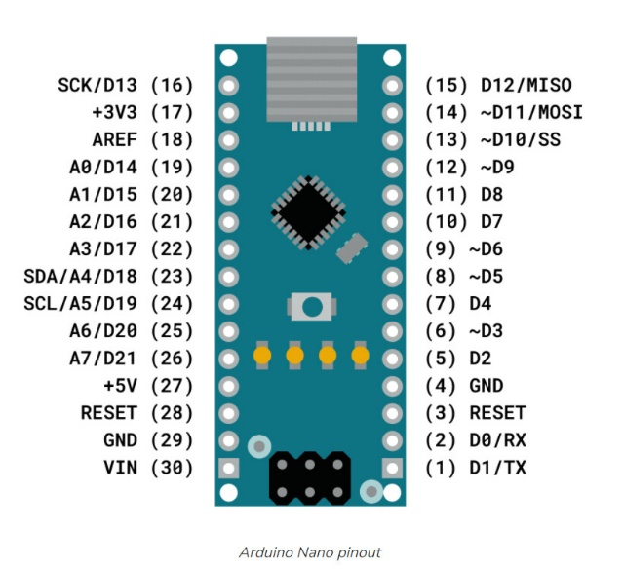
 |  |  |  | 15 | GND | clock enable
 |  |  |  | 16 | 5V | vcc

