OHE feature Importance
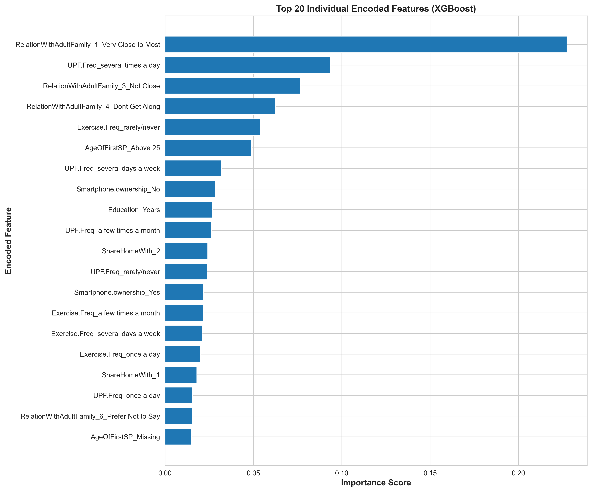
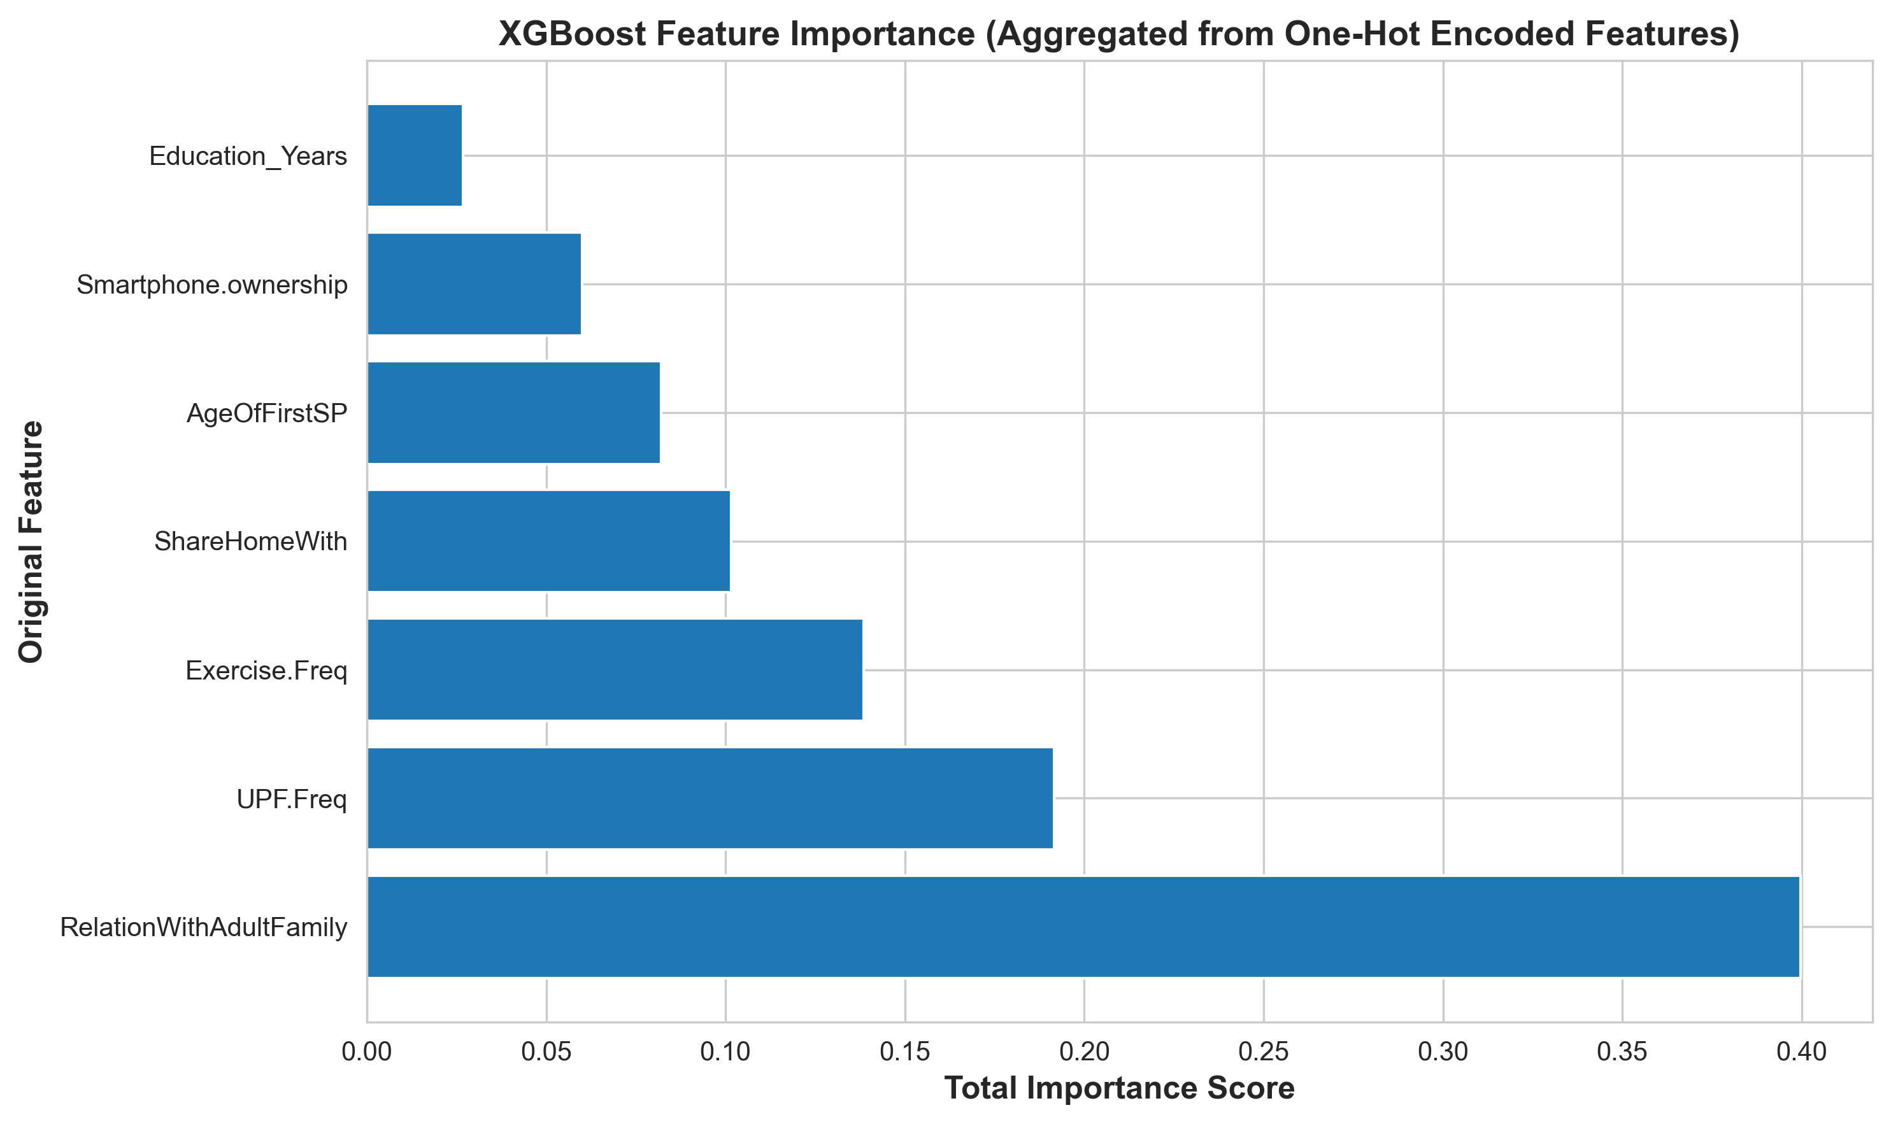

OHE SHAP
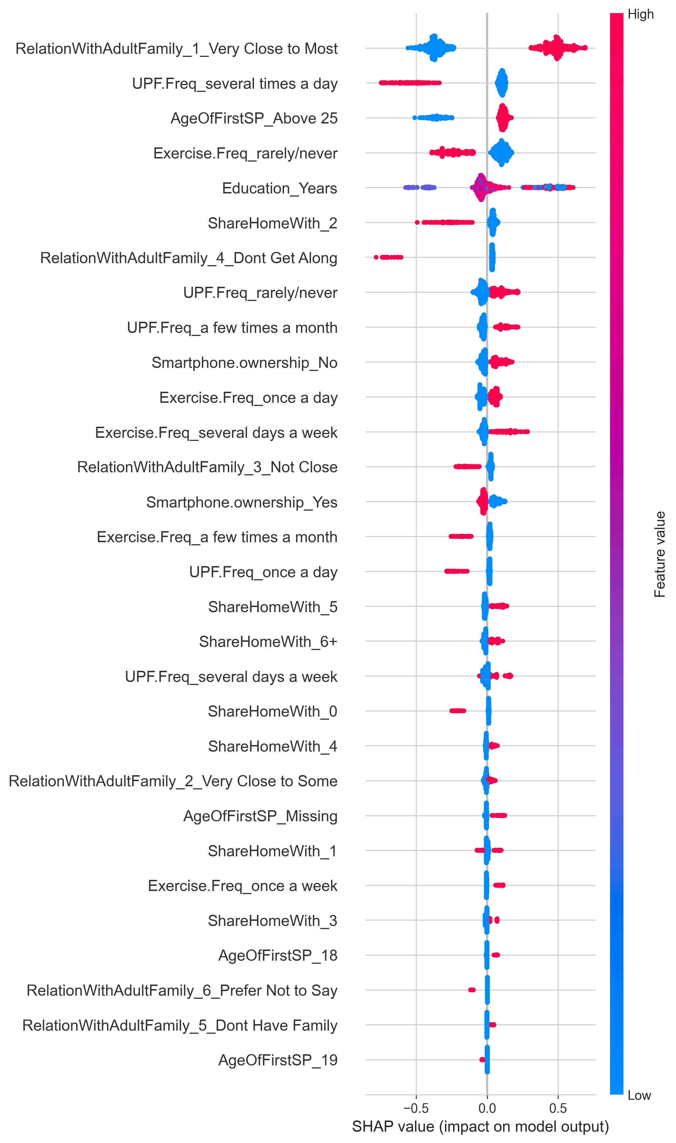
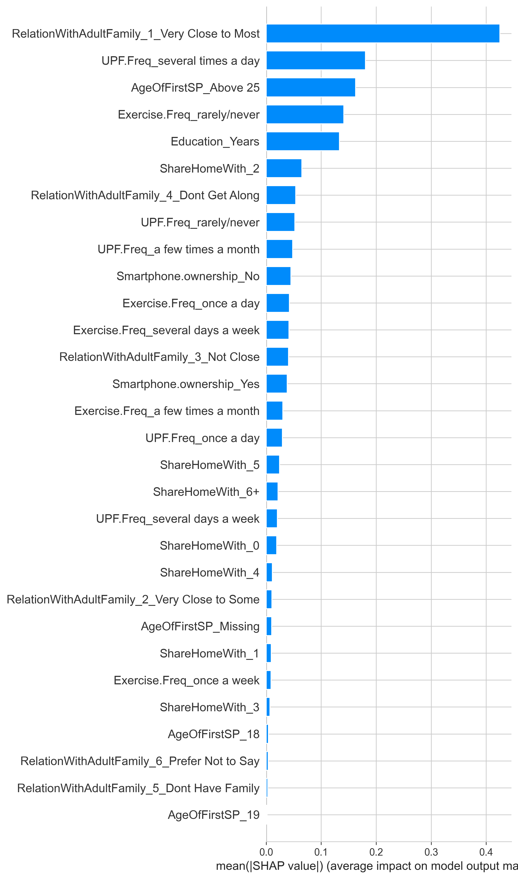

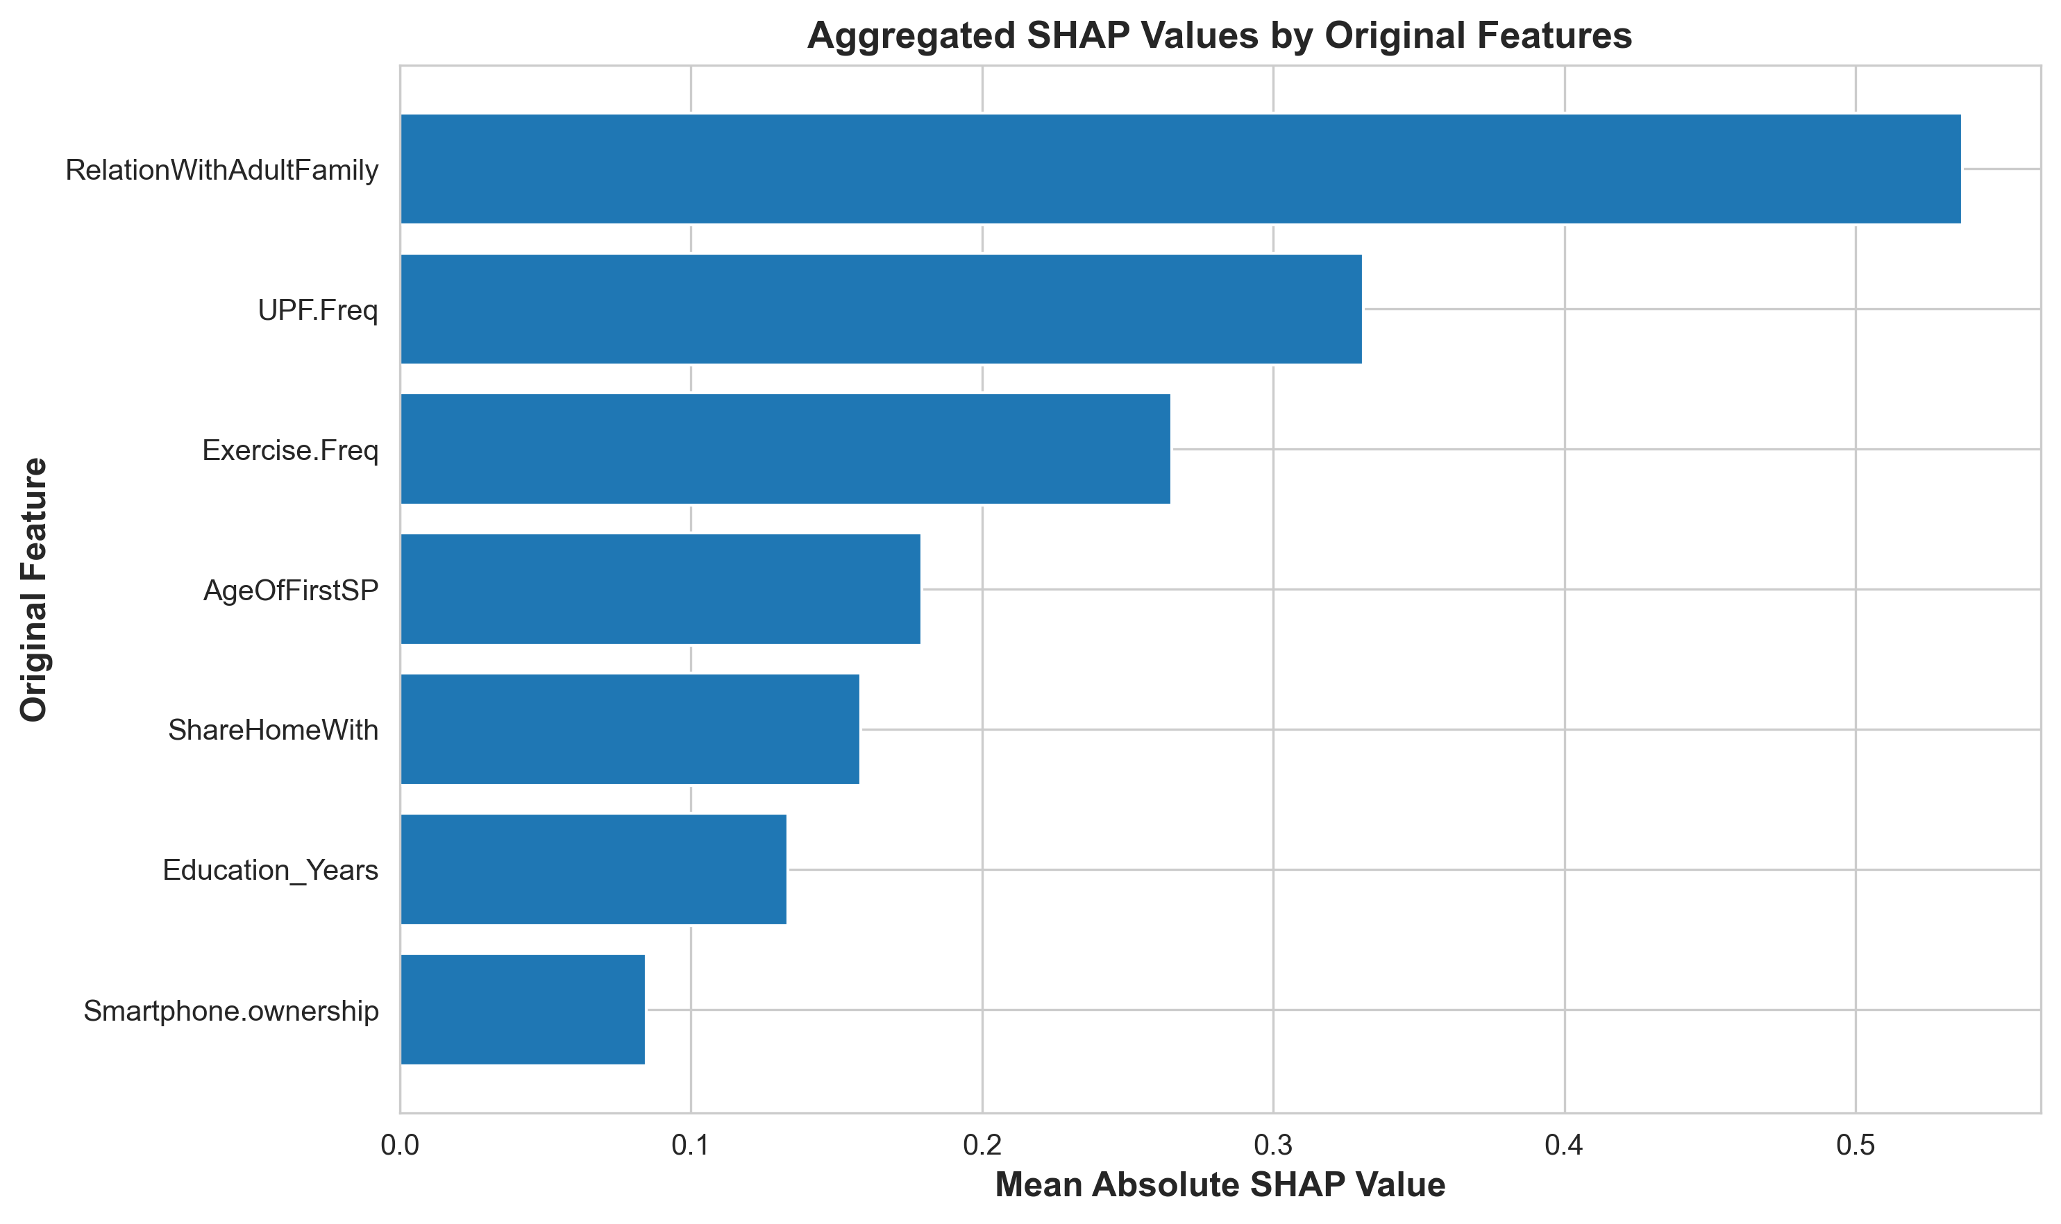

Label Encoding
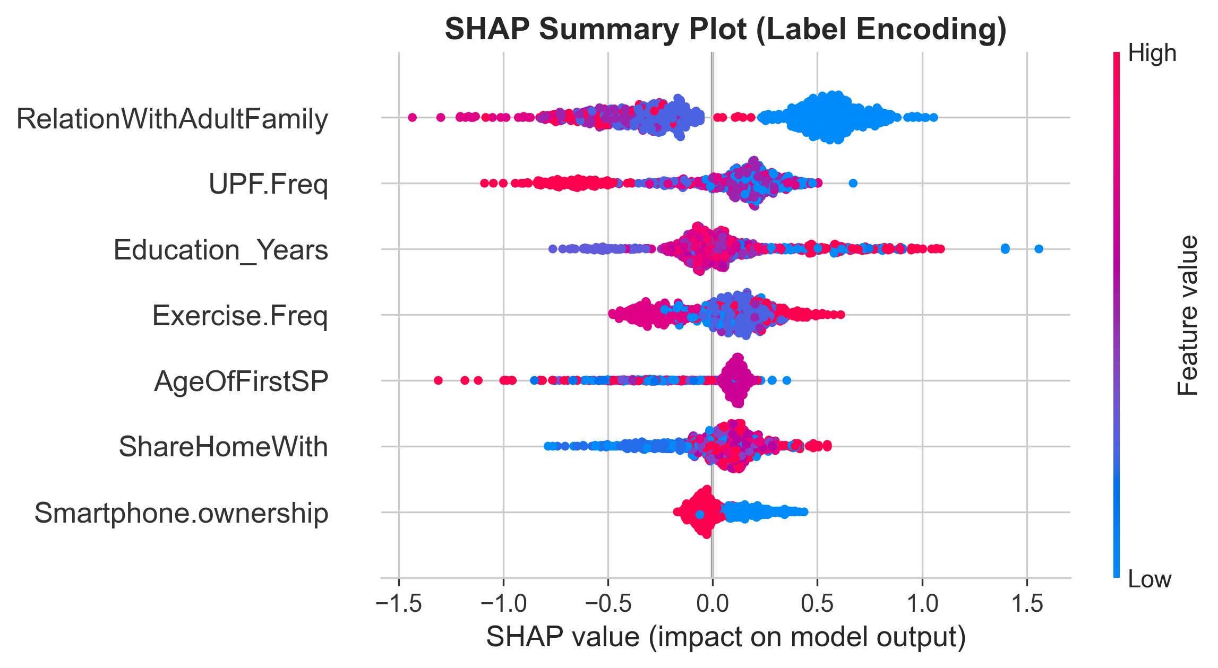
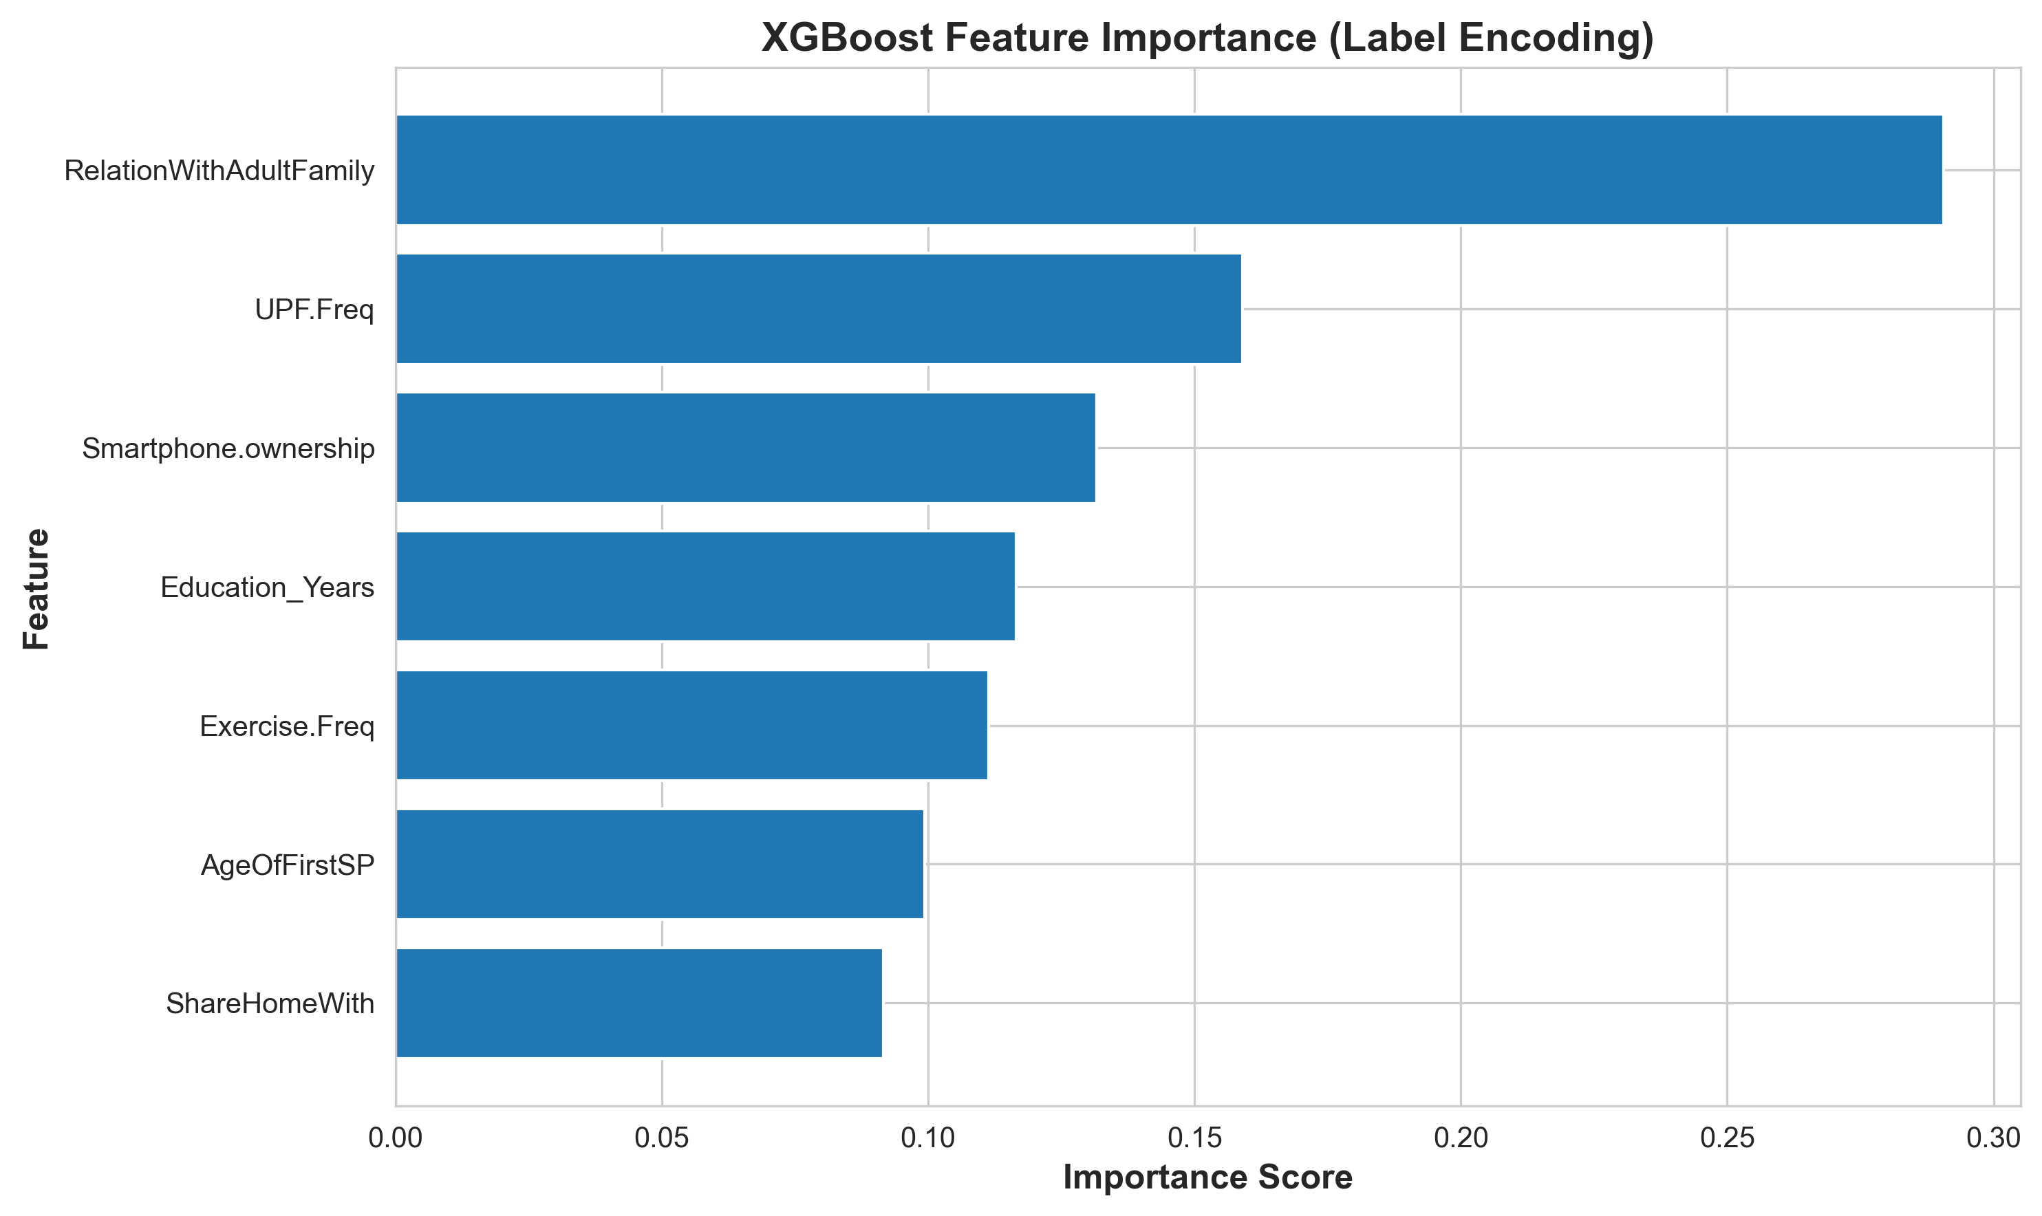

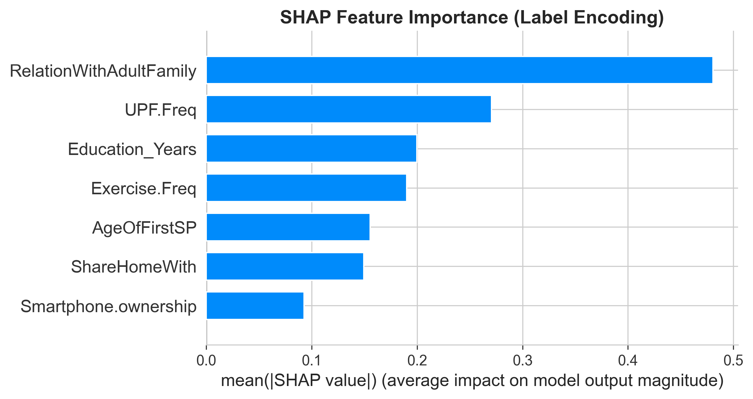

Model Performance
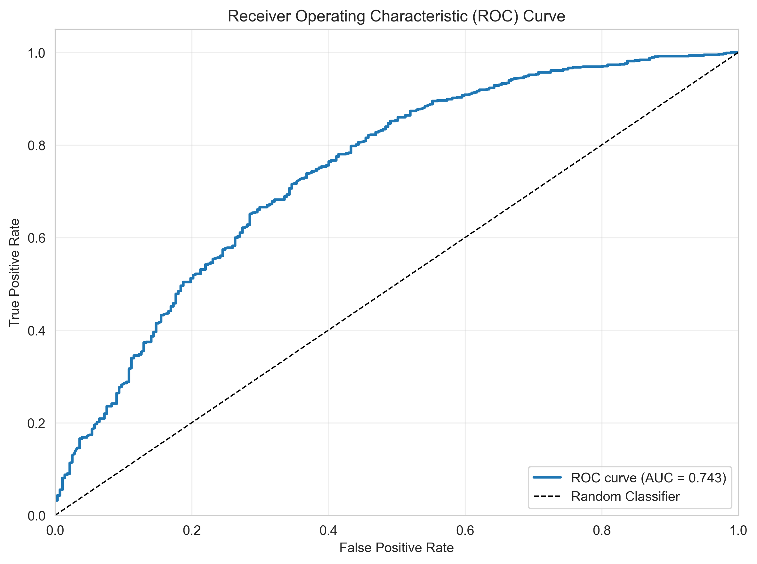
Top 3 Features

Label Encoding:
RelationWithAdultFamily - 29.1%
UPF.Freq - 15.9%
Smartphone.ownership - 13.2%

One-Hot Encoding (Aggregated):
RelationWithAdultFamily - 30.7%
AgeOfFirstSP - 19.9%
UPF.Freq - 14.9%

Top Individual Categories
"Very Close to Most" family → 11.9% importance
Single highest predictive factor!
Clear actionable target for interventions
"Several times a day" UPF → 5.4% importance
Specific harmful consumption pattern identified
Can target high-frequency consumers
"Don't Get Along" with family → 5.3% importance
Strong negative predictor
Intervention target for family therapy
"Above 25" first smartphone → 3.5% importance
Late adopters or non-owners
May reflect socioeconomic or lifestyle factors
"Rarely/never" exercise → 2.9% importance
Sedentary lifestyle impact quantified

Key Findings
Family Relationships = #1 Predictor 29-31% importance across both methods Most important factor UPF Consumption = Strong Negative Factor 15-16% importance across both methods Clear dose-response relationship (one-hot shows this explicitly) Exercise = Moderate Positive Factor 11-12% importance across both methods Model Performance = Robust ROC-AUC ~0.74 regardless of encoding Stable cross-validation scores

Metric | Label Encoding | One-Hot Encoding | Difference
ROC-AUC | 0.7464 | 0.7461 | -0.0003
Accuracy | 70% | 71% | 1%
CV ROC-AUC | 0.7097 ± 0.011 | 0.7087 ± 0.008 | -0.001
Precision (Struggling) | 0.47 | 0.48 | 0.01
Recall (Struggling) | 0.64 | 0.67 | 0.03

