OHE feature Importance
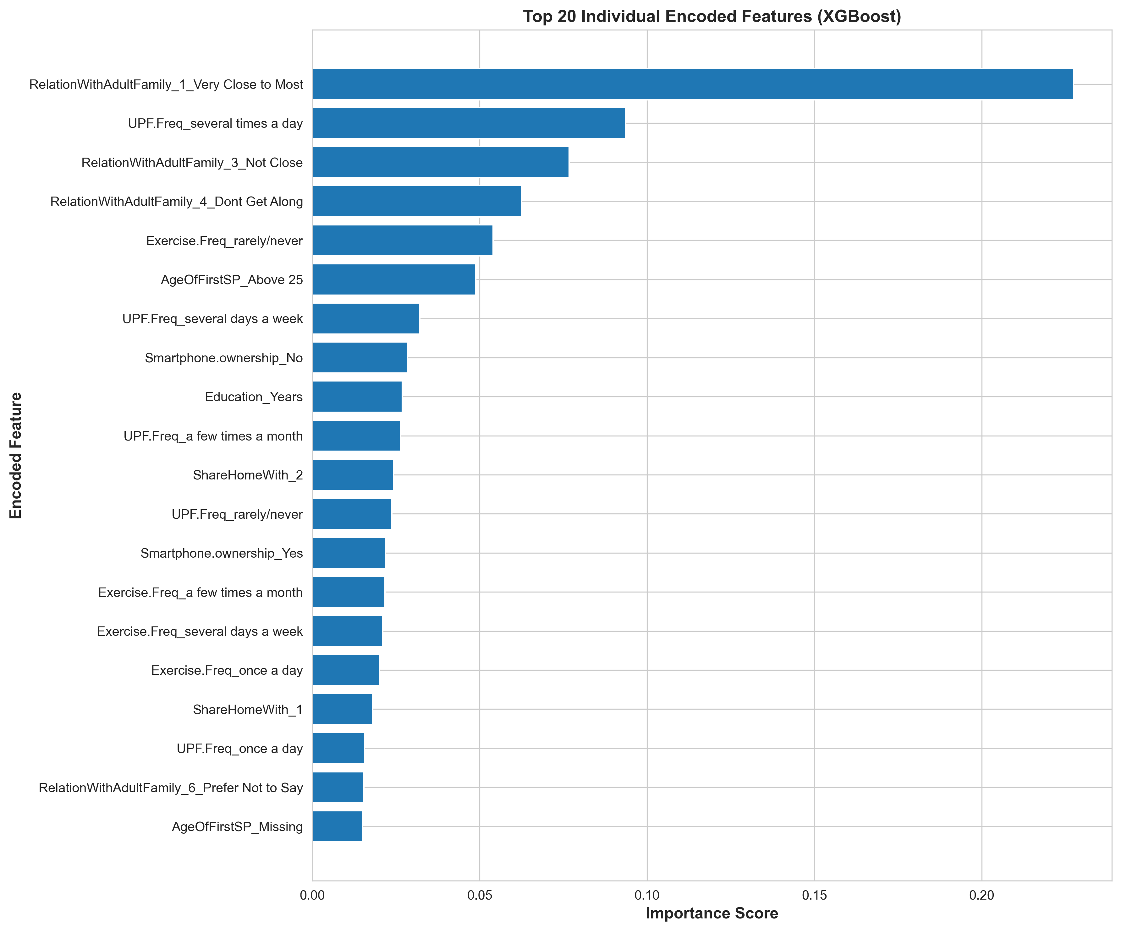
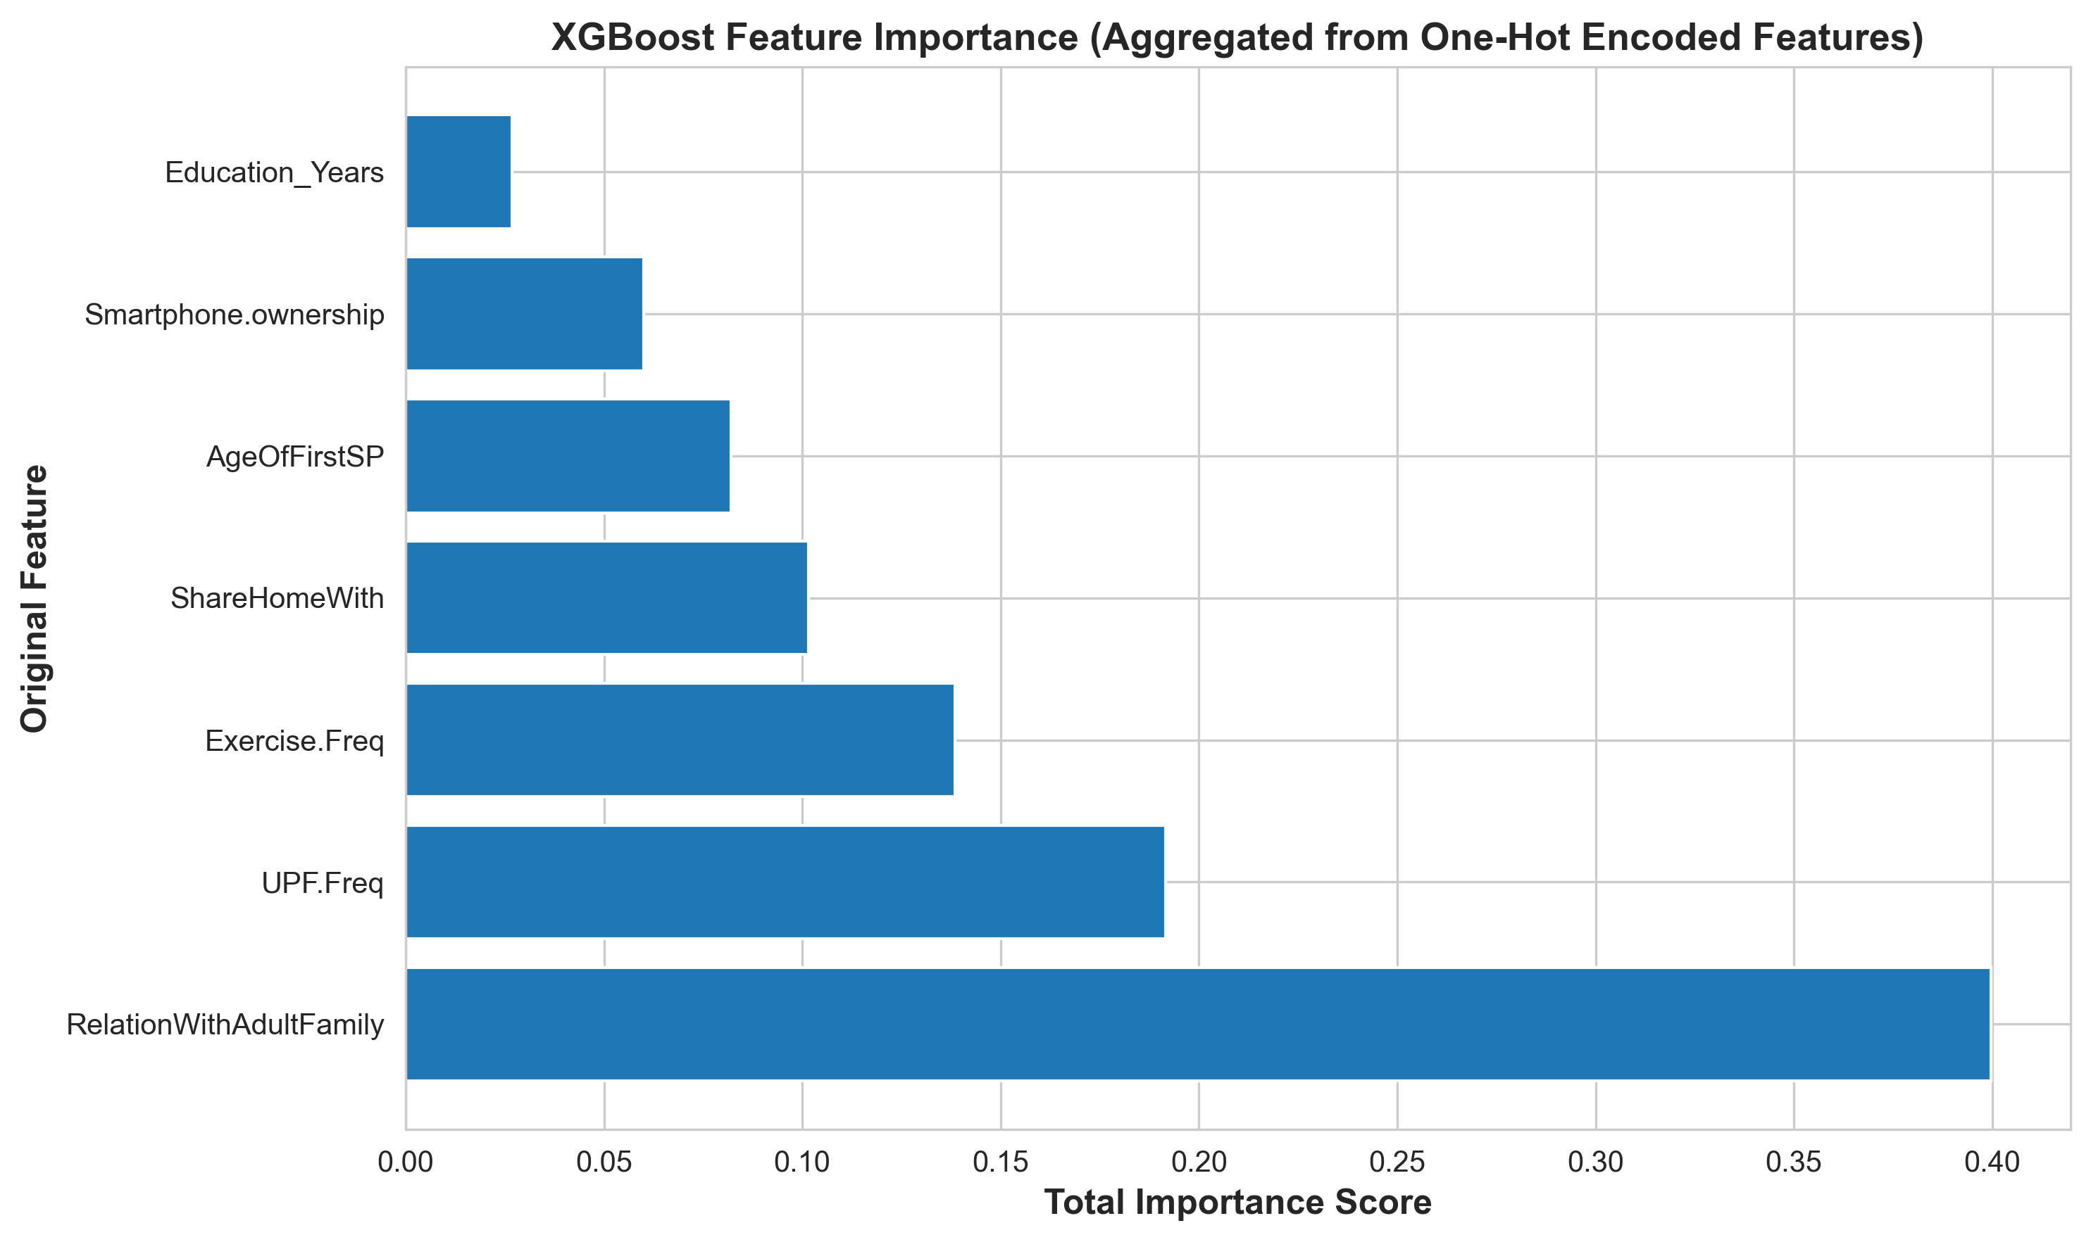

OHE SHAP
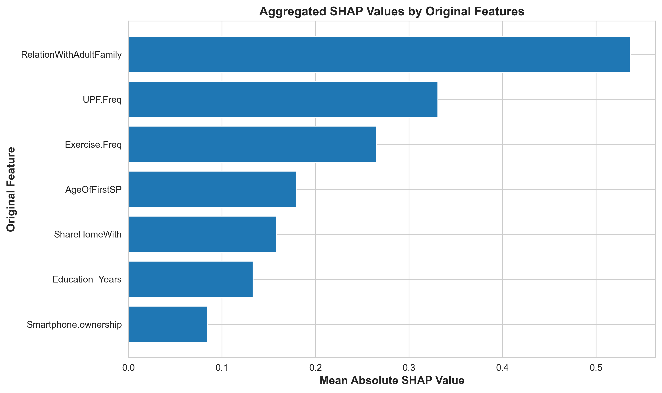
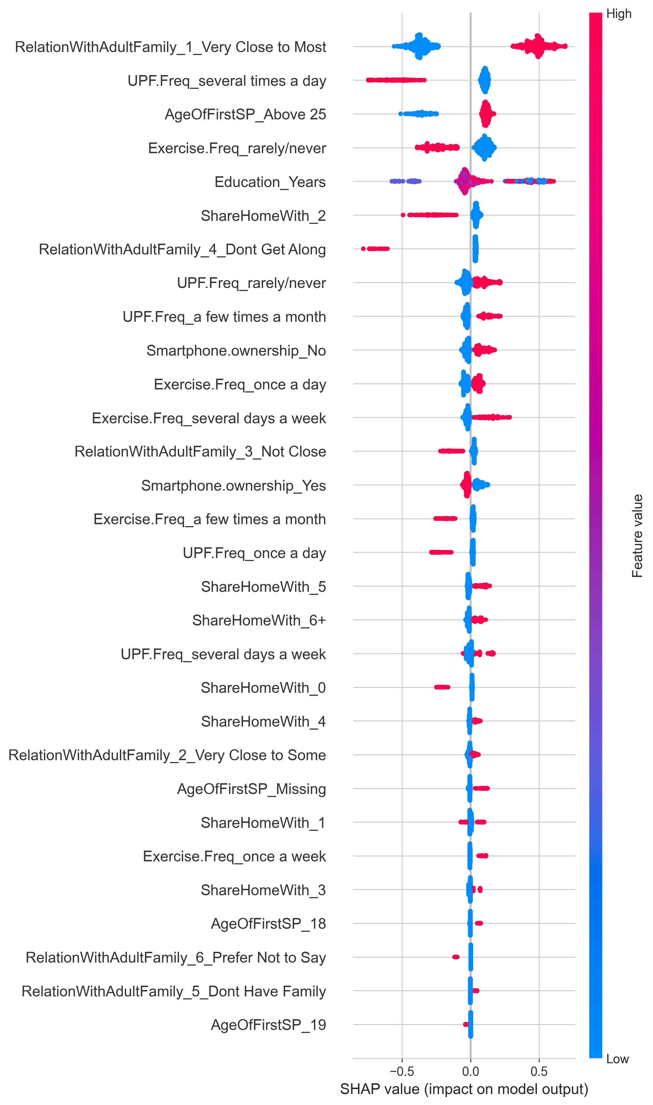
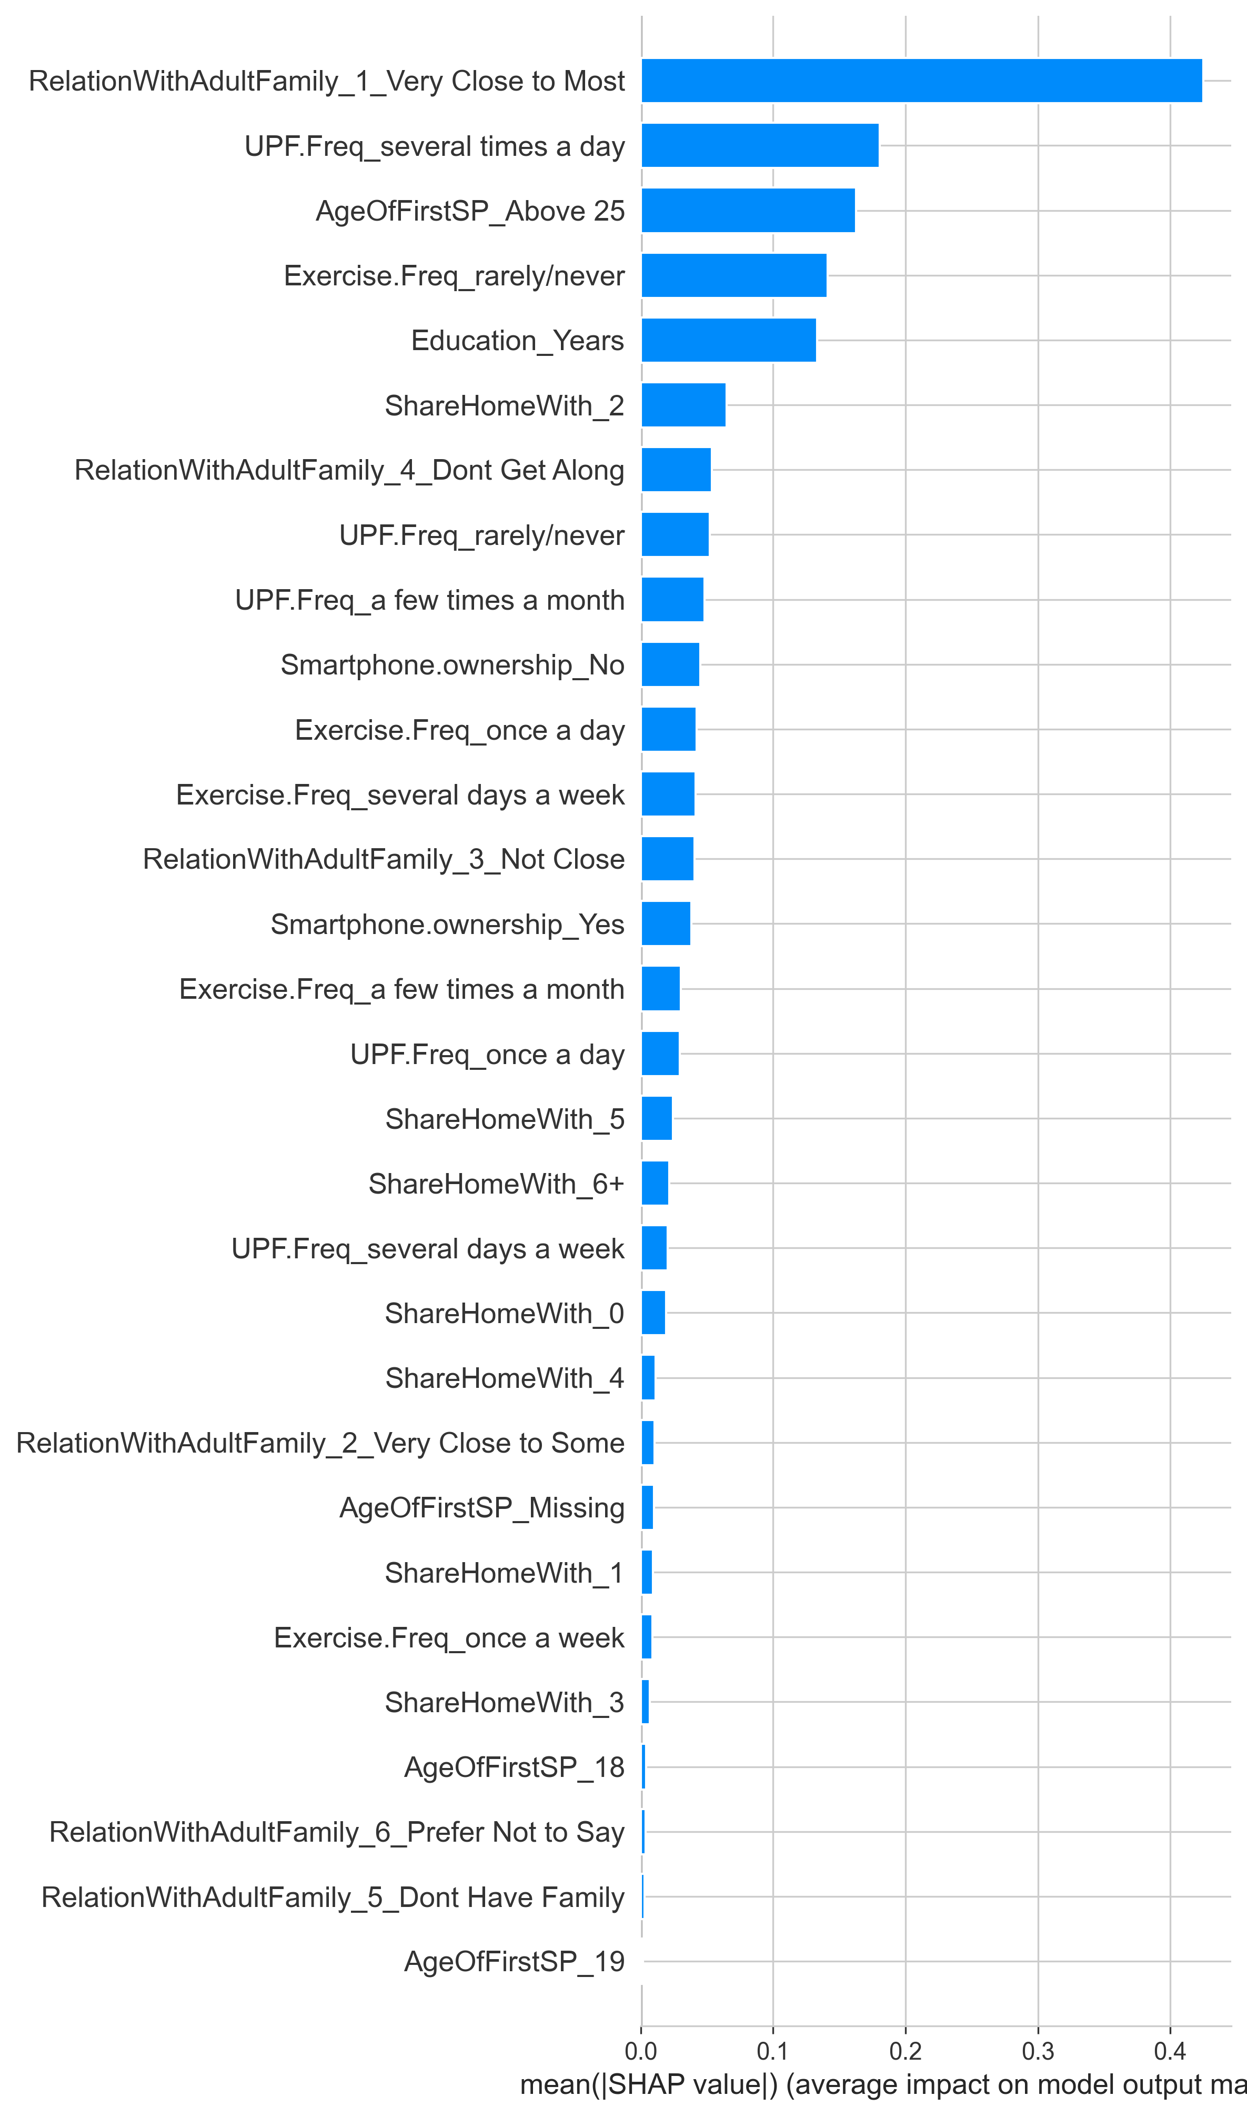

Label Encoding
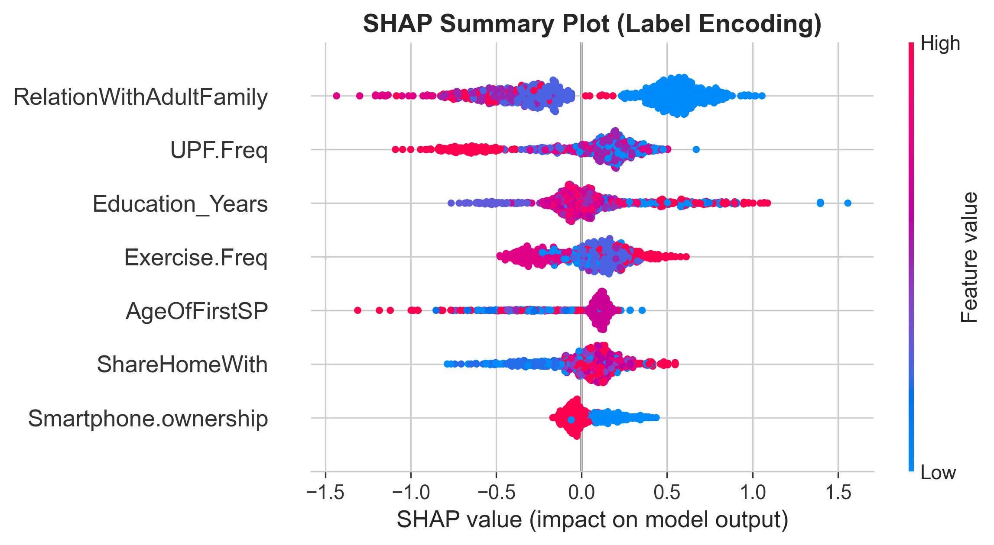
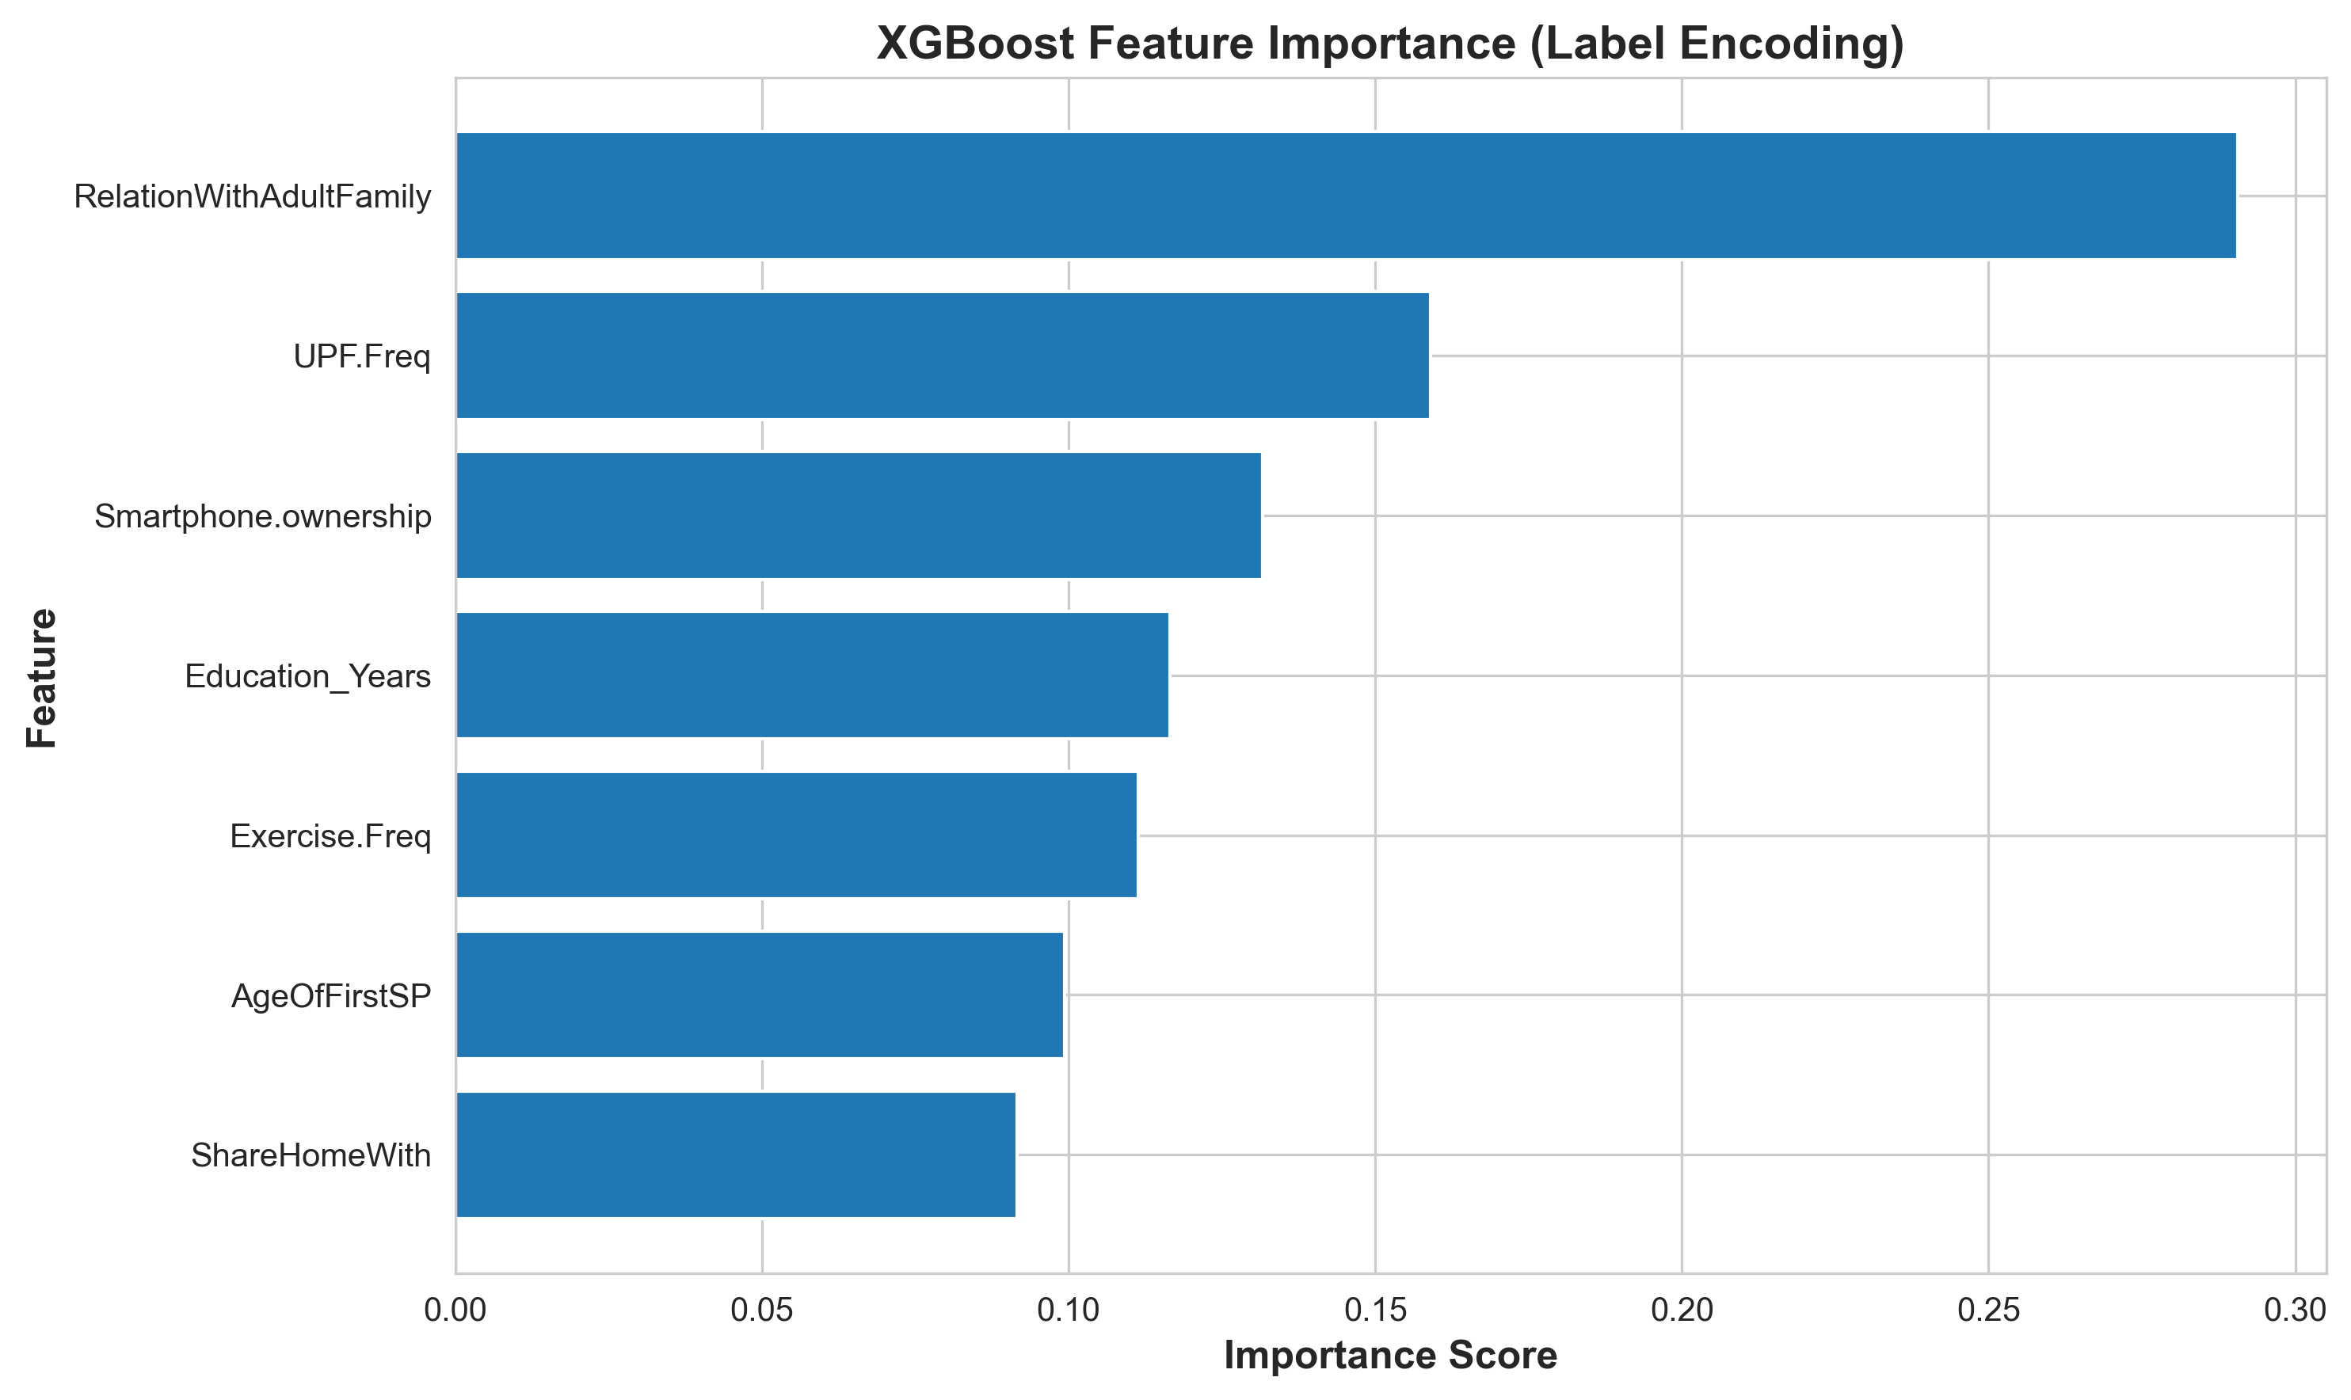

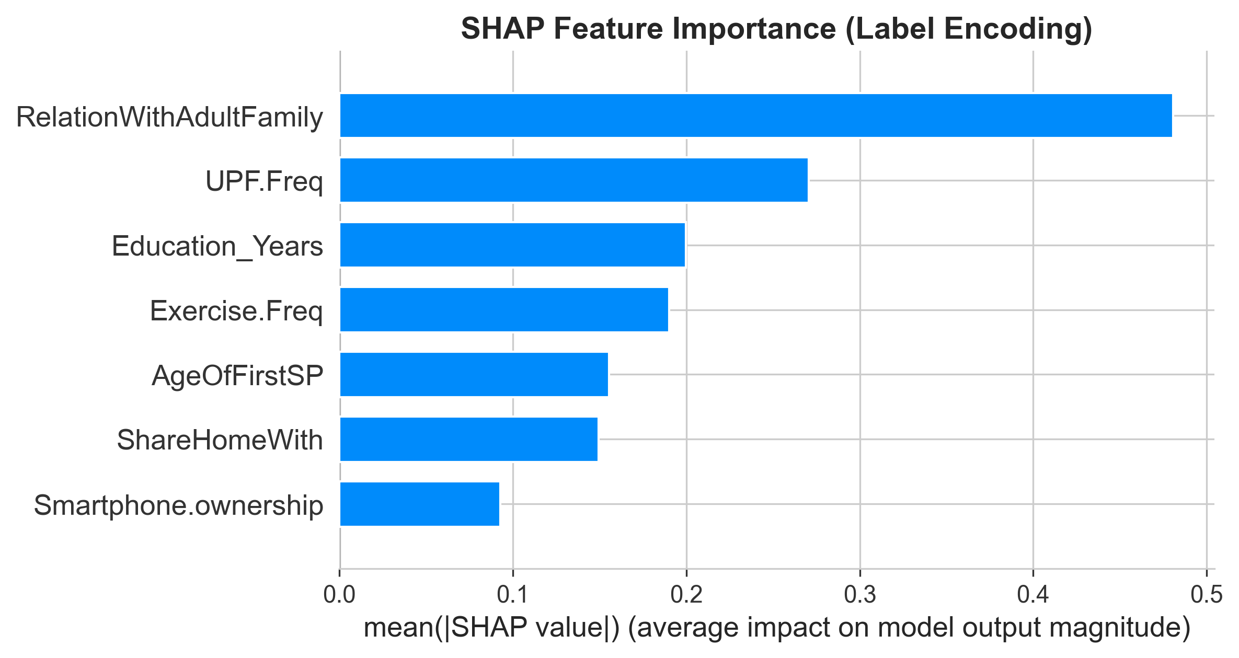

Performance Curves
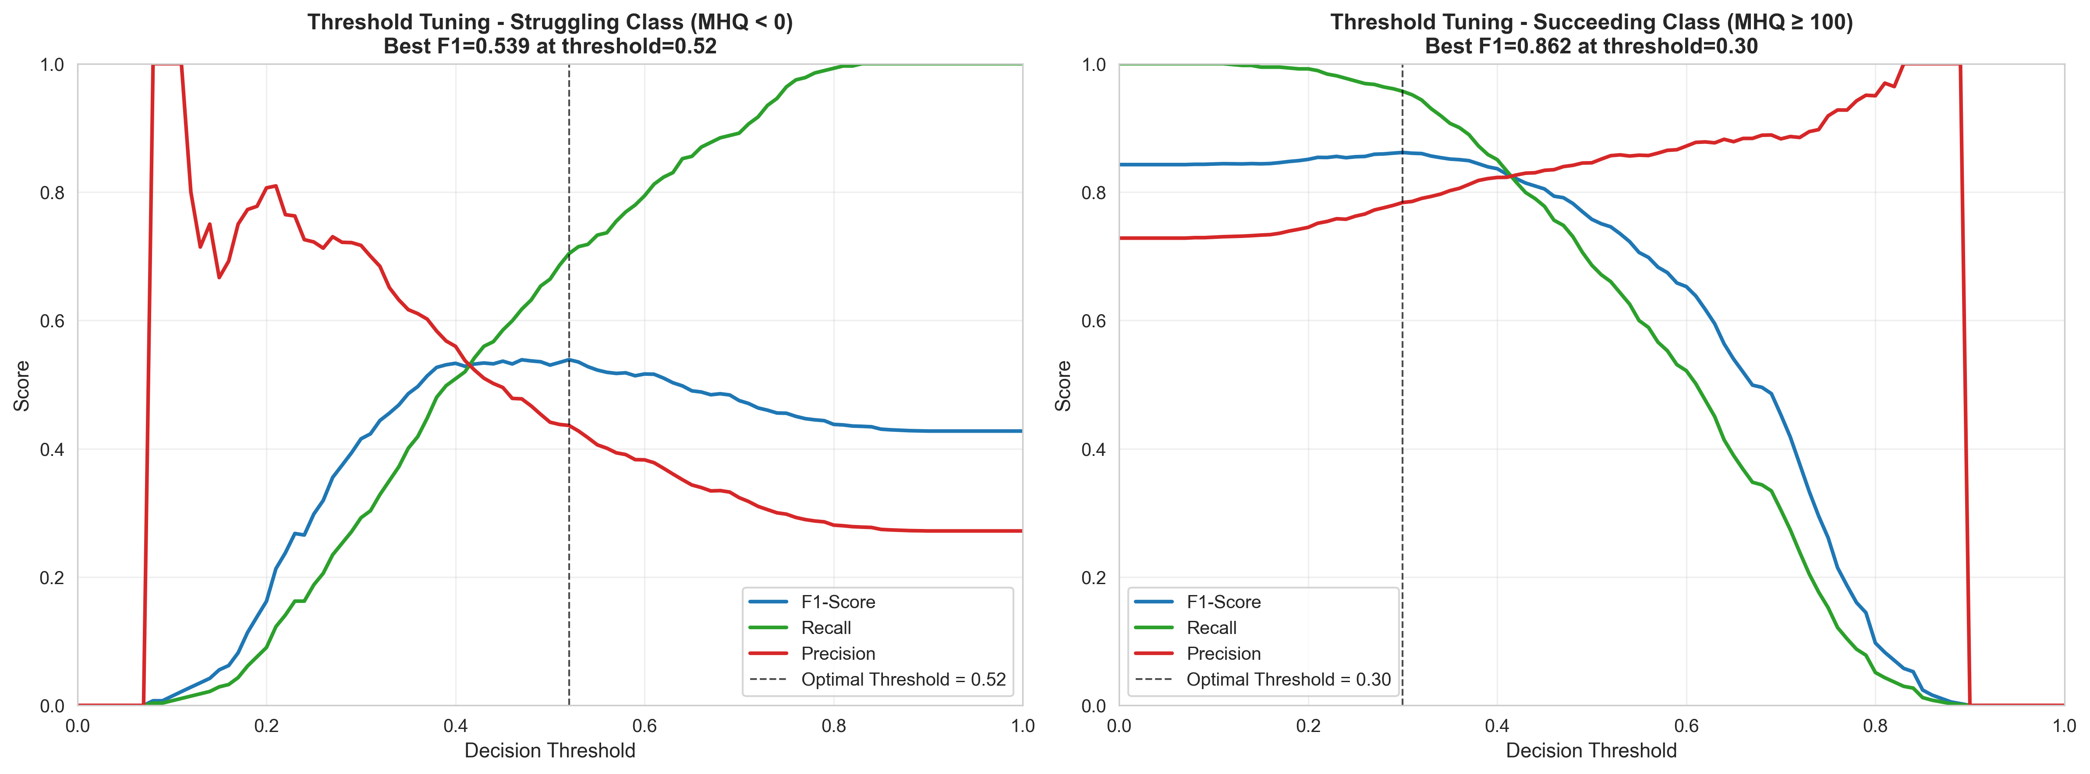

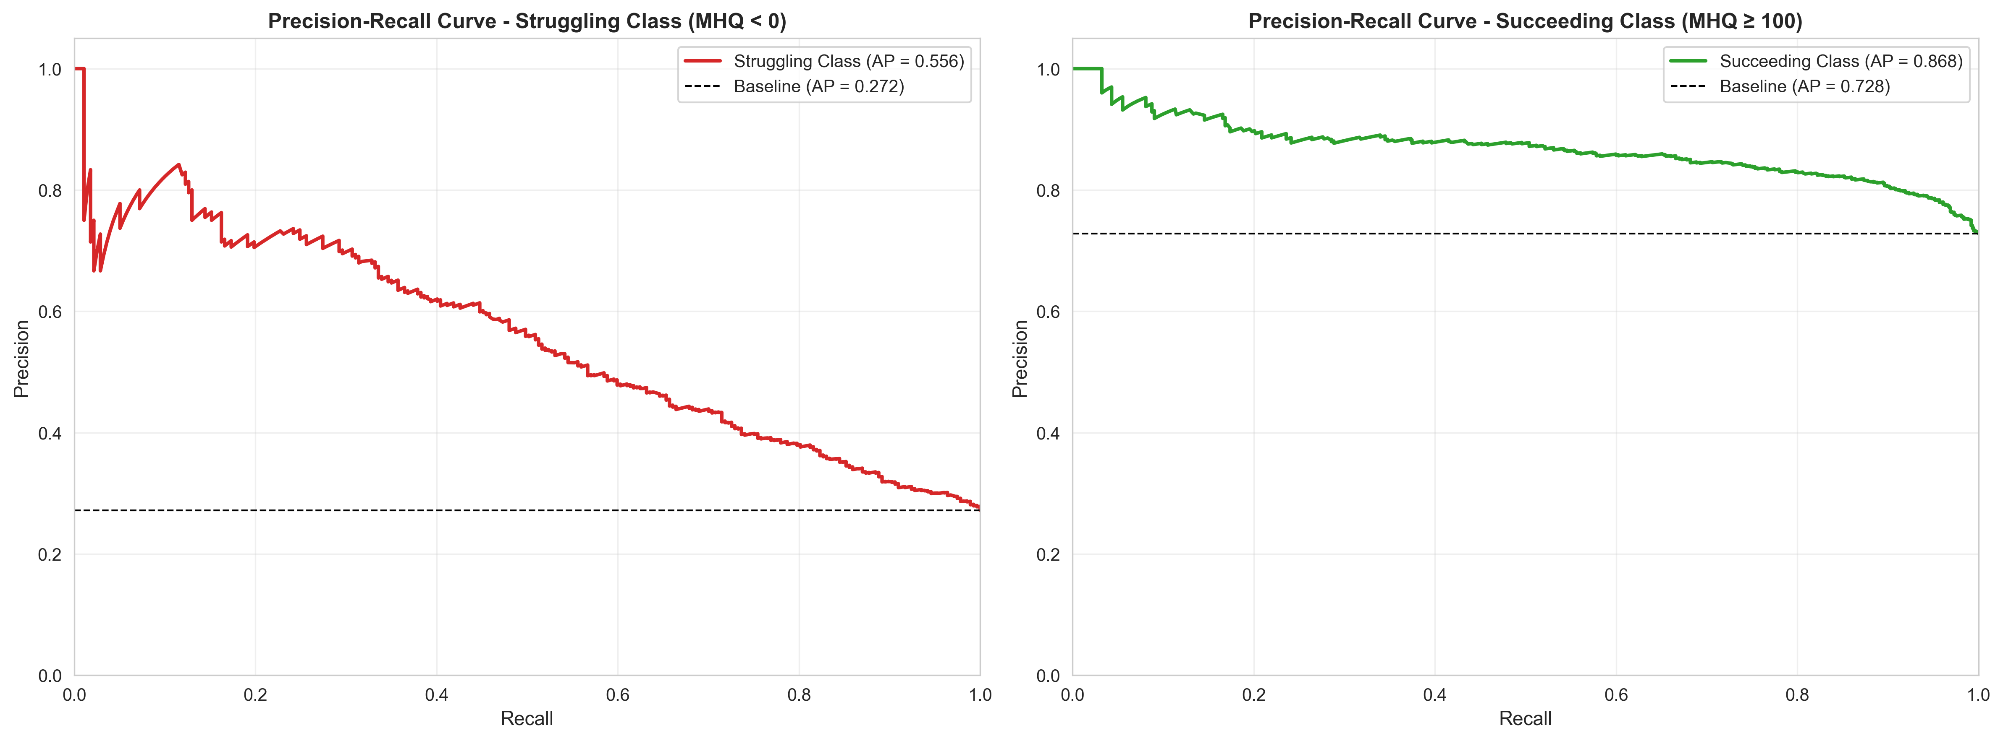

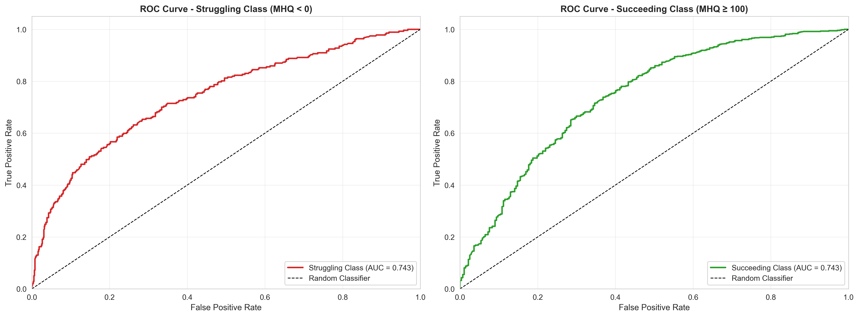

Summary
Summary
This analysis used machine learning (XGBoost with SHAP explainability) to identify lifestyle factors associated with mental health outcomes in rural Tanzanian populations (n=5,095). While predictive performance was moderate (ROC-AUC = 0.74, minority class F1 = 0.54), reflecting the complexity of predicting mental health from limited lifestyle factors, the consistency of feature importance rankings across four machine learning algorithms (XGBoost, LightGBM, Random Forest, SMOTE+XGBoost) provides confidence in the identified associations. Having "Very Close" relationships with most adult family members emerged as the single strongest predictor of mental health success, accounting for ~40% of the model's predictive power, followed by dietary habits (lower ultra-processed food consumption) and regular exercise.
Rank | Feature | XGBoost Importance | Mean Abs SHAP
1 | Relationship with Adult Family | 40.00% | 0.537
2 | Ultra-Processed Food Frequency | 19.20% | 0.331
3 | Exercise Frequency | 13.80% | 0.265
4 | ShareHomeWith | 10.20% | 0.158
5 | Age of First Smartphone | 8.20% | 0.179
6 | Smartphone Ownership | 6.00% | 0.085
7 | Education Years | 2.70% | 0.133

Model | ROC-AUC | CV ROC-AUC | Struggling F1 | Succeeding F1
XGBoost (Baseline) | 0.746 | 0.716 | 0.53 | 0.76
Random Forest | 0.744 | 0.717 | 0.54 | 0.78
LightGBM | 0.742 | 0.707 | 0.55 | 0.78
SMOTE + XGBoost | 0.738 | 0.715 | 0.52 | 0.76

- All four algorithms produced consistent results (ROC-AUC range: 0.738–0.746)
- XGBoost and Random Forest performed best
- SMOTE oversampling did not improve performance
- Consistency across algorithms strengthens confidence in identified predictors

Precision-Recall Analysis
Class | Average Precision | Baseline (Random) | Improvement
Struggling | 0.57 | 0.27 | +111% above baseline
Succeeding | 0.87 | 0.73 | +19% above baseline

Threshold Optimization Optimal threshold for Struggling class: 0.52 (F1 = 0.54) Optimal threshold for Succeeding class: 0.30 (F1 = 0.86)

