Inputs
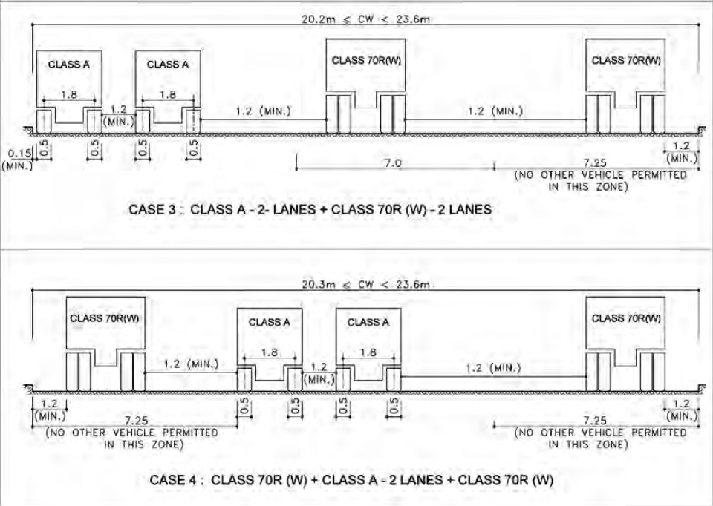
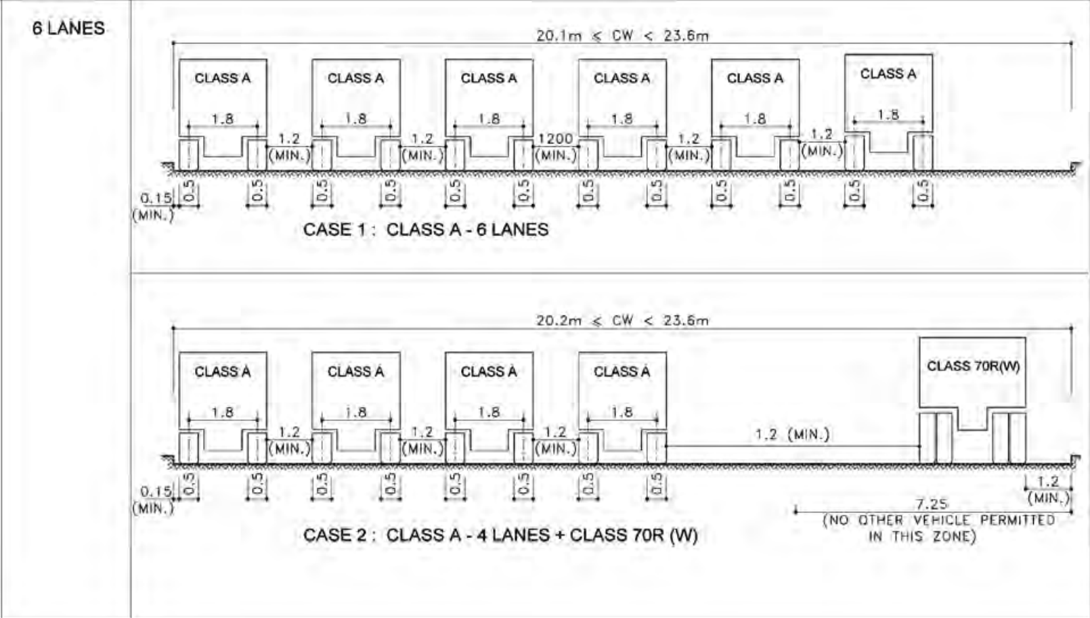
Parameter Name | Value | Unit | Class A
Bridge Span | 35 | m | Class 70R (Wheeled)
No. of Lanes | 6 | - | Class AA (Tracked)
Carriageway Width | 25 | m | Class AA (Wheeled)
No. of Girders | 10
Kerb Width | 0.3 | m
Kerb Height | 0.6 | m | Case 1
Concrete Grade (fck) | 25 | MPa | Case 2
Steel Grade (fy) | 415 | MPa | Case 3
Density of Concrete | 25 | kN/m³ | Case 4
Slab Thickness | 0.3 | m
Wearing coat thickness | 0.1 | m
Tee Beam Depth | 1.5 | m
Tee Beam Width | 0.3 | m
Tee Beam Spacing | 2.5 | m
Cross Girder Depth | 1.5 | m
Cross Girder Width | 0.3 | m
Cross Girder Spacing | 5 | m
Type of vehicle | Class AA (Tracked)
Load Case | Case 3

detailing
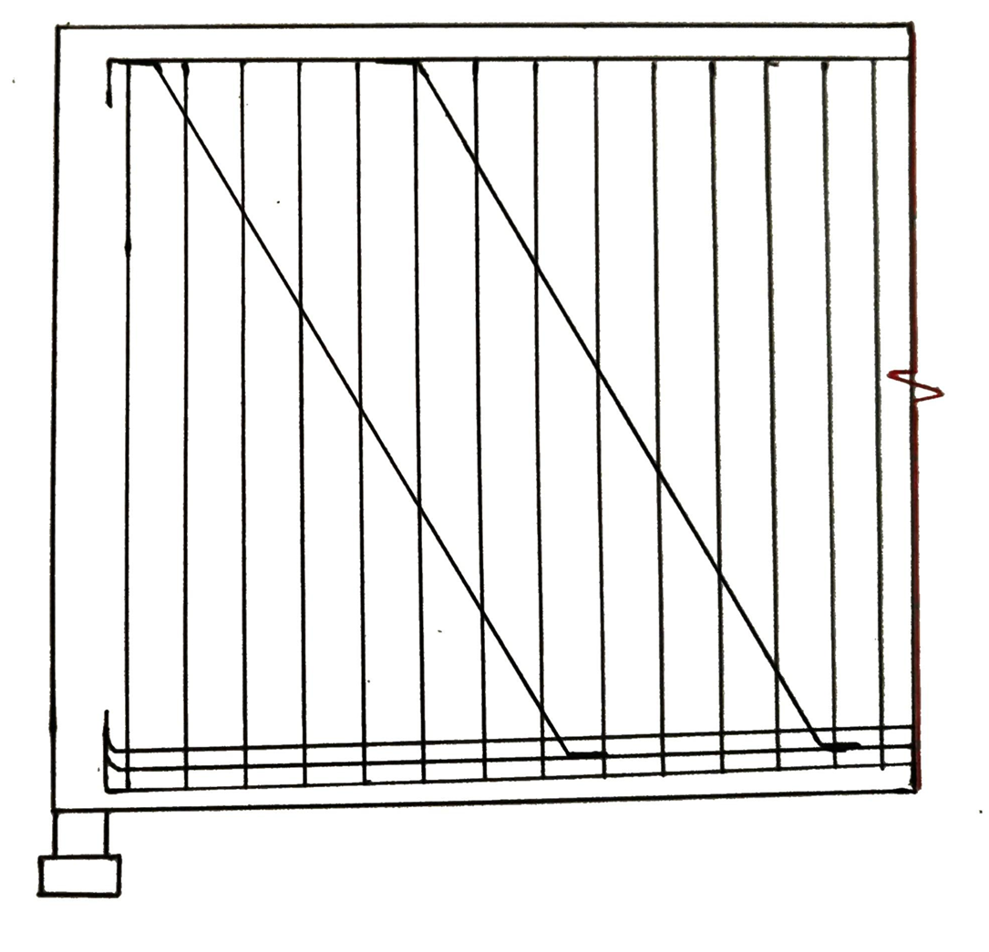
 | Reinforcement Detailing

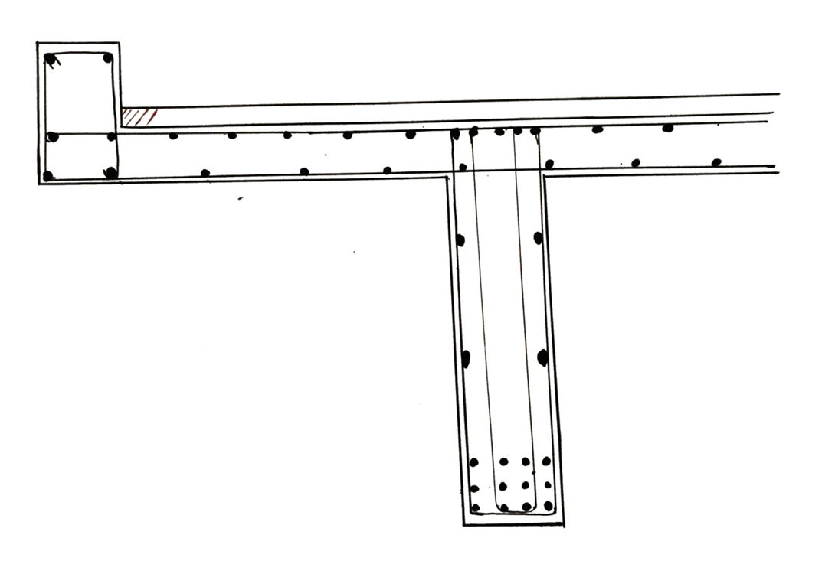

 |  |  | top and bottom transverse reinforcement

kerb design

bottom longitudinal reinforcement
 |  |  | main reinforcement of Tee beam

top longitudinal reinforcement

 |  | 4 legged transverse shear reinforcement

