Raw
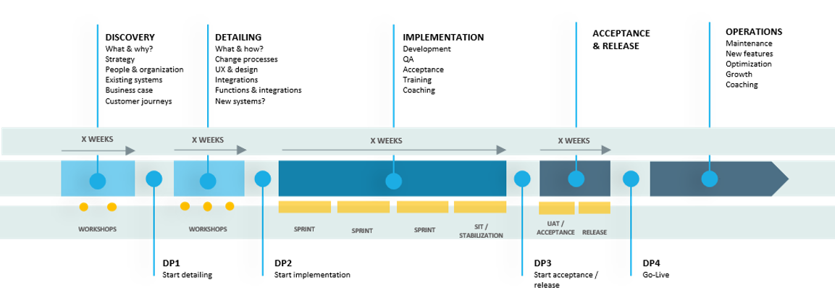
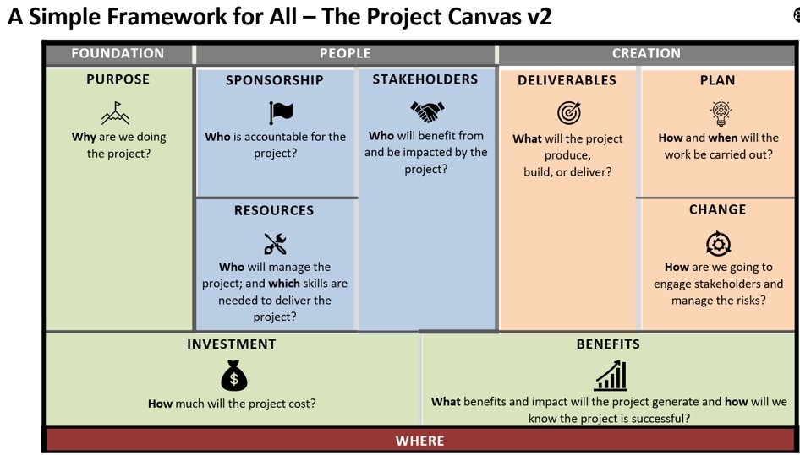

 |  |  |  |  |  |  | 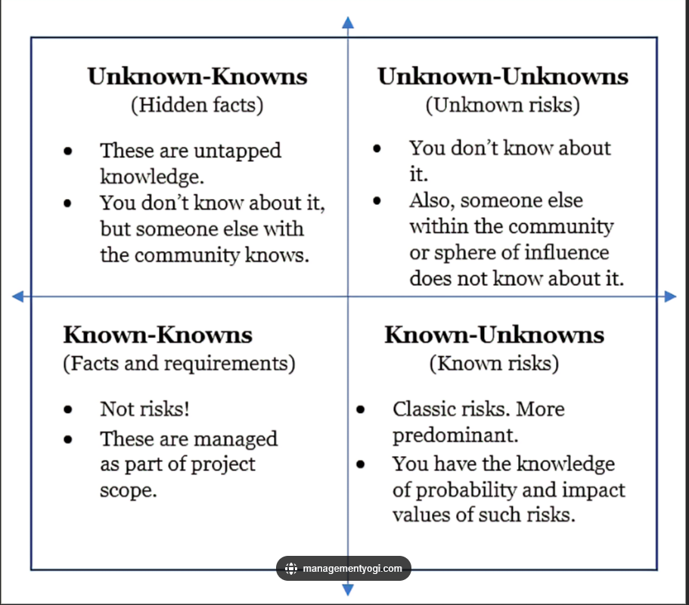

 |  | Pre-sales​ | Discovery​ | Detailing​ | SIT/STA​ | UAT/​
 |  |  |  |  |  | Accept​
 |  | Over sold - to many promises | KL: There is a risk for 'hidden requirements and project complexity' because of an unclear IT landscape, which may lead to a longer discovery and detailing phase? unClear IT landscape? | Are requirements clear enough | Do we have the "right" resources available on Avensia and customer side. Allocation levels (full-time or context switching) | Do we have the "right" resources available on Avensia and customer side. Allocation levels (full-time or context switching)
 |  | Client does not understand the extra time on the Detailing phase | KL: There is a risk for a longer discovery phase because all relevant stakeholders on the customer side are unidentified or want to be involved, which may lead to project delay. Have all Parties on the customer side have their say/been involved | Do we have all requirements signed of by both Parties | Integration points/end points - tested and documented | Test-plans
 |  | Project phases or a project plan. | Do we have a plan for the next steps | Do we have the "right" resources available on Avensia and customer side | Single Point of Failure - depence on Individuals | Changes from client after testing
 |  | Svope vs plan vs budget - clear expectation management | Who on customer side and Avensia side need to be involved in the next phase (resource allocation) | lack of communication on security infrastructure or security data systems | Broken Functionality | Long client response time
 |  | Preliminary resource allocation plan unclear on both sides | Lack of executive buy-in | Integration points/end points - identified? | Test data - available? | Suddent client team Absence
 |  | No response/delayed response from client to RFP | Customer requires alot of custom functionality | Lack of executive buy-in | Is there a time crunch/rush? | Broken Functionality
 |  | How is the project sold (one or many SoW, think invoicing) | Customer requires new integration / new tool/ company we have not integrated previously | Conflict of stakeholder opinions. Is there a PO with "decision mandate" | Off-schedule/plan
 |  | EKE: Risk of underestimating how the use of Cebu resources can affect the plan | Lack of authority/ knowing who the decision maker is | Dependencies are unclear | Unclear requirements (Duplicate) | Off-schedule/plan (Duplicate)
 |  | EKE: Customer does not understand what they agree to. This will cause problems further down the line when reality hits them. | EKE: "Happy flow" high level estimate might cause frustration and questions further down the line when detailing is done and there is a gap between the two | Clear outcome/plans before start of project | not aligned on priorities for changes | Poor communication
 |  | HD: Sales "promise" a fixed price that will follow through the whole project. In those cases there should be an internal budget. | EKE: Customer does not understand what they agree to. This will cause problems further down the line when reality hits them. | How many resources are to be off-boarded now - contigency plan and hand-over process | Change request conflicts with a requirement | Unclear requirements
 |  | KL: Customer under-estimates the technical complexity, may lead to misunderstandings and scope growth that the customer is not aware of. |  | not aligned on priorities | Learning curve for client is too large or time consuming | Stakeholder disagreement on changes
 |  |  |  | Day-to-Day users not included (not including correct people) | Inadequate training of customer (daily operation/super users) | Low team morale on either client or Avensia (project fatigue)
 |  |  |  |  | Incorrect people trained
 |  |  |  | Is the project clear (scope, time, deliverables) | Low team morale on either client or Avensia (project fatigue) | HD: System not tested during development/Implementation.
 |  |  |  | Lack of authority/ knowing who the decision maker is | Legacy data/components issues
 |  |  |  | EKE: Lack on customer side of understanding their role in the detailing will cause delays and risk of missing crucial information. The risk is that they think Avensia knows more then we do and that they assume we underestand things. | Unable to test integrations
 |  |  |  | EKE: Lack on customer side of understanding their role in the detailing will cause delays and risk of missing crucial information. The risk is that they don't understand that this activity is time consuming on their side. | "Other project" competing for the same environments
 |  | No PIM involvement in the Pre-sales, focus on e-comm and sales | Critical PIM questions may be left out, our assumed - PIM staff from client not involved. Can lead to difficulties to plan or "squeeze" PIM detailing from the beginning, and creates a need for the PIM BA to start from scratch. | EKE: Lack on customer side of understanding their role in the detailing will cause delays and risk of missing crucial information. The risk is that they don't understand the dependecies between PIM detailing - PIM implementation and Ecom implementation. "go live is far away". | Integration issues may occur, and can be diffiicult and timely to solve if technical espertice from 3d party is readily available. | Can cause delays in UAT, or critical issues being discovered late in the process
 |  | Nitro is sold in as out of the box solution, "plug and play". | Discoveryteam portrays implementation as easy and standard, not taking into consideration customer specific needs or varying experiences with the implementation staff. | EKE: Risk of being too confident in "business as usual"/Nitro default in the detailing for Ecom. This might cause lots of changes during implementation |  | Expecation that everything should work from day 1, and not understanding there will be bugs and everything needing to be checked and accepted several times.
 |  | Missing communication in regards to the importance of building and designing a new/adjusted UI | Questions and syncs towards what is possible and how things should look being left out. | HD: UX by customer not aligned with Avensia frontend developer. UX missing or complex to build. | na | Customer does not feel that the site looks the way they would have expected.
 |  | Selling a one size fits all project, based on perfect pre-requisites | The discovery team is very experienced,and can do things fast which is what they "sell in" even though the people who wil do the implementation may be new. | A lot of extra questions and time for detailing and understanding may be needed with a more junior staff. This can cause frustrations with the customer as detailing costs and time will be larger then expected. | Risk for more issues | Risk for more errors found late eg in UAT

CAT. | AREA | TITLE | DESCRIPTION | EFFECT / IMPACT | MITIGATION (avoid risk) | CONTINGENCY PLAN (if risk occur) | PROJECT PHASE = which phase the risk first appears
 | Integration | There is a risk that dependencies to technical worksstreams on customer side (ERP, MW, DAM...) will cause delays into the project Integration points/end points | ERP being configured and ERP-integration layer being developed in parallell with the ecom solution There is a risk End points for integations are not being communicated (in time). | Cannot test the full flow until late in the project. Delayed integration towards ERP can push whole project This mainly affects testing (quality) and go live activites (budget and time) if the communication about endpoints to use is missing or to late. If the customer is not on top of their current implementation, no updated architecture drawings available, and key persons have quit there is a risk of unidentified integration points during the detailing phase. This may in turn lead to a re-do of the technical solution, scope extension and longer implementation time. | -Regular meetings with ERP-partner and customer to get status and adapt plans (budget, scope, time) -Establish integration specification -Communicated deadlines to ERP provider with what is needed at which time Start early with having meetings and communication regarding integrations. Don't take anything for granted, be super clear in communcation regarding how and when. Start testing as early as possible. Talk directly to 3rd party, not only via Customer. Keep the integration to an MVP to start with and be clear with customer about it, no bells and whistles! Assure that there is Program Manager role on customer side, with mandate over the workstreams. Assure that workstreams that has technical dependencies for Avensia are "a head" of Avensia worksstream | - Report of missed deadlines to custimer and implications. Take actions together Escalate to customer and/or Steering committee. Add a dedicated person/group of people to adress and work with this integration/tool in the implementation project | SIT/STA, UAT | Discovery, Detailing, Implementation​, SIT/STA, UAT, Go-live
 | Integration | Technical risk: Problem with data | Data not as expected creates rework | More time than planned spent on looking over integrations | Synk up early with ERP provider | Report of risk occuring to Customer and implications. Take actions together | Implementation
Customer readiness | Resources | Staffing/competence low at customer for generic eCom solution or at UAT | Customer has no e-commerce today and parts of it is being recruited Customer not used to work with IT suppliers and UAT might take time more than planned time from us | Customer cannot work with the solution in time which creates delays in go-live Avensia team efficiency lower due to doing other things than development. Go-live might be delayed | Have customer to think about needed roles QA role on 50% taked early discussion about expecations Plan with some extra leadway in the implemenation plan | Help Customer to do what is needed with the site, could lead to longer time to go-live and higher need for budget, but CR Be clear with Customer risk has occurred and budget might be higher, possible CR Make the consequeces clear in Strategic or tactical meeting (steering group meetings) | Detailing
Avensia readiness | Resources | Staffing/competence at Avensia | Avensia doesn't give required developers to project. Developers are too junior and cannot deliver according to expectations and plan We do not get the "ideal " resources allocated to the project (Avensia and customer side). - Allocation levels (full-time or context switching, number of FTE's). Preferrably full time and the right amount (match start, organic growth and decrease). - Seniority and skill levels. Preferrably a mix of seniorty levels Also consider Cebu and time zones | Project takes Longer time needed and could lead to higher internal cost for Avensia and possbly later go-live for Customer Project takes Longer time needed and could lead to higher internal cost for Avensia and possbly later go-live for Medea Bottle neck creating use cases If not "ideal" team is allocated to the project, lead time, quality, cost may be impacted to the worse | CD and PM escalating to VP eCom to give need Regular discussion in CST, Pods, project, and with customer. Describe consequences | Communicate to Customer risk occurred. Discount to Customer in some way Regular discussion in CST, Pods, project, and with customer. Describe consequences | Implementation
Customer readiness | Resources/Allocation | Staffing/competence: Avensia | Also only 50% SA allocated to project (rest is outside project) Avoid preliminary allocations | Bottle neck creating use cases Time, quality and budget can all be affected. |  |  | Implementation
 | QA | Project: Short UAT time | Only xxx weeks of UAT planned. A normal project at Avensia has 3-6 weeks of UAT | Not as high quality as expected when go-live | Push Customer to do Sprint acceptance Tests and push for a clear UAT period |  | UAT
 |  | Project risk: Three weeks UAT only, no advisory services in plan, no performance/load test in plan, no travel planned
Avensia Sales | Process | Over seling Risk of presenting a high level plan that is too optimistic and tight | It is important to not over-sell to the customer. The high-level (un detailed) project plan is presented in the sales phase and is not "possible" (scope, budget, time) | Over selling could mean promises to the customer can not be kept, for reasons like the promise doesn't fit the budget, time or agreed scope, or simply cannot be done. Could lead to worse relation with the client that could have been, and an uphill battle | Keep internally in-sync with relevant stakeholders at Avensia. | Inform the customer as early as possible what the options are, could be delay, more expensive solution, more complex solution. "Escalate directly to Sales, CST, Steerco, customer budget owner if not working properly Decline project ?" | Detailing, Implementation
Avensia Sales | Process | Project phases | There is a risk that the customer thinks that we are in detailing/implementing phase when we in reality are in a discovery/detaling phase. | If the project phases are unclear it can cause frustration for the customer and impact the relationship. | Even if it is an existing customer it is important to present the project model in an early stage so everyone is on the same page and understand the model and plan forward. Benefit matrix and explanations of (scope/time/budget/requirements) clarity | Inform the customer how we work and get help from CD if needed. | Discovery
 | Process | Project phases | There is a risk connected to the way we may switch between agile methods during a project. E.g. During Discovery and detailing we may work in Kanban mode with a prioritized list to handle. During the implementation we switch to Implementation to protect the scope and to control the delivery. In a final phase before Go-live we may switch to kanban again to secure the launch and to solve blockers. Edit: Avensia delivery model used to provide deliverables in the early phases (Discovery and Detailing) and also in implementation | By changing project models during the project we may get uncontrolled scope creep hence delay of the project e.g when switching from Implementation to kanban. Especially if the customer doesn't have a dedicated product owner and anyone in the customer org can file a ticket. | Inform the customer of the different methods that we use in the different phases of a project. | Escalate to CST and/or Steering Comittee if the scope starts to grow. | Discovery
Customer readiness | Integration | Customer's IT landscape Requirements don't align with systems/integrations (and IT-landscape) | There is a risk for 'hidden requirements and project complexity' because of an unclear IT landscape | Unexplored expections from the customer, e.g., hidden in their current solution or IT landscape, could lead to additional requirements which may lead to a longer discovery and detailing phase Edit: Implementation Phase impacted the most | In the early phases, do not only stay in the beaten track, focusing on the solution to be, but also explore the customers current situation and bring expectations to the surface and not them down | If project is started and SOW approved, treat all extra requirements as CR's. If not SOW is approved, discuss with customers about spending extra time in the phase you are in to make to capture all requriements | Detailing
Project readiness | Requirements | Unclear requirements | Unclear requirements may lead to disagreements later on in the project | Could cause a delay or extra costs, lead time or worsen the customer relation "Discovery - High level requirements Detailing - detailed requirements Requirements documented and signed off. To assure a scope and have documentation to prevent scope creep. Benefit matrix " | Have all requirements analyzed by a senior SA or similar to have their opinion on them (the req's) and what needs further investigation | As soon as unclear requirements are discovered, take a discussion with the customer agree what should be done. This is turn could lead to extra scope, budget, time etc | Detailing
Project readiness | Resources/Allocation | Avensia not ready to start on time | There is a risk that Avensias development team is not ready to start according to plan. - Could be bad planning, staffing issues, technical issues. - due to earlier phase not finnished as planned. (Detailing takes longer time) | Most likely damage the customer relation/confidence in Avensia. Can affect timeplan and cause extra cost for Avensia (fees) Depending on who is responsible for the delay the impact is different but it will at least most likely push the timeline. | Secure resources with staffing managemet in good time. Keep everyone aware of what a delay might cause and, if needed, replan for a later start to save cost for the cusomer (if possible) | Update plans, inform Steering committee of changes | Implementation
Project readiness | Requirements | Do we have all requirements signed of by both Parties Additional costs due to extra time or scope creep | There is a risk of development taking more time then estimated due to poor estimation or not the right resources There is a risk of development taking more time then estimated due to scope creep caused by the team it self There is a risk of development taking more time then estimated due to scope creep caused by the customer | Affects timeline and budget | Make sure the team time and cost aware. Do a proper sprint planning where the team estimates and commits to the sprint goal. MAke sure the team works as a team and ghelp each other when someone get stuck. Make sure the team time and cost aware. Do a proper sprint planning where the team estimates and commits to the sprint goal Make the customer aware of the importance of prioritizing the backlog and what impact scope creep has. Work with Change requests. Keep Steering committee updated of Change requests and make them decide if major changes are idenfied. Baseline needs to be established |  | Implementation
Avensia Sales | Resources/Competence | Staffing/competence: Avensia | Avensia may have promised a customer that we have a certain competence but it is outside our core area eCom. | Avensia resources may under-estimate the work because we do it for the first time, and there is a risk for longer development time due to competence level in the team. |  |  | Implementation
Customer readiness |  | Staffing/competence: At customer | Customer not making decisions in time | Work in the project require full focus from the customer including the mandate to take the necessary decisions, in time. Lack of decisions from the customer may lead to idle time for developers while waiting, frustration in the project, delay of the development and increased cost. | Try to get comittment from the cutomer in the initial phase of the project, state as pre-requisites in the SoW. | Escalate to Steering committee. | Detailing
 | Change Management | Changes | Changes from client after testing | Changes that come in during the development phase and that can be handled in the sprint may "only" extend the scope and increase the cost. Changes that come in to the later stage in the project e.g. after UAT and before Go-live increases the risk; delay of Go-live, possibly introduction of new bugs due to major change of current solution, and we may need to push the Go-live plan hence increase cost. | Involve the customer with the testing in an early stage of the project. Follow up on the testing and the outcome with the customer. |  | Implementation
Project readiness | Resources | Resource on-/off-boarding | Takes time from team to on and off board people new to the team | Throughput and efficience may be impacted by too many on and off boarding attempts to the project | Produce on- and off-boarding instructions for developers and other roles (SA, PM, QA) | Do as fast and efficient as possible, write time if possibly on non-project time | Implementation
Project readiness | Planning | Plan for GO LIVE | It takes time to find and adapt a go live plan for an implementations project | Takes time from both PM and SA, less effciency and causes stress if thought of earlier | Make sure SA finds and start to adapt the go-live checklist early in the project | Allocate help from a senior SA to help with the go-live checklist | SIT/UAT
Sales | Invoicing | Invoicing vs early agreement with customer | There is a risk the project will be difficult to invoice if the early agreements with the customer is not in line with the invoicing tools and processes at Avensia | The invoicing will take longer and the risk for faults is increased | Have the Salesperson to ask PM and/or Finance about what can be agreed with the customer and what set up should be avoided | Make a case with the customer about simlifying the invoicing | Detailing
Customer readiness |  | Conflict of stakeholder opinions and who has the final say | If the customer have many opinions and/or many stakeholders it may mean conflicting messages to us at Avensia | This may lead to a solution that is not fulfilling all stakeholders expextations. | Have the customer appointing an internal decision maker, "all" decisions should go via him/her. This person is the main person for Avensia when it comes to the operation of the project. This person could be the Product Owner on the customer side | Feed back to the customer the situation (to the PO?) and have them cleaning up the decision making. Make the consequeces clear in Strategic or tactical meeting (steering group meetings) | Detailing
Customer readiness | Integration | Security infrastructure issues | Security infrastructure issues may lead impact many project parameters | This may lead to delays or a risk to not to live if not handled in a timely manner | Bring this non optimal situation up with the customer early (discovery phase, repeat in the detailing phase). Plan with some extra leadway in the implemenation plan | Make the consequeces clear in Strategic or tactical meeting (steering group meetings) | Discovery
Project readiness | Planning | Inaccurate estimates (time/cost) | If the estimates is faulty (from whichever phase) it is harder to execute the following projects | This could lead to difficult discussions with the and irritation at the customer. | Have people in the early phases with knowledge about the next and next-next phases | As soon as a fact, bring up with CST and Avensia. This group may decide on a communication plan with the customer and way forward | Discovery
Customer readiness | Resources | Low team morale | The team morale on either client or Avensia side is low (project fatigue) Team morale can get low for many reasons; Team members feel that they or their work is not appreciated/valued. Lack of attention from customer side can give a negative effect on the team. Unpredictable customer, demanding customer can affect the team as well. Lack of team activities, lack of retrospectives (internal and external) to get a chance to get the team spirit up and boost the engagement. | May lead to a harder to execute project with missed deadlines and higher costs Team members may ask for other projects that are more fun. Customer may want to stop the project or change team members, which affects the team morale | Monitor the project's drive and deliveries. Important to Kick-off the project together with the team and the customer at start to boost the morale and get to know each other. Plan for that either the customer visit us or we visit the customer regularly to keep attention up in the project. Plan for team meet-up:s and activities to glue the team together. Plan for retrospectives to follow up on the team spririt/morale regularly to be able to "Mota Olle i grind" | As soon as a fact, bring up with CST and Avensia. This group may decide on a communication plan with the customer and way forward | Detailing
Project readiness | Resources | Low team morale | The team morale on either client or Avensia side is low (project fatigue) | May lead to a harder to execute project with missed deadlines and higher costs | Monitor the project's drive and deliveries. | As soon as a fact, bring up with CST and Avensia. This group may decide on a communication plan with the customer and way forward | Implementation
Customer readiness | Resources (and/or planning) | Customer availability for grooming | There is a risk of frustration in the project and long lead time because the customer is not available for refinement sessions | Will create slow progress, delays and frustration within the project. Both on customer and Avensia side | Assure a proper role and availability mapping on customer side (PO, Digital Manager etc). | Escalate directly to CST, Steerco, customer PM if not working properly | Implementation
Customer readiness | Resources (and/or planning) | Poor stakeholder involvement (Avensia/customer) | There is a risk for a longer discovery phase because all relevant stakeholders on the customer side are unidentified or want to be involved | Will create slow progress, delays and frustration within the project. Both on customer and Avensia side | In early stages identify relevant stakeholders and assure their presence/availability (continous) | Escalate directly to CST, Steerco, customer PM if not working properly | Discovery
Project readiness | Planning /QA | Test-plans/QA-process/Automated tests | There is a risk that test-plans are poor, or poorly communicated. QA process - agreed upon (scope/coverage/responsibilities QA process, automated tests | Will create inefficient and unfocused testing (SIT, UAT) | Identify and assure availability within QA on all sides (customer, integration and Avensia side). Auomated tests are REALLY useful for Regression testing |  | SIT/UAT
Sales (or customer readiness) | Process | Lack of detailing | Client does not want to/understand the time for a Detailing phase. Lack on customer side of understanding their role in the detailing The risk is that they think Avensia knows more then we do and that they assume we underestand things. | Will create slow progress, delays, scope creep, repeated grooming sessions and frustration within the project. Both on customer and Avensia side. will cause delays and risk of missing crucial information. | Benefit matrix and explanations of (scope/time/budget/requirements) clarity. As PM, follow up progress of the quality of the Detailing work constinuously. Make sure the customer resposibility is documentet in SOW if the risk happens. Keep talkning to the customer about the importance of their role in the detailing outcome. | Escalate directly to CST, Steerco, customer PM if not working properly Decline project ? | Implementation
Project readiness | Resources | Right resource allocation for every phase | Ensure the right resources are allocated on both customer side and Avensia side in the next/all phase/s | From Jesper: If not "ideal" team is allocated to the project, lead time, quality, cost may be impacted to the worse |  |  | Detailing
Customer readiness | Planning | Client not ready to start on time | At the project start date the customer is not prepared to start. Customer allocations are not done/enough | Requirements can not be detailed. Assumptions are made leading to necessary adjustments further on. Risk of delay. |  |  | Detailing
Project readiness | Internal communication | KL: Scope creep due to the customer talks to the developers directly | Customer talks to the developers directly not involving architect, QA and PM | KL: There is a risk of scope creep because the customer talks to the developers directly, which may lead to delays and increased costs in the project delivery. |  |  | Implementation
Sales | Process | EKE: Customer does not understand what they agree to. This will cause problems further down the line when reality hits them. | There is a risk that the customer is not fully aware of what they are agreeing on when signing. They might not have had any legal "eyes" on it or get blown away by sweet talk in the sales procedure. There is a risk that the customer is not fully aware of what they are agreeing on when signing. They might not be as prepared as needed when it comes to staffing and other preparations. | Dissapointed customer not willing to pay as much as expected. We need to give discounts etc. Work in the project require full focus from the customer including the mandate to take the necessary decisions, in time. Lack of decisions from the customer may lead to idle time for developers while waiting, frustration in the project, delay of the development and increased cost. | See too that the SOW is covering as much as possible to avoid missunderstandings. Try to get comittment from the cutomer in the initial phase of the project, state as pre-requisites in the SoW. | Escalate to Steering committee and stop the project if needed | Detailing
Customer readiness | Planning /QA | Test data - available? | In the phase of SIT and UAT there is a risk of not being able to finalize the tests due to lacking, or poor quality, of testdata. | The impact it will have is that it will not be possible to performe all the tests needed to take a Go live decision. Or, if the customer decideds to go live, lots of problems due to poor testing will occur when in production. | Don't wait with testplanning until it is "too late". If data is missing, try to work with mocked data. If no data is available - recommend to postpone go live. Make sure you have enough resources for hypercare when in production. | Hypercare, on call | SIT/UAT
Customer readiness | Planning | Suddent client team Absence | In the phase of SIT and UAT there is a risk of not being able to finalize the tests due to lacking, or not enough, test resoruces on customer and/or 3rd party side. | The impact it will have is that it will not be possible to performe all the tests needed to take a Go live decision. Or, if the customer decideds to go live, lots of problems due to poor testing will occur when in production. | Don't wait with testplanning until it is "too late". Escalate in Steering committee if you see this risk not being solved in time. Discuss: Can someone else step in and do the UAT for them (consultant)? Make sure you have enough resources for hypercare when in production. | Hypercare, on call | SIT/UAT
Sales | Process | HD: Sales "promise" a fixed price that will follow through the whole project. In those cases there should be an internal budget. | There is a risk of not meeting budget expectations if there is set a (too low) fixed price. | The project is seen as less sucessful and the PM and the team is not motivated. The PM will be struggeling with doing magic with the numbers. | Keep external and internal budget separated and the planning and follow up should be against the internal budget. |  | Implementation
Project readiness | Process | Change request conflicts with a requirement | There is a risk of unclear requirements if a CR is conflicting an already existing scope | Unclear prerequisits for the developers might lead to poor solution or double work | Do good grooming of requirements, keep customer PO or similar involved in solutions discussions |  | Implementation
Project readiness or Sales | Process | Unable to test integrations | There is a risk that the integration/s built is not possible to test before go live | Depending of what kind of integration it is it is more or less important to make sure it works after go live. If it is one of the major informations sources like products, prices or stock it has a huge impact if it doesn't work after go live. | Evaluate the importance of the integration and have a plan for failure. Discuss in testplanning if there are other ways to secure that the integration will be working after go live. Make sure to have the right resources on both ends in place when the integrations tarts running in production. |  | SIT/UAT
Project readiness or Sales | Process | Project: Sales have not got a signed M&S agreement in time for hand-over Plan for hand-over to M&S | Missing plan for handover of the project after go-live. This applies to sw, documentation, resources etc. | Missing plan may lead to that we don't have the resources ready on our side to handle the maintenance project. The customer expectations are to be up and running in defect management systems and a team that can handle critical bugs, but without a plan we risk to delay this handover and the customer relation might be impacted. If a license/subscription is needed for the defect management system there is an additional cost that the customer is unaware of. | Include the customer needs in an early stage with regards to documentation and resources so we know what the expectations are and can plan accordingly from both sides. Inform hte customer of any extra costs and agreements that need to be settled in advance. |  | After Go live
 | Resources/Competence | Staffing/Competence: Single Point of Failure - depence on Individuals Competence wise Too few in team | There is a risk of having too few resources during test periods; A single point of failure with one resource that doesn't have a project member to exchange thoughts with. | One person testing may lead to gap:s in the test coverage and we risk to miss out on testing certain functionality, especially in a project that is a new kind of project e.g. only CMS and custom integrations. This in turn may lead to delayed go-live, untested functionality that risk to break and increase costs to fix them. | Document integrations in an early stage during detailing together with the SA, so it is easy to follow up and test. Plan the test period in advance with the team and the customer to meet expectations. |  | SIT/UAT
Customer Readiness | Process | Dependency to customer systems | There is a risk for delayed implementation start because of the dependency to customer systems | The setup in S0 may take longer time due to customer requirements e.g. Excite + Azure DevOps compared to Excite + Jira, which delays the actual implementation start, which may lead to upset customer and more cost. The setup of project admin can also impact the project 'flow' negatively and cause frustration if it is not in place for the team when time shall be reported and for the customers if the invoices are not in place. | Prepare the customer that the foundation will take some time because it is a customization made especially for them? Include a set-up-time/lead time after signing and before project start? |  | Implementation
Project readiness | Planning | Project: Actual velocity (output) is not aligned with the agreed plan | There is a risk that the project gets off schedule during the different phases due to many reasons; under estimated tasks, illness, VAB, customer changes direction, decision lacking… | Cost increase and project delay if we need to investigate tasks/areas further due to a more complicated task than we first estimated. Might need more/other expert resources to support. | Be transparent in the project to the customer and to CST with the progress: good or bad. Establish velocity | Highlight to the steering group when needed. | Implementation
Customer readiness /Avensia Readiness | Process | not aligned on priorities | If the customer wants one priority on deliverables, but the team requests another due to dependencies? Time, cost, scope? | If the customer strongly wants one functionality first due to resource availability, the team may need to do extra work to re-arrange due to dependencies in the project. This can lead to extra time and cost, but may also complicate the implementation and introduce more risks. If the stakeholders at the customer side is not aligned on the prio order of Time, Cost or Scope, it may lead to confusion and divergent requirements for the project to handle. The relationship with the customer is affected. | Get one point of contact (PO) that is in charge from the customer side that can be clear on the priorities; Time, Cost, Scope. Inform and discuss the priority order during the detailing phase and regularly during the development to keep the customer and team informed what a re-prioritization may lead to. |  | Implementation
Project readiness or Sales | Process | HD: System not tested during development/Implementation. | If the case where the customer has few test resources they might not test properly during the development Implementation. The project might not even have a QA to support the customer to test. | Customer finds bugs late in the project, and we have little/no time to fix them before go-live, or we have to push the go-live date. The customer finds design-misses late in the project and resource may not be available to re-design in time for go-live because they have been ramped down before go live. | Encourage the customer to secure resources to test during the Implementation and send us feedback. Highlight to the steering comittee if there is no test feedback after the Implementation and it will risk the delivery and go-live if the testing is poor during the development phase. Offer a QA to be part in the project to help the customer with test plans and testing. |  | SIT/UAT
 | QA | Broken functionality in UAT | There is a risk that new features and bugfixes breaks other functionality during UAT | Delayed projekt or functionality not working when going live | Keep processs with PR reviews (Code review and test) as much as possible even in crunch time. Regression test business critical scenarios |  | SIT/UAT
Sales | Process | Customer underestimate the complexity. Can also be the Discovery team at Avensia that underestimate complexity of implementation and/or experience in the team. | There is a risk that the customer understimates the complexity of the solution in early phases | Scope may grow and cost will be higher than communicated early on. Lots of discussions about estimates. | Have a good discovery and understand the customer system landscae. Help the customer to see the whole picture. Be clear on expectations before project starts, be superclear in discovery and detailing about what is out of the box and what needs configuration/build and at what cost |  | Detailing
 | Process | Customer underestimate the complexity. Can also be the Detailing team at Avensia that underestimate complexity of implementation and/or experience in the team. Risk of being too confident in "business as usual"/Nitro default in the detailing for Ecom. | There is a risk that Avensia underestimate the complexity of the solution the customer needs | Lots of discussions about estimates and budget, Unsatisfied customer or Avensia need to give away hours for work that should have been payed by the customer | A well performed discovey and detailing is key, big ears |  | Detailing
Customer readiness /Avensia Readiness | Process | Learning curve for client is too long or time consuming | There is a risk that the new tools takes more time to learn than what is possible during the project | Depayed project or unsatisfied customer when e.g. content are not complete | Plan for education |  | Implementation
 | Process | Stakeholder disagreement on changes | There is a risk that there will be discussions regarding if discussed changes are CRs or was discussed earlier in the project and is just a missed part of an existing requirement | Unsatisfied customer or Avensia need to give away hours for work that should have been paid by the customer | Clear requirements. Agree in CR before implementing it |  | Implementation
Customer Readiness | Planning | Missing access to clients systems | There is a risk that Avensia will not get access to systems on the client side in time to start development or certain Implementation in degvelopment | Project delay | Define systems where access is needed already during detailing and set clear dependencies in time in the Statement of Work where this access must be secured |  | Implementation
Customer Readiness (can be sales as well) | Planning | EKE: Implementation starts before SOW is written and/or signed. This might put Avensia in a financial risk situation. | This might put Avensia in a financial risk situation. | Big risk of scope creep leading to Unsatisfied customer or Avensia need to give away hours for work that should have been payed by the customer | Written agreement on how to handle spent time before SOW is signed* "letter of intent" |  | Implementation
Project readiness | Planning | Scope for Implementation can be subject to changes and scope creep leading to longer leadtimes, more money spent and expectations not being aligned | leading to longer leadtimes, more money spent and expectations not being aligned | Unsatisfied customer or Avensia need to give away hours for work that should have been payed by the customer | PM must communicate internally and externally on scope vs budget ALL THE TIME. Change of scope is not the problem: something can go in to scope if something equal big goes out. If the change does not fit within budget it needs to be agreed with customer. Depending on size with PM and/or Steering committee. if the problem is related to estimated time for tasks the mitigation should be better sprint planning. |  | Implementation
Customer Readiness (can be sales as well) | Planning | Expecation that everything should work from day 1, and not understanding there will be bugs and everything needing to be checked and accepted several times. | There is a risk the customer underestimate the value of the UAT and the purpose and what to expect from it. Same goes for the testing during implementatin, if the customer is satified by just accepting the demo, they will most likely run into problems after go live. | Missing or misunderstsood requirement swill be found too late. Lots of bugs and issues in production causing a unsatisfied and stressed customer. | The SOW should describe expetations and customers resposible of testing. Hypercare period. Also important to make customer undeerstand the value of hypercare |  | SIT/UAT
Project readiness | Planning | Missing communication when designing a new/adjusted UI | Missing communication when building and designing a new/adjusted UI could lead to unsatiesfied customer or a longer than needed project. If e.g UX by customer is not aligned with Avensia frontend developer, if UX is missing or too complex to build | Could lead to late changes, higher cost, and longer leadtime in the project. Could lead to delayed go-live | Always keep the customer and project up to date of changes, it is everybodys responsibility to inform when something significant changes | Discuss internally in the team/CST about the possible impact, agree on an approach towards the customer and inform/discuss with them | Implementation
Project readiness or sales | Sales | No PIM involvement in the Pre-sales, focus on e-comm and sales | Critical PIM questions may be left out, our assumed - PIM staff from client not involved. Can lead to difficulties to plan or "squeeze" PIM detailing from the beginning, and creates a need for the PIM BA to start from scratch. | If it is "discovered" that a PIM is needed late in the process, that may stall and cause delays in the e-com implementation and UX design aswell as they are dependent on knowing the data model and setting up integrations | Include PIM BA or SA in the Discovery - Pre-sales team in order to ensure the right questions are asked the client (useful even if the client has a different PIM) |  | Implementation
Customer Readiness | Resources our processes | Issues working wtih third parties especially if the PIM is not Avensia run inRiver and we have high dependencies. | This is one of the major causes of delays, where the customer has not ensured dev resources on PIM side internally or by Partner. Same goes for when there is need for a Voyado implementation. | Timeplan is delayed, and our estimates will not hold as a lot of time will be needed to "chase" the 3d party and alignment. Thus both impact on both time and cost. | Any third parties must be identified and involved in the detailing and sign off on the timeplan, with a clear understanding of the requirements on them |  | Implementation
Project readiness | Planning | Estimates and plan based on utilization of senior resources, but the implementation is actually done by newcomers. Selling a one size fits all project, based on perfect pre-requisites | Avensia resources lack experience of the platform to use, may lead to longer development time. | A lot of extra questions and time for detailing and understanding may be needed with a more junior staff. This can cause frustrations with the customer as detailing costs and time will be larger then expected. | Juniors should as far as possible be on board as shadow devs, first time - and it could be negotiated not to charge as much or at all for their hours. |  | Implementation

 |  | https://avensiaab.sharepoint.com/sites/PMO/SitePages/Project-Risks.aspx
 |  | https://avensiaab.sharepoint.com/sites/PMO/SitePages/eCom---Usual-Project-risks.aspx
Lightversion av listan?!

Gals/boys... continue here
 |  |  | Gruppera, rensa ut - en timme per grupp (timebox)
 |  | Jesper | Mats, Per, Jesper
 |  | Karolin | Karolin, Helena, Eki
 |  | Eki
 |  | Mats
 |  | Helena
 |  | Per
 |  | Sofie
 |  | Antal risker i "nya listan"

 | Accepted risk
 | To be reviewed
 | Get back to/revistit later

Komplettera listan (Sorted-fliken) med projektfaser och se över alla risker
Fem risker (Sorted-fliken) som JAG vill ha på Sofies lista (fem poäng är den risken som man tycker är mest allvarlig)
(Sofies) Lista övergripande riskerna och lägg i presentation (ecom delivery model)
Lämna över vissa risker till tex Sales
Fundera på ett interface till risklistan

