Sheet9

1 common element in "CeM.yes\OP50.yes" and "CeM.yes\CeM.no":
WBGene00015601 | C08E3.9 | fbxa-166

Sheet6
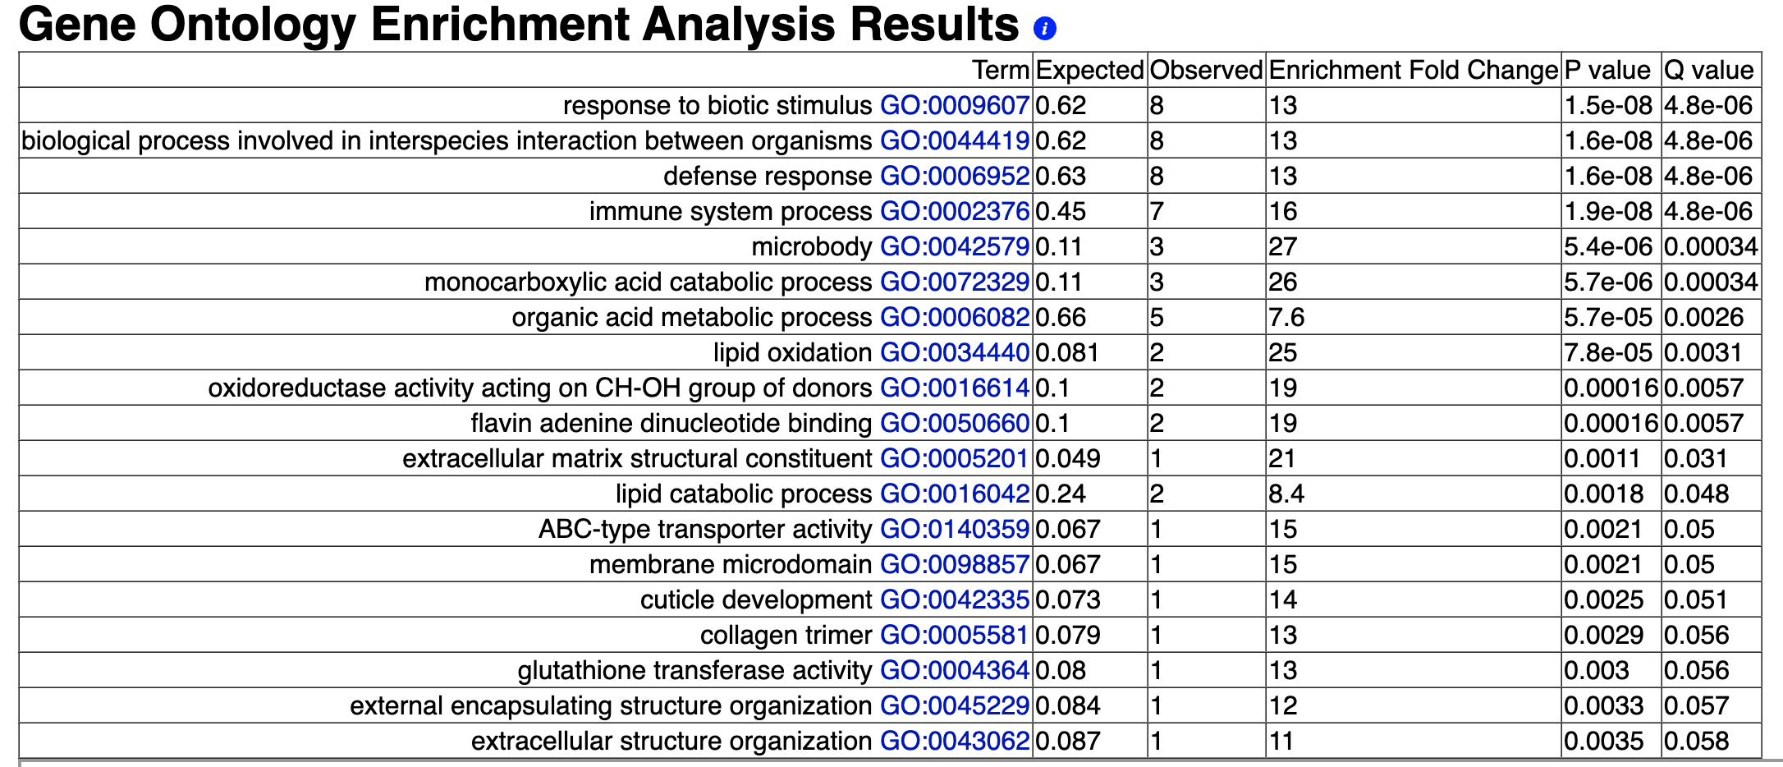
22 common elements in "CeM.yes\CeM.no", "CeM.no\OP50.no" and "OP50.yes\OP50.no":
WBGene00000251 | bli-1
WBGene00001155 | ech-6
WBGene00001786 | gst-38
WBGene00004062 | pmp-5
WBGene00007867 | C32H11.4
WBGene00007875 | dod-24
WBGene00008925 | F17H10.1
WBGene00009334 | F32D8.12
WBGene00009431 | dct-17
WBGene00010055 | dhgd-1
WBGene00010123 | F55G11.2
WBGene00010124 | F55G11.4
WBGene00012608 | hphd-1
WBGene00015632 | C09D4.1
WBGene00015932 | C17H12.6
WBGene00016027 | C23H5.8
WBGene00017565 | ddo-2
WBGene00017881 | asp-13
WBGene00018760 | irg-3
WBGene00018910 | F56A4.2
WBGene00020952 | kel-8
WBGene00021201 | Y17G9B.4

Sheet8
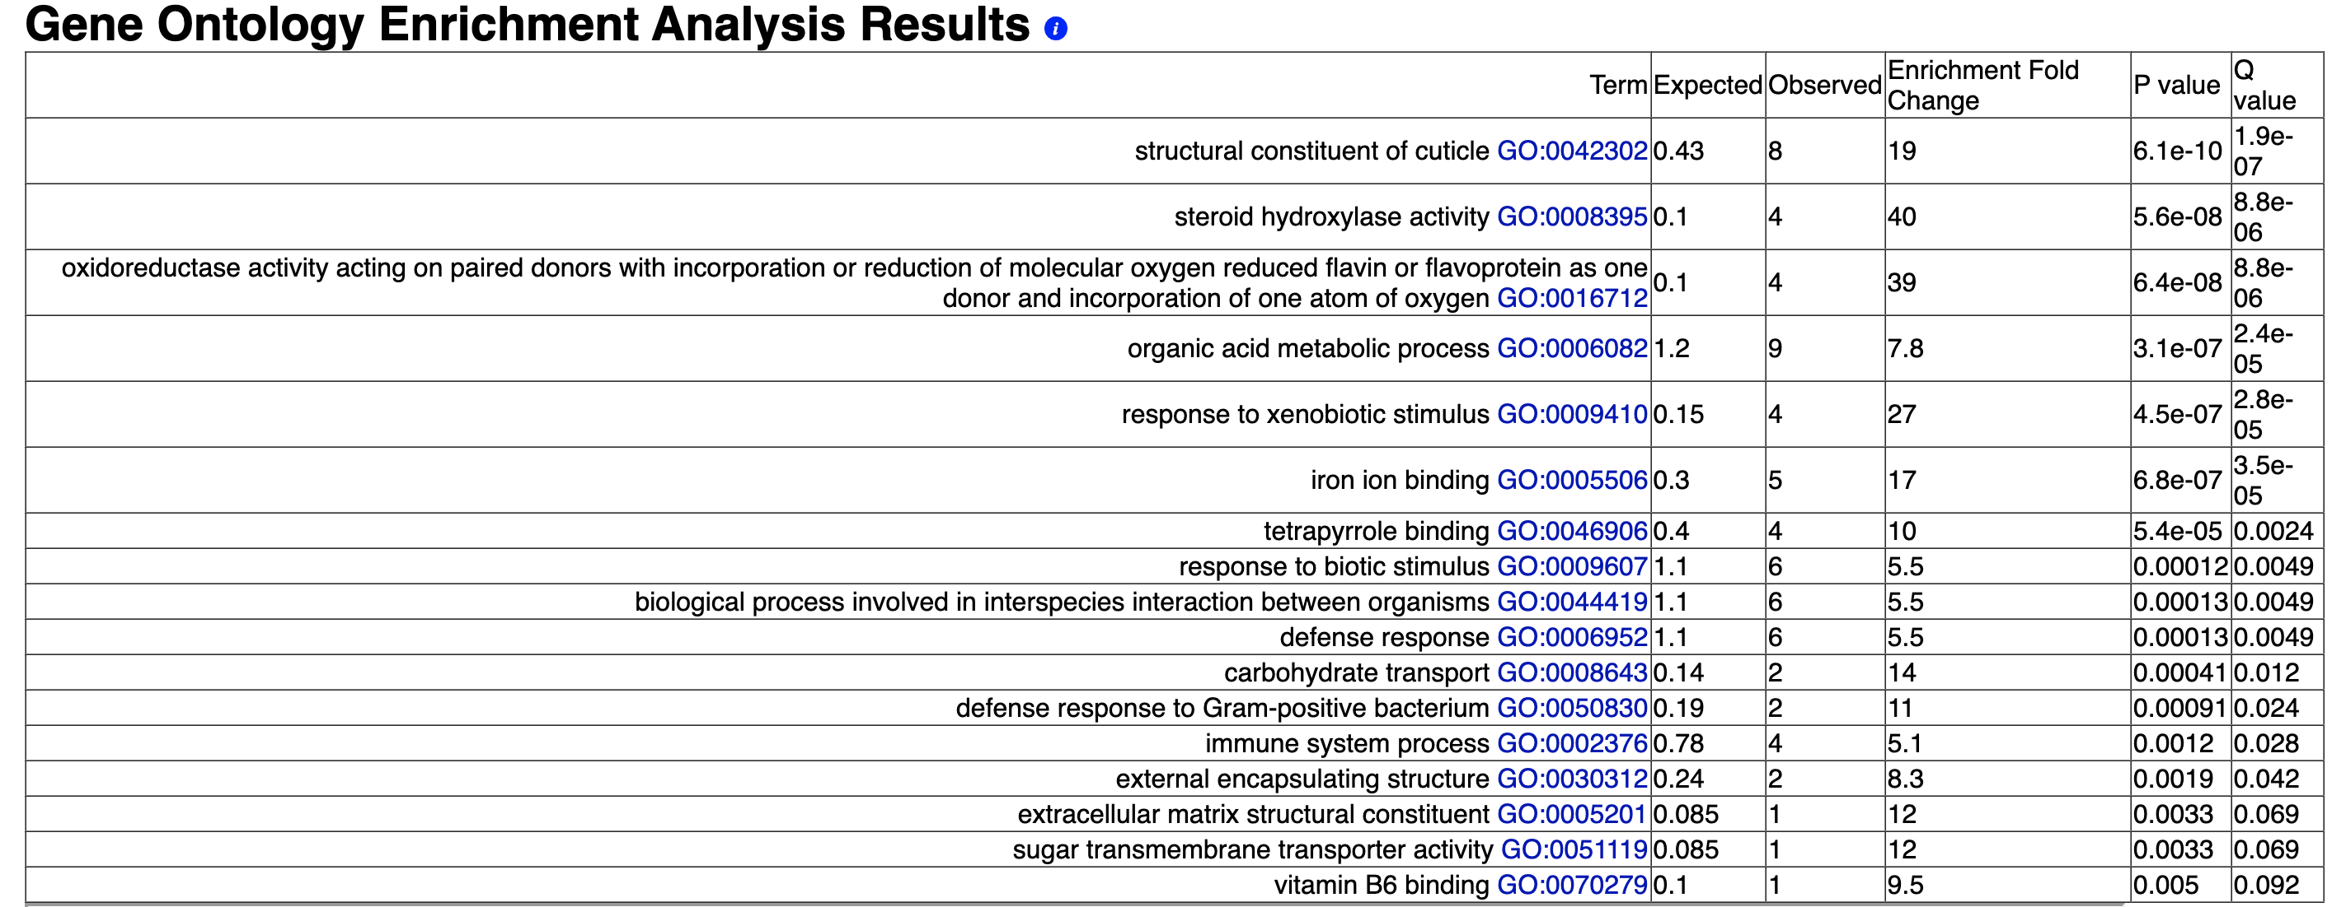
54 common elements in "CeM.yes\CeM.no" and "CeM.no\OP50.no":
WBGene00000252 | bli-2
WBGene00000501 | cho-1
WBGene00000615 | col-38
WBGene00000626 | col-49
WBGene00000647 | col-71
WBGene00000684 | col-110
WBGene00000711 | col-138
WBGene00000748 | col-175
WBGene00001399 | fat-7
WBGene00003473 | mtl-1
WBGene00003816 | asns-1
WBGene00004394 | rol-1
WBGene00006418 | spl-2
WBGene00006431 | tag-52
WBGene00006890 | vem-1
WBGene00006925 | vit-1
WBGene00007358 | lact-6
WBGene00007362 | cyp-35C1
WBGene00007935 | C34E11.2
WBGene00007977 | gskl-2
WBGene00008043 | C40H1.8
WBGene00008448 | E01G4.6
WBGene00008511 | F01G10.9
WBGene00008698 | F11D11.3
WBGene00008915 | F17C11.4
WBGene00009488 | oac-20
WBGene00009805 | F47B8.4
WBGene00009895 | scl-2
WBGene00010319 | F59B10.3
WBGene00010790 | adh-1
WBGene00011190 | swt-6
WBGene00012791 | Y43D4A.5
WBGene00013058 | clec-247
WBGene00015399 | cyp-35A1
WBGene00016863 | cest-35.2
WBGene00017484 | F15E6.3
WBGene00017703 | F22E5.1
WBGene00017798 | slc-17.8
WBGene00017819 | F26D11.2
WBGene00018406 | F44A2.7
WBGene00018488 | acs-1
WBGene00019089 | clec-206
WBGene00019473 | cyp-35A5
WBGene00019549 | K09C4.4
WBGene00019565 | cyp-35A3
WBGene00020917 | W01B11.6
WBGene00021002 | W03F9.4
WBGene00021519 | Y41D4B.17
WBGene00021948 | kvs-5
WBGene00022040 | Y65B4BR.1
WBGene00022597 | ZC395.5
WBGene00022789 | lron-2
WBGene00044457 | C18H7.11
WBGene00077697 | F58E6.13

