Sheet2
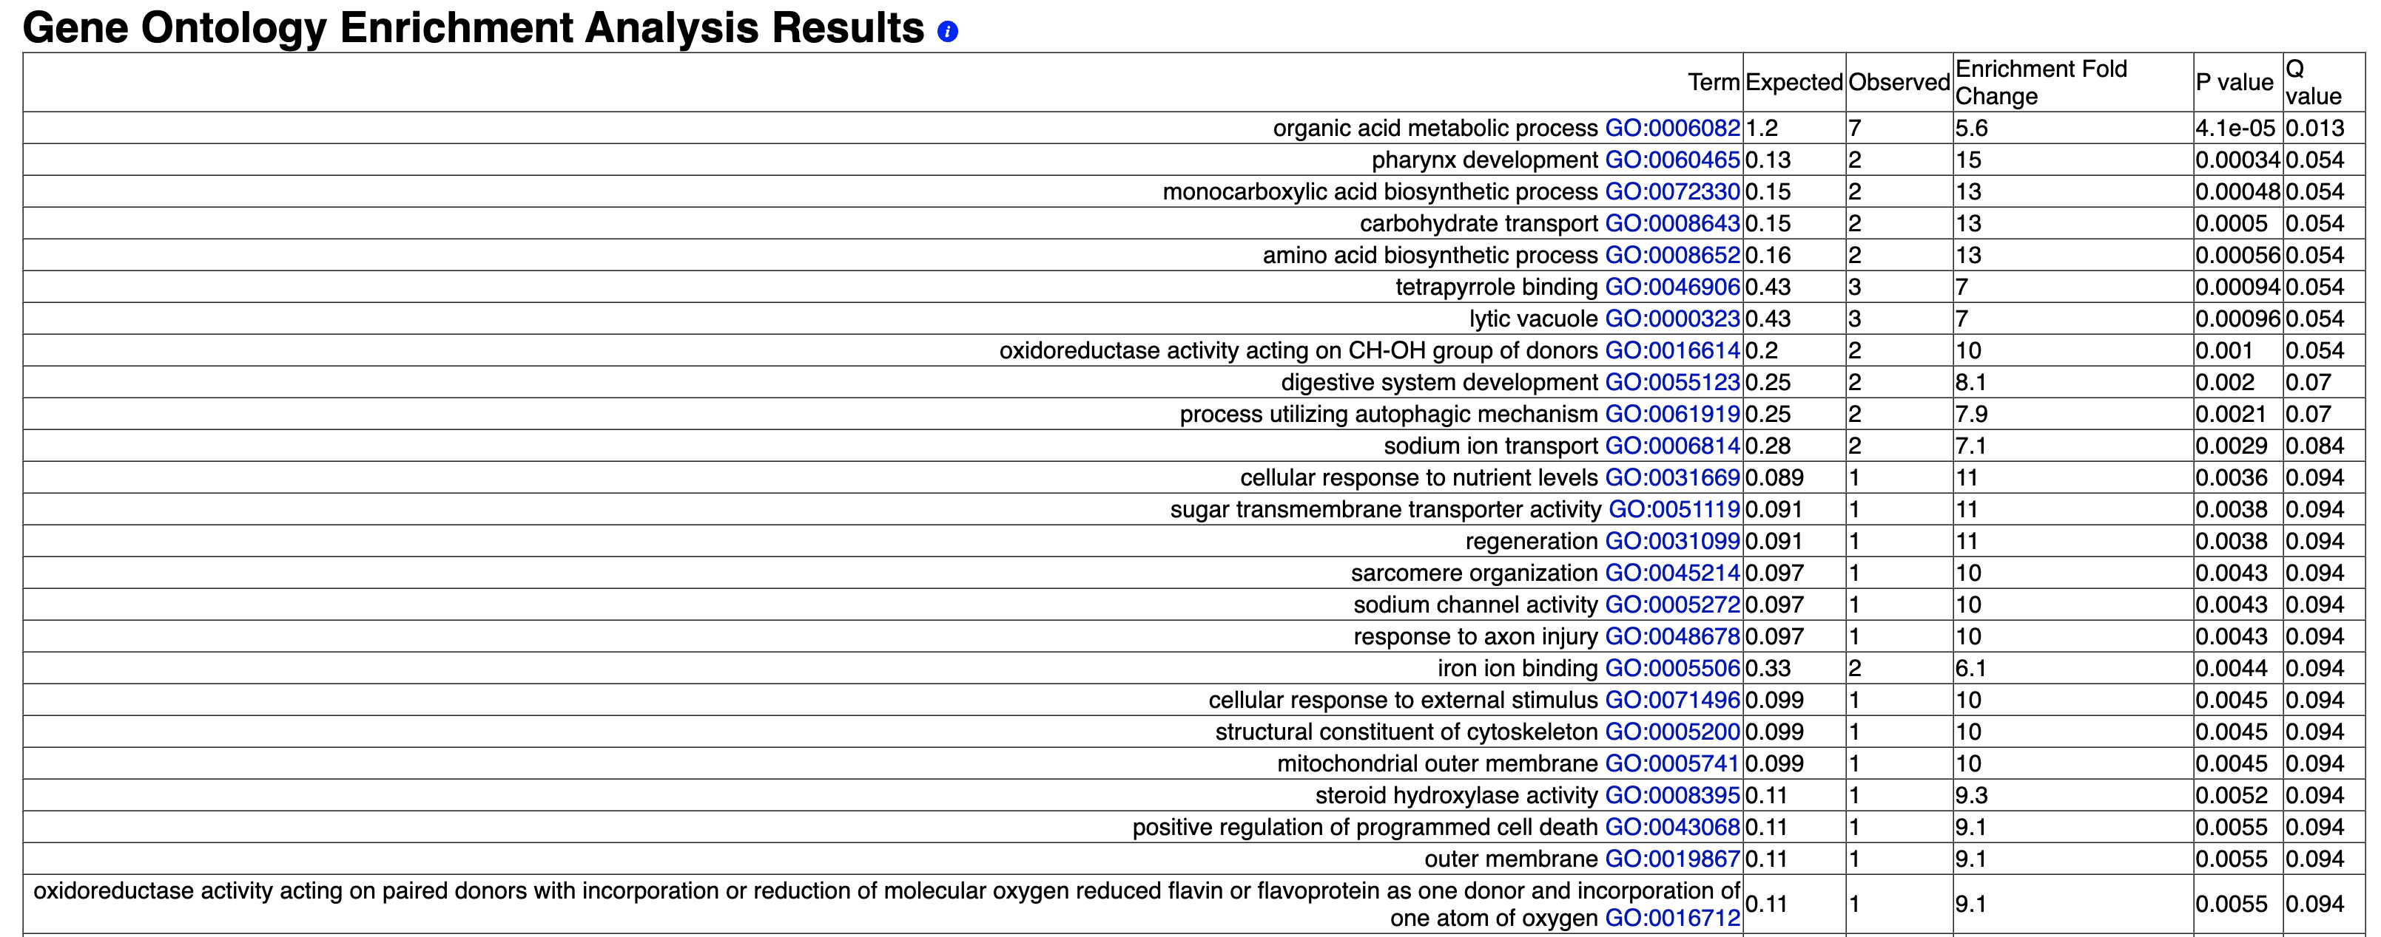
67 elements included exclusively in "CeM.yes/CeM.no":
WBGene00000988
WBGene00001481
WBGene00001602
WBGene00001623
WBGene00001986
WBGene00002255
WBGene00004174
WBGene00006534
WBGene00006589
WBGene00006832
WBGene00006952
WBGene00007548
WBGene00007559
WBGene00007605
WBGene00007943
WBGene00008301
WBGene00008463
WBGene00008678
WBGene00008802
WBGene00009493
WBGene00009809
WBGene00009902
WBGene00010456
WBGene00011340
WBGene00011468
WBGene00011733
WBGene00011952
WBGene00012140
WBGene00012592
WBGene00013216
WBGene00014173
WBGene00015720
WBGene00015776
WBGene00015828
WBGene00016004
WBGene00016052
WBGene00016340
WBGene00016614
WBGene00017262
WBGene00017636
WBGene00017730
WBGene00018400
WBGene00018707
WBGene00019105
WBGene00019234
WBGene00019404
WBGene00019645
WBGene00019686
WBGene00019719
WBGene00019830
WBGene00020128
WBGene00020386
WBGene00020592
WBGene00020689
WBGene00021121
WBGene00021164
WBGene00021587
WBGene00021872
WBGene00022500
WBGene00022891
WBGene00043980
WBGene00044016
WBGene00044492
WBGene00044514
WBGene00044807
WBGene00050956
WBGene00195168

Sheet4
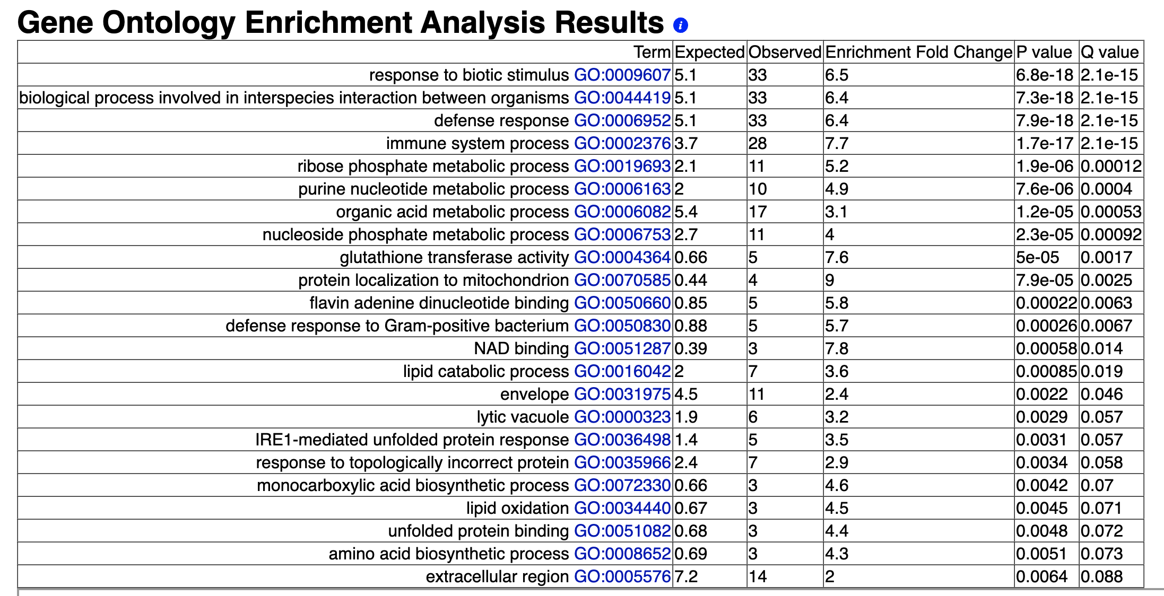
199 elements included exclusively in "OP50.yes/OP50.no":
WBGene00000114
WBGene00000176
WBGene00000373
WBGene00000550
WBGene00000556
WBGene00000673
WBGene00000783
WBGene00000785
WBGene00000835
WBGene00001188
WBGene00001393
WBGene00001404
WBGene00001527
WBGene00001566
WBGene00001604
WBGene00001684
WBGene00001749
WBGene00001755
WBGene00001756
WBGene00001760
WBGene00001768
WBGene00002016
WBGene00002021
WBGene00002025
WBGene00002055
WBGene00002183
WBGene00002257
WBGene00003091
WBGene00003095
WBGene00003413
WBGene00003511
WBGene00003611
WBGene00003647
WBGene00003691
WBGene00003766
WBGene00003767
WBGene00003769
WBGene00003891
WBGene00004014
WBGene00004053
WBGene00004064
WBGene00004182
WBGene00004208
WBGene00004236
WBGene00004258
WBGene00004778
WBGene00005002
WBGene00006434
WBGene00006572
WBGene00007018
WBGene00007129
WBGene00007153
WBGene00007330
WBGene00007388
WBGene00007392
WBGene00007818
WBGene00007829
WBGene00007836
WBGene00007876
WBGene00007989
WBGene00008132
WBGene00008341
WBGene00008356
WBGene00008408
WBGene00008409
WBGene00008419
WBGene00008446
WBGene00008577
WBGene00008593
WBGene00008599
WBGene00008632
WBGene00008633
WBGene00008850
WBGene00008856
WBGene00008917
WBGene00008922
WBGene00008940
WBGene00008988
WBGene00009187
WBGene00009430
WBGene00009432
WBGene00009494
WBGene00009515
WBGene00009686
WBGene00009710
WBGene00009787
WBGene00009888
WBGene00009918
WBGene00010019
WBGene00010125
WBGene00010128
WBGene00010277
WBGene00010296
WBGene00010303
WBGene00010550
WBGene00010659
WBGene00010660
WBGene00010705
WBGene00010706
WBGene00010745
WBGene00010747
WBGene00010750
WBGene00010928
WBGene00010943
WBGene00011064
WBGene00011105
WBGene00011128
WBGene00011321
WBGene00011330
WBGene00011407
WBGene00011492
WBGene00011494
WBGene00011707
WBGene00011767
WBGene00011979
WBGene00012251
WBGene00012444
WBGene00012583
WBGene00012683
WBGene00012813
WBGene00012923
WBGene00013637
WBGene00013654
WBGene00013872
WBGene00013899
WBGene00013904
WBGene00014047
WBGene00014135
WBGene00015116
WBGene00015185
WBGene00015403
WBGene00015455
WBGene00015623
WBGene00016025
WBGene00016061
WBGene00016129
WBGene00016285
WBGene00016424
WBGene00016630
WBGene00016664
WBGene00016669
WBGene00016957
WBGene00016984
WBGene00017466
WBGene00017485
WBGene00017640
WBGene00017678
WBGene00017880
WBGene00018174
WBGene00018491
WBGene00018603
WBGene00018643
WBGene00018724
WBGene00018730
WBGene00018803
WBGene00018904
WBGene00018934
WBGene00019249
WBGene00019273
WBGene00019376
WBGene00019495
WBGene00019519
WBGene00019564
WBGene00019656
WBGene00019660
WBGene00019738
WBGene00019780
WBGene00019800
WBGene00019961
WBGene00020107
WBGene00020245
WBGene00020311
WBGene00020383
WBGene00020394
WBGene00020557
WBGene00020579
WBGene00020758
WBGene00020760
WBGene00021078
WBGene00021118
WBGene00021248
WBGene00021521
WBGene00021703
WBGene00022076
WBGene00022083
WBGene00022142
WBGene00022570
WBGene00022766
WBGene00022817
WBGene00043062
WBGene00043302
WBGene00044107
WBGene00044344
WBGene00044468
WBGene00044488
WBGene00044737
WBGene00045063
WBGene00050899
WBGene00184990

