Bonus
Goal | Successful | Failed | Canceled | Total Projects | Percentage Successful | Percentage Failed | Percentage Canceled
Less than 1000 | 322 | 113 | 18 | 453 | 71.08% | 24.94% | 3.97%
1000 to 4999 | 932 | 420 | 60 | 1412 | 66.01% | 29.75% | 4.25%
5000 to 9999 | 381 | 283 | 52 | 716 | 53.21% | 39.53% | 7.26%
10000 to 14999 | 168 | 144 | 92 | 404 | 41.58% | 35.64% | 22.77%
15000 to 19999 | 94 | 90 | 17 | 201 | 46.77% | 44.78% | 8.46%
20000 to 24999 | 62 | 72 | 14 | 148 | 41.89% | 48.65% | 9.46%
25000 to 29999 | 55 | 64 | 18 | 137 | 40.15% | 46.72% | 13.14%
30000 to 34999 | 32 | 37 | 13 | 82 | 39.02% | 45.12% | 15.85%
35000 to 39999 | 26 | 22 | 7 | 55 | 47.27% | 40.00% | 12.73%
40000 to 44999 | 21 | 16 | 6 | 43 | 48.84% | 37.21% | 13.95%
45000 to 49999 | 6 | 11 | 4 | 21 | 28.57% | 52.38% | 19.05%
Greater than or equal to 50000 | 86 | 258 | 100 | 444 | 19.37% | 58.11% | 22.52%

Outcomes based on Goal

Pivot 3
Category | (All)
Years | (All)

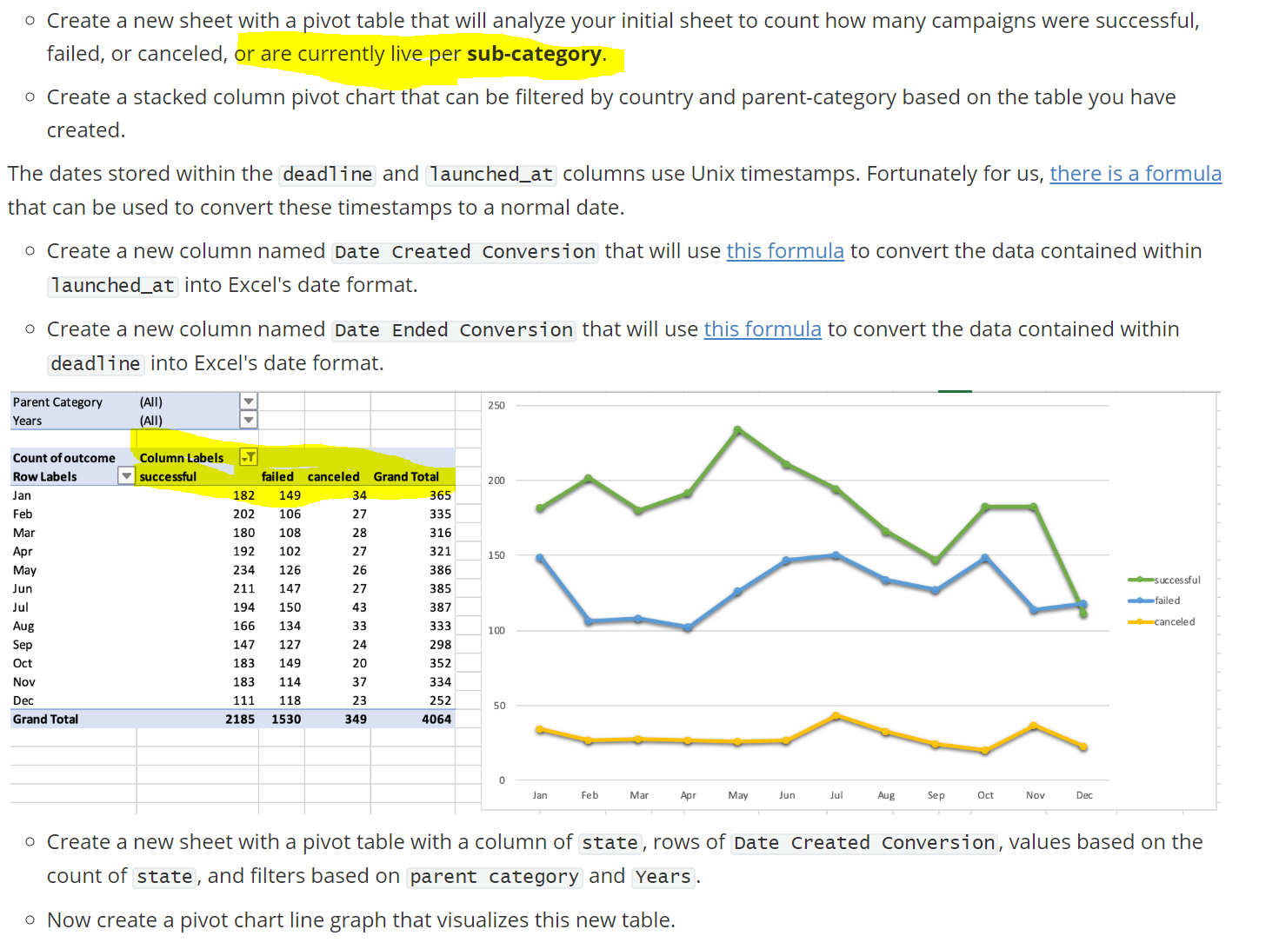
Count of state | Column Labels |  |  |  |  |  | Note: the instruction include "live" but the illustration does not
Row Labels | successful | failed | canceled | Grand Total
Jan | 182 | 149 | 34 | 365 | 0.49863013699
Feb | 202 | 106 | 27 | 335 | 0.60298507463
Mar | 180 | 108 | 28 | 316 | 0.56962025316
Apr | 192 | 102 | 27 | 321 | 0.59813084112
May | 234 | 126 | 26 | 386 | 0.60621761658
Jun | 211 | 147 | 27 | 385 | 0.54805194805
Jul | 194 | 150 | 43 | 387 | 0.50129198966
Aug | 166 | 134 | 33 | 333 | 0.4984984985
Sep | 147 | 127 | 24 | 298 | 0.4932885906
Oct | 183 | 149 | 20 | 352 | 0.51988636364
Nov | 183 | 114 | 37 | 334 | 0.54790419162
Dec | 111 | 118 | 23 | 252 | 0.44047619048
Grand Total | 2185 | 1530 | 349 | 4064 | 0.5376476378

 |  |  |  |  |  | Months don't seem to make that much difference, maybe less in December is a drop

Pivot 2
country | (All)
Category | (All)
 | successful | failed | canceled | live
animation |  | 100
art books |  |  | 20
audio |  |  | 24
children's books |  | 40
classical music | 40
documentary | 180
drama |  | 80
electronic music | 40
faith |  | 40 |  | 20
fiction |  | 40
food trucks |  | 120 | 20
gadgets |  | 20
hardware | 140
indie rock | 140 | 20
jazz |  | 60
makerspaces | 9 | 11
metal | 20
mobile games |  | 40
musical | 60 | 60 | 20
nature |  | 20
nonfiction | 60
people |  | 20
photobooks | 103 | 57
places |  | 20
plays | 694 | 353 |  | 19
pop | 40
radio & podcasts | 20
restaurants |  | 20
rock | 260
science fiction |  |  | 40
shorts | 60
small batch | 34 |  |  | 6
space exploration | 40 | 2 | 18
spaces | 85 | 80 | 17 | 5
tabletop games | 80
television | 60
translations |  | 47 | 10
video games |  | 100
wearables | 20 | 120 | 60
web |  | 60 | 100
world music |  |  | 20
Count of state | Column Labels
Row Labels | successful | failed | canceled | live | Grand Total
animation |  | 100 |  |  | 100
art books |  |  | 20 |  | 20
audio |  |  | 24 |  | 24
children's books |  | 40 |  |  | 40
classical music | 40 |  |  |  | 40
documentary | 180 |  |  |  | 180
drama |  | 80 |  |  | 80
electronic music | 40 |  |  |  | 40
faith |  | 40 |  | 20 | 60
fiction |  | 40 |  |  | 40
food trucks |  | 120 | 20 |  | 140
gadgets |  | 20 |  |  | 20
hardware | 140 |  |  |  | 140
indie rock | 140 | 20 |  |  | 160
jazz |  | 60 |  |  | 60
makerspaces | 9 | 11 |  |  | 20
metal | 20 |  |  |  | 20
mobile games |  | 40 |  |  | 40
musical | 60 | 60 | 20 |  | 140
nature |  | 20 |  |  | 20
nonfiction | 60 |  |  |  | 60
people |  | 20 |  |  | 20
photobooks | 103 | 57 |  |  | 160
places |  | 20 |  |  | 20 | Plays are highest count
plays | 694 | 353 |  | 19 | 1066 | Several subcategories have never failed
pop | 40 |  |  |  | 40
radio & podcasts | 20 |  |  |  | 20
restaurants |  | 20 |  |  | 20
rock | 260 |  |  |  | 260
science fiction |  |  | 40 |  | 40
shorts | 60 |  |  |  | 60
small batch | 34 |  |  | 6 | 40
space exploration | 40 | 2 | 18 |  | 60
spaces | 85 | 80 | 17 | 5 | 187
tabletop games | 80 |  |  |  | 80
television | 60 |  |  |  | 60
translations |  | 47 | 10 |  | 57
video games |  | 100 |  |  | 100
wearables | 20 | 120 | 60 |  | 200
web |  | 60 | 100 |  | 160
world music |  |  | 20 |  | 20
Grand Total | 2185 | 1530 | 349 | 50 | 4114

Pivot 1
country | (All)

Count of state | Column Labels
Row Labels | successful | failed | canceled | live | Grand Total
film & video | 300 | 180 | 40 |  | 520
food | 34 | 140 | 20 | 6 | 200
games | 80 | 140 |  |  | 220
journalism |  |  | 24 |  | 24 | Theatre category has a high count of projects
music | 540 | 120 | 20 | 20 | 700 | Music has the highest percent successful of submitted
photography | 103 | 117 |  |  | 220
publishing | 80 | 127 | 30 |  | 237
technology | 209 | 213 | 178 |  | 600
theater | 839 | 493 | 37 | 24 | 1393
Grand Total | 2185 | 1530 | 349 | 50 | 4114

 | successful | failed | canceled | live
film & video | 300 | 180 | 40
food | 34 | 140 | 20 | 6
games | 80 | 140
journalism |  |  | 24
music | 540 | 120 | 20 | 20
photography | 103 | 117
publishing | 80 | 127 | 30
technology | 209 | 213 | 178
theater | 839 | 493 | 37 | 24

