Unnormalized
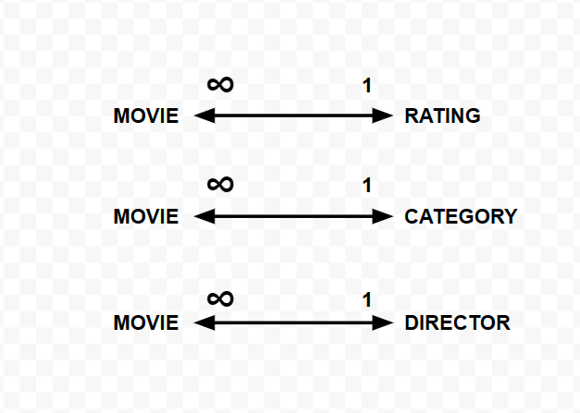
MovieName | Rating | Category | Director
Matrix | R | Action | Peter Jackson
Bad Trip | R | Comedy | Kitao Sakurai
Shrek 2 | PG | Romance | Andrew Adamson | We are assuming that Movies can only
The Lord of the Rings | PG13 | Adventure | Peter Jackson | have one Category
Pulp Fiction | R | Action | Quentin Tarantino
Dune | PG13 | Adventure | Dennis Villenuve
The Chronicles of Narnia | PG | Adventure | Andrew Adamson
Django Unchained | R | Comedy | John Lasseter
Cars | G | Comedy | John Lasseter
Brokeback Mountain | R | Romance | Ang Lee
Enemy | R | Horror | Dennis Villenuve

