origi_pic
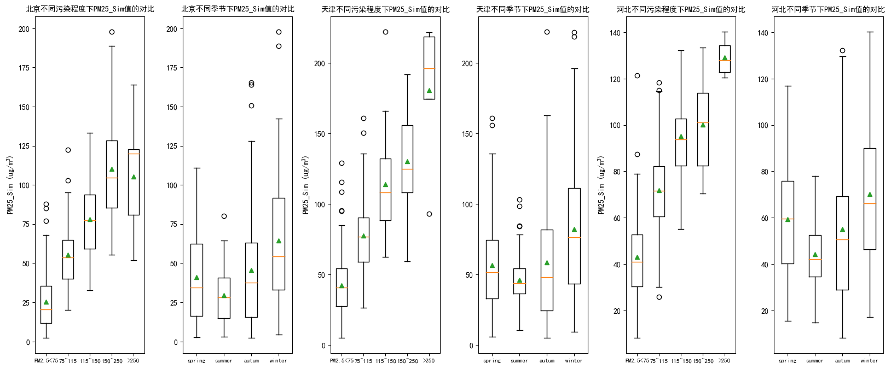

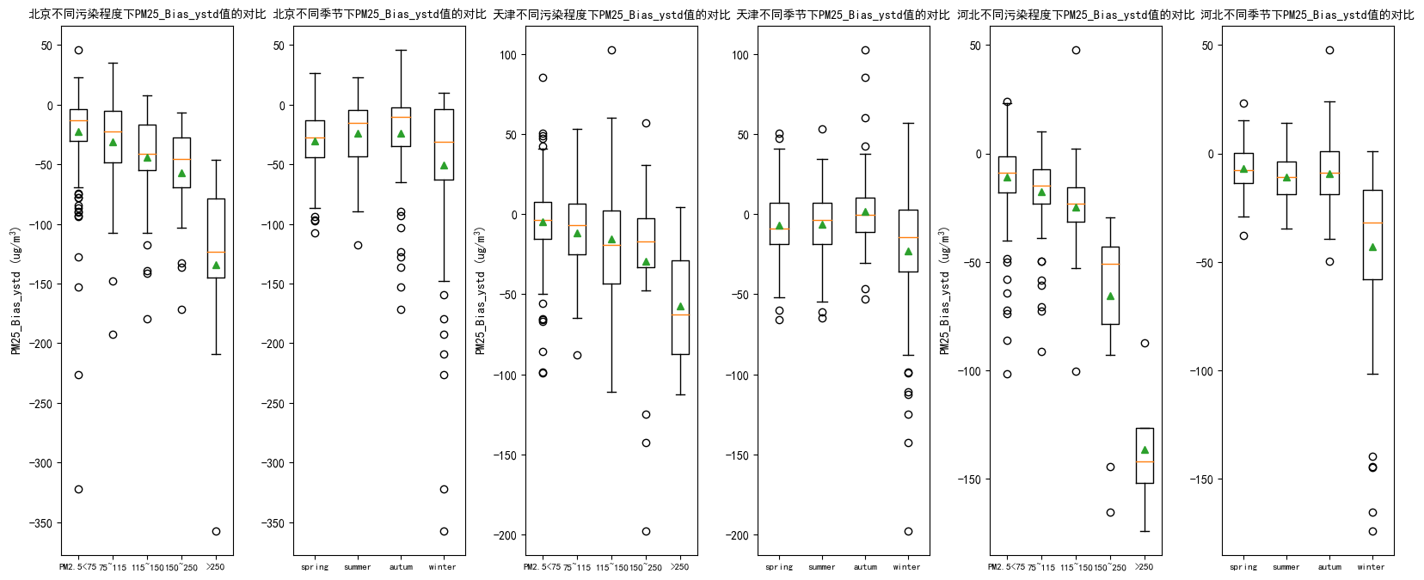

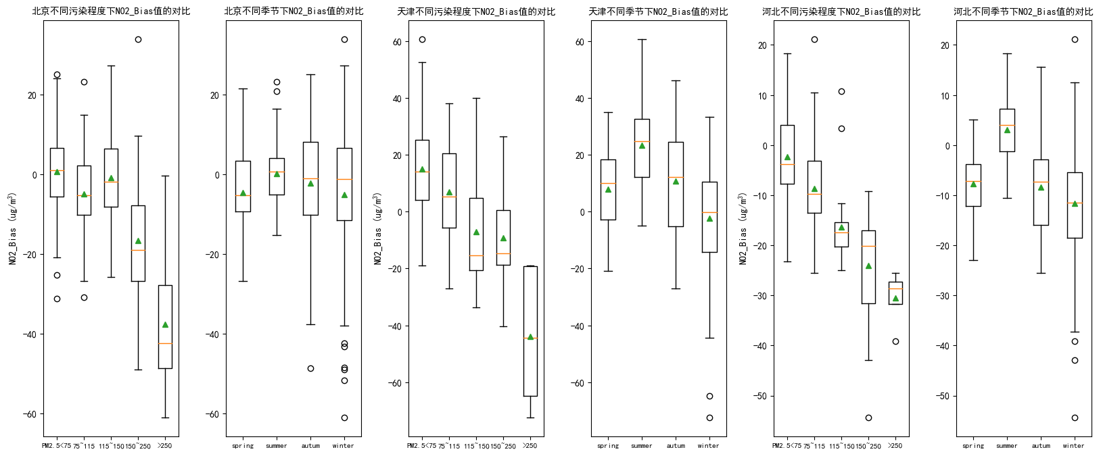

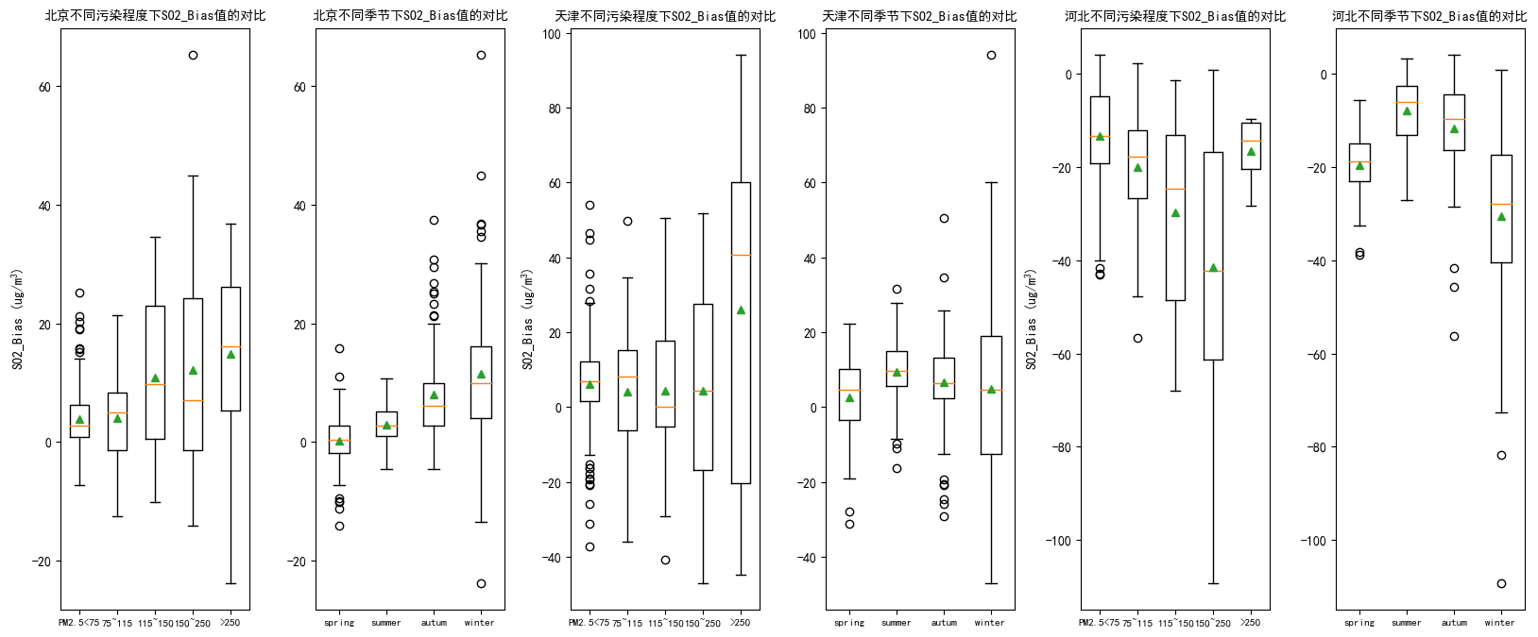

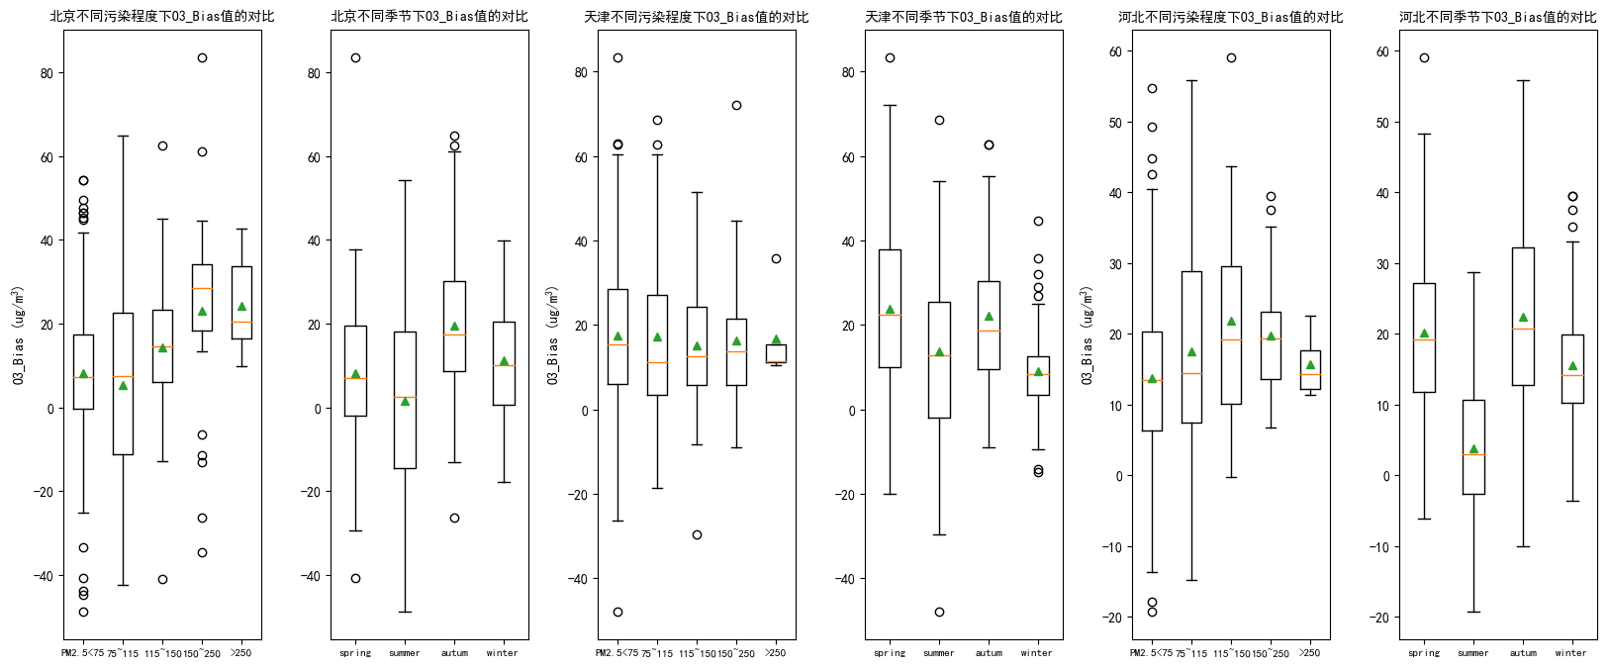

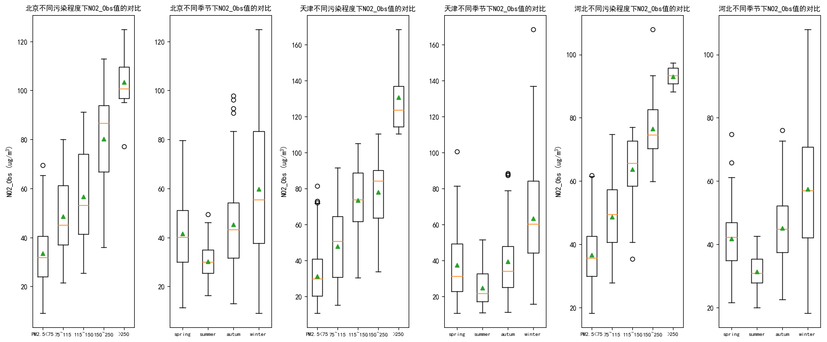

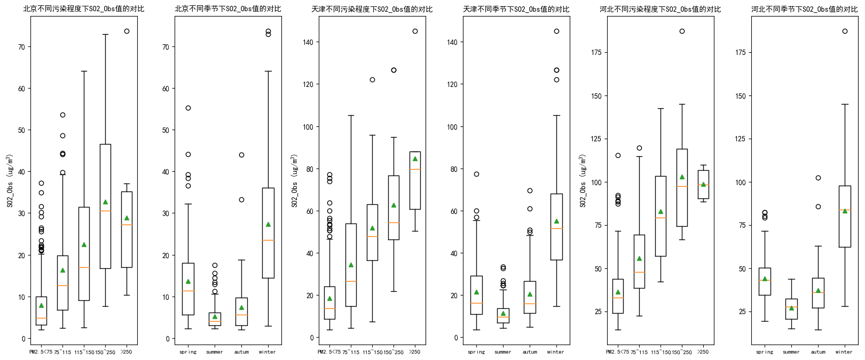

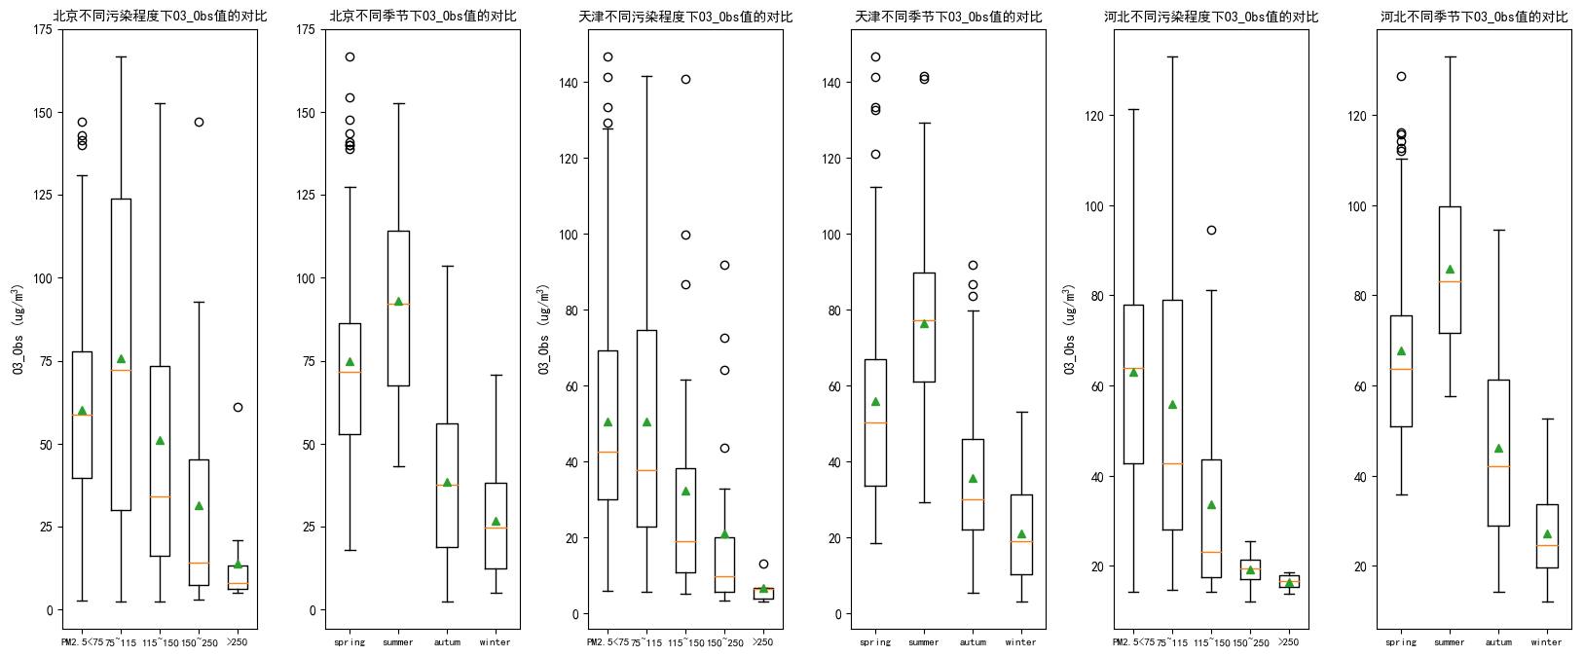

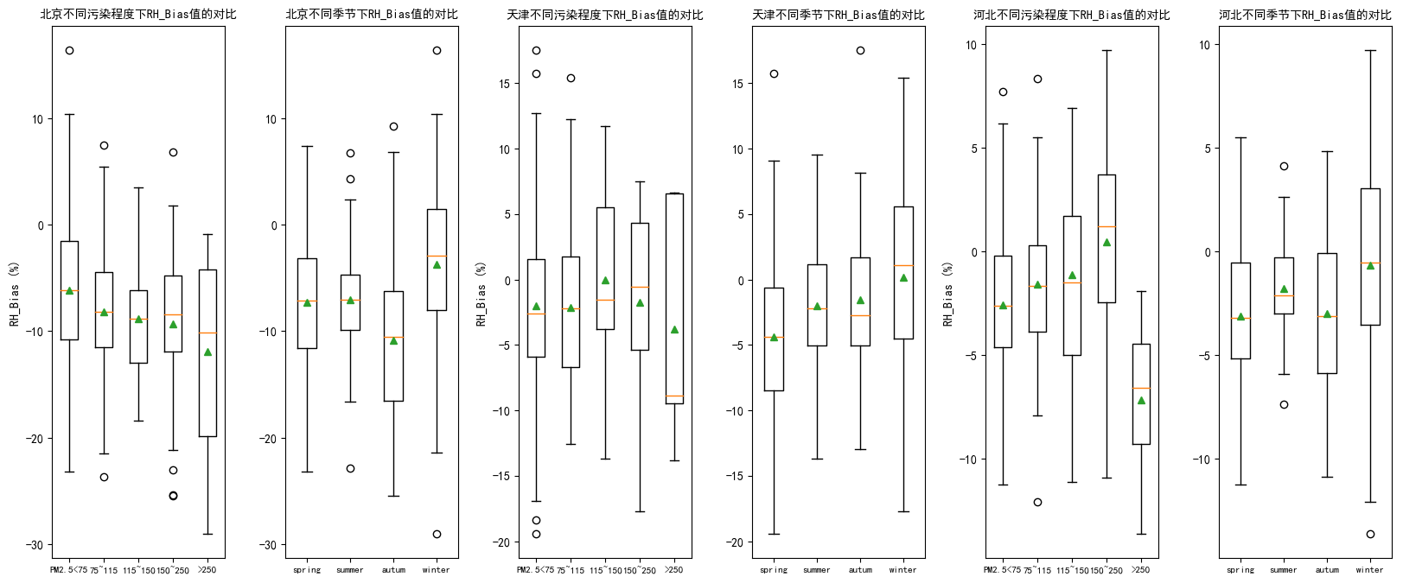

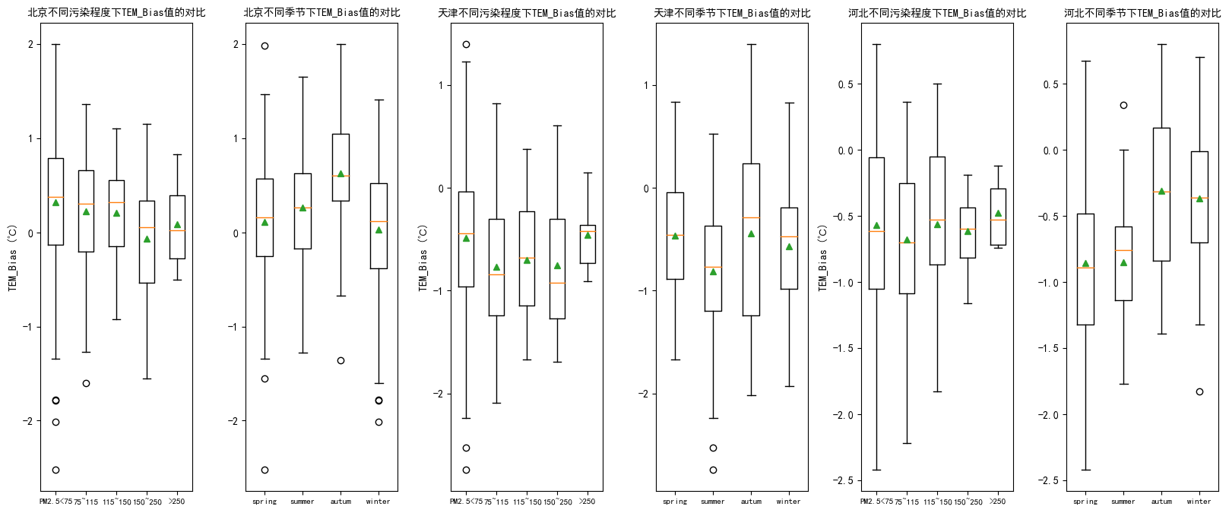

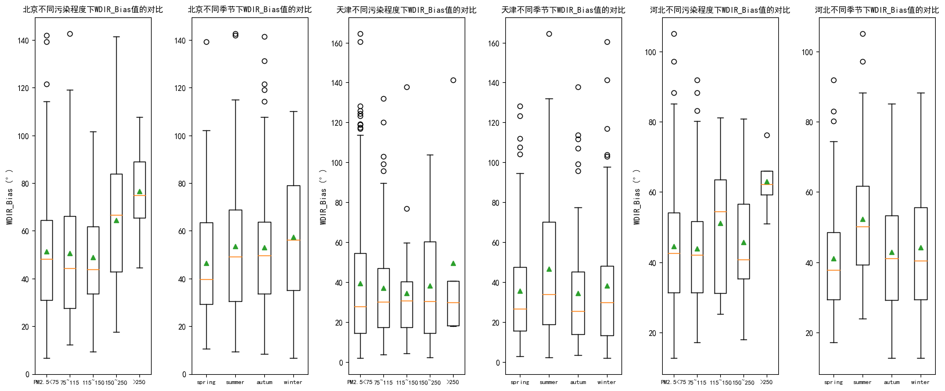

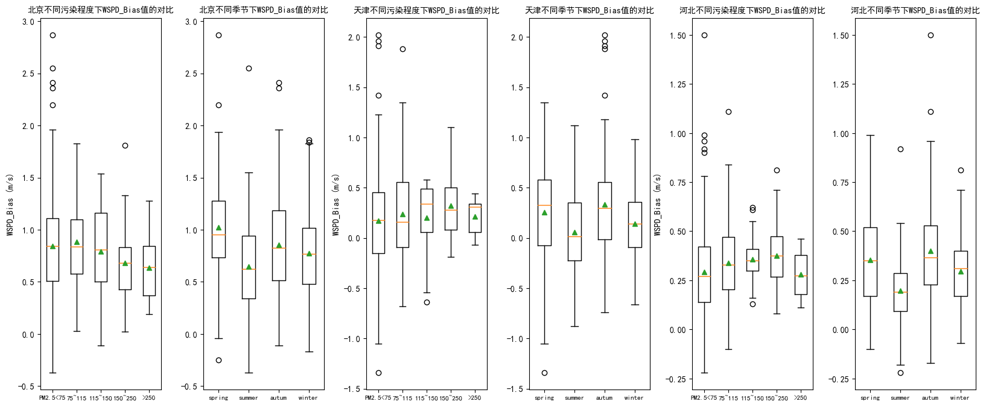

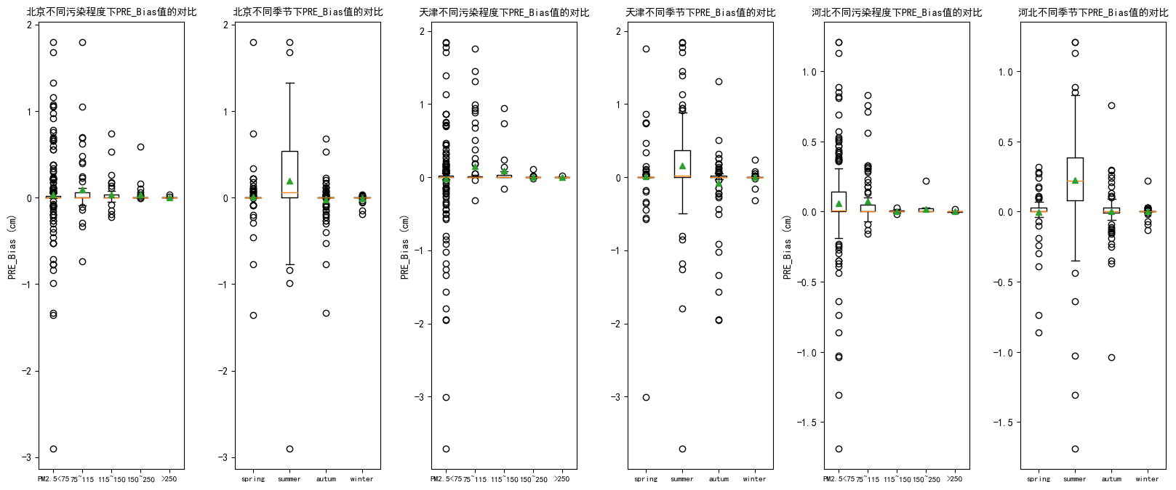

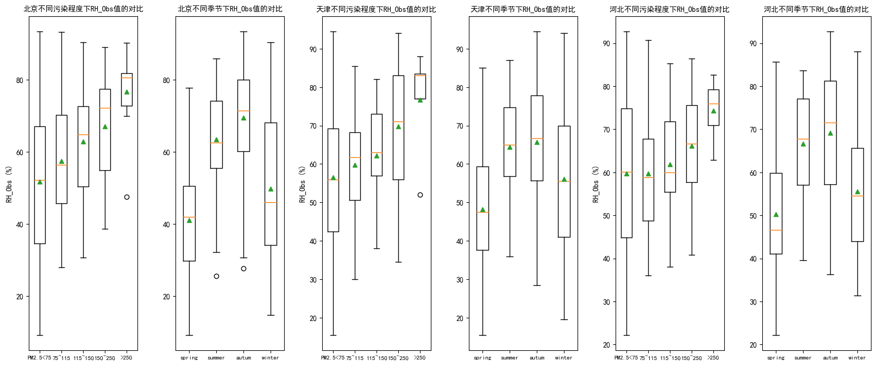

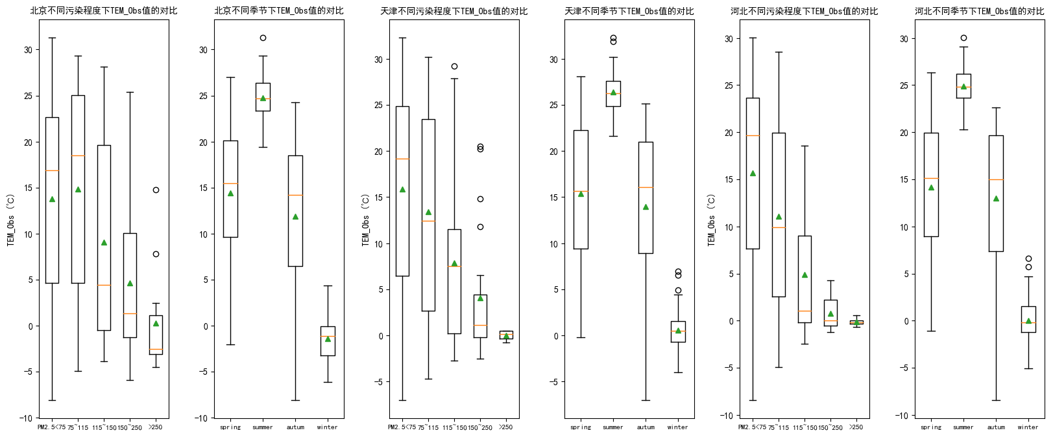

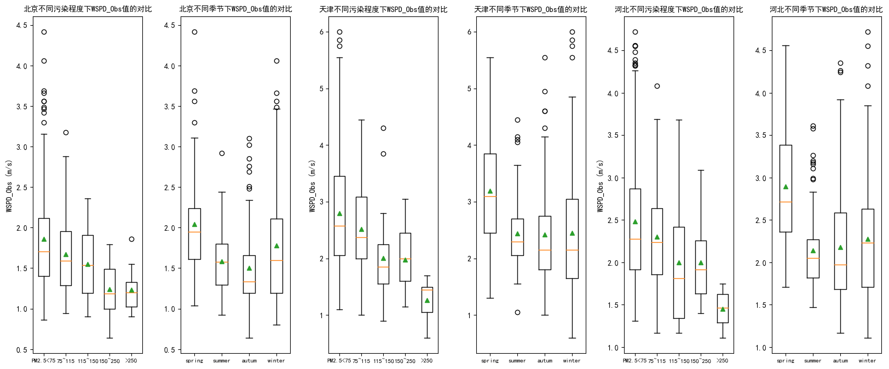

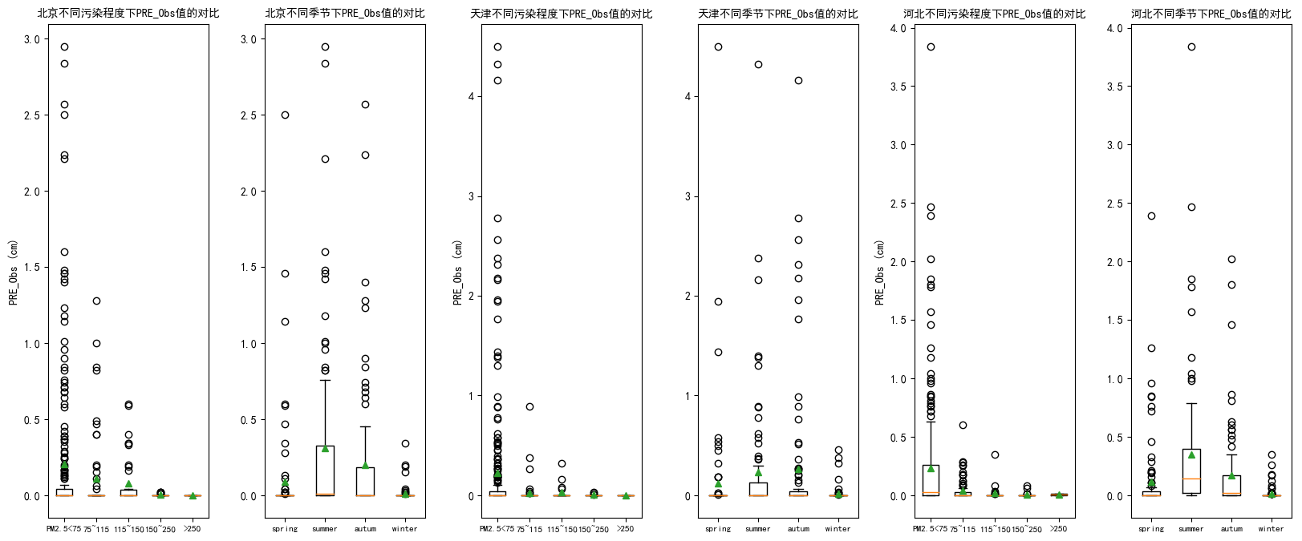

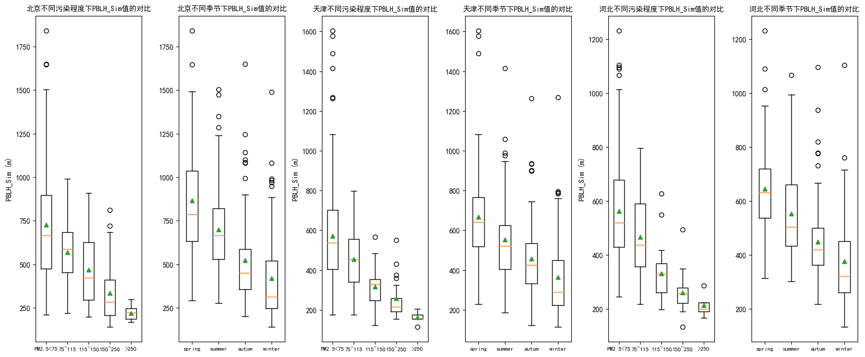

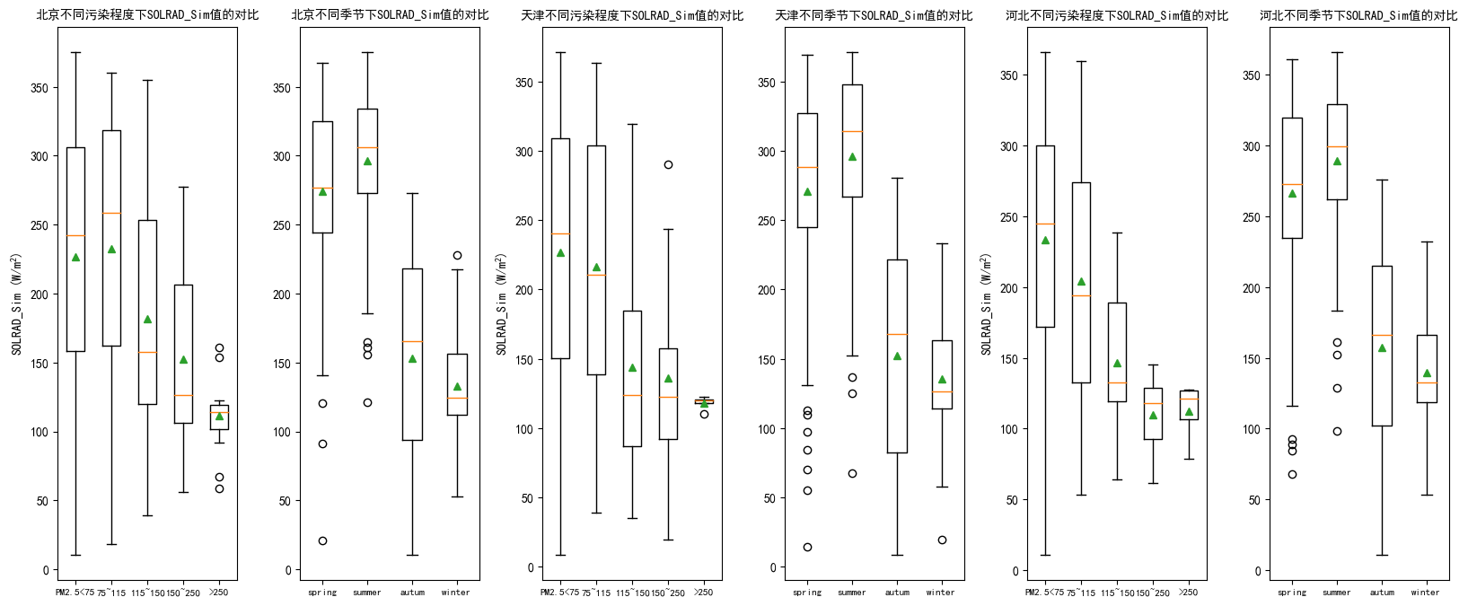

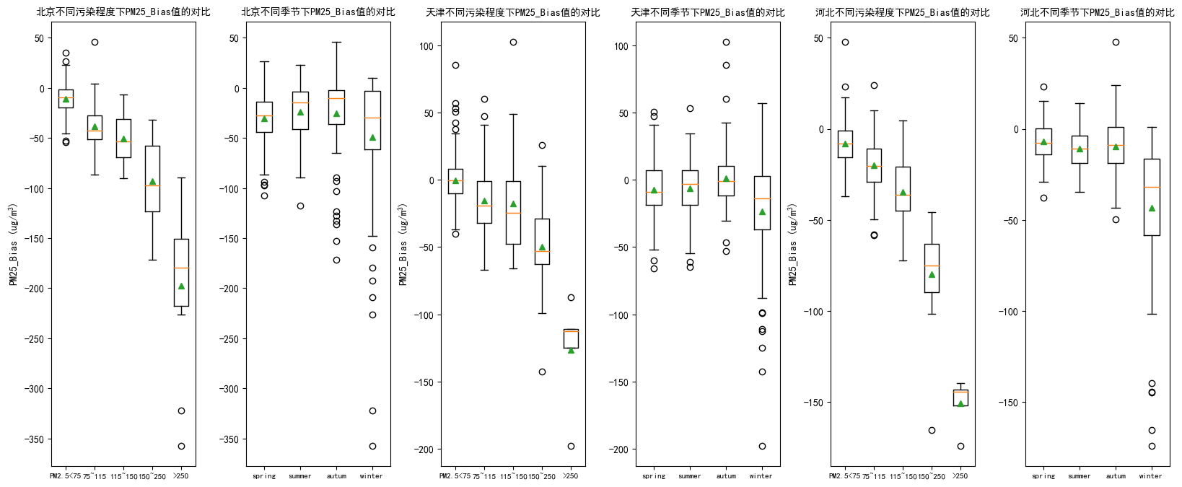

contrib_pic
各变量在不同污染程度下的贡献度-北京
 | (,75) | [75,115) | [115,150) | [150,250) | [250,)
PM2.5_Sim | 7.61 | 5.78 | 5.71 | 3.94 | 4.55
PM2.5_Bias_ystd | 10.28 | 8.19 | 8.86 | 9.90 | 5.21
NO2_Bias | 2.67 | 2.95 | 4.17 | 5.92 | 7.57
SO2_Bias | 12.13 | 7.88 | 5.71 | 3.28 | 4.46
O3_Bias | 3.83 | 2.29 | 1.96 | 1.82 | 2.08
NO2_Obs | 8.65 | 6.00 | 5.91 | 6.38 | 4.72
SO2_Obs | 7.00 | 6.92 | 4.71 | 2.91 | 2.34
O3_Obs | 6.39 | 5.22 | 4.28 | 3.60 | 2.75
RH_Bias | 4.77 | 5.03 | 3.99 | 2.64 | 2.97
TEM_Bias | 4.26 | 4.15 | 5.03 | 4.30 | 3.83
WDIR_Bias | 1.78 | 1.48 | 1.30 | 1.60 | 1.61
WSPD_Bias | 2.98 | 3.93 | 3.24 | 2.67 | 2.66
PRE_Bias | 4.45 | 4.58 | 6.02 | 5.64 | 6.75
RH_Obs | 4.39 | 5.01 | 4.78 | 4.34 | 2.74
TEM_Obs | 5.17 | 9.16 | 7.69 | 7.71 | 5.08
WSPD_Obs | 3.55 | 3.37 | 3.24 | 3.06 | 2.85
PRE_Obs | 5.05 | 11.05 | 15.83 | 23.22 | 30.41
PBLH_Sim | 2.49 | 2.75 | 2.66 | 2.48 | 3.34
SOLRAD_Sim | 2.56 | 4.24 | 4.87 | 4.61 | 4.09
各变量在不同污染程度下的贡献度-天津
 | (,75) | [75,115) | [115,150) | [150,250) | [250,)
PM2.5_Sim | 9.72 | 9.62 | 6.27 | 6.52 | 4.10
PM2.5_Bias_ystd | 11.87 | 10.71 | 11.35 | 9.96 | 11.16
NO2_Bias | 2.13 | 2.18 | 2.64 | 4.38 | 3.86
SO2_Bias | 11.73 | 8.04 | 5.50 | 4.22 | 2.50
O3_Bias | 3.75 | 2.34 | 2.31 | 2.22 | 0.94
NO2_Obs | 10.18 | 8.98 | 8.60 | 8.16 | 7.78
SO2_Obs | 6.09 | 4.79 | 4.97 | 5.16 | 3.22
O3_Obs | 5.18 | 4.39 | 3.18 | 3.04 | 5.62
RH_Bias | 4.45 | 4.71 | 4.36 | 3.40 | 1.62
TEM_Bias | 4.58 | 4.07 | 4.31 | 3.11 | 3.22
WDIR_Bias | 1.75 | 1.41 | 1.29 | 1.40 | 1.04
WSPD_Bias | 2.96 | 3.23 | 3.46 | 2.71 | 1.92
PRE_Bias | 4.75 | 5.28 | 5.27 | 6.20 | 5.30
RH_Obs | 3.87 | 5.40 | 5.17 | 4.74 | 6.06
TEM_Obs | 4.83 | 6.48 | 9.87 | 6.13 | 7.38
WSPD_Obs | 3.42 | 2.54 | 2.77 | 2.57 | 2.78
PRE_Obs | 3.00 | 7.66 | 12.39 | 18.48 | 25.50
PBLH_Sim | 2.49 | 2.97 | 2.59 | 3.61 | 1.90
SOLRAD_Sim | 3.24 | 5.20 | 3.72 | 4.00 | 4.12
各变量在不同污染程度下的贡献度-河北
 | (,75) | [75,115) | [115,150) | [150,250) | [250,)
PM2.5_Sim | 10.81 | 10.39 | 5.80 | 3.83 | 1.55
PM2.5_Bias_ystd | 13.25 | 13.01 | 13.28 | 10.63 | 7.33
NO2_Bias | 2.38 | 2.74 | 3.75 | 4.47 | 7.30
SO2_Bias | 10.74 | 7.73 | 6.96 | 3.88 | 2.90
O3_Bias | 3.21 | 2.15 | 2.07 | 1.90 | 2.78
NO2_Obs | 11.61 | 11.22 | 12.13 | 11.36 | 8.30
SO2_Obs | 6.28 | 4.58 | 3.93 | 3.06 | 4.18
O3_Obs | 5.18 | 4.25 | 3.72 | 3.86 | 3.55
RH_Bias | 3.42 | 3.73 | 2.86 | 2.74 | 1.88
TEM_Bias | 3.16 | 3.29 | 3.51 | 3.04 | 3.75
WDIR_Bias | 1.44 | 1.25 | 1.90 | 2.45 | 1.72
WSPD_Bias | 4.14 | 3.94 | 4.26 | 3.83 | 2.65
PRE_Bias | 4.61 | 4.71 | 5.11 | 6.75 | 8.03
RH_Obs | 4.05 | 5.89 | 6.31 | 5.71 | 3.22
TEM_Obs | 4.71 | 6.82 | 6.20 | 3.74 | 3.88
WSPD_Obs | 3.26 | 2.45 | 2.66 | 1.91 | 1.22
PRE_Obs | 2.64 | 4.63 | 7.54 | 14.93 | 26.50
PBLH_Sim | 2.52 | 2.70 | 3.85 | 6.49 | 5.00
SOLRAD_Sim | 2.62 | 4.57 | 4.20 | 5.45 | 4.33

各变量在不同季节下的贡献度-北京
 | spring | summer | autumn | winter
PM2.5_Sim | 7.04 | 7.51 | 6.38 | 5.94
PM2.5_Bias_ystd | 7.58 | 11.13 | 11.98 | 7.73
NO2_Bias | 2.84 | 2.19 | 3.31 | 4.76
SO2_Bias | 9.10 | 10.97 | 9.97 | 9.05
O3_Bias | 3.09 | 3.41 | 3.95 | 2.18
NO2_Obs | 7.70 | 7.46 | 8.02 | 7.25
SO2_Obs | 7.81 | 8.45 | 5.57 | 3.31
O3_Obs | 3.29 | 8.86 | 7.09 | 3.33
RH_Bias | 5.41 | 4.97 | 3.10 | 4.51
TEM_Bias | 3.61 | 4.94 | 5.17 | 3.61
WDIR_Bias | 1.69 | 1.65 | 1.75 | 1.52
WSPD_Bias | 3.00 | 3.41 | 2.37 | 3.73
PRE_Bias | 6.04 | 1.70 | 3.02 | 8.39
RH_Obs | 3.82 | 5.36 | 3.94 | 4.79
TEM_Obs | 4.53 | 7.94 | 6.66 | 6.12
WSPD_Obs | 4.16 | 2.24 | 3.12 | 4.17
PRE_Obs | 12.23 | 3.47 | 9.36 | 12.70
PBLH_Sim | 2.55 | 2.50 | 2.54 | 2.70
SOLRAD_Sim | 4.52 | 1.83 | 2.68 | 4.19
各变量在不同季节下的贡献度-天津
 | spring | summer | autumn | winter
PM2.5_Sim | 11.06 | 10.87 | 7.62 | 7.38
PM2.5_Bias_ystd | 10.60 | 11.90 | 12.54 | 10.91
NO2_Bias | 1.98 | 1.54 | 2.71 | 3.07
SO2_Bias | 9.28 | 10.95 | 10.69 | 9.20
O3_Bias | 3.46 | 3.59 | 3.75 | 2.22
NO2_Obs | 9.52 | 9.41 | 9.55 | 10.26
SO2_Obs | 5.71 | 7.59 | 6.16 | 3.27
O3_Obs | 3.16 | 6.67 | 6.04 | 3.28
RH_Bias | 4.56 | 4.95 | 3.85 | 4.23
TEM_Bias | 3.62 | 5.26 | 5.14 | 3.44
WDIR_Bias | 1.72 | 1.34 | 1.90 | 1.53
WSPD_Bias | 2.94 | 2.63 | 2.93 | 3.55
PRE_Bias | 5.55 | 3.56 | 2.99 | 7.73
RH_Obs | 3.72 | 4.30 | 4.41 | 4.94
TEM_Obs | 4.29 | 5.12 | 6.43 | 6.51
WSPD_Obs | 3.61 | 2.87 | 2.63 | 3.45
PRE_Obs | 5.78 | 2.92 | 5.57 | 8.62
PBLH_Sim | 3.07 | 2.35 | 2.41 | 2.77
SOLRAD_Sim | 6.39 | 2.18 | 2.69 | 3.65
各变量在不同季节下的贡献度-河北
 | spring | summer | autumn | winter
PM2.5_Sim | 14.45 | 11.38 | 7.64 | 6.18
PM2.5_Bias_ystd | 12.96 | 13.46 | 13.51 | 12.05
NO2_Bias | 2.38 | 1.38 | 3.26 | 3.83
SO2_Bias | 8.05 | 10.84 | 9.53 | 8.91
O3_Bias | 2.36 | 3.62 | 3.21 | 2.09
NO2_Obs | 10.89 | 11.05 | 11.15 | 12.88
SO2_Obs | 4.20 | 8.42 | 6.57 | 3.03
O3_Obs | 3.18 | 6.70 | 5.73 | 3.55
RH_Bias | 3.18 | 3.83 | 2.85 | 3.72
TEM_Bias | 2.62 | 3.96 | 3.50 | 2.78
WDIR_Bias | 1.55 | 1.04 | 1.63 | 1.71
WSPD_Bias | 5.03 | 3.32 | 4.55 | 3.40
PRE_Bias | 5.10 | 3.28 | 3.10 | 7.71
RH_Obs | 5.08 | 3.90 | 4.51 | 5.32
TEM_Obs | 4.04 | 5.22 | 6.06 | 5.58
WSPD_Obs | 3.56 | 2.67 | 2.80 | 2.74
PRE_Obs | 2.67 | 2.17 | 5.36 | 7.17
PBLH_Sim | 3.07 | 2.36 | 2.39 | 3.74
SOLRAD_Sim | 5.67 | 1.40 | 2.66 | 3.63

