Video Info Summary
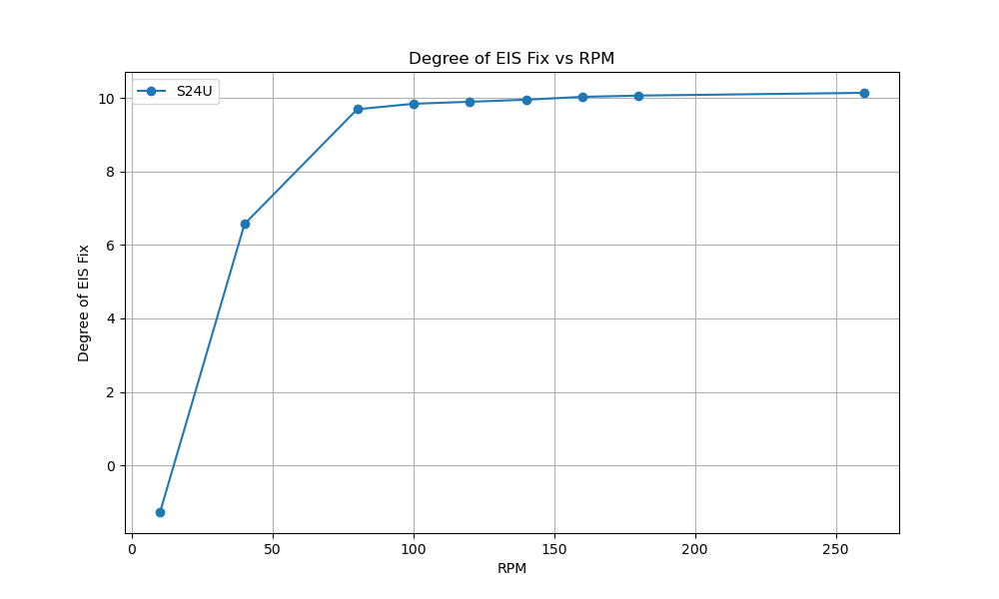
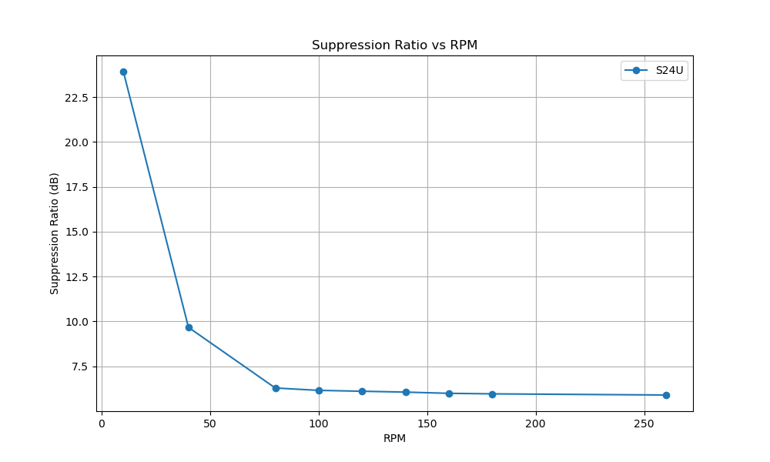
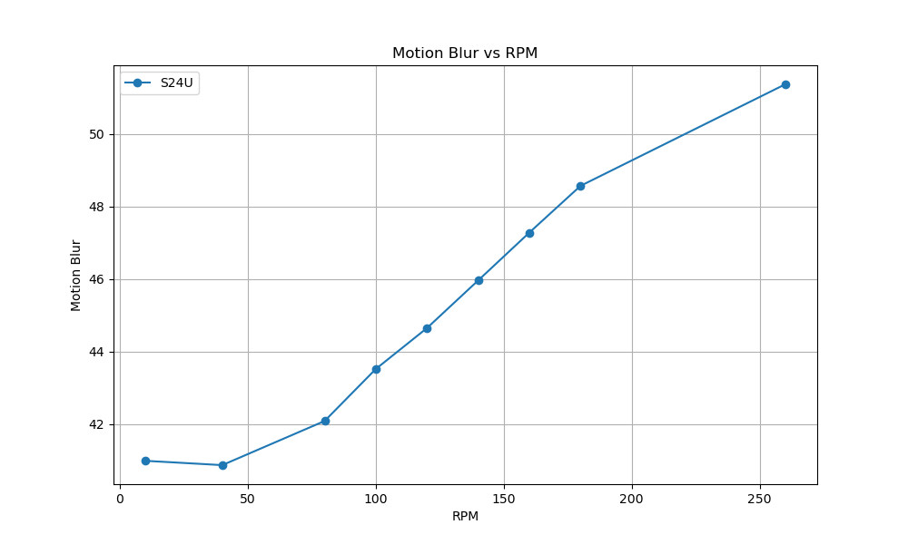
 | camera_device | video_path | rpm | oscillation_degree | distance | resolution | fps | degree_of_eis_fix | motion_blur | Suppression Ratio
S24U_SuperSteady_UW_10rpm.mp4 | S24U | C:/Users/iqc/Desktop/EIS/S24U/S24U_SuperSteady_UW_10rpm.mp4 | 10 | 10.28 | 832 | 2560 | 60 | -1.2728365713 | 40.988372093 | 23.925147013
S24U_SuperSteady_UW_40rpm.mp4 | S24U | C:/Users/iqc/Desktop/EIS/S24U/S24U_SuperSteady_UW_40rpm.mp4 | 40 | 10.28 | 832 | 2560 | 60 | 6.5689016948 | 40.869791667 | 9.6707446614
S24U_SuperSteady_UW_80rpm.mp4 | S24U | C:/Users/iqc/Desktop/EIS/S24U/S24U_SuperSteady_UW_80rpm.mp4 | 80 | 10.28 | 832 | 2560 | 60 | 9.6910055112 | 42.086538462 | 6.2932231023
S24U_SuperSteady_UW_100rpm.mp4 | S24U | C:/Users/iqc/Desktop/EIS/S24U/S24U_SuperSteady_UW_100rpm.mp4 | 100 | 10.28 | 832 | 2560 | 60 | 9.840581081 | 43.52 | 6.1601850324
S24U_SuperSteady_UW_120rpm.mp4 | S24U | C:/Users/iqc/Desktop/EIS/S24U/S24U_SuperSteady_UW_120rpm.mp4 | 120 | 10.28 | 832 | 2560 | 60 | 9.8956655029 | 44.649152542 | 6.1116997797
S24U_SuperSteady_UW_140rpm.mp4 | S24U | C:/Users/iqc/Desktop/EIS/S24U/S24U_SuperSteady_UW_140rpm.mp4 | 140 | 10.28 | 832 | 2560 | 60 | 9.9512596599 | 45.962121212 | 6.0630387432
S24U_SuperSteady_UW_160rpm.mp4 | S24U | C:/Users/iqc/Desktop/EIS/S24U/S24U_SuperSteady_UW_160rpm.mp4 | 160 | 10.28 | 832 | 2560 | 60 | 10.029077386 | 47.281800391 | 5.9953802653
S24U_SuperSteady_UW_180rpm.mp4 | S24U | C:/Users/iqc/Desktop/EIS/S24U/S24U_SuperSteady_UW_180rpm.mp4 | 180 | 10.28 | 832 | 2560 | 60 | 10.063444802 | 48.570652174 | 5.9656665366
S24U_SuperSteady_UW_260rpm.mp4 | S24U | C:/Users/iqc/Desktop/EIS/S24U/S24U_SuperSteady_UW_260rpm.mp4 | 260 | 10.28 | 832 | 2560 | 60 | 10.138152749 | 51.370949074 | 5.9014233061

