Video Info Summary
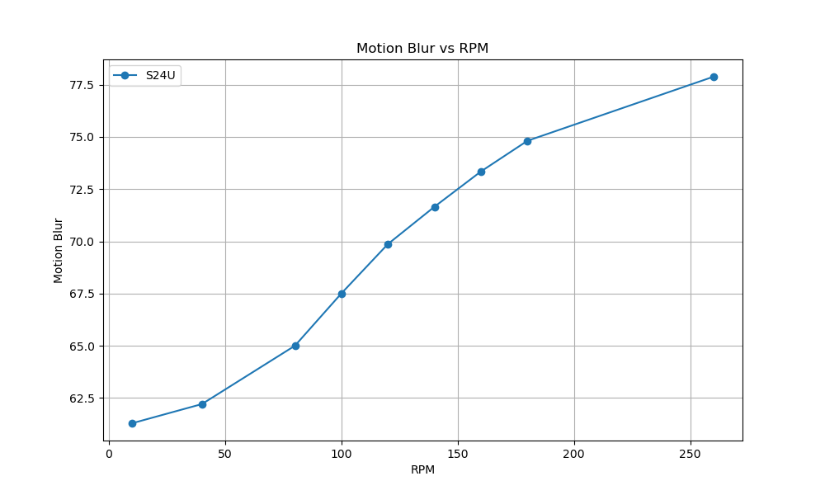
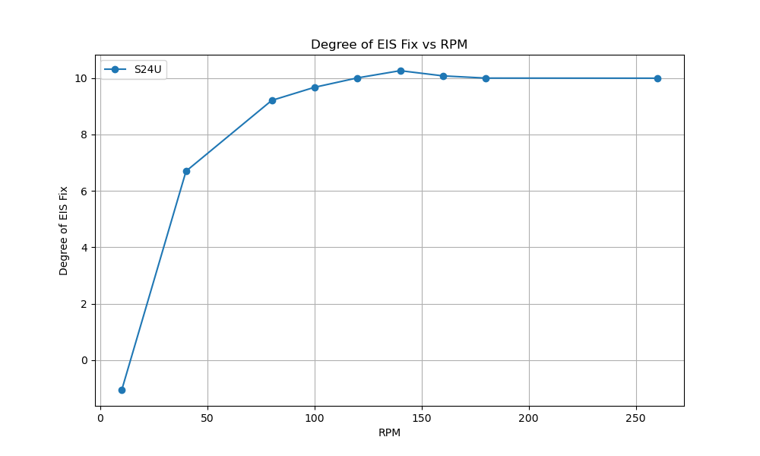
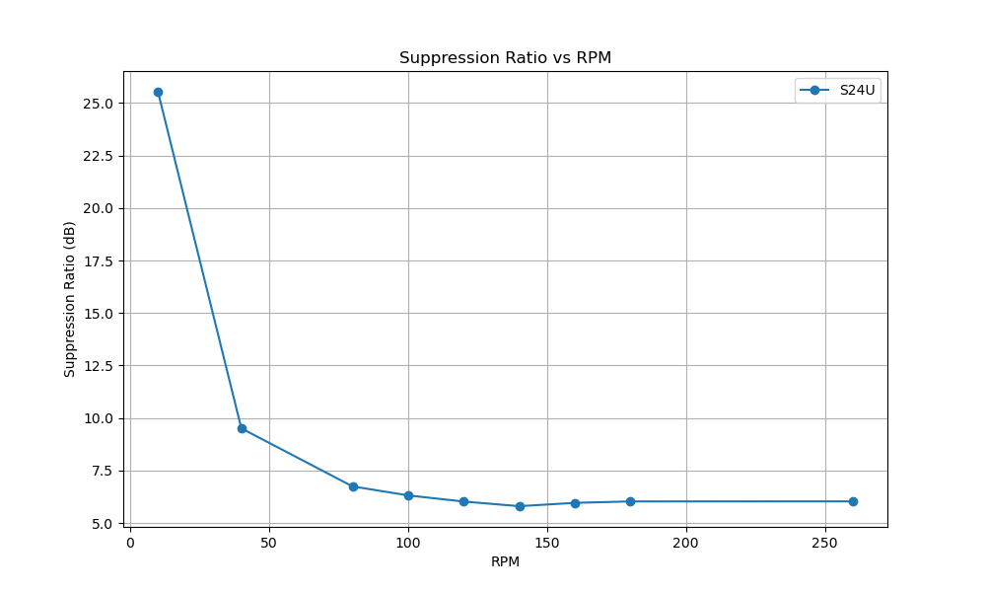
 | camera_device | video_path | rpm | oscillation_degree | distance | resolution | fps | degree_of_eis_fix | motion_blur | Suppression Ratio
S24U_regular_UW_10rpm.mp4 | S24U | C:/Users/JaeSeong/Desktop/All phones testing/S24U/S24U_regular_UW_10rpm.mp4 | 10 | 10.28 | 577 | 3840 | 60 | -1.0572619191 | 61.291666667 | 25.536948116
S24U_regular_UW_40rpm.mp4 | S24U | C:/Users/JaeSeong/Desktop/All phones testing/S24U/S24U_regular_UW_40rpm.mp4 | 40 | 10.28 | 577 | 3840 | 60 | 6.6953834403 | 62.209302326 | 9.5050908368
S24U_regular_UW_80rpm.mp4 | S24U | C:/Users/JaeSeong/Desktop/All phones testing/S24U/S24U_regular_UW_80rpm.mp4 | 80 | 10.28 | 577 | 3840 | 60 | 9.2032834694 | 65.0025 | 6.7417439354
S24U_regular_UW_100rpm.mp4 | S24U | C:/Users/JaeSeong/Desktop/All phones testing/S24U/S24U_regular_UW_100rpm.mp4 | 100 | 10.28 | 577 | 3840 | 60 | 9.6688229249 | 67.508680556 | 6.3131277808
S24U_regular_UW_120rpm.mp4 | S24U | C:/Users/JaeSeong/Desktop/All phones testing/S24U/S24U_regular_UW_120rpm.mp4 | 120 | 10.28 | 577 | 3840 | 60 | 10.001427289 | 69.869949495 | 6.0193602739
S24U_regular_UW_140rpm.mp4 | S24U | C:/Users/JaeSeong/Desktop/All phones testing/S24U/S24U_regular_UW_140rpm.mp4 | 140 | 10.28 | 577 | 3840 | 60 | 10.257667379 | 71.654598826 | 5.7996276674
S24U_regular_UW_160rpm.mp4 | S24U | C:/Users/JaeSeong/Desktop/All phones testing/S24U/S24U_regular_UW_160rpm.mp4 | 160 | 10.28 | 577 | 3840 | 60 | 10.07326455 | 73.34423676 | 5.9571951176
S24U_regular_UW_180rpm.mp4 | S24U | C:/Users/JaeSeong/Desktop/All phones testing/S24U/S24U_regular_UW_180rpm.mp4 | 180 | 10.28 | 577 | 3840 | 60 | 9.9949794902 | 74.812658228 | 6.0249617677
S24U_regular_UW_260rpm.mp4 | S24U | C:/Users/JaeSeong/Desktop/All phones testing/S24U/S24U_regular_UW_260rpm.mp4 | 260 | 10.28 | 577 | 3840 | 60 | 9.9915776261 | 77.87987988 | 6.0279185767

