Video Info Summary
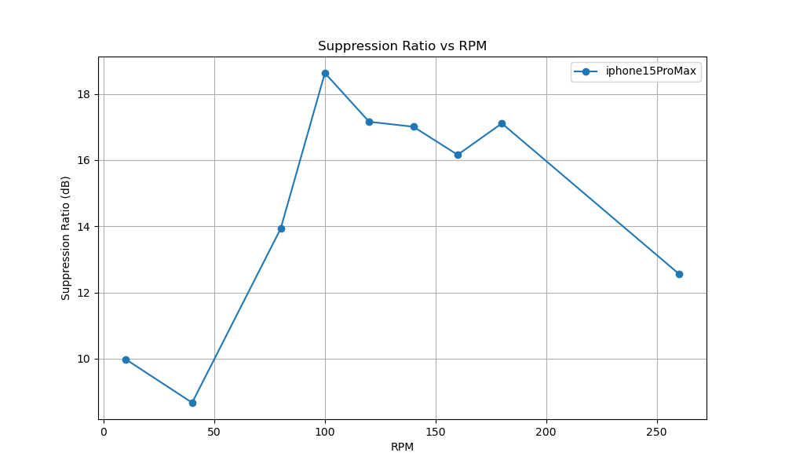
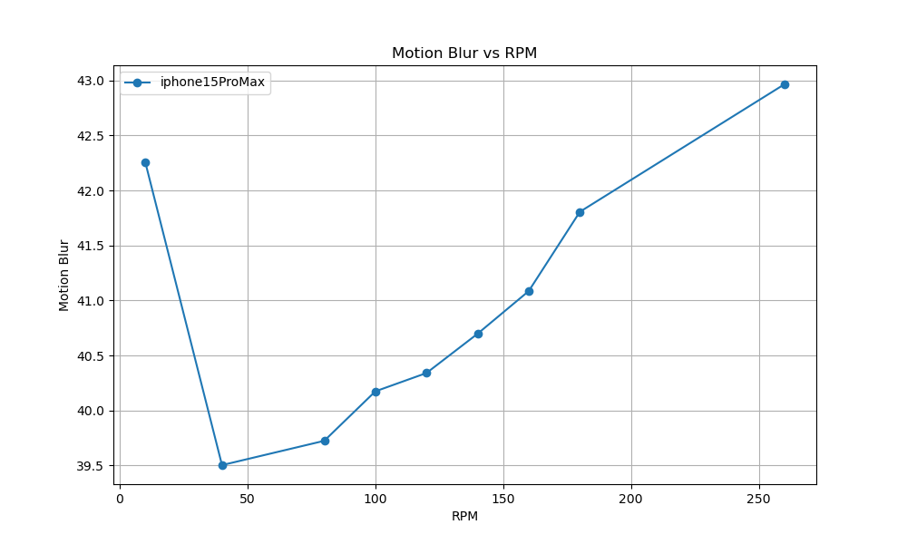
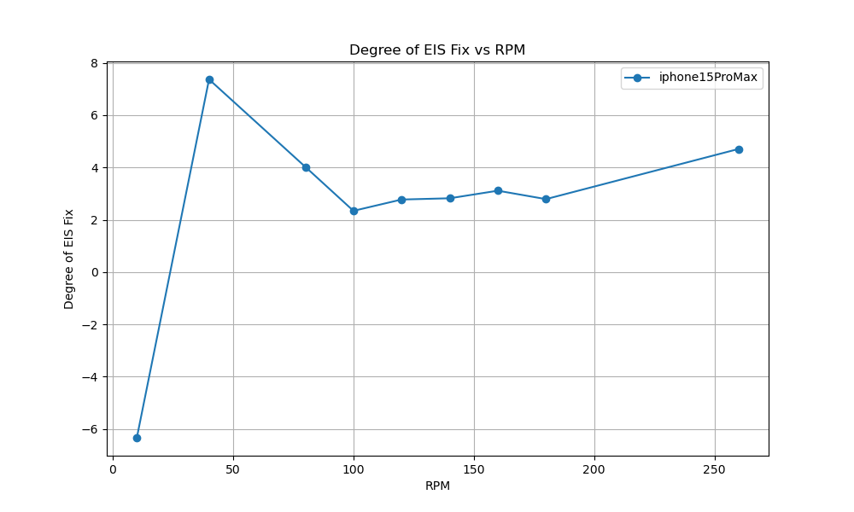
 | camera_device | video_path | rpm | oscillation_degree | distance | resolution | fps | degree_of_eis_fix | motion_blur | Suppression Ratio
i15ProMax_regular_UW_10rpm.MOV | iphone15ProMax | C:/Users/iqc/Desktop/EIS/iphone15ProMax/i15ProMax_regular_UW_10rpm.MOV | 10 | 10.28 | 526 | 1280 | 60 | -6.3371881512 | 42.255319149 | 9.9826678828
i15ProMax_regular_UW_40rpm.MOV | iphone15ProMax | C:/Users/iqc/Desktop/EIS/iphone15ProMax/i15ProMax_regular_UW_40rpm.MOV | 40 | 10.28 | 526 | 1280 | 60 | 7.3698500269 | 39.503984064 | 8.6714269082
i15ProMax_regular_UW_80rpm.MOV | iphone15ProMax | C:/Users/iqc/Desktop/EIS/iphone15ProMax/i15ProMax_regular_UW_80rpm.MOV | 80 | 10.28 | 526 | 1280 | 60 | 4.0241428741 | 39.724932249 | 13.927132081
i15ProMax_regular_UW_100rpm.MOV | iphone15ProMax | C:/Users/iqc/Desktop/EIS/iphone15ProMax/i15ProMax_regular_UW_100rpm.MOV | 100 | 10.28 | 526 | 1280 | 60 | 2.3413895102 | 40.174489796 | 18.631126547
i15ProMax_regular_UW_120rpm.MOV | iphone15ProMax | C:/Users/iqc/Desktop/EIS/iphone15ProMax/i15ProMax_regular_UW_120rpm.MOV | 120 | 10.28 | 526 | 1280 | 60 | 2.7741057905 | 40.340983607 | 17.158139536
i15ProMax_regular_UW_140rpm.MOV | iphone15ProMax | C:/Users/iqc/Desktop/EIS/iphone15ProMax/i15ProMax_regular_UW_140rpm.MOV | 140 | 10.28 | 526 | 1280 | 60 | 2.8221725249 | 40.698100407 | 17.008928723
i15ProMax_regular_UW_160rpm.MOV | iphone15ProMax | C:/Users/iqc/Desktop/EIS/iphone15ProMax/i15ProMax_regular_UW_160rpm.MOV | 160 | 10.28 | 526 | 1280 | 60 | 3.1117016774 | 41.085632184 | 16.160640834
i15ProMax_regular_UW_180rpm.MOV | iphone15ProMax | C:/Users/iqc/Desktop/EIS/iphone15ProMax/i15ProMax_regular_UW_180rpm.MOV | 180 | 10.28 | 526 | 1280 | 60 | 2.7897392909 | 41.805940594 | 17.109327531
i15ProMax_regular_UW_260rpm.MOV | iphone15ProMax | C:/Users/iqc/Desktop/EIS/iphone15ProMax/i15ProMax_regular_UW_260rpm.MOV | 260 | 10.28 | 526 | 1280 | 60 | 4.707370205 | 42.964435146 | 12.56503283

