Video Info Summary
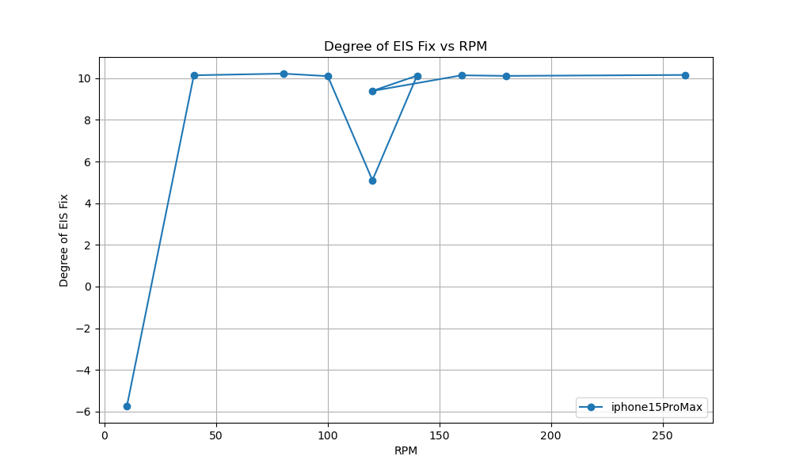
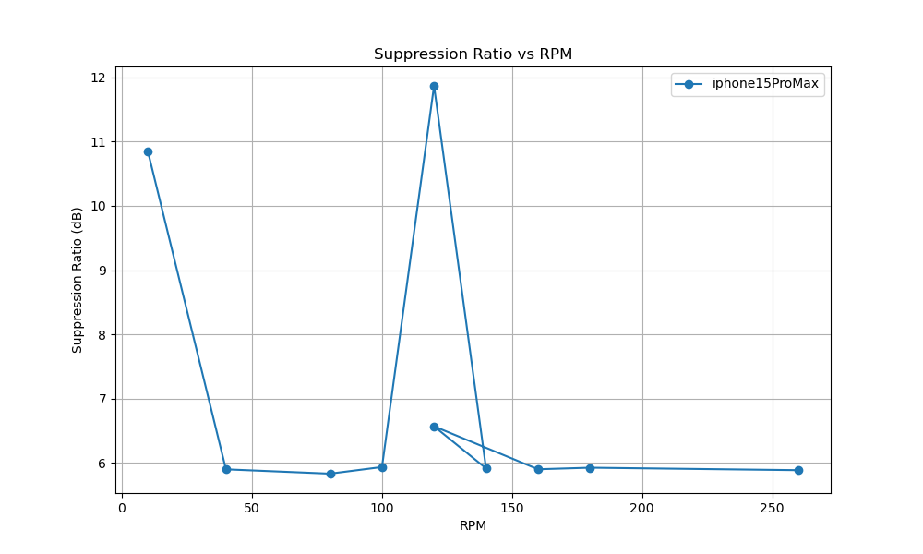
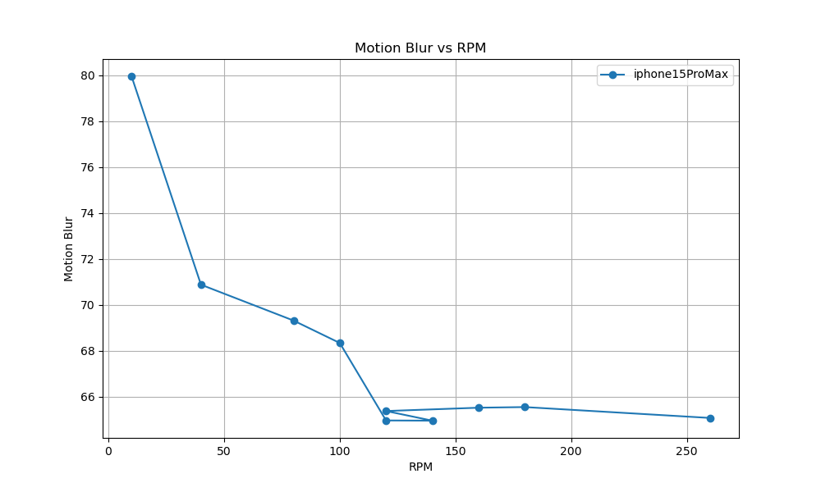
 | camera_device | video_path | rpm | oscillation_degree | distance | resolution | fps | degree_of_eis_fix | motion_blur | Suppression Ratio
i15ProMax_actionMode_UW_10rpm.MOV | iphone15ProMax | C:/Users/iqc/Desktop/EIS/iphone15ProMax/i15ProMax_actionMode_UW_10rpm.MOV | 10 | 10.28 | 763 | 1280 | 60 | -5.73795563 | 79.953781513 | 10.8454562
i15ProMax_actionMode_UW_40rpm.MOV | iphone15ProMax | C:/Users/iqc/Desktop/EIS/iphone15ProMax/i15ProMax_actionMode_UW_40rpm.MOV | 40 | 10.28 | 763 | 1280 | 60 | 10.138146523 | 70.873595506 | 5.9014286403
i15ProMax_actionMode_UW_80rpm.MOV | iphone15ProMax | C:/Users/iqc/Desktop/EIS/iphone15ProMax/i15ProMax_actionMode_UW_80rpm.MOV | 80 | 10.28 | 763 | 1280 | 60 | 10.217087383 | 69.310430464 | 5.8340577585
i15ProMax_actionMode_UW_100rpm.MOV | iphone15ProMax | C:/Users/iqc/Desktop/EIS/iphone15ProMax/i15ProMax_actionMode_UW_100rpm.MOV | 100 | 10.28 | 763 | 1280 | 60 | 10.096140094 | 68.332744405 | 5.9374925491
i15ProMax_regular_UW_120rpm.MOV | iphone15ProMax | C:/Users/iqc/Desktop/EIS/iphone15ProMax/i15ProMax_regular_UW_120rpm.MOV | 120 | 10.28 | 763 | 1280 | 60 | 5.1016713953 | 64.957172343 | 11.866350278
i15ProMax_actionMode_UW_140rpm.MOV | iphone15ProMax | C:/Users/iqc/Desktop/EIS/iphone15ProMax/i15ProMax_actionMode_UW_140rpm.MOV | 140 | 10.28 | 763 | 1280 | 60 | 10.120261502 | 64.948517298 | 5.9167652214
i15ProMax_actionMode_UW_120rpm.MOV | iphone15ProMax | C:/Users/iqc/Desktop/EIS/iphone15ProMax/i15ProMax_actionMode_UW_120rpm.MOV | 120 | 10.28 | 763 | 1280 | 60 | 9.3862131819 | 65.368154158 | 6.5707916375
i15ProMax_actionMode_UW_160rpm.MOV | iphone15ProMax | C:/Users/iqc/Desktop/EIS/iphone15ProMax/i15ProMax_actionMode_UW_160rpm.MOV | 160 | 10.28 | 763 | 1280 | 60 | 10.136798675 | 65.513104252 | 5.9025834902
i15ProMax_actionMode_UW_180rpm.MOV | iphone15ProMax | C:/Users/iqc/Desktop/EIS/iphone15ProMax/i15ProMax_actionMode_UW_180rpm.MOV | 180 | 10.28 | 763 | 1280 | 60 | 10.108213329 | 65.540596095 | 5.9271119345
i15ProMax_actionMode_UW_260rpm.MOV | iphone15ProMax | C:/Users/iqc/Desktop/EIS/iphone15ProMax/i15ProMax_actionMode_UW_260rpm.MOV | 260 | 10.28 | 763 | 1280 | 60 | 10.153522814 | 65.066984559 | 5.8882649339

