EAテンプレート
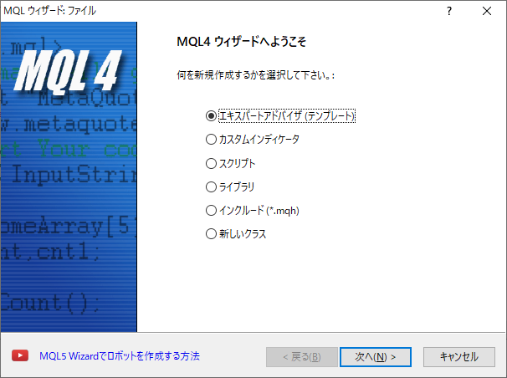
 | 7

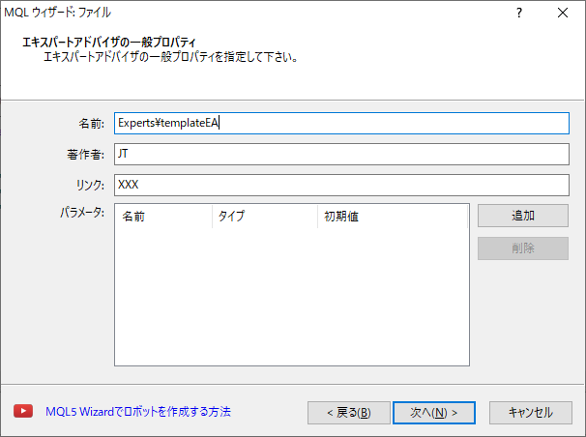

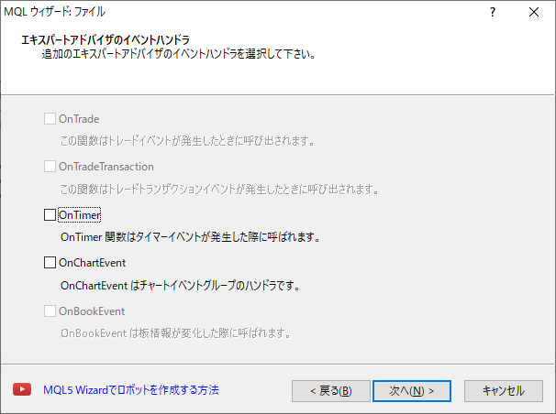

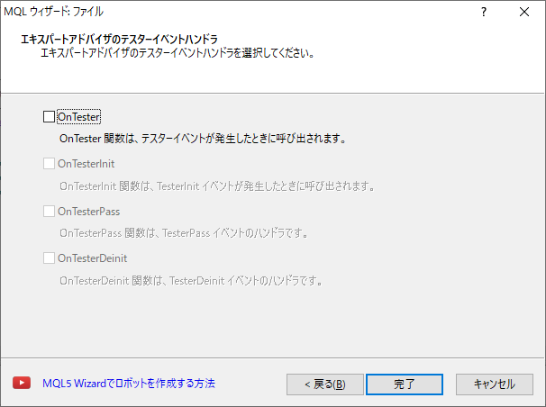

C:\Users\hanghang\AppData\Roaming\MetaQuotes\Terminal\082F53F5881F3D6022DF806C3D307B50\MQL4\Experts\templateEA.mq4
//+------------------------------------------------------------------+
//| templateEA.mq4 |
//| JT |
//| XXX |
//+------------------------------------------------------------------+
#property copyright "JT"
#property link "XXX"
#property version "1.00"
#property strict
//+------------------------------------------------------------------+
//| Expert initialization function |
//+------------------------------------------------------------------+
int OnInit()
{
//---

//---
return(INIT_SUCCEEDED);
}
//+------------------------------------------------------------------+
//| Expert deinitialization function |
//+------------------------------------------------------------------+
void OnDeinit(const int reason)
{
//---

}
//+------------------------------------------------------------------+
//| Expert tick function |
//+------------------------------------------------------------------+
void OnTick()
{
//---

}
//+------------------------------------------------------------------+

