Worksheet
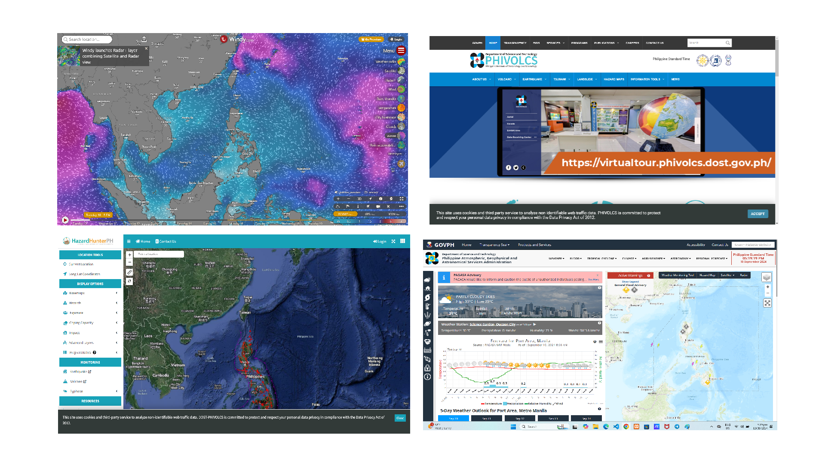
Order Number | Customer Name | Total Amount | Receipt File | Status
ORD-658224 | Customer | 300 | http://127.0.0.1:8000/C:\xampp\htdocs\localbiz\public\receipt/Untitled.png | delivered

