trialDB_profiles
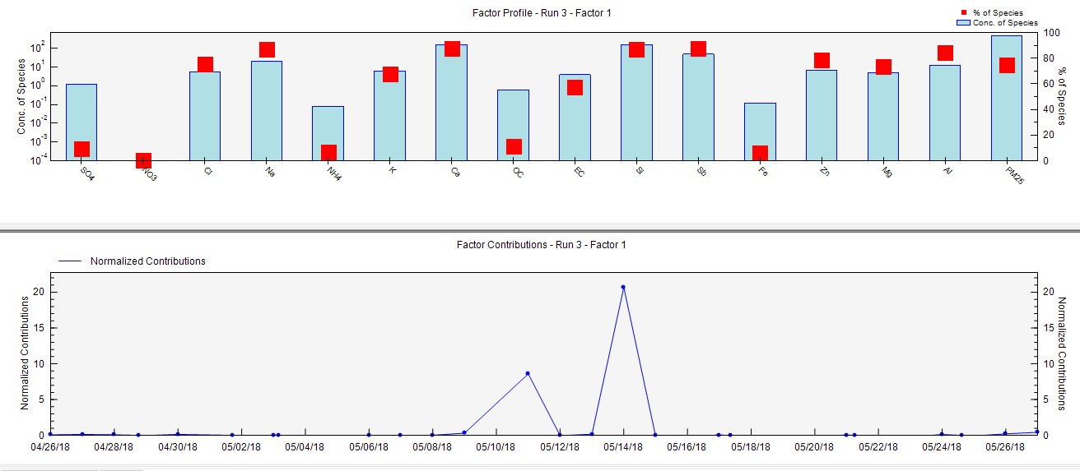
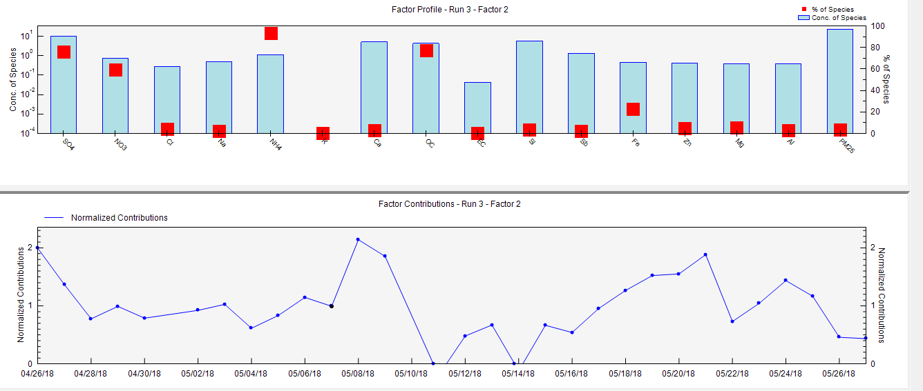
Factor Profiles (conc. of species) from Base Run #3 (Convergent Run)

 |  | Factor 1 | Factor 2 | Factor 3
3 | SO4 | 1.17 | 9.61 | 1.87
3 | NO3 | 0.00 | 0.73 | 0.50
3 | Cl | 5.39 | 0.28 | 1.48
3 | Na | 21.37 | 0.47 | 2.72
3 | NH4 | 0.08 | 1.14 | 0.00
3 | K | 6.34 | 0.00 | 2.99
3 | Ca | 159.77 | 5.12 | 17.83
3 | OC | 0.61 | 4.27 | 0.67
3 | EC | 3.94 | 0.04 | 2.91
3 | Si | 151.69 | 5.78 | 16.73
3 | Sb | 48.83 | 1.35 | 5.46
3 | Fe | 0.12 | 0.45 | 1.39
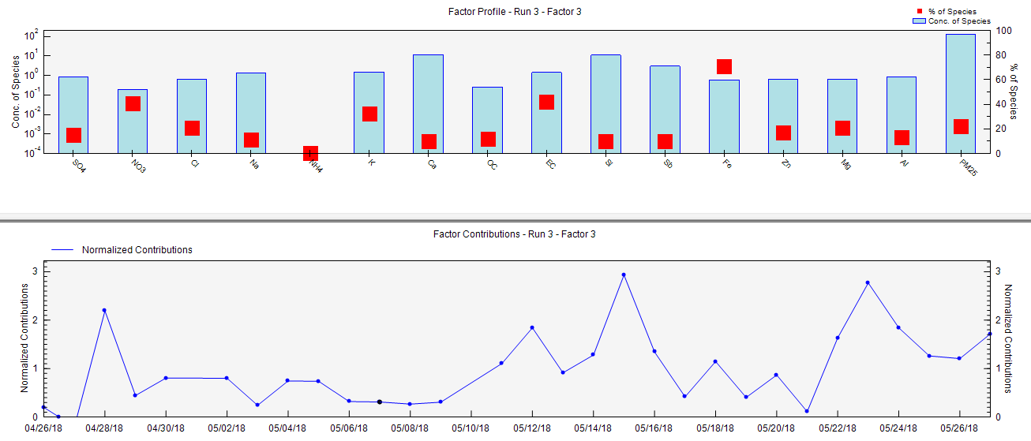
3 | Zn | 6.82 | 0.42 | 1.46
3 | Mg | 5.00 | 0.37 | 1.43
3 | Al | 12.37 | 0.39 | 1.88
3 | PM25 | 465.21 | 22.61 | 137.09

Factor Profiles (% of species sum) from Base Run #3 (Convergent Run)

 |  | Factor 1 | Factor 2 | Factor 3
3 | SO4 | 9 | 76 | 15
3 | NO3 | 0 | 59 | 41
3 | Cl | 75 | 4 | 21
3 | Na | 87 | 2 | 11
3 | NH4 | 6 | 93 | 0
3 | K | 68 | 0 | 32
3 | Ca | 87 | 3 | 10
3 | OC | 11 | 77 | 12
3 | EC | 57 | 1 | 42
3 | Si | 87 | 3 | 10
3 | Sb | 88 | 2 | 10
3 | Fe | 6 | 23 | 71
3 | Zn | 78 | 5 | 17
3 | Mg | 74 | 5 | 21
3 | Al | 85 | 3 | 13
3 | PM25 | 74 | 4 | 22 | 100
 |  | sea salt+dust+Sb | secondary_industry(organic) | traffic

Factor Profiles (% of factor total) from Base Run #3 (Convergent Run)

 |  | Factor 1 | Factor 2 | Factor 3
3 | SO4 | 1.31E-01 | 1.81E+01 | 9.54E-01
3 | NO3 | 0.00E+00 | 1.37E+00 | 2.53E-01
3 | Cl | 6.06E-01 | 5.29E-01 | 7.54E-01
3 | Na | 2.40E+00 | 8.85E-01 | 1.38E+00
3 | NH4 | 8.90E-03 | 2.15E+00 | 4.04E-04
3 | K | 7.13E-01 | 0.00E+00 | 1.52E+00
3 | Ca | 1.80E+01 | 9.65E+00 | 9.08E+00
3 | OC | 6.87E-02 | 8.05E+00 | 3.39E-01
3 | EC | 4.43E-01 | 7.85E-02 | 1.48E+00
3 | Si | 1.71E+01 | 1.09E+01 | 8.52E+00
3 | Sb | 5.49E+00 | 2.54E+00 | 2.78E+00
3 | Fe | 1.36E-02 | 8.50E-01 | 7.06E-01
3 | Zn | 7.67E-01 | 7.93E-01 | 7.42E-01
3 | Mg | 5.63E-01 | 6.96E-01 | 7.27E-01
3 | Al | 1.39E+00 | 7.30E-01 | 9.56E-01
3 | PM25 | 5.23E+01 | 4.26E+01 | 6.98E+01

