source_contribution_EXPO2020
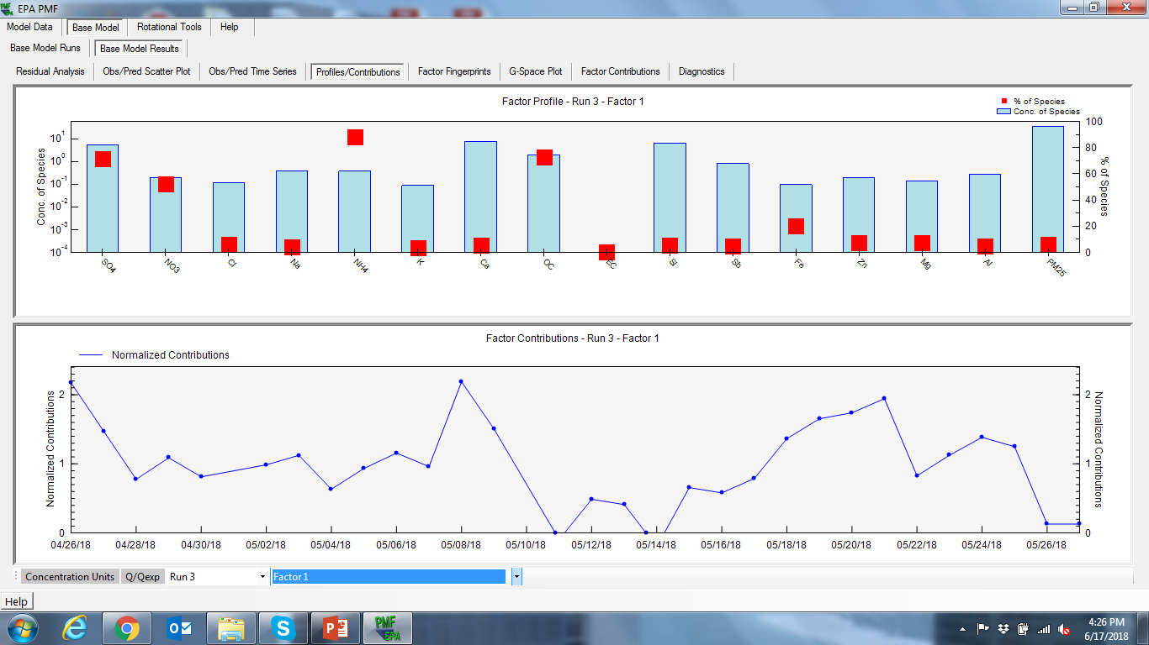
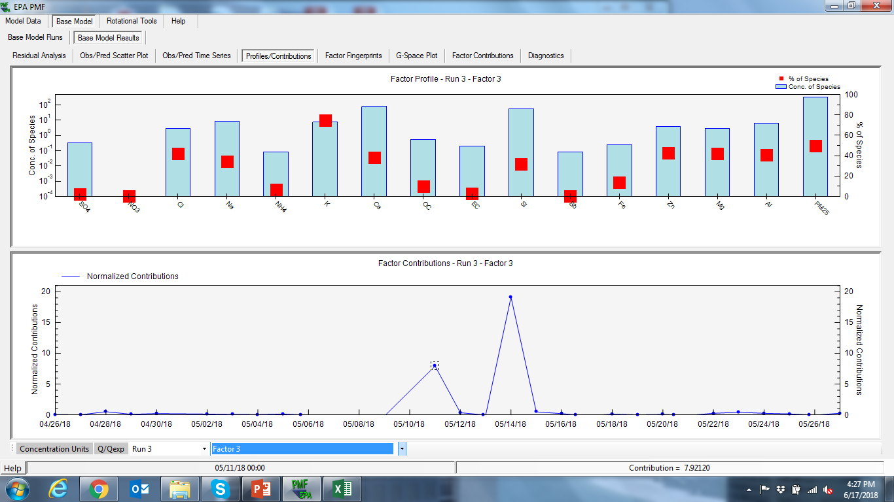
Factor Profiles (conc. of species) from Base Run #3 (Convergent Run)

 |  | Factor 1 | Factor 2 | Factor 3 | Factor 4
3 | SO4 | 9.02E+00 | 1.02E+00 | 3.21E-01 | 2.29E+00
3 | NO3 | 6.46E-01 | 3.48E-02 | 0.00E+00 | 5.51E-01
3 | Cl | 4.24E-01 | 2.73E+00 | 2.97E+00 | 9.57E-01
3 | Na | 1.11E+00 | 1.47E+01 | 8.77E+00 | 8.99E-01
3 | NH4 | 1.09E+00 | 0.00E+00 | 8.47E-02 | 5.76E-02
3 | K | 3.49E-01 | 4.55E-01 | 7.54E+00 | 1.79E+00
3 | Ca | 1.16E+01 | 1.23E+02 | 8.24E+01 | 4.02E-09
3 | OC | 4.06E+00 | 1.60E-01 | 5.41E-01 | 8.03E-01
3 | EC | 1.59E-03 | 3.52E+00 | 2.07E-01 | 3.75E+00
3 | Si | 1.02E+01 | 1.09E+02 | 5.78E+01 | 4.03E+00
3 | Sb | 2.00E+00 | 3.45E+01 | 8.48E-02 | 5.33E+00
3 | Fe | 3.73E-01 | 0.00E+00 | 2.51E-01 | 1.23E+00
3 | Zn | 6.24E-01 | 3.71E+00 | 3.79E+00 | 7.58E-01
3 | Mg | 4.86E-01 | 2.52E+00 | 2.90E+00 | 9.59E-01
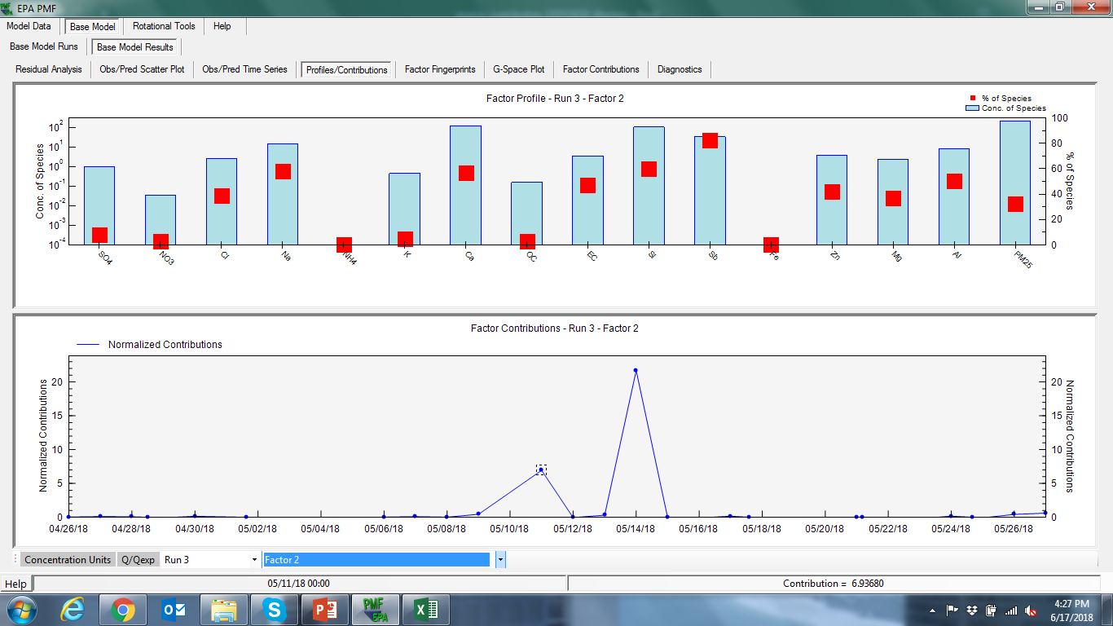
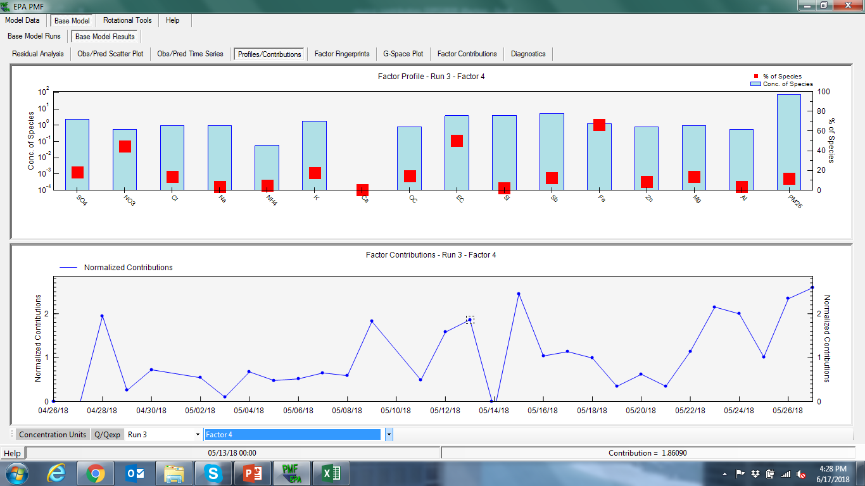
3 | Al | 8.19E-01 | 8.10E+00 | 6.56E+00 | 5.67E-01
3 | PM25 | 3.90E+01 | 2.15E+02 | 3.30E+02 | 7.88E+01

Factor Profiles (% of species sum) from Base Run #3 (Convergent Run)

 |  | Factor 1 | Factor 2 | Factor 3 | Factor 4
3 | SO4 | 7.13E+01 | 8.09E+00 | 2.53E+00 | 1.81E+01
3 | NO3 | 5.24E+01 | 2.83E+00 | 0.00E+00 | 4.47E+01
3 | Cl | 5.99E+00 | 3.86E+01 | 4.19E+01 | 1.35E+01
3 | Na | 4.36E+00 | 5.77E+01 | 3.44E+01 | 3.53E+00
3 | NH4 | 8.84E+01 | 0.00E+00 | 6.89E+00 | 4.68E+00
3 | K | 3.44E+00 | 4.49E+00 | 7.44E+01 | 1.77E+01
3 | Ca | 5.32E+00 | 5.68E+01 | 3.79E+01 | 1.85E-09
3 | OC | 7.30E+01 | 2.87E+00 | 9.72E+00 | 1.44E+01
3 | EC | 2.13E-02 | 4.70E+01 | 2.76E+00 | 5.02E+01
3 | Si | 5.62E+00 | 6.02E+01 | 3.20E+01 | 2.23E+00
3 | Sb | 4.78E+00 | 8.23E+01 | 2.03E-01 | 1.27E+01
3 | Fe | 2.01E+01 | 0.00E+00 | 1.35E+01 | 6.64E+01
3 | Zn | 7.04E+00 | 4.18E+01 | 4.27E+01 | 8.54E+00
3 | Mg | 7.09E+00 | 3.67E+01 | 4.23E+01 | 1.40E+01
3 | Al | 5.11E+00 | 5.05E+01 | 4.09E+01 | 3.54E+00
3 | PM25 | 6 | 32 | 50 | 12 | 100 | percentage
 |  | secondary_indu | sea-salt-dust-Sb | sea-salt-dust | traffic

Factor Profiles (% of factor total) from Base Run #3 (Convergent Run)

 |  | Factor 1 | Factor 2 | Factor 3 | Factor 4
3 | SO4 | 1.10E+01 | 1.97E-01 | 6.36E-02 | 2.23E+00
3 | NO3 | 7.91E-01 | 6.72E-03 | 0.00E+00 | 5.36E-01
3 | Cl | 5.19E-01 | 5.27E-01 | 5.89E-01 | 9.31E-01
3 | Na | 1.36E+00 | 2.84E+00 | 1.74E+00 | 8.75E-01
3 | NH4 | 1.33E+00 | 0.00E+00 | 1.68E-02 | 5.60E-02
3 | K | 4.27E-01 | 8.76E-02 | 1.49E+00 | 1.74E+00
3 | Ca | 1.41E+01 | 2.38E+01 | 1.63E+01 | 3.91E-09
3 | OC | 4.97E+00 | 3.08E-02 | 1.07E-01 | 7.81E-01
3 | EC | 1.95E-03 | 6.78E-01 | 4.09E-02 | 3.65E+00
3 | Si | 1.24E+01 | 2.10E+01 | 1.15E+01 | 3.92E+00
3 | Sb | 2.45E+00 | 6.64E+00 | 1.68E-02 | 5.18E+00
3 | Fe | 4.56E-01 | 0.00E+00 | 4.97E-02 | 1.20E+00
3 | Zn | 7.64E-01 | 7.14E-01 | 7.50E-01 | 7.37E-01
3 | Mg | 5.95E-01 | 4.85E-01 | 5.75E-01 | 9.32E-01
3 | Al | 1.00E+00 | 1.56E+00 | 1.30E+00 | 5.52E-01
3 | PM25 | 4.77E+01 | 4.15E+01 | 6.55E+01 | 7.67E+01

