Menu

JZR report | Jeyzer |  | Items | The entire method consists in the order and arrangement of the things to which the mind's eye must turn so that we can discover some truth Renï¿½ Descartes
 | Session info | Lists analysis and session recording information. | 42
 | Process card | Displays and groups all the process properties per category : OS, architecture, startup parameters... Permits to collect technical details helping in the troubleshooting. | 22
 | Monitoring sequence | Displays monitoring events on a Jeyzer time sequence, along with header figures. | 14
 | Standard alerts | Displays standard monitoring events. Permits to identify process activity problems at a glance. | 28 (8)
 | Advanced alerts | Displays Advanced monitoring events. Permits to identify CPU, memory and GC problems. | 10 (2)
 | Journal of events | Displays applicative and monitoring events. Permits to correlate application events with system incidents. | 38
 | Action Dashboard | Displays the main actions, including their function graph picture and details. Permits to detect bottlenecks at a glance. | 3 (6)
 | Functions | Displays the demo features on a Jeyzer time sequence, focusing on functions and headers. | 29
 | Process card alerts | Displays process card monitoring events. Permits to check system or process info and recommend actions like critical patch appliance. | 9
 | Library and module checks | Displays library and Java module monitoring events. Permits to check the dependency status and to recommend actions like critical patch appliance or upgrade. Checks also the presence of modules/libraries (like an agent) and demonstrates the dynamic loading of shared profiles. | 4
 | Function Discovery | Displays actions in a time line manner, focusing on dynamic function discovery. Permits to catch additional process aspects. | 29
 | Operations | Displays Jeyzer time sequence display features, focusing on operations. Operation is code executed at low level. | 29
 | Row Headers | Displays Jeyzer time sequence display features, focusing on row headers. | 29
 | Contentions | Displays Jeyzer time sequence display features, focusing on contention types. Contention type is low level activity. | 29
 | Charts | Displays CPU/memory/GC/Lock figures in charts at process and system level. | 25 (7)
 | Task list | Displays all the detected actions in a flat mode. Permits to narrow actions occuring on a specific time range. | 29
 | Locks | Displays actions in a time line manner, focusing on java lock operations, locked/locking threads as well as frozen stacks. Permits to identify deadlocks and slow downs due to excessive locking. | 29
 | Memory GC Global | Displays global garbage collecting figures such as execution time, executed GC, released memory.. Permits to identify GC dysfunctions and potential memory leaks. Includes GC graphs. | 21 (4)
 | Memory GC Old | Displays garbage collecting figures for the Old Generation memory zone. Permits to spot out of memory cases. Includes GC graphs. | 18 (4)
 | Memory | Displays actions in a time line manner, focusing on process and thread memory consumption. Permits to identify high memory consuming actions. Includes memory graphs. | 29 (4)
 | CPU | Displays actions in a time line manner, focusing on process and thread CPU consumption. Permits to identify high CPU consuming actions. | 29 (1)
 | Stack groups | Displays groups of similar stacks on a time line. Permits to get a good overview of the different process activities in a large multi-threaded environment. | 106
 | Action Profiling | Displays stack traces in a tree node style - grouped per action - with apperance/CPU/memory figures. Permits to detect bottlenecks in the applicative source code. | 22 (6)
 | Long Action Profiling | Displays stack traces in a tree node style - grouped per distinct action - for the long running actions. Permits to detect bottlenecks in the applicative source code. CPU/memory figures are displayed if available. | 13 (8)
 | States | Displays actions in a time line manner, focusing on java thread states. | 29
 | Top stacks | Displays all stacks grouped by apperance order. Permits to spot eventual bottlenecks. | 37 (2)
 | Long Action Histogram | Lists all the functions and operations - grouped per distinct action - for the long running actions. Permits to spot concentration points on particular actions. | 13 (8)
 | Action histogram | Lists all the functions and operations at the action level. Permits to spot concentration points within actions. | 21 (6)
 | Function histogram | Displays and groups all the detected functions and operations. Permits to spot concentration points : I/O, specific action, database access.. | 42 (2)
 | Executor function histogram | Lists all the functions and operations at the executor level. Permits to spot concentration points within the different types of threads such as thread pools, activities, etc. | 5
 | Executor histogram | Lists all the executors with their number of actions and stacks. Permits to get a view on the activity type like user actions, scheduled activities, internals, etc. | 5
 | Monitoring Rules | Displays monitoring rules applied on the current session. Includes rule hit count. | 142
 | Stickers | Displays the monitoring stickers. Includes sticker positive and negative matching. | 35
 | Modules | Displays the list of Java modules loaded by the JVM. Includes their version and attributes. Detect the snapshot libraries. | 74 (1)
 | JVM Flags | Displays all the JVM flags including the changed ones. Permits to review the JVM technical details. Exhaustive JVM flag documentation available at : https://chriswhocodes.com/hotspot_options_jdk11.html | 871
 | Analysis Patterns | Lists all the master and shared analysis patterns used to generate this report. | 589
 | About | All about Jeyzer.

Standard alerts
Jeyzer
Graph | Cont | Fea | Dis | Ope | Rhe | Ctt | Cht | Lck | Sta | Start date | Event | Id | Recommendation | Additional information | Rank | End date | Level | Scope | Count | Action (composite) | Duration (sec) | Thread | Ref
 |  | F | D | O | R | C |  | L | S | 4/25/24 | Frozen code task | 1383 | Task showing identical consecutive stacks for long time. Provide your software provider with the JZR report for review. | COUNT : 60 Operation : JVM event published Contention type : Code execution | W1 | In progress | WARNING | Action | 60 | JFR publish events | 0 hours 4 minutes 58 seconds | JFR Periodic Tasks | DEM-STD-0011
 |  | F | D | O | R | C | C | L | S | 4/25/24 | Global thread limit reached | 1406 | High number of threads created. Please send the Jeyzer recording to your Support service and monitor closely the application. | COUNT : 60 Max number of native threads detected : 33 | W4 | In progress | WARNING | Global | 60 | Not applicable | 0 hours 4 minutes 58 seconds | Not applicable | DEM-STD-0021
 |  |  |  |  |  |  |  |  |  | 4/25/24 | Multiple recording snapshots | 1410 | Recording contains multiple snapshots. | COUNT : 1 Recording size : 60 | I1 | In progress | INFO | System | 1 | Not applicable | 0 hours 4 minutes 58 seconds | Not applicable | DEM-STD-0151
 |  | F | D | O | R | C |  | L | S | 4/25/24 | Stack overflow | 1395 | Thread stack too high. Check the relative thread dump to see if there is stack overflow evidence. | COUNT : 37 Operation : Thread on hold (sleep) - Cruise - Put gas - Decelerate - Accelerate Contention type : Fuel consumption | C6 | 4/25/24 | CRITICAL | Stack | 37 | Manual - Assisted - Autopilot - Long range flight | 0 hours 3 minutes 2 seconds | Demo thread 3 | DEM-STD-0091
 |  | F | D | O | R | C |  | L | S | 4/25/24 | Frozen code task | 1384 | Task showing identical consecutive stacks for long time. Provide your software provider with the JZR report for review. | COUNT : 9 Operation : Thread on hold (sleep) - Cruise - Put gas - Decelerate - Accelerate Contention type : Fuel consumption | W1 | 4/25/24 | WARNING | Action | 9 | Manual - Autopilot - Assisted - Long range flight | 0 hours 3 minutes 2 seconds | Demo thread 4 | DEM-STD-0011
 |  | F | D | O | R | C |  | L | S | 4/25/24 | Long running task | 1393 | Long range flight detected. | COUNT : 37 Operation : Cruise Contention type : Fuel consumption | W6 | 4/25/24 | WARNING | Action | 37 | Manual - Assisted - Autopilot - Long range flight | 0 hours 3 minutes 2 seconds | Demo thread 3 | DEM-STD-0081
 |  | F | D | O | R | C | C | L | S | 4/25/24 | Active named thread limit reached : Demo thread pool | 1409 | Demo thread pool alert : demo is running. | COUNT : 59 Max number of active threads detected : 3 | I3 | In progress | INFO | Global | 59 | Not applicable | 0 hours 4 minutes 53 seconds | Not applicable | DEM-STD-0101
 |  | F | D | O | R | C |  | L | S | 4/25/24 | Plane lights function pattern found | 1397 | Planes have active lights | COUNT : 1 Operation : Thread on hold (sleep) Contention type : Timed waiting | I7 | 4/25/24 | INFO | Action | 1 | Left wing yellow light | Instantaneous | Demo thread 1 | DEM-STD-0121
 |  | F | D | O | R | C |  | L | S | 4/25/24 | Sleeping threads operation pattern found | 1404 | Active threads sleeping !! | COUNT : 37 Operation : Thread on hold (sleep) - Cruise - Put gas - Decelerate - Accelerate Contention type : Fuel consumption | I7 | 4/25/24 | INFO | Stack | 37 | Manual - Assisted - Autopilot - Long range flight | 0 hours 3 minutes 2 seconds | Demo thread 3 | DEM-STD-0131
 |  | F | D | O | R | C |  | L | S | 4/25/24 | Plane lights function pattern found | 1402 | Planes have active lights | COUNT : 1 Operation : Thread on hold (sleep) Contention type : Timed waiting | I7 | 4/25/24 | INFO | Action | 1 | Right wing green light | Instantaneous | Demo thread 2 | DEM-STD-0121
 |  | F | D | O | R | C |  | L | S | 4/25/24 | Frozen code task | 1385 | Task showing identical consecutive stacks on specific action. Provide your software provider with the JZR report for review. | COUNT : 3 Operation : Thread on hold (sleep) Contention type : Timed waiting | I1 | 4/25/24 | INFO | Action | 3 | Frozen code section : stacks are identical | 0 hours 0 minutes 10 seconds | Demo thread 1 | DEM-STD-0012
§ | W | F | D | O | R | C |  | L | S | 4/25/24 | Suspicious execution pattern requiring patch task execution pattern found | 1388 | Suspicious execution pattern detected. Please contact the support for the AIR-526 patch. | COUNT : 2 Operation : Thread on hold (sleep) Contention type : Timed waiting | C1 | 4/25/24 | CRITICAL | Action | 2 | Dysfunctional code sequence | 0 hours 0 minutes 5 seconds | Demo thread 1 | DEM-STD-0041
§ | W | F | D | O | R | C |  | L | S | 4/25/24 | Stack overflow | 1396 | Thread stack too high. Check the relative thread dump to see if there is stack overflow evidence. | COUNT : 5 Operation : Thread on hold (sleep) - Method action level2 is synchronized Contention type : Timed waiting | C6 | 4/25/24 | CRITICAL | Stack | 5 | Thread waiting for the synchronized lock to be released - Thread owning the synchronized lock section | 0 hours 0 minutes 20 seconds | Lock demo thread 0 | DEM-STD-0091
 |  | F | D | O | R | C |  | L | S | 4/25/24 | Sleeping threads operation pattern found | 1405 | Active threads sleeping !! | COUNT : 5 Operation : Thread on hold (sleep) - Method action level2 is synchronized Contention type : Timed waiting | I7 | 4/25/24 | INFO | Stack | 5 | Thread waiting for the synchronized lock to be released - Thread owning the synchronized lock section | 0 hours 0 minutes 20 seconds | Lock demo thread 0 | DEM-STD-0131
 |  | F | D | O | R | C |  | L | S | 4/25/24 | Contention lock | 1389 | A Java lock has been detected for some time. Please send the Jeyzer recording to your Support service and restart the application. | COUNT : 4 Operation : Thread on hold (sleep) - Method action level2 is synchronized Contention type : Timed waiting Max number of locked threads detected : 4 | W2 | 4/25/24 | WARNING | Stack | 4 | Thread waiting for the synchronized lock to be released - Thread owning the synchronized lock section | 0 hours 0 minutes 15 seconds | Lock demo thread 0 | DEM-STD-0071
 |  | F | D | O | R | C | C | L | S | 4/25/24 | Active thread limit reached | 1407 | High number of active threads. Application may be under load. Monitor closely the application. | COUNT : 8 Max number of active threads detected : 8 | W3 | 4/25/24 | WARNING | Session | 8 | Not applicable | 0 hours 0 minutes 35 seconds | Not applicable | DEM-STD-0031
 |  | F | D | O | R | C |  | L | S | 4/25/24 | Frozen code task | 1386 | Task showing identical consecutive stacks for long time. Provide your software provider with the JZR report for review. | COUNT : 29 Operation : Access to already locked resource - Method action level2 is synchronized Contention type : Blocked | W1 | In progress | WARNING | Action | 29 | Thread waiting for the synchronized lock to be released - Thread in deadlock | 0 hours 2 minutes 21 seconds | Lock demo thread 3 | DEM-STD-0011
§ | W | F | D | O | R | C | C | L | S | 4/25/24 | Deadlock | 1408 | A Java deadlock has been detected. Please send the Jeyzer recording to your Support service and restart the application. | COUNT : 27 Max deadlocks detected : 1 | C5 | In progress | CRITICAL | Session | 27 | Not applicable | 0 hours 2 minutes 11 seconds | Not applicable | DEM-STD-0061
 |  | F | D | O | R | C |  | L | S | 4/25/24 | Contention lock | 1391 | A Java lock has been detected for some time. Please send the Jeyzer recording to your Support service and restart the application. | COUNT : 27 Operation : Access to already locked resource Contention type : Blocked Max number of locked threads detected : 1 | W2 | In progress | WARNING | Stack | 27 | Thread in deadlock | 0 hours 2 minutes 11 seconds | Deadlock demo thread 1 | DEM-STD-0071
 |  | F | D | O | R | C |  | L | S | 4/25/24 | Frozen code task | 1387 | Task showing identical consecutive stacks for long time. Provide your software provider with the JZR report for review. | COUNT : 27 Operation : Access to already locked resource Contention type : Blocked | W1 | In progress | WARNING | Action | 27 | Thread in deadlock | 0 hours 2 minutes 11 seconds | Deadlock demo thread 1 | DEM-STD-0011

 |  |  |  |  |  |  |  |  |  |  |  |  |  |  |  |  |  |  |  |  |  |  |  | ­ | ­
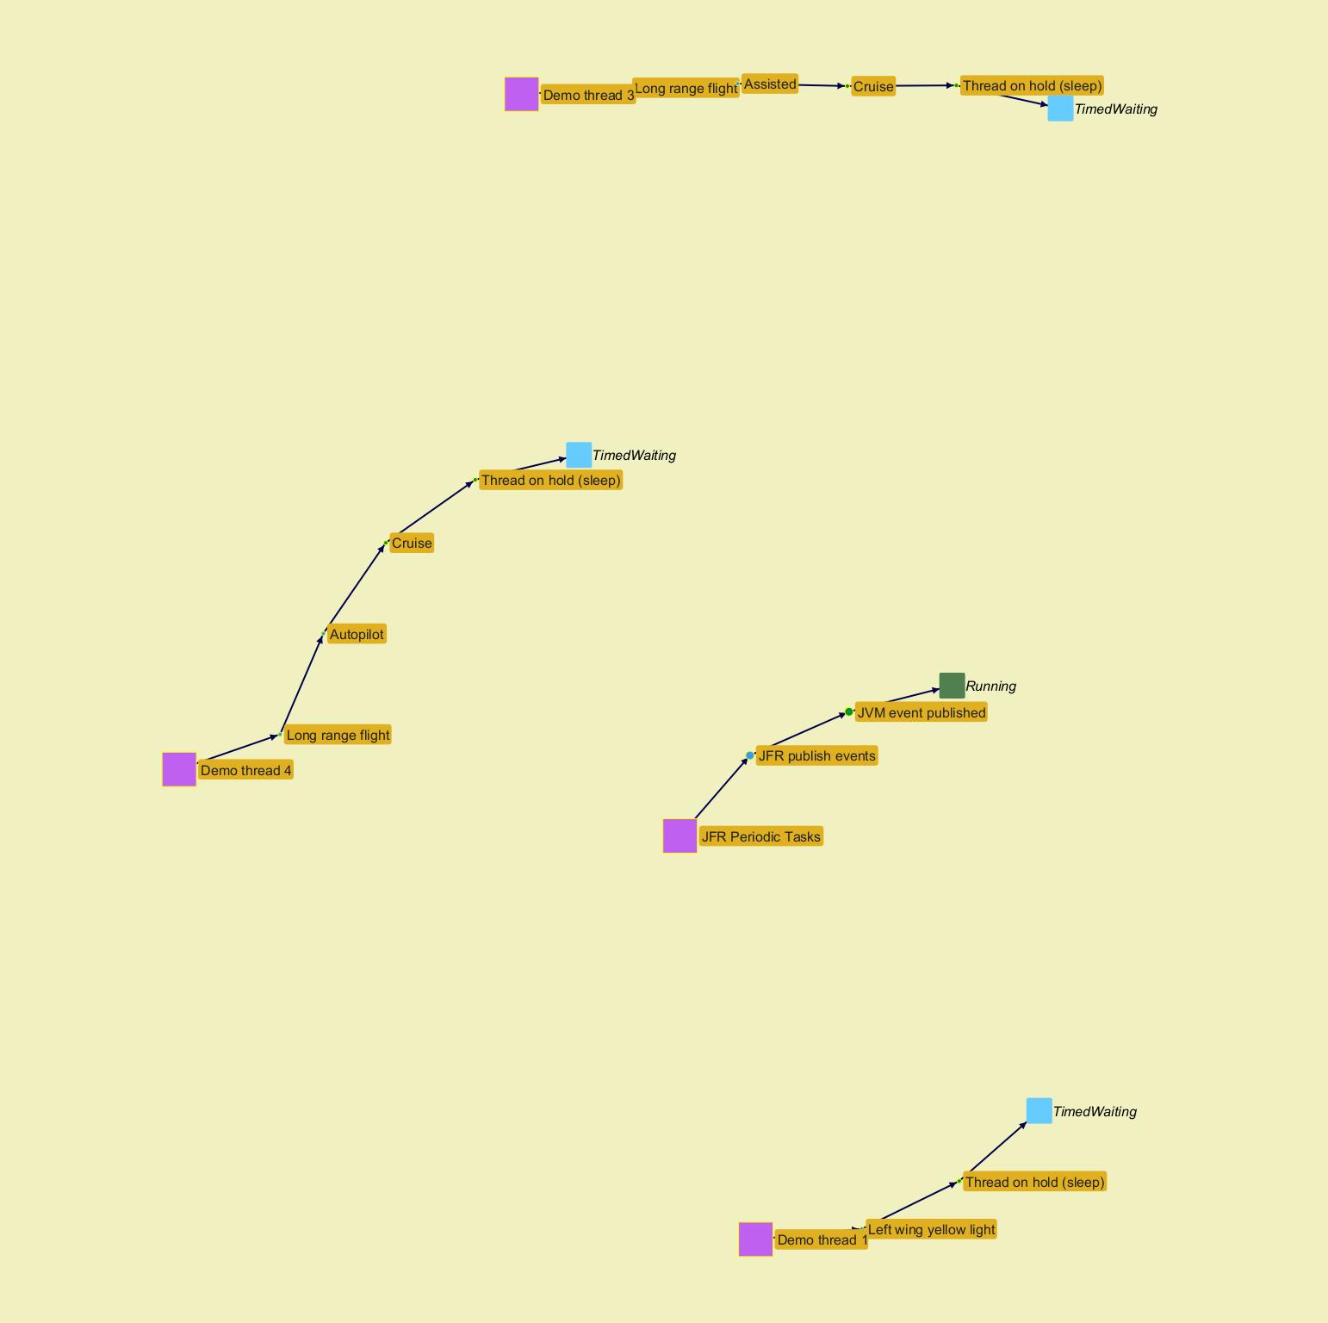
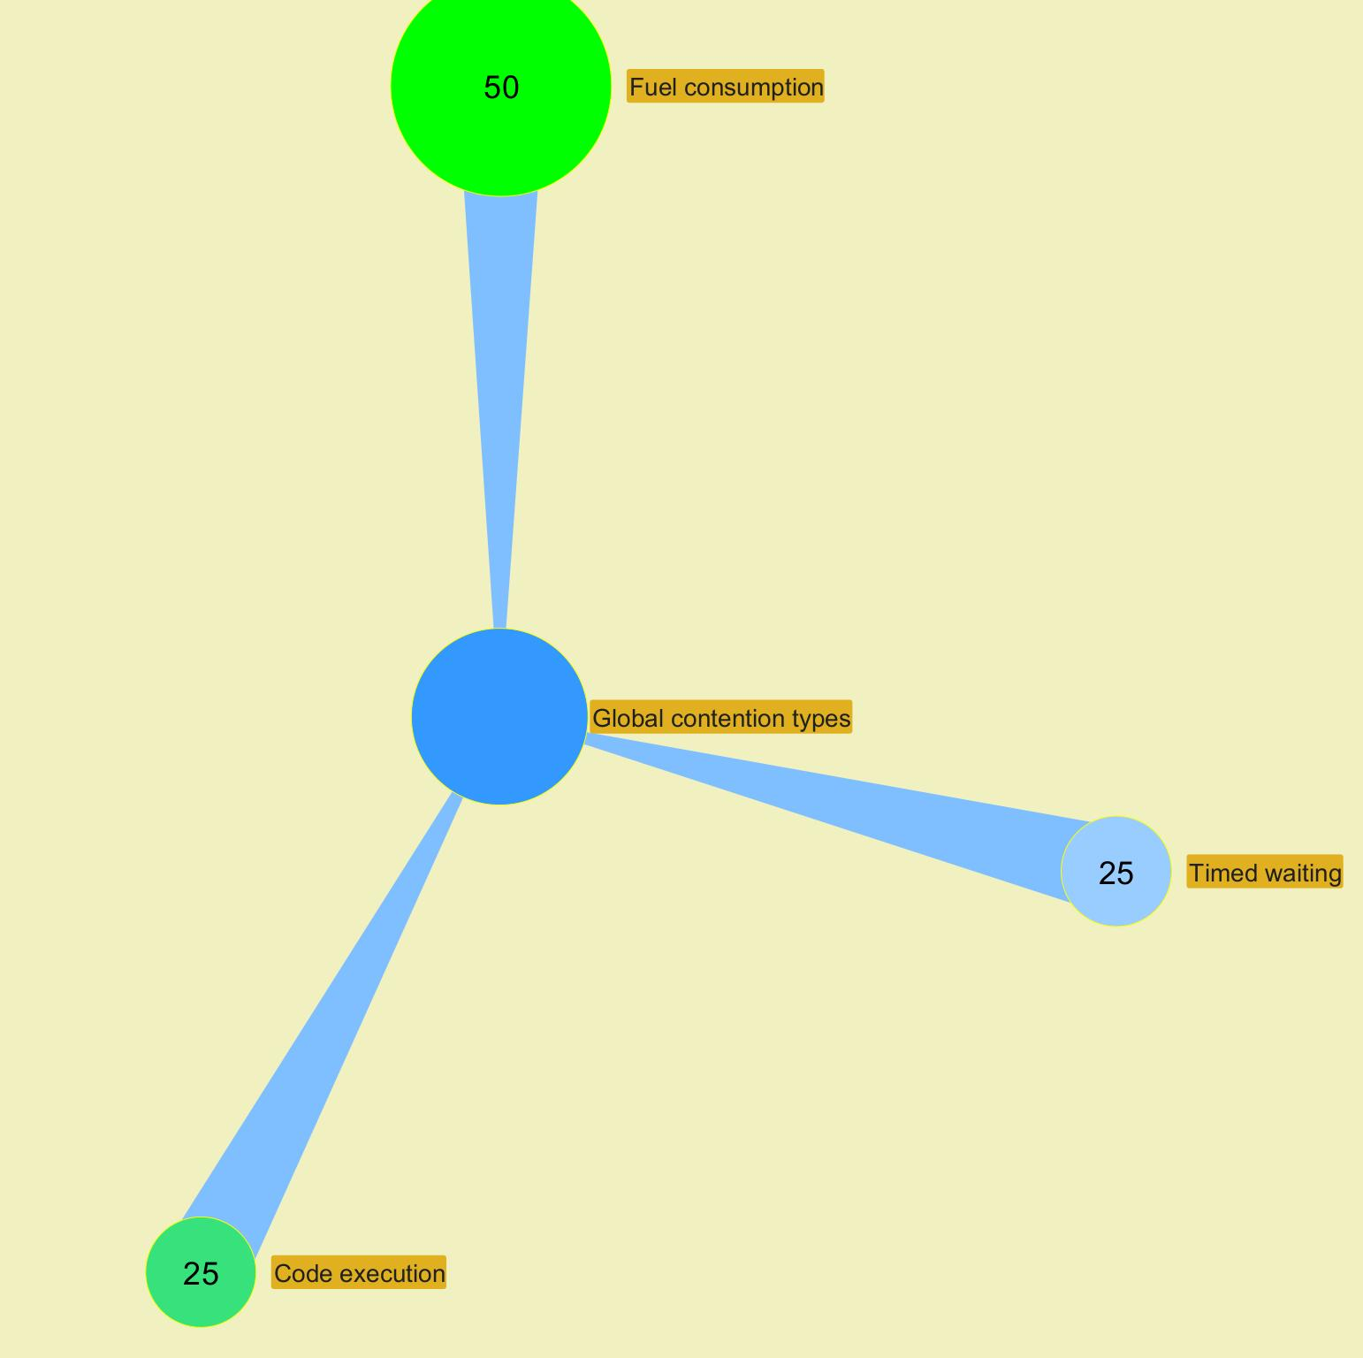

 |  |  |  |  |  |  |  |  |  |  |  |  |  |  |  |  |  |  |  |  |  |  |  |  | ­

 |  |  |  |  |  |  |  |  |  |  |  |  |  |  |  |  |  |  |  |  |  |  |  | ­

 |  |  |  |  |  |  |  |  |  |  |  |  |  |  |  |  |  |  |  |  |  |  |  | ­ | ­
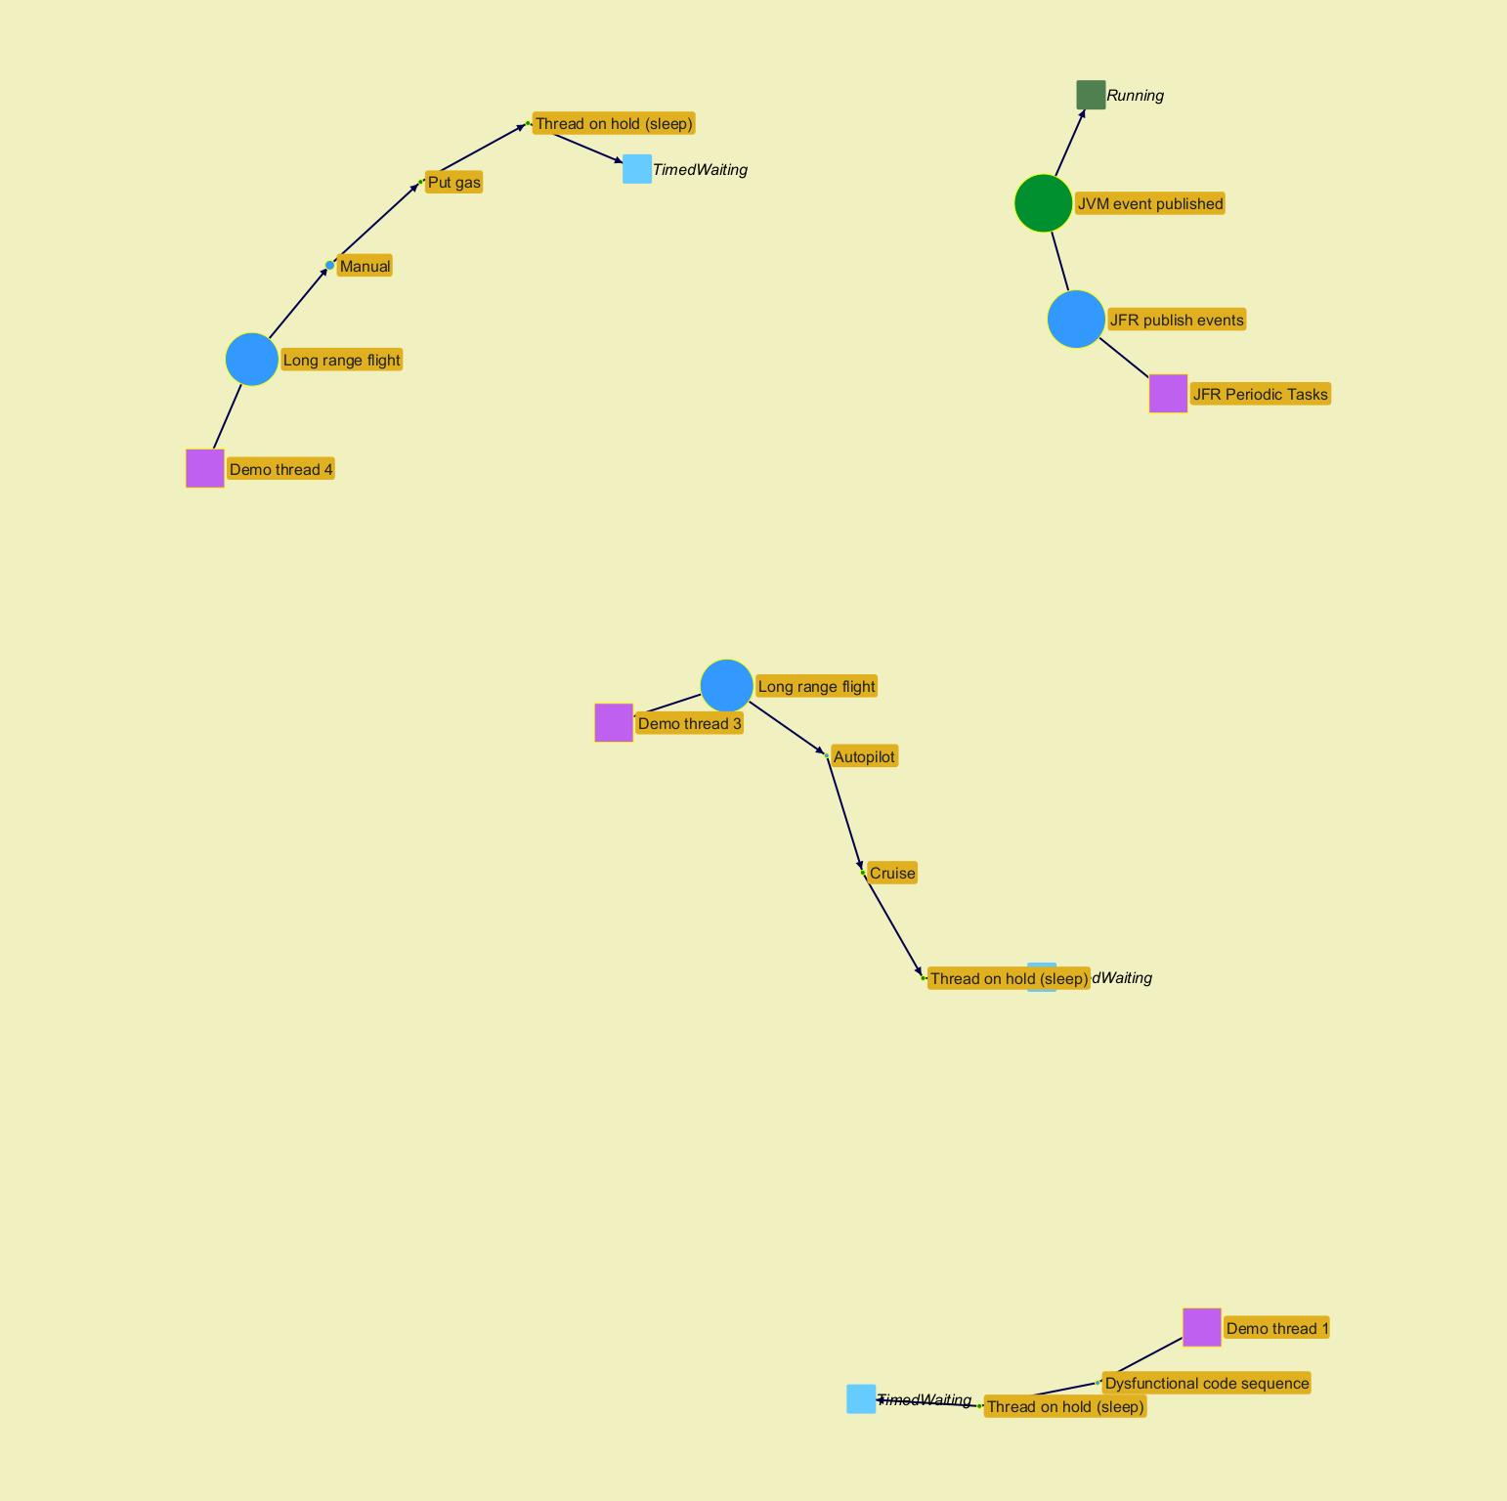
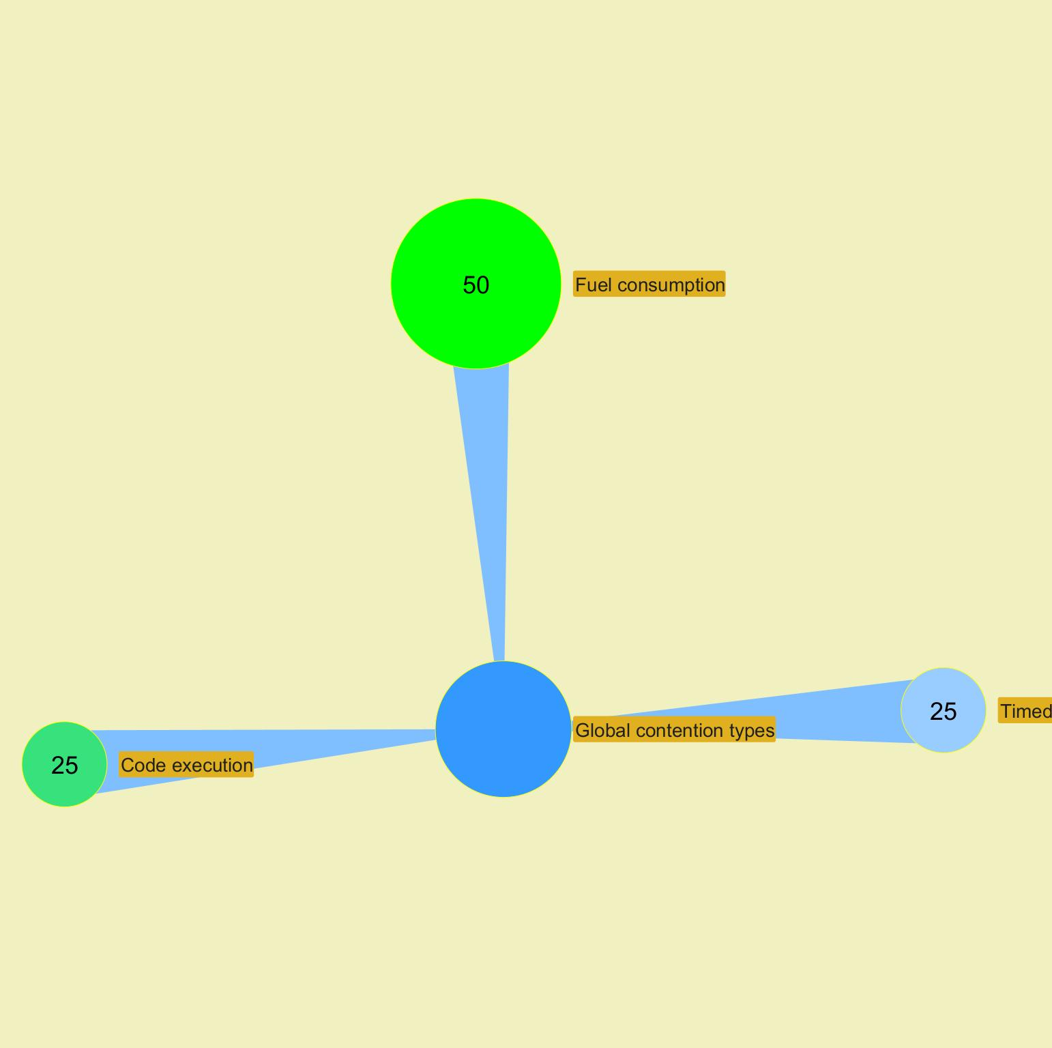

 |  |  |  |  |  |  |  |  |  |  |  |  |  |  |  |  |  |  |  |  |  |  |  |  | ­

 |  |  |  |  |  |  |  |  |  |  |  |  |  |  |  |  |  |  |  |  |  |  |  | ­

 |  |  |  |  |  |  |  |  |  |  |  |  |  |  |  |  |  |  |  |  |  |  |  | ­ | ­
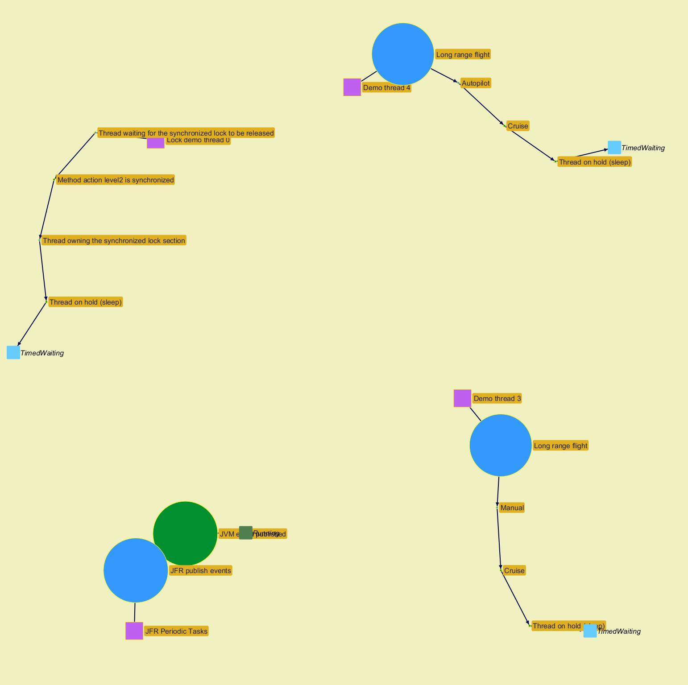
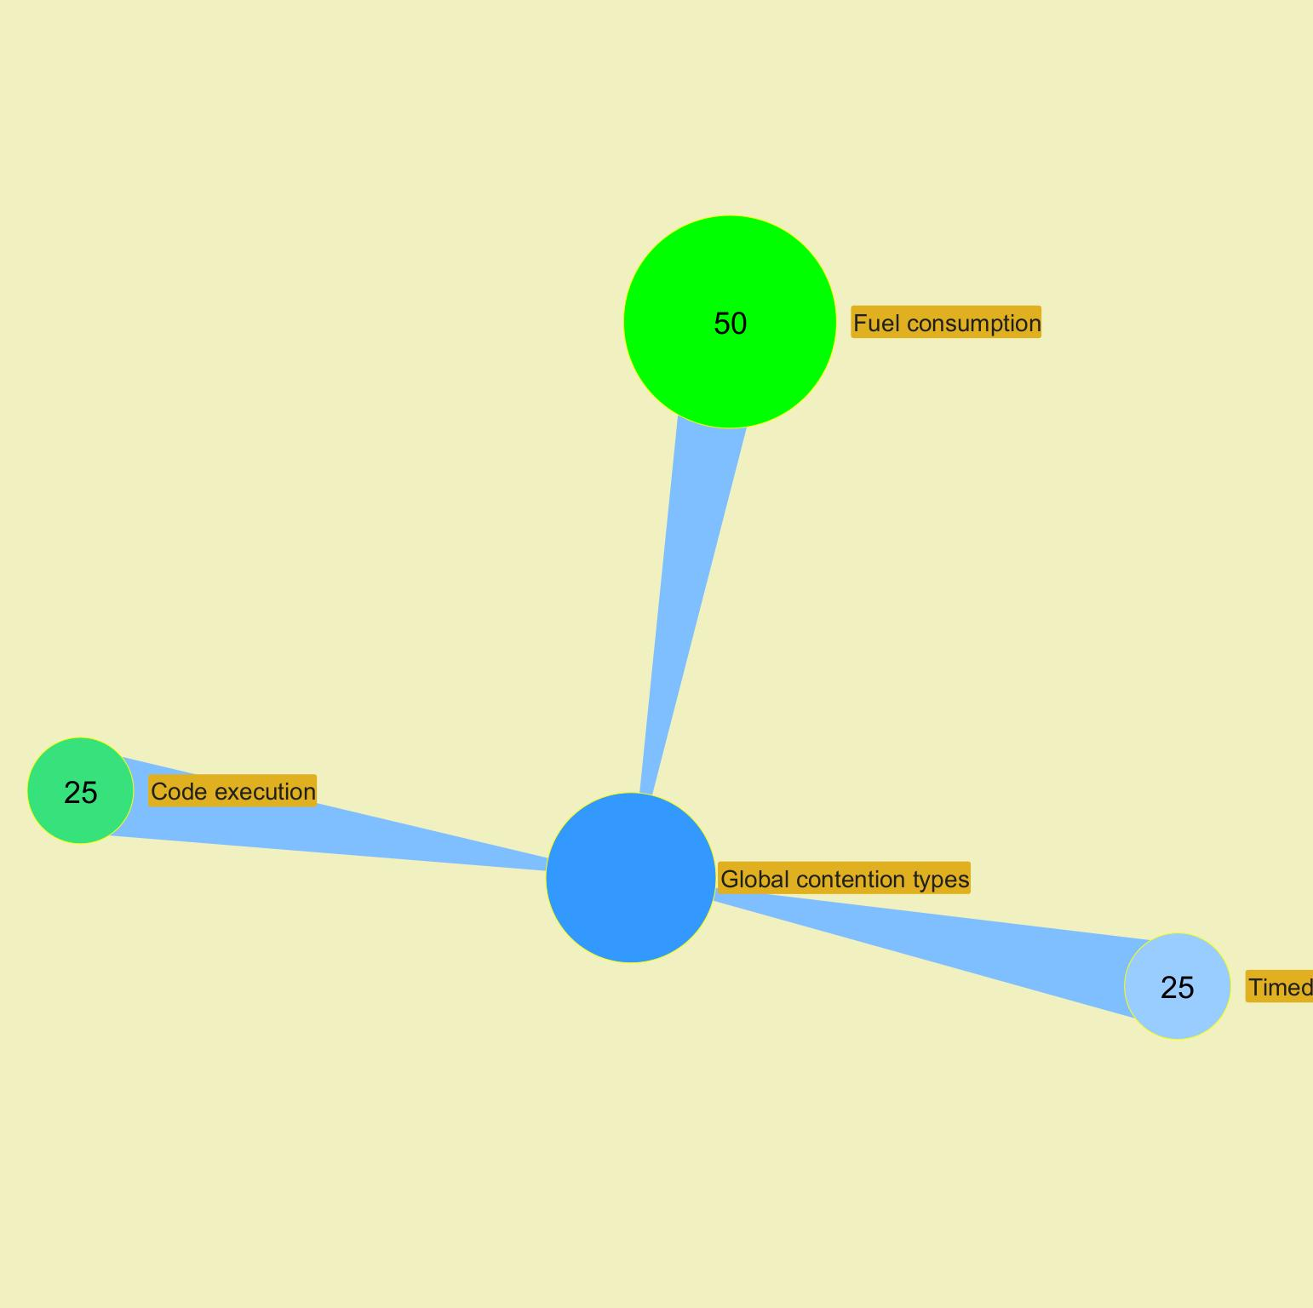

 |  |  |  |  |  |  |  |  |  |  |  |  |  |  |  |  |  |  |  |  |  |  |  |  | ­

 |  |  |  |  |  |  |  |  |  |  |  |  |  |  |  |  |  |  |  |  |  |  |  | ­

 |  |  |  |  |  |  |  |  |  |  |  |  |  |  |  |  |  |  |  |  |  |  |  | ­ | ­
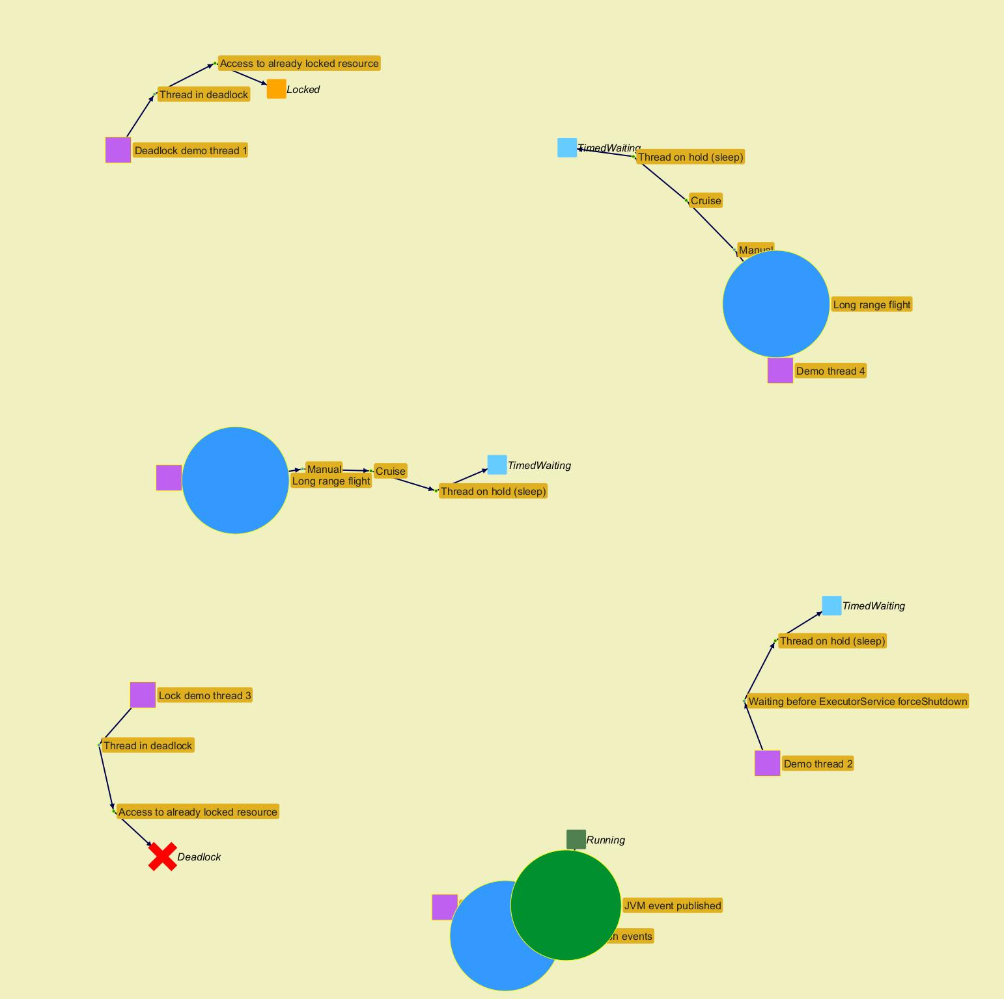
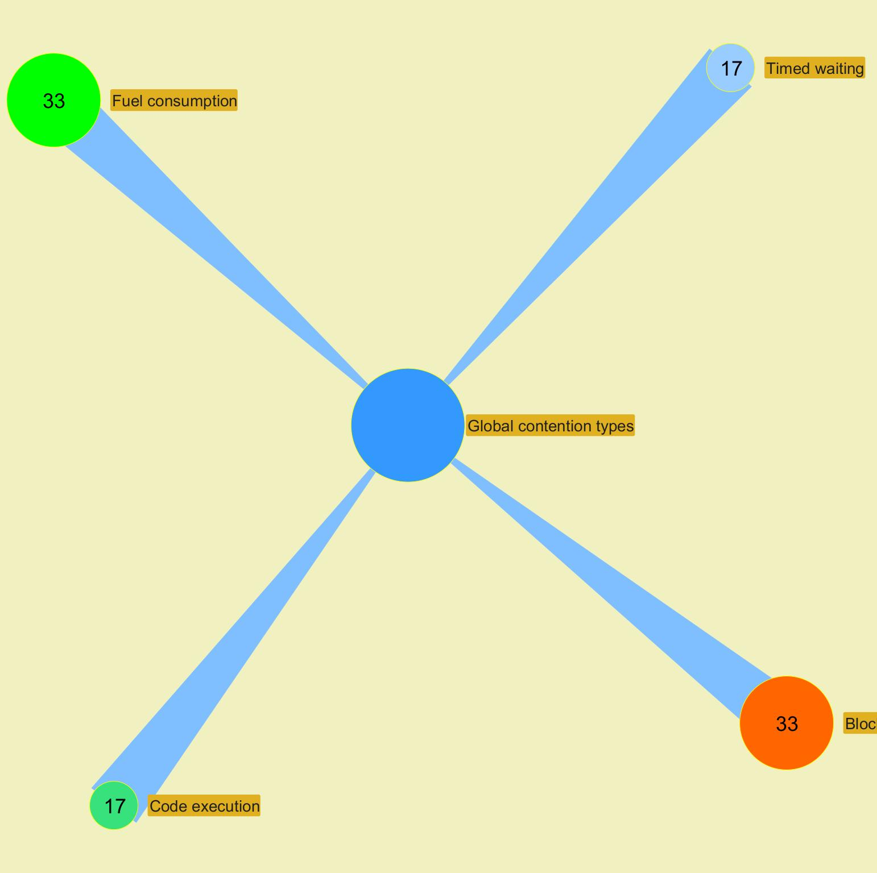

 |  |  |  |  |  |  |  |  |  |  |  |  |  |  |  |  |  |  |  |  |  |  |  |  | ­

 |  |  |  |  |  |  |  |  |  |  |  |  |  |  |  |  |  |  |  |  |  |  |  | ­

Advanced alerts
Jeyzer
Graph | Cont | Mon | Fea | GCg | GCo | Mem | Cpu | Start date | Event | Id | Recommendation | Additional information | Rank | End date | Level | Scope | Count | Action (composite) | Duration (sec) | Thread | Ref
 |  | M | F | G | G | M | C | 4/25/24 | Memory consuming process | 1415 | Process consuming high amount of memory. If too frequent, please contact support. | COUNT : 1 Max memory heap % : 48% | W6 | 4/25/24 | WARNING | Session | 1 | Not applicable | Instantaneous | Not applicable | DEM-ADV-0051
 |  | M | F |  |  | M | C | 4/25/24 | Memory consuming task | 1413 | Memory consuming action. If too frequent, please contact support. | COUNT : 1 Operation : Thread on hold (sleep) - Memory creation : fill list with random long numbers Contention type : Timed waiting Max heap usage % : 45 | W9 | 4/25/24 | WARNING | Action | 1 | Memory consuming thread - Memory consuming section : please look at Memory panel for more details | Instantaneous | Demo thread 2 | DEM-ADV-0061
 |  | M | F | G | G | M | C | 4/25/24 | Process up time | 1420 | Process has been running for too long. It is recommended to restart it | COUNT : 49 Up time reached at : 2024/04/25 10:59:13 | W7 | In progress | WARNING | Session | 49 | Not applicable | 0 hours 4 minutes 2 seconds | Not applicable | DEM-ADV-0101
 |  | M | F |  |  | M | C | 4/25/24 | CPU consuming task | 1411 | CPU consuming stack. If too frequent, please contact support. | COUNT : 1 Operation : CPU creation : do mathematical operations Contention type : Code execution Max CPU % : 41 | W8 | 4/25/24 | WARNING | Stack | 1 | CPU consuming thread - CPU consuming section : please look at CPU panel for more details | Instantaneous | Demo thread 2 | DEM-ADV-0031
§ | W | M | F | G | G | M | C | 4/25/24 | Excessive GC time | 1417 | GC time high. Check memory figures. If too high, restart may be foreseen. | COUNT : 1 Max GC time : 856 | C6 | 4/25/24 | CRITICAL | Session | 1 | Not applicable | Instantaneous | Not applicable | DEM-ADV-0071
 |  | M | F | G | G | M | C | 4/25/24 | GC failing to release memory | 1419 | GC probably failing to release memory. Check memory figures. If too high, restart may be foreseen. | COUNT : 1 Max memory used : 95% | C10 | 4/25/24 | CRITICAL | Session | 1 | Not applicable | Instantaneous | Not applicable | DEM-ADV-0091
 |  | M | F |  |  | M | C | 4/25/24 | CPU consuming task | 1412 | CPU consuming stack. If too frequent, please contact support. | COUNT : 1 Operation : Thread on hold (sleep) - Java list operation - Memory creation : fill list with random long numbers Contention type : Timed waiting Max CPU % : 42 | W8 | 4/25/24 | WARNING | Stack | 1 | Out Of Memory thread - Memory exhausting section : please look at GC, CPU and Memory panels for more details | Instantaneous | Demo thread 1 | DEM-ADV-0031
 |  | M | F | G | G | M | C | 4/25/24 | Excessive old GC execution | 1418 | Old GC execution is too frequent. Check memory figures. If too high, restart may be foreseen. | COUNT : 1 Max old GC collection count : 8 | W6 | 4/25/24 | WARNING | Session | 1 | Not applicable | Instantaneous | Not applicable | DEM-ADV-0081
 |  | M | F | G | G | M | C | 4/25/24 | Memory consuming process | 1416 | Process consuming high amount of memory. If too frequent, please contact support. | COUNT : 24 Max memory heap % : 98% | W6 | In progress | WARNING | Session | 24 | Not applicable | 0 hours 1 minutes 56 seconds | Not applicable | DEM-ADV-0051
 |  | M | F |  |  | M | C | 4/25/24 | Memory consuming task | 1414 | Memory consuming action. If too frequent, please contact support. | COUNT : 1 Operation : Thread on hold (sleep) - Java list operation - Memory creation : fill list with random long numbers Contention type : Timed waiting Max heap usage % : 118 | W9 | In progress | WARNING | Action | 1 | Out Of Memory thread - Memory exhausting section : please look at GC, CPU and Memory panels for more details | 0 hours 1 minutes 56 seconds | Demo thread 1 | DEM-ADV-0061

 |  |  |  |  |  |  |  |  |  |  |  |  |  |  |  |  |  |  |  |  |  | ­ | ­
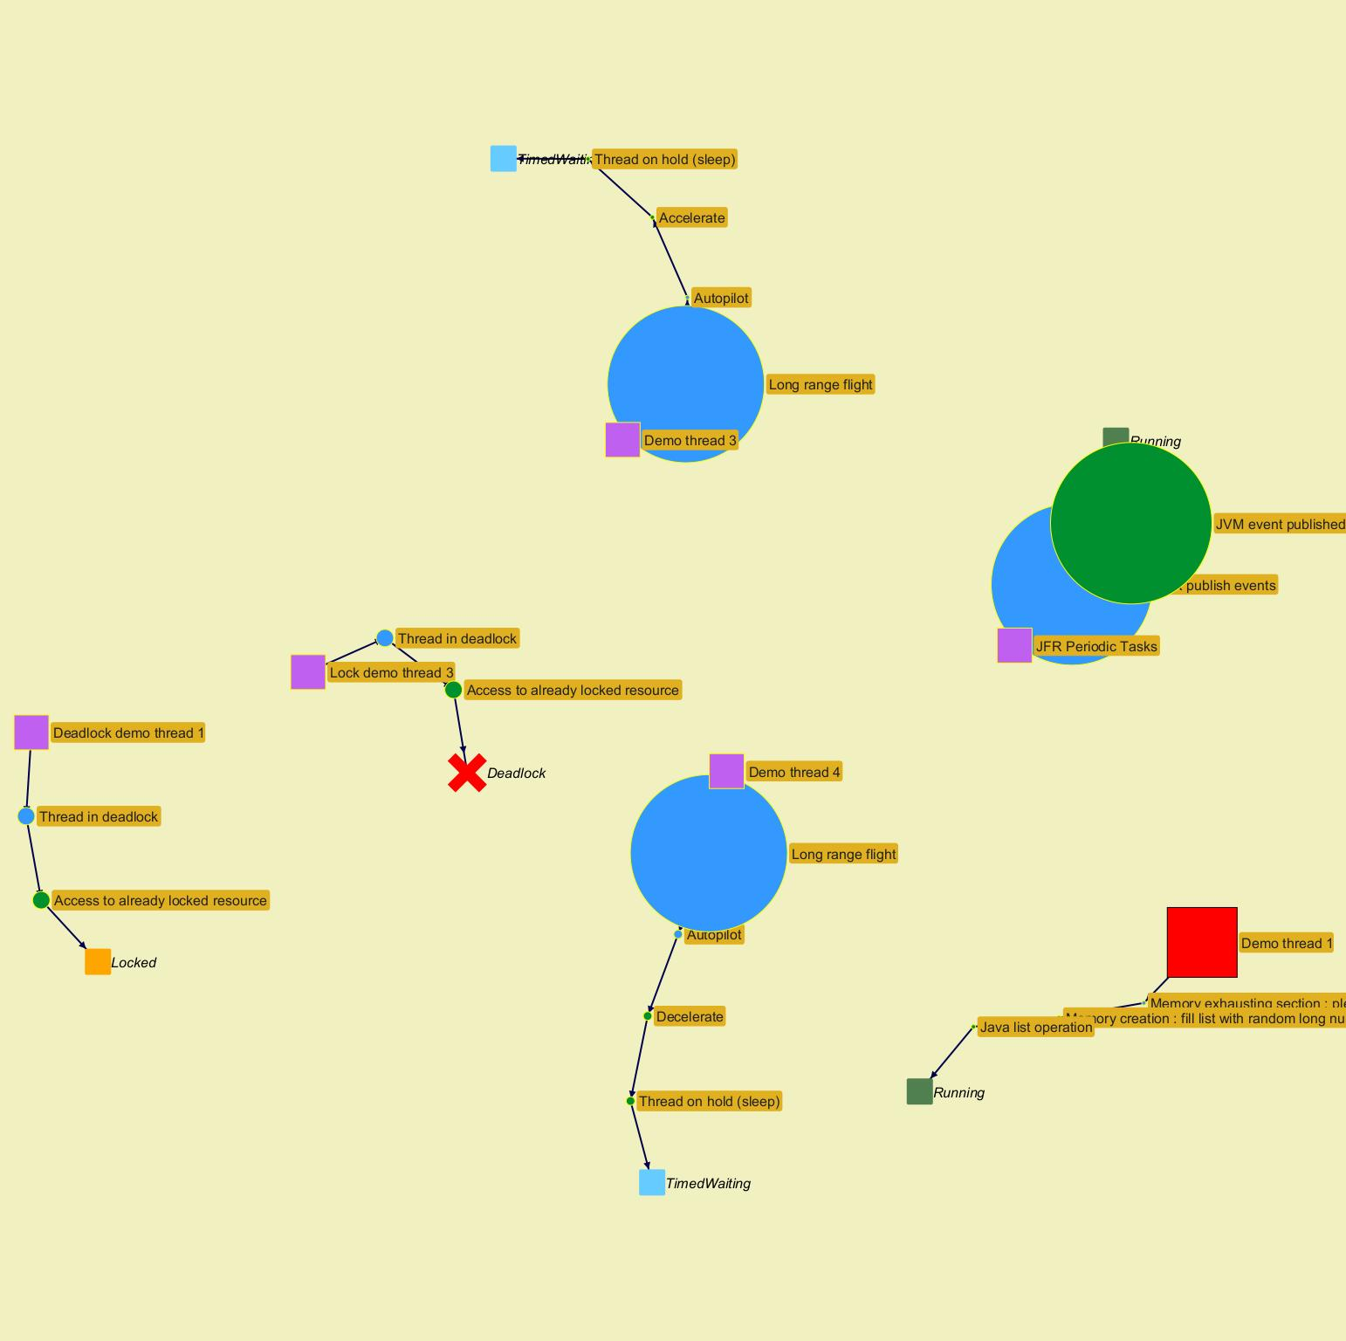
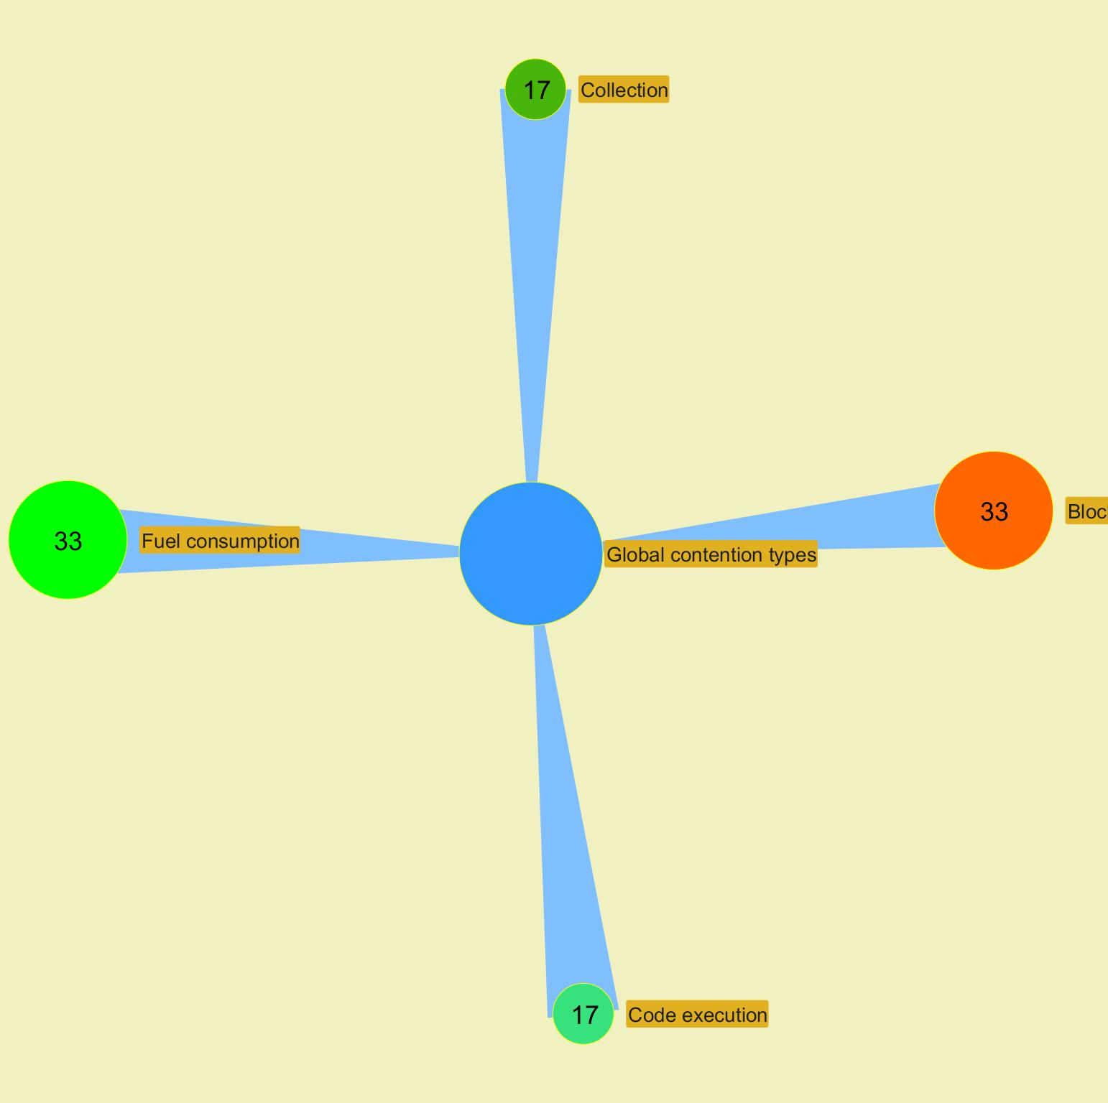

 |  |  |  |  |  |  |  |  |  |  |  |  |  |  |  |  |  |  |  |  |  |  | ­

 |  |  |  |  |  |  |  |  |  |  |  |  |  |  |  |  |  |  |  |  |  | ­

Charts
Jeyzer |  |  |  |  |  |  | 25 Apr 2024 | US/Central PROFILE |  |  |  |  | Up 0d 00:00 |  |  |  |  |  |  |  | 25 Apr 2024 | US/Central PROFILE |  |  |  |  | Up 0d 00:01 |  |  |  |  |  |  |  | 25 Apr 2024 | US/Central PROFILE |  |  |  |  | Up 0d 00:02 |  |  |  |  |  |  |  | 25 Apr 2024 | US/Central PROFILE |  |  |  |  | Up 0d 00:04 |  |  |  |  |  |  |  | 25 Apr 2024 | US/Central PROFILE
 | Measurement | Avg | Min | Max | Cumul | Std Dev | 10:58:17 | 10:58:22 | 10:58:27 | 10:58:32 | 10:58:37 | 10:58:43 | 10:58:48 | 10:58:53 | 10:58:58 | 10:59:03 | 10:59:08 | 10:59:13 | 10:59:18 | 10:59:23 | 10:59:28 | 10:59:33 | 10:59:38 | 10:59:43 | 10:59:48 | 10:59:53 | 10:59:58 | 11:00:03 | 11:00:09 | 11:00:14 | 11:00:19 | 11:00:24 | 11:00:29 | 11:00:34 | 11:00:39 | 11:00:44 | 11:00:49 | 11:00:54 | 11:00:59 | 11:01:04 | 11:01:09 | 11:01:14 | 11:01:19 | 11:01:24 | 11:01:29 | 11:01:35 | 11:01:40 | 11:01:45 | 11:01:50 | 11:01:55 | 11:02:00 | 11:02:05 | 11:02:10 | 11:02:15 | 11:02:20 | 11:02:25 | 11:02:30 | 11:02:35 | 11:02:40 | 11:02:45 | 11:02:50 | 11:02:55 | 11:03:01 | 11:03:06 | 11:03:11 | 11:03:16
 | Recording snapshot capture time d |  |  |  |  |  | NA | NA | NA | NA | NA | NA | NA | NA | NA | NA | NA | NA | NA | NA | NA | NA | NA | NA | NA | NA | NA | NA | NA | NA | NA | NA | NA | NA | NA | NA | NA | NA | NA | NA | NA | NA | NA | NA | NA | NA | NA | NA | NA | NA | NA | NA | NA | NA | NA | NA | NA | NA | NA | NA | NA | NA | NA | NA | NA | NA
 | Thread count b | 28 | 22 | 33 |  | 1 | 22 | 29 | 28 | 28 | 28 | 28 | 28 | 28 | 28 | 28 | 28 | 28 | 28 | 28 | 28 | 28 | 28 | 28 | 28 | 28 | 28 | 28 | 28 | 28 | 28 | 28 | 28 | 28 | 29 | 30 | 31 | 32 | 33 | 30 | 30 | 30 | 30 | 30 | 28 | 28 | 28 | 28 | 28 | 28 | 28 | 28 | 28 | 28 | 28 | 28 | 28 | 28 | 28 | 28 | 28 | 28 | 28 | 28 | 28 | 28
 | Locked threads b | 1 | 0 | 4 | 64 | 1 | 0 | 0 | 0 | 0 | 0 | 0 | 0 | 0 | 0 | 0 | 0 | 0 | 0 | 0 | 0 | 0 | 0 | 0 | 0 | 0 | 0 | 0 | 0 | 0 | 0 | 0 | 0 | 0 | 0 | 1 | 2 | 3 | 4 | 2 | 2 | 2 | 2 | 2 | 2 | 2 | 2 | 2 | 2 | 2 | 2 | 2 | 2 | 2 | 2 | 2 | 2 | 2 | 2 | 2 | 2 | 2 | 2 | 2 | 2 | 2
 | Frozen threads b | 3 | 1 | 5 | 161 | 1 | 1 | 1 | 1 | 1 | 1 | 1 | 2 | 3 | 2 | 2 | 1 | 1 | 1 | 2 | 2 | 2 | 2 | 2 | 1 | 2 | 3 | 2 | 1 | 1 | 2 | 3 | 3 | 2 | 2 | 3 | 4 | 5 | 5 | 5 | 5 | 5 | 4 | 5 | 4 | 3 | 3 | 3 | 3 | 3 | 3 | 3 | 3 | 3 | 3 | 3 | 3 | 3 | 3 | 4 | 4 | 4 | 3 | 3 | 3 | 3
 | Actions b | 4 | 1 | 8 | 257 | 1 | 1 | 4 | 4 | 4 | 4 | 4 | 4 | 4 | 4 | 4 | 4 | 4 | 4 | 4 | 4 | 4 | 4 | 4 | 4 | 4 | 4 | 4 | 4 | 4 | 4 | 4 | 4 | 4 | 4 | 5 | 6 | 7 | 8 | 6 | 6 | 6 | 6 | 6 | 4 | 4 | 4 | 4 | 4 | 4 | 4 | 4 | 4 | 4 | 4 | 4 | 4 | 4 | 4 | 4 | 4 | 4 | 4 | 4 | 4 | 4
 |  |  |  |  |  |  | Virtual threads |  |  |  |  |  |  |  |  |  | Virtual threads |  |  |  |  |  |  |  |  |  | Virtual threads |  |  |  |  |  |  |  |  |  | Virtual threads |  |  |  |  |  |  |  |  |  | Virtual threads |  |  |  |  |  |  |  |  |  | Virtual threads
 |  |  |  |  |  |  | CPU |  |  |  |  |  |  |  |  |  | CPU |  |  |  |  |  |  |  |  |  | CPU |  |  |  |  |  |  |  |  |  | CPU |  |  |  |  |  |  |  |  |  | CPU |  |  |  |  |  |  |  |  |  | CPU
 | CPU System % a | 3.3 | 0.0 | 32.0 |  | 5.0 | 32.0 | 0.0 | 1.0 | 1.0 | 0.0 | 1.0 | 0.0 | 1.0 | 0.0 | 1.0 | 2.0 | 1.0 | 1.0 | 5.0 | 9.0 | 4.0 | 1.0 | 1.0 | 0.0 | 1.0 | 1.0 | 1.0 | 0.0 | 1.0 | 1.0 | 1.0 | 1.0 | 1.0 | 0.0 | 1.0 | 0.0 | 0.0 | 1.0 | 1.0 | 0.0 | 0.0 | 10.0 | 1.0 | 7.0 | 2.0 | 6.0 | 4.0 | 5.0 | 4.0 | 6.0 | 5.0 | 5.0 | 6.0 | 5.0 | 4.0 | 6.0 | 4.0 | 7.0 | 3.0 | 9.0 | 0.0 | 11.0 | 3.0 | 6.0 | 5.0
 | CPU Process % a | 2.0 | 0.0 | 9.0 |  | 3.0 | 0.0 | 0.0 | 0.0 | 0.0 | 0.0 | 0.0 | 0.0 | 0.0 | 0.0 | 0.0 | 1.0 | 0.0 | 0.0 | 4.0 | 8.0 | 4.0 | 0.0 | 0.0 | 0.0 | 0.0 | 0.0 | 0.0 | 0.0 | 0.0 | 0.0 | 0.0 | 0.0 | 0.0 | 0.0 | 0.0 | 0.0 | 0.0 | 0.0 | 0.0 | 0.0 | 0.0 | 9.0 | 1.0 | 6.0 | 1.0 | 6.0 | 3.0 | 4.0 | 4.0 | 4.0 | 4.0 | 4.0 | 4.0 | 4.0 | 4.0 | 5.0 | 3.0 | 6.0 | 2.0 | 8.0 | 0.0 | 8.0 | 3.0 | 6.0 | 4.0
 | CPU Computed Process % a | 2.6 | 0.0 | 56.0 |  | 9.0 | NA | 2.0 | 1.0 | 1.0 | 1.0 | 1.0 | 0.0 | 1.0 | 1.0 | 1.0 | 2.0 | 1.0 | 1.0 | 42.0 | 0.0 | 1.0 | 1.0 | 1.0 | 1.0 | 1.0 | 1.0 | 1.0 | 1.0 | 1.0 | 0.0 | 1.0 | 1.0 | 1.0 | 1.0 | 2.0 | 0.0 | 1.0 | 1.0 | 0.0 | 1.0 | 1.0 | 56.0 | 1.0 | 2.0 | 1.0 | 1.0 | 1.0 | 1.0 | 1.0 | 2.0 | 1.0 | 1.0 | 1.0 | 1.0 | 1.0 | 1.0 | 1.0 | 1.0 | 1.0 | 2.0 | 1.0 | 1.0 | 1.0 | 1.0 | 0.0
 | Applicative CPU Activity % a | 4.4 |  |  |  | 16.0 | NA | 3.0 | 1.0 | 1.0 | 1.0 | 2.0 | 1.0 | 1.0 | 2.0 | 1.0 | 3.0 | 2.0 | 1.0 | 75.0 | 1.0 | 1.0 | 2.0 | 1.0 | 1.0 | 1.0 | 2.0 | 1.0 | 1.0 | 1.0 | 1.0 | 1.0 | 1.0 | 1.0 | 1.0 | 4.0 | 1.0 | 1.0 | 1.0 | 1.0 | 1.0 | 1.0 | 100.0 | 1.0 | 3.0 | 1.0 | 2.0 | 1.0 | 1.0 | 2.0 | 3.0 | 2.0 | 1.0 | 2.0 | 1.0 | 2.0 | 1.0 | 2.0 | 2.0 | 1.0 | 3.0 | 2.0 | 2.0 | 1.0 | 2.0 | 1.0
 |  |  |  |  |  |  | Memory |  |  |  |  |  |  |  |  |  | Memory |  |  |  |  |  |  |  |  |  | Memory |  |  |  |  |  |  |  |  |  | Memory |  |  |  |  |  |  |  |  |  | Memory |  |  |  |  |  |  |  |  |  | Memory
 | System memory % g | 37.6 | 37.1 | 38.4 |  | 0.0 | 38.1 | 38.3 | 38.3 | 38.4 | 38.4 | 38.0 | 38.0 | 38.0 | 37.9 | 37.8 | 37.4 | 37.6 | 37.6 | 37.6 | 37.6 | 37.7 | 37.7 | 37.6 | 37.6 | 37.5 | 37.5 | 37.4 | 37.4 | 37.4 | 37.5 | 38.0 | 38.0 | 38.1 | 38.0 | 38.0 | 38.0 | 38.0 | 38.0 | 38.0 | 37.9 | 37.9 | 37.5 | 37.6 | 37.6 | 37.6 | 37.5 | 37.4 | 37.4 | 37.4 | 37.3 | 37.3 | 37.3 | 37.3 | 37.4 | 37.4 | 37.4 | 37.4 | 37.4 | 37.2 | 37.2 | 37.2 | 37.1 | 37.1 | 37.1 | 37.2
 | Process computed memory f | 7 | 0 | 292 | 433 | 40 | NA | 2 | 0 | 0 | 0 | 0 | 0 | 0 | 0 | 0 | 116 | 0 | 0 | 1 | 0 | 0 | 0 | 0 | 0 | 0 | 0 | 0 | 0 | 0 | 1 | 0 | 0 | 0 | 0 | 0 | 0 | 0 | 0 | 0 | 0 | 0 | 292 | 0 | 0 | 0 | 0 | 0 | 0 | 0 | 0 | 0 | 0 | 0 | 0 | 0 | 0 | 0 | 0 | 0 | 0 | 0 | 0 | 0 | 0 | 0
 | Applicative Memory Activity % h | 2.4 |  |  |  | 14.0 | NA | 1.0 | 0.0 | 0.0 | 0.0 | 0.0 | 0.0 | 0.0 | 0.0 | 0.0 | 40.0 | 0.0 | 0.0 | 1.0 | 0.0 | 0.0 | 0.0 | 0.0 | 0.0 | 0.0 | 0.0 | 0.0 | 0.0 | 0.0 | 0.0 | 0.0 | 0.0 | 0.0 | 0.0 | 0.0 | 0.0 | 0.0 | 0.0 | 0.0 | 0.0 | 0.0 | 100.0 | 0.0 | 0.0 | 0.0 | 0.0 | 0.0 | 0.0 | 0.0 | 0.0 | 0.0 | 0.0 | 0.0 | 0.0 | 0.0 | 0.0 | 0.0 | 0.0 | 0.0 | 0.0 | 0.0 | 0.0 | 0.0 | 0.0 | 0.0
 | Heap size f | 109 | 0 | 243 |  | 110 | 0 | 0 | 0 | 0 | 6 | 6 | 6 | 6 | 6 | 6 | 123 | 22 | 22 | 22 | 22 | 22 | 22 | 22 | 22 | 22 | 22 | 22 | 22 | 22 | 22 | 22 | 22 | 22 | 22 | 22 | 22 | 22 | 22 | 22 | 22 | 22 | 242 | 242 | 242 | 242 | 242 | 242 | 242 | 242 | 242 | 242 | 242 | 242 | 242 | 242 | 242 | 242 | 242 | 242 | 242 | 242 | 242 | 243 | 243 | 243
 | Heap usage % g | 44.0 | 0.0 | 98.1 |  | 45.0 | 0.0 | 0.0 | 0.0 | 0.0 | 3.4 | 3.4 | 3.4 | 3.4 | 3.4 | 3.4 | 48.4 | 8.7 | 8.7 | 8.7 | 8.7 | 8.7 | 8.7 | 8.7 | 8.7 | 8.7 | 8.7 | 8.7 | 8.7 | 8.7 | 8.7 | 8.7 | 8.7 | 8.7 | 8.7 | 8.7 | 8.7 | 8.7 | 8.7 | 8.7 | 8.7 | 8.7 | 98.1 | 98.1 | 98.1 | 98.1 | 98.1 | 98.1 | 98.1 | 98.1 | 98.1 | 98.1 | 98.1 | 98.1 | 98.1 | 98.1 | 98.1 | 98.1 | 98.1 | 98.1 | 98.1 | 98.1 | 98.1 | 98.1 | 98.1 | 98.1
 | Mem used after major GC f | 169 | 22 | 243 |  | 104 | NA | No exec | No exec | No exec | No exec | No exec | No exec | No exec | No exec | No exec | No exec | 22 | 22 | 22 | 22 | 22 | 22 | 22 | 22 | 22 | 22 | 22 | 22 | 22 | 22 | 22 | 22 | 22 | 22 | 22 | 22 | 22 | 22 | 22 | 22 | 22 | 242 | 242 | 242 | 242 | 242 | 242 | 242 | 242 | 242 | 242 | 242 | 242 | 242 | 242 | 242 | 242 | 242 | 242 | 242 | 242 | 242 | 243 | 243 | 243
 | Mem released after major GC f | 40 | 6 | 105 |  | 46 | NA | No exec | No exec | No exec | No exec | No exec | No exec | No exec | No exec | No exec | No exec | 105 | No exec | No exec | No exec | No exec | No exec | No exec | No exec | No exec | No exec | No exec | No exec | No exec | No exec | No exec | No exec | No exec | No exec | No exec | No exec | No exec | No exec | No exec | No exec | No exec | 6 | No exec | No exec | No exec | No exec | No exec | No exec | No exec | No exec | No exec | No exec | No exec | No exec | No exec | No exec | No exec | No exec | No exec | No exec | No exec | No exec | 8 | No exec | No exec
 | Mem % used after major GC g | 66.1 | 8.5 | 95.1 |  | 41.0 | NA | No exec | No exec | No exec | No exec | No exec | No exec | No exec | No exec | No exec | No exec | 8.5 | 8.5 | 8.5 | 8.5 | 8.5 | 8.5 | 8.5 | 8.5 | 8.5 | 8.5 | 8.5 | 8.5 | 8.5 | 8.5 | 8.5 | 8.5 | 8.5 | 8.5 | 8.5 | 8.5 | 8.5 | 8.5 | 8.5 | 8.5 | 8.5 | 94.7 | 94.7 | 94.7 | 94.7 | 94.7 | 94.7 | 94.7 | 94.7 | 94.7 | 94.7 | 94.7 | 94.7 | 94.7 | 94.7 | 94.7 | 94.7 | 94.7 | 94.7 | 94.7 | 94.7 | 94.7 | 95.1 | 95.1 | 95.1
 | Mem % released after major GC g | 15.5 | 2.5 | 40.9 |  | 18.0 | NA | No exec | No exec | No exec | No exec | No exec | No exec | No exec | No exec | No exec | No exec | 40.9 | No exec | No exec | No exec | No exec | No exec | No exec | No exec | No exec | No exec | No exec | No exec | No exec | No exec | No exec | No exec | No exec | No exec | No exec | No exec | No exec | No exec | No exec | No exec | No exec | 2.5 | No exec | No exec | No exec | No exec | No exec | No exec | No exec | No exec | No exec | No exec | No exec | No exec | No exec | No exec | No exec | No exec | No exec | No exec | No exec | No exec | 3.1 | No exec | No exec
 | Native thread memory f | 57 | 44 | 66 |  | 3 | 44 | 58 | 56 | 56 | 56 | 56 | 56 | 56 | 56 | 56 | 56 | 56 | 56 | 56 | 56 | 56 | 56 | 56 | 56 | 56 | 56 | 56 | 56 | 56 | 56 | 56 | 56 | 56 | 58 | 60 | 62 | 64 | 66 | 60 | 60 | 60 | 60 | 60 | 56 | 56 | 56 | 56 | 56 | 56 | 56 | 56 | 56 | 56 | 56 | 56 | 56 | 56 | 56 | 56 | 56 | 56 | 56 | 56 | 56 | 56
 |  |  |  |  |  |  | GC time |  |  |  |  |  |  |  |  |  | GC time |  |  |  |  |  |  |  |  |  | GC time |  |  |  |  |  |  |  |  |  | GC time |  |  |  |  |  |  |  |  |  | GC time |  |  |  |  |  |  |  |  |  | GC time
 | GC execution time d | 17 | 0 | 856 | 1,005 | 111 | NA | 0 | 0 | 0 | 4 | 0 | 0 | 0 | 0 | 0 | 50 | 12 | 0 | 0 | 0 | 0 | 0 | 0 | 0 | 0 | 0 | 0 | 0 | 0 | 0 | 0 | 0 | 0 | 0 | 0 | 0 | 0 | 0 | 0 | 0 | 0 | 856 | 0 | 0 | 0 | 0 | 0 | 0 | 0 | 0 | 0 | 0 | 0 | 0 | 0 | 0 | 0 | 0 | 0 | 0 | 0 | 0 | 83 | 0 | 0
 | GC execution time % e | 0.3 | 0.0 | 16.8 |  | 2.0 | NA | 0.0 | 0.0 | 0.0 | 0.1 | 0.0 | 0.0 | 0.0 | 0.0 | 0.0 | 1.0 | 0.2 | 0.0 | 0.0 | 0.0 | 0.0 | 0.0 | 0.0 | 0.0 | 0.0 | 0.0 | 0.0 | 0.0 | 0.0 | 0.0 | 0.0 | 0.0 | 0.0 | 0.0 | 0.0 | 0.0 | 0.0 | 0.0 | 0.0 | 0.0 | 0.0 | 16.8 | 0.0 | 0.0 | 0.0 | 0.0 | 0.0 | 0.0 | 0.0 | 0.0 | 0.0 | 0.0 | 0.0 | 0.0 | 0.0 | 0.0 | 0.0 | 0.0 | 0.0 | 0.0 | 0.0 | 0.0 | 1.6 | 0.0 | 0.0

 |  |  |  |  | ­ | a CPU

 |  |  |  |  | ­ | b Threads

 |  |  |  |  | ­ | d Time

 |  |  |  |  | ­ | e GC

 |  |  |  |  | ­ | f Memory

 |  |  |  |  | ­ | g Memory %

 |  |  |  |  | ­ | h Memory activity

Memory GC Global
Jeyzer |  | 25 Apr 2024 | US/Central PROFILE |  |  |  |  | Up 0d 00:00 |  |  |  |  |  |  |  | 25 Apr 2024 | US/Central PROFILE |  |  |  |  | Up 0d 00:01 |  |  |  |  |  |  |  | 25 Apr 2024 | US/Central PROFILE |  |  |  |  | Up 0d 00:02 |  |  |  |  |  |  |  | 25 Apr 2024 | US/Central PROFILE |  |  |  |  | Up 0d 00:04 |  |  |  |  |  |  |  | 25 Apr 2024 | US/Central PROFILE
 | Measurement | 10:58:17 | 10:58:22 | 10:58:27 | 10:58:32 | 10:58:37 | 10:58:43 | 10:58:48 | 10:58:53 | 10:58:58 | 10:59:03 | 10:59:08 | 10:59:13 | 10:59:18 | 10:59:23 | 10:59:28 | 10:59:33 | 10:59:38 | 10:59:43 | 10:59:48 | 10:59:53 | 10:59:58 | 11:00:03 | 11:00:09 | 11:00:14 | 11:00:19 | 11:00:24 | 11:00:29 | 11:00:34 | 11:00:39 | 11:00:44 | 11:00:49 | 11:00:54 | 11:00:59 | 11:01:04 | 11:01:09 | 11:01:14 | 11:01:19 | 11:01:24 | 11:01:29 | 11:01:35 | 11:01:40 | 11:01:45 | 11:01:50 | 11:01:55 | 11:02:00 | 11:02:05 | 11:02:10 | 11:02:15 | 11:02:20 | 11:02:25 | 11:02:30 | 11:02:35 | 11:02:40 | 11:02:45 | 11:02:50 | 11:02:55 | 11:03:01 | 11:03:06 | 11:03:11 | 11:03:16
 | Executed garbage collector(s) | NA | None | None | None | G1 Young Generation | None | None | None | None | None | G1 Young Generation | G1 Old Generation | None | None | None | None | None | None | None | None | None | None | None | None | None | None | None | None | None | None | None | None | None | None | None | None | G1 Young Generation G1 Old Generation | None | None | None | None | None | None | None | None | None | None | None | None | None | None | None | None | None | None | None | None | G1 Young Generation G1 Old Generation | None | None
 | Health Indication a | NA | NA | NA | NA | 2.81 | 2.00 | 2.00 | 2.00 | 2.00 | 2.00 | 48.02 | 8.83 | 8.00 | 8.00 | 8.00 | 8.00 | 8.00 | 8.00 | 8.00 | 8.00 | 8.00 | 8.00 | 8.00 | 8.00 | 8.00 | 8.00 | 8.00 | 8.00 | 8.00 | 8.00 | 8.00 | 8.00 | 8.00 | 8.00 | 8.00 | 8.00 | 95.03 | 95.00 | 95.00 | 95.00 | 95.00 | 95.00 | 95.00 | 95.00 | 95.00 | 95.00 | 95.00 | 95.00 | 95.00 | 95.00 | 95.00 | 95.00 | 95.00 | 95.00 | 95.00 | 95.00 | 95.00 | 95.03 | 95.00 | 95.00
 |  | Execution count |  |  |  |  |  |  |  |  |  | Execution count |  |  |  |  |  |  |  |  |  | Execution count |  |  |  |  |  |  |  |  |  | Execution count |  |  |  |  |  |  |  |  |  | Execution count |  |  |  |  |  |  |  |  |  | Execution count
 | Major GC count | NA | 0 | 0 | 0 | 0 | 0 | 0 | 0 | 0 | 0 | 0 | 1 | 0 | 0 | 0 | 0 | 0 | 0 | 0 | 0 | 0 | 0 | 0 | 0 | 0 | 0 | 0 | 0 | 0 | 0 | 0 | 0 | 0 | 0 | 0 | 0 | 8 | 0 | 0 | 0 | 0 | 0 | 0 | 0 | 0 | 0 | 0 | 0 | 0 | 0 | 0 | 0 | 0 | 0 | 0 | 0 | 0 | 0 | 0 | 0
 | Minor GC count | NA | 0 | 0 | 0 | 1 | 0 | 0 | 0 | 0 | 0 | 1 | 0 | 0 | 0 | 0 | 0 | 0 | 0 | 0 | 0 | 0 | 0 | 0 | 0 | 0 | 0 | 0 | 0 | 0 | 0 | 0 | 0 | 0 | 0 | 0 | 0 | 16 | 0 | 0 | 0 | 0 | 0 | 0 | 0 | 0 | 0 | 0 | 0 | 0 | 0 | 0 | 0 | 0 | 0 | 0 | 0 | 0 | 0 | 0 | 0
 |  | Execution time Global |  |  |  |  |  |  |  |  |  | Execution time Global |  |  |  |  |  |  |  |  |  | Execution time Global |  |  |  |  |  |  |  |  |  | Execution time Global |  |  |  |  |  |  |  |  |  | Execution time Global |  |  |  |  |  |  |  |  |  | Execution time Global
 | GC execution time d | NA | 0 | 0 | 0 | 4 | 0 | 0 | 0 | 0 | 0 | 50 | 12 | 0 | 0 | 0 | 0 | 0 | 0 | 0 | 0 | 0 | 0 | 0 | 0 | 0 | 0 | 0 | 0 | 0 | 0 | 0 | 0 | 0 | 0 | 0 | 0 | 856 | 0 | 0 | 0 | 0 | 0 | 0 | 0 | 0 | 0 | 0 | 0 | 0 | 0 | 0 | 0 | 0 | 0 | 0 | 0 | 0 | 83 | 0 | 0
 | GC execution time % e | NA | 0.0 | 0.0 | 0.0 | 0.1 | 0.0 | 0.0 | 0.0 | 0.0 | 0.0 | 1.0 | 0.2 | 0.0 | 0.0 | 0.0 | 0.0 | 0.0 | 0.0 | 0.0 | 0.0 | 0.0 | 0.0 | 0.0 | 0.0 | 0.0 | 0.0 | 0.0 | 0.0 | 0.0 | 0.0 | 0.0 | 0.0 | 0.0 | 0.0 | 0.0 | 0.0 | 16.8 | 0.0 | 0.0 | 0.0 | 0.0 | 0.0 | 0.0 | 0.0 | 0.0 | 0.0 | 0.0 | 0.0 | 0.0 | 0.0 | 0.0 | 0.0 | 0.0 | 0.0 | 0.0 | 0.0 | 0.0 | 1.6 | 0.0 | 0.0
 |  | Memory used After last GC |  |  |  |  |  |  |  |  |  | Memory used After last GC |  |  |  |  |  |  |  |  |  | Memory used After last GC |  |  |  |  |  |  |  |  |  | Memory used After last GC |  |  |  |  |  |  |  |  |  | Memory used After last GC |  |  |  |  |  |  |  |  |  | Memory used After last GC
 | Used memory b | NA | NA | NA | NA | 6 | 6 | 6 | 6 | 6 | 6 | 123 | 22 | 22 | 22 | 22 | 22 | 22 | 22 | 22 | 22 | 22 | 22 | 22 | 22 | 22 | 22 | 22 | 22 | 22 | 22 | 22 | 22 | 22 | 22 | 22 | 22 | 242 | 242 | 242 | 242 | 242 | 242 | 242 | 242 | 242 | 242 | 242 | 242 | 242 | 242 | 242 | 242 | 242 | 242 | 242 | 242 | 242 | 243 | 243 | 243
 | Used memory % e | NA | NA | NA | NA | 2.4 | 2.4 | 2.4 | 2.4 | 2.4 | 2.4 | 48.2 | 8.5 | 8.5 | 8.5 | 8.5 | 8.5 | 8.5 | 8.5 | 8.5 | 8.5 | 8.5 | 8.5 | 8.5 | 8.5 | 8.5 | 8.5 | 8.5 | 8.5 | 8.5 | 8.5 | 8.5 | 8.5 | 8.5 | 8.5 | 8.5 | 8.5 | 94.7 | 94.7 | 94.7 | 94.7 | 94.7 | 94.7 | 94.7 | 94.7 | 94.7 | 94.7 | 94.7 | 94.7 | 94.7 | 94.7 | 94.7 | 94.7 | 94.7 | 94.7 | 94.7 | 94.7 | 94.7 | 95.1 | 95.1 | 95.1
 |  | Memory released After last GC |  |  |  |  |  |  |  |  |  | Memory released After last GC |  |  |  |  |  |  |  |  |  | Memory released After last GC |  |  |  |  |  |  |  |  |  | Memory released After last GC |  |  |  |  |  |  |  |  |  | Memory released After last GC |  |  |  |  |  |  |  |  |  | Memory released After last GC
 | Released memory b | NA | NA | NA | NA | 27 | No exec | No exec | No exec | No exec | No exec | 3 | 105 | No exec | No exec | No exec | No exec | No exec | No exec | No exec | No exec | No exec | No exec | No exec | No exec | No exec | No exec | No exec | No exec | No exec | No exec | No exec | No exec | No exec | No exec | No exec | No exec | 6 | No exec | No exec | No exec | No exec | No exec | No exec | No exec | No exec | No exec | No exec | No exec | No exec | No exec | No exec | No exec | No exec | No exec | No exec | No exec | No exec | 8 | No exec | No exec
 | Released memory % e | NA | NA | NA | NA | 10.6 | No exec | No exec | No exec | No exec | No exec | 1.1 | 40.9 | No exec | No exec | No exec | No exec | No exec | No exec | No exec | No exec | No exec | No exec | No exec | No exec | No exec | No exec | No exec | No exec | No exec | No exec | No exec | No exec | No exec | No exec | No exec | No exec | 2.5 | No exec | No exec | No exec | No exec | No exec | No exec | No exec | No exec | No exec | No exec | No exec | No exec | No exec | No exec | No exec | No exec | No exec | No exec | No exec | No exec | 3.1 | No exec | No exec
 |  | Memory used Before last GC |  |  |  |  |  |  |  |  |  | Memory used Before last GC |  |  |  |  |  |  |  |  |  | Memory used Before last GC |  |  |  |  |  |  |  |  |  | Memory used Before last GC |  |  |  |  |  |  |  |  |  | Memory used Before last GC |  |  |  |  |  |  |  |  |  | Memory used Before last GC
 | Used memory before b | NA | NA | NA | NA | 33 | 33 | 33 | 33 | 33 | 33 | 126 | 126 | 126 | 126 | 126 | 126 | 126 | 126 | 126 | 126 | 126 | 126 | 126 | 126 | 126 | 126 | 126 | 126 | 126 | 126 | 126 | 126 | 126 | 126 | 126 | 126 | 249 | 249 | 249 | 249 | 249 | 249 | 249 | 249 | 249 | 249 | 249 | 249 | 249 | 249 | 249 | 249 | 249 | 249 | 249 | 249 | 249 | 251 | 251 | 251
 | Used memory before % | NA | NA | NA | NA | 13.0 | 13.0 | 13.0 | 13.0 | 13.0 | 13.0 | 49.3 | 49.4 | 49.4 | 49.4 | 49.4 | 49.4 | 49.4 | 49.4 | 49.4 | 49.4 | 49.4 | 49.4 | 49.4 | 49.4 | 49.4 | 49.4 | 49.4 | 49.4 | 49.4 | 49.4 | 49.4 | 49.4 | 49.4 | 49.4 | 49.4 | 49.4 | 97.2 | 97.2 | 97.2 | 97.2 | 97.2 | 97.2 | 97.2 | 97.2 | 97.2 | 97.2 | 97.2 | 97.2 | 97.2 | 97.2 | 97.2 | 97.2 | 97.2 | 97.2 | 97.2 | 97.2 | 97.2 | 98.2 | 98.2 | 98.2
 |  | Memory pools Max size |  |  |  |  |  |  |  |  |  | Memory pools Max size |  |  |  |  |  |  |  |  |  | Memory pools Max size |  |  |  |  |  |  |  |  |  | Memory pools Max size |  |  |  |  |  |  |  |  |  | Memory pools Max size |  |  |  |  |  |  |  |  |  | Memory pools Max size
 | Total max size b | NA | NA | NA | NA | 256 | 256 | 256 | 256 | 256 | 256 | 256 | 256 | 256 | 256 | 256 | 256 | 256 | 256 | 256 | 256 | 256 | 256 | 256 | 256 | 256 | 256 | 256 | 256 | 256 | 256 | 256 | 256 | 256 | 256 | 256 | 256 | 256 | 256 | 256 | 256 | 256 | 256 | 256 | 256 | 256 | 256 | 256 | 256 | 256 | 256 | 256 | 256 | 256 | 256 | 256 | 256 | 256 | 256 | 256 | 256
 | Old pool - max size | NA | NA | NA | NA | 182 | 182 | 182 | 182 | 182 | 182 | 255 | 250 | 250 | 250 | 250 | 250 | 250 | 250 | 250 | 250 | 250 | 250 | 250 | 250 | 250 | 250 | 250 | 250 | 250 | 250 | 250 | 250 | 250 | 250 | 250 | 250 | 247 | 247 | 247 | 247 | 247 | 247 | 247 | 247 | 247 | 247 | 247 | 247 | 247 | 247 | 247 | 247 | 247 | 247 | 247 | 247 | 247 | 248 | 248 | 248
 | Young pool max size | NA | NA | NA | NA | 74 | 74 | 74 | 74 | 74 | 74 | 1 | 6 | 6 | 6 | 6 | 6 | 6 | 6 | 6 | 6 | 6 | 6 | 6 | 6 | 6 | 6 | 6 | 6 | 6 | 6 | 6 | 6 | 6 | 6 | 6 | 6 | 9 | 9 | 9 | 9 | 9 | 9 | 9 | 9 | 9 | 9 | 9 | 9 | 9 | 9 | 9 | 9 | 9 | 9 | 9 | 9 | 9 | 8 | 8 | 8

­ | a GC health

­ | b GC memory used vs released

­ | d GC time

­ | e GC time and memory %

Memory GC Old
Jeyzer |  | 25 Apr 2024 | US/Central PROFILE |  |  |  |  | Up 0d 00:00 |  |  |  |  |  |  |  | 25 Apr 2024 | US/Central PROFILE |  |  |  |  | Up 0d 00:01 |  |  |  |  |  |  |  | 25 Apr 2024 | US/Central PROFILE |  |  |  |  | Up 0d 00:02 |  |  |  |  |  |  |  | 25 Apr 2024 | US/Central PROFILE |  |  |  |  | Up 0d 00:04 |  |  |  |  |  |  |  | 25 Apr 2024 | US/Central PROFILE
 | Measurement | 10:58:17 | 10:58:22 | 10:58:27 | 10:58:32 | 10:58:37 | 10:58:43 | 10:58:48 | 10:58:53 | 10:58:58 | 10:59:03 | 10:59:08 | 10:59:13 | 10:59:18 | 10:59:23 | 10:59:28 | 10:59:33 | 10:59:38 | 10:59:43 | 10:59:48 | 10:59:53 | 10:59:58 | 11:00:03 | 11:00:09 | 11:00:14 | 11:00:19 | 11:00:24 | 11:00:29 | 11:00:34 | 11:00:39 | 11:00:44 | 11:00:49 | 11:00:54 | 11:00:59 | 11:01:04 | 11:01:09 | 11:01:14 | 11:01:19 | 11:01:24 | 11:01:29 | 11:01:35 | 11:01:40 | 11:01:45 | 11:01:50 | 11:01:55 | 11:02:00 | 11:02:05 | 11:02:10 | 11:02:15 | 11:02:20 | 11:02:25 | 11:02:30 | 11:02:35 | 11:02:40 | 11:02:45 | 11:02:50 | 11:02:55 | 11:03:01 | 11:03:06 | 11:03:11 | 11:03:16
 | Executed garbage collector(s) | NA | None | None | None | G1 Young Generation | None | None | None | None | None | G1 Young Generation | G1 Old Generation | None | None | None | None | None | None | None | None | None | None | None | None | None | None | None | None | None | None | None | None | None | None | None | None | G1 Young Generation G1 Old Generation | None | None | None | None | None | None | None | None | None | None | None | None | None | None | None | None | None | None | None | None | G1 Young Generation G1 Old Generation | None | None
 | Health Indication - Old GC Old gen a | NA | 0.00 | 0.00 | 0.00 | 0.00 | 0.00 | 0.00 | 0.00 | 0.00 | 0.00 | 0.00 | 9.82 | 9.00 | 9.00 | 9.00 | 9.00 | 9.00 | 9.00 | 9.00 | 9.00 | 9.00 | 9.00 | 9.00 | 9.00 | 9.00 | 9.00 | 9.00 | 9.00 | 9.00 | 9.00 | 9.00 | 9.00 | 9.00 | 9.00 | 9.00 | 9.00 | 98.03 | 98.00 | 98.00 | 98.00 | 98.00 | 98.00 | 98.00 | 98.00 | 98.00 | 98.00 | 98.00 | 98.00 | 98.00 | 98.00 | 98.00 | 98.00 | 98.00 | 98.00 | 98.00 | 98.00 | 98.00 | 98.03 | 98.00 | 98.00
 |  | Execution count |  |  |  |  |  |  |  |  |  | Execution count |  |  |  |  |  |  |  |  |  | Execution count |  |  |  |  |  |  |  |  |  | Execution count |  |  |  |  |  |  |  |  |  | Execution count |  |  |  |  |  |  |  |  |  | Execution count
 | Major GC count | NA | 0 | 0 | 0 | 0 | 0 | 0 | 0 | 0 | 0 | 0 | 1 | 0 | 0 | 0 | 0 | 0 | 0 | 0 | 0 | 0 | 0 | 0 | 0 | 0 | 0 | 0 | 0 | 0 | 0 | 0 | 0 | 0 | 0 | 0 | 0 | 8 | 0 | 0 | 0 | 0 | 0 | 0 | 0 | 0 | 0 | 0 | 0 | 0 | 0 | 0 | 0 | 0 | 0 | 0 | 0 | 0 | 0 | 0 | 0
 |  | Execution time |  |  |  |  |  |  |  |  |  | Execution time |  |  |  |  |  |  |  |  |  | Execution time |  |  |  |  |  |  |  |  |  | Execution time |  |  |  |  |  |  |  |  |  | Execution time |  |  |  |  |  |  |  |  |  | Execution time
 | Major GC execution time d | NA | 0 | 0 | 0 | 0 | 0 | 0 | 0 | 0 | 0 | 0 | 12 | 0 | 0 | 0 | 0 | 0 | 0 | 0 | 0 | 0 | 0 | 0 | 0 | 0 | 0 | 0 | 0 | 0 | 0 | 0 | 0 | 0 | 0 | 0 | 0 | 725 | 0 | 0 | 0 | 0 | 0 | 0 | 0 | 0 | 0 | 0 | 0 | 0 | 0 | 0 | 0 | 0 | 0 | 0 | 0 | 0 | 75 | 0 | 0
 | Major GC execution time % e | NA | 0.0 | 0.0 | 0.0 | 0.0 | 0.0 | 0.0 | 0.0 | 0.0 | 0.0 | 0.0 | 0.2 | 0.0 | 0.0 | 0.0 | 0.0 | 0.0 | 0.0 | 0.0 | 0.0 | 0.0 | 0.0 | 0.0 | 0.0 | 0.0 | 0.0 | 0.0 | 0.0 | 0.0 | 0.0 | 0.0 | 0.0 | 0.0 | 0.0 | 0.0 | 0.0 | 14.3 | 0.0 | 0.0 | 0.0 | 0.0 | 0.0 | 0.0 | 0.0 | 0.0 | 0.0 | 0.0 | 0.0 | 0.0 | 0.0 | 0.0 | 0.0 | 0.0 | 0.0 | 0.0 | 0.0 | 0.0 | 1.5 | 0.0 | 0.0
 |  | Memory used Post major GC |  |  |  |  |  |  |  |  |  | Memory used Post major GC |  |  |  |  |  |  |  |  |  | Memory used Post major GC |  |  |  |  |  |  |  |  |  | Memory used Post major GC |  |  |  |  |  |  |  |  |  | Memory used Post major GC |  |  |  |  |  |  |  |  |  | Memory used Post major GC
 | Major GC - Old pool used b | NA | No exec | No exec | No exec | No exec | No exec | No exec | No exec | No exec | No exec | No exec | 22 | 22 | 22 | 22 | 22 | 22 | 22 | 22 | 22 | 22 | 22 | 22 | 22 | 22 | 22 | 22 | 22 | 22 | 22 | 22 | 22 | 22 | 22 | 22 | 22 | 242 | 242 | 242 | 242 | 242 | 242 | 242 | 242 | 242 | 242 | 242 | 242 | 242 | 242 | 242 | 242 | 242 | 242 | 242 | 242 | 242 | 243 | 243 | 243
 | Major GC - Old pool used % e | NA | No exec | No exec | No exec | No exec | No exec | No exec | No exec | No exec | No exec | No exec | 8.7 | 8.7 | 8.7 | 8.7 | 8.7 | 8.7 | 8.7 | 8.7 | 8.7 | 8.7 | 8.7 | 8.7 | 8.7 | 8.7 | 8.7 | 8.7 | 8.7 | 8.7 | 8.7 | 8.7 | 8.7 | 8.7 | 8.7 | 8.7 | 8.7 | 98.1 | 98.1 | 98.1 | 98.1 | 98.1 | 98.1 | 98.1 | 98.1 | 98.1 | 98.1 | 98.1 | 98.1 | 98.1 | 98.1 | 98.1 | 98.1 | 98.1 | 98.1 | 98.1 | 98.1 | 98.1 | 98.1 | 98.1 | 98.1
 |  | Memory released Post major GC |  |  |  |  |  |  |  |  |  | Memory released Post major GC |  |  |  |  |  |  |  |  |  | Memory released Post major GC |  |  |  |  |  |  |  |  |  | Memory released Post major GC |  |  |  |  |  |  |  |  |  | Memory released Post major GC |  |  |  |  |  |  |  |  |  | Memory released Post major GC
 | Major GC - Old pool released b | NA | No exec | No exec | No exec | No exec | No exec | No exec | No exec | No exec | No exec | No exec | 102 | No exec | No exec | No exec | No exec | No exec | No exec | No exec | No exec | No exec | No exec | No exec | No exec | No exec | No exec | No exec | No exec | No exec | No exec | No exec | No exec | No exec | No exec | No exec | No exec | 6 | No exec | No exec | No exec | No exec | No exec | No exec | No exec | No exec | No exec | No exec | No exec | No exec | No exec | No exec | No exec | No exec | No exec | No exec | No exec | No exec | 8 | No exec | No exec
 | Major GC - Old pool released % e | NA | No exec | No exec | No exec | No exec | No exec | No exec | No exec | No exec | No exec | No exec | 40.7 | No exec | No exec | No exec | No exec | No exec | No exec | No exec | No exec | No exec | No exec | No exec | No exec | No exec | No exec | No exec | No exec | No exec | No exec | No exec | No exec | No exec | No exec | No exec | No exec | 2.6 | No exec | No exec | No exec | No exec | No exec | No exec | No exec | No exec | No exec | No exec | No exec | No exec | No exec | No exec | No exec | No exec | No exec | No exec | No exec | No exec | 3.2 | No exec | No exec
 |  | Memory used Before major GC |  |  |  |  |  |  |  |  |  | Memory used Before major GC |  |  |  |  |  |  |  |  |  | Memory used Before major GC |  |  |  |  |  |  |  |  |  | Memory used Before major GC |  |  |  |  |  |  |  |  |  | Memory used Before major GC |  |  |  |  |  |  |  |  |  | Memory used Before major GC
 | Major GC - Old pool used before b | NA | No exec | No exec | No exec | No exec | No exec | No exec | No exec | No exec | No exec | No exec | 123 | 123 | 123 | 123 | 123 | 123 | 123 | 123 | 123 | 123 | 123 | 123 | 123 | 123 | 123 | 123 | 123 | 123 | 123 | 123 | 123 | 123 | 123 | 123 | 123 | 249 | 249 | 249 | 249 | 249 | 249 | 249 | 249 | 249 | 249 | 249 | 249 | 249 | 249 | 249 | 249 | 249 | 249 | 249 | 249 | 249 | 251 | 251 | 251
 | Major GC - Old pool used before % | NA | No exec | No exec | No exec | No exec | No exec | No exec | No exec | No exec | No exec | No exec | 49.3 | 49.3 | 49.3 | 49.3 | 49.3 | 49.3 | 49.3 | 49.3 | 49.3 | 49.3 | 49.3 | 49.3 | 49.3 | 49.3 | 49.3 | 49.3 | 49.3 | 49.3 | 49.3 | 49.3 | 49.3 | 49.3 | 49.3 | 49.3 | 49.3 | 100.7 | 100.7 | 100.7 | 100.7 | 100.7 | 100.7 | 100.7 | 100.7 | 100.7 | 100.7 | 100.7 | 100.7 | 100.7 | 100.7 | 100.7 | 100.7 | 100.7 | 100.7 | 100.7 | 100.7 | 100.7 | 101.4 | 101.4 | 101.4
 |  | Memory pool Max size |  |  |  |  |  |  |  |  |  | Memory pool Max size |  |  |  |  |  |  |  |  |  | Memory pool Max size |  |  |  |  |  |  |  |  |  | Memory pool Max size |  |  |  |  |  |  |  |  |  | Memory pool Max size |  |  |  |  |  |  |  |  |  | Memory pool Max size
 | Old pool - max size | NA | NA | NA | NA | 182 | 182 | 182 | 182 | 182 | 182 | 255 | 250 | 250 | 250 | 250 | 250 | 250 | 250 | 250 | 250 | 250 | 250 | 250 | 250 | 250 | 250 | 250 | 250 | 250 | 250 | 250 | 250 | 250 | 250 | 250 | 250 | 247 | 247 | 247 | 247 | 247 | 247 | 247 | 247 | 247 | 247 | 247 | 247 | 247 | 247 | 247 | 247 | 247 | 247 | 247 | 247 | 247 | 248 | 248 | 248

­ | a GC old health

­ | b GC old memory used vs released

­ | d GC old time

­ | e GC old time and memory %

Memory
Jeyzer | Legend |  | 25 Apr 2024 | US/Central PROFILE |  |  |  |  | Up 0d 00:00 |  |  |  |  |  |  |  | 25 Apr 2024 | US/Central PROFILE |  |  |  |  | Up 0d 00:01 |  |  |  |  |  |  |  | 25 Apr 2024 | US/Central PROFILE |  |  |  |  | Up 0d 00:02 |  |  |  |  |  |  |  | 25 Apr 2024 | US/Central PROFILE |  |  |  |  | Up 0d 00:04 |  |  |  |  |  |  |  | 25 Apr 2024 | US/Central PROFILE
T id | Thread name | Max --/-- Mem | 10:58:17 | 10:58:22 | 10:58:27 | 10:58:32 | 10:58:37 | 10:58:43 | 10:58:48 | 10:58:53 | 10:58:58 | 10:59:03 | 10:59:08 | 10:59:13 | 10:59:18 | 10:59:23 | 10:59:28 | 10:59:33 | 10:59:38 | 10:59:43 | 10:59:48 | 10:59:53 | 10:59:58 | 11:00:03 | 11:00:09 | 11:00:14 | 11:00:19 | 11:00:24 | 11:00:29 | 11:00:34 | 11:00:39 | 11:00:44 | 11:00:49 | 11:00:54 | 11:00:59 | 11:01:04 | 11:01:09 | 11:01:14 | 11:01:19 | 11:01:24 | 11:01:29 | 11:01:35 | 11:01:40 | 11:01:45 | 11:01:50 | 11:01:55 | 11:02:00 | 11:02:05 | 11:02:10 | 11:02:15 | 11:02:20 | 11:02:25 | 11:02:30 | 11:02:35 | 11:02:40 | 11:02:45 | 11:02:50 | 11:02:55 | 11:03:01 | 11:03:06 | 11:03:11 | 11:03:16
 | System memory | 12,473 | 12,397 | 12,433 | 12,447 | 12,472 | 12,473 | 12,341 | 12,337 | 12,340 | 12,321 | 12,290 | 12,154 | 12,209 | 12,209 | 12,231 | 12,231 | 12,243 | 12,244 | 12,220 | 12,228 | 12,197 | 12,183 | 12,169 | 12,161 | 12,166 | 12,177 | 12,366 | 12,367 | 12,368 | 12,367 | 12,366 | 12,367 | 12,365 | 12,348 | 12,335 | 12,331 | 12,329 | 12,202 | 12,210 | 12,215 | 12,217 | 12,204 | 12,142 | 12,142 | 12,145 | 12,129 | 12,123 | 12,121 | 12,138 | 12,142 | 12,145 | 12,147 | 12,140 | 12,144 | 12,097 | 12,099 | 12,105 | 12,067 | 12,067 | 12,070 | 12,077
 | System memory % | 38.4 | 38.1 | 38.3 | 38.3 | 38.4 | 38.4 | 38.0 | 38.0 | 38.0 | 37.9 | 37.8 | 37.4 | 37.6 | 37.6 | 37.6 | 37.6 | 37.7 | 37.7 | 37.6 | 37.6 | 37.5 | 37.5 | 37.4 | 37.4 | 37.4 | 37.5 | 38.0 | 38.0 | 38.1 | 38.0 | 38.0 | 38.0 | 38.0 | 38.0 | 38.0 | 37.9 | 37.9 | 37.5 | 37.6 | 37.6 | 37.6 | 37.5 | 37.4 | 37.4 | 37.4 | 37.3 | 37.3 | 37.3 | 37.3 | 37.4 | 37.4 | 37.4 | 37.4 | 37.4 | 37.2 | 37.2 | 37.2 | 37.1 | 37.1 | 37.1 | 37.2
 |  |  | Process |  |  |  |  |  |  |  |  |  | Process |  |  |  |  |  |  |  |  |  | Process |  |  |  |  |  |  |  |  |  | Process |  |  |  |  |  |  |  |  |  | Process |  |  |  |  |  |  |  |  |  | Process
 | Process computed memory | 292 | NA | 2 | 0 | 0 | 0 | 0 | 0 | 0 | 0 | 0 | 116 | 0 | 0 | 1 | 0 | 0 | 0 | 0 | 0 | 0 | 0 | 0 | 0 | 0 | 1 | 0 | 0 | 0 | 0 | 0 | 0 | 0 | 0 | 0 | 0 | 0 | 292 | 0 | 0 | 0 | 0 | 0 | 0 | 0 | 0 | 0 | 0 | 0 | 0 | 0 | 0 | 0 | 0 | 0 | 0 | 0 | 0 | 0 | 0 | 0
 | Applicative Memory Activity % |  | NA | 1.0 | 0.0 | 0.0 | 0.0 | 0.0 | 0.0 | 0.0 | 0.0 | 0.0 | 40.0 | 0.0 | 0.0 | 1.0 | 0.0 | 0.0 | 0.0 | 0.0 | 0.0 | 0.0 | 0.0 | 0.0 | 0.0 | 0.0 | 0.0 | 0.0 | 0.0 | 0.0 | 0.0 | 0.0 | 0.0 | 0.0 | 0.0 | 0.0 | 0.0 | 0.0 | 100.0 | 0.0 | 0.0 | 0.0 | 0.0 | 0.0 | 0.0 | 0.0 | 0.0 | 0.0 | 0.0 | 0.0 | 0.0 | 0.0 | 0.0 | 0.0 | 0.0 | 0.0 | 0.0 | 0.0 | 0.0 | 0.0 | 0.0 | 0.0
 |  |  | Heap |  |  |  |  |  |  |  |  |  | Heap |  |  |  |  |  |  |  |  |  | Heap |  |  |  |  |  |  |  |  |  | Heap |  |  |  |  |  |  |  |  |  | Heap |  |  |  |  |  |  |  |  |  | Heap
 | VM heap used e | 243 | 0 | 0 | 0 | 0 | 6 | 6 | 6 | 6 | 6 | 6 | 123 | 22 | 22 | 22 | 22 | 22 | 22 | 22 | 22 | 22 | 22 | 22 | 22 | 22 | 22 | 22 | 22 | 22 | 22 | 22 | 22 | 22 | 22 | 22 | 22 | 22 | 242 | 242 | 242 | 242 | 242 | 242 | 242 | 242 | 242 | 242 | 242 | 242 | 242 | 242 | 242 | 242 | 242 | 242 | 242 | 242 | 242 | 243 | 243 | 243
 | VM heap max | 256 | 0 | 0 | 0 | 0 | 256 | 256 | 256 | 256 | 256 | 256 | 256 | 256 | 256 | 256 | 256 | 256 | 256 | 256 | 256 | 256 | 256 | 256 | 256 | 256 | 256 | 256 | 256 | 256 | 256 | 256 | 256 | 256 | 256 | 256 | 256 | 256 | 256 | 256 | 256 | 256 | 256 | 256 | 256 | 256 | 256 | 256 | 256 | 256 | 256 | 256 | 256 | 256 | 256 | 256 | 256 | 256 | 256 | 256 | 256 | 256
 | Heap size | 243 | 0 | 0 | 0 | 0 | 6 | 6 | 6 | 6 | 6 | 6 | 123 | 22 | 22 | 22 | 22 | 22 | 22 | 22 | 22 | 22 | 22 | 22 | 22 | 22 | 22 | 22 | 22 | 22 | 22 | 22 | 22 | 22 | 22 | 22 | 22 | 22 | 242 | 242 | 242 | 242 | 242 | 242 | 242 | 242 | 242 | 242 | 242 | 242 | 242 | 242 | 242 | 242 | 242 | 242 | 242 | 242 | 242 | 243 | 243 | 243
 | Heap usage % d | 98.1 | 0.0 | 0.0 | 0.0 | 0.0 | 3.4 | 3.4 | 3.4 | 3.4 | 3.4 | 3.4 | 48.4 | 8.7 | 8.7 | 8.7 | 8.7 | 8.7 | 8.7 | 8.7 | 8.7 | 8.7 | 8.7 | 8.7 | 8.7 | 8.7 | 8.7 | 8.7 | 8.7 | 8.7 | 8.7 | 8.7 | 8.7 | 8.7 | 8.7 | 8.7 | 8.7 | 8.7 | 98.1 | 98.1 | 98.1 | 98.1 | 98.1 | 98.1 | 98.1 | 98.1 | 98.1 | 98.1 | 98.1 | 98.1 | 98.1 | 98.1 | 98.1 | 98.1 | 98.1 | 98.1 | 98.1 | 98.1 | 98.1 | 98.1 | 98.1 | 98.1
 |  |  | Young gen |  |  |  |  |  |  |  |  |  | Young gen |  |  |  |  |  |  |  |  |  | Young gen |  |  |  |  |  |  |  |  |  | Young gen |  |  |  |  |  |  |  |  |  | Young gen |  |  |  |  |  |  |  |  |  | Young gen
 | Eden used b | 0 | 0 | 0 | 0 | 0 | 0 | 0 | 0 | 0 | 0 | 0 | 0 | 0 | 0 | 0 | 0 | 0 | 0 | 0 | 0 | 0 | 0 | 0 | 0 | 0 | 0 | 0 | 0 | 0 | 0 | 0 | 0 | 0 | 0 | 0 | 0 | 0 | 0 | 0 | 0 | 0 | 0 | 0 | 0 | 0 | 0 | 0 | 0 | 0 | 0 | 0 | 0 | 0 | 0 | 0 | 0 | 0 | 0 | 0 | 0 | 0
 |  |  | Old gen |  |  |  |  |  |  |  |  |  | Old gen |  |  |  |  |  |  |  |  |  | Old gen |  |  |  |  |  |  |  |  |  | Old gen |  |  |  |  |  |  |  |  |  | Old gen |  |  |  |  |  |  |  |  |  | Old gen
 | Old Gen used a b | 243 | 0 | 0 | 0 | 0 | 6 | 6 | 6 | 6 | 6 | 6 | 123 | 22 | 22 | 22 | 22 | 22 | 22 | 22 | 22 | 22 | 22 | 22 | 22 | 22 | 22 | 22 | 22 | 22 | 22 | 22 | 22 | 22 | 22 | 22 | 22 | 22 | 242 | 242 | 242 | 242 | 242 | 242 | 242 | 242 | 242 | 242 | 242 | 242 | 242 | 242 | 242 | 242 | 242 | 242 | 242 | 242 | 242 | 243 | 243 | 243
 | Old Gen Usage % d | 98.1 | NA | NA | NA | NA | 3.4 | 3.4 | 3.4 | 3.4 | 3.4 | 3.4 | 48.4 | 8.7 | 8.7 | 8.7 | 8.7 | 8.7 | 8.7 | 8.7 | 8.7 | 8.7 | 8.7 | 8.7 | 8.7 | 8.7 | 8.7 | 8.7 | 8.7 | 8.7 | 8.7 | 8.7 | 8.7 | 8.7 | 8.7 | 8.7 | 8.7 | 8.7 | 98.1 | 98.1 | 98.1 | 98.1 | 98.1 | 98.1 | 98.1 | 98.1 | 98.1 | 98.1 | 98.1 | 98.1 | 98.1 | 98.1 | 98.1 | 98.1 | 98.1 | 98.1 | 98.1 | 98.1 | 98.1 | 98.1 | 98.1 | 98.1
 | Old Gen committed a | 256 | 0 | 0 | 0 | 0 | 128 | 128 | 128 | 128 | 128 | 128 | 197 | 128 | 128 | 128 | 128 | 128 | 128 | 128 | 128 | 128 | 128 | 128 | 128 | 128 | 128 | 128 | 128 | 128 | 128 | 128 | 128 | 128 | 128 | 128 | 128 | 128 | 256 | 256 | 256 | 256 | 256 | 256 | 256 | 256 | 256 | 256 | 256 | 256 | 256 | 256 | 256 | 256 | 256 | 256 | 256 | 256 | 256 | 256 | 256 | 256
 | Old Gen max a | 255 | 0 | 0 | 0 | 0 | 182 | 182 | 182 | 182 | 182 | 182 | 255 | 250 | 250 | 250 | 250 | 250 | 250 | 250 | 250 | 250 | 250 | 250 | 250 | 250 | 250 | 250 | 250 | 250 | 250 | 250 | 250 | 250 | 250 | 250 | 250 | 250 | 247 | 247 | 247 | 247 | 247 | 247 | 247 | 247 | 247 | 247 | 247 | 247 | 247 | 247 | 247 | 247 | 247 | 247 | 247 | 247 | 247 | 248 | 248 | 248
 | Old Gen Peak | 256 | 0 | 0 | 0 | 0 | 33 | 33 | 33 | 33 | 33 | 33 | 126 | 126 | 126 | 126 | 126 | 126 | 126 | 126 | 126 | 126 | 126 | 126 | 126 | 126 | 126 | 126 | 126 | 126 | 126 | 126 | 126 | 126 | 126 | 126 | 126 | 126 | 256 | 256 | 256 | 256 | 256 | 256 | 256 | 256 | 256 | 256 | 256 | 256 | 256 | 256 | 256 | 256 | 256 | 256 | 256 | 256 | 256 | 256 | 256 | 256
 | Old Gen after collection a | 243 | 0 | 0 | 0 | 0 | 6 | 6 | 6 | 6 | 6 | 6 | 123 | 22 | 22 | 22 | 22 | 22 | 22 | 22 | 22 | 22 | 22 | 22 | 22 | 22 | 22 | 22 | 22 | 22 | 22 | 22 | 22 | 22 | 22 | 22 | 22 | 22 | 242 | 242 | 242 | 242 | 242 | 242 | 242 | 242 | 242 | 242 | 242 | 242 | 242 | 242 | 242 | 242 | 242 | 242 | 242 | 242 | 242 | 243 | 243 | 243
2167141554640 | JFR Periodic Tasks | 0 Mb | JFR publish events / JVM event published / NA / 0% | JFR publish events / JVM event published / 0 Mb / 0% | JFR publish events / JVM event published / 0 Mb / 0% | JFR publish events / JVM event published / 0 Mb / 0% | JFR publish events / JVM event published / 0 Mb / 0% | JFR publish events / JVM event published / 0 Mb / 0% | JFR publish events / JVM event published / 0 Mb / 0% | JFR publish events / JVM event published / 0 Mb / 0% | JFR publish events / JVM event published / 0 Mb / 0% | JFR publish events / JVM event published / 0 Mb / 0% | JFR publish events / JVM event published / 0 Mb / 0% | JFR publish events / JVM event published / 0 Mb / 0% | JFR publish events / JVM event published / 0 Mb / 0% | JFR publish events / JVM event published / 0 Mb / 0% | JFR publish events / JVM event published / 0 Mb / 0% | JFR publish events / JVM event published / 0 Mb / 0% | JFR publish events / JVM event published / 0 Mb / 0% | JFR publish events / JVM event published / 0 Mb / 0% | JFR publish events / JVM event published / 0 Mb / 0% | JFR publish events / JVM event published / 0 Mb / 0% | JFR publish events / JVM event published / 0 Mb / 0% | JFR publish events / JVM event published / 0 Mb / 0% | JFR publish events / JVM event published / 0 Mb / 0% | JFR publish events / JVM event published / 0 Mb / 0% | JFR publish events / JVM event published / 0 Mb / 0% | JFR publish events / JVM event published / 0 Mb / 0% | JFR publish events / JVM event published / 0 Mb / 0% | JFR publish events / JVM event published / 0 Mb / 0% | JFR publish events / JVM event published / 0 Mb / 0% | JFR publish events / JVM event published / 0 Mb / 0% | JFR publish events / JVM event published / 0 Mb / 0% | JFR publish events / JVM event published / 0 Mb / 0% | JFR publish events / JVM event published / 0 Mb / 0% | JFR publish events / JVM event published / 0 Mb / 0% | JFR publish events / JVM event published / 0 Mb / 0% | JFR publish events / JVM event published / 0 Mb / 0% | JFR publish events / JVM event published / 0 Mb / 0% | JFR publish events / JVM event published / 0 Mb / 0% | JFR publish events / JVM event published / 0 Mb / 0% | JFR publish events / JVM event published / 0 Mb / 0% | JFR publish events / JVM event published / 0 Mb / 0% | JFR publish events / JVM event published / 0 Mb / 0% | JFR publish events / JVM event published / 0 Mb / 0% | JFR publish events / JVM event published / 0 Mb / 0% | JFR publish events / JVM event published / 0 Mb / 0% | JFR publish events / JVM event published / 0 Mb / 0% | JFR publish events / JVM event published / 0 Mb / 0% | JFR publish events / JVM event published / 0 Mb / 0% | JFR publish events / JVM event published / 0 Mb / 0% | JFR publish events / JVM event published / 0 Mb / 0% | JFR publish events / JVM event published / 0 Mb / 0% | JFR publish events / JVM event published / 0 Mb / 0% | JFR publish events / JVM event published / 0 Mb / 0% | JFR publish events / JVM event published / 0 Mb / 0% | JFR publish events / JVM event published / 0 Mb / 0% | JFR publish events / JVM event published / 0 Mb / 0% | JFR publish events / JVM event published / 0 Mb / 0% | JFR publish events / JVM event published / 0 Mb / 0% | JFR publish events / JVM event published / 0 Mb / 0% | JFR publish events / JVM event published / 0 Mb / 0%
2167145005776 | Demo thread 4 | 0 Mb |  | Long range flight - Autopilot / Cruise / 0 Mb / 0% | Long range flight - Manual / Cruise / 0 Mb / 0% | Long range flight - Autopilot / Cruise / 0 Mb / 0% | Long range flight - Assisted / Decelerate / 0 Mb / 0% | Long range flight - Autopilot / Put gas / 0 Mb / 0% | Long range flight - Manual / Accelerate / 0 Mb / 0% | Long range flight - Manual / Accelerate / 0 Mb / 0% | Long range flight - Manual / Cruise / 0 Mb / 0% | Long range flight - Autopilot / Cruise / 0 Mb / 0% | Long range flight - Manual / Cruise / 0 Mb / 0% | Long range flight - Manual / Put gas / 0 Mb / 0% | Long range flight - Assisted / Accelerate / 0 Mb / 0% | Long range flight - Autopilot / Cruise / 0 Mb / 0% | Long range flight - Autopilot / Decelerate / 0 Mb / 0% | Long range flight - Assisted / Cruise / 0 Mb / 0% | Long range flight - Manual / Put gas / 0 Mb / 0% | Long range flight - Autopilot / Accelerate / 0 Mb / 0% | Long range flight - Autopilot / Cruise / 0 Mb / 0% | Long range flight - Manual / Put gas / 0 Mb / 0% | Long range flight - Autopilot / Cruise / 0 Mb / 0% | Long range flight - Autopilot / Cruise / 0 Mb / 0% | Long range flight - Assisted / Cruise / 0 Mb / 0% | Long range flight - Autopilot / Accelerate / 0 Mb / 0% | Long range flight - Autopilot / Decelerate / 0 Mb / 0% | Long range flight - Autopilot / Cruise / 0 Mb / 0% | Long range flight - Autopilot / Put gas / 0 Mb / 0% | Long range flight - Manual / Put gas / 0 Mb / 0% | Long range flight - Autopilot / Cruise / 0 Mb / 0% | Long range flight - Assisted / Cruise / 0 Mb / 0% | Long range flight - Manual / Cruise / 0 Mb / 0% | Long range flight - Autopilot / Cruise / 0 Mb / 0% | Long range flight - Assisted / Cruise / 0 Mb / 0% | Long range flight - Manual / Cruise / 0 Mb / 0% | Long range flight - Manual / Cruise / 0 Mb / 0% | Long range flight - Autopilot / Decelerate / 0 Mb / 0% | Long range flight - Autopilot / Decelerate / 0 Mb / 0% | Long range flight - Autopilot / Decelerate / 0 Mb / 0%
2167145017536 | Demo thread 1 | 0 Mb |  | Left wing yellow light / Thread on hold (sleep) / 0 Mb / 0%
2167145022576 | Demo thread 3 | 0 Mb |  | Long range flight - Assisted / Cruise / 0 Mb / 0% | Long range flight - Autopilot / Decelerate / 0 Mb / 0% | Long range flight - Manual / Accelerate / 0 Mb / 0% | Long range flight - Autopilot / Cruise / 0 Mb / 0% | Long range flight - Manual / Accelerate / 0 Mb / 0% | Long range flight - Manual / Cruise / 0 Mb / 0% | Long range flight - Manual / Decelerate / 0 Mb / 0% | Long range flight - Manual / Cruise / 0 Mb / 0% | Long range flight - Assisted / Accelerate / 0 Mb / 0% | Long range flight - Assisted / Cruise / 0 Mb / 0% | Long range flight - Autopilot / Cruise / 0 Mb / 0% | Long range flight - Assisted / Cruise / 0 Mb / 0% | Long range flight - Autopilot / Put gas / 0 Mb / 0% | Long range flight - Assisted / Accelerate / 0 Mb / 0% | Long range flight - Manual / Cruise / 0 Mb / 0% | Long range flight - Assisted / Accelerate / 0 Mb / 0% | Long range flight - Assisted / Cruise / 0 Mb / 0% | Long range flight - Assisted / Put gas / 0 Mb / 0% | Long range flight - Assisted / Cruise / 0 Mb / 0% | Long range flight - Assisted / Cruise / 0 Mb / 0% | Long range flight - Manual / Put gas / 0 Mb / 0% | Long range flight - Assisted / Put gas / 0 Mb / 0% | Long range flight - Manual / Accelerate / 0 Mb / 0% | Long range flight - Autopilot / Cruise / 0 Mb / 0% | Long range flight - Assisted / Cruise / 0 Mb / 0% | Long range flight - Assisted / Cruise / 0 Mb / 0% | Long range flight - Assisted / Cruise / 0 Mb / 0% | Long range flight - Manual / Cruise / 0 Mb / 0% | Long range flight - Assisted / Decelerate / 0 Mb / 0% | Long range flight - Assisted / Accelerate / 0 Mb / 0% | Long range flight - Manual / Cruise / 0 Mb / 0% | Long range flight - Autopilot / Put gas / 0 Mb / 0% | Long range flight - Manual / Cruise / 0 Mb / 0% | Long range flight - Autopilot / Cruise / 0 Mb / 0% | Long range flight - Assisted / Accelerate / 0 Mb / 0% | Long range flight - Autopilot / Accelerate / 0 Mb / 0% | Long range flight - Manual / Cruise / 0 Mb / 0%
2167145020896 | Demo thread 2 | 0 Mb |  |  | Right wing green light / Thread on hold (sleep) / 0 Mb / 0%
2167145017536 | Demo thread 1 | 0 Mb |  |  |  | Left wing yellow light / Thread on hold (sleep) / 0 Mb / 0%
2167145020896 | Demo thread 2 | 0 Mb |  |  |  |  | Right wing green light / Thread on hold (sleep) / 0 Mb / 0%
2167145017536 | Demo thread 1 | 0 Mb |  |  |  |  |  | Left wing yellow light / Thread on hold (sleep) / 0 Mb / 0%
2167145020896 | Demo thread 2 | 0 Mb |  |  |  |  |  |  | Right wing green light / Thread on hold (sleep) / 0 Mb / 0%
2167145017536 | Demo thread 1 | 0 Mb |  |  |  |  |  |  |  | Frozen code section : stacks are identical / Thread on hold (sleep) / 0 Mb / 0% | Frozen code section : stacks are identical / Thread on hold (sleep) / 0 Mb / 0% | Frozen code section : stacks are identical / Thread on hold (sleep) / 0 Mb / 0%
2167145020896 | Demo thread 2 | 116 Mb |  |  |  |  |  |  |  |  |  |  | Memory consuming thread - Memory consuming section : please look at Memory panel for more details / Memory creation : fill list with random long numbers / 116 Mb / 39%
2167145017536 | Demo thread 1 | 0 Mb |  |  |  |  |  |  |  |  |  |  |  | Dysfunctional code sequence / Thread on hold (sleep) / 0 Mb / 0% | Dysfunctional code sequence / Thread on hold (sleep) / 0 Mb / 0%
2167145020896 | Demo thread 2 | 0 Mb |  |  |  |  |  |  |  |  |  |  |  |  |  | CPU consuming thread - CPU consuming section : please look at CPU panel for more details / CPU creation : do mathematical operations / 0 Mb / 0% | CPU consuming thread - CPU consuming section : please look at CPU panel for more details / CPU creation : do mathematical operations / 0 Mb / 0%
2167145017536 | Demo thread 1 | 0 Mb |  |  |  |  |  |  |  |  |  |  |  |  |  |  |  | Hiatus detected right after this cell : threads dumps were not generated / Thread on hold (sleep) / 0 Mb / 0% | Hiatus detected right after this cell : threads dumps were not generated / Thread on hold (sleep) / 0 Mb / 0% | Hiatus detected right after this cell : threads dumps were not generated / Thread on hold (sleep) / 0 Mb / 0%
2167145020896 | Demo thread 2 | 0 Mb |  |  |  |  |  |  |  |  |  |  |  |  |  |  |  |  |  |  | Hiatus detected right before this cell / Thread on hold (sleep) / 0 Mb / 0%
2167145017536 | Demo thread 1 | 0 Mb |  |  | Task | (ATBI) | Action to be identified |  |  |  |  |  |  |  |  |  |  |  |  |  |  | Boeing plane show / Thread on hold (sleep) / 0 Mb / 0%
2167145020896 | Demo thread 2 | 0 Mb |  |  |  | (OTBI) | Operation to be identified |  |  |  |  |  |  |  |  |  |  |  |  |  |  |  | Tupolev plane show / Thread on hold (sleep) / 0 Mb / 0%
2167145017536 | Demo thread 1 | 0 Mb |  |  |  | (value) | Consumed memory > 100Mb |  |  |  |  |  |  |  |  |  |  |  |  |  |  |  |  | Airbus plane show / Thread on hold (sleep) / 0 Mb / 0%
2167145020896 | Demo thread 2 | 0 Mb |  |  |  | (value) | Applicative memory activity > 50% |  |  |  |  |  |  |  |  |  |  |  |  |  |  |  |  |  | Antonov plane show / Thread on hold (sleep) / 0 Mb / 0%
2167145017536 | Demo thread 1 | 0 Mb |  |  |  |  |  |  |  |  |  |  |  |  |  |  |  |  |  |  |  |  |  |  |  | (ATBI) / Thread on hold (sleep) / 0 Mb / 0%
2167145020896 | Demo thread 2 | 0 Mb |  |  |  |  |  |  |  |  |  |  |  |  |  |  |  |  |  |  |  |  |  |  |  |  | Fighter yoyo / Thread on hold (sleep) / 0 Mb / 0% | Fighter yoyo / Thread on hold (sleep) / 0 Mb / 0% | Fighter yoyo / Thread on hold (sleep) / 0 Mb / 0% | Fighter cisor / Thread on hold (sleep) / 0 Mb / 0%
2167145014176 | Lock demo thread 0 | 0 Mb |  |  |  |  |  |  |  |  |  |  |  |  |  |  |  |  |  |  |  |  |  |  |  |  |  |  |  |  | Thread owning the synchronized lock section - Thread waiting for the synchronized lock to be released / Method action level2 is synchronized / 0 Mb / 0% | Thread owning the synchronized lock section - Thread waiting for the synchronized lock to be released / Method action level2 is synchronized / 0 Mb / 0% | Thread owning the synchronized lock section - Thread waiting for the synchronized lock to be released / Method action level2 is synchronized / 0 Mb / 0% | Thread owning the synchronized lock section - Thread waiting for the synchronized lock to be released / Method action level2 is synchronized / 0 Mb / 0% | Thread owning the synchronized lock section - Thread waiting for the synchronized lock to be released / Method action level2 is synchronized / 0 Mb / 0%
2167145015856 | Lock demo thread 1 | 0 Mb |  |  | Appearance | Type | Action % | Action count | Global % | Global count | Type |  |  |  |  |  |  |  |  |  |  |  |  |  |  |  |  |  |  |  |  | Thread waiting for the synchronized lock to be released / Method action level2 is synchronized / 0 Mb / 0% | Thread waiting for the synchronized lock to be released / Method action level2 is synchronized / 0 Mb / 0% | Thread waiting for the synchronized lock to be released / Method action level2 is synchronized / 0 Mb / 0% | Thread waiting for the synchronized lock to be released / Method action level2 is synchronized / 0 Mb / 0%
2167144999056 | Lock demo thread 2 | 0 Mb |  |  | Stats | (value) | 7 | 2 | 1 | 2 | Consumed memory > 100Mb |  |  |  |  |  |  |  |  |  |  |  |  |  |  |  |  |  |  |  |  |  | Thread waiting for the synchronized lock to be released / Method action level2 is synchronized / 0 Mb / 0% | Thread waiting for the synchronized lock to be released / Method action level2 is synchronized / 0 Mb / 0% | Thread waiting for the synchronized lock to be released / Method action level2 is synchronized / 0 Mb / 0%
2167145012496 | Lock demo thread 3 | 0 Mb |  |  |  | (value) | 7 | 2 | 1 | 2 | Consumed memory > 0 Mb |  |  |  |  |  |  |  |  |  |  |  |  |  |  |  |  |  |  |  |  |  |  | Thread waiting for the synchronized lock to be released / Method action level2 is synchronized / 0 Mb / 0% | Thread waiting for the synchronized lock to be released / Method action level2 is synchronized / 0 Mb / 0% | Thread in deadlock / Access to already locked resource / 0 Mb / 0% | Thread in deadlock / Access to already locked resource / 0 Mb / 0% | Thread in deadlock / Access to already locked resource / 0 Mb / 0% | Thread in deadlock / Access to already locked resource / 0 Mb / 0% | Thread in deadlock / Access to already locked resource / 0 Mb / 0% | Thread in deadlock / Access to already locked resource / 0 Mb / 0% | Thread in deadlock / Access to already locked resource / 0 Mb / 0% | Thread in deadlock / Access to already locked resource / 0 Mb / 0% | Thread in deadlock / Access to already locked resource / 0 Mb / 0% | Thread in deadlock / Access to already locked resource / 0 Mb / 0% | Thread in deadlock / Access to already locked resource / 0 Mb / 0% | Thread in deadlock / Access to already locked resource / 0 Mb / 0% | Thread in deadlock / Access to already locked resource / 0 Mb / 0% | Thread in deadlock / Access to already locked resource / 0 Mb / 0% | Thread in deadlock / Access to already locked resource / 0 Mb / 0% | Thread in deadlock / Access to already locked resource / 0 Mb / 0% | Thread in deadlock / Access to already locked resource / 0 Mb / 0% | Thread in deadlock / Access to already locked resource / 0 Mb / 0% | Thread in deadlock / Access to already locked resource / 0 Mb / 0% | Thread in deadlock / Access to already locked resource / 0 Mb / 0% | Thread in deadlock / Access to already locked resource / 0 Mb / 0% | Thread in deadlock / Access to already locked resource / 0 Mb / 0% | Thread in deadlock / Access to already locked resource / 0 Mb / 0% | Thread in deadlock / Access to already locked resource / 0 Mb / 0% | Thread in deadlock / Access to already locked resource / 0 Mb / 0% | Thread in deadlock / Access to already locked resource / 0 Mb / 0% | Thread in deadlock / Access to already locked resource / 0 Mb / 0%
2167145024256 | Lock demo thread 4 | 0 Mb |  |  |  | (value) | 3 | 1 | 0 | 1 | Applicative memory activity > 50% |  |  |  |  |  |  |  |  |  |  |  |  |  |  |  |  |  |  |  |  |  |  |  | Thread waiting for the synchronized lock to be released / Method action level2 is synchronized / 0 Mb / 0%
2167145007456 | Deadlock demo thread 1 | 0 Mb |  |  |  |  |  |  |  |  |  |  |  |  |  |  |  |  |  |  |  |  |  |  |  |  |  |  |  |  |  |  |  |  |  | Thread in deadlock / Access to already locked resource / 0 Mb / 0% | Thread in deadlock / Access to already locked resource / 0 Mb / 0% | Thread in deadlock / Access to already locked resource / 0 Mb / 0% | Thread in deadlock / Access to already locked resource / 0 Mb / 0% | Thread in deadlock / Access to already locked resource / 0 Mb / 0% | Thread in deadlock / Access to already locked resource / 0 Mb / 0% | Thread in deadlock / Access to already locked resource / 0 Mb / 0% | Thread in deadlock / Access to already locked resource / 0 Mb / 0% | Thread in deadlock / Access to already locked resource / 0 Mb / 0% | Thread in deadlock / Access to already locked resource / 0 Mb / 0% | Thread in deadlock / Access to already locked resource / 0 Mb / 0% | Thread in deadlock / Access to already locked resource / 0 Mb / 0% | Thread in deadlock / Access to already locked resource / 0 Mb / 0% | Thread in deadlock / Access to already locked resource / 0 Mb / 0% | Thread in deadlock / Access to already locked resource / 0 Mb / 0% | Thread in deadlock / Access to already locked resource / 0 Mb / 0% | Thread in deadlock / Access to already locked resource / 0 Mb / 0% | Thread in deadlock / Access to already locked resource / 0 Mb / 0% | Thread in deadlock / Access to already locked resource / 0 Mb / 0% | Thread in deadlock / Access to already locked resource / 0 Mb / 0% | Thread in deadlock / Access to already locked resource / 0 Mb / 0% | Thread in deadlock / Access to already locked resource / 0 Mb / 0% | Thread in deadlock / Access to already locked resource / 0 Mb / 0% | Thread in deadlock / Access to already locked resource / 0 Mb / 0% | Thread in deadlock / Access to already locked resource / 0 Mb / 0% | Thread in deadlock / Access to already locked resource / 0 Mb / 0% | Thread in deadlock / Access to already locked resource / 0 Mb / 0%
2167145020896 | Demo thread 2 | 0 Mb |  |  |  |  |  |  |  |  |  |  |  |  |  |  |  |  |  |  |  |  |  |  |  |  |  |  |  |  |  |  |  |  |  | Waiting before ExecutorService forceShutdown / Thread on hold (sleep) / 0 Mb / 0% | Waiting before ExecutorService forceShutdown / Thread on hold (sleep) / 0 Mb / 0% | Waiting before ExecutorService forceShutdown / Thread on hold (sleep) / 0 Mb / 0%
2167145017536 | Demo thread 1 | 293 Mb |  |  |  |  |  |  |  |  |  |  |  |  |  |  |  |  |  |  |  |  |  |  |  |  |  |  |  |  |  |  |  |  |  |  |  |  | Out Of Memory thread - Memory exhausting section : please look at GC, CPU and Memory panels for more details / Memory creation : fill list with random long numbers / 292 Mb / 100% | Out Of Memory thread - Memory exhausting section : please look at GC, CPU and Memory panels for more details / Memory creation : fill list with random long numbers / 0 Mb / 0% | Out Of Memory thread - Memory exhausting section : please look at GC, CPU and Memory panels for more details / Memory creation : fill list with random long numbers / 0 Mb / 0% | Out Of Memory thread - Memory exhausting section : please look at GC, CPU and Memory panels for more details / Memory creation : fill list with random long numbers / 0 Mb / 0% | Out Of Memory thread - Memory exhausting section : please look at GC, CPU and Memory panels for more details / Memory creation : fill list with random long numbers / 0 Mb / 0% | Out Of Memory thread - Memory exhausting section : please look at GC, CPU and Memory panels for more details / Memory creation : fill list with random long numbers / 0 Mb / 0% | Out Of Memory thread - Memory exhausting section : please look at GC, CPU and Memory panels for more details / Memory creation : fill list with random long numbers / 0 Mb / 0% | Out Of Memory thread - Memory exhausting section : please look at GC, CPU and Memory panels for more details / Memory creation : fill list with random long numbers / 0 Mb / 0% | Out Of Memory thread - Memory exhausting section : please look at GC, CPU and Memory panels for more details / Memory creation : fill list with random long numbers / 0 Mb / 0% | Out Of Memory thread - Memory exhausting section : please look at GC, CPU and Memory panels for more details / Memory creation : fill list with random long numbers / 0 Mb / 0% | Out Of Memory thread - Memory exhausting section : please look at GC, CPU and Memory panels for more details / Memory creation : fill list with random long numbers / 0 Mb / 0% | Out Of Memory thread - Memory exhausting section : please look at GC, CPU and Memory panels for more details / Memory creation : fill list with random long numbers / 0 Mb / 0% | Out Of Memory thread - Memory exhausting section : please look at GC, CPU and Memory panels for more details / Memory creation : fill list with random long numbers / 0 Mb / 0% | Out Of Memory thread - Memory exhausting section : please look at GC, CPU and Memory panels for more details / Memory creation : fill list with random long numbers / 0 Mb / 0% | Out Of Memory thread - Memory exhausting section : please look at GC, CPU and Memory panels for more details / Memory creation : fill list with random long numbers / 0 Mb / 0% | Out Of Memory thread - Memory exhausting section : please look at GC, CPU and Memory panels for more details / Memory creation : fill list with random long numbers / 0 Mb / 0% | Out Of Memory thread - Memory exhausting section : please look at GC, CPU and Memory panels for more details / Memory creation : fill list with random long numbers / 0 Mb / 0% | Out Of Memory thread - Memory exhausting section : please look at GC, CPU and Memory panels for more details / Memory creation : fill list with random long numbers / 0 Mb / 0% | Out Of Memory thread - Memory exhausting section : please look at GC, CPU and Memory panels for more details / Memory creation : fill list with random long numbers / 0 Mb / 0% | Out Of Memory thread - Memory exhausting section : please look at GC, CPU and Memory panels for more details / Memory creation : fill list with random long numbers / 0 Mb / 0% | Out Of Memory thread - Memory exhausting section : please look at GC, CPU and Memory panels for more details / Memory creation : fill list with random long numbers / 0 Mb / 0% | Out Of Memory thread - Memory exhausting section : please look at GC, CPU and Memory panels for more details / Memory creation : fill list with random long numbers / 0 Mb / 0% | Out Of Memory thread - Memory exhausting section : please look at GC, CPU and Memory panels for more details / Memory creation : fill list with random long numbers / 0 Mb / 0% | Out Of Memory thread - Memory exhausting section : please look at GC, CPU and Memory panels for more details / Memory creation : fill list with random long numbers / 0 Mb / 0%

 | ­ | a Memory old

 | ­ | b Memory old and young used

 | ­ | d Memory heap vs Memory old used %

 | ­ | e Memory heap

CPU
Jeyzer | Legend |  | 25 Apr 2024 | US/Central PROFILE |  |  |  |  | Up 0d 00:00 |  |  |  |  |  |  |  | 25 Apr 2024 | US/Central PROFILE |  |  |  |  | Up 0d 00:01 |  |  |  |  |  |  |  | 25 Apr 2024 | US/Central PROFILE |  |  |  |  | Up 0d 00:02 |  |  |  |  |  |  |  | 25 Apr 2024 | US/Central PROFILE |  |  |  |  | Up 0d 00:04 |  |  |  |  |  |  |  | 25 Apr 2024 | US/Central PROFILE
T id | Thread name | Max --/-- CPU | 10:58:17 | 10:58:22 | 10:58:27 | 10:58:32 | 10:58:37 | 10:58:43 | 10:58:48 | 10:58:53 | 10:58:58 | 10:59:03 | 10:59:08 | 10:59:13 | 10:59:18 | 10:59:23 | 10:59:28 | 10:59:33 | 10:59:38 | 10:59:43 | 10:59:48 | 10:59:53 | 10:59:58 | 11:00:03 | 11:00:09 | 11:00:14 | 11:00:19 | 11:00:24 | 11:00:29 | 11:00:34 | 11:00:39 | 11:00:44 | 11:00:49 | 11:00:54 | 11:00:59 | 11:01:04 | 11:01:09 | 11:01:14 | 11:01:19 | 11:01:24 | 11:01:29 | 11:01:35 | 11:01:40 | 11:01:45 | 11:01:50 | 11:01:55 | 11:02:00 | 11:02:05 | 11:02:10 | 11:02:15 | 11:02:20 | 11:02:25 | 11:02:30 | 11:02:35 | 11:02:40 | 11:02:45 | 11:02:50 | 11:02:55 | 11:03:01 | 11:03:06 | 11:03:11 | 11:03:16
 | CPU System % a | 32.0 | 32.0 | 0.0 | 1.0 | 1.0 | 0.0 | 1.0 | 0.0 | 1.0 | 0.0 | 1.0 | 2.0 | 1.0 | 1.0 | 5.0 | 9.0 | 4.0 | 1.0 | 1.0 | 0.0 | 1.0 | 1.0 | 1.0 | 0.0 | 1.0 | 1.0 | 1.0 | 1.0 | 1.0 | 0.0 | 1.0 | 0.0 | 0.0 | 1.0 | 1.0 | 0.0 | 0.0 | 10.0 | 1.0 | 7.0 | 2.0 | 6.0 | 4.0 | 5.0 | 4.0 | 6.0 | 5.0 | 5.0 | 6.0 | 5.0 | 4.0 | 6.0 | 4.0 | 7.0 | 3.0 | 9.0 | 0.0 | 11.0 | 3.0 | 6.0 | 5.0
 | CPU Process % a | 9.0 | 0.0 | 0.0 | 0.0 | 0.0 | 0.0 | 0.0 | 0.0 | 0.0 | 0.0 | 0.0 | 1.0 | 0.0 | 0.0 | 4.0 | 8.0 | 4.0 | 0.0 | 0.0 | 0.0 | 0.0 | 0.0 | 0.0 | 0.0 | 0.0 | 0.0 | 0.0 | 0.0 | 0.0 | 0.0 | 0.0 | 0.0 | 0.0 | 0.0 | 0.0 | 0.0 | 0.0 | 9.0 | 1.0 | 6.0 | 1.0 | 6.0 | 3.0 | 4.0 | 4.0 | 4.0 | 4.0 | 4.0 | 4.0 | 4.0 | 4.0 | 5.0 | 3.0 | 6.0 | 2.0 | 8.0 | 0.0 | 8.0 | 3.0 | 6.0 | 4.0
 | CPU Computed Process % a | 56.0 | NA | 2.0 | 1.0 | 1.0 | 1.0 | 1.0 | 0.0 | 1.0 | 1.0 | 1.0 | 2.0 | 1.0 | 1.0 | 42.0 | 0.0 | 1.0 | 1.0 | 1.0 | 1.0 | 1.0 | 1.0 | 1.0 | 1.0 | 1.0 | 0.0 | 1.0 | 1.0 | 1.0 | 1.0 | 2.0 | 0.0 | 1.0 | 1.0 | 0.0 | 1.0 | 1.0 | 56.0 | 1.0 | 2.0 | 1.0 | 1.0 | 1.0 | 1.0 | 1.0 | 2.0 | 1.0 | 1.0 | 1.0 | 1.0 | 1.0 | 1.0 | 1.0 | 1.0 | 1.0 | 2.0 | 1.0 | 1.0 | 1.0 | 1.0 | 0.0
 | Applicative CPU Activity % a |  | NA | 3.0 | 1.0 | 1.0 | 1.0 | 2.0 | 1.0 | 1.0 | 2.0 | 1.0 | 3.0 | 2.0 | 1.0 | 75.0 | 1.0 | 1.0 | 2.0 | 1.0 | 1.0 | 1.0 | 2.0 | 1.0 | 1.0 | 1.0 | 1.0 | 1.0 | 1.0 | 1.0 | 1.0 | 4.0 | 1.0 | 1.0 | 1.0 | 1.0 | 1.0 | 1.0 | 100.0 | 1.0 | 3.0 | 1.0 | 2.0 | 1.0 | 1.0 | 2.0 | 3.0 | 2.0 | 1.0 | 2.0 | 1.0 | 2.0 | 1.0 | 2.0 | 2.0 | 1.0 | 3.0 | 2.0 | 2.0 | 1.0 | 2.0 | 1.0
 | CPU runnable threads | 4 | 1 | 3 | 3 | 3 | 3 | 3 | 3 | 3 | 3 | 3 | 3 | 3 | 3 | 4 | 4 | 3 | 3 | 3 | 3 | 3 | 3 | 3 | 3 | 3 | 3 | 3 | 3 | 3 | 3 | 3 | 3 | 3 | 3 | 3 | 3 | 3 | 4 | 3 | 1 | 2 | 1 | 2 | 1 | 2 | 1 | 2 | 1 | 2 | 1 | 2 | 1 | 2 | 1 | 2 | 2 | 2 | 2 | 1 | 2 | 1
2167141554640 | JFR Periodic Tasks | 0.0 % | JFR publish events / JVM event published / cpu:0% | JFR publish events / JVM event published / cpu:0% | JFR publish events / JVM event published / cpu:0% | JFR publish events / JVM event published / cpu:0% | JFR publish events / JVM event published / cpu:0% | JFR publish events / JVM event published / cpu:0% | JFR publish events / JVM event published / cpu:0% | JFR publish events / JVM event published / cpu:0% | JFR publish events / JVM event published / cpu:0% | JFR publish events / JVM event published / cpu:0% | JFR publish events / JVM event published / cpu:0% | JFR publish events / JVM event published / cpu:0% | JFR publish events / JVM event published / cpu:0% | JFR publish events / JVM event published / cpu:0% | JFR publish events / JVM event published / cpu:0% | JFR publish events / JVM event published / cpu:0% | JFR publish events / JVM event published / cpu:0% | JFR publish events / JVM event published / cpu:0% | JFR publish events / JVM event published / cpu:0% | JFR publish events / JVM event published / cpu:0% | JFR publish events / JVM event published / cpu:1% | JFR publish events / JVM event published / cpu:0% | JFR publish events / JVM event published / cpu:0% | JFR publish events / JVM event published / cpu:0% | JFR publish events / JVM event published / cpu:0% | JFR publish events / JVM event published / cpu:0% | JFR publish events / JVM event published / cpu:0% | JFR publish events / JVM event published / cpu:0% | JFR publish events / JVM event published / cpu:0% | JFR publish events / JVM event published / cpu:0% | JFR publish events / JVM event published / cpu:0% | JFR publish events / JVM event published / cpu:0% | JFR publish events / JVM event published / cpu:0% | JFR publish events / JVM event published / cpu:0% | JFR publish events / JVM event published / cpu:0% | JFR publish events / JVM event published / cpu:0% | JFR publish events / JVM event published / cpu:1% | JFR publish events / JVM event published / cpu:0% | JFR publish events / JVM event published / cpu:0% | JFR publish events / JVM event published / cpu:0% | JFR publish events / JVM event published / cpu:0% | JFR publish events / JVM event published / cpu:0% | JFR publish events / JVM event published / cpu:0% | JFR publish events / JVM event published / cpu:0% | JFR publish events / JVM event published / cpu:0% | JFR publish events / JVM event published / cpu:1% | JFR publish events / JVM event published / cpu:0% | JFR publish events / JVM event published / cpu:1% | JFR publish events / JVM event published / cpu:0% | JFR publish events / JVM event published / cpu:1% | JFR publish events / JVM event published / cpu:0% | JFR publish events / JVM event published / cpu:0% | JFR publish events / JVM event published / cpu:0% | JFR publish events / JVM event published / cpu:0% | JFR publish events / JVM event published / cpu:1% | JFR publish events / JVM event published / cpu:1% | JFR publish events / JVM event published / cpu:0% | JFR publish events / JVM event published / cpu:0% | JFR publish events / JVM event published / cpu:1% | JFR publish events / JVM event published / cpu:0%
2167145005776 | Demo thread 4 | 0.0 % |  | Long range flight - Autopilot / Cruise / cpu:0% | Long range flight - Manual / Cruise / cpu:0% | Long range flight - Autopilot / Cruise / cpu:0% | Long range flight - Assisted / Decelerate / cpu:0% | Long range flight - Autopilot / Put gas / cpu:0% | Long range flight - Manual / Accelerate / cpu:0% | Long range flight - Manual / Accelerate / cpu:0% | Long range flight - Manual / Cruise / cpu:0% | Long range flight - Autopilot / Cruise / cpu:0% | Long range flight - Manual / Cruise / cpu:0% | Long range flight - Manual / Put gas / cpu:0% | Long range flight - Assisted / Accelerate / cpu:0% | Long range flight - Autopilot / Cruise / cpu:0% | Long range flight - Autopilot / Decelerate / cpu:0% | Long range flight - Assisted / Cruise / cpu:0% | Long range flight - Manual / Put gas / cpu:0% | Long range flight - Autopilot / Accelerate / cpu:0% | Long range flight - Autopilot / Cruise / cpu:0% | Long range flight - Manual / Put gas / cpu:0% | Long range flight - Autopilot / Cruise / cpu:0% | Long range flight - Autopilot / Cruise / cpu:0% | Long range flight - Assisted / Cruise / cpu:0% | Long range flight - Autopilot / Accelerate / cpu:0% | Long range flight - Autopilot / Decelerate / cpu:0% | Long range flight - Autopilot / Cruise / cpu:0% | Long range flight - Autopilot / Put gas / cpu:0% | Long range flight - Manual / Put gas / cpu:0% | Long range flight - Autopilot / Cruise / cpu:0% | Long range flight - Assisted / Cruise / cpu:0% | Long range flight - Manual / Cruise / cpu:0% | Long range flight - Autopilot / Cruise / cpu:0% | Long range flight - Assisted / Cruise / cpu:0% | Long range flight - Manual / Cruise / cpu:0% | Long range flight - Manual / Cruise / cpu:0% | Long range flight - Autopilot / Decelerate / cpu:0% | Long range flight - Autopilot / Decelerate / cpu:0% | Long range flight - Autopilot / Decelerate / cpu:0%
2167145017536 | Demo thread 1 | 0.0 % |  | Left wing yellow light / Thread on hold (sleep) / cpu:0%
2167145022576 | Demo thread 3 | 0.0 % |  | Long range flight - Assisted / Cruise / cpu:0% | Long range flight - Autopilot / Decelerate / cpu:0% | Long range flight - Manual / Accelerate / cpu:0% | Long range flight - Autopilot / Cruise / cpu:0% | Long range flight - Manual / Accelerate / cpu:0% | Long range flight - Manual / Cruise / cpu:0% | Long range flight - Manual / Decelerate / cpu:0% | Long range flight - Manual / Cruise / cpu:0% | Long range flight - Assisted / Accelerate / cpu:0% | Long range flight - Assisted / Cruise / cpu:0% | Long range flight - Autopilot / Cruise / cpu:0% | Long range flight - Assisted / Cruise / cpu:0% | Long range flight - Autopilot / Put gas / cpu:0% | Long range flight - Assisted / Accelerate / cpu:0% | Long range flight - Manual / Cruise / cpu:0% | Long range flight - Assisted / Accelerate / cpu:0% | Long range flight - Assisted / Cruise / cpu:0% | Long range flight - Assisted / Put gas / cpu:0% | Long range flight - Assisted / Cruise / cpu:0% | Long range flight - Assisted / Cruise / cpu:0% | Long range flight - Manual / Put gas / cpu:0% | Long range flight - Assisted / Put gas / cpu:0% | Long range flight - Manual / Accelerate / cpu:0% | Long range flight - Autopilot / Cruise / cpu:0% | Long range flight - Assisted / Cruise / cpu:0% | Long range flight - Assisted / Cruise / cpu:0% | Long range flight - Assisted / Cruise / cpu:0% | Long range flight - Manual / Cruise / cpu:0% | Long range flight - Assisted / Decelerate / cpu:0% | Long range flight - Assisted / Accelerate / cpu:0% | Long range flight - Manual / Cruise / cpu:0% | Long range flight - Autopilot / Put gas / cpu:0% | Long range flight - Manual / Cruise / cpu:0% | Long range flight - Autopilot / Cruise / cpu:0% | Long range flight - Assisted / Accelerate / cpu:0% | Long range flight - Autopilot / Accelerate / cpu:0% | Long range flight - Manual / Cruise / cpu:0%
2167145020896 | Demo thread 2 | 0.0 % |  |  | Right wing green light / Thread on hold (sleep) / cpu:0%
2167145017536 | Demo thread 1 | 0.0 % |  |  |  | Left wing yellow light / Thread on hold (sleep) / cpu:0%
2167145020896 | Demo thread 2 | 0.0 % |  |  |  |  | Right wing green light / Thread on hold (sleep) / cpu:0%
2167145017536 | Demo thread 1 | 0.0 % |  |  |  |  |  | Left wing yellow light / Thread on hold (sleep) / cpu:0%
2167145020896 | Demo thread 2 | 0.0 % |  |  |  |  |  |  | Right wing green light / Thread on hold (sleep) / cpu:0%
2167145017536 | Demo thread 1 | 0.0 % |  |  |  |  |  |  |  | Frozen code section : stacks are identical / Thread on hold (sleep) / cpu:0% | Frozen code section : stacks are identical / Thread on hold (sleep) / cpu:0% | Frozen code section : stacks are identical / Thread on hold (sleep) / cpu:0%
2167145020896 | Demo thread 2 | 1.0 % |  |  |  |  |  |  |  |  |  |  | Memory consuming thread - Memory consuming section : please look at Memory panel for more details / Memory creation : fill list with random long numbers / cpu:1%
...
2167145007456 | Deadlock demo thread 1 | 0.0 % |  |  | Appearance | Type | Action % | Action count | Global % | Global count | Type |  |  |  |  |  |  |  |  |  |  |  |  |  |  |  |  |  |  |  |  |  |  |  |  | Thread in deadlock / Access to already locked resource / cpu:0% | Thread in deadlock / Access to already locked resource / cpu:0% | Thread in deadlock / Access to already locked resource / cpu:0% | Thread in deadlock / Access to already locked resource / cpu:0% | Thread in deadlock / Access to already locked resource / cpu:0% | Thread in deadlock / Access to already locked resource / cpu:0% | Thread in deadlock / Access to already locked resource / cpu:0% | Thread in deadlock / Access to already locked resource / cpu:0% | Thread in deadlock / Access to already locked resource / cpu:0% | Thread in deadlock / Access to already locked resource / cpu:0% | Thread in deadlock / Access to already locked resource / cpu:0% | Thread in deadlock / Access to already locked resource / cpu:0% | Thread in deadlock / Access to already locked resource / cpu:0% | Thread in deadlock / Access to already locked resource / cpu:0% | Thread in deadlock / Access to already locked resource / cpu:0% | Thread in deadlock / Access to already locked resource / cpu:0% | Thread in deadlock / Access to already locked resource / cpu:0% | Thread in deadlock / Access to already locked resource / cpu:0% | Thread in deadlock / Access to already locked resource / cpu:0% | Thread in deadlock / Access to already locked resource / cpu:0% | Thread in deadlock / Access to already locked resource / cpu:0% | Thread in deadlock / Access to already locked resource / cpu:0% | Thread in deadlock / Access to already locked resource / cpu:0% | Thread in deadlock / Access to already locked resource / cpu:0% | Thread in deadlock / Access to already locked resource / cpu:0% | Thread in deadlock / Access to already locked resource / cpu:0% | Thread in deadlock / Access to already locked resource / cpu:0%
2167145020896 | Demo thread 2 | 0.0 % |  |  | Stats |  | 14 | 4 | 4 | 11 | CPU consumption : 01-15% |  |  |  |  |  |  |  |  |  |  |  |  |  |  |  |  |  |  |  |  |  |  |  |  | Waiting before ExecutorService forceShutdown / Thread on hold (sleep) / cpu:0% | Waiting before ExecutorService forceShutdown / Thread on hold (sleep) / cpu:0% | Waiting before ExecutorService forceShutdown / Thread on hold (sleep) / cpu:0%
2167145017536 | Demo thread 1 | 2.0 % |  |  |  |  | 7 | 2 | 1 | 2 | CPU consumption : 16-30% |  |  |  |  |  |  |  |  |  |  |  |  |  |  |  |  |  |  |  |  |  |  |  |  |  |  |  | Out Of Memory thread - Memory exhausting section : please look at GC, CPU and Memory panels for more details / Memory creation : fill list with random long numbers / cpu:42% | Out Of Memory thread - Memory exhausting section : please look at GC, CPU and Memory panels for more details / Memory creation : fill list with random long numbers / cpu:0% | Out Of Memory thread - Memory exhausting section : please look at GC, CPU and Memory panels for more details / Memory creation : fill list with random long numbers / cpu:0% | Out Of Memory thread - Memory exhausting section : please look at GC, CPU and Memory panels for more details / Memory creation : fill list with random long numbers / cpu:0% | Out Of Memory thread - Memory exhausting section : please look at GC, CPU and Memory panels for more details / Memory creation : fill list with random long numbers / cpu:0% | Out Of Memory thread - Memory exhausting section : please look at GC, CPU and Memory panels for more details / Memory creation : fill list with random long numbers / cpu:0% | Out Of Memory thread - Memory exhausting section : please look at GC, CPU and Memory panels for more details / Memory creation : fill list with random long numbers / cpu:0% | Out Of Memory thread - Memory exhausting section : please look at GC, CPU and Memory panels for more details / Memory creation : fill list with random long numbers / cpu:0% | Out Of Memory thread - Memory exhausting section : please look at GC, CPU and Memory panels for more details / Memory creation : fill list with random long numbers / cpu:0% | Out Of Memory thread - Memory exhausting section : please look at GC, CPU and Memory panels for more details / Memory creation : fill list with random long numbers / cpu:0% | Out Of Memory thread - Memory exhausting section : please look at GC, CPU and Memory panels for more details / Memory creation : fill list with random long numbers / cpu:0% | Out Of Memory thread - Memory exhausting section : please look at GC, CPU and Memory panels for more details / Memory creation : fill list with random long numbers / cpu:0% | Out Of Memory thread - Memory exhausting section : please look at GC, CPU and Memory panels for more details / Memory creation : fill list with random long numbers / cpu:0% | Out Of Memory thread - Memory exhausting section : please look at GC, CPU and Memory panels for more details / Memory creation : fill list with random long numbers / cpu:0% | Out Of Memory thread - Memory exhausting section : please look at GC, CPU and Memory panels for more details / Memory creation : fill list with random long numbers / cpu:0% | Out Of Memory thread - Memory exhausting section : please look at GC, CPU and Memory panels for more details / Memory creation : fill list with random long numbers / cpu:0% | Out Of Memory thread - Memory exhausting section : please look at GC, CPU and Memory panels for more details / Memory creation : fill list with random long numbers / cpu:0% | Out Of Memory thread - Memory exhausting section : please look at GC, CPU and Memory panels for more details / Memory creation : fill list with random long numbers / cpu:0% | Out Of Memory thread - Memory exhausting section : please look at GC, CPU and Memory panels for more details / Memory creation : fill list with random long numbers / cpu:0% | Out Of Memory thread - Memory exhausting section : please look at GC, CPU and Memory panels for more details / Memory creation : fill list with random long numbers / cpu:0% | Out Of Memory thread - Memory exhausting section : please look at GC, CPU and Memory panels for more details / Memory creation : fill list with random long numbers / cpu:0% | Out Of Memory thread - Memory exhausting section : please look at GC, CPU and Memory panels for more details / Memory creation : fill list with random long numbers / cpu:0% | Out Of Memory thread - Memory exhausting section : please look at GC, CPU and Memory panels for more details / Memory creation : fill list with random long numbers / cpu:0% | Out Of Memory thread - Memory exhausting section : please look at GC, CPU and Memory panels for more details / Memory creation : fill list with random long numbers / cpu:0%
 |  |  |  |  |  |  | 7 | 2 | 1 | 2 | CPU consumption : 31-40%
 |  |  |  |  |  |  | 7 | 2 | 1 | 2 | CPU consumption : 41-50%
 |  |  |  |  |  |  | 0 | 0 | 0 | 0 | CPU consumption : 51-75%
 |  |  |  |  |  |  | 0 | 0 | 0 | 0 | CPU consumption : 76-100%

 | ­ | a CPU system & process

Action Profiling
...
­ | ­
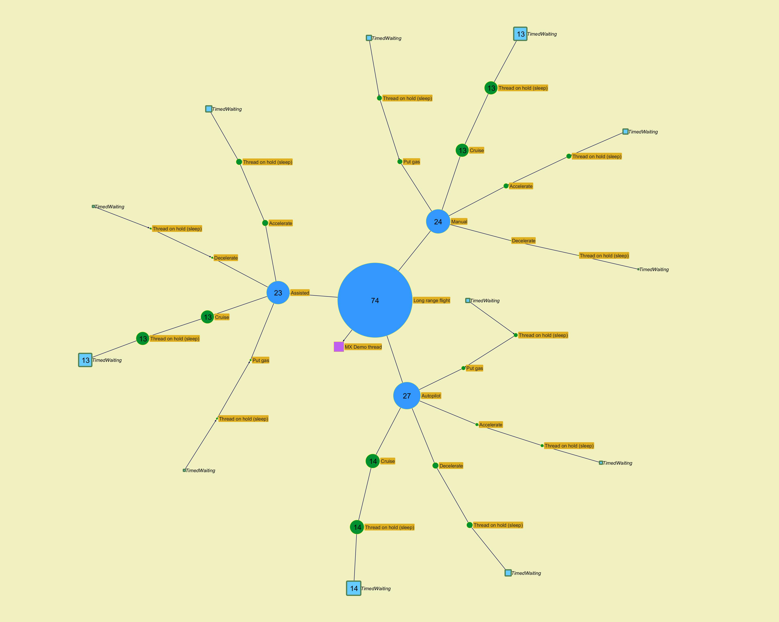
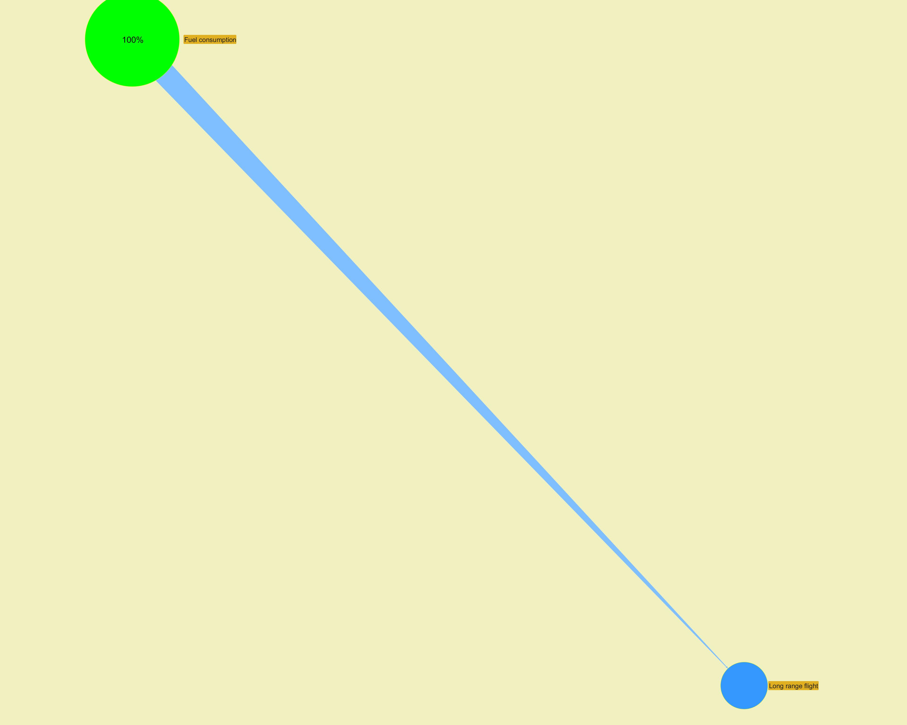

­ | ­

­ | ­
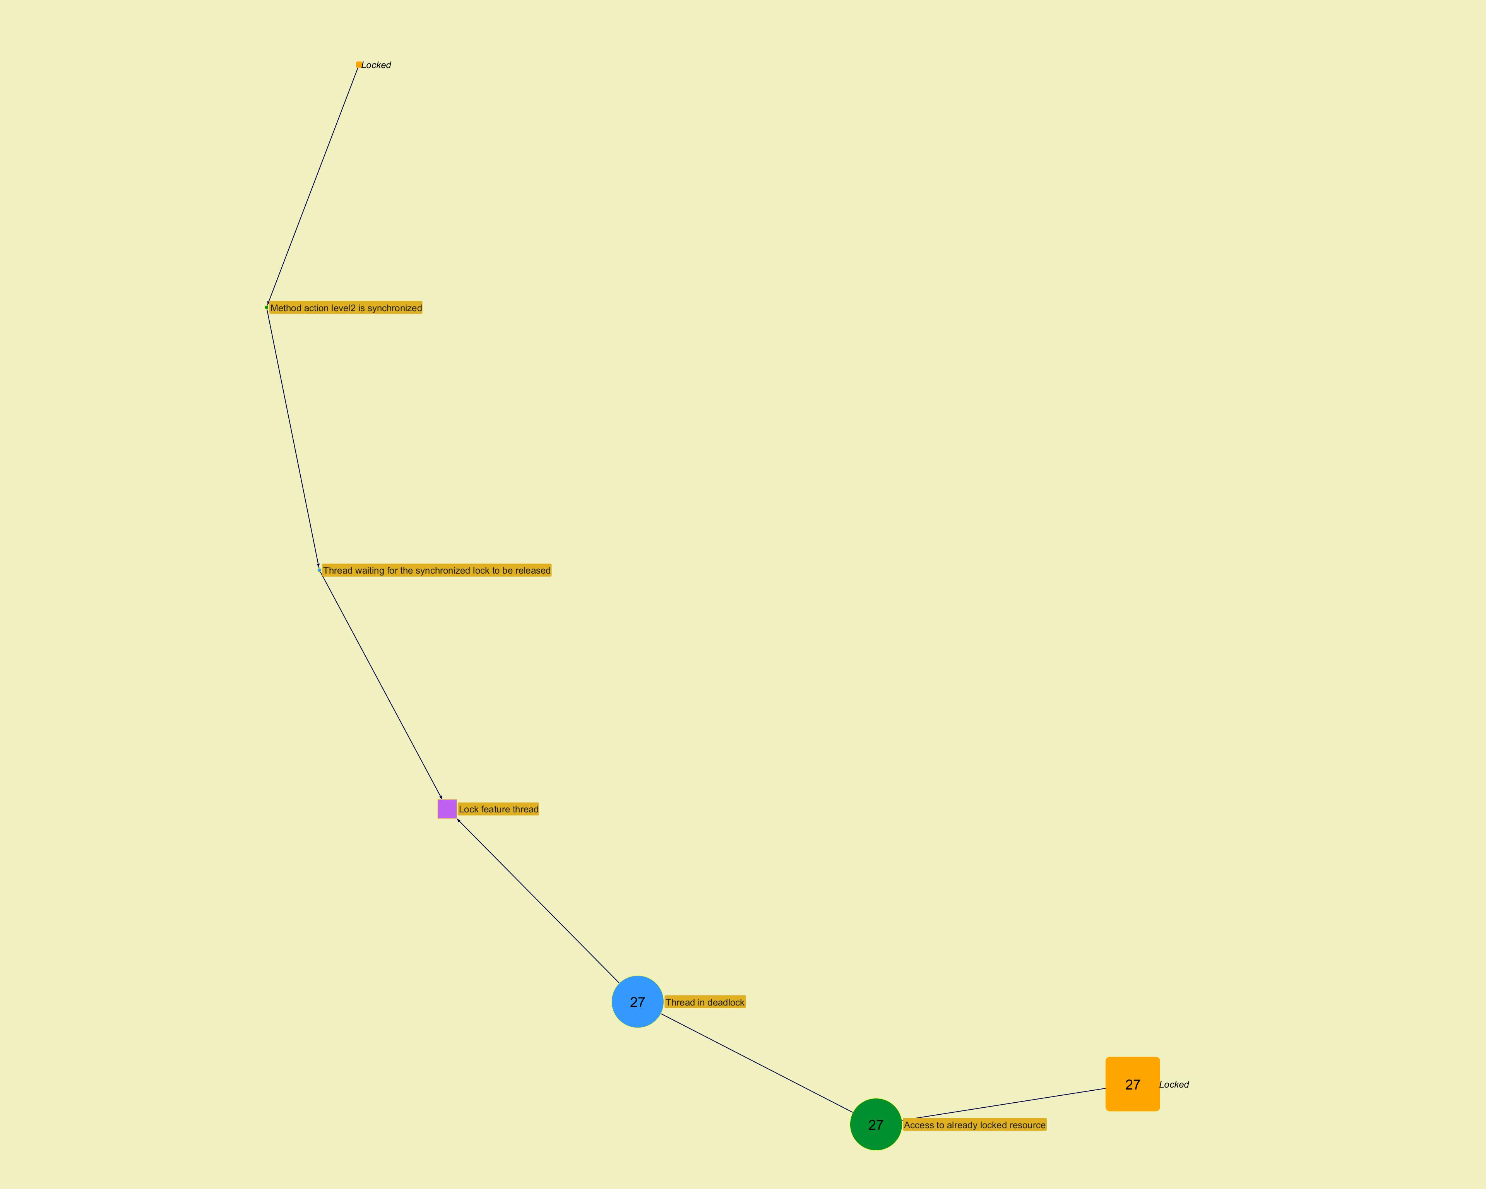
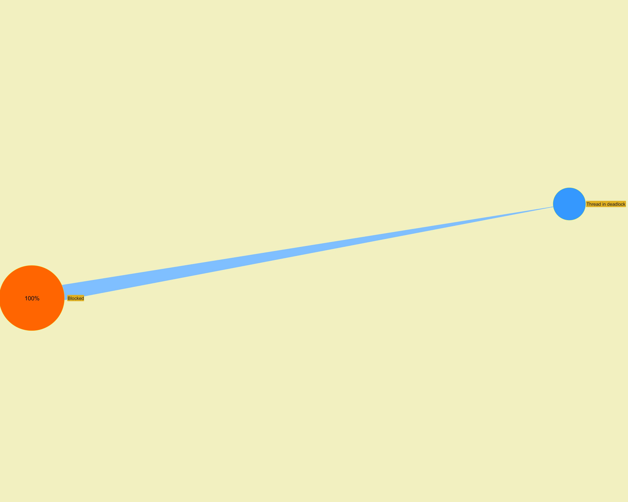

­ | ­

­ | ­
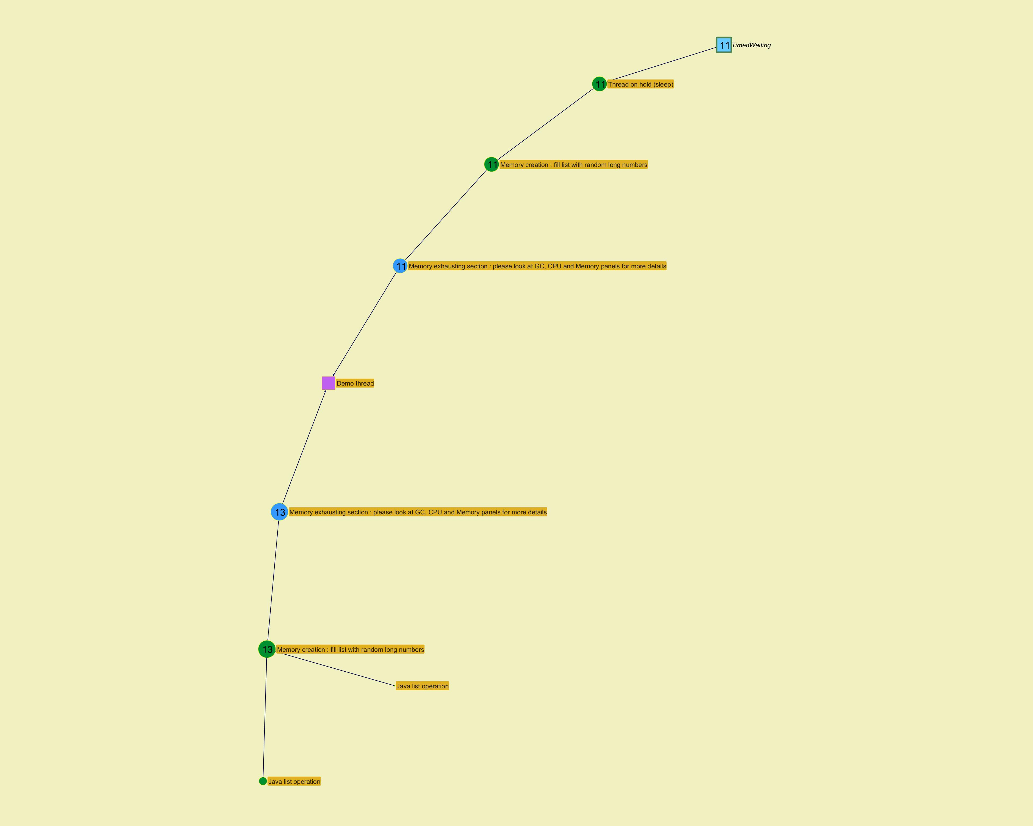
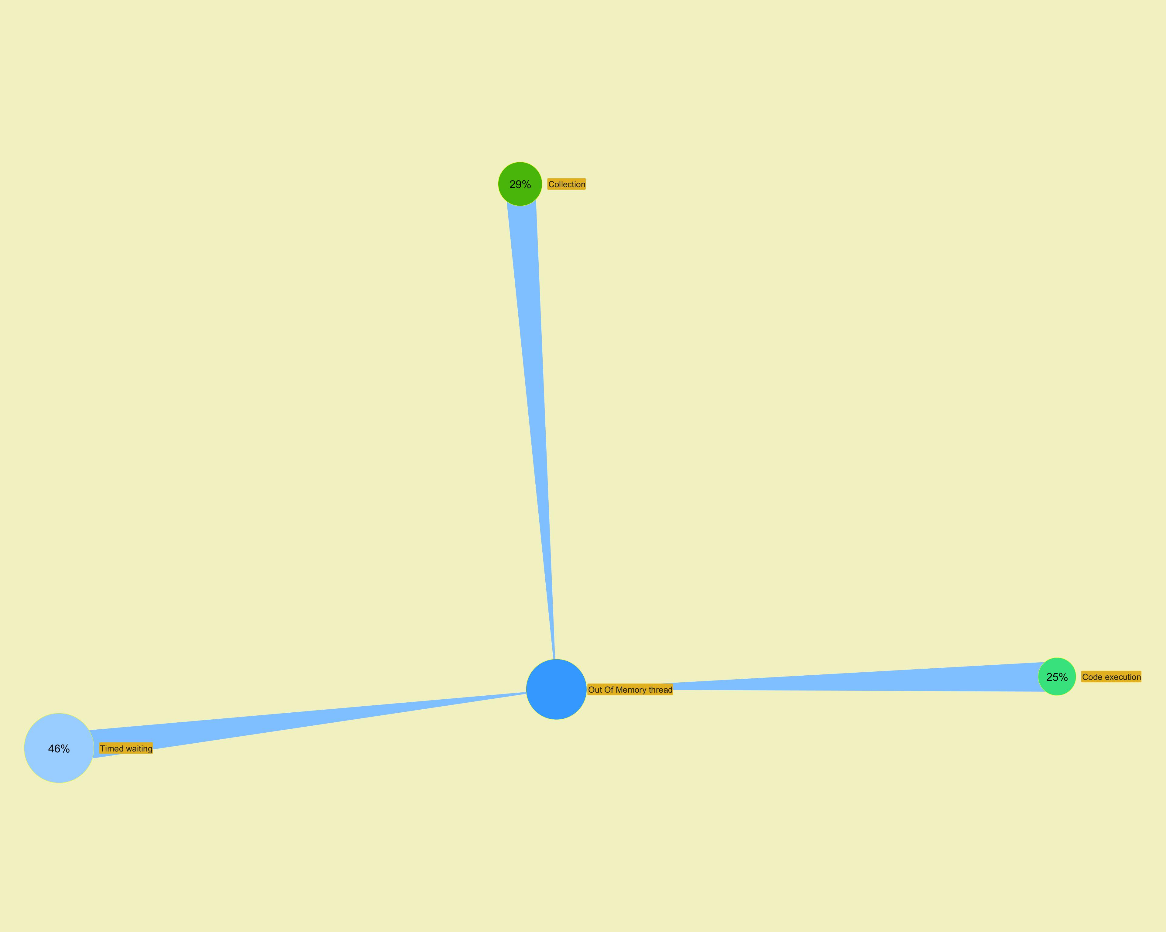

­ | ­

Long Action Profiling
...
­ | ­
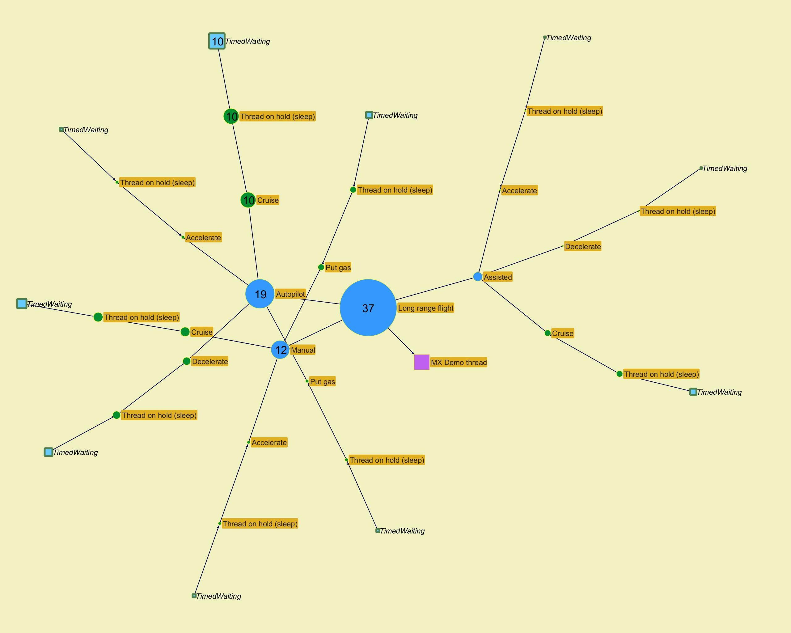
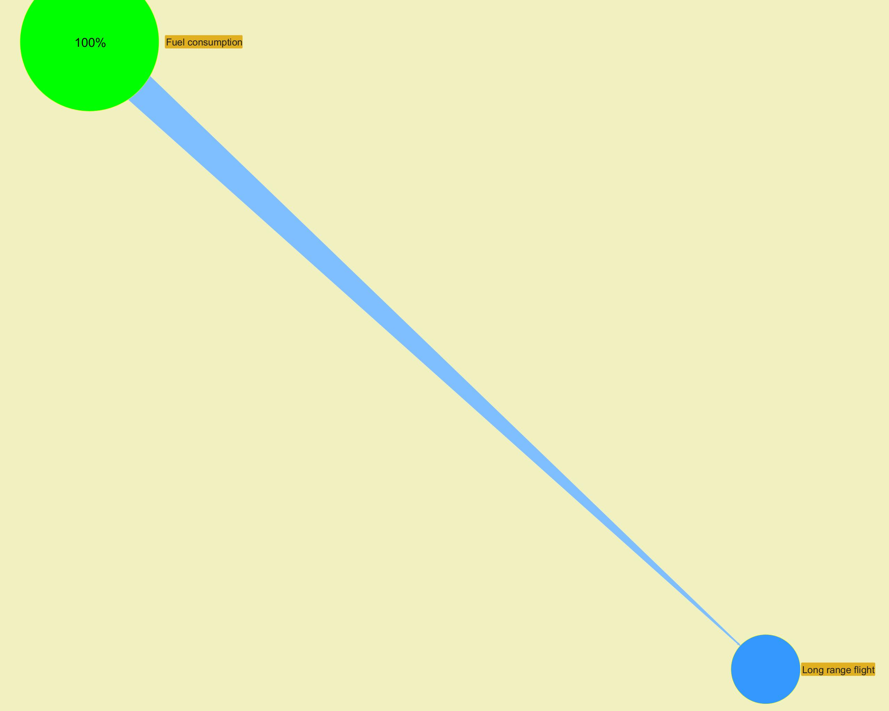

­ | ­

­ | ­
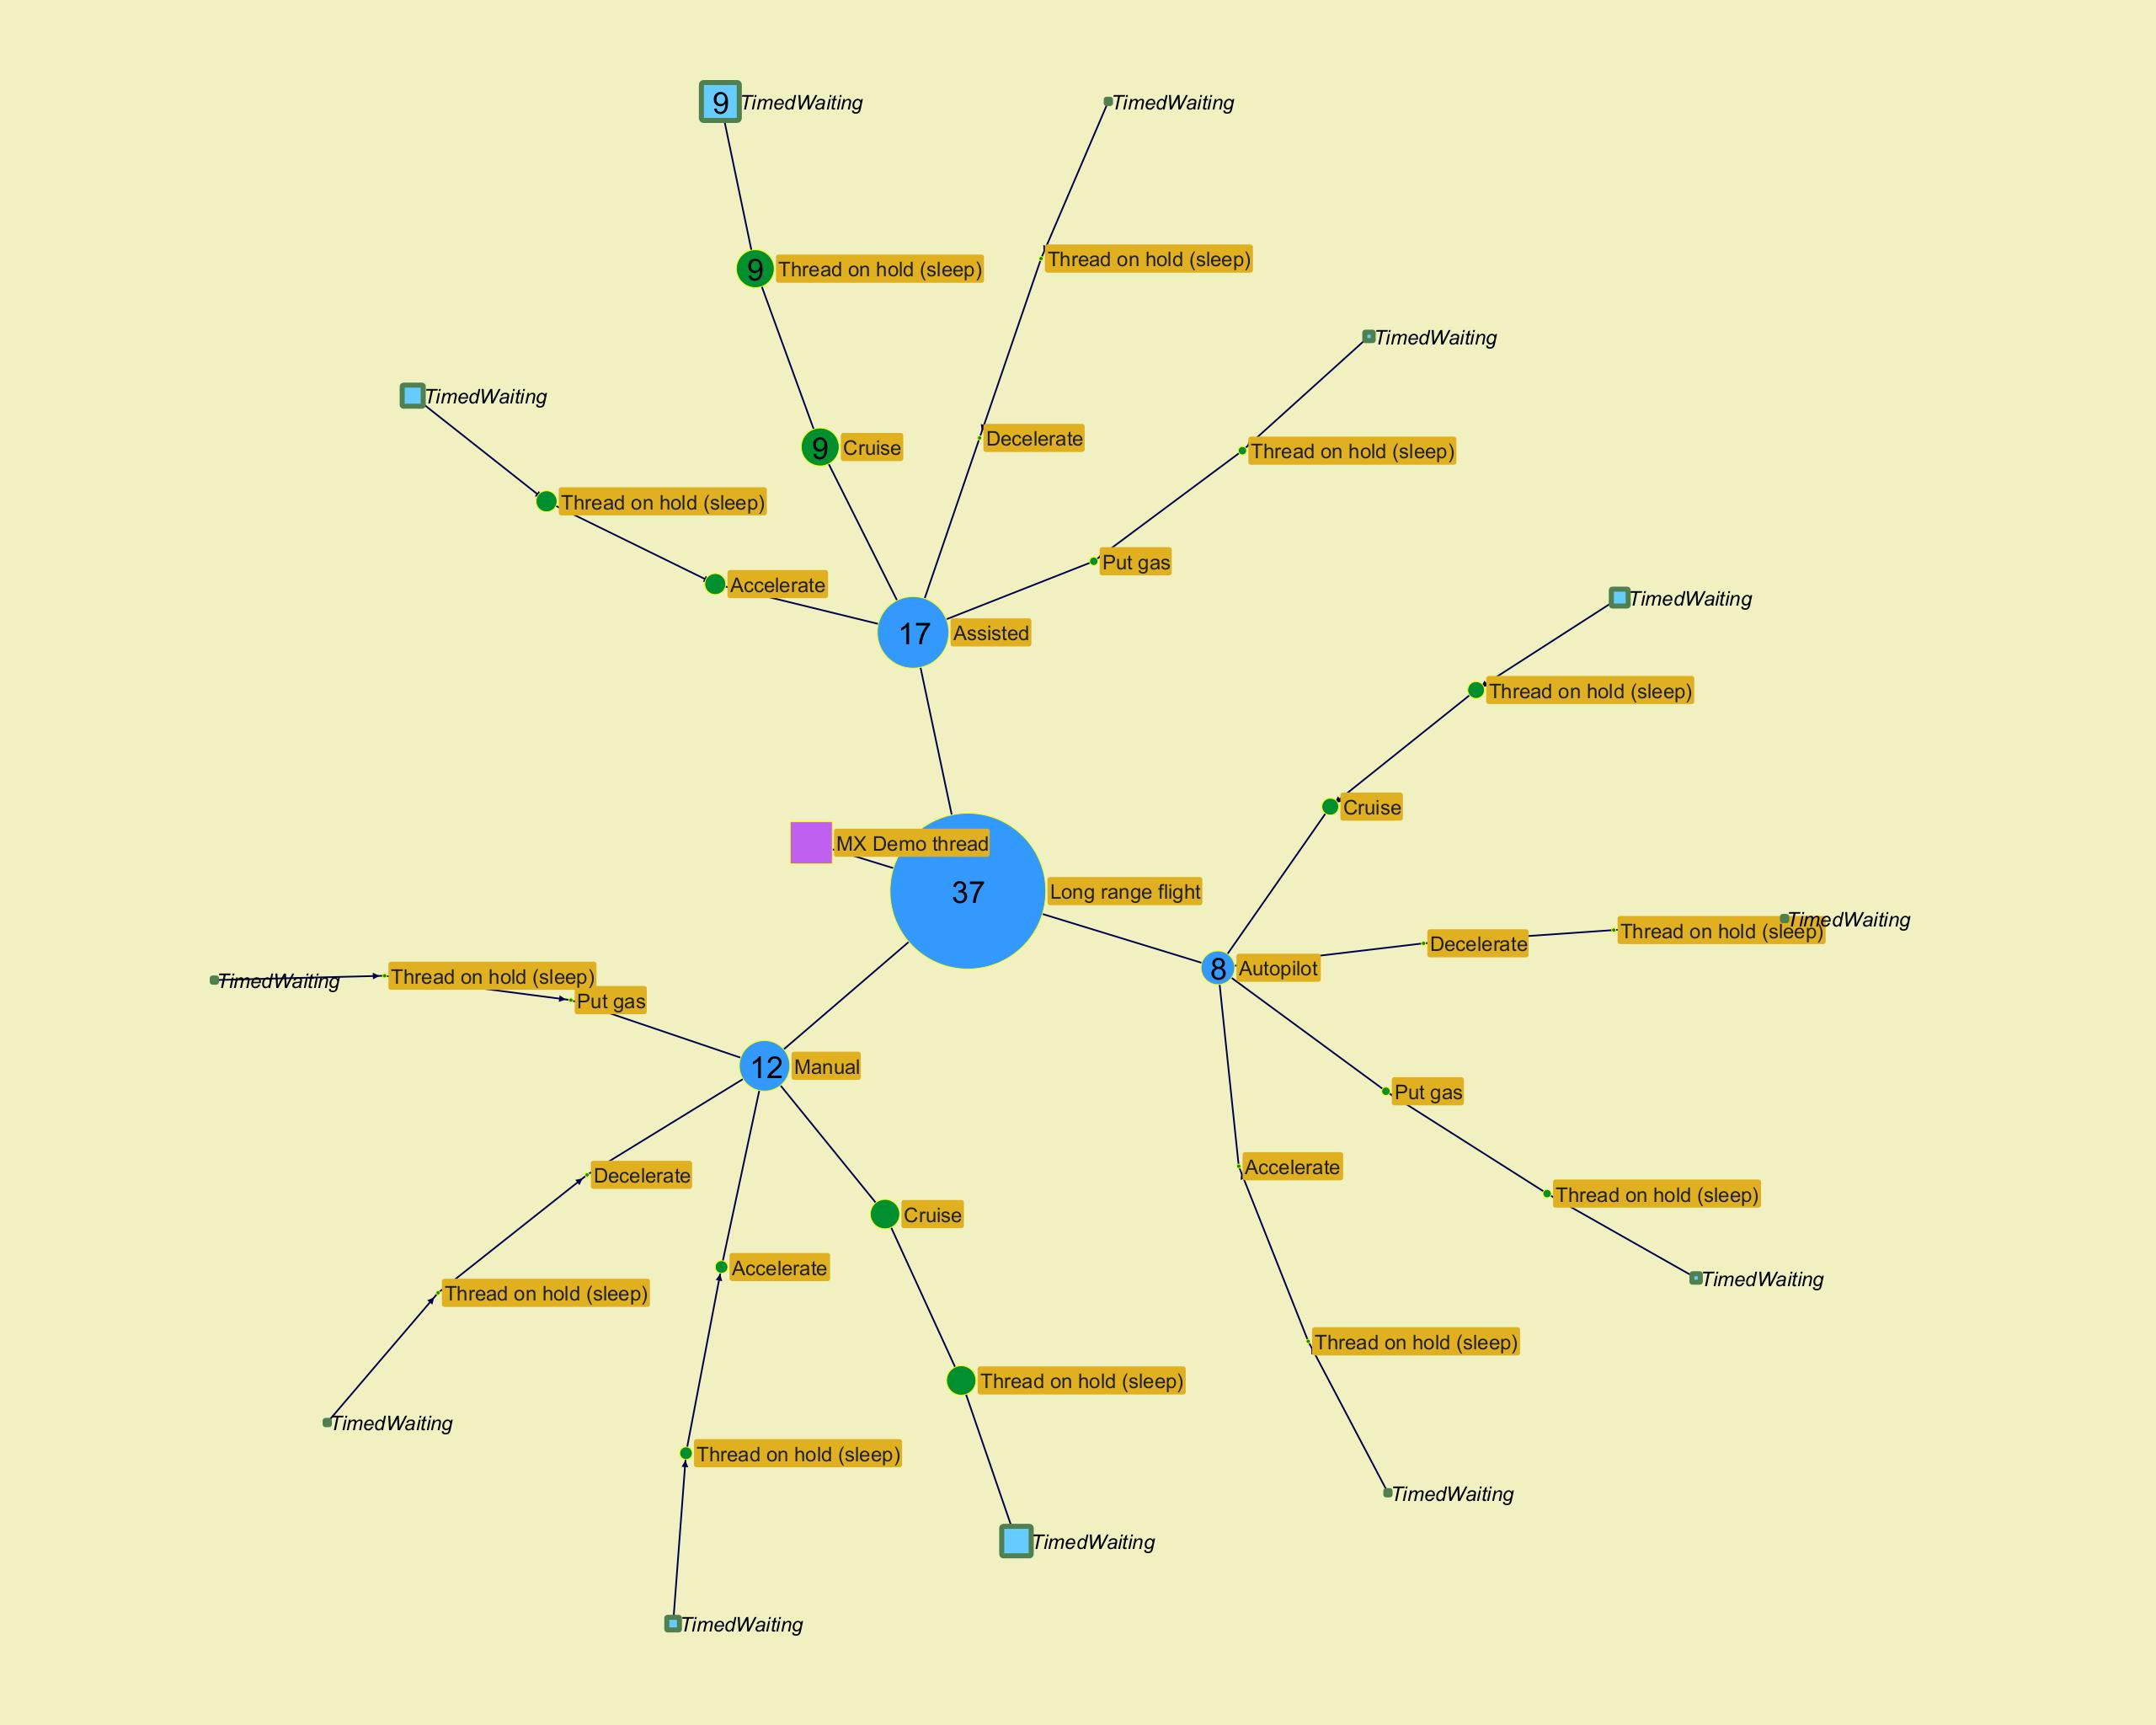
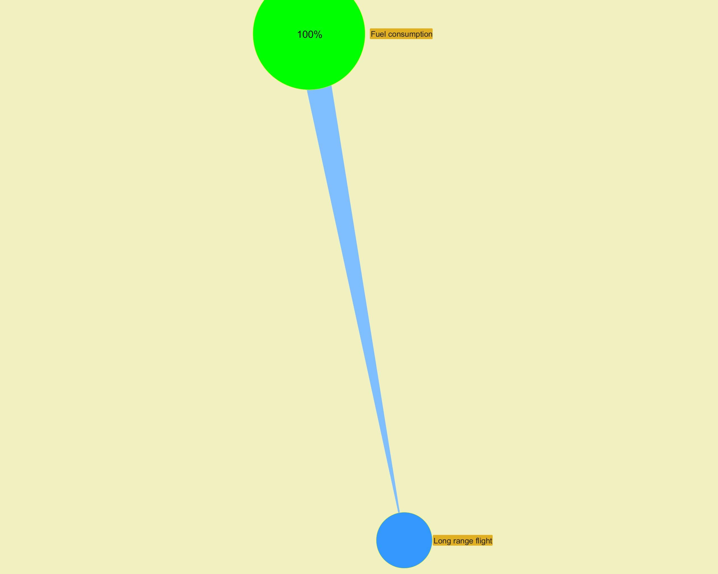

­ | ­

­ | ­
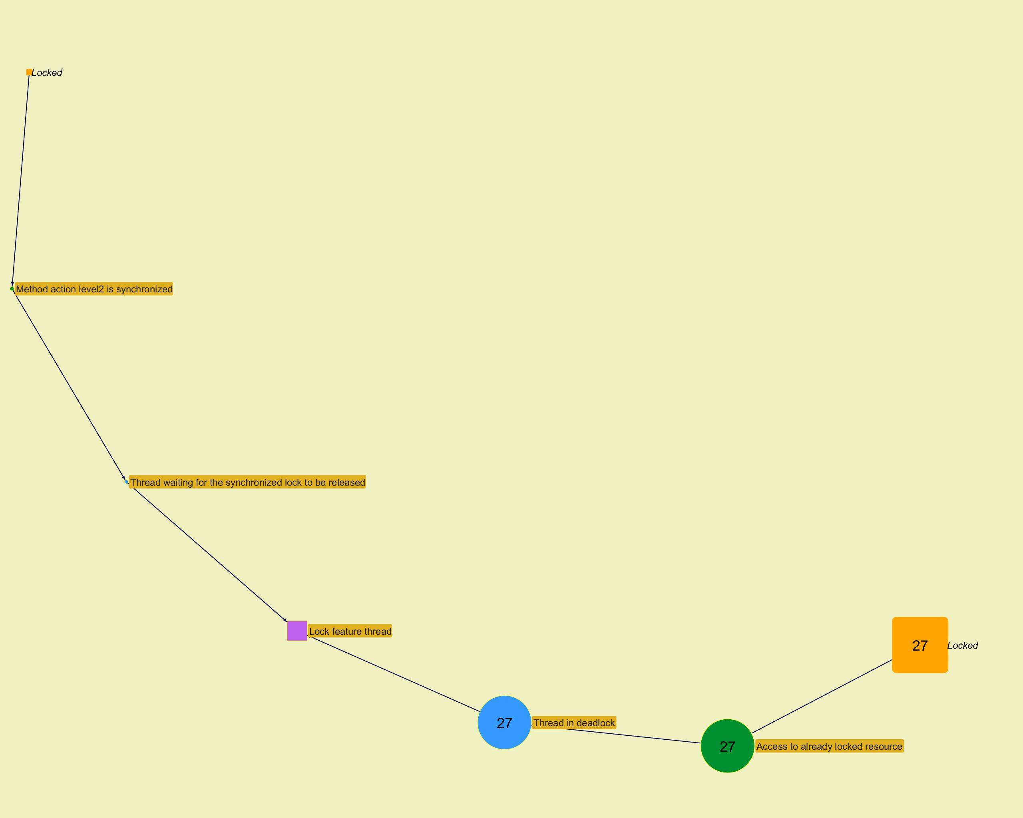
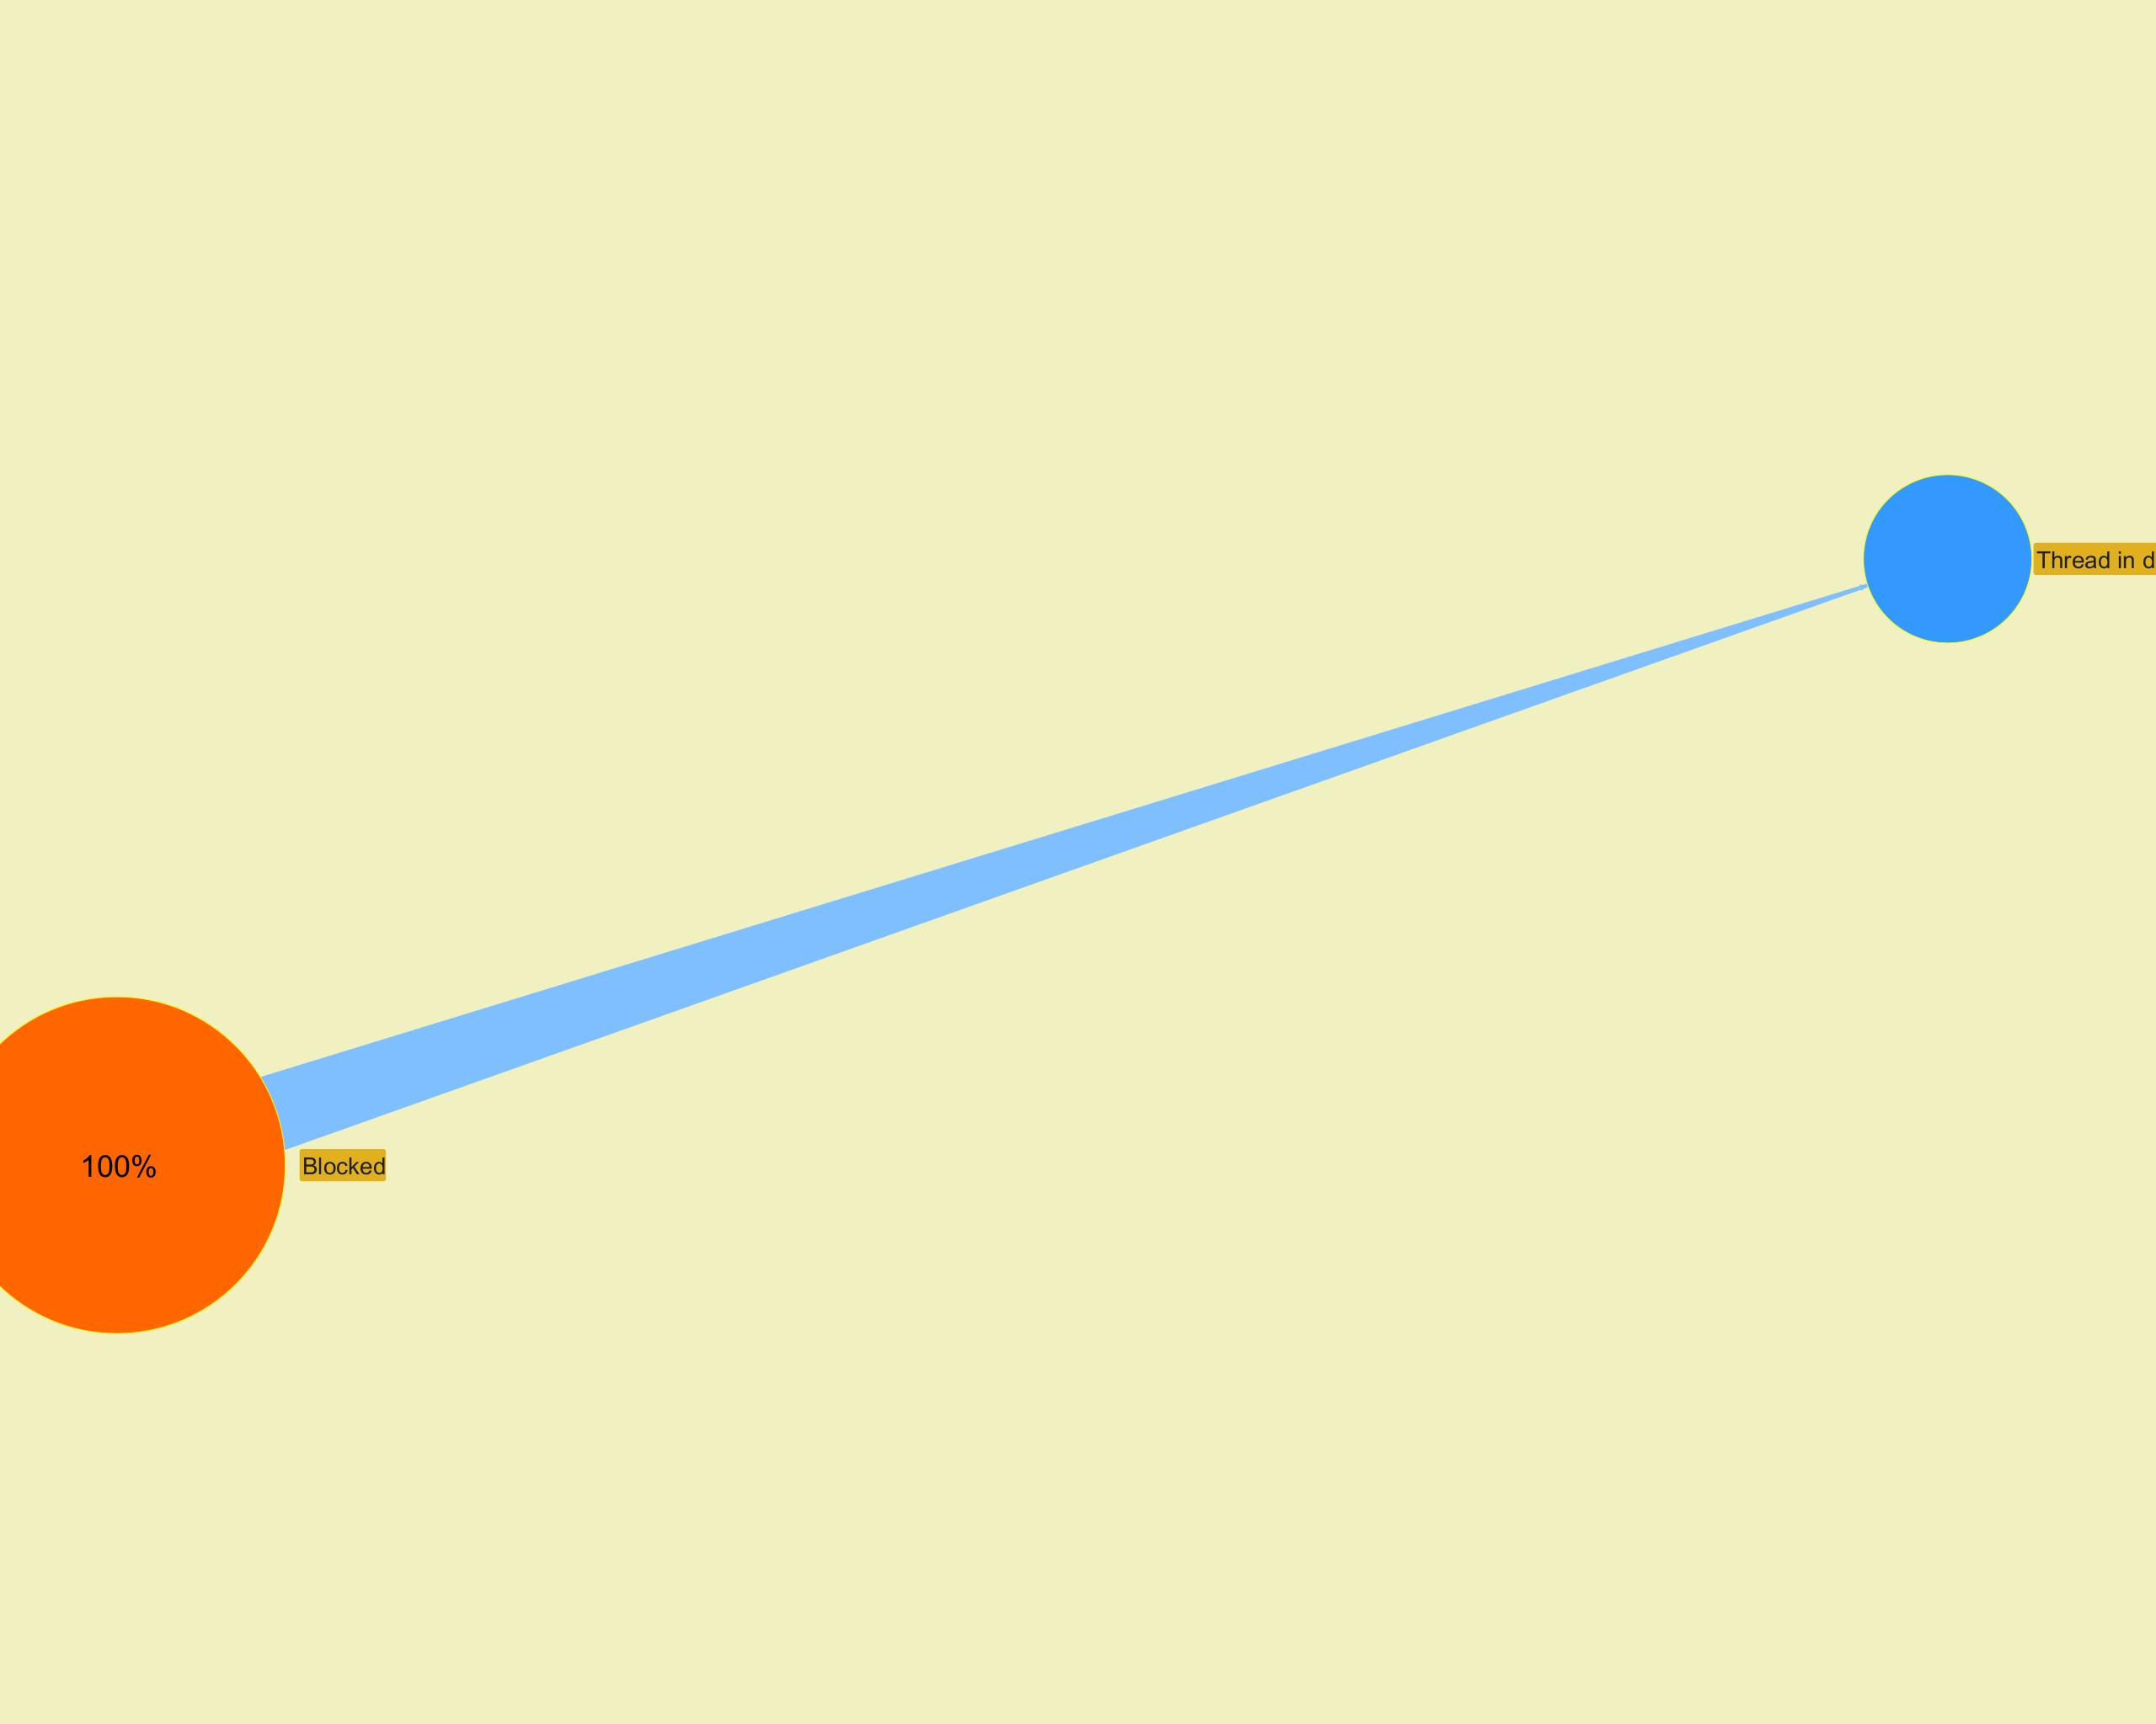

­ | ­

­ | ­
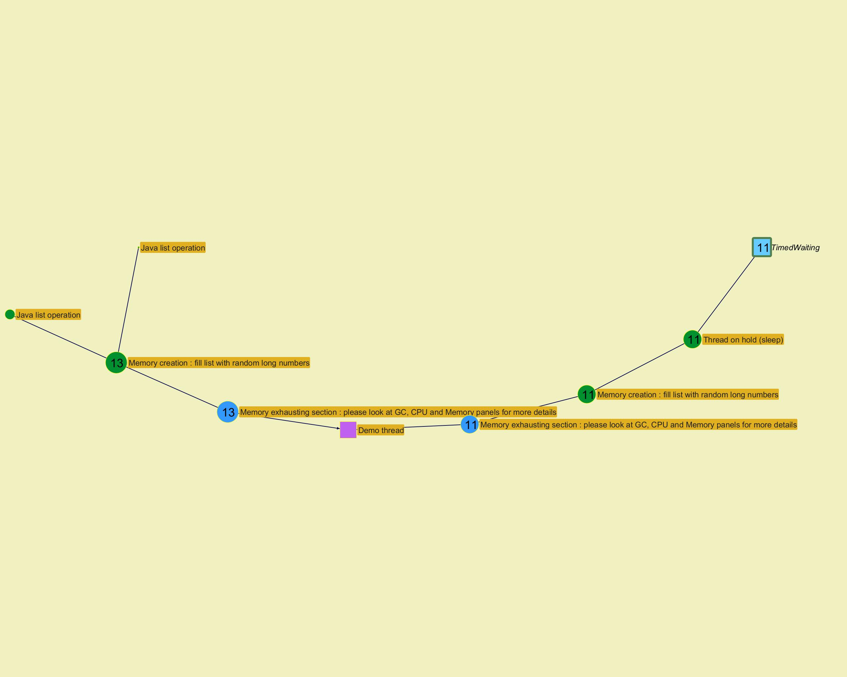
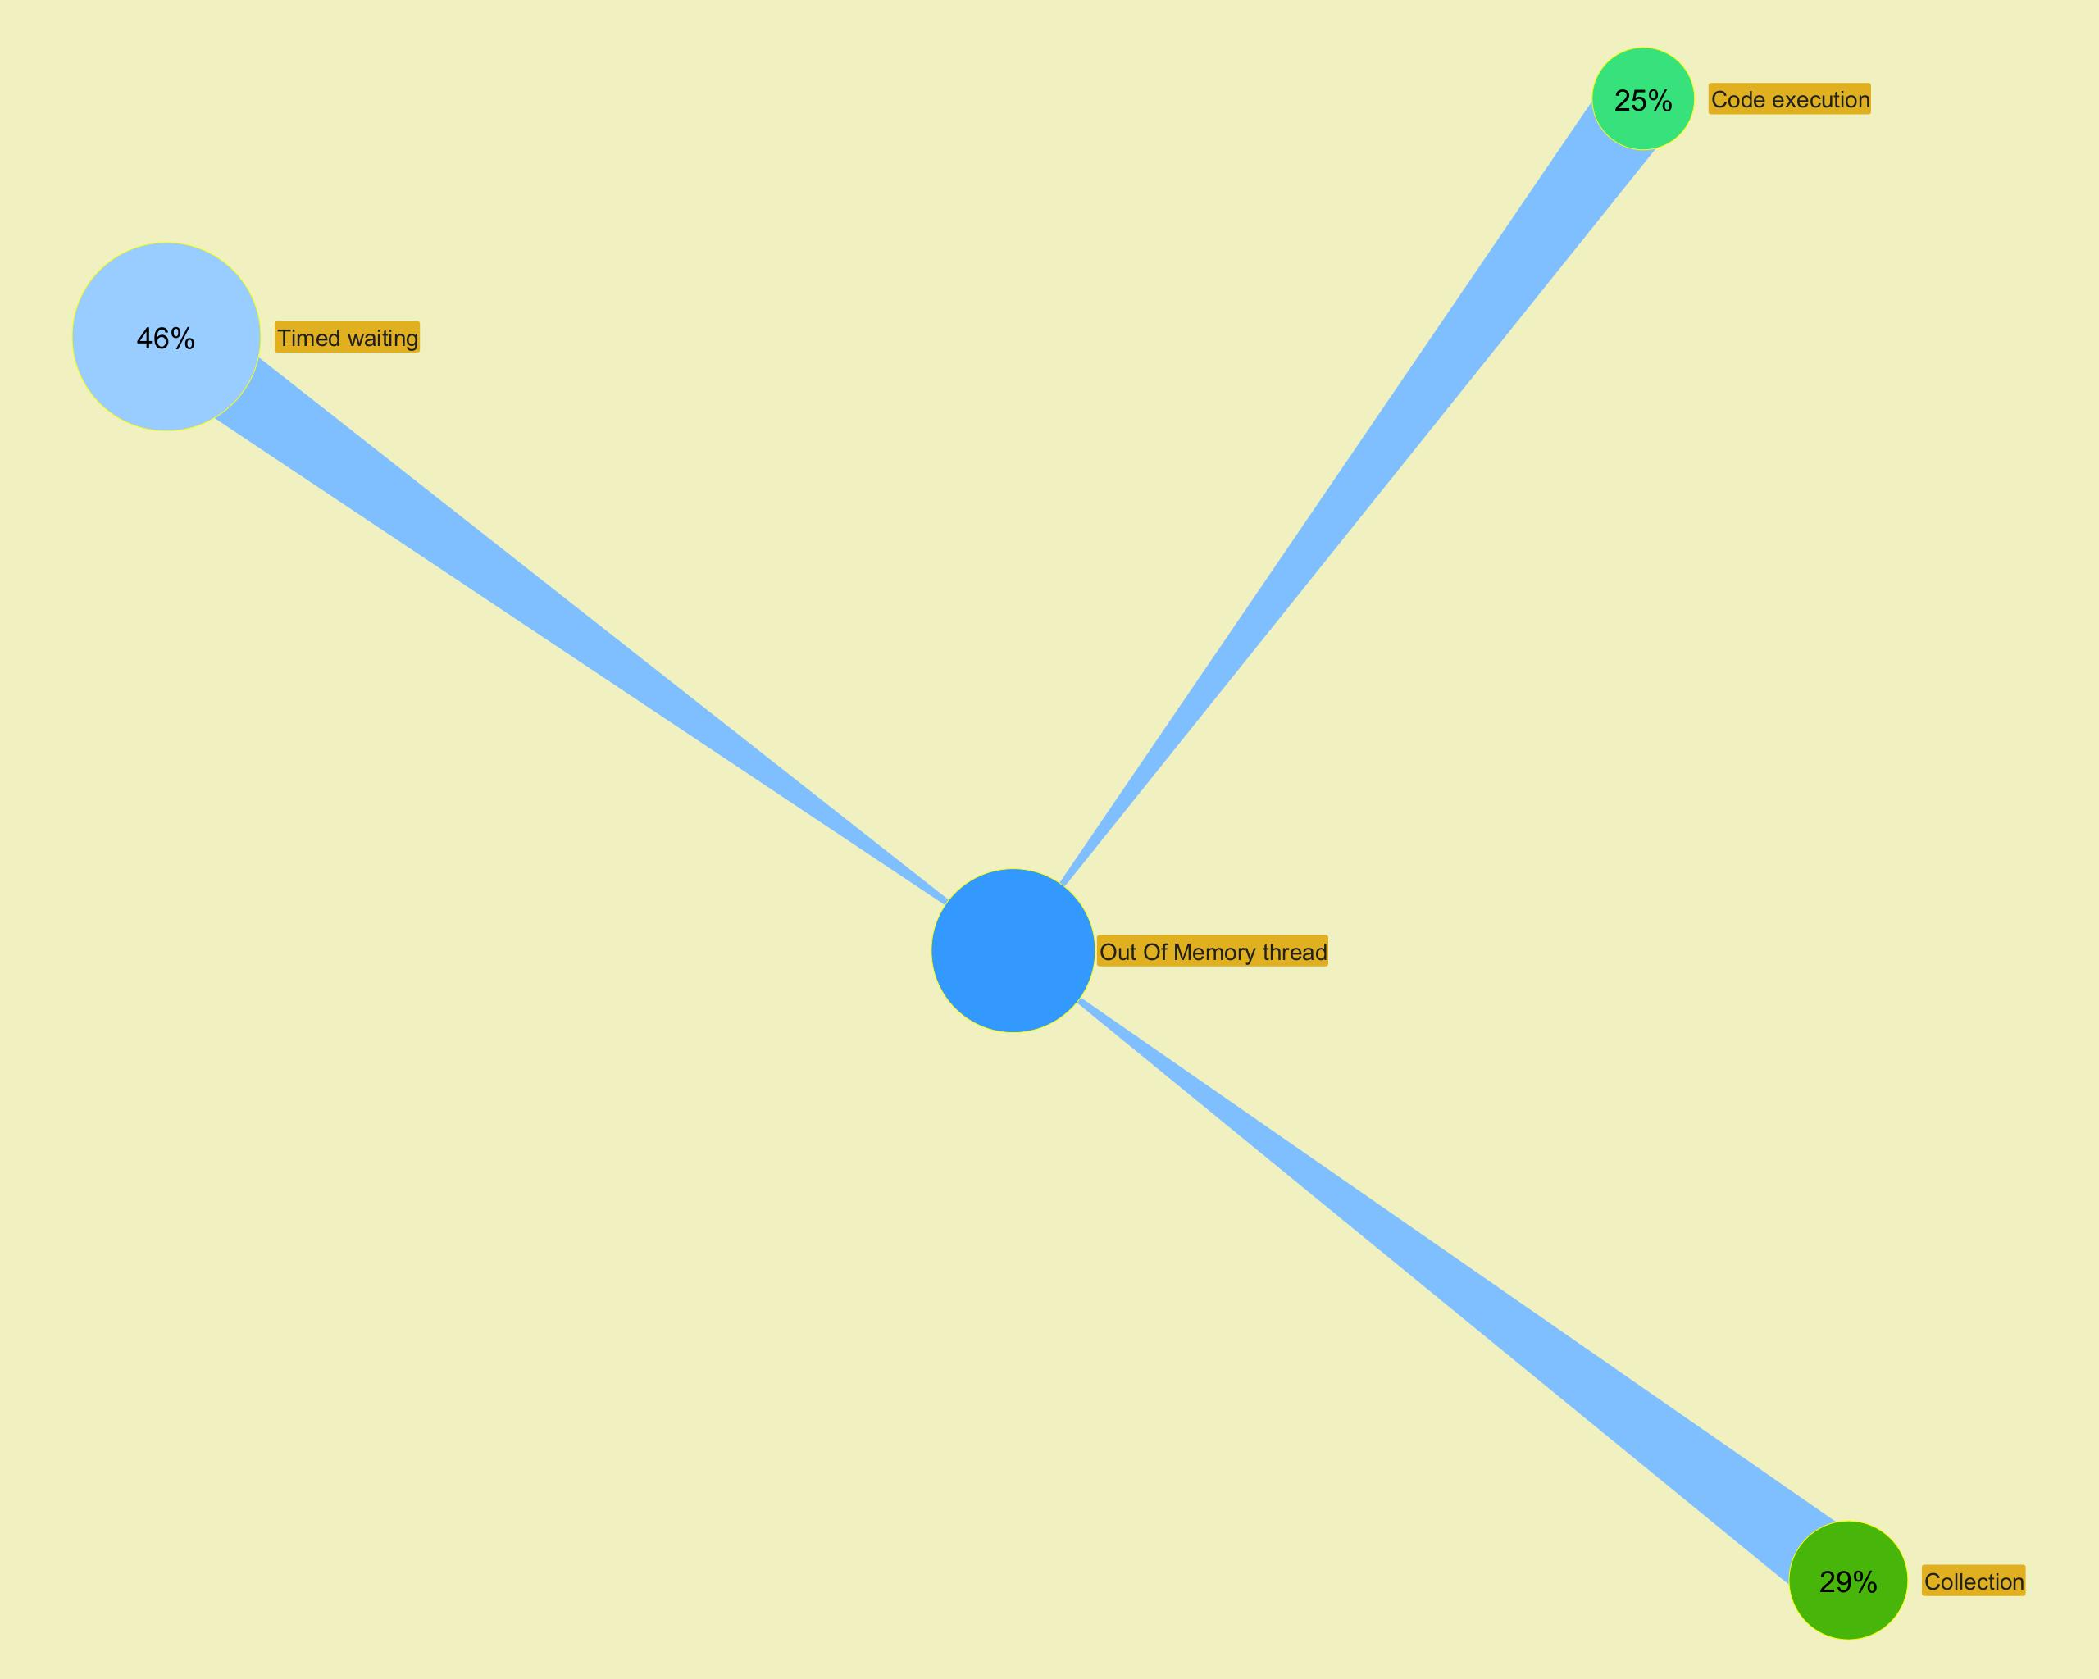

­ | ­

Top stacks
...
­ | ­
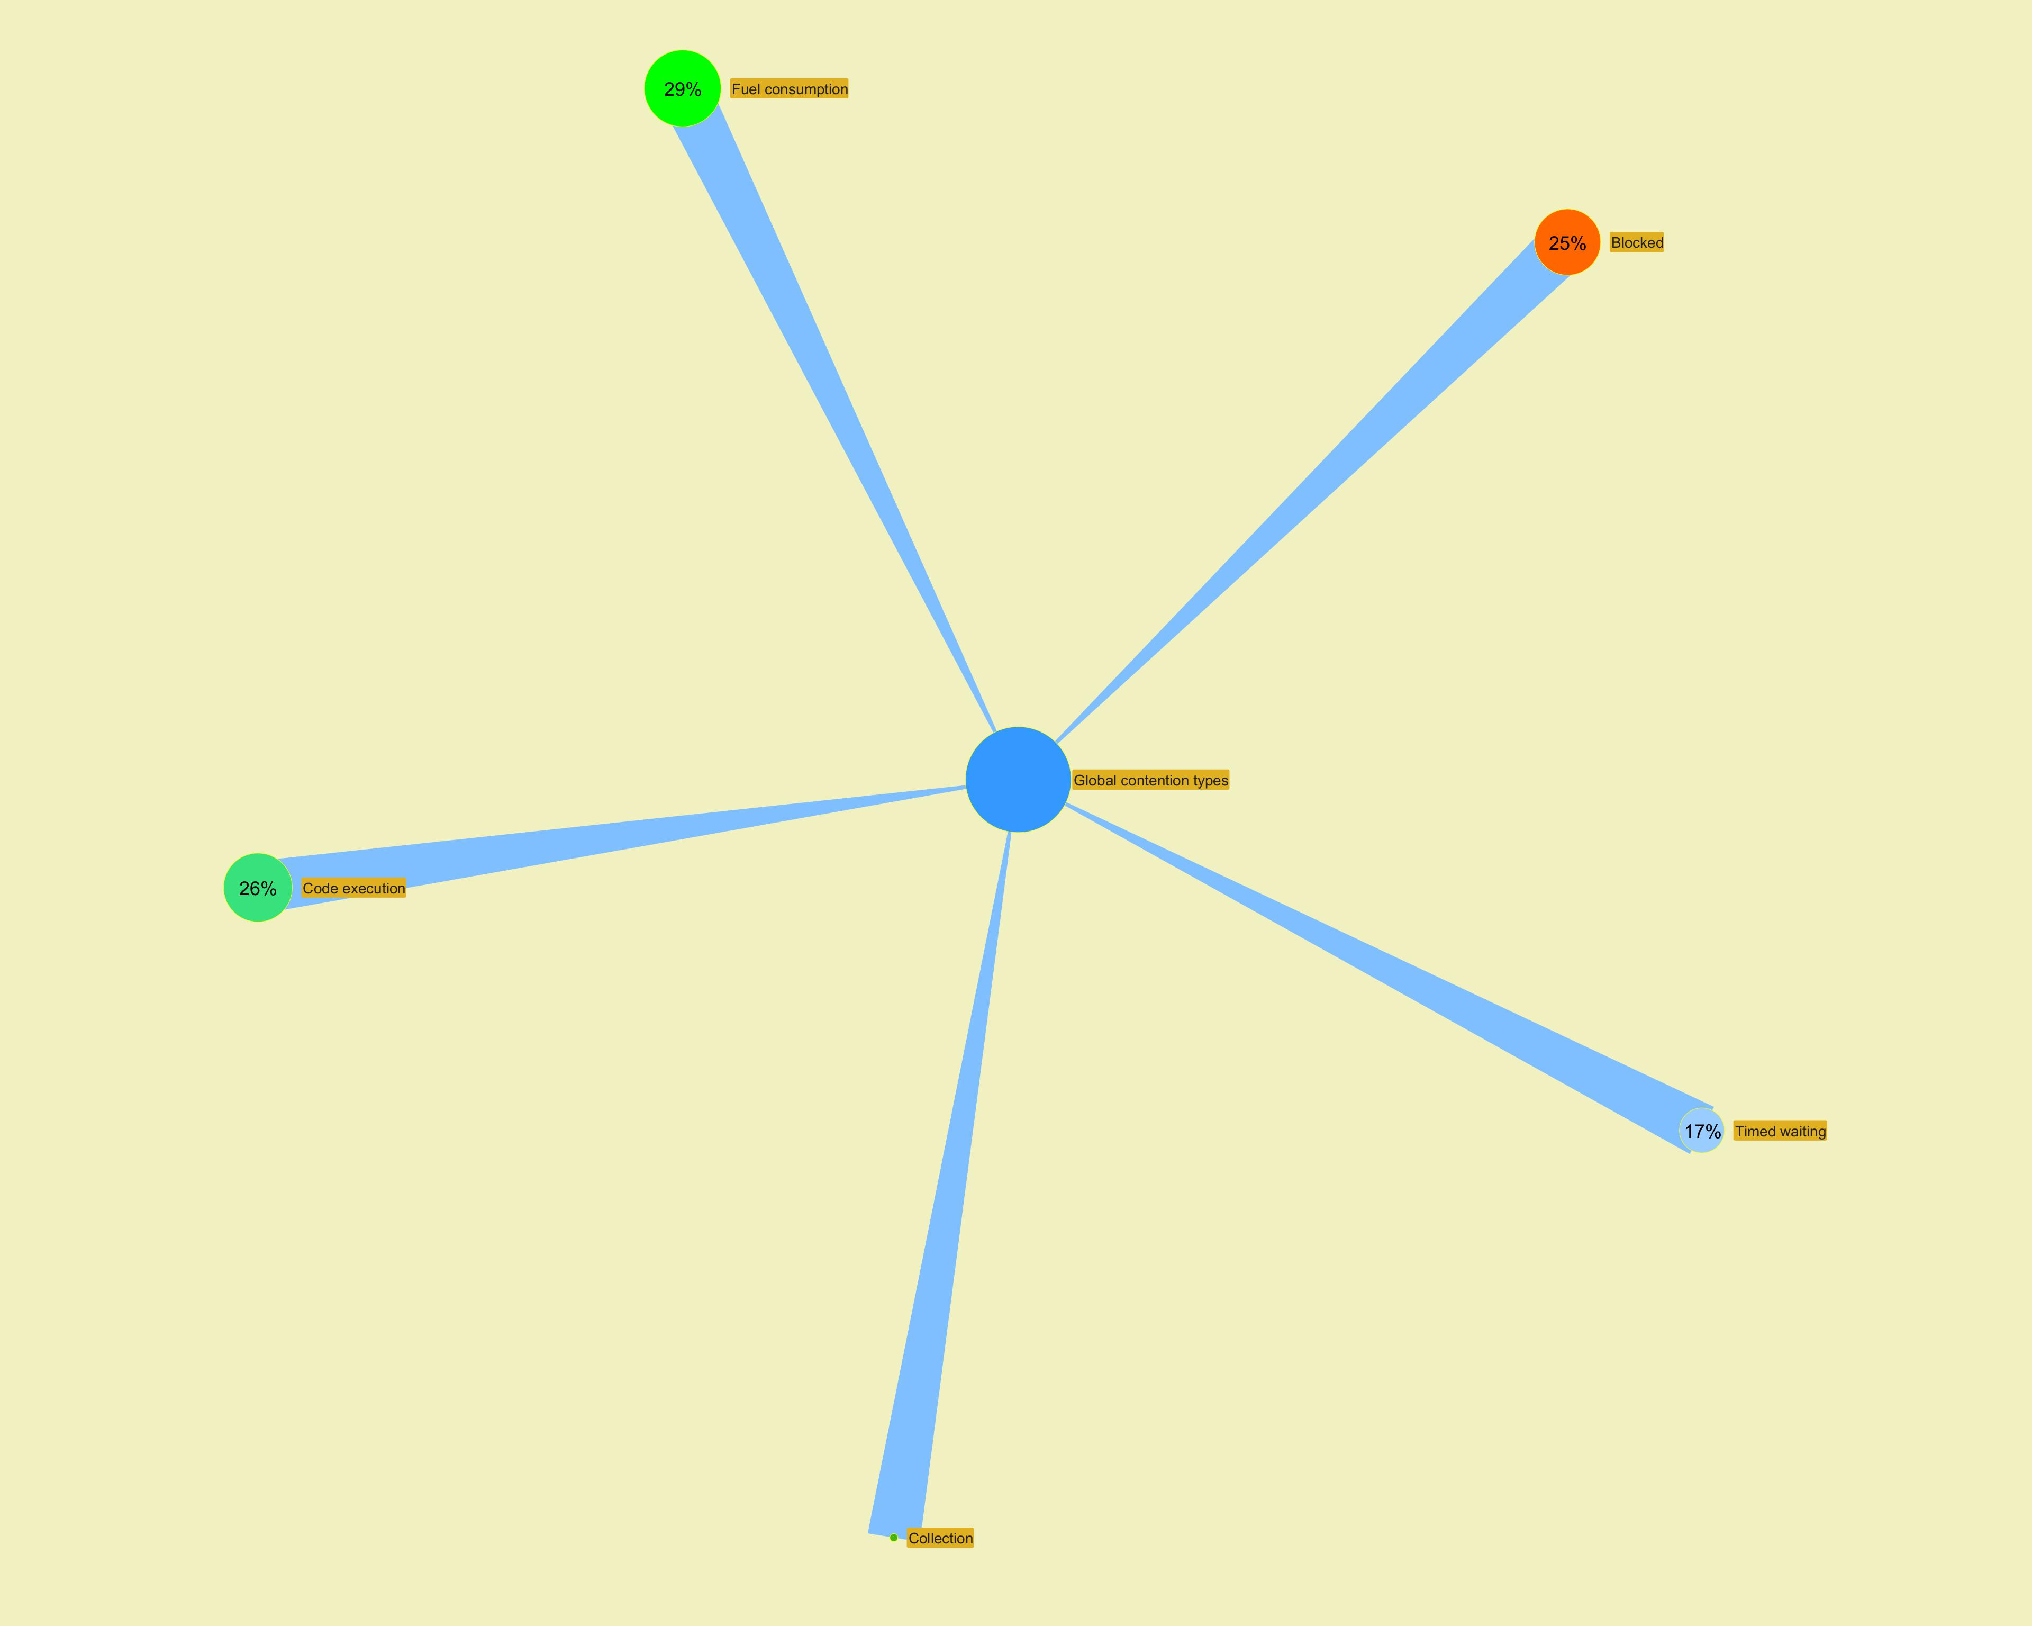

 | ­
...

Long Action Histogram
...
­
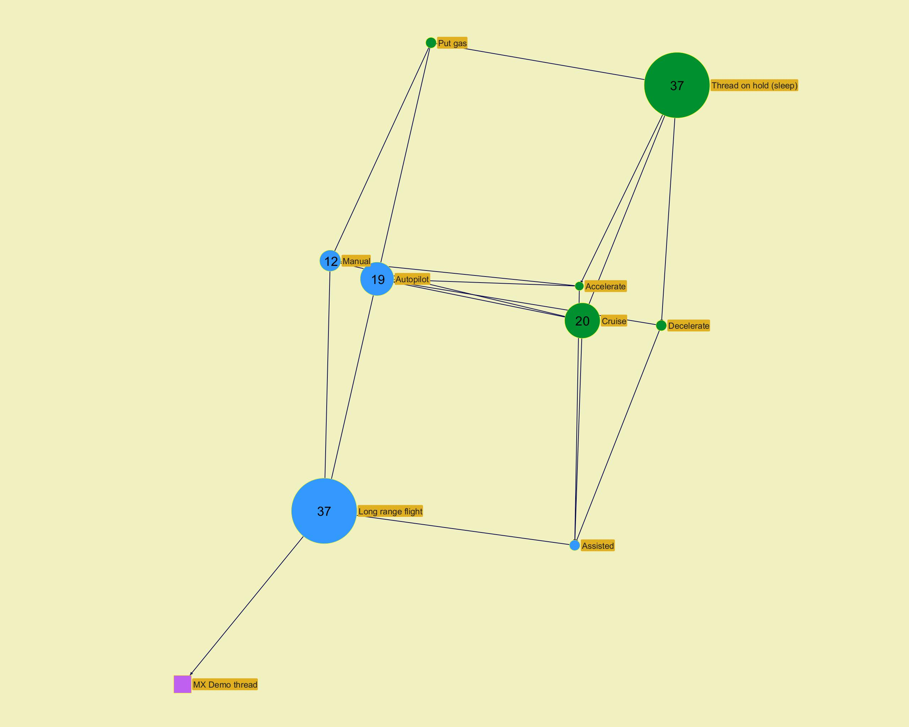

­

­
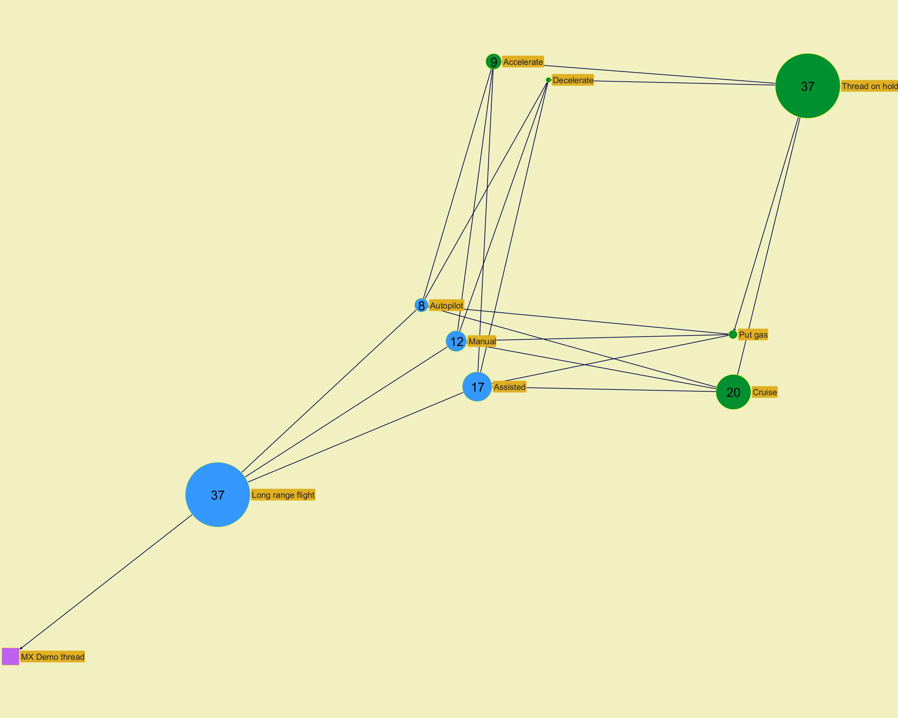

­

­
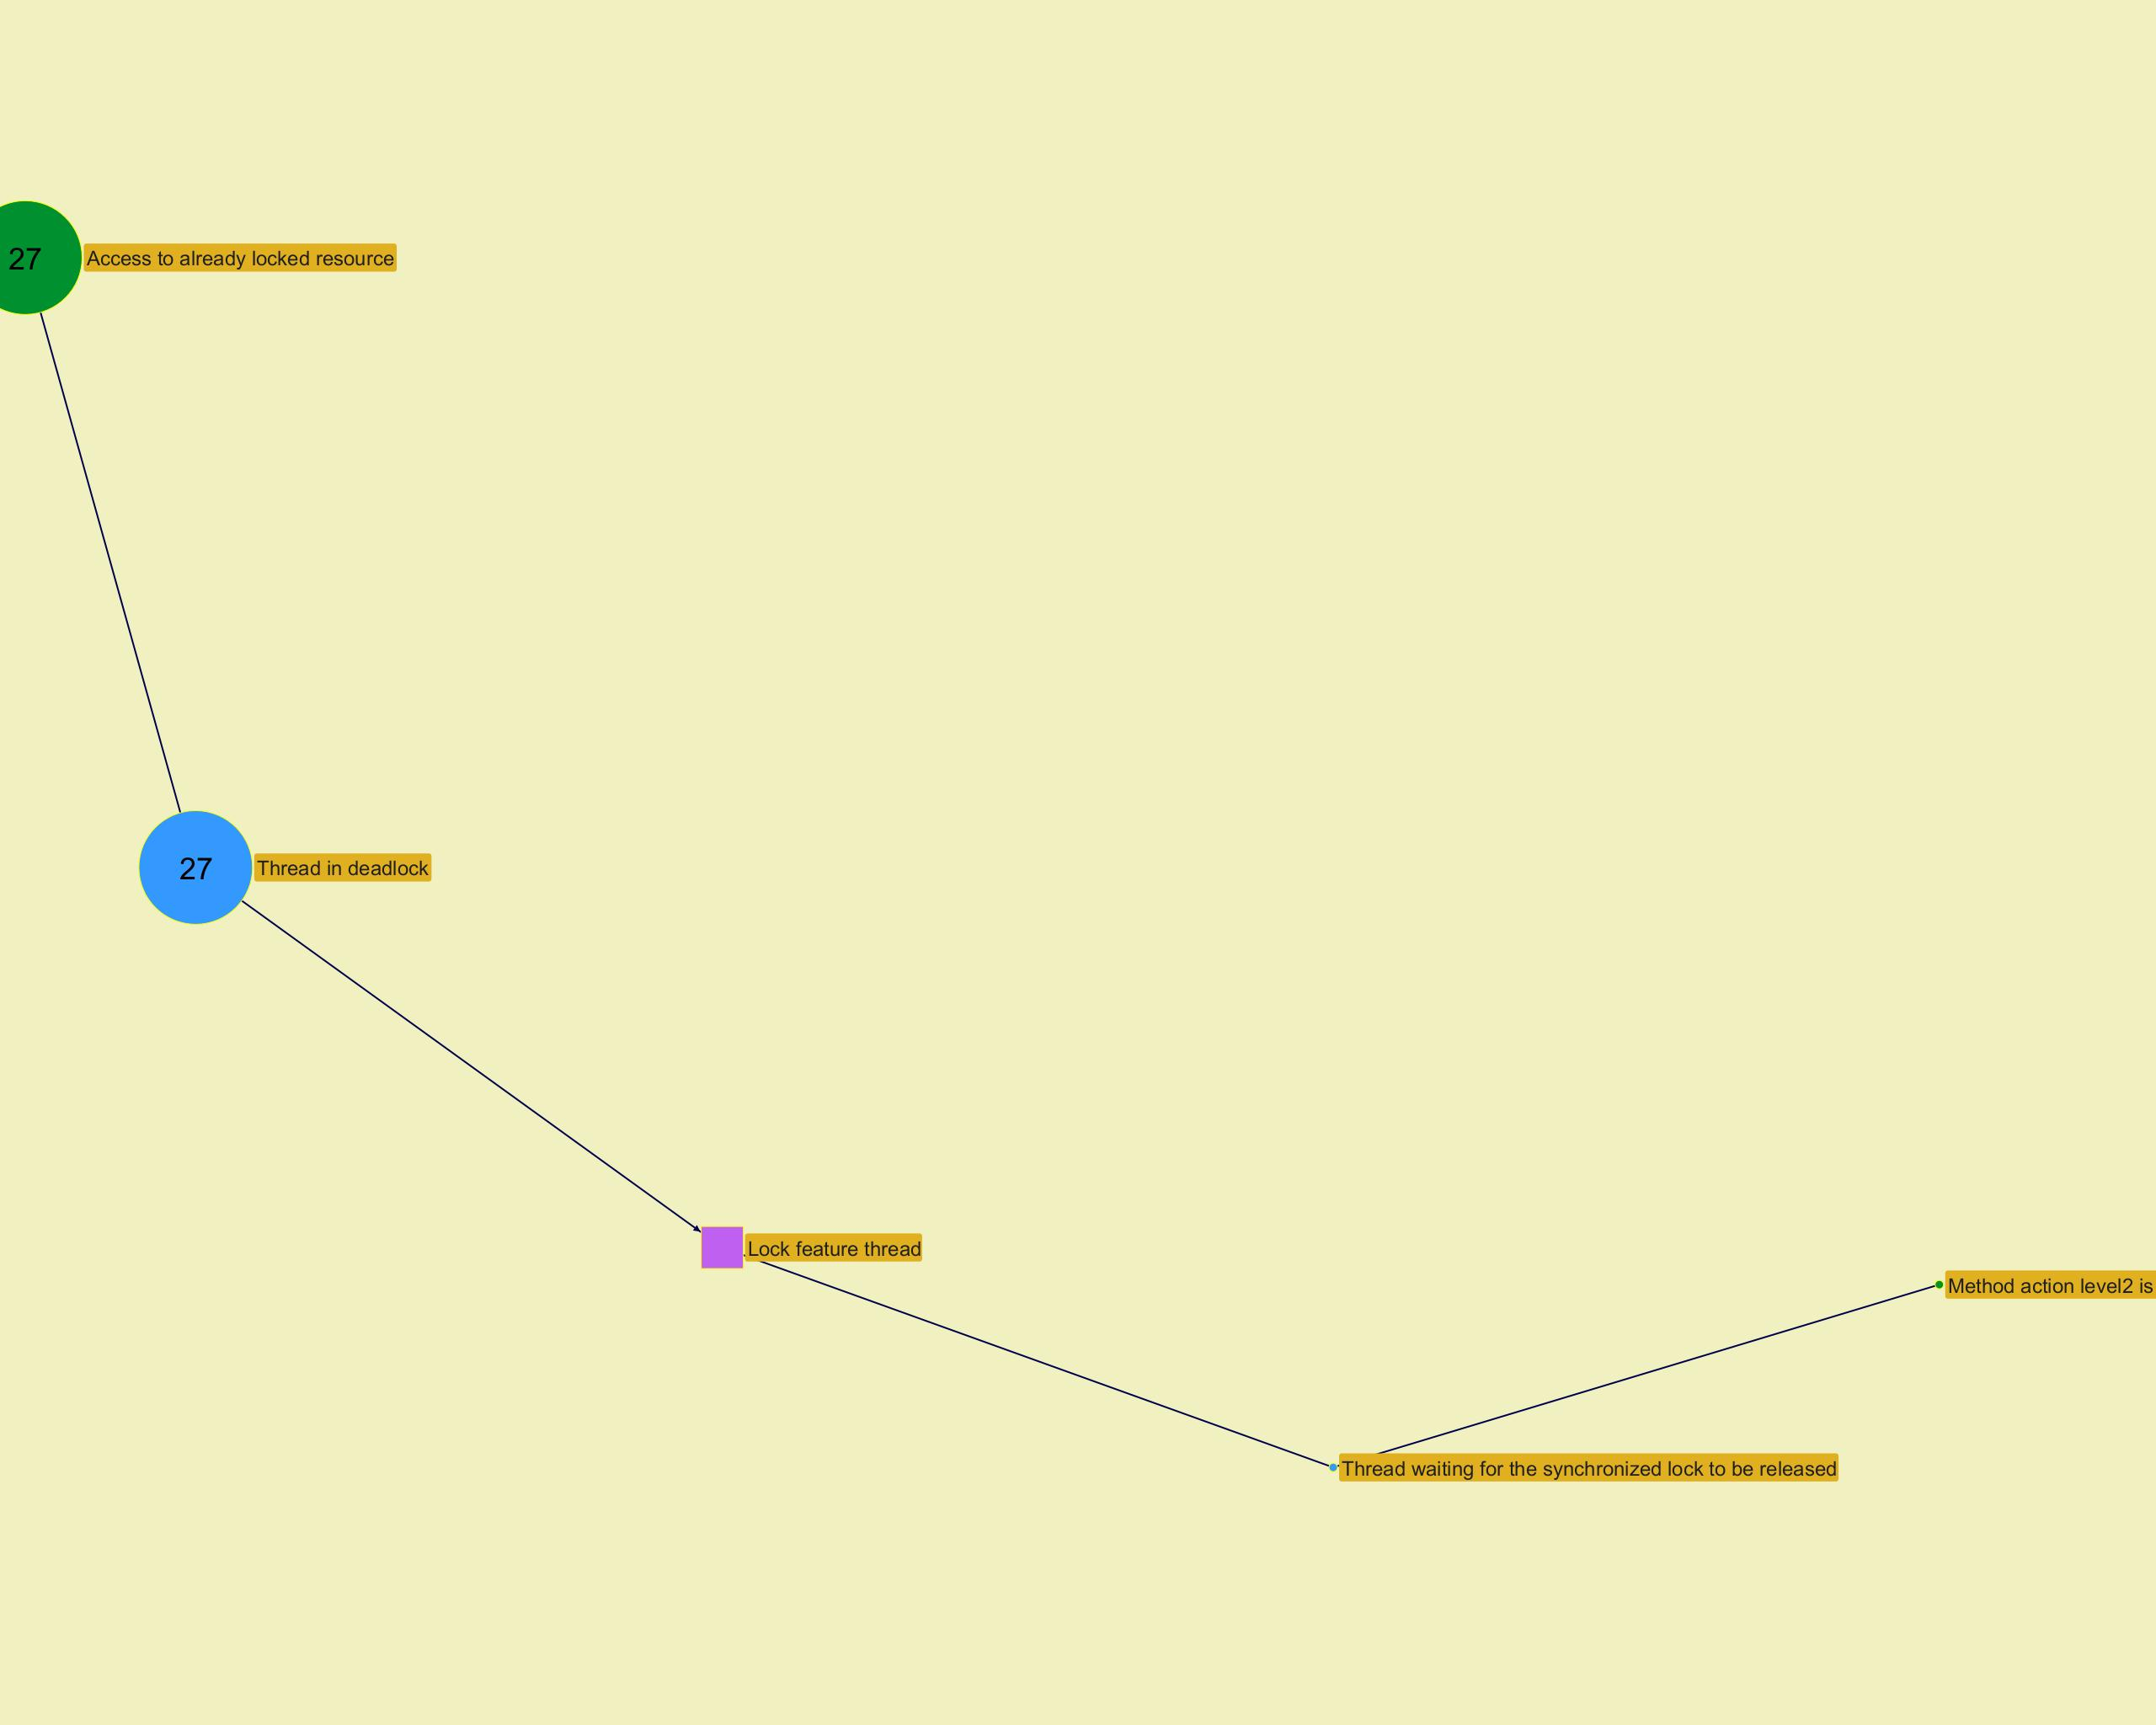

­

­
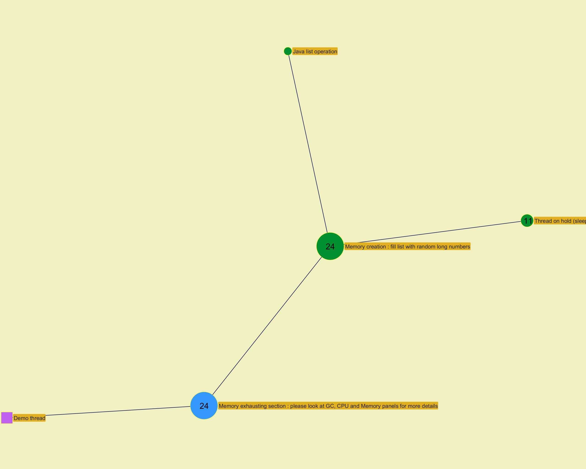

­

Action histogram
...
­
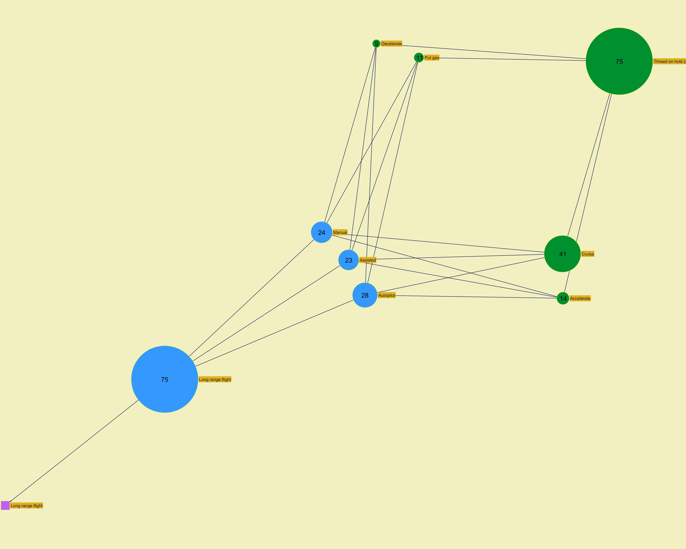

­

­
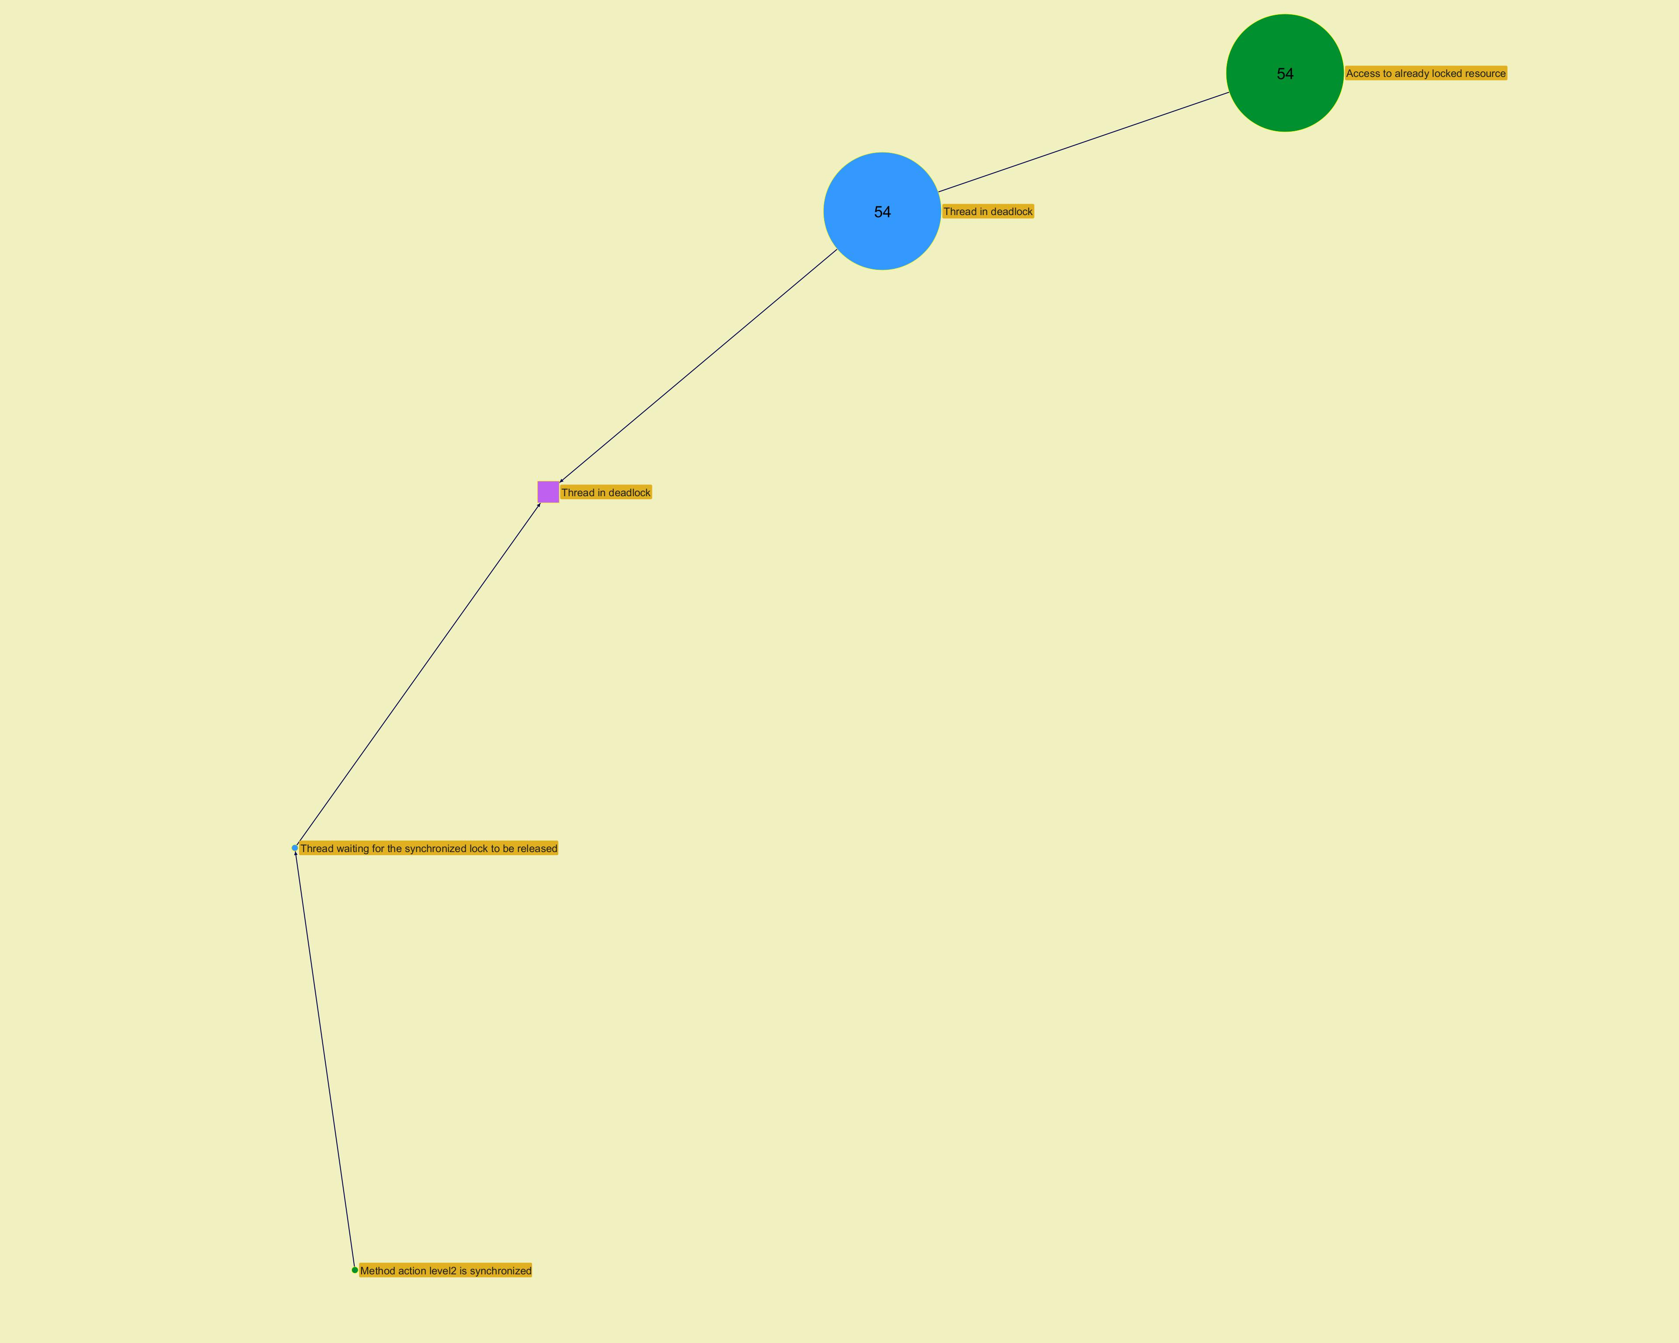

­

­
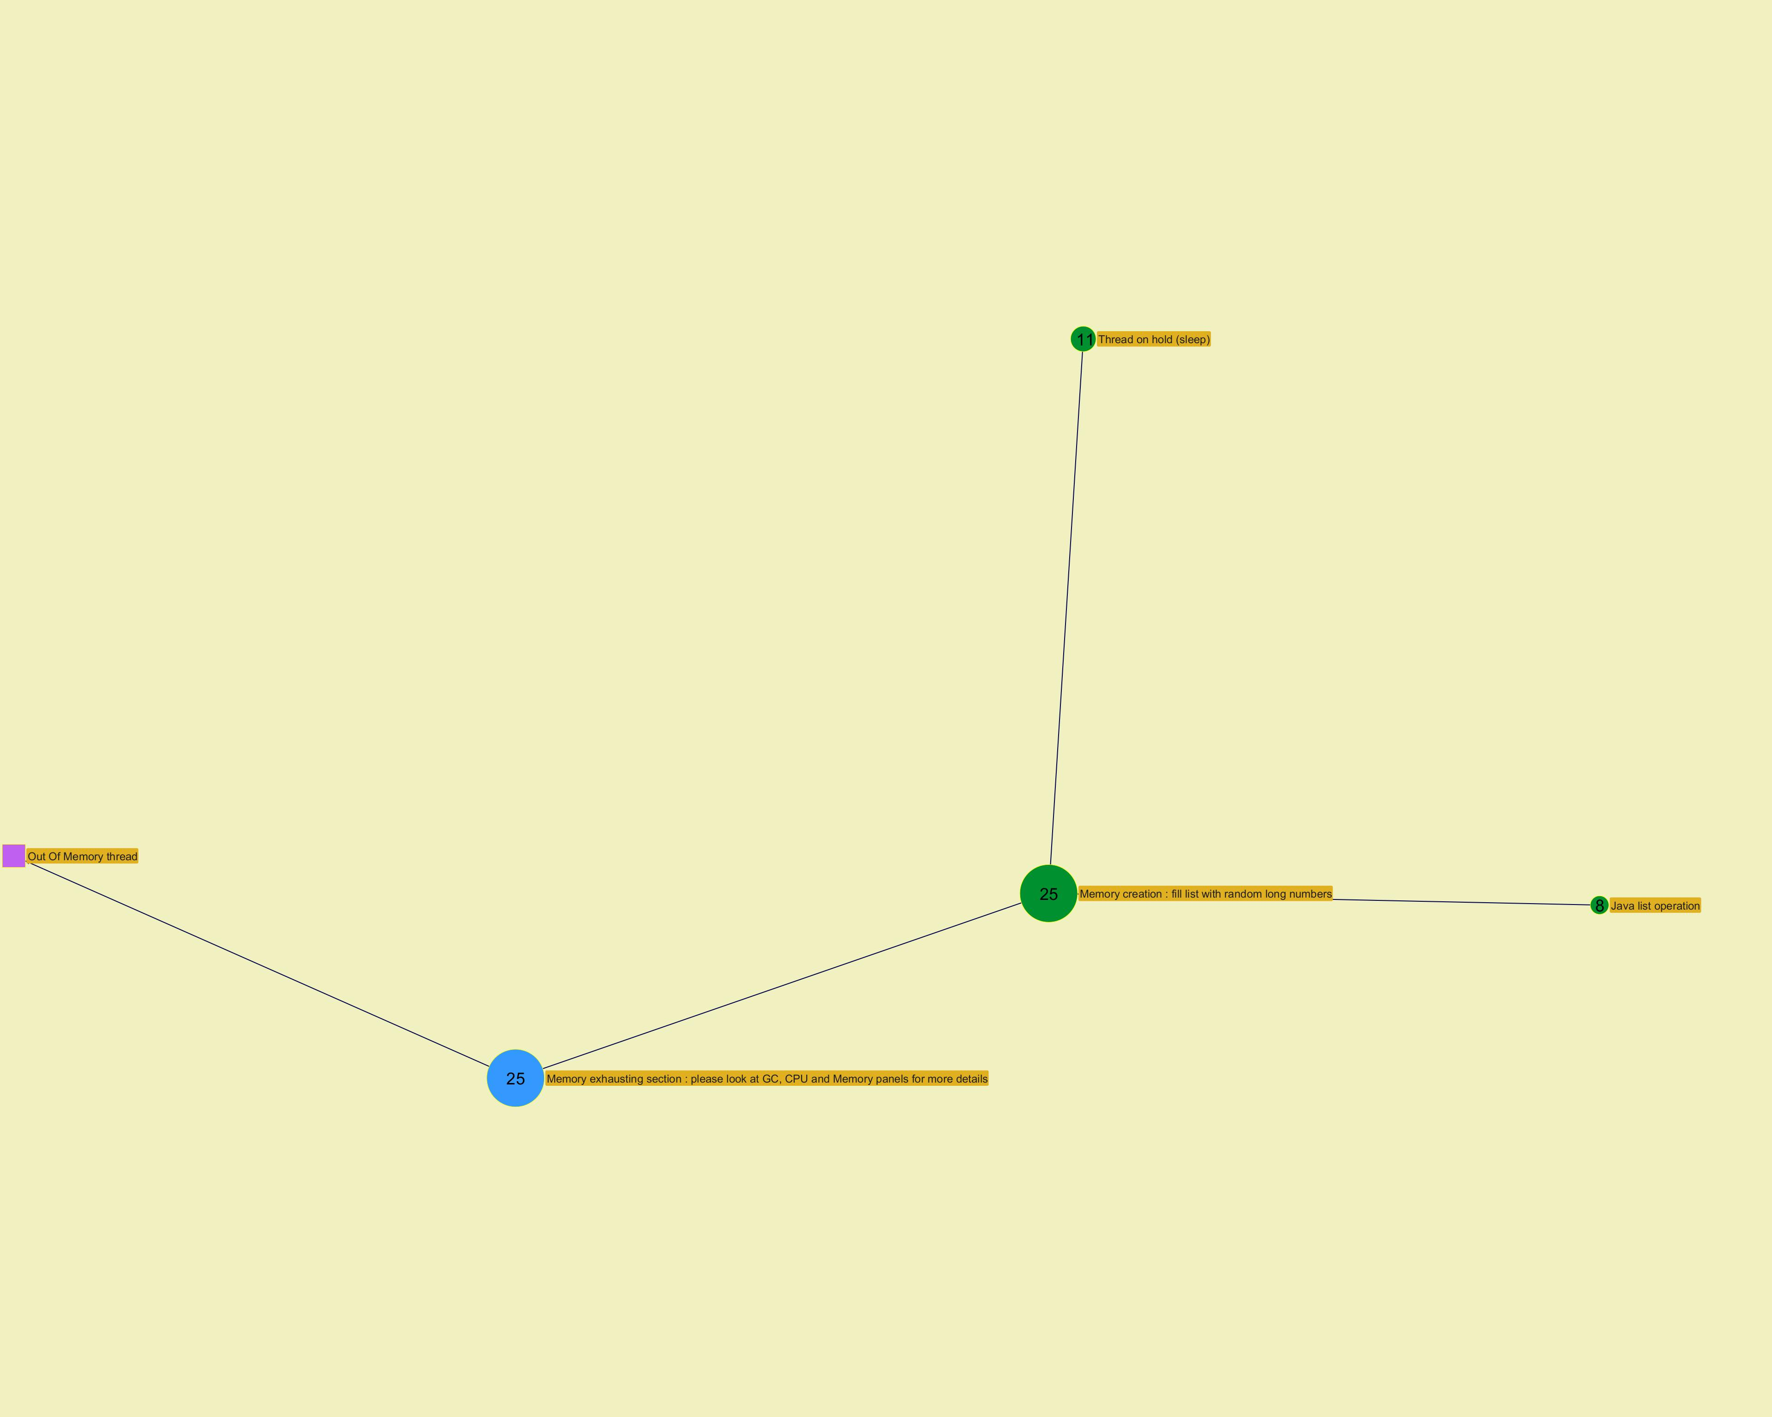

­

Function histogram
...
­
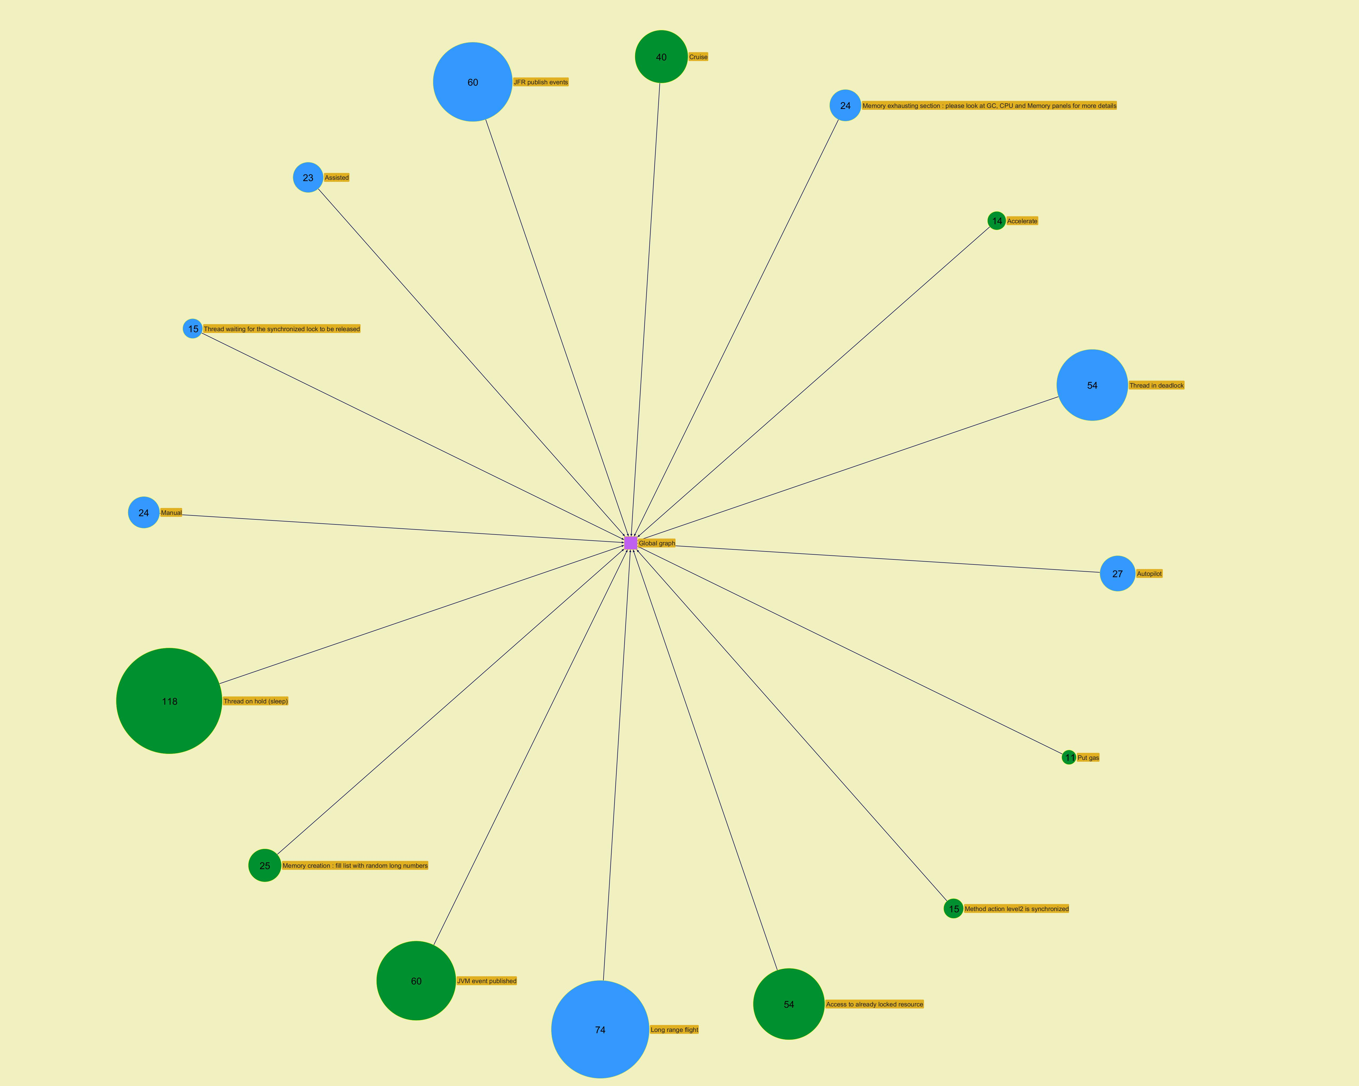
...
­

Modules
...
­




