Menu

JZR report | Jeyzer |  | Items | I was not predicting the future, I was trying to prevent it. Ray Bradbury
 | Session info | Lists analysis and session recording information. | 49
 | Process card | Displays and groups all the process properties per category : OS, architecture, startup parameters... Permits to collect technical details helping in the troubleshooting. | 45
 | Monitoring sequence | Displays monitoring events on a Jeyzer time sequence, along with header figures. | 54
 | Standard alerts | Displays standard monitoring events. Permits to identify process activity problems at a glance. | 32 (10)
 | Advanced alerts | Displays Advanced monitoring events. Permits to identify CPU, memory and GC problems. | 56 (2)
 | MX alerts (Airliner) | Displays MX aircraft monitoring events. Permits to identify flight problems. | 16 (2)
 | Journal of events | Displays applicative and monitoring events. Permits to correlate application events with system incidents. | 83
 | Action Dashboard | Displays the main actions, including their function graph picture and details. Permits to detect bottlenecks at a glance. | 2 (4)
 | Functions | Displays the demo features on a Jeyzer time sequence, focusing on functions and headers. | 31
 | Process card alerts | Displays process card monitoring events. Permits to check system or process info and recommend actions like critical patch appliance. | 8
 | Library and module checks | Displays library and Java module monitoring events. Permits to check the dependency status and to recommend actions like critical patch appliance or upgrade. Checks also the presence of modules/libraries (like an agent) and demonstrates the dynamic loading of shared profiles. | 12
 | Function Discovery | Displays actions in a time line manner, focusing on dynamic function discovery. Permits to catch additional process aspects. | 31
 | Operations | Displays Jeyzer time sequence display features, focusing on operations. Operation is code executed at low level. | 31
 | Row Headers | Displays Jeyzer time sequence display features, focusing on row headers. | 31
 | Contentions | Displays Jeyzer time sequence display features, focusing on contention types. Contention type is low level activity. | 31
 | Charts | Displays CPU/memory/GC/Lock figures in charts at process and system level. | 30 (9)
 | Task list | Displays all the detected actions in a flat mode. Permits to narrow actions occuring on a specific time range. | 31
 | Locks | Displays actions in a time line manner, focusing on java lock operations, locked/locking threads as well as frozen stacks. Permits to identify deadlocks and slow downs due to excessive locking. | 31
 | Memory GC Global | Displays global garbage collecting figures such as execution time, executed GC, released memory.. Permits to identify GC dysfunctions and potential memory leaks. Includes GC graphs. | 21 (4)
 | Memory GC Old | Displays garbage collecting figures for the Old Generation memory zone. Permits to spot out of memory cases. Includes GC graphs. | 18 (4)
 | Memory | Displays actions in a time line manner, focusing on process and thread memory consumption. Permits to identify high memory consuming actions. Includes memory graphs. | 31 (4)
 | CPU | Displays actions in a time line manner, focusing on process and thread CPU consumption. Permits to identify high CPU consuming actions. | 31 (1)
 | MX Features (Airliner) | Displays the air cruise data on a time line. Data is Jeyzer MX based. | 31
 | Stack groups | Displays groups of similar stacks on a time line. Permits to get a good overview of the different process activities in a large multi-threaded environment. | 86
 | Action Profiling | Displays stack traces in a tree node style - grouped per action - with apperance/CPU/memory figures. Permits to detect bottlenecks in the applicative source code. | 20 (4)
 | Long Action Profiling | Displays stack traces in a tree node style - grouped per distinct action - for the long running actions. Permits to detect bottlenecks in the applicative source code. CPU/memory figures are displayed if available. | 13 (10)
 | States | Displays actions in a time line manner, focusing on java thread states. | 31
 | Top stacks | Displays all stacks grouped by apperance order. Permits to spot eventual bottlenecks. | 36 (2)
 | Long Action Histogram | Lists all the functions and operations - grouped per distinct action - for the long running actions. Permits to spot concentration points on particular actions. | 13 (10)
 | Action histogram | Lists all the functions and operations at the action level. Permits to spot concentration points within actions. | 20 (4)
 | Function histogram | Displays and groups all the detected functions and operations. Permits to spot concentration points : I/O, specific action, database access.. | 39 (2)
 | Executor function histogram | Lists all the functions and operations at the executor level. Permits to spot concentration points within the different types of threads such as thread pools, activities, etc. | 4
 | Executor histogram | Lists all the executors with their number of actions and stacks. Permits to get a view on the activity type like user actions, scheduled activities, internals, etc. | 4
 | Recording state | Displays recording state measurements like recording collection time and write speed. Permits to see how the recording behaved. | 31 (2)
 | Monitoring Rules | Displays monitoring rules applied on the current session. Includes rule hit count. | 136
 | Stickers | Displays the monitoring stickers. Includes sticker positive and negative matching. | 35
 | Libraries | Displays the list of jar files loaded by the JVM. Includes their version and path. Detect the snapshot libraries. | 13
 | Modules | Displays the list of Java modules loaded by the JVM. Includes their version and attributes. Detect the snapshot libraries. | 25 (1)
 | JVM Flags | Displays all the JVM flags including the changed ones. Permits to review the JVM technical details. Exhaustive JVM flag documentation available at : https://chriswhocodes.com/hotspot_options_jdk11.html | 13
 | Analysis Patterns | Lists all the master and shared analysis patterns used to generate this report. | 532
 | About | All about Jeyzer.

Standard alerts
Jeyzer
Graph | Cont | Fea | Dis | Ope | Rhe | Ctt | Cht | Lck | Sta | Start date | Event | Recommendation | Additional information | Rank | End date | Level | Scope | Count | Action (composite) | Duration (sec) | Thread | Ref
 |  | F | D | O | R | C |  | L | S | 5/14/23 | Stack overflow | Thread stack too high. Check the relative thread dump to see if there is stack overflow evidence. |  | C6 | 5/14/23 | CRITICAL | Stack | 15 | Manual - Autopilot - Assisted - Long range flight | 0 hours 1 minutes 10 seconds | Demo thread 4 | DEM-STD-0091
 |  | F | D | O | R | C | C | L | S | 5/14/23 | Global thread limit reached | High number of threads created. Please send the Jeyzer recording to your Support service and monitor closely the application. | Max number of active threads detected : 29 | W4 | In progress | WARNING | Global | 47 | Not applicable | 0 hours 4 minutes 3 seconds | Not applicable | DEM-STD-0021
 |  | F | D | O | R | C |  | L | S | 5/14/23 | Long running task | Long range flight detected. |  | W6 | 5/14/23 | WARNING | Action | 17 | Manual - Autopilot - Assisted - Long range flight | 0 hours 1 minutes 30 seconds | Demo thread 4 | DEM-STD-0081
 |  | F | D | O | R | C | C | L | S | 5/14/23 | Active named thread limit reached : Demo thread pool | Demo thread pool alert : demo is running. | Max number of active threads detected : 3 | I3 | In progress | INFO | Global | 47 | Not applicable | 0 hours 4 minutes 3 seconds | Not applicable | DEM-STD-0101
 |  |  |  |  |  |  |  |  |  | 5/14/23 | Multiple recording snapshots | Recording contains multiple snapshots. | Recording size : 47 | I1 | In progress | INFO | System | 1 | Not applicable | 0 hours 4 minutes 3 seconds | Not applicable | DEM-STD-0151
 |  | F | D | O | R | C |  | L | S | 5/14/23 | Plane lights function pattern found | Planes have active lights |  | I7 | 5/14/23 | INFO | Action | 1 | Left wing yellow light | Instantaneous | Demo thread 1 | DEM-STD-0121
 |  | F | D | O | R | C |  | L | S | 5/14/23 | Sleeping threads operation pattern found | Active threads sleeping !! |  | I7 | 5/14/23 | INFO | Stack | 15 | Manual - Autopilot - Assisted - Long range flight | 0 hours 1 minutes 10 seconds | Demo thread 4 | DEM-STD-0131
 |  | F | D | O | R | C |  | L | S | 5/14/23 | Plane lights function pattern found | Planes have active lights |  | I7 | 5/14/23 | INFO | Action | 1 | Right wing green light | Instantaneous | Demo thread 2 | DEM-STD-0121
 |  | F | D | O | R | C |  | L | S | 5/14/23 | Frozen code task | Task showing identical consecutive stacks on specific action. Provide your software provider with the JZR report for review. |  | I1 | 5/14/23 | INFO | Action | 3 | Frozen code section : stacks are identical | 0 hours 0 minutes 10 seconds | Demo thread 1 | DEM-STD-0012
§ | W | F | D | O | R | C |  | L | S | 5/14/23 | Suspicious execution pattern requiring patch task execution pattern found | Suspicious execution pattern detected. Please contact the support for the AIR-526 patch. |  | C1 | 5/14/23 | CRITICAL | Action | 2 | Dysfunctional code sequence | 0 hours 0 minutes 5 seconds | Demo thread 1 | DEM-STD-0041
 |  | F | D | O | R | C |  | L | S | 5/14/23 | Stack overflow | Thread stack too high. Check the relative thread dump to see if there is stack overflow evidence. |  | C6 | 5/14/23 | CRITICAL | Stack | 18 | Manual - Assisted - Autopilot - Long range flight | 0 hours 1 minutes 25 seconds | Demo thread 4 | DEM-STD-0091
 |  | F | D | O | R | C |  | L | S | 5/14/23 | Long running task | Long range flight detected. |  | W6 | 5/14/23 | WARNING | Action | 18 | Manual - Assisted - Autopilot - Long range flight | 0 hours 1 minutes 25 seconds | Demo thread 4 | DEM-STD-0081
 |  | F | D | O | R | C |  | L | S | 5/14/23 | Sleeping threads operation pattern found | Active threads sleeping !! |  | I7 | 5/14/23 | INFO | Stack | 18 | Manual - Assisted - Autopilot - Long range flight | 0 hours 1 minutes 25 seconds | Demo thread 4 | DEM-STD-0131
§ | W | F | D | O | R | C |  | L | S | 5/14/23 | Stack overflow | Thread stack too high. Check the relative thread dump to see if there is stack overflow evidence. |  | C6 | 5/14/23 | CRITICAL | Stack | 5 | Thread waiting for the synchronized lock to be released - Thread owning the synchronized lock section | 0 hours 0 minutes 20 seconds | Lock demo thread 0 | DEM-STD-0091
 |  | F | D | O | R | C |  | L | S | 5/14/23 | Sleeping threads operation pattern found | Active threads sleeping !! |  | I7 | 5/14/23 | INFO | Stack | 5 | Thread waiting for the synchronized lock to be released - Thread owning the synchronized lock section | 0 hours 0 minutes 20 seconds | Lock demo thread 0 | DEM-STD-0131
 |  | F | D | O | R | C |  | L | S | 5/14/23 | Contention lock | A Java lock has been detected for some time. Please send the Jeyzer recording to your Support service and restart the application. | Max number of locked threads detected : 4 | W2 | 5/14/23 | WARNING | Stack | 4 | Thread waiting for the synchronized lock to be released - Thread owning the synchronized lock section | 0 hours 0 minutes 15 seconds | Lock demo thread 0 | DEM-STD-0071
 |  | F | D | O | R | C | C | L | S | 5/14/23 | Active thread limit reached | High number of active threads. Application may be under load. Monitor closely the application. | Max number of active threads detected : 7 | W3 | 5/14/23 | WARNING | Session | 2 | Not applicable | 0 hours 0 minutes 5 seconds | Not applicable | DEM-STD-0031
§ | W | F | D | O | R | C | C | L | S | 5/14/23 | Deadlock | A Java deadlock has been detected. Please send the Jeyzer recording to your Support service and restart the application. | Max deadlocks detected : 1 | C5 | In progress | CRITICAL | Session | 17 | Not applicable | 0 hours 1 minutes 22 seconds | Not applicable | DEM-STD-0061
 |  | F | D | O | R | C |  | L | S | 5/14/23 | Contention lock | A Java lock has been detected for some time. Please send the Jeyzer recording to your Support service and restart the application. | Max number of locked threads detected : 1 | W2 | In progress | WARNING | Stack | 17 | Thread in deadlock | 0 hours 1 minutes 22 seconds | Deadlock demo thread 1 | DEM-STD-0071
 |  | F | D | O | R | C |  | L | S | 5/14/23 | Frozen code task | Task showing identical consecutive stacks for long time. Provide your software provider with the JZR report for review. |  | W1 | In progress | WARNING | Action | 17 | Thread in deadlock | 0 hours 1 minutes 22 seconds | Deadlock demo thread 1 | DEM-STD-0011

 |  |  |  |  |  |  |  |  |  |  |  |  |  |  |  |  |  |  |  |  |  |  | ­ | ­
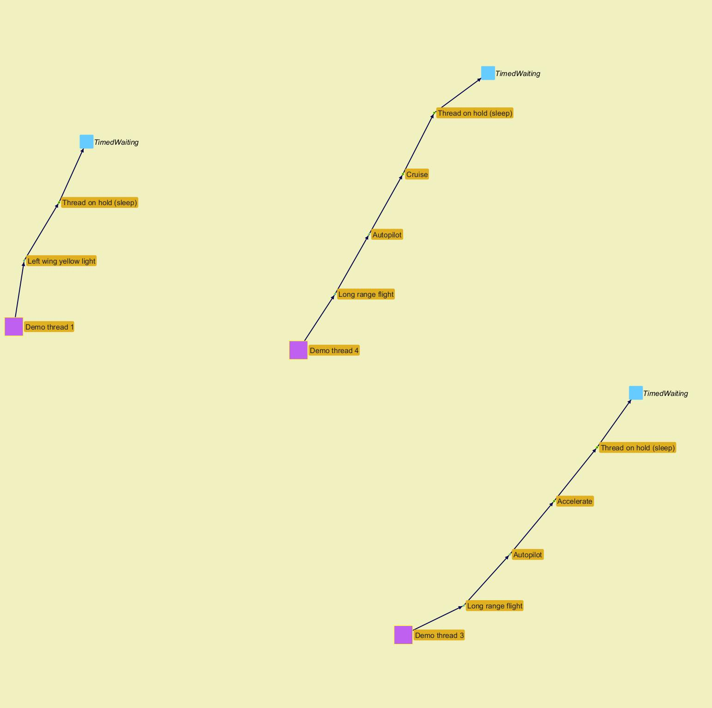
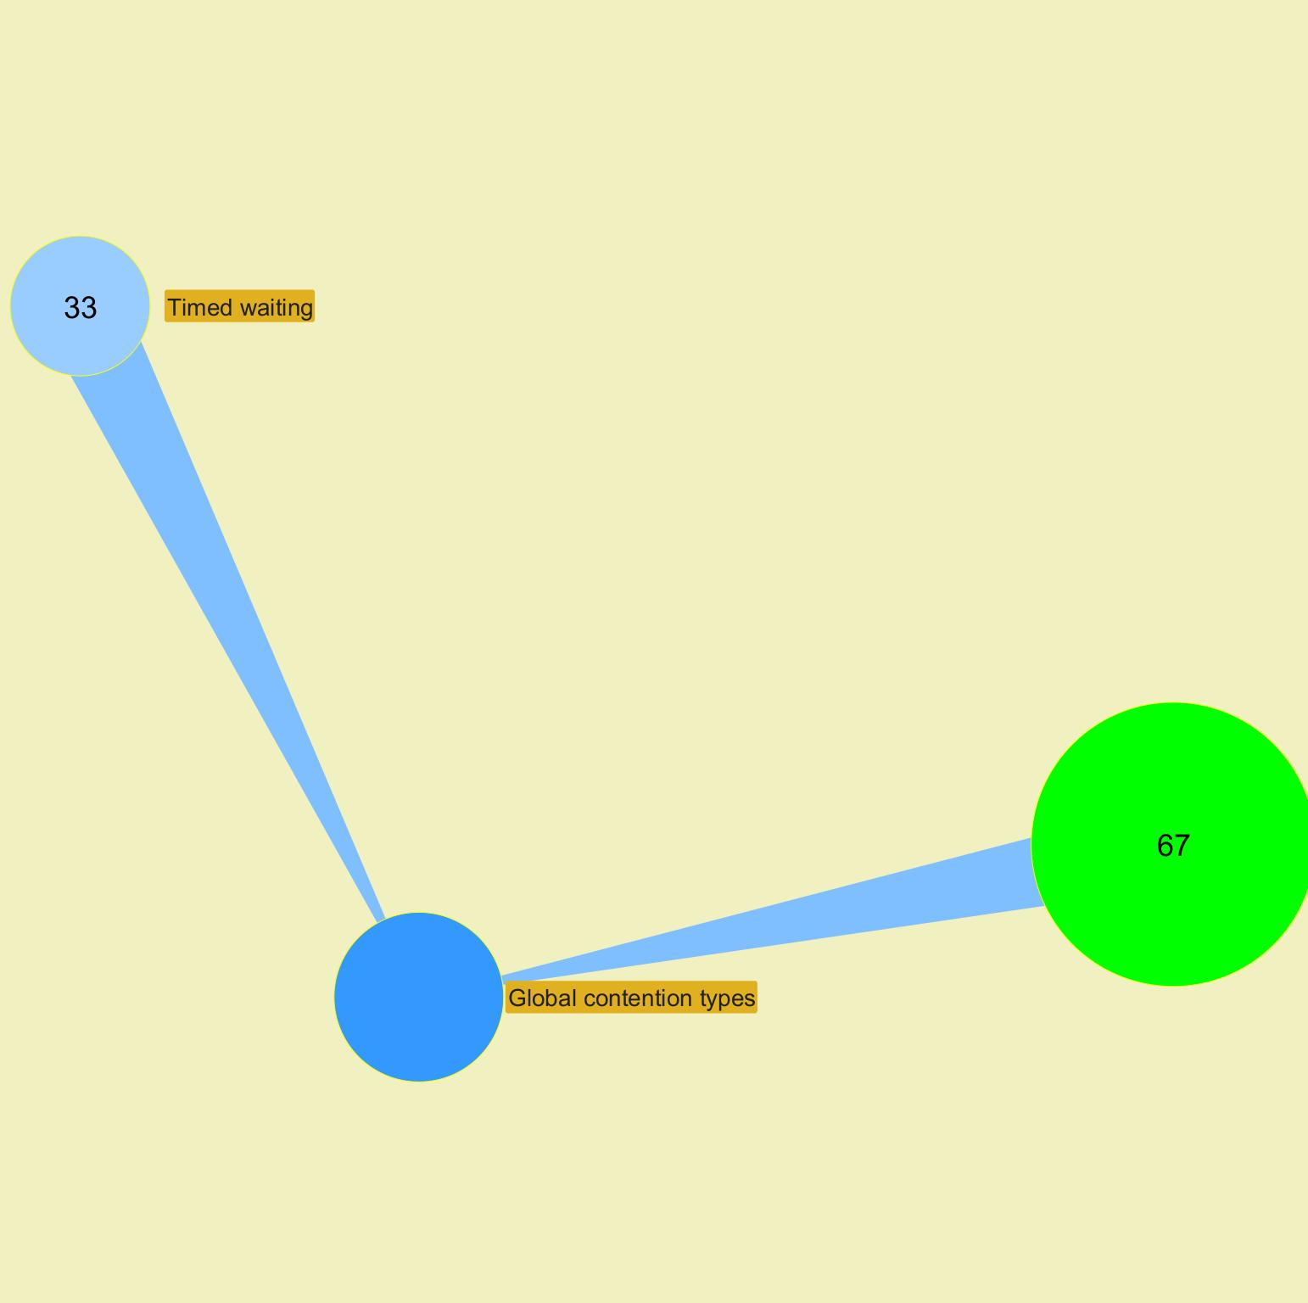

 |  |  |  |  |  |  |  |  |  |  |  |  |  |  |  |  |  |  |  |  |  |  |  | ­

 |  |  |  |  |  |  |  |  |  |  |  |  |  |  |  |  |  |  |  |  |  |  | ­

 |  |  |  |  |  |  |  |  |  |  |  |  |  |  |  |  |  |  |  |  |  |  | ­ | ­
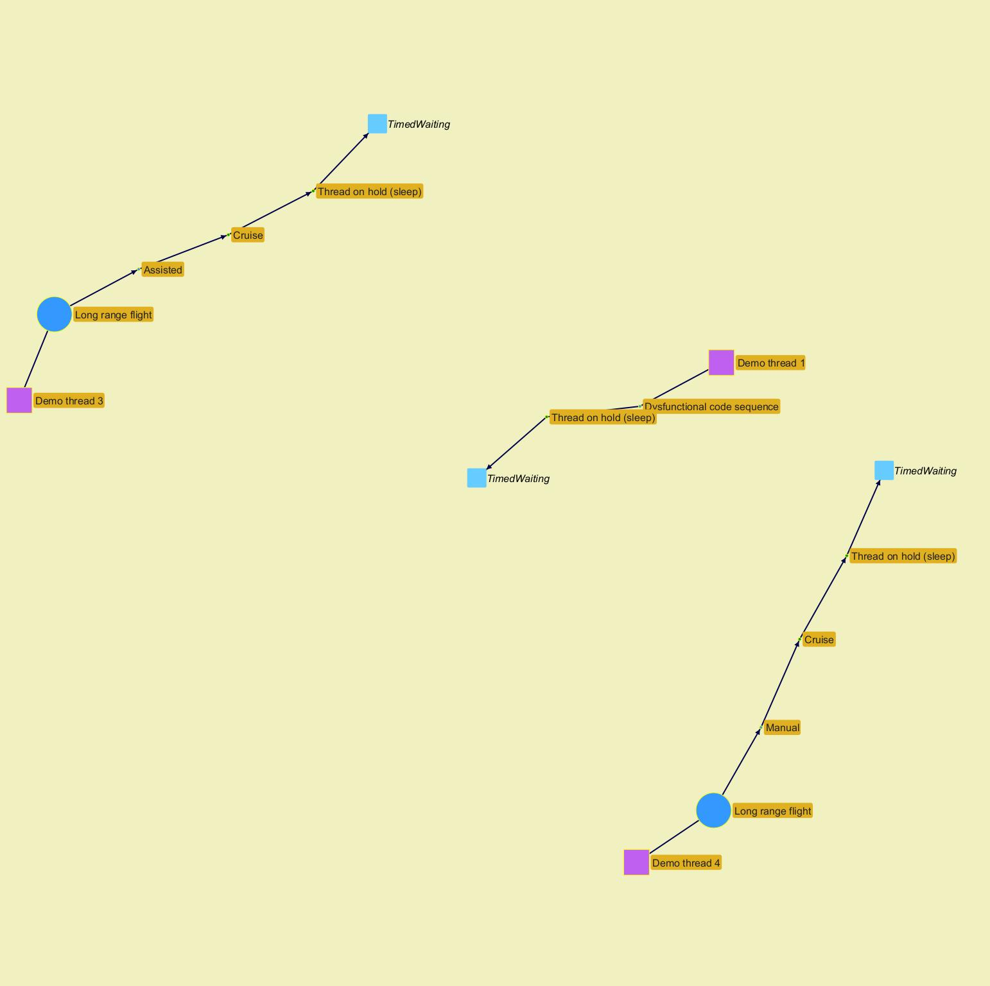
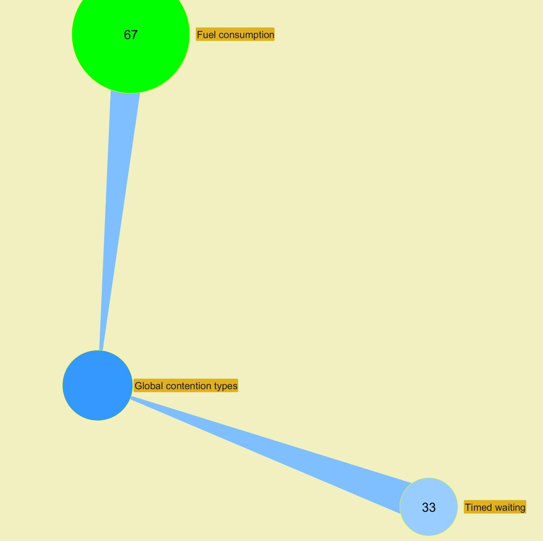

 |  |  |  |  |  |  |  |  |  |  |  |  |  |  |  |  |  |  |  |  |  |  |  | ­

 |  |  |  |  |  |  |  |  |  |  |  |  |  |  |  |  |  |  |  |  |  |  | ­

 |  |  |  |  |  |  |  |  |  |  |  |  |  |  |  |  |  |  |  |  |  |  | ­ | ­
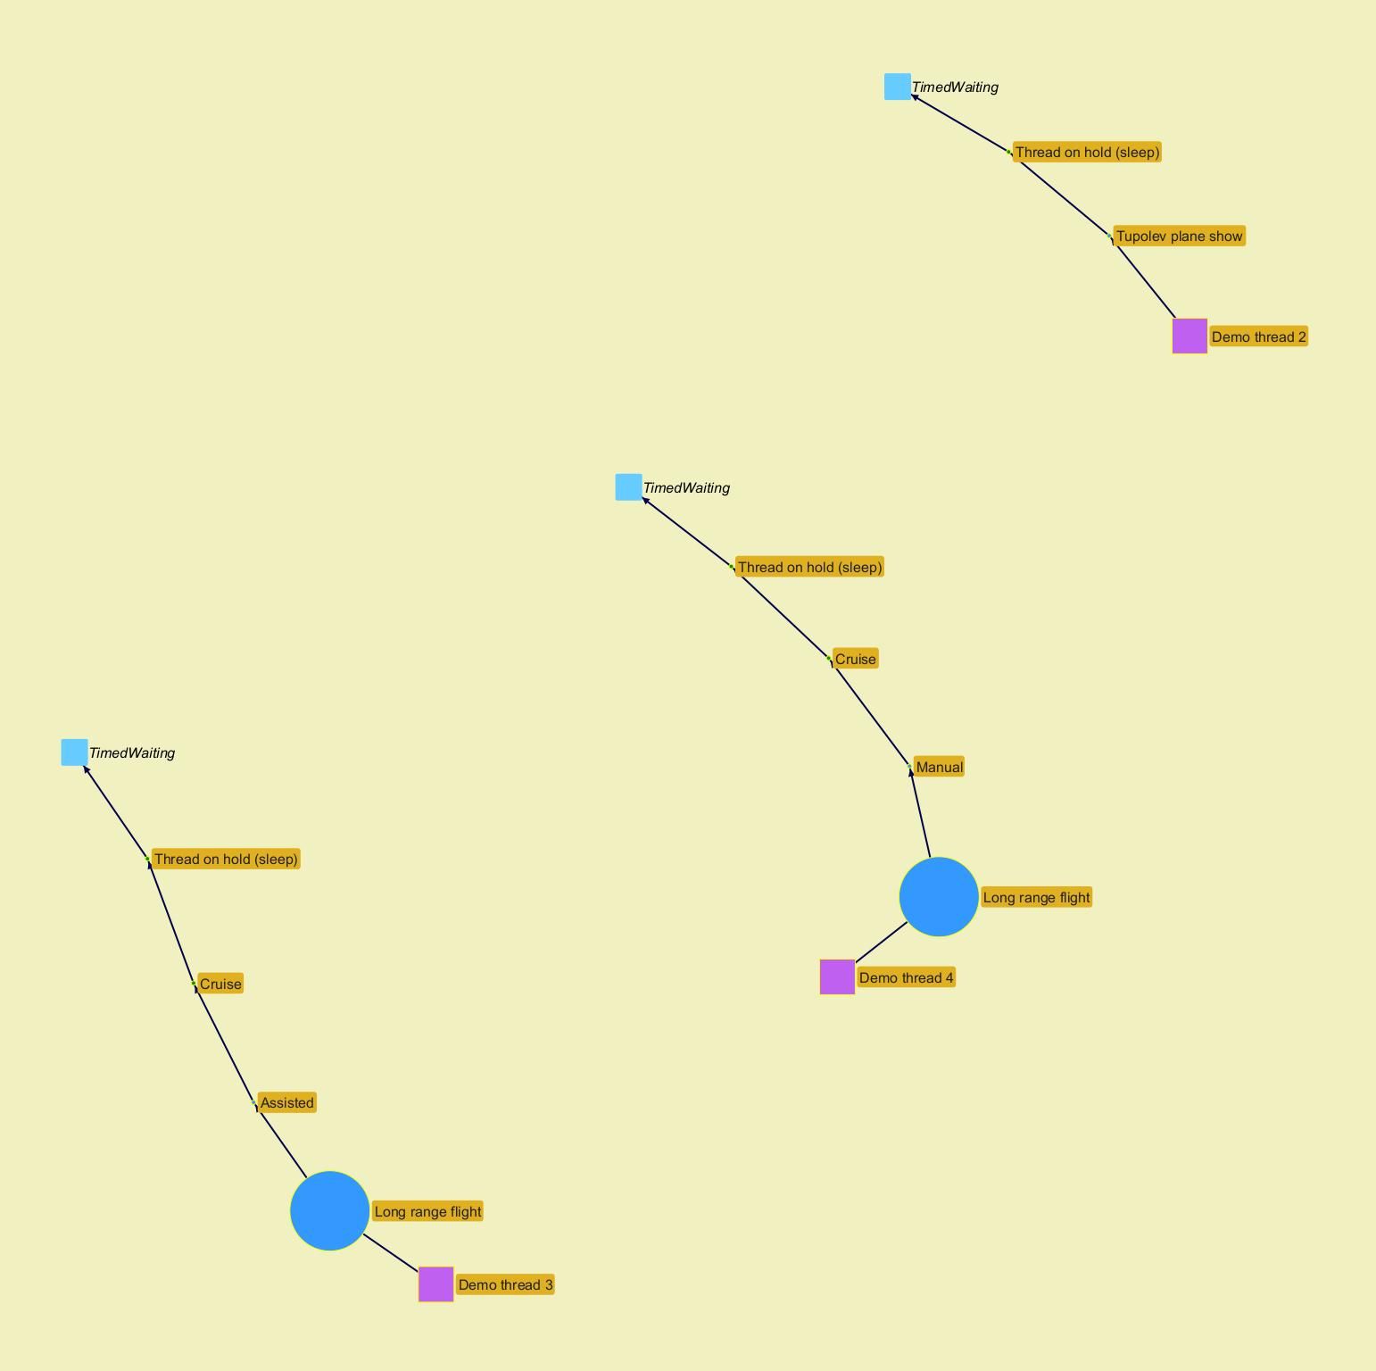
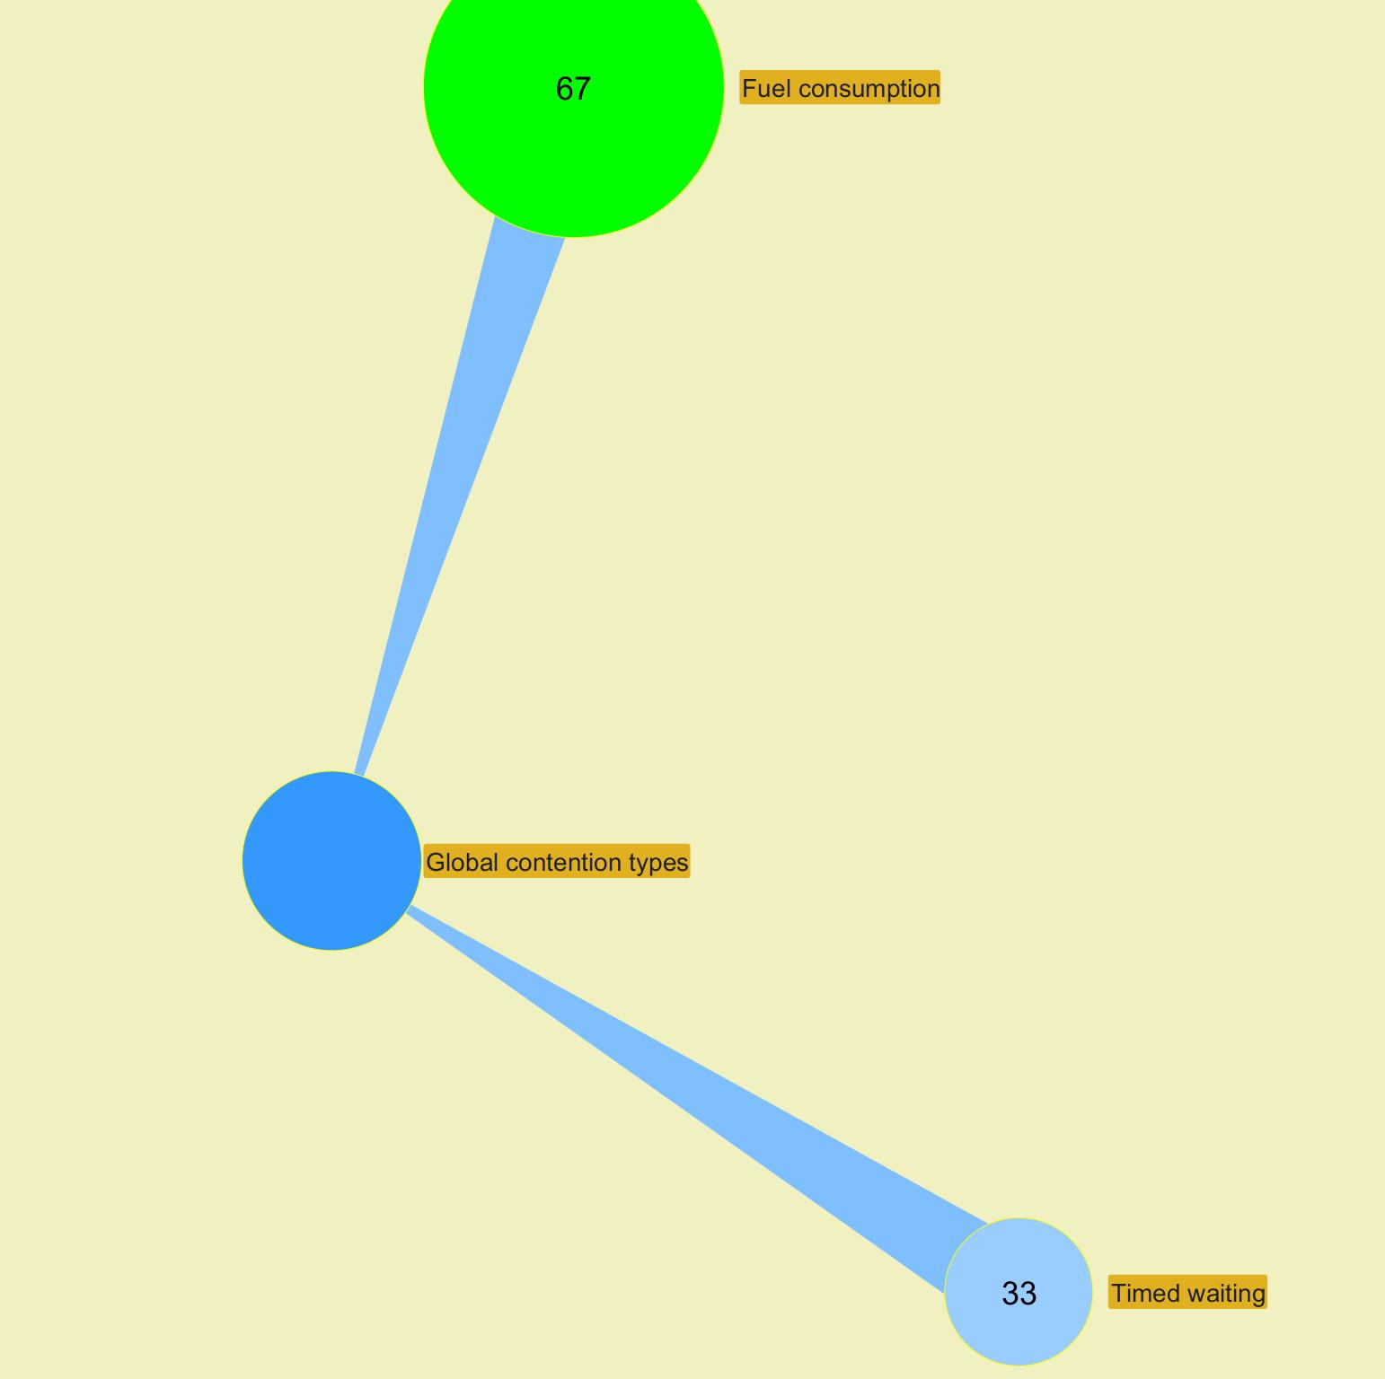

 |  |  |  |  |  |  |  |  |  |  |  |  |  |  |  |  |  |  |  |  |  |  |  | ­

 |  |  |  |  |  |  |  |  |  |  |  |  |  |  |  |  |  |  |  |  |  |  | ­

 |  |  |  |  |  |  |  |  |  |  |  |  |  |  |  |  |  |  |  |  |  |  | ­ | ­
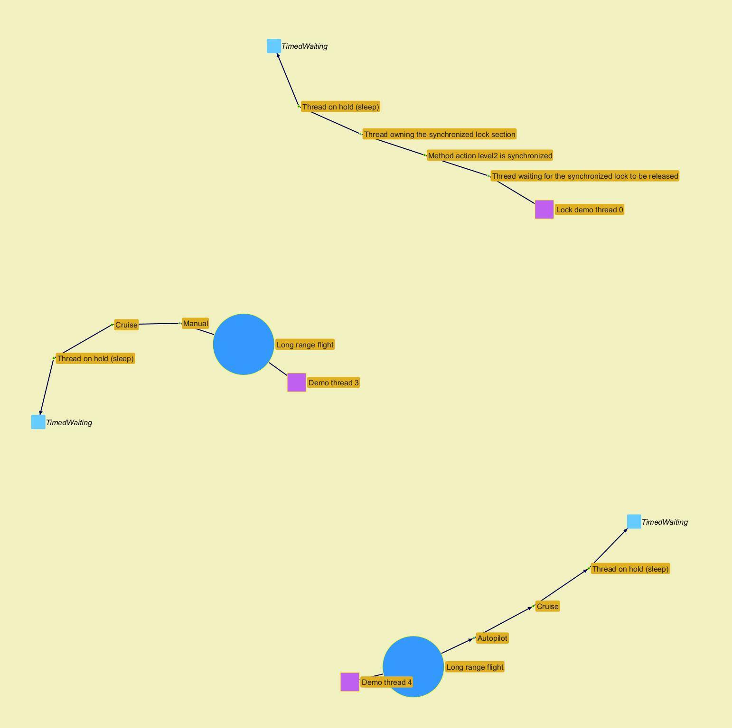
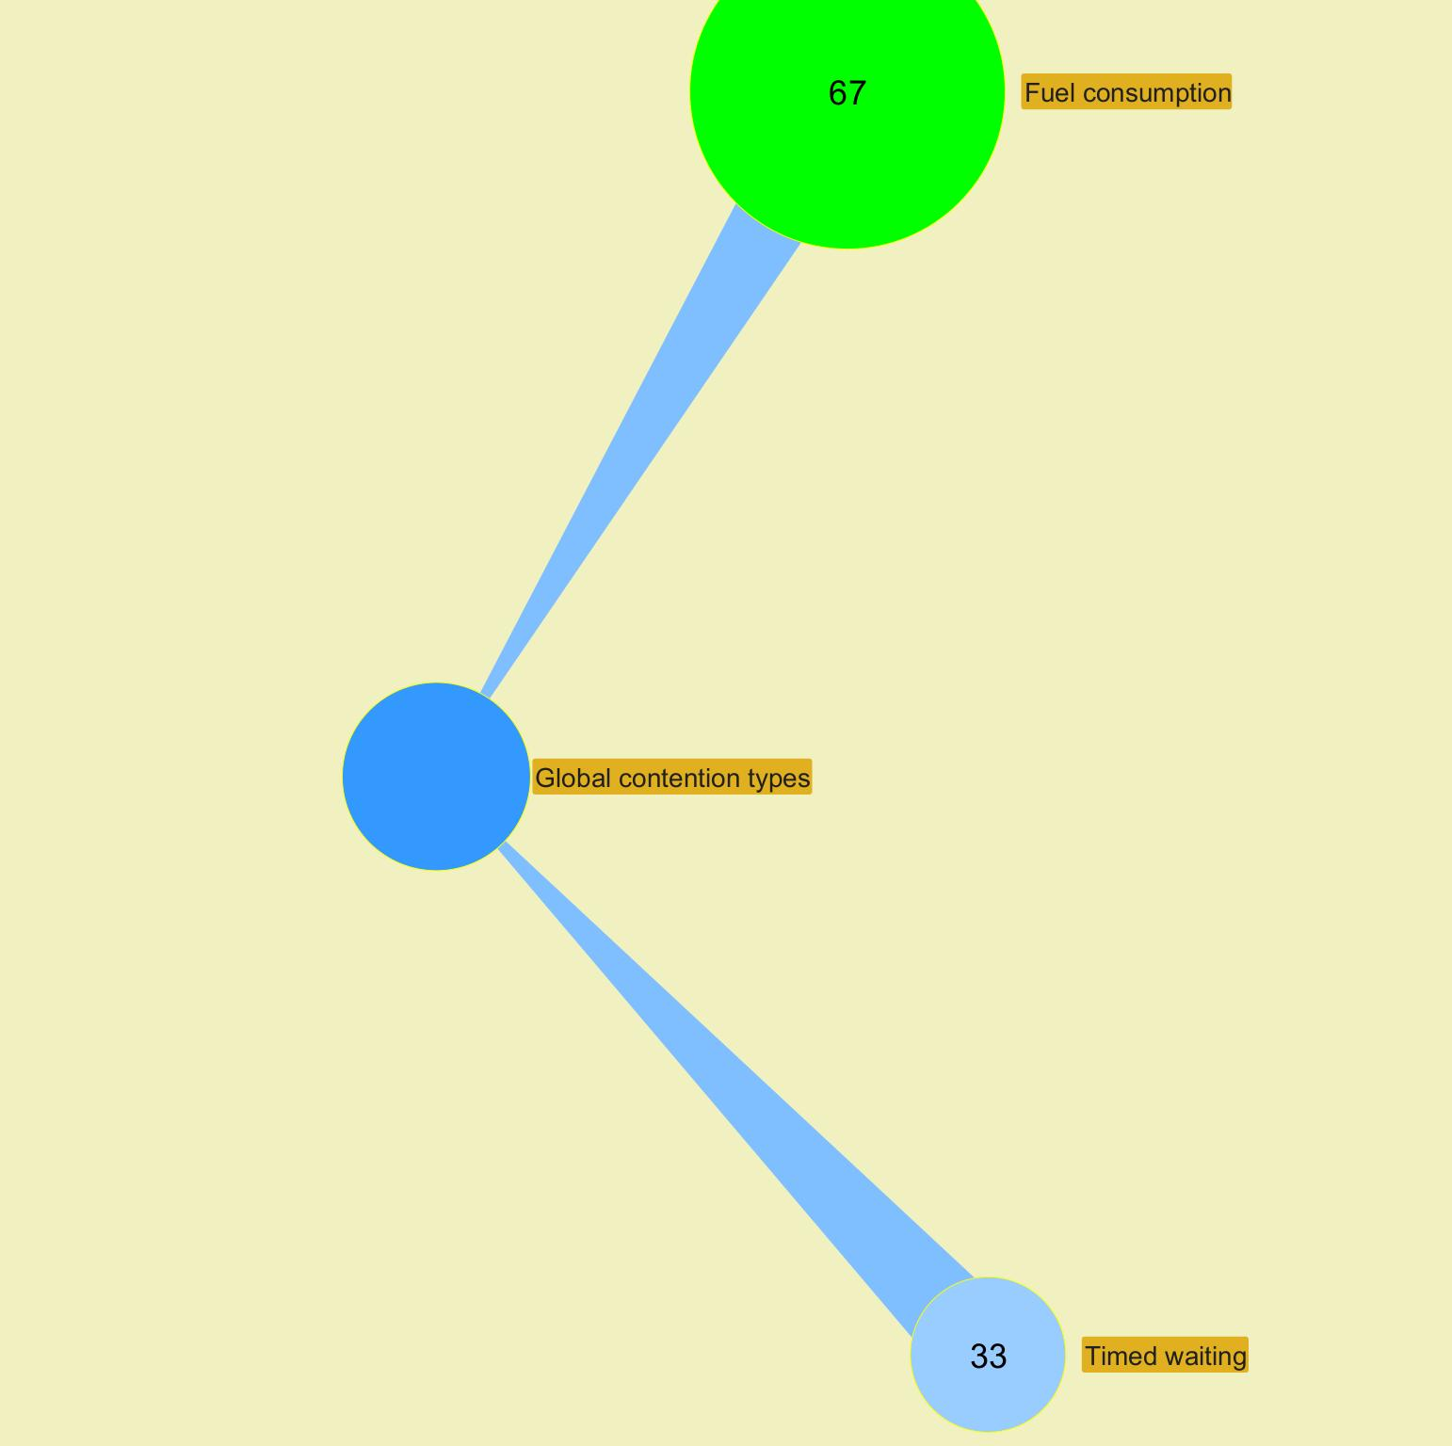

 |  |  |  |  |  |  |  |  |  |  |  |  |  |  |  |  |  |  |  |  |  |  |  | ­

 |  |  |  |  |  |  |  |  |  |  |  |  |  |  |  |  |  |  |  |  |  |  | ­

 |  |  |  |  |  |  |  |  |  |  |  |  |  |  |  |  |  |  |  |  |  |  | ­ | ­
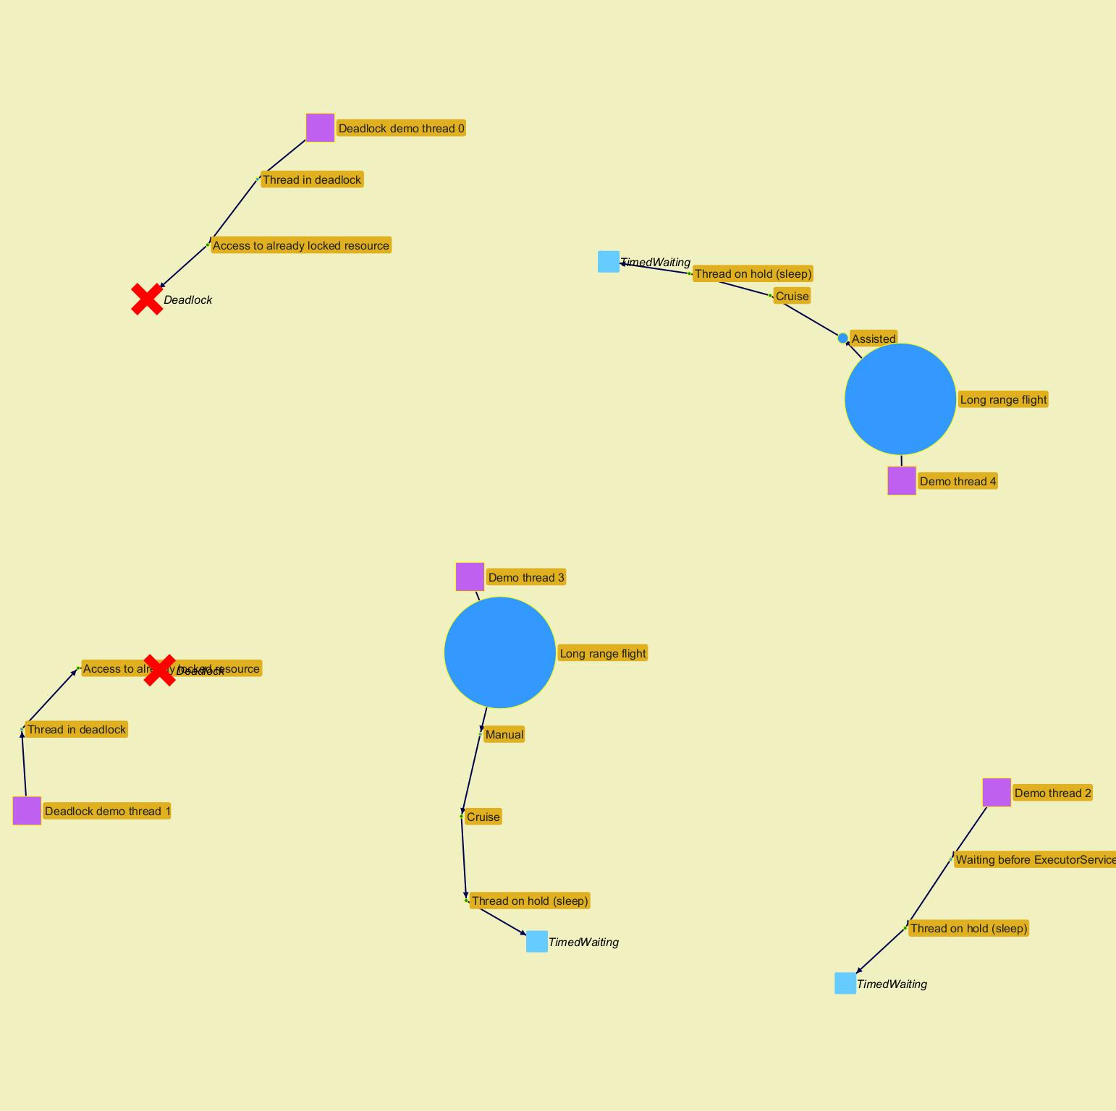
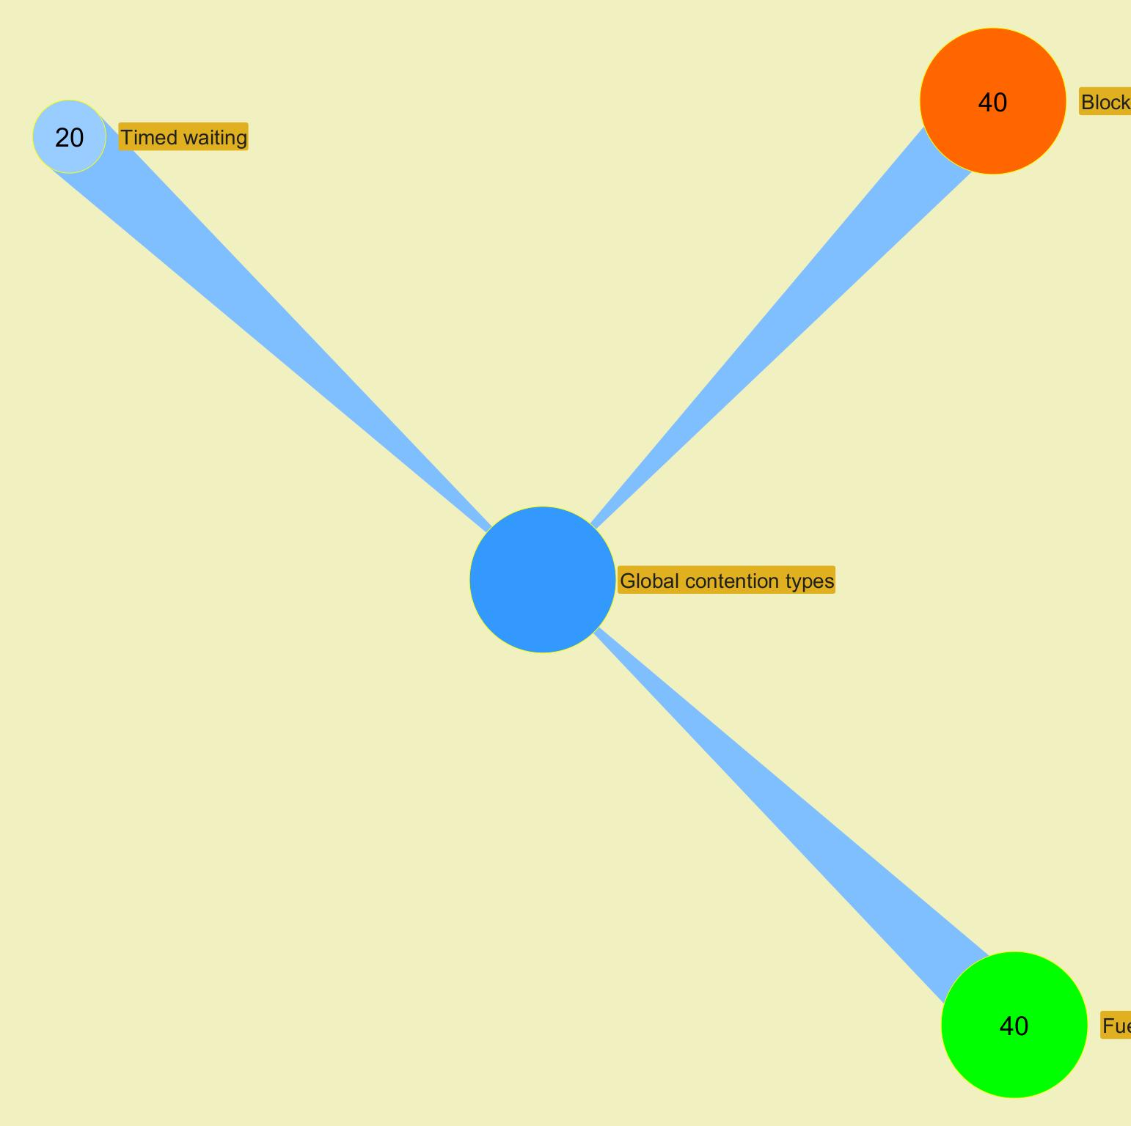

 |  |  |  |  |  |  |  |  |  |  |  |  |  |  |  |  |  |  |  |  |  |  |  | ­

 |  |  |  |  |  |  |  |  |  |  |  |  |  |  |  |  |  |  |  |  |  |  | ­

Advanced alerts
Jeyzer
Graph | Cont | Mon | Fea | GCg | GCo | Mem | Cpu | Start date | Event | Recommendation | Additional information | Rank | End date | Level | Scope | Count | Action (composite) | Duration (sec) | Thread | Ref
 |  | M | F | G | G | M | C | 5/14/23 | Jeyzer publisher | Jeyzer Publisher is active : applicative events and data are collected. Set the jeyzer.publisher.active system property to false to disable it. Requires applicative restart. | Applicative event start date : 2023/05/14 23:51:54 | I7 | 5/14/23 | INFO | Session | 1 | Not applicable | Instantaneous | Not applicable | JZR_PUB_002
 |  | M | F | G | G | M | C | 5/14/23 | Applicative session | Duplicate flooding test event. | Applicative event id : JZR_DEM_071684126314069-1201 Applicative oneshot event date : 2023/05/14 23:51:54 | W6 | 5/14/23 | WARNING | Session | 1 | Not applicable | Instantaneous | Not applicable | JZR_DEM_07
 |  | M |  |  |  |  |  | 5/14/23 | Applicative system | Process started with wrong user country : FR. Expected one is MA. | Applicative event id : JZR_DEM_051684126314071-2301 Applicative event oneshot date : 2023/05/14 23:51:54 | W8 | In progress | WARNING | System | 1 | Not applicable | 0 hours 4 minutes 3 seconds | Not applicable | JZR_DEM_05
 |  | M | F | G | G | M | C | 5/14/23 | Jeyzer publisher | Applicative info event collection suspended at runtime. | Applicative event start date : 2023/05/14 23:51:54 | W8 | 5/14/23 | WARNING | Session | 1 | Not applicable | Instantaneous | Not applicable | JZR_PUB_303
 |  | M | F | G | G | M | C | 5/14/23 | Applicative session | We would like to inform you that the Features demo has started. | Applicative event id : JZR_DEM_011684126314071-2303 Applicative oneshot event date : 2023/05/14 23:51:54 | I9 | 5/14/23 | INFO | Session | 1 | Not applicable | Instantaneous | Not applicable | JZR_DEM_01
 |  | M | F | G | G | M | C | 5/14/23 | Jeyzer publisher | Applicative info event collection resumed. | Applicative event start date : 2023/05/14 23:51:54 | I8 | 5/14/23 | INFO | Session | 1 | Not applicable | Instantaneous | Not applicable | JZR_PUB_304
 |  | M | F | G | G | M | C | 5/14/23 | Applicative session | Wing lightLEFT blink count event #0 | Applicative event id : JZR_FEA_101684126322077-2304 Applicative oneshot event date : 2023/05/14 23:52:02 Applicative event thread id : 30 | I7 | 5/14/23 | INFO | Session | 1 | Not applicable | Instantaneous | Not applicable | JZR_FEA_10
 |  | M | F |  |  | M | C | 5/14/23 | Applicative task | Plane British Airways Flight 223 is now flying over the Atlantic. | Applicative event id : JZR_FEA_121684126322079-2306 Applicative event start date : 2023/05/14 23:52:02 Applicative event end date : 2023/05/14 23:53:34 Applicative event thread id : 33 | I7 | 5/14/23 | INFO | Action | 1 | Manual - Autopilot - Assisted - Long range flight | 0 hours 1 minutes 35 seconds | Demo thread 4 | JZR_FEA_12
 |  | M | F | G | G | M | C | 5/14/23 | App partition disk space free | Free disk space low. Check the disk space : log files, temp directories.. | Min disk space free on App partition : 613 Gb | W3 | In progress | WARNING | Global | 47 | Not applicable | 0 hours 4 minutes 3 seconds | Not applicable | DEM-ADV-0171
 |  | M | F | G | G | M | C | 5/14/23 | App partition disk space free % | Free disk space very low. Check the disk space : log files, temp directories.. | Min disk space free % on App partition : 64% | W3 | In progress | WARNING | Global | 47 | Not applicable | 0 hours 4 minutes 3 seconds | Not applicable | DEM-ADV-0152
 |  | M | F | G | G | M | C | 5/14/23 | App partition disk space used | Used disk space high. Check the disk space : log files, temp directories.. | Max disk space used on App partition : 340 Gb | W3 | In progress | WARNING | Global | 47 | Not applicable | 0 hours 4 minutes 3 seconds | Not applicable | DEM-ADV-0181
 |  | M | F | G | G | M | C | 5/14/23 | App partition disk space used % | Used disk space very high. Check the disk space : log files, temp directories.. | Max disk space used % on App partition : 36% | W3 | In progress | WARNING | Global | 47 | Not applicable | 0 hours 4 minutes 3 seconds | Not applicable | DEM-ADV-0162
 |  | M |  |  |  |  |  | 5/14/23 | App partition disk space total | Total disk space lower than recommend one to run the application. Please refer to your application Admin Guide. | Total disk space on App partition : 953 Gb | I3 | In progress | INFO | System | 1 | Not applicable | 0 hours 4 minutes 3 seconds | Not applicable | DEM-ADV-0191
 |  | M | F | G | G | M | C | 5/14/23 | Applicative session | Frozen code task started | Applicative event id : JZR_FEA_041684126352135-2312 Applicative oneshot event date : 2023/05/14 23:52:32 Applicative event thread id : 30 | I7 | 5/14/23 | INFO | Session | 1 | Not applicable | Instantaneous | Not applicable | JZR_FEA_04
 |  | M | F | G | G | M | C | 5/14/23 | Memory consuming process | Process consuming high amount of memory. If too frequent, please contact support. | Max memory heap % : 36% | W6 | 5/14/23 | WARNING | Session | 3 | Not applicable | 0 hours 0 minutes 10 seconds | Not applicable | DEM-ADV-0051
 |  | M | F | G | G | M | C | 5/14/23 | Applicative session | Task consuming high amount of memory is now started. Any immediate memory alert notification could therefore be observed. | Applicative event id : JZR_FEA_081684126367137-2313 Applicative oneshot event date : 2023/05/14 23:52:47 Applicative event thread id : 31 | I7 | 5/14/23 | INFO | Session | 1 | Not applicable | Instantaneous | Not applicable | JZR_FEA_08
 |  | M | F |  |  | M | C | 5/14/23 | Memory consuming task | Memory consuming action. If too frequent, please contact support. | Max heap usage % : 45 | W9 | 5/14/23 | WARNING | Action | 1 | Memory consuming thread - Memory consuming section : please look at Memory panel for more details | Instantaneous | Demo thread 2 | DEM-ADV-0061
 |  | M | F | G | G | M | C | 5/14/23 | Applicative session | Problem detected. Please contact your support giving this reference : JZR_FEA_03 | Applicative event id : JZR_FEA_031684126372324-2314 Applicative oneshot event date : 2023/05/14 23:52:52 Applicative event thread id : 30 | I7 | 5/14/23 | INFO | Session | 1 | Not applicable | Instantaneous | Not applicable | JZR_FEA_03
 |  | M | F | G | G | M | C | 5/14/23 | Process up time | Process has been running for too long. It is recommended to restart it | Up time reached at : 2023/05/14 23:52:53 | W7 | 5/14/23 | WARNING | Session | 5 | Not applicable | 0 hours 0 minutes 20 seconds | Not applicable | DEM-ADV-0101
 |  | M | F | G | G | M | C | 5/14/23 | Applicative session | Task consuming high amount of CPU is now started. Any immediate CPU alert notification could therefore be observed. | Applicative event id : JZR_FEA_011684126382346-2315 Applicative oneshot event date : 2023/05/14 23:53:02 Applicative event thread id : 31 | I7 | 5/14/23 | INFO | Session | 1 | Not applicable | Instantaneous | Not applicable | JZR_FEA_01
 |  | M | F |  |  | M | C | 5/14/23 | CPU consuming task | CPU consuming stack. If too frequent, please contact support. | Max CPU % : 99 | W8 | 5/14/23 | WARNING | Stack | 2 | CPU consuming thread - CPU consuming section : please look at CPU panel for more details | 0 hours 0 minutes 5 seconds | Demo thread 2 | DEM-ADV-0031
 |  | M | F | G | G | M | C | 5/14/23 | Applicative session | Hiatus end task started | Applicative event id : JZR_FEA_061684126407355-2317 Applicative oneshot event date : 2023/05/14 23:53:27 Applicative event thread id : 31 | I7 | 5/14/23 | INFO | Session | 1 | Not applicable | Instantaneous | Not applicable | JZR_FEA_06
 |  | M | F | G | G | M | C | 5/14/23 | Memory consuming process | Process consuming high amount of memory. If too frequent, please contact support. | Max memory heap % : 12% | W6 | 5/14/23 | WARNING | Session | 12 | Not applicable | 0 hours 0 minutes 55 seconds | Not applicable | DEM-ADV-0051
 |  | M | F | G | G | M | C | 5/14/23 | Process up time | Process has been running for too long. It is recommended to restart it | Up time reached at : 2023/05/14 23:53:29 | W7 | In progress | WARNING | Session | 32 | Not applicable | 0 hours 2 minutes 37 seconds | Not applicable | DEM-ADV-0101
 |  | M | F | G | G | M | C | 5/14/23 | Applicative session | Boeing plane flight started | Applicative event id : JZR_FEA_151684126412367-2318 Applicative oneshot event date : 2023/05/14 23:53:32 Applicative event thread id : 30 | I7 | 5/14/23 | INFO | Session | 1 | Not applicable | Instantaneous | Not applicable | JZR_FEA_15
 |  | M | F |  |  | M | C | 5/14/23 | Applicative task | Plane Lufthansa Flight 777 is now flying over the Atlantic. | Applicative event id : JZR_FEA_121684126414943-2320 Applicative event start date : 2023/05/14 23:53:34 Applicative event end date : 2023/05/14 23:55:07 Applicative event thread id : 33 | I7 | 5/14/23 | INFO | Action | 1 | Manual - Assisted - Autopilot - Long range flight | 0 hours 1 minutes 31 seconds | Demo thread 4 | JZR_FEA_12
 |  | M | F | G | G | M | C | 5/14/23 | Applicative session | Memory exhausted task started | Applicative event id : JZR_FEA_091684126497526-2328 Applicative oneshot event date : 2023/05/14 23:54:57 Applicative event thread id : 30 | I7 | 5/14/23 | INFO | Session | 1 | Not applicable | Instantaneous | Not applicable | JZR_FEA_09
§ | W | M | F | G | G | M | C | 5/14/23 | Excessive GC time | GC time high. Check memory figures. If too high, restart may be foreseen. | Max GC time : 535 | C6 | 5/14/23 | CRITICAL | Session | 1 | Not applicable | Instantaneous | Not applicable | DEM-ADV-0071
 |  | M | F | G | G | M | C | 5/14/23 | GC failing to release memory | GC probably failing to release memory. Check memory figures. If too high, restart may be foreseen. | Max memory used : 97% | C10 | 5/14/23 | CRITICAL | Session | 1 | Not applicable | Instantaneous | Not applicable | DEM-ADV-0091
 |  | M | F |  |  | M | C | 5/14/23 | CPU consuming task | CPU consuming stack. If too frequent, please contact support. | Max CPU % : 93 | W8 | 5/14/23 | WARNING | Stack | 8 | Out Of Memory thread - Memory exhausting section : please look at GC, CPU and Memory panels for more details | 0 hours 0 minutes 36 seconds | Demo thread 1 | DEM-ADV-0031
 |  | M | F | G | G | M | C | 5/14/23 | Excessive old GC execution | Old GC execution is too frequent. Check memory figures. If too high, restart may be foreseen. | Max old GC collection count : 4 | W6 | 5/14/23 | WARNING | Session | 1 | Not applicable | Instantaneous | Not applicable | DEM-ADV-0081
 |  | M | F | G | G | M | C | 5/14/23 | Memory consuming process | Process consuming high amount of memory. If too frequent, please contact support. | Max memory heap % : 97% | W6 | In progress | WARNING | Session | 14 | Not applicable | 0 hours 1 minutes 7 seconds | Not applicable | DEM-ADV-0051
 |  | M | F |  |  | M | C | 5/14/23 | Memory consuming task | Memory consuming action. If too frequent, please contact support. | Max heap usage % : 116 | W9 | In progress | WARNING | Action | 1 | Out Of Memory thread - Memory exhausting section : please look at GC, CPU and Memory panels for more details | 0 hours 1 minutes 7 seconds | Demo thread 1 | DEM-ADV-0061
 |  | M | F | G | G | M | C | 5/14/23 | CPU consuming process | Process consuming high CPU. If too frequent, please contact support. | Max CPU usage : 68% | W6 | 5/14/23 | WARNING | Session | 4 | Not applicable | 0 hours 0 minutes 15 seconds | Not applicable | DEM-ADV-0021
 |  | M | F | G | G | M | C | 5/14/23 | System CPU overload | System CPU high. Check system usage. | Max CPU usage : 76% | W7 | 5/14/23 | WARNING | Global | 5 | Not applicable | 0 hours 0 minutes 56 seconds | Not applicable | DEM-ADV-0012
 |  | M | F | G | G | M | C | 5/14/23 | CPU consuming process | Process consuming high CPU. If too frequent, please contact support. | Max CPU usage : 72% | W6 | 5/14/23 | WARNING | Session | 2 | Not applicable | 0 hours 0 minutes 5 seconds | Not applicable | DEM-ADV-0021
 |  | M | F |  |  | M | C | 5/14/23 | CPU consuming task | CPU consuming stack. If too frequent, please contact support. | Max CPU % : 96 | W8 | In progress | WARNING | Stack | 5 | Out Of Memory thread - Memory exhausting section : please look at GC, CPU and Memory panels for more details | 0 hours 0 minutes 20 seconds | Demo thread 1 | DEM-ADV-0031
 |  | M | F | G | G | M | C | 5/14/23 | CPU consuming process | Process consuming high CPU. If too frequent, please contact support. | Max CPU usage : 65% | W6 | 5/14/23 | WARNING | Session | 1 | Not applicable | Instantaneous | Not applicable | DEM-ADV-0021

 |  |  |  |  |  |  |  |  |  |  |  |  |  |  |  |  |  |  |  |  | ­ | ­
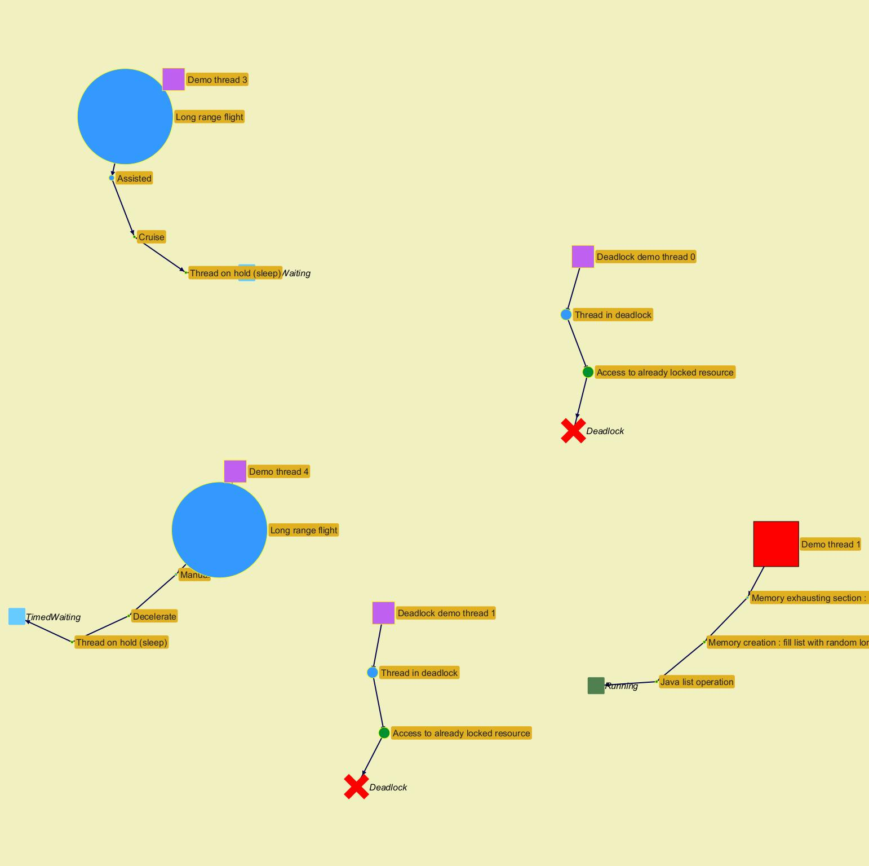
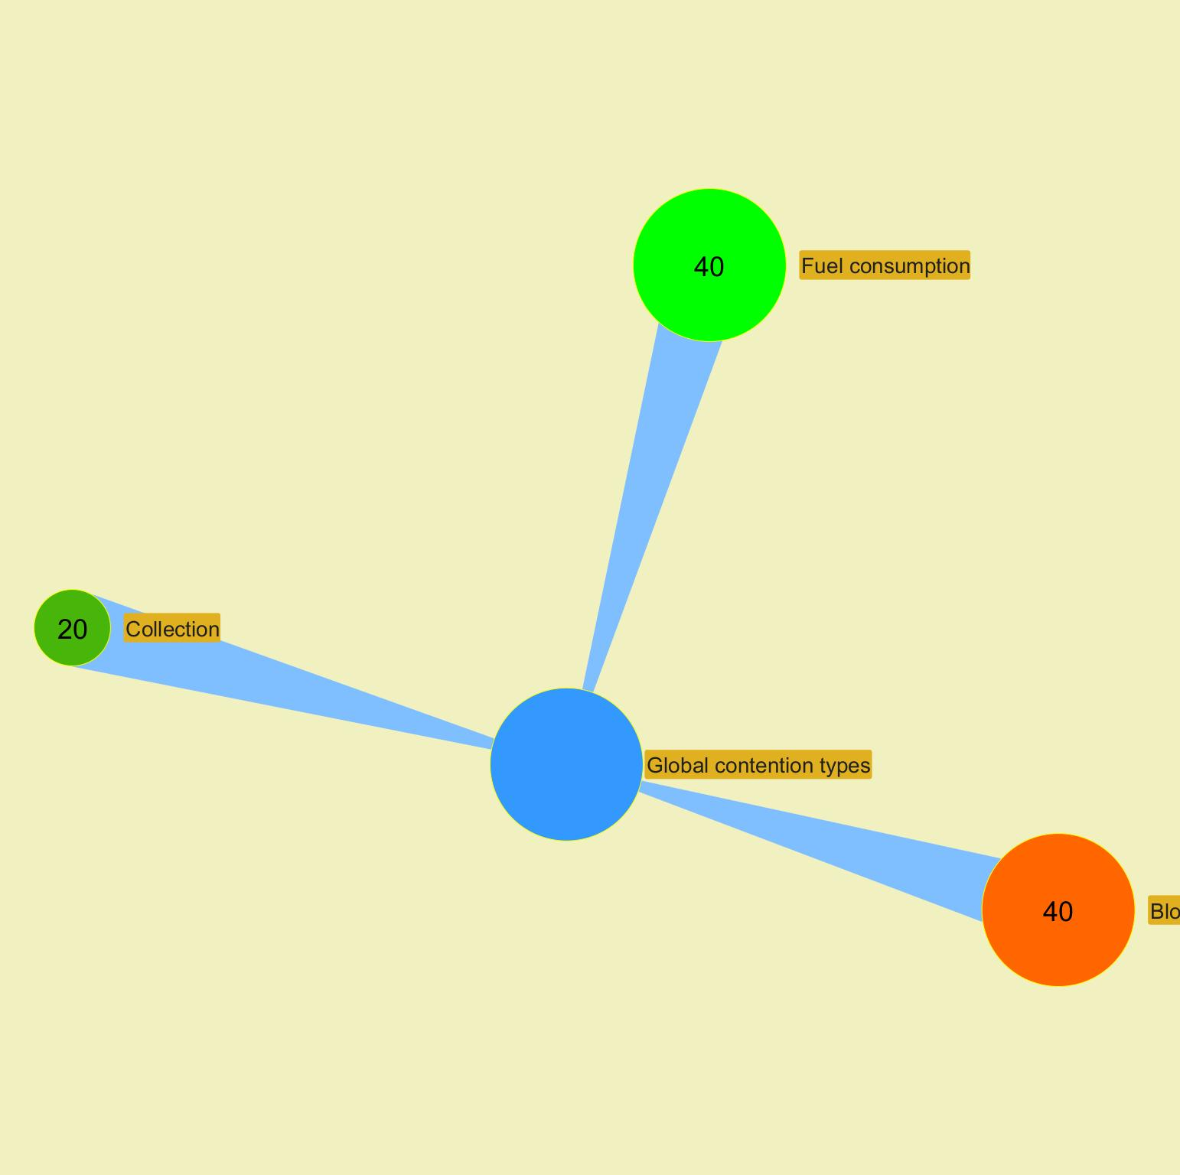

 |  |  |  |  |  |  |  |  |  |  |  |  |  |  |  |  |  |  |  |  |  | ­

 |  |  |  |  |  |  |  |  |  |  |  |  |  |  |  |  |  |  |  |  | ­

MX alerts (Airliner)
Jeyzer
Graph | Cont | Fea | Mxf | Start date | Event | Recommendation | Additional information | Rank | End date | Level | Scope | Count | Action (composite) | Duration (sec) | Thread | Ref
 |  | F | M | 5/14/23 | Flight maximum altitude | User British Airways Flight 223 / Flight altitude quite high. Please contact the plane. | Max flight-max-altitude : 43223 User : British Airways Flight 223 Context id : British Airways Flight 223-2 | W6 | 5/14/23 | WARNING | Action | 3 | Manual - Autopilot - Assisted - Long range flight | 0 hours 1 minutes 30 seconds | Demo thread 4 | DEM-AIR-0031
 |  |  |  | 5/14/23 | London | Flight took off from London. Tea must be prepared ! | Stickers : london-airport , flights , london-airport | I6 | In progress | INFO | System | 1 | Not applicable | 0 hours 4 minutes 3 seconds | Not applicable | DEM-AIR-0071
 |  | F | M | 5/14/23 | Wind forces | Very strong wind detected. Please notify all planes. | flight-wind-forces : 0 / 9 | W8 | 5/14/23 | WARNING | Session | 1 | Not applicable | Instantaneous | Not applicable | DEM-AIR-0021
§ | W | F | M | 5/14/23 | All flights maximum altitude | Flight altitude too high. Please contact the plane. | Max flight-max-altitude : 44765 | C6 | 5/14/23 | CRITICAL | Global | 5 | Not applicable | 0 hours 2 minutes 36 seconds | Not applicable | DEM-AIR-0011
 |  | F | M | 5/14/23 | Wind forces | Very strong wind detected. Please notify all planes. | flight-wind-forces : 9 / 8 | W8 | 5/14/23 | WARNING | Session | 1 | Not applicable | Instantaneous | Not applicable | DEM-AIR-0021
 |  | F | M | 5/14/23 | Sticker dependent rule | If this rule got a hit, stickers are probably disabled | org.jeyzer.demo:DemoFeatures:PlayedFeatures : Bug Pattern | W9 | 5/14/23 | WARNING | Session | 2 | Not applicable | 0 hours 0 minutes 5 seconds | Not applicable | DEM-AIR-0061
 |  | F | M | 5/14/23 | Wind forces | Very strong wind detected. Please notify all planes. | flight-wind-forces : 9 / 5 | W8 | 5/14/23 | WARNING | Session | 1 | Not applicable | Instantaneous | Not applicable | DEM-AIR-0021
 |  | F | M | 5/14/23 | Consumed fuel | User KLM Flight 496 / Abnormal fuel consumption. Please check for fuel leaks. Presence : 78% | Max fuel-consumed : 91 User : KLM Flight 496 Context id : KLM Flight 496-3 | W6 | 5/14/23 | WARNING | Action | 18 | Manual - Assisted - Autopilot - Long range flight | 0 hours 1 minutes 25 seconds | Demo thread 3 | DEM-AIR-0042
 |  | F | M | 5/14/23 | Flight maximum altitude | User Lufthansa Flight 777 / Flight altitude quite high. Please contact the plane. | Max flight-max-altitude : 44765 User : Lufthansa Flight 777 Context id : Lufthansa Flight 777-4 | W6 | 5/14/23 | WARNING | Action | 6 | Manual - Assisted - Autopilot - Long range flight | 0 hours 1 minutes 25 seconds | Demo thread 4 | DEM-AIR-0031
 |  | F | M | 5/14/23 | Wind forces | Very strong wind detected. Please notify all planes. | flight-wind-forces : 9 / 5 | W8 | 5/14/23 | WARNING | Session | 1 | Not applicable | Instantaneous | Not applicable | DEM-AIR-0021
 |  | F | M | 5/14/23 | Consumed fuel | User KLM Flight 496 / Unexpected burst of fuel consumption. Please check the flight state. | Max fuel-consumed : 135 User : KLM Flight 496 Context id : KLM Flight 496-3 | W6 | 5/14/23 | WARNING | Stack | 2 | Manual - Assisted - Autopilot - Long range flight | 0 hours 0 minutes 5 seconds | Demo thread 3 | DEM-AIR-0041
 |  | F | M | 5/14/23 | Wind forces | Very strong wind detected. Please notify all planes. | flight-wind-forces : 4 / 9 | W8 | In progress | WARNING | Session | 13 | Not applicable | 0 hours 1 minutes 1 seconds | Not applicable | DEM-AIR-0021

 |  |  |  |  |  |  |  |  |  |  |  |  |  |  |  |  | ­ | ­
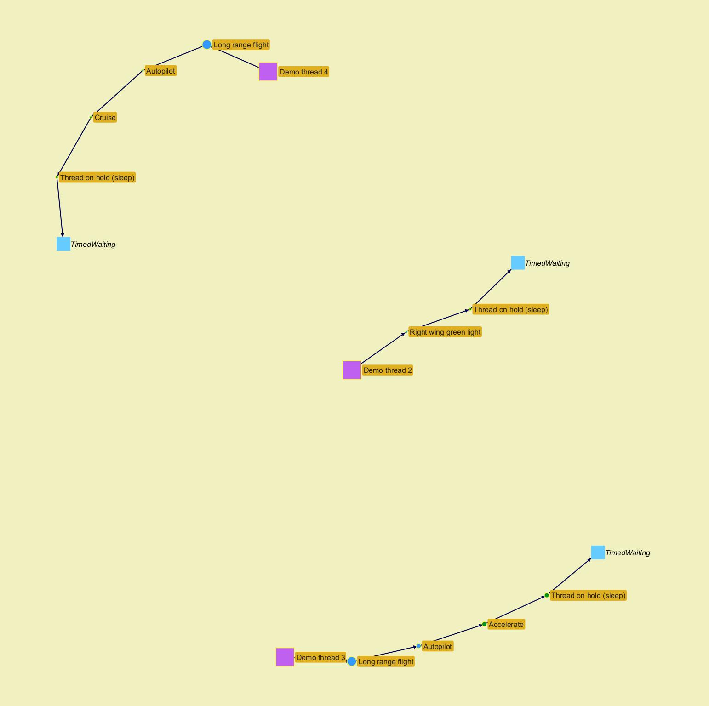
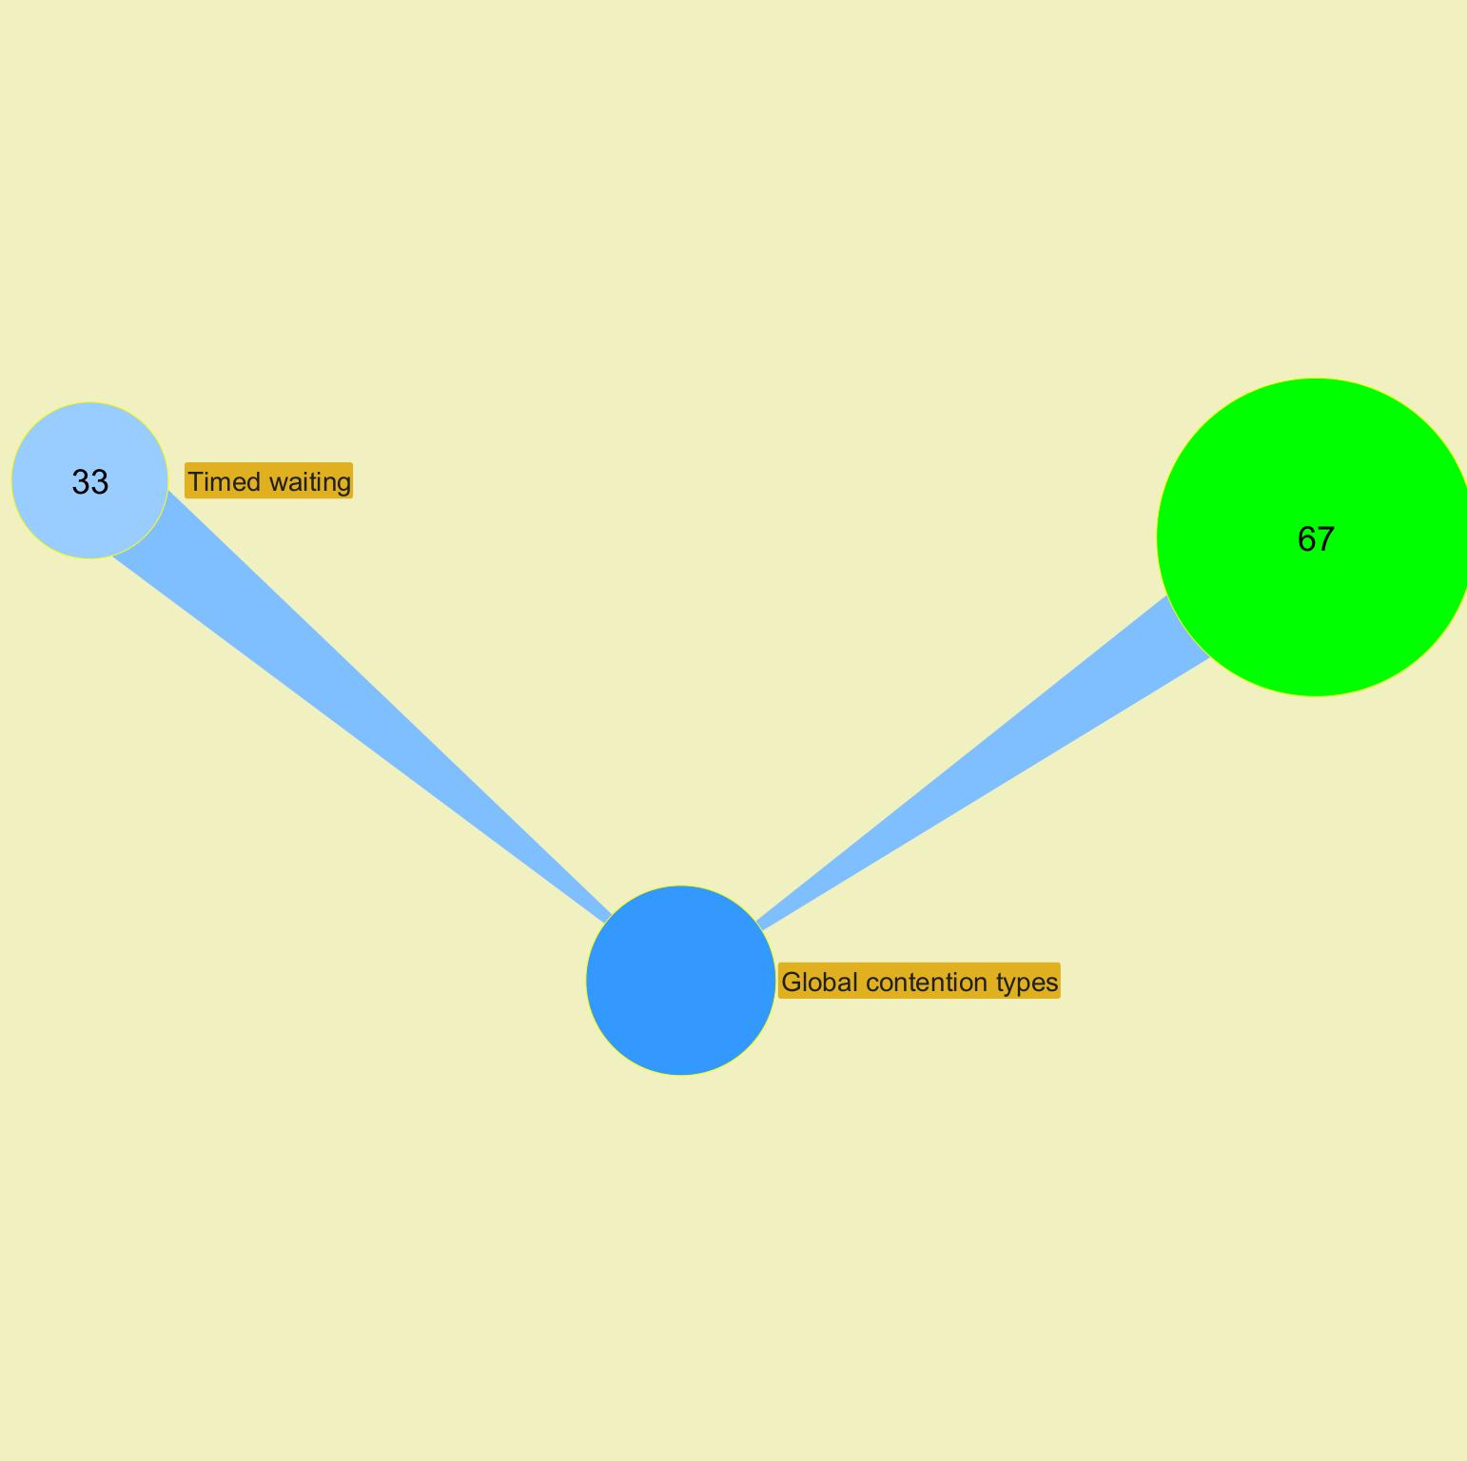

 |  |  |  |  |  |  |  |  |  |  |  |  |  |  |  |  |  | ­

 |  |  |  |  |  |  |  |  |  |  |  |  |  |  |  |  | ­

Charts
Jeyzer |  |  |  |  |  |  | 14 May 2023 | US/Central PROFILE |  |  |  |  | Up 0d 00:00 |  |  |  |  |  |  |  | 14 May 2023 | US/Central PROFILE |  |  |  |  | Up 0d 00:01 |  |  |  |  |  |  |  | 14 May 2023 | US/Central PROFILE |  |  |  |  | Up 0d 00:03 |  |  |  |  |  |  |  | 14 May 2023 | US/Central PROFILE
 | Measurement | Avg | Min | Max | Cumul | Std Dev | 23:52:03 | 23:52:08 | 23:52:13 | 23:52:18 | 23:52:23 | 23:52:28 | 23:52:33 | 23:52:38 | 23:52:43 | 23:52:48 | 23:52:53 | 23:52:58 | 23:53:03 | 23:53:08 | 23:53:13 | Hiatus (15 sec) | 23:53:29 | 23:53:34 | 23:53:39 | 23:53:44 | 23:53:49 | 23:53:54 | 23:53:59 | 23:54:04 | 23:54:09 | 23:54:14 | 23:54:19 | 23:54:24 | 23:54:29 | 23:54:34 | 23:54:39 | 23:54:44 | 23:54:49 | 23:54:54 | 23:54:59 | 23:55:04 | 23:55:10 | 23:55:15 | 23:55:20 | 23:55:25 | 23:55:30 | 23:55:35 | 23:55:41 | 23:55:46 | 23:55:51 | 23:55:56 | 23:56:01 | 23:56:06
 | Recording snapshot capture time d | 65 | 25 | 179 | 3,066 | 55 | 49 | 34 | 32 | 39 | 39 | 35 | 31 | 33 | 31 | 57 | 28 | 30 | 27 | 30 | 25 |  | 27 | 27 | 27 | 28 | 35 | 29 | 27 | 28 | 29 | 27 | 32 | 27 | 28 | 25 | 28 | 29 | 27 | 26 | 163 | 178 | 108 | 166 | 163 | 108 | 173 | 107 | 151 | 168 | 112 | 179 | 153 | 111
 | Thread count b | 25 | 24 | 29 |  | 1 | 24 | 24 | 24 | 24 | 24 | 24 | 24 | 24 | 24 | 24 | 24 | 24 | 24 | 24 | 24 |  | 24 | 24 | 24 | 24 | 24 | 24 | 24 | 24 | 24 | 24 | 25 | 26 | 27 | 28 | 29 | 26 | 26 | 26 | 26 | 26 | 24 | 24 | 24 | 24 | 24 | 24 | 24 | 24 | 24 | 24 | 24 | 24
 | Locked threads b | 1 | 0 | 4 | 44 | 1 | 0 | 0 | 0 | 0 | 0 | 0 | 0 | 0 | 0 | 0 | 0 | 0 | 0 | 0 | 0 |  | 0 | 0 | 0 | 0 | 0 | 0 | 0 | 0 | 0 | 0 | 0 | 1 | 2 | 3 | 4 | 2 | 2 | 2 | 2 | 2 | 2 | 2 | 2 | 2 | 2 | 2 | 2 | 2 | 2 | 2 | 2 | 2
 | Frozen threads b | 2 | 0 | 5 | 83 | 1 | 1 | 1 | 1 | 1 | 1 | 1 | 2 | 1 | 2 | 1 | 2 | 2 | 2 | 2 | 0 |  | 0 | 0 | 1 | 1 | 0 | 0 | 0 | 1 | 2 | 1 | 1 | 2 | 4 | 5 | 4 | 3 | 3 | 3 | 3 | 3 | 2 | 3 | 3 | 2 | 2 | 2 | 2 | 2 | 2 | 2 | 2 | 2
 | Actions b | 3 | 3 | 7 | 161 | 1 | 3 | 3 | 3 | 3 | 3 | 3 | 3 | 3 | 3 | 3 | 3 | 3 | 3 | 3 | 3 |  | 3 | 3 | 3 | 3 | 3 | 3 | 3 | 3 | 3 | 3 | 3 | 4 | 5 | 6 | 7 | 5 | 5 | 5 | 5 | 5 | 3 | 3 | 3 | 3 | 3 | 3 | 3 | 3 | 3 | 3 | 3 | 3
 |  |  |  |  |  |  | CPU |  |  |  |  |  |  |  |  |  | CPU |  |  |  |  |  |  |  |  |  |  | CPU |  |  |  |  |  |  |  |  |  | CPU |  |  |  |  |  |  |  |  |  | CPU
 | CPU System % a | 17.5 | 0.0 | 76.0 |  | 24.0 | 0.0 | 5.0 | 3.0 | 4.0 | 3.0 | 5.0 | 3.0 | 5.0 | 2.0 | 7.0 | 3.0 | 6.0 | 5.0 | 13.0 | 8.0 |  | 4.0 | 4.0 | 5.0 | 3.0 | 5.0 | 4.0 | 6.0 | 3.0 | 5.0 | 3.0 | 5.0 | 3.0 | 4.0 | 2.0 | 4.0 | 3.0 | 5.0 | 3.0 | 31.0 | 74.0 | 42.0 | 35.0 | 74.0 | 22.0 | 58.0 | 70.0 | 10.0 | 76.0 | 57.0 | 29.0 | 74.0 | 27.0
 | CPU Process % a | 13.4 | 0.0 | 72.0 |  | 22.0 | 12.0 | 1.0 | 0.0 | 0.0 | 0.0 | 0.0 | 0.0 | 0.0 | 0.0 | 2.0 | 0.0 | 0.0 | 3.0 | 9.0 | 6.0 |  | 0.0 | 0.0 | 0.0 | 0.0 | 0.0 | 0.0 | 0.0 | 0.0 | 0.0 | 0.0 | 0.0 | 0.0 | 0.0 | 0.0 | 0.0 | 0.0 | 0.0 | 0.0 | 22.0 | 68.0 | 36.0 | 33.0 | 67.0 | 19.0 | 52.0 | 65.0 | 6.0 | 72.0 | 43.0 | 27.0 | 65.0 | 23.0
 | CPU Computed Process % a | 23.4 | 1.0 | 100.0 |  | 34.0 | NA | 2.0 | 1.0 | 1.0 | 1.0 | 1.0 | 1.0 | 1.0 | 1.0 | 2.0 | 1.0 | 1.0 | 31.0 | 100.0 | 70.0 |  | 1.0 | 1.0 | 1.0 | 1.0 | 1.0 | 1.0 | 1.0 | 1.0 | 1.0 | 1.0 | 1.0 | 1.0 | 1.0 | 1.0 | 1.0 | 1.0 | 1.0 | 1.0 | 28.0 | 95.0 | 55.0 | 48.0 | 92.0 | 26.0 | 73.0 | 93.0 | 8.0 | 97.0 | 61.0 | 39.0 | 94.0 | 36.0
 | Applicative CPU Activity % a | 23.4 |  |  |  | 34.0 | NA | 2.0 | 1.0 | 1.0 | 1.0 | 1.0 | 1.0 | 1.0 | 1.0 | 2.0 | 1.0 | 1.0 | 31.0 | 100.0 | 70.0 |  | 1.0 | 1.0 | 1.0 | 1.0 | 1.0 | 1.0 | 1.0 | 1.0 | 1.0 | 1.0 | 1.0 | 1.0 | 1.0 | 1.0 | 1.0 | 1.0 | 1.0 | 1.0 | 28.0 | 95.0 | 55.0 | 48.0 | 92.0 | 26.0 | 73.0 | 93.0 | 8.0 | 97.0 | 61.0 | 39.0 | 94.0 | 36.0
 |  |  |  |  |  |  | Memory |  |  |  |  |  |  |  |  |  | Memory |  |  |  |  |  |  |  |  |  |  | Memory |  |  |  |  |  |  |  |  |  | Memory |  |  |  |  |  |  |  |  |  | Memory
 | System memory % g | 78.1 | 77.5 | 79.2 |  | 0.0 | 77.6 | 77.5 | 77.5 | 77.5 | 77.6 | 77.5 | 77.5 | 77.5 | 77.6 | 78.0 | 77.9 | 77.9 | 77.9 | 77.9 | 77.9 |  | 77.8 | 77.9 | 77.9 | 77.9 | 77.9 | 78.6 | 78.4 | 78.1 | 78.1 | 78.1 | 78.1 | 78.2 | 78.2 | 78.2 | 78.1 | 78.2 | 78.2 | 78.2 | 78.4 | 78.4 | 78.5 | 78.5 | 78.5 | 78.5 | 78.5 | 78.5 | 78.5 | 78.5 | 78.9 | 79.2 | 79.0 | 78.7
 | Process computed memory f | 10 | 0 | 298 | 438 | 46 | NA | 1 | 0 | 0 | 0 | 1 | 0 | 0 | 1 | 116 | 1 | 1 | 1 | 1 | 0 |  | 2 | 1 | 1 | 1 | 1 | 1 | 1 | 1 | 1 | 1 | 1 | 1 | 1 | 1 | 1 | 1 | 1 | 0 | 298 | 0 | 0 | 0 | 0 | 0 | 0 | 0 | 0 | 0 | 0 | 0 | 0 | 0
 | Applicative Memory Activity % h | 3.0 |  |  |  | 16.0 | NA | 0.0 | 0.0 | 0.0 | 0.0 | 0.0 | 0.0 | 0.0 | 0.0 | 39.0 | 0.0 | 0.0 | 1.0 | 0.0 | 0.0 |  | 0.0 | 0.0 | 0.0 | 0.0 | 0.0 | 0.0 | 0.0 | 0.0 | 0.0 | 0.0 | 0.0 | 0.0 | 0.0 | 0.0 | 0.0 | 0.0 | 0.0 | 0.0 | 100.0 | 0.0 | 0.0 | 0.0 | 0.0 | 0.0 | 0.0 | 0.0 | 0.0 | 0.0 | 0.0 | 0.0 | 0.0 | 0.0
 | Heap size f | 94 | 22 | 250 |  | 102 | 22 | 23 | 23 | 24 | 24 | 25 | 25 | 26 | 26 | 92 | 22 | 23 | 24 | 25 | 25 |  | 27 | 27 | 28 | 28 | 29 | 29 | 30 | 30 | 31 | 31 | 32 | 32 | 22 | 23 | 23 | 25 | 25 | 26 | 249 | 249 | 249 | 249 | 249 | 249 | 249 | 249 | 249 | 249 | 249 | 249 | 250 | 250
 | Heap usage % g | 36.6 | 8.4 | 97.5 |  | 40.0 | 8.6 | 9.0 | 9.0 | 9.4 | 9.4 | 9.8 | 9.8 | 10.2 | 10.2 | 35.9 | 8.4 | 8.8 | 9.2 | 9.6 | 9.6 |  | 10.4 | 10.4 | 10.8 | 10.8 | 11.1 | 11.1 | 11.5 | 11.5 | 11.9 | 11.9 | 12.3 | 12.3 | 8.4 | 8.8 | 8.8 | 9.6 | 9.6 | 10.0 | 97.1 | 97.1 | 97.1 | 97.1 | 97.1 | 97.1 | 97.1 | 97.1 | 97.1 | 97.1 | 97.1 | 97.1 | 97.5 | 97.5
 | Mem used after major GC f | 136 | 22 | 249 |  | 114 | NA | No exec | No exec | No exec | No exec | No exec | No exec | No exec | No exec | No exec | 22 | 22 | 22 | 22 | 22 |  | 22 | 22 | 22 | 22 | 22 | 22 | 22 | 22 | 22 | 22 | 22 | 22 | 22 | 22 | 22 | 22 | 22 | 22 | 249 | 249 | 249 | 249 | 249 | 249 | 249 | 249 | 249 | 249 | 249 | 249 | 249 | 249
 | Mem released after major GC f | 37 | 3 | 70 |  | 34 | NA | No exec | No exec | No exec | No exec | No exec | No exec | No exec | No exec | No exec | 70 | No exec | No exec | No exec | No exec |  | No exec | No exec | No exec | No exec | No exec | No exec | No exec | No exec | No exec | No exec | No exec | No exec | No exec | No exec | No exec | No exec | No exec | No exec | 3 | No exec | No exec | No exec | No exec | No exec | No exec | No exec | No exec | No exec | No exec | No exec | No exec | No exec
 | Mem % used after major GC g | 52.7 | 8.4 | 97.1 |  | 44.0 | NA | No exec | No exec | No exec | No exec | No exec | No exec | No exec | No exec | No exec | 8.4 | 8.4 | 8.4 | 8.4 | 8.4 |  | 8.4 | 8.4 | 8.4 | 8.4 | 8.4 | 8.4 | 8.4 | 8.4 | 8.4 | 8.4 | 8.4 | 8.4 | 8.4 | 8.4 | 8.4 | 8.4 | 8.4 | 8.4 | 97.1 | 97.1 | 97.1 | 97.1 | 97.1 | 97.1 | 97.1 | 97.1 | 97.1 | 97.1 | 97.1 | 97.1 | 97.1 | 97.1
 | Mem % released after major GC g | 14.4 | 1.2 | 27.5 |  | 13.0 | NA | No exec | No exec | No exec | No exec | No exec | No exec | No exec | No exec | No exec | 27.5 | No exec | No exec | No exec | No exec |  | No exec | No exec | No exec | No exec | No exec | No exec | No exec | No exec | No exec | No exec | No exec | No exec | No exec | No exec | No exec | No exec | No exec | No exec | 1.2 | No exec | No exec | No exec | No exec | No exec | No exec | No exec | No exec | No exec | No exec | No exec | No exec | No exec
 |  |  |  |  |  |  | GC time |  |  |  |  |  |  |  |  |  | GC time |  |  |  |  |  |  |  |  |  |  | GC time |  |  |  |  |  |  |  |  |  | GC time |  |  |  |  |  |  |  |  |  | GC time
 | GC execution time d | 14 | 0 | 535 | 635 | 78 | NA | 0 | 0 | 0 | 0 | 0 | 0 | 0 | 0 | 58 | 11 | 0 | 0 | 0 | 0 |  | 0 | 0 | 0 | 0 | 0 | 0 | 0 | 0 | 0 | 0 | 0 | 0 | 1 | 0 | 0 | 0 | 0 | 0 | 535 | 0 | 6 | 0 | 12 | 0 | 2 | 0 | 3 | 0 | 7 | 0 | 0 | 0
 | GC execution time % e | 0.3 | 0.0 | 10.5 |  | 2.0 | NA | 0.0 | 0.0 | 0.0 | 0.0 | 0.0 | 0.0 | 0.0 | 0.0 | 1.1 | 0.2 | 0.0 | 0.0 | 0.0 | 0.0 |  | 0.0 | 0.0 | 0.0 | 0.0 | 0.0 | 0.0 | 0.0 | 0.0 | 0.0 | 0.0 | 0.0 | 0.0 | 0.0 | 0.0 | 0.0 | 0.0 | 0.0 | 0.0 | 10.5 | 0.0 | 0.1 | 0.0 | 0.2 | 0.0 | 0.0 | 0.0 | 0.1 | 0.0 | 0.1 | 0.0 | 0.0 | 0.0
 |  |  |  |  |  |  | File descriptors |  |  |  |  |  |  |  |  |  | File descriptors |  |  |  |  |  |  |  |  |  |  | File descriptors |  |  |  |  |  |  |  |  |  | File descriptors |  |  |  |  |  |  |  |  |  | File descriptors
 | Open file descriptors j | -1 | -1 | -1 |  | 0 | -1 | -1 | -1 | -1 | -1 | -1 | -1 | -1 | -1 | -1 | -1 | -1 | -1 | -1 | -1 |  | -1 | -1 | -1 | -1 | -1 | -1 | -1 | -1 | -1 | -1 | -1 | -1 | -1 | -1 | -1 | -1 | -1 | -1 | -1 | -1 | -1 | -1 | -1 | -1 | -1 | -1 | -1 | -1 | -1 | -1 | -1 | -1
 | File descriptor usage % l | -1.0 | -1.0 | -1.0 |  | 0.0 | -1 | -1 | -1 | -1 | -1 | -1 | -1 | -1 | -1 | -1 | -1 | -1 | -1 | -1 | -1 |  | -1 | -1 | -1 | -1 | -1 | -1 | -1 | -1 | -1 | -1 | -1 | -1 | -1 | -1 | -1 | -1 | -1 | -1 | -1 | -1 | -1 | -1 | -1 | -1 | -1 | -1 | -1 | -1 | -1 | -1 | -1 | -1
 |  |  |  |  |  |  | Disk space |  |  |  |  |  |  |  |  |  | Disk space |  |  |  |  |  |  |  |  |  |  | Disk space |  |  |  |  |  |  |  |  |  | Disk space |  |  |  |  |  |  |  |  |  | Disk space
 | App partition / Used disk space % | 35.7 | 35.7 | 35.7 |  | 0.0 | 35.7 | 35.7 | 35.7 | 35.7 | 35.7 | 35.7 | 35.7 | 35.7 | 35.7 | 35.7 | 35.7 | 35.7 | 35.7 | 35.7 | 35.7 |  | 35.7 | 35.7 | 35.7 | 35.7 | 35.7 | 35.7 | 35.7 | 35.7 | 35.7 | 35.7 | 35.7 | 35.7 | 35.7 | 35.7 | 35.7 | 35.7 | 35.7 | 35.7 | 35.7 | 35.7 | 35.7 | 35.7 | 35.7 | 35.7 | 35.7 | 35.7 | 35.7 | 35.7 | 35.7 | 35.7 | 35.7 | 35.7
 | App partition / Used disk space | 340 | 340 | 340 |  | 0 | 340 | 340 | 340 | 340 | 340 | 340 | 340 | 340 | 340 | 340 | 340 | 340 | 340 | 340 | 340 |  | 340 | 340 | 340 | 340 | 340 | 340 | 340 | 340 | 340 | 340 | 340 | 340 | 340 | 340 | 340 | 340 | 340 | 340 | 340 | 340 | 340 | 340 | 340 | 340 | 340 | 340 | 340 | 340 | 340 | 340 | 340 | 340
 | App partition / Free disk space | 613 | 613 | 613 |  | 0 | 613 | 613 | 613 | 613 | 613 | 613 | 613 | 613 | 613 | 613 | 613 | 613 | 613 | 613 | 613 |  | 613 | 613 | 613 | 613 | 613 | 613 | 613 | 613 | 613 | 613 | 613 | 613 | 613 | 613 | 613 | 613 | 613 | 613 | 613 | 613 | 613 | 613 | 613 | 613 | 613 | 613 | 613 | 613 | 613 | 613 | 613 | 613

 | CPU System % | CPU Process % | CPU Computed Process % | Applicative CPU Activity %
 | 0 | 12
 | 5 | 1 | 2 | 2
 | 3 | 0 | 1 | 1
 | 4 | 0 | 1 | 1
 | 3 | 0 | 1 | 1
 | 5 | 0 | 1 | 1
 | 3 | 0 | 1 | 1
 | 5 | 0 | 1 | 1
 | 2 | 0 | 1 | 1
 | 7 | 2 | 2 | 2
 | 3 | 0 | 1 | 1
 | 6 | 0 | 1 | 1
 | 5 | 3 | 31 | 31
 | 13 | 9 | 100 | 100
 | 8 | 6 | 70 | 70
 | 4 | 0 | 1 | 1
 | 4 | 0 | 1 | 1
 | 5 | 0 | 1 | 1
 | 3 | 0 | 1 | 1
 | 5 | 0 | 1 | 1
 | 4 | 0 | 1 | 1
 | 6 | 0 | 1 | 1
 | 3 | 0 | 1 | 1
 | 5 | 0 | 1 | 1
 | 3 | 0 | 1 | 1
 | 5 | 0 | 1 | 1
 | 3 | 0 | 1 | 1
 | 4 | 0 | 1 | 1
 | 2 | 0 | 1 | 1
 | 4 | 0 | 1 | 1
 | 3 | 0 | 1 | 1
 | 5 | 0 | 1 | 1
 | 3 | 0 | 1 | 1
 | 31 | 22 | 28 | 28
 | 74 | 68 | 95 | 95
 | 42 | 36 | 55 | 55
 | 35 | 33 | 48 | 48
 | 74 | 67 | 92 | 92
 | 22 | 19 | 26 | 26
 | 58 | 52 | 73 | 73
 | 70 | 65 | 93 | 93
 | 10 | 6 | 8 | 8
 | 76 | 72 | 97 | 97
 | 57 | 43 | 61 | 61
 | 29 | 27 | 39 | 39
 | 74 | 65 | 94 | 94
 | 27 | 23 | 36 | 36

 |  |  |  |  | ­ | a CPU

 | Thread count | Locked threads | Frozen threads | Actions
 | 24 | 0 | 1 | 3
 | 24 | 0 | 1 | 3
 | 24 | 0 | 1 | 3
 | 24 | 0 | 1 | 3
 | 24 | 0 | 1 | 3
 | 24 | 0 | 1 | 3
 | 24 | 0 | 2 | 3
 | 24 | 0 | 1 | 3
 | 24 | 0 | 2 | 3
 | 24 | 0 | 1 | 3
 | 24 | 0 | 2 | 3
 | 24 | 0 | 2 | 3
 | 24 | 0 | 2 | 3
 | 24 | 0 | 2 | 3
 | 24 | 0 | 0 | 3
 | 24 | 0 | 0 | 3
 | 24 | 0 | 0 | 3
 | 24 | 0 | 1 | 3
 | 24 | 0 | 1 | 3
 | 24 | 0 | 0 | 3
 | 24 | 0 | 0 | 3
 | 24 | 0 | 0 | 3
 | 24 | 0 | 1 | 3
 | 24 | 0 | 2 | 3
 | 24 | 0 | 1 | 3
 | 25 | 0 | 1 | 3
 | 26 | 1 | 2 | 4
 | 27 | 2 | 4 | 5
 | 28 | 3 | 5 | 6
 | 29 | 4 | 4 | 7
 | 26 | 2 | 3 | 5
 | 26 | 2 | 3 | 5
 | 26 | 2 | 3 | 5
 | 26 | 2 | 3 | 5
 | 26 | 2 | 3 | 5
 | 24 | 2 | 2 | 3
 | 24 | 2 | 3 | 3
 | 24 | 2 | 3 | 3
 | 24 | 2 | 2 | 3
 | 24 | 2 | 2 | 3
 | 24 | 2 | 2 | 3
 | 24 | 2 | 2 | 3
 | 24 | 2 | 2 | 3
 | 24 | 2 | 2 | 3
 | 24 | 2 | 2 | 3
 | 24 | 2 | 2 | 3
 | 24 | 2 | 2 | 3

 |  |  |  |  | ­ | b Threads

 | Recording snapshot capture time | GC execution time
 | 49
 | 34 | 0
 | 32 | 0
 | 39 | 0
 | 39 | 0
 | 35 | 0
 | 31 | 0
 | 33 | 0
 | 31 | 0
 | 57 | 58
 | 28 | 11
 | 30 | 0
 | 27 | 0
 | 30 | 0
 | 25 | 0
 | 27 | 0
 | 27 | 0
 | 27 | 0
 | 28 | 0
 | 35 | 0
 | 29 | 0
 | 27 | 0
 | 28 | 0
 | 29 | 0
 | 27 | 0
 | 32 | 0
 | 27 | 0
 | 28 | 1
 | 25 | 0
 | 28 | 0
 | 29 | 0
 | 27 | 0
 | 26 | 0
 | 163 | 535
 | 178 | 0
 | 108 | 6
 | 166 | 0
 | 163 | 12
 | 108 | 0
 | 173 | 2
 | 107 | 0
 | 151 | 3
 | 168 | 0
 | 112 | 7
 | 179 | 0
 | 153 | 0
 | 111 | 0

 |  |  |  |  | ­ | d Time

 | GC execution time %
 | 0
 | 0
 | 0
 | 0
 | 0
 | 0
 | 0
 | 0
 | 1.1494252874
 | 0.21795125817
 | 0
 | 0
 | 0
 | 0
 | 0
 | 0
 | 0
 | 0
 | 0
 | 0
 | 0
 | 0
 | 0
 | 0
 | 0
 | 0
 | 0.019864918554
 | 0
 | 0
 | 0
 | 0
 | 0
 | 10.48813958
 | 0
 | 0.11627906977
 | 0
 | 0.23099133782
 | 0
 | 0.038872691934
 | 0
 | 0.05837711617
 | 0
 | 0.13555383424
 | 0
 | 0
 | 0

 |  |  |  |  | ­ | e GC

 | Heap size | Process computed memory | Mem used after major GC | Mem released after major GC
 | 22
 | 23 | 1.0407463003
 | 23 | 0.48713219517
 | 24 | 0.48874961138
 | 24 | 0.48988638033
 | 25 | 0.65548843872
 | 25 | 0.49679854585
 | 26 | 0.48250882617
 | 26 | 0.53548683656
 | 92 | 116.08415905
 | 22 | 0.50933352152 | 22 | 70
 | 23 | 0.52799484258 | 22
 | 24 | 1.4725582833 | 22
 | 25 | 0.50310036564 | 22
 | 25 | 0.49681380449 | 22
 | 27 | 1.5376592859 | 22
 | 27 | 0.51081360995 | 22
 | 28 | 0.52476763947 | 22
 | 28 | 0.53304545359 | 22
 | 29 | 0.51246154345 | 22
 | 29 | 0.51227081041 | 22
 | 30 | 0.6028156012 | 22
 | 30 | 0.51122559332 | 22
 | 31 | 0.50029277522 | 22
 | 31 | 0.50018596472 | 22
 | 32 | 0.52992506099 | 22
 | 32 | 0.53076428638 | 22
 | 22 | 0.5336100234 | 22
 | 23 | 0.5672477031 | 22
 | 23 | 0.5641654571 | 22
 | 25 | 0.61827260711 | 22
 | 25 | 0.53495278403 | 22
 | 26 | 0.45209834959 | 22
 | 249 | 298.17629455 | 249 | 3
 | 249 | 0.49701216686 | 249
 | 249 | 0.47024087676 | 249
 | 249 | 0.41144169386 | 249
 | 249 | 0.37375284431 | 249
 | 249 | 0.41118229692 | 249
 | 249 | 0.3912011032 | 249
 | 249 | 0.40253827535 | 249
 | 249 | 0.3632014923 | 249
 | 249 | 0.38914881564 | 249
 | 249 | 0.39667895623 | 249
 | 249 | 0.3844033775 | 249
 | 250 | 0.37225749724 | 249
 | 250 | 0.39112480998 | 249

 |  |  |  |  | ­ | f Memory

 | Heap usage % | System memory % | Mem % used after major GC | Mem % released after major GC
 | 8.6141586304 | 77.567430235
 | 9.0047836304 | 77.531796102
 | 9.0047836304 | 77.506894273
 | 9.3954086304 | 77.529284286
 | 9.3954086304 | 77.572441848
 | 9.7860336304 | 77.544126834
 | 9.7860336304 | 77.544667656
 | 10.17665863 | 77.519825918
 | 10.17665863 | 77.550628711
 | 35.9375 | 78.001950323
 | 8.4091126919 | 77.881960043 | 8.4091126919 | 27.528387308
 | 8.7997376919 | 77.876828247 | 8.4091126919
 | 9.1903626919 | 77.882356646 | 8.4091126919
 | 9.5809876919 | 77.856421247 | 8.4091126919
 | 9.5809876919 | 77.856481338 | 8.4091126919
 | 10.362237692 | 77.75992666 | 8.4091126919
 | 10.362237692 | 77.924216235 | 8.4091126919
 | 10.752862692 | 77.895540674 | 8.4091126919
 | 10.752862692 | 77.914745849 | 8.4091126919
 | 11.143487692 | 77.909109286 | 8.4091126919
 | 11.143487692 | 78.604677938 | 8.4091126919
 | 11.534112692 | 78.364805543 | 8.4091126919
 | 11.534112692 | 78.146998669 | 8.4091126919
 | 11.924737692 | 78.113708096 | 8.4091126919
 | 11.924737692 | 78.10147351 | 8.4091126919
 | 12.315362692 | 78.078458548 | 8.4091126919
 | 12.315362692 | 78.186070023 | 8.4091126919
 | 8.4091126919 | 78.161396541 | 8.4091126919
 | 8.7997376919 | 78.161132139 | 8.4091126919
 | 8.7997376919 | 78.145111802 | 8.4091126919
 | 9.5809876919 | 78.162237819 | 8.4091126919
 | 9.5809876919 | 78.179351817 | 8.4091126919
 | 9.9716126919 | 78.174808916 | 8.4091126919
 | 97.086822987 | 78.414729384 | 97.086822987 | 1.1992037296
 | 97.086822987 | 78.445003374 | 97.086822987
 | 97.086822987 | 78.469472545 | 97.086822987
 | 97.086822987 | 78.481190346 | 97.086822987
 | 97.086822987 | 78.453007533 | 97.086822987
 | 97.086822987 | 78.469953275 | 97.086822987
 | 97.086822987 | 78.462946631 | 97.086822987
 | 97.086822987 | 78.478498256 | 97.086822987
 | 97.086822987 | 78.478305964 | 97.086822987
 | 97.086822987 | 78.476851755 | 97.086822987
 | 97.086822987 | 78.882467935 | 97.086822987
 | 97.086822987 | 79.247582588 | 97.086822987
 | 97.477447987 | 78.959649182 | 97.086822987
 | 97.477447987 | 78.749089317 | 97.086822987

 |  |  |  |  | ­ | g Memory %

 | Applicative Memory Activity %
 | 0
 | 0
 | 0
 | 0
 | 0
 | 0
 | 0
 | 0
 | 39
 | 0
 | 0
 | 1
 | 0
 | 0
 | 0
 | 0
 | 0
 | 0
 | 0
 | 0
 | 0
 | 0
 | 0
 | 0
 | 0
 | 0
 | 0
 | 0
 | 0
 | 0
 | 0
 | 0
 | 100
 | 0
 | 0
 | 0
 | 0
 | 0
 | 0
 | 0
 | 0
 | 0
 | 0
 | 0
 | 0
 | 0

 |  |  |  |  | ­ | h Memory activity

 | Open file descriptors
 | -1
 | -1
 | -1
 | -1
 | -1
 | -1
 | -1
 | -1
 | -1
 | -1
 | -1
 | -1
 | -1
 | -1
 | -1
 | -1
 | -1
 | -1
 | -1
 | -1
 | -1
 | -1
 | -1
 | -1
 | -1
 | -1
 | -1
 | -1
 | -1
 | -1
 | -1
 | -1
 | -1
 | -1
 | -1
 | -1
 | -1
 | -1
 | -1
 | -1
 | -1
 | -1
 | -1
 | -1
 | -1
 | -1
 | -1

 |  |  |  |  | ­ | j Open file descriptors

 | File descriptor usage %
 | -1
 | -1
 | -1
 | -1
 | -1
 | -1
 | -1
 | -1
 | -1
 | -1
 | -1
 | -1
 | -1
 | -1
 | -1
 | -1
 | -1
 | -1
 | -1
 | -1
 | -1
 | -1
 | -1
 | -1
 | -1
 | -1
 | -1
 | -1
 | -1
 | -1
 | -1
 | -1
 | -1
 | -1
 | -1
 | -1
 | -1
 | -1
 | -1
 | -1
 | -1
 | -1
 | -1
 | -1
 | -1
 | -1
 | -1

 |  |  |  |  | ­ | l File descriptor usage %

Memory GC Global
Jeyzer |  | 14 May 2023 | US/Central PROFILE |  |  |  |  | Up 0d 00:00 |  |  |  |  |  |  |  | 14 May 2023 | US/Central PROFILE |  |  |  |  | Up 0d 00:01 |  |  |  |  |  |  |  | 14 May 2023 | US/Central PROFILE |  |  |  |  | Up 0d 00:03 |  |  |  |  |  |  |  | 14 May 2023 | US/Central PROFILE
 | Measurement | 23:52:03 | 23:52:08 | 23:52:13 | 23:52:18 | 23:52:23 | 23:52:28 | 23:52:33 | 23:52:38 | 23:52:43 | 23:52:48 | 23:52:53 | 23:52:58 | 23:53:03 | 23:53:08 | 23:53:13 | Hiatus (15 sec) | 23:53:29 | 23:53:34 | 23:53:39 | 23:53:44 | 23:53:49 | 23:53:54 | 23:53:59 | 23:54:04 | 23:54:09 | 23:54:14 | 23:54:19 | 23:54:24 | 23:54:29 | 23:54:34 | 23:54:39 | 23:54:44 | 23:54:49 | 23:54:54 | 23:54:59 | 23:55:04 | 23:55:10 | 23:55:15 | 23:55:20 | 23:55:25 | 23:55:30 | 23:55:35 | 23:55:41 | 23:55:46 | 23:55:51 | 23:55:56 | 23:56:01 | 23:56:06
 | Executed garbage collector(s) | NA | None | None | None | None | None | None | None | None | G1 Young Generation | G1 Old Generation | None | None | None | None |  | None | None | None | None | None | None | None | None | None | None | None | None | G1 Young Generation | None | None | None | None | None | G1 Young Generation G1 Old Generation | None | G1 Young Generation | None | G1 Young Generation | None | G1 Young Generation | None | G1 Young Generation | None | G1 Young Generation | None | None | None
 | Health Indication a | NA | 0.00 | 0.00 | 0.00 | 0.00 | 0.00 | 0.00 | 0.00 | 0.00 | 47.00 | 8.77 | 8.00 | 8.00 | 8.00 | 8.00 |  | 8.00 | 8.00 | 8.00 | 8.00 | 8.00 | 8.00 | 8.00 | 8.00 | 8.00 | 8.00 | 8.00 | 8.00 | 8.34 | 8.00 | 8.00 | 8.00 | 8.00 | 8.00 | 97.01 | 97.00 | 97.00 | 97.00 | 97.00 | 97.00 | 97.00 | 97.00 | 97.00 | 97.00 | 97.00 | 97.00 | 97.00 | 97.00
 |  | Execution count |  |  |  |  |  |  |  |  |  | Execution count |  |  |  |  |  |  |  |  |  |  | Execution count |  |  |  |  |  |  |  |  |  | Execution count |  |  |  |  |  |  |  |  |  | Execution count
 | Major GC count | NA | 0 | 0 | 0 | 0 | 0 | 0 | 0 | 0 | 0 | 1 | 0 | 0 | 0 | 0 |  | 0 | 0 | 0 | 0 | 0 | 0 | 0 | 0 | 0 | 0 | 0 | 0 | 0 | 0 | 0 | 0 | 0 | 0 | 4 | 0 | 0 | 0 | 0 | 0 | 0 | 0 | 0 | 0 | 0 | 0 | 0 | 0
 | Minor GC count | NA | 0 | 0 | 0 | 0 | 0 | 0 | 0 | 0 | 3 | 0 | 0 | 0 | 0 | 0 |  | 0 | 0 | 0 | 0 | 0 | 0 | 0 | 0 | 0 | 0 | 0 | 0 | 1 | 0 | 0 | 0 | 0 | 0 | 33 | 0 | 1 | 0 | 1 | 0 | 1 | 0 | 1 | 0 | 1 | 0 | 0 | 0
 |  | Execution time Global |  |  |  |  |  |  |  |  |  | Execution time Global |  |  |  |  |  |  |  |  |  |  | Execution time Global |  |  |  |  |  |  |  |  |  | Execution time Global |  |  |  |  |  |  |  |  |  | Execution time Global
 | GC execution time d | NA | 0 | 0 | 0 | 0 | 0 | 0 | 0 | 0 | 58 | 11 | 0 | 0 | 0 | 0 |  | 0 | 0 | 0 | 0 | 0 | 0 | 0 | 0 | 0 | 0 | 0 | 0 | 1 | 0 | 0 | 0 | 0 | 0 | 535 | 0 | 6 | 0 | 12 | 0 | 2 | 0 | 3 | 0 | 7 | 0 | 0 | 0
 | GC execution time % e | NA | 0.0 | 0.0 | 0.0 | 0.0 | 0.0 | 0.0 | 0.0 | 0.0 | 1.1 | 0.2 | 0.0 | 0.0 | 0.0 | 0.0 |  | 0.0 | 0.0 | 0.0 | 0.0 | 0.0 | 0.0 | 0.0 | 0.0 | 0.0 | 0.0 | 0.0 | 0.0 | 0.0 | 0.0 | 0.0 | 0.0 | 0.0 | 0.0 | 10.5 | 0.0 | 0.1 | 0.0 | 0.2 | 0.0 | 0.0 | 0.0 | 0.1 | 0.0 | 0.1 | 0.0 | 0.0 | 0.0
 |  | Memory used After last GC |  |  |  |  |  |  |  |  |  | Memory used After last GC |  |  |  |  |  |  |  |  |  |  | Memory used After last GC |  |  |  |  |  |  |  |  |  | Memory used After last GC |  |  |  |  |  |  |  |  |  | Memory used After last GC
 | Used memory b | NA | 1 | 1 | 1 | 1 | 1 | 1 | 1 | 1 | 121 | 22 | 22 | 22 | 22 | 22 |  | 22 | 22 | 22 | 22 | 22 | 22 | 22 | 22 | 22 | 22 | 22 | 22 | 22 | 22 | 22 | 22 | 22 | 22 | 249 | 249 | 249 | 249 | 249 | 249 | 249 | 249 | 249 | 249 | 249 | 249 | 249 | 249
 | Used memory % e | NA | 0.4 | 0.4 | 0.4 | 0.4 | 0.4 | 0.4 | 0.4 | 0.4 | 47.3 | 8.4 | 8.4 | 8.4 | 8.4 | 8.4 |  | 8.4 | 8.4 | 8.4 | 8.4 | 8.4 | 8.4 | 8.4 | 8.4 | 8.4 | 8.4 | 8.4 | 8.4 | 8.4 | 8.4 | 8.4 | 8.4 | 8.4 | 8.4 | 97.1 | 97.1 | 97.1 | 97.1 | 97.1 | 97.1 | 97.1 | 97.1 | 97.1 | 97.1 | 97.1 | 97.1 | 97.1 | 97.1
 |  | Memory released After last GC |  |  |  |  |  |  |  |  |  | Memory released After last GC |  |  |  |  |  |  |  |  |  |  | Memory released After last GC |  |  |  |  |  |  |  |  |  | Memory released After last GC |  |  |  |  |  |  |  |  |  | Memory released After last GC
 | Released memory b | NA | No exec | No exec | No exec | No exec | No exec | No exec | No exec | No exec | -12 | 70 | No exec | No exec | No exec | No exec |  | No exec | No exec | No exec | No exec | No exec | No exec | No exec | No exec | No exec | No exec | No exec | No exec | 11 | No exec | No exec | No exec | No exec | No exec | 3 | No exec | 0 | No exec | 0 | No exec | 0 | No exec | 0 | No exec | 0 | No exec | No exec | No exec
 | Released memory % e | NA | No exec | No exec | No exec | No exec | No exec | No exec | No exec | No exec | -4.5 | 27.5 | No exec | No exec | No exec | No exec |  | No exec | No exec | No exec | No exec | No exec | No exec | No exec | No exec | No exec | No exec | No exec | No exec | 4.3 | No exec | No exec | No exec | No exec | No exec | 1.2 | No exec | 0.0 | No exec | 0.0 | No exec | 0.0 | No exec | 0.0 | No exec | 0.0 | No exec | No exec | No exec
 |  | Memory used Before last GC |  |  |  |  |  |  |  |  |  | Memory used Before last GC |  |  |  |  |  |  |  |  |  |  | Memory used Before last GC |  |  |  |  |  |  |  |  |  | Memory used Before last GC |  |  |  |  |  |  |  |  |  | Memory used Before last GC
 | Used memory before b | NA | 22 | 22 | 22 | 22 | 22 | 22 | 22 | 22 | 109 | 92 | 92 | 92 | 92 | 92 |  | 92 | 92 | 92 | 92 | 92 | 92 | 92 | 92 | 92 | 92 | 92 | 92 | 33 | 33 | 33 | 33 | 33 | 33 | 252 | 252 | 249 | 249 | 249 | 249 | 249 | 249 | 249 | 249 | 249 | 249 | 249 | 249
 | Used memory before % | NA | 8.6 | 8.6 | 8.6 | 8.6 | 8.6 | 8.6 | 8.6 | 8.6 | 42.7 | 35.9 | 35.9 | 35.9 | 35.9 | 35.9 |  | 35.9 | 35.9 | 35.9 | 35.9 | 35.9 | 35.9 | 35.9 | 35.9 | 35.9 | 35.9 | 35.9 | 35.9 | 12.7 | 12.7 | 12.7 | 12.7 | 12.7 | 12.7 | 98.3 | 98.3 | 97.1 | 97.1 | 97.1 | 97.1 | 97.1 | 97.1 | 97.1 | 97.1 | 97.1 | 97.1 | 97.1 | 97.1
 |  | Memory pools Max size |  |  |  |  |  |  |  |  |  | Memory pools Max size |  |  |  |  |  |  |  |  |  |  | Memory pools Max size |  |  |  |  |  |  |  |  |  | Memory pools Max size |  |  |  |  |  |  |  |  |  | Memory pools Max size
 | Total max size b | NA | 256 | 256 | 256 | 256 | 256 | 256 | 256 | 256 | 256 | 256 | 256 | 256 | 256 | 256 |  | 256 | 256 | 256 | 256 | 256 | 256 | 256 | 256 | 256 | 256 | 256 | 256 | 256 | 256 | 256 | 256 | 256 | 256 | 256 | 256 | 256 | 256 | 256 | 256 | 256 | 256 | 256 | 256 | 256 | 256 | 256 | 256
 | Old pool - max size | NA | 256 | 256 | 256 | 256 | 256 | 256 | 256 | 256 | 256 | 256 | 256 | 256 | 256 | 256 |  | 256 | 256 | 256 | 256 | 256 | 256 | 256 | 256 | 256 | 256 | 256 | 256 | 256 | 256 | 256 | 256 | 256 | 256 | 256 | 256 | 256 | 256 | 256 | 256 | 256 | 256 | 256 | 256 | 256 | 256 | 256 | 256
 | Young pool max size | NA | 0 | 0 | 0 | 0 | 0 | 0 | 0 | 0 | 0 | 0 | 0 | 0 | 0 | 0 |  | 0 | 0 | 0 | 0 | 0 | 0 | 0 | 0 | 0 | 0 | 0 | 0 | 0 | 0 | 0 | 0 | 0 | 0 | 0 | 0 | 0 | 0 | 0 | 0 | 0 | 0 | 0 | 0 | 0 | 0 | 0 | 0

 | Health Indication
 | 0
 | 0
 | 0
 | 0
 | 0
 | 0
 | 0
 | 0
 | 47
 | 8.766007299
 | 8
 | 8
 | 8
 | 8
 | 8
 | 8
 | 8
 | 8
 | 8
 | 8
 | 8
 | 8
 | 8
 | 8
 | 8
 | 8
 | 8.3381771732
 | 8
 | 8
 | 8
 | 8
 | 8
 | 97.012201162
 | 97
 | 97
 | 97
 | 97
 | 97
 | 97
 | 97
 | 97
 | 97
 | 97
 | 97
 | 97
 | 97

­ | a GC health

 | Used memory | Used memory before | Released memory | Total max size
 | 1 | 22 |  | 256
 | 1 | 22 |  | 256
 | 1 | 22 |  | 256
 | 1 | 22 |  | 256
 | 1 | 22 |  | 256
 | 1 | 22 |  | 256
 | 1 | 22 |  | 256
 | 1 | 22 |  | 256
 | 121 | 109 | -12 | 256
 | 22 | 92 | 70 | 256
 | 22 | 92 |  | 256
 | 22 | 92 |  | 256
 | 22 | 92 |  | 256
 | 22 | 92 |  | 256
 | 22 | 92 |  | 256
 | 22 | 92 |  | 256
 | 22 | 92 |  | 256
 | 22 | 92 |  | 256
 | 22 | 92 |  | 256
 | 22 | 92 |  | 256
 | 22 | 92 |  | 256
 | 22 | 92 |  | 256
 | 22 | 92 |  | 256
 | 22 | 92 |  | 256
 | 22 | 92 |  | 256
 | 22 | 92 |  | 256
 | 22 | 33 | 11 | 256
 | 22 | 33 |  | 256
 | 22 | 33 |  | 256
 | 22 | 33 |  | 256
 | 22 | 33 |  | 256
 | 22 | 33 |  | 256
 | 249 | 252 | 3 | 256
 | 249 | 252 |  | 256
 | 249 | 249 | 0 | 256
 | 249 | 249 |  | 256
 | 249 | 249 | 0 | 256
 | 249 | 249 |  | 256
 | 249 | 249 | 0 | 256
 | 249 | 249 |  | 256
 | 249 | 249 | 0 | 256
 | 249 | 249 |  | 256
 | 249 | 249 | 0 | 256
 | 249 | 249 |  | 256
 | 249 | 249 |  | 256
 | 249 | 249 |  | 256

­ | b GC memory used vs released

 | GC execution time
 | 0
 | 0
 | 0
 | 0
 | 0
 | 0
 | 0
 | 0
 | 58
 | 11
 | 0
 | 0
 | 0
 | 0
 | 0
 | 0
 | 0
 | 0
 | 0
 | 0
 | 0
 | 0
 | 0
 | 0
 | 0
 | 0
 | 1
 | 0
 | 0
 | 0
 | 0
 | 0
 | 535
 | 0
 | 6
 | 0
 | 12
 | 0
 | 2
 | 0
 | 3
 | 0
 | 7
 | 0
 | 0
 | 0

­ | d GC time

 | GC execution time % | Used memory % | Released memory %
 | 0 | 0.41103363037
 | 0 | 0.41103363037
 | 0 | 0.41103363037
 | 0 | 0.41103363037
 | 0 | 0.41103363037
 | 0 | 0.41103363037
 | 0 | 0.41103363037
 | 0 | 0.41103363037
 | 1.1494252874 | 47.265625 | -4.5454025269
 | 0.21795125817 | 8.4091126919 | 27.528387308
 | 0 | 8.4091126919
 | 0 | 8.4091126919
 | 0 | 8.4091126919
 | 0 | 8.4091126919
 | 0 | 8.4091126919
 | 0 | 8.4091126919
 | 0 | 8.4091126919
 | 0 | 8.4091126919
 | 0 | 8.4091126919
 | 0 | 8.4091126919
 | 0 | 8.4091126919
 | 0 | 8.4091126919
 | 0 | 8.4091126919
 | 0 | 8.4091126919
 | 0 | 8.4091126919
 | 0 | 8.4091126919
 | 0.019864918554 | 8.4091126919 | 4.296875
 | 0 | 8.4091126919
 | 0 | 8.4091126919
 | 0 | 8.4091126919
 | 0 | 8.4091126919
 | 0 | 8.4091126919
 | 10.48813958 | 97.086822987 | 1.1992037296
 | 0 | 97.086822987
 | 0.11627906977 | 97.086822987 | 0
 | 0 | 97.086822987
 | 0.23099133782 | 97.086822987 | 0
 | 0 | 97.086822987
 | 0.038872691934 | 97.086822987 | 0
 | 0 | 97.086822987
 | 0.05837711617 | 97.086822987 | 0
 | 0 | 97.086822987
 | 0.13555383424 | 97.086822987 | 0
 | 0 | 97.086822987
 | 0 | 97.086822987
 | 0 | 97.086822987

­ | e GC time and memory %

Memory GC Old
Jeyzer |  | 14 May 2023 | US/Central PROFILE |  |  |  |  | Up 0d 00:00 |  |  |  |  |  |  |  | 14 May 2023 | US/Central PROFILE |  |  |  |  | Up 0d 00:01 |  |  |  |  |  |  |  | 14 May 2023 | US/Central PROFILE |  |  |  |  | Up 0d 00:03 |  |  |  |  |  |  |  | 14 May 2023 | US/Central PROFILE
 | Measurement | 23:52:03 | 23:52:08 | 23:52:13 | 23:52:18 | 23:52:23 | 23:52:28 | 23:52:33 | 23:52:38 | 23:52:43 | 23:52:48 | 23:52:53 | 23:52:58 | 23:53:03 | 23:53:08 | 23:53:13 | Hiatus (15 sec) | 23:53:29 | 23:53:34 | 23:53:39 | 23:53:44 | 23:53:49 | 23:53:54 | 23:53:59 | 23:54:04 | 23:54:09 | 23:54:14 | 23:54:19 | 23:54:24 | 23:54:29 | 23:54:34 | 23:54:39 | 23:54:44 | 23:54:49 | 23:54:54 | 23:54:59 | 23:55:04 | 23:55:10 | 23:55:15 | 23:55:20 | 23:55:25 | 23:55:30 | 23:55:35 | 23:55:41 | 23:55:46 | 23:55:51 | 23:55:56 | 23:56:01 | 23:56:06
 | Executed garbage collector(s) | NA | None | None | None | None | None | None | None | None | G1 Young Generation | G1 Old Generation | None | None | None | None |  | None | None | None | None | None | None | None | None | None | None | None | None | G1 Young Generation | None | None | None | None | None | G1 Young Generation G1 Old Generation | None | G1 Young Generation | None | G1 Young Generation | None | G1 Young Generation | None | G1 Young Generation | None | G1 Young Generation | None | None | None
 | Health Indication - Old GC Old gen a | NA | 0.00 | 0.00 | 0.00 | 0.00 | 0.00 | 0.00 | 0.00 | 0.00 | 0.00 | 8.75 | 8.00 | 8.00 | 8.00 | 8.00 |  | 8.00 | 8.00 | 8.00 | 8.00 | 8.00 | 8.00 | 8.00 | 8.00 | 8.00 | 8.00 | 8.00 | 8.00 | 8.00 | 8.00 | 8.00 | 8.00 | 8.00 | 8.00 | 97.01 | 97.00 | 97.00 | 97.00 | 97.00 | 97.00 | 97.00 | 97.00 | 97.00 | 97.00 | 97.00 | 97.00 | 97.00 | 97.00
 |  | Execution count |  |  |  |  |  |  |  |  |  | Execution count |  |  |  |  |  |  |  |  |  |  | Execution count |  |  |  |  |  |  |  |  |  | Execution count |  |  |  |  |  |  |  |  |  | Execution count
 | Major GC count | NA | 0 | 0 | 0 | 0 | 0 | 0 | 0 | 0 | 0 | 1 | 0 | 0 | 0 | 0 |  | 0 | 0 | 0 | 0 | 0 | 0 | 0 | 0 | 0 | 0 | 0 | 0 | 0 | 0 | 0 | 0 | 0 | 0 | 4 | 0 | 0 | 0 | 0 | 0 | 0 | 0 | 0 | 0 | 0 | 0 | 0 | 0
 |  | Execution time |  |  |  |  |  |  |  |  |  | Execution time |  |  |  |  |  |  |  |  |  |  | Execution time |  |  |  |  |  |  |  |  |  | Execution time |  |  |  |  |  |  |  |  |  | Execution time
 | Major GC execution time d | NA | 0 | 0 | 0 | 0 | 0 | 0 | 0 | 0 | 0 | 11 | 0 | 0 | 0 | 0 |  | 0 | 0 | 0 | 0 | 0 | 0 | 0 | 0 | 0 | 0 | 0 | 0 | 0 | 0 | 0 | 0 | 0 | 0 | 366 | 0 | 0 | 0 | 0 | 0 | 0 | 0 | 0 | 0 | 0 | 0 | 0 | 0
 | Major GC execution time % e | NA | 0.0 | 0.0 | 0.0 | 0.0 | 0.0 | 0.0 | 0.0 | 0.0 | 0.0 | 0.2 | 0.0 | 0.0 | 0.0 | 0.0 |  | 0.0 | 0.0 | 0.0 | 0.0 | 0.0 | 0.0 | 0.0 | 0.0 | 0.0 | 0.0 | 0.0 | 0.0 | 0.0 | 0.0 | 0.0 | 0.0 | 0.0 | 0.0 | 7.2 | 0.0 | 0.0 | 0.0 | 0.0 | 0.0 | 0.0 | 0.0 | 0.0 | 0.0 | 0.0 | 0.0 | 0.0 | 0.0
 |  | Memory used Post major GC |  |  |  |  |  |  |  |  |  | Memory used Post major GC |  |  |  |  |  |  |  |  |  |  | Memory used Post major GC |  |  |  |  |  |  |  |  |  | Memory used Post major GC |  |  |  |  |  |  |  |  |  | Memory used Post major GC
 | Major GC - Old pool used b | NA | No exec | No exec | No exec | No exec | No exec | No exec | No exec | No exec | No exec | 22 | 22 | 22 | 22 | 22 |  | 22 | 22 | 22 | 22 | 22 | 22 | 22 | 22 | 22 | 22 | 22 | 22 | 22 | 22 | 22 | 22 | 22 | 22 | 249 | 249 | 249 | 249 | 249 | 249 | 249 | 249 | 249 | 249 | 249 | 249 | 249 | 249
 | Major GC - Old pool used % e | NA | No exec | No exec | No exec | No exec | No exec | No exec | No exec | No exec | No exec | 8.4 | 8.4 | 8.4 | 8.4 | 8.4 |  | 8.4 | 8.4 | 8.4 | 8.4 | 8.4 | 8.4 | 8.4 | 8.4 | 8.4 | 8.4 | 8.4 | 8.4 | 8.4 | 8.4 | 8.4 | 8.4 | 8.4 | 8.4 | 97.1 | 97.1 | 97.1 | 97.1 | 97.1 | 97.1 | 97.1 | 97.1 | 97.1 | 97.1 | 97.1 | 97.1 | 97.1 | 97.1
 |  | Memory released Post major GC |  |  |  |  |  |  |  |  |  | Memory released Post major GC |  |  |  |  |  |  |  |  |  |  | Memory released Post major GC |  |  |  |  |  |  |  |  |  | Memory released Post major GC |  |  |  |  |  |  |  |  |  | Memory released Post major GC
 | Major GC - Old pool released b | NA | No exec | No exec | No exec | No exec | No exec | No exec | No exec | No exec | No exec | 65 | No exec | No exec | No exec | No exec |  | No exec | No exec | No exec | No exec | No exec | No exec | No exec | No exec | No exec | No exec | No exec | No exec | No exec | No exec | No exec | No exec | No exec | No exec | 3 | No exec | No exec | No exec | No exec | No exec | No exec | No exec | No exec | No exec | No exec | No exec | No exec | No exec
 | Major GC - Old pool released % e | NA | No exec | No exec | No exec | No exec | No exec | No exec | No exec | No exec | No exec | 25.6 | No exec | No exec | No exec | No exec |  | No exec | No exec | No exec | No exec | No exec | No exec | No exec | No exec | No exec | No exec | No exec | No exec | No exec | No exec | No exec | No exec | No exec | No exec | 1.2 | No exec | No exec | No exec | No exec | No exec | No exec | No exec | No exec | No exec | No exec | No exec | No exec | No exec
 |  | Memory used Before major GC |  |  |  |  |  |  |  |  |  | Memory used Before major GC |  |  |  |  |  |  |  |  |  |  | Memory used Before major GC |  |  |  |  |  |  |  |  |  | Memory used Before major GC |  |  |  |  |  |  |  |  |  | Memory used Before major GC
 | Major GC - Old pool used before b | NA | No exec | No exec | No exec | No exec | No exec | No exec | No exec | No exec | No exec | 87 | 87 | 87 | 87 | 87 |  | 87 | 87 | 87 | 87 | 87 | 87 | 87 | 87 | 87 | 87 | 87 | 87 | 87 | 87 | 87 | 87 | 87 | 87 | 252 | 252 | 252 | 252 | 252 | 252 | 252 | 252 | 252 | 252 | 252 | 252 | 252 | 252
 | Major GC - Old pool used before % | NA | No exec | No exec | No exec | No exec | No exec | No exec | No exec | No exec | No exec | 34.0 | 34.0 | 34.0 | 34.0 | 34.0 |  | 34.0 | 34.0 | 34.0 | 34.0 | 34.0 | 34.0 | 34.0 | 34.0 | 34.0 | 34.0 | 34.0 | 34.0 | 34.0 | 34.0 | 34.0 | 34.0 | 34.0 | 34.0 | 98.3 | 98.3 | 98.3 | 98.3 | 98.3 | 98.3 | 98.3 | 98.3 | 98.3 | 98.3 | 98.3 | 98.3 | 98.3 | 98.3
 |  | Memory pool Max size |  |  |  |  |  |  |  |  |  | Memory pool Max size |  |  |  |  |  |  |  |  |  |  | Memory pool Max size |  |  |  |  |  |  |  |  |  | Memory pool Max size |  |  |  |  |  |  |  |  |  | Memory pool Max size
 | Old pool - max size | NA | 256 | 256 | 256 | 256 | 256 | 256 | 256 | 256 | 256 | 256 | 256 | 256 | 256 | 256 |  | 256 | 256 | 256 | 256 | 256 | 256 | 256 | 256 | 256 | 256 | 256 | 256 | 256 | 256 | 256 | 256 | 256 | 256 | 256 | 256 | 256 | 256 | 256 | 256 | 256 | 256 | 256 | 256 | 256 | 256 | 256 | 256

 | Health Indication - Old GC Old gen
 | 0
 | 0
 | 0
 | 0
 | 0
 | 0
 | 0
 | 0
 | 0
 | 8.7525594426
 | 8
 | 8
 | 8
 | 8
 | 8
 | 8
 | 8
 | 8
 | 8
 | 8
 | 8
 | 8
 | 8
 | 8
 | 8
 | 8
 | 8
 | 8
 | 8
 | 8
 | 8
 | 8
 | 97.012201162
 | 97
 | 97
 | 97
 | 97
 | 97
 | 97
 | 97
 | 97
 | 97
 | 97
 | 97
 | 97
 | 97

­ | a GC old health

 | Major GC - Old pool used | Major GC - Old pool used before | Major GC - Old pool released
 | 22 | 87 | 65
 | 22 | 87
 | 22 | 87
 | 22 | 87
 | 22 | 87
 | 22 | 87
 | 22 | 87
 | 22 | 87
 | 22 | 87
 | 22 | 87
 | 22 | 87
 | 22 | 87
 | 22 | 87
 | 22 | 87
 | 22 | 87
 | 22 | 87
 | 22 | 87
 | 22 | 87
 | 22 | 87
 | 22 | 87
 | 22 | 87
 | 22 | 87
 | 22 | 87
 | 249 | 252 | 3
 | 249 | 252
 | 249 | 252
 | 249 | 252
 | 249 | 252
 | 249 | 252
 | 249 | 252
 | 249 | 252
 | 249 | 252
 | 249 | 252
 | 249 | 252
 | 249 | 252
 | 249 | 252
 | 249 | 252

­ | b GC old memory used vs released

 | Major GC execution time
 | 0
 | 0
 | 0
 | 0
 | 0
 | 0
 | 0
 | 0
 | 0
 | 11
 | 0
 | 0
 | 0
 | 0
 | 0
 | 0
 | 0
 | 0
 | 0
 | 0
 | 0
 | 0
 | 0
 | 0
 | 0
 | 0
 | 0
 | 0
 | 0
 | 0
 | 0
 | 0
 | 366
 | 0
 | 0
 | 0
 | 0
 | 0
 | 0
 | 0
 | 0
 | 0
 | 0
 | 0
 | 0
 | 0

­ | d GC old time

 | Major GC execution time % | Major GC - Old pool used % | Major GC - Old pool released %
 | 0
 | 0
 | 0
 | 0
 | 0
 | 0
 | 0
 | 0
 | 0
 | 0.21795125817 | 8.4091126919 | 25.575262308
 | 0 | 8.4091126919
 | 0 | 8.4091126919
 | 0 | 8.4091126919
 | 0 | 8.4091126919
 | 0 | 8.4091126919
 | 0 | 8.4091126919
 | 0 | 8.4091126919
 | 0 | 8.4091126919
 | 0 | 8.4091126919
 | 0 | 8.4091126919
 | 0 | 8.4091126919
 | 0 | 8.4091126919
 | 0 | 8.4091126919
 | 0 | 8.4091126919
 | 0 | 8.4091126919
 | 0 | 8.4091126919
 | 0 | 8.4091126919
 | 0 | 8.4091126919
 | 0 | 8.4091126919
 | 0 | 8.4091126919
 | 0 | 8.4091126919
 | 0 | 8.4091126919
 | 7.175063713 | 97.086822987 | 1.1992037296
 | 0 | 97.086822987
 | 0 | 97.086822987
 | 0 | 97.086822987
 | 0 | 97.086822987
 | 0 | 97.086822987
 | 0 | 97.086822987
 | 0 | 97.086822987
 | 0 | 97.086822987
 | 0 | 97.086822987
 | 0 | 97.086822987
 | 0 | 97.086822987
 | 0 | 97.086822987
 | 0 | 97.086822987

­ | e GC old time and memory %

Memory
Jeyzer | Legend |  | 14 May 2023 | US/Central PROFILE |  |  |  |  | Up 0d 00:00 |  |  |  |  |  |  |  | 14 May 2023 | US/Central PROFILE |  |  |  |  | Up 0d 00:01 |  |  |  |  |  |  |  | 14 May 2023 | US/Central PROFILE |  |  |  |  | Up 0d 00:03 |  |  |  |  |  |  |  | 14 May 2023 | US/Central PROFILE
T id | Thread name | Max --/-- Mem | 23:52:03 | 23:52:08 | 23:52:13 | 23:52:18 | 23:52:23 | 23:52:28 | 23:52:33 | 23:52:38 | 23:52:43 | 23:52:48 | 23:52:53 | 23:52:58 | 23:53:03 | 23:53:08 | 23:53:13 | Hiatus (15 sec) | 23:53:29 | 23:53:34 | 23:53:39 | 23:53:44 | 23:53:49 | 23:53:54 | 23:53:59 | 23:54:04 | 23:54:09 | 23:54:14 | 23:54:19 | 23:54:24 | 23:54:29 | 23:54:34 | 23:54:39 | 23:54:44 | 23:54:49 | 23:54:54 | 23:54:59 | 23:55:04 | 23:55:10 | 23:55:15 | 23:55:20 | 23:55:25 | 23:55:30 | 23:55:35 | 23:55:41 | 23:55:46 | 23:55:51 | 23:55:56 | 23:56:01 | 23:56:06
 | System memory | 25,757 | 25,211 | 25,200 | 25,192 | 25,199 | 25,213 | 25,204 | 25,204 | 25,196 | 25,206 | 25,352 | 25,313 | 25,312 | 25,314 | 25,305 | 25,305 |  | 25,274 | 25,327 | 25,318 | 25,324 | 25,322 | 25,548 | 25,470 | 25,400 | 25,389 | 25,385 | 25,377 | 25,412 | 25,404 | 25,404 | 25,399 | 25,405 | 25,410 | 25,409 | 25,487 | 25,496 | 25,504 | 25,508 | 25,499 | 25,505 | 25,502 | 25,507 | 25,507 | 25,507 | 25,639 | 25,757 | 25,664 | 25,595
 | System memory % | 79.2 | 77.6 | 77.5 | 77.5 | 77.5 | 77.6 | 77.5 | 77.5 | 77.5 | 77.6 | 78.0 | 77.9 | 77.9 | 77.9 | 77.9 | 77.9 |  | 77.8 | 77.9 | 77.9 | 77.9 | 77.9 | 78.6 | 78.4 | 78.1 | 78.1 | 78.1 | 78.1 | 78.2 | 78.2 | 78.2 | 78.1 | 78.2 | 78.2 | 78.2 | 78.4 | 78.4 | 78.5 | 78.5 | 78.5 | 78.5 | 78.5 | 78.5 | 78.5 | 78.5 | 78.9 | 79.2 | 79.0 | 78.7
 |  |  | Process |  |  |  |  |  |  |  |  |  | Process |  |  |  |  |  |  |  |  |  |  | Process |  |  |  |  |  |  |  |  |  | Process |  |  |  |  |  |  |  |  |  | Process
 | Process computed memory | 298 | NA | 1 | 0 | 0 | 0 | 1 | 0 | 0 | 1 | 116 | 1 | 1 | 1 | 1 | 0 |  | 2 | 1 | 1 | 1 | 1 | 1 | 1 | 1 | 1 | 1 | 1 | 1 | 1 | 1 | 1 | 1 | 1 | 0 | 298 | 0 | 0 | 0 | 0 | 0 | 0 | 0 | 0 | 0 | 0 | 0 | 0 | 0
 | Applicative Memory Activity % |  | NA | 0.0 | 0.0 | 0.0 | 0.0 | 0.0 | 0.0 | 0.0 | 0.0 | 39.0 | 0.0 | 0.0 | 1.0 | 0.0 | 0.0 |  | 0.0 | 0.0 | 0.0 | 0.0 | 0.0 | 0.0 | 0.0 | 0.0 | 0.0 | 0.0 | 0.0 | 0.0 | 0.0 | 0.0 | 0.0 | 0.0 | 0.0 | 0.0 | 100.0 | 0.0 | 0.0 | 0.0 | 0.0 | 0.0 | 0.0 | 0.0 | 0.0 | 0.0 | 0.0 | 0.0 | 0.0 | 0.0
 | VM non heap used e | 26 | 23 | 24 | 24 | 24 | 24 | 24 | 24 | 24 | 25 | 25 | 25 | 25 | 25 | 25 | 25 |  | 25 | 25 | 25 | 25 | 25 | 26 | 26 | 26 | 26 | 26 | 26 | 26 | 26 | 26 | 26 | 26 | 26 | 26 | 26 | 26 | 26 | 26 | 26 | 26 | 26 | 26 | 26 | 26 | 26 | 26 | 26 | 26
 | Object pending finalization counter | 0 | 0 | 0 | 0 | 0 | 0 | 0 | 0 | 0 | 0 | 0 | 0 | 0 | 0 | 0 | 0 |  | 0 | 0 | 0 | 0 | 0 | 0 | 0 | 0 | 0 | 0 | 0 | 0 | 0 | 0 | 0 | 0 | 0 | 0 | 0 | 0 | 0 | 0 | 0 | 0 | 0 | 0 | 0 | 0 | 0 | 0 | 0 | 0
 |  |  | Heap |  |  |  |  |  |  |  |  |  | Heap |  |  |  |  |  |  |  |  |  |  | Heap |  |  |  |  |  |  |  |  |  | Heap |  |  |  |  |  |  |  |  |  | Heap
 | VM heap used e | 250 | 25 | 26 | 26 | 27 | 27 | 28 | 28 | 29 | 29 | 94 | 22 | 23 | 24 | 25 | 25 |  | 27 | 27 | 28 | 28 | 29 | 29 | 30 | 30 | 31 | 31 | 32 | 32 | 22 | 23 | 23 | 25 | 25 | 26 | 249 | 249 | 249 | 249 | 249 | 249 | 249 | 249 | 249 | 249 | 249 | 249 | 250 | 250
 | VM heap max | 256 | 256 | 256 | 256 | 256 | 256 | 256 | 256 | 256 | 256 | 256 | 256 | 256 | 256 | 256 | 256 |  | 256 | 256 | 256 | 256 | 256 | 256 | 256 | 256 | 256 | 256 | 256 | 256 | 256 | 256 | 256 | 256 | 256 | 256 | 256 | 256 | 256 | 256 | 256 | 256 | 256 | 256 | 256 | 256 | 256 | 256 | 256 | 256
 | Heap size | 250 | 22 | 23 | 23 | 24 | 24 | 25 | 25 | 26 | 26 | 92 | 22 | 23 | 24 | 25 | 25 |  | 27 | 27 | 28 | 28 | 29 | 29 | 30 | 30 | 31 | 31 | 32 | 32 | 22 | 23 | 23 | 25 | 25 | 26 | 249 | 249 | 249 | 249 | 249 | 249 | 249 | 249 | 249 | 249 | 249 | 249 | 250 | 250
 | Heap usage % d | 97.5 | 8.6 | 9.0 | 9.0 | 9.4 | 9.4 | 9.8 | 9.8 | 10.2 | 10.2 | 35.9 | 8.4 | 8.8 | 9.2 | 9.6 | 9.6 |  | 10.4 | 10.4 | 10.8 | 10.8 | 11.1 | 11.1 | 11.5 | 11.5 | 11.9 | 11.9 | 12.3 | 12.3 | 8.4 | 8.8 | 8.8 | 9.6 | 9.6 | 10.0 | 97.1 | 97.1 | 97.1 | 97.1 | 97.1 | 97.1 | 97.1 | 97.1 | 97.1 | 97.1 | 97.1 | 97.1 | 97.5 | 97.5
 |  |  | Young gen |  |  |  |  |  |  |  |  |  | Young gen |  |  |  |  |  |  |  |  |  |  | Young gen |  |  |  |  |  |  |  |  |  | Young gen |  |  |  |  |  |  |  |  |  | Young gen
 | Eden used b | 25 | 21 | 22 | 22 | 23 | 23 | 24 | 24 | 25 | 25 | 5 | 0 | 1 | 2 | 3 | 3 |  | 5 | 5 | 6 | 6 | 7 | 7 | 8 | 8 | 9 | 9 | 10 | 10 | 0 | 1 | 1 | 3 | 3 | 4 | 0 | 0 | 0 | 0 | 0 | 0 | 0 | 0 | 0 | 0 | 0 | 0 | 1 | 1
 |  |  | Old gen |  |  |  |  |  |  |  |  |  | Old gen |  |  |  |  |  |  |  |  |  |  | Old gen |  |  |  |  |  |  |  |  |  | Old gen |  |  |  |  |  |  |  |  |  | Old gen
 | Old Gen used a b | 249 | 1 | 1 | 1 | 1 | 1 | 1 | 1 | 1 | 1 | 87 | 22 | 22 | 22 | 22 | 22 |  | 22 | 22 | 22 | 22 | 22 | 22 | 22 | 22 | 22 | 22 | 22 | 22 | 22 | 22 | 22 | 22 | 22 | 22 | 249 | 249 | 249 | 249 | 249 | 249 | 249 | 249 | 249 | 249 | 249 | 249 | 249 | 249
 | Old Gen Usage % d | 97.1 | 0.4 | 0.4 | 0.4 | 0.4 | 0.4 | 0.4 | 0.4 | 0.4 | 0.4 | 34.0 | 8.4 | 8.4 | 8.4 | 8.4 | 8.4 |  | 8.4 | 8.4 | 8.4 | 8.4 | 8.4 | 8.4 | 8.4 | 8.4 | 8.4 | 8.4 | 8.4 | 8.4 | 8.4 | 8.4 | 8.4 | 8.4 | 8.4 | 8.4 | 97.1 | 97.1 | 97.1 | 97.1 | 97.1 | 97.1 | 97.1 | 97.1 | 97.1 | 97.1 | 97.1 | 97.1 | 97.1 | 97.1
 | Old Gen committed a | 249 | 94 | 94 | 94 | 94 | 94 | 94 | 94 | 94 | 94 | 158 | 116 | 116 | 116 | 116 | 116 |  | 116 | 116 | 116 | 116 | 116 | 116 | 116 | 116 | 116 | 116 | 116 | 116 | 91 | 91 | 91 | 91 | 91 | 91 | 249 | 249 | 249 | 249 | 249 | 249 | 249 | 249 | 249 | 249 | 249 | 249 | 249 | 249
 | Old Gen max a | 256 | 256 | 256 | 256 | 256 | 256 | 256 | 256 | 256 | 256 | 256 | 256 | 256 | 256 | 256 | 256 |  | 256 | 256 | 256 | 256 | 256 | 256 | 256 | 256 | 256 | 256 | 256 | 256 | 256 | 256 | 256 | 256 | 256 | 256 | 256 | 256 | 256 | 256 | 256 | 256 | 256 | 256 | 256 | 256 | 256 | 256 | 256 | 256
 | Old Gen Peak | 254 | 1 | 1 | 1 | 1 | 1 | 1 | 1 | 1 | 1 | 108 | 108 | 108 | 108 | 108 | 108 |  | 108 | 108 | 108 | 108 | 108 | 108 | 108 | 108 | 108 | 108 | 108 | 108 | 108 | 108 | 108 | 108 | 108 | 108 | 254 | 254 | 254 | 254 | 254 | 254 | 254 | 254 | 254 | 254 | 254 | 254 | 254 | 254
 | Old Gen after collection a | 249 | 0 | 0 | 0 | 0 | 0 | 0 | 0 | 0 | 0 | 0 | 22 | 22 | 22 | 22 | 22 |  | 22 | 22 | 22 | 22 | 22 | 22 | 22 | 22 | 22 | 22 | 22 | 22 | 22 | 22 | 22 | 22 | 22 | 22 | 249 | 249 | 249 | 249 | 249 | 249 | 249 | 249 | 249 | 249 | 249 | 249 | 249 | 249
30 | Demo thread 1 | 0 Mb | Left wing yellow light/Thread on hold (sleep)/NA/0%
32 | Demo thread 3 | 0 Mb | Long range flight - Autopilot/Accelerate/NA/0% | Long range flight - Assisted/Accelerate/0 Mb/0% | Long range flight - Autopilot/Accelerate/0 Mb/0% | Long range flight - Autopilot/Accelerate/0 Mb/0% | Long range flight - Autopilot/Accelerate/0 Mb/0% | Long range flight - Autopilot/Cruise/0 Mb/0% | Long range flight - Assisted/Accelerate/0 Mb/0% | Long range flight - Manual/Put gas/0 Mb/0% | Long range flight - Autopilot/Cruise/0 Mb/0% | Long range flight - Autopilot/Cruise/0 Mb/0% | Long range flight - Assisted/Cruise/0 Mb/0% | Long range flight - Assisted/Cruise/0 Mb/0% | Long range flight - Autopilot/Cruise/0 Mb/0% | Long range flight - Manual/Cruise/0 Mb/0% | Long range flight - Assisted/Cruise/0 Mb/0% |  | Long range flight - Assisted/Accelerate/0 Mb/0% | Long range flight - Manual/Cruise/0 Mb/0%
33 | Demo thread 4 | 0 Mb | Long range flight - Autopilot/Cruise/NA/0% | Long range flight - Autopilot/Cruise/0 Mb/0% | Long range flight - Assisted/Cruise/0 Mb/0% | Long range flight - Autopilot/Cruise/0 Mb/0% | Long range flight - Assisted/Cruise/0 Mb/0% | Long range flight - Autopilot/Cruise/0 Mb/0% | Long range flight - Autopilot/Cruise/0 Mb/0% | Long range flight - Assisted/Put gas/0 Mb/0% | Long range flight - Manual/Cruise/0 Mb/0% | Long range flight - Autopilot/Decelerate/0 Mb/0% | Long range flight - Manual/Cruise/0 Mb/0% | Long range flight - Manual/Cruise/0 Mb/0% | Long range flight - Manual/Cruise/0 Mb/0% | Long range flight - Manual/Cruise/0 Mb/0% | Long range flight - Manual/Decelerate/0 Mb/0% |  | Long range flight - Assisted/Cruise/0 Mb/0% | Long range flight - Assisted/Put gas/0 Mb/0%
31 | Demo thread 2 | 0 Mb |  | Right wing green light/Thread on hold (sleep)/0 Mb/0%
30 | Demo thread 1 | 0 Mb |  |  | Left wing yellow light/Thread on hold (sleep)/0 Mb/0%
31 | Demo thread 2 | 0 Mb |  |  |  | Right wing green light/Thread on hold (sleep)/0 Mb/0%
30 | Demo thread 1 | 0 Mb |  |  |  |  | Left wing yellow light/Thread on hold (sleep)/0 Mb/0%
31 | Demo thread 2 | 0 Mb |  |  |  |  |  | Right wing green light/Thread on hold (sleep)/0 Mb/0%
30 | Demo thread 1 | 0 Mb |  |  |  |  |  |  | Frozen code section : stacks are identical/Thread on hold (sleep)/0 Mb/0% | Frozen code section : stacks are identical/Thread on hold (sleep)/0 Mb/0% | Frozen code section : stacks are identical/Thread on hold (sleep)/0 Mb/0%
31 | Demo thread 2 | 116 Mb |  |  |  |  |  |  |  |  |  | Memory consuming thread - Memory consuming section : please look at Memory panel for more details/Memory creation : fill list with random long numbers/116 Mb/38%
30 | Demo thread 1 | 0 Mb |  |  |  |  |  |  |  |  |  |  | Dysfunctional code sequence/Thread on hold (sleep)/0 Mb/0% | Dysfunctional code sequence/Thread on hold (sleep)/0 Mb/0%
31 | Demo thread 2 | 0 Mb |  |  |  |  |  |  |  |  |  |  |  |  | CPU consuming thread - CPU consuming section : please look at CPU panel for more details/CPU creation : do mathematical operations/0 Mb/0% | CPU consuming thread - CPU consuming section : please look at CPU panel for more details/CPU creation : do mathematical operations/0 Mb/0%
30 | Demo thread 1 | 0 Mb |  |  |  |  |  |  |  |  |  |  |  |  |  |  | Hiatus detected right after this cell : threads dumps were not generated/Thread on hold (sleep)/0 Mb/0%
31 | Demo thread 2 | 0 Mb |  |  |  |  |  |  |  |  |  |  |  |  |  |  |  |  | Hiatus detected right before this cell/Thread on hold (sleep)/0 Mb/0%
30 | Demo thread 1 | 0 Mb |  |  | Task | (ATBI) | Action to be identified |  |  |  |  |  |  |  |  |  |  |  |  | Boeing plane show/Thread on hold (sleep)/0 Mb/0%
31 | Demo thread 2 | 0 Mb |  |  |  | (OTBI) | Operation to be identified |  |  |  |  |  |  |  |  |  |  |  |  |  | Tupolev plane show/Thread on hold (sleep)/0 Mb/0%
32 | Demo thread 3 | 0 Mb |  |  |  | (value) | Consumed memory > 100Mb |  |  |  |  |  |  |  |  |  |  |  |  |  | Long range flight - Assisted/Cruise/0 Mb/0% | Long range flight - Assisted/Cruise/0 Mb/0% | Long range flight - Manual/Cruise/0 Mb/0% | Long range flight - Autopilot/Cruise/0 Mb/0% | Long range flight - Autopilot/Put gas/0 Mb/0% | Long range flight - Manual/Decelerate/0 Mb/0% | Long range flight - Manual/Cruise/0 Mb/0% | Long range flight - Assisted/Cruise/0 Mb/0% | Long range flight - Manual/Cruise/0 Mb/0% | Long range flight - Autopilot/Put gas/0 Mb/0% | Long range flight - Manual/Accelerate/0 Mb/0% | Long range flight - Manual/Accelerate/0 Mb/0% | Long range flight - Autopilot/Cruise/0 Mb/0% | Long range flight - Manual/Cruise/0 Mb/0% | Long range flight - Autopilot/Accelerate/0 Mb/0% | Long range flight - Assisted/Accelerate/0 Mb/0% | Long range flight - Assisted/Cruise/0 Mb/0% | Long range flight - Manual/Accelerate/0 Mb/0%
33 | Demo thread 4 | 0 Mb |  |  |  | (value) | Applicative memory activity > 50% |  |  |  |  |  |  |  |  |  |  |  |  |  | Long range flight - Manual/Cruise/0 Mb/0% | Long range flight - Assisted/Decelerate/0 Mb/0% | Long range flight - Autopilot/Cruise/0 Mb/0% | Long range flight - Manual/Accelerate/0 Mb/0% | Long range flight - Assisted/Decelerate/0 Mb/0% | Long range flight - Assisted/Cruise/0 Mb/0% | Long range flight - Assisted/Cruise/0 Mb/0% | Long range flight - Assisted/Accelerate/0 Mb/0% | Long range flight - Autopilot/Cruise/0 Mb/0% | Long range flight - Manual/Cruise/0 Mb/0% | Long range flight - Autopilot/Accelerate/0 Mb/0% | Long range flight - Assisted/Cruise/0 Mb/0% | Long range flight - Assisted/Accelerate/0 Mb/0% | Long range flight - Assisted/Cruise/0 Mb/0% | Long range flight - Autopilot/Cruise/0 Mb/0% | Long range flight - Assisted/Cruise/0 Mb/0% | Long range flight - Manual/Decelerate/0 Mb/0% | Long range flight - Assisted/Cruise/0 Mb/0%
30 | Demo thread 1 | 0 Mb |  |  |  |  |  |  |  |  |  |  |  |  |  |  |  |  |  |  |  | Airbus plane show/Thread on hold (sleep)/0 Mb/0%
31 | Demo thread 2 | 0 Mb |  |  |  |  |  |  |  |  |  |  |  |  |  |  |  |  |  |  |  |  | Antonov plane show/Thread on hold (sleep)/0 Mb/0%
30 | Demo thread 1 | 0 Mb |  |  |  |  |  |  |  |  |  |  |  |  |  |  |  |  |  |  |  |  |  | (ATBI)/Thread on hold (sleep)/0 Mb/0%
31 | Demo thread 2 | 0 Mb |  |  | Appearance | Type | Action % | Action count | Global % | Global count | Type |  |  |  |  |  |  |  |  |  |  |  |  |  | Fighter yoyo/Thread on hold (sleep)/0 Mb/0% | Fighter cisor/Thread on hold (sleep)/0 Mb/0% | Fighter yoyo/Thread on hold (sleep)/0 Mb/0% | Fighter yoyo/Thread on hold (sleep)/0 Mb/0%
37 | Lock demo thread 0 | 0 Mb |  |  | Stats | (value) | 6 | 2 | 1 | 2 | Consumed memory > 100Mb |  |  |  |  |  |  |  |  |  |  |  |  |  |  |  |  |  | Thread owning the synchronized lock section - Thread waiting for the synchronized lock to be released/Method action level2 is synchronized/0 Mb/0% | Thread owning the synchronized lock section - Thread waiting for the synchronized lock to be released/Method action level2 is synchronized/0 Mb/0% | Thread owning the synchronized lock section - Thread waiting for the synchronized lock to be released/Method action level2 is synchronized/0 Mb/0% | Thread owning the synchronized lock section - Thread waiting for the synchronized lock to be released/Method action level2 is synchronized/0 Mb/0% | Thread owning the synchronized lock section - Thread waiting for the synchronized lock to be released/Method action level2 is synchronized/0 Mb/0%
38 | Lock demo thread 1 | 0 Mb |  |  |  | (value) | 6 | 2 | 1 | 2 | Consumed memory > 0 Mb |  |  |  |  |  |  |  |  |  |  |  |  |  |  |  |  |  |  | Thread waiting for the synchronized lock to be released/Method action level2 is synchronized/0 Mb/0% | Thread waiting for the synchronized lock to be released/Method action level2 is synchronized/0 Mb/0% | Thread waiting for the synchronized lock to be released/Method action level2 is synchronized/0 Mb/0% | Thread waiting for the synchronized lock to be released/Method action level2 is synchronized/0 Mb/0%
39 | Lock demo thread 2 | 0 Mb |  |  |  | (value) | 3 | 1 | 1 | 1 | Applicative memory activity > 50% |  |  |  |  |  |  |  |  |  |  |  |  |  |  |  |  |  |  |  | Thread waiting for the synchronized lock to be released/Method action level2 is synchronized/0 Mb/0% | Thread waiting for the synchronized lock to be released/Method action level2 is synchronized/0 Mb/0% | Thread waiting for the synchronized lock to be released/Method action level2 is synchronized/0 Mb/0%
40 | Lock demo thread 3 | 0 Mb |  |  |  |  |  |  |  |  |  |  |  |  |  |  |  |  |  |  |  |  |  |  |  |  |  |  |  |  |  | Thread waiting for the synchronized lock to be released/Method action level2 is synchronized/0 Mb/0% | Thread waiting for the synchronized lock to be released/Method action level2 is synchronized/0 Mb/0%
41 | Lock demo thread 4 | 0 Mb |  |  |  |  |  |  |  |  |  |  |  |  |  |  |  |  |  |  |  |  |  |  |  |  |  |  |  |  |  |  | Thread waiting for the synchronized lock to be released/Method action level2 is synchronized/0 Mb/0%
31 | Demo thread 2 | 0 Mb |  |  |  |  |  |  |  |  |  |  |  |  |  |  |  |  |  |  |  |  |  |  |  |  |  |  |  |  |  |  |  | Waiting before ExecutorService forceShutdown/Thread on hold (sleep)/0 Mb/0% | Waiting before ExecutorService forceShutdown/Thread on hold (sleep)/0 Mb/0% | Waiting before ExecutorService forceShutdown/Thread on hold (sleep)/0 Mb/0%
42 | Deadlock demo thread 0 | 0 Mb |  |  |  |  |  |  |  |  |  |  |  |  |  |  |  |  |  |  |  |  |  |  |  |  |  |  |  |  |  |  |  | Thread in deadlock/Access to already locked resource/0 Mb/0% | Thread in deadlock/Access to already locked resource/0 Mb/0% | Thread in deadlock/Access to already locked resource/0 Mb/0% | Thread in deadlock/Access to already locked resource/0 Mb/0% | Thread in deadlock/Access to already locked resource/0 Mb/0% | Thread in deadlock/Access to already locked resource/0 Mb/0% | Thread in deadlock/Access to already locked resource/0 Mb/0% | Thread in deadlock/Access to already locked resource/0 Mb/0% | Thread in deadlock/Access to already locked resource/0 Mb/0% | Thread in deadlock/Access to already locked resource/0 Mb/0% | Thread in deadlock/Access to already locked resource/0 Mb/0% | Thread in deadlock/Access to already locked resource/0 Mb/0% | Thread in deadlock/Access to already locked resource/0 Mb/0% | Thread in deadlock/Access to already locked resource/0 Mb/0% | Thread in deadlock/Access to already locked resource/0 Mb/0% | Thread in deadlock/Access to already locked resource/0 Mb/0% | Thread in deadlock/Access to already locked resource/0 Mb/0%
43 | Deadlock demo thread 1 | 0 Mb |  |  |  |  |  |  |  |  |  |  |  |  |  |  |  |  |  |  |  |  |  |  |  |  |  |  |  |  |  |  |  | Thread in deadlock/Access to already locked resource/0 Mb/0% | Thread in deadlock/Access to already locked resource/0 Mb/0% | Thread in deadlock/Access to already locked resource/0 Mb/0% | Thread in deadlock/Access to already locked resource/0 Mb/0% | Thread in deadlock/Access to already locked resource/0 Mb/0% | Thread in deadlock/Access to already locked resource/0 Mb/0% | Thread in deadlock/Access to already locked resource/0 Mb/0% | Thread in deadlock/Access to already locked resource/0 Mb/0% | Thread in deadlock/Access to already locked resource/0 Mb/0% | Thread in deadlock/Access to already locked resource/0 Mb/0% | Thread in deadlock/Access to already locked resource/0 Mb/0% | Thread in deadlock/Access to already locked resource/0 Mb/0% | Thread in deadlock/Access to already locked resource/0 Mb/0% | Thread in deadlock/Access to already locked resource/0 Mb/0% | Thread in deadlock/Access to already locked resource/0 Mb/0% | Thread in deadlock/Access to already locked resource/0 Mb/0% | Thread in deadlock/Access to already locked resource/0 Mb/0%
30 | Demo thread 1 | 298 Mb |  |  |  |  |  |  |  |  |  |  |  |  |  |  |  |  |  |  |  |  |  |  |  |  |  |  |  |  |  |  |  |  |  |  | Out Of Memory thread - Memory exhausting section : please look at GC, CPU and Memory panels for more details/Memory creation : fill list with random long numbers/298 Mb/100% | Out Of Memory thread - Memory exhausting section : please look at GC, CPU and Memory panels for more details/Memory creation : fill list with random long numbers/0 Mb/0% | Out Of Memory thread - Memory exhausting section : please look at GC, CPU and Memory panels for more details/Memory creation : fill list with random long numbers/0 Mb/0% | Out Of Memory thread - Memory exhausting section : please look at GC, CPU and Memory panels for more details/Memory creation : fill list with random long numbers/0 Mb/0% | Out Of Memory thread - Memory exhausting section : please look at GC, CPU and Memory panels for more details/Memory creation : fill list with random long numbers/0 Mb/0% | Out Of Memory thread - Memory exhausting section : please look at GC, CPU and Memory panels for more details/Memory creation : fill list with random long numbers/0 Mb/0% | Out Of Memory thread - Memory exhausting section : please look at GC, CPU and Memory panels for more details/Memory creation : fill list with random long numbers/0 Mb/0% | Out Of Memory thread - Memory exhausting section : please look at GC, CPU and Memory panels for more details/Memory creation : fill list with random long numbers/0 Mb/0% | Out Of Memory thread - Memory exhausting section : please look at GC, CPU and Memory panels for more details/Memory creation : fill list with random long numbers/0 Mb/0% | Out Of Memory thread - Memory exhausting section : please look at GC, CPU and Memory panels for more details/Memory creation : fill list with random long numbers/0 Mb/0% | Out Of Memory thread - Memory exhausting section : please look at GC, CPU and Memory panels for more details/Memory creation : fill list with random long numbers/0 Mb/0% | Out Of Memory thread - Memory exhausting section : please look at GC, CPU and Memory panels for more details/Memory creation : fill list with random long numbers/0 Mb/0% | Out Of Memory thread - Memory exhausting section : please look at GC, CPU and Memory panels for more details/Memory creation : fill list with random long numbers/0 Mb/0% | Out Of Memory thread - Memory exhausting section : please look at GC, CPU and Memory panels for more details/Memory creation : fill list with random long numbers/0 Mb/0%

 | Old Gen used | Old Gen committed | Old Gen max | Old Gen after collection
 | 1 | 94 | 256 | 0
 | 1 | 94 | 256 | 0
 | 1 | 94 | 256 | 0
 | 1 | 94 | 256 | 0
 | 1 | 94 | 256 | 0
 | 1 | 94 | 256 | 0
 | 1 | 94 | 256 | 0
 | 1 | 94 | 256 | 0
 | 1 | 94 | 256 | 0
 | 87 | 158 | 256 | 0
 | 22 | 116 | 256 | 22
 | 22 | 116 | 256 | 22
 | 22 | 116 | 256 | 22
 | 22 | 116 | 256 | 22
 | 22 | 116 | 256 | 22
 | 22 | 116 | 256 | 22
 | 22 | 116 | 256 | 22
 | 22 | 116 | 256 | 22
 | 22 | 116 | 256 | 22
 | 22 | 116 | 256 | 22
 | 22 | 116 | 256 | 22
 | 22 | 116 | 256 | 22
 | 22 | 116 | 256 | 22
 | 22 | 116 | 256 | 22
 | 22 | 116 | 256 | 22
 | 22 | 116 | 256 | 22
 | 22 | 116 | 256 | 22
 | 22 | 91 | 256 | 22
 | 22 | 91 | 256 | 22
 | 22 | 91 | 256 | 22
 | 22 | 91 | 256 | 22
 | 22 | 91 | 256 | 22
 | 22 | 91 | 256 | 22
 | 249 | 249 | 256 | 249
 | 249 | 249 | 256 | 249
 | 249 | 249 | 256 | 249
 | 249 | 249 | 256 | 249
 | 249 | 249 | 256 | 249
 | 249 | 249 | 256 | 249
 | 249 | 249 | 256 | 249
 | 249 | 249 | 256 | 249
 | 249 | 249 | 256 | 249
 | 249 | 249 | 256 | 249
 | 249 | 249 | 256 | 249
 | 249 | 249 | 256 | 249
 | 249 | 249 | 256 | 249
 | 249 | 249 | 256 | 249

 | ­ | a Memory old

 | Old Gen used | Eden used
 | 1 | 21
 | 1 | 22
 | 1 | 22
 | 1 | 23
 | 1 | 23
 | 1 | 24
 | 1 | 24
 | 1 | 25
 | 1 | 25
 | 87 | 5
 | 22 | 0
 | 22 | 1
 | 22 | 2
 | 22 | 3
 | 22 | 3
 | 22 | 5
 | 22 | 5
 | 22 | 6
 | 22 | 6
 | 22 | 7
 | 22 | 7
 | 22 | 8
 | 22 | 8
 | 22 | 9
 | 22 | 9
 | 22 | 10
 | 22 | 10
 | 22 | 0
 | 22 | 1
 | 22 | 1
 | 22 | 3
 | 22 | 3
 | 22 | 4
 | 249 | 0
 | 249 | 0
 | 249 | 0
 | 249 | 0
 | 249 | 0
 | 249 | 0
 | 249 | 0
 | 249 | 0
 | 249 | 0
 | 249 | 0
 | 249 | 0
 | 249 | 0
 | 249 | 1
 | 249 | 1

 | ­ | b Memory old and young used

 | Heap usage % | Old Gen Usage %
 | 8.6141586304 | 0.41103363037
 | 9.0047836304 | 0.41103363037
 | 9.0047836304 | 0.41103363037
 | 9.3954086304 | 0.41103363037
 | 9.3954086304 | 0.41103363037
 | 9.7860336304 | 0.41103363037
 | 9.7860336304 | 0.41103363037
 | 10.17665863 | 0.41103363037
 | 10.17665863 | 0.41103363037
 | 35.9375 | 33.984375
 | 8.4091126919 | 8.4091126919
 | 8.7997376919 | 8.4091126919
 | 9.1903626919 | 8.4091126919
 | 9.5809876919 | 8.4091126919
 | 9.5809876919 | 8.4091126919
 | 10.362237692 | 8.4091126919
 | 10.362237692 | 8.4091126919
 | 10.752862692 | 8.4091126919
 | 10.752862692 | 8.4091126919
 | 11.143487692 | 8.4091126919
 | 11.143487692 | 8.4091126919
 | 11.534112692 | 8.4091126919
 | 11.534112692 | 8.4091126919
 | 11.924737692 | 8.4091126919
 | 11.924737692 | 8.4091126919
 | 12.315362692 | 8.4091126919
 | 12.315362692 | 8.4091126919
 | 8.4091126919 | 8.4091126919
 | 8.7997376919 | 8.4091126919
 | 8.7997376919 | 8.4091126919
 | 9.5809876919 | 8.4091126919
 | 9.5809876919 | 8.4091126919
 | 9.9716126919 | 8.4091126919
 | 97.086822987 | 97.086822987
 | 97.086822987 | 97.086822987
 | 97.086822987 | 97.086822987
 | 97.086822987 | 97.086822987
 | 97.086822987 | 97.086822987
 | 97.086822987 | 97.086822987
 | 97.086822987 | 97.086822987
 | 97.086822987 | 97.086822987
 | 97.086822987 | 97.086822987
 | 97.086822987 | 97.086822987
 | 97.086822987 | 97.086822987
 | 97.086822987 | 97.086822987
 | 97.477447987 | 97.086822987
 | 97.477447987 | 97.086822987

 | ­ | d Memory heap vs Memory old used %

 | VM heap used | VM non heap used
 | 25 | 23
 | 26 | 24
 | 26 | 24
 | 27 | 24
 | 27 | 24
 | 28 | 24
 | 28 | 24
 | 29 | 24
 | 29 | 25
 | 94 | 25
 | 22 | 25
 | 23 | 25
 | 24 | 25
 | 25 | 25
 | 25 | 25
 | 27 | 25
 | 27 | 25
 | 28 | 25
 | 28 | 25
 | 29 | 25
 | 29 | 26
 | 30 | 26
 | 30 | 26
 | 31 | 26
 | 31 | 26
 | 32 | 26
 | 32 | 26
 | 22 | 26
 | 23 | 26
 | 23 | 26
 | 25 | 26
 | 25 | 26
 | 26 | 26
 | 249 | 26
 | 249 | 26
 | 249 | 26
 | 249 | 26
 | 249 | 26
 | 249 | 26
 | 249 | 26
 | 249 | 26
 | 249 | 26
 | 249 | 26
 | 249 | 26
 | 249 | 26
 | 250 | 26
 | 250 | 26

 | ­ | e Memory heap

CPU
Jeyzer | Legend |  | 14 May 2023 | US/Central PROFILE |  |  |  |  | Up 0d 00:00 |  |  |  |  |  |  |  | 14 May 2023 | US/Central PROFILE |  |  |  |  | Up 0d 00:01 |  |  |  |  |  |  |  | 14 May 2023 | US/Central PROFILE |  |  |  |  | Up 0d 00:03 |  |  |  |  |  |  |  | 14 May 2023 | US/Central PROFILE
T id | Thread name | Max --/-- CPU | 23:52:03 | 23:52:08 | 23:52:13 | 23:52:18 | 23:52:23 | 23:52:28 | 23:52:33 | 23:52:38 | 23:52:43 | 23:52:48 | 23:52:53 | 23:52:58 | 23:53:03 | 23:53:08 | 23:53:13 | Hiatus (15 sec) | 23:53:29 | 23:53:34 | 23:53:39 | 23:53:44 | 23:53:49 | 23:53:54 | 23:53:59 | 23:54:04 | 23:54:09 | 23:54:14 | 23:54:19 | 23:54:24 | 23:54:29 | 23:54:34 | 23:54:39 | 23:54:44 | 23:54:49 | 23:54:54 | 23:54:59 | 23:55:04 | 23:55:10 | 23:55:15 | 23:55:20 | 23:55:25 | 23:55:30 | 23:55:35 | 23:55:41 | 23:55:46 | 23:55:51 | 23:55:56 | 23:56:01 | 23:56:06
 | CPU System % a | 76.0 | 0.0 | 5.0 | 3.0 | 4.0 | 3.0 | 5.0 | 3.0 | 5.0 | 2.0 | 7.0 | 3.0 | 6.0 | 5.0 | 13.0 | 8.0 |  | 4.0 | 4.0 | 5.0 | 3.0 | 5.0 | 4.0 | 6.0 | 3.0 | 5.0 | 3.0 | 5.0 | 3.0 | 4.0 | 2.0 | 4.0 | 3.0 | 5.0 | 3.0 | 31.0 | 74.0 | 42.0 | 35.0 | 74.0 | 22.0 | 58.0 | 70.0 | 10.0 | 76.0 | 57.0 | 29.0 | 74.0 | 27.0
 | CPU Process % a | 72.0 | 12.0 | 1.0 | 0.0 | 0.0 | 0.0 | 0.0 | 0.0 | 0.0 | 0.0 | 2.0 | 0.0 | 0.0 | 3.0 | 9.0 | 6.0 |  | 0.0 | 0.0 | 0.0 | 0.0 | 0.0 | 0.0 | 0.0 | 0.0 | 0.0 | 0.0 | 0.0 | 0.0 | 0.0 | 0.0 | 0.0 | 0.0 | 0.0 | 0.0 | 22.0 | 68.0 | 36.0 | 33.0 | 67.0 | 19.0 | 52.0 | 65.0 | 6.0 | 72.0 | 43.0 | 27.0 | 65.0 | 23.0
 | CPU Computed Process % a | 100.0 | NA | 2.0 | 1.0 | 1.0 | 1.0 | 1.0 | 1.0 | 1.0 | 1.0 | 2.0 | 1.0 | 1.0 | 31.0 | 100.0 | 70.0 |  | 1.0 | 1.0 | 1.0 | 1.0 | 1.0 | 1.0 | 1.0 | 1.0 | 1.0 | 1.0 | 1.0 | 1.0 | 1.0 | 1.0 | 1.0 | 1.0 | 1.0 | 1.0 | 28.0 | 95.0 | 55.0 | 48.0 | 92.0 | 26.0 | 73.0 | 93.0 | 8.0 | 97.0 | 61.0 | 39.0 | 94.0 | 36.0
 | Applicative CPU Activity % a |  | NA | 2.0 | 1.0 | 1.0 | 1.0 | 1.0 | 1.0 | 1.0 | 1.0 | 2.0 | 1.0 | 1.0 | 31.0 | 100.0 | 70.0 |  | 1.0 | 1.0 | 1.0 | 1.0 | 1.0 | 1.0 | 1.0 | 1.0 | 1.0 | 1.0 | 1.0 | 1.0 | 1.0 | 1.0 | 1.0 | 1.0 | 1.0 | 1.0 | 28.0 | 95.0 | 55.0 | 48.0 | 92.0 | 26.0 | 73.0 | 93.0 | 8.0 | 97.0 | 61.0 | 39.0 | 94.0 | 36.0
 | CPU runnable threads | 3 | 2 | 2 | 2 | 2 | 2 | 2 | 2 | 2 | 2 | 2 | 2 | 2 | 3 | 3 | 2 |  | 2 | 2 | 2 | 2 | 2 | 2 | 2 | 2 | 2 | 2 | 2 | 2 | 2 | 2 | 2 | 2 | 2 | 2 | 3 | 3 | 0 | 1 | 1 | 0 | 1 | 0 | 1 | 1 | 0 | 1 | 1 | 0
30 | Demo thread 1 | 0.0 % | Left wing yellow light/Thread on hold (sleep)/cpu:0%
32 | Demo thread 3 | 0.0 % | Long range flight - Autopilot/Accelerate/cpu:0% | Long range flight - Assisted/Accelerate/cpu:0% | Long range flight - Autopilot/Accelerate/cpu:0% | Long range flight - Autopilot/Accelerate/cpu:0% | Long range flight - Autopilot/Accelerate/cpu:0% | Long range flight - Autopilot/Cruise/cpu:0% | Long range flight - Assisted/Accelerate/cpu:0% | Long range flight - Manual/Put gas/cpu:0% | Long range flight - Autopilot/Cruise/cpu:0% | Long range flight - Autopilot/Cruise/cpu:0% | Long range flight - Assisted/Cruise/cpu:0% | Long range flight - Assisted/Cruise/cpu:0% | Long range flight - Autopilot/Cruise/cpu:0% | Long range flight - Manual/Cruise/cpu:0% | Long range flight - Assisted/Cruise/cpu:0% |  | Long range flight - Assisted/Accelerate/cpu:0% | Long range flight - Manual/Cruise/cpu:0%
33 | Demo thread 4 | 0.0 % | Long range flight - Autopilot/Cruise/cpu:0% | Long range flight - Autopilot/Cruise/cpu:0% | Long range flight - Assisted/Cruise/cpu:0% | Long range flight - Autopilot/Cruise/cpu:0% | Long range flight - Assisted/Cruise/cpu:0% | Long range flight - Autopilot/Cruise/cpu:0% | Long range flight - Autopilot/Cruise/cpu:0% | Long range flight - Assisted/Put gas/cpu:0% | Long range flight - Manual/Cruise/cpu:0% | Long range flight - Autopilot/Decelerate/cpu:0% | Long range flight - Manual/Cruise/cpu:0% | Long range flight - Manual/Cruise/cpu:0% | Long range flight - Manual/Cruise/cpu:0% | Long range flight - Manual/Cruise/cpu:0% | Long range flight - Manual/Decelerate/cpu:0% |  | Long range flight - Assisted/Cruise/cpu:0% | Long range flight - Assisted/Put gas/cpu:0%
31 | Demo thread 2 | 0.0 % |  | Right wing green light/Thread on hold (sleep)/cpu:0%
30 | Demo thread 1 | 0.0 % |  |  | Left wing yellow light/Thread on hold (sleep)/cpu:0%
31 | Demo thread 2 | 0.0 % |  |  |  | Right wing green light/Thread on hold (sleep)/cpu:0%
30 | Demo thread 1 | 0.0 % |  |  |  |  | Left wing yellow light/Thread on hold (sleep)/cpu:0%
31 | Demo thread 2 | 0.0 % |  |  |  |  |  | Right wing green light/Thread on hold (sleep)/cpu:0%
30 | Demo thread 1 | 0.0 % |  |  |  |  |  |  | Frozen code section : stacks are identical/Thread on hold (sleep)/cpu:0% | Frozen code section : stacks are identical/Thread on hold (sleep)/cpu:0% | Frozen code section : stacks are identical/Thread on hold (sleep)/cpu:0%
31 | Demo thread 2 | 1.0 % |  |  |  |  |  |  |  |  |  | Memory consuming thread - Memory consuming section : please look at Memory panel for more details/Memory creation : fill list with random long numbers/cpu:1%
30 | Demo thread 1 | 0.0 % |  |  |  |  |  |  |  |  |  |  | Dysfunctional code sequence/Thread on hold (sleep)/cpu:0% | Dysfunctional code sequence/Thread on hold (sleep)/cpu:0%
31 | Demo thread 2 | 66.0 % |  |  |  |  |  |  |  |  |  |  |  |  | CPU consuming thread - CPU consuming section : please look at CPU panel for more details/CPU creation : do mathematical operations/cpu:30% | CPU consuming thread - CPU consuming section : please look at CPU panel for more details/CPU creation : do mathematical operations/cpu:99%
30 | Demo thread 1 | 0.0 % |  |  |  |  |  |  |  |  |  |  |  |  |  |  | Hiatus detected right after this cell : threads dumps were not generated/Thread on hold (sleep)/cpu:0%
31 | Demo thread 2 | 0.0 % |  |  |  |  |  |  |  |  |  |  |  |  |  |  |  |  | Hiatus detected right before this cell/Thread on hold (sleep)/cpu:0%
30 | Demo thread 1 | 0.0 % |  |  | Task | (ATBI) | Action to be identified |  |  |  |  |  |  |  |  |  |  |  |  | Boeing plane show/Thread on hold (sleep)/cpu:0%
31 | Demo thread 2 | 0.0 % |  |  |  | (OTBI) | Operation to be identified |  |  |  |  |  |  |  |  |  |  |  |  |  | Tupolev plane show/Thread on hold (sleep)/cpu:0%
32 | Demo thread 3 | 0.0 % |  |  |  |  | CPU consumption : 01-15% |  |  |  |  |  |  |  |  |  |  |  |  |  | Long range flight - Assisted/Cruise/cpu:0% | Long range flight - Assisted/Cruise/cpu:0% | Long range flight - Manual/Cruise/cpu:0% | Long range flight - Autopilot/Cruise/cpu:0% | Long range flight - Autopilot/Put gas/cpu:0% | Long range flight - Manual/Decelerate/cpu:0% | Long range flight - Manual/Cruise/cpu:0% | Long range flight - Assisted/Cruise/cpu:0% | Long range flight - Manual/Cruise/cpu:0% | Long range flight - Autopilot/Put gas/cpu:0% | Long range flight - Manual/Accelerate/cpu:0% | Long range flight - Manual/Accelerate/cpu:0% | Long range flight - Autopilot/Cruise/cpu:0% | Long range flight - Manual/Cruise/cpu:0% | Long range flight - Autopilot/Accelerate/cpu:0% | Long range flight - Assisted/Accelerate/cpu:0% | Long range flight - Assisted/Cruise/cpu:0% | Long range flight - Manual/Accelerate/cpu:0%
...
40 | Lock demo thread 3 | 0.0 % |  |  | Appearance | Type | Action % | Action count | Global % | Global count | Type |  |  |  |  |  |  |  |  |  |  |  |  |  |  |  |  |  |  |  |  | Thread waiting for the synchronized lock to be released/Method action level2 is synchronized/cpu:0% | Thread waiting for the synchronized lock to be released/Method action level2 is synchronized/cpu:0%
41 | Lock demo thread 4 | 0.0 % |  |  | Stats |  | 10 | 3 | 11 | 17 | CPU consumption : 01-15% |  |  |  |  |  |  |  |  |  |  |  |  |  |  |  |  |  |  |  |  |  | Thread waiting for the synchronized lock to be released/Method action level2 is synchronized/cpu:0%
31 | Demo thread 2 | 0.0 % |  |  |  |  | 6 | 2 | 9 | 15 | CPU consumption : 16-30% |  |  |  |  |  |  |  |  |  |  |  |  |  |  |  |  |  |  |  |  |  |  | Waiting before ExecutorService forceShutdown/Thread on hold (sleep)/cpu:0% | Waiting before ExecutorService forceShutdown/Thread on hold (sleep)/cpu:0% | Waiting before ExecutorService forceShutdown/Thread on hold (sleep)/cpu:0%
42 | Deadlock demo thread 0 | 0.0 % |  |  |  |  | 6 | 2 | 7 | 12 | CPU consumption : 31-40% |  |  |  |  |  |  |  |  |  |  |  |  |  |  |  |  |  |  |  |  |  |  | Thread in deadlock/Access to already locked resource/cpu:0% | Thread in deadlock/Access to already locked resource/cpu:0% | Thread in deadlock/Access to already locked resource/cpu:0% | Thread in deadlock/Access to already locked resource/cpu:0% | Thread in deadlock/Access to already locked resource/cpu:0% | Thread in deadlock/Access to already locked resource/cpu:0% | Thread in deadlock/Access to already locked resource/cpu:0% | Thread in deadlock/Access to already locked resource/cpu:0% | Thread in deadlock/Access to already locked resource/cpu:0% | Thread in deadlock/Access to already locked resource/cpu:0% | Thread in deadlock/Access to already locked resource/cpu:0% | Thread in deadlock/Access to already locked resource/cpu:0% | Thread in deadlock/Access to already locked resource/cpu:0% | Thread in deadlock/Access to already locked resource/cpu:0% | Thread in deadlock/Access to already locked resource/cpu:0% | Thread in deadlock/Access to already locked resource/cpu:0% | Thread in deadlock/Access to already locked resource/cpu:0%
43 | Deadlock demo thread 1 | 0.0 % |  |  |  |  | 6 | 2 | 6 | 10 | CPU consumption : 41-50% |  |  |  |  |  |  |  |  |  |  |  |  |  |  |  |  |  |  |  |  |  |  | Thread in deadlock/Access to already locked resource/cpu:0% | Thread in deadlock/Access to already locked resource/cpu:0% | Thread in deadlock/Access to already locked resource/cpu:0% | Thread in deadlock/Access to already locked resource/cpu:0% | Thread in deadlock/Access to already locked resource/cpu:0% | Thread in deadlock/Access to already locked resource/cpu:0% | Thread in deadlock/Access to already locked resource/cpu:0% | Thread in deadlock/Access to already locked resource/cpu:0% | Thread in deadlock/Access to already locked resource/cpu:0% | Thread in deadlock/Access to already locked resource/cpu:0% | Thread in deadlock/Access to already locked resource/cpu:0% | Thread in deadlock/Access to already locked resource/cpu:0% | Thread in deadlock/Access to already locked resource/cpu:0% | Thread in deadlock/Access to already locked resource/cpu:0% | Thread in deadlock/Access to already locked resource/cpu:0% | Thread in deadlock/Access to already locked resource/cpu:0% | Thread in deadlock/Access to already locked resource/cpu:0%
30 | Demo thread 1 | 59.0 % |  |  |  |  | 6 | 2 | 6 | 9 | CPU consumption : 51-75% |  |  |  |  |  |  |  |  |  |  |  |  |  |  |  |  |  |  |  |  |  |  |  |  |  | Out Of Memory thread - Memory exhausting section : please look at GC, CPU and Memory panels for more details/Memory creation : fill list with random long numbers/cpu:26% | Out Of Memory thread - Memory exhausting section : please look at GC, CPU and Memory panels for more details/Memory creation : fill list with random long numbers/cpu:93% | Out Of Memory thread - Memory exhausting section : please look at GC, CPU and Memory panels for more details/Memory creation : fill list with random long numbers/cpu:52% | Out Of Memory thread - Memory exhausting section : please look at GC, CPU and Memory panels for more details/Memory creation : fill list with random long numbers/cpu:46% | Out Of Memory thread - Memory exhausting section : please look at GC, CPU and Memory panels for more details/Memory creation : fill list with random long numbers/cpu:91% | Out Of Memory thread - Memory exhausting section : please look at GC, CPU and Memory panels for more details/Memory creation : fill list with random long numbers/cpu:24% | Out Of Memory thread - Memory exhausting section : please look at GC, CPU and Memory panels for more details/Memory creation : fill list with random long numbers/cpu:72% | Out Of Memory thread - Memory exhausting section : please look at GC, CPU and Memory panels for more details/Memory creation : fill list with random long numbers/cpu:91% | Out Of Memory thread - Memory exhausting section : please look at GC, CPU and Memory panels for more details/Memory creation : fill list with random long numbers/cpu:8% | Out Of Memory thread - Memory exhausting section : please look at GC, CPU and Memory panels for more details/Memory creation : fill list with random long numbers/cpu:96% | Out Of Memory thread - Memory exhausting section : please look at GC, CPU and Memory panels for more details/Memory creation : fill list with random long numbers/cpu:59% | Out Of Memory thread - Memory exhausting section : please look at GC, CPU and Memory panels for more details/Memory creation : fill list with random long numbers/cpu:38% | Out Of Memory thread - Memory exhausting section : please look at GC, CPU and Memory panels for more details/Memory creation : fill list with random long numbers/cpu:91% | Out Of Memory thread - Memory exhausting section : please look at GC, CPU and Memory panels for more details/Memory creation : fill list with random long numbers/cpu:35%
 |  |  |  |  |  |  | 6 | 2 | 4 | 6 | CPU consumption : 76-100%

 | CPU System % | CPU Process % | CPU Computed Process % | Applicative CPU Activity %
 | 0 | 12
 | 5 | 1 | 2 | 2
 | 3 | 0 | 1 | 1
 | 4 | 0 | 1 | 1
 | 3 | 0 | 1 | 1
 | 5 | 0 | 1 | 1
 | 3 | 0 | 1 | 1
 | 5 | 0 | 1 | 1
 | 2 | 0 | 1 | 1
 | 7 | 2 | 2 | 2
 | 3 | 0 | 1 | 1
 | 6 | 0 | 1 | 1
 | 5 | 3 | 31 | 31
 | 13 | 9 | 100 | 100
 | 8 | 6 | 70 | 70
 | 4 | 0 | 1 | 1
 | 4 | 0 | 1 | 1
 | 5 | 0 | 1 | 1
 | 3 | 0 | 1 | 1
 | 5 | 0 | 1 | 1
 | 4 | 0 | 1 | 1
 | 6 | 0 | 1 | 1
 | 3 | 0 | 1 | 1
 | 5 | 0 | 1 | 1
 | 3 | 0 | 1 | 1
 | 5 | 0 | 1 | 1
 | 3 | 0 | 1 | 1
 | 4 | 0 | 1 | 1
 | 2 | 0 | 1 | 1
 | 4 | 0 | 1 | 1
 | 3 | 0 | 1 | 1
 | 5 | 0 | 1 | 1
 | 3 | 0 | 1 | 1
 | 31 | 22 | 28 | 28
 | 74 | 68 | 95 | 95
 | 42 | 36 | 55 | 55
 | 35 | 33 | 48 | 48
 | 74 | 67 | 92 | 92
 | 22 | 19 | 26 | 26
 | 58 | 52 | 73 | 73
 | 70 | 65 | 93 | 93
 | 10 | 6 | 8 | 8
 | 76 | 72 | 97 | 97
 | 57 | 43 | 61 | 61
 | 29 | 27 | 39 | 39
 | 74 | 65 | 94 | 94
 | 27 | 23 | 36 | 36

 | ­ | a CPU system & process

Action Profiling
...
­ | ­
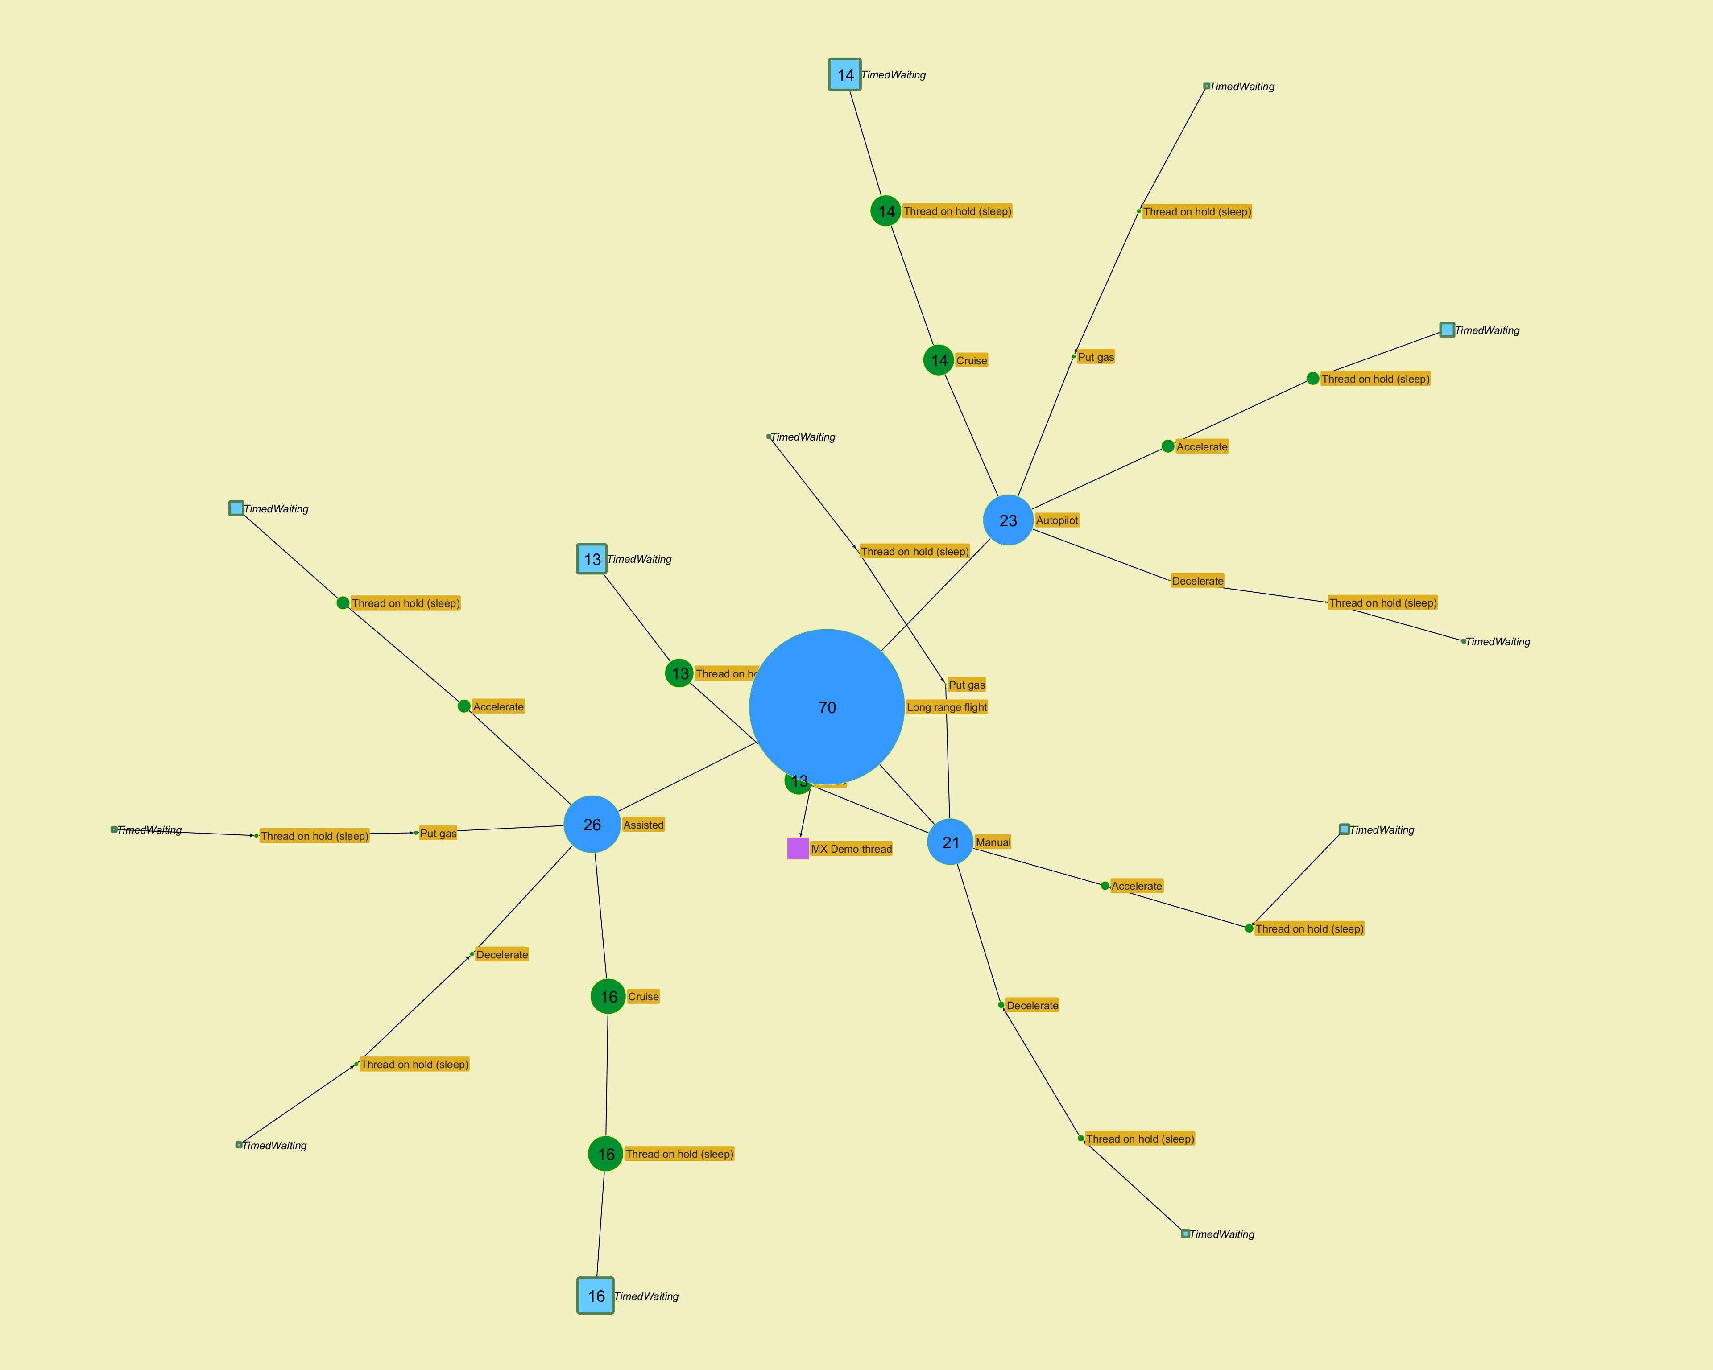
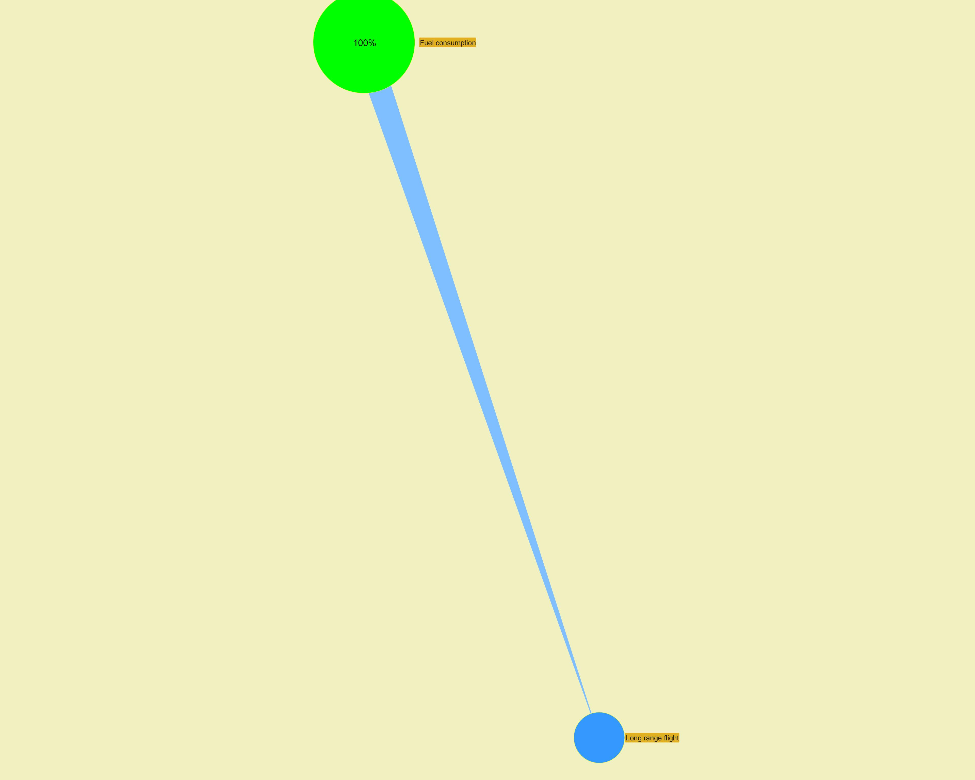

­ | ­

­ | ­
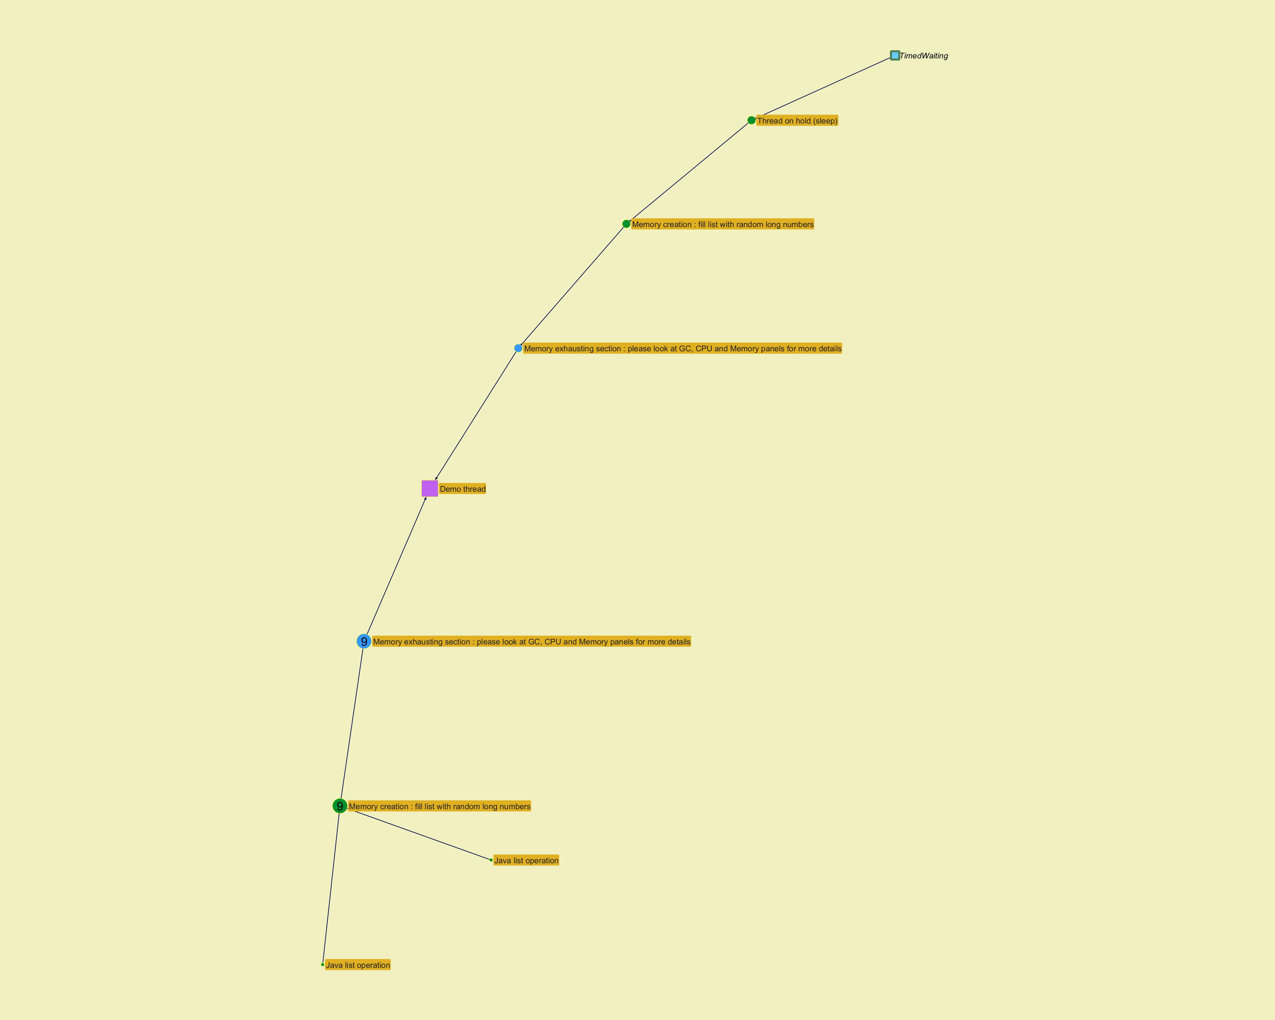
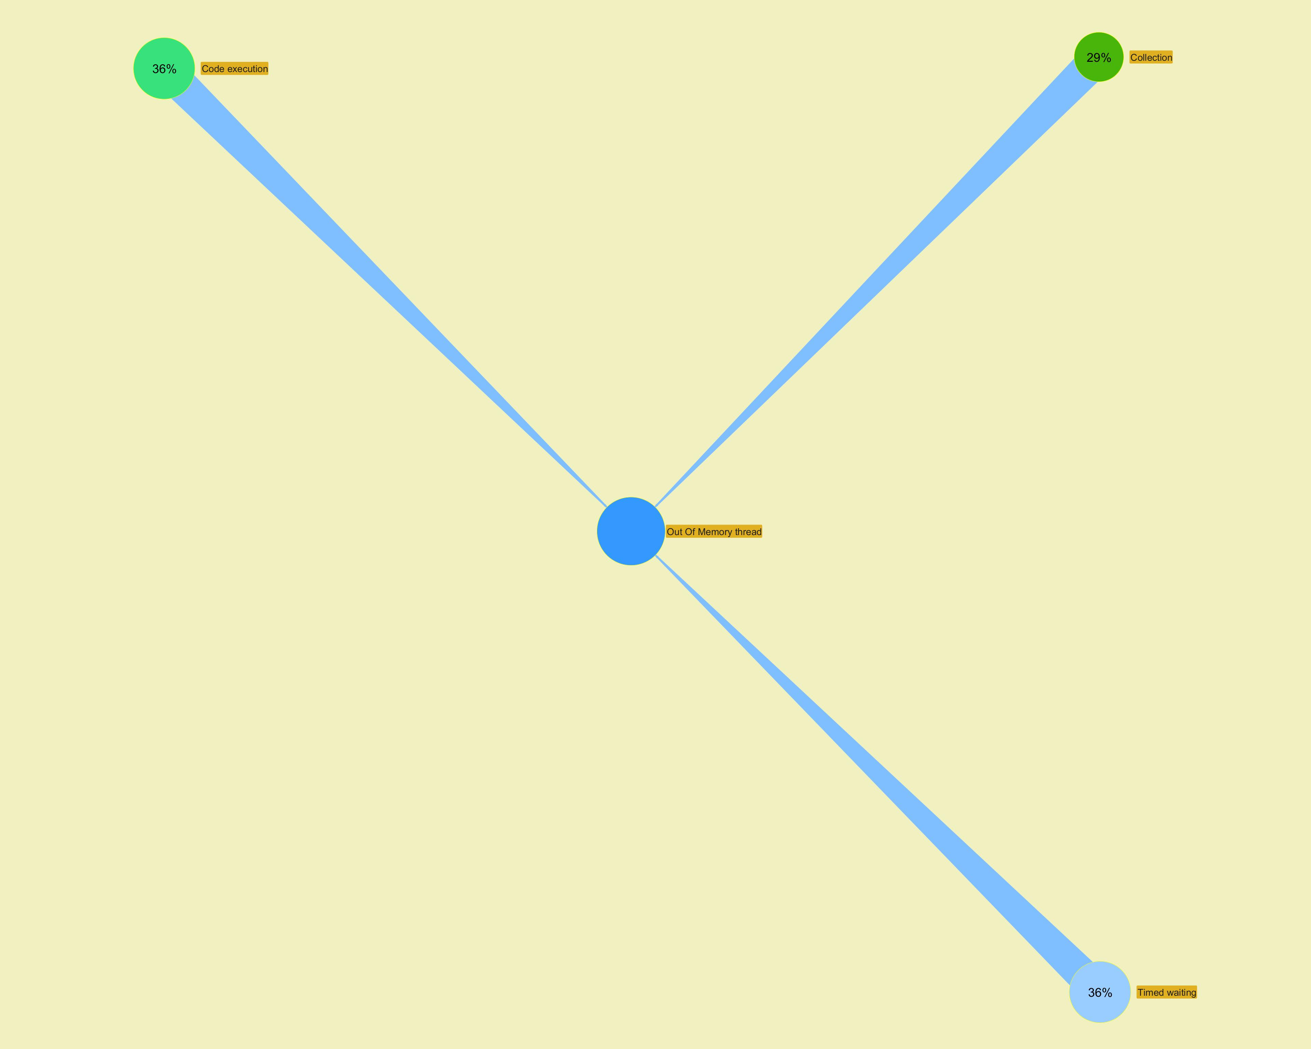

­ | ­

Long Action Profiling
...
­ | ­
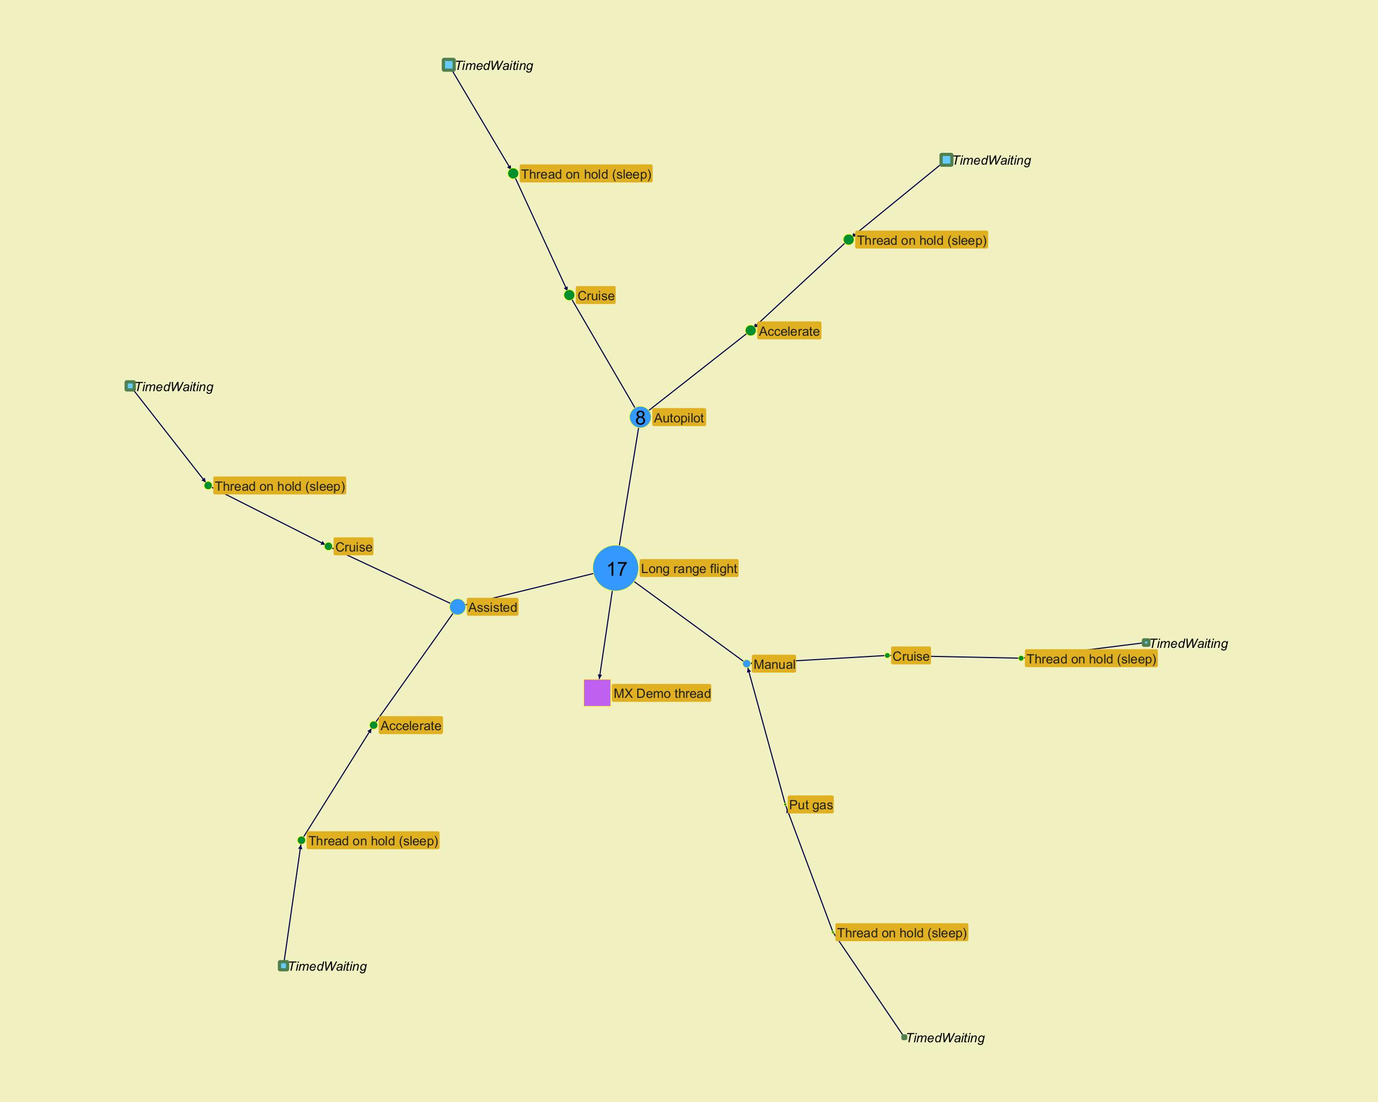
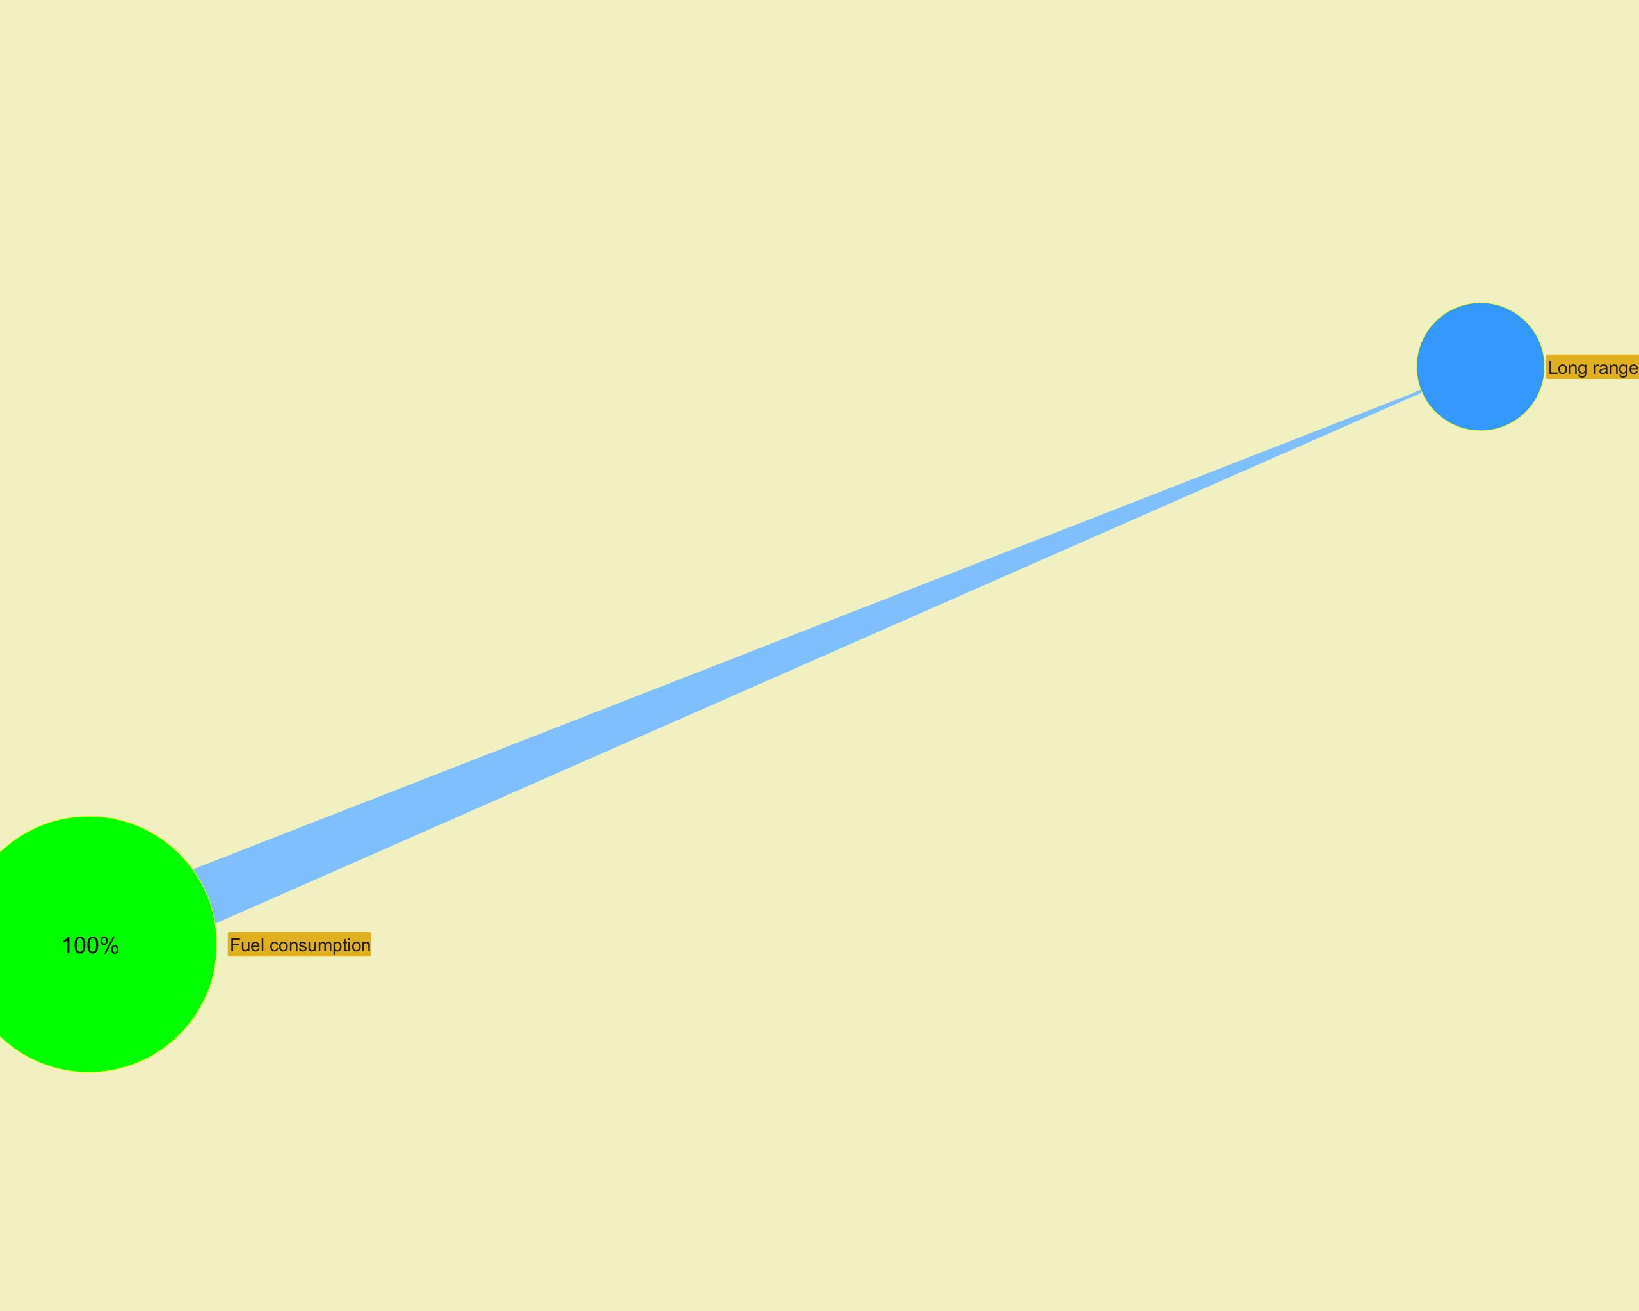

­ | ­

­ | ­
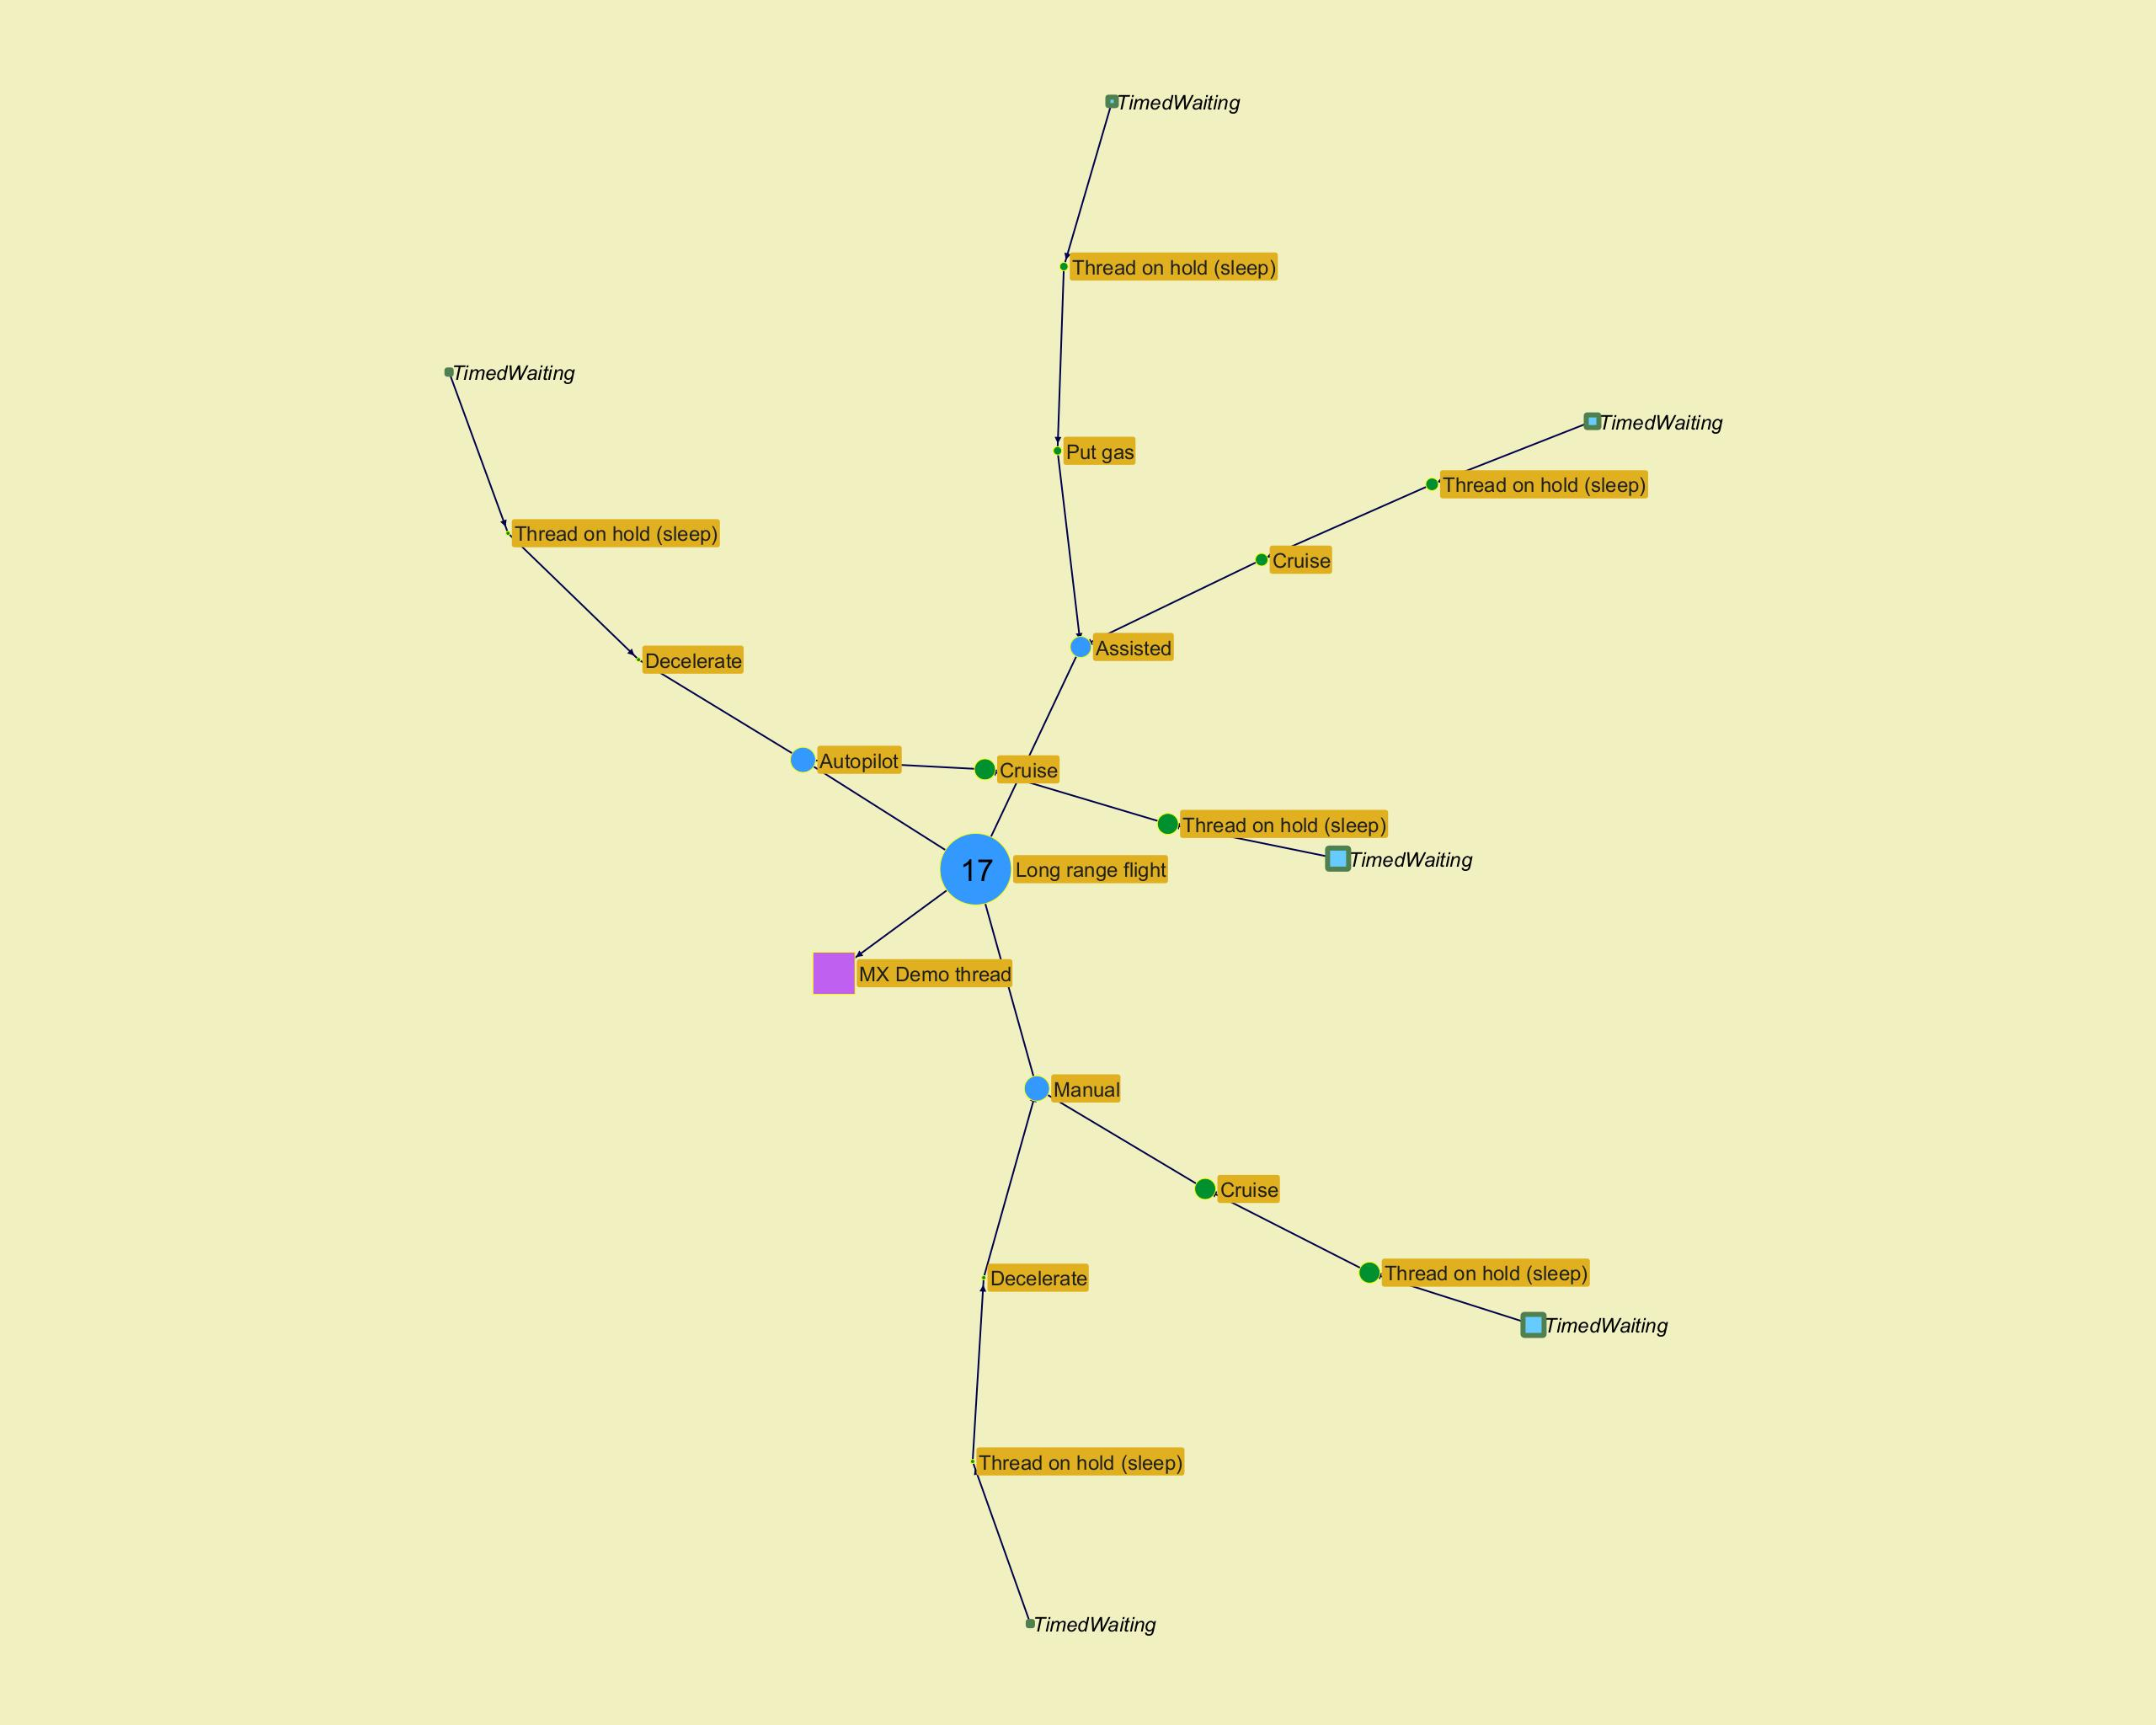
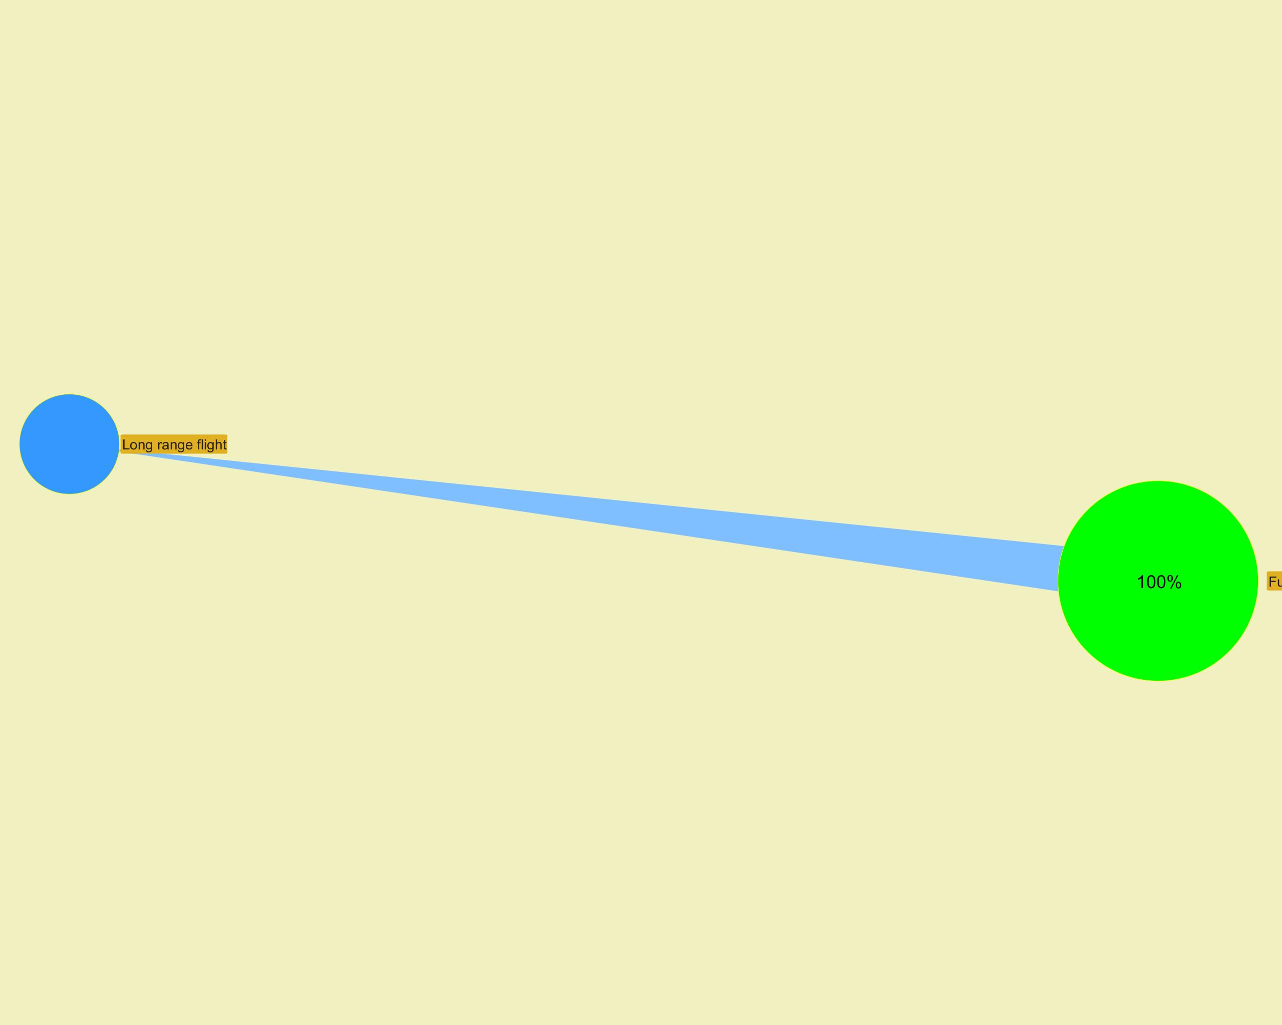

­ | ­

­ | ­
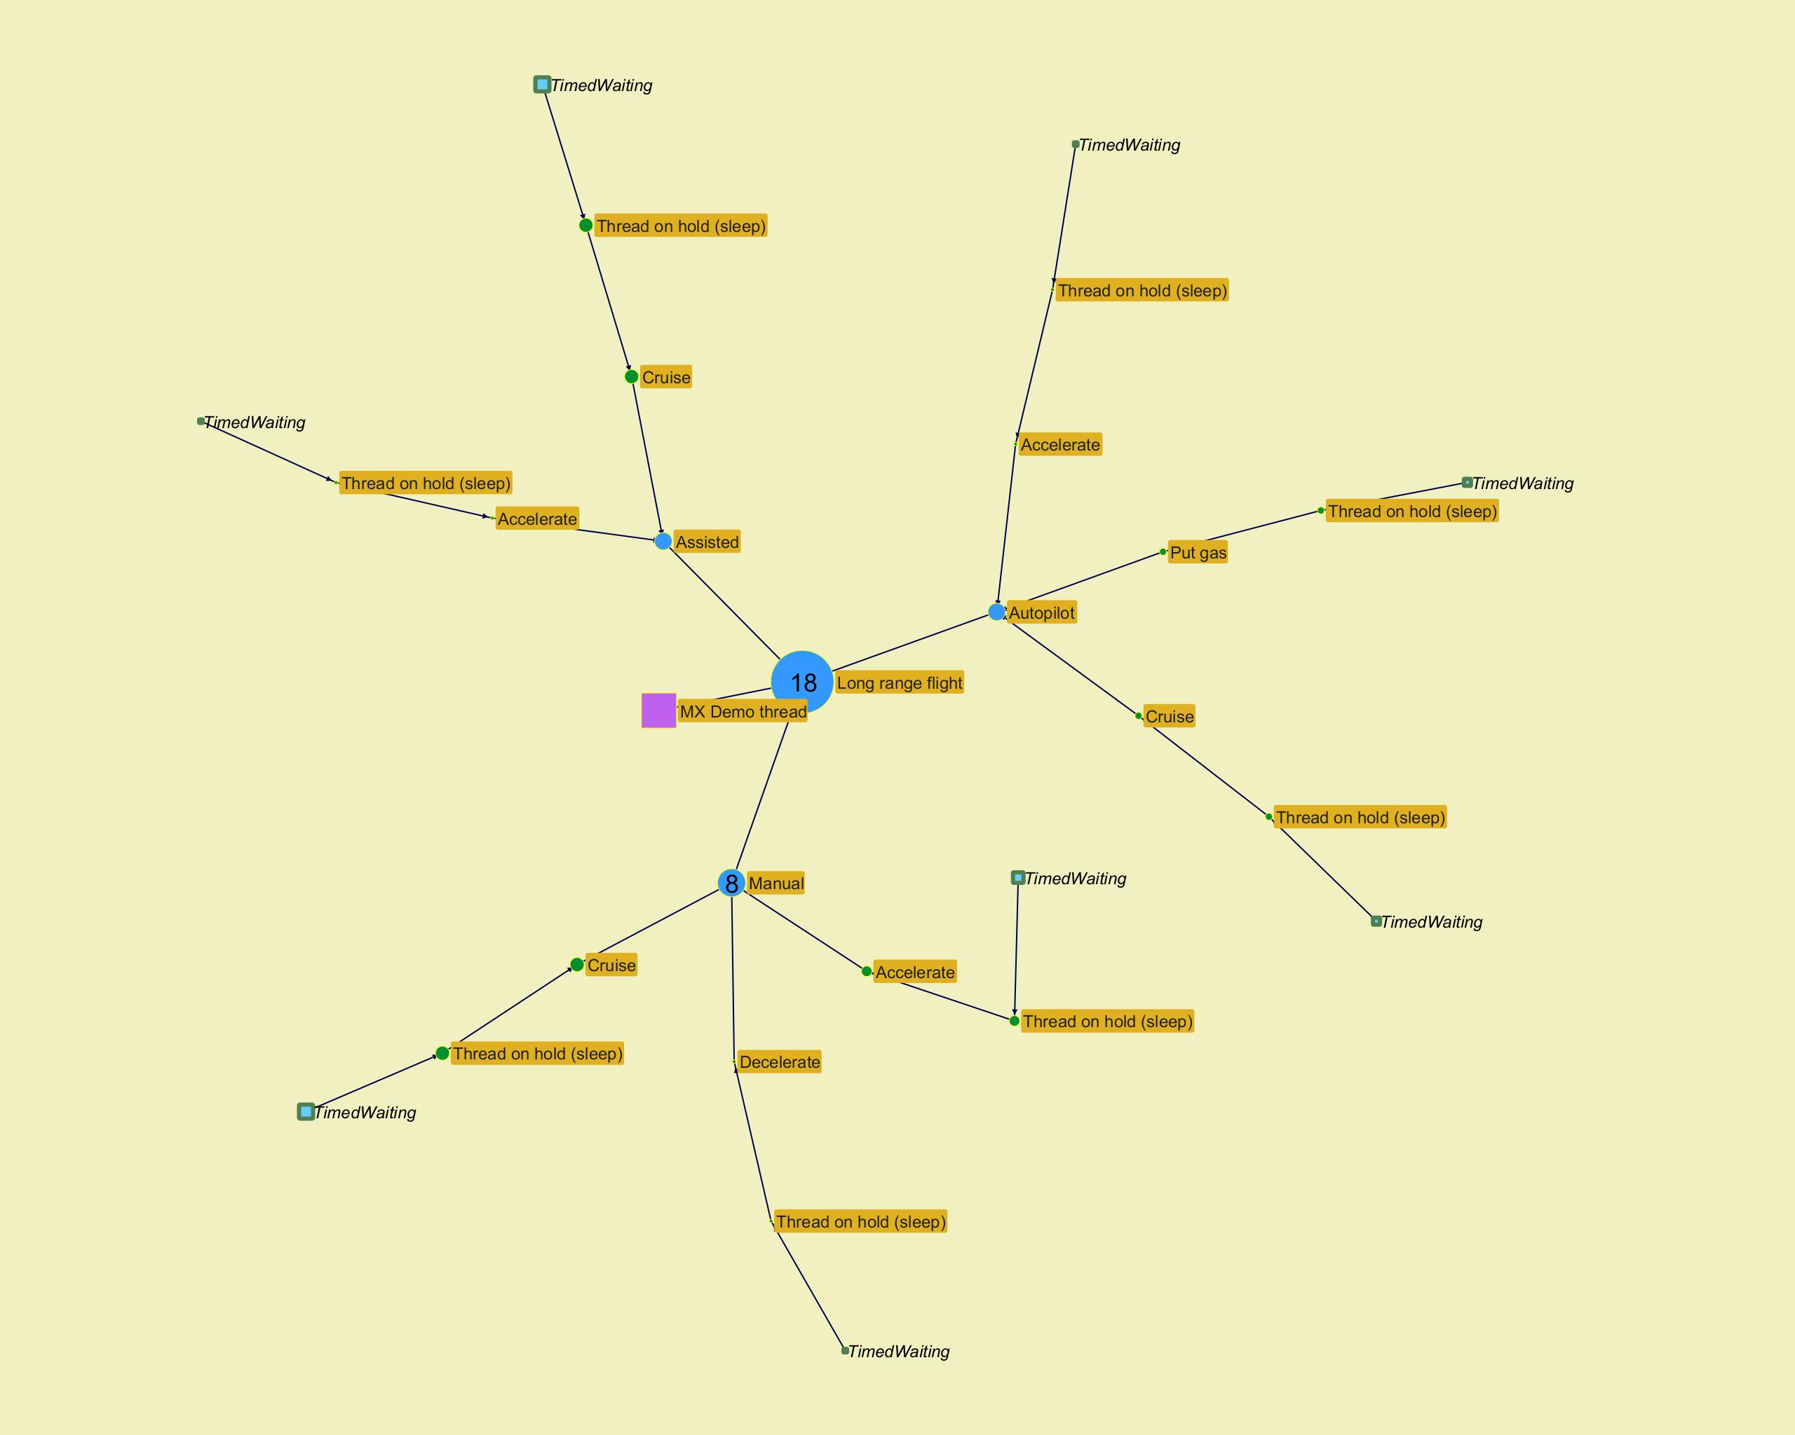
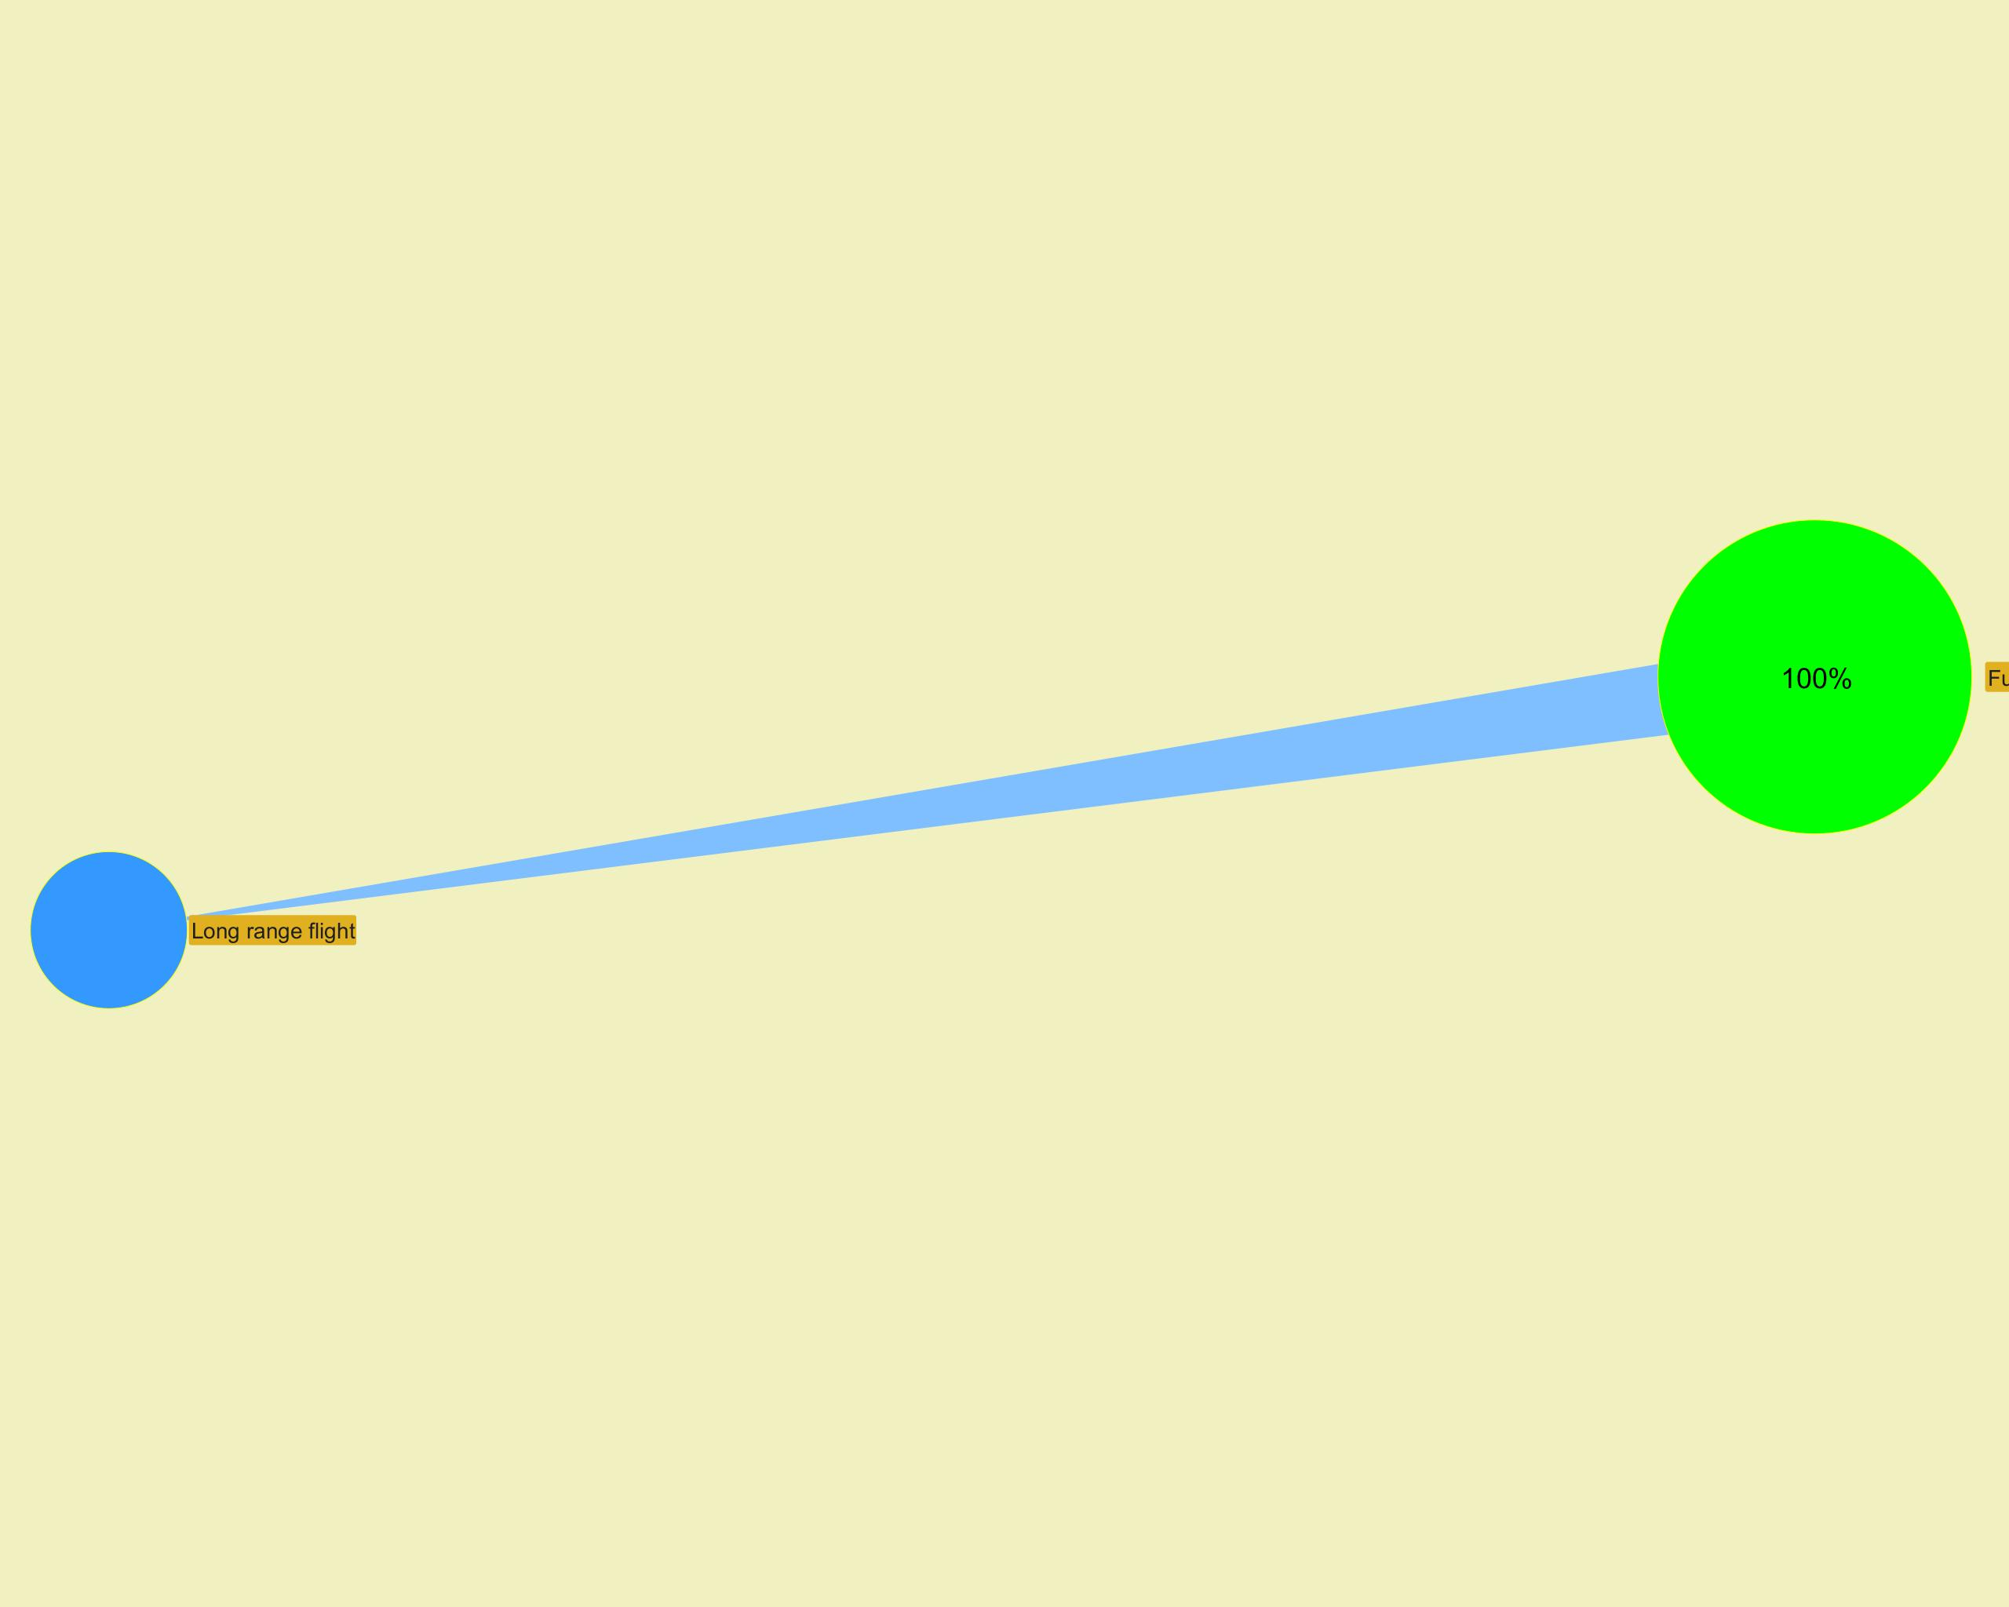

­ | ­

­ | ­
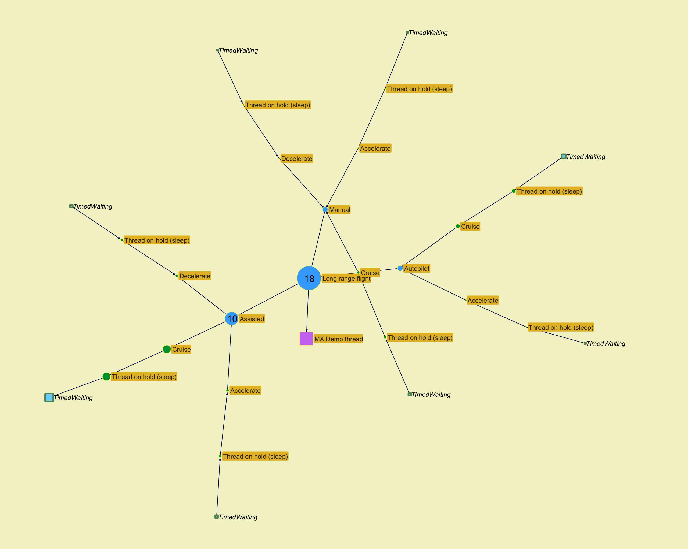
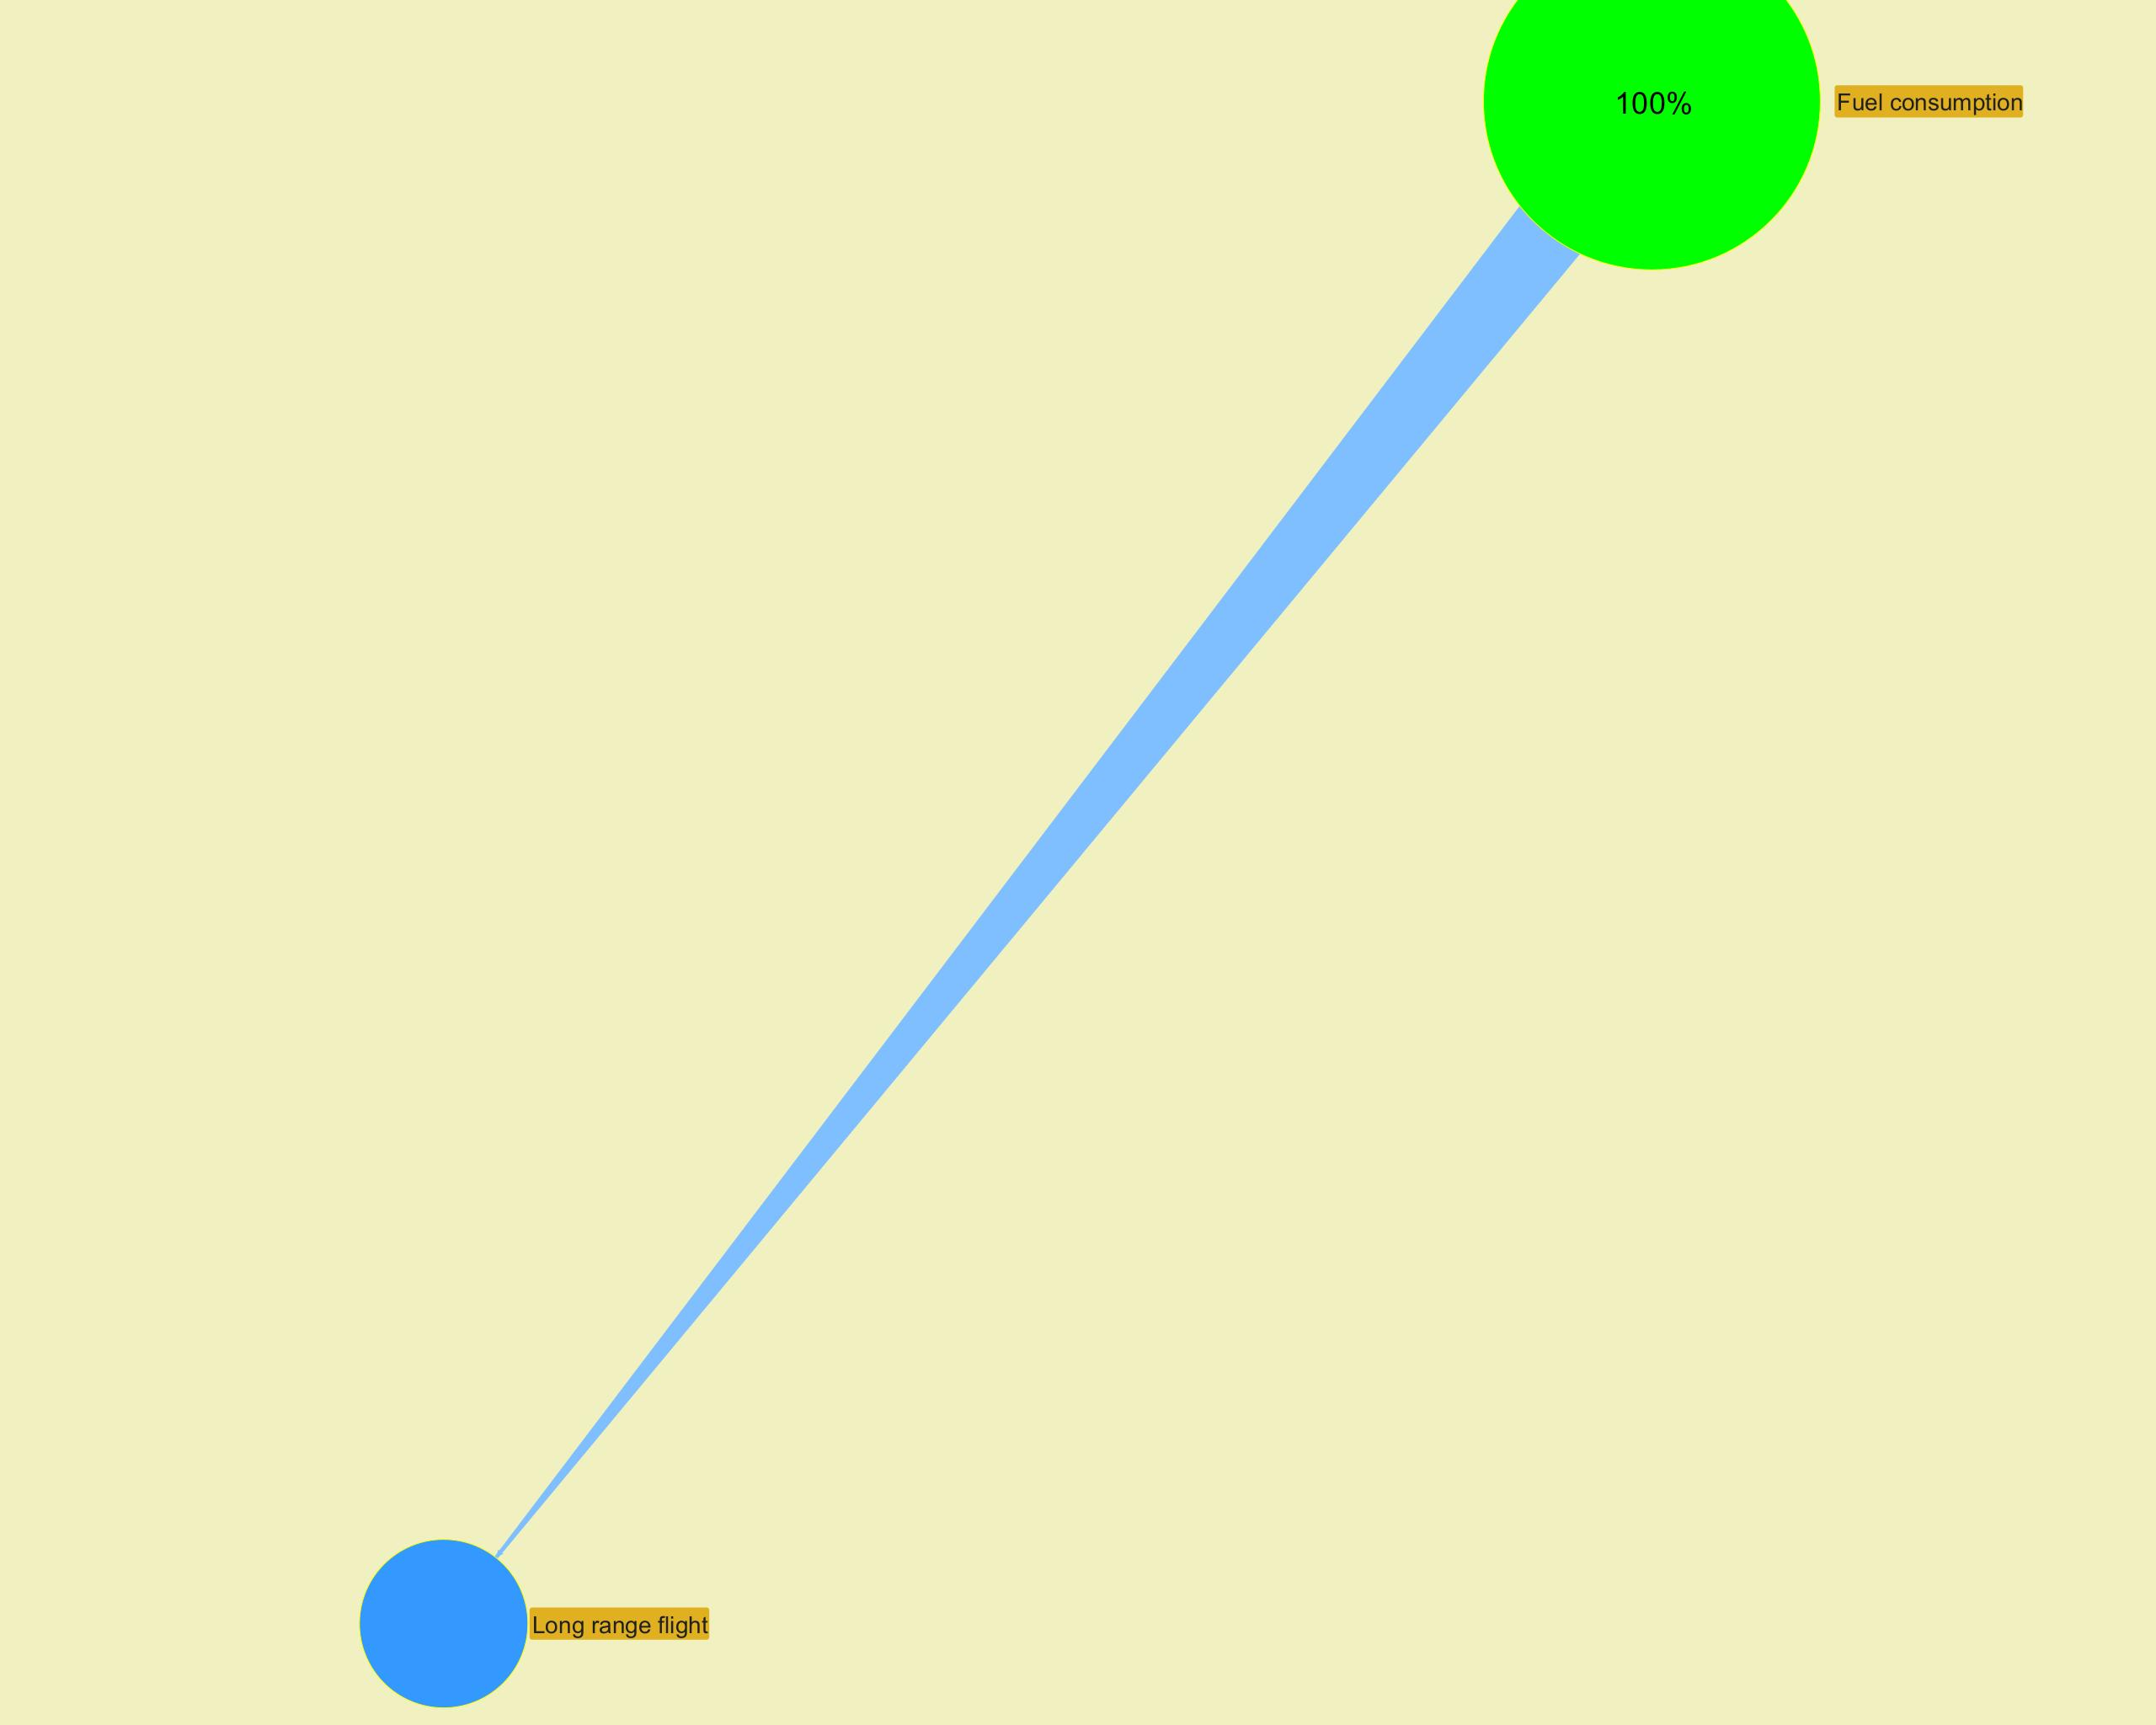

­ | ­

­ | ­
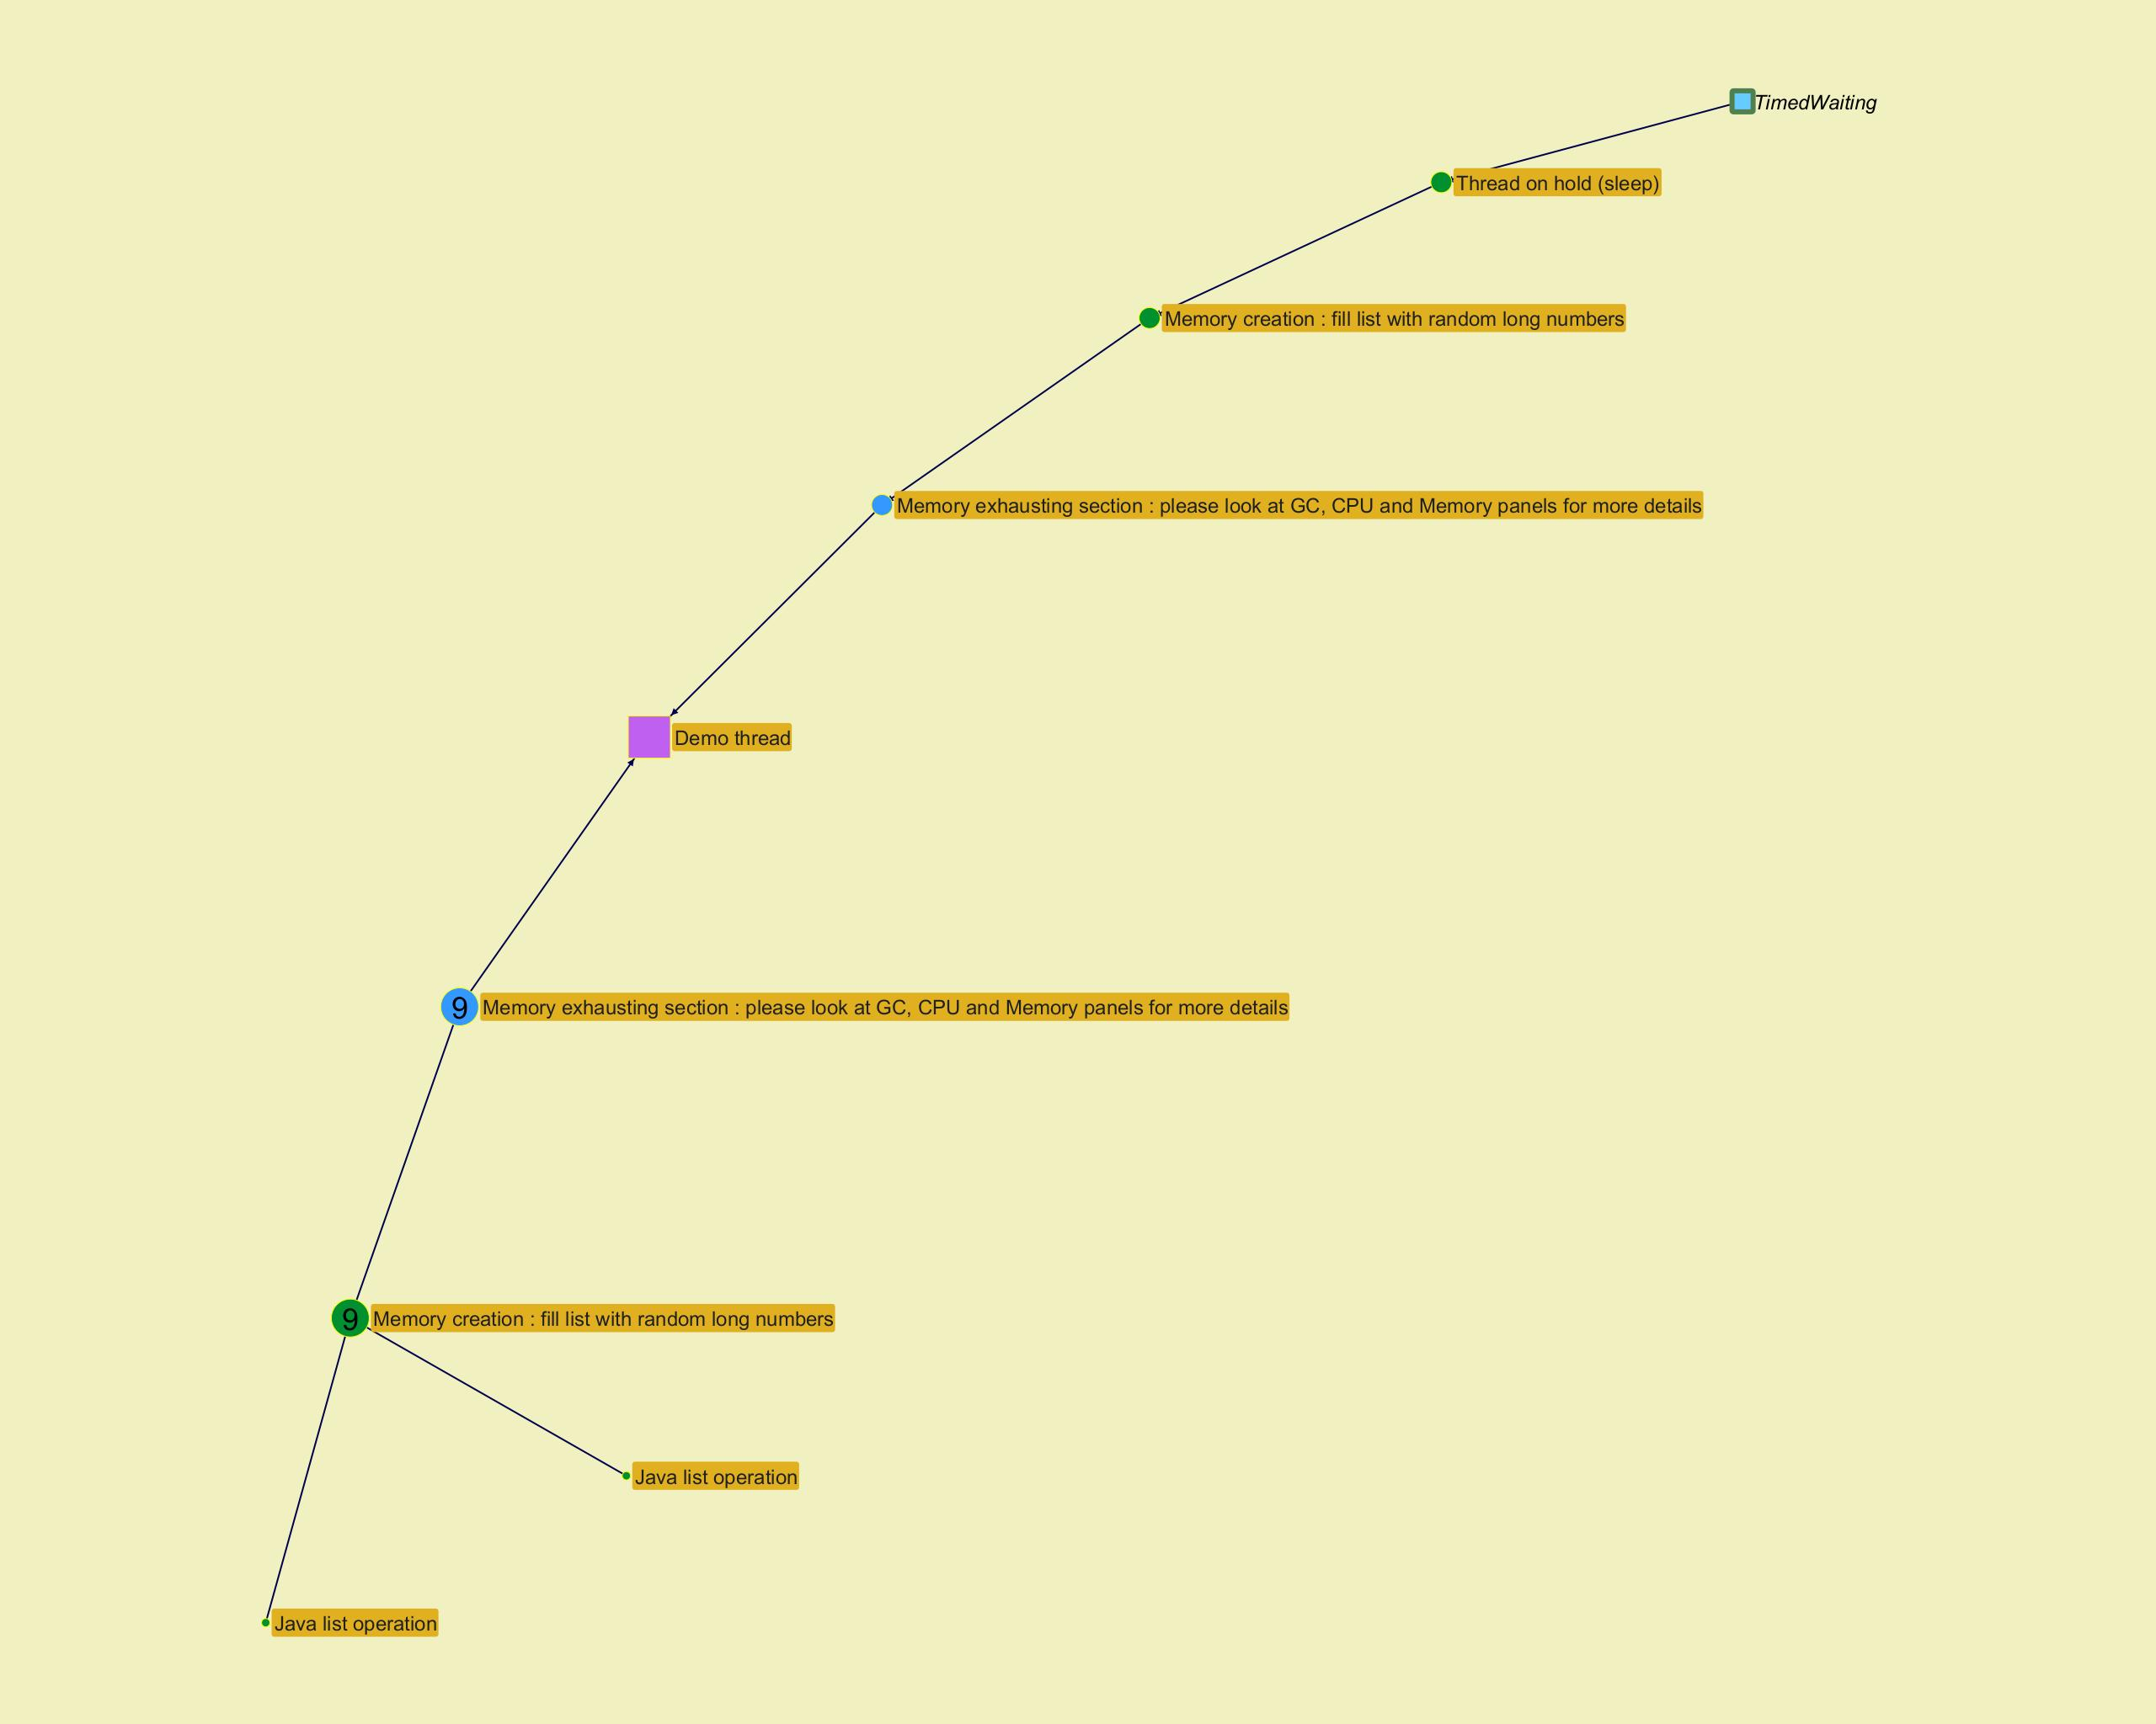
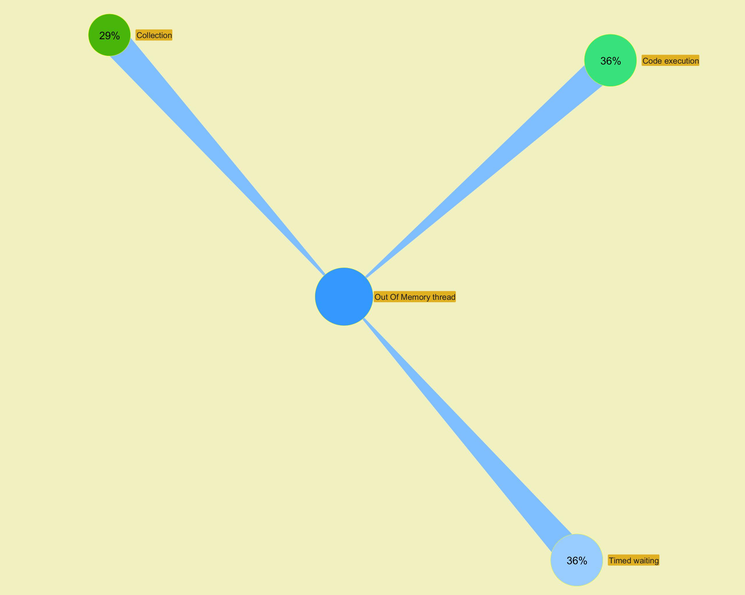

­ | ­

Top stacks
...
­ | ­
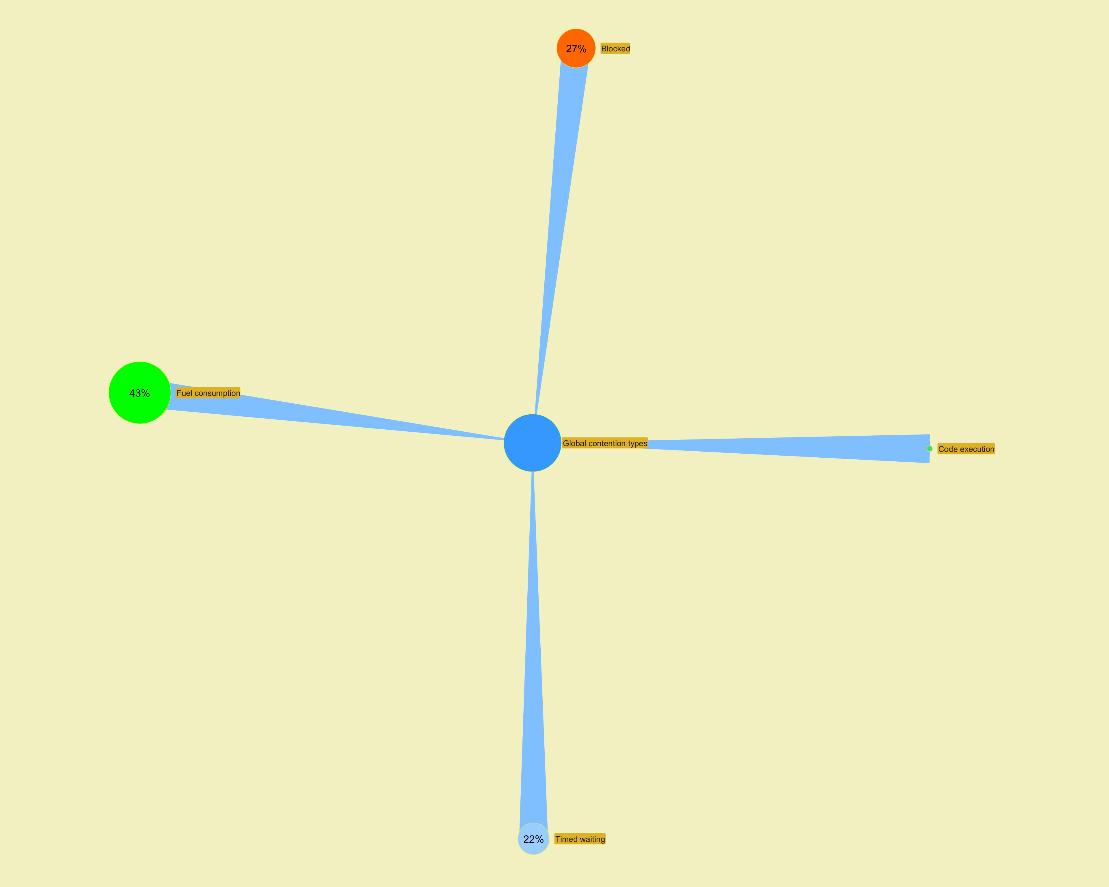

 | ­
...

Long Action Histogram
...
­
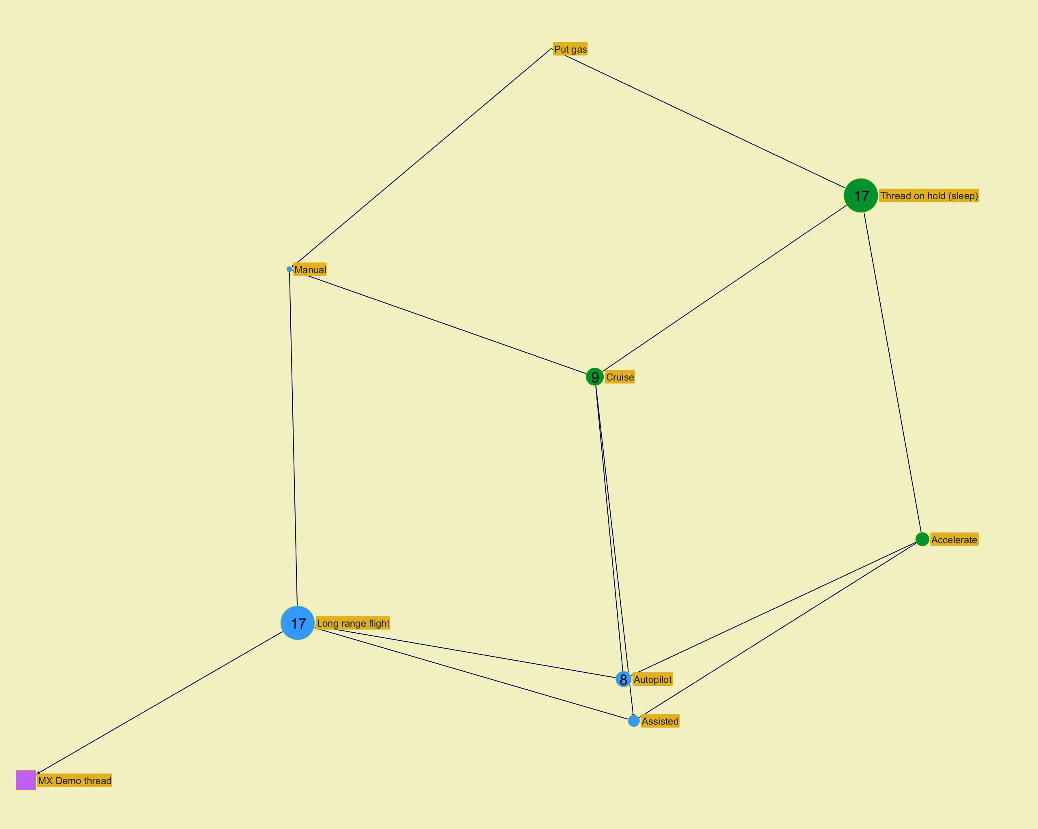

­

­
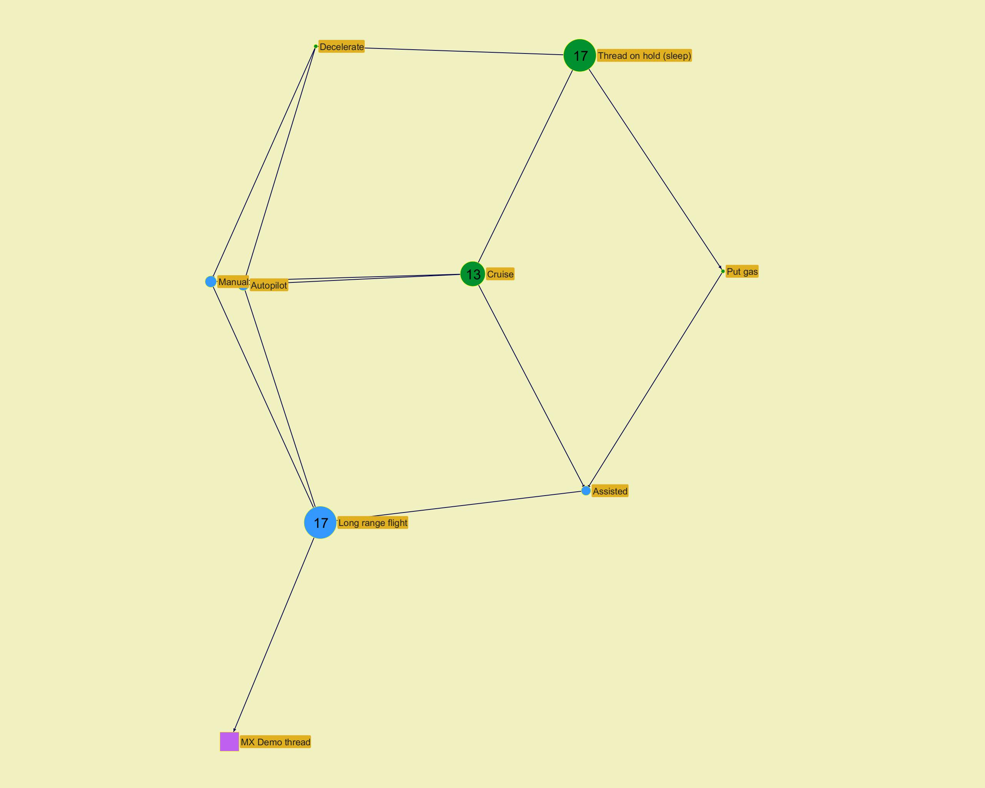

­

­
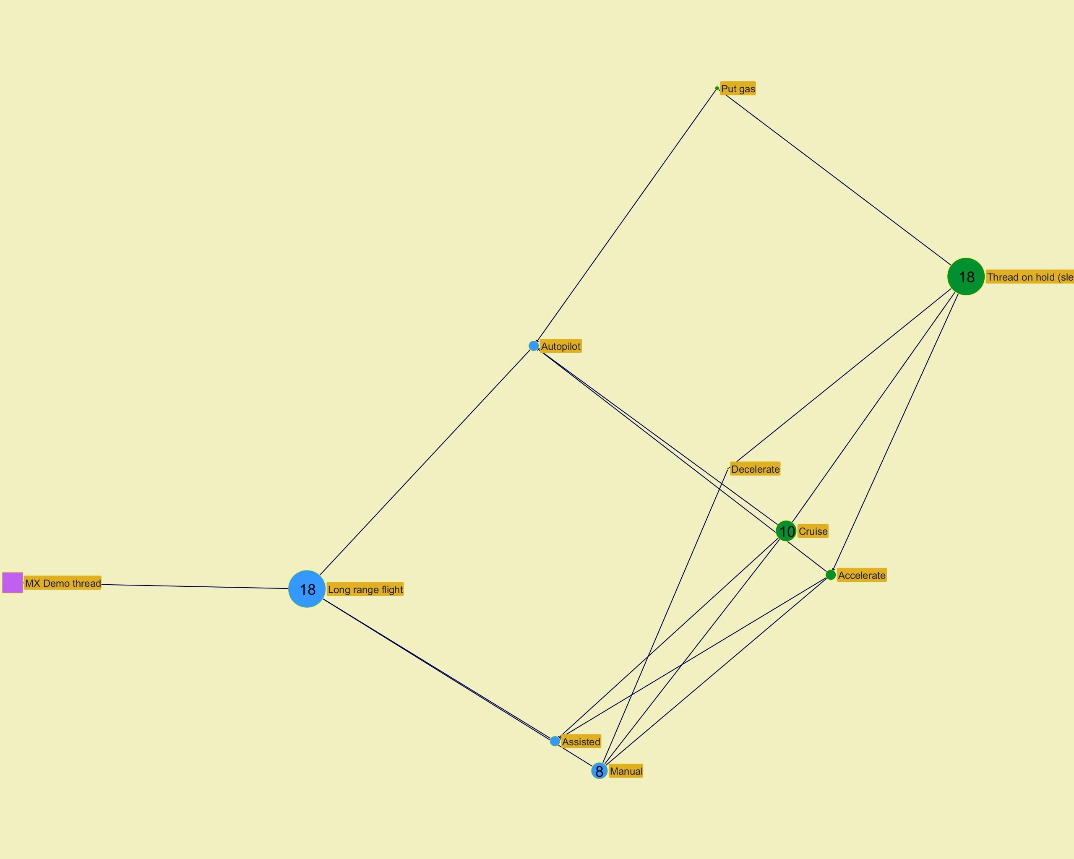

­

­
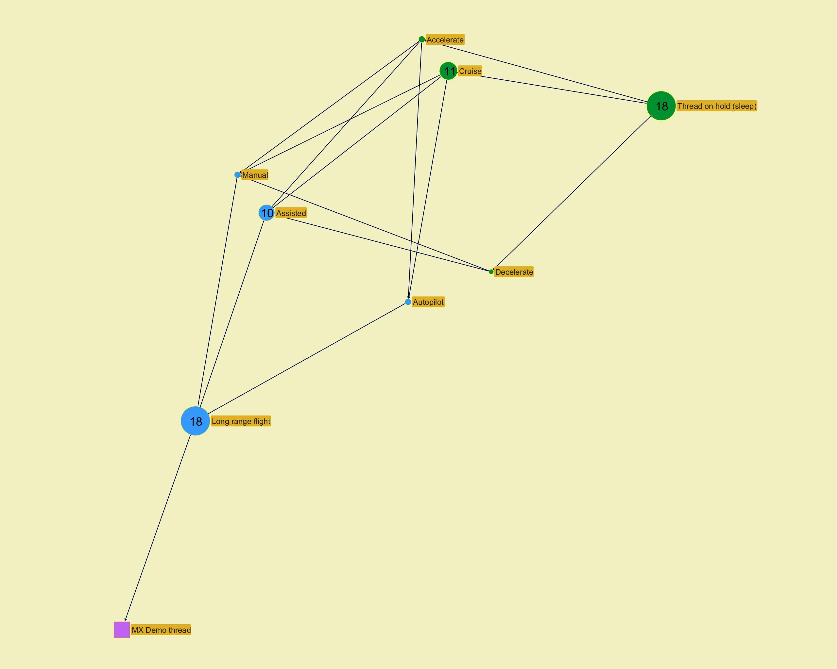

­

­
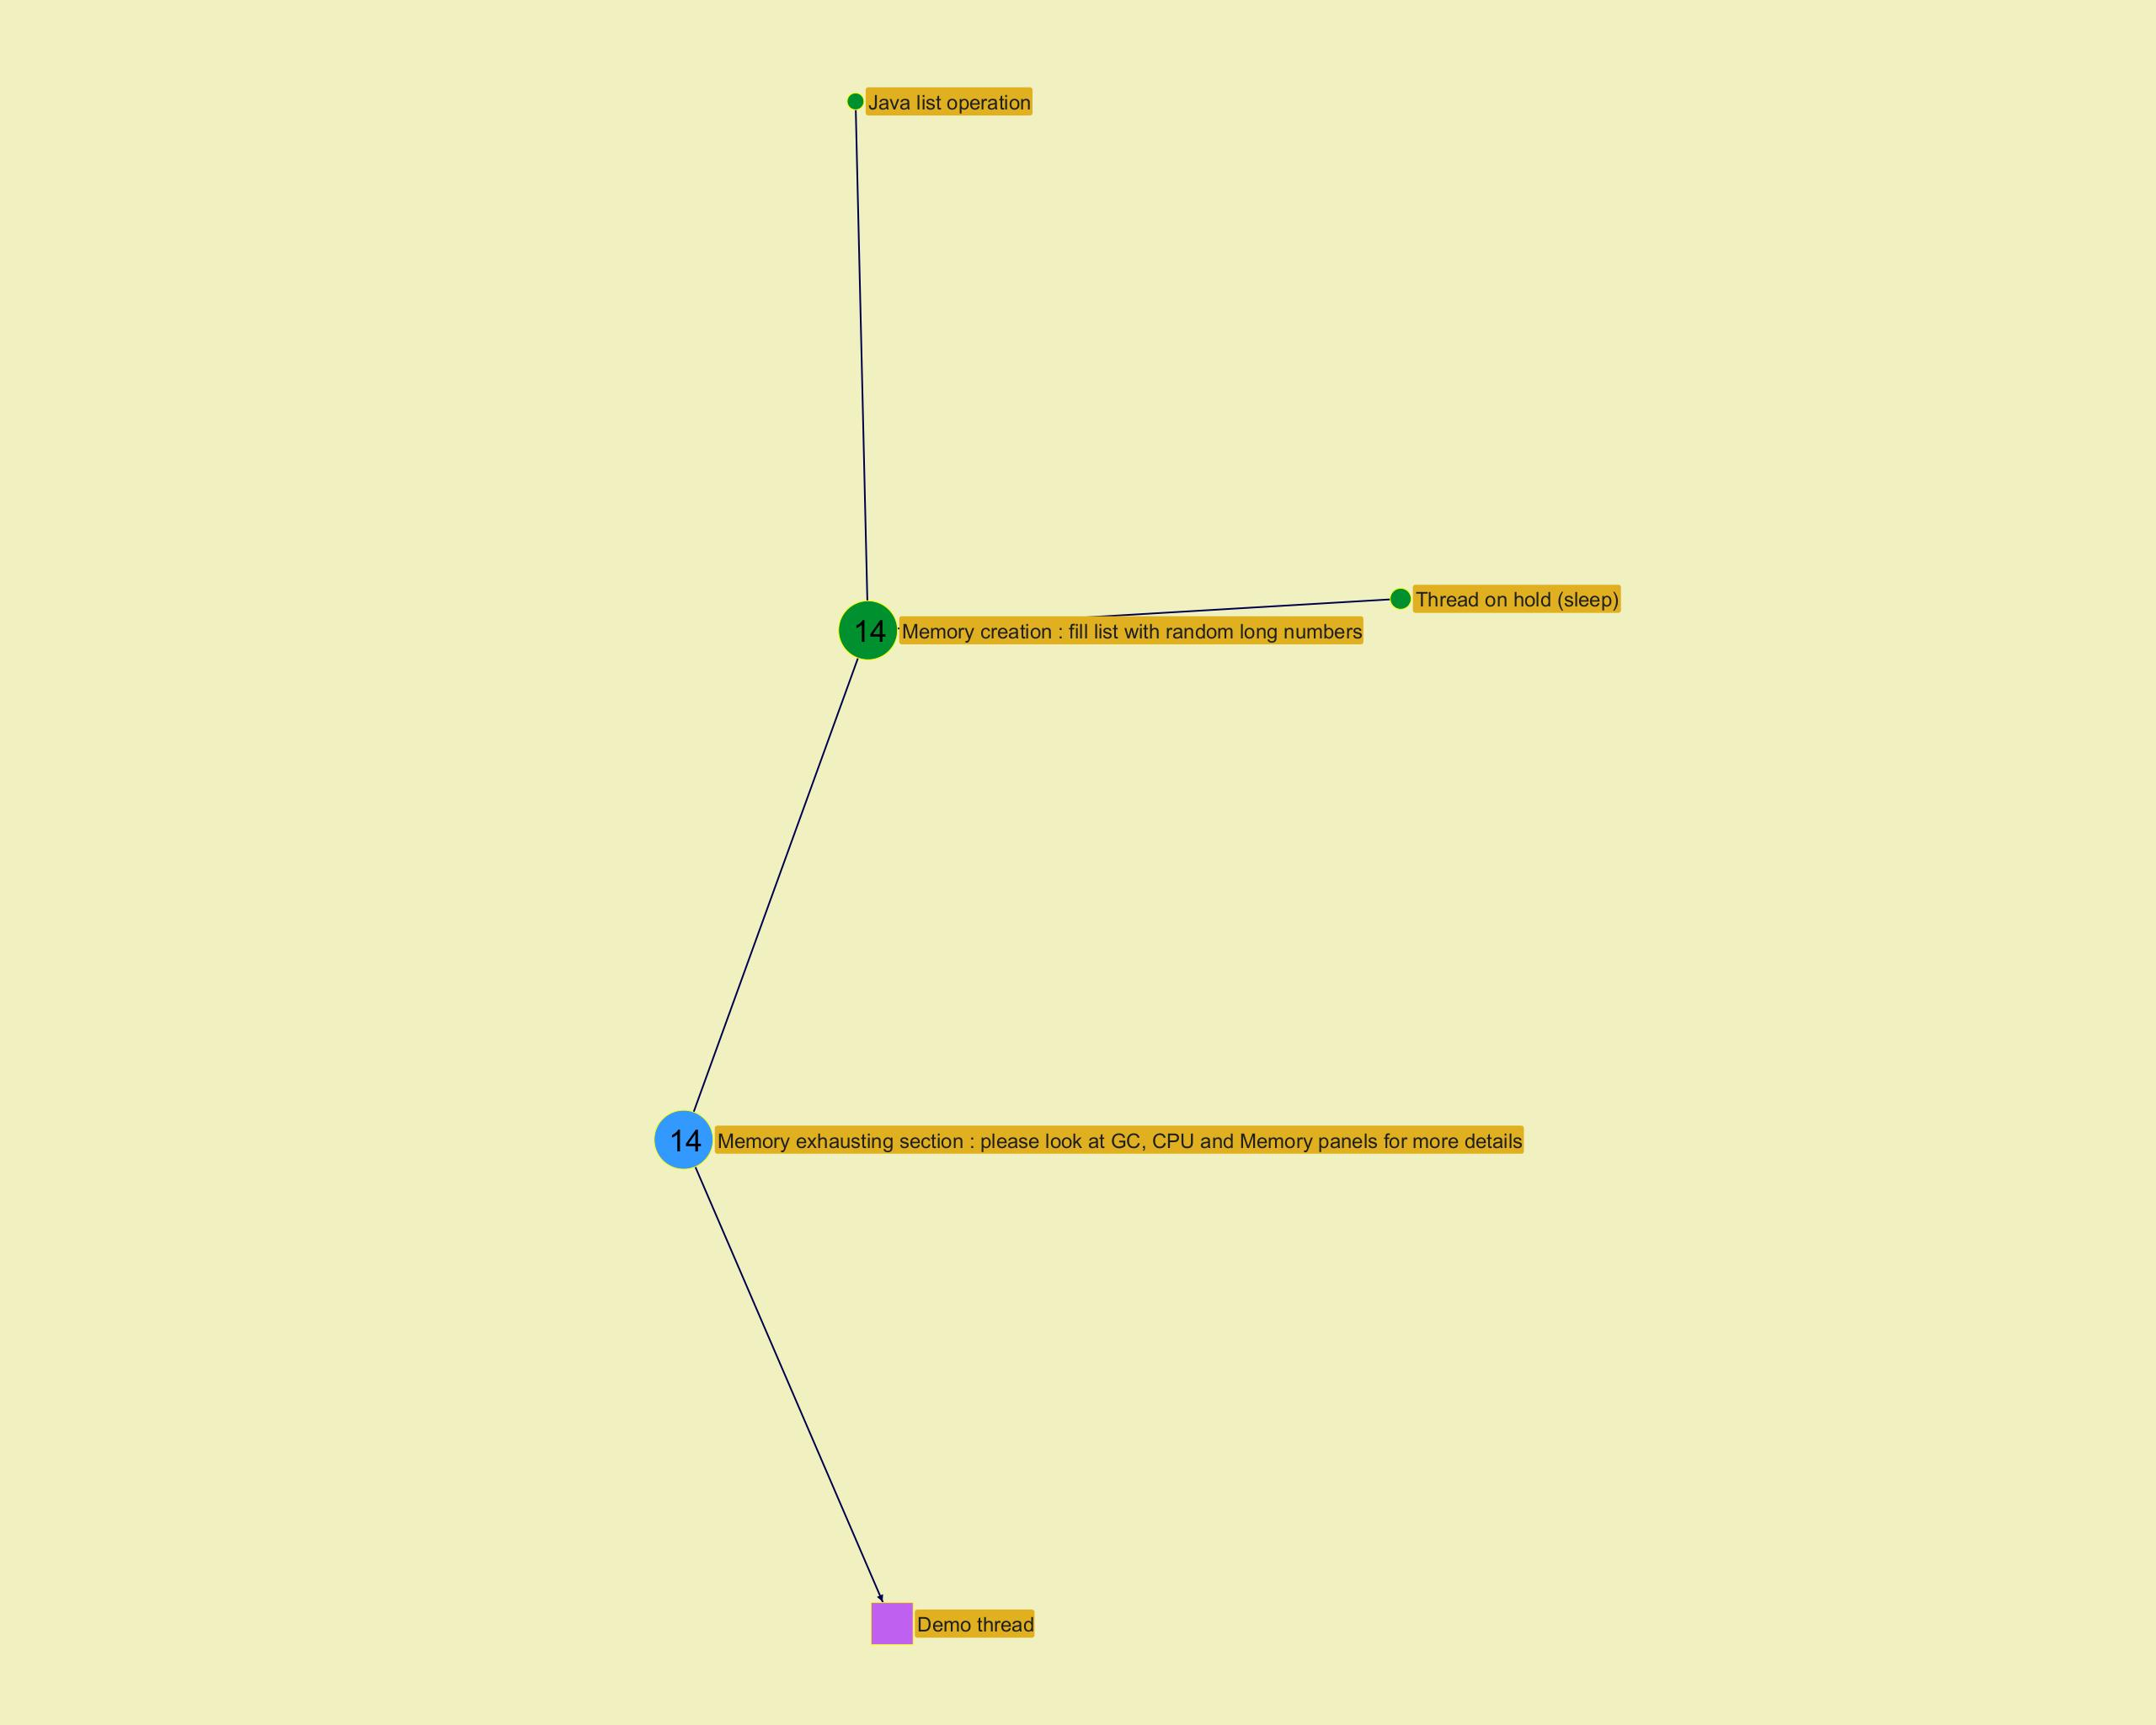

­

Action histogram
...
­
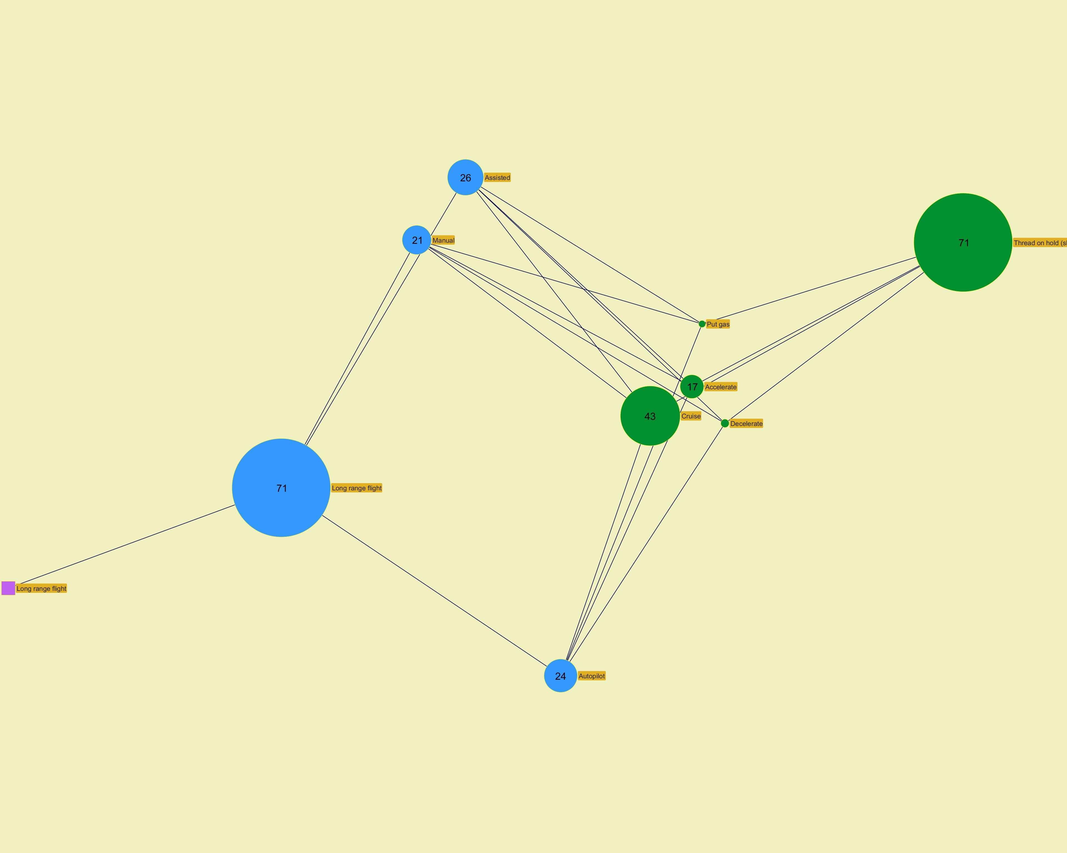

­

­
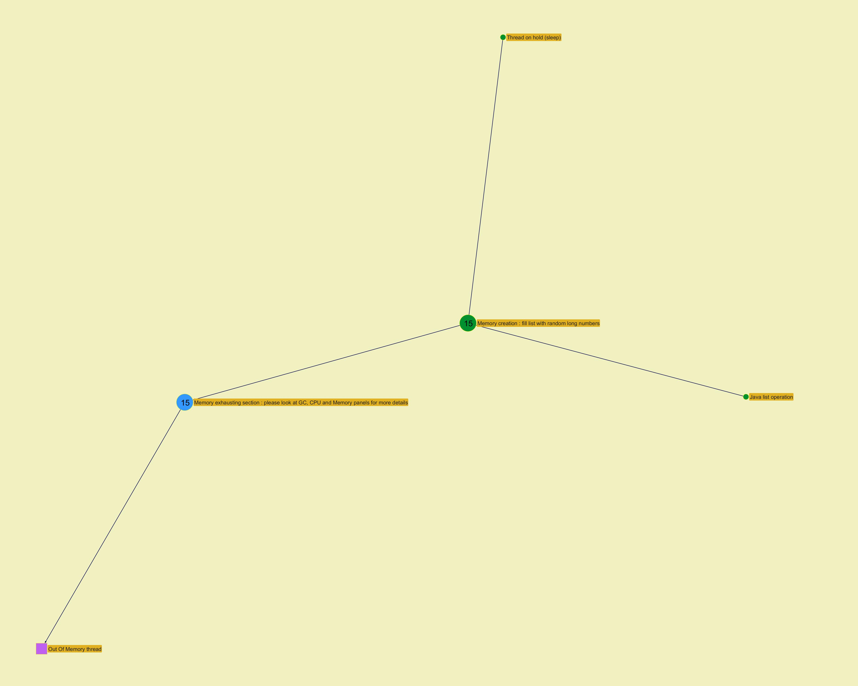

­

Function histogram
...
­
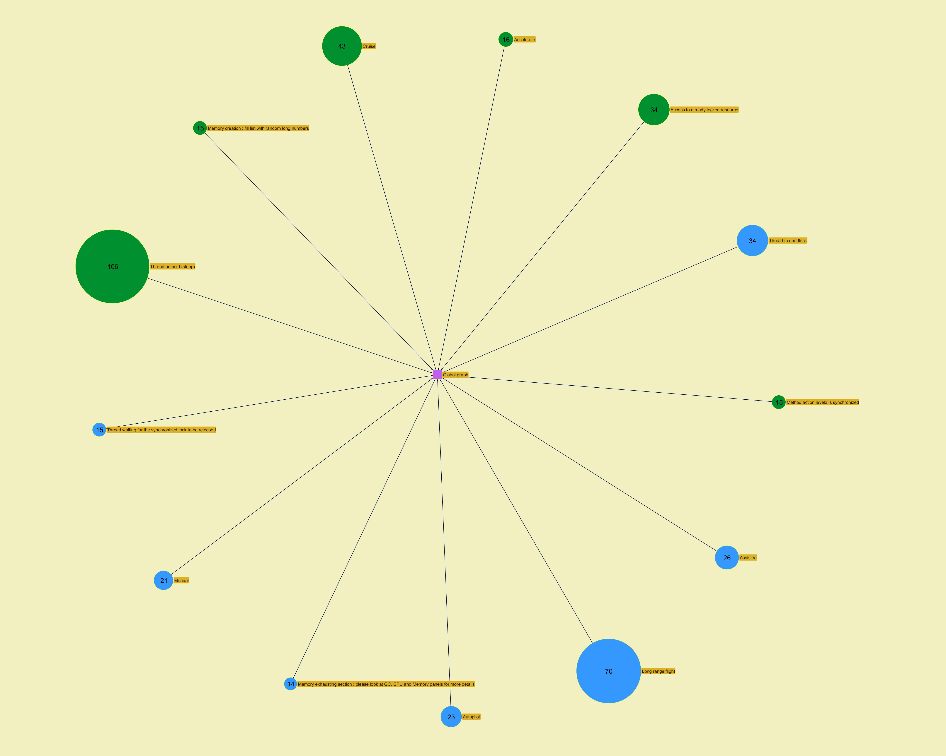
...
­

Recording state
...
 | Write time b | 19 | 2 | 6 | 2 | 2 | 2 | 1 | 1 | 1 | 1 | 1 | 1 | 1 | 1 | 1 | 1 | 2 | 1 | 1 | 1 | 1 | 1 | 1 | 1 | 1 | 1 | 1 | 2 | 4 | 1 | 1 | 1 | 1 | 1 | 1 | 1 | 8 | 1 | 19 | 1 | 1 | 2 | 4 | 1 | 9 | 1 | 1 | 1 | NA
 | Write speed a | 30 | 21 | 4 | 12 | 12 | 12 | 25 | 25 | 25 | 24 | 24 | 25 | 25 | 25 | 25 | 24 | 12 | 25 | 25 | 25 | 25 | 25 | 25 | 25 | 25 | 25 | 25 | 13 | 7 | 28 | 29 | 30 | 27 | 27 | 27 | 27 | 3 | 24 | 1 | 24 | 24 | 12 | 6 | 24 | 3 | 24 | 24 | 24 | NA
42 | Deadlock demo thread 0 | 17 |  |  |  |  | BLOCKED | 0 | 0 | 0 | 0 | Thread waiting for java lock release |  |  |  |  |  |  |  |  |  |  |  |  |  |  |  |  |  |  |  |  |  | Thread in deadlock/LOCK OWNER(42 -> 43) // BLOCKED(43)/waiting to lock org.jeyzer.demo.features.tasks.Deadlock$SharedResource | Thread in deadlock/LOCK OWNER(42 -> 43) // BLOCKED(43)/waiting to lock org.jeyzer.demo.features.tasks.Deadlock$SharedResource | Thread in deadlock/LOCK OWNER(42 -> 43) // BLOCKED(43)/waiting to lock org.jeyzer.demo.features.tasks.Deadlock$SharedResource | Thread in deadlock/LOCK OWNER(42 -> 43) // BLOCKED(43)/waiting to lock org.jeyzer.demo.features.tasks.Deadlock$SharedResource | Thread in deadlock/LOCK OWNER(42 -> 43) // BLOCKED(43)/waiting to lock org.jeyzer.demo.features.tasks.Deadlock$SharedResource | Thread in deadlock/LOCK OWNER(42 -> 43) // BLOCKED(43)/waiting to lock org.jeyzer.demo.features.tasks.Deadlock$SharedResource | Thread in deadlock/LOCK OWNER(42 -> 43) // BLOCKED(43)/waiting to lock org.jeyzer.demo.features.tasks.Deadlock$SharedResource | Thread in deadlock/LOCK OWNER(42 -> 43) // BLOCKED(43)/waiting to lock org.jeyzer.demo.features.tasks.Deadlock$SharedResource | Thread in deadlock/LOCK OWNER(42 -> 43) // BLOCKED(43)/waiting to lock org.jeyzer.demo.features.tasks.Deadlock$SharedResource | Thread in deadlock/LOCK OWNER(42 -> 43) // BLOCKED(43)/waiting to lock org.jeyzer.demo.features.tasks.Deadlock$SharedResource | Thread in deadlock/LOCK OWNER(42 -> 43) // BLOCKED(43)/waiting to lock org.jeyzer.demo.features.tasks.Deadlock$SharedResource | Thread in deadlock/LOCK OWNER(42 -> 43) // BLOCKED(43)/waiting to lock org.jeyzer.demo.features.tasks.Deadlock$SharedResource | Thread in deadlock/LOCK OWNER(42 -> 43) // BLOCKED(43)/waiting to lock org.jeyzer.demo.features.tasks.Deadlock$SharedResource | Thread in deadlock/LOCK OWNER(42 -> 43) // BLOCKED(43)/waiting to lock org.jeyzer.demo.features.tasks.Deadlock$SharedResource | Thread in deadlock/LOCK OWNER(42 -> 43) // BLOCKED(43)/waiting to lock org.jeyzer.demo.features.tasks.Deadlock$SharedResource | Thread in deadlock/LOCK OWNER(42 -> 43) // BLOCKED(43)/waiting to lock org.jeyzer.demo.features.tasks.Deadlock$SharedResource | Thread in deadlock/LOCK OWNER(42 -> 43) // BLOCKED(43)/waiting to lock org.jeyzer.demo.features.tasks.Deadlock$SharedResource
43 | Deadlock demo thread 1 | 17 |  |  |  |  | LOCK OWNER | 0 | 0 | 0 | 0 | Thread owning java lock |  |  |  |  |  |  |  |  |  |  |  |  |  |  |  |  |  |  |  |  |  | Thread in deadlock/LOCK OWNER(43 -> 42) // BLOCKED(42)/waiting to lock org.jeyzer.demo.features.tasks.Deadlock$SharedResource | Thread in deadlock/LOCK OWNER(43 -> 42) // BLOCKED(42)/waiting to lock org.jeyzer.demo.features.tasks.Deadlock$SharedResource | Thread in deadlock/LOCK OWNER(43 -> 42) // BLOCKED(42)/waiting to lock org.jeyzer.demo.features.tasks.Deadlock$SharedResource | Thread in deadlock/LOCK OWNER(43 -> 42) // BLOCKED(42)/waiting to lock org.jeyzer.demo.features.tasks.Deadlock$SharedResource | Thread in deadlock/LOCK OWNER(43 -> 42) // BLOCKED(42)/waiting to lock org.jeyzer.demo.features.tasks.Deadlock$SharedResource | Thread in deadlock/LOCK OWNER(43 -> 42) // BLOCKED(42)/waiting to lock org.jeyzer.demo.features.tasks.Deadlock$SharedResource | Thread in deadlock/LOCK OWNER(43 -> 42) // BLOCKED(42)/waiting to lock org.jeyzer.demo.features.tasks.Deadlock$SharedResource | Thread in deadlock/LOCK OWNER(43 -> 42) // BLOCKED(42)/waiting to lock org.jeyzer.demo.features.tasks.Deadlock$SharedResource | Thread in deadlock/LOCK OWNER(43 -> 42) // BLOCKED(42)/waiting to lock org.jeyzer.demo.features.tasks.Deadlock$SharedResource | Thread in deadlock/LOCK OWNER(43 -> 42) // BLOCKED(42)/waiting to lock org.jeyzer.demo.features.tasks.Deadlock$SharedResource | Thread in deadlock/LOCK OWNER(43 -> 42) // BLOCKED(42)/waiting to lock org.jeyzer.demo.features.tasks.Deadlock$SharedResource | Thread in deadlock/LOCK OWNER(43 -> 42) // BLOCKED(42)/waiting to lock org.jeyzer.demo.features.tasks.Deadlock$SharedResource | Thread in deadlock/LOCK OWNER(43 -> 42) // BLOCKED(42)/waiting to lock org.jeyzer.demo.features.tasks.Deadlock$SharedResource | Thread in deadlock/LOCK OWNER(43 -> 42) // BLOCKED(42)/waiting to lock org.jeyzer.demo.features.tasks.Deadlock$SharedResource | Thread in deadlock/LOCK OWNER(43 -> 42) // BLOCKED(42)/waiting to lock org.jeyzer.demo.features.tasks.Deadlock$SharedResource | Thread in deadlock/LOCK OWNER(43 -> 42) // BLOCKED(42)/waiting to lock org.jeyzer.demo.features.tasks.Deadlock$SharedResource | Thread in deadlock/LOCK OWNER(43 -> 42) // BLOCKED(42)/waiting to lock org.jeyzer.demo.features.tasks.Deadlock$SharedResource
30 | Demo thread 1 | 14 |  |  |  |  | BLOCKED/LOCK OWNER | 0 | 0 | 0 | 0 | Thread owning java lock, waiting for java lock release |  |  |  |  |  |  |  |  |  |  |  |  |  |  |  |  |  |  |  |  |  |  |  |  | Out Of Memory thread - Memory exhausting section : please look at GC, CPU and Memory panels for more details | Out Of Memory thread - Memory exhausting section : please look at GC, CPU and Memory panels for more details | Out Of Memory thread - Memory exhausting section : please look at GC, CPU and Memory panels for more details | Out Of Memory thread - Memory exhausting section : please look at GC, CPU and Memory panels for more details | Out Of Memory thread - Memory exhausting section : please look at GC, CPU and Memory panels for more details | Out Of Memory thread - Memory exhausting section : please look at GC, CPU and Memory panels for more details | Out Of Memory thread - Memory exhausting section : please look at GC, CPU and Memory panels for more details | Out Of Memory thread - Memory exhausting section : please look at GC, CPU and Memory panels for more details | Out Of Memory thread - Memory exhausting section : please look at GC, CPU and Memory panels for more details | Out Of Memory thread - Memory exhausting section : please look at GC, CPU and Memory panels for more details | Out Of Memory thread - Memory exhausting section : please look at GC, CPU and Memory panels for more details | Out Of Memory thread - Memory exhausting section : please look at GC, CPU and Memory panels for more details | Out Of Memory thread - Memory exhausting section : please look at GC, CPU and Memory panels for more details | Out Of Memory thread - Memory exhausting section : please look at GC, CPU and Memory panels for more details
 |  |  |  |  |  |  | BLOCKED/LOCK OWNER | 0 | 0 | 0 | 0 | Deadlock
 |  |  |  |  |  |  | ADV LOCKED (Lock class) | 0 | 0 | 0 | 0 | Thread waiting for advanced lock release
 |  |  |  |  |  |  | SUSPENDED | 0 | 0 | 0 | 0 | Thread suspended on debug breakpoint
 |  |  |  |  |  |  |  | 0 | 0 | 0 | 0 | Frozen code stack

 | Write speed
 | 4
 | 12
 | 12
 | 12
 | 25
 | 25
 | 25
 | 24
 | 24
 | 25
 | 25
 | 25
 | 25
 | 24
 | 12
 | 25
 | 25
 | 25
 | 25
 | 25
 | 25
 | 25
 | 25
 | 25
 | 25
 | 13
 | 7
 | 28
 | 29
 | 30
 | 27
 | 27
 | 27
 | 27
 | 3
 | 24
 | 1
 | 24
 | 24
 | 12
 | 6
 | 24
 | 3
 | 24
 | 24
 | 24

 |  | ­ | a Recording write speed

 | Write time | Recording snapshot capture time | Thread count
 | 6 | 49 | 24
 | 2 | 34 | 24
 | 2 | 32 | 24
 | 2 | 39 | 24
 | 1 | 39 | 24
 | 1 | 35 | 24
 | 1 | 31 | 24
 | 1 | 33 | 24
 | 1 | 31 | 24
 | 1 | 57 | 24
 | 1 | 28 | 24
 | 1 | 30 | 24
 | 1 | 27 | 24
 | 1 | 30 | 24
 | 2 | 25 | 24
 | 1 | 27 | 24
 | 1 | 27 | 24
 | 1 | 27 | 24
 | 1 | 28 | 24
 | 1 | 35 | 24
 | 1 | 29 | 24
 | 1 | 27 | 24
 | 1 | 28 | 24
 | 1 | 29 | 24
 | 1 | 27 | 24
 | 2 | 32 | 25
 | 4 | 27 | 26
 | 1 | 28 | 27
 | 1 | 25 | 28
 | 1 | 28 | 29
 | 1 | 29 | 26
 | 1 | 27 | 26
 | 1 | 26 | 26
 | 1 | 163 | 26
 | 8 | 178 | 26
 | 1 | 108 | 24
 | 19 | 166 | 24
 | 1 | 163 | 24
 | 1 | 108 | 24
 | 2 | 173 | 24
 | 4 | 107 | 24
 | 1 | 151 | 24
 | 9 | 168 | 24
 | 1 | 112 | 24
 | 1 | 179 | 24
 | 1 | 153 | 24
 |  | 111 | 24

 |  | ­ | b Recording times

Modules
...
­




