Menu

JZR report | Jeyzer |  | Items | A fact acquires its true and full value only through the idea which is developed from it. Justus Von Liebig
 | Session info | Lists analysis and session recording information. | 49
 | Process card | Displays and groups all the process properties per category : OS, architecture, startup parameters... Permits to collect technical details helping in the troubleshooting. | 40
 | Detected incidents | Displays the detected incidents. | 3
 | Monitoring sequence | Displays monitoring events on a Jeyzer time sequence, along with header figures. | 3
 | Functions | Displays the demo features on a Jeyzer time sequence, focusing on functions and headers. | 72
 | Memory | Displays actions in a time line manner, focusing on process and thread memory consumption. Permits to identify high memory consuming actions. Includes memory graphs. | 72 (4)
 | CPU | Displays actions in a time line manner, focusing on process and thread CPU consumption. Permits to identify high CPU consuming actions. | 72 (1)
 | Locks | Displays actions in a time line manner, focusing on java lock operations, locked/locking threads as well as frozen stacks. Permits to identify deadlocks and slow downs due to excessive locking. | 72
 | Stack groups | Displays groups of similar stacks on a time line. Permits to get a good overview of the different process activities in a large multi-threaded environment. | 55
 | Function histogram | Displays and groups all the detected functions and operations. Permits to spot concentration points : I/O, specific action, database access.. | 14
 | Action histogram | Lists all the functions and operations at the action level. Permits to spot concentration points within actions. | 5 (8)
 | Action Profiling | Displays stack traces in a tree node style - grouped per action - with apperance/CPU/memory figures. Permits to detect bottlenecks in the applicative source code. | 5 (8)
 | Top stacks | Displays all stacks grouped by apperance order. Permits to spot eventual bottlenecks. | 14 (2)
 | All events | Displays the technical job start events along with the incident events. Permits to correlate both sides. | 7
 | Monitoring Rules | Displays monitoring rules applied on the current session. Includes rule hit count. | 93
 | Libraries | Displays the list of jar files loaded by the JVM. Includes their version and path. Detect the snapshot libraries. | 10
 | Modules | Displays the list of Java modules loaded by the JVM. Includes their version and attributes. Detect the snapshot libraries. | 22 (1)
 | Stickers | Displays the monitoring stickers. Includes sticker positive and negative matching. | 105
 | JVM Flags | Displays all the JVM flags including the changed ones. Permits to review the JVM technical details. Exhaustive JVM flag documentation available at : https://chriswhocodes.com/hotspot_options_jdk11.html | 13
 | Analysis Patterns | Lists all the master and shared analysis patterns used to generate this report. | 520
 | About | All about Jeyzer.

Memory
Jeyzer | Legend |  | 15 May 2023 | IST PROFILE |  |  |  |  | Up 0d 00:00 |  |  |  |  |  |  |  | 15 May 2023 | IST PROFILE |  |  |  |  | Up 0d 00:01 |  |  |  |  |  |  |  | 15 May 2023 | IST PROFILE |  |  |  |  | Up 0d 00:03 |  |  |  |  |  |  |  | 15 May 2023 | IST PROFILE
T id | Thread name | Max --/-- Mem | 10:27:26 | 10:27:31 | 10:27:36 | 10:27:41 | 10:27:46 | 10:27:51 | 10:27:56 | 10:28:01 | 10:28:06 | 10:28:11 | 10:28:16 | 10:28:21 | 10:28:26 | 10:28:31 | 10:28:36 | 10:28:41 | 10:28:46 | 10:28:51 | 10:28:56 | 10:29:01 | 10:29:06 | 10:29:11 | 10:29:16 | 10:29:21 | 10:29:26 | 10:29:31 | 10:29:36 | 10:29:42 | 10:29:47 | 10:29:52 | 10:29:57 | 10:30:02 | 10:30:07 | 10:30:12 | 10:30:17 | 10:30:22 | 10:30:27 | 10:30:32 | 10:30:37 | 10:30:42 | 10:30:47 | 10:30:52 | 10:30:57 | 10:31:02 | 10:31:07 | 10:31:12 | 10:31:17 | 10:31:22
 | System memory | 25,661 | 25,331 | 25,408 | 25,415 | 25,436 | 25,434 | 25,436 | 25,661 | 25,568 | 25,505 | 25,503 | 25,503 | 25,506 | 25,504 | 25,500 | 25,501 | 25,502 | 25,373 | 25,374 | 25,396 | 25,409 | 25,456 | 25,463 | 25,464 | 25,438 | 25,437 | 25,431 | 25,427 | 25,424 | 25,423 | 25,447 | 25,659 | 25,566 | 25,499 | 25,508 | 25,504 | 25,503 | 25,499 | 25,501 | 25,493 | 25,500 | 25,503 | 25,507 | 25,500 | 25,506 | 25,496 | 25,540 | 25,545 | 25,548
 | System memory % | 79.0 | 77.9 | 78.2 | 78.2 | 78.3 | 78.3 | 78.3 | 79.0 | 78.7 | 78.5 | 78.5 | 78.5 | 78.5 | 78.5 | 78.5 | 78.5 | 78.5 | 78.1 | 78.1 | 78.1 | 78.2 | 78.3 | 78.3 | 78.3 | 78.3 | 78.3 | 78.2 | 78.2 | 78.2 | 78.2 | 78.3 | 78.9 | 78.7 | 78.5 | 78.5 | 78.5 | 78.5 | 78.5 | 78.5 | 78.4 | 78.5 | 78.5 | 78.5 | 78.5 | 78.5 | 78.4 | 78.6 | 78.6 | 78.6
 |  |  | Process |  |  |  |  |  |  |  |  |  | Process |  |  |  |  |  |  |  |  |  | Process |  |  |  |  |  |  |  |  |  | Process |  |  |  |  |  |  |  |  |  | Process
 | Process computed memory | 5 | NA | 1 | 0 | 1 | 4 | 4 | 3 | 5 | 4 | 3 | 5 | 4 | 5 | 5 | 4 | 3 | 5 | 4 | 4 | 5 | 4 | 4 | 4 | 4 | 3 | 4 | 3 | 3 | 4 | 4 | 3 | 4 | 3 | 4 | 1 | 0 | 0 | 1 | 0 | 0 | 1 | 0 | 0 | 1 | 0 | 0 | 1 | 0
 | Applicative Memory Activity % |  | NA | 28.0 | 7.0 | 14.0 | 81.0 | 91.0 | 66.0 | 95.0 | 72.0 | 68.0 | 96.0 | 87.0 | 94.0 | 100.0 | 90.0 | 71.0 | 95.0 | 82.0 | 82.0 | 95.0 | 79.0 | 84.0 | 91.0 | 79.0 | 63.0 | 74.0 | 64.0 | 65.0 | 91.0 | 79.0 | 65.0 | 87.0 | 68.0 | 81.0 | 18.0 | 7.0 | 6.0 | 17.0 | 9.0 | 9.0 | 20.0 | 9.0 | 9.0 | 20.0 | 7.0 | 7.0 | 18.0 | 6.0
 | VM non heap used e | 21 | 18 | 18 | 18 | 18 | 18 | 18 | 19 | 19 | 19 | 19 | 19 | 19 | 19 | 19 | 19 | 19 | 19 | 20 | 20 | 20 | 20 | 20 | 20 | 20 | 20 | 20 | 20 | 20 | 20 | 20 | 20 | 20 | 20 | 20 | 20 | 20 | 20 | 20 | 20 | 20 | 20 | 20 | 20 | 21 | 21 | 21 | 21 | 21
 | Object pending finalization counter | 0 | 0 | 0 | 0 | 0 | 0 | 0 | 0 | 0 | 0 | 0 | 0 | 0 | 0 | 0 | 0 | 0 | 0 | 0 | 0 | 0 | 0 | 0 | 0 | 0 | 0 | 0 | 0 | 0 | 0 | 0 | 0 | 0 | 0 | 0 | 0 | 0 | 0 | 0 | 0 | 0 | 0 | 0 | 0 | 0 | 0 | 0 | 0 | 0
 |  |  | Heap |  |  |  |  |  |  |  |  |  | Heap |  |  |  |  |  |  |  |  |  | Heap |  |  |  |  |  |  |  |  |  | Heap |  |  |  |  |  |  |  |  |  | Heap
 | VM heap used e | 82 | 46 | 48 | 51 | 53 | 56 | 61 | 62 | 67 | 70 | 74 | 80 | 10 | 15 | 22 | 25 | 29 | 36 | 40 | 44 | 47 | 51 | 55 | 61 | 66 | 69 | 72 | 75 | 78 | 82 | 7 | 10 | 14 | 18 | 22 | 27 | 27 | 28 | 28 | 29 | 29 | 30 | 31 | 31 | 35 | 35 | 36 | 36 | 37
 | VM heap max | 758 | 758 | 758 | 758 | 758 | 758 | 758 | 758 | 758 | 758 | 758 | 758 | 758 | 758 | 758 | 758 | 758 | 758 | 758 | 758 | 758 | 758 | 758 | 758 | 758 | 758 | 758 | 758 | 758 | 758 | 758 | 758 | 758 | 758 | 758 | 758 | 758 | 758 | 758 | 758 | 758 | 758 | 758 | 758 | 758 | 758 | 758 | 758 | 758
 | Heap size | 80 | 46 | 48 | 51 | 53 | 56 | 61 | 62 | 67 | 70 | 74 | 80 | 6 | 11 | 18 | 21 | 25 | 32 | 36 | 39 | 43 | 47 | 51 | 57 | 61 | 65 | 68 | 71 | 74 | 78 | 3 | 6 | 10 | 14 | 18 | 23 | 23 | 24 | 24 | 25 | 25 | 26 | 27 | 27 | 31 | 31 | 32 | 32 | 33
 | Heap usage % d | 10.7 | 6.2 | 6.4 | 6.9 | 7.1 | 7.5 | 8.1 | 8.4 | 9.0 | 9.4 | 9.9 | 10.7 | 0.9 | 1.5 | 2.3 | 2.9 | 3.4 | 4.2 | 4.8 | 5.3 | 5.8 | 6.3 | 6.8 | 7.6 | 8.2 | 8.6 | 9.1 | 9.5 | 9.9 | 10.4 | 0.4 | 0.9 | 1.4 | 1.9 | 2.4 | 3.1 | 3.1 | 3.2 | 3.3 | 3.4 | 3.4 | 3.5 | 3.6 | 3.6 | 4.1 | 4.1 | 4.2 | 4.3 | 4.4
 |  |  | Young gen |  |  |  |  |  |  |  |  |  | Young gen |  |  |  |  |  |  |  |  |  | Young gen |  |  |  |  |  |  |  |  |  | Young gen |  |  |  |  |  |  |  |  |  | Young gen
 | Eden used b | 80 | 46 | 48 | 51 | 53 | 56 | 61 | 62 | 67 | 70 | 74 | 80 | 6 | 11 | 18 | 21 | 25 | 32 | 36 | 39 | 43 | 47 | 51 | 57 | 61 | 65 | 68 | 71 | 74 | 78 | 3 | 6 | 10 | 14 | 18 | 23 | 23 | 24 | 24 | 25 | 25 | 26 | 27 | 27 | 31 | 31 | 32 | 32 | 33
 |  |  | Old gen |  |  |  |  |  |  |  |  |  | Old gen |  |  |  |  |  |  |  |  |  | Old gen |  |  |  |  |  |  |  |  |  | Old gen |  |  |  |  |  |  |  |  |  | Old gen
 | Old Gen used a b | 0 | 0 | 0 | 0 | 0 | 0 | 0 | 0 | 0 | 0 | 0 | 0 | 0 | 0 | 0 | 0 | 0 | 0 | 0 | 0 | 0 | 0 | 0 | 0 | 0 | 0 | 0 | 0 | 0 | 0 | 0 | 0 | 0 | 0 | 0 | 0 | 0 | 0 | 0 | 0 | 0 | 0 | 0 | 0 | 0 | 0 | 0 | 0 | 0
 | Old Gen Usage % d | 0.0 | 0.0 | 0.0 | 0.0 | 0.0 | 0.0 | 0.0 | 0.0 | 0.0 | 0.0 | 0.0 | 0.0 | 0.0 | 0.0 | 0.0 | 0.0 | 0.0 | 0.0 | 0.0 | 0.0 | 0.0 | 0.0 | 0.0 | 0.0 | 0.0 | 0.0 | 0.0 | 0.0 | 0.0 | 0.0 | 0.0 | 0.0 | 0.0 | 0.0 | 0.0 | 0.0 | 0.0 | 0.0 | 0.0 | 0.0 | 0.0 | 0.0 | 0.0 | 0.0 | 0.0 | 0.0 | 0.0 | 0.0 | 0.0
 | Old Gen committed a | 408 | 408 | 408 | 408 | 408 | 408 | 408 | 408 | 408 | 408 | 408 | 408 | 408 | 408 | 408 | 408 | 408 | 408 | 408 | 408 | 408 | 408 | 408 | 408 | 408 | 408 | 408 | 408 | 408 | 408 | 408 | 408 | 408 | 408 | 408 | 408 | 408 | 408 | 408 | 408 | 408 | 408 | 408 | 408 | 408 | 408 | 408 | 408 | 408
 | Old Gen max a | 668 | 668 | 668 | 668 | 668 | 668 | 668 | 668 | 668 | 668 | 668 | 668 | 668 | 668 | 668 | 668 | 668 | 668 | 668 | 668 | 668 | 668 | 668 | 668 | 668 | 668 | 668 | 668 | 668 | 668 | 668 | 668 | 668 | 668 | 668 | 668 | 668 | 668 | 668 | 668 | 668 | 668 | 668 | 668 | 668 | 668 | 668 | 668 | 668
 | Old Gen Peak | 0 | 0 | 0 | 0 | 0 | 0 | 0 | 0 | 0 | 0 | 0 | 0 | 0 | 0 | 0 | 0 | 0 | 0 | 0 | 0 | 0 | 0 | 0 | 0 | 0 | 0 | 0 | 0 | 0 | 0 | 0 | 0 | 0 | 0 | 0 | 0 | 0 | 0 | 0 | 0 | 0 | 0 | 0 | 0 | 0 | 0 | 0 | 0 | 0
 | Old Gen after collection a | 0 | 0 | 0 | 0 | 0 | 0 | 0 | 0 | 0 | 0 | 0 | 0 | 0 | 0 | 0 | 0 | 0 | 0 | 0 | 0 | 0 | 0 | 0 | 0 | 0 | 0 | 0 | 0 | 0 | 0 | 0 | 0 | 0 | 0 | 0 | 0 | 0 | 0 | 0 | 0 | 0 | 0 | 0 | 0 | 0 | 0 | 0 | 0 | 0
32 | Job dummy #1 | 0 Mb |  | Focus/Read/0 Mb/0% | Focus/Read/0 Mb/0%
33 | Job dummy #2 | 0 Mb |  | Perform/Commit/0 Mb/0% | Perform/Commit/0 Mb/0% | Perform/Commit/0 Mb/0% | Perform/Commit/0 Mb/0%
34 | Job dummy #3 | 0 Mb |  |  | Focus/Commit/0 Mb/0% | Focus/Commit/0 Mb/0%
35 | Job dummy #4 | 0 Mb |  |  | Analyze/Compute/0 Mb/0%
36 | Job operation_pattern_with_percentage #1 | 88 Mb |  |  |  | Process data/Thread on hold (sleep)/0 Mb/7% | Process data/Unexpected exception generation/3 Mb/62% | Process data/Thread on hold (sleep)/3 Mb/65% | Process data/Unexpected exception generation/3 Mb/59% | Process data/Thread on hold (sleep)/3 Mb/58% | Process data/Thread on hold (sleep)/3 Mb/64% | Process data/Unexpected exception generation/3 Mb/60% | Process data/Unexpected exception generation/3 Mb/58% | Process data/Unexpected exception generation/3 Mb/60% | Process data/Unexpected exception generation/3 Mb/59% | Process data/Unexpected exception generation/3 Mb/62% | Process data/Thread on hold (sleep)/3 Mb/63% | Process data/Unexpected exception generation/3 Mb/63% | Process data/Unexpected exception generation/3 Mb/63% | Process data/Unexpected exception generation/3 Mb/62% | Process data/Unexpected exception generation/3 Mb/59% | Process data/Unexpected exception generation/3 Mb/64% | Process data/Unexpected exception generation/3 Mb/59% | Process data/Unexpected exception generation/3 Mb/64% | Process data/Unexpected exception generation/3 Mb/60% | Process data/Thread on hold (sleep)/3 Mb/60% | Process data/Unexpected exception generation/3 Mb/55% | Process data/Thread on hold (sleep)/2 Mb/44% | Process data/Thread on hold (sleep)/3 Mb/57% | Process data/Unexpected exception generation/3 Mb/57% | Process data/Unexpected exception generation/3 Mb/60% | Process data/Thread on hold (sleep)/3 Mb/61% | Process data/Unexpected exception generation/3 Mb/58% | Process data/Thread on hold (sleep)/3 Mb/57% | Process data/Unexpected exception generation/3 Mb/61% | Process data/Thread on hold (sleep)/3 Mb/61%
37 | Job dummy #5 | 0 Mb |  |  |  |  |  | Perform/Commit/0 Mb/0%
38 | Job dummy #6 | 0 Mb |  |  |  |  |  |  | Perform/Commit/0 Mb/0% | Perform/Commit/0 Mb/0% | Perform/Commit/0 Mb/0%
39 | Job dummy #7 | 0 Mb |  |  |  |  |  |  |  | Perform/Read/0 Mb/0%
40 | Job dummy #8 | 0 Mb |  |  |  |  |  |  |  | Focus/Read/0 Mb/0%
41 | Job dummy #9 | 0 Mb |  |  |  |  |  |  |  | Focus/Scan/0 Mb/0% | Focus/Scan/0 Mb/0% | Focus/Scan/0 Mb/0% | Focus/Scan/0 Mb/0%
42 | Job dummy #10 | 0 Mb |  |  |  |  |  |  |  |  |  | Perform/Read/0 Mb/0% | Perform/Read/0 Mb/0%
43 | Job dummy #11 | 0 Mb |  |  |  |  |  |  |  |  |  | Focus/Compute/0 Mb/0% | Focus/Compute/0 Mb/0%
44 | Job dummy #12 | 0 Mb |  |  |  |  |  |  |  |  |  | Focus/Compute/0 Mb/0% | Focus/Compute/0 Mb/0%
45 | Job dummy #13 | 0 Mb |  |  |  |  |  |  |  |  |  |  | Analyze/Commit/0 Mb/0%
46 | Job dummy #14 | 0 Mb |  |  |  |  |  |  |  |  |  |  | Analyze/Commit/0 Mb/0%
47 | Job dummy #15 | 0 Mb |  |  |  |  |  |  |  |  |  |  |  | Focus/Commit/0 Mb/0%
48 | Job dummy #16 | 0 Mb |  |  |  |  |  |  |  |  |  |  |  | Perform/Commit/0 Mb/0% | Perform/Commit/0 Mb/0% | Perform/Commit/0 Mb/0% | Perform/Commit/0 Mb/0%
49 | Job dummy #17 | 0 Mb |  |  |  |  |  |  |  |  |  |  |  |  |  | Perform/Commit/0 Mb/0% | Perform/Commit/0 Mb/0% | Perform/Commit/0 Mb/0%
50 | Job dummy #18 | 0 Mb |  |  |  |  |  |  |  |  |  |  |  |  |  | Focus/Commit/0 Mb/0% | Focus/Commit/0 Mb/0%
51 | Job dummy #19 | 0 Mb |  |  |  |  |  |  |  |  |  |  |  |  |  |  | Analyze/Commit/0 Mb/0% | Analyze/Commit/0 Mb/0% | Analyze/Commit/0 Mb/0%
52 | Job dummy #20 | 0 Mb |  |  | Task | (ATBI) | Action to be identified |  |  |  |  |  |  |  |  |  |  | Perform/Compute/0 Mb/0% | Perform/Compute/0 Mb/0%
53 | Job dummy #21 | 0 Mb |  |  |  | (OTBI) | Operation to be identified |  |  |  |  |  |  |  |  |  |  | Analyze/Commit/0 Mb/0%
54 | Job dummy #22 | 0 Mb |  |  |  | (value) | Consumed memory > 100Mb |  |  |  |  |  |  |  |  |  |  | Focus/Commit/0 Mb/0% | Focus/Commit/0 Mb/0%
55 | Job dummy #23 | 0 Mb |  |  |  | (value) | Applicative memory activity > 50% |  |  |  |  |  |  |  |  |  |  |  | Perform/Commit/0 Mb/0%
56 | Job dummy #24 | 0 Mb |  |  |  |  |  |  |  |  |  |  |  |  |  |  |  |  |  |  | Focus/Commit/0 Mb/0%
57 | Job dummy #25 | 0 Mb |  |  |  |  |  |  |  |  |  |  |  |  |  |  |  |  |  |  | Focus/Scan/0 Mb/0% | Focus/Scan/0 Mb/0% | Focus/Scan/0 Mb/0%
58 | Job dummy #26 | 0 Mb |  |  |  |  |  |  |  |  |  |  |  |  |  |  |  |  |  |  | Analyze/Commit/0 Mb/0% | Analyze/Commit/0 Mb/0%
59 | Job dummy #27 | 0 Mb |  |  | Appearance | Type | Action % | Action count | Global % | Global count | Type |  |  |  |  |  |  |  |  |  |  |  | Perform/Commit/0 Mb/0%
60 | Job dummy #28 | 0 Mb |  |  | Stats | (value) | 0 | 0 | 0 | 0 | Consumed memory > 100Mb |  |  |  |  |  |  |  |  |  |  |  | Analyze/Read/0 Mb/0% | Analyze/Read/0 Mb/0%
61 | Job dummy #29 | 0 Mb |  |  |  | (value) | 1 | 1 | 13 | 30 | Consumed memory > 0 Mb |  |  |  |  |  |  |  |  |  |  |  |  | Focus/Read/0 Mb/0% | Focus/Read/0 Mb/0% | Focus/Read/0 Mb/0%
62 | Job dummy #30 | 0 Mb |  |  |  | (value) | 1 | 1 | 13 | 29 | Applicative memory activity > 50% |  |  |  |  |  |  |  |  |  |  |  |  | Focus/Commit/0 Mb/0% | Focus/Commit/0 Mb/0% | Focus/Commit/0 Mb/0% | Focus/Commit/0 Mb/0%
63 | Job dummy #31 | 0 Mb |  |  |  |  |  |  |  |  |  |  |  |  |  |  |  |  |  |  |  |  |  |  | Analyze/Commit/0 Mb/0%
64 | Job dummy #32 | 0 Mb |  |  |  |  |  |  |  |  |  |  |  |  |  |  |  |  |  |  |  |  |  |  | Focus/Commit/0 Mb/0%
65 | Job dummy #33 | 0 Mb |  |  |  |  |  |  |  |  |  |  |  |  |  |  |  |  |  |  |  |  |  |  |  |  |  | Focus/Scan/0 Mb/0% | Focus/Scan/0 Mb/0% | Focus/Scan/0 Mb/0%
66 | Job dummy #34 | 0 Mb |  |  |  |  |  |  |  |  |  |  |  |  |  |  |  |  |  |  |  |  |  |  |  |  |  | Perform/Commit/0 Mb/0% | Perform/Commit/0 Mb/0%
67 | Job dummy #35 | 0 Mb |  |  |  |  |  |  |  |  |  |  |  |  |  |  |  |  |  |  |  |  |  |  |  |  |  |  | Focus/Commit/0 Mb/0%
68 | Job dummy #36 | 0 Mb |  |  |  |  |  |  |  |  |  |  |  |  |  |  |  |  |  |  |  |  |  |  |  |  |  |  | Focus/Commit/0 Mb/0%
69 | Job dummy #37 | 0 Mb |  |  |  |  |  |  |  |  |  |  |  |  |  |  |  |  |  |  |  |  |  |  |  |  |  |  |  | Perform/Commit/0 Mb/0%
70 | Job dummy #38 | 0 Mb |  |  |  |  |  |  |  |  |  |  |  |  |  |  |  |  |  |  |  |  |  |  |  |  |  |  |  |  |  |  | Perform/Compute/0 Mb/0%
71 | Job dummy #39 | 0 Mb |  |  |  |  |  |  |  |  |  |  |  |  |  |  |  |  |  |  |  |  |  |  |  |  |  |  |  |  |  |  | Perform/Commit/0 Mb/0% | Perform/Commit/0 Mb/0% | Perform/Commit/0 Mb/0%
72 | Job dummy #40 | 0 Mb |  |  |  |  |  |  |  |  |  |  |  |  |  |  |  |  |  |  |  |  |  |  |  |  |  |  |  |  |  |  |  | Perform/Compute/0 Mb/0%
73 | Job dummy #41 | 0 Mb |  |  |  |  |  |  |  |  |  |  |  |  |  |  |  |  |  |  |  |  |  |  |  |  |  |  |  |  |  |  |  | Analyze/Commit/0 Mb/0%
74 | Job dummy #42 | 0 Mb |  |  |  |  |  |  |  |  |  |  |  |  |  |  |  |  |  |  |  |  |  |  |  |  |  |  |  |  |  |  |  |  | Analyze/Compute/0 Mb/0%
75 | Job dummy #43 | 0 Mb |  |  |  |  |  |  |  |  |  |  |  |  |  |  |  |  |  |  |  |  |  |  |  |  |  |  |  |  |  |  |  |  |  | Analyze/Commit/0 Mb/0%
76 | Job dummy #44 | 0 Mb |  |  |  |  |  |  |  |  |  |  |  |  |  |  |  |  |  |  |  |  |  |  |  |  |  |  |  |  |  |  |  |  |  | Perform/Commit/0 Mb/0% | Perform/Commit/0 Mb/0% | Perform/Commit/0 Mb/0%
77 | Job dummy #45 | 0 Mb |  |  |  |  |  |  |  |  |  |  |  |  |  |  |  |  |  |  |  |  |  |  |  |  |  |  |  |  |  |  |  |  |  |  | Focus/Commit/0 Mb/0% | Focus/Commit/0 Mb/0%
78 | Job locks_contention #1 | 0 Mb |  |  |  |  |  |  |  |  |  |  |  |  |  |  |  |  |  |  |  |  |  |  |  |  |  |  |  |  |  |  |  |  |  |  |  |  |  | Do random synchronized work/Work alone/0 Mb/0% | Do random synchronized work/(OTBI)/0 Mb/0% | Do random synchronized work/(OTBI)/0 Mb/0% | Do random synchronized work/(OTBI)/0 Mb/0% | Do random synchronized work/(OTBI)/0 Mb/0% | Do random synchronized work/(OTBI)/0 Mb/0%
79 | Job locks_contention #2 | 0 Mb |  |  |  |  |  |  |  |  |  |  |  |  |  |  |  |  |  |  |  |  |  |  |  |  |  |  |  |  |  |  |  |  |  |  |  |  |  | Do random synchronized work/(OTBI)/0 Mb/0% | Do random synchronized work/(OTBI)/0 Mb/0% | Do random synchronized work/(OTBI)/0 Mb/0% | Do random synchronized work/(OTBI)/0 Mb/0% | Do random synchronized work/(OTBI)/0 Mb/0% | Do random synchronized work/(OTBI)/0 Mb/0%
80 | Job locks_contention #3 | 0 Mb |  |  |  |  |  |  |  |  |  |  |  |  |  |  |  |  |  |  |  |  |  |  |  |  |  |  |  |  |  |  |  |  |  |  |  |  |  | Do random synchronized work/(OTBI)/0 Mb/0% | Do random synchronized work/(OTBI)/0 Mb/0% | Do random synchronized work/(OTBI)/0 Mb/0% | Do random synchronized work/(OTBI)/0 Mb/0% | Do random synchronized work/(OTBI)/0 Mb/0% | Do random synchronized work/(OTBI)/0 Mb/0%
81 | Job locks_contention #4 | 0 Mb |  |  |  |  |  |  |  |  |  |  |  |  |  |  |  |  |  |  |  |  |  |  |  |  |  |  |  |  |  |  |  |  |  |  |  |  |  | Do random synchronized work/Work alone/0 Mb/0% | Do random synchronized work/(OTBI)/0 Mb/0% | Do random synchronized work/(OTBI)/0 Mb/0% | Do random synchronized work/(OTBI)/0 Mb/0% | Do random synchronized work/(OTBI)/0 Mb/0% | Do random synchronized work/(OTBI)/0 Mb/0%
82 | Job locks_contention #5 | 0 Mb |  |  |  |  |  |  |  |  |  |  |  |  |  |  |  |  |  |  |  |  |  |  |  |  |  |  |  |  |  |  |  |  |  |  |  |  |  | Do random synchronized work/Work alone/0 Mb/0% | Do random synchronized work/Work alone/0 Mb/0% | Do random synchronized work/Work alone/0 Mb/0% | Do random synchronized work/Work alone/0 Mb/0% | Do random synchronized work/Work alone/0 Mb/0% | Do random synchronized work/Work alone/0 Mb/0%
83 | Job locks_contention #6 | 0 Mb |  |  |  |  |  |  |  |  |  |  |  |  |  |  |  |  |  |  |  |  |  |  |  |  |  |  |  |  |  |  |  |  |  |  |  |  |  | Do random synchronized work/(OTBI)/0 Mb/0% | Do random synchronized work/(OTBI)/0 Mb/0% | Do random synchronized work/(OTBI)/0 Mb/0% | Do random synchronized work/(OTBI)/0 Mb/0% | Do random synchronized work/Work alone/0 Mb/0% | Do random synchronized work/(OTBI)/0 Mb/0%
84 | Job locks_contention #7 | 0 Mb |  |  |  |  |  |  |  |  |  |  |  |  |  |  |  |  |  |  |  |  |  |  |  |  |  |  |  |  |  |  |  |  |  |  |  |  |  | Do random synchronized work/(OTBI)/0 Mb/0% | Do random synchronized work/(OTBI)/0 Mb/0% | Do random synchronized work/(OTBI)/0 Mb/0% | Do random synchronized work/(OTBI)/0 Mb/0% | Do random synchronized work/(OTBI)/0 Mb/0% | Do random synchronized work/(OTBI)/0 Mb/0%
85 | Job locks_contention #8 | 0 Mb |  |  |  |  |  |  |  |  |  |  |  |  |  |  |  |  |  |  |  |  |  |  |  |  |  |  |  |  |  |  |  |  |  |  |  |  |  | Do random synchronized work/(OTBI)/0 Mb/0% | Do random synchronized work/(OTBI)/0 Mb/0% | Do random synchronized work/(OTBI)/0 Mb/0% | Do random synchronized work/Work alone/0 Mb/0% | Do random synchronized work/(OTBI)/0 Mb/0% | Do random synchronized work/(OTBI)/0 Mb/0%
86 | Job locks_contention #9 | 0 Mb |  |  |  |  |  |  |  |  |  |  |  |  |  |  |  |  |  |  |  |  |  |  |  |  |  |  |  |  |  |  |  |  |  |  |  |  |  | Do random synchronized work/(OTBI)/0 Mb/0% | Do random synchronized work/(OTBI)/0 Mb/0% | Do random synchronized work/(OTBI)/0 Mb/0% | Do random synchronized work/(OTBI)/0 Mb/0% | Do random synchronized work/(OTBI)/0 Mb/0% | Do random synchronized work/(OTBI)/0 Mb/0%
87 | Job locks_contention #10 | 0 Mb |  |  |  |  |  |  |  |  |  |  |  |  |  |  |  |  |  |  |  |  |  |  |  |  |  |  |  |  |  |  |  |  |  |  |  |  |  | Do random synchronized work/(OTBI)/0 Mb/0% | Do random synchronized work/(OTBI)/0 Mb/0% | Do random synchronized work/(OTBI)/0 Mb/0% | Do random synchronized work/(OTBI)/0 Mb/0% | Do random synchronized work/Work alone/0 Mb/0% | Do random synchronized work/Work alone/0 Mb/0%
88 | Job locks_contention #11 | 0 Mb |  |  |  |  |  |  |  |  |  |  |  |  |  |  |  |  |  |  |  |  |  |  |  |  |  |  |  |  |  |  |  |  |  |  |  |  |  | Do random synchronized work/(OTBI)/0 Mb/0% | Do random synchronized work/(OTBI)/0 Mb/0% | Do random synchronized work/(OTBI)/0 Mb/0% | Do random synchronized work/Work alone/0 Mb/0% | Do random synchronized work/(OTBI)/0 Mb/0% | Do random synchronized work/(OTBI)/0 Mb/0%
89 | Job locks_contention #12 | 0 Mb |  |  |  |  |  |  |  |  |  |  |  |  |  |  |  |  |  |  |  |  |  |  |  |  |  |  |  |  |  |  |  |  |  |  |  |  |  | Do random synchronized work/(OTBI)/0 Mb/0% | Do random synchronized work/(OTBI)/0 Mb/0% | Do random synchronized work/(OTBI)/0 Mb/0% | Do random synchronized work/(OTBI)/0 Mb/0% | Do random synchronized work/(OTBI)/0 Mb/0% | Do random synchronized work/Work alone/0 Mb/0%
90 | Job locks_contention #13 | 0 Mb |  |  |  |  |  |  |  |  |  |  |  |  |  |  |  |  |  |  |  |  |  |  |  |  |  |  |  |  |  |  |  |  |  |  |  |  |  | Do random synchronized work/(OTBI)/0 Mb/0% | Do random synchronized work/(OTBI)/0 Mb/0% | Do random synchronized work/Work alone/0 Mb/0% | Do random synchronized work/(OTBI)/0 Mb/0% | Do random synchronized work/(OTBI)/0 Mb/0% | Do random synchronized work/(OTBI)/0 Mb/0%
91 | Job locks_contention #14 | 0 Mb |  |  |  |  |  |  |  |  |  |  |  |  |  |  |  |  |  |  |  |  |  |  |  |  |  |  |  |  |  |  |  |  |  |  |  |  |  | Do random synchronized work/(OTBI)/0 Mb/0% | Do random synchronized work/Work alone/0 Mb/0% | Do random synchronized work/(OTBI)/0 Mb/0% | Do random synchronized work/(OTBI)/0 Mb/0% | Do random synchronized work/(OTBI)/0 Mb/0% | Do random synchronized work/(OTBI)/0 Mb/0%
92 | Job locks_contention #15 | 0 Mb |  |  |  |  |  |  |  |  |  |  |  |  |  |  |  |  |  |  |  |  |  |  |  |  |  |  |  |  |  |  |  |  |  |  |  |  |  | Do random synchronized work/(OTBI)/0 Mb/0% | Do random synchronized work/Work alone/0 Mb/0% | Do random synchronized work/Work alone/0 Mb/0% | Do random synchronized work/(OTBI)/0 Mb/0% | Do random synchronized work/(OTBI)/0 Mb/0% | Do random synchronized work/(OTBI)/0 Mb/0%
93 | Job dummy #46 | 0 Mb |  |  |  |  |  |  |  |  |  |  |  |  |  |  |  |  |  |  |  |  |  |  |  |  |  |  |  |  |  |  |  |  |  |  |  |  |  |  | Analyze/Commit/0 Mb/0% | Analyze/Commit/0 Mb/0%
94 | Job dummy #47 | 0 Mb |  |  |  |  |  |  |  |  |  |  |  |  |  |  |  |  |  |  |  |  |  |  |  |  |  |  |  |  |  |  |  |  |  |  |  |  |  |  |  |  | Focus/Commit/0 Mb/0% | Focus/Commit/0 Mb/0% | Focus/Commit/0 Mb/0%
95 | Job dummy #48 | 0 Mb |  |  |  |  |  |  |  |  |  |  |  |  |  |  |  |  |  |  |  |  |  |  |  |  |  |  |  |  |  |  |  |  |  |  |  |  |  |  |  |  | Analyze/Commit/0 Mb/0%
96 | Job dummy #49 | 0 Mb |  |  |  |  |  |  |  |  |  |  |  |  |  |  |  |  |  |  |  |  |  |  |  |  |  |  |  |  |  |  |  |  |  |  |  |  |  |  |  |  | Analyze/Commit/0 Mb/0% | Analyze/Commit/0 Mb/0% | Analyze/Commit/0 Mb/0% | Analyze/Commit/0 Mb/0%
97 | Job dummy #50 | 0 Mb |  |  |  |  |  |  |  |  |  |  |  |  |  |  |  |  |  |  |  |  |  |  |  |  |  |  |  |  |  |  |  |  |  |  |  |  |  |  |  |  |  |  |  | Focus/Compute/0 Mb/0% | Focus/Compute/0 Mb/0%
98 | Job dummy #51 | 0 Mb |  |  |  |  |  |  |  |  |  |  |  |  |  |  |  |  |  |  |  |  |  |  |  |  |  |  |  |  |  |  |  |  |  |  |  |  |  |  |  |  |  |  |  | Perform/Commit/0 Mb/0% | Perform/Commit/0 Mb/0% | Perform/Commit/0 Mb/0%
99 | Job dummy #52 | 0 Mb |  |  |  |  |  |  |  |  |  |  |  |  |  |  |  |  |  |  |  |  |  |  |  |  |  |  |  |  |  |  |  |  |  |  |  |  |  |  |  |  |  |  |  |  | Perform/Commit/0 Mb/0% | Perform/Commit/0 Mb/0%
100 | Job dummy #53 | 0 Mb |  |  |  |  |  |  |  |  |  |  |  |  |  |  |  |  |  |  |  |  |  |  |  |  |  |  |  |  |  |  |  |  |  |  |  |  |  |  |  |  |  |  |  |  | Analyze/Commit/0 Mb/0%
101 | Job dummy #54 | 0 Mb |  |  |  |  |  |  |  |  |  |  |  |  |  |  |  |  |  |  |  |  |  |  |  |  |  |  |  |  |  |  |  |  |  |  |  |  |  |  |  |  |  |  |  |  | Focus/Compute/0 Mb/0% | Focus/Compute/0 Mb/0%
102 | Job dummy #55 | 0 Mb |  |  |  |  |  |  |  |  |  |  |  |  |  |  |  |  |  |  |  |  |  |  |  |  |  |  |  |  |  |  |  |  |  |  |  |  |  |  |  |  |  |  |  |  |  | Analyze/Commit/0 Mb/0%
103 | Job dummy #56 | 0 Mb |  |  |  |  |  |  |  |  |  |  |  |  |  |  |  |  |  |  |  |  |  |  |  |  |  |  |  |  |  |  |  |  |  |  |  |  |  |  |  |  |  |  |  |  |  | Analyze/Commit/0 Mb/0% | Analyze/Commit/0 Mb/0%

 | ­ | a Memory old

 | ­ | b Memory old and young used

 | ­ | d Memory heap vs Memory old used %

 | ­ | e Memory heap

CPU
Jeyzer | Legend |  | 15 May 2023 | IST PROFILE |  |  |  |  | Up 0d 00:00 |  |  |  |  |  |  |  | 15 May 2023 | IST PROFILE |  |  |  |  | Up 0d 00:01 |  |  |  |  |  |  |  | 15 May 2023 | IST PROFILE |  |  |  |  | Up 0d 00:03 |  |  |  |  |  |  |  | 15 May 2023 | IST PROFILE
T id | Thread name | Max --/-- CPU | 10:27:26 | 10:27:31 | 10:27:36 | 10:27:41 | 10:27:46 | 10:27:51 | 10:27:56 | 10:28:01 | 10:28:06 | 10:28:11 | 10:28:16 | 10:28:21 | 10:28:26 | 10:28:31 | 10:28:36 | 10:28:41 | 10:28:46 | 10:28:51 | 10:28:56 | 10:29:01 | 10:29:06 | 10:29:11 | 10:29:16 | 10:29:21 | 10:29:26 | 10:29:31 | 10:29:36 | 10:29:42 | 10:29:47 | 10:29:52 | 10:29:57 | 10:30:02 | 10:30:07 | 10:30:12 | 10:30:17 | 10:30:22 | 10:30:27 | 10:30:32 | 10:30:37 | 10:30:42 | 10:30:47 | 10:30:52 | 10:30:57 | 10:31:02 | 10:31:07 | 10:31:12 | 10:31:17 | 10:31:22
 | CPU System % a | 6.0 | 0.0 | 3.0 | 4.0 | 4.0 | 4.0 | 5.0 | 5.0 | 4.0 | 3.0 | 4.0 | 4.0 | 4.0 | 2.0 | 4.0 | 2.0 | 4.0 | 4.0 | 3.0 | 4.0 | 4.0 | 3.0 | 4.0 | 3.0 | 3.0 | 2.0 | 3.0 | 2.0 | 4.0 | 3.0 | 6.0 | 4.0 | 5.0 | 3.0 | 5.0 | 4.0 | 4.0 | 2.0 | 4.0 | 2.0 | 4.0 | 3.0 | 4.0 | 2.0 | 5.0 | 2.0 | 5.0 | 2.0 | 4.0
 | CPU Process % a | 11.0 | 11.0 | 0.0 | 0.0 | 0.0 | 0.0 | 0.0 | 0.0 | 0.0 | 0.0 | 0.0 | 0.0 | 0.0 | 0.0 | 0.0 | 0.0 | 0.0 | 0.0 | 0.0 | 0.0 | 0.0 | 0.0 | 0.0 | 0.0 | 0.0 | 0.0 | 0.0 | 0.0 | 0.0 | 0.0 | 0.0 | 0.0 | 0.0 | 0.0 | 0.0 | 0.0 | 0.0 | 0.0 | 0.0 | 0.0 | 0.0 | 0.0 | 0.0 | 0.0 | 0.0 | 0.0 | 0.0 | 0.0 | 0.0
 | CPU Computed Process % a | 1.0 | NA | 1.0 | 1.0 | 1.0 | 1.0 | 0.0 | 1.0 | 1.0 | 0.0 | 1.0 | 1.0 | 1.0 | 1.0 | 1.0 | 1.0 | 0.0 | 1.0 | 0.0 | 1.0 | 1.0 | 0.0 | 0.0 | 1.0 | 1.0 | 1.0 | 0.0 | 1.0 | 1.0 | 1.0 | 1.0 | 1.0 | 1.0 | 0.0 | 1.0 | 1.0 | 0.0 | 0.0 | 1.0 | 0.0 | 1.0 | 1.0 | 1.0 | 0.0 | 1.0 | 0.0 | 0.0 | 1.0 | 1.0
 | Applicative CPU Activity % a |  | NA | 75.0 | 50.0 | 50.0 | 75.0 | 25.0 | 50.0 | 50.0 | 25.0 | 50.0 | 50.0 | 50.0 | 75.0 | 50.0 | 50.0 | 25.0 | 75.0 | 25.0 | 50.0 | 75.0 | 25.0 | 25.0 | 100.0 | 50.0 | 50.0 | 25.0 | 50.0 | 50.0 | 50.0 | 50.0 | 100.0 | 75.0 | 25.0 | 50.0 | 50.0 | 25.0 | 25.0 | 50.0 | 25.0 | 50.0 | 100.0 | 50.0 | 25.0 | 50.0 | 25.0 | 25.0 | 50.0 | 50.0
 | CPU runnable threads | 0 | 0 | 0 | 0 | 0 | 0 | 0 | 0 | 0 | 0 | 0 | 0 | 0 | 0 | 0 | 0 | 0 | 0 | 0 | 0 | 0 | 0 | 0 | 0 | 0 | 0 | 0 | 0 | 0 | 0 | 0 | 0 | 0 | 0 | 0 | 0 | 0 | 0 | 0 | 0 | 0 | 0 | 0 | 0 | 0 | 0 | 0 | 0 | 0
32 | Job dummy #1 | 0.0 % |  | Focus/Read/cpu:0% | Focus/Read/cpu:0%
33 | Job dummy #2 | 0.0 % |  | Perform/Commit/cpu:0% | Perform/Commit/cpu:0% | Perform/Commit/cpu:0% | Perform/Commit/cpu:0%
34 | Job dummy #3 | 0.0 % |  |  | Focus/Commit/cpu:0% | Focus/Commit/cpu:0%
35 | Job dummy #4 | 0.0 % |  |  | Analyze/Compute/cpu:0%
36 | Job operation_pattern_with_percentage #1 | 0.0 % |  |  |  | Process data/Thread on hold (sleep)/cpu:0% | Process data/Unexpected exception generation/cpu:0% | Process data/Thread on hold (sleep)/cpu:0% | Process data/Unexpected exception generation/cpu:0% | Process data/Thread on hold (sleep)/cpu:0% | Process data/Thread on hold (sleep)/cpu:0% | Process data/Unexpected exception generation/cpu:0% | Process data/Unexpected exception generation/cpu:0% | Process data/Unexpected exception generation/cpu:0% | Process data/Unexpected exception generation/cpu:0% | Process data/Unexpected exception generation/cpu:0% | Process data/Thread on hold (sleep)/cpu:0% | Process data/Unexpected exception generation/cpu:0% | Process data/Unexpected exception generation/cpu:0% | Process data/Unexpected exception generation/cpu:0% | Process data/Unexpected exception generation/cpu:0% | Process data/Unexpected exception generation/cpu:0% | Process data/Unexpected exception generation/cpu:0% | Process data/Unexpected exception generation/cpu:0% | Process data/Unexpected exception generation/cpu:0% | Process data/Thread on hold (sleep)/cpu:0% | Process data/Unexpected exception generation/cpu:0% | Process data/Thread on hold (sleep)/cpu:0% | Process data/Thread on hold (sleep)/cpu:0% | Process data/Unexpected exception generation/cpu:0% | Process data/Unexpected exception generation/cpu:0% | Process data/Thread on hold (sleep)/cpu:0% | Process data/Unexpected exception generation/cpu:0% | Process data/Thread on hold (sleep)/cpu:0% | Process data/Unexpected exception generation/cpu:0% | Process data/Thread on hold (sleep)/cpu:0%
37 | Job dummy #5 | 0.0 % |  |  |  |  |  | Perform/Commit/cpu:0%
38 | Job dummy #6 | 0.0 % |  |  |  |  |  |  | Perform/Commit/cpu:0% | Perform/Commit/cpu:0% | Perform/Commit/cpu:0%
39 | Job dummy #7 | 0.0 % |  |  |  |  |  |  |  | Perform/Read/cpu:0%
40 | Job dummy #8 | 0.0 % |  |  |  |  |  |  |  | Focus/Read/cpu:0%
41 | Job dummy #9 | 0.0 % |  |  |  |  |  |  |  | Focus/Scan/cpu:0% | Focus/Scan/cpu:0% | Focus/Scan/cpu:0% | Focus/Scan/cpu:0%
42 | Job dummy #10 | 0.0 % |  |  |  |  |  |  |  |  |  | Perform/Read/cpu:0% | Perform/Read/cpu:0%
43 | Job dummy #11 | 0.0 % |  |  |  |  |  |  |  |  |  | Focus/Compute/cpu:0% | Focus/Compute/cpu:0%
44 | Job dummy #12 | 0.0 % |  |  |  |  |  |  |  |  |  | Focus/Compute/cpu:0% | Focus/Compute/cpu:0%
45 | Job dummy #13 | 0.0 % |  |  |  |  |  |  |  |  |  |  | Analyze/Commit/cpu:0%
46 | Job dummy #14 | 0.0 % |  |  |  |  |  |  |  |  |  |  | Analyze/Commit/cpu:0%
47 | Job dummy #15 | 0.0 % |  |  |  |  |  |  |  |  |  |  |  | Focus/Commit/cpu:0%
48 | Job dummy #16 | 0.0 % |  |  |  |  |  |  |  |  |  |  |  | Perform/Commit/cpu:0% | Perform/Commit/cpu:0% | Perform/Commit/cpu:0% | Perform/Commit/cpu:0%
49 | Job dummy #17 | 0.0 % |  |  |  |  |  |  |  |  |  |  |  |  |  | Perform/Commit/cpu:0% | Perform/Commit/cpu:0% | Perform/Commit/cpu:0%
50 | Job dummy #18 | 0.0 % |  |  |  |  |  |  |  |  |  |  |  |  |  | Focus/Commit/cpu:0% | Focus/Commit/cpu:0%
51 | Job dummy #19 | 0.0 % |  |  |  |  |  |  |  |  |  |  |  |  |  |  | Analyze/Commit/cpu:0% | Analyze/Commit/cpu:0% | Analyze/Commit/cpu:0%
52 | Job dummy #20 | 0.0 % |  |  | Task | (ATBI) | Action to be identified |  |  |  |  |  |  |  |  |  |  | Perform/Compute/cpu:0% | Perform/Compute/cpu:0%
53 | Job dummy #21 | 0.0 % |  |  |  | (OTBI) | Operation to be identified |  |  |  |  |  |  |  |  |  |  | Analyze/Commit/cpu:0%
54 | Job dummy #22 | 0.0 % |  |  |  |  | CPU consumption : 01-15% |  |  |  |  |  |  |  |  |  |  | Focus/Commit/cpu:0% | Focus/Commit/cpu:0%
55 | Job dummy #23 | 0.0 % |  |  |  |  | CPU consumption : 16-30% |  |  |  |  |  |  |  |  |  |  |  | Perform/Commit/cpu:0%
56 | Job dummy #24 | 0.0 % |  |  |  |  | CPU consumption : 31-40% |  |  |  |  |  |  |  |  |  |  |  |  |  | Focus/Commit/cpu:0%
57 | Job dummy #25 | 0.0 % |  |  |  |  | CPU consumption : 41-50% |  |  |  |  |  |  |  |  |  |  |  |  |  | Focus/Scan/cpu:0% | Focus/Scan/cpu:0% | Focus/Scan/cpu:0%
58 | Job dummy #26 | 0.0 % |  |  |  |  | CPU consumption : 51-75% |  |  |  |  |  |  |  |  |  |  |  |  |  | Analyze/Commit/cpu:0% | Analyze/Commit/cpu:0%
59 | Job dummy #27 | 0.0 % |  |  |  |  | CPU consumption : 76-100% |  |  |  |  |  |  |  |  |  |  |  |  |  |  |  | Perform/Commit/cpu:0%
60 | Job dummy #28 | 0.0 % |  |  |  |  |  |  |  |  |  |  |  |  |  |  |  |  |  |  |  |  | Analyze/Read/cpu:0% | Analyze/Read/cpu:0%
61 | Job dummy #29 | 0.0 % |  |  |  |  |  |  |  |  |  |  |  |  |  |  |  |  |  |  |  |  |  | Focus/Read/cpu:0% | Focus/Read/cpu:0% | Focus/Read/cpu:0%
62 | Job dummy #30 | 0.0 % |  |  |  |  |  |  |  |  |  |  |  |  |  |  |  |  |  |  |  |  |  | Focus/Commit/cpu:0% | Focus/Commit/cpu:0% | Focus/Commit/cpu:0% | Focus/Commit/cpu:0%
63 | Job dummy #31 | 0.0 % |  |  | Appearance | Type | Action % | Action count | Global % | Global count | Type |  |  |  |  |  |  |  |  |  |  |  |  |  | Analyze/Commit/cpu:0%
64 | Job dummy #32 | 0.0 % |  |  | Stats |  | 0 | 0 | 0 | 0 | CPU consumption : 01-15% |  |  |  |  |  |  |  |  |  |  |  |  |  | Focus/Commit/cpu:0%
65 | Job dummy #33 | 0.0 % |  |  |  |  | 0 | 0 | 0 | 0 | CPU consumption : 16-30% |  |  |  |  |  |  |  |  |  |  |  |  |  |  |  |  | Focus/Scan/cpu:0% | Focus/Scan/cpu:0% | Focus/Scan/cpu:0%
66 | Job dummy #34 | 0.0 % |  |  |  |  | 0 | 0 | 0 | 0 | CPU consumption : 31-40% |  |  |  |  |  |  |  |  |  |  |  |  |  |  |  |  | Perform/Commit/cpu:0% | Perform/Commit/cpu:0%
67 | Job dummy #35 | 0.0 % |  |  |  |  | 0 | 0 | 0 | 0 | CPU consumption : 41-50% |  |  |  |  |  |  |  |  |  |  |  |  |  |  |  |  |  | Focus/Commit/cpu:0%
68 | Job dummy #36 | 0.0 % |  |  |  |  | 0 | 0 | 0 | 0 | CPU consumption : 51-75% |  |  |  |  |  |  |  |  |  |  |  |  |  |  |  |  |  | Focus/Commit/cpu:0%
69 | Job dummy #37 | 0.0 % |  |  |  |  | 0 | 0 | 0 | 0 | CPU consumption : 76-100% |  |  |  |  |  |  |  |  |  |  |  |  |  |  |  |  |  |  | Perform/Commit/cpu:0%
70 | Job dummy #38 | 0.0 % |  |  |  |  |  |  |  |  |  |  |  |  |  |  |  |  |  |  |  |  |  |  |  |  |  |  |  |  |  |  | Perform/Compute/cpu:0%
71 | Job dummy #39 | 0.0 % |  |  |  |  |  |  |  |  |  |  |  |  |  |  |  |  |  |  |  |  |  |  |  |  |  |  |  |  |  |  | Perform/Commit/cpu:0% | Perform/Commit/cpu:0% | Perform/Commit/cpu:0%
72 | Job dummy #40 | 0.0 % |  |  |  |  |  |  |  |  |  |  |  |  |  |  |  |  |  |  |  |  |  |  |  |  |  |  |  |  |  |  |  | Perform/Compute/cpu:0%
73 | Job dummy #41 | 0.0 % |  |  |  |  |  |  |  |  |  |  |  |  |  |  |  |  |  |  |  |  |  |  |  |  |  |  |  |  |  |  |  | Analyze/Commit/cpu:0%
74 | Job dummy #42 | 0.0 % |  |  |  |  |  |  |  |  |  |  |  |  |  |  |  |  |  |  |  |  |  |  |  |  |  |  |  |  |  |  |  |  | Analyze/Compute/cpu:0%
75 | Job dummy #43 | 0.0 % |  |  |  |  |  |  |  |  |  |  |  |  |  |  |  |  |  |  |  |  |  |  |  |  |  |  |  |  |  |  |  |  |  | Analyze/Commit/cpu:0%
76 | Job dummy #44 | 0.0 % |  |  |  |  |  |  |  |  |  |  |  |  |  |  |  |  |  |  |  |  |  |  |  |  |  |  |  |  |  |  |  |  |  | Perform/Commit/cpu:0% | Perform/Commit/cpu:0% | Perform/Commit/cpu:0%
77 | Job dummy #45 | 0.0 % |  |  |  |  |  |  |  |  |  |  |  |  |  |  |  |  |  |  |  |  |  |  |  |  |  |  |  |  |  |  |  |  |  |  | Focus/Commit/cpu:0% | Focus/Commit/cpu:0%
78 | Job locks_contention #1 | 0.0 % |  |  |  |  |  |  |  |  |  |  |  |  |  |  |  |  |  |  |  |  |  |  |  |  |  |  |  |  |  |  |  |  |  |  |  |  |  | Do random synchronized work/Work alone/cpu:0% | Do random synchronized work/(OTBI)/cpu:0% | Do random synchronized work/(OTBI)/cpu:0% | Do random synchronized work/(OTBI)/cpu:0% | Do random synchronized work/(OTBI)/cpu:0% | Do random synchronized work/(OTBI)/cpu:0%
79 | Job locks_contention #2 | 0.0 % |  |  |  |  |  |  |  |  |  |  |  |  |  |  |  |  |  |  |  |  |  |  |  |  |  |  |  |  |  |  |  |  |  |  |  |  |  | Do random synchronized work/(OTBI)/cpu:0% | Do random synchronized work/(OTBI)/cpu:0% | Do random synchronized work/(OTBI)/cpu:0% | Do random synchronized work/(OTBI)/cpu:0% | Do random synchronized work/(OTBI)/cpu:0% | Do random synchronized work/(OTBI)/cpu:0%
80 | Job locks_contention #3 | 0.0 % |  |  |  |  |  |  |  |  |  |  |  |  |  |  |  |  |  |  |  |  |  |  |  |  |  |  |  |  |  |  |  |  |  |  |  |  |  | Do random synchronized work/(OTBI)/cpu:0% | Do random synchronized work/(OTBI)/cpu:0% | Do random synchronized work/(OTBI)/cpu:0% | Do random synchronized work/(OTBI)/cpu:0% | Do random synchronized work/(OTBI)/cpu:0% | Do random synchronized work/(OTBI)/cpu:0%
81 | Job locks_contention #4 | 0.0 % |  |  |  |  |  |  |  |  |  |  |  |  |  |  |  |  |  |  |  |  |  |  |  |  |  |  |  |  |  |  |  |  |  |  |  |  |  | Do random synchronized work/Work alone/cpu:0% | Do random synchronized work/(OTBI)/cpu:0% | Do random synchronized work/(OTBI)/cpu:0% | Do random synchronized work/(OTBI)/cpu:0% | Do random synchronized work/(OTBI)/cpu:0% | Do random synchronized work/(OTBI)/cpu:0%
82 | Job locks_contention #5 | 0.0 % |  |  |  |  |  |  |  |  |  |  |  |  |  |  |  |  |  |  |  |  |  |  |  |  |  |  |  |  |  |  |  |  |  |  |  |  |  | Do random synchronized work/Work alone/cpu:0% | Do random synchronized work/Work alone/cpu:0% | Do random synchronized work/Work alone/cpu:0% | Do random synchronized work/Work alone/cpu:0% | Do random synchronized work/Work alone/cpu:0% | Do random synchronized work/Work alone/cpu:0%
83 | Job locks_contention #6 | 0.0 % |  |  |  |  |  |  |  |  |  |  |  |  |  |  |  |  |  |  |  |  |  |  |  |  |  |  |  |  |  |  |  |  |  |  |  |  |  | Do random synchronized work/(OTBI)/cpu:0% | Do random synchronized work/(OTBI)/cpu:0% | Do random synchronized work/(OTBI)/cpu:0% | Do random synchronized work/(OTBI)/cpu:0% | Do random synchronized work/Work alone/cpu:0% | Do random synchronized work/(OTBI)/cpu:0%
84 | Job locks_contention #7 | 0.0 % |  |  |  |  |  |  |  |  |  |  |  |  |  |  |  |  |  |  |  |  |  |  |  |  |  |  |  |  |  |  |  |  |  |  |  |  |  | Do random synchronized work/(OTBI)/cpu:0% | Do random synchronized work/(OTBI)/cpu:0% | Do random synchronized work/(OTBI)/cpu:0% | Do random synchronized work/(OTBI)/cpu:0% | Do random synchronized work/(OTBI)/cpu:0% | Do random synchronized work/(OTBI)/cpu:0%
85 | Job locks_contention #8 | 0.0 % |  |  |  |  |  |  |  |  |  |  |  |  |  |  |  |  |  |  |  |  |  |  |  |  |  |  |  |  |  |  |  |  |  |  |  |  |  | Do random synchronized work/(OTBI)/cpu:0% | Do random synchronized work/(OTBI)/cpu:0% | Do random synchronized work/(OTBI)/cpu:0% | Do random synchronized work/Work alone/cpu:0% | Do random synchronized work/(OTBI)/cpu:0% | Do random synchronized work/(OTBI)/cpu:0%
86 | Job locks_contention #9 | 0.0 % |  |  |  |  |  |  |  |  |  |  |  |  |  |  |  |  |  |  |  |  |  |  |  |  |  |  |  |  |  |  |  |  |  |  |  |  |  | Do random synchronized work/(OTBI)/cpu:0% | Do random synchronized work/(OTBI)/cpu:0% | Do random synchronized work/(OTBI)/cpu:0% | Do random synchronized work/(OTBI)/cpu:0% | Do random synchronized work/(OTBI)/cpu:0% | Do random synchronized work/(OTBI)/cpu:0%
87 | Job locks_contention #10 | 0.0 % |  |  |  |  |  |  |  |  |  |  |  |  |  |  |  |  |  |  |  |  |  |  |  |  |  |  |  |  |  |  |  |  |  |  |  |  |  | Do random synchronized work/(OTBI)/cpu:0% | Do random synchronized work/(OTBI)/cpu:0% | Do random synchronized work/(OTBI)/cpu:0% | Do random synchronized work/(OTBI)/cpu:0% | Do random synchronized work/Work alone/cpu:0% | Do random synchronized work/Work alone/cpu:0%
88 | Job locks_contention #11 | 0.0 % |  |  |  |  |  |  |  |  |  |  |  |  |  |  |  |  |  |  |  |  |  |  |  |  |  |  |  |  |  |  |  |  |  |  |  |  |  | Do random synchronized work/(OTBI)/cpu:0% | Do random synchronized work/(OTBI)/cpu:0% | Do random synchronized work/(OTBI)/cpu:0% | Do random synchronized work/Work alone/cpu:0% | Do random synchronized work/(OTBI)/cpu:0% | Do random synchronized work/(OTBI)/cpu:0%
89 | Job locks_contention #12 | 0.0 % |  |  |  |  |  |  |  |  |  |  |  |  |  |  |  |  |  |  |  |  |  |  |  |  |  |  |  |  |  |  |  |  |  |  |  |  |  | Do random synchronized work/(OTBI)/cpu:0% | Do random synchronized work/(OTBI)/cpu:0% | Do random synchronized work/(OTBI)/cpu:0% | Do random synchronized work/(OTBI)/cpu:0% | Do random synchronized work/(OTBI)/cpu:0% | Do random synchronized work/Work alone/cpu:0%
90 | Job locks_contention #13 | 0.0 % |  |  |  |  |  |  |  |  |  |  |  |  |  |  |  |  |  |  |  |  |  |  |  |  |  |  |  |  |  |  |  |  |  |  |  |  |  | Do random synchronized work/(OTBI)/cpu:0% | Do random synchronized work/(OTBI)/cpu:0% | Do random synchronized work/Work alone/cpu:0% | Do random synchronized work/(OTBI)/cpu:0% | Do random synchronized work/(OTBI)/cpu:0% | Do random synchronized work/(OTBI)/cpu:0%
91 | Job locks_contention #14 | 0.0 % |  |  |  |  |  |  |  |  |  |  |  |  |  |  |  |  |  |  |  |  |  |  |  |  |  |  |  |  |  |  |  |  |  |  |  |  |  | Do random synchronized work/(OTBI)/cpu:0% | Do random synchronized work/Work alone/cpu:0% | Do random synchronized work/(OTBI)/cpu:0% | Do random synchronized work/(OTBI)/cpu:0% | Do random synchronized work/(OTBI)/cpu:0% | Do random synchronized work/(OTBI)/cpu:0%
92 | Job locks_contention #15 | 0.0 % |  |  |  |  |  |  |  |  |  |  |  |  |  |  |  |  |  |  |  |  |  |  |  |  |  |  |  |  |  |  |  |  |  |  |  |  |  | Do random synchronized work/(OTBI)/cpu:0% | Do random synchronized work/Work alone/cpu:0% | Do random synchronized work/Work alone/cpu:0% | Do random synchronized work/(OTBI)/cpu:0% | Do random synchronized work/(OTBI)/cpu:0% | Do random synchronized work/(OTBI)/cpu:0%
93 | Job dummy #46 | 0.0 % |  |  |  |  |  |  |  |  |  |  |  |  |  |  |  |  |  |  |  |  |  |  |  |  |  |  |  |  |  |  |  |  |  |  |  |  |  |  | Analyze/Commit/cpu:0% | Analyze/Commit/cpu:0%
94 | Job dummy #47 | 0.0 % |  |  |  |  |  |  |  |  |  |  |  |  |  |  |  |  |  |  |  |  |  |  |  |  |  |  |  |  |  |  |  |  |  |  |  |  |  |  |  |  | Focus/Commit/cpu:0% | Focus/Commit/cpu:0% | Focus/Commit/cpu:0%
95 | Job dummy #48 | 0.0 % |  |  |  |  |  |  |  |  |  |  |  |  |  |  |  |  |  |  |  |  |  |  |  |  |  |  |  |  |  |  |  |  |  |  |  |  |  |  |  |  | Analyze/Commit/cpu:0%
96 | Job dummy #49 | 0.0 % |  |  |  |  |  |  |  |  |  |  |  |  |  |  |  |  |  |  |  |  |  |  |  |  |  |  |  |  |  |  |  |  |  |  |  |  |  |  |  |  | Analyze/Commit/cpu:0% | Analyze/Commit/cpu:0% | Analyze/Commit/cpu:0% | Analyze/Commit/cpu:0%
97 | Job dummy #50 | 0.0 % |  |  |  |  |  |  |  |  |  |  |  |  |  |  |  |  |  |  |  |  |  |  |  |  |  |  |  |  |  |  |  |  |  |  |  |  |  |  |  |  |  |  |  | Focus/Compute/cpu:0% | Focus/Compute/cpu:0%
98 | Job dummy #51 | 0.0 % |  |  |  |  |  |  |  |  |  |  |  |  |  |  |  |  |  |  |  |  |  |  |  |  |  |  |  |  |  |  |  |  |  |  |  |  |  |  |  |  |  |  |  | Perform/Commit/cpu:0% | Perform/Commit/cpu:0% | Perform/Commit/cpu:0%
99 | Job dummy #52 | 0.0 % |  |  |  |  |  |  |  |  |  |  |  |  |  |  |  |  |  |  |  |  |  |  |  |  |  |  |  |  |  |  |  |  |  |  |  |  |  |  |  |  |  |  |  |  | Perform/Commit/cpu:0% | Perform/Commit/cpu:0%
100 | Job dummy #53 | 0.0 % |  |  |  |  |  |  |  |  |  |  |  |  |  |  |  |  |  |  |  |  |  |  |  |  |  |  |  |  |  |  |  |  |  |  |  |  |  |  |  |  |  |  |  |  | Analyze/Commit/cpu:0%
101 | Job dummy #54 | 0.0 % |  |  |  |  |  |  |  |  |  |  |  |  |  |  |  |  |  |  |  |  |  |  |  |  |  |  |  |  |  |  |  |  |  |  |  |  |  |  |  |  |  |  |  |  | Focus/Compute/cpu:0% | Focus/Compute/cpu:0%
102 | Job dummy #55 | 0.0 % |  |  |  |  |  |  |  |  |  |  |  |  |  |  |  |  |  |  |  |  |  |  |  |  |  |  |  |  |  |  |  |  |  |  |  |  |  |  |  |  |  |  |  |  |  | Analyze/Commit/cpu:0%
103 | Job dummy #56 | 0.0 % |  |  |  |  |  |  |  |  |  |  |  |  |  |  |  |  |  |  |  |  |  |  |  |  |  |  |  |  |  |  |  |  |  |  |  |  |  |  |  |  |  |  |  |  |  | Analyze/Commit/cpu:0% | Analyze/Commit/cpu:0%

 | ­ | a CPU system & process

Action histogram
Jeyzer
 |  | Action / Principal function | Sub function/operation | Action appearance count | Action stack appearance % | Active stack global appearance % | Type
§ | W | Focus | Focus | 44 | 100 | 19 | Function
 |  | Focus | Thread on hold (sleep) | 44 | 100 | 19 | Operation
 |  | Focus | Commit | 20 | 45 | 9 | Operation
 |  | Focus | Scan | 10 | 23 | 4 | Operation
 |  | Focus | Compute | 8 | 18 | 3 | Operation
 |  | Focus | Read | 6 | 14 | 3 | Operation
 |  | Do random synchronized work | Do random synchronized work | 90 | 100 | 39 | Function
 |  | Do random synchronized work | Work alone | 18 | 20 | 8 | Operation
 |  | Do random synchronized work | Thread on hold (sleep) | 18 | 20 | 8 | Operation
§ | W | Perform | Perform | 38 | 100 | 17 | Function
 |  | Perform | Thread on hold (sleep) | 38 | 100 | 17 | Operation
 |  | Perform | Commit | 31 | 82 | 14 | Operation
 |  | Perform | Compute | 4 | 11 | 2 | Operation
 |  | Perform | Read | 3 | 8 | 1 | Operation
§ | W | Process data | Process data | 31 | 100 | 14 | Function
 |  | Process data | Thread on hold (sleep) | 31 | 100 | 14 | Operation
 |  | Process data | Unexpected exception generation | 20 | 65 | 9 | Operation
 |  | Process data | Deep work | 20 | 65 | 9 | Operation
§ | W | Analyze | Analyze | 26 | 100 | 11 | Function
 |  | Analyze | Thread on hold (sleep) | 26 | 100 | 11 | Operation
 |  | Analyze | Commit | 22 | 85 | 10 | Operation
 |  | Analyze | Compute | 2 | 8 | 1 | Operation
 |  | Analyze | Read | 2 | 8 | 1 | Operation

 |  |  |  |  |  |  |  | ­ | ­
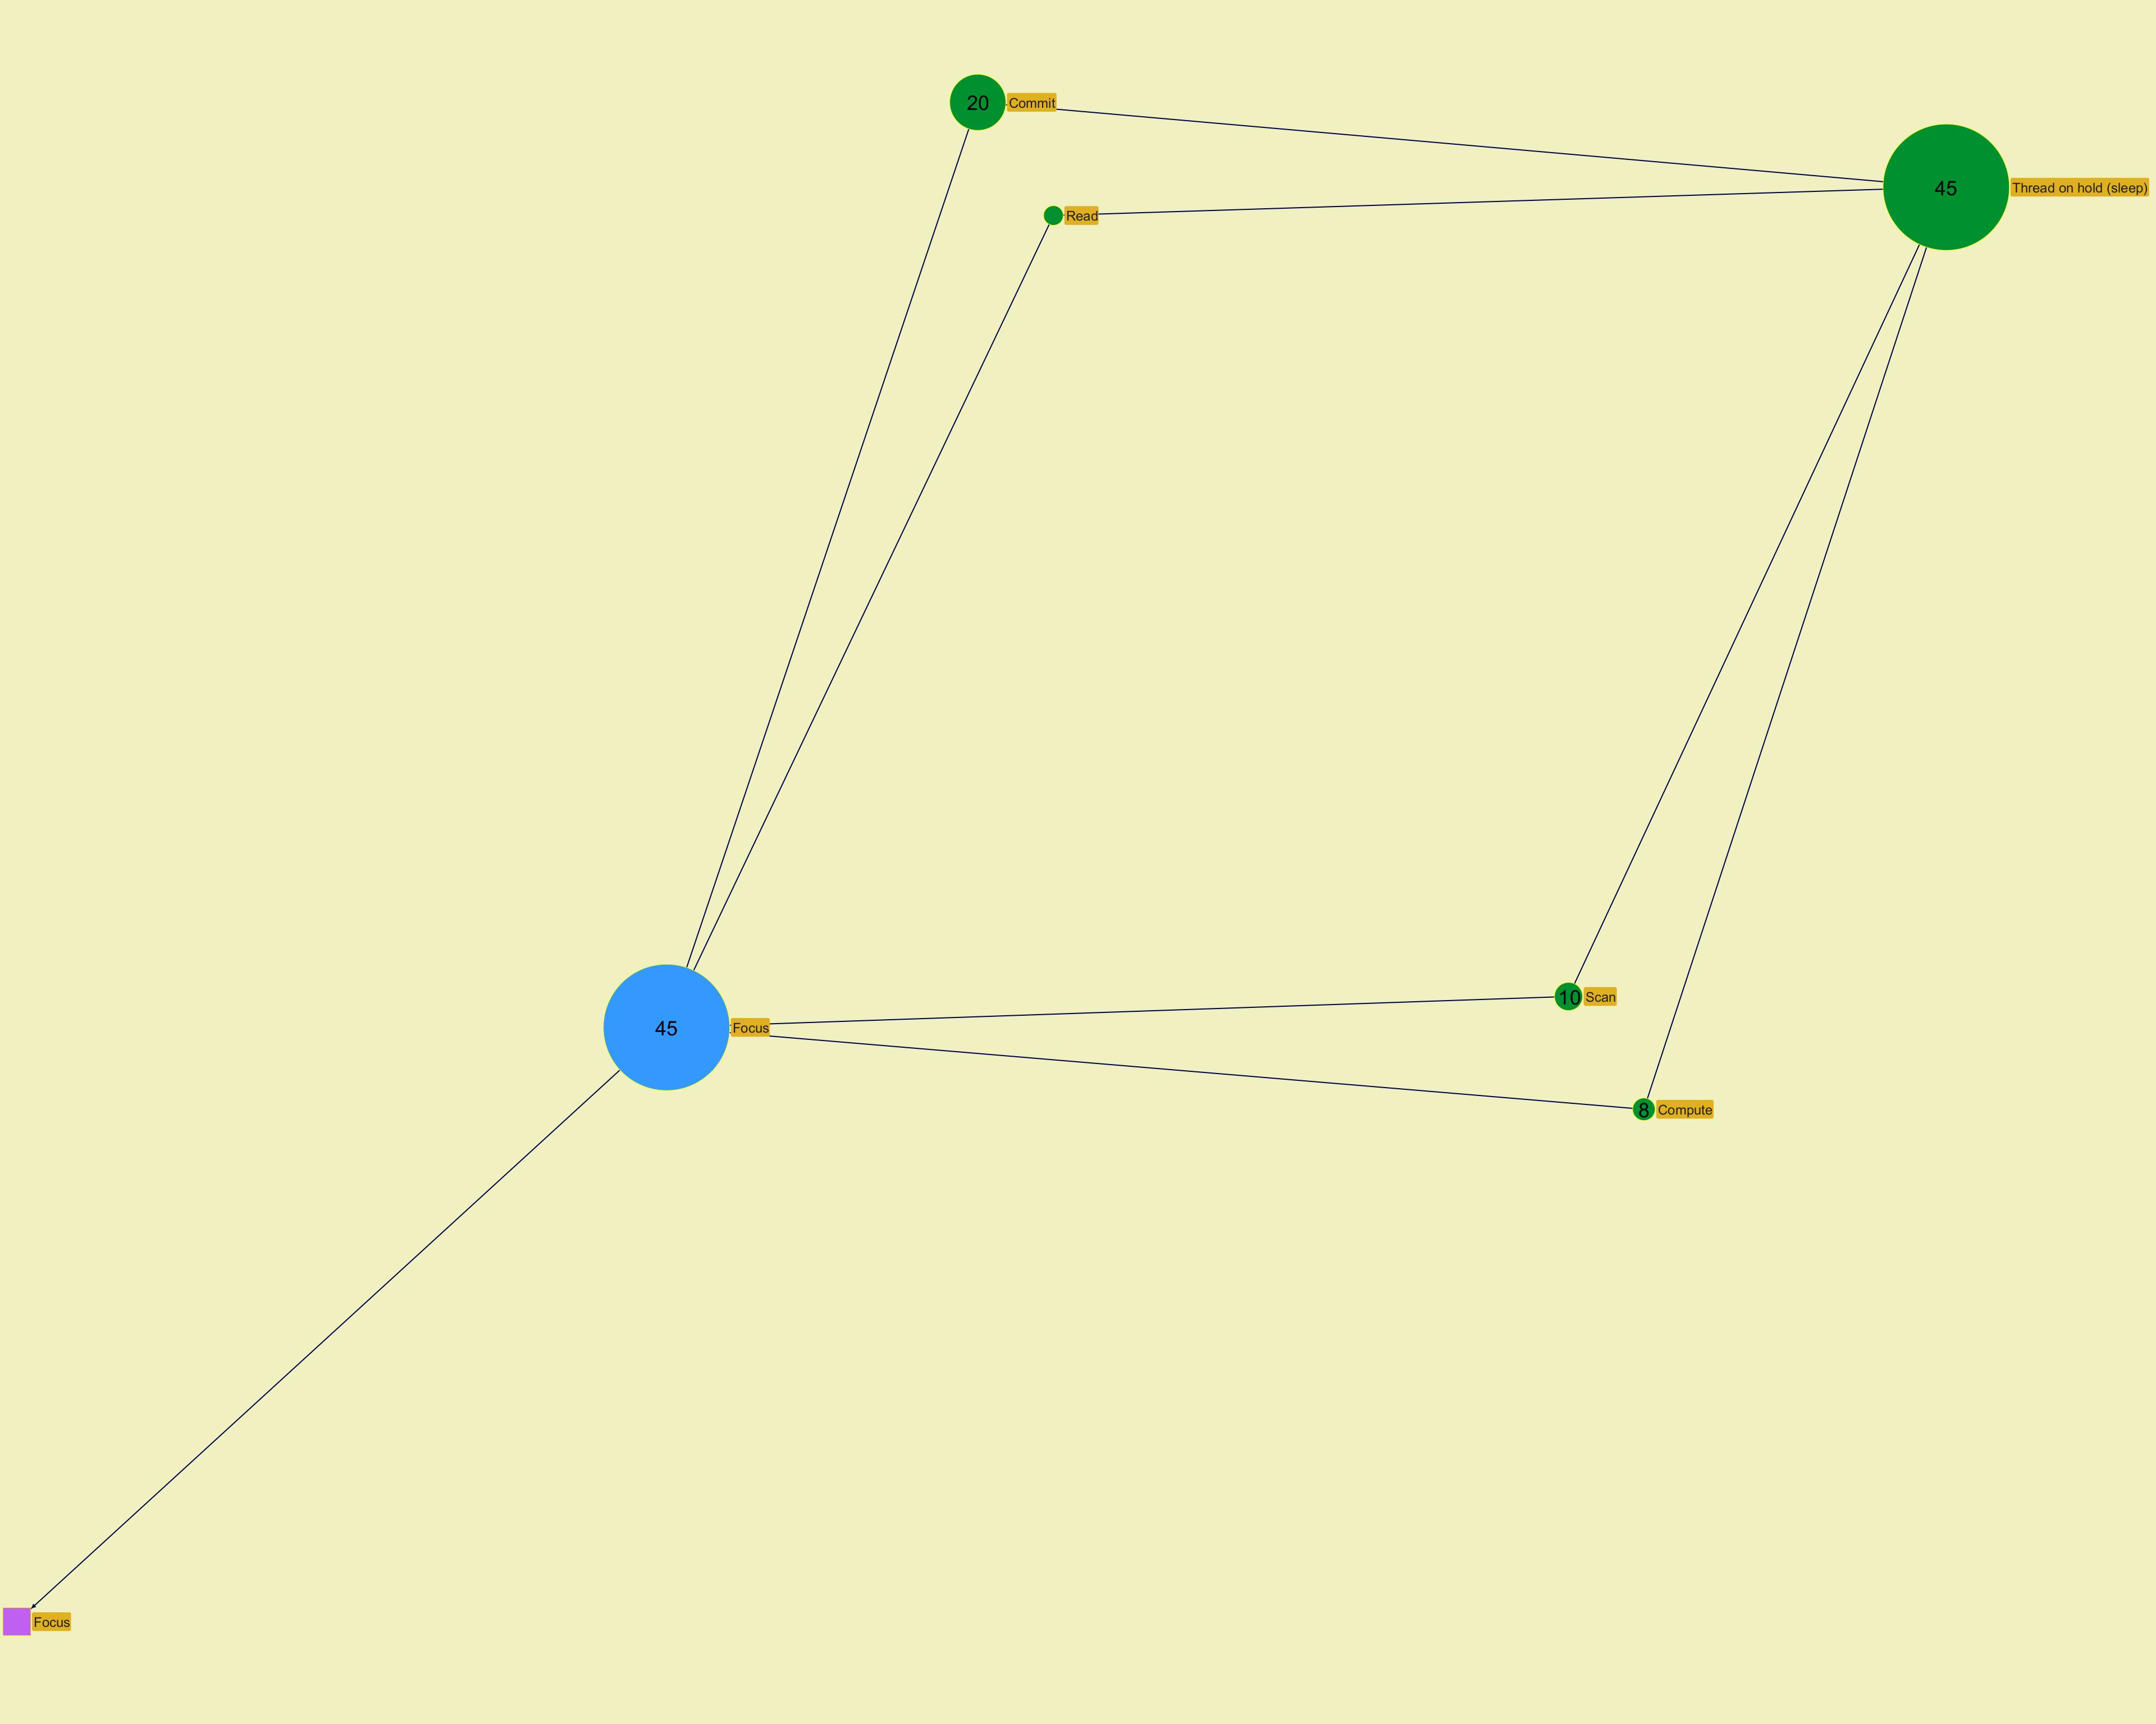
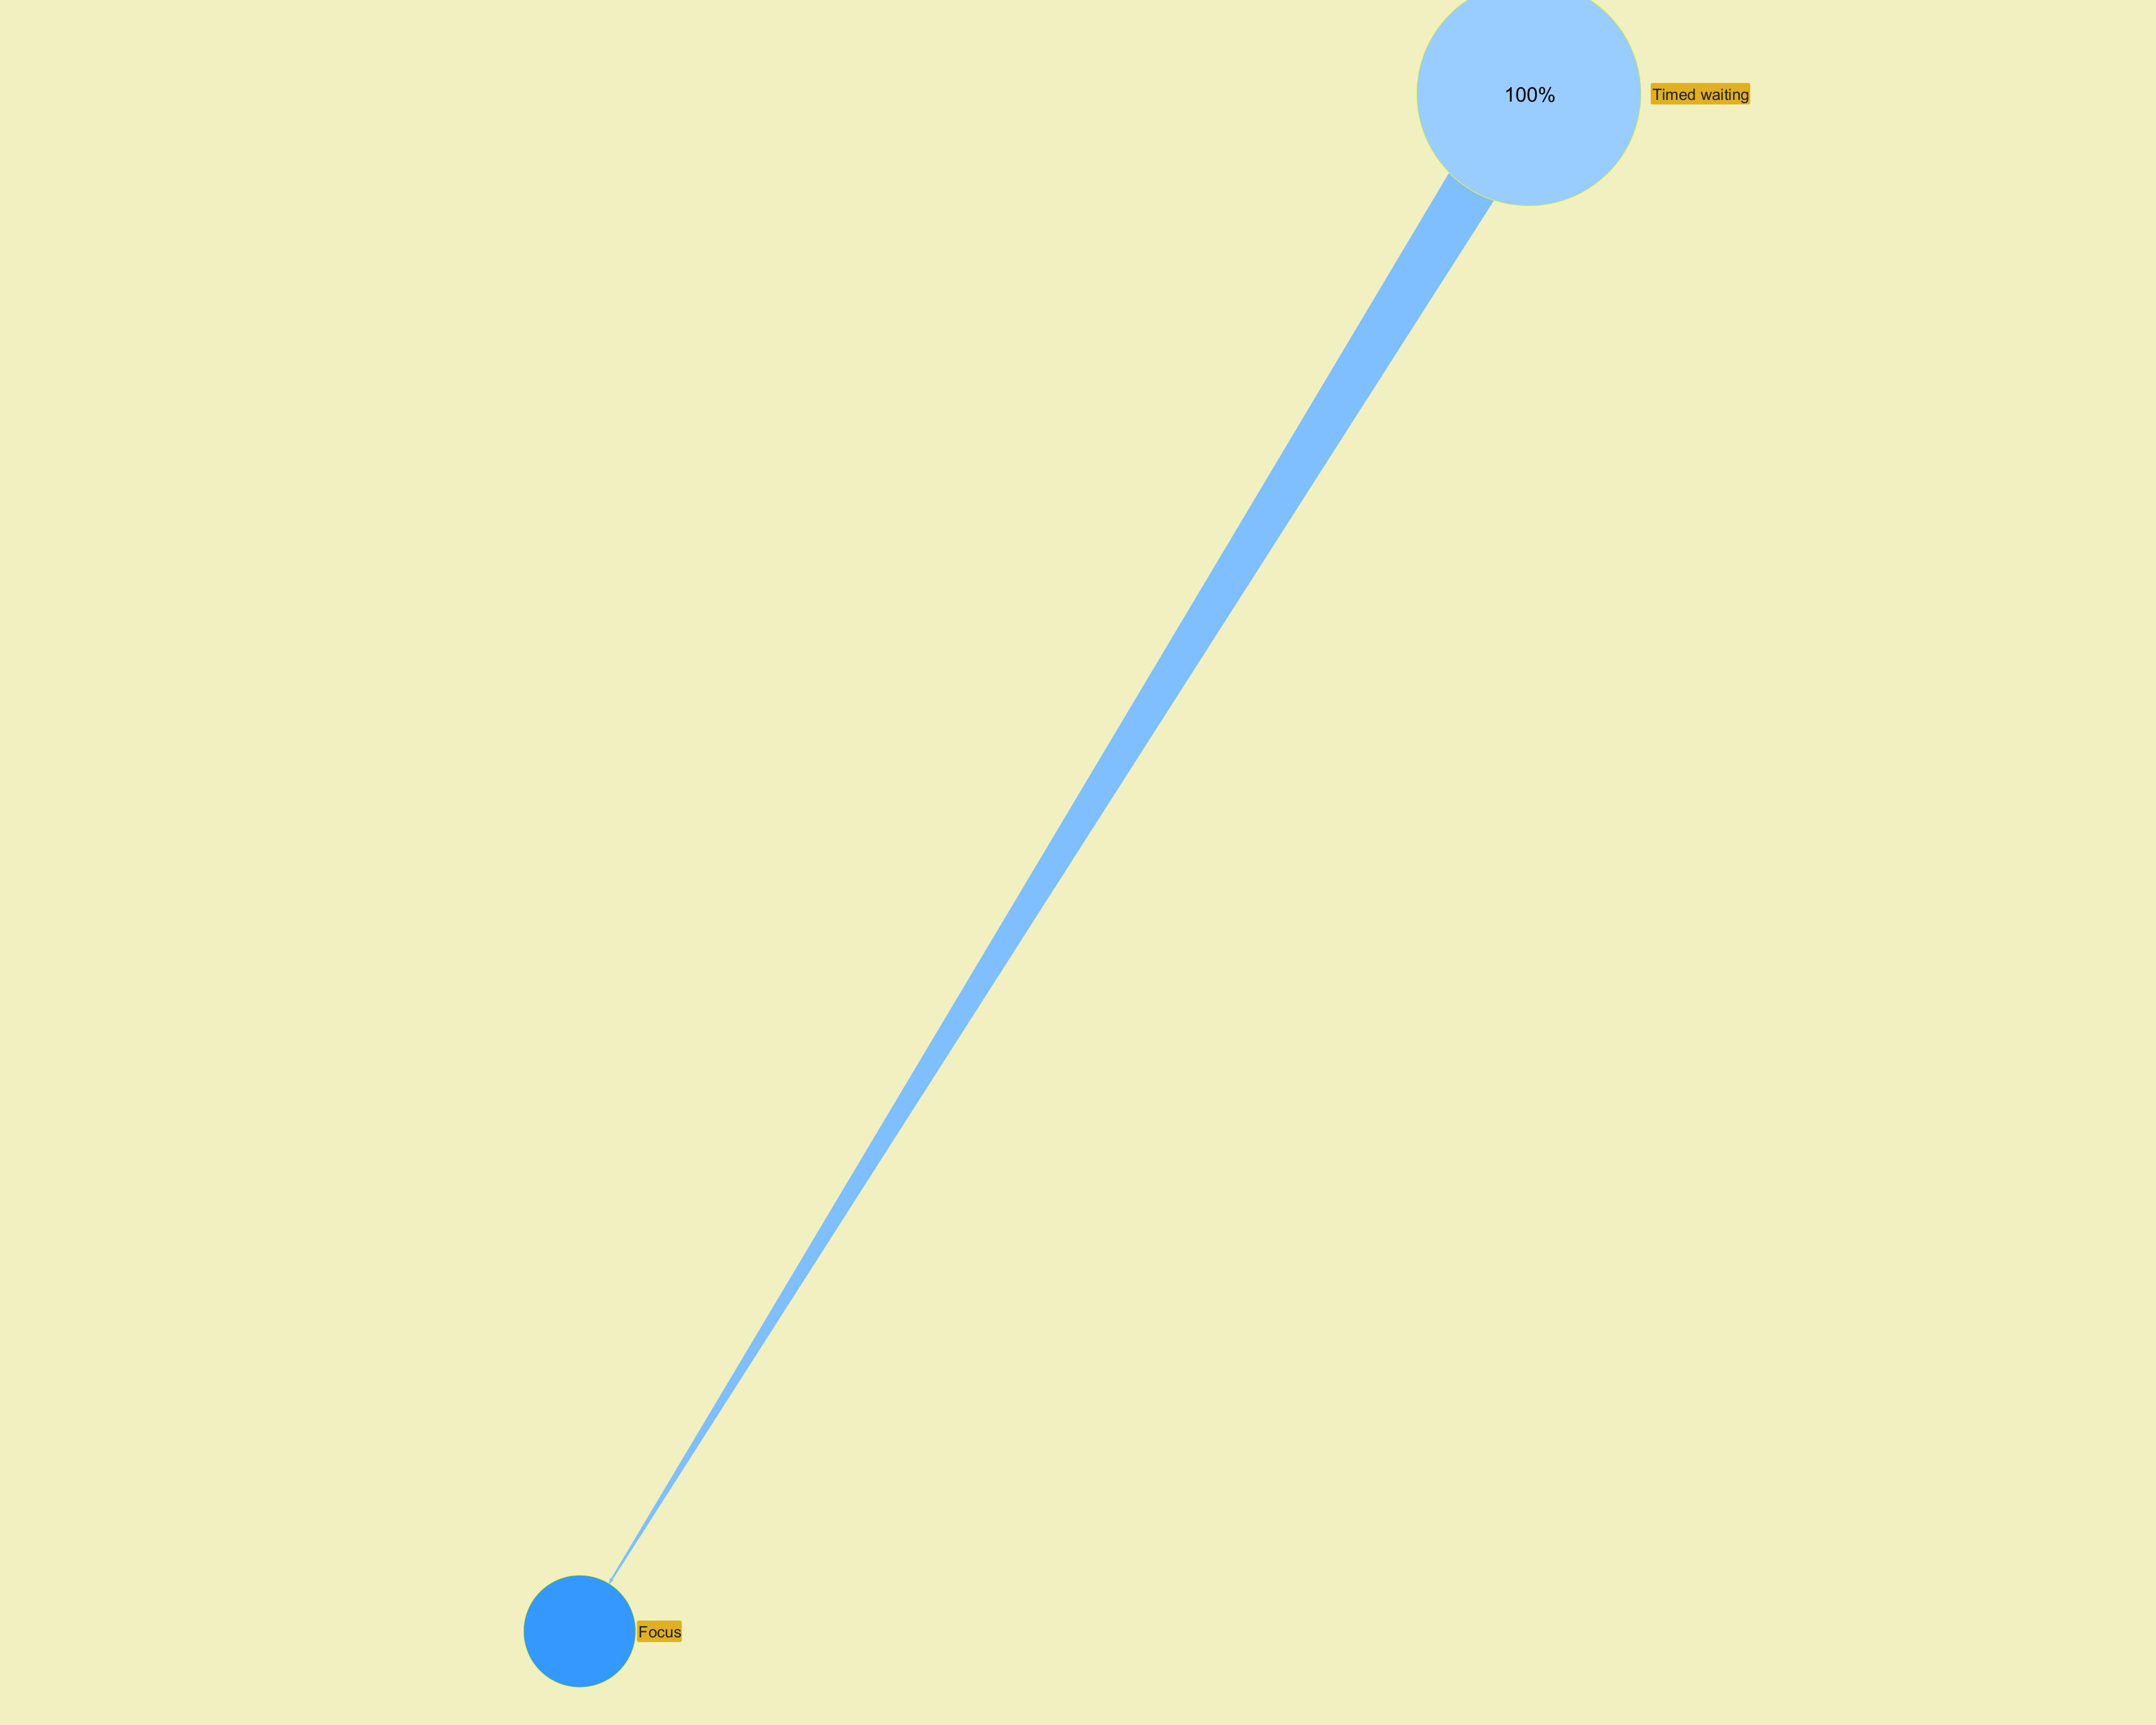

 |  |  |  |  |  |  |  | ­ | ­

 |  |  |  |  |  |  |  | ­ | ­
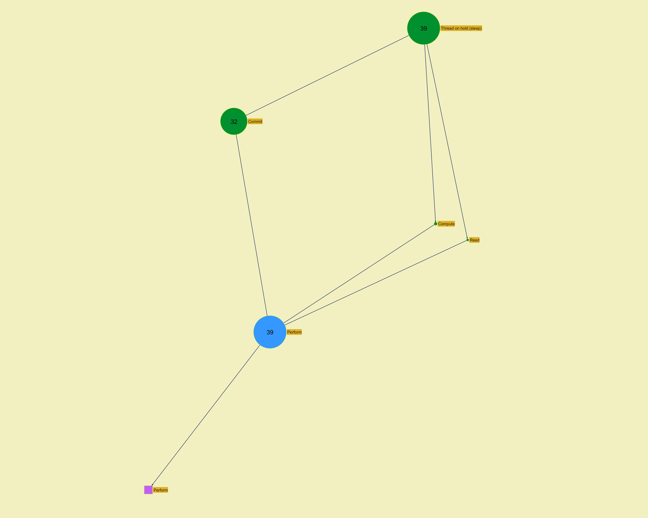
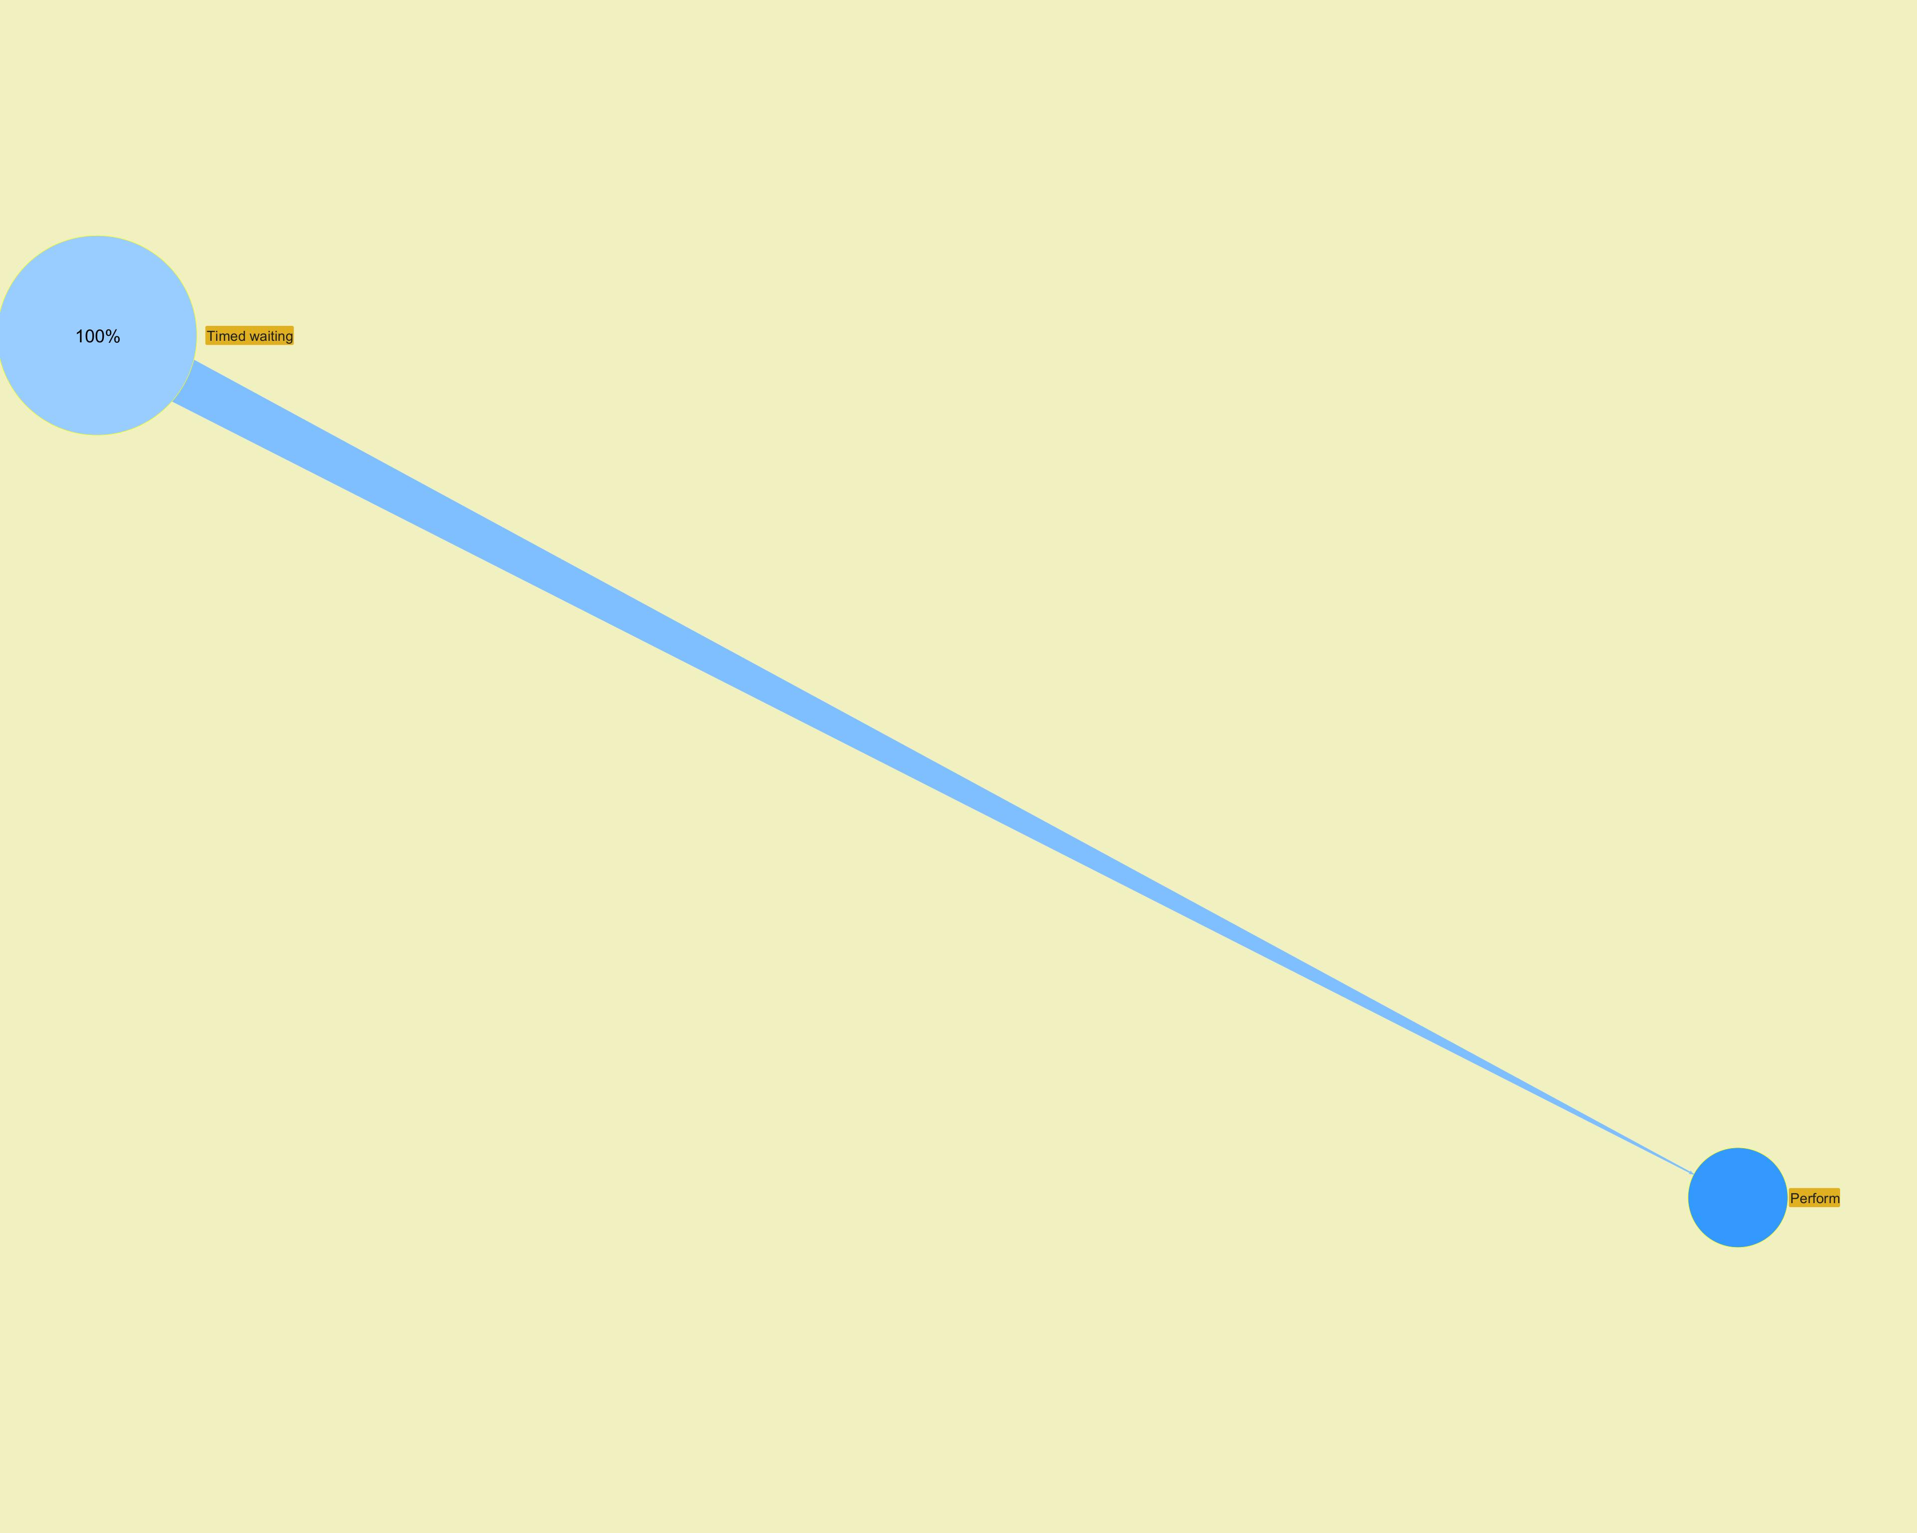

 |  |  |  |  |  |  |  | ­ | ­

 |  |  |  |  |  |  |  | ­ | ­
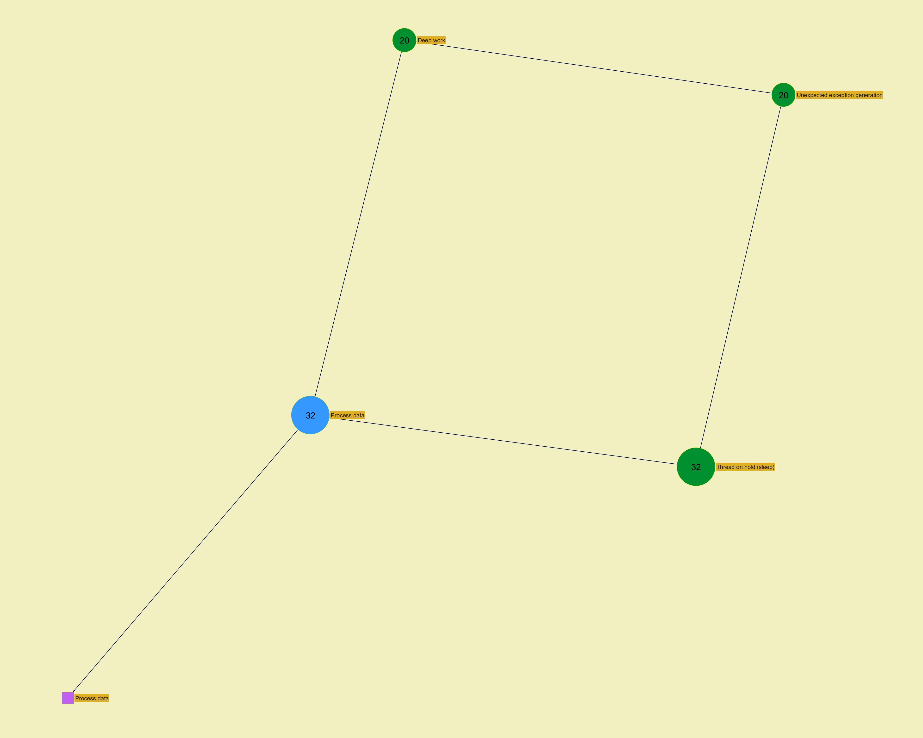
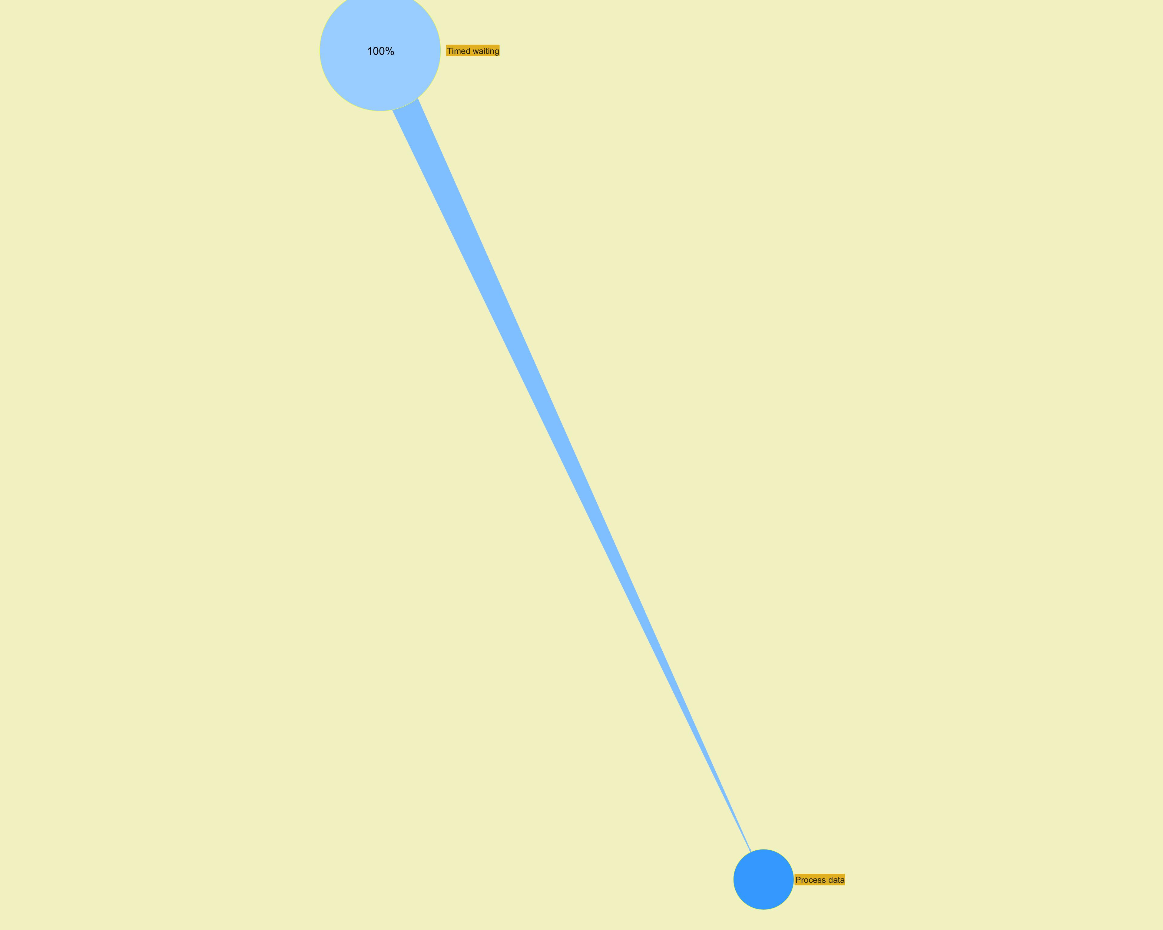

 |  |  |  |  |  |  |  | ­ | ­

 |  |  |  |  |  |  |  | ­ | ­
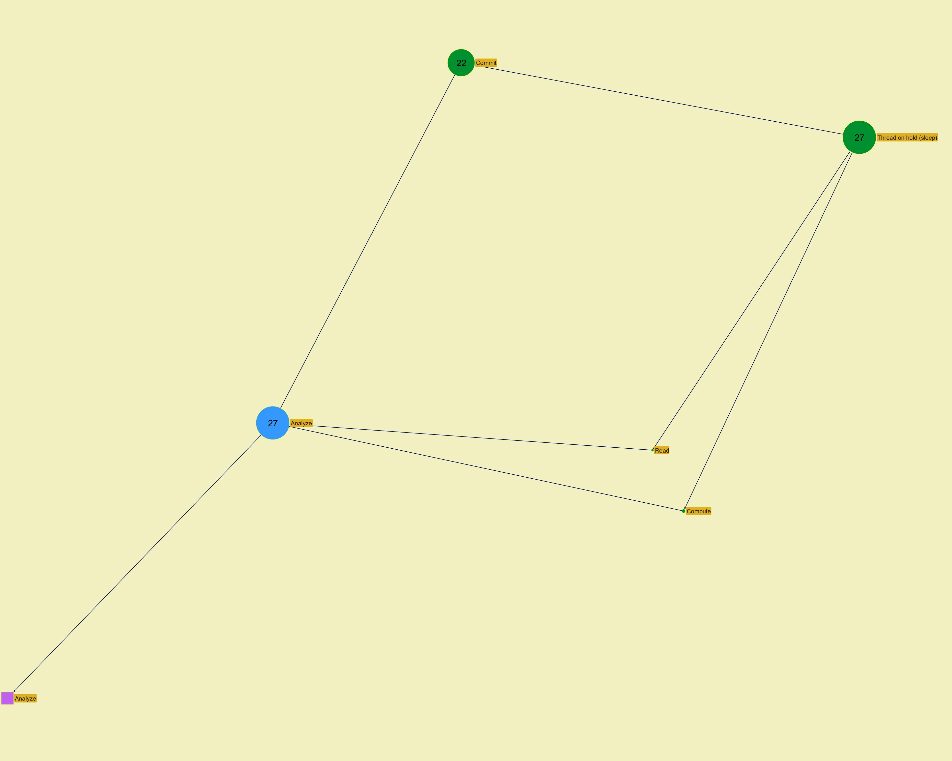
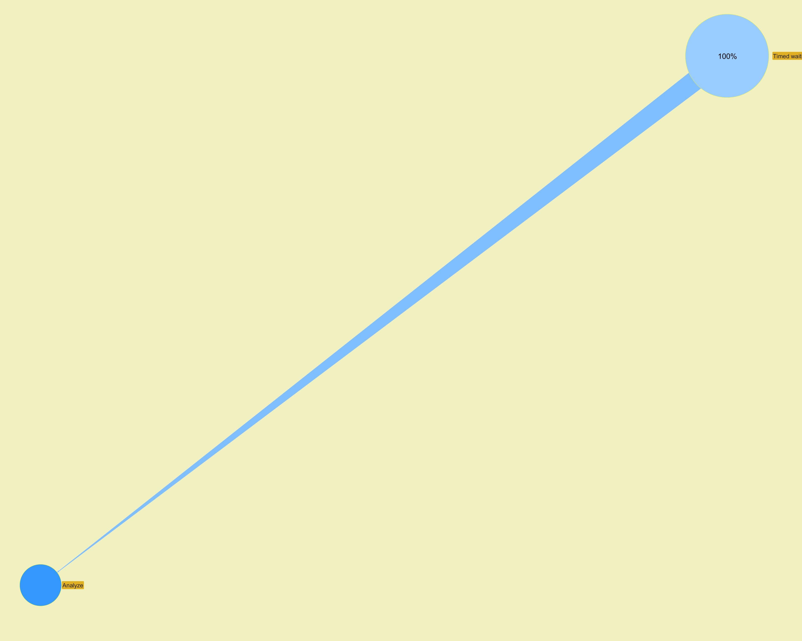

 |  |  |  |  |  |  |  | ­ | ­

Action Profiling
 | Jeyzer
D | Level | Navigation |  |  |  | Graph | Cont | Executor | Action (principal) | Count | Global % | Action % | CPU usage | Mem used | Operation (principal) | Action (all) | Operation (all) | Contention type (all)
 | 2 |  | ­ |  |  |  |  |  |  | 18 | 7.9 | 20.0 | 0 | 0 | Work alone |  | Thread on hold (sleep) - Work alone
 |  |  |  |  |  |  |  | org.jeyzer.demo.labors.job.executable.impl.LocksContentionJob.doRandomSynchronizedWork(LocksContentionJob.java:52) |  |  |  |  |  |  |  | Do random synchronized work
 |  |  |  |  |  |  |  | org.jeyzer.demo.labors.job.executable.impl.LocksContentionJob.executeJob(LocksContentionJob.java:39)
 |  |  |  |  |  |  |  | org.jeyzer.demo.labors.job.executable.ExecutableJob.run(ExecutableJob.java:63)
 |  |  |  |  |  |  |  | java.lang.Thread.run(Thread.java:833)
2 | 1 |  |  | ¯ | ® |  |  | Job executor | Do random synchronized work | 90 | 39.3 |  | 0 | 0 | (OTBI) | Do random synchronized work | Thread on hold (sleep) - Work alone
 | 2 |  | ­ |  | ® |  |  |  |  | 20 | 8.7 | 45.5 | 0 | 0 | Commit |  | Thread on hold (sleep) - Commit
 | 2 | ¬ | ­ |  | ® |  |  |  |  | 10 | 4.4 | 22.7 | 0 | 0 | Scan |  | Thread on hold (sleep) - Scan
 | 2 | ¬ | ­ |  | ® |  |  |  |  | 8 | 3.5 | 18.2 | 0 | 0 | Compute |  | Thread on hold (sleep) - Compute
 | 2 | ¬ | ­ |  |  |  |  |  |  | 6 | 2.6 | 13.6 | 0 | 0 | Read |  | Read - Thread on hold (sleep)
 |  |  |  |  |  |  |  | org.jeyzer.demo.labors.job.DummyJob.focus(DummyJob.java:115) |  |  |  |  |  |  |  | Focus
 |  |  |  |  |  |  |  | org.jeyzer.demo.labors.job.DummyJob.callRandomFunction(DummyJob.java:59)
 |  |  |  |  |  |  |  | org.jeyzer.demo.labors.job.DummyJob.executeJob(DummyJob.java:37)
 |  |  |  |  |  |  |  | org.jeyzer.demo.labors.job.executable.ExecutableJob.run(ExecutableJob.java:63)
 |  |  |  |  |  |  |  | java.lang.Thread.run(Thread.java:833)
2 | 1 | ¬ |  | ¯ | ® | § | W | Job executor | Focus | 44 | 19.2 |  | 0 | 0 | Commit | Focus | Read - Thread on hold (sleep) - Commit - Compute - Scan
 | 2 |  | ­ |  | ® |  |  |  |  | 31 | 13.5 | 81.6 | 0 | 0 | Commit |  | Thread on hold (sleep) - Commit
 | 2 | ¬ | ­ |  | ® |  |  |  |  | 4 | 1.7 | 10.5 | 0 | 0 | Compute |  | Thread on hold (sleep) - Compute
 | 2 | ¬ | ­ |  |  |  |  |  |  | 3 | 1.3 | 7.9 | 0 | 0 | Read |  | Read - Thread on hold (sleep)
 |  |  |  |  |  |  |  | org.jeyzer.demo.labors.job.DummyJob.perform(DummyJob.java:105) |  |  |  |  |  |  |  | Perform
 |  |  |  |  |  |  |  | org.jeyzer.demo.labors.job.DummyJob.callRandomFunction(DummyJob.java:56)
 |  |  |  |  |  |  |  | org.jeyzer.demo.labors.job.DummyJob.executeJob(DummyJob.java:37)
 |  |  |  |  |  |  |  | org.jeyzer.demo.labors.job.executable.ExecutableJob.run(ExecutableJob.java:63)
 |  |  |  |  |  |  |  | java.lang.Thread.run(Thread.java:833)
2 | 1 | ¬ |  | ¯ | ® | § | W | Job executor | Perform | 38 | 16.6 |  | 0 | 0 | Commit | Perform | Read - Thread on hold (sleep) - Commit - Compute
 | 2 |  | ­ |  | ® |  |  |  |  | 20 | 8.7 | 64.5 | 0 | 3 | Unexpected exception generation |  | Thread on hold (sleep) - Deep work - Unexpected exception generation
 | 2 | ¬ | ­ |  |  |  |  |  |  | 11 | 4.8 | 35.5 | 0 | 3 | Thread on hold (sleep) |  | Thread on hold (sleep)
 |  |  |  |  |  |  |  | org.jeyzer.demo.labors.job.executable.impl.OperationPatternWithPercentageJob.processData(OperationPatternWithPercentageJob.java:50) |  |  |  |  |  |  |  | Process data
 |  |  |  |  |  |  |  | org.jeyzer.demo.labors.job.executable.impl.OperationPatternWithPercentageJob.executeJob(OperationPatternWithPercentageJob.java:37)
 |  |  |  |  |  |  |  | org.jeyzer.demo.labors.job.executable.ExecutableJob.run(ExecutableJob.java:63)
 |  |  |  |  |  |  |  | java.lang.Thread.run(Thread.java:833)
2 | 1 | ¬ |  | ¯ | ® | § | W | Job executor | Process data | 31 | 13.5 |  | 0 | 3 | Unexpected exception generation | Process data | Thread on hold (sleep) - Deep work - Unexpected exception generation
 | 2 |  | ­ |  | ® |  |  |  |  | 22 | 9.6 | 84.6 | 0 | 0 | Commit |  | Thread on hold (sleep) - Commit
 | 2 | ¬ | ­ |  | ® |  |  |  |  | 2 | 0.9 | 7.7 | 0 | 0 | Compute |  | Thread on hold (sleep) - Compute
 | 2 | ¬ | ­ |  |  |  |  |  |  | 2 | 0.9 | 7.7 | 0 | 0 | Read |  | Read - Thread on hold (sleep)
 |  |  |  |  |  |  |  | org.jeyzer.demo.labors.job.DummyJob.analyze(DummyJob.java:110) |  |  |  |  |  |  |  | Analyze
 |  |  |  |  |  |  |  | org.jeyzer.demo.labors.job.DummyJob.callRandomFunction(DummyJob.java:62)
 |  |  |  |  |  |  |  | org.jeyzer.demo.labors.job.DummyJob.executeJob(DummyJob.java:37)
 |  |  |  |  |  |  |  | org.jeyzer.demo.labors.job.executable.ExecutableJob.run(ExecutableJob.java:63)
 |  |  |  |  |  |  |  | java.lang.Thread.run(Thread.java:833)
2 | 1 | ¬ |  | ¯ |  | § | W | Job executor | Analyze | 26 | 11.4 |  | 0 | 0 | Commit | Analyze | Read - Thread on hold (sleep) - Commit - Compute

 |  |  |  |  |  |  |  |  |  |  |  |  |  |  |  |  |  |  | ­ | ­
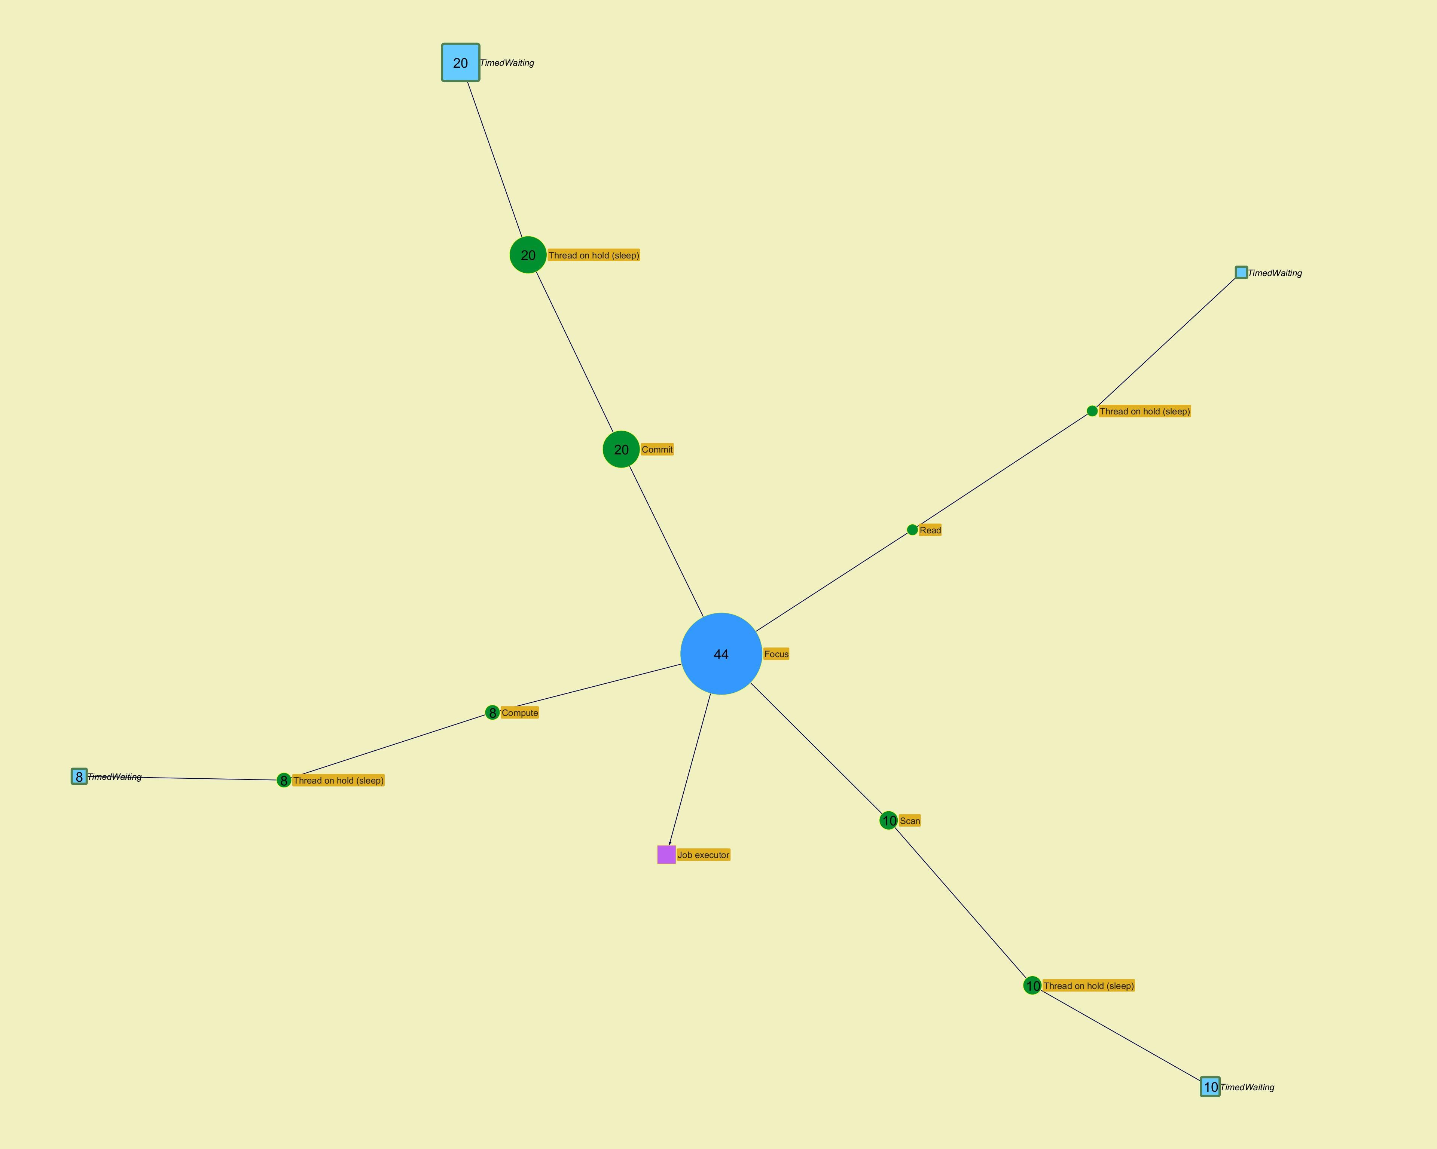

 |  |  |  |  |  |  |  |  |  |  |  |  |  |  |  |  |  |  | ­ | ­

 |  |  |  |  |  |  |  |  |  |  |  |  |  |  |  |  |  |  | ­ | ­
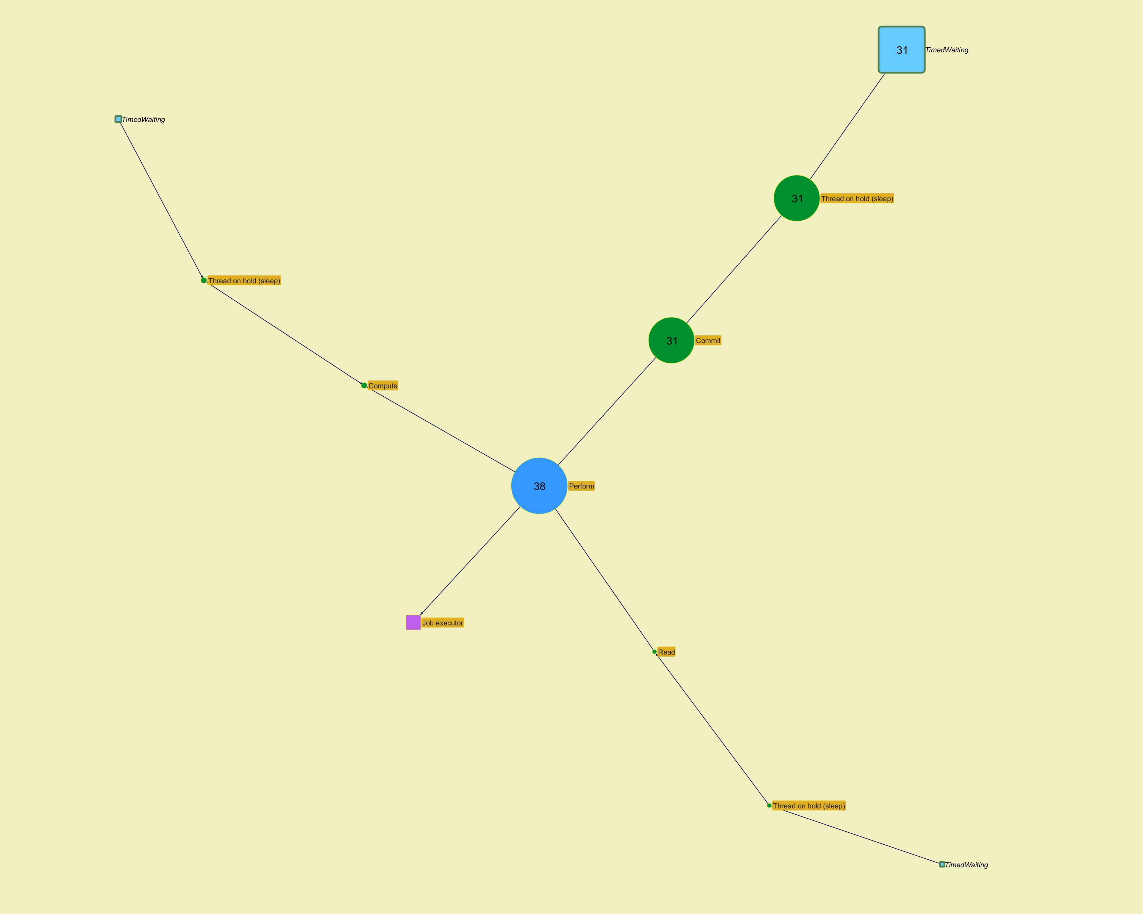

 |  |  |  |  |  |  |  |  |  |  |  |  |  |  |  |  |  |  | ­ | ­

 |  |  |  |  |  |  |  |  |  |  |  |  |  |  |  |  |  |  | ­ | ­
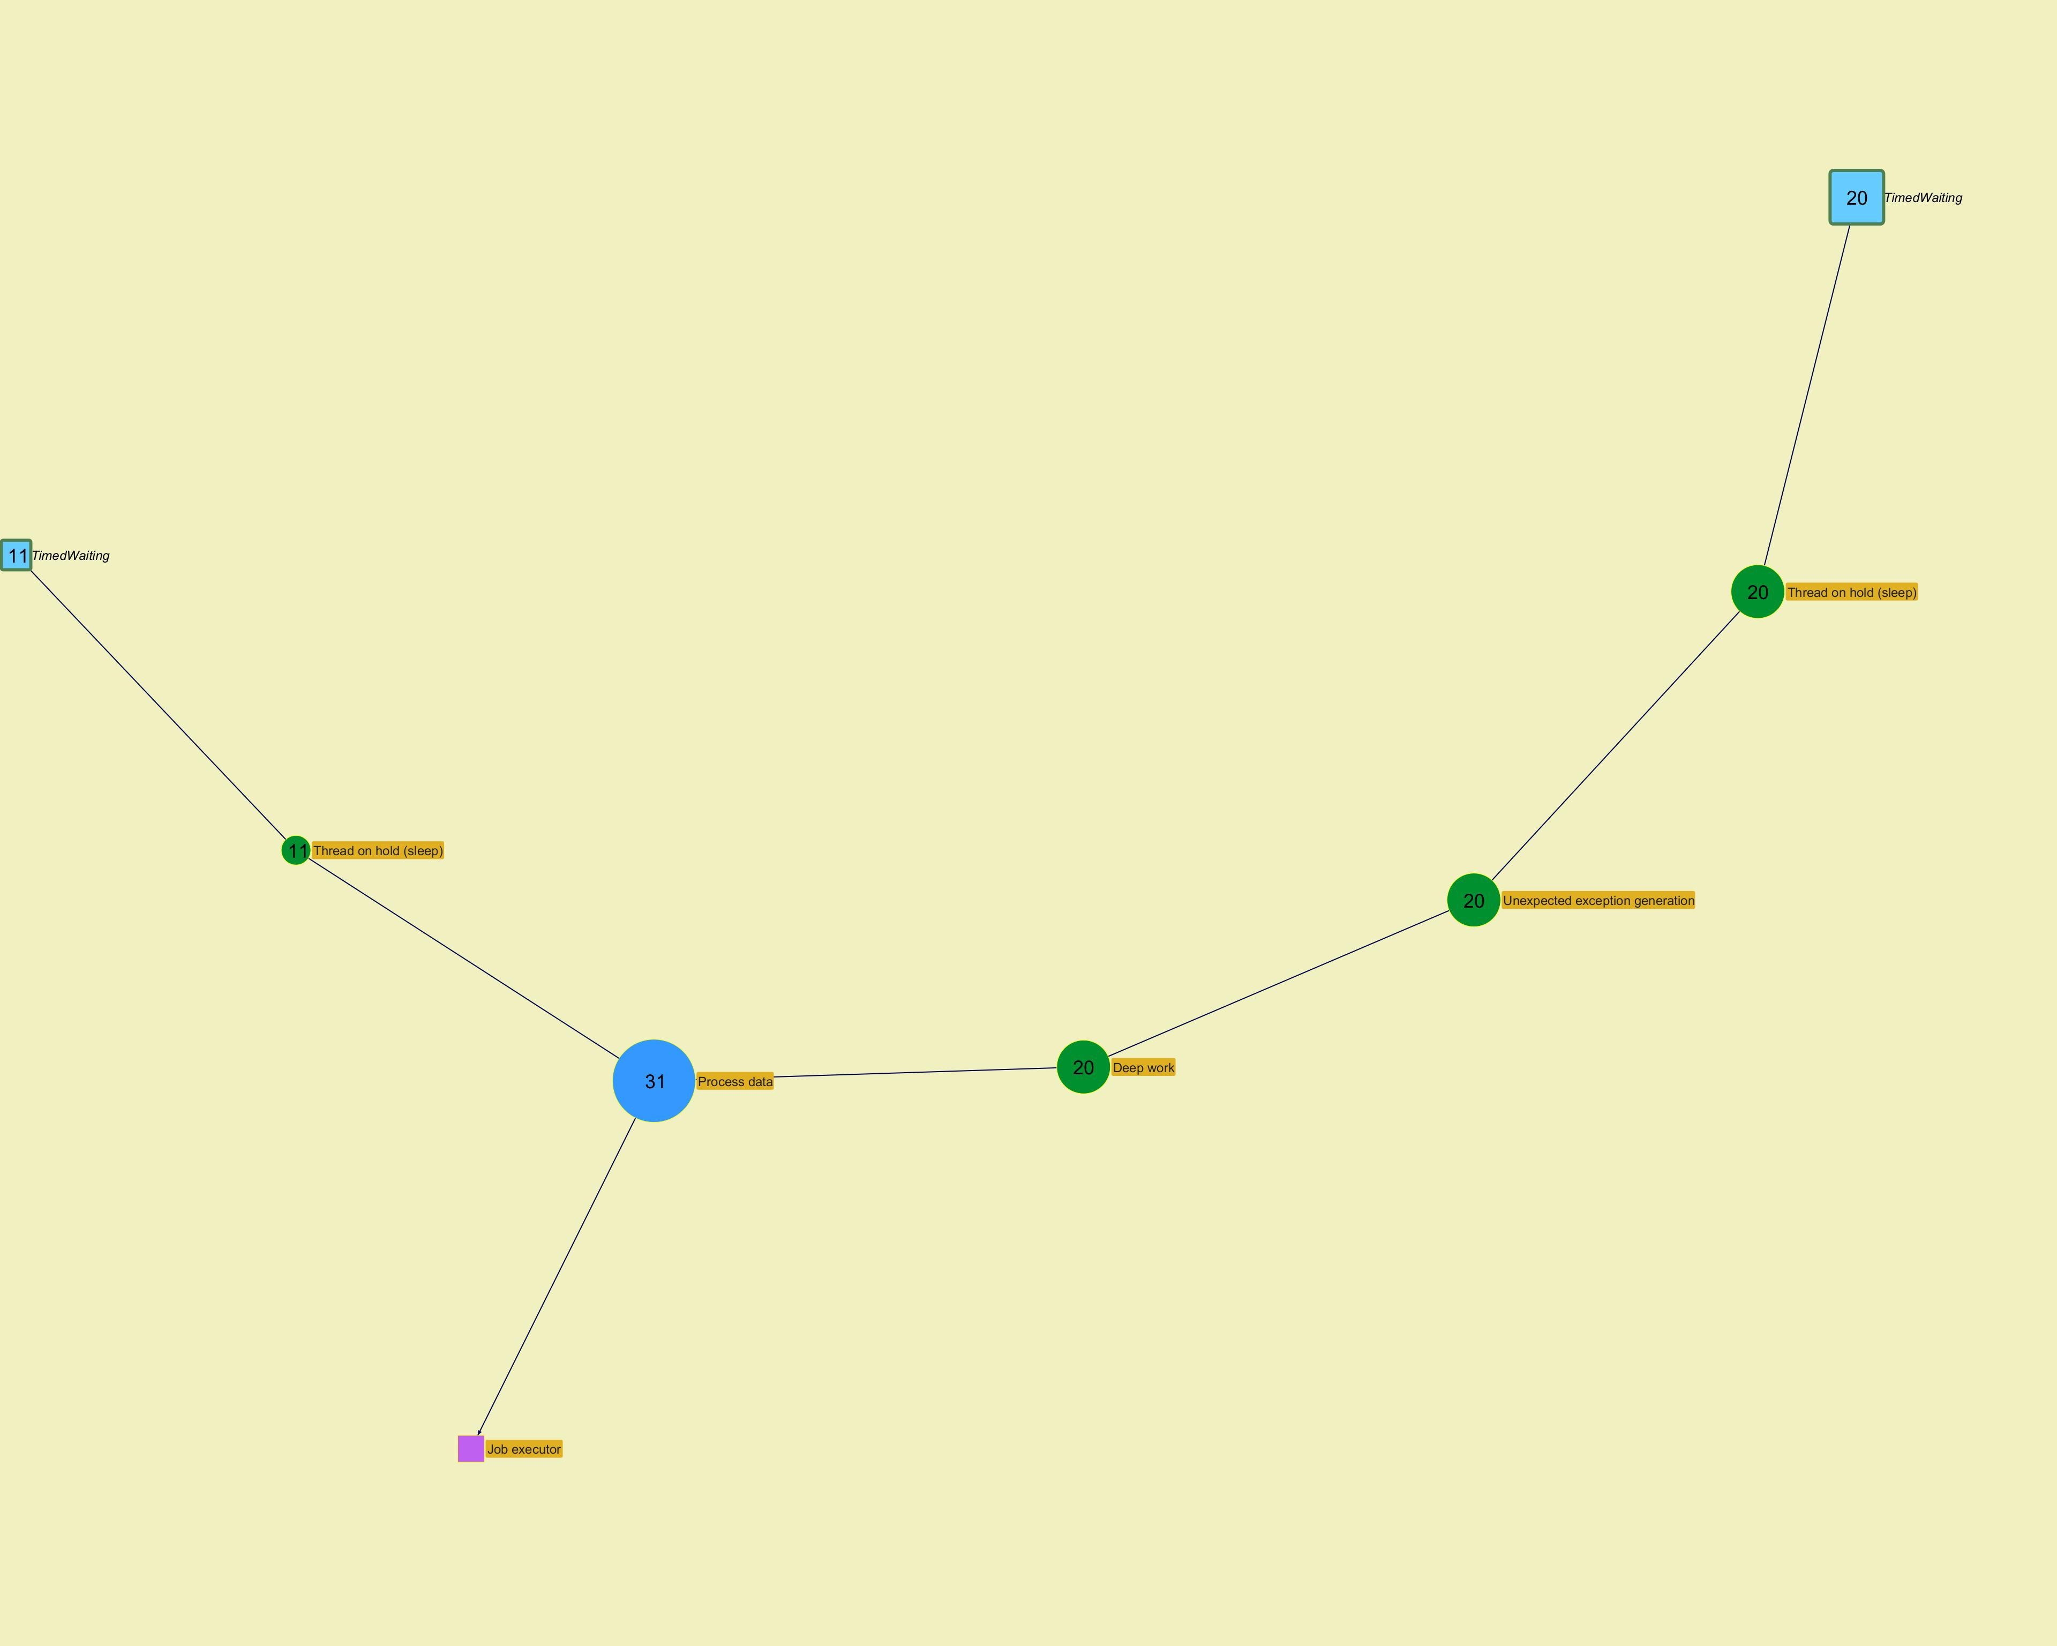

 |  |  |  |  |  |  |  |  |  |  |  |  |  |  |  |  |  |  | ­ | ­

 |  |  |  |  |  |  |  |  |  |  |  |  |  |  |  |  |  |  | ­ | ­
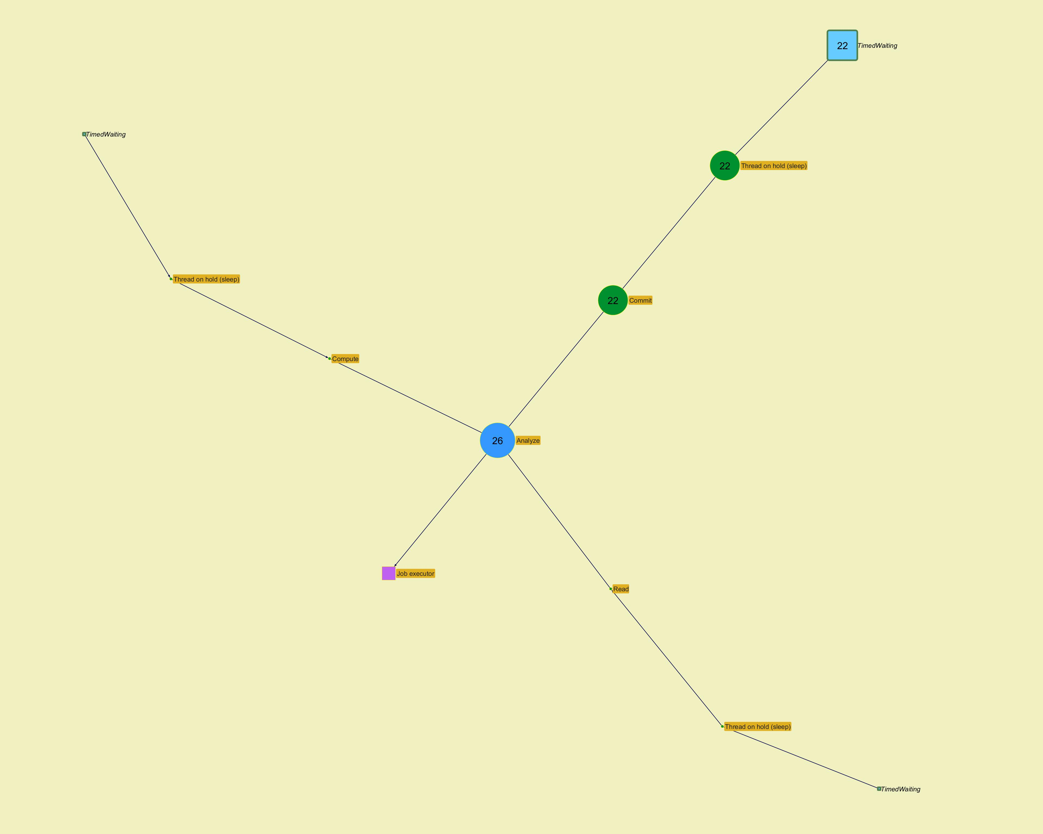

 |  |  |  |  |  |  |  |  |  |  |  |  |  |  |  |  |  |  | ­ | ­

Top stacks
 | Jeyzer | § | W
Id | Action (principal) | Count | Operation (principal) | Contention type (principal) | Action (all) | Operation (all) | Contention type (all) | State | Stack size | Executor
1 | Do random synchronized work | 72 | (OTBI) | Blocked | Do random synchronized work |  |  | Blocked | 4 | Job executor
2 | Perform | 31 | Commit | Timed waiting | Perform | Commit / Thread on hold (sleep) |  | Timed waiting | 9 | Job executor
3 | Analyze | 22 | Commit | Timed waiting | Analyze | Commit / Thread on hold (sleep) |  | Timed waiting | 9 | Job executor
4 | Process data | 20 | Unexpected exception generation | Timed waiting | Process data | Unexpected exception generation / Deep work / Thread on hold (sleep) |  | Timed waiting | 507 | Job executor
5 | Focus | 20 | Commit | Timed waiting | Focus | Commit / Thread on hold (sleep) |  | Timed waiting | 9 | Job executor
6 | Do random synchronized work | 18 | Work alone | Timed waiting | Do random synchronized work | Work alone / Thread on hold (sleep) |  | Timed waiting | 7 | Job executor
7 | Process data | 11 | Thread on hold (sleep) | Timed waiting | Process data | Thread on hold (sleep) |  | Timed waiting | 7 | Job executor
8 | Focus | 10 | Scan | Timed waiting | Focus | Scan / Thread on hold (sleep) |  | Timed waiting | 9 | Job executor
9 | Focus | 8 | Compute | Timed waiting | Focus | Compute / Thread on hold (sleep) |  | Timed waiting | 9 | Job executor
10 | Focus | 6 | Read | Timed waiting | Focus | Read / Thread on hold (sleep) |  | Timed waiting | 9 | Job executor
11 | Perform | 4 | Compute | Timed waiting | Perform | Compute / Thread on hold (sleep) |  | Timed waiting | 9 | Job executor
12 | Perform | 3 | Read | Timed waiting | Perform | Read / Thread on hold (sleep) |  | Timed waiting | 9 | Job executor
13 | Analyze | 2 | Compute | Timed waiting | Analyze | Compute / Thread on hold (sleep) |  | Timed waiting | 9 | Job executor
14 | Analyze | 2 | Read | Timed waiting | Analyze | Read / Thread on hold (sleep) |  | Timed waiting | 9 | Job executor

 |  |  |  |  |  |  |  |  |  |  | ­ | ­
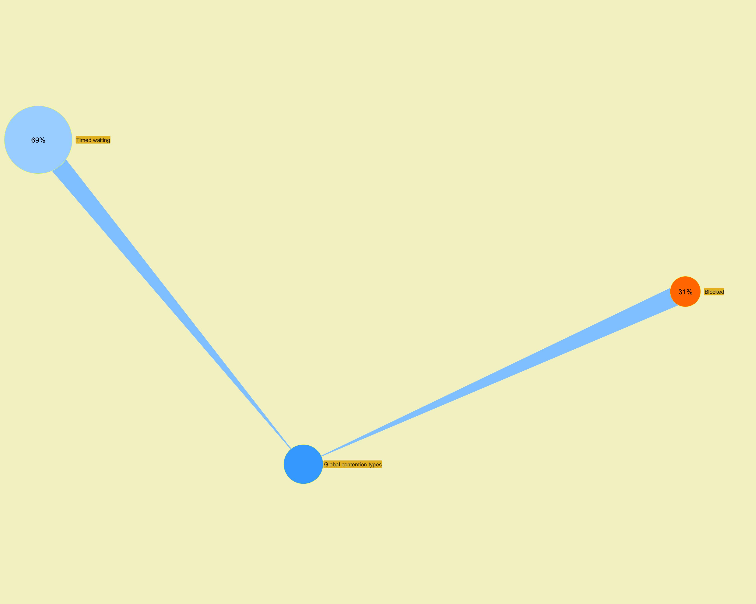

 |  |  |  |  |  |  |  |  |  |  |  | ­

 |  |  |  |  |  |  |  |  |  |  | ­

Modules
Jeyzer | §
Module name | Module version | Release | Open | Automatic | Requires | Exports | Uses | Provides | Class loader
ch.qos.logback.classic |  | ? | false | false | ch.qos.logback.core, javax.servlet.api, java.base, java.management, org.slf4j | ch.qos.logback.classic.jmx, ch.qos.logback.classic.selector.servlet, ch.qos.logback.classic.db.names, ch.qos.logback.classic.servlet, ch.qos.logback.classic.net, ch.qos.logback.classic.html, ch.qos.logback.classic.filter, ch.qos.logback.classic.pattern.color, ch.qos.logback.classic.sift, ch.qos.logback.classic.spi, ch.qos.logback.classic.joran, ch.qos.logback.classic.net.server, ch.qos.logback.classic.pattern, ch.qos.logback.classic.boolex, ch.qos.logback.classic, ch.qos.logback.classic.selector, ch.qos.logback.classic.log4j, ch.qos.logback.classic.layout, ch.qos.logback.classic.helpers, ch.qos.logback.classic.joran.action, ch.qos.logback.classic.encoder, ch.qos.logback.classic.util, ch.qos.logback.classic.turbo, ch.qos.logback.classic.jul, ch.qos.logback.classic.db | ch.qos.logback.classic.spi.Configurator | org.slf4j.spi.SLF4JServiceProvider | jdk.internal.loader.ClassLoaders$AppClassLoader
ch.qos.logback.core |  | ? | false | false | janino, javax.servlet.api, java.sql, java.base, java.naming, commons.compiler, java.xml, javax.mail.api | ch.qos.logback.core.util, ch.qos.logback.core.net.ssl, ch.qos.logback.core, ch.qos.logback.core.pattern, ch.qos.logback.core.joran, ch.qos.logback.core.pattern.parser, ch.qos.logback.core.helpers, ch.qos.logback.core.html, ch.qos.logback.core.pattern.color, ch.qos.logback.core.boolex, ch.qos.logback.core.filter, ch.qos.logback.core.net, ch.qos.logback.core.joran.spi, ch.qos.logback.core.db, ch.qos.logback.core.joran.action, ch.qos.logback.core.spi, ch.qos.logback.core.sift, ch.qos.logback.core.net.server, ch.qos.logback.core.joran.conditional, ch.qos.logback.core.joran.event, ch.qos.logback.core.joran.util, ch.qos.logback.core.status, ch.qos.logback.core.encoder |  |  | jdk.internal.loader.ClassLoaders$AppClassLoader
java.base | 17.0.4 | Yes | false | false |  | javax.security.cert, com.sun.security.ntlm, java.net, java.util.spi, sun.net, java.io, java.nio.charset, java.time.zone, javax.crypto, java.time.chrono, java.nio.channels, jdk.internal.access.foreign, jdk.internal.loader, java.security.spec, java.security.cert, sun.security.tools, sun.security.x509, java.util.concurrent.atomic, sun.security.util.math, java.nio.file, sun.security.validator, jdk.internal.event, sun.security.internal.interfaces, jdk.internal.module, java.math, sun.net.www.protocol.http, jdk.internal.org.xml.sax, java.nio.channels.spi, java.text.spi, java.security.interfaces, java.lang.constant, jdk.internal.util.random, javax.net.ssl, javax.security.auth.login, sun.security.rsa, jdk.internal.util.xml, javax.security.auth.callback, sun.security.util, jdk.internal.javac, sun.nio.ch, java.lang.reflect, sun.util.cldr, javax.security.auth.x500, jdk.internal.jimage.decompressor, javax.net, java.util.function, jdk.internal.ref, java.lang.runtime, sun.reflect.generics.reflectiveObjects, java.lang, java.time, sun.reflect.misc, java.util.stream, javax.crypto.spec, sun.reflect.annotation, java.text, jdk.internal.reflect, jdk.internal.jmod, jdk.internal.org.objectweb.asm.util, jdk.internal.org.xml.sax.helpers, jdk.internal.vm.annotation, jdk.internal.util.jar, jdk.internal.invoke, java.util.random, sun.nio.fs, java.nio.file.attribute, sun.net.www, java.util.zip, sun.security.internal.spec, jdk.internal.access, jdk.internal.misc, sun.net.util, com.sun.crypto.provider, sun.nio.cs, jdk.internal.platform, java.time.temporal, java.util.concurrent.locks, jdk.internal.util.xml.impl, jdk.internal.util, jdk.internal.org.objectweb.asm.tree, jdk.internal.logger, java.time.format, java.lang.invoke, jdk.internal.org.objectweb.asm, java.lang.module, jdk.internal.org.objectweb.asm.commons, sun.util.locale.provider, sun.security.action, java.net.spi, jdk.internal.jimage, java.util.regex, sun.security.provider.certpath, jdk.internal.vm, jdk.internal.perf, java.lang.ref, javax.secu | java.nio.file.spi.FileSystemProvider, java.text.spi.DecimalFormatSymbolsProvider, java.util.spi.ResourceBundleControlProvider, java.text.spi.DateFormatProvider, java.util.spi.TimeZoneNameProvider, sun.util.resources.LocaleData$CommonResourceBundleProvider, java.nio.file.spi.FileTypeDetector, sun.util.resources.LocaleData$SupplementaryResourceBundleProvider, jdk.internal.logger.DefaultLoggerFinder, java.time.zone.ZoneRulesProvider, java.util.spi.ResourceBundleProvider, sun.util.locale.provider.LocaleDataMetaInfo, javax.security.auth.spi.LoginModule, java.net.ContentHandlerFactory, sun.util.spi.CalendarProvider, sun.text.spi.JavaTimeDateTimePatternProvider, java.util.spi.CurrencyNameProvider, java.util.spi.LocaleNameProvider, java.text.spi.CollatorProvider, java.net.spi.URLStreamHandlerProvider, java.time.chrono.Chronology, java.nio.charset.spi.CharsetProvider, java.text.spi.BreakIteratorProvider, java.util.spi.ToolProvider, java.nio.channels.spi.SelectorProvider, java.util.spi.CalendarDataProvider, java.text.spi.NumberFormatProvider, java.security.Provider, java.text.spi.DateFormatSymbolsProvider, java.util.random.RandomGenerator, java.time.chrono.AbstractChronology, java.util.spi.CalendarNameProvider, java.lang.System$LoggerFinder, java.nio.channels.spi.AsynchronousChannelProvider | java.util.random.RandomGenerator, java.nio.file.spi.FileSystemProvider
java.instrument | 17.0.4 | Yes | false | false | java.base | sun.instrument, java.lang.instrument
java.logging | 17.0.4 | Yes | false | false | java.base | java.util.logging |  | jdk.internal.logger.DefaultLoggerFinder
java.management | 17.0.4 | Yes | false | false | java.base | javax.management.openmbean, javax.management.loading, sun.management.counter.perf, com.sun.jmx.remote.internal, com.sun.jmx.remote.security, com.sun.jmx.remote.util, javax.management.relation, javax.management, javax.management.timer, sun.management.counter, sun.management.spi, javax.management.modelmbean, javax.management.monitor, javax.management.remote, sun.management, java.lang.management | sun.management.spi.PlatformMBeanProvider, javax.management.remote.JMXConnectorServerProvider, javax.management.remote.JMXConnectorProvider | javax.security.auth.spi.LoginModule
java.management.rmi | 17.0.4 | Yes | false | false | java.base, java.management, java.naming, java.rmi | com.sun.jmx.remote.internal.rmi, com.sun.jmx.remote.protocol.rmi, javax.management.remote.rmi |  | javax.management.remote.JMXConnectorServerProvider, javax.management.remote.JMXConnectorProvider
java.naming | 17.0.4 | Yes | false | false | java.security.sasl, java.base | javax.naming, javax.naming.ldap.spi, javax.naming.event, javax.naming.directory, javax.naming.ldap, com.sun.jndi.toolkit.url, javax.naming.spi, com.sun.jndi.toolkit.ctx | javax.naming.ldap.spi.LdapDnsProvider, javax.naming.ldap.StartTlsResponse, javax.naming.spi.InitialContextFactory | java.security.Provider
java.rmi | 17.0.4 | Yes | false | false | java.logging, java.base | java.rmi.registry, java.rmi.server, java.rmi, sun.rmi.server, java.rmi.dgc, javax.rmi.ssl, sun.rmi.registry, sun.rmi.transport | java.rmi.server.RMIClassLoaderSpi
java.xml | 17.0.4 | Yes | false | false | java.base | javax.xml.transform, org.xml.sax, javax.xml.stream, javax.xml.stream.events, org.w3c.dom.traversal, com.sun.org.apache.xpath.internal.objects, javax.xml.catalog, com.sun.org.apache.xpath.internal.res, com.sun.org.apache.xml.internal.dtm, javax.xml.datatype, javax.xml.transform.sax, javax.xml, org.xml.sax.ext, javax.xml.parsers, javax.xml.validation, javax.xml.transform.dom, javax.xml.transform.stream, org.w3c.dom, org.w3c.dom.bootstrap, org.w3c.dom.views, org.xml.sax.helpers, javax.xml.transform.stax, javax.xml.namespace, com.sun.org.apache.xpath.internal, com.sun.org.apache.xpath.internal.compiler, javax.xml.stream.util, com.sun.org.apache.xml.internal.utils, org.w3c.dom.ls, org.w3c.dom.ranges, org.w3c.dom.events, com.sun.org.apache.xpath.internal.functions, javax.xml.xpath | javax.xml.xpath.XPathFactory, javax.xml.stream.XMLEventFactory, javax.xml.parsers.SAXParserFactory, javax.xml.transform.TransformerFactory, javax.xml.datatype.DatatypeFactory, javax.xml.parsers.DocumentBuilderFactory, javax.xml.validation.SchemaFactory, javax.xml.stream.XMLInputFactory, javax.xml.stream.XMLOutputFactory, org.xml.sax.XMLReader
jdk.jfr | 17.0.4 | Yes | false | false | java.base | jdk.jfr, jdk.jfr.consumer, jdk.jfr.internal.management
jdk.localedata | 17.0.4 | Yes | false | false | java.base |  |  | sun.util.resources.LocaleData$CommonResourceBundleProvider, sun.util.resources.LocaleData$SupplementaryResourceBundleProvider, sun.util.locale.provider.LocaleDataMetaInfo | jdk.internal.loader.ClassLoaders$PlatformClassLoader
jdk.management | 17.0.4 | Yes | false | false | java.management, java.base | com.sun.management |  | sun.management.spi.PlatformMBeanProvider
jdk.management.agent | 17.0.4 | Yes | false | false | java.management, java.base, java.management.rmi | jdk.internal.agent | jdk.internal.agent.spi.AgentProvider
jdk.management.jfr | 17.0.4 | Yes | false | false | jdk.management, java.base, jdk.jfr, java.management | jdk.management.jfr |  | sun.management.spi.PlatformMBeanProvider
jdk.net | 17.0.4 | Yes | false | false | java.base | jdk.nio, jdk.net
jdk.proxy1 |  | ? | false | false | java.base | jdk.proxy1
jdk.proxy2 |  | ? | false | false | java.base | jdk.proxy2 |  |  | jdk.internal.loader.ClassLoaders$AppClassLoader
org.jeyzer.demo | 3.0 | Yes | false | false | org.slf4j, org.jeyzer.publish, org.jeyzer.annotations, org.jeyzer.demo.shared, org.jeyzer.demo.dup3, org.jeyzer.demo.dup1, org.jeyzer.demo.dup2, java.management, java.base | org.jeyzer.demo.features.mx.generic.fighter, org.jeyzer.demo.features.mx.generic.feature, org.jeyzer.demo.labors.job.executable.impl |  |  | jdk.internal.loader.ClassLoaders$AppClassLoader
org.jeyzer.demo.shared | 3.1 | Yes | false | false | org.slf4j, java.management, org.jeyzer.annotations, java.base | org.jeyzer.demo.shared |  |  | jdk.internal.loader.ClassLoaders$AppClassLoader
org.jeyzer.publish | 3.0 | Yes | false | false | java.base, java.management | org.jeyzer.publish.event, org.jeyzer.mx, org.jeyzer.publish, org.jeyzer.mx.event |  |  | jdk.internal.loader.ClassLoaders$AppClassLoader
org.slf4j |  | ? | false | false | java.base | org.slf4j.helpers, org.slf4j, org.slf4j.spi, org.slf4j.event | org.slf4j.spi.SLF4JServiceProvider |  | jdk.internal.loader.ClassLoaders$AppClassLoader

 |  |  |  |  |  |  |  |  |  | ­


                    

