Menu

JZR report | Jeyzer |  | Items | Without data, you're just another person with an opinion. W. Edwards Deming
 | Session info | Lists analysis and session recording information. | 50
 | Process card | Displays and groups all the process properties per category : OS, architecture, startup parameters... Permits to collect technical details helping in the troubleshooting. | 40
 | Detected incidents | Displays the detected incidents. | 4
 | Monitoring sequence | Displays monitoring events on a Jeyzer time sequence, along with header figures. | 4
 | Functions | Displays the demo features on a Jeyzer time sequence, focusing on functions and headers. | 33
 | Memory | Displays actions in a time line manner, focusing on process and thread memory consumption. Permits to identify high memory consuming actions. Includes memory graphs. | 33 (4)
 | CPU | Displays actions in a time line manner, focusing on process and thread CPU consumption. Permits to identify high CPU consuming actions. | 33 (1)
 | Locks | Displays actions in a time line manner, focusing on java lock operations, locked/locking threads as well as frozen stacks. Permits to identify deadlocks and slow downs due to excessive locking. | 33
 | Stack groups | Displays groups of similar stacks on a time line. Permits to get a good overview of the different process activities in a large multi-threaded environment. | 28
 | Function histogram | Displays and groups all the detected functions and operations. Permits to spot concentration points : I/O, specific action, database access.. | 13
 | Action histogram | Lists all the functions and operations at the action level. Permits to spot concentration points within actions. | 7 (4)
 | Action Profiling | Displays stack traces in a tree node style - grouped per action - with apperance/CPU/memory figures. Permits to detect bottlenecks in the applicative source code. | 7 (4)
 | Top stacks | Displays all stacks grouped by apperance order. Permits to spot eventual bottlenecks. | 13 (2)
 | All events | Displays the technical job start events along with the incident events. Permits to correlate both sides. | 8
 | Monitoring Rules | Displays monitoring rules applied on the current session. Includes rule hit count. | 94
 | Libraries | Displays the list of jar files loaded by the JVM. Includes their version and path. Detect the snapshot libraries. | 10
 | Modules | Displays the list of Java modules loaded by the JVM. Includes their version and attributes. Detect the snapshot libraries. | 22 (1)
 | Stickers | Displays the monitoring stickers. Includes sticker positive and negative matching. | 107
 | JVM Flags | Displays all the JVM flags including the changed ones. Permits to review the JVM technical details. Exhaustive JVM flag documentation available at : https://chriswhocodes.com/hotspot_options_jdk11.html | 13
 | Analysis Patterns | Lists all the master and shared analysis patterns used to generate this report. | 564
 | About | All about Jeyzer.

Memory
Jeyzer | Legend |  | 05 Oct 2023 | IST PROFILE |  |  |  |  | Up 0d 00:00 |  |  |  |  |  |  |  | 05 Oct 2023 | IST PROFILE |  |  |  |  | Up 0d 00:01 |  |  |  |  |  |  |  | 05 Oct 2023
T id | Thread name | Max --/-- Mem | 04:08:32 | 04:08:37 | 04:08:42 | 04:08:48 | 04:08:53 | 04:08:58 | 04:09:03 | 04:09:08 | 04:09:13 | 04:09:18 | 04:09:23 | 04:09:28 | 04:09:33 | 04:09:38 | 04:09:43 | 04:09:48 | 04:09:53 | 04:09:58 | 04:10:03 | 04:10:08 | 04:10:13 | 04:10:18 | 04:10:23 | 04:10:28 | 04:10:34 | 04:10:39 | 04:10:44 | 04:10:49 | 04:10:54
 | System memory | 19,052 | 18,827 | 18,829 | 18,830 | 18,977 | 18,981 | 18,974 | 19,012 | 19,023 | 19,035 | 19,034 | 19,039 | 19,015 | 19,014 | 19,019 | 19,014 | 19,017 | 19,036 | 19,033 | 19,014 | 19,015 | 19,036 | 19,040 | 19,032 | 19,028 | 19,028 | 19,048 | 19,052 | 19,037 | 19,032
 | System memory % | 58.6 | 57.9 | 57.9 | 57.9 | 58.4 | 58.4 | 58.4 | 58.5 | 58.5 | 58.6 | 58.6 | 58.6 | 58.5 | 58.5 | 58.5 | 58.5 | 58.5 | 58.6 | 58.6 | 58.5 | 58.5 | 58.6 | 58.6 | 58.6 | 58.5 | 58.5 | 58.6 | 58.6 | 58.6 | 58.6
 |  |  | Process |  |  |  |  |  |  |  |  |  | Process |  |  |  |  |  |  |  |  |  | Process
 | Process computed memory | 116 | NA | 1 | 0 | 116 | 1 | 0 | 0 | 1 | 0 | 0 | 1 | 0 | 1 | 1 | 0 | 0 | 1 | 0 | 0 | 1 | 0 | 0 | 1 | 0 | 0 | 1 | 0 | 0 | 1
 | Applicative Memory Activity % |  | NA | 1.0 | 0.0 | 100.0 | 1.0 | 0.0 | 0.0 | 1.0 | 0.0 | 0.0 | 1.0 | 0.0 | 1.0 | 1.0 | 0.0 | 0.0 | 1.0 | 0.0 | 0.0 | 1.0 | 0.0 | 0.0 | 1.0 | 0.0 | 0.0 | 1.0 | 0.0 | 0.0 | 1.0
 | VM non heap used e | 22 | 20 | 20 | 20 | 20 | 20 | 20 | 20 | 21 | 21 | 21 | 21 | 21 | 21 | 21 | 21 | 21 | 21 | 21 | 21 | 21 | 21 | 22 | 22 | 22 | 22 | 22 | 22 | 22 | 22
 | Object pending finalization counter | 0 | 0 | 0 | 0 | 0 | 0 | 0 | 0 | 0 | 0 | 0 | 0 | 0 | 0 | 0 | 0 | 0 | 0 | 0 | 0 | 0 | 0 | 0 | 0 | 0 | 0 | 0 | 0 | 0 | 0
 |  |  | Heap |  |  |  |  |  |  |  |  |  | Heap |  |  |  |  |  |  |  |  |  | Heap
 | VM heap used e | 104 | 56 | 56 | 58 | 101 | 104 | 40 | 41 | 43 | 44 | 44 | 47 | 48 | 49 | 50 | 50 | 50 | 51 | 51 | 52 | 53 | 54 | 54 | 55 | 55 | 56 | 56 | 56 | 57 | 57
 | VM heap max | 758 | 758 | 758 | 758 | 758 | 758 | 758 | 758 | 758 | 758 | 758 | 758 | 758 | 758 | 758 | 758 | 758 | 758 | 758 | 758 | 758 | 758 | 758 | 758 | 758 | 758 | 758 | 758 | 758 | 758
 | Heap size | 94 | 56 | 56 | 58 | 91 | 94 | 40 | 41 | 43 | 44 | 44 | 47 | 48 | 49 | 50 | 50 | 50 | 51 | 51 | 52 | 53 | 54 | 54 | 55 | 55 | 56 | 56 | 56 | 57 | 57
 | Heap usage % d | 12.6 | 7.5 | 7.5 | 7.7 | 12.1 | 12.6 | 5.4 | 5.5 | 5.7 | 5.8 | 5.9 | 6.3 | 6.4 | 6.5 | 6.7 | 6.7 | 6.7 | 6.9 | 6.9 | 7.0 | 7.1 | 7.2 | 7.2 | 7.3 | 7.3 | 7.4 | 7.6 | 7.6 | 7.7 | 7.7
 |  |  | Young gen |  |  |  |  |  |  |  |  |  | Young gen |  |  |  |  |  |  |  |  |  | Young gen
 | Eden used b | 58 | 56 | 56 | 58 | 24 | 27 | 4 | 5 | 7 | 8 | 8 | 11 | 12 | 13 | 14 | 14 | 14 | 16 | 16 | 16 | 17 | 18 | 18 | 19 | 19 | 20 | 21 | 21 | 22 | 22
 |  |  | Old gen |  |  |  |  |  |  |  |  |  | Old gen |  |  |  |  |  |  |  |  |  | Old gen
 | Old Gen used a b | 67 | 0 | 0 | 0 | 67 | 67 | 36 | 36 | 36 | 36 | 36 | 36 | 36 | 36 | 36 | 36 | 36 | 36 | 36 | 36 | 36 | 36 | 36 | 36 | 36 | 36 | 36 | 36 | 36 | 36
 | Old Gen Usage % d | 10.1 | 0.0 | 0.0 | 0.0 | 10.1 | 10.1 | 5.4 | 5.4 | 5.4 | 5.4 | 5.4 | 5.4 | 5.4 | 5.4 | 5.4 | 5.4 | 5.4 | 5.4 | 5.4 | 5.4 | 5.4 | 5.4 | 5.4 | 5.4 | 5.4 | 5.4 | 5.4 | 5.4 | 5.4 | 5.4
 | Old Gen committed a | 408 | 408 | 408 | 408 | 408 | 408 | 408 | 408 | 408 | 408 | 408 | 408 | 408 | 408 | 408 | 408 | 408 | 408 | 408 | 408 | 408 | 408 | 408 | 408 | 408 | 408 | 408 | 408 | 408 | 408
 | Old Gen max a | 668 | 668 | 668 | 668 | 668 | 668 | 668 | 668 | 668 | 668 | 668 | 668 | 668 | 668 | 668 | 668 | 668 | 668 | 668 | 668 | 668 | 668 | 668 | 668 | 668 | 668 | 668 | 668 | 668 | 668
 | Old Gen Peak | 67 | 0 | 0 | 0 | 67 | 67 | 67 | 67 | 67 | 67 | 67 | 67 | 67 | 67 | 67 | 67 | 67 | 67 | 67 | 67 | 67 | 67 | 67 | 67 | 67 | 67 | 67 | 67 | 67 | 67
 | Old Gen after collection a | 36 | 0 | 0 | 0 | 0 | 0 | 36 | 36 | 36 | 36 | 36 | 36 | 36 | 36 | 36 | 36 | 36 | 36 | 36 | 36 | 36 | 36 | 36 | 36 | 36 | 36 | 36 | 36 | 36 | 36
30 | Job dummy #1 | 0 Mb | Perform / Commit / NA / 0% | Perform / Commit / 0 Mb / 0% | Perform / Commit / 0 Mb / 0% | Perform / Commit / 0 Mb / 0%
34 | Job excessive_gc_time #1 | 116 Mb |  |  |  | Memory consumer / Thread on hold (sleep) / 116 Mb / 100% | Memory consumer / Thread on hold (sleep) / 0 Mb / 0%
35 | Job dummy #2 | 0 Mb |  |  |  | Analyze / Commit / 0 Mb / 0% | Analyze / Commit / 0 Mb / 0% | Analyze / Commit / 0 Mb / 0% | Analyze / Commit / 0 Mb / 0%
36 | Job dummy #3 | 0 Mb |  |  |  |  |  | Perform / Commit / 0 Mb / 0% | Perform / Commit / 0 Mb / 0% | Perform / Commit / 0 Mb / 0%
37 | Job dummy #4 | 0 Mb |  |  |  |  |  |  | Perform / Commit / 0 Mb / 0% | Perform / Commit / 0 Mb / 0%
38 | Job dummy #5 | 0 Mb |  |  |  |  |  |  | Focus / Commit / 0 Mb / 0% | Focus / Commit / 0 Mb / 0%
39 | Job dummy #6 | 0 Mb |  |  |  |  |  |  |  | Analyze / Compute / 0 Mb / 0% | Analyze / Compute / 0 Mb / 0%
40 | Job dummy #7 | 0 Mb |  |  |  |  |  |  |  |  | Perform / Commit / 0 Mb / 0% | Perform / Commit / 0 Mb / 0%
41 | Job dummy #8 | 0 Mb |  |  |  |  |  |  |  |  | Focus / Scan / 0 Mb / 0%
42 | Job active_unique_thread #1 | 0 Mb |  |  |  |  |  |  |  |  |  | Create failover thread / Thread on hold (sleep) / 0 Mb / 0% | Create failover thread / Thread on hold (sleep) / 0 Mb / 0% | Create failover thread / Thread on hold (sleep) / 0 Mb / 0% | Create failover thread / Thread on hold (sleep) / 0 Mb / 0%
43 | Job dummy #9 | 0 Mb |  |  |  |  |  |  |  |  |  | Perform / Compute / 0 Mb / 0% | Perform / Compute / 0 Mb / 0% | Perform / Compute / 0 Mb / 0% | Perform / Compute / 0 Mb / 0%
44 | Job dummy #10 | 0 Mb |  |  |  |  |  |  |  |  |  | Perform / Read / 0 Mb / 0% | Perform / Read / 0 Mb / 0%
45 | Job AUT - fail_over_thread #1 | 0 Mb |  |  |  |  |  |  |  |  |  | Fail over / Thread on hold (sleep) / 0 Mb / 0% | Fail over / Thread on hold (sleep) / 0 Mb / 0% | Fail over / Thread on hold (sleep) / 0 Mb / 0% | Fail over / Thread on hold (sleep) / 0 Mb / 0%
46 | Job dummy #11 | 0 Mb |  |  |  |  |  |  |  |  |  |  |  | Perform / Commit / 0 Mb / 0% | Perform / Commit / 0 Mb / 0% | Perform / Commit / 0 Mb / 0%
47 | Job dummy #12 | 0 Mb |  |  |  |  |  |  |  |  |  |  |  | Perform / Commit / 0 Mb / 0% | Perform / Commit / 0 Mb / 0%
48 | Job dummy #13 | 0 Mb |  |  |  |  |  |  |  |  |  |  |  | Analyze / Scan / 0 Mb / 0% | Analyze / Scan / 0 Mb / 0% | Analyze / Scan / 0 Mb / 0%
49 | Job dummy #14 | 0 Mb |  |  |  |  |  |  |  |  |  |  |  |  | Analyze / Commit / 0 Mb / 0%
50 | Job dummy #15 | 0 Mb |  |  |  |  |  |  |  |  |  |  |  |  | Analyze / Commit / 0 Mb / 0%
51 | Job dummy #16 | 0 Mb |  |  |  |  |  |  |  |  |  |  |  |  |  |  | Perform / Compute / 0 Mb / 0%
52 | Job dummy #17 | 0 Mb |  |  | Task | (ATBI) | Action to be identified |  |  |  |  |  |  |  |  |  | Perform / Commit / 0 Mb / 0% | Perform / Commit / 0 Mb / 0%
53 | Job dummy #18 | 0 Mb |  |  |  | (OTBI) | Operation to be identified |  |  |  |  |  |  |  |  |  |  | Analyze / Scan / 0 Mb / 0%
54 | Job dummy #19 | 0 Mb |  |  |  | (value) | Consumed memory > 100Mb |  |  |  |  |  |  |  |  |  |  |  | Focus / Commit / 0 Mb / 0% | Focus / Commit / 0 Mb / 0% | Focus / Commit / 0 Mb / 0%
55 | Job stack_overflow #1 | 0 Mb |  |  |  | (value) | Applicative memory activity > 50% |  |  |  |  |  |  |  |  |  |  |  |  | Recursive method / Thread on hold (sleep) / 0 Mb / 0% | Recursive method / Thread on hold (sleep) / 0 Mb / 0% | Recursive method / Thread on hold (sleep) / 0 Mb / 0% | Recursive method / Thread on hold (sleep) / 0 Mb / 0% | Recursive method / Thread on hold (sleep) / 0 Mb / 0% | Recursive method / Thread on hold (sleep) / 0 Mb / 0%
56 | Job dummy #20 | 0 Mb |  |  |  |  |  |  |  |  |  |  |  |  |  |  |  |  |  | Perform / Read / 0 Mb / 0% | Perform / Read / 0 Mb / 0%
57 | Job dummy #21 | 0 Mb |  |  |  |  |  |  |  |  |  |  |  |  |  |  |  |  |  | Perform / Commit / 0 Mb / 0%
58 | Job dummy #22 | 0 Mb |  |  |  |  |  |  |  |  |  |  |  |  |  |  |  |  |  |  |  | Analyze / Commit / 0 Mb / 0%
59 | Job dummy #23 | 0 Mb |  |  | Appearance | Type | Action % | Action count | Global % | Global count | Type |  |  |  |  |  |  |  |  |  |  | Perform / Commit / 0 Mb / 0% | Perform / Commit / 0 Mb / 0%
60 | Job dummy #24 | 0 Mb |  |  | Stats | (value) | 3 | 1 | 1 | 1 | Consumed memory > 100Mb |  |  |  |  |  |  |  |  |  |  |  |  | Analyze / Commit / 0 Mb / 0%
61 | Job dummy #25 | 0 Mb |  |  |  | (value) | 3 | 1 | 1 | 1 | Consumed memory > 0 Mb |  |  |  |  |  |  |  |  |  |  |  |  |  | Perform / Compute / 0 Mb / 0%
62 | Job dummy #26 | 0 Mb |  |  |  | (value) | 3 | 1 | 1 | 1 | Applicative memory activity > 50% |  |  |  |  |  |  |  |  |  |  |  |  |  | Focus / Commit / 0 Mb / 0%
63 | Job dummy #27 | 0 Mb |  |  |  |  |  |  |  |  |  |  |  |  |  |  |  |  |  |  |  |  |  |  |  |  |  |  | Perform / Commit / 0 Mb / 0% | Perform / Commit / 0 Mb / 0%
64 | Job dummy #28 | 0 Mb |  |  |  |  |  |  |  |  |  |  |  |  |  |  |  |  |  |  |  |  |  |  |  |  |  |  | Focus / Commit / 0 Mb / 0%
65 | Job dummy #29 | 0 Mb |  |  |  |  |  |  |  |  |  |  |  |  |  |  |  |  |  |  |  |  |  |  |  |  |  |  | Perform / Scan / 0 Mb / 0% | Perform / Scan / 0 Mb / 0%

 | ­ | a Memory old

 | ­ | b Memory old and young used

 | ­ | d Memory heap vs Memory old used %

 | ­ | e Memory heap

CPU
Jeyzer | Legend |  | 05 Oct 2023 | IST PROFILE |  |  |  |  | Up 0d 00:00 |  |  |  |  |  |  |  | 05 Oct 2023 | IST PROFILE |  |  |  |  | Up 0d 00:01 |  |  |  |  |  |  |  | 05 Oct 2023
T id | Thread name | Max --/-- CPU | 04:08:32 | 04:08:37 | 04:08:42 | 04:08:48 | 04:08:53 | 04:08:58 | 04:09:03 | 04:09:08 | 04:09:13 | 04:09:18 | 04:09:23 | 04:09:28 | 04:09:33 | 04:09:38 | 04:09:43 | 04:09:48 | 04:09:53 | 04:09:58 | 04:10:03 | 04:10:08 | 04:10:13 | 04:10:18 | 04:10:23 | 04:10:28 | 04:10:34 | 04:10:39 | 04:10:44 | 04:10:49 | 04:10:54
 | CPU System % a | 4.0 | 0.0 | 0.0 | 0.0 | 1.0 | 1.0 | 0.0 | 3.0 | 4.0 | 1.0 | 2.0 | 1.0 | 0.0 | 1.0 | 1.0 | 0.0 | 0.0 | 1.0 | 1.0 | 0.0 | 0.0 | 1.0 | 0.0 | 0.0 | 0.0 | 0.0 | 2.0 | 1.0 | 1.0 | 1.0
 | CPU Process % a | 4.0 | 4.0 | 0.0 | 0.0 | 0.0 | 0.0 | 0.0 | 0.0 | 0.0 | 0.0 | 0.0 | 0.0 | 0.0 | 0.0 | 0.0 | 0.0 | 0.0 | 0.0 | 0.0 | 0.0 | 0.0 | 0.0 | 0.0 | 0.0 | 0.0 | 0.0 | 0.0 | 0.0 | 0.0 | 0.0
 | CPU Computed Process % a | 1.0 | NA | 1.0 | 0.0 | 1.0 | 1.0 | 1.0 | 1.0 | 1.0 | 1.0 | 0.0 | 1.0 | 0.0 | 1.0 | 1.0 | 1.0 | 1.0 | 1.0 | 1.0 | 0.0 | 1.0 | 1.0 | 1.0 | 1.0 | 1.0 | 1.0 | 1.0 | 1.0 | 1.0 | 1.0
 | Applicative CPU Activity % a |  | NA | 67.0 | 33.0 | 67.0 | 67.0 | 67.0 | 67.0 | 100.0 | 67.0 | 33.0 | 67.0 | 33.0 | 67.0 | 67.0 | 67.0 | 67.0 | 100.0 | 67.0 | 33.0 | 67.0 | 67.0 | 67.0 | 67.0 | 67.0 | 67.0 | 67.0 | 67.0 | 67.0 | 67.0
 | CPU runnable threads | 0 | 0 | 0 | 0 | 0 | 0 | 0 | 0 | 0 | 0 | 0 | 0 | 0 | 0 | 0 | 0 | 0 | 0 | 0 | 0 | 0 | 0 | 0 | 0 | 0 | 0 | 0 | 0 | 0 | 0
30 | Job dummy #1 | 0.0 % | Perform / Commit / cpu:0% | Perform / Commit / cpu:0% | Perform / Commit / cpu:0% | Perform / Commit / cpu:0%
34 | Job excessive_gc_time #1 | 0.0 % |  |  |  | Memory consumer / Thread on hold (sleep) / cpu:0% | Memory consumer / Thread on hold (sleep) / cpu:0%
35 | Job dummy #2 | 0.0 % |  |  |  | Analyze / Commit / cpu:0% | Analyze / Commit / cpu:0% | Analyze / Commit / cpu:0% | Analyze / Commit / cpu:0%
36 | Job dummy #3 | 0.0 % |  |  |  |  |  | Perform / Commit / cpu:0% | Perform / Commit / cpu:0% | Perform / Commit / cpu:0%
37 | Job dummy #4 | 0.0 % |  |  |  |  |  |  | Perform / Commit / cpu:0% | Perform / Commit / cpu:0%
38 | Job dummy #5 | 0.0 % |  |  |  |  |  |  | Focus / Commit / cpu:0% | Focus / Commit / cpu:0%
39 | Job dummy #6 | 0.0 % |  |  |  |  |  |  |  | Analyze / Compute / cpu:0% | Analyze / Compute / cpu:0%
40 | Job dummy #7 | 0.0 % |  |  |  |  |  |  |  |  | Perform / Commit / cpu:0% | Perform / Commit / cpu:0%
41 | Job dummy #8 | 0.0 % |  |  |  |  |  |  |  |  | Focus / Scan / cpu:0%
42 | Job active_unique_thread #1 | 0.0 % |  |  |  |  |  |  |  |  |  | Create failover thread / Thread on hold (sleep) / cpu:0% | Create failover thread / Thread on hold (sleep) / cpu:0% | Create failover thread / Thread on hold (sleep) / cpu:0% | Create failover thread / Thread on hold (sleep) / cpu:0%
43 | Job dummy #9 | 0.0 % |  |  |  |  |  |  |  |  |  | Perform / Compute / cpu:0% | Perform / Compute / cpu:0% | Perform / Compute / cpu:0% | Perform / Compute / cpu:0%
44 | Job dummy #10 | 0.0 % |  |  |  |  |  |  |  |  |  | Perform / Read / cpu:0% | Perform / Read / cpu:0%
45 | Job AUT - fail_over_thread #1 | 0.0 % |  |  |  |  |  |  |  |  |  | Fail over / Thread on hold (sleep) / cpu:0% | Fail over / Thread on hold (sleep) / cpu:0% | Fail over / Thread on hold (sleep) / cpu:0% | Fail over / Thread on hold (sleep) / cpu:0%
46 | Job dummy #11 | 0.0 % |  |  |  |  |  |  |  |  |  |  |  | Perform / Commit / cpu:0% | Perform / Commit / cpu:0% | Perform / Commit / cpu:0%
47 | Job dummy #12 | 0.0 % |  |  |  |  |  |  |  |  |  |  |  | Perform / Commit / cpu:0% | Perform / Commit / cpu:0%
48 | Job dummy #13 | 0.0 % |  |  |  |  |  |  |  |  |  |  |  | Analyze / Scan / cpu:0% | Analyze / Scan / cpu:0% | Analyze / Scan / cpu:0%
49 | Job dummy #14 | 0.0 % |  |  |  |  |  |  |  |  |  |  |  |  | Analyze / Commit / cpu:0%
50 | Job dummy #15 | 0.0 % |  |  |  |  |  |  |  |  |  |  |  |  | Analyze / Commit / cpu:0%
51 | Job dummy #16 | 0.0 % |  |  |  |  |  |  |  |  |  |  |  |  |  |  | Perform / Compute / cpu:0%
52 | Job dummy #17 | 0.0 % |  |  | Task | (ATBI) | Action to be identified |  |  |  |  |  |  |  |  |  | Perform / Commit / cpu:0% | Perform / Commit / cpu:0%
53 | Job dummy #18 | 0.0 % |  |  |  | (OTBI) | Operation to be identified |  |  |  |  |  |  |  |  |  |  | Analyze / Scan / cpu:0%
54 | Job dummy #19 | 0.0 % |  |  |  |  | CPU consumption : 01-15% |  |  |  |  |  |  |  |  |  |  |  | Focus / Commit / cpu:0% | Focus / Commit / cpu:0% | Focus / Commit / cpu:0%
55 | Job stack_overflow #1 | 0.0 % |  |  |  |  | CPU consumption : 16-30% |  |  |  |  |  |  |  |  |  |  |  |  | Recursive method / Thread on hold (sleep) / cpu:0% | Recursive method / Thread on hold (sleep) / cpu:0% | Recursive method / Thread on hold (sleep) / cpu:0% | Recursive method / Thread on hold (sleep) / cpu:0% | Recursive method / Thread on hold (sleep) / cpu:0% | Recursive method / Thread on hold (sleep) / cpu:0%
56 | Job dummy #20 | 0.0 % |  |  |  |  | CPU consumption : 31-40% |  |  |  |  |  |  |  |  |  |  |  |  | Perform / Read / cpu:0% | Perform / Read / cpu:0%
57 | Job dummy #21 | 0.0 % |  |  |  |  | CPU consumption : 41-50% |  |  |  |  |  |  |  |  |  |  |  |  | Perform / Commit / cpu:0%
58 | Job dummy #22 | 0.0 % |  |  |  |  | CPU consumption : 51-75% |  |  |  |  |  |  |  |  |  |  |  |  |  |  | Analyze / Commit / cpu:0%
59 | Job dummy #23 | 0.0 % |  |  |  |  | CPU consumption : 76-100% |  |  |  |  |  |  |  |  |  |  |  |  |  |  | Perform / Commit / cpu:0% | Perform / Commit / cpu:0%
60 | Job dummy #24 | 0.0 % |  |  |  |  |  |  |  |  |  |  |  |  |  |  |  |  |  |  |  |  |  | Analyze / Commit / cpu:0%
61 | Job dummy #25 | 0.0 % |  |  |  |  |  |  |  |  |  |  |  |  |  |  |  |  |  |  |  |  |  |  | Perform / Compute / cpu:0%
62 | Job dummy #26 | 0.0 % |  |  |  |  |  |  |  |  |  |  |  |  |  |  |  |  |  |  |  |  |  |  | Focus / Commit / cpu:0%
63 | Job dummy #27 | 0.0 % |  |  | Appearance | Type | Action % | Action count | Global % | Global count | Type |  |  |  |  |  |  |  |  |  |  |  |  |  |  |  |  |  | Perform / Commit / cpu:0% | Perform / Commit / cpu:0%
64 | Job dummy #28 | 0.0 % |  |  | Stats |  | 0 | 0 | 0 | 0 | CPU consumption : 01-15% |  |  |  |  |  |  |  |  |  |  |  |  |  |  |  |  |  | Focus / Commit / cpu:0%
65 | Job dummy #29 | 0.0 % |  |  |  |  | 0 | 0 | 0 | 0 | CPU consumption : 16-30% |  |  |  |  |  |  |  |  |  |  |  |  |  |  |  |  |  | Perform / Scan / cpu:0% | Perform / Scan / cpu:0%
 |  |  |  |  |  |  | 0 | 0 | 0 | 0 | CPU consumption : 31-40%
 |  |  |  |  |  |  | 0 | 0 | 0 | 0 | CPU consumption : 41-50%
 |  |  |  |  |  |  | 0 | 0 | 0 | 0 | CPU consumption : 51-75%
 |  |  |  |  |  |  | 0 | 0 | 0 | 0 | CPU consumption : 76-100%

 | ­ | a CPU system & process

Action histogram
Jeyzer
 |  | Action / Principal function | Sub function/operation | Action appearance count | Action stack appearance % | Active stack global appearance % | Type
§ | W | Perform | Perform | 35 | 100 | 48 | Function
 |  | Perform | Timed waiting | 35 | 100 | 48 | ContentionType
 |  | Perform | Thread on hold (sleep) | 35 | 100 | 48 | Operation
 |  | Perform | Commit | 23 | 66 | 32 | Operation
 |  | Perform | Compute | 6 | 17 | 8 | Operation
 |  | Perform | Read | 4 | 11 | 5 | Operation
 |  | Perform | Scan | 2 | 6 | 3 | Operation
§ | W | Analyze | Timed waiting | 14 | 100 | 19 | ContentionType
 |  | Analyze | Analyze | 14 | 100 | 19 | Function
 |  | Analyze | Thread on hold (sleep) | 14 | 100 | 19 | Operation
 |  | Analyze | Commit | 8 | 57 | 11 | Operation
 |  | Analyze | Scan | 4 | 29 | 5 | Operation
 |  | Analyze | Compute | 2 | 14 | 3 | Operation
 |  | Focus | Timed waiting | 8 | 100 | 11 | ContentionType
 |  | Focus | Focus | 8 | 100 | 11 | Function
 |  | Focus | Thread on hold (sleep) | 8 | 100 | 11 | Operation
 |  | Focus | Commit | 7 | 88 | 10 | Operation
 |  | Focus | Scan | 1 | 13 | 1 | Operation
 |  | Recursive method | Timed waiting | 6 | 100 | 8 | ContentionType
 |  | Recursive method | Recursive method | 6 | 100 | 8 | Function
 |  | Recursive method | Thread on hold (sleep) | 6 | 100 | 8 | Operation
 |  | Create failover thread | Timed waiting | 4 | 100 | 5 | ContentionType
 |  | Create failover thread | Thread on hold (sleep) | 4 | 100 | 5 | Operation
 |  | Create failover thread | Create failover thread | 4 | 100 | 5 | Function
 |  | Fail over | Timed waiting | 4 | 100 | 5 | ContentionType
 |  | Fail over | Thread on hold (sleep) | 4 | 100 | 5 | Operation
 |  | Fail over | Fail over | 4 | 100 | 5 | Function
 |  | Memory consumer | Memory consumer | 2 | 100 | 3 | Function
 |  | Memory consumer | Timed waiting | 2 | 100 | 3 | ContentionType
 |  | Memory consumer | Thread on hold (sleep) | 2 | 100 | 3 | Operation

 |  |  |  |  |  |  |  | ­ | ­
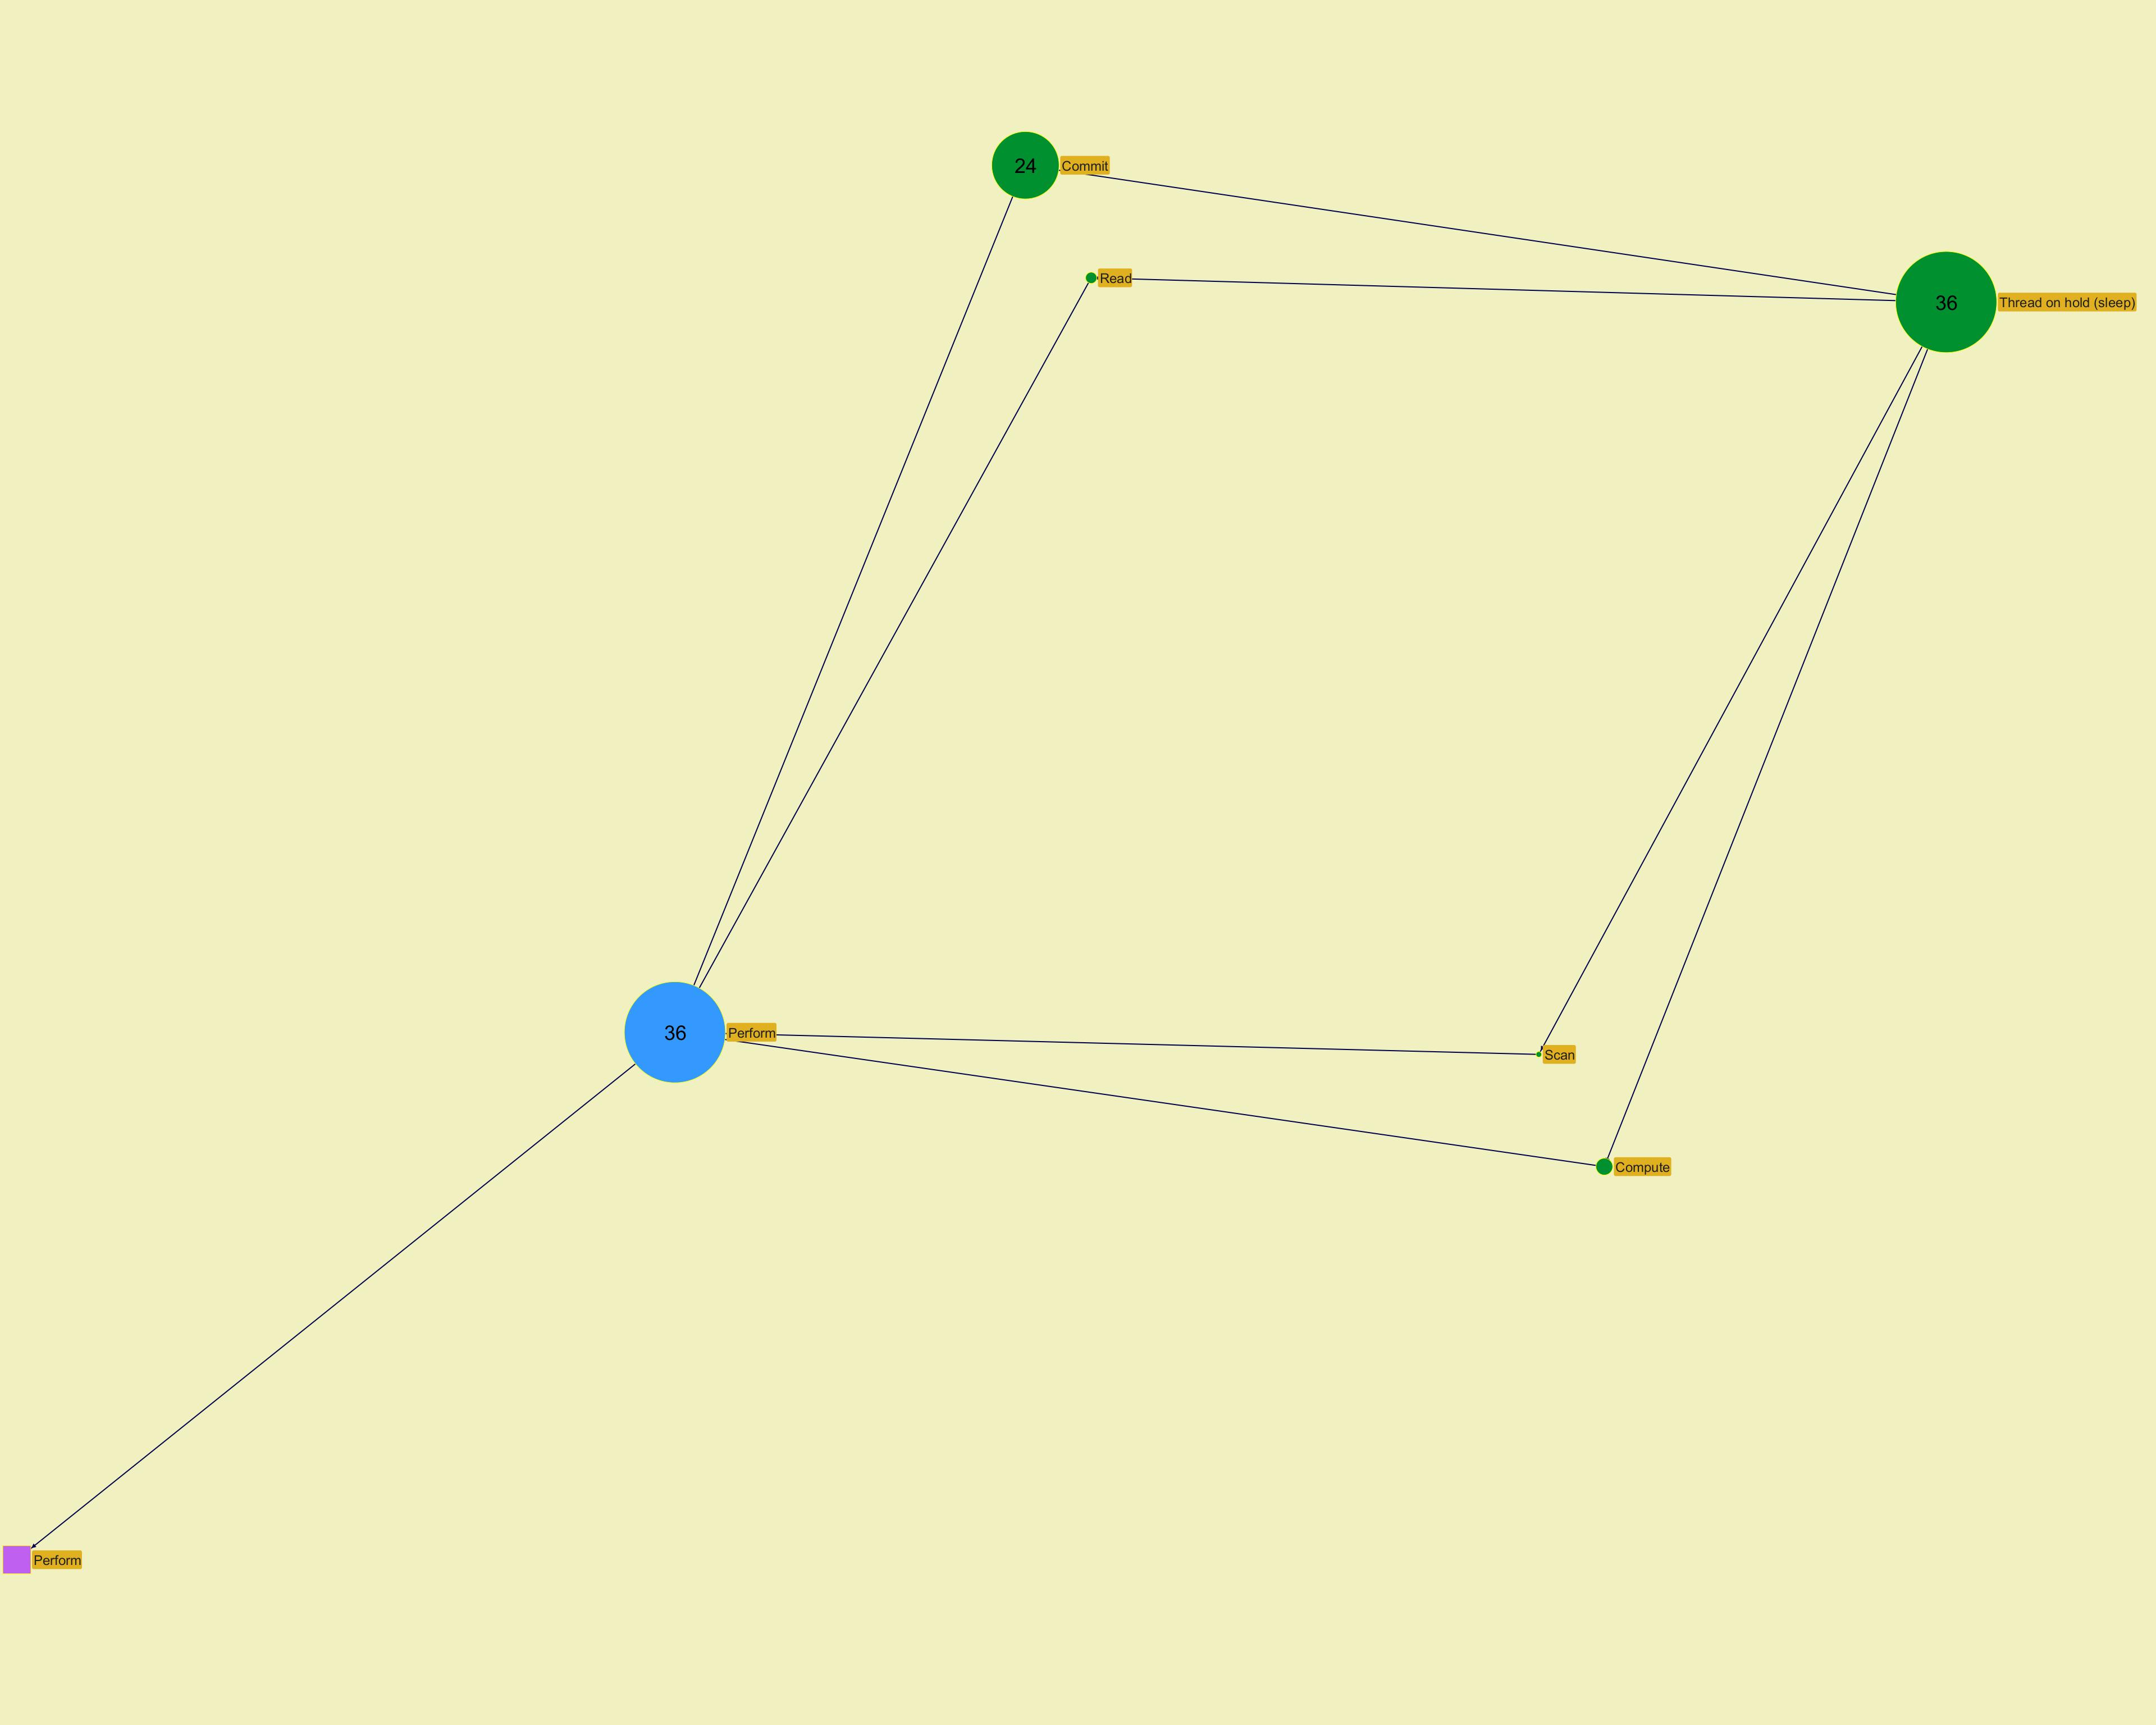
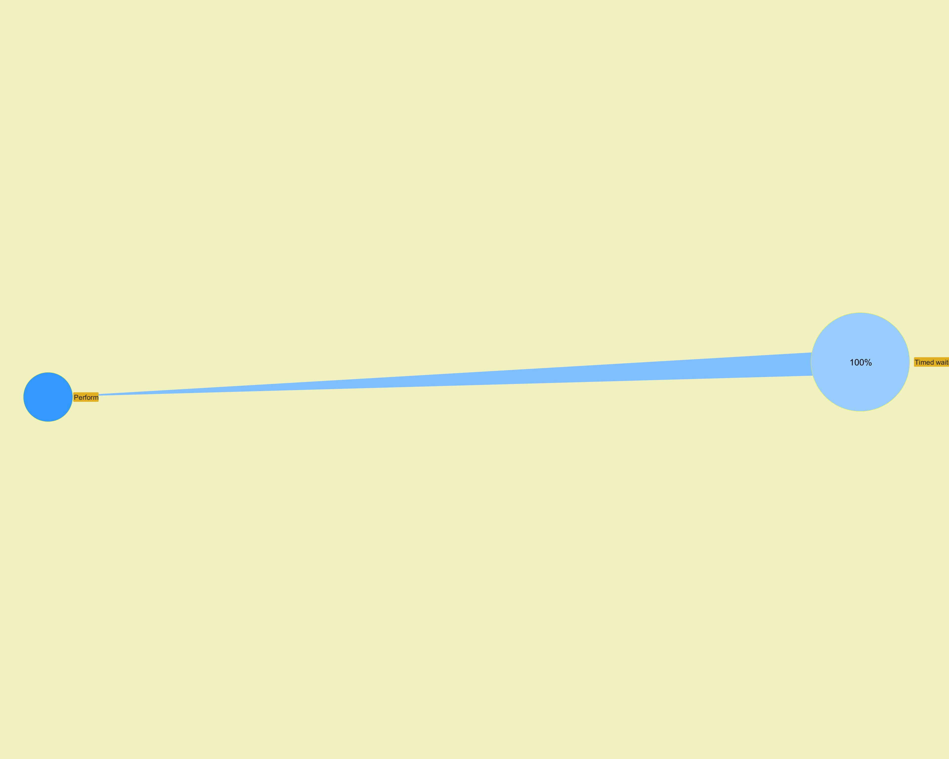

 |  |  |  |  |  |  |  | ­ | ­

 |  |  |  |  |  |  |  | ­ | ­
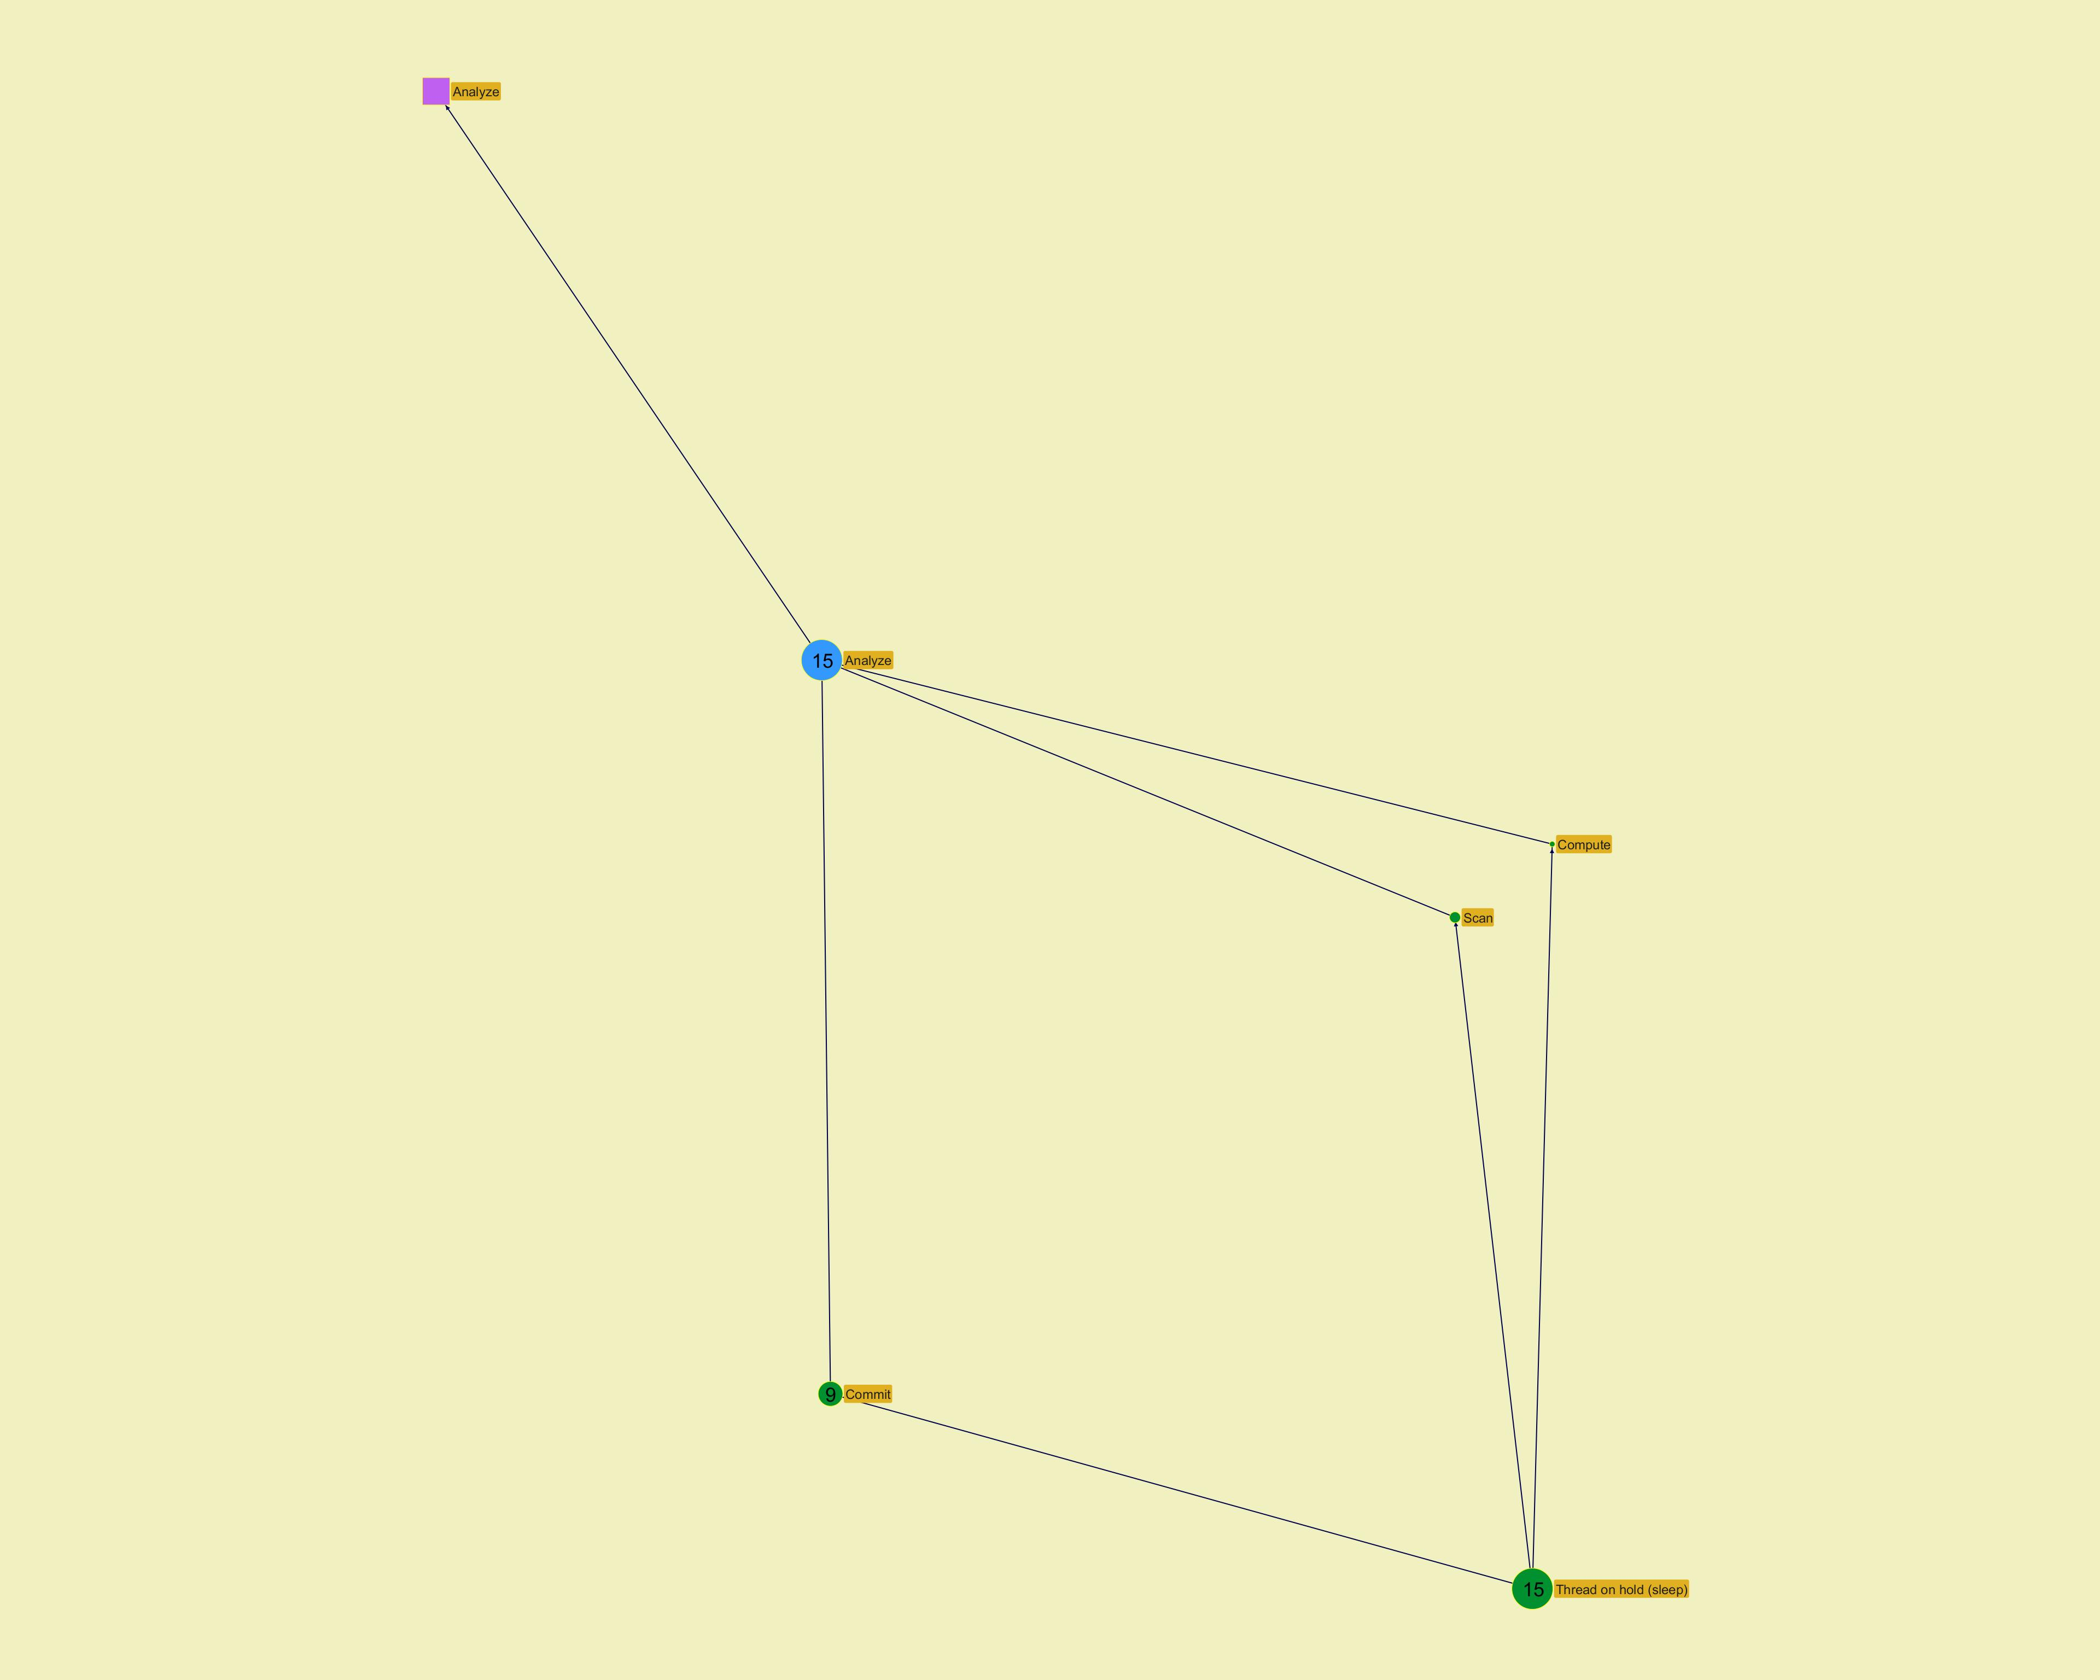
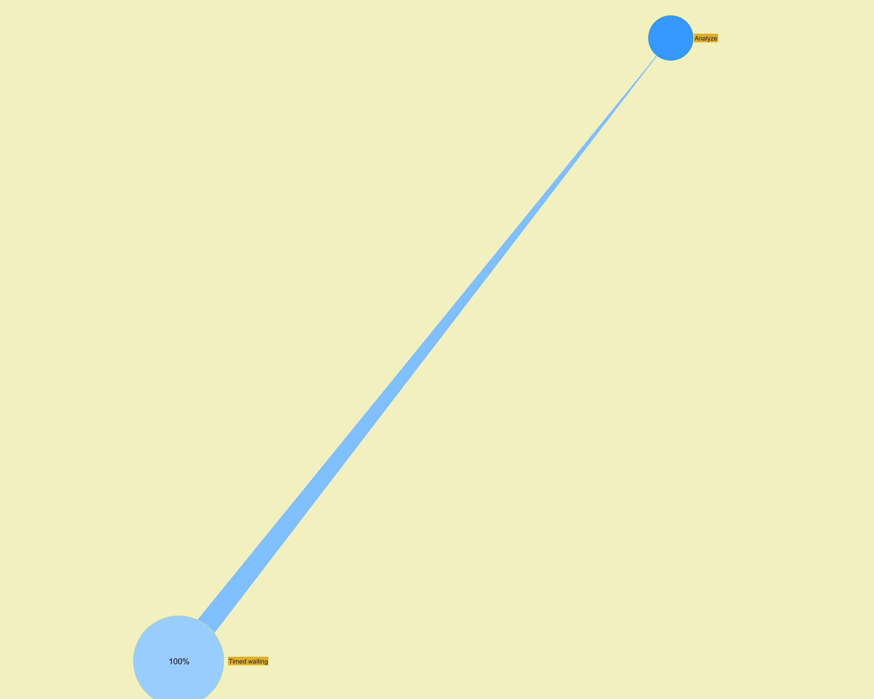

 |  |  |  |  |  |  |  | ­ | ­

Action Profiling
 | Jeyzer
D | Level | Navigation |  |  |  | Graph | Cont | Executor | Action (principal) | Count | Global % | Action % | CPU usage | Mem used | Operation (principal) | Action (all) | Operation (all) | Contention type (all)
 | 2 |  | ­ |  | ® |  |  |  |  | 23 | 31.5 | 65.7 | 0 | 0 | Commit |  | Thread on hold (sleep) - Commit | Timed waiting
 | 2 | ¬ | ­ |  | ® |  |  |  |  | 6 | 8.2 | 17.1 | 0 | 0 | Compute |  | Thread on hold (sleep) - Compute | Timed waiting
 | 2 | ¬ | ­ |  | ® |  |  |  |  | 4 | 5.5 | 11.4 | 0 | 0 | Read |  | Read - Thread on hold (sleep) | Timed waiting
 | 2 | ¬ | ­ |  |  |  |  |  |  | 2 | 2.7 | 5.7 | 0 | 0 | Scan |  | Thread on hold (sleep) - Scan | Timed waiting
 |  |  |  |  |  |  |  | org.jeyzer.demo.labors.job.DummyJob.perform(DummyJob.java:105) |  |  |  |  |  |  |  | Perform
 |  |  |  |  |  |  |  | org.jeyzer.demo.labors.job.DummyJob.callRandomFunction(DummyJob.java:56)
 |  |  |  |  |  |  |  | org.jeyzer.demo.labors.job.DummyJob.executeJob(DummyJob.java:37)
 |  |  |  |  |  |  |  | org.jeyzer.demo.labors.job.executable.ExecutableJob.run(ExecutableJob.java:63)
 |  |  |  |  |  |  |  | java.lang.Thread.runWith(Thread.java:1596)
 |  |  |  |  |  |  |  | java.lang.Thread.run(Thread.java:1583)
2 | 1 |  |  | ¯ | ® | § | W | Job executor | Perform | 35 | 47.9 |  | 0 | 0 | Commit | Perform | Read - Thread on hold (sleep) - Commit - Compute - Scan | Timed waiting
 | 2 |  | ­ |  | ® |  |  |  |  | 8 | 11.0 | 57.1 | 0 | 0 | Commit |  | Thread on hold (sleep) - Commit | Timed waiting
 | 2 | ¬ | ­ |  | ® |  |  |  |  | 4 | 5.5 | 28.6 | 0 | 0 | Scan |  | Thread on hold (sleep) - Scan | Timed waiting
 | 2 | ¬ | ­ |  |  |  |  |  |  | 2 | 2.7 | 14.3 | 0 | 0 | Compute |  | Thread on hold (sleep) - Compute | Timed waiting
 |  |  |  |  |  |  |  | org.jeyzer.demo.labors.job.DummyJob.analyze(DummyJob.java:110) |  |  |  |  |  |  |  | Analyze
 |  |  |  |  |  |  |  | org.jeyzer.demo.labors.job.DummyJob.callRandomFunction(DummyJob.java:62)
 |  |  |  |  |  |  |  | org.jeyzer.demo.labors.job.DummyJob.executeJob(DummyJob.java:37)
 |  |  |  |  |  |  |  | org.jeyzer.demo.labors.job.executable.ExecutableJob.run(ExecutableJob.java:63)
 |  |  |  |  |  |  |  | java.lang.Thread.runWith(Thread.java:1596)
 |  |  |  |  |  |  |  | java.lang.Thread.run(Thread.java:1583)
2 | 1 | ¬ |  | ¯ | ® | § | W | Job executor | Analyze | 14 | 19.2 |  | 0 | 0 | Commit | Analyze | Thread on hold (sleep) - Commit - Compute - Scan | Timed waiting
 | 2 |  | ­ |  | ® |  |  |  |  | 7 | 9.6 | 87.5 | 0 | 0 | Commit |  | Thread on hold (sleep) - Commit | Timed waiting
 | 2 | ¬ | ­ |  |  |  |  |  |  | 1 | 1.4 | 12.5 | 0 | 0 | Scan |  | Thread on hold (sleep) - Scan | Timed waiting
 |  |  |  |  |  |  |  | org.jeyzer.demo.labors.job.DummyJob.focus(DummyJob.java:115) |  |  |  |  |  |  |  | Focus
 |  |  |  |  |  |  |  | org.jeyzer.demo.labors.job.DummyJob.callRandomFunction(DummyJob.java:59)
 |  |  |  |  |  |  |  | org.jeyzer.demo.labors.job.DummyJob.executeJob(DummyJob.java:37)
 |  |  |  |  |  |  |  | org.jeyzer.demo.labors.job.executable.ExecutableJob.run(ExecutableJob.java:63)
 |  |  |  |  |  |  |  | java.lang.Thread.runWith(Thread.java:1596)
 |  |  |  |  |  |  |  | java.lang.Thread.run(Thread.java:1583)
2 | 1 | ¬ |  | ¯ | ® |  |  | Job executor | Focus | 8 | 11.0 |  | 0 | 0 | Commit | Focus | Thread on hold (sleep) - Commit - Scan | Timed waiting
 | 1 | ¬ |  |  | ® |  |  | Job executor | Recursive method | 6 | 8.2 |  | 0 | 0 | Thread on hold (sleep) | Recursive method | Thread on hold (sleep) | Timed waiting
 | 1 | ¬ |  |  | ® |  |  | Job executor | Create failover thread | 4 | 5.5 |  | 0 | 0 | Thread on hold (sleep) | Create failover thread | Thread on hold (sleep) | Timed waiting
 | 1 | ¬ |  |  | ® |  |  | Failover executor | Fail over | 4 | 5.5 |  | 0 | 0 | Thread on hold (sleep) | Fail over | Thread on hold (sleep) | Timed waiting
 | 1 | ¬ |  |  |  |  |  | Job executor | Memory consumer | 2 | 2.7 |  | 0 | 58 | Thread on hold (sleep) | Memory consumer | Thread on hold (sleep) | Timed waiting

 |  |  |  |  |  |  |  |  |  |  |  |  |  |  |  |  |  |  | ­ | ­
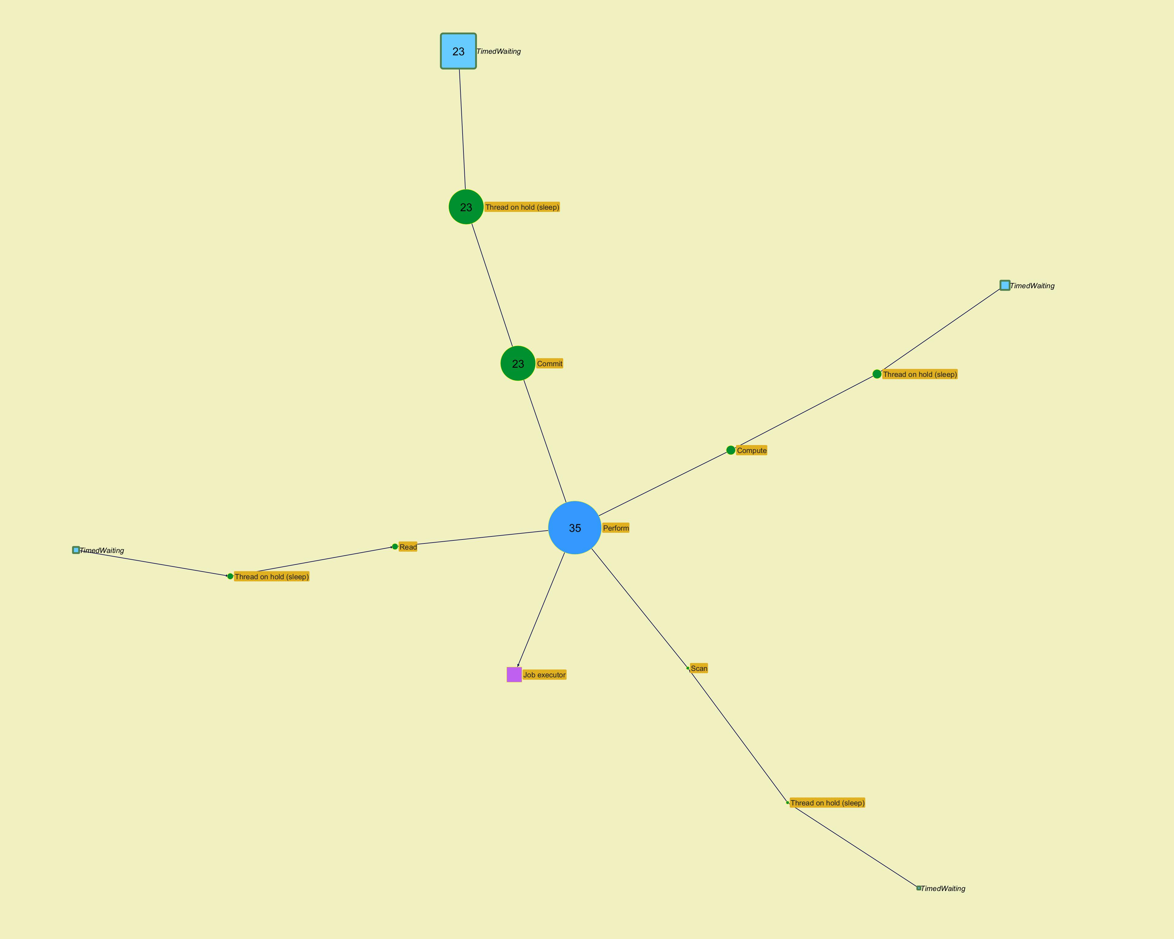

 |  |  |  |  |  |  |  |  |  |  |  |  |  |  |  |  |  |  | ­ | ­

 |  |  |  |  |  |  |  |  |  |  |  |  |  |  |  |  |  |  | ­ | ­
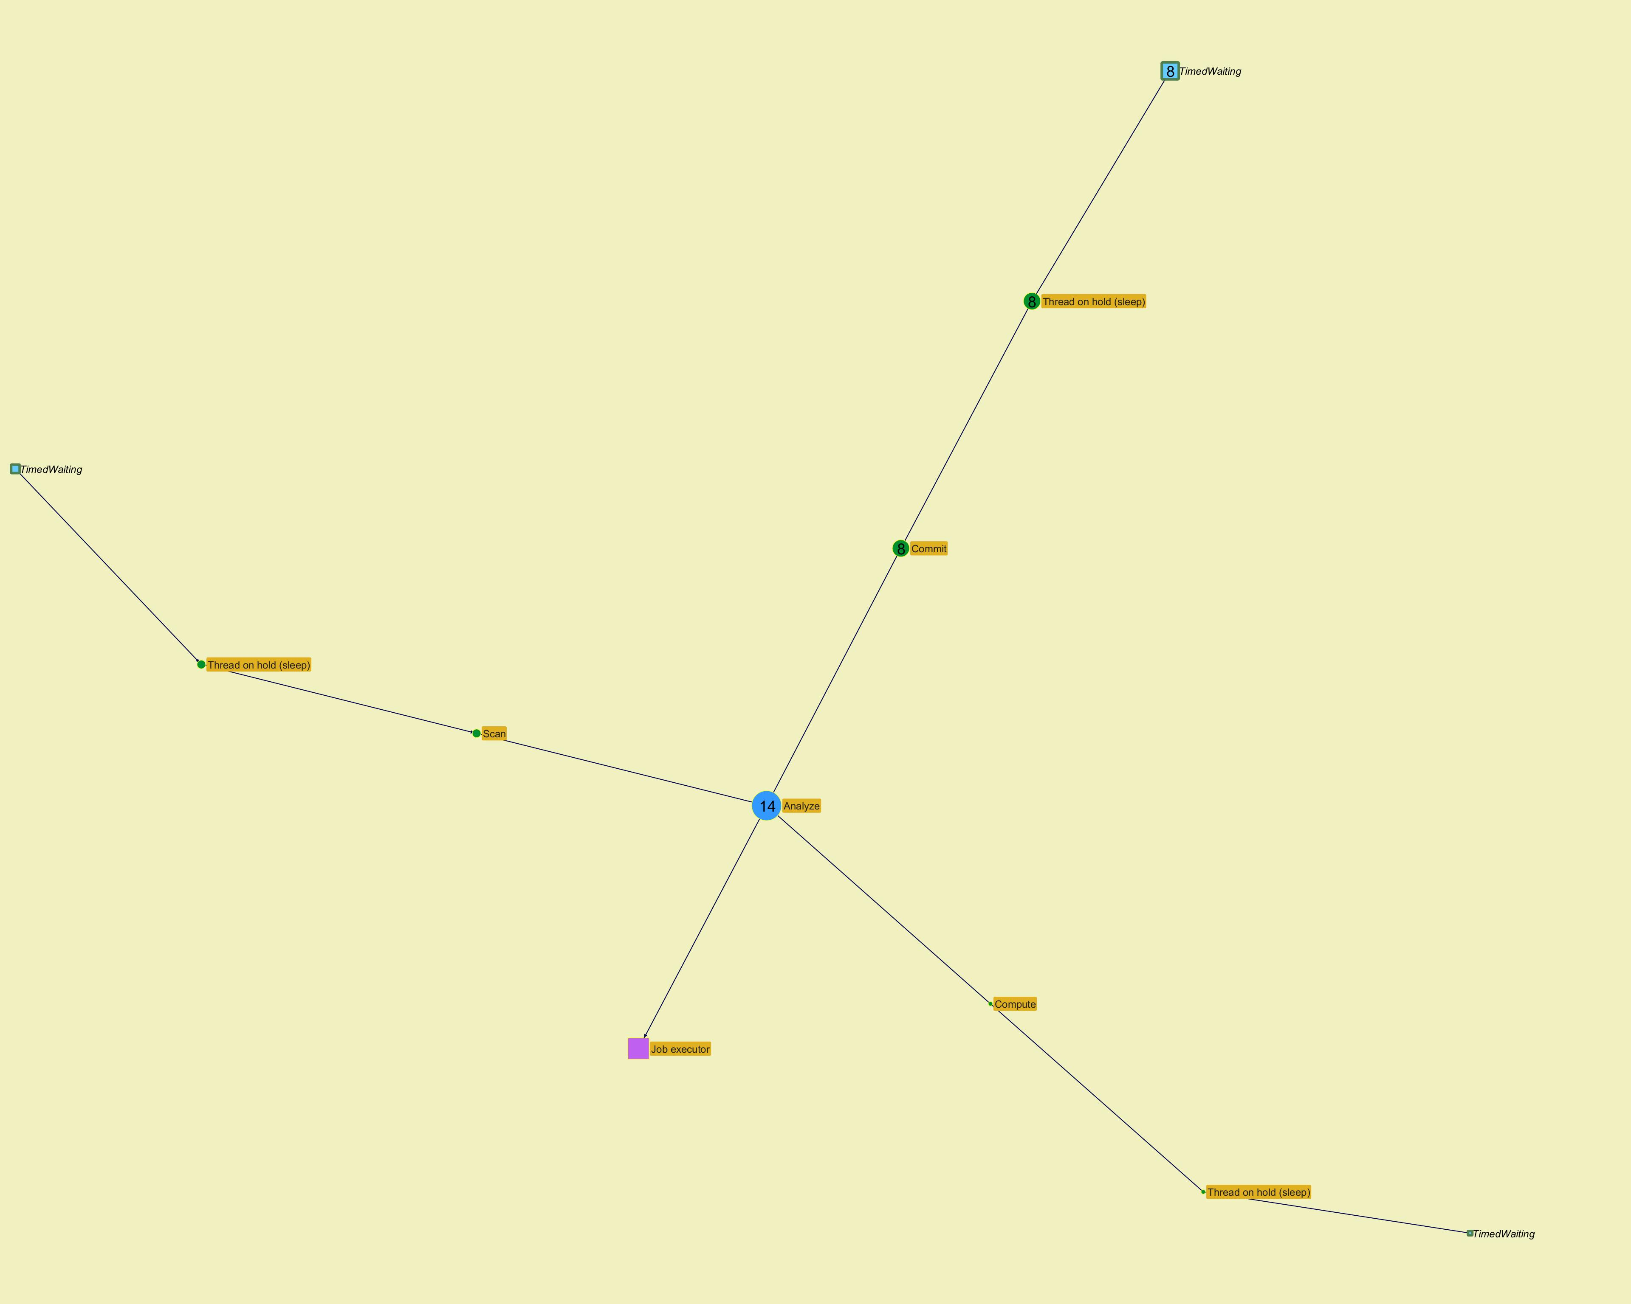

 |  |  |  |  |  |  |  |  |  |  |  |  |  |  |  |  |  |  | ­ | ­

Top stacks
 | Jeyzer | § | W
Id | Action (principal) | Count | Operation (principal) | Contention type (principal) | Action (all) | Operation (all) | Contention type (all) | State | Stack size | Executor
1 | Perform | 23 | Commit | Timed waiting | Perform | Commit / Thread on hold (sleep) | Timed waiting | Timed waiting | 11 | Job executor
2 | Analyze | 8 | Commit | Timed waiting | Analyze | Commit / Thread on hold (sleep) | Timed waiting | Timed waiting | 11 | Job executor
3 | Focus | 7 | Commit | Timed waiting | Focus | Commit / Thread on hold (sleep) | Timed waiting | Timed waiting | 11 | Job executor
4 | Recursive method | 6 | Thread on hold (sleep) | Timed waiting | Recursive method | Thread on hold (sleep) | Timed waiting | Timed waiting | 210 | Job executor
5 | Perform | 6 | Compute | Timed waiting | Perform | Compute / Thread on hold (sleep) | Timed waiting | Timed waiting | 11 | Job executor
6 | Analyze | 4 | Scan | Timed waiting | Analyze | Scan / Thread on hold (sleep) | Timed waiting | Timed waiting | 11 | Job executor
7 | Create failover thread | 4 | Thread on hold (sleep) | Timed waiting | Create failover thread | Thread on hold (sleep) | Timed waiting | Timed waiting | 8 | Job executor
8 | Perform | 4 | Read | Timed waiting | Perform | Read / Thread on hold (sleep) | Timed waiting | Timed waiting | 11 | Job executor
9 | Fail over | 4 | Thread on hold (sleep) | Timed waiting | Fail over | Thread on hold (sleep) | Timed waiting | Timed waiting | 7 | Failover executor
10 | Memory consumer | 2 | Thread on hold (sleep) | Timed waiting | Memory consumer | Thread on hold (sleep) | Timed waiting | Timed waiting | 8 | Job executor
11 | Analyze | 2 | Compute | Timed waiting | Analyze | Compute / Thread on hold (sleep) | Timed waiting | Timed waiting | 11 | Job executor
12 | Perform | 2 | Scan | Timed waiting | Perform | Scan / Thread on hold (sleep) | Timed waiting | Timed waiting | 11 | Job executor
13 | Focus | 1 | Scan | Timed waiting | Focus | Scan / Thread on hold (sleep) | Timed waiting | Timed waiting | 11 | Job executor

 |  |  |  |  |  |  |  |  |  |  | ­ | ­
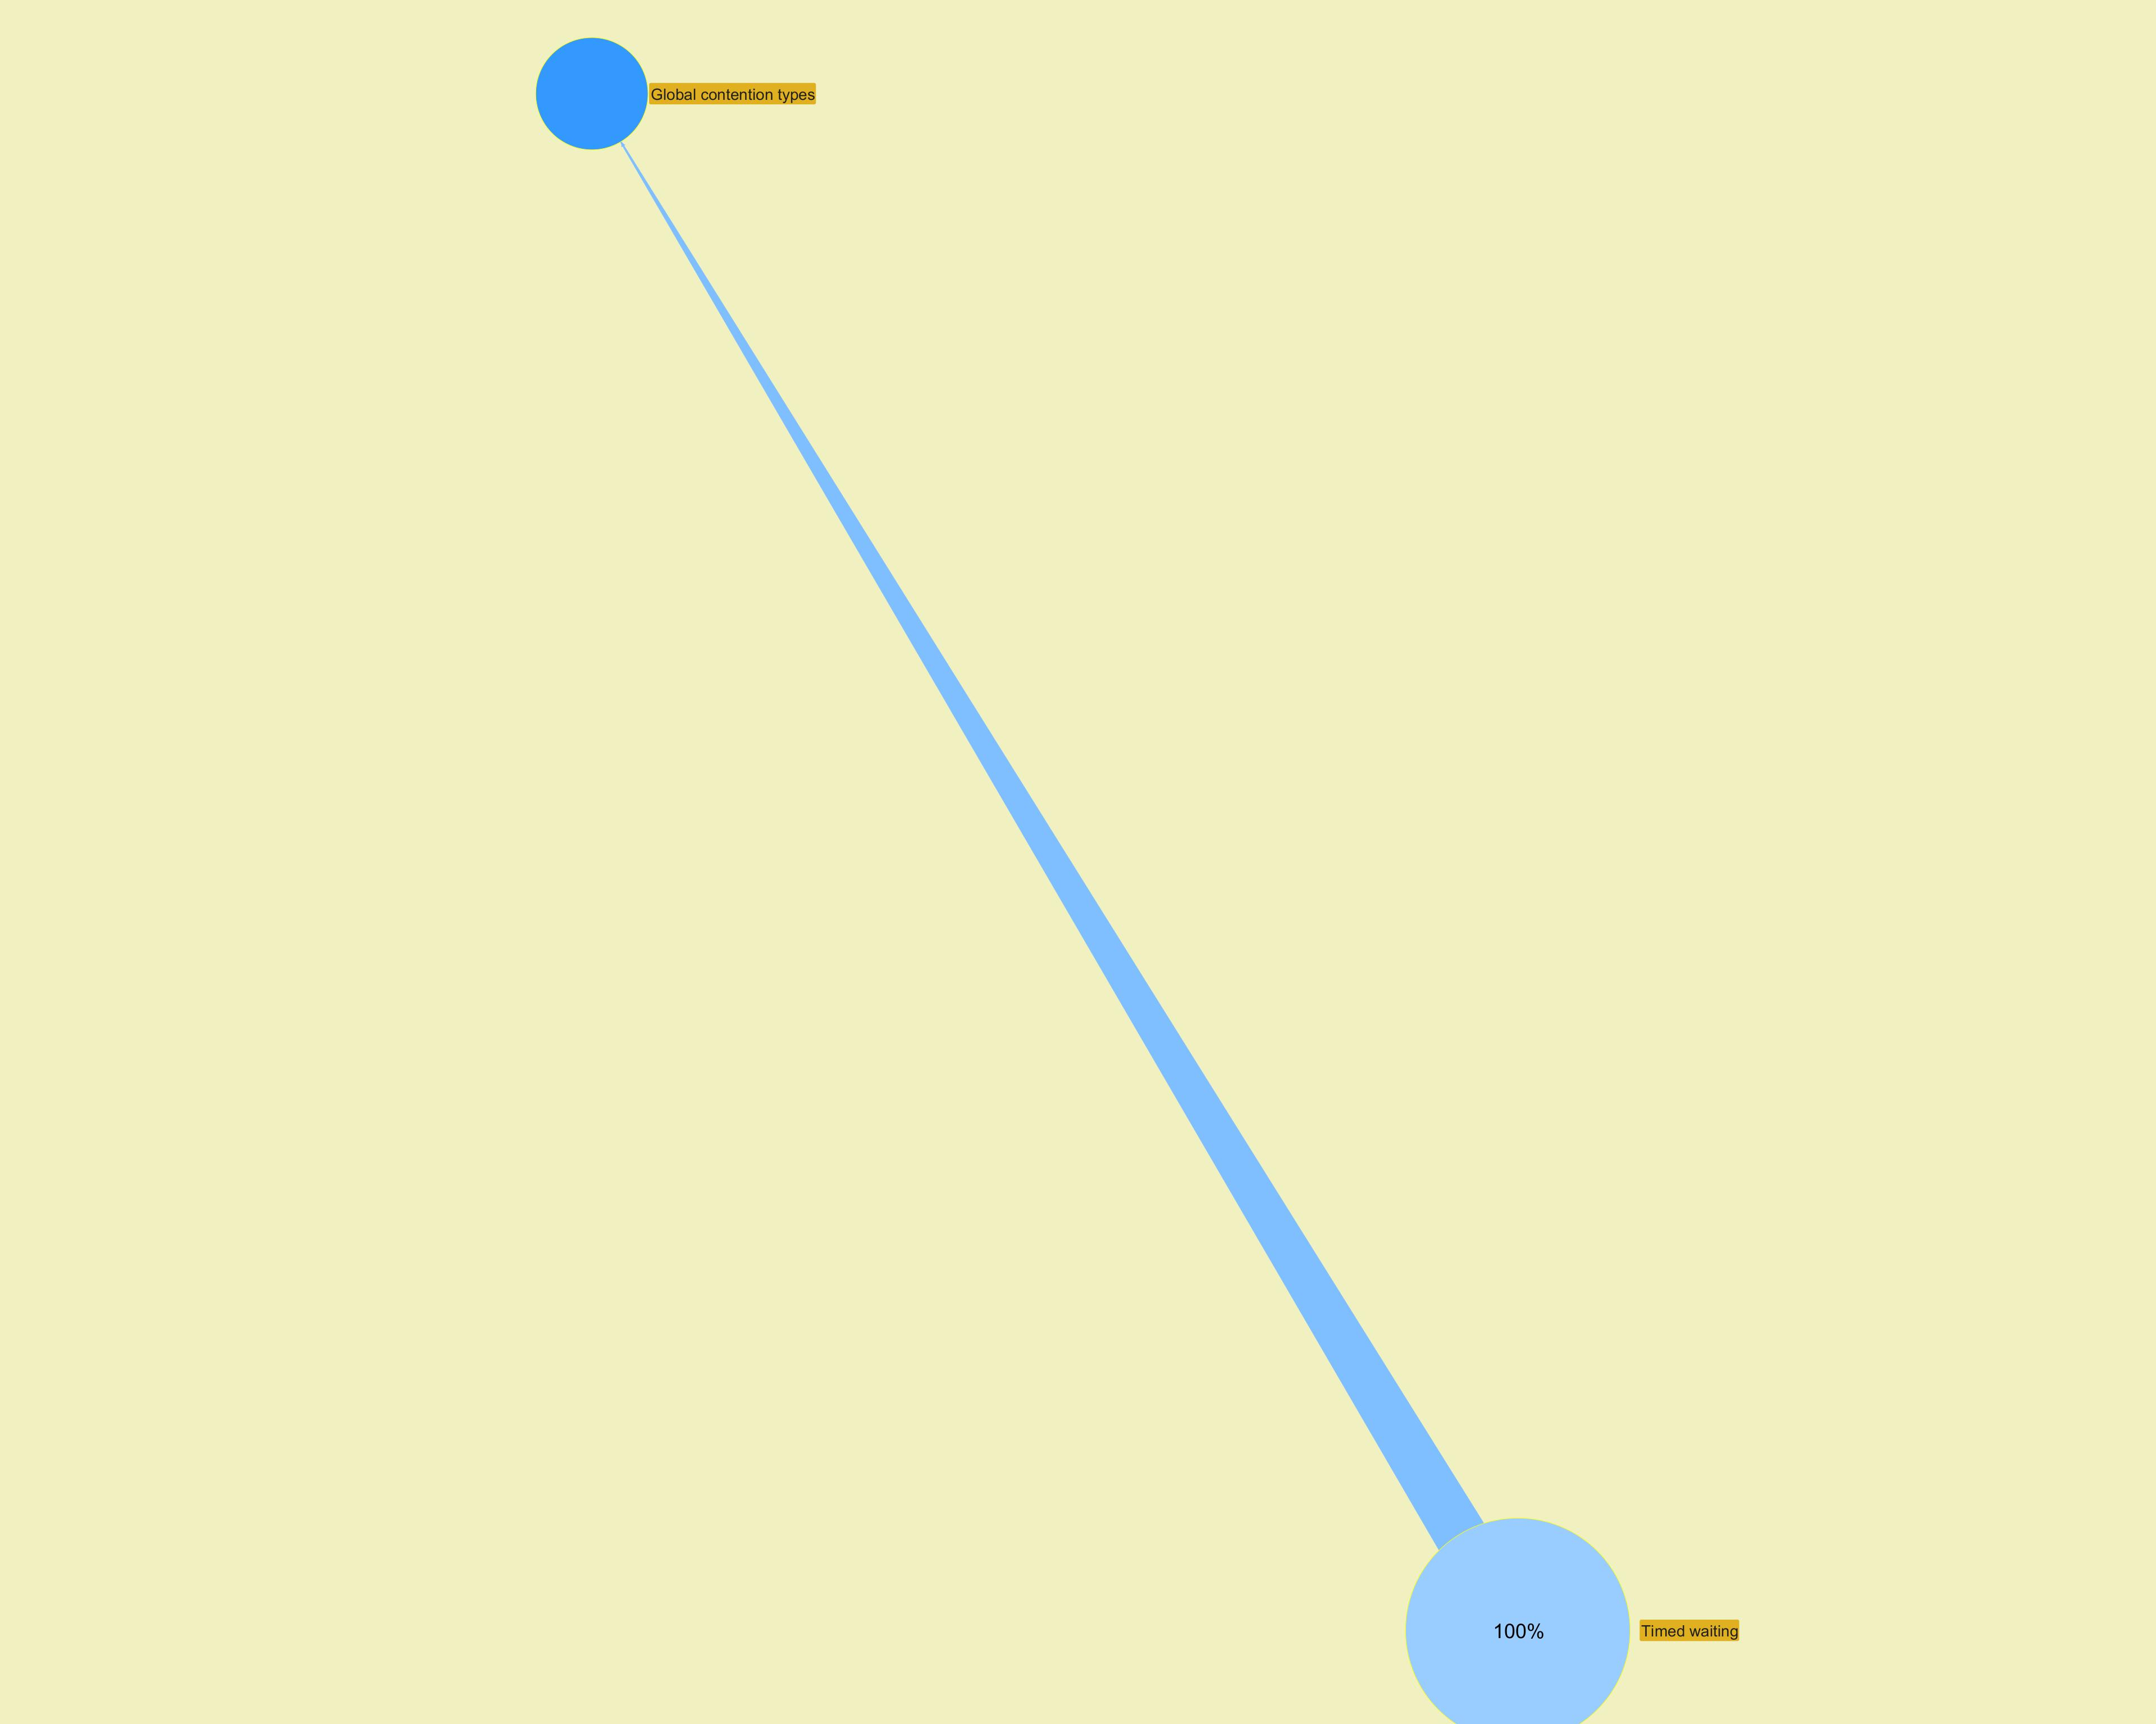

 |  |  |  |  |  |  |  |  |  |  |  | ­

 |  |  |  |  |  |  |  |  |  |  | ­

Modules
Jeyzer | §
Module name | Module version | Release | Open | Automatic | Requires | Exports | Uses | Provides | Class loader
ch.qos.logback.classic |  | ? | false | false | org.slf4j, java.management, javax.servlet.api, ch.qos.logback.core, java.base | ch.qos.logback.classic.encoder, ch.qos.logback.classic.joran.action, ch.qos.logback.classic.helpers, ch.qos.logback.classic.layout, ch.qos.logback.classic.log4j, ch.qos.logback.classic.selector, ch.qos.logback.classic, ch.qos.logback.classic.boolex, ch.qos.logback.classic.pattern, ch.qos.logback.classic.net.server, ch.qos.logback.classic.joran, ch.qos.logback.classic.spi, ch.qos.logback.classic.sift, ch.qos.logback.classic.pattern.color, ch.qos.logback.classic.filter, ch.qos.logback.classic.html, ch.qos.logback.classic.net, ch.qos.logback.classic.servlet, ch.qos.logback.classic.db.names, ch.qos.logback.classic.selector.servlet, ch.qos.logback.classic.jmx, ch.qos.logback.classic.db, ch.qos.logback.classic.jul, ch.qos.logback.classic.turbo, ch.qos.logback.classic.util | ch.qos.logback.classic.spi.Configurator | org.slf4j.spi.SLF4JServiceProvider | jdk.internal.loader.ClassLoaders$AppClassLoader
ch.qos.logback.core |  | ? | false | false | javax.mail.api, java.base, commons.compiler, java.xml, java.naming, java.sql, javax.servlet.api, janino | ch.qos.logback.core.net.server, ch.qos.logback.core.sift, ch.qos.logback.core.spi, ch.qos.logback.core.joran.action, ch.qos.logback.core.db, ch.qos.logback.core.joran.spi, ch.qos.logback.core.net, ch.qos.logback.core.filter, ch.qos.logback.core.boolex, ch.qos.logback.core.pattern.color, ch.qos.logback.core.html, ch.qos.logback.core.helpers, ch.qos.logback.core.pattern.parser, ch.qos.logback.core.joran, ch.qos.logback.core.pattern, ch.qos.logback.core, ch.qos.logback.core.net.ssl, ch.qos.logback.core.util, ch.qos.logback.core.encoder, ch.qos.logback.core.status, ch.qos.logback.core.joran.util, ch.qos.logback.core.joran.event, ch.qos.logback.core.joran.conditional |  |  | jdk.internal.loader.ClassLoaders$AppClassLoader
java.base | 21 | Yes | false | false |  | jdk.internal.loader, java.util.random, java.util.stream, sun.invoke.util, java.nio.channels.spi, jdk.internal.reflect, jdk.internal.vm.annotation, sun.reflect.generics.reflectiveObjects, jdk.internal.javac, java.nio.charset.spi, java.nio.channels, java.time.chrono, jdk.internal.org.objectweb.asm.util, java.nio.file.attribute, java.lang.runtime, java.lang.invoke, jdk.internal.access, java.nio, java.time.zone, com.sun.security.ntlm, java.security.cert, jdk.internal.vm.vector, sun.security.rsa, jdk.internal.ref, sun.net.dns, jdk.internal.io, java.time, javax.net.ssl, sun.security.provider, sun.security.pkcs, java.nio.file.spi, javax.net, java.util, sun.security.util.math.intpoly, sun.security.internal.interfaces, java.util.regex, java.math, sun.nio.fs, java.net, sun.security.util.math, jdk.internal.foreign, jdk.internal.util.random, jdk.internal.org.objectweb.asm.tree, javax.security.auth.callback, jdk.internal.jimage.decompressor, jdk.internal.org.xml.sax.helpers, jdk.internal.util, jdk.internal.org.xml.sax, jdk.internal.misc, jdk.internal.logger, java.lang.foreign, javax.crypto.interfaces, jdk.internal.classfile.attribute, java.security.spec, sun.reflect.misc, java.time.format, java.util.concurrent.locks, java.io, java.net.spi, java.lang.module, sun.security.provider.certpath, jdk.internal.perf, sun.security.action, java.lang.reflect, jdk.internal.classfile.constantpool, java.security, sun.security.tools, jdk.internal.classfile.instruction, javax.security.auth.login, java.lang.annotation, sun.nio.ch, sun.net.util, java.lang.constant, sun.security.jca, sun.security.x509, jdk.internal.classfile, sun.util.locale.provider, javax.security.auth.spi, sun.util.logging, jdk.internal.event, sun.util.resources, java.security.interfaces, java.time.temporal, jdk.internal.platform, sun.util.cldr, sun.security.internal.spec, java.text.spi, sun.net.www.protocol.http, java.nio.charset, com.sun.crypto.provider, sun.security.validator, java.util.concurrent.atomic, java.lang.ref, java.u | java.nio.channels.spi.SelectorProvider, java.time.zone.ZoneRulesProvider, java.util.spi.ResourceBundleControlProvider, java.util.spi.ToolProvider, sun.text.spi.JavaTimeDateTimePatternProvider, sun.util.resources.LocaleData$CommonResourceBundleProvider, java.time.chrono.AbstractChronology, java.text.spi.BreakIteratorProvider, java.util.spi.CurrencyNameProvider, java.text.spi.DateFormatSymbolsProvider, java.lang.System$LoggerFinder, java.net.spi.URLStreamHandlerProvider, java.util.spi.LocaleNameProvider, java.text.spi.NumberFormatProvider, java.net.spi.InetAddressResolverProvider, java.time.chrono.Chronology, java.text.spi.DateFormatProvider, java.util.spi.CalendarDataProvider, java.text.spi.DecimalFormatSymbolsProvider, java.nio.channels.spi.AsynchronousChannelProvider, sun.util.spi.CalendarProvider, jdk.internal.logger.DefaultLoggerFinder, jdk.internal.io.JdkConsoleProvider, java.text.spi.CollatorProvider, java.security.Provider, java.nio.charset.spi.CharsetProvider, java.nio.file.spi.FileTypeDetector, sun.util.locale.provider.LocaleDataMetaInfo, java.util.spi.CalendarNameProvider, java.util.spi.ResourceBundleProvider, java.nio.file.spi.FileSystemProvider, sun.util.resources.LocaleData$SupplementaryResourceBundleProvider, java.util.random.RandomGenerator, java.net.ContentHandlerFactory, javax.security.auth.spi.LoginModule, java.util.spi.TimeZoneNameProvider | java.nio.file.spi.FileSystemProvider, java.util.random.RandomGenerator
java.instrument | 21 | Yes | false | false | java.base | java.lang.instrument, sun.instrument
java.logging | 21 | Yes | false | false | java.base | java.util.logging |  | jdk.internal.logger.DefaultLoggerFinder
java.management | 21 | Yes | false | false | java.base | sun.management, javax.management.remote, javax.management.monitor, javax.management.modelmbean, sun.management.spi, sun.management.counter, javax.management.timer, javax.management, javax.management.relation, com.sun.jmx.remote.util, com.sun.jmx.remote.security, com.sun.jmx.remote.internal, sun.management.counter.perf, javax.management.loading, javax.management.openmbean, java.lang.management | javax.management.remote.JMXConnectorProvider, javax.management.remote.JMXConnectorServerProvider, sun.management.spi.PlatformMBeanProvider | javax.security.auth.spi.LoginModule
java.management.rmi | 21 | Yes | false | false | java.rmi, java.naming, java.base, java.management | javax.management.remote.rmi, com.sun.jmx.remote.protocol.rmi, com.sun.jmx.remote.internal.rmi |  | javax.management.remote.JMXConnectorProvider, javax.management.remote.JMXConnectorServerProvider
java.naming | 21 | Yes | false | false | java.base, java.security.sasl | javax.naming, javax.naming.spi, javax.naming.event, javax.naming.ldap.spi, com.sun.naming.internal, javax.naming.ldap, com.sun.jndi.toolkit.ctx, com.sun.jndi.toolkit.url, javax.naming.directory | javax.naming.spi.InitialContextFactory, javax.naming.ldap.StartTlsResponse, javax.naming.ldap.spi.LdapDnsProvider | java.security.Provider
java.rmi | 21 | Yes | false | false | java.base, java.logging | java.rmi.dgc, sun.rmi.server, java.rmi, java.rmi.server, java.rmi.registry, sun.rmi.transport, sun.rmi.registry, javax.rmi.ssl | java.rmi.server.RMIClassLoaderSpi
java.xml | 21 | Yes | false | false | java.base | org.w3c.dom.events, org.w3c.dom.ranges, org.w3c.dom.ls, com.sun.org.apache.xml.internal.utils, javax.xml.stream.util, com.sun.org.apache.xpath.internal.compiler, com.sun.org.apache.xpath.internal, javax.xml.namespace, javax.xml.transform.stax, org.xml.sax.helpers, org.w3c.dom.views, org.w3c.dom.bootstrap, org.w3c.dom, javax.xml.transform.stream, javax.xml.transform.dom, javax.xml.validation, javax.xml.parsers, org.xml.sax.ext, javax.xml, javax.xml.transform.sax, javax.xml.datatype, com.sun.org.apache.xml.internal.dtm, com.sun.org.apache.xpath.internal.res, javax.xml.catalog, com.sun.org.apache.xpath.internal.objects, org.w3c.dom.traversal, javax.xml.stream.events, javax.xml.stream, org.xml.sax, javax.xml.transform, javax.xml.xpath, com.sun.org.apache.xpath.internal.functions | javax.xml.validation.SchemaFactory, javax.xml.parsers.DocumentBuilderFactory, javax.xml.datatype.DatatypeFactory, javax.xml.transform.TransformerFactory, javax.xml.parsers.SAXParserFactory, javax.xml.stream.XMLEventFactory, javax.xml.xpath.XPathFactory, org.xml.sax.XMLReader, javax.xml.stream.XMLOutputFactory, javax.xml.stream.XMLInputFactory
jdk.jfr | 21 | Yes | false | false | java.base | jdk.jfr.consumer, jdk.jfr, jdk.jfr.internal.management
jdk.localedata | 21 | Yes | false | false | java.base |  |  | sun.util.resources.LocaleData$SupplementaryResourceBundleProvider, sun.util.resources.LocaleData$CommonResourceBundleProvider, sun.util.locale.provider.LocaleDataMetaInfo | jdk.internal.loader.ClassLoaders$PlatformClassLoader
jdk.management | 21 | Yes | false | false | java.base, java.management | com.sun.management |  | sun.management.spi.PlatformMBeanProvider
jdk.management.agent | 21 | Yes | false | false | java.base, java.management, java.management.rmi | jdk.internal.agent
jdk.management.jfr | 21 | Yes | false | false | java.base, java.management, jdk.management, jdk.jfr | jdk.management.jfr |  | sun.management.spi.PlatformMBeanProvider
jdk.net | 21 | Yes | false | false | java.base | jdk.net, jdk.nio
jdk.proxy1 |  | ? | false | false | java.base | jdk.proxy1
jdk.proxy2 |  | ? | false | false | java.base | jdk.proxy2 |  |  | jdk.internal.loader.ClassLoaders$AppClassLoader
org.jeyzer.demo | 3.1 | Yes | false | false | org.jeyzer.demo.dup2, java.management, org.jeyzer.annotations, org.jeyzer.demo.dup1, org.jeyzer.demo.dup3, org.jeyzer.demo.shared, org.jeyzer.publish, org.slf4j, java.base | org.jeyzer.demo.labors.job.executable.impl, org.jeyzer.demo.features.mx.generic.feature, org.jeyzer.demo.features.mx.generic.fighter |  |  | jdk.internal.loader.ClassLoaders$AppClassLoader
org.jeyzer.demo.shared | 3.1 | Yes | false | false | java.management, org.slf4j, org.jeyzer.annotations, java.base | org.jeyzer.demo.shared |  |  | jdk.internal.loader.ClassLoaders$AppClassLoader
org.jeyzer.publish | 3.0 | Yes | false | false | java.management, java.base | org.jeyzer.publish, org.jeyzer.mx, org.jeyzer.publish.event, org.jeyzer.mx.event |  |  | jdk.internal.loader.ClassLoaders$AppClassLoader
org.slf4j |  | ? | false | false | java.base | org.slf4j.spi, org.slf4j, org.slf4j.helpers, org.slf4j.event | org.slf4j.spi.SLF4JServiceProvider |  | jdk.internal.loader.ClassLoaders$AppClassLoader

 |  |  |  |  |  |  |  |  |  | ­


                    

