Menu

JZR report | Jeyzer |  | Items | Better to prevent than to cure Socrate
 | Session info | Lists analysis and session recording information. | 42
 | Process card | Displays and groups all the process properties per category : OS, architecture, startup parameters... Permits to collect technical details helping in the troubleshooting. | 22
 | Monitoring sequence | Displays monitoring events on a Jeyzer time sequence, along with header figures. | 14
 | Standard alerts | Displays standard monitoring events. Permits to identify process activity problems at a glance. | 27 (8)
 | Advanced alerts | Displays Advanced monitoring events. Permits to identify CPU, memory and GC problems. | 10 (2)
 | Journal of events | Displays applicative and monitoring events. Permits to correlate application events with system incidents. | 37
 | Action Dashboard | Displays the main actions, including their function graph picture and details. Permits to detect bottlenecks at a glance. | 3 (6)
 | Functions | Displays the demo features on a Jeyzer time sequence, focusing on functions and headers. | 29
 | Process card alerts | Displays process card monitoring events. Permits to check system or process info and recommend actions like critical patch appliance. | 9
 | Library and module checks | Displays library and Java module monitoring events. Permits to check the dependency status and to recommend actions like critical patch appliance or upgrade. Checks also the presence of modules/libraries (like an agent) and demonstrates the dynamic loading of shared profiles. | 4
 | Function Discovery | Displays actions in a time line manner, focusing on dynamic function discovery. Permits to catch additional process aspects. | 29
 | Operations | Displays Jeyzer time sequence display features, focusing on operations. Operation is code executed at low level. | 29
 | Row Headers | Displays Jeyzer time sequence display features, focusing on row headers. | 29
 | Contentions | Displays Jeyzer time sequence display features, focusing on contention types. Contention type is low level activity. | 29
 | Charts | Displays CPU/memory/GC/Lock figures in charts at process and system level. | 25 (7)
 | Task list | Displays all the detected actions in a flat mode. Permits to narrow actions occuring on a specific time range. | 29
 | Locks | Displays actions in a time line manner, focusing on java lock operations, locked/locking threads as well as frozen stacks. Permits to identify deadlocks and slow downs due to excessive locking. | 29
 | Memory GC Global | Displays global garbage collecting figures such as execution time, executed GC, released memory.. Permits to identify GC dysfunctions and potential memory leaks. Includes GC graphs. | 21 (4)
 | Memory GC Old | Displays garbage collecting figures for the Old Generation memory zone. Permits to spot out of memory cases. Includes GC graphs. | 18 (4)
 | Memory | Displays actions in a time line manner, focusing on process and thread memory consumption. Permits to identify high memory consuming actions. Includes memory graphs. | 29 (4)
 | CPU | Displays actions in a time line manner, focusing on process and thread CPU consumption. Permits to identify high CPU consuming actions. | 29 (1)
 | Stack groups | Displays groups of similar stacks on a time line. Permits to get a good overview of the different process activities in a large multi-threaded environment. | 91
 | Action Profiling | Displays stack traces in a tree node style - grouped per action - with apperance/CPU/memory figures. Permits to detect bottlenecks in the applicative source code. | 22 (6)
 | Long Action Profiling | Displays stack traces in a tree node style - grouped per distinct action - for the long running actions. Permits to detect bottlenecks in the applicative source code. CPU/memory figures are displayed if available. | 13 (8)
 | States | Displays actions in a time line manner, focusing on java thread states. | 29
 | Top stacks | Displays all stacks grouped by apperance order. Permits to spot eventual bottlenecks. | 34 (2)
 | Long Action Histogram | Lists all the functions and operations - grouped per distinct action - for the long running actions. Permits to spot concentration points on particular actions. | 13 (8)
 | Action histogram | Lists all the functions and operations at the action level. Permits to spot concentration points within actions. | 21 (6)
 | Function histogram | Displays and groups all the detected functions and operations. Permits to spot concentration points : I/O, specific action, database access.. | 41 (2)
 | Executor function histogram | Lists all the functions and operations at the executor level. Permits to spot concentration points within the different types of threads such as thread pools, activities, etc. | 5
 | Executor histogram | Lists all the executors with their number of actions and stacks. Permits to get a view on the activity type like user actions, scheduled activities, internals, etc. | 5
 | Monitoring Rules | Displays monitoring rules applied on the current session. Includes rule hit count. | 142
 | Stickers | Displays the monitoring stickers. Includes sticker positive and negative matching. | 35
 | Modules | Displays the list of Java modules loaded by the JVM. Includes their version and attributes. Detect the snapshot libraries. | 74 (1)
 | JVM Flags | Displays all the JVM flags including the changed ones. Permits to review the JVM technical details. Exhaustive JVM flag documentation available at : https://chriswhocodes.com/hotspot_options_jdk11.html | 871
 | Analysis Patterns | Lists all the master and shared analysis patterns used to generate this report. | 579
 | About | All about Jeyzer.

Standard alerts
Jeyzer
Graph | Cont | Fea | Dis | Ope | Rhe | Ctt | Cht | Lck | Sta | Start date | Event | Recommendation | Additional information | Rank | End date | Level | Scope | Count | Action (composite) | Duration (sec) | Thread | Ref
 |  | F | D | O | R | C |  | L | S | 12/27/23 | Frozen code task | Task showing identical consecutive stacks for long time. Provide your software provider with the JZR report for review. |  | W1 | In progress | WARNING | Action | 47 | JFR publish events | 0 hours 3 minutes 52 seconds | JFR Periodic Tasks | DEM-STD-0011
 |  | F | D | O | R | C | C | L | S | 12/27/23 | Global thread limit reached | High number of threads created. Please send the Jeyzer recording to your Support service and monitor closely the application. | Max number of native threads detected : 33 | W4 | In progress | WARNING | Global | 47 | Not applicable | 0 hours 3 minutes 52 seconds | Not applicable | DEM-STD-0021
 |  |  |  |  |  |  |  |  |  | 12/27/23 | Multiple recording snapshots | Recording contains multiple snapshots. | Recording size : 47 | I1 | In progress | INFO | System | 1 | Not applicable | 0 hours 3 minutes 52 seconds | Not applicable | DEM-STD-0151
 |  | F | D | O | R | C |  | L | S | 12/27/23 | Stack overflow | Thread stack too high. Check the relative thread dump to see if there is stack overflow evidence. |  | C6 | 12/27/23 | CRITICAL | Stack | 37 | Manual - Autopilot - Assisted - Long range flight | 0 hours 3 minutes 2 seconds | Demo thread 4 | DEM-STD-0091
 |  | F | D | O | R | C |  | L | S | 12/27/23 | Long running task | Long range flight detected. |  | W6 | 12/27/23 | WARNING | Action | 37 | Manual - Autopilot - Assisted - Long range flight | 0 hours 3 minutes 2 seconds | Demo thread 4 | DEM-STD-0081
 |  | F | D | O | R | C | C | L | S | 12/27/23 | Active named thread limit reached : Demo thread pool | Demo thread pool alert : demo is running. | Max number of active threads detected : 3 | I3 | In progress | INFO | Global | 46 | Not applicable | 0 hours 3 minutes 47 seconds | Not applicable | DEM-STD-0101
 |  | F | D | O | R | C |  | L | S | 12/27/23 | Plane lights function pattern found | Planes have active lights |  | I7 | 12/27/23 | INFO | Action | 1 | Left wing yellow light | Instantaneous | Demo thread 1 | DEM-STD-0121
 |  | F | D | O | R | C |  | L | S | 12/27/23 | Sleeping threads operation pattern found | Active threads sleeping !! |  | I7 | 12/27/23 | INFO | Stack | 37 | Manual - Autopilot - Assisted - Long range flight | 0 hours 3 minutes 2 seconds | Demo thread 4 | DEM-STD-0131
 |  | F | D | O | R | C |  | L | S | 12/27/23 | Plane lights function pattern found | Planes have active lights |  | I7 | 12/27/23 | INFO | Action | 1 | Right wing green light | Instantaneous | Demo thread 2 | DEM-STD-0121
 |  | F | D | O | R | C |  | L | S | 12/27/23 | Frozen code task | Task showing identical consecutive stacks on specific action. Provide your software provider with the JZR report for review. |  | I1 | 12/27/23 | INFO | Action | 3 | Frozen code section : stacks are identical | 0 hours 0 minutes 10 seconds | Demo thread 1 | DEM-STD-0012
§ | W | F | D | O | R | C |  | L | S | 12/27/23 | Suspicious execution pattern requiring patch task execution pattern found | Suspicious execution pattern detected. Please contact the support for the AIR-526 patch. |  | C1 | 12/27/23 | CRITICAL | Action | 2 | Dysfunctional code sequence | 0 hours 0 minutes 5 seconds | Demo thread 1 | DEM-STD-0041
§ | W | F | D | O | R | C |  | L | S | 12/27/23 | Stack overflow | Thread stack too high. Check the relative thread dump to see if there is stack overflow evidence. |  | C6 | 12/27/23 | CRITICAL | Stack | 5 | Thread waiting for the synchronized lock to be released - Thread owning the synchronized lock section | 0 hours 0 minutes 20 seconds | Lock demo thread 0 | DEM-STD-0091
 |  | F | D | O | R | C |  | L | S | 12/27/23 | Sleeping threads operation pattern found | Active threads sleeping !! |  | I7 | 12/27/23 | INFO | Stack | 5 | Thread waiting for the synchronized lock to be released - Thread owning the synchronized lock section | 0 hours 0 minutes 20 seconds | Lock demo thread 0 | DEM-STD-0131
 |  | F | D | O | R | C |  | L | S | 12/27/23 | Contention lock | A Java lock has been detected for some time. Please send the Jeyzer recording to your Support service and restart the application. | Max number of locked threads detected : 4 | W2 | 12/27/23 | WARNING | Stack | 4 | Thread waiting for the synchronized lock to be released - Thread owning the synchronized lock section | 0 hours 0 minutes 15 seconds | Lock demo thread 0 | DEM-STD-0071
 |  | F | D | O | R | C | C | L | S | 12/27/23 | Active thread limit reached | High number of active threads. Application may be under load. Monitor closely the application. | Max number of active threads detected : 8 | W3 | 12/27/23 | WARNING | Session | 8 | Not applicable | 0 hours 0 minutes 35 seconds | Not applicable | DEM-STD-0031
 |  | F | D | O | R | C |  | L | S | 12/27/23 | Frozen code task | Task showing identical consecutive stacks for long time. Provide your software provider with the JZR report for review. |  | W1 | In progress | WARNING | Action | 16 | Thread waiting for the synchronized lock to be released - Thread in deadlock | 0 hours 1 minutes 16 seconds | Lock demo thread 3 | DEM-STD-0011
§ | W | F | D | O | R | C | C | L | S | 12/27/23 | Deadlock | A Java deadlock has been detected. Please send the Jeyzer recording to your Support service and restart the application. | Max deadlocks detected : 1 | C5 | In progress | CRITICAL | Session | 14 | Not applicable | 0 hours 1 minutes 5 seconds | Not applicable | DEM-STD-0061
 |  | F | D | O | R | C |  | L | S | 12/27/23 | Contention lock | A Java lock has been detected for some time. Please send the Jeyzer recording to your Support service and restart the application. | Max number of locked threads detected : 1 | W2 | In progress | WARNING | Stack | 14 | Thread in deadlock | 0 hours 1 minutes 5 seconds | Deadlock demo thread 0 | DEM-STD-0071
 |  | F | D | O | R | C |  | L | S | 12/27/23 | Frozen code task | Task showing identical consecutive stacks for long time. Provide your software provider with the JZR report for review. |  | W1 | In progress | WARNING | Action | 14 | Thread in deadlock | 0 hours 1 minutes 5 seconds | Deadlock demo thread 0 | DEM-STD-0011

 |  |  |  |  |  |  |  |  |  |  |  |  |  |  |  |  |  |  |  |  |  |  | ­ | ­
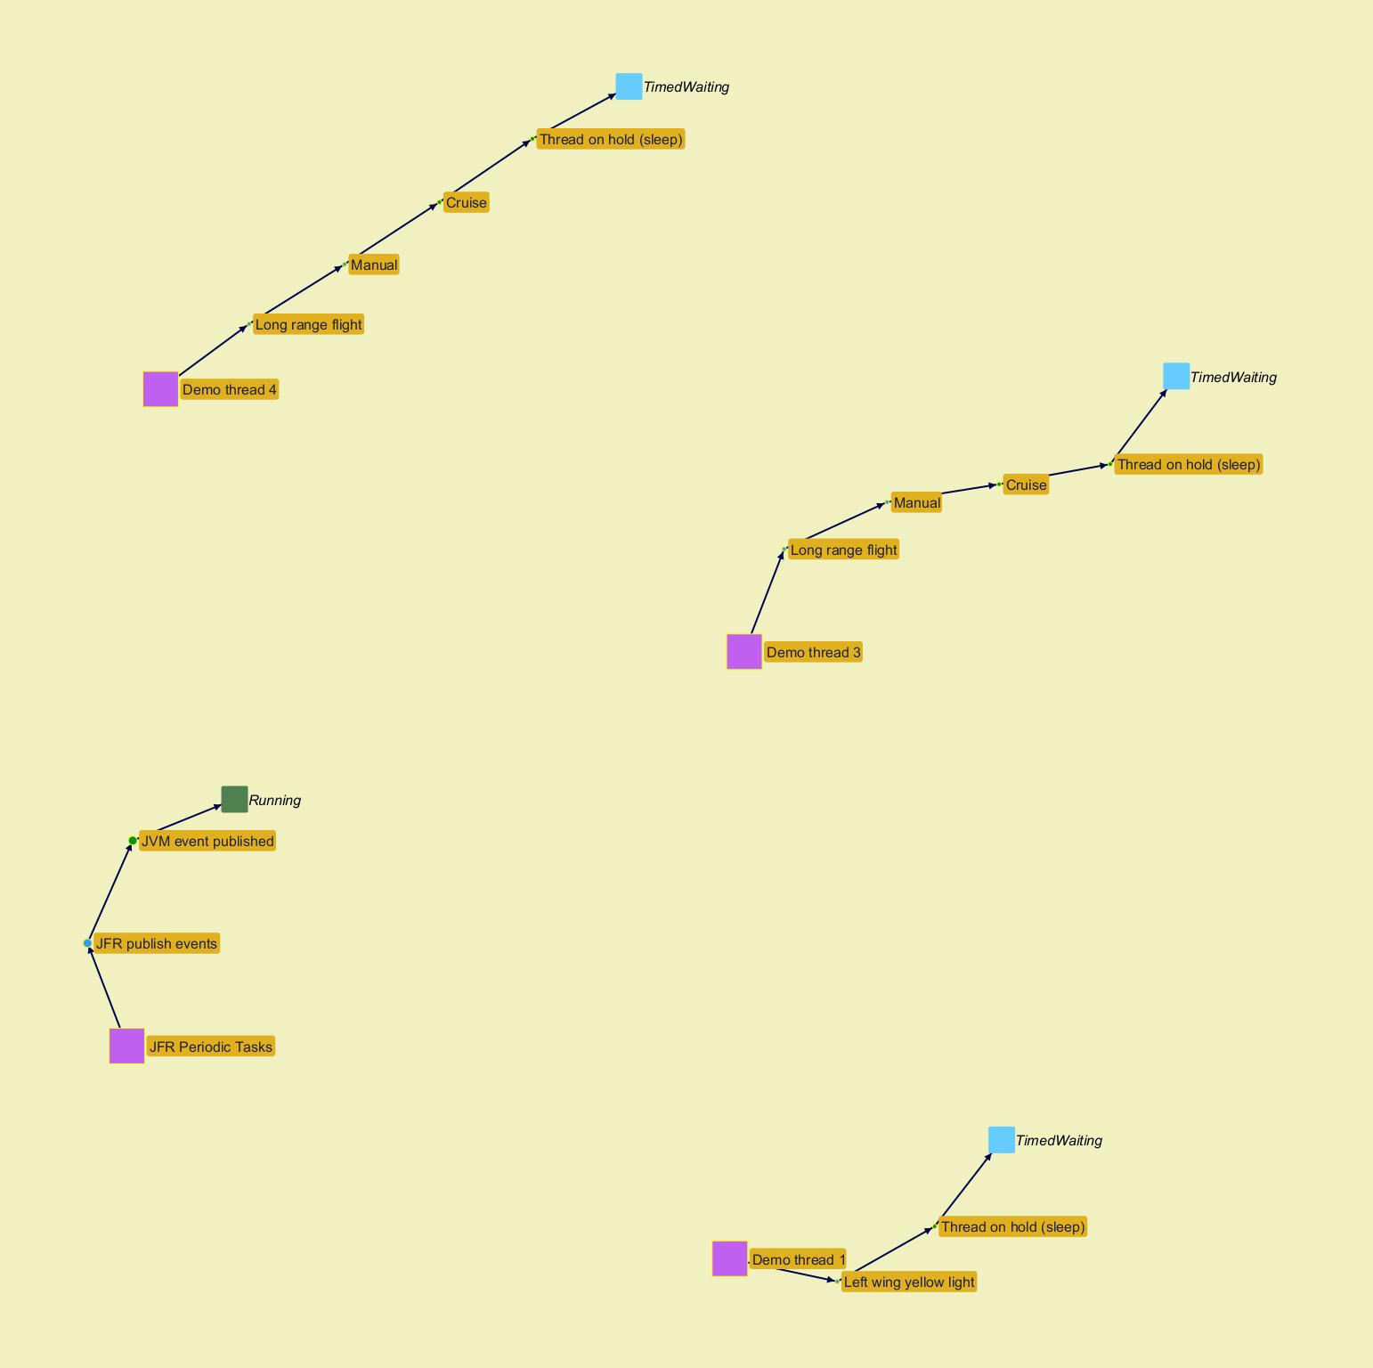
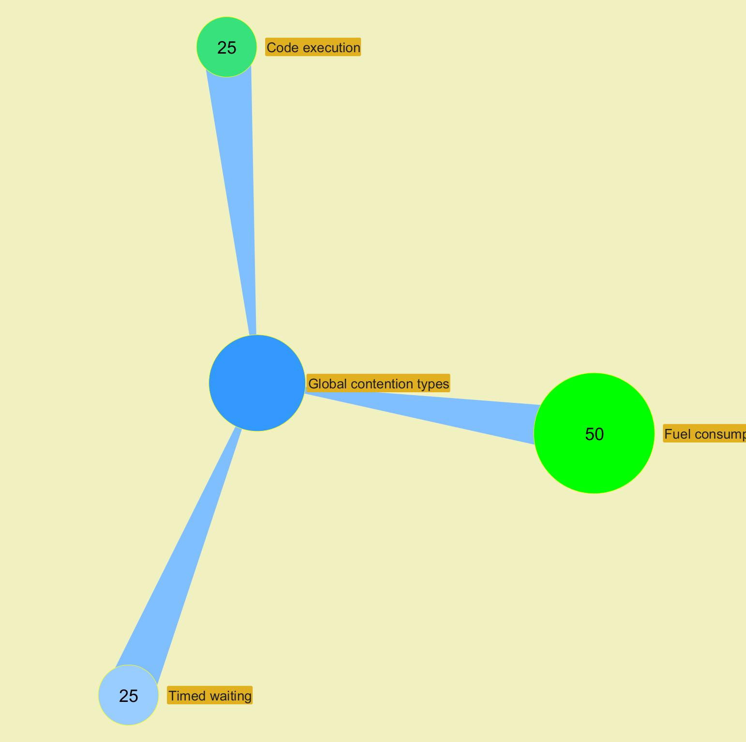

 |  |  |  |  |  |  |  |  |  |  |  |  |  |  |  |  |  |  |  |  |  |  |  | ­

 |  |  |  |  |  |  |  |  |  |  |  |  |  |  |  |  |  |  |  |  |  |  | ­

 |  |  |  |  |  |  |  |  |  |  |  |  |  |  |  |  |  |  |  |  |  |  | ­ | ­
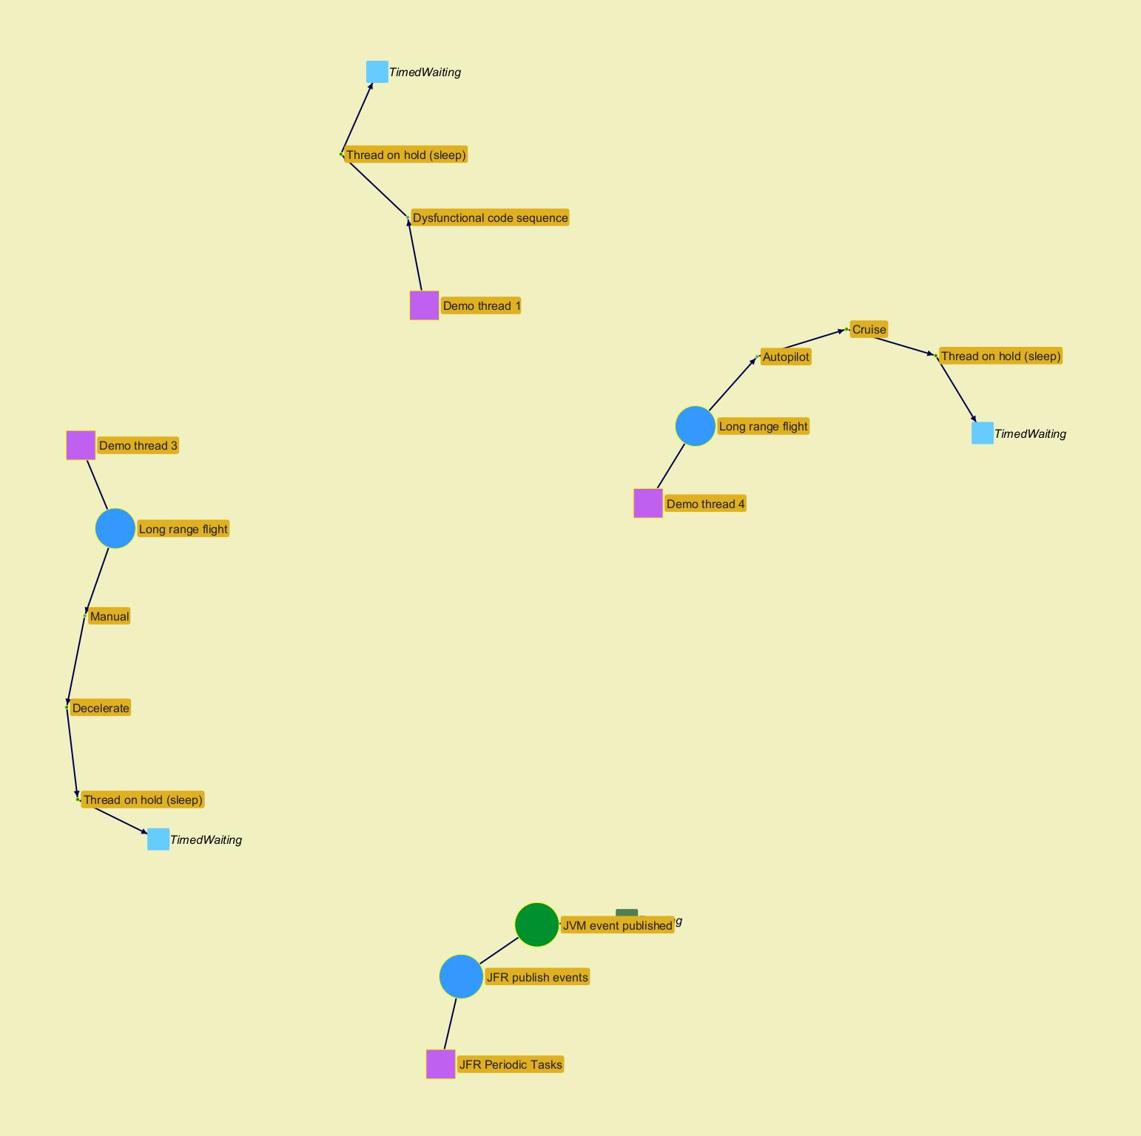
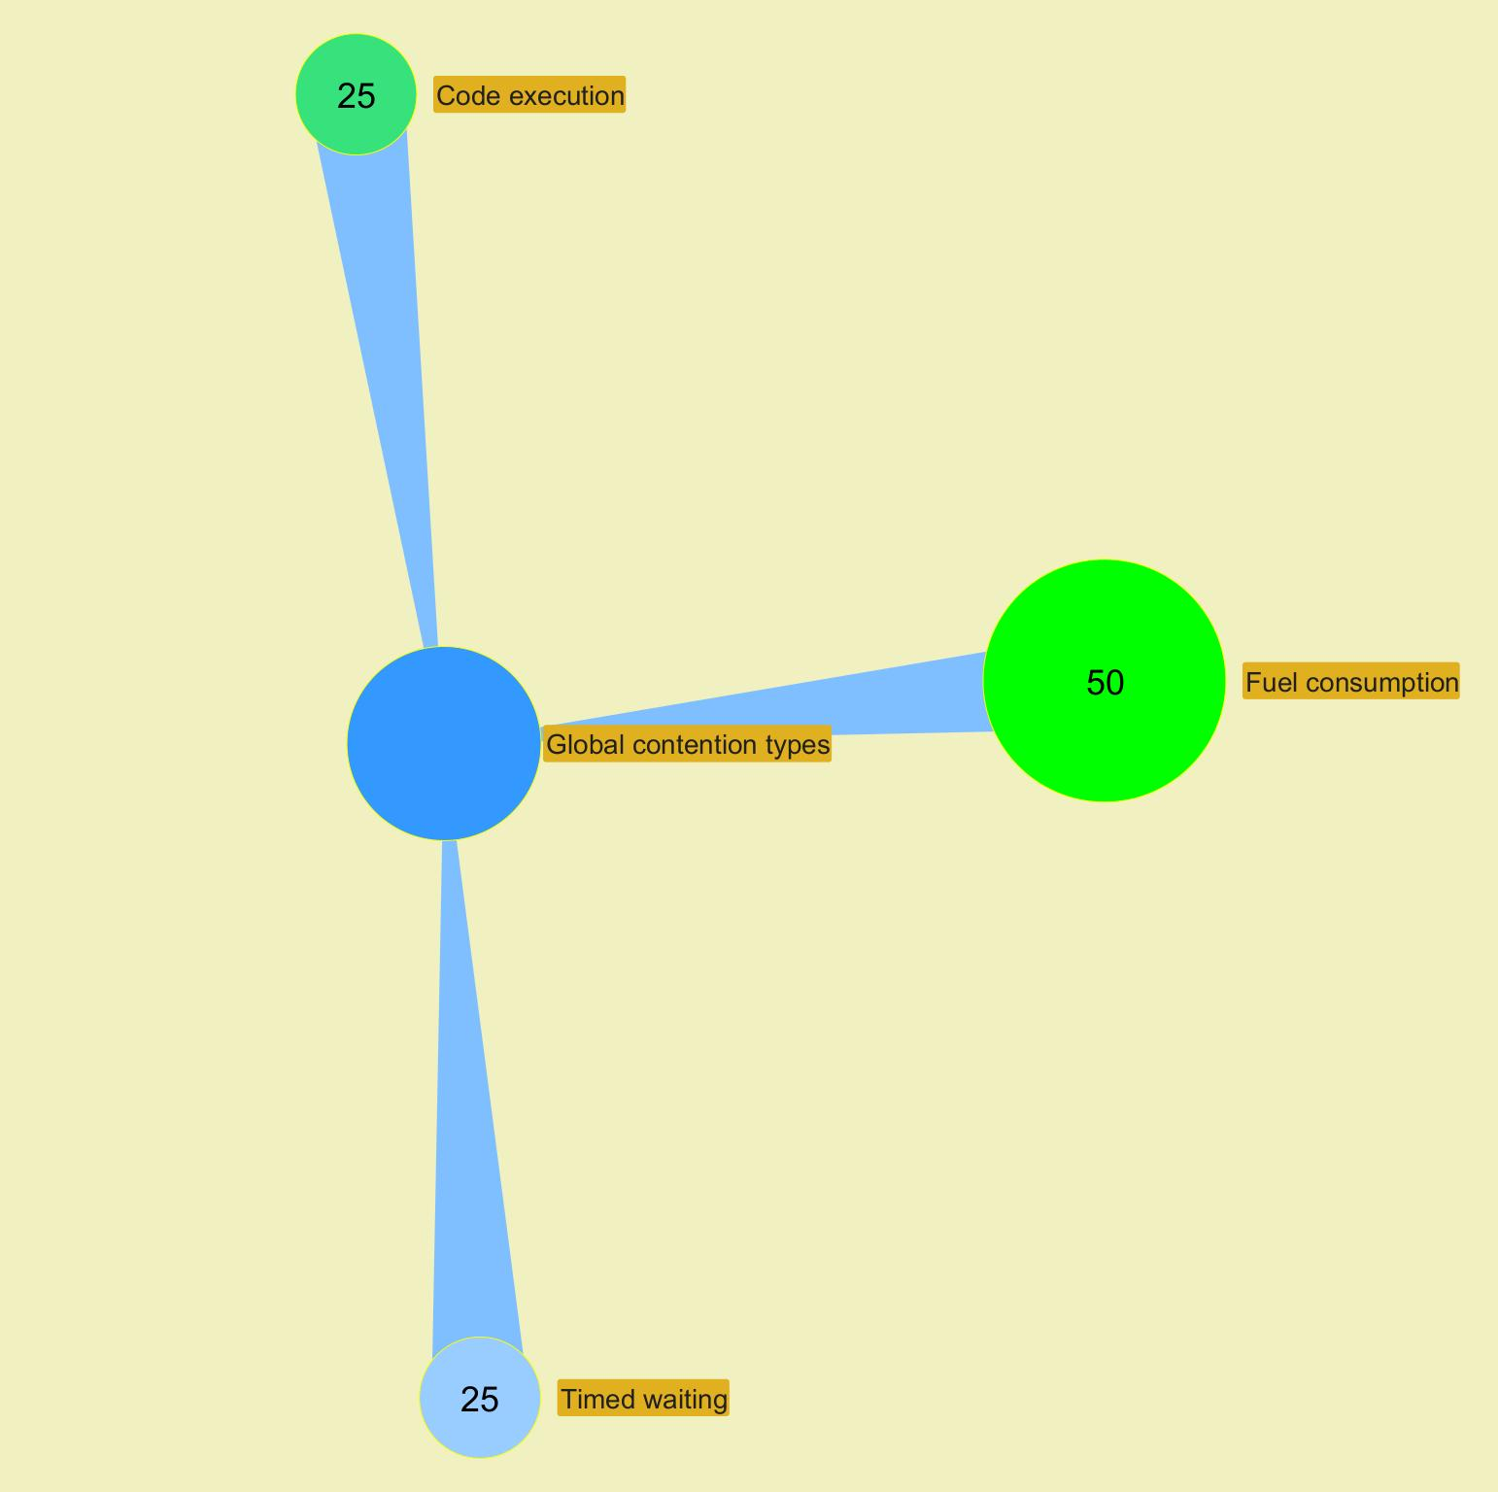

 |  |  |  |  |  |  |  |  |  |  |  |  |  |  |  |  |  |  |  |  |  |  |  | ­

 |  |  |  |  |  |  |  |  |  |  |  |  |  |  |  |  |  |  |  |  |  |  | ­

 |  |  |  |  |  |  |  |  |  |  |  |  |  |  |  |  |  |  |  |  |  |  | ­ | ­
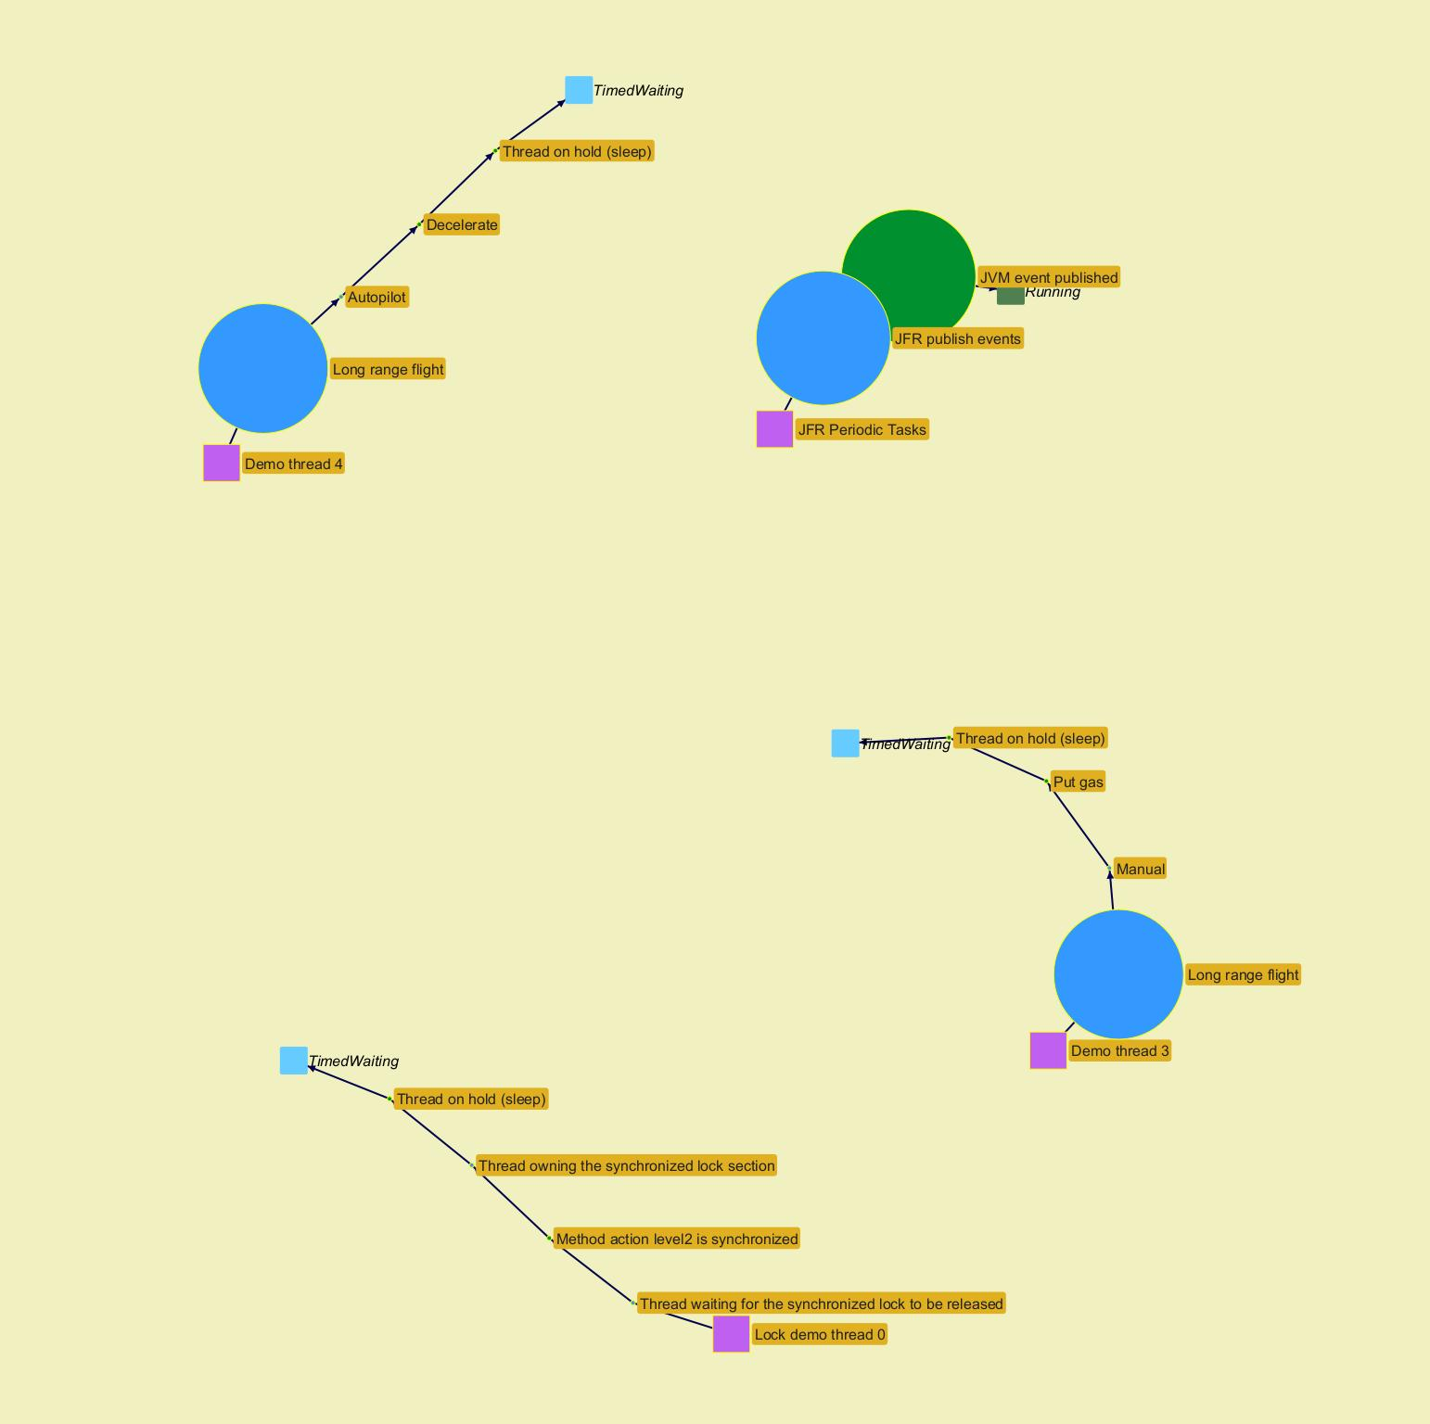
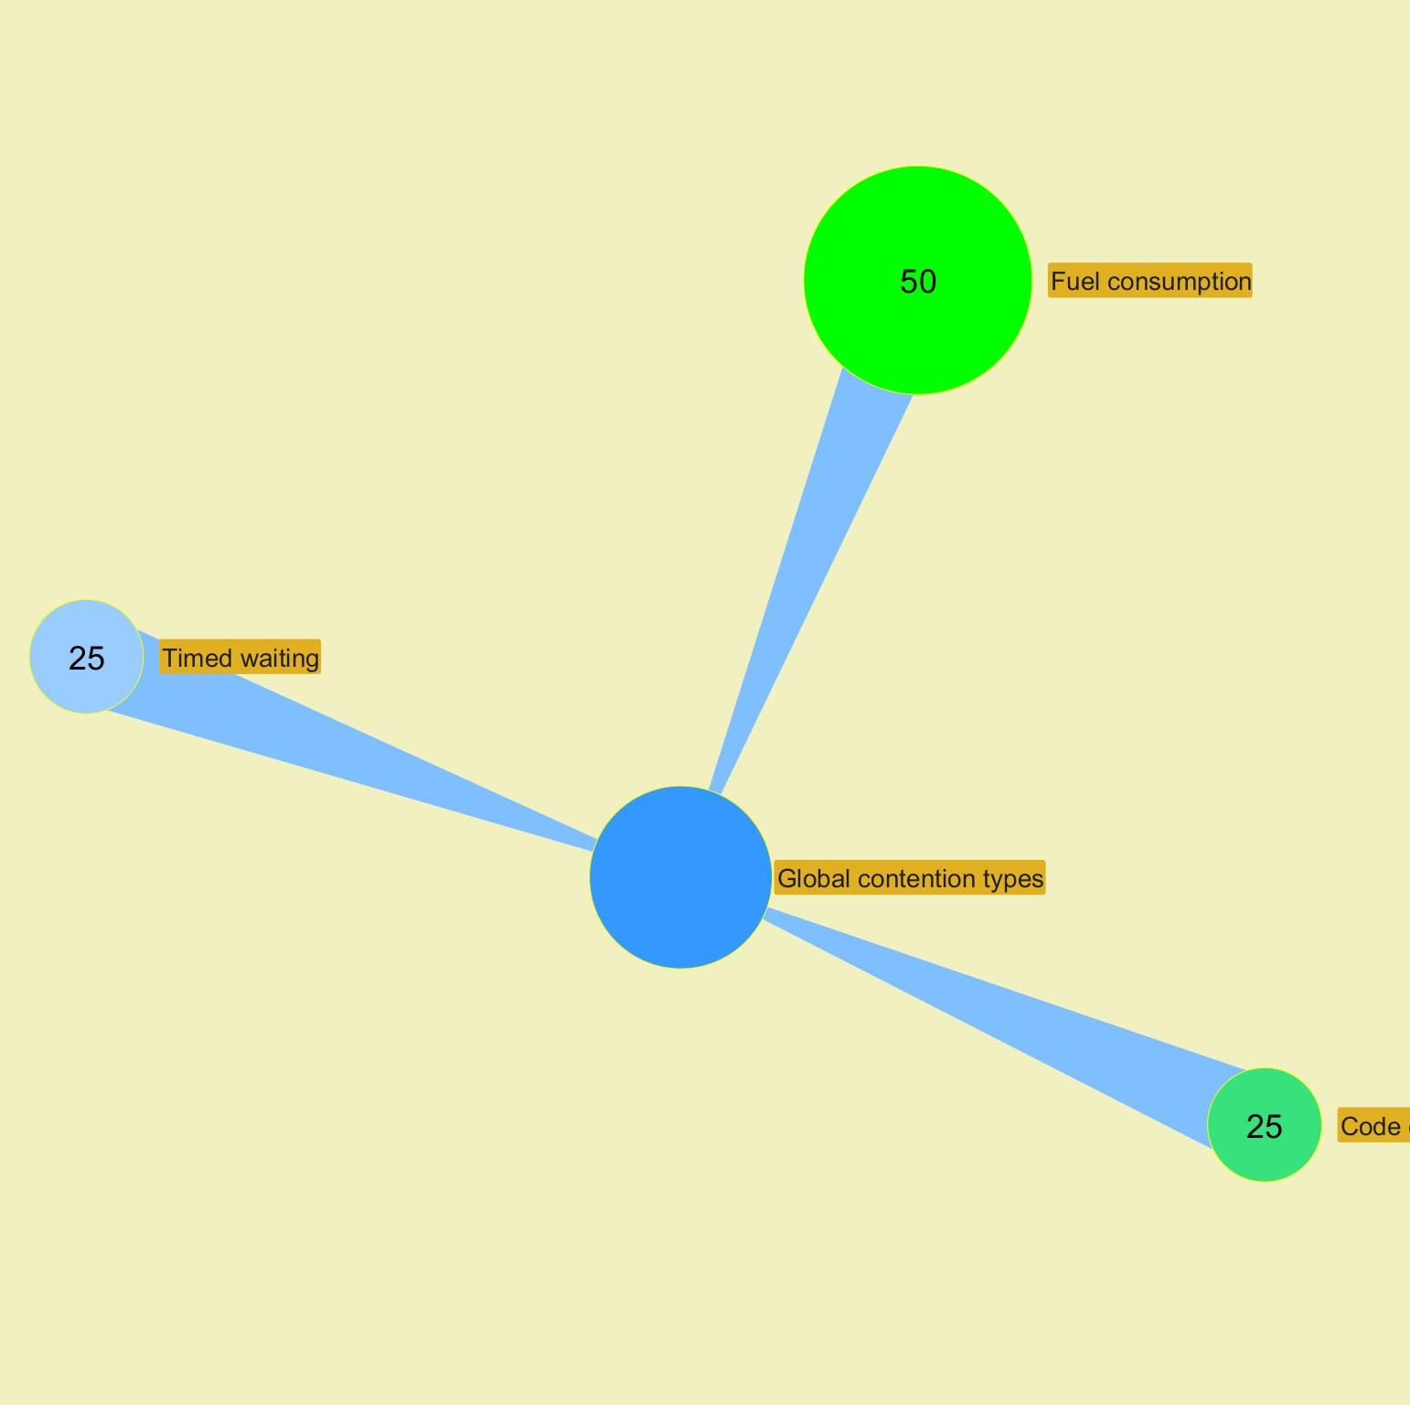

 |  |  |  |  |  |  |  |  |  |  |  |  |  |  |  |  |  |  |  |  |  |  |  | ­

 |  |  |  |  |  |  |  |  |  |  |  |  |  |  |  |  |  |  |  |  |  |  | ­

 |  |  |  |  |  |  |  |  |  |  |  |  |  |  |  |  |  |  |  |  |  |  | ­ | ­
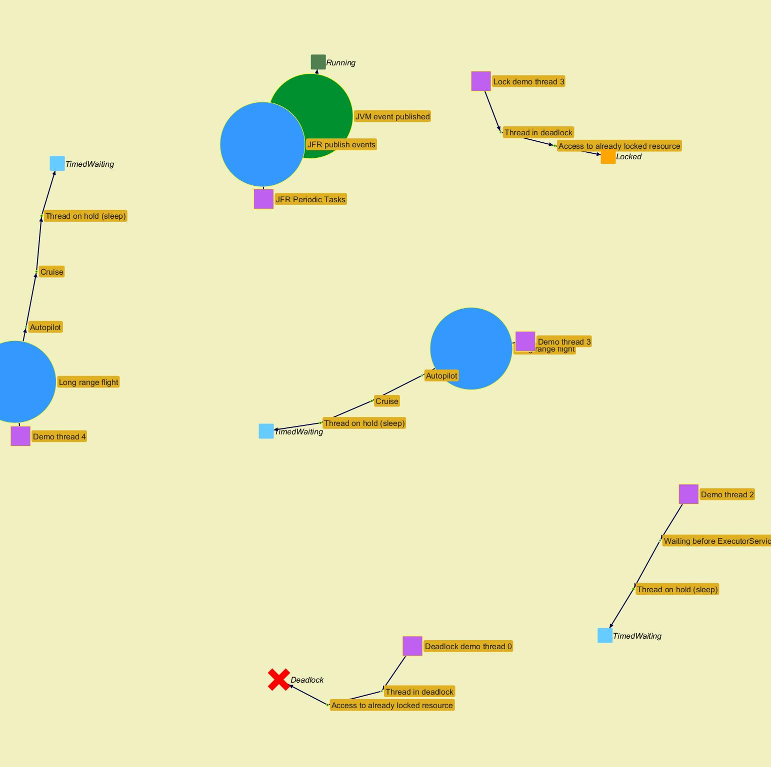
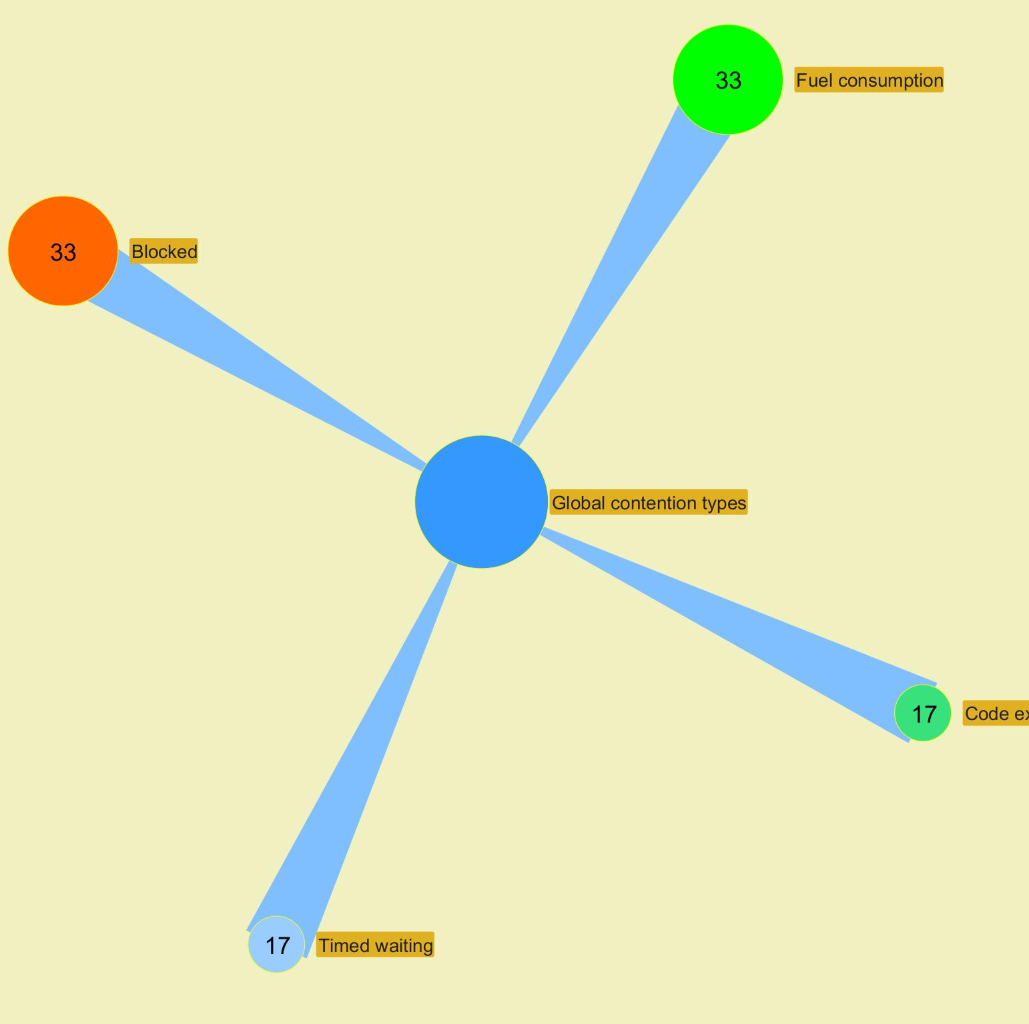

 |  |  |  |  |  |  |  |  |  |  |  |  |  |  |  |  |  |  |  |  |  |  |  | ­

 |  |  |  |  |  |  |  |  |  |  |  |  |  |  |  |  |  |  |  |  |  |  | ­

Advanced alerts
Jeyzer
Graph | Cont | Mon | Fea | GCg | GCo | Mem | Cpu | Start date | Event | Recommendation | Additional information | Rank | End date | Level | Scope | Count | Action (composite) | Duration (sec) | Thread | Ref
 |  | M | F | G | G | M | C | 12/27/23 | Memory consuming process | Process consuming high amount of memory. If too frequent, please contact support. | Max memory heap % : 49% | W6 | 12/27/23 | WARNING | Session | 1 | Not applicable | Instantaneous | Not applicable | DEM-ADV-0051
 |  | M | F |  |  | M | C | 12/27/23 | Memory consuming task | Memory consuming action. If too frequent, please contact support. | Max heap usage % : 45 | W9 | 12/27/23 | WARNING | Action | 1 | Memory consuming thread - Memory consuming section : please look at Memory panel for more details | Instantaneous | Demo thread 2 | DEM-ADV-0061
 |  | M | F | G | G | M | C | 12/27/23 | Process up time | Process has been running for too long. It is recommended to restart it | Up time reached at : 2023/12/27 09:42:20 | W7 | In progress | WARNING | Session | 36 | Not applicable | 0 hours 2 minutes 57 seconds | Not applicable | DEM-ADV-0101
 |  | M | F |  |  | M | C | 12/27/23 | CPU consuming task | CPU consuming stack. If too frequent, please contact support. | Max CPU % : 41 | W8 | 12/27/23 | WARNING | Stack | 1 | CPU consuming thread - CPU consuming section : please look at CPU panel for more details | Instantaneous | Demo thread 2 | DEM-ADV-0031
§ | W | M | F | G | G | M | C | 12/27/23 | Excessive GC time | GC time high. Check memory figures. If too high, restart may be foreseen. | Max GC time : 1060 | C6 | 12/27/23 | CRITICAL | Session | 1 | Not applicable | Instantaneous | Not applicable | DEM-ADV-0071
 |  | M | F | G | G | M | C | 12/27/23 | GC failing to release memory | GC probably failing to release memory. Check memory figures. If too high, restart may be foreseen. | Max memory used : 95% | C10 | 12/27/23 | CRITICAL | Session | 1 | Not applicable | Instantaneous | Not applicable | DEM-ADV-0091
 |  | M | F |  |  | M | C | 12/27/23 | CPU consuming task | CPU consuming stack. If too frequent, please contact support. | Max CPU % : 43 | W8 | 12/27/23 | WARNING | Stack | 1 | Out Of Memory thread - Memory exhausting section : please look at GC, CPU and Memory panels for more details | Instantaneous | Demo thread 1 | DEM-ADV-0031
 |  | M | F | G | G | M | C | 12/27/23 | Excessive old GC execution | Old GC execution is too frequent. Check memory figures. If too high, restart may be foreseen. | Max old GC collection count : 7 | W6 | 12/27/23 | WARNING | Session | 1 | Not applicable | Instantaneous | Not applicable | DEM-ADV-0081
 |  | M | F | G | G | M | C | 12/27/23 | Memory consuming process | Process consuming high amount of memory. If too frequent, please contact support. | Max memory heap % : 99% | W6 | In progress | WARNING | Session | 11 | Not applicable | 0 hours 0 minutes 50 seconds | Not applicable | DEM-ADV-0051
 |  | M | F |  |  | M | C | 12/27/23 | Memory consuming task | Memory consuming action. If too frequent, please contact support. | Max heap usage % : 119 | W9 | In progress | WARNING | Action | 1 | Out Of Memory thread - Memory exhausting section : please look at GC, CPU and Memory panels for more details | 0 hours 0 minutes 50 seconds | Demo thread 1 | DEM-ADV-0061

 |  |  |  |  |  |  |  |  |  |  |  |  |  |  |  |  |  |  |  |  | ­ | ­
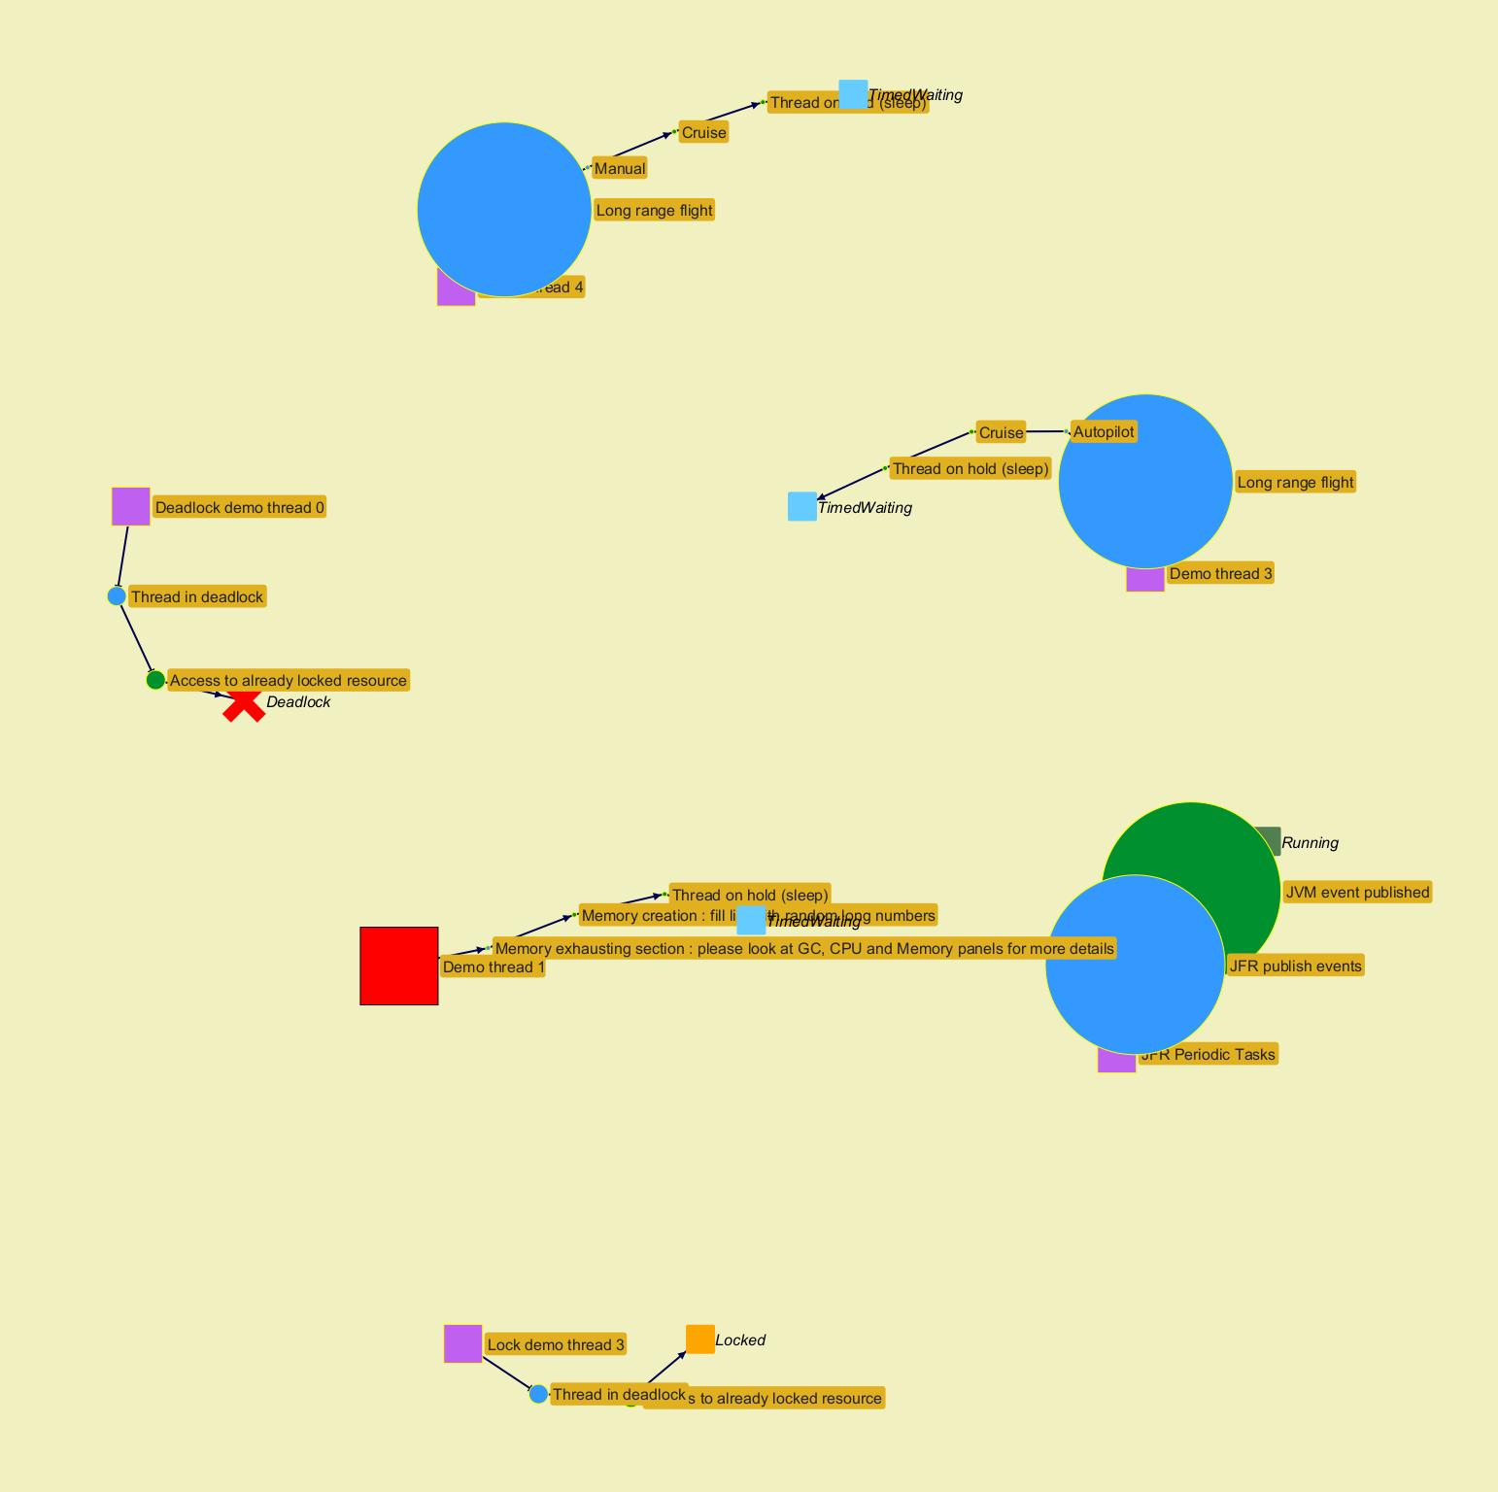
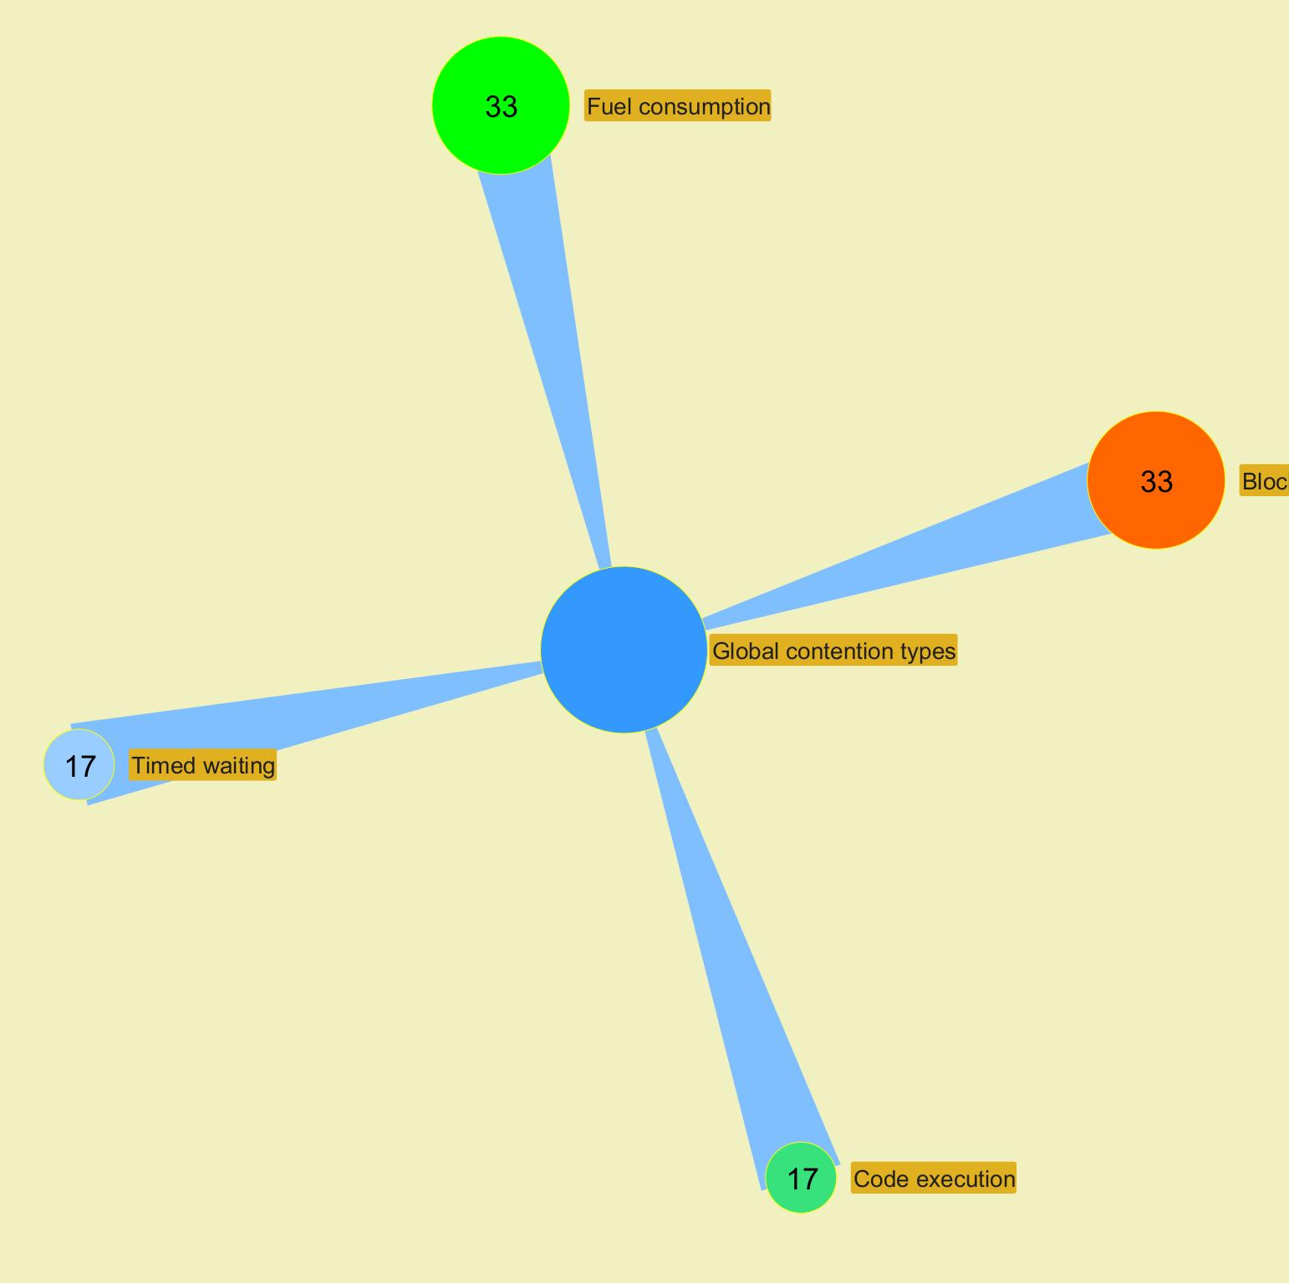

 |  |  |  |  |  |  |  |  |  |  |  |  |  |  |  |  |  |  |  |  |  | ­

 |  |  |  |  |  |  |  |  |  |  |  |  |  |  |  |  |  |  |  |  | ­

Charts
Jeyzer |  |  |  |  |  |  | 27 Dec 2023 | US/Central PROFILE |  |  |  |  | Up 0d 00:00 |  |  |  |  |  |  |  | 27 Dec 2023 | US/Central PROFILE |  |  |  |  | Up 0d 00:01 |  |  |  |  |  |  |  | 27 Dec 2023 | US/Central PROFILE |  |  |  |  | Up 0d 00:02 |  |  |  |  |  |  |  | 27 Dec 2023 | US/Central PROFILE
 | Measurement | Avg | Min | Max | Cumul | Std Dev | 09:41:24 | 09:41:29 | 09:41:35 | 09:41:40 | 09:41:45 | 09:41:50 | 09:41:55 | 09:42:00 | 09:42:05 | 09:42:10 | 09:42:15 | 09:42:20 | 09:42:25 | 09:42:30 | 09:42:35 | 09:42:40 | 09:42:45 | 09:42:50 | 09:42:56 | 09:43:01 | 09:43:06 | 09:43:11 | 09:43:16 | 09:43:21 | 09:43:26 | 09:43:31 | 09:43:36 | 09:43:41 | 09:43:46 | 09:43:51 | 09:43:56 | 09:44:01 | 09:44:06 | 09:44:11 | 09:44:17 | 09:44:22 | 09:44:27 | 09:44:32 | 09:44:37 | 09:44:42 | 09:44:47 | 09:44:52 | 09:44:57 | 09:45:02 | 09:45:07 | 09:45:12 | 09:45:17
 | Recording snapshot capture time d |  |  |  |  |  | NA | NA | NA | NA | NA | NA | NA | NA | NA | NA | NA | NA | NA | NA | NA | NA | NA | NA | NA | NA | NA | NA | NA | NA | NA | NA | NA | NA | NA | NA | NA | NA | NA | NA | NA | NA | NA | NA | NA | NA | NA | NA | NA | NA | NA | NA | NA
 | Thread count b | 28 | 21 | 33 |  | 2 | 21 | 29 | 28 | 28 | 28 | 28 | 28 | 28 | 28 | 28 | 28 | 28 | 28 | 28 | 28 | 28 | 28 | 28 | 28 | 28 | 28 | 28 | 28 | 28 | 28 | 28 | 28 | 28 | 29 | 30 | 31 | 32 | 33 | 30 | 30 | 30 | 30 | 30 | 28 | 28 | 28 | 28 | 28 | 28 | 28 | 28 | 28
 | Locked threads b | 1 | 0 | 4 | 38 | 1 | 0 | 0 | 0 | 0 | 0 | 0 | 0 | 0 | 0 | 0 | 0 | 0 | 0 | 0 | 0 | 0 | 0 | 0 | 0 | 0 | 0 | 0 | 0 | 0 | 0 | 0 | 0 | 0 | 0 | 1 | 2 | 3 | 4 | 2 | 2 | 2 | 2 | 2 | 2 | 2 | 2 | 2 | 2 | 2 | 2 | 2 | 2
 | Frozen threads b | 3 | 1 | 5 | 119 | 1 | 1 | 2 | 2 | 1 | 1 | 1 | 1 | 2 | 2 | 2 | 1 | 1 | 1 | 2 | 3 | 4 | 4 | 2 | 2 | 2 | 2 | 2 | 2 | 2 | 2 | 2 | 2 | 2 | 2 | 3 | 4 | 5 | 5 | 4 | 4 | 4 | 4 | 4 | 3 | 3 | 3 | 3 | 3 | 3 | 3 | 3 | 3
 | Actions b | 4 | 1 | 8 | 205 | 1 | 1 | 4 | 4 | 4 | 4 | 4 | 4 | 4 | 4 | 4 | 4 | 4 | 4 | 4 | 4 | 4 | 4 | 4 | 4 | 4 | 4 | 4 | 4 | 4 | 4 | 4 | 4 | 4 | 4 | 5 | 6 | 7 | 8 | 6 | 6 | 6 | 6 | 6 | 4 | 4 | 4 | 4 | 4 | 4 | 4 | 4 | 4
 |  |  |  |  |  |  | Virtual threads |  |  |  |  |  |  |  |  |  | Virtual threads |  |  |  |  |  |  |  |  |  | Virtual threads |  |  |  |  |  |  |  |  |  | Virtual threads |  |  |  |  |  |  |  |  |  | Virtual threads
 |  |  |  |  |  |  | CPU |  |  |  |  |  |  |  |  |  | CPU |  |  |  |  |  |  |  |  |  | CPU |  |  |  |  |  |  |  |  |  | CPU |  |  |  |  |  |  |  |  |  | CPU
 | CPU System % a | 2.1 | 0.0 | 11.0 |  | 3.0 | NA | 2.0 | 0.0 | 1.0 | 1.0 | 0.0 | 1.0 | 1.0 | 1.0 | 0.0 | 1.0 | 0.0 | 0.0 | 6.0 | 8.0 | 7.0 | 3.0 | 1.0 | 1.0 | 1.0 | 1.0 | 1.0 | 0.0 | 0.0 | 0.0 | 1.0 | 1.0 | 1.0 | 0.0 | 0.0 | 0.0 | 1.0 | 1.0 | 0.0 | 1.0 | 0.0 | 11.0 | 1.0 | 6.0 | 3.0 | 6.0 | 5.0 | 3.0 | 7.0 | 2.0 | 8.0 | 1.0
 | CPU Process % a | 1.3 | 0.0 | 10.0 |  | 2.0 | NA | 0.0 | 0.0 | 0.0 | 0.0 | 0.0 | 0.0 | 0.0 | 0.0 | 0.0 | 1.0 | 0.0 | 0.0 | 5.0 | 8.0 | 3.0 | 0.0 | 0.0 | 0.0 | 0.0 | 0.0 | 0.0 | 0.0 | 0.0 | 0.0 | 0.0 | 0.0 | 0.0 | 0.0 | 0.0 | 0.0 | 0.0 | 0.0 | 0.0 | 0.0 | 0.0 | 10.0 | 1.0 | 5.0 | 3.0 | 4.0 | 4.0 | 2.0 | 6.0 | 1.0 | 7.0 | 1.0
 | CPU Computed Process % a | 3.1 | 0.0 | 52.0 |  | 9.0 | NA | 2.0 | 0.0 | 0.0 | 1.0 | 1.0 | 1.0 | 1.0 | 1.0 | 1.0 | 2.0 | 1.0 | 1.0 | 42.0 | 1.0 | 1.0 | 1.0 | 1.0 | 1.0 | 1.0 | 1.0 | 1.0 | 1.0 | 1.0 | 1.0 | 0.0 | 1.0 | 1.0 | 1.0 | 2.0 | 1.0 | 0.0 | 1.0 | 1.0 | 1.0 | 1.0 | 52.0 | 2.0 | 2.0 | 1.0 | 1.0 | 2.0 | 1.0 | 2.0 | 1.0 | 2.0 | 1.0
 | Applicative CPU Activity % a | 5.6 |  |  |  | 18.0 | NA | 5.0 | 1.0 | 1.0 | 1.0 | 1.0 | 2.0 | 1.0 | 1.0 | 1.0 | 4.0 | 1.0 | 2.0 | 81.0 | 2.0 | 1.0 | 2.0 | 1.0 | 2.0 | 2.0 | 1.0 | 1.0 | 1.0 | 1.0 | 1.0 | 0.0 | 2.0 | 1.0 | 1.0 | 5.0 | 1.0 | 1.0 | 2.0 | 1.0 | 1.0 | 1.0 | 100.0 | 4.0 | 3.0 | 2.0 | 2.0 | 3.0 | 2.0 | 3.0 | 2.0 | 3.0 | 1.0
 |  |  |  |  |  |  | Memory |  |  |  |  |  |  |  |  |  | Memory |  |  |  |  |  |  |  |  |  | Memory |  |  |  |  |  |  |  |  |  | Memory |  |  |  |  |  |  |  |  |  | Memory
 | System memory % g | 36.9 | 35.0 | 38.0 |  | 1.0 | 35.5 | 35.4 | 35.5 | 35.5 | 35.5 | 35.5 | 35.5 | 35.5 | 35.5 | 35.5 | 35.0 | 35.2 | 35.2 | 35.2 | 35.2 | 36.6 | 37.7 | 37.7 | 37.7 | 37.6 | 37.6 | 37.6 | 37.6 | 37.6 | 37.6 | 37.6 | 37.6 | 37.8 | 37.8 | 37.8 | 37.8 | 37.8 | 37.7 | 37.7 | 37.7 | 37.6 | 37.2 | 37.2 | 37.2 | 37.3 | 37.9 | 38.0 | 38.0 | 38.0 | 38.0 | 37.9 | 37.9
 | Process computed memory f | 9 | 0 | 295 | 432 | 46 | NA | 2 | 0 | 0 | 0 | 0 | 0 | 0 | 0 | 0 | 116 | 0 | 0 | 1 | 0 | 0 | 0 | 0 | 0 | 0 | 0 | 0 | 0 | 0 | 1 | 0 | 0 | 0 | 0 | 0 | 0 | 0 | 0 | 0 | 0 | 0 | 295 | 0 | 0 | 0 | 0 | 0 | 0 | 0 | 0 | 0 | 0
 | Applicative Memory Activity % h | 3.1 |  |  |  | 16.0 | NA | 1.0 | 0.0 | 0.0 | 0.0 | 0.0 | 0.0 | 0.0 | 0.0 | 0.0 | 39.0 | 0.0 | 0.0 | 1.0 | 0.0 | 0.0 | 0.0 | 0.0 | 0.0 | 0.0 | 0.0 | 0.0 | 0.0 | 0.0 | 0.0 | 0.0 | 0.0 | 0.0 | 0.0 | 0.0 | 0.0 | 0.0 | 0.0 | 0.0 | 0.0 | 0.0 | 100.0 | 0.0 | 0.0 | 0.0 | 0.0 | 0.0 | 0.0 | 0.0 | 0.0 | 0.0 | 0.0
 | Heap size f | 72 | 0 | 244 |  | 97 | 0 | 0 | 0 | 0 | 0 | 0 | 6 | 6 | 6 | 6 | 125 | 22 | 22 | 22 | 22 | 22 | 22 | 22 | 22 | 22 | 22 | 22 | 22 | 22 | 22 | 22 | 22 | 22 | 22 | 22 | 22 | 22 | 22 | 22 | 22 | 22 | 244 | 244 | 244 | 244 | 244 | 244 | 244 | 244 | 244 | 244 | 244
 | Heap usage % g | 29.0 | 0.0 | 98.5 |  | 39.0 | 0.0 | 0.0 | 0.0 | 0.0 | 0.0 | 0.0 | 3.4 | 3.4 | 3.4 | 3.4 | 49.0 | 8.6 | 8.6 | 8.6 | 8.6 | 8.6 | 8.6 | 8.6 | 8.6 | 8.6 | 8.6 | 8.6 | 8.6 | 8.6 | 8.6 | 8.6 | 8.6 | 8.6 | 8.6 | 8.6 | 8.6 | 8.6 | 8.6 | 8.6 | 8.6 | 8.6 | 98.5 | 98.5 | 98.5 | 98.5 | 98.5 | 98.5 | 98.5 | 98.5 | 98.5 | 98.5 | 98.5
 | Mem used after major GC f | 133 | 22 | 244 |  | 111 | NA | No exec | No exec | No exec | No exec | No exec | No exec | No exec | No exec | No exec | No exec | 22 | 22 | 22 | 22 | 22 | 22 | 22 | 22 | 22 | 22 | 22 | 22 | 22 | 22 | 22 | 22 | 22 | 22 | 22 | 22 | 22 | 22 | 22 | 22 | 22 | 244 | 244 | 244 | 244 | 244 | 244 | 244 | 244 | 244 | 244 | 244
 | Mem released after major GC f | 56 | 7 | 105 |  | 49 | NA | No exec | No exec | No exec | No exec | No exec | No exec | No exec | No exec | No exec | No exec | 105 | No exec | No exec | No exec | No exec | No exec | No exec | No exec | No exec | No exec | No exec | No exec | No exec | No exec | No exec | No exec | No exec | No exec | No exec | No exec | No exec | No exec | No exec | No exec | No exec | 7 | No exec | No exec | No exec | No exec | No exec | No exec | No exec | No exec | No exec | No exec
 | Mem % used after major GC g | 51.9 | 8.4 | 95.4 |  | 43.0 | NA | No exec | No exec | No exec | No exec | No exec | No exec | No exec | No exec | No exec | No exec | 8.4 | 8.4 | 8.4 | 8.4 | 8.4 | 8.4 | 8.4 | 8.4 | 8.4 | 8.4 | 8.4 | 8.4 | 8.4 | 8.4 | 8.4 | 8.4 | 8.4 | 8.4 | 8.4 | 8.4 | 8.4 | 8.4 | 8.4 | 8.4 | 8.4 | 95.4 | 95.4 | 95.4 | 95.4 | 95.4 | 95.4 | 95.4 | 95.4 | 95.4 | 95.4 | 95.4
 | Mem % released after major GC g | 22.0 | 2.9 | 41.2 |  | 19.0 | NA | No exec | No exec | No exec | No exec | No exec | No exec | No exec | No exec | No exec | No exec | 41.2 | No exec | No exec | No exec | No exec | No exec | No exec | No exec | No exec | No exec | No exec | No exec | No exec | No exec | No exec | No exec | No exec | No exec | No exec | No exec | No exec | No exec | No exec | No exec | No exec | 2.9 | No exec | No exec | No exec | No exec | No exec | No exec | No exec | No exec | No exec | No exec
 | Native thread memory f | 57 | 42 | 66 |  | 3 | 42 | 58 | 56 | 56 | 56 | 56 | 56 | 56 | 56 | 56 | 56 | 56 | 56 | 56 | 56 | 56 | 56 | 56 | 56 | 56 | 56 | 56 | 56 | 56 | 56 | 56 | 56 | 56 | 58 | 60 | 62 | 64 | 66 | 60 | 60 | 60 | 60 | 60 | 56 | 56 | 56 | 56 | 56 | 56 | 56 | 56 | 56
 |  |  |  |  |  |  | GC time |  |  |  |  |  |  |  |  |  | GC time |  |  |  |  |  |  |  |  |  | GC time |  |  |  |  |  |  |  |  |  | GC time |  |  |  |  |  |  |  |  |  | GC time
 | GC execution time d | 24 | 0 | 1,060 | 1,123 | 155 | NA | 0 | 0 | 0 | 0 | 0 | 4 | 0 | 0 | 0 | 48 | 11 | 0 | 0 | 0 | 0 | 0 | 0 | 0 | 0 | 0 | 0 | 0 | 0 | 0 | 0 | 0 | 0 | 0 | 0 | 0 | 0 | 0 | 0 | 0 | 0 | 1,060 | 0 | 0 | 0 | 0 | 0 | 0 | 0 | 0 | 0 | 0
 | GC execution time % e | 0.5 | 0.0 | 21.0 |  | 3.0 | NA | 0.0 | 0.0 | 0.0 | 0.0 | 0.0 | 0.1 | 0.0 | 0.0 | 0.0 | 0.9 | 0.2 | 0.0 | 0.0 | 0.0 | 0.0 | 0.0 | 0.0 | 0.0 | 0.0 | 0.0 | 0.0 | 0.0 | 0.0 | 0.0 | 0.0 | 0.0 | 0.0 | 0.0 | 0.0 | 0.0 | 0.0 | 0.0 | 0.0 | 0.0 | 0.0 | 21.0 | 0.0 | 0.0 | 0.0 | 0.0 | 0.0 | 0.0 | 0.0 | 0.0 | 0.0 | 0.0

 |  |  |  |  | ­ | a CPU

 |  |  |  |  | ­ | b Threads

 |  |  |  |  | ­ | d Time

 |  |  |  |  | ­ | e GC

 |  |  |  |  | ­ | f Memory

 |  |  |  |  | ­ | g Memory %

 |  |  |  |  | ­ | h Memory activity

Memory GC Global
Jeyzer |  | 27 Dec 2023 | US/Central PROFILE |  |  |  |  | Up 0d 00:00 |  |  |  |  |  |  |  | 27 Dec 2023 | US/Central PROFILE |  |  |  |  | Up 0d 00:01 |  |  |  |  |  |  |  | 27 Dec 2023 | US/Central PROFILE |  |  |  |  | Up 0d 00:02 |  |  |  |  |  |  |  | 27 Dec 2023 | US/Central PROFILE
 | Measurement | 09:41:24 | 09:41:29 | 09:41:35 | 09:41:40 | 09:41:45 | 09:41:50 | 09:41:55 | 09:42:00 | 09:42:05 | 09:42:10 | 09:42:15 | 09:42:20 | 09:42:25 | 09:42:30 | 09:42:35 | 09:42:40 | 09:42:45 | 09:42:50 | 09:42:56 | 09:43:01 | 09:43:06 | 09:43:11 | 09:43:16 | 09:43:21 | 09:43:26 | 09:43:31 | 09:43:36 | 09:43:41 | 09:43:46 | 09:43:51 | 09:43:56 | 09:44:01 | 09:44:06 | 09:44:11 | 09:44:17 | 09:44:22 | 09:44:27 | 09:44:32 | 09:44:37 | 09:44:42 | 09:44:47 | 09:44:52 | 09:44:57 | 09:45:02 | 09:45:07 | 09:45:12 | 09:45:17
 | Executed garbage collector(s) | NA | None | None | None | None | None | G1 Young Generation | None | None | None | G1 Young Generation | G1 Old Generation | None | None | None | None | None | None | None | None | None | None | None | None | None | None | None | None | None | None | None | None | None | None | None | None | G1 Young Generation G1 Old Generation | None | None | None | None | None | None | None | None | None | None
 | Health Indication a | NA | NA | NA | NA | NA | NA | 2.82 | 2.00 | 2.00 | 2.00 | 49.01 | 8.83 | 8.00 | 8.00 | 8.00 | 8.00 | 8.00 | 8.00 | 8.00 | 8.00 | 8.00 | 8.00 | 8.00 | 8.00 | 8.00 | 8.00 | 8.00 | 8.00 | 8.00 | 8.00 | 8.00 | 8.00 | 8.00 | 8.00 | 8.00 | 8.00 | 95.03 | 95.00 | 95.00 | 95.00 | 95.00 | 95.00 | 95.00 | 95.00 | 95.00 | 95.00 | 95.00
 |  | Execution count |  |  |  |  |  |  |  |  |  | Execution count |  |  |  |  |  |  |  |  |  | Execution count |  |  |  |  |  |  |  |  |  | Execution count |  |  |  |  |  |  |  |  |  | Execution count
 | Major GC count | NA | 0 | 0 | 0 | 0 | 0 | 0 | 0 | 0 | 0 | 0 | 1 | 0 | 0 | 0 | 0 | 0 | 0 | 0 | 0 | 0 | 0 | 0 | 0 | 0 | 0 | 0 | 0 | 0 | 0 | 0 | 0 | 0 | 0 | 0 | 0 | 7 | 0 | 0 | 0 | 0 | 0 | 0 | 0 | 0 | 0 | 0
 | Minor GC count | NA | 0 | 0 | 0 | 0 | 0 | 1 | 0 | 0 | 0 | 1 | 0 | 0 | 0 | 0 | 0 | 0 | 0 | 0 | 0 | 0 | 0 | 0 | 0 | 0 | 0 | 0 | 0 | 0 | 0 | 0 | 0 | 0 | 0 | 0 | 0 | 17 | 0 | 0 | 0 | 0 | 0 | 0 | 0 | 0 | 0 | 0
 |  | Execution time Global |  |  |  |  |  |  |  |  |  | Execution time Global |  |  |  |  |  |  |  |  |  | Execution time Global |  |  |  |  |  |  |  |  |  | Execution time Global |  |  |  |  |  |  |  |  |  | Execution time Global
 | GC execution time d | NA | 0 | 0 | 0 | 0 | 0 | 4 | 0 | 0 | 0 | 48 | 11 | 0 | 0 | 0 | 0 | 0 | 0 | 0 | 0 | 0 | 0 | 0 | 0 | 0 | 0 | 0 | 0 | 0 | 0 | 0 | 0 | 0 | 0 | 0 | 0 | 1,060 | 0 | 0 | 0 | 0 | 0 | 0 | 0 | 0 | 0 | 0
 | GC execution time % e | NA | 0.0 | 0.0 | 0.0 | 0.0 | 0.0 | 0.1 | 0.0 | 0.0 | 0.0 | 0.9 | 0.2 | 0.0 | 0.0 | 0.0 | 0.0 | 0.0 | 0.0 | 0.0 | 0.0 | 0.0 | 0.0 | 0.0 | 0.0 | 0.0 | 0.0 | 0.0 | 0.0 | 0.0 | 0.0 | 0.0 | 0.0 | 0.0 | 0.0 | 0.0 | 0.0 | 21.0 | 0.0 | 0.0 | 0.0 | 0.0 | 0.0 | 0.0 | 0.0 | 0.0 | 0.0 | 0.0
 |  | Memory used After last GC |  |  |  |  |  |  |  |  |  | Memory used After last GC |  |  |  |  |  |  |  |  |  | Memory used After last GC |  |  |  |  |  |  |  |  |  | Memory used After last GC |  |  |  |  |  |  |  |  |  | Memory used After last GC
 | Used memory b | NA | NA | NA | NA | NA | NA | 6 | 6 | 6 | 6 | 125 | 22 | 22 | 22 | 22 | 22 | 22 | 22 | 22 | 22 | 22 | 22 | 22 | 22 | 22 | 22 | 22 | 22 | 22 | 22 | 22 | 22 | 22 | 22 | 22 | 22 | 244 | 244 | 244 | 244 | 244 | 244 | 244 | 244 | 244 | 244 | 244
 | Used memory % e | NA | NA | NA | NA | NA | NA | 2.4 | 2.4 | 2.4 | 2.4 | 48.8 | 8.4 | 8.4 | 8.4 | 8.4 | 8.4 | 8.4 | 8.4 | 8.4 | 8.4 | 8.4 | 8.4 | 8.4 | 8.4 | 8.4 | 8.4 | 8.4 | 8.4 | 8.4 | 8.4 | 8.4 | 8.4 | 8.4 | 8.4 | 8.4 | 8.4 | 95.4 | 95.4 | 95.4 | 95.4 | 95.4 | 95.4 | 95.4 | 95.4 | 95.4 | 95.4 | 95.4
 |  | Memory released After last GC |  |  |  |  |  |  |  |  |  | Memory released After last GC |  |  |  |  |  |  |  |  |  | Memory released After last GC |  |  |  |  |  |  |  |  |  | Memory released After last GC |  |  |  |  |  |  |  |  |  | Memory released After last GC
 | Released memory b | NA | NA | NA | NA | NA | NA | 28 | No exec | No exec | No exec | 1 | 105 | No exec | No exec | No exec | No exec | No exec | No exec | No exec | No exec | No exec | No exec | No exec | No exec | No exec | No exec | No exec | No exec | No exec | No exec | No exec | No exec | No exec | No exec | No exec | No exec | 7 | No exec | No exec | No exec | No exec | No exec | No exec | No exec | No exec | No exec | No exec
 | Released memory % e | NA | NA | NA | NA | NA | NA | 11.0 | No exec | No exec | No exec | 0.5 | 41.2 | No exec | No exec | No exec | No exec | No exec | No exec | No exec | No exec | No exec | No exec | No exec | No exec | No exec | No exec | No exec | No exec | No exec | No exec | No exec | No exec | No exec | No exec | No exec | No exec | 2.9 | No exec | No exec | No exec | No exec | No exec | No exec | No exec | No exec | No exec | No exec
 |  | Memory used Before last GC |  |  |  |  |  |  |  |  |  | Memory used Before last GC |  |  |  |  |  |  |  |  |  | Memory used Before last GC |  |  |  |  |  |  |  |  |  | Memory used Before last GC |  |  |  |  |  |  |  |  |  | Memory used Before last GC
 | Used memory before b | NA | NA | NA | NA | NA | NA | 34 | 34 | 34 | 34 | 126 | 127 | 127 | 127 | 127 | 127 | 127 | 127 | 127 | 127 | 127 | 127 | 127 | 127 | 127 | 127 | 127 | 127 | 127 | 127 | 127 | 127 | 127 | 127 | 127 | 127 | 252 | 252 | 252 | 252 | 252 | 252 | 252 | 252 | 252 | 252 | 252
 | Used memory before % | NA | NA | NA | NA | NA | NA | 13.4 | 13.4 | 13.4 | 13.4 | 49.3 | 49.6 | 49.6 | 49.6 | 49.6 | 49.6 | 49.6 | 49.6 | 49.6 | 49.6 | 49.6 | 49.6 | 49.6 | 49.6 | 49.6 | 49.6 | 49.6 | 49.6 | 49.6 | 49.6 | 49.6 | 49.6 | 49.6 | 49.6 | 49.6 | 49.6 | 98.3 | 98.3 | 98.3 | 98.3 | 98.3 | 98.3 | 98.3 | 98.3 | 98.3 | 98.3 | 98.3
 |  | Memory pools Max size |  |  |  |  |  |  |  |  |  | Memory pools Max size |  |  |  |  |  |  |  |  |  | Memory pools Max size |  |  |  |  |  |  |  |  |  | Memory pools Max size |  |  |  |  |  |  |  |  |  | Memory pools Max size
 | Total max size b | NA | NA | NA | NA | NA | NA | 256 | 256 | 256 | 256 | 256 | 256 | 256 | 256 | 256 | 256 | 256 | 256 | 256 | 256 | 256 | 256 | 256 | 256 | 256 | 256 | 256 | 256 | 256 | 256 | 256 | 256 | 256 | 256 | 256 | 256 | 256 | 256 | 256 | 256 | 256 | 256 | 256 | 256 | 256 | 256 | 256
 | Old pool - max size | NA | NA | NA | NA | NA | NA | 182 | 182 | 182 | 182 | 255 | 250 | 250 | 250 | 250 | 250 | 250 | 250 | 250 | 250 | 250 | 250 | 250 | 250 | 250 | 250 | 250 | 250 | 250 | 250 | 250 | 250 | 250 | 250 | 250 | 250 | 248 | 248 | 248 | 248 | 248 | 248 | 248 | 248 | 248 | 248 | 248
 | Young pool max size | NA | NA | NA | NA | NA | NA | 74 | 74 | 74 | 74 | 1 | 6 | 6 | 6 | 6 | 6 | 6 | 6 | 6 | 6 | 6 | 6 | 6 | 6 | 6 | 6 | 6 | 6 | 6 | 6 | 6 | 6 | 6 | 6 | 6 | 6 | 8 | 8 | 8 | 8 | 8 | 8 | 8 | 8 | 8 | 8 | 8

­ | a GC health

­ | b GC memory used vs released

­ | d GC time

­ | e GC time and memory %

Memory GC Old
Jeyzer |  | 27 Dec 2023 | US/Central PROFILE |  |  |  |  | Up 0d 00:00 |  |  |  |  |  |  |  | 27 Dec 2023 | US/Central PROFILE |  |  |  |  | Up 0d 00:01 |  |  |  |  |  |  |  | 27 Dec 2023 | US/Central PROFILE |  |  |  |  | Up 0d 00:02 |  |  |  |  |  |  |  | 27 Dec 2023 | US/Central PROFILE
 | Measurement | 09:41:24 | 09:41:29 | 09:41:35 | 09:41:40 | 09:41:45 | 09:41:50 | 09:41:55 | 09:42:00 | 09:42:05 | 09:42:10 | 09:42:15 | 09:42:20 | 09:42:25 | 09:42:30 | 09:42:35 | 09:42:40 | 09:42:45 | 09:42:50 | 09:42:56 | 09:43:01 | 09:43:06 | 09:43:11 | 09:43:16 | 09:43:21 | 09:43:26 | 09:43:31 | 09:43:36 | 09:43:41 | 09:43:46 | 09:43:51 | 09:43:56 | 09:44:01 | 09:44:06 | 09:44:11 | 09:44:17 | 09:44:22 | 09:44:27 | 09:44:32 | 09:44:37 | 09:44:42 | 09:44:47 | 09:44:52 | 09:44:57 | 09:45:02 | 09:45:07 | 09:45:12 | 09:45:17
 | Executed garbage collector(s) | NA | None | None | None | None | None | G1 Young Generation | None | None | None | G1 Young Generation | G1 Old Generation | None | None | None | None | None | None | None | None | None | None | None | None | None | None | None | None | None | None | None | None | None | None | None | None | G1 Young Generation G1 Old Generation | None | None | None | None | None | None | None | None | None | None
 | Health Indication - Old GC Old gen a | NA | 0.00 | 0.00 | 0.00 | 0.00 | 0.00 | 0.00 | 0.00 | 0.00 | 0.00 | 0.00 | 9.83 | 9.00 | 9.00 | 9.00 | 9.00 | 9.00 | 9.00 | 9.00 | 9.00 | 9.00 | 9.00 | 9.00 | 9.00 | 9.00 | 9.00 | 9.00 | 9.00 | 9.00 | 9.00 | 9.00 | 9.00 | 9.00 | 9.00 | 9.00 | 9.00 | 99.03 | 99.00 | 99.00 | 99.00 | 99.00 | 99.00 | 99.00 | 99.00 | 99.00 | 99.00 | 99.00
 |  | Execution count |  |  |  |  |  |  |  |  |  | Execution count |  |  |  |  |  |  |  |  |  | Execution count |  |  |  |  |  |  |  |  |  | Execution count |  |  |  |  |  |  |  |  |  | Execution count
 | Major GC count | NA | 0 | 0 | 0 | 0 | 0 | 0 | 0 | 0 | 0 | 0 | 1 | 0 | 0 | 0 | 0 | 0 | 0 | 0 | 0 | 0 | 0 | 0 | 0 | 0 | 0 | 0 | 0 | 0 | 0 | 0 | 0 | 0 | 0 | 0 | 0 | 7 | 0 | 0 | 0 | 0 | 0 | 0 | 0 | 0 | 0 | 0
 |  | Execution time |  |  |  |  |  |  |  |  |  | Execution time |  |  |  |  |  |  |  |  |  | Execution time |  |  |  |  |  |  |  |  |  | Execution time |  |  |  |  |  |  |  |  |  | Execution time
 | Major GC execution time d | NA | 0 | 0 | 0 | 0 | 0 | 0 | 0 | 0 | 0 | 0 | 11 | 0 | 0 | 0 | 0 | 0 | 0 | 0 | 0 | 0 | 0 | 0 | 0 | 0 | 0 | 0 | 0 | 0 | 0 | 0 | 0 | 0 | 0 | 0 | 0 | 936 | 0 | 0 | 0 | 0 | 0 | 0 | 0 | 0 | 0 | 0
 | Major GC execution time % e | NA | 0.0 | 0.0 | 0.0 | 0.0 | 0.0 | 0.0 | 0.0 | 0.0 | 0.0 | 0.0 | 0.2 | 0.0 | 0.0 | 0.0 | 0.0 | 0.0 | 0.0 | 0.0 | 0.0 | 0.0 | 0.0 | 0.0 | 0.0 | 0.0 | 0.0 | 0.0 | 0.0 | 0.0 | 0.0 | 0.0 | 0.0 | 0.0 | 0.0 | 0.0 | 0.0 | 18.5 | 0.0 | 0.0 | 0.0 | 0.0 | 0.0 | 0.0 | 0.0 | 0.0 | 0.0 | 0.0
 |  | Memory used Post major GC |  |  |  |  |  |  |  |  |  | Memory used Post major GC |  |  |  |  |  |  |  |  |  | Memory used Post major GC |  |  |  |  |  |  |  |  |  | Memory used Post major GC |  |  |  |  |  |  |  |  |  | Memory used Post major GC
 | Major GC - Old pool used b | NA | No exec | No exec | No exec | No exec | No exec | No exec | No exec | No exec | No exec | No exec | 22 | 22 | 22 | 22 | 22 | 22 | 22 | 22 | 22 | 22 | 22 | 22 | 22 | 22 | 22 | 22 | 22 | 22 | 22 | 22 | 22 | 22 | 22 | 22 | 22 | 244 | 244 | 244 | 244 | 244 | 244 | 244 | 244 | 244 | 244 | 244
 | Major GC - Old pool used % e | NA | No exec | No exec | No exec | No exec | No exec | No exec | No exec | No exec | No exec | No exec | 8.6 | 8.6 | 8.6 | 8.6 | 8.6 | 8.6 | 8.6 | 8.6 | 8.6 | 8.6 | 8.6 | 8.6 | 8.6 | 8.6 | 8.6 | 8.6 | 8.6 | 8.6 | 8.6 | 8.6 | 8.6 | 8.6 | 8.6 | 8.6 | 8.6 | 98.5 | 98.5 | 98.5 | 98.5 | 98.5 | 98.5 | 98.5 | 98.5 | 98.5 | 98.5 | 98.5
 |  | Memory released Post major GC |  |  |  |  |  |  |  |  |  | Memory released Post major GC |  |  |  |  |  |  |  |  |  | Memory released Post major GC |  |  |  |  |  |  |  |  |  | Memory released Post major GC |  |  |  |  |  |  |  |  |  | Memory released Post major GC
 | Major GC - Old pool released b | NA | No exec | No exec | No exec | No exec | No exec | No exec | No exec | No exec | No exec | No exec | 103 | No exec | No exec | No exec | No exec | No exec | No exec | No exec | No exec | No exec | No exec | No exec | No exec | No exec | No exec | No exec | No exec | No exec | No exec | No exec | No exec | No exec | No exec | No exec | No exec | 7 | No exec | No exec | No exec | No exec | No exec | No exec | No exec | No exec | No exec | No exec
 | Major GC - Old pool released % e | NA | No exec | No exec | No exec | No exec | No exec | No exec | No exec | No exec | No exec | No exec | 41.4 | No exec | No exec | No exec | No exec | No exec | No exec | No exec | No exec | No exec | No exec | No exec | No exec | No exec | No exec | No exec | No exec | No exec | No exec | No exec | No exec | No exec | No exec | No exec | No exec | 3.0 | No exec | No exec | No exec | No exec | No exec | No exec | No exec | No exec | No exec | No exec
 |  | Memory used Before major GC |  |  |  |  |  |  |  |  |  | Memory used Before major GC |  |  |  |  |  |  |  |  |  | Memory used Before major GC |  |  |  |  |  |  |  |  |  | Memory used Before major GC |  |  |  |  |  |  |  |  |  | Memory used Before major GC
 | Major GC - Old pool used before b | NA | No exec | No exec | No exec | No exec | No exec | No exec | No exec | No exec | No exec | No exec | 125 | 125 | 125 | 125 | 125 | 125 | 125 | 125 | 125 | 125 | 125 | 125 | 125 | 125 | 125 | 125 | 125 | 125 | 125 | 125 | 125 | 125 | 125 | 125 | 125 | 252 | 252 | 252 | 252 | 252 | 252 | 252 | 252 | 252 | 252 | 252
 | Major GC - Old pool used before % | NA | No exec | No exec | No exec | No exec | No exec | No exec | No exec | No exec | No exec | No exec | 50.0 | 50.0 | 50.0 | 50.0 | 50.0 | 50.0 | 50.0 | 50.0 | 50.0 | 50.0 | 50.0 | 50.0 | 50.0 | 50.0 | 50.0 | 50.0 | 50.0 | 50.0 | 50.0 | 50.0 | 50.0 | 50.0 | 50.0 | 50.0 | 50.0 | 101.5 | 101.5 | 101.5 | 101.5 | 101.5 | 101.5 | 101.5 | 101.5 | 101.5 | 101.5 | 101.5
 |  | Memory pool Max size |  |  |  |  |  |  |  |  |  | Memory pool Max size |  |  |  |  |  |  |  |  |  | Memory pool Max size |  |  |  |  |  |  |  |  |  | Memory pool Max size |  |  |  |  |  |  |  |  |  | Memory pool Max size
 | Old pool - max size | NA | NA | NA | NA | NA | NA | 182 | 182 | 182 | 182 | 255 | 250 | 250 | 250 | 250 | 250 | 250 | 250 | 250 | 250 | 250 | 250 | 250 | 250 | 250 | 250 | 250 | 250 | 250 | 250 | 250 | 250 | 250 | 250 | 250 | 250 | 248 | 248 | 248 | 248 | 248 | 248 | 248 | 248 | 248 | 248 | 248

­ | a GC old health

­ | b GC old memory used vs released

­ | d GC old time

­ | e GC old time and memory %

Memory
Jeyzer | Legend |  | 27 Dec 2023 | US/Central PROFILE |  |  |  |  | Up 0d 00:00 |  |  |  |  |  |  |  | 27 Dec 2023 | US/Central PROFILE |  |  |  |  | Up 0d 00:01 |  |  |  |  |  |  |  | 27 Dec 2023 | US/Central PROFILE |  |  |  |  | Up 0d 00:02 |  |  |  |  |  |  |  | 27 Dec 2023 | US/Central PROFILE
T id | Thread name | Max --/-- Mem | 09:41:24 | 09:41:29 | 09:41:35 | 09:41:40 | 09:41:45 | 09:41:50 | 09:41:55 | 09:42:00 | 09:42:05 | 09:42:10 | 09:42:15 | 09:42:20 | 09:42:25 | 09:42:30 | 09:42:35 | 09:42:40 | 09:42:45 | 09:42:50 | 09:42:56 | 09:43:01 | 09:43:06 | 09:43:11 | 09:43:16 | 09:43:21 | 09:43:26 | 09:43:31 | 09:43:36 | 09:43:41 | 09:43:46 | 09:43:51 | 09:43:56 | 09:44:01 | 09:44:06 | 09:44:11 | 09:44:17 | 09:44:22 | 09:44:27 | 09:44:32 | 09:44:37 | 09:44:42 | 09:44:47 | 09:44:52 | 09:44:57 | 09:45:02 | 09:45:07 | 09:45:12 | 09:45:17
 | System memory | 12,363 | 11,547 | 11,514 | 11,525 | 11,526 | 11,524 | 11,524 | 11,525 | 11,528 | 11,525 | 11,539 | 11,388 | 11,436 | 11,437 | 11,439 | 11,439 | 11,911 | 12,266 | 12,265 | 12,266 | 12,228 | 12,220 | 12,218 | 12,217 | 12,215 | 12,214 | 12,211 | 12,211 | 12,283 | 12,293 | 12,292 | 12,288 | 12,285 | 12,247 | 12,247 | 12,248 | 12,224 | 12,083 | 12,083 | 12,084 | 12,126 | 12,325 | 12,352 | 12,363 | 12,361 | 12,362 | 12,323 | 12,319
 | System memory % | 38.0 | 35.5 | 35.4 | 35.5 | 35.5 | 35.5 | 35.5 | 35.5 | 35.5 | 35.5 | 35.5 | 35.0 | 35.2 | 35.2 | 35.2 | 35.2 | 36.6 | 37.7 | 37.7 | 37.7 | 37.6 | 37.6 | 37.6 | 37.6 | 37.6 | 37.6 | 37.6 | 37.6 | 37.8 | 37.8 | 37.8 | 37.8 | 37.8 | 37.7 | 37.7 | 37.7 | 37.6 | 37.2 | 37.2 | 37.2 | 37.3 | 37.9 | 38.0 | 38.0 | 38.0 | 38.0 | 37.9 | 37.9
 |  |  | Process |  |  |  |  |  |  |  |  |  | Process |  |  |  |  |  |  |  |  |  | Process |  |  |  |  |  |  |  |  |  | Process |  |  |  |  |  |  |  |  |  | Process
 | Process computed memory | 295 | NA | 2 | 0 | 0 | 0 | 0 | 0 | 0 | 0 | 0 | 116 | 0 | 0 | 1 | 0 | 0 | 0 | 0 | 0 | 0 | 0 | 0 | 0 | 0 | 1 | 0 | 0 | 0 | 0 | 0 | 0 | 0 | 0 | 0 | 0 | 0 | 295 | 0 | 0 | 0 | 0 | 0 | 0 | 0 | 0 | 0 | 0
 | Applicative Memory Activity % |  | NA | 1.0 | 0.0 | 0.0 | 0.0 | 0.0 | 0.0 | 0.0 | 0.0 | 0.0 | 39.0 | 0.0 | 0.0 | 1.0 | 0.0 | 0.0 | 0.0 | 0.0 | 0.0 | 0.0 | 0.0 | 0.0 | 0.0 | 0.0 | 0.0 | 0.0 | 0.0 | 0.0 | 0.0 | 0.0 | 0.0 | 0.0 | 0.0 | 0.0 | 0.0 | 0.0 | 100.0 | 0.0 | 0.0 | 0.0 | 0.0 | 0.0 | 0.0 | 0.0 | 0.0 | 0.0 | 0.0
 |  |  | Heap |  |  |  |  |  |  |  |  |  | Heap |  |  |  |  |  |  |  |  |  | Heap |  |  |  |  |  |  |  |  |  | Heap |  |  |  |  |  |  |  |  |  | Heap
 | VM heap used e | 244 | 0 | 0 | 0 | 0 | 0 | 0 | 6 | 6 | 6 | 6 | 125 | 22 | 22 | 22 | 22 | 22 | 22 | 22 | 22 | 22 | 22 | 22 | 22 | 22 | 22 | 22 | 22 | 22 | 22 | 22 | 22 | 22 | 22 | 22 | 22 | 22 | 244 | 244 | 244 | 244 | 244 | 244 | 244 | 244 | 244 | 244 | 244
 | VM heap max | 256 | 0 | 0 | 0 | 0 | 0 | 0 | 256 | 256 | 256 | 256 | 256 | 256 | 256 | 256 | 256 | 256 | 256 | 256 | 256 | 256 | 256 | 256 | 256 | 256 | 256 | 256 | 256 | 256 | 256 | 256 | 256 | 256 | 256 | 256 | 256 | 256 | 256 | 256 | 256 | 256 | 256 | 256 | 256 | 256 | 256 | 256 | 256
 | Heap size | 244 | 0 | 0 | 0 | 0 | 0 | 0 | 6 | 6 | 6 | 6 | 125 | 22 | 22 | 22 | 22 | 22 | 22 | 22 | 22 | 22 | 22 | 22 | 22 | 22 | 22 | 22 | 22 | 22 | 22 | 22 | 22 | 22 | 22 | 22 | 22 | 22 | 244 | 244 | 244 | 244 | 244 | 244 | 244 | 244 | 244 | 244 | 244
 | Heap usage % d | 98.5 | 0.0 | 0.0 | 0.0 | 0.0 | 0.0 | 0.0 | 3.4 | 3.4 | 3.4 | 3.4 | 49.0 | 8.6 | 8.6 | 8.6 | 8.6 | 8.6 | 8.6 | 8.6 | 8.6 | 8.6 | 8.6 | 8.6 | 8.6 | 8.6 | 8.6 | 8.6 | 8.6 | 8.6 | 8.6 | 8.6 | 8.6 | 8.6 | 8.6 | 8.6 | 8.6 | 8.6 | 98.5 | 98.5 | 98.5 | 98.5 | 98.5 | 98.5 | 98.5 | 98.5 | 98.5 | 98.5 | 98.5
 |  |  | Young gen |  |  |  |  |  |  |  |  |  | Young gen |  |  |  |  |  |  |  |  |  | Young gen |  |  |  |  |  |  |  |  |  | Young gen |  |  |  |  |  |  |  |  |  | Young gen
 | Eden used b | 0 | 0 | 0 | 0 | 0 | 0 | 0 | 0 | 0 | 0 | 0 | 0 | 0 | 0 | 0 | 0 | 0 | 0 | 0 | 0 | 0 | 0 | 0 | 0 | 0 | 0 | 0 | 0 | 0 | 0 | 0 | 0 | 0 | 0 | 0 | 0 | 0 | 0 | 0 | 0 | 0 | 0 | 0 | 0 | 0 | 0 | 0 | 0
 |  |  | Old gen |  |  |  |  |  |  |  |  |  | Old gen |  |  |  |  |  |  |  |  |  | Old gen |  |  |  |  |  |  |  |  |  | Old gen |  |  |  |  |  |  |  |  |  | Old gen
 | Old Gen used a b | 244 | 0 | 0 | 0 | 0 | 0 | 0 | 6 | 6 | 6 | 6 | 125 | 22 | 22 | 22 | 22 | 22 | 22 | 22 | 22 | 22 | 22 | 22 | 22 | 22 | 22 | 22 | 22 | 22 | 22 | 22 | 22 | 22 | 22 | 22 | 22 | 22 | 244 | 244 | 244 | 244 | 244 | 244 | 244 | 244 | 244 | 244 | 244
 | Old Gen Usage % d | 98.5 | NA | NA | NA | NA | NA | NA | 3.4 | 3.4 | 3.4 | 3.4 | 49.0 | 8.6 | 8.6 | 8.6 | 8.6 | 8.6 | 8.6 | 8.6 | 8.6 | 8.6 | 8.6 | 8.6 | 8.6 | 8.6 | 8.6 | 8.6 | 8.6 | 8.6 | 8.6 | 8.6 | 8.6 | 8.6 | 8.6 | 8.6 | 8.6 | 8.6 | 98.5 | 98.5 | 98.5 | 98.5 | 98.5 | 98.5 | 98.5 | 98.5 | 98.5 | 98.5 | 98.5
 | Old Gen committed a | 256 | 0 | 0 | 0 | 0 | 0 | 0 | 128 | 128 | 128 | 128 | 198 | 128 | 128 | 128 | 128 | 128 | 128 | 128 | 128 | 128 | 128 | 128 | 128 | 128 | 128 | 128 | 128 | 128 | 128 | 128 | 128 | 128 | 128 | 128 | 128 | 128 | 256 | 256 | 256 | 256 | 256 | 256 | 256 | 256 | 256 | 256 | 256
 | Old Gen max a | 255 | 0 | 0 | 0 | 0 | 0 | 0 | 182 | 182 | 182 | 182 | 255 | 250 | 250 | 250 | 250 | 250 | 250 | 250 | 250 | 250 | 250 | 250 | 250 | 250 | 250 | 250 | 250 | 250 | 250 | 250 | 250 | 250 | 250 | 250 | 250 | 250 | 248 | 248 | 248 | 248 | 248 | 248 | 248 | 248 | 248 | 248 | 248
 | Old Gen Peak | 256 | 0 | 0 | 0 | 0 | 0 | 0 | 34 | 34 | 34 | 34 | 126 | 127 | 127 | 127 | 127 | 127 | 127 | 127 | 127 | 127 | 127 | 127 | 127 | 127 | 127 | 127 | 127 | 127 | 127 | 127 | 127 | 127 | 127 | 127 | 127 | 127 | 256 | 256 | 256 | 256 | 256 | 256 | 256 | 256 | 256 | 256 | 256
 | Old Gen after collection a | 244 | 0 | 0 | 0 | 0 | 0 | 0 | 6 | 6 | 6 | 6 | 125 | 22 | 22 | 22 | 22 | 22 | 22 | 22 | 22 | 22 | 22 | 22 | 22 | 22 | 22 | 22 | 22 | 22 | 22 | 22 | 22 | 22 | 22 | 22 | 22 | 22 | 244 | 244 | 244 | 244 | 244 | 244 | 244 | 244 | 244 | 244 | 244
2020074322816 | JFR Periodic Tasks | 0 Mb | JFR publish events / JVM event published / NA / 0% | JFR publish events / JVM event published / 0 Mb / 0% | JFR publish events / JVM event published / 0 Mb / 0% | JFR publish events / JVM event published / 0 Mb / 0% | JFR publish events / JVM event published / 0 Mb / 0% | JFR publish events / JVM event published / 0 Mb / 0% | JFR publish events / JVM event published / 0 Mb / 0% | JFR publish events / JVM event published / 0 Mb / 0% | JFR publish events / JVM event published / 0 Mb / 0% | JFR publish events / JVM event published / 0 Mb / 0% | JFR publish events / JVM event published / 0 Mb / 0% | JFR publish events / JVM event published / 0 Mb / 0% | JFR publish events / JVM event published / 0 Mb / 0% | JFR publish events / JVM event published / 0 Mb / 0% | JFR publish events / JVM event published / 0 Mb / 0% | JFR publish events / JVM event published / 0 Mb / 0% | JFR publish events / JVM event published / 0 Mb / 0% | JFR publish events / JVM event published / 0 Mb / 0% | JFR publish events / JVM event published / 0 Mb / 0% | JFR publish events / JVM event published / 0 Mb / 0% | JFR publish events / JVM event published / 0 Mb / 0% | JFR publish events / JVM event published / 0 Mb / 0% | JFR publish events / JVM event published / 0 Mb / 0% | JFR publish events / JVM event published / 0 Mb / 0% | JFR publish events / JVM event published / 0 Mb / 0% | JFR publish events / JVM event published / 0 Mb / 0% | JFR publish events / JVM event published / 0 Mb / 0% | JFR publish events / JVM event published / 0 Mb / 0% | JFR publish events / JVM event published / 0 Mb / 0% | JFR publish events / JVM event published / 0 Mb / 0% | JFR publish events / JVM event published / 0 Mb / 0% | JFR publish events / JVM event published / 0 Mb / 0% | JFR publish events / JVM event published / 0 Mb / 0% | JFR publish events / JVM event published / 0 Mb / 0% | JFR publish events / JVM event published / 0 Mb / 0% | JFR publish events / JVM event published / 0 Mb / 0% | JFR publish events / JVM event published / 0 Mb / 0% | JFR publish events / JVM event published / 0 Mb / 0% | JFR publish events / JVM event published / 0 Mb / 0% | JFR publish events / JVM event published / 0 Mb / 0% | JFR publish events / JVM event published / 0 Mb / 0% | JFR publish events / JVM event published / 0 Mb / 0% | JFR publish events / JVM event published / 0 Mb / 0% | JFR publish events / JVM event published / 0 Mb / 0% | JFR publish events / JVM event published / 0 Mb / 0% | JFR publish events / JVM event published / 0 Mb / 0% | JFR publish events / JVM event published / 0 Mb / 0%
2020073284240 | Demo thread 3 | 0 Mb |  | Long range flight - Manual / Cruise / 0 Mb / 0% | Long range flight - Assisted / Cruise / 0 Mb / 0% | Long range flight - Autopilot / Put gas / 0 Mb / 0% | Long range flight - Autopilot / Decelerate / 0 Mb / 0% | Long range flight - Manual / Cruise / 0 Mb / 0% | Long range flight - Manual / Decelerate / 0 Mb / 0% | Long range flight - Manual / Cruise / 0 Mb / 0% | Long range flight - Assisted / Accelerate / 0 Mb / 0% | Long range flight - Autopilot / Cruise / 0 Mb / 0% | Long range flight - Assisted / Put gas / 0 Mb / 0% | Long range flight - Manual / Decelerate / 0 Mb / 0% | Long range flight - Assisted / Cruise / 0 Mb / 0% | Long range flight - Assisted / Accelerate / 0 Mb / 0% | Long range flight - Manual / Cruise / 0 Mb / 0% | Long range flight - Manual / Cruise / 0 Mb / 0% | Long range flight - Manual / Cruise / 0 Mb / 0% | Long range flight - Manual / Decelerate / 0 Mb / 0% | Long range flight - Assisted / Cruise / 0 Mb / 0% | Long range flight - Assisted / Cruise / 0 Mb / 0% | Long range flight - Autopilot / Cruise / 0 Mb / 0% | Long range flight - Autopilot / Decelerate / 0 Mb / 0% | Long range flight - Assisted / Cruise / 0 Mb / 0% | Long range flight - Assisted / Cruise / 0 Mb / 0% | Long range flight - Manual / Accelerate / 0 Mb / 0% | Long range flight - Assisted / Accelerate / 0 Mb / 0% | Long range flight - Autopilot / Decelerate / 0 Mb / 0% | Long range flight - Autopilot / Cruise / 0 Mb / 0% | Long range flight - Manual / Put gas / 0 Mb / 0% | Long range flight - Manual / Accelerate / 0 Mb / 0% | Long range flight - Assisted / Cruise / 0 Mb / 0% | Long range flight - Manual / Cruise / 0 Mb / 0% | Long range flight - Assisted / Accelerate / 0 Mb / 0% | Long range flight - Autopilot / Cruise / 0 Mb / 0% | Long range flight - Manual / Put gas / 0 Mb / 0% | Long range flight - Assisted / Accelerate / 0 Mb / 0% | Long range flight - Autopilot / Cruise / 0 Mb / 0% | Long range flight - Manual / Cruise / 0 Mb / 0%
2020073285920 | Demo thread 4 | 0 Mb |  | Long range flight - Manual / Cruise / 0 Mb / 0% | Long range flight - Manual / Cruise / 0 Mb / 0% | Long range flight - Autopilot / Cruise / 0 Mb / 0% | Long range flight - Assisted / Cruise / 0 Mb / 0% | Long range flight - Autopilot / Cruise / 0 Mb / 0% | Long range flight - Assisted / Cruise / 0 Mb / 0% | Long range flight - Assisted / Accelerate / 0 Mb / 0% | Long range flight - Assisted / Decelerate / 0 Mb / 0% | Long range flight - Assisted / Cruise / 0 Mb / 0% | Long range flight - Assisted / Accelerate / 0 Mb / 0% | Long range flight - Autopilot / Cruise / 0 Mb / 0% | Long range flight - Autopilot / Decelerate / 0 Mb / 0% | Long range flight - Manual / Put gas / 0 Mb / 0% | Long range flight - Assisted / Cruise / 0 Mb / 0% | Long range flight - Assisted / Decelerate / 0 Mb / 0% | Long range flight - Assisted / Decelerate / 0 Mb / 0% | Long range flight - Autopilot / Put gas / 0 Mb / 0% | Long range flight - Assisted / Cruise / 0 Mb / 0% | Long range flight - Autopilot / Put gas / 0 Mb / 0% | Long range flight - Autopilot / Cruise / 0 Mb / 0% | Long range flight - Autopilot / Cruise / 0 Mb / 0% | Long range flight - Autopilot / Put gas / 0 Mb / 0% | Long range flight - Manual / Cruise / 0 Mb / 0% | Long range flight - Autopilot / Cruise / 0 Mb / 0% | Long range flight - Manual / Put gas / 0 Mb / 0% | Long range flight - Assisted / Cruise / 0 Mb / 0% | Long range flight - Manual / Accelerate / 0 Mb / 0% | Long range flight - Autopilot / Decelerate / 0 Mb / 0% | Long range flight - Assisted / Cruise / 0 Mb / 0% | Long range flight - Assisted / Accelerate / 0 Mb / 0% | Long range flight - Assisted / Cruise / 0 Mb / 0% | Long range flight - Manual / Cruise / 0 Mb / 0% | Long range flight - Autopilot / Cruise / 0 Mb / 0% | Long range flight - Assisted / Decelerate / 0 Mb / 0% | Long range flight - Autopilot / Cruise / 0 Mb / 0% | Long range flight - Manual / Cruise / 0 Mb / 0% | Long range flight - Manual / Cruise / 0 Mb / 0%
2020073287600 | Demo thread 1 | 0 Mb |  | Left wing yellow light / Thread on hold (sleep) / 0 Mb / 0%
2020073302720 | Demo thread 2 | 0 Mb |  |  | Right wing green light / Thread on hold (sleep) / 0 Mb / 0%
2020073287600 | Demo thread 1 | 0 Mb |  |  |  | Left wing yellow light / Thread on hold (sleep) / 0 Mb / 0%
2020073302720 | Demo thread 2 | 0 Mb |  |  |  |  | Right wing green light / Thread on hold (sleep) / 0 Mb / 0%
2020073287600 | Demo thread 1 | 0 Mb |  |  |  |  |  | Left wing yellow light / Thread on hold (sleep) / 0 Mb / 0%
2020073302720 | Demo thread 2 | 0 Mb |  |  |  |  |  |  | Right wing green light / Thread on hold (sleep) / 0 Mb / 0%
2020073287600 | Demo thread 1 | 0 Mb |  |  |  |  |  |  |  | Frozen code section : stacks are identical / Thread on hold (sleep) / 0 Mb / 0% | Frozen code section : stacks are identical / Thread on hold (sleep) / 0 Mb / 0% | Frozen code section : stacks are identical / Thread on hold (sleep) / 0 Mb / 0%
2020073302720 | Demo thread 2 | 116 Mb |  |  |  |  |  |  |  |  |  |  | Memory consuming thread - Memory consuming section : please look at Memory panel for more details / Memory creation : fill list with random long numbers / 116 Mb / 39%
2020073287600 | Demo thread 1 | 0 Mb |  |  |  |  |  |  |  |  |  |  |  | Dysfunctional code sequence / Thread on hold (sleep) / 0 Mb / 0% | Dysfunctional code sequence / Thread on hold (sleep) / 0 Mb / 0%
2020073302720 | Demo thread 2 | 0 Mb |  |  |  |  |  |  |  |  |  |  |  |  |  | CPU consuming thread - CPU consuming section : please look at CPU panel for more details / CPU creation : do mathematical operations / 0 Mb / 0% | CPU consuming thread - CPU consuming section : please look at CPU panel for more details / CPU creation : do mathematical operations / 0 Mb / 0%
2020073287600 | Demo thread 1 | 0 Mb |  |  |  |  |  |  |  |  |  |  |  |  |  |  |  | Hiatus detected right after this cell : threads dumps were not generated / Thread on hold (sleep) / 0 Mb / 0% | Hiatus detected right after this cell : threads dumps were not generated / Thread on hold (sleep) / 0 Mb / 0% | Hiatus detected right after this cell : threads dumps were not generated / Thread on hold (sleep) / 0 Mb / 0%
2020073302720 | Demo thread 2 | 0 Mb |  |  |  |  |  |  |  |  |  |  |  |  |  |  |  |  |  |  | Hiatus detected right before this cell / Thread on hold (sleep) / 0 Mb / 0%
2020073287600 | Demo thread 1 | 0 Mb |  |  | Task | (ATBI) | Action to be identified |  |  |  |  |  |  |  |  |  |  |  |  |  |  | Boeing plane show / Thread on hold (sleep) / 0 Mb / 0%
2020073302720 | Demo thread 2 | 0 Mb |  |  |  | (OTBI) | Operation to be identified |  |  |  |  |  |  |  |  |  |  |  |  |  |  |  | Tupolev plane show / Thread on hold (sleep) / 0 Mb / 0%
2020073287600 | Demo thread 1 | 0 Mb |  |  |  | (value) | Consumed memory > 100Mb |  |  |  |  |  |  |  |  |  |  |  |  |  |  |  |  | Airbus plane show / Thread on hold (sleep) / 0 Mb / 0%
2020073302720 | Demo thread 2 | 0 Mb |  |  |  | (value) | Applicative memory activity > 50% |  |  |  |  |  |  |  |  |  |  |  |  |  |  |  |  |  | Antonov plane show / Thread on hold (sleep) / 0 Mb / 0%
2020073287600 | Demo thread 1 | 0 Mb |  |  |  |  |  |  |  |  |  |  |  |  |  |  |  |  |  |  |  |  |  |  |  | (ATBI) / Thread on hold (sleep) / 0 Mb / 0%
2020073302720 | Demo thread 2 | 0 Mb |  |  |  |  |  |  |  |  |  |  |  |  |  |  |  |  |  |  |  |  |  |  |  |  | Fighter yoyo / Thread on hold (sleep) / 0 Mb / 0% | Fighter yoyo / Thread on hold (sleep) / 0 Mb / 0% | Fighter yoyo / Thread on hold (sleep) / 0 Mb / 0% | Fighter yoyo / Thread on hold (sleep) / 0 Mb / 0%
2020073289280 | Lock demo thread 0 | 0 Mb |  |  |  |  |  |  |  |  |  |  |  |  |  |  |  |  |  |  |  |  |  |  |  |  |  |  |  |  | Thread owning the synchronized lock section - Thread waiting for the synchronized lock to be released / Method action level2 is synchronized / 0 Mb / 0% | Thread owning the synchronized lock section - Thread waiting for the synchronized lock to be released / Method action level2 is synchronized / 0 Mb / 0% | Thread owning the synchronized lock section - Thread waiting for the synchronized lock to be released / Method action level2 is synchronized / 0 Mb / 0% | Thread owning the synchronized lock section - Thread waiting for the synchronized lock to be released / Method action level2 is synchronized / 0 Mb / 0% | Thread owning the synchronized lock section - Thread waiting for the synchronized lock to be released / Method action level2 is synchronized / 0 Mb / 0%
2020073311120 | Lock demo thread 1 | 0 Mb |  |  | Appearance | Type | Action % | Action count | Global % | Global count | Type |  |  |  |  |  |  |  |  |  |  |  |  |  |  |  |  |  |  |  |  | Thread waiting for the synchronized lock to be released / Method action level2 is synchronized / 0 Mb / 0% | Thread waiting for the synchronized lock to be released / Method action level2 is synchronized / 0 Mb / 0% | Thread waiting for the synchronized lock to be released / Method action level2 is synchronized / 0 Mb / 0% | Thread waiting for the synchronized lock to be released / Method action level2 is synchronized / 0 Mb / 0%
2020073312800 | Lock demo thread 2 | 0 Mb |  |  | Stats | (value) | 7 | 2 | 1 | 2 | Consumed memory > 100Mb |  |  |  |  |  |  |  |  |  |  |  |  |  |  |  |  |  |  |  |  |  | Thread waiting for the synchronized lock to be released / Method action level2 is synchronized / 0 Mb / 0% | Thread waiting for the synchronized lock to be released / Method action level2 is synchronized / 0 Mb / 0% | Thread waiting for the synchronized lock to be released / Method action level2 is synchronized / 0 Mb / 0%
2020073292640 | Lock demo thread 3 | 0 Mb |  |  |  | (value) | 7 | 2 | 1 | 2 | Consumed memory > 0 Mb |  |  |  |  |  |  |  |  |  |  |  |  |  |  |  |  |  |  |  |  |  |  | Thread waiting for the synchronized lock to be released / Method action level2 is synchronized / 0 Mb / 0% | Thread waiting for the synchronized lock to be released / Method action level2 is synchronized / 0 Mb / 0% | Thread in deadlock / Access to already locked resource / 0 Mb / 0% | Thread in deadlock / Access to already locked resource / 0 Mb / 0% | Thread in deadlock / Access to already locked resource / 0 Mb / 0% | Thread in deadlock / Access to already locked resource / 0 Mb / 0% | Thread in deadlock / Access to already locked resource / 0 Mb / 0% | Thread in deadlock / Access to already locked resource / 0 Mb / 0% | Thread in deadlock / Access to already locked resource / 0 Mb / 0% | Thread in deadlock / Access to already locked resource / 0 Mb / 0% | Thread in deadlock / Access to already locked resource / 0 Mb / 0% | Thread in deadlock / Access to already locked resource / 0 Mb / 0% | Thread in deadlock / Access to already locked resource / 0 Mb / 0% | Thread in deadlock / Access to already locked resource / 0 Mb / 0% | Thread in deadlock / Access to already locked resource / 0 Mb / 0% | Thread in deadlock / Access to already locked resource / 0 Mb / 0%
2020073299360 | Lock demo thread 4 | 0 Mb |  |  |  | (value) | 3 | 1 | 0 | 1 | Applicative memory activity > 50% |  |  |  |  |  |  |  |  |  |  |  |  |  |  |  |  |  |  |  |  |  |  |  | Thread waiting for the synchronized lock to be released / Method action level2 is synchronized / 0 Mb / 0%
2020073294320 | Deadlock demo thread 0 | 0 Mb |  |  |  |  |  |  |  |  |  |  |  |  |  |  |  |  |  |  |  |  |  |  |  |  |  |  |  |  |  |  |  |  |  | Thread in deadlock / Access to already locked resource / 0 Mb / 0% | Thread in deadlock / Access to already locked resource / 0 Mb / 0% | Thread in deadlock / Access to already locked resource / 0 Mb / 0% | Thread in deadlock / Access to already locked resource / 0 Mb / 0% | Thread in deadlock / Access to already locked resource / 0 Mb / 0% | Thread in deadlock / Access to already locked resource / 0 Mb / 0% | Thread in deadlock / Access to already locked resource / 0 Mb / 0% | Thread in deadlock / Access to already locked resource / 0 Mb / 0% | Thread in deadlock / Access to already locked resource / 0 Mb / 0% | Thread in deadlock / Access to already locked resource / 0 Mb / 0% | Thread in deadlock / Access to already locked resource / 0 Mb / 0% | Thread in deadlock / Access to already locked resource / 0 Mb / 0% | Thread in deadlock / Access to already locked resource / 0 Mb / 0% | Thread in deadlock / Access to already locked resource / 0 Mb / 0%
2020073302720 | Demo thread 2 | 0 Mb |  |  |  |  |  |  |  |  |  |  |  |  |  |  |  |  |  |  |  |  |  |  |  |  |  |  |  |  |  |  |  |  |  | Waiting before ExecutorService forceShutdown / Thread on hold (sleep) / 0 Mb / 0% | Waiting before ExecutorService forceShutdown / Thread on hold (sleep) / 0 Mb / 0% | Waiting before ExecutorService forceShutdown / Thread on hold (sleep) / 0 Mb / 0%
2020073287600 | Demo thread 1 | 295 Mb |  |  |  |  |  |  |  |  |  |  |  |  |  |  |  |  |  |  |  |  |  |  |  |  |  |  |  |  |  |  |  |  |  |  |  |  | Out Of Memory thread - Memory exhausting section : please look at GC, CPU and Memory panels for more details / Memory creation : fill list with random long numbers / 295 Mb / 100% | Out Of Memory thread - Memory exhausting section : please look at GC, CPU and Memory panels for more details / Memory creation : fill list with random long numbers / 0 Mb / 0% | Out Of Memory thread - Memory exhausting section : please look at GC, CPU and Memory panels for more details / Memory creation : fill list with random long numbers / 0 Mb / 0% | Out Of Memory thread - Memory exhausting section : please look at GC, CPU and Memory panels for more details / Memory creation : fill list with random long numbers / 0 Mb / 0% | Out Of Memory thread - Memory exhausting section : please look at GC, CPU and Memory panels for more details / Memory creation : fill list with random long numbers / 0 Mb / 0% | Out Of Memory thread - Memory exhausting section : please look at GC, CPU and Memory panels for more details / Memory creation : fill list with random long numbers / 0 Mb / 0% | Out Of Memory thread - Memory exhausting section : please look at GC, CPU and Memory panels for more details / Memory creation : fill list with random long numbers / 0 Mb / 0% | Out Of Memory thread - Memory exhausting section : please look at GC, CPU and Memory panels for more details / Memory creation : fill list with random long numbers / 0 Mb / 0% | Out Of Memory thread - Memory exhausting section : please look at GC, CPU and Memory panels for more details / Memory creation : fill list with random long numbers / 0 Mb / 0% | Out Of Memory thread - Memory exhausting section : please look at GC, CPU and Memory panels for more details / Memory creation : fill list with random long numbers / 0 Mb / 0% | Out Of Memory thread - Memory exhausting section : please look at GC, CPU and Memory panels for more details / Memory creation : fill list with random long numbers / 0 Mb / 0%

 | ­ | a Memory old

 | ­ | b Memory old and young used

 | ­ | d Memory heap vs Memory old used %

 | ­ | e Memory heap

CPU
Jeyzer | Legend |  | 27 Dec 2023 | US/Central PROFILE |  |  |  |  | Up 0d 00:00 |  |  |  |  |  |  |  | 27 Dec 2023 | US/Central PROFILE |  |  |  |  | Up 0d 00:01 |  |  |  |  |  |  |  | 27 Dec 2023 | US/Central PROFILE |  |  |  |  | Up 0d 00:02 |  |  |  |  |  |  |  | 27 Dec 2023 | US/Central PROFILE
T id | Thread name | Max --/-- CPU | 09:41:24 | 09:41:29 | 09:41:35 | 09:41:40 | 09:41:45 | 09:41:50 | 09:41:55 | 09:42:00 | 09:42:05 | 09:42:10 | 09:42:15 | 09:42:20 | 09:42:25 | 09:42:30 | 09:42:35 | 09:42:40 | 09:42:45 | 09:42:50 | 09:42:56 | 09:43:01 | 09:43:06 | 09:43:11 | 09:43:16 | 09:43:21 | 09:43:26 | 09:43:31 | 09:43:36 | 09:43:41 | 09:43:46 | 09:43:51 | 09:43:56 | 09:44:01 | 09:44:06 | 09:44:11 | 09:44:17 | 09:44:22 | 09:44:27 | 09:44:32 | 09:44:37 | 09:44:42 | 09:44:47 | 09:44:52 | 09:44:57 | 09:45:02 | 09:45:07 | 09:45:12 | 09:45:17
 | CPU System % a | 11.0 | NA | 2.0 | 0.0 | 1.0 | 1.0 | 0.0 | 1.0 | 1.0 | 1.0 | 0.0 | 1.0 | 0.0 | 0.0 | 6.0 | 8.0 | 7.0 | 3.0 | 1.0 | 1.0 | 1.0 | 1.0 | 1.0 | 0.0 | 0.0 | 0.0 | 1.0 | 1.0 | 1.0 | 0.0 | 0.0 | 0.0 | 1.0 | 1.0 | 0.0 | 1.0 | 0.0 | 11.0 | 1.0 | 6.0 | 3.0 | 6.0 | 5.0 | 3.0 | 7.0 | 2.0 | 8.0 | 1.0
 | CPU Process % a | 10.0 | NA | 0.0 | 0.0 | 0.0 | 0.0 | 0.0 | 0.0 | 0.0 | 0.0 | 0.0 | 1.0 | 0.0 | 0.0 | 5.0 | 8.0 | 3.0 | 0.0 | 0.0 | 0.0 | 0.0 | 0.0 | 0.0 | 0.0 | 0.0 | 0.0 | 0.0 | 0.0 | 0.0 | 0.0 | 0.0 | 0.0 | 0.0 | 0.0 | 0.0 | 0.0 | 0.0 | 10.0 | 1.0 | 5.0 | 3.0 | 4.0 | 4.0 | 2.0 | 6.0 | 1.0 | 7.0 | 1.0
 | CPU Computed Process % a | 52.0 | NA | 2.0 | 0.0 | 0.0 | 1.0 | 1.0 | 1.0 | 1.0 | 1.0 | 1.0 | 2.0 | 1.0 | 1.0 | 42.0 | 1.0 | 1.0 | 1.0 | 1.0 | 1.0 | 1.0 | 1.0 | 1.0 | 1.0 | 1.0 | 1.0 | 0.0 | 1.0 | 1.0 | 1.0 | 2.0 | 1.0 | 0.0 | 1.0 | 1.0 | 1.0 | 1.0 | 52.0 | 2.0 | 2.0 | 1.0 | 1.0 | 2.0 | 1.0 | 2.0 | 1.0 | 2.0 | 1.0
 | Applicative CPU Activity % a |  | NA | 5.0 | 1.0 | 1.0 | 1.0 | 1.0 | 2.0 | 1.0 | 1.0 | 1.0 | 4.0 | 1.0 | 2.0 | 81.0 | 2.0 | 1.0 | 2.0 | 1.0 | 2.0 | 2.0 | 1.0 | 1.0 | 1.0 | 1.0 | 1.0 | 0.0 | 2.0 | 1.0 | 1.0 | 5.0 | 1.0 | 1.0 | 2.0 | 1.0 | 1.0 | 1.0 | 100.0 | 4.0 | 3.0 | 2.0 | 2.0 | 3.0 | 2.0 | 3.0 | 2.0 | 3.0 | 1.0
 | CPU runnable threads | 4 | 1 | 3 | 3 | 3 | 3 | 3 | 3 | 3 | 3 | 3 | 3 | 3 | 3 | 4 | 4 | 3 | 3 | 3 | 3 | 3 | 3 | 3 | 3 | 3 | 3 | 3 | 3 | 3 | 3 | 3 | 3 | 3 | 3 | 3 | 3 | 3 | 3 | 4 | 1 | 2 | 1 | 2 | 1 | 2 | 1 | 2 | 1
2020074322816 | JFR Periodic Tasks | 0.0 % | JFR publish events / JVM event published / cpu:0% | JFR publish events / JVM event published / cpu:0% | JFR publish events / JVM event published / cpu:0% | JFR publish events / JVM event published / cpu:0% | JFR publish events / JVM event published / cpu:0% | JFR publish events / JVM event published / cpu:0% | JFR publish events / JVM event published / cpu:1% | JFR publish events / JVM event published / cpu:0% | JFR publish events / JVM event published / cpu:0% | JFR publish events / JVM event published / cpu:0% | JFR publish events / JVM event published / cpu:0% | JFR publish events / JVM event published / cpu:0% | JFR publish events / JVM event published / cpu:1% | JFR publish events / JVM event published / cpu:0% | JFR publish events / JVM event published / cpu:1% | JFR publish events / JVM event published / cpu:0% | JFR publish events / JVM event published / cpu:0% | JFR publish events / JVM event published / cpu:0% | JFR publish events / JVM event published / cpu:0% | JFR publish events / JVM event published / cpu:0% | JFR publish events / JVM event published / cpu:0% | JFR publish events / JVM event published / cpu:0% | JFR publish events / JVM event published / cpu:0% | JFR publish events / JVM event published / cpu:0% | JFR publish events / JVM event published / cpu:0% | JFR publish events / JVM event published / cpu:0% | JFR publish events / JVM event published / cpu:0% | JFR publish events / JVM event published / cpu:0% | JFR publish events / JVM event published / cpu:0% | JFR publish events / JVM event published / cpu:0% | JFR publish events / JVM event published / cpu:0% | JFR publish events / JVM event published / cpu:0% | JFR publish events / JVM event published / cpu:1% | JFR publish events / JVM event published / cpu:0% | JFR publish events / JVM event published / cpu:0% | JFR publish events / JVM event published / cpu:0% | JFR publish events / JVM event published / cpu:0% | JFR publish events / JVM event published / cpu:1% | JFR publish events / JVM event published / cpu:0% | JFR publish events / JVM event published / cpu:1% | JFR publish events / JVM event published / cpu:0% | JFR publish events / JVM event published / cpu:1% | JFR publish events / JVM event published / cpu:0% | JFR publish events / JVM event published / cpu:1% | JFR publish events / JVM event published / cpu:0% | JFR publish events / JVM event published / cpu:1% | JFR publish events / JVM event published / cpu:0%
2020073284240 | Demo thread 3 | 0.0 % |  | Long range flight - Manual / Cruise / cpu:0% | Long range flight - Assisted / Cruise / cpu:0% | Long range flight - Autopilot / Put gas / cpu:0% | Long range flight - Autopilot / Decelerate / cpu:0% | Long range flight - Manual / Cruise / cpu:0% | Long range flight - Manual / Decelerate / cpu:0% | Long range flight - Manual / Cruise / cpu:0% | Long range flight - Assisted / Accelerate / cpu:0% | Long range flight - Autopilot / Cruise / cpu:0% | Long range flight - Assisted / Put gas / cpu:0% | Long range flight - Manual / Decelerate / cpu:0% | Long range flight - Assisted / Cruise / cpu:0% | Long range flight - Assisted / Accelerate / cpu:0% | Long range flight - Manual / Cruise / cpu:0% | Long range flight - Manual / Cruise / cpu:0% | Long range flight - Manual / Cruise / cpu:0% | Long range flight - Manual / Decelerate / cpu:0% | Long range flight - Assisted / Cruise / cpu:0% | Long range flight - Assisted / Cruise / cpu:0% | Long range flight - Autopilot / Cruise / cpu:0% | Long range flight - Autopilot / Decelerate / cpu:0% | Long range flight - Assisted / Cruise / cpu:0% | Long range flight - Assisted / Cruise / cpu:0% | Long range flight - Manual / Accelerate / cpu:0% | Long range flight - Assisted / Accelerate / cpu:0% | Long range flight - Autopilot / Decelerate / cpu:0% | Long range flight - Autopilot / Cruise / cpu:0% | Long range flight - Manual / Put gas / cpu:0% | Long range flight - Manual / Accelerate / cpu:0% | Long range flight - Assisted / Cruise / cpu:0% | Long range flight - Manual / Cruise / cpu:0% | Long range flight - Assisted / Accelerate / cpu:0% | Long range flight - Autopilot / Cruise / cpu:0% | Long range flight - Manual / Put gas / cpu:0% | Long range flight - Assisted / Accelerate / cpu:0% | Long range flight - Autopilot / Cruise / cpu:0% | Long range flight - Manual / Cruise / cpu:0%
2020073285920 | Demo thread 4 | 0.0 % |  | Long range flight - Manual / Cruise / cpu:0% | Long range flight - Manual / Cruise / cpu:0% | Long range flight - Autopilot / Cruise / cpu:0% | Long range flight - Assisted / Cruise / cpu:0% | Long range flight - Autopilot / Cruise / cpu:0% | Long range flight - Assisted / Cruise / cpu:0% | Long range flight - Assisted / Accelerate / cpu:0% | Long range flight - Assisted / Decelerate / cpu:0% | Long range flight - Assisted / Cruise / cpu:0% | Long range flight - Assisted / Accelerate / cpu:0% | Long range flight - Autopilot / Cruise / cpu:0% | Long range flight - Autopilot / Decelerate / cpu:0% | Long range flight - Manual / Put gas / cpu:0% | Long range flight - Assisted / Cruise / cpu:0% | Long range flight - Assisted / Decelerate / cpu:0% | Long range flight - Assisted / Decelerate / cpu:0% | Long range flight - Autopilot / Put gas / cpu:0% | Long range flight - Assisted / Cruise / cpu:0% | Long range flight - Autopilot / Put gas / cpu:0% | Long range flight - Autopilot / Cruise / cpu:0% | Long range flight - Autopilot / Cruise / cpu:0% | Long range flight - Autopilot / Put gas / cpu:0% | Long range flight - Manual / Cruise / cpu:0% | Long range flight - Autopilot / Cruise / cpu:0% | Long range flight - Manual / Put gas / cpu:0% | Long range flight - Assisted / Cruise / cpu:0% | Long range flight - Manual / Accelerate / cpu:0% | Long range flight - Autopilot / Decelerate / cpu:0% | Long range flight - Assisted / Cruise / cpu:0% | Long range flight - Assisted / Accelerate / cpu:0% | Long range flight - Assisted / Cruise / cpu:0% | Long range flight - Manual / Cruise / cpu:0% | Long range flight - Autopilot / Cruise / cpu:0% | Long range flight - Assisted / Decelerate / cpu:0% | Long range flight - Autopilot / Cruise / cpu:0% | Long range flight - Manual / Cruise / cpu:0% | Long range flight - Manual / Cruise / cpu:0%
2020073287600 | Demo thread 1 | 0.0 % |  | Left wing yellow light / Thread on hold (sleep) / cpu:0%
2020073302720 | Demo thread 2 | 0.0 % |  |  | Right wing green light / Thread on hold (sleep) / cpu:0%
2020073287600 | Demo thread 1 | 0.0 % |  |  |  | Left wing yellow light / Thread on hold (sleep) / cpu:0%
2020073302720 | Demo thread 2 | 0.0 % |  |  |  |  | Right wing green light / Thread on hold (sleep) / cpu:0%
2020073287600 | Demo thread 1 | 0.0 % |  |  |  |  |  | Left wing yellow light / Thread on hold (sleep) / cpu:0%
2020073302720 | Demo thread 2 | 0.0 % |  |  |  |  |  |  | Right wing green light / Thread on hold (sleep) / cpu:0%
2020073287600 | Demo thread 1 | 0.0 % |  |  |  |  |  |  |  | Frozen code section : stacks are identical / Thread on hold (sleep) / cpu:0% | Frozen code section : stacks are identical / Thread on hold (sleep) / cpu:0% | Frozen code section : stacks are identical / Thread on hold (sleep) / cpu:0%
2020073302720 | Demo thread 2 | 1.0 % |  |  |  |  |  |  |  |  |  |  | Memory consuming thread - Memory consuming section : please look at Memory panel for more details / Memory creation : fill list with random long numbers / cpu:1%
2020073287600 | Demo thread 1 | 0.0 % |  |  |  |  |  |  |  |  |  |  |  | Dysfunctional code sequence / Thread on hold (sleep) / cpu:0% | Dysfunctional code sequence / Thread on hold (sleep) / cpu:0%
2020073302720 | Demo thread 2 | 14.0 % |  |  |  |  |  |  |  |  |  |  |  |  |  | CPU consuming thread - CPU consuming section : please look at CPU panel for more details / CPU creation : do mathematical operations / cpu:41% | CPU consuming thread - CPU consuming section : please look at CPU panel for more details / CPU creation : do mathematical operations / cpu:0%
2020073287600 | Demo thread 1 | 0.0 % |  |  |  |  |  |  |  |  |  |  |  |  |  |  |  | Hiatus detected right after this cell : threads dumps were not generated / Thread on hold (sleep) / cpu:0% | Hiatus detected right after this cell : threads dumps were not generated / Thread on hold (sleep) / cpu:0% | Hiatus detected right after this cell : threads dumps were not generated / Thread on hold (sleep) / cpu:0%
2020073302720 | Demo thread 2 | 0.0 % |  |  |  |  |  |  |  |  |  |  |  |  |  |  |  |  |  |  | Hiatus detected right before this cell / Thread on hold (sleep) / cpu:0%
2020073287600 | Demo thread 1 | 0.0 % |  |  | Task | (ATBI) | Action to be identified |  |  |  |  |  |  |  |  |  |  |  |  |  |  | Boeing plane show / Thread on hold (sleep) / cpu:0%
2020073302720 | Demo thread 2 | 0.0 % |  |  |  | (OTBI) | Operation to be identified |  |  |  |  |  |  |  |  |  |  |  |  |  |  |  | Tupolev plane show / Thread on hold (sleep) / cpu:0%
2020073287600 | Demo thread 1 | 0.0 % |  |  |  |  | CPU consumption : 01-15% |  |  |  |  |  |  |  |  |  |  |  |  |  |  |  |  | Airbus plane show / Thread on hold (sleep) / cpu:0%
2020073302720 | Demo thread 2 | 0.0 % |  |  |  |  | CPU consumption : 16-30% |  |  |  |  |  |  |  |  |  |  |  |  |  |  |  |  |  | Antonov plane show / Thread on hold (sleep) / cpu:0%
2020073287600 | Demo thread 1 | 0.0 % |  |  |  |  | CPU consumption : 31-40% |  |  |  |  |  |  |  |  |  |  |  |  |  |  |  |  |  |  | (ATBI) / Thread on hold (sleep) / cpu:0%
2020073302720 | Demo thread 2 | 0.0 % |  |  |  |  | CPU consumption : 41-50% |  |  |  |  |  |  |  |  |  |  |  |  |  |  |  |  |  |  |  | Fighter yoyo / Thread on hold (sleep) / cpu:0% | Fighter yoyo / Thread on hold (sleep) / cpu:0% | Fighter yoyo / Thread on hold (sleep) / cpu:0% | Fighter yoyo / Thread on hold (sleep) / cpu:0%
2020073289280 | Lock demo thread 0 | 0.0 % |  |  |  |  | CPU consumption : 51-75% |  |  |  |  |  |  |  |  |  |  |  |  |  |  |  |  |  |  |  |  |  |  |  | Thread owning the synchronized lock section - Thread waiting for the synchronized lock to be released / Method action level2 is synchronized / cpu:0% | Thread owning the synchronized lock section - Thread waiting for the synchronized lock to be released / Method action level2 is synchronized / cpu:0% | Thread owning the synchronized lock section - Thread waiting for the synchronized lock to be released / Method action level2 is synchronized / cpu:0% | Thread owning the synchronized lock section - Thread waiting for the synchronized lock to be released / Method action level2 is synchronized / cpu:0% | Thread owning the synchronized lock section - Thread waiting for the synchronized lock to be released / Method action level2 is synchronized / cpu:0%
2020073311120 | Lock demo thread 1 | 0.0 % |  |  |  |  | CPU consumption : 76-100% |  |  |  |  |  |  |  |  |  |  |  |  |  |  |  |  |  |  |  |  |  |  |  |  | Thread waiting for the synchronized lock to be released / Method action level2 is synchronized / cpu:0% | Thread waiting for the synchronized lock to be released / Method action level2 is synchronized / cpu:0% | Thread waiting for the synchronized lock to be released / Method action level2 is synchronized / cpu:0% | Thread waiting for the synchronized lock to be released / Method action level2 is synchronized / cpu:0%
2020073312800 | Lock demo thread 2 | 0.0 % |  |  |  |  |  |  |  |  |  |  |  |  |  |  |  |  |  |  |  |  |  |  |  |  |  |  |  |  |  |  | Thread waiting for the synchronized lock to be released / Method action level2 is synchronized / cpu:0% | Thread waiting for the synchronized lock to be released / Method action level2 is synchronized / cpu:0% | Thread waiting for the synchronized lock to be released / Method action level2 is synchronized / cpu:0%
2020073292640 | Lock demo thread 3 | 0.0 % |  |  |  |  |  |  |  |  |  |  |  |  |  |  |  |  |  |  |  |  |  |  |  |  |  |  |  |  |  |  |  | Thread waiting for the synchronized lock to be released / Method action level2 is synchronized / cpu:0% | Thread waiting for the synchronized lock to be released / Method action level2 is synchronized / cpu:0% | Thread in deadlock / Access to already locked resource / cpu:0% | Thread in deadlock / Access to already locked resource / cpu:0% | Thread in deadlock / Access to already locked resource / cpu:0% | Thread in deadlock / Access to already locked resource / cpu:0% | Thread in deadlock / Access to already locked resource / cpu:0% | Thread in deadlock / Access to already locked resource / cpu:0% | Thread in deadlock / Access to already locked resource / cpu:0% | Thread in deadlock / Access to already locked resource / cpu:0% | Thread in deadlock / Access to already locked resource / cpu:0% | Thread in deadlock / Access to already locked resource / cpu:0% | Thread in deadlock / Access to already locked resource / cpu:0% | Thread in deadlock / Access to already locked resource / cpu:0% | Thread in deadlock / Access to already locked resource / cpu:0% | Thread in deadlock / Access to already locked resource / cpu:0%
2020073299360 | Lock demo thread 4 | 0.0 % |  |  |  |  |  |  |  |  |  |  |  |  |  |  |  |  |  |  |  |  |  |  |  |  |  |  |  |  |  |  |  |  | Thread waiting for the synchronized lock to be released / Method action level2 is synchronized / cpu:0%
2020073294320 | Deadlock demo thread 0 | 0.0 % |  |  | Appearance | Type | Action % | Action count | Global % | Global count | Type |  |  |  |  |  |  |  |  |  |  |  |  |  |  |  |  |  |  |  |  |  |  |  |  | Thread in deadlock / Access to already locked resource / cpu:0% | Thread in deadlock / Access to already locked resource / cpu:0% | Thread in deadlock / Access to already locked resource / cpu:0% | Thread in deadlock / Access to already locked resource / cpu:0% | Thread in deadlock / Access to already locked resource / cpu:0% | Thread in deadlock / Access to already locked resource / cpu:0% | Thread in deadlock / Access to already locked resource / cpu:0% | Thread in deadlock / Access to already locked resource / cpu:0% | Thread in deadlock / Access to already locked resource / cpu:0% | Thread in deadlock / Access to already locked resource / cpu:0% | Thread in deadlock / Access to already locked resource / cpu:0% | Thread in deadlock / Access to already locked resource / cpu:0% | Thread in deadlock / Access to already locked resource / cpu:0% | Thread in deadlock / Access to already locked resource / cpu:0%
2020073302720 | Demo thread 2 | 0.0 % |  |  | Stats |  | 14 | 4 | 6 | 12 | CPU consumption : 01-15% |  |  |  |  |  |  |  |  |  |  |  |  |  |  |  |  |  |  |  |  |  |  |  |  | Waiting before ExecutorService forceShutdown / Thread on hold (sleep) / cpu:0% | Waiting before ExecutorService forceShutdown / Thread on hold (sleep) / cpu:0% | Waiting before ExecutorService forceShutdown / Thread on hold (sleep) / cpu:0%
2020073287600 | Demo thread 1 | 4.0 % |  |  |  |  | 7 | 2 | 1 | 2 | CPU consumption : 16-30% |  |  |  |  |  |  |  |  |  |  |  |  |  |  |  |  |  |  |  |  |  |  |  |  |  |  |  | Out Of Memory thread - Memory exhausting section : please look at GC, CPU and Memory panels for more details / Memory creation : fill list with random long numbers / cpu:43% | Out Of Memory thread - Memory exhausting section : please look at GC, CPU and Memory panels for more details / Memory creation : fill list with random long numbers / cpu:0% | Out Of Memory thread - Memory exhausting section : please look at GC, CPU and Memory panels for more details / Memory creation : fill list with random long numbers / cpu:0% | Out Of Memory thread - Memory exhausting section : please look at GC, CPU and Memory panels for more details / Memory creation : fill list with random long numbers / cpu:0% | Out Of Memory thread - Memory exhausting section : please look at GC, CPU and Memory panels for more details / Memory creation : fill list with random long numbers / cpu:0% | Out Of Memory thread - Memory exhausting section : please look at GC, CPU and Memory panels for more details / Memory creation : fill list with random long numbers / cpu:0% | Out Of Memory thread - Memory exhausting section : please look at GC, CPU and Memory panels for more details / Memory creation : fill list with random long numbers / cpu:0% | Out Of Memory thread - Memory exhausting section : please look at GC, CPU and Memory panels for more details / Memory creation : fill list with random long numbers / cpu:0% | Out Of Memory thread - Memory exhausting section : please look at GC, CPU and Memory panels for more details / Memory creation : fill list with random long numbers / cpu:0% | Out Of Memory thread - Memory exhausting section : please look at GC, CPU and Memory panels for more details / Memory creation : fill list with random long numbers / cpu:0% | Out Of Memory thread - Memory exhausting section : please look at GC, CPU and Memory panels for more details / Memory creation : fill list with random long numbers / cpu:0%
 |  |  |  |  |  |  | 7 | 2 | 1 | 2 | CPU consumption : 31-40%
 |  |  |  |  |  |  | 7 | 2 | 1 | 2 | CPU consumption : 41-50%
 |  |  |  |  |  |  | 0 | 0 | 0 | 0 | CPU consumption : 51-75%
 |  |  |  |  |  |  | 0 | 0 | 0 | 0 | CPU consumption : 76-100%

 | ­ | a CPU system & process

Action Profiling
 | Jeyzer
D | Level | Navigation |  |  |  | Graph | Cont | Executor | Action (principal) | Count | Global % | Action % | CPU usage | Mem used | Operation (principal) | Action (all) | Operation (all) | Contention type (all)
 | 3 |  | ­ |  | ® |  |  |  |  | 15 | 7.3 | 20.3 | 0 | 0 | Cruise |  | Thread on hold (sleep) - Cruise | Fuel consumption - Timed waiting
 | 3 | ¬ | ­ |  | ® |  |  |  |  | 8 | 3.9 | 10.8 | 0 | 0 | Accelerate |  | Thread on hold (sleep) - Accelerate | Fuel consumption - Timed waiting
 | 3 | ¬ | ­ |  | ® |  |  |  |  | 4 | 2.0 | 5.4 | 0 | 0 | Decelerate |  | Thread on hold (sleep) - Decelerate | Fuel consumption - Timed waiting
 | 3 | ¬ | ­ |  |  |  |  |  |  | 1 | 0.5 | 1.4 | 0 | 0 | Put gas |  | Thread on hold (sleep) - Put gas | Fuel consumption - Timed waiting
 |  |  |  |  |  |  |  | org.jeyzer.demo.features.mx.jeyzer.Airliner.assisted(org.jeyzer.demo@3.2/Airliner.java:204) |  |  |  |  |  |  |  | Assisted
 |  |  |  |  |  |  |  | org.jeyzer.demo.features.mx.jeyzer.Airliner.callRandomMode(org.jeyzer.demo@3.2/Airliner.java:137)
3 | 2 |  | ­ | ¯ | ® |  |  |  | Assisted | 28 | 13.7 | 37.8 | 0 | 0 | Cruise | Assisted | Thread on hold (sleep) - Cruise | Fuel consumption - Timed waiting
 | 3 |  | ­ |  | ® |  |  |  |  | 14 | 6.8 | 18.9 | 0 | 0 | Cruise |  | Thread on hold (sleep) - Cruise | Fuel consumption - Timed waiting
 | 3 | ¬ | ­ |  | ® |  |  |  |  | 4 | 2.0 | 5.4 | 0 | 0 | Put gas |  | Thread on hold (sleep) - Put gas | Fuel consumption - Timed waiting
 | 3 | ¬ | ­ |  | ® |  |  |  |  | 3 | 1.5 | 4.1 | 0 | 0 | Decelerate |  | Thread on hold (sleep) - Decelerate | Fuel consumption - Timed waiting
 | 3 | ¬ | ­ |  |  |  |  |  |  | 3 | 1.5 | 4.1 | 0 | 0 | Accelerate |  | Thread on hold (sleep) - Accelerate | Fuel consumption - Timed waiting
 |  |  |  |  |  |  |  | org.jeyzer.demo.features.mx.jeyzer.Airliner.manual(org.jeyzer.demo@3.2/Airliner.java:214) |  |  |  |  |  |  |  | Manual
 |  |  |  |  |  |  |  | org.jeyzer.demo.features.mx.jeyzer.Airliner.callRandomMode(org.jeyzer.demo@3.2/Airliner.java:140)
3 | 2 | ¬ | ­ | ¯ | ® |  |  |  | Manual | 24 | 11.7 | 32.4 | 0 | 0 | Cruise | Manual | Thread on hold (sleep) - Cruise | Fuel consumption - Timed waiting
 | 3 |  | ­ |  | ® |  |  |  |  | 13 | 6.3 | 17.6 | 0 | 0 | Cruise |  | Thread on hold (sleep) - Cruise | Fuel consumption - Timed waiting
 | 3 | ¬ | ­ |  | ® |  |  |  |  | 5 | 2.4 | 6.8 | 0 | 0 | Decelerate |  | Thread on hold (sleep) - Decelerate | Fuel consumption - Timed waiting
 | 3 | ¬ | ­ |  |  |  |  |  |  | 4 | 2.0 | 5.4 | 0 | 0 | Put gas |  | Thread on hold (sleep) - Put gas | Fuel consumption - Timed waiting
 |  |  |  |  |  |  |  | org.jeyzer.demo.features.mx.jeyzer.Airliner.autopilot(org.jeyzer.demo@3.2/Airliner.java:209) |  |  |  |  |  |  |  | Autopilot
 |  |  |  |  |  |  |  | org.jeyzer.demo.features.mx.jeyzer.Airliner.callRandomMode(org.jeyzer.demo@3.2/Airliner.java:143)
3 | 2 | ¬ | ­ | ¯ |  |  |  |  | Autopilot | 22 | 10.7 | 29.7 | 0 | 0 | Cruise | Autopilot | Thread on hold (sleep) - Cruise | Fuel consumption - Timed waiting
 |  |  |  |  |  |  |  | org.jeyzer.demo.features.mx.jeyzer.Airliner.longRangeFlight(org.jeyzer.demo@3.2/Airliner.java:107) |  |  |  |  |  |  |  | Long range flight
 |  |  |  |  |  |  |  | org.jeyzer.demo.features.mx.jeyzer.Airliner.flight(org.jeyzer.demo@3.2/Airliner.java:83)
 |  |  |  |  |  |  |  | org.jeyzer.demo.features.mx.jeyzer.Plane.show(org.jeyzer.demo@3.2/Plane.java:41)
 |  |  |  |  |  |  |  | org.jeyzer.demo.features.mx.jeyzer.Airliner$AirlinerRunnable.run(org.jeyzer.demo@3.2/Airliner.java:48)
 |  |  |  |  |  |  |  | java.lang.Thread.runWith(java.base@21/Thread.java:1596)
 |  |  |  |  |  |  |  | java.lang.Thread.run(java.base@21/Thread.java:1583)
3 | 1 |  |  | ¯ | ® | § | W | MX Demo thread | Long range flight | 74 | 36.1 |  | 0 | 0 | Cruise | Manual - Assisted - Autopilot - Long range flight | Thread on hold (sleep) - Cruise - Put gas - Decelerate - Accelerate | Fuel consumption - Timed waiting
 | 1 | ¬ |  |  | ® |  |  | JFR | JFR publish events | 47 | 22.9 |  | 0 | 0 | JVM event published | JFR publish events | JVM event published
 | 2 |  | ­ |  | ® |  |  |  | Thread in deadlock | 14 | 6.8 | 87.5 | 0 | 0 | Access to already locked resource | Thread in deadlock | Access to already locked resource
 | 2 | ¬ | ­ |  |  |  |  |  | Thread waiting for the synchronized lock to be released | 2 | 1.0 | 12.5 | 0 | 0 | Method action level2 is synchronized | Thread waiting for the synchronized lock to be released | Method action level2 is synchronized
 |  |  |  |  |  |  |  | java.util.concurrent.Executors$RunnableAdapter.call(java.base@21/Executors.java:572)
 |  |  |  |  |  |  |  | java.util.concurrent.FutureTask.run(java.base@21/FutureTask.java:317)
 |  |  |  |  |  |  |  | java.util.concurrent.ThreadPoolExecutor.runWorker(java.base@21/ThreadPoolExecutor.java:1144)
 |  |  |  |  |  |  |  | java.util.concurrent.ThreadPoolExecutor$Worker.run(java.base@21/ThreadPoolExecutor.java:642)
 |  |  |  |  |  |  |  | java.lang.Thread.runWith(java.base@21/Thread.java:1596)
 |  |  |  |  |  |  |  | java.lang.Thread.run(java.base@21/Thread.java:1583)
2 | 1 | ¬ |  | ¯ | ® | § | W | Lock feature thread | Thread in deadlock | 16 | 7.8 |  | 0 | 0 | Access to already locked resource | Thread waiting for the synchronized lock to be released - Thread in deadlock | Access to already locked resource - Method action level2 is synchronized
...
 |  |  |  |  |  |  |  |  |  |  |  |  |  |  |  |  |  |  | ­ | ­
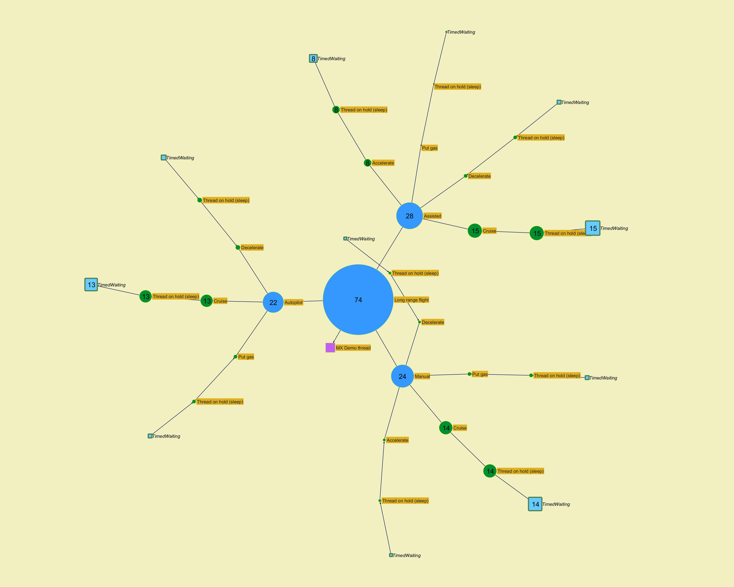
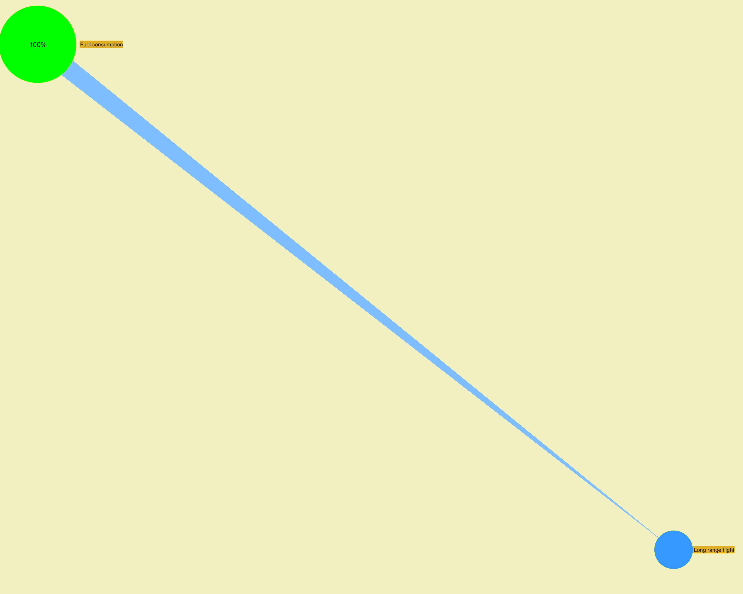

 |  |  |  |  |  |  |  |  |  |  |  |  |  |  |  |  |  |  | ­ | ­

 |  |  |  |  |  |  |  |  |  |  |  |  |  |  |  |  |  |  | ­ | ­
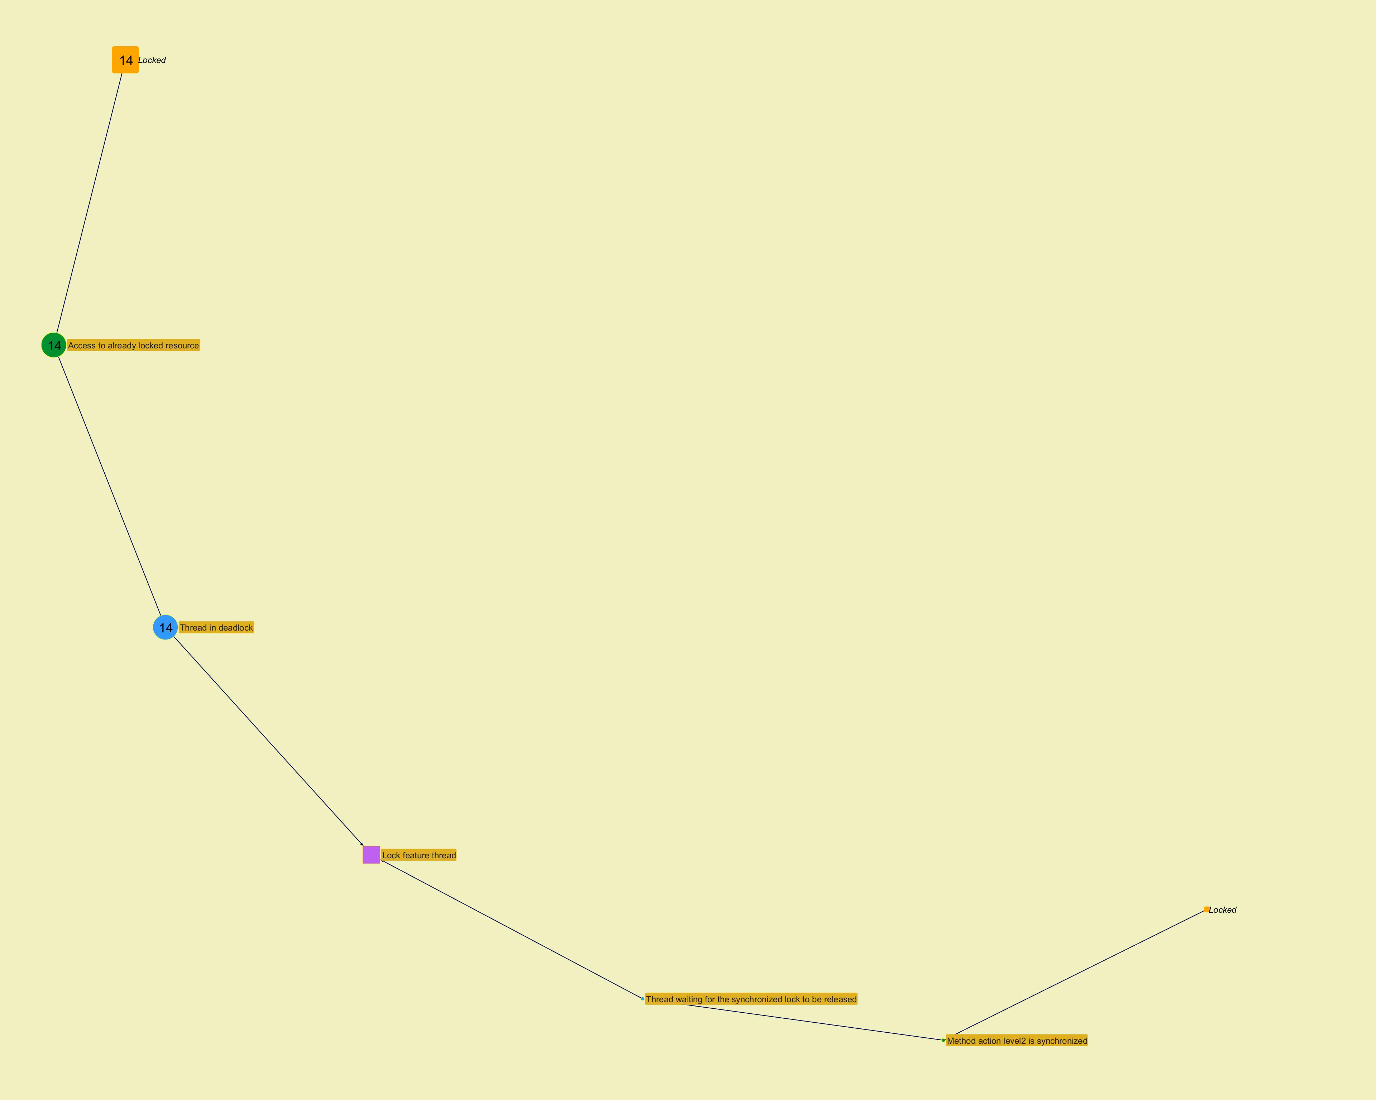
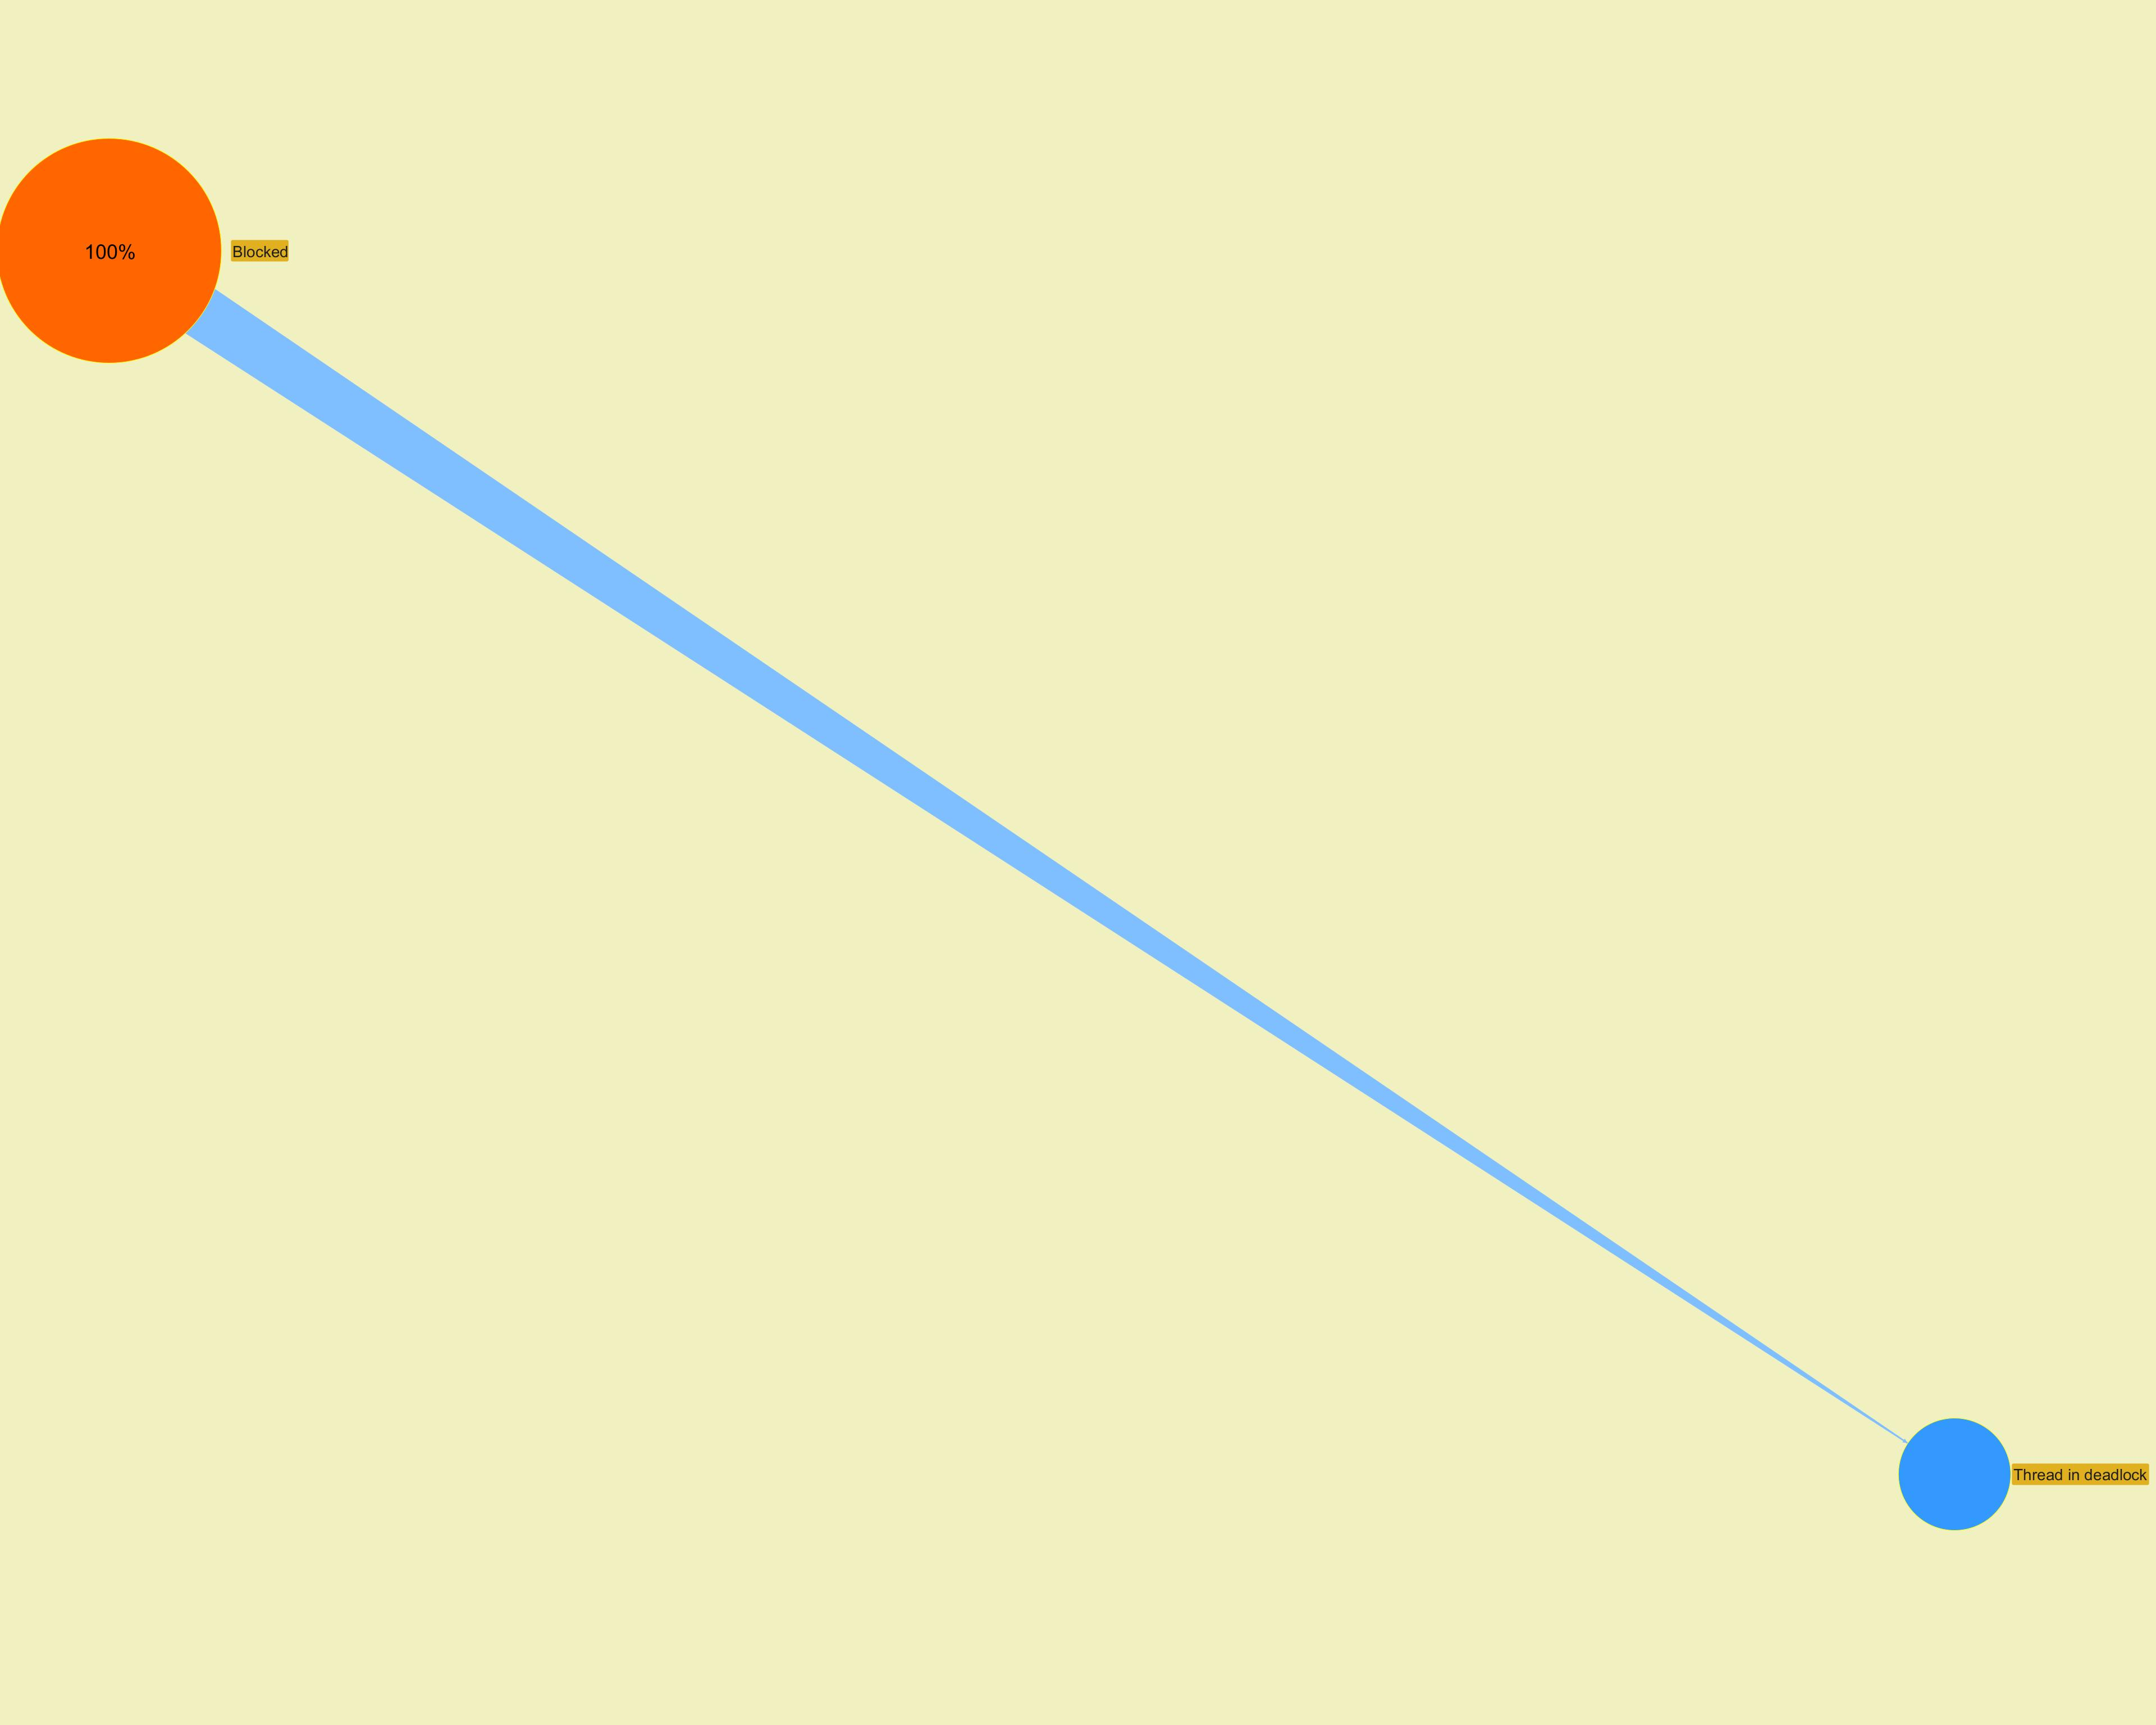

 |  |  |  |  |  |  |  |  |  |  |  |  |  |  |  |  |  |  | ­ | ­

 |  |  |  |  |  |  |  |  |  |  |  |  |  |  |  |  |  |  | ­ | ­
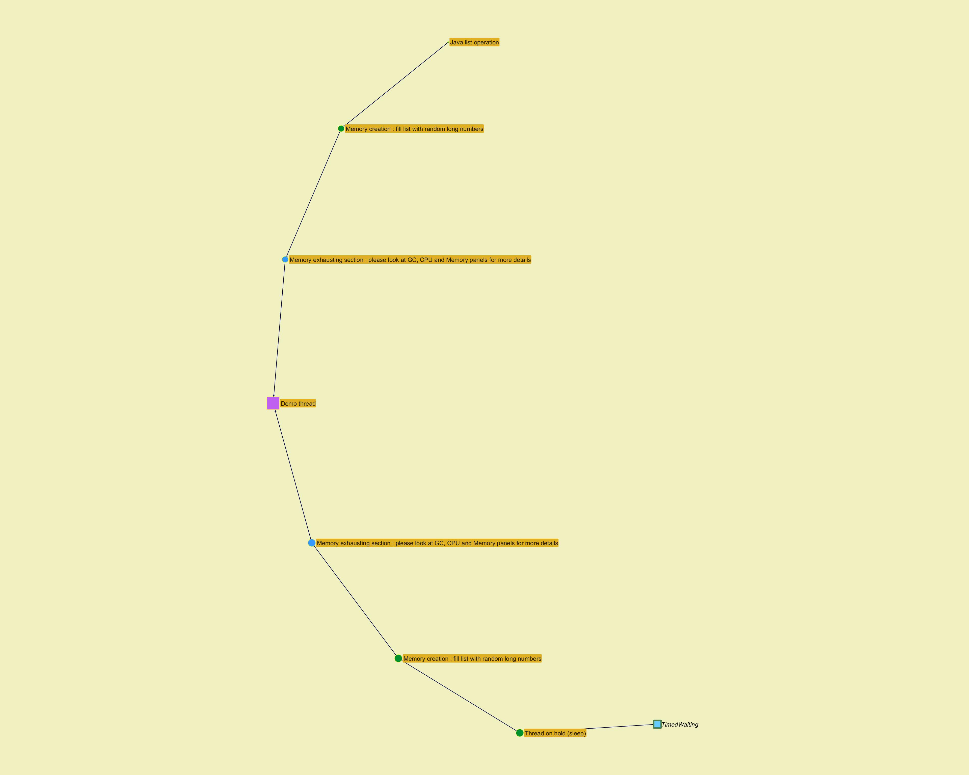
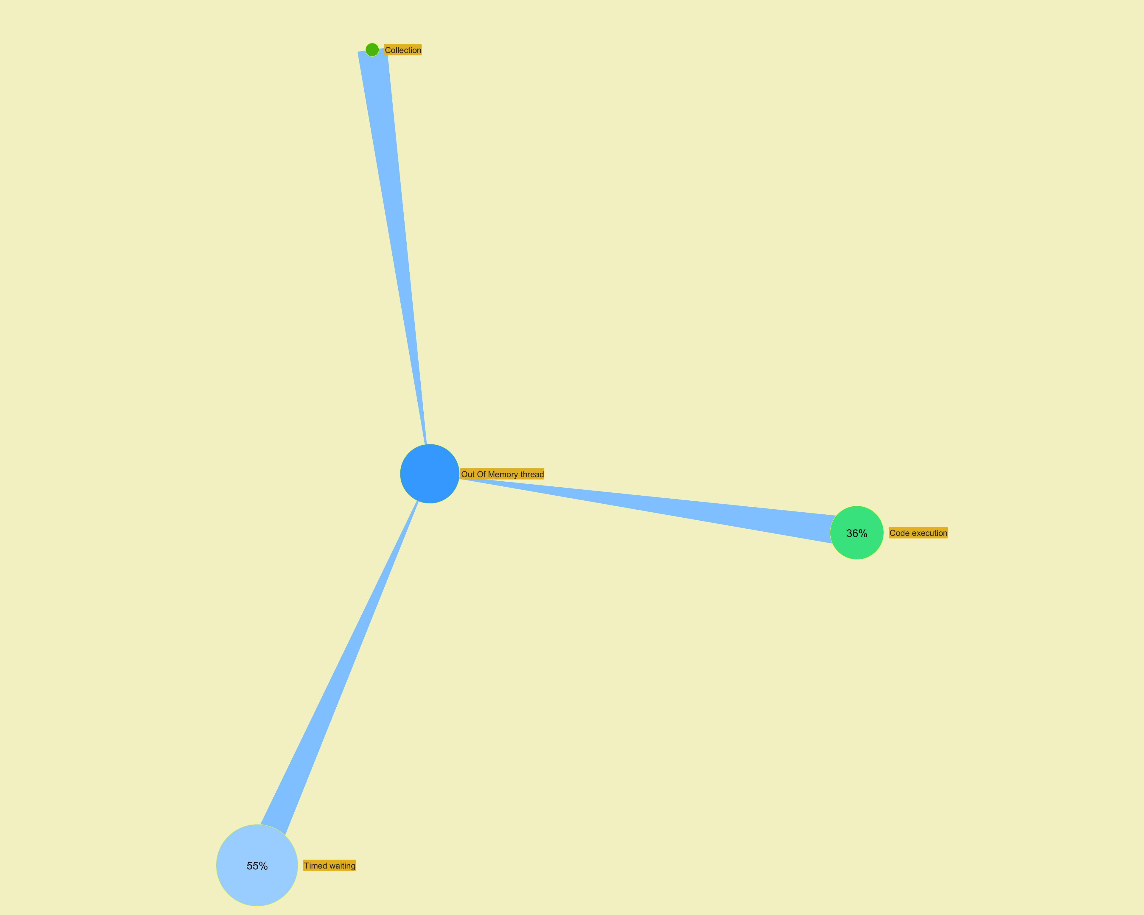

 |  |  |  |  |  |  |  |  |  |  |  |  |  |  |  |  |  |  | ­ | ­

Long Action Profiling
...
­ | ­
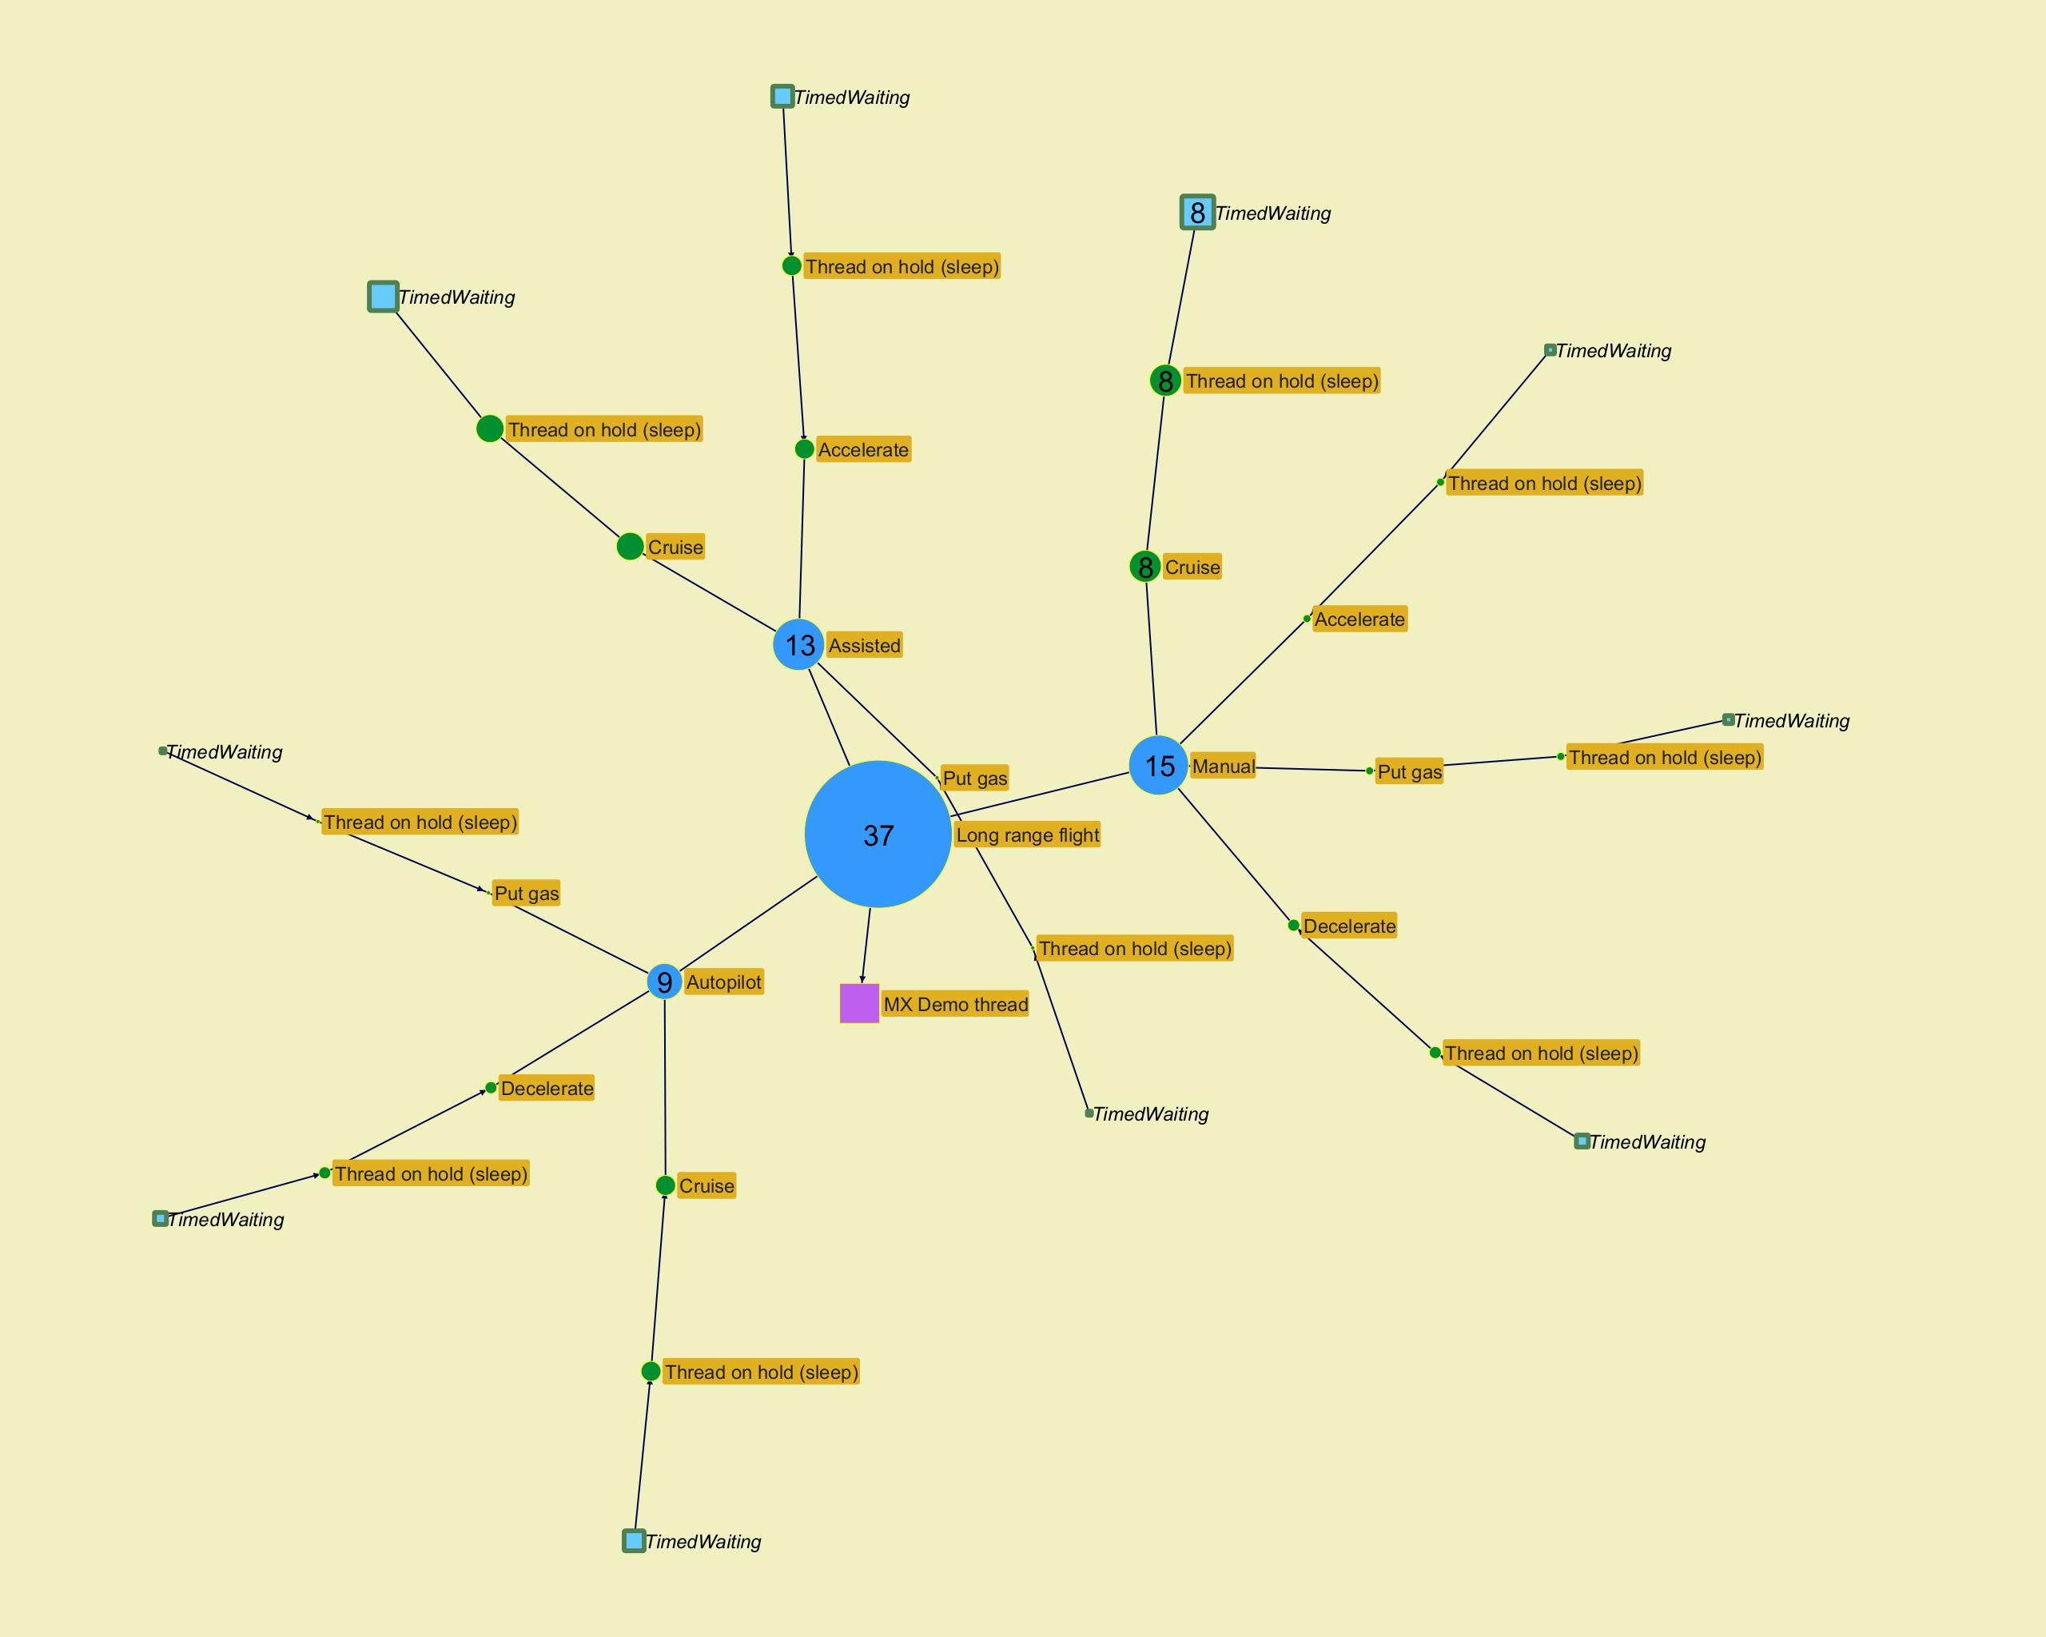
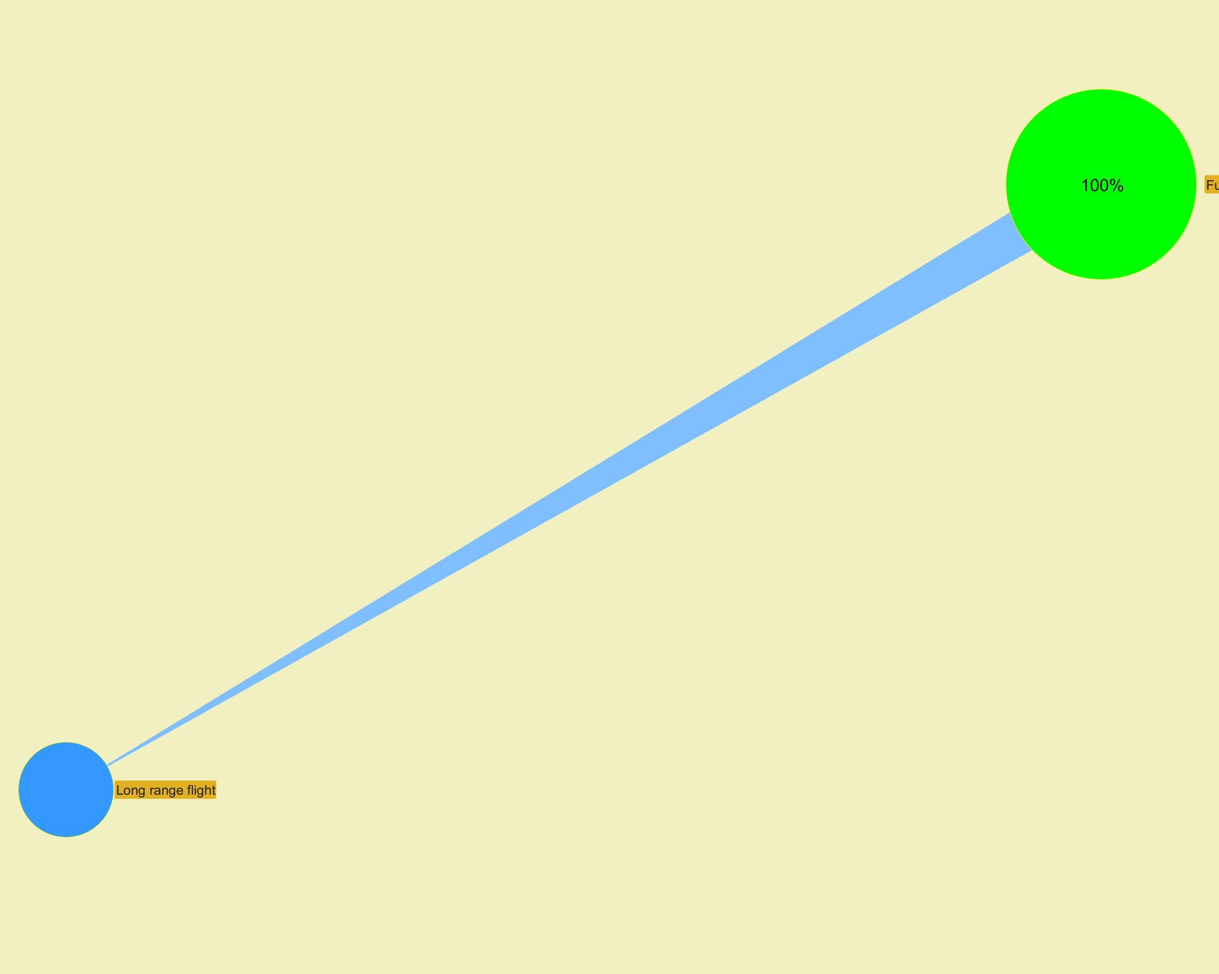

­ | ­

­ | ­
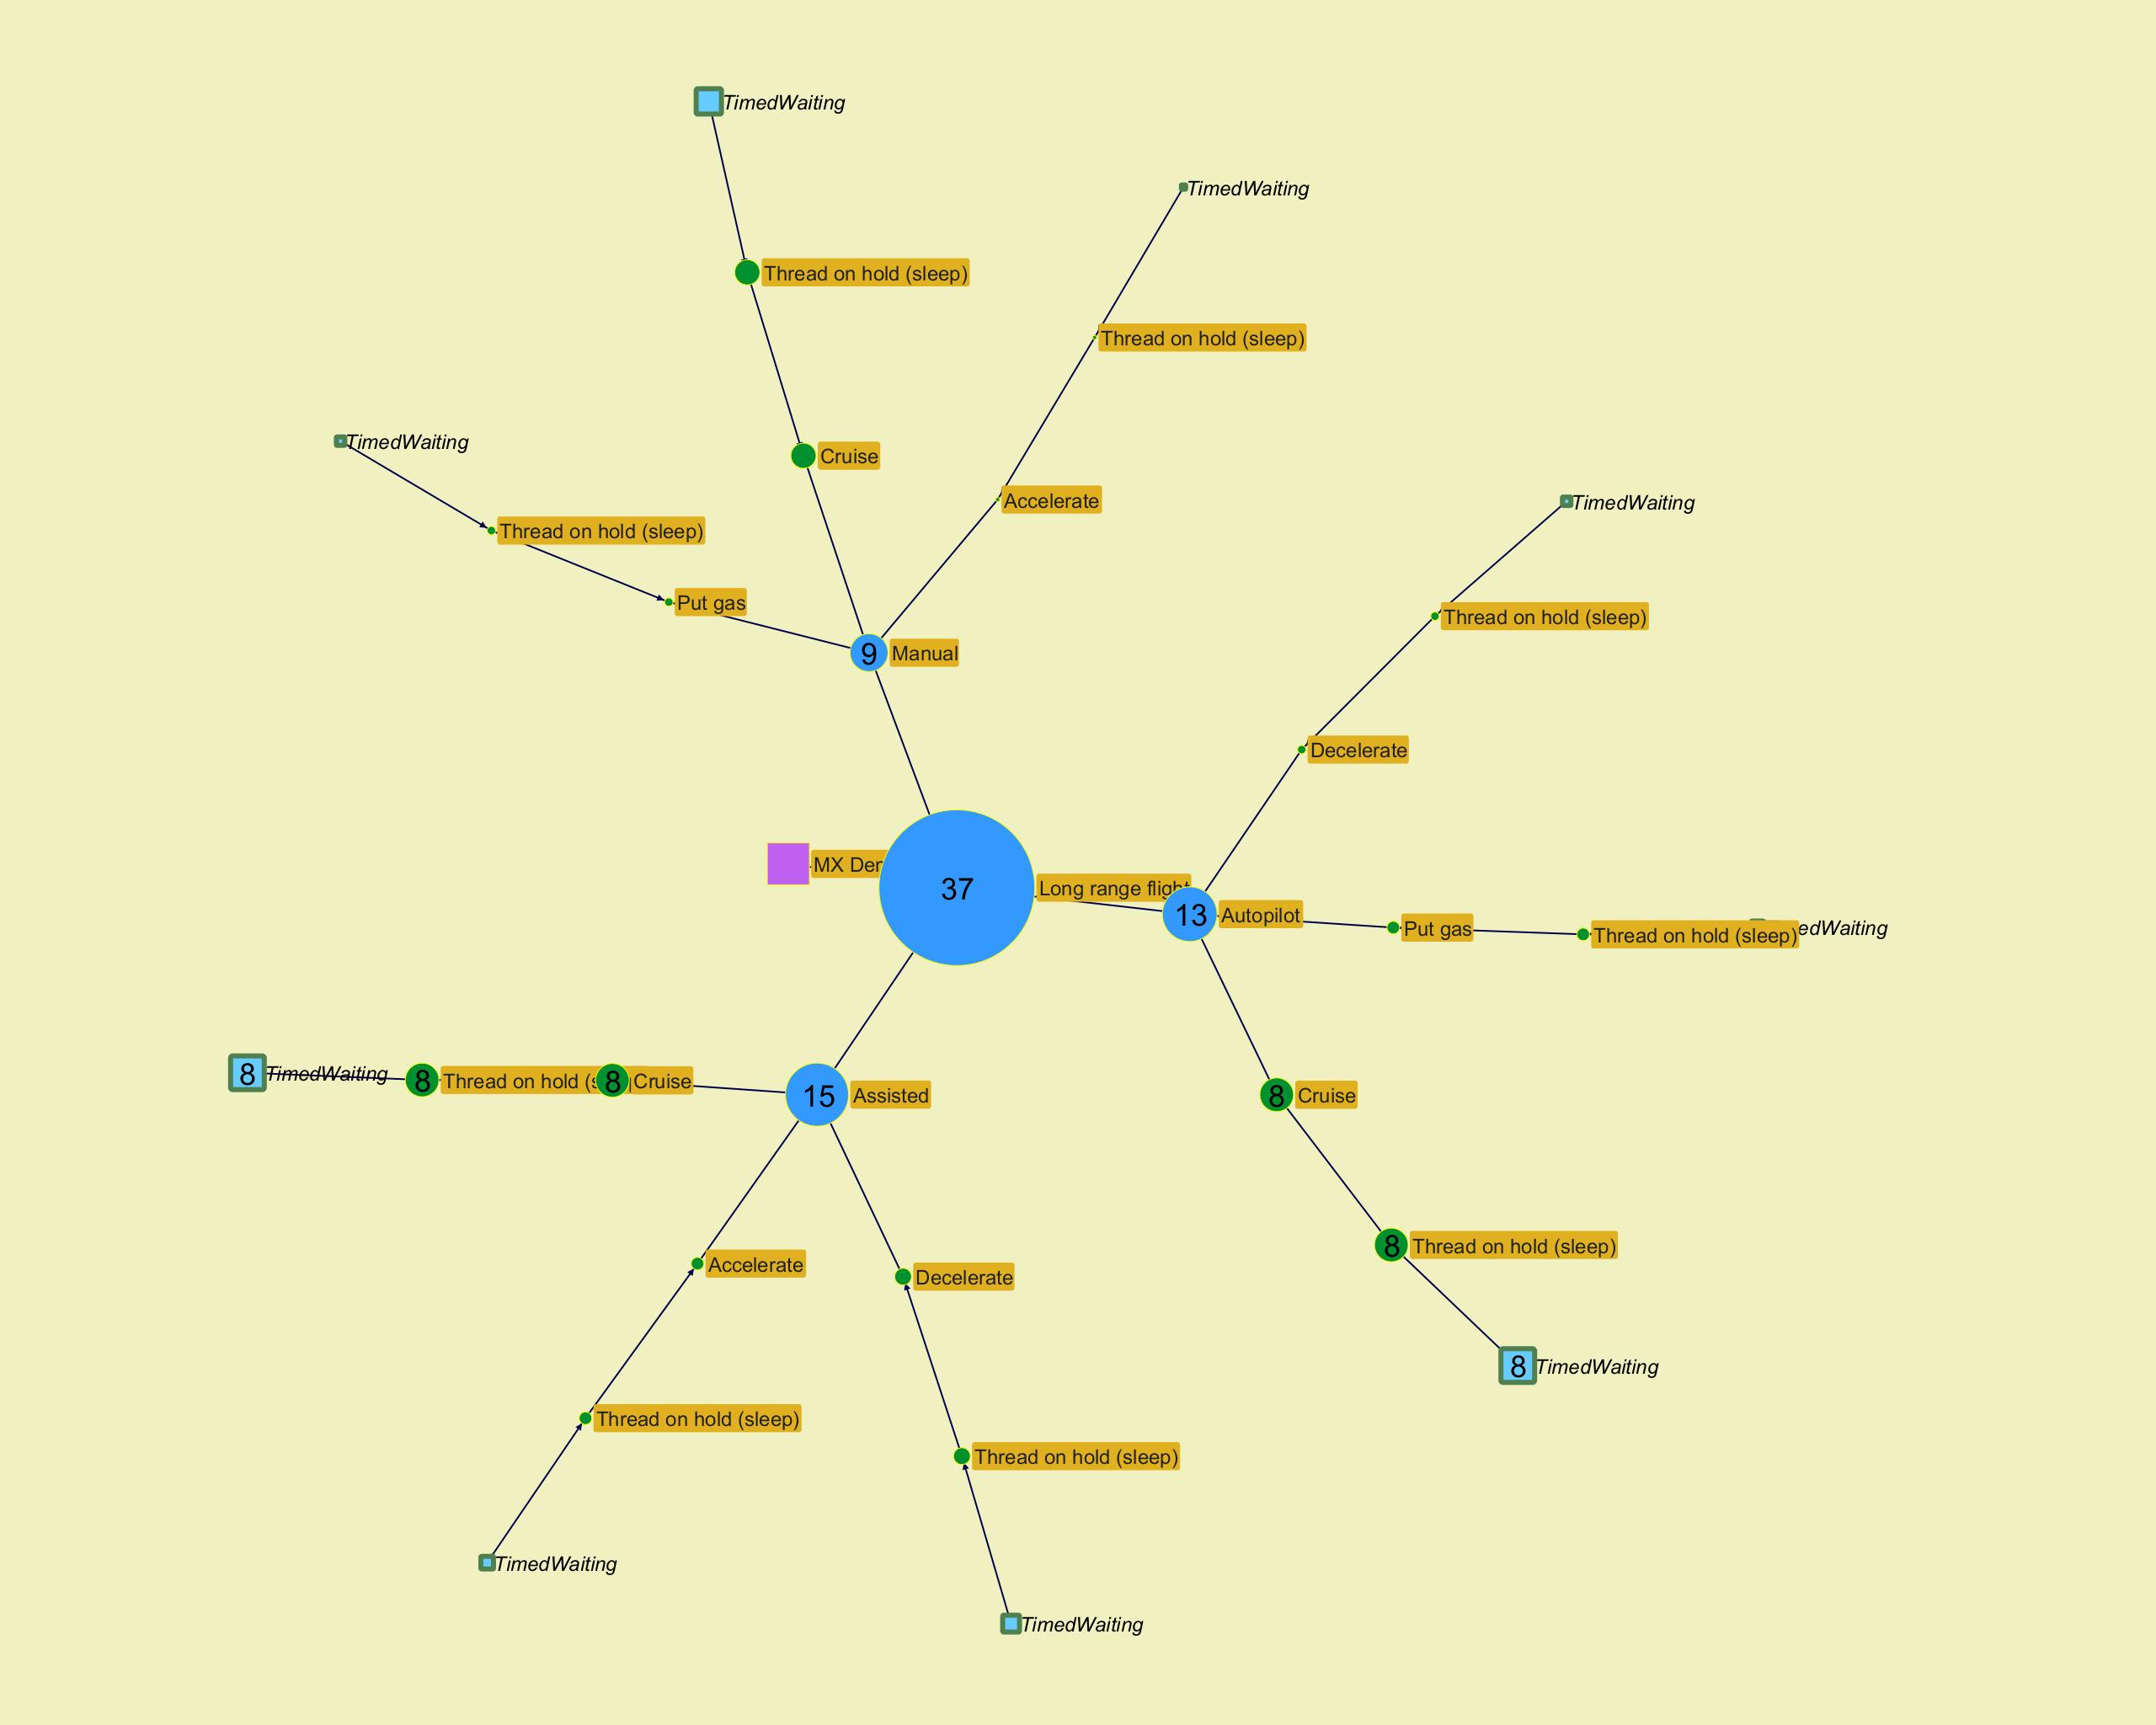
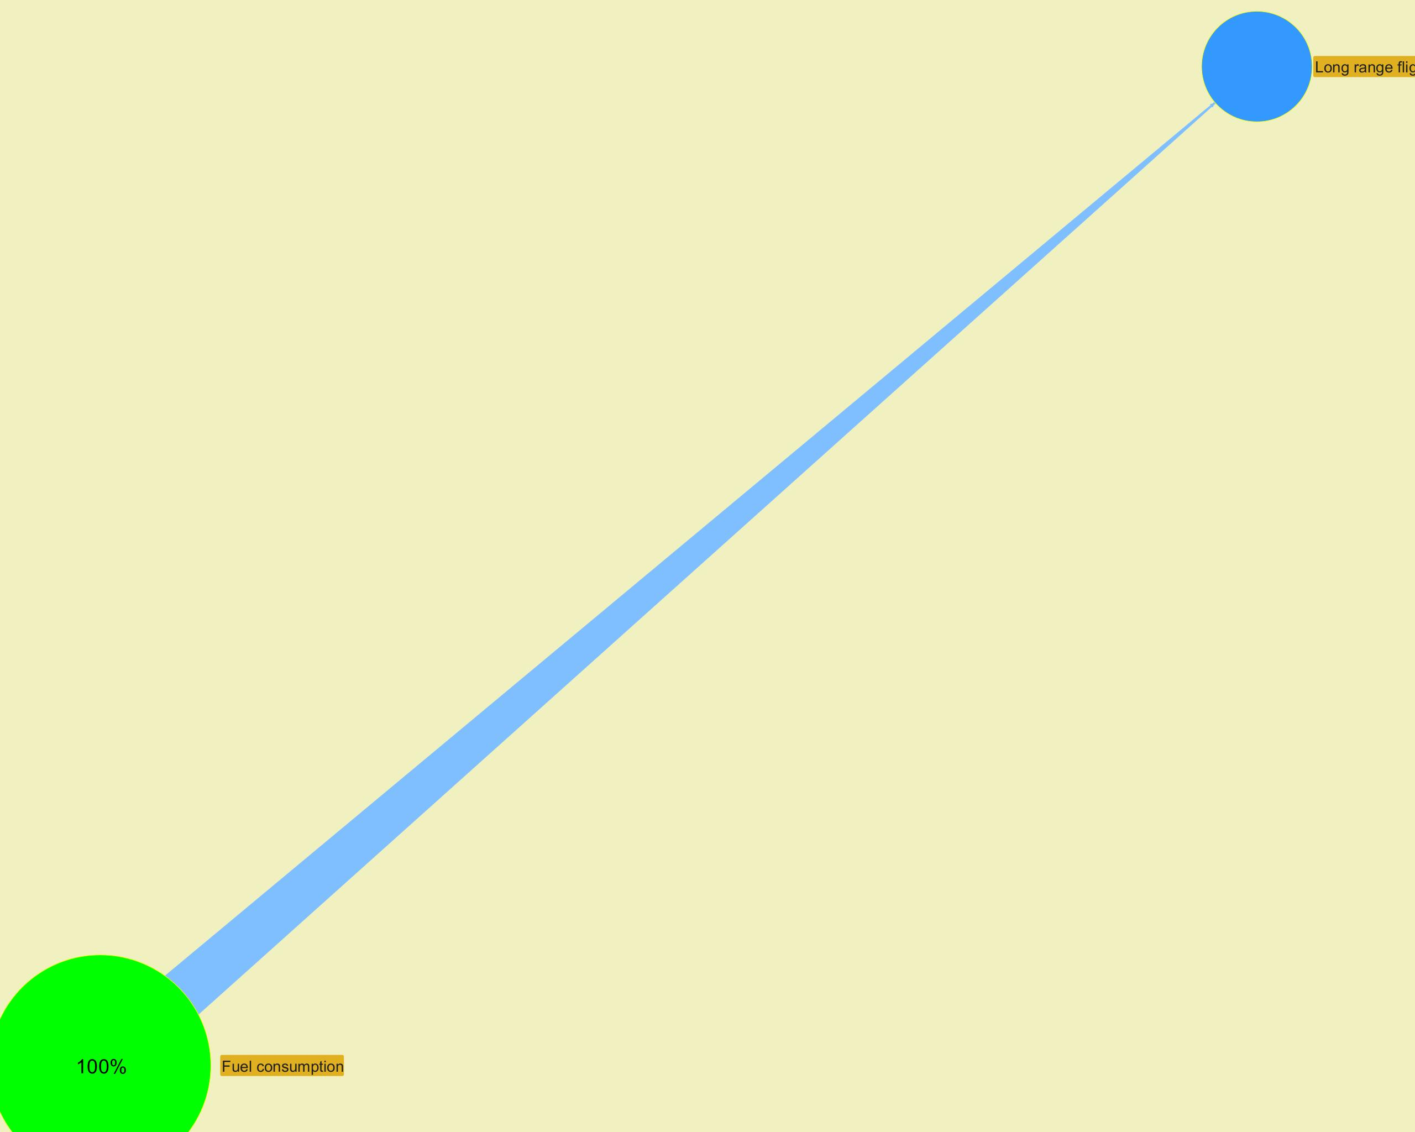

­ | ­

­ | ­
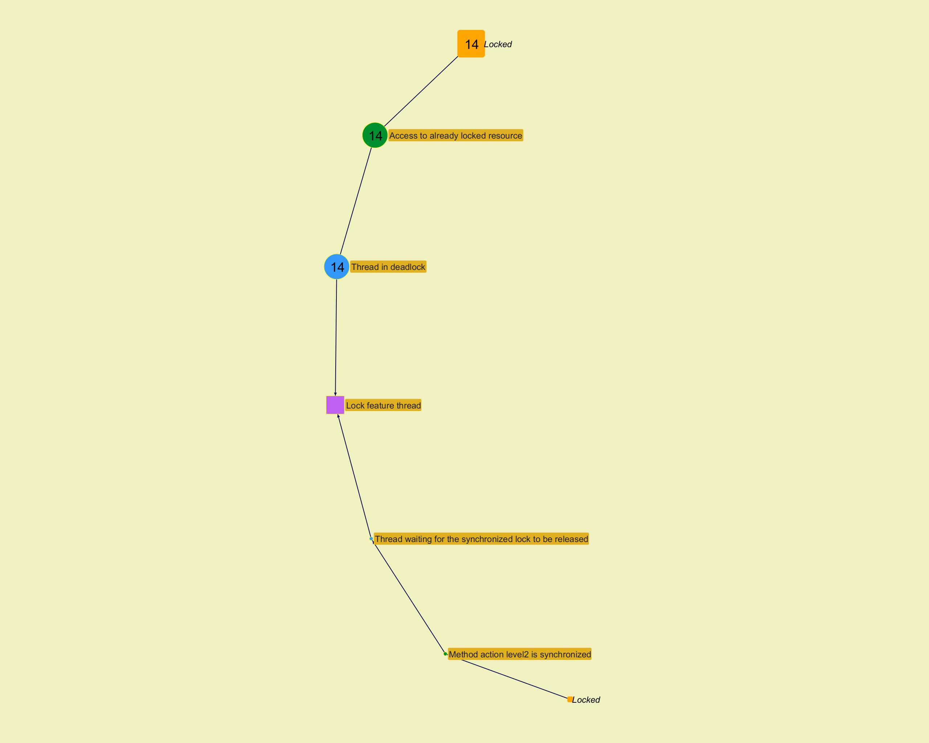
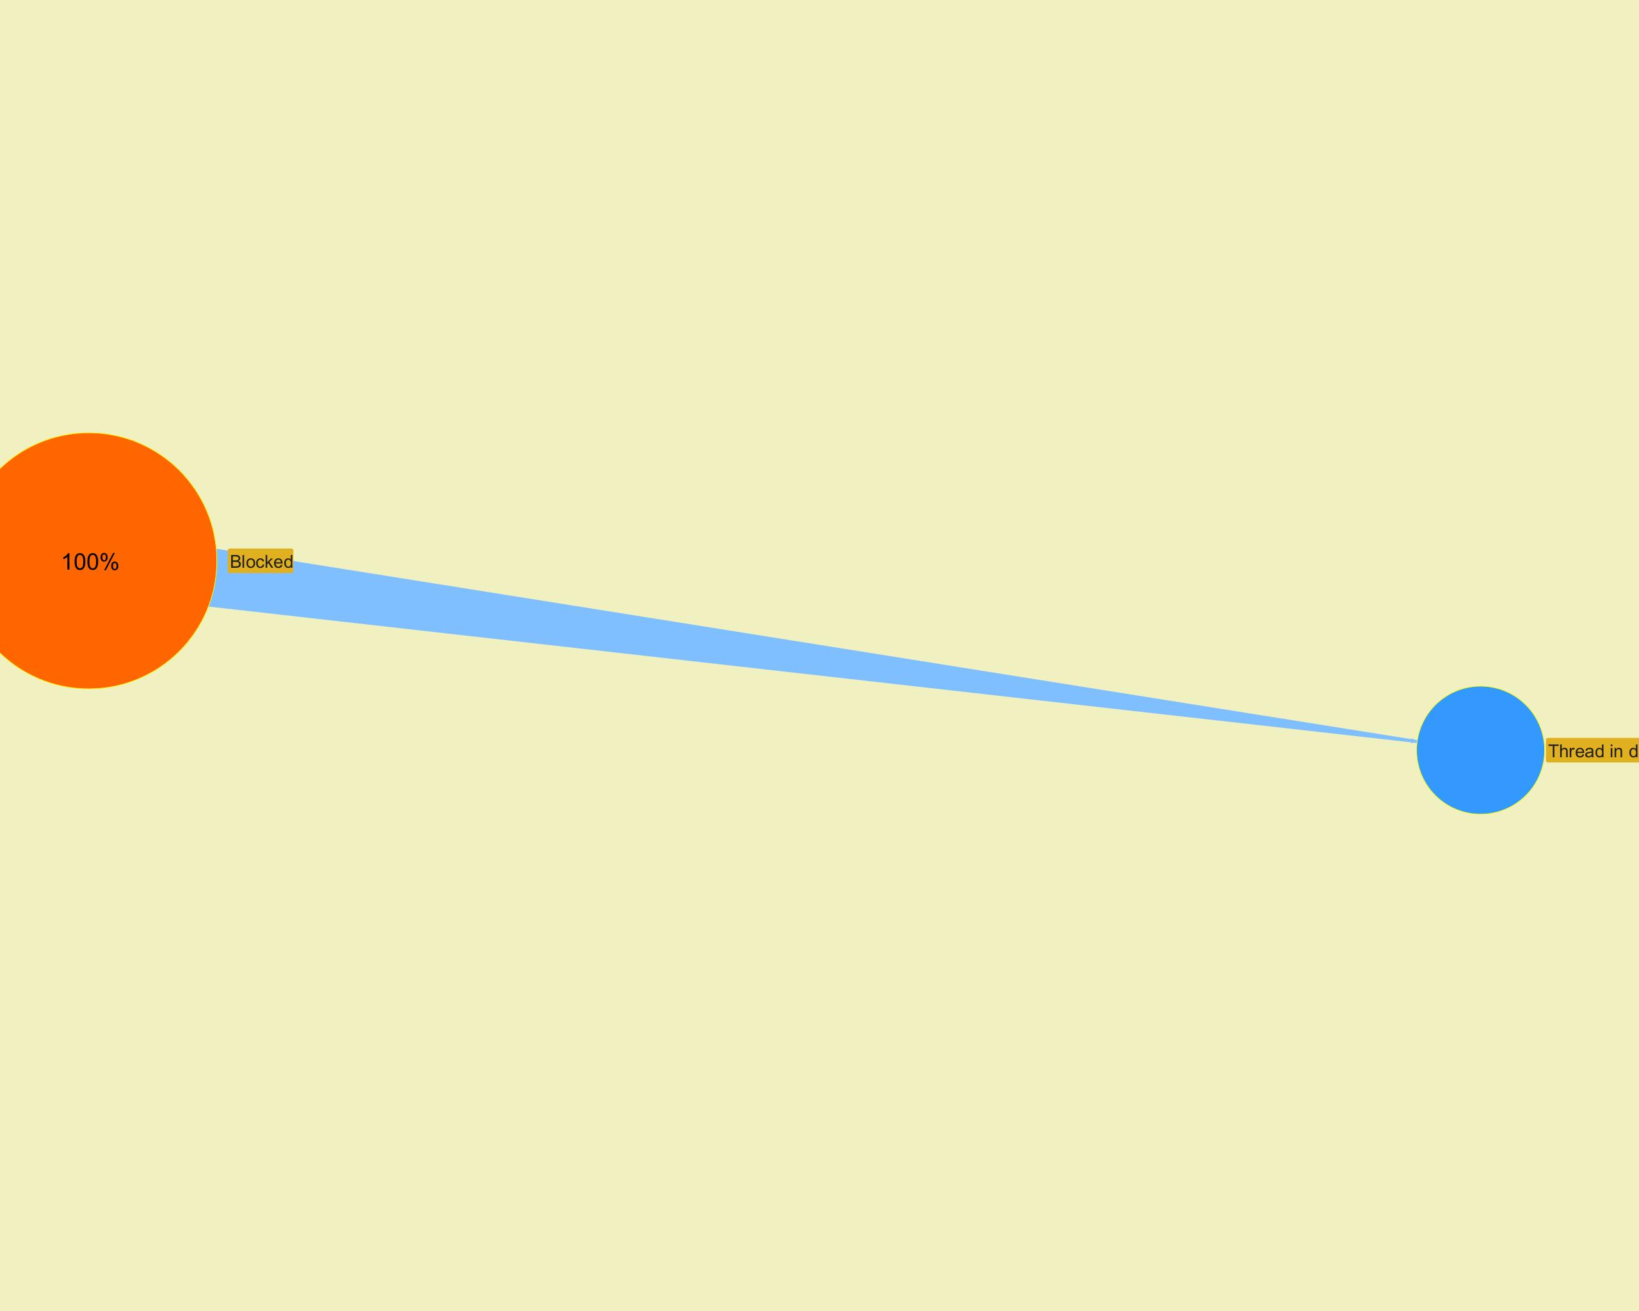

­ | ­

­ | ­
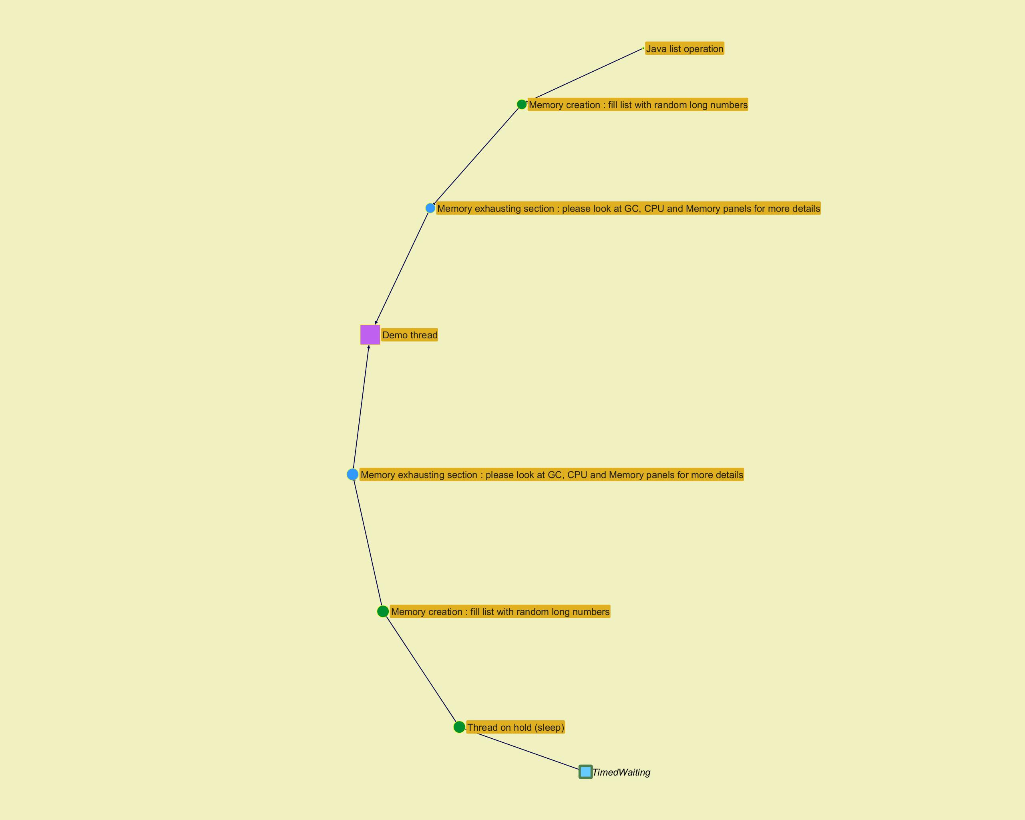
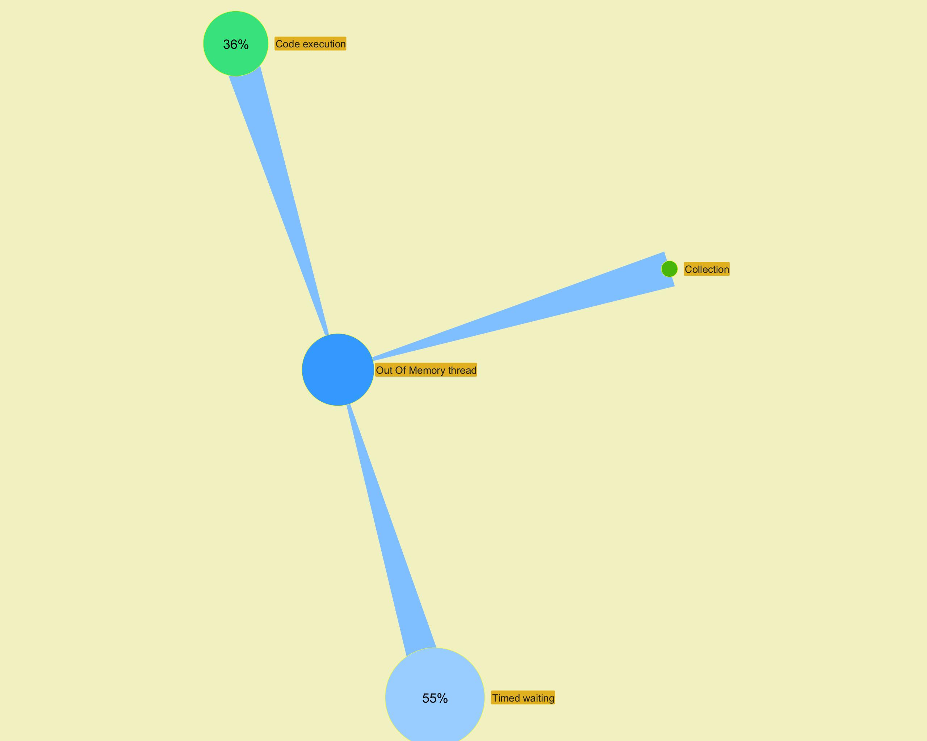

­ | ­

Top stacks
...
­ | ­
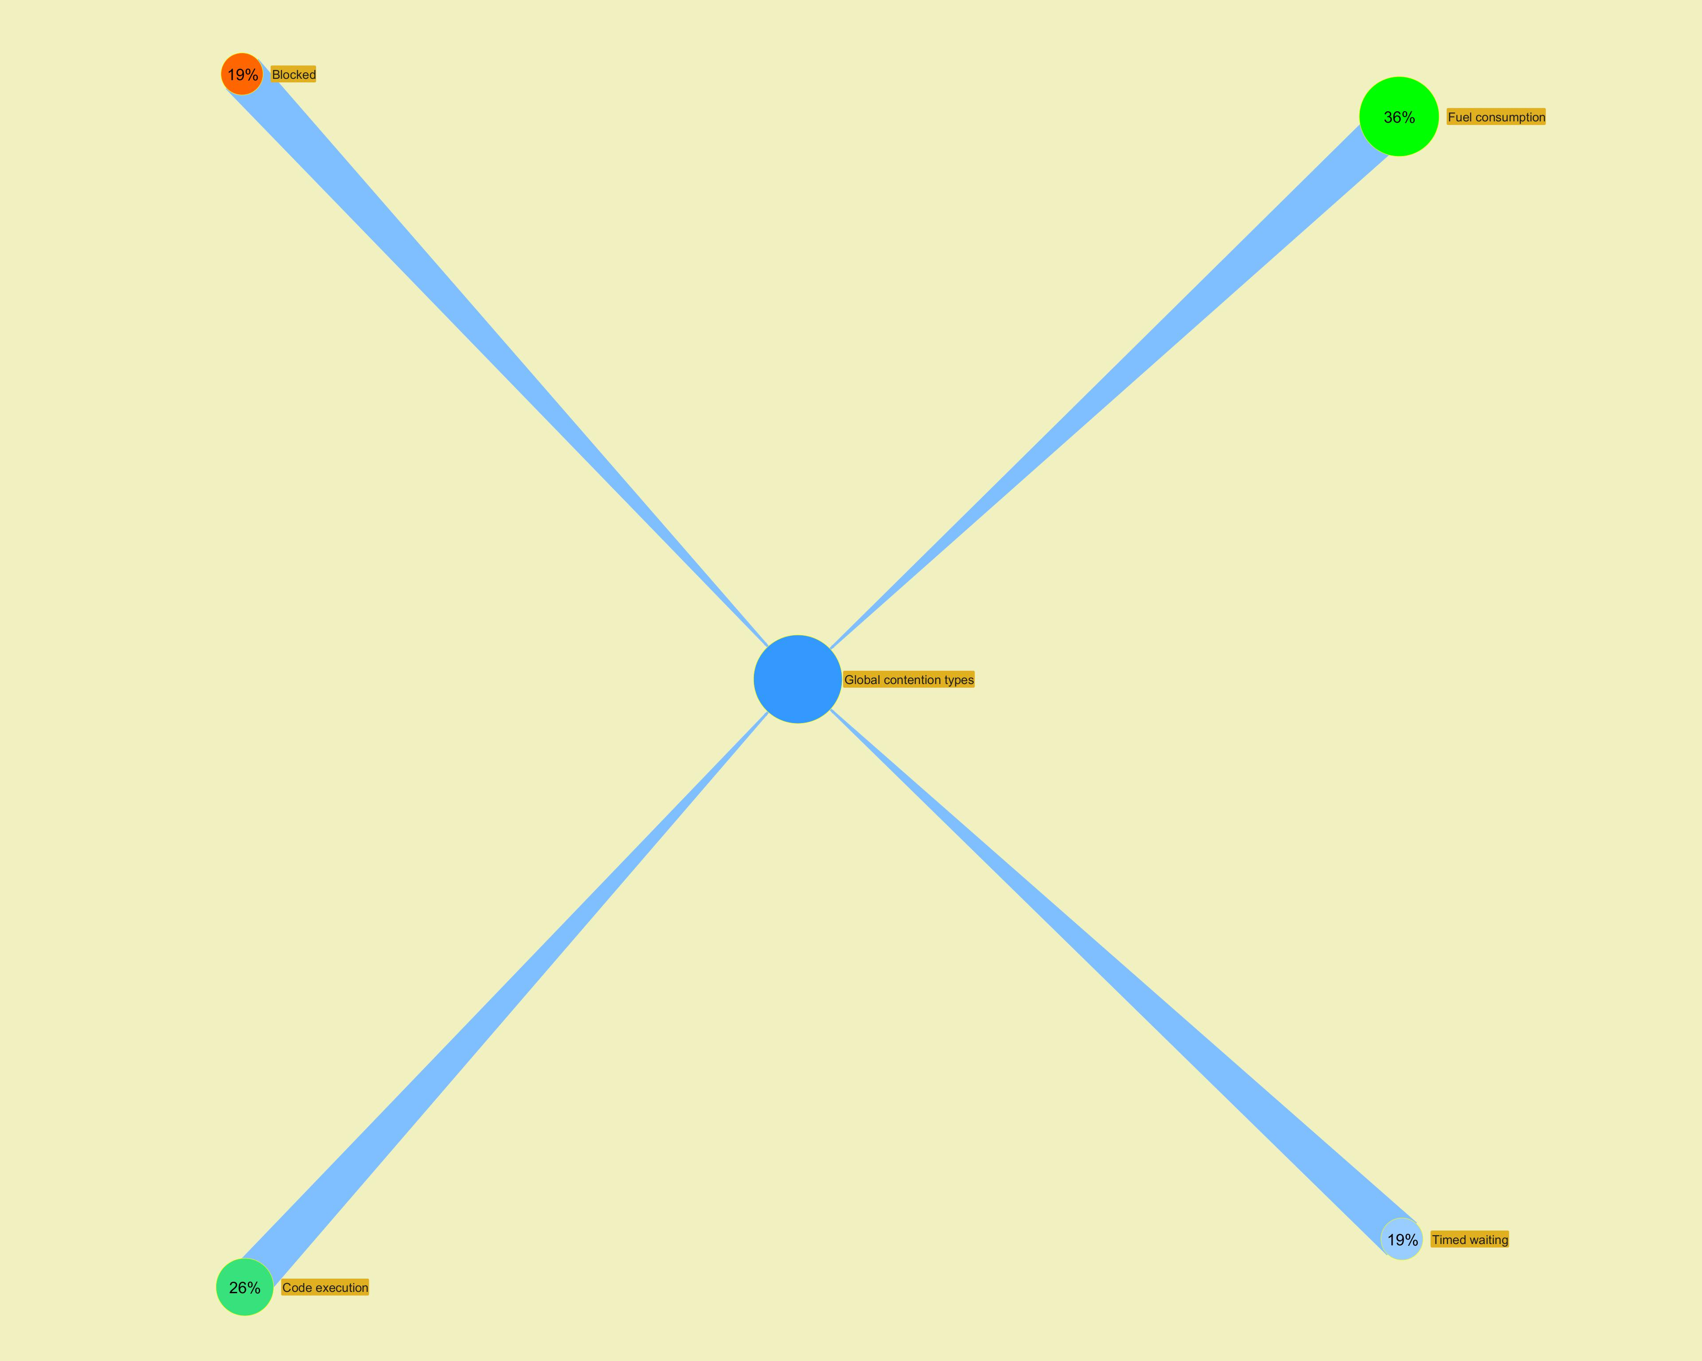

 | ­
...

Long Action Histogram
...
­
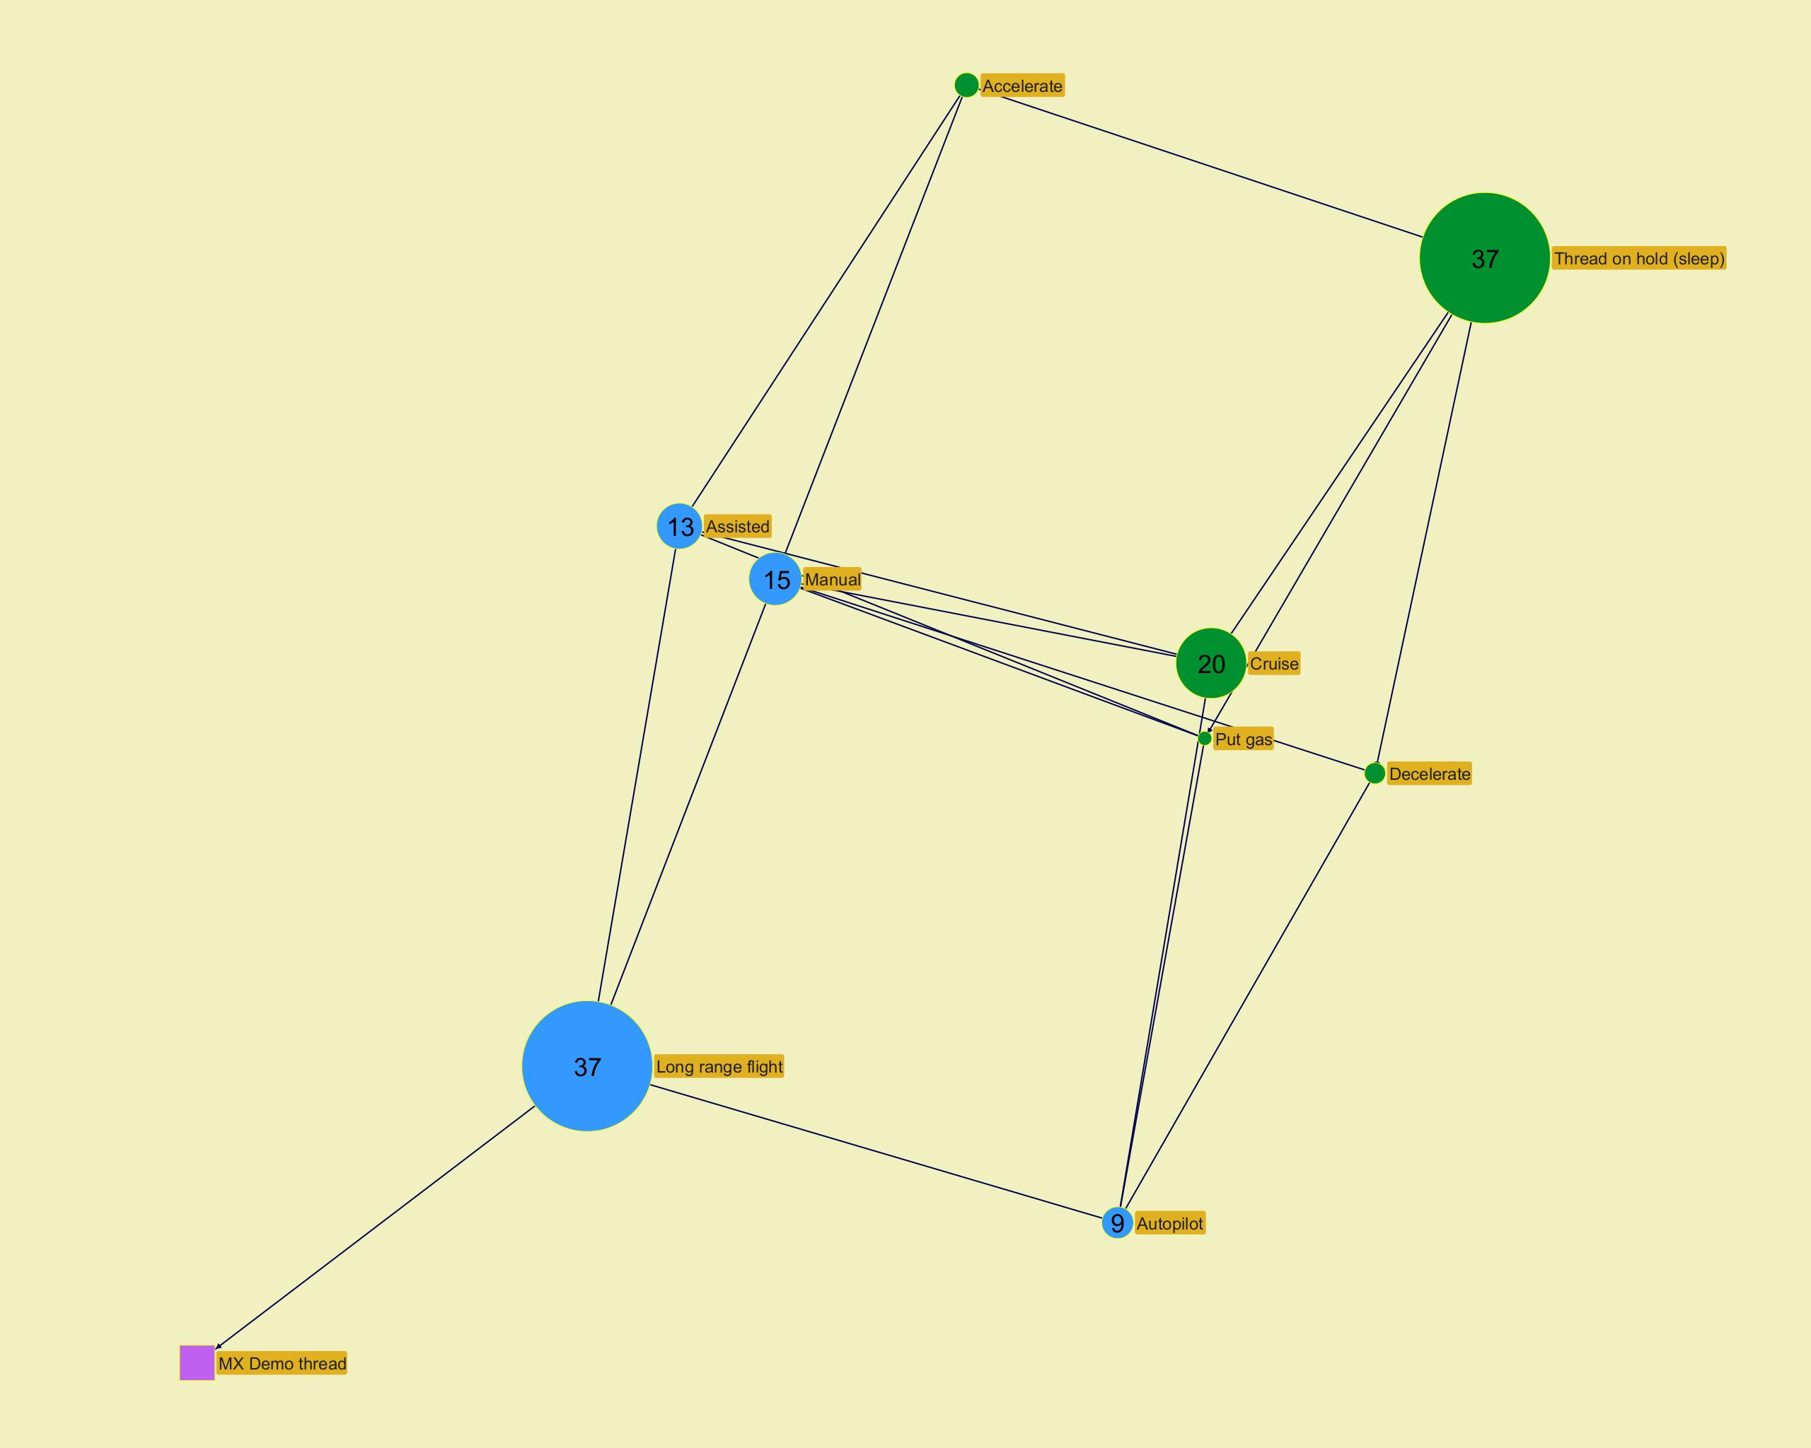

­

­
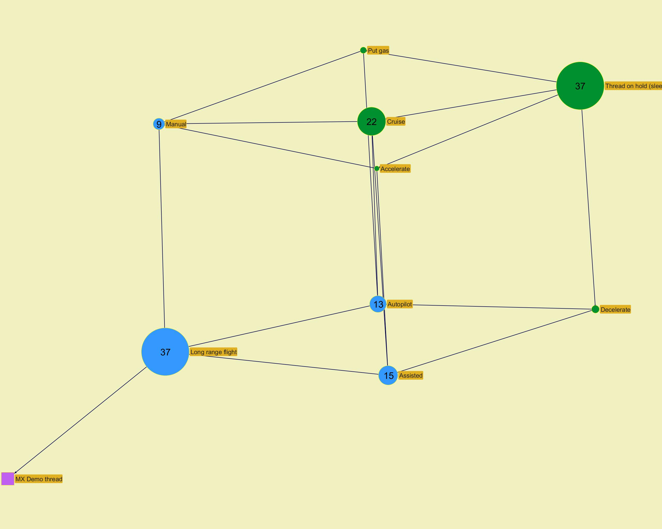

­

­
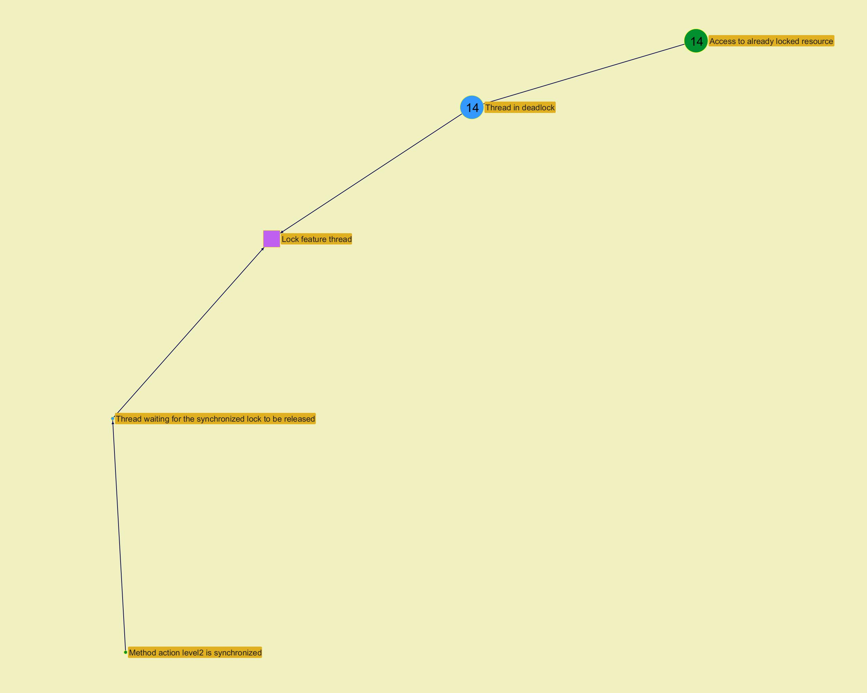

­

­
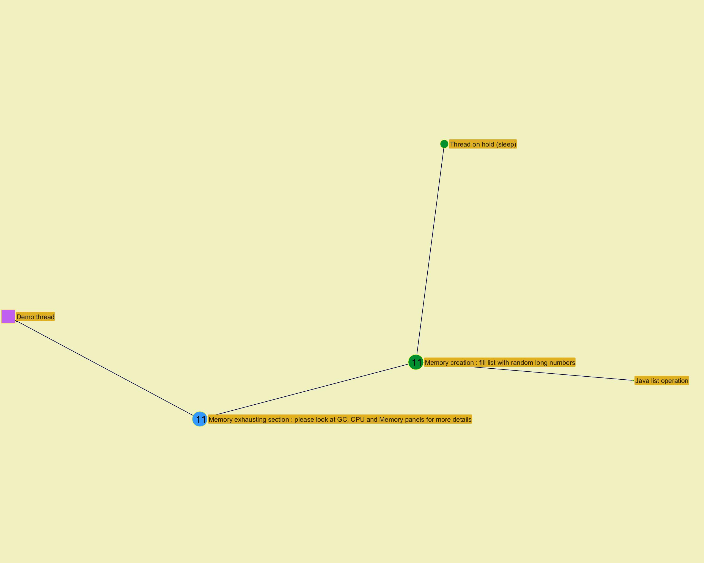

­

Action histogram
...
­
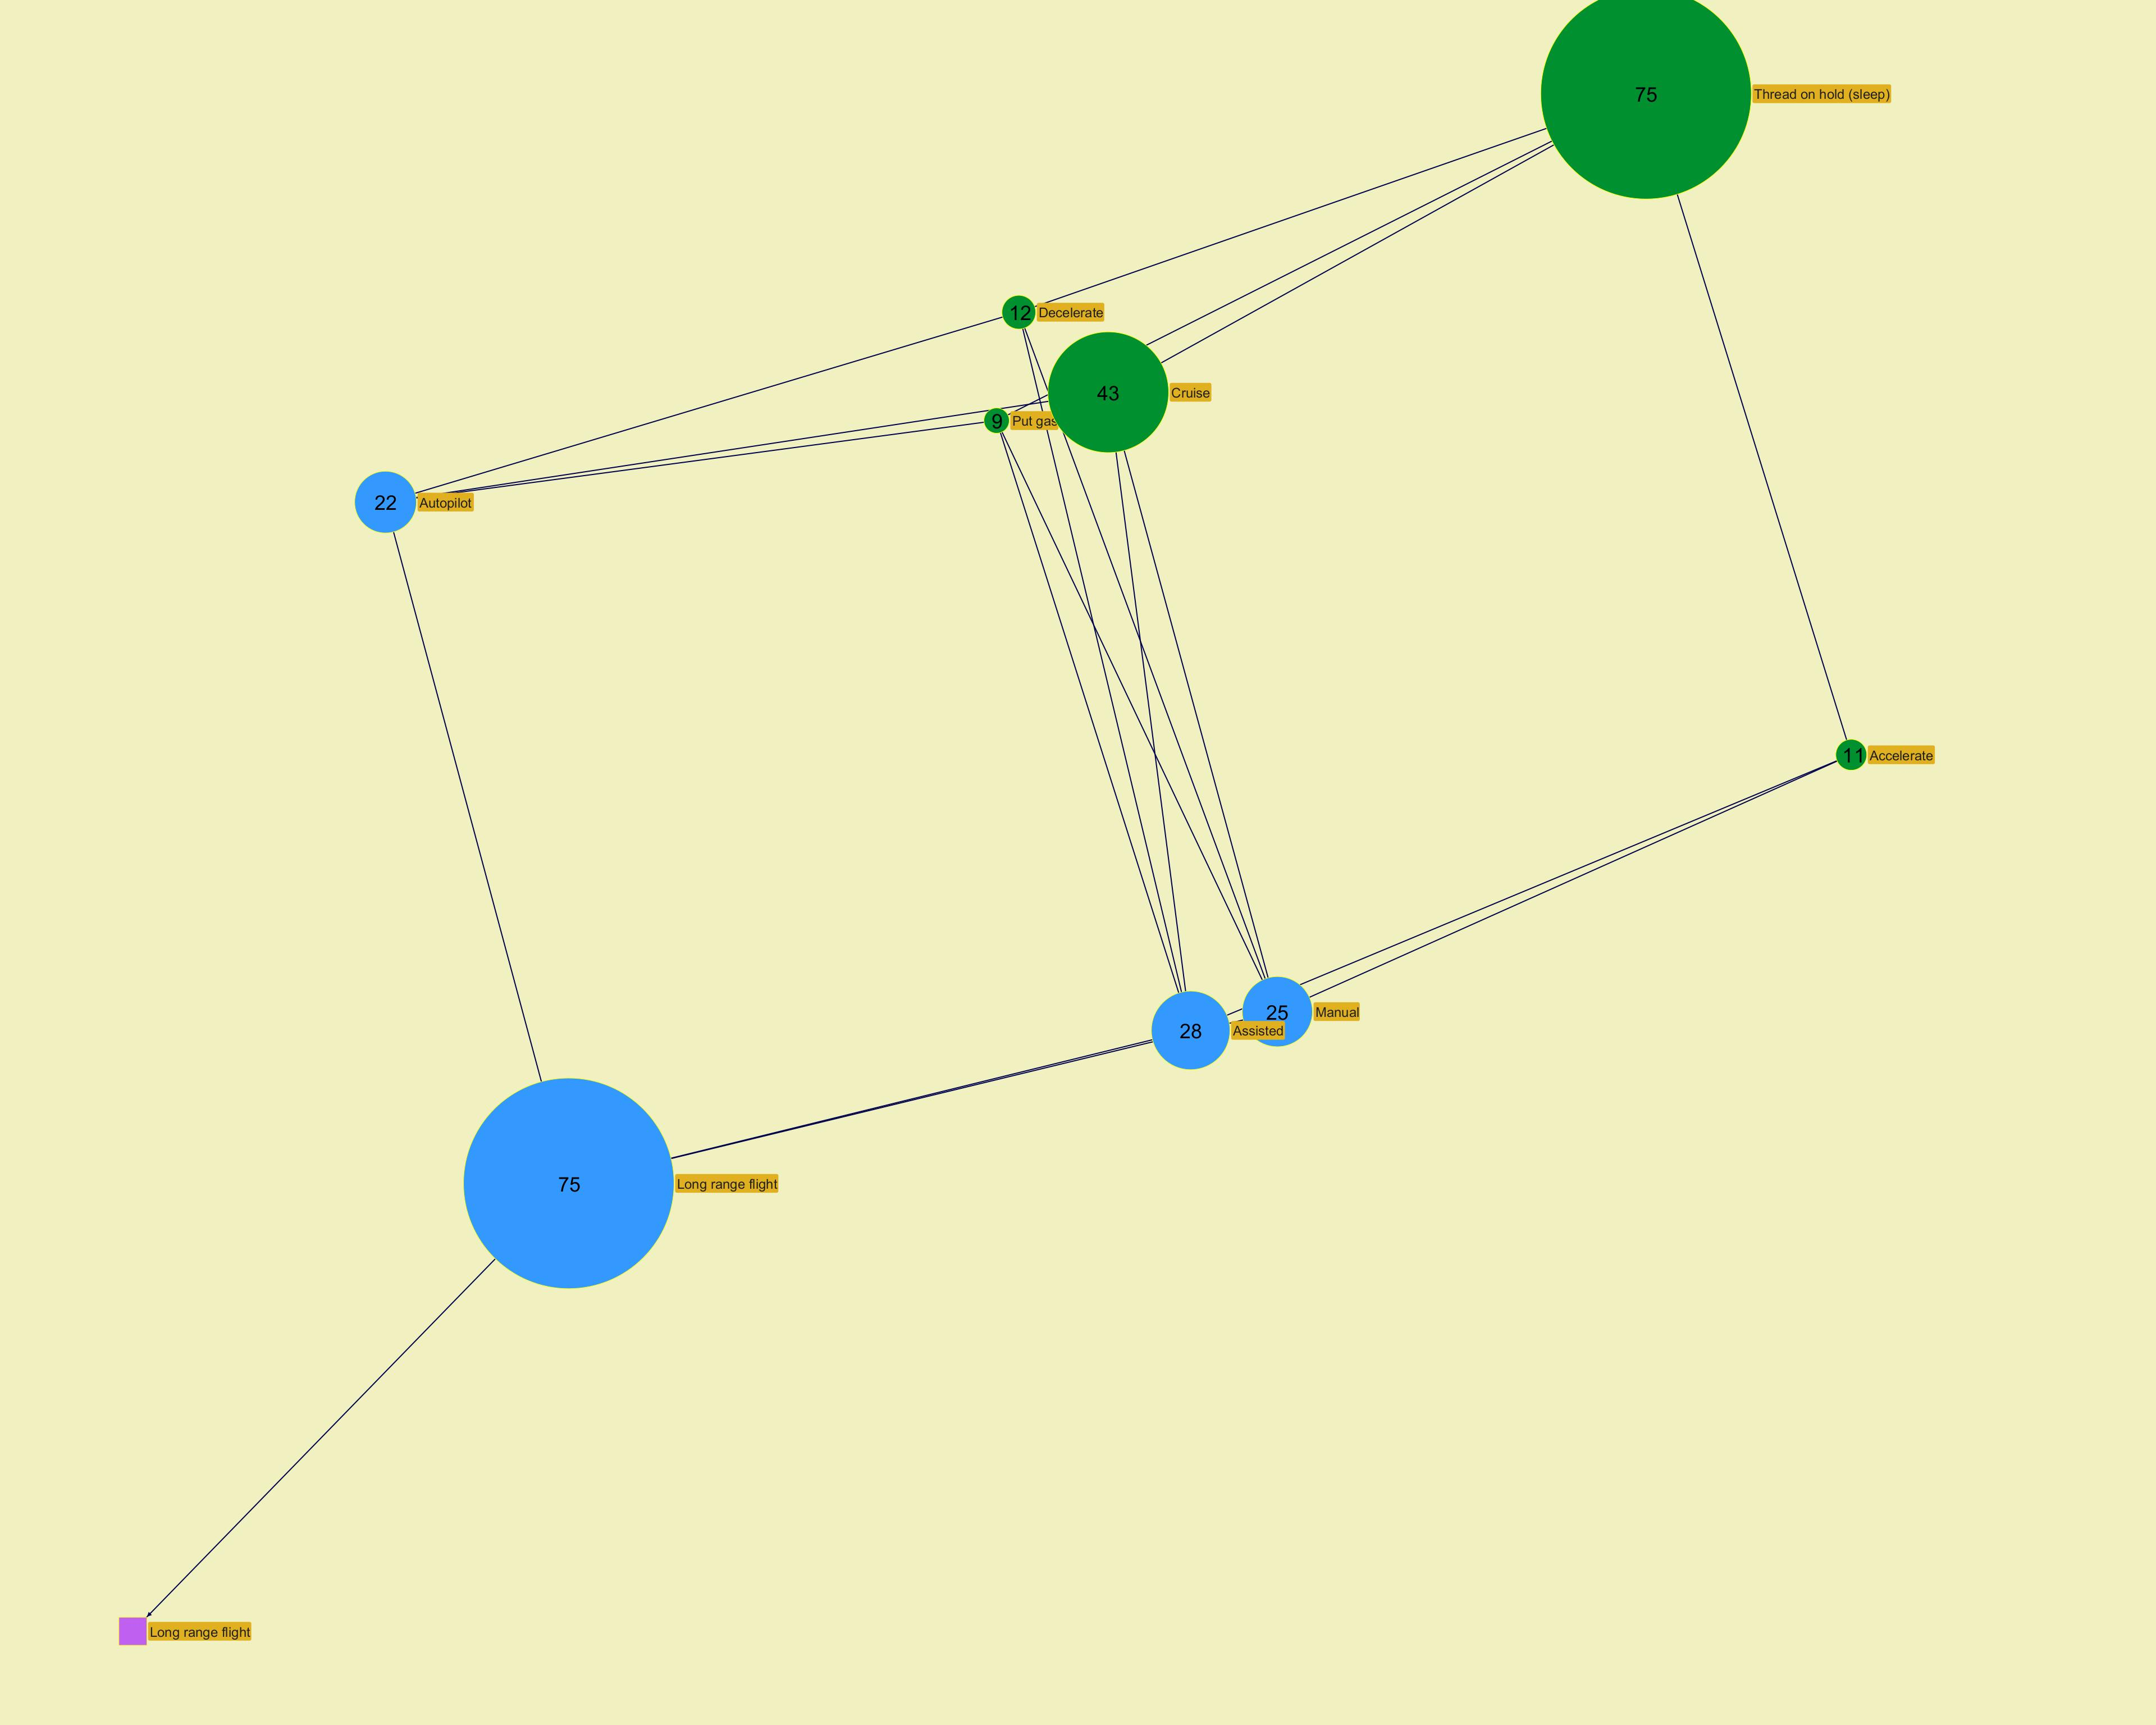

­

­
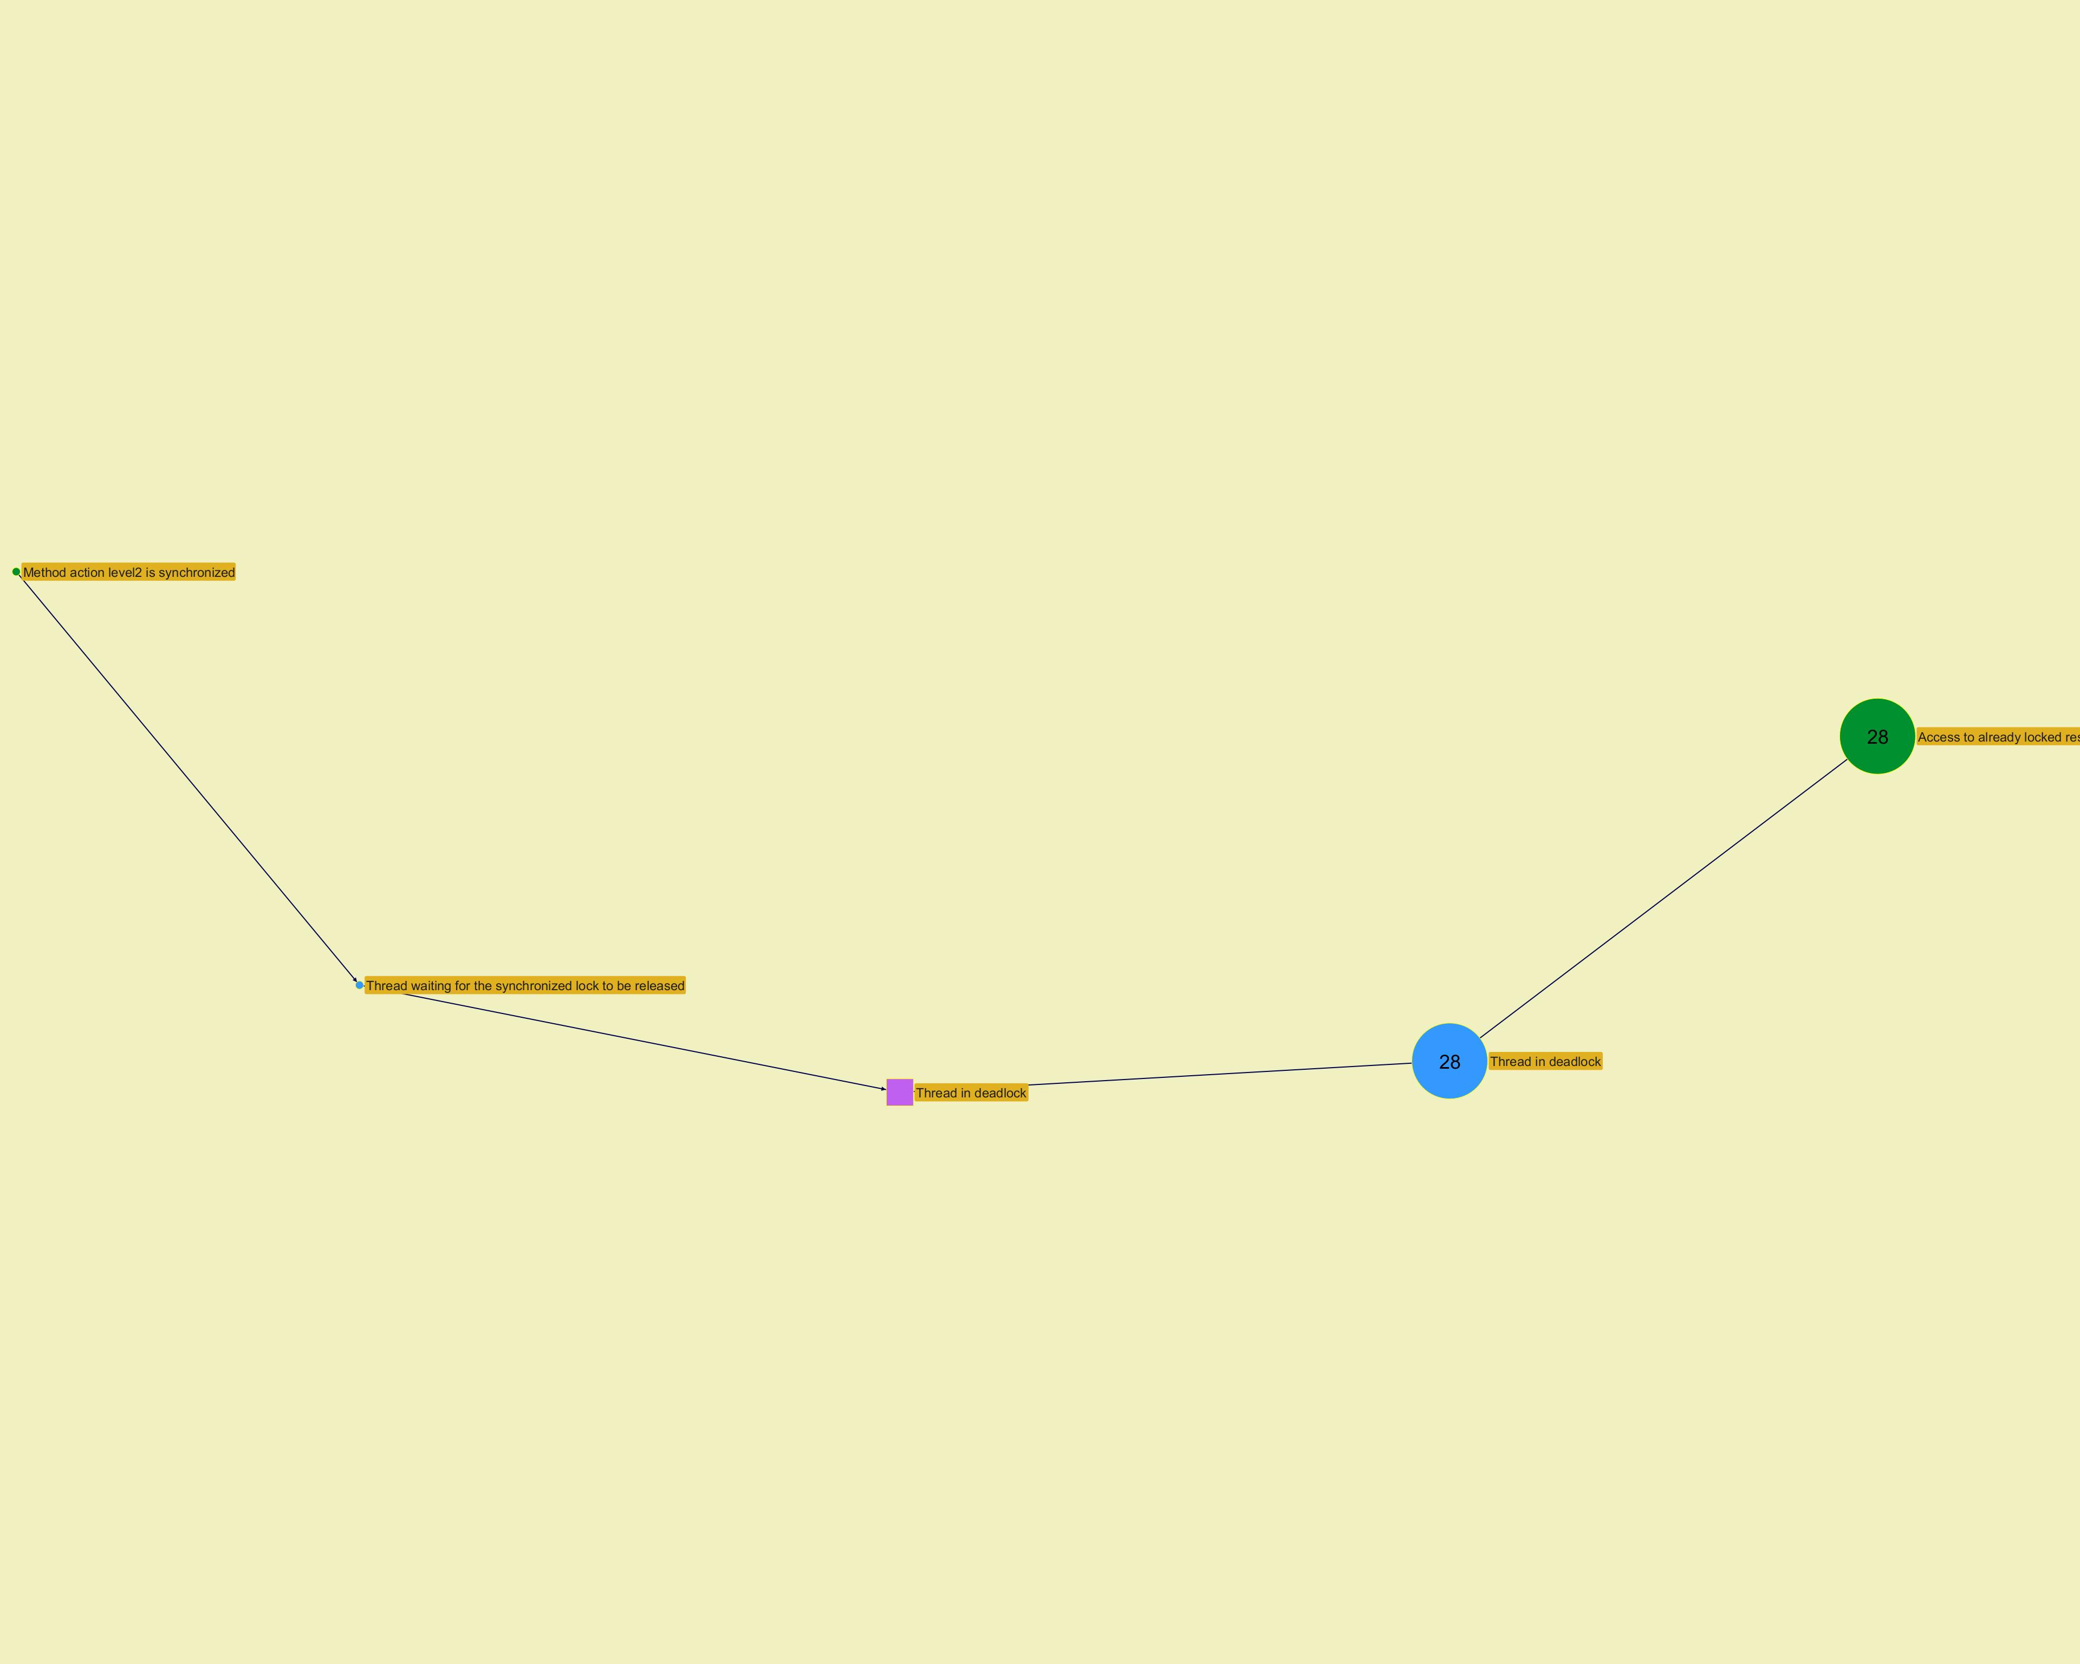

­

­
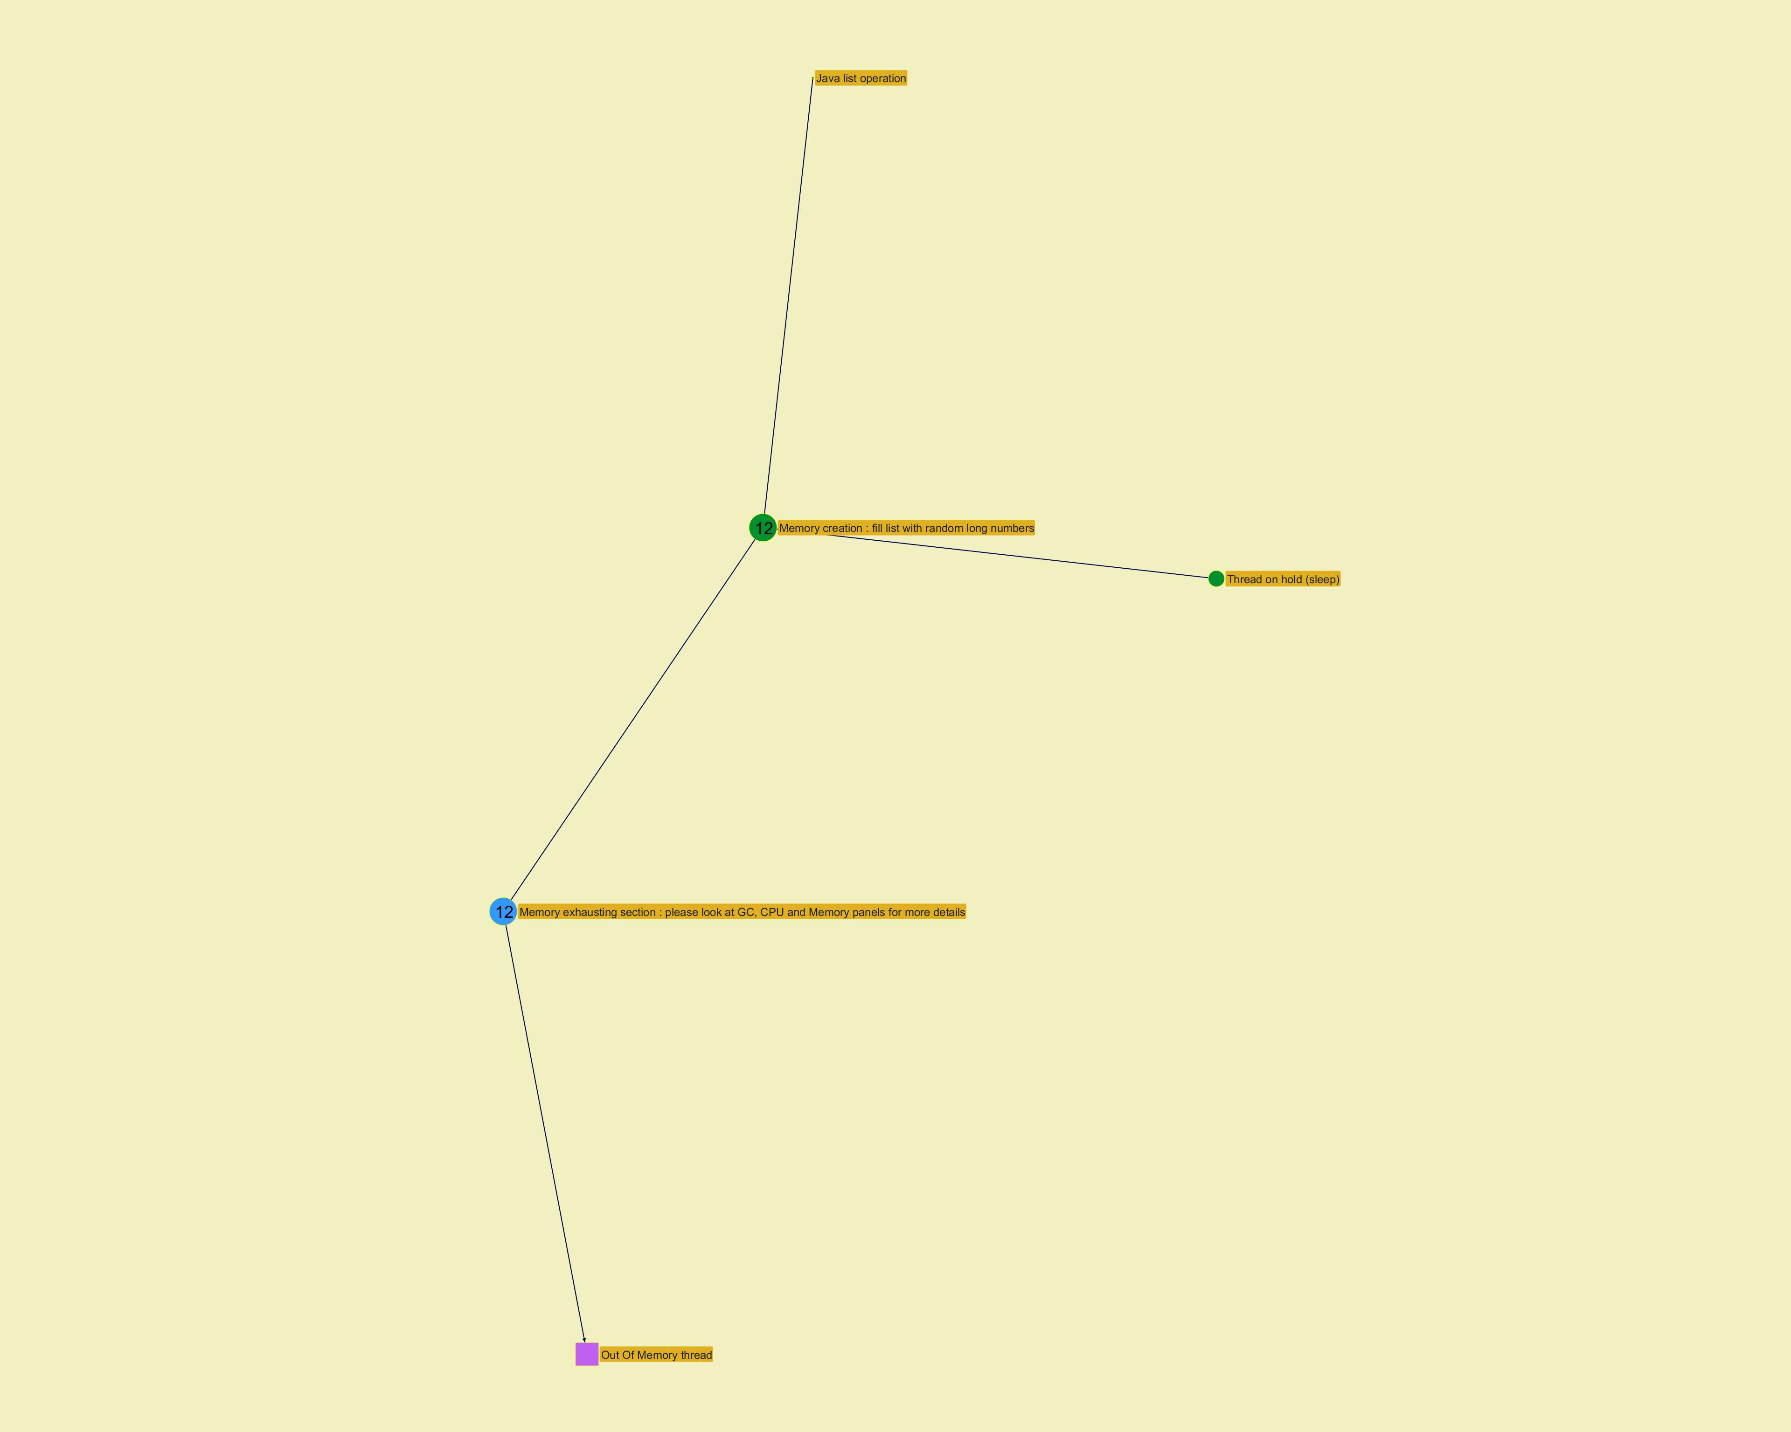

­

Function histogram
...
­
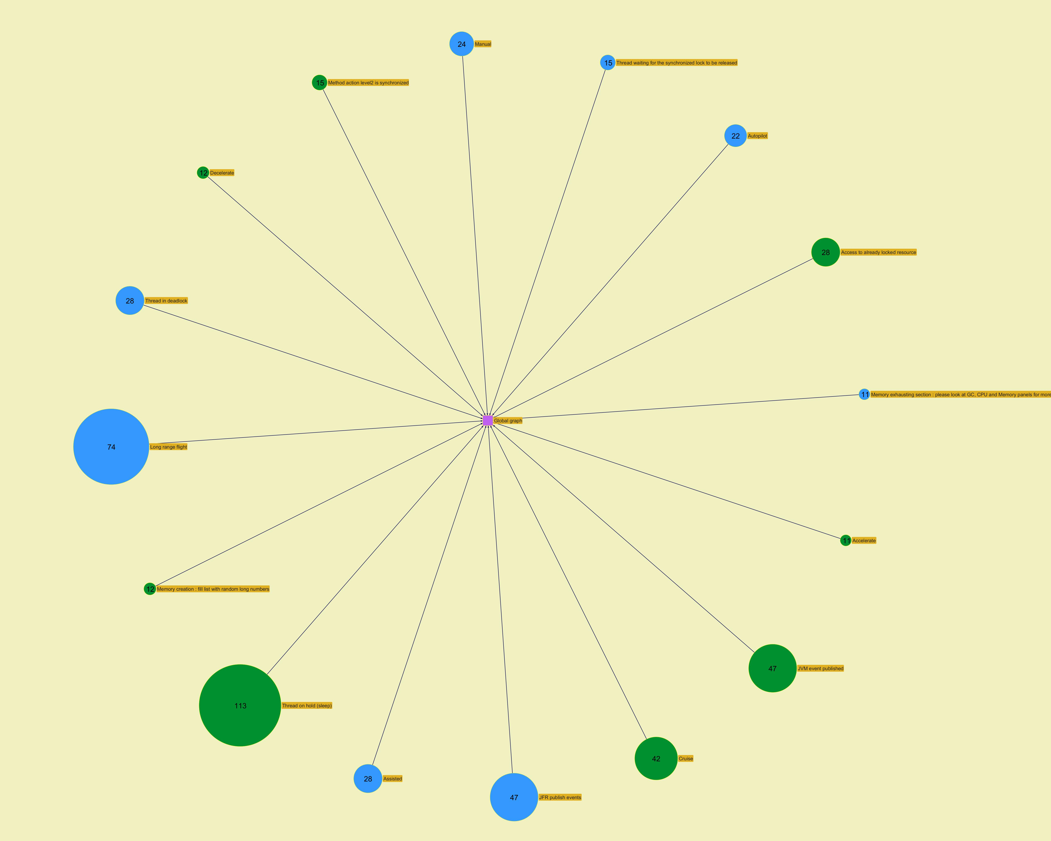
...
­

Modules
...
­




