Menu

JZR report | Jeyzer |  | Items | A fact acquires its true and full value only through the idea which is developed from it. Justus Von Liebig
 | Session info | Lists analysis and session recording information. | 50
 | Process card | Displays and groups all the process properties per category : OS, architecture, startup parameters... Permits to collect technical details helping in the troubleshooting. | 40
 | Detected incidents | Displays the detected incidents. | 3
 | Monitoring sequence | Displays monitoring events on a Jeyzer time sequence, along with header figures. | 3
 | Functions | Displays the demo features on a Jeyzer time sequence, focusing on functions and headers. | 532
 | Memory | Displays actions in a time line manner, focusing on process and thread memory consumption. Permits to identify high memory consuming actions. Includes memory graphs. | 532 (4)
 | CPU | Displays actions in a time line manner, focusing on process and thread CPU consumption. Permits to identify high CPU consuming actions. | 532 (1)
 | Locks | Displays actions in a time line manner, focusing on java lock operations, locked/locking threads as well as frozen stacks. Permits to identify deadlocks and slow downs due to excessive locking. | 532
 | Stack groups | Displays groups of similar stacks on a time line. Permits to get a good overview of the different process activities in a large multi-threaded environment. | 19
 | Function histogram | Displays and groups all the detected functions and operations. Permits to spot concentration points : I/O, specific action, database access.. | 13
 | Action histogram | Lists all the functions and operations at the action level. Permits to spot concentration points within actions. | 7 (6)
 | Action Profiling | Displays stack traces in a tree node style - grouped per action - with apperance/CPU/memory figures. Permits to detect bottlenecks in the applicative source code. | 7 (6)
 | Top stacks | Displays all stacks grouped by apperance order. Permits to spot eventual bottlenecks. | 11 (2)
 | All events | Displays the technical job start events along with the incident events. Permits to correlate both sides. | 7
 | Monitoring Rules | Displays monitoring rules applied on the current session. Includes rule hit count. | 94
 | Libraries | Displays the list of jar files loaded by the JVM. Includes their version and path. Detect the snapshot libraries. | 10
 | Modules | Displays the list of Java modules loaded by the JVM. Includes their version and attributes. Detect the snapshot libraries. | 22 (1)
 | Stickers | Displays the monitoring stickers. Includes sticker positive and negative matching. | 107
 | JVM Flags | Displays all the JVM flags including the changed ones. Permits to review the JVM technical details. Exhaustive JVM flag documentation available at : https://chriswhocodes.com/hotspot_options_jdk11.html | 13
 | Analysis Patterns | Lists all the master and shared analysis patterns used to generate this report. | 578
 | About | All about Jeyzer.

Memory
Jeyzer | Legend |  | 27 Dec 2023 | IST PROFILE |  |  |  |  | Up 0d 00:00 |  |  |  |  |  |  |  | 27 Dec 2023 | IST PROFILE |  |  |  |  | Up 0d 00:01
T id | Thread name | Max --/-- Mem | 21:55:27 | 21:55:32 | 21:55:37 | 21:55:42 | 21:55:47 | 21:55:52 | 21:55:57 | 21:56:02 | 21:56:07 | 21:56:12 | 21:56:17 | 21:56:22 | 21:56:27 | 21:56:32 | 21:56:37 | 21:56:43 | 21:56:48 | 21:56:53 | 21:56:58 | 21:57:03 | 21:57:08 | 21:57:13 | 21:57:18 | 21:57:23 | 21:57:28
 | System memory | 21,511 | 21,373 | 21,376 | 21,364 | 21,337 | 21,340 | 21,339 | 21,354 | 21,354 | 21,360 | 21,360 | 21,397 | 21,403 | 21,403 | 21,404 | 21,405 | 21,394 | 21,397 | 21,452 | 21,498 | 21,511 | 21,477 | 21,456 | 21,462 | 21,459 | 21,464
 | System memory % | 66.2 | 65.8 | 65.8 | 65.7 | 65.6 | 65.7 | 65.7 | 65.7 | 65.7 | 65.7 | 65.7 | 65.8 | 65.9 | 65.9 | 65.9 | 65.9 | 65.8 | 65.8 | 66.0 | 66.1 | 66.2 | 66.1 | 66.0 | 66.0 | 66.0 | 66.0
 |  |  | Process |  |  |  |  |  |  |  |  |  | Process |  |  |  |  |  |  |  |  |  | Process
 | Process computed memory | 6 | NA | 1 | 0 | 0 | 1 | 0 | 0 | 1 | 0 | 0 | 1 | 0 | 1 | 1 | 0 | 0 | 1 | 1 | 5 | 6 | 5 | 0 | 1 | 0 | 0
 | Applicative Memory Activity % |  | NA | 18.0 | 4.0 | 6.0 | 17.0 | 4.0 | 5.0 | 14.0 | 4.0 | 4.0 | 13.0 | 4.0 | 13.0 | 13.0 | 4.0 | 4.0 | 13.0 | 17.0 | 92.0 | 100.0 | 83.0 | 5.0 | 13.0 | 4.0 | 4.0
 | VM non heap used e | 22 | 20 | 20 | 20 | 20 | 20 | 20 | 20 | 20 | 20 | 20 | 20 | 20 | 21 | 21 | 21 | 21 | 21 | 21 | 21 | 21 | 22 | 22 | 22 | 22 | 22
 | Object pending finalization counter | 0 | 0 | 0 | 0 | 0 | 0 | 0 | 0 | 0 | 0 | 0 | 0 | 0 | 0 | 0 | 0 | 0 | 0 | 0 | 0 | 0 | 0 | 0 | 0 | 0 | 0
 |  |  | Heap |  |  |  |  |  |  |  |  |  | Heap |  |  |  |  |  |  |  |  |  | Heap
 | VM heap used e | 77 | 56 | 59 | 61 | 61 | 61 | 61 | 63 | 63 | 64 | 64 | 66 | 66 | 66 | 67 | 69 | 69 | 69 | 71 | 77 | 10 | 24 | 25 | 28 | 29 | 29
 | VM heap max | 758 | 758 | 758 | 758 | 758 | 758 | 758 | 758 | 758 | 758 | 758 | 758 | 758 | 758 | 758 | 758 | 758 | 758 | 758 | 758 | 758 | 758 | 758 | 758 | 758 | 758
 | Heap size | 77 | 56 | 59 | 61 | 61 | 61 | 61 | 63 | 63 | 64 | 64 | 66 | 66 | 66 | 67 | 69 | 69 | 69 | 71 | 77 | 5 | 20 | 20 | 24 | 25 | 25
 | Heap usage % d | 10.3 | 7.5 | 7.9 | 8.1 | 8.1 | 8.1 | 8.1 | 8.4 | 8.4 | 8.6 | 8.6 | 8.8 | 8.8 | 8.8 | 9.0 | 9.2 | 9.2 | 9.2 | 9.4 | 10.3 | 0.7 | 2.7 | 2.7 | 3.2 | 3.3 | 3.3
 |  |  | Young gen |  |  |  |  |  |  |  |  |  | Young gen |  |  |  |  |  |  |  |  |  | Young gen
 | Eden used b | 77 | 56 | 59 | 61 | 61 | 61 | 61 | 63 | 63 | 64 | 64 | 66 | 66 | 66 | 67 | 69 | 69 | 69 | 71 | 77 | 5 | 20 | 20 | 24 | 25 | 25
 |  |  | Old gen |  |  |  |  |  |  |  |  |  | Old gen |  |  |  |  |  |  |  |  |  | Old gen
 | Old Gen used a b | 0 | 0 | 0 | 0 | 0 | 0 | 0 | 0 | 0 | 0 | 0 | 0 | 0 | 0 | 0 | 0 | 0 | 0 | 0 | 0 | 0 | 0 | 0 | 0 | 0 | 0
 | Old Gen Usage % d | 0.0 | 0.0 | 0.0 | 0.0 | 0.0 | 0.0 | 0.0 | 0.0 | 0.0 | 0.0 | 0.0 | 0.0 | 0.0 | 0.0 | 0.0 | 0.0 | 0.0 | 0.0 | 0.0 | 0.0 | 0.0 | 0.0 | 0.0 | 0.0 | 0.0 | 0.0
 | Old Gen committed a | 408 | 408 | 408 | 408 | 408 | 408 | 408 | 408 | 408 | 408 | 408 | 408 | 408 | 408 | 408 | 408 | 408 | 408 | 408 | 408 | 408 | 408 | 408 | 408 | 408 | 408
 | Old Gen max a | 668 | 668 | 668 | 668 | 668 | 668 | 668 | 668 | 668 | 668 | 668 | 668 | 668 | 668 | 668 | 668 | 668 | 668 | 668 | 668 | 668 | 668 | 668 | 668 | 668 | 668
 | Old Gen Peak | 0 | 0 | 0 | 0 | 0 | 0 | 0 | 0 | 0 | 0 | 0 | 0 | 0 | 0 | 0 | 0 | 0 | 0 | 0 | 0 | 0 | 0 | 0 | 0 | 0 | 0
 | Old Gen after collection a | 0 | 0 | 0 | 0 | 0 | 0 | 0 | 0 | 0 | 0 | 0 | 0 | 0 | 0 | 0 | 0 | 0 | 0 | 0 | 0 | 0 | 0 | 0 | 0 | 0 | 0
30 | Job dummy #1 | NA | Perform / Scan / NA / 0%
34 | Job dummy #2 | 0 Mb |  | Focus / Commit / 0 Mb / 0% | Focus / Commit / 0 Mb / 0%
35 | Job dummy #3 | 0 Mb |  | Perform / Scan / 0 Mb / 0% | Perform / Scan / 0 Mb / 0% | Perform / Scan / 0 Mb / 0%
36 | Job dummy #4 | 0 Mb |  | Analyze / Compute / 0 Mb / 0% | Analyze / Compute / 0 Mb / 0%
37 | Job dummy #5 | 0 Mb |  |  | Perform / Scan / 0 Mb / 0% | Perform / Scan / 0 Mb / 0%
38 | Job dummy #6 | 0 Mb |  |  | Focus / Scan / 0 Mb / 0%
39 | Job executor_presence #1 | 0 Mb |  |  |  | Important execution / Thread on hold (sleep) / 0 Mb / 0% | Important execution / Thread on hold (sleep) / 0 Mb / 0% | Important execution / Thread on hold (sleep) / 0 Mb / 0%
40 | Job dummy #7 | 0 Mb |  |  |  |  |  | Analyze / Commit / 0 Mb / 0%
41 | Job dummy #8 | 0 Mb |  |  |  |  |  | Analyze / Commit / 0 Mb / 0% | Analyze / Commit / 0 Mb / 0%
42 | Job dummy #9 | 0 Mb |  |  |  |  |  | Focus / Scan / 0 Mb / 0% | Focus / Scan / 0 Mb / 0%
43 | Job dummy #10 | 0 Mb |  |  |  |  |  |  | Perform / Commit / 0 Mb / 0% | Perform / Commit / 0 Mb / 0% | Perform / Commit / 0 Mb / 0%
44 | Job dummy #11 | 0 Mb |  |  |  |  |  |  |  | Analyze / Read / 0 Mb / 0%
45 | Job dummy #12 | 0 Mb |  |  |  |  |  |  |  |  |  | Perform / Commit / 0 Mb / 0%
46 | Job dummy #13 | 0 Mb |  |  |  |  |  |  |  |  |  | Focus / Scan / 0 Mb / 0%
47 | Job mx_bean_parameter_number_higher #1 | 0 Mb |  |  |  |  |  |  |  |  |  |  | Fly higher / Thread on hold (sleep) / 0 Mb / 0% | Fly higher / Thread on hold (sleep) / 0 Mb / 0% | Fly higher / Thread on hold (sleep) / 0 Mb / 0%
48 | Job dummy #14 | 0 Mb |  |  |  |  |  |  |  |  |  |  | Perform / Scan / 0 Mb / 0%
49 | Job dummy #15 | 0 Mb |  |  |  |  |  |  |  |  |  |  |  | Focus / Commit / 0 Mb / 0% | Focus / Commit / 0 Mb / 0%
50 | Job dummy #16 | 0 Mb |  |  |  |  |  |  |  |  |  |  |  | Analyze / Commit / 0 Mb / 0%
51 | Job dummy #17 | 0 Mb |  |  |  |  |  |  |  |  |  |  |  |  |  | Focus / Commit / 0 Mb / 0% | Focus / Commit / 0 Mb / 0% | Focus / Commit / 0 Mb / 0%
52 | Job dummy #18 | 0 Mb |  |  |  |  |  |  |  |  |  |  |  |  |  |  | Focus / Commit / 0 Mb / 0%
53 | Job dummy #19 | 0 Mb |  |  |  |  |  |  |  |  |  |  |  |  |  |  |  | Focus / Commit / 0 Mb / 0%
54 | Job dummy #20 | 0 Mb |  |  | Task | (ATBI) | Action to be identified |  |  |  |  |  |  |  |  |  |  | Focus / Commit / 0 Mb / 0%
55 | Job dummy #21 | 0 Mb |  |  |  | (OTBI) | Operation to be identified |  |  |  |  |  |  |  |  |  |  | Focus / Commit / 0 Mb / 0% | Focus / Commit / 0 Mb / 0% | Focus / Commit / 0 Mb / 0%
56 | Job active_thread_limit #1 | 0 Mb |  |  |  | (value) | Consumed memory > 100Mb |  |  |  |  |  |  |  |  |  |  |  |  | Create active threads / Thread on hold (sleep) / 0 Mb / 5% | Create active threads / Thread on hold (sleep) / 0 Mb / 0% | Create active threads / Thread on hold (sleep) / 0 Mb / 0%
57 | Job dummy #22 | 0 Mb |  |  |  | (value) | Applicative memory activity > 50% |  |  |  |  |  |  |  |  |  |  |  |  | Analyze / Read / 0 Mb / 0% | Analyze / Read / 0 Mb / 0%
58 | Job active_thread_limit-sub #1 | 0 Mb |  |  |  |  |  |  |  |  |  |  |  |  |  |  |  |  |  | Active thread / Thread on hold (sleep) / 0 Mb / 0% | Active thread / Thread on hold (sleep) / 0 Mb / 0% | Active thread / Thread on hold (sleep) / 0 Mb / 0%
59 | Job active_thread_limit-sub #2 | 0 Mb |  |  |  |  |  |  |  |  |  |  |  |  |  |  |  |  |  | Active thread / Thread on hold (sleep) / 0 Mb / 0% | Active thread / Thread on hold (sleep) / 0 Mb / 0% | Active thread / Thread on hold (sleep) / 0 Mb / 0%
60 | Job active_thread_limit-sub #3 | 0 Mb |  |  |  |  |  |  |  |  |  |  |  |  |  |  |  |  |  | Active thread / Thread on hold (sleep) / 0 Mb / 0% | Active thread / Thread on hold (sleep) / 0 Mb / 0% | Active thread / Thread on hold (sleep) / 0 Mb / 0%
61 | Job active_thread_limit-sub #4 | 0 Mb |  |  | Appearance | Type | Action % | Action count | Global % | Global count | Type |  |  |  |  |  |  |  |  | Active thread / Thread on hold (sleep) / 0 Mb / 0% | Active thread / Thread on hold (sleep) / 0 Mb / 0% | Active thread / Thread on hold (sleep) / 0 Mb / 0%
62 | Job active_thread_limit-sub #5 | 0 Mb |  |  | Stats | (value) | 0 | 0 | 0 | 0 | Consumed memory > 100Mb |  |  |  |  |  |  |  |  | Active thread / Thread on hold (sleep) / 0 Mb / 0% | Active thread / Thread on hold (sleep) / 0 Mb / 0% | Active thread / Thread on hold (sleep) / 0 Mb / 0%
63 | Job active_thread_limit-sub #6 | 0 Mb |  |  |  | (value) | 0 | 0 | 0 | 0 | Consumed memory > 0 Mb |  |  |  |  |  |  |  |  | Active thread / Thread on hold (sleep) / 0 Mb / 0% | Active thread / Thread on hold (sleep) / 0 Mb / 0% | Active thread / Thread on hold (sleep) / 0 Mb / 0%
64 | Job active_thread_limit-sub #7 | 0 Mb |  |  |  | (value) | 0 | 0 | 0 | 0 | Applicative memory activity > 50% |  |  |  |  |  |  |  |  | Active thread / Thread on hold (sleep) / 0 Mb / 0% | Active thread / Thread on hold (sleep) / 0 Mb / 0% | Active thread / Thread on hold (sleep) / 0 Mb / 0%
65 | Job active_thread_limit-sub #8 | 0 Mb |  |  |  |  |  |  |  |  |  |  |  |  |  |  |  |  |  | Active thread / Thread on hold (sleep) / 0 Mb / 0% | Active thread / Thread on hold (sleep) / 0 Mb / 0% | Active thread / Thread on hold (sleep) / 0 Mb / 0%
66 | Job active_thread_limit-sub #9 | 0 Mb |  |  |  |  |  |  |  |  |  |  |  |  |  |  |  |  |  | Active thread / Thread on hold (sleep) / 0 Mb / 0% | Active thread / Thread on hold (sleep) / 0 Mb / 0% | Active thread / Thread on hold (sleep) / 0 Mb / 0%
67 | Job active_thread_limit-sub #10 | 0 Mb |  |  |  |  |  |  |  |  |  |  |  |  |  |  |  |  |  | Active thread / Thread on hold (sleep) / 0 Mb / 0% | Active thread / Thread on hold (sleep) / 0 Mb / 0% | Active thread / Thread on hold (sleep) / 0 Mb / 0%
68 | Job active_thread_limit-sub #11 | 0 Mb |  |  |  |  |  |  |  |  |  |  |  |  |  |  |  |  |  | Active thread / Thread on hold (sleep) / 0 Mb / 0% | Active thread / Thread on hold (sleep) / 0 Mb / 0% | Active thread / Thread on hold (sleep) / 0 Mb / 0%
69 | Job active_thread_limit-sub #12 | 0 Mb |  |  |  |  |  |  |  |  |  |  |  |  |  |  |  |  |  | Active thread / Thread on hold (sleep) / 0 Mb / 0% | Active thread / Thread on hold (sleep) / 0 Mb / 0% | Active thread / Thread on hold (sleep) / 0 Mb / 0%
70 | Job active_thread_limit-sub #13 | 0 Mb |  |  |  |  |  |  |  |  |  |  |  |  |  |  |  |  |  | Active thread / Thread on hold (sleep) / 0 Mb / 0% | Active thread / Thread on hold (sleep) / 0 Mb / 0% | Active thread / Thread on hold (sleep) / 0 Mb / 0%
71 | Job active_thread_limit-sub #14 | 0 Mb |  |  |  |  |  |  |  |  |  |  |  |  |  |  |  |  |  | Active thread / Thread on hold (sleep) / 0 Mb / 0% | Active thread / Thread on hold (sleep) / 0 Mb / 0% | Active thread / Thread on hold (sleep) / 0 Mb / 0%
72 | Job active_thread_limit-sub #15 | 0 Mb |  |  |  |  |  |  |  |  |  |  |  |  |  |  |  |  |  | Active thread / Thread on hold (sleep) / 0 Mb / 0% | Active thread / Thread on hold (sleep) / 0 Mb / 0% | Active thread / Thread on hold (sleep) / 0 Mb / 0%
73 | Job active_thread_limit-sub #16 | 0 Mb |  |  |  |  |  |  |  |  |  |  |  |  |  |  |  |  |  | Active thread / Thread on hold (sleep) / 0 Mb / 0% | Active thread / Thread on hold (sleep) / 0 Mb / 0% | Active thread / Thread on hold (sleep) / 0 Mb / 0%
74 | Job active_thread_limit-sub #17 | 0 Mb |  |  |  |  |  |  |  |  |  |  |  |  |  |  |  |  |  | Active thread / Thread on hold (sleep) / 0 Mb / 0% | Active thread / Thread on hold (sleep) / 0 Mb / 0% | Active thread / Thread on hold (sleep) / 0 Mb / 0%
75 | Job active_thread_limit-sub #18 | 0 Mb |  |  |  |  |  |  |  |  |  |  |  |  |  |  |  |  |  | Active thread / Thread on hold (sleep) / 0 Mb / 0% | Active thread / Thread on hold (sleep) / 0 Mb / 0% | Active thread / Thread on hold (sleep) / 0 Mb / 0%
76 | Job active_thread_limit-sub #19 | 0 Mb |  |  |  |  |  |  |  |  |  |  |  |  |  |  |  |  |  | Active thread / Thread on hold (sleep) / 0 Mb / 0% | Active thread / Thread on hold (sleep) / 0 Mb / 0% | Active thread / Thread on hold (sleep) / 0 Mb / 0%
77 | Job active_thread_limit-sub #20 | 0 Mb |  |  |  |  |  |  |  |  |  |  |  |  |  |  |  |  |  | Active thread / Thread on hold (sleep) / 0 Mb / 0% | Active thread / Thread on hold (sleep) / 0 Mb / 0% | Active thread / Thread on hold (sleep) / 0 Mb / 0%
78 | Job active_thread_limit-sub #21 | 0 Mb |  |  |  |  |  |  |  |  |  |  |  |  |  |  |  |  |  | Active thread / Thread on hold (sleep) / 0 Mb / 0% | Active thread / Thread on hold (sleep) / 0 Mb / 0% | Active thread / Thread on hold (sleep) / 0 Mb / 0%
79 | Job active_thread_limit-sub #22 | 0 Mb |  |  |  |  |  |  |  |  |  |  |  |  |  |  |  |  |  | Active thread / Thread on hold (sleep) / 0 Mb / 0% | Active thread / Thread on hold (sleep) / 0 Mb / 0% | Active thread / Thread on hold (sleep) / 0 Mb / 0%
80 | Job active_thread_limit-sub #23 | 0 Mb |  |  |  |  |  |  |  |  |  |  |  |  |  |  |  |  |  | Active thread / Thread on hold (sleep) / 0 Mb / 0% | Active thread / Thread on hold (sleep) / 0 Mb / 0% | Active thread / Thread on hold (sleep) / 0 Mb / 0%
81 | Job active_thread_limit-sub #24 | 0 Mb |  |  |  |  |  |  |  |  |  |  |  |  |  |  |  |  |  | Active thread / Thread on hold (sleep) / 0 Mb / 0% | Active thread / Thread on hold (sleep) / 0 Mb / 0% | Active thread / Thread on hold (sleep) / 0 Mb / 0%
82 | Job active_thread_limit-sub #25 | 0 Mb |  |  |  |  |  |  |  |  |  |  |  |  |  |  |  |  |  | Active thread / Thread on hold (sleep) / 0 Mb / 0% | Active thread / Thread on hold (sleep) / 0 Mb / 0% | Active thread / Thread on hold (sleep) / 0 Mb / 0%
83 | Job active_thread_limit-sub #26 | 0 Mb |  |  |  |  |  |  |  |  |  |  |  |  |  |  |  |  |  | Active thread / Thread on hold (sleep) / 0 Mb / 0% | Active thread / Thread on hold (sleep) / 0 Mb / 0% | Active thread / Thread on hold (sleep) / 0 Mb / 0%
84 | Job active_thread_limit-sub #27 | 0 Mb |  |  |  |  |  |  |  |  |  |  |  |  |  |  |  |  |  | Active thread / Thread on hold (sleep) / 0 Mb / 0% | Active thread / Thread on hold (sleep) / 0 Mb / 0% | Active thread / Thread on hold (sleep) / 0 Mb / 0%
85 | Job active_thread_limit-sub #28 | 0 Mb |  |  |  |  |  |  |  |  |  |  |  |  |  |  |  |  |  | Active thread / Thread on hold (sleep) / 0 Mb / 0% | Active thread / Thread on hold (sleep) / 0 Mb / 0% | Active thread / Thread on hold (sleep) / 0 Mb / 0%
86 | Job active_thread_limit-sub #29 | 0 Mb |  |  |  |  |  |  |  |  |  |  |  |  |  |  |  |  |  | Active thread / Thread on hold (sleep) / 0 Mb / 0% | Active thread / Thread on hold (sleep) / 0 Mb / 0% | Active thread / Thread on hold (sleep) / 0 Mb / 0%
87 | Job active_thread_limit-sub #30 | 0 Mb |  |  |  |  |  |  |  |  |  |  |  |  |  |  |  |  |  | Active thread / Thread on hold (sleep) / 0 Mb / 0% | Active thread / Thread on hold (sleep) / 0 Mb / 0% | Active thread / Thread on hold (sleep) / 0 Mb / 0%
88 | Job active_thread_limit-sub #31 | 0 Mb |  |  |  |  |  |  |  |  |  |  |  |  |  |  |  |  |  | Active thread / Thread on hold (sleep) / 0 Mb / 0% | Active thread / Thread on hold (sleep) / 0 Mb / 0% | Active thread / Thread on hold (sleep) / 0 Mb / 0%
89 | Job active_thread_limit-sub #32 | 0 Mb |  |  |  |  |  |  |  |  |  |  |  |  |  |  |  |  |  | Active thread / Thread on hold (sleep) / 0 Mb / 0% | Active thread / Thread on hold (sleep) / 0 Mb / 0% | Active thread / Thread on hold (sleep) / 0 Mb / 0%
90 | Job active_thread_limit-sub #33 | 0 Mb |  |  |  |  |  |  |  |  |  |  |  |  |  |  |  |  |  | Active thread / Thread on hold (sleep) / 0 Mb / 0% | Active thread / Thread on hold (sleep) / 0 Mb / 0% | Active thread / Thread on hold (sleep) / 0 Mb / 0%
91 | Job active_thread_limit-sub #34 | 0 Mb |  |  |  |  |  |  |  |  |  |  |  |  |  |  |  |  |  | Active thread / Thread on hold (sleep) / 0 Mb / 0% | Active thread / Thread on hold (sleep) / 0 Mb / 0% | Active thread / Thread on hold (sleep) / 0 Mb / 0%
92 | Job active_thread_limit-sub #35 | 0 Mb |  |  |  |  |  |  |  |  |  |  |  |  |  |  |  |  |  | Active thread / Thread on hold (sleep) / 0 Mb / 0% | Active thread / Thread on hold (sleep) / 0 Mb / 0% | Active thread / Thread on hold (sleep) / 0 Mb / 0%
93 | Job active_thread_limit-sub #36 | 0 Mb |  |  |  |  |  |  |  |  |  |  |  |  |  |  |  |  |  | Active thread / Thread on hold (sleep) / 0 Mb / 0% | Active thread / Thread on hold (sleep) / 0 Mb / 0% | Active thread / Thread on hold (sleep) / 0 Mb / 0%
94 | Job active_thread_limit-sub #37 | 0 Mb |  |  |  |  |  |  |  |  |  |  |  |  |  |  |  |  |  | Active thread / Thread on hold (sleep) / 0 Mb / 0% | Active thread / Thread on hold (sleep) / 0 Mb / 0% | Active thread / Thread on hold (sleep) / 0 Mb / 0%
95 | Job active_thread_limit-sub #38 | 0 Mb |  |  |  |  |  |  |  |  |  |  |  |  |  |  |  |  |  | Active thread / Thread on hold (sleep) / 0 Mb / 0% | Active thread / Thread on hold (sleep) / 0 Mb / 0% | Active thread / Thread on hold (sleep) / 0 Mb / 0%
96 | Job active_thread_limit-sub #39 | 0 Mb |  |  |  |  |  |  |  |  |  |  |  |  |  |  |  |  |  | Active thread / Thread on hold (sleep) / 0 Mb / 0% | Active thread / Thread on hold (sleep) / 0 Mb / 0% | Active thread / Thread on hold (sleep) / 0 Mb / 0%
97 | Job active_thread_limit-sub #40 | 0 Mb |  |  |  |  |  |  |  |  |  |  |  |  |  |  |  |  |  | Active thread / Thread on hold (sleep) / 0 Mb / 0% | Active thread / Thread on hold (sleep) / 0 Mb / 0% | Active thread / Thread on hold (sleep) / 0 Mb / 0%
98 | Job active_thread_limit-sub #41 | 0 Mb |  |  |  |  |  |  |  |  |  |  |  |  |  |  |  |  |  | Active thread / Thread on hold (sleep) / 0 Mb / 0% | Active thread / Thread on hold (sleep) / 0 Mb / 0% | Active thread / Thread on hold (sleep) / 0 Mb / 0%
99 | Job active_thread_limit-sub #42 | 0 Mb |  |  |  |  |  |  |  |  |  |  |  |  |  |  |  |  |  | Active thread / Thread on hold (sleep) / 0 Mb / 0% | Active thread / Thread on hold (sleep) / 0 Mb / 0% | Active thread / Thread on hold (sleep) / 0 Mb / 0%
100 | Job active_thread_limit-sub #43 | 0 Mb |  |  |  |  |  |  |  |  |  |  |  |  |  |  |  |  |  | Active thread / Thread on hold (sleep) / 0 Mb / 0% | Active thread / Thread on hold (sleep) / 0 Mb / 0% | Active thread / Thread on hold (sleep) / 0 Mb / 0%
101 | Job active_thread_limit-sub #44 | 0 Mb |  |  |  |  |  |  |  |  |  |  |  |  |  |  |  |  |  | Active thread / Thread on hold (sleep) / 0 Mb / 0% | Active thread / Thread on hold (sleep) / 0 Mb / 0% | Active thread / Thread on hold (sleep) / 0 Mb / 0%
102 | Job active_thread_limit-sub #45 | 0 Mb |  |  |  |  |  |  |  |  |  |  |  |  |  |  |  |  |  | Active thread / Thread on hold (sleep) / 0 Mb / 0% | Active thread / Thread on hold (sleep) / 0 Mb / 0% | Active thread / Thread on hold (sleep) / 0 Mb / 0%
103 | Job active_thread_limit-sub #46 | 0 Mb |  |  |  |  |  |  |  |  |  |  |  |  |  |  |  |  |  | Active thread / Thread on hold (sleep) / 0 Mb / 0% | Active thread / Thread on hold (sleep) / 0 Mb / 0% | Active thread / Thread on hold (sleep) / 0 Mb / 0%
104 | Job active_thread_limit-sub #47 | 0 Mb |  |  |  |  |  |  |  |  |  |  |  |  |  |  |  |  |  | Active thread / Thread on hold (sleep) / 0 Mb / 0% | Active thread / Thread on hold (sleep) / 0 Mb / 0% | Active thread / Thread on hold (sleep) / 0 Mb / 0%
105 | Job active_thread_limit-sub #48 | 0 Mb |  |  |  |  |  |  |  |  |  |  |  |  |  |  |  |  |  | Active thread / Thread on hold (sleep) / 0 Mb / 0% | Active thread / Thread on hold (sleep) / 0 Mb / 0% | Active thread / Thread on hold (sleep) / 0 Mb / 0%
106 | Job active_thread_limit-sub #49 | 0 Mb |  |  |  |  |  |  |  |  |  |  |  |  |  |  |  |  |  | Active thread / Thread on hold (sleep) / 0 Mb / 0% | Active thread / Thread on hold (sleep) / 0 Mb / 0% | Active thread / Thread on hold (sleep) / 0 Mb / 0%
107 | Job active_thread_limit-sub #50 | 0 Mb |  |  |  |  |  |  |  |  |  |  |  |  |  |  |  |  |  | Active thread / Thread on hold (sleep) / 0 Mb / 0% | Active thread / Thread on hold (sleep) / 0 Mb / 0% | Active thread / Thread on hold (sleep) / 0 Mb / 0%
108 | Job active_thread_limit-sub #51 | 0 Mb |  |  |  |  |  |  |  |  |  |  |  |  |  |  |  |  |  | Active thread / Thread on hold (sleep) / 0 Mb / 0% | Active thread / Thread on hold (sleep) / 0 Mb / 0% | Active thread / Thread on hold (sleep) / 0 Mb / 0%
109 | Job active_thread_limit-sub #52 | 0 Mb |  |  |  |  |  |  |  |  |  |  |  |  |  |  |  |  |  | Active thread / Thread on hold (sleep) / 0 Mb / 0% | Active thread / Thread on hold (sleep) / 0 Mb / 0% | Active thread / Thread on hold (sleep) / 0 Mb / 0%
110 | Job active_thread_limit-sub #53 | 0 Mb |  |  |  |  |  |  |  |  |  |  |  |  |  |  |  |  |  | Active thread / Thread on hold (sleep) / 0 Mb / 0% | Active thread / Thread on hold (sleep) / 0 Mb / 0% | Active thread / Thread on hold (sleep) / 0 Mb / 0%
111 | Job active_thread_limit-sub #54 | 0 Mb |  |  |  |  |  |  |  |  |  |  |  |  |  |  |  |  |  | Active thread / Thread on hold (sleep) / 0 Mb / 0% | Active thread / Thread on hold (sleep) / 0 Mb / 0% | Active thread / Thread on hold (sleep) / 0 Mb / 0%
112 | Job active_thread_limit-sub #55 | 0 Mb |  |  |  |  |  |  |  |  |  |  |  |  |  |  |  |  |  | Active thread / Thread on hold (sleep) / 0 Mb / 0% | Active thread / Thread on hold (sleep) / 0 Mb / 0% | Active thread / Thread on hold (sleep) / 0 Mb / 0%
113 | Job active_thread_limit-sub #56 | 0 Mb |  |  |  |  |  |  |  |  |  |  |  |  |  |  |  |  |  | Active thread / Thread on hold (sleep) / 0 Mb / 0% | Active thread / Thread on hold (sleep) / 0 Mb / 0% | Active thread / Thread on hold (sleep) / 0 Mb / 0%
114 | Job active_thread_limit-sub #57 | 0 Mb |  |  |  |  |  |  |  |  |  |  |  |  |  |  |  |  |  | Active thread / Thread on hold (sleep) / 0 Mb / 0% | Active thread / Thread on hold (sleep) / 0 Mb / 0% | Active thread / Thread on hold (sleep) / 0 Mb / 0%
115 | Job active_thread_limit-sub #58 | 0 Mb |  |  |  |  |  |  |  |  |  |  |  |  |  |  |  |  |  | Active thread / Thread on hold (sleep) / 0 Mb / 0% | Active thread / Thread on hold (sleep) / 0 Mb / 0% | Active thread / Thread on hold (sleep) / 0 Mb / 0%
116 | Job active_thread_limit-sub #59 | 0 Mb |  |  |  |  |  |  |  |  |  |  |  |  |  |  |  |  |  | Active thread / Thread on hold (sleep) / 0 Mb / 0% | Active thread / Thread on hold (sleep) / 0 Mb / 0% | Active thread / Thread on hold (sleep) / 0 Mb / 0%
117 | Job active_thread_limit-sub #60 | 0 Mb |  |  |  |  |  |  |  |  |  |  |  |  |  |  |  |  |  | Active thread / Thread on hold (sleep) / 0 Mb / 0% | Active thread / Thread on hold (sleep) / 0 Mb / 0% | Active thread / Thread on hold (sleep) / 0 Mb / 0%
118 | Job active_thread_limit-sub #61 | 0 Mb |  |  |  |  |  |  |  |  |  |  |  |  |  |  |  |  |  | Active thread / Thread on hold (sleep) / 0 Mb / 0% | Active thread / Thread on hold (sleep) / 0 Mb / 0% | Active thread / Thread on hold (sleep) / 0 Mb / 0%
119 | Job active_thread_limit-sub #62 | 0 Mb |  |  |  |  |  |  |  |  |  |  |  |  |  |  |  |  |  | Active thread / Thread on hold (sleep) / 0 Mb / 0% | Active thread / Thread on hold (sleep) / 0 Mb / 0% | Active thread / Thread on hold (sleep) / 0 Mb / 0%
120 | Job active_thread_limit-sub #63 | 0 Mb |  |  |  |  |  |  |  |  |  |  |  |  |  |  |  |  |  | Active thread / Thread on hold (sleep) / 0 Mb / 0% | Active thread / Thread on hold (sleep) / 0 Mb / 0% | Active thread / Thread on hold (sleep) / 0 Mb / 0%
121 | Job active_thread_limit-sub #64 | 0 Mb |  |  |  |  |  |  |  |  |  |  |  |  |  |  |  |  |  | Active thread / Thread on hold (sleep) / 0 Mb / 0% | Active thread / Thread on hold (sleep) / 0 Mb / 0% | Active thread / Thread on hold (sleep) / 0 Mb / 0%
122 | Job active_thread_limit-sub #65 | 0 Mb |  |  |  |  |  |  |  |  |  |  |  |  |  |  |  |  |  | Active thread / Thread on hold (sleep) / 0 Mb / 0% | Active thread / Thread on hold (sleep) / 0 Mb / 0% | Active thread / Thread on hold (sleep) / 0 Mb / 0%
123 | Job active_thread_limit-sub #66 | 0 Mb |  |  |  |  |  |  |  |  |  |  |  |  |  |  |  |  |  | Active thread / Thread on hold (sleep) / 0 Mb / 0% | Active thread / Thread on hold (sleep) / 0 Mb / 0% | Active thread / Thread on hold (sleep) / 0 Mb / 0%
124 | Job active_thread_limit-sub #67 | 0 Mb |  |  |  |  |  |  |  |  |  |  |  |  |  |  |  |  |  | Active thread / Thread on hold (sleep) / 0 Mb / 0% | Active thread / Thread on hold (sleep) / 0 Mb / 0% | Active thread / Thread on hold (sleep) / 0 Mb / 0%
125 | Job active_thread_limit-sub #68 | 0 Mb |  |  |  |  |  |  |  |  |  |  |  |  |  |  |  |  |  | Active thread / Thread on hold (sleep) / 0 Mb / 0% | Active thread / Thread on hold (sleep) / 0 Mb / 0% | Active thread / Thread on hold (sleep) / 0 Mb / 0%
126 | Job active_thread_limit-sub #69 | 0 Mb |  |  |  |  |  |  |  |  |  |  |  |  |  |  |  |  |  | Active thread / Thread on hold (sleep) / 0 Mb / 0% | Active thread / Thread on hold (sleep) / 0 Mb / 0% | Active thread / Thread on hold (sleep) / 0 Mb / 0%
127 | Job active_thread_limit-sub #70 | 0 Mb |  |  |  |  |  |  |  |  |  |  |  |  |  |  |  |  |  | Active thread / Thread on hold (sleep) / 0 Mb / 0% | Active thread / Thread on hold (sleep) / 0 Mb / 0% | Active thread / Thread on hold (sleep) / 0 Mb / 0%
128 | Job active_thread_limit-sub #71 | 0 Mb |  |  |  |  |  |  |  |  |  |  |  |  |  |  |  |  |  | Active thread / Thread on hold (sleep) / 0 Mb / 0% | Active thread / Thread on hold (sleep) / 0 Mb / 0% | Active thread / Thread on hold (sleep) / 0 Mb / 0%
129 | Job active_thread_limit-sub #72 | 0 Mb |  |  |  |  |  |  |  |  |  |  |  |  |  |  |  |  |  | Active thread / Thread on hold (sleep) / 0 Mb / 0% | Active thread / Thread on hold (sleep) / 0 Mb / 0% | Active thread / Thread on hold (sleep) / 0 Mb / 0%
130 | Job active_thread_limit-sub #73 | 0 Mb |  |  |  |  |  |  |  |  |  |  |  |  |  |  |  |  |  | Active thread / Thread on hold (sleep) / 0 Mb / 0% | Active thread / Thread on hold (sleep) / 0 Mb / 0% | Active thread / Thread on hold (sleep) / 0 Mb / 0%
131 | Job active_thread_limit-sub #74 | 0 Mb |  |  |  |  |  |  |  |  |  |  |  |  |  |  |  |  |  | Active thread / Thread on hold (sleep) / 0 Mb / 0% | Active thread / Thread on hold (sleep) / 0 Mb / 0% | Active thread / Thread on hold (sleep) / 0 Mb / 0%
132 | Job active_thread_limit-sub #75 | 0 Mb |  |  |  |  |  |  |  |  |  |  |  |  |  |  |  |  |  | Active thread / Thread on hold (sleep) / 0 Mb / 0% | Active thread / Thread on hold (sleep) / 0 Mb / 0% | Active thread / Thread on hold (sleep) / 0 Mb / 0%
133 | Job active_thread_limit-sub #76 | 0 Mb |  |  |  |  |  |  |  |  |  |  |  |  |  |  |  |  |  | Active thread / Thread on hold (sleep) / 0 Mb / 0% | Active thread / Thread on hold (sleep) / 0 Mb / 0% | Active thread / Thread on hold (sleep) / 0 Mb / 0%
134 | Job active_thread_limit-sub #77 | 0 Mb |  |  |  |  |  |  |  |  |  |  |  |  |  |  |  |  |  | Active thread / Thread on hold (sleep) / 0 Mb / 0% | Active thread / Thread on hold (sleep) / 0 Mb / 0% | Active thread / Thread on hold (sleep) / 0 Mb / 0%
135 | Job active_thread_limit-sub #78 | 0 Mb |  |  |  |  |  |  |  |  |  |  |  |  |  |  |  |  |  | Active thread / Thread on hold (sleep) / 0 Mb / 0% | Active thread / Thread on hold (sleep) / 0 Mb / 0% | Active thread / Thread on hold (sleep) / 0 Mb / 0%
136 | Job active_thread_limit-sub #79 | 0 Mb |  |  |  |  |  |  |  |  |  |  |  |  |  |  |  |  |  | Active thread / Thread on hold (sleep) / 0 Mb / 0% | Active thread / Thread on hold (sleep) / 0 Mb / 0% | Active thread / Thread on hold (sleep) / 0 Mb / 0%
137 | Job active_thread_limit-sub #80 | 0 Mb |  |  |  |  |  |  |  |  |  |  |  |  |  |  |  |  |  | Active thread / Thread on hold (sleep) / 0 Mb / 0% | Active thread / Thread on hold (sleep) / 0 Mb / 0% | Active thread / Thread on hold (sleep) / 0 Mb / 0%
138 | Job active_thread_limit-sub #81 | 0 Mb |  |  |  |  |  |  |  |  |  |  |  |  |  |  |  |  |  | Active thread / Thread on hold (sleep) / 0 Mb / 0% | Active thread / Thread on hold (sleep) / 0 Mb / 0% | Active thread / Thread on hold (sleep) / 0 Mb / 0%
139 | Job active_thread_limit-sub #82 | 0 Mb |  |  |  |  |  |  |  |  |  |  |  |  |  |  |  |  |  | Active thread / Thread on hold (sleep) / 0 Mb / 0% | Active thread / Thread on hold (sleep) / 0 Mb / 0% | Active thread / Thread on hold (sleep) / 0 Mb / 0%
140 | Job active_thread_limit-sub #83 | 0 Mb |  |  |  |  |  |  |  |  |  |  |  |  |  |  |  |  |  | Active thread / Thread on hold (sleep) / 0 Mb / 0% | Active thread / Thread on hold (sleep) / 0 Mb / 0% | Active thread / Thread on hold (sleep) / 0 Mb / 0%
141 | Job active_thread_limit-sub #84 | 0 Mb |  |  |  |  |  |  |  |  |  |  |  |  |  |  |  |  |  | Active thread / Thread on hold (sleep) / 0 Mb / 0% | Active thread / Thread on hold (sleep) / 0 Mb / 0% | Active thread / Thread on hold (sleep) / 0 Mb / 0%
142 | Job active_thread_limit-sub #85 | 0 Mb |  |  |  |  |  |  |  |  |  |  |  |  |  |  |  |  |  | Active thread / Thread on hold (sleep) / 0 Mb / 0% | Active thread / Thread on hold (sleep) / 0 Mb / 0% | Active thread / Thread on hold (sleep) / 0 Mb / 0%
143 | Job active_thread_limit-sub #86 | 0 Mb |  |  |  |  |  |  |  |  |  |  |  |  |  |  |  |  |  | Active thread / Thread on hold (sleep) / 0 Mb / 0% | Active thread / Thread on hold (sleep) / 0 Mb / 0% | Active thread / Thread on hold (sleep) / 0 Mb / 0%
144 | Job active_thread_limit-sub #87 | 0 Mb |  |  |  |  |  |  |  |  |  |  |  |  |  |  |  |  |  | Active thread / Thread on hold (sleep) / 0 Mb / 0% | Active thread / Thread on hold (sleep) / 0 Mb / 0% | Active thread / Thread on hold (sleep) / 0 Mb / 0%
145 | Job active_thread_limit-sub #88 | 0 Mb |  |  |  |  |  |  |  |  |  |  |  |  |  |  |  |  |  | Active thread / Thread on hold (sleep) / 0 Mb / 0% | Active thread / Thread on hold (sleep) / 0 Mb / 0% | Active thread / Thread on hold (sleep) / 0 Mb / 0%
146 | Job active_thread_limit-sub #89 | 0 Mb |  |  |  |  |  |  |  |  |  |  |  |  |  |  |  |  |  | Active thread / Thread on hold (sleep) / 0 Mb / 0% | Active thread / Thread on hold (sleep) / 0 Mb / 0% | Active thread / Thread on hold (sleep) / 0 Mb / 0%
147 | Job active_thread_limit-sub #90 | 0 Mb |  |  |  |  |  |  |  |  |  |  |  |  |  |  |  |  |  | Active thread / Thread on hold (sleep) / 0 Mb / 0% | Active thread / Thread on hold (sleep) / 0 Mb / 0% | Active thread / Thread on hold (sleep) / 0 Mb / 0%
148 | Job active_thread_limit-sub #91 | 0 Mb |  |  |  |  |  |  |  |  |  |  |  |  |  |  |  |  |  | Active thread / Thread on hold (sleep) / 0 Mb / 0% | Active thread / Thread on hold (sleep) / 0 Mb / 0% | Active thread / Thread on hold (sleep) / 0 Mb / 0%
149 | Job active_thread_limit-sub #92 | 0 Mb |  |  |  |  |  |  |  |  |  |  |  |  |  |  |  |  |  | Active thread / Thread on hold (sleep) / 0 Mb / 0% | Active thread / Thread on hold (sleep) / 0 Mb / 0% | Active thread / Thread on hold (sleep) / 0 Mb / 0%
150 | Job active_thread_limit-sub #93 | 0 Mb |  |  |  |  |  |  |  |  |  |  |  |  |  |  |  |  |  | Active thread / Thread on hold (sleep) / 0 Mb / 0% | Active thread / Thread on hold (sleep) / 0 Mb / 0% | Active thread / Thread on hold (sleep) / 0 Mb / 0%
151 | Job active_thread_limit-sub #94 | 0 Mb |  |  |  |  |  |  |  |  |  |  |  |  |  |  |  |  |  | Active thread / Thread on hold (sleep) / 0 Mb / 0% | Active thread / Thread on hold (sleep) / 0 Mb / 0% | Active thread / Thread on hold (sleep) / 0 Mb / 0%
152 | Job active_thread_limit-sub #95 | 0 Mb |  |  |  |  |  |  |  |  |  |  |  |  |  |  |  |  |  | Active thread / Thread on hold (sleep) / 0 Mb / 0% | Active thread / Thread on hold (sleep) / 0 Mb / 0% | Active thread / Thread on hold (sleep) / 0 Mb / 0%
153 | Job active_thread_limit-sub #96 | 0 Mb |  |  |  |  |  |  |  |  |  |  |  |  |  |  |  |  |  | Active thread / Thread on hold (sleep) / 0 Mb / 0% | Active thread / Thread on hold (sleep) / 0 Mb / 0% | Active thread / Thread on hold (sleep) / 0 Mb / 0%
154 | Job active_thread_limit-sub #97 | 0 Mb |  |  |  |  |  |  |  |  |  |  |  |  |  |  |  |  |  | Active thread / Thread on hold (sleep) / 0 Mb / 0% | Active thread / Thread on hold (sleep) / 0 Mb / 0% | Active thread / Thread on hold (sleep) / 0 Mb / 0%
155 | Job active_thread_limit-sub #98 | 0 Mb |  |  |  |  |  |  |  |  |  |  |  |  |  |  |  |  |  | Active thread / Thread on hold (sleep) / 0 Mb / 0% | Active thread / Thread on hold (sleep) / 0 Mb / 0% | Active thread / Thread on hold (sleep) / 0 Mb / 0%
156 | Job active_thread_limit-sub #99 | 0 Mb |  |  |  |  |  |  |  |  |  |  |  |  |  |  |  |  |  | Active thread / Thread on hold (sleep) / 0 Mb / 0% | Active thread / Thread on hold (sleep) / 0 Mb / 0% | Active thread / Thread on hold (sleep) / 0 Mb / 0%
157 | Job active_thread_limit-sub #100 | 0 Mb |  |  |  |  |  |  |  |  |  |  |  |  |  |  |  |  |  | Active thread / Thread on hold (sleep) / 0 Mb / 0% | Active thread / Thread on hold (sleep) / 0 Mb / 0% | Active thread / Thread on hold (sleep) / 0 Mb / 0%
158 | Job active_thread_limit-sub #101 | 0 Mb |  |  |  |  |  |  |  |  |  |  |  |  |  |  |  |  |  | Active thread / Thread on hold (sleep) / 0 Mb / 0% | Active thread / Thread on hold (sleep) / 0 Mb / 0% | Active thread / Thread on hold (sleep) / 0 Mb / 0%
159 | Job active_thread_limit-sub #102 | 0 Mb |  |  |  |  |  |  |  |  |  |  |  |  |  |  |  |  |  | Active thread / Thread on hold (sleep) / 0 Mb / 0% | Active thread / Thread on hold (sleep) / 0 Mb / 0% | Active thread / Thread on hold (sleep) / 0 Mb / 0%
160 | Job active_thread_limit-sub #103 | 0 Mb |  |  |  |  |  |  |  |  |  |  |  |  |  |  |  |  |  | Active thread / Thread on hold (sleep) / 0 Mb / 0% | Active thread / Thread on hold (sleep) / 0 Mb / 0% | Active thread / Thread on hold (sleep) / 0 Mb / 0%
161 | Job active_thread_limit-sub #104 | 0 Mb |  |  |  |  |  |  |  |  |  |  |  |  |  |  |  |  |  | Active thread / Thread on hold (sleep) / 0 Mb / 0% | Active thread / Thread on hold (sleep) / 0 Mb / 0% | Active thread / Thread on hold (sleep) / 0 Mb / 0%
162 | Job active_thread_limit-sub #105 | 0 Mb |  |  |  |  |  |  |  |  |  |  |  |  |  |  |  |  |  | Active thread / Thread on hold (sleep) / 0 Mb / 0% | Active thread / Thread on hold (sleep) / 0 Mb / 0% | Active thread / Thread on hold (sleep) / 0 Mb / 0%
163 | Job active_thread_limit-sub #106 | 0 Mb |  |  |  |  |  |  |  |  |  |  |  |  |  |  |  |  |  | Active thread / Thread on hold (sleep) / 0 Mb / 0% | Active thread / Thread on hold (sleep) / 0 Mb / 0% | Active thread / Thread on hold (sleep) / 0 Mb / 0%
164 | Job active_thread_limit-sub #107 | 0 Mb |  |  |  |  |  |  |  |  |  |  |  |  |  |  |  |  |  | Active thread / Thread on hold (sleep) / 0 Mb / 0% | Active thread / Thread on hold (sleep) / 0 Mb / 0% | Active thread / Thread on hold (sleep) / 0 Mb / 0%
165 | Job active_thread_limit-sub #108 | 0 Mb |  |  |  |  |  |  |  |  |  |  |  |  |  |  |  |  |  | Active thread / Thread on hold (sleep) / 0 Mb / 0% | Active thread / Thread on hold (sleep) / 0 Mb / 0% | Active thread / Thread on hold (sleep) / 0 Mb / 0%
166 | Job active_thread_limit-sub #109 | 0 Mb |  |  |  |  |  |  |  |  |  |  |  |  |  |  |  |  |  | Active thread / Thread on hold (sleep) / 0 Mb / 0% | Active thread / Thread on hold (sleep) / 0 Mb / 0% | Active thread / Thread on hold (sleep) / 0 Mb / 0%
167 | Job active_thread_limit-sub #110 | 0 Mb |  |  |  |  |  |  |  |  |  |  |  |  |  |  |  |  |  | Active thread / Thread on hold (sleep) / 0 Mb / 0% | Active thread / Thread on hold (sleep) / 0 Mb / 0% | Active thread / Thread on hold (sleep) / 0 Mb / 0%
168 | Job active_thread_limit-sub #111 | 0 Mb |  |  |  |  |  |  |  |  |  |  |  |  |  |  |  |  |  | Active thread / Thread on hold (sleep) / 0 Mb / 0% | Active thread / Thread on hold (sleep) / 0 Mb / 0% | Active thread / Thread on hold (sleep) / 0 Mb / 0%
169 | Job active_thread_limit-sub #112 | 0 Mb |  |  |  |  |  |  |  |  |  |  |  |  |  |  |  |  |  | Active thread / Thread on hold (sleep) / 0 Mb / 0% | Active thread / Thread on hold (sleep) / 0 Mb / 0% | Active thread / Thread on hold (sleep) / 0 Mb / 0%
170 | Job active_thread_limit-sub #113 | 0 Mb |  |  |  |  |  |  |  |  |  |  |  |  |  |  |  |  |  | Active thread / Thread on hold (sleep) / 0 Mb / 0% | Active thread / Thread on hold (sleep) / 0 Mb / 0% | Active thread / Thread on hold (sleep) / 0 Mb / 0%
171 | Job active_thread_limit-sub #114 | 0 Mb |  |  |  |  |  |  |  |  |  |  |  |  |  |  |  |  |  | Active thread / Thread on hold (sleep) / 0 Mb / 0% | Active thread / Thread on hold (sleep) / 0 Mb / 0% | Active thread / Thread on hold (sleep) / 0 Mb / 0%
172 | Job active_thread_limit-sub #115 | 0 Mb |  |  |  |  |  |  |  |  |  |  |  |  |  |  |  |  |  | Active thread / Thread on hold (sleep) / 0 Mb / 0% | Active thread / Thread on hold (sleep) / 0 Mb / 0% | Active thread / Thread on hold (sleep) / 0 Mb / 0%
173 | Job active_thread_limit-sub #116 | 0 Mb |  |  |  |  |  |  |  |  |  |  |  |  |  |  |  |  |  | Active thread / Thread on hold (sleep) / 0 Mb / 0% | Active thread / Thread on hold (sleep) / 0 Mb / 0% | Active thread / Thread on hold (sleep) / 0 Mb / 0%
174 | Job active_thread_limit-sub #117 | 0 Mb |  |  |  |  |  |  |  |  |  |  |  |  |  |  |  |  |  | Active thread / Thread on hold (sleep) / 0 Mb / 0% | Active thread / Thread on hold (sleep) / 0 Mb / 0% | Active thread / Thread on hold (sleep) / 0 Mb / 0%
175 | Job active_thread_limit-sub #118 | 0 Mb |  |  |  |  |  |  |  |  |  |  |  |  |  |  |  |  |  | Active thread / Thread on hold (sleep) / 0 Mb / 0% | Active thread / Thread on hold (sleep) / 0 Mb / 0% | Active thread / Thread on hold (sleep) / 0 Mb / 0%
176 | Job active_thread_limit-sub #119 | 0 Mb |  |  |  |  |  |  |  |  |  |  |  |  |  |  |  |  |  | Active thread / Thread on hold (sleep) / 0 Mb / 0% | Active thread / Thread on hold (sleep) / 0 Mb / 0% | Active thread / Thread on hold (sleep) / 0 Mb / 0%
177 | Job active_thread_limit-sub #120 | 0 Mb |  |  |  |  |  |  |  |  |  |  |  |  |  |  |  |  |  | Active thread / Thread on hold (sleep) / 0 Mb / 0% | Active thread / Thread on hold (sleep) / 0 Mb / 0% | Active thread / Thread on hold (sleep) / 0 Mb / 0%
178 | Job active_thread_limit-sub #121 | 0 Mb |  |  |  |  |  |  |  |  |  |  |  |  |  |  |  |  |  | Active thread / Thread on hold (sleep) / 0 Mb / 0% | Active thread / Thread on hold (sleep) / 0 Mb / 0% | Active thread / Thread on hold (sleep) / 0 Mb / 0%
179 | Job active_thread_limit-sub #122 | 0 Mb |  |  |  |  |  |  |  |  |  |  |  |  |  |  |  |  |  | Active thread / Thread on hold (sleep) / 0 Mb / 0% | Active thread / Thread on hold (sleep) / 0 Mb / 0% | Active thread / Thread on hold (sleep) / 0 Mb / 0%
180 | Job active_thread_limit-sub #123 | 0 Mb |  |  |  |  |  |  |  |  |  |  |  |  |  |  |  |  |  | Active thread / Thread on hold (sleep) / 0 Mb / 0% | Active thread / Thread on hold (sleep) / 0 Mb / 0% | Active thread / Thread on hold (sleep) / 0 Mb / 0%
181 | Job active_thread_limit-sub #124 | 0 Mb |  |  |  |  |  |  |  |  |  |  |  |  |  |  |  |  |  | Active thread / Thread on hold (sleep) / 0 Mb / 0% | Active thread / Thread on hold (sleep) / 0 Mb / 0% | Active thread / Thread on hold (sleep) / 0 Mb / 0%
182 | Job active_thread_limit-sub #125 | 0 Mb |  |  |  |  |  |  |  |  |  |  |  |  |  |  |  |  |  | Active thread / Thread on hold (sleep) / 0 Mb / 0% | Active thread / Thread on hold (sleep) / 0 Mb / 0% | Active thread / Thread on hold (sleep) / 0 Mb / 0%
183 | Job active_thread_limit-sub #126 | 0 Mb |  |  |  |  |  |  |  |  |  |  |  |  |  |  |  |  |  | Active thread / Thread on hold (sleep) / 0 Mb / 0% | Active thread / Thread on hold (sleep) / 0 Mb / 0% | Active thread / Thread on hold (sleep) / 0 Mb / 0%
184 | Job active_thread_limit-sub #127 | 0 Mb |  |  |  |  |  |  |  |  |  |  |  |  |  |  |  |  |  | Active thread / Thread on hold (sleep) / 0 Mb / 0% | Active thread / Thread on hold (sleep) / 0 Mb / 0% | Active thread / Thread on hold (sleep) / 0 Mb / 0%
185 | Job active_thread_limit-sub #128 | 0 Mb |  |  |  |  |  |  |  |  |  |  |  |  |  |  |  |  |  | Active thread / Thread on hold (sleep) / 0 Mb / 0% | Active thread / Thread on hold (sleep) / 0 Mb / 0% | Active thread / Thread on hold (sleep) / 0 Mb / 0%
186 | Job active_thread_limit-sub #129 | 0 Mb |  |  |  |  |  |  |  |  |  |  |  |  |  |  |  |  |  | Active thread / Thread on hold (sleep) / 0 Mb / 0% | Active thread / Thread on hold (sleep) / 0 Mb / 0% | Active thread / Thread on hold (sleep) / 0 Mb / 0%
187 | Job active_thread_limit-sub #130 | 0 Mb |  |  |  |  |  |  |  |  |  |  |  |  |  |  |  |  |  | Active thread / Thread on hold (sleep) / 0 Mb / 0% | Active thread / Thread on hold (sleep) / 0 Mb / 0% | Active thread / Thread on hold (sleep) / 0 Mb / 0%
188 | Job active_thread_limit-sub #131 | 0 Mb |  |  |  |  |  |  |  |  |  |  |  |  |  |  |  |  |  | Active thread / Thread on hold (sleep) / 0 Mb / 0% | Active thread / Thread on hold (sleep) / 0 Mb / 0% | Active thread / Thread on hold (sleep) / 0 Mb / 0%
189 | Job active_thread_limit-sub #132 | 0 Mb |  |  |  |  |  |  |  |  |  |  |  |  |  |  |  |  |  | Active thread / Thread on hold (sleep) / 0 Mb / 0% | Active thread / Thread on hold (sleep) / 0 Mb / 0% | Active thread / Thread on hold (sleep) / 0 Mb / 0%
190 | Job active_thread_limit-sub #133 | 0 Mb |  |  |  |  |  |  |  |  |  |  |  |  |  |  |  |  |  | Active thread / Thread on hold (sleep) / 0 Mb / 0% | Active thread / Thread on hold (sleep) / 0 Mb / 0% | Active thread / Thread on hold (sleep) / 0 Mb / 0%
191 | Job active_thread_limit-sub #134 | 0 Mb |  |  |  |  |  |  |  |  |  |  |  |  |  |  |  |  |  | Active thread / Thread on hold (sleep) / 0 Mb / 0% | Active thread / Thread on hold (sleep) / 0 Mb / 0% | Active thread / Thread on hold (sleep) / 0 Mb / 0%
192 | Job active_thread_limit-sub #135 | 0 Mb |  |  |  |  |  |  |  |  |  |  |  |  |  |  |  |  |  | Active thread / Thread on hold (sleep) / 0 Mb / 0% | Active thread / Thread on hold (sleep) / 0 Mb / 0% | Active thread / Thread on hold (sleep) / 0 Mb / 0%
193 | Job active_thread_limit-sub #136 | 0 Mb |  |  |  |  |  |  |  |  |  |  |  |  |  |  |  |  |  | Active thread / Thread on hold (sleep) / 0 Mb / 0% | Active thread / Thread on hold (sleep) / 0 Mb / 0% | Active thread / Thread on hold (sleep) / 0 Mb / 0%
194 | Job active_thread_limit-sub #137 | 0 Mb |  |  |  |  |  |  |  |  |  |  |  |  |  |  |  |  |  | Active thread / Thread on hold (sleep) / 0 Mb / 0% | Active thread / Thread on hold (sleep) / 0 Mb / 0% | Active thread / Thread on hold (sleep) / 0 Mb / 0%
195 | Job active_thread_limit-sub #138 | 0 Mb |  |  |  |  |  |  |  |  |  |  |  |  |  |  |  |  |  | Active thread / Thread on hold (sleep) / 0 Mb / 0% | Active thread / Thread on hold (sleep) / 0 Mb / 0% | Active thread / Thread on hold (sleep) / 0 Mb / 0%
196 | Job active_thread_limit-sub #139 | 0 Mb |  |  |  |  |  |  |  |  |  |  |  |  |  |  |  |  |  | Active thread / Thread on hold (sleep) / 0 Mb / 0% | Active thread / Thread on hold (sleep) / 0 Mb / 0% | Active thread / Thread on hold (sleep) / 0 Mb / 0%
197 | Job active_thread_limit-sub #140 | 0 Mb |  |  |  |  |  |  |  |  |  |  |  |  |  |  |  |  |  | Active thread / Thread on hold (sleep) / 0 Mb / 0% | Active thread / Thread on hold (sleep) / 0 Mb / 0% | Active thread / Thread on hold (sleep) / 0 Mb / 0%
198 | Job active_thread_limit-sub #141 | 0 Mb |  |  |  |  |  |  |  |  |  |  |  |  |  |  |  |  |  | Active thread / Thread on hold (sleep) / 0 Mb / 0% | Active thread / Thread on hold (sleep) / 0 Mb / 0% | Active thread / Thread on hold (sleep) / 0 Mb / 0%
199 | Job active_thread_limit-sub #142 | 0 Mb |  |  |  |  |  |  |  |  |  |  |  |  |  |  |  |  |  | Active thread / Thread on hold (sleep) / 0 Mb / 0% | Active thread / Thread on hold (sleep) / 0 Mb / 0% | Active thread / Thread on hold (sleep) / 0 Mb / 0%
200 | Job active_thread_limit-sub #143 | 0 Mb |  |  |  |  |  |  |  |  |  |  |  |  |  |  |  |  |  | Active thread / Thread on hold (sleep) / 0 Mb / 0% | Active thread / Thread on hold (sleep) / 0 Mb / 0% | Active thread / Thread on hold (sleep) / 0 Mb / 0%
201 | Job active_thread_limit-sub #144 | 0 Mb |  |  |  |  |  |  |  |  |  |  |  |  |  |  |  |  |  | Active thread / Thread on hold (sleep) / 0 Mb / 0% | Active thread / Thread on hold (sleep) / 0 Mb / 0% | Active thread / Thread on hold (sleep) / 0 Mb / 0%
202 | Job active_thread_limit-sub #145 | 0 Mb |  |  |  |  |  |  |  |  |  |  |  |  |  |  |  |  |  | Active thread / Thread on hold (sleep) / 0 Mb / 0% | Active thread / Thread on hold (sleep) / 0 Mb / 0% | Active thread / Thread on hold (sleep) / 0 Mb / 0%
203 | Job active_thread_limit-sub #146 | 0 Mb |  |  |  |  |  |  |  |  |  |  |  |  |  |  |  |  |  | Active thread / Thread on hold (sleep) / 0 Mb / 0% | Active thread / Thread on hold (sleep) / 0 Mb / 0% | Active thread / Thread on hold (sleep) / 0 Mb / 0%
204 | Job active_thread_limit-sub #147 | 0 Mb |  |  |  |  |  |  |  |  |  |  |  |  |  |  |  |  |  | Active thread / Thread on hold (sleep) / 0 Mb / 0% | Active thread / Thread on hold (sleep) / 0 Mb / 0% | Active thread / Thread on hold (sleep) / 0 Mb / 0%
205 | Job active_thread_limit-sub #148 | 0 Mb |  |  |  |  |  |  |  |  |  |  |  |  |  |  |  |  |  | Active thread / Thread on hold (sleep) / 0 Mb / 0% | Active thread / Thread on hold (sleep) / 0 Mb / 0% | Active thread / Thread on hold (sleep) / 0 Mb / 0%
206 | Job active_thread_limit-sub #149 | 0 Mb |  |  |  |  |  |  |  |  |  |  |  |  |  |  |  |  |  | Active thread / Thread on hold (sleep) / 0 Mb / 0% | Active thread / Thread on hold (sleep) / 0 Mb / 0% | Active thread / Thread on hold (sleep) / 0 Mb / 0%
207 | Job active_thread_limit-sub #150 | 0 Mb |  |  |  |  |  |  |  |  |  |  |  |  |  |  |  |  |  | Active thread / Thread on hold (sleep) / 0 Mb / 0% | Active thread / Thread on hold (sleep) / 0 Mb / 0% | Active thread / Thread on hold (sleep) / 0 Mb / 0%
208 | Job active_thread_limit-sub #151 | 0 Mb |  |  |  |  |  |  |  |  |  |  |  |  |  |  |  |  |  | Active thread / Thread on hold (sleep) / 0 Mb / 0% | Active thread / Thread on hold (sleep) / 0 Mb / 0% | Active thread / Thread on hold (sleep) / 0 Mb / 0%
209 | Job active_thread_limit-sub #152 | 0 Mb |  |  |  |  |  |  |  |  |  |  |  |  |  |  |  |  |  | Active thread / Thread on hold (sleep) / 0 Mb / 0% | Active thread / Thread on hold (sleep) / 0 Mb / 0% | Active thread / Thread on hold (sleep) / 0 Mb / 0%
210 | Job active_thread_limit-sub #153 | 0 Mb |  |  |  |  |  |  |  |  |  |  |  |  |  |  |  |  |  | Active thread / Thread on hold (sleep) / 0 Mb / 0% | Active thread / Thread on hold (sleep) / 0 Mb / 0% | Active thread / Thread on hold (sleep) / 0 Mb / 0%
211 | Job active_thread_limit-sub #154 | 0 Mb |  |  |  |  |  |  |  |  |  |  |  |  |  |  |  |  |  | Active thread / Thread on hold (sleep) / 0 Mb / 0% | Active thread / Thread on hold (sleep) / 0 Mb / 0% | Active thread / Thread on hold (sleep) / 0 Mb / 0%
212 | Job active_thread_limit-sub #155 | 0 Mb |  |  |  |  |  |  |  |  |  |  |  |  |  |  |  |  |  | Active thread / Thread on hold (sleep) / 0 Mb / 0% | Active thread / Thread on hold (sleep) / 0 Mb / 0% | Active thread / Thread on hold (sleep) / 0 Mb / 0%
213 | Job active_thread_limit-sub #156 | 0 Mb |  |  |  |  |  |  |  |  |  |  |  |  |  |  |  |  |  | Active thread / Thread on hold (sleep) / 0 Mb / 0% | Active thread / Thread on hold (sleep) / 0 Mb / 0% | Active thread / Thread on hold (sleep) / 0 Mb / 0%
214 | Job active_thread_limit-sub #157 | 0 Mb |  |  |  |  |  |  |  |  |  |  |  |  |  |  |  |  |  | Active thread / Thread on hold (sleep) / 0 Mb / 0% | Active thread / Thread on hold (sleep) / 0 Mb / 0% | Active thread / Thread on hold (sleep) / 0 Mb / 0%
215 | Job active_thread_limit-sub #158 | 0 Mb |  |  |  |  |  |  |  |  |  |  |  |  |  |  |  |  |  | Active thread / Thread on hold (sleep) / 0 Mb / 0% | Active thread / Thread on hold (sleep) / 0 Mb / 0% | Active thread / Thread on hold (sleep) / 0 Mb / 0%
216 | Job active_thread_limit-sub #159 | 0 Mb |  |  |  |  |  |  |  |  |  |  |  |  |  |  |  |  |  | Active thread / Thread on hold (sleep) / 0 Mb / 0% | Active thread / Thread on hold (sleep) / 0 Mb / 0% | Active thread / Thread on hold (sleep) / 0 Mb / 0%
217 | Job active_thread_limit-sub #160 | 0 Mb |  |  |  |  |  |  |  |  |  |  |  |  |  |  |  |  |  | Active thread / Thread on hold (sleep) / 0 Mb / 0% | Active thread / Thread on hold (sleep) / 0 Mb / 0% | Active thread / Thread on hold (sleep) / 0 Mb / 0%
218 | Job active_thread_limit-sub #161 | 0 Mb |  |  |  |  |  |  |  |  |  |  |  |  |  |  |  |  |  | Active thread / Thread on hold (sleep) / 0 Mb / 0% | Active thread / Thread on hold (sleep) / 0 Mb / 0% | Active thread / Thread on hold (sleep) / 0 Mb / 0%
219 | Job active_thread_limit-sub #162 | 0 Mb |  |  |  |  |  |  |  |  |  |  |  |  |  |  |  |  |  | Active thread / Thread on hold (sleep) / 0 Mb / 0% | Active thread / Thread on hold (sleep) / 0 Mb / 0% | Active thread / Thread on hold (sleep) / 0 Mb / 0%
220 | Job active_thread_limit-sub #163 | 0 Mb |  |  |  |  |  |  |  |  |  |  |  |  |  |  |  |  |  | Active thread / Thread on hold (sleep) / 0 Mb / 0% | Active thread / Thread on hold (sleep) / 0 Mb / 0% | Active thread / Thread on hold (sleep) / 0 Mb / 0%
221 | Job active_thread_limit-sub #164 | 0 Mb |  |  |  |  |  |  |  |  |  |  |  |  |  |  |  |  |  | Active thread / Thread on hold (sleep) / 0 Mb / 0% | Active thread / Thread on hold (sleep) / 0 Mb / 0% | Active thread / Thread on hold (sleep) / 0 Mb / 0%
222 | Job active_thread_limit-sub #165 | 0 Mb |  |  |  |  |  |  |  |  |  |  |  |  |  |  |  |  |  | Active thread / Thread on hold (sleep) / 0 Mb / 0% | Active thread / Thread on hold (sleep) / 0 Mb / 0% | Active thread / Thread on hold (sleep) / 0 Mb / 0%
223 | Job active_thread_limit-sub #166 | 0 Mb |  |  |  |  |  |  |  |  |  |  |  |  |  |  |  |  |  | Active thread / Thread on hold (sleep) / 0 Mb / 0% | Active thread / Thread on hold (sleep) / 0 Mb / 0% | Active thread / Thread on hold (sleep) / 0 Mb / 0%
224 | Job active_thread_limit-sub #167 | 0 Mb |  |  |  |  |  |  |  |  |  |  |  |  |  |  |  |  |  | Active thread / Thread on hold (sleep) / 0 Mb / 0% | Active thread / Thread on hold (sleep) / 0 Mb / 0% | Active thread / Thread on hold (sleep) / 0 Mb / 0%
225 | Job active_thread_limit-sub #168 | 0 Mb |  |  |  |  |  |  |  |  |  |  |  |  |  |  |  |  |  | Active thread / Thread on hold (sleep) / 0 Mb / 0% | Active thread / Thread on hold (sleep) / 0 Mb / 0% | Active thread / Thread on hold (sleep) / 0 Mb / 0%
226 | Job active_thread_limit-sub #169 | 0 Mb |  |  |  |  |  |  |  |  |  |  |  |  |  |  |  |  |  | Active thread / Thread on hold (sleep) / 0 Mb / 0% | Active thread / Thread on hold (sleep) / 0 Mb / 0% | Active thread / Thread on hold (sleep) / 0 Mb / 0%
227 | Job active_thread_limit-sub #170 | 0 Mb |  |  |  |  |  |  |  |  |  |  |  |  |  |  |  |  |  | Active thread / Thread on hold (sleep) / 0 Mb / 0% | Active thread / Thread on hold (sleep) / 0 Mb / 0% | Active thread / Thread on hold (sleep) / 0 Mb / 0%
228 | Job active_thread_limit-sub #171 | 0 Mb |  |  |  |  |  |  |  |  |  |  |  |  |  |  |  |  |  | Active thread / Thread on hold (sleep) / 0 Mb / 0% | Active thread / Thread on hold (sleep) / 0 Mb / 0% | Active thread / Thread on hold (sleep) / 0 Mb / 0%
229 | Job active_thread_limit-sub #172 | 0 Mb |  |  |  |  |  |  |  |  |  |  |  |  |  |  |  |  |  | Active thread / Thread on hold (sleep) / 0 Mb / 0% | Active thread / Thread on hold (sleep) / 0 Mb / 0% | Active thread / Thread on hold (sleep) / 0 Mb / 0%
230 | Job active_thread_limit-sub #173 | 0 Mb |  |  |  |  |  |  |  |  |  |  |  |  |  |  |  |  |  | Active thread / Thread on hold (sleep) / 0 Mb / 0% | Active thread / Thread on hold (sleep) / 0 Mb / 0% | Active thread / Thread on hold (sleep) / 0 Mb / 0%
231 | Job active_thread_limit-sub #174 | 0 Mb |  |  |  |  |  |  |  |  |  |  |  |  |  |  |  |  |  | Active thread / Thread on hold (sleep) / 0 Mb / 0% | Active thread / Thread on hold (sleep) / 0 Mb / 0% | Active thread / Thread on hold (sleep) / 0 Mb / 0%
232 | Job active_thread_limit-sub #175 | 0 Mb |  |  |  |  |  |  |  |  |  |  |  |  |  |  |  |  |  | Active thread / Thread on hold (sleep) / 0 Mb / 0% | Active thread / Thread on hold (sleep) / 0 Mb / 0% | Active thread / Thread on hold (sleep) / 0 Mb / 0%
233 | Job active_thread_limit-sub #176 | 0 Mb |  |  |  |  |  |  |  |  |  |  |  |  |  |  |  |  |  | Active thread / Thread on hold (sleep) / 0 Mb / 0% | Active thread / Thread on hold (sleep) / 0 Mb / 0% | Active thread / Thread on hold (sleep) / 0 Mb / 0%
234 | Job active_thread_limit-sub #177 | 0 Mb |  |  |  |  |  |  |  |  |  |  |  |  |  |  |  |  |  | Active thread / Thread on hold (sleep) / 0 Mb / 0% | Active thread / Thread on hold (sleep) / 0 Mb / 0% | Active thread / Thread on hold (sleep) / 0 Mb / 0%
235 | Job active_thread_limit-sub #178 | 0 Mb |  |  |  |  |  |  |  |  |  |  |  |  |  |  |  |  |  | Active thread / Thread on hold (sleep) / 0 Mb / 0% | Active thread / Thread on hold (sleep) / 0 Mb / 0% | Active thread / Thread on hold (sleep) / 0 Mb / 0%
236 | Job active_thread_limit-sub #179 | 0 Mb |  |  |  |  |  |  |  |  |  |  |  |  |  |  |  |  |  | Active thread / Thread on hold (sleep) / 0 Mb / 0% | Active thread / Thread on hold (sleep) / 0 Mb / 0% | Active thread / Thread on hold (sleep) / 0 Mb / 0%
237 | Job active_thread_limit-sub #180 | 0 Mb |  |  |  |  |  |  |  |  |  |  |  |  |  |  |  |  |  | Active thread / Thread on hold (sleep) / 0 Mb / 0% | Active thread / Thread on hold (sleep) / 0 Mb / 0% | Active thread / Thread on hold (sleep) / 0 Mb / 0%
238 | Job active_thread_limit-sub #181 | 0 Mb |  |  |  |  |  |  |  |  |  |  |  |  |  |  |  |  |  | Active thread / Thread on hold (sleep) / 0 Mb / 0% | Active thread / Thread on hold (sleep) / 0 Mb / 0% | Active thread / Thread on hold (sleep) / 0 Mb / 0%
239 | Job active_thread_limit-sub #182 | 0 Mb |  |  |  |  |  |  |  |  |  |  |  |  |  |  |  |  |  | Active thread / Thread on hold (sleep) / 0 Mb / 0% | Active thread / Thread on hold (sleep) / 0 Mb / 0% | Active thread / Thread on hold (sleep) / 0 Mb / 0%
240 | Job active_thread_limit-sub #183 | 0 Mb |  |  |  |  |  |  |  |  |  |  |  |  |  |  |  |  |  | Active thread / Thread on hold (sleep) / 0 Mb / 0% | Active thread / Thread on hold (sleep) / 0 Mb / 0% | Active thread / Thread on hold (sleep) / 0 Mb / 0%
241 | Job active_thread_limit-sub #184 | 0 Mb |  |  |  |  |  |  |  |  |  |  |  |  |  |  |  |  |  | Active thread / Thread on hold (sleep) / 0 Mb / 0% | Active thread / Thread on hold (sleep) / 0 Mb / 0% | Active thread / Thread on hold (sleep) / 0 Mb / 0%
242 | Job active_thread_limit-sub #185 | 0 Mb |  |  |  |  |  |  |  |  |  |  |  |  |  |  |  |  |  | Active thread / Thread on hold (sleep) / 0 Mb / 0% | Active thread / Thread on hold (sleep) / 0 Mb / 0% | Active thread / Thread on hold (sleep) / 0 Mb / 0%
243 | Job active_thread_limit-sub #186 | 0 Mb |  |  |  |  |  |  |  |  |  |  |  |  |  |  |  |  |  | Active thread / Thread on hold (sleep) / 0 Mb / 0% | Active thread / Thread on hold (sleep) / 0 Mb / 0% | Active thread / Thread on hold (sleep) / 0 Mb / 0%
244 | Job active_thread_limit-sub #187 | 0 Mb |  |  |  |  |  |  |  |  |  |  |  |  |  |  |  |  |  | Active thread / Thread on hold (sleep) / 0 Mb / 0% | Active thread / Thread on hold (sleep) / 0 Mb / 0% | Active thread / Thread on hold (sleep) / 0 Mb / 0%
245 | Job active_thread_limit-sub #188 | 0 Mb |  |  |  |  |  |  |  |  |  |  |  |  |  |  |  |  |  | Active thread / Thread on hold (sleep) / 0 Mb / 0% | Active thread / Thread on hold (sleep) / 0 Mb / 0% | Active thread / Thread on hold (sleep) / 0 Mb / 0%
246 | Job active_thread_limit-sub #189 | 0 Mb |  |  |  |  |  |  |  |  |  |  |  |  |  |  |  |  |  | Active thread / Thread on hold (sleep) / 0 Mb / 0% | Active thread / Thread on hold (sleep) / 0 Mb / 0% | Active thread / Thread on hold (sleep) / 0 Mb / 0%
247 | Job active_thread_limit-sub #190 | 0 Mb |  |  |  |  |  |  |  |  |  |  |  |  |  |  |  |  |  | Active thread / Thread on hold (sleep) / 0 Mb / 0% | Active thread / Thread on hold (sleep) / 0 Mb / 0% | Active thread / Thread on hold (sleep) / 0 Mb / 0%
248 | Job active_thread_limit-sub #191 | 0 Mb |  |  |  |  |  |  |  |  |  |  |  |  |  |  |  |  |  | Active thread / Thread on hold (sleep) / 0 Mb / 0% | Active thread / Thread on hold (sleep) / 0 Mb / 0% | Active thread / Thread on hold (sleep) / 0 Mb / 0%
249 | Job active_thread_limit-sub #192 | 0 Mb |  |  |  |  |  |  |  |  |  |  |  |  |  |  |  |  |  | Active thread / Thread on hold (sleep) / 0 Mb / 0% | Active thread / Thread on hold (sleep) / 0 Mb / 0% | Active thread / Thread on hold (sleep) / 0 Mb / 0%
250 | Job active_thread_limit-sub #193 | 0 Mb |  |  |  |  |  |  |  |  |  |  |  |  |  |  |  |  |  | Active thread / Thread on hold (sleep) / 0 Mb / 0% | Active thread / Thread on hold (sleep) / 0 Mb / 0% | Active thread / Thread on hold (sleep) / 0 Mb / 0%
251 | Job active_thread_limit-sub #194 | 0 Mb |  |  |  |  |  |  |  |  |  |  |  |  |  |  |  |  |  | Active thread / Thread on hold (sleep) / 0 Mb / 0% | Active thread / Thread on hold (sleep) / 0 Mb / 0% | Active thread / Thread on hold (sleep) / 0 Mb / 0%
252 | Job active_thread_limit-sub #195 | 0 Mb |  |  |  |  |  |  |  |  |  |  |  |  |  |  |  |  |  | Active thread / Thread on hold (sleep) / 0 Mb / 0% | Active thread / Thread on hold (sleep) / 0 Mb / 0% | Active thread / Thread on hold (sleep) / 0 Mb / 0%
253 | Job active_thread_limit-sub #196 | 0 Mb |  |  |  |  |  |  |  |  |  |  |  |  |  |  |  |  |  | Active thread / Thread on hold (sleep) / 0 Mb / 0% | Active thread / Thread on hold (sleep) / 0 Mb / 0% | Active thread / Thread on hold (sleep) / 0 Mb / 0%
254 | Job active_thread_limit-sub #197 | 0 Mb |  |  |  |  |  |  |  |  |  |  |  |  |  |  |  |  |  | Active thread / Thread on hold (sleep) / 0 Mb / 0% | Active thread / Thread on hold (sleep) / 0 Mb / 0% | Active thread / Thread on hold (sleep) / 0 Mb / 0%
255 | Job active_thread_limit-sub #198 | 0 Mb |  |  |  |  |  |  |  |  |  |  |  |  |  |  |  |  |  | Active thread / Thread on hold (sleep) / 0 Mb / 0% | Active thread / Thread on hold (sleep) / 0 Mb / 0% | Active thread / Thread on hold (sleep) / 0 Mb / 0%
256 | Job active_thread_limit-sub #199 | 0 Mb |  |  |  |  |  |  |  |  |  |  |  |  |  |  |  |  |  | Active thread / Thread on hold (sleep) / 0 Mb / 0% | Active thread / Thread on hold (sleep) / 0 Mb / 0% | Active thread / Thread on hold (sleep) / 0 Mb / 0%
257 | Job active_thread_limit-sub #200 | 0 Mb |  |  |  |  |  |  |  |  |  |  |  |  |  |  |  |  |  | Active thread / Thread on hold (sleep) / 0 Mb / 0% | Active thread / Thread on hold (sleep) / 0 Mb / 0% | Active thread / Thread on hold (sleep) / 0 Mb / 0%
258 | Job active_thread_limit-sub #201 | 0 Mb |  |  |  |  |  |  |  |  |  |  |  |  |  |  |  |  |  | Active thread / Thread on hold (sleep) / 0 Mb / 0% | Active thread / Thread on hold (sleep) / 0 Mb / 0% | Active thread / Thread on hold (sleep) / 0 Mb / 0%
259 | Job active_thread_limit-sub #202 | 0 Mb |  |  |  |  |  |  |  |  |  |  |  |  |  |  |  |  |  | Active thread / Thread on hold (sleep) / 0 Mb / 0% | Active thread / Thread on hold (sleep) / 0 Mb / 0% | Active thread / Thread on hold (sleep) / 0 Mb / 0%
260 | Job active_thread_limit-sub #203 | 0 Mb |  |  |  |  |  |  |  |  |  |  |  |  |  |  |  |  |  | Active thread / Thread on hold (sleep) / 0 Mb / 0% | Active thread / Thread on hold (sleep) / 0 Mb / 0% | Active thread / Thread on hold (sleep) / 0 Mb / 0%
261 | Job active_thread_limit-sub #204 | 0 Mb |  |  |  |  |  |  |  |  |  |  |  |  |  |  |  |  |  | Active thread / Thread on hold (sleep) / 0 Mb / 0% | Active thread / Thread on hold (sleep) / 0 Mb / 0% | Active thread / Thread on hold (sleep) / 0 Mb / 0%
262 | Job active_thread_limit-sub #205 | 0 Mb |  |  |  |  |  |  |  |  |  |  |  |  |  |  |  |  |  | Active thread / Thread on hold (sleep) / 0 Mb / 0% | Active thread / Thread on hold (sleep) / 0 Mb / 0% | Active thread / Thread on hold (sleep) / 0 Mb / 0%
263 | Job active_thread_limit-sub #206 | 0 Mb |  |  |  |  |  |  |  |  |  |  |  |  |  |  |  |  |  | Active thread / Thread on hold (sleep) / 0 Mb / 0% | Active thread / Thread on hold (sleep) / 0 Mb / 0% | Active thread / Thread on hold (sleep) / 0 Mb / 0%
264 | Job active_thread_limit-sub #207 | 0 Mb |  |  |  |  |  |  |  |  |  |  |  |  |  |  |  |  |  | Active thread / Thread on hold (sleep) / 0 Mb / 0% | Active thread / Thread on hold (sleep) / 0 Mb / 0% | Active thread / Thread on hold (sleep) / 0 Mb / 0%
265 | Job active_thread_limit-sub #208 | 0 Mb |  |  |  |  |  |  |  |  |  |  |  |  |  |  |  |  |  | Active thread / Thread on hold (sleep) / 0 Mb / 0% | Active thread / Thread on hold (sleep) / 0 Mb / 0% | Active thread / Thread on hold (sleep) / 0 Mb / 0%
266 | Job active_thread_limit-sub #209 | 0 Mb |  |  |  |  |  |  |  |  |  |  |  |  |  |  |  |  |  | Active thread / Thread on hold (sleep) / 0 Mb / 0% | Active thread / Thread on hold (sleep) / 0 Mb / 0% | Active thread / Thread on hold (sleep) / 0 Mb / 0%
267 | Job active_thread_limit-sub #210 | 0 Mb |  |  |  |  |  |  |  |  |  |  |  |  |  |  |  |  |  | Active thread / Thread on hold (sleep) / 0 Mb / 0% | Active thread / Thread on hold (sleep) / 0 Mb / 0% | Active thread / Thread on hold (sleep) / 0 Mb / 0%
268 | Job active_thread_limit-sub #211 | 0 Mb |  |  |  |  |  |  |  |  |  |  |  |  |  |  |  |  |  | Active thread / Thread on hold (sleep) / 0 Mb / 0% | Active thread / Thread on hold (sleep) / 0 Mb / 0% | Active thread / Thread on hold (sleep) / 0 Mb / 0%
269 | Job active_thread_limit-sub #212 | 0 Mb |  |  |  |  |  |  |  |  |  |  |  |  |  |  |  |  |  | Active thread / Thread on hold (sleep) / 0 Mb / 0% | Active thread / Thread on hold (sleep) / 0 Mb / 0% | Active thread / Thread on hold (sleep) / 0 Mb / 0%
270 | Job active_thread_limit-sub #213 | 0 Mb |  |  |  |  |  |  |  |  |  |  |  |  |  |  |  |  |  | Active thread / Thread on hold (sleep) / 0 Mb / 0% | Active thread / Thread on hold (sleep) / 0 Mb / 0% | Active thread / Thread on hold (sleep) / 0 Mb / 0%
271 | Job active_thread_limit-sub #214 | 0 Mb |  |  |  |  |  |  |  |  |  |  |  |  |  |  |  |  |  | Active thread / Thread on hold (sleep) / 0 Mb / 0% | Active thread / Thread on hold (sleep) / 0 Mb / 0% | Active thread / Thread on hold (sleep) / 0 Mb / 0%
272 | Job active_thread_limit-sub #215 | 0 Mb |  |  |  |  |  |  |  |  |  |  |  |  |  |  |  |  |  | Active thread / Thread on hold (sleep) / 0 Mb / 0% | Active thread / Thread on hold (sleep) / 0 Mb / 0% | Active thread / Thread on hold (sleep) / 0 Mb / 0%
273 | Job active_thread_limit-sub #216 | 0 Mb |  |  |  |  |  |  |  |  |  |  |  |  |  |  |  |  |  | Active thread / Thread on hold (sleep) / 0 Mb / 0% | Active thread / Thread on hold (sleep) / 0 Mb / 0% | Active thread / Thread on hold (sleep) / 0 Mb / 0%
274 | Job active_thread_limit-sub #217 | 0 Mb |  |  |  |  |  |  |  |  |  |  |  |  |  |  |  |  |  | Active thread / Thread on hold (sleep) / 0 Mb / 0% | Active thread / Thread on hold (sleep) / 0 Mb / 0% | Active thread / Thread on hold (sleep) / 0 Mb / 0%
275 | Job active_thread_limit-sub #218 | 0 Mb |  |  |  |  |  |  |  |  |  |  |  |  |  |  |  |  |  | Active thread / Thread on hold (sleep) / 0 Mb / 0% | Active thread / Thread on hold (sleep) / 0 Mb / 0% | Active thread / Thread on hold (sleep) / 0 Mb / 0%
276 | Job active_thread_limit-sub #219 | 0 Mb |  |  |  |  |  |  |  |  |  |  |  |  |  |  |  |  |  | Active thread / Thread on hold (sleep) / 0 Mb / 0% | Active thread / Thread on hold (sleep) / 0 Mb / 0% | Active thread / Thread on hold (sleep) / 0 Mb / 0%
277 | Job active_thread_limit-sub #220 | 0 Mb |  |  |  |  |  |  |  |  |  |  |  |  |  |  |  |  |  | Active thread / Thread on hold (sleep) / 0 Mb / 0% | Active thread / Thread on hold (sleep) / 0 Mb / 0% | Active thread / Thread on hold (sleep) / 0 Mb / 0%
278 | Job active_thread_limit-sub #221 | 0 Mb |  |  |  |  |  |  |  |  |  |  |  |  |  |  |  |  |  | Active thread / Thread on hold (sleep) / 0 Mb / 0% | Active thread / Thread on hold (sleep) / 0 Mb / 0% | Active thread / Thread on hold (sleep) / 0 Mb / 0%
279 | Job active_thread_limit-sub #222 | 0 Mb |  |  |  |  |  |  |  |  |  |  |  |  |  |  |  |  |  | Active thread / Thread on hold (sleep) / 0 Mb / 0% | Active thread / Thread on hold (sleep) / 0 Mb / 0% | Active thread / Thread on hold (sleep) / 0 Mb / 0%
280 | Job active_thread_limit-sub #223 | 0 Mb |  |  |  |  |  |  |  |  |  |  |  |  |  |  |  |  |  | Active thread / Thread on hold (sleep) / 0 Mb / 0% | Active thread / Thread on hold (sleep) / 0 Mb / 0% | Active thread / Thread on hold (sleep) / 0 Mb / 0%
281 | Job active_thread_limit-sub #224 | 0 Mb |  |  |  |  |  |  |  |  |  |  |  |  |  |  |  |  |  | Active thread / Thread on hold (sleep) / 0 Mb / 0% | Active thread / Thread on hold (sleep) / 0 Mb / 0% | Active thread / Thread on hold (sleep) / 0 Mb / 0%
282 | Job active_thread_limit-sub #225 | 0 Mb |  |  |  |  |  |  |  |  |  |  |  |  |  |  |  |  |  | Active thread / Thread on hold (sleep) / 0 Mb / 0% | Active thread / Thread on hold (sleep) / 0 Mb / 0% | Active thread / Thread on hold (sleep) / 0 Mb / 0%
283 | Job active_thread_limit-sub #226 | 0 Mb |  |  |  |  |  |  |  |  |  |  |  |  |  |  |  |  |  | Active thread / Thread on hold (sleep) / 0 Mb / 0% | Active thread / Thread on hold (sleep) / 0 Mb / 0% | Active thread / Thread on hold (sleep) / 0 Mb / 0%
284 | Job active_thread_limit-sub #227 | 0 Mb |  |  |  |  |  |  |  |  |  |  |  |  |  |  |  |  |  | Active thread / Thread on hold (sleep) / 0 Mb / 0% | Active thread / Thread on hold (sleep) / 0 Mb / 0% | Active thread / Thread on hold (sleep) / 0 Mb / 0%
285 | Job active_thread_limit-sub #228 | 0 Mb |  |  |  |  |  |  |  |  |  |  |  |  |  |  |  |  |  | Active thread / Thread on hold (sleep) / 0 Mb / 0% | Active thread / Thread on hold (sleep) / 0 Mb / 0% | Active thread / Thread on hold (sleep) / 0 Mb / 0%
286 | Job active_thread_limit-sub #229 | 0 Mb |  |  |  |  |  |  |  |  |  |  |  |  |  |  |  |  |  | Active thread / Thread on hold (sleep) / 0 Mb / 0% | Active thread / Thread on hold (sleep) / 0 Mb / 0% | Active thread / Thread on hold (sleep) / 0 Mb / 0%
287 | Job active_thread_limit-sub #230 | 0 Mb |  |  |  |  |  |  |  |  |  |  |  |  |  |  |  |  |  | Active thread / Thread on hold (sleep) / 0 Mb / 0% | Active thread / Thread on hold (sleep) / 0 Mb / 0% | Active thread / Thread on hold (sleep) / 0 Mb / 0%
288 | Job active_thread_limit-sub #231 | 0 Mb |  |  |  |  |  |  |  |  |  |  |  |  |  |  |  |  |  | Active thread / Thread on hold (sleep) / 0 Mb / 0% | Active thread / Thread on hold (sleep) / 0 Mb / 0% | Active thread / Thread on hold (sleep) / 0 Mb / 0%
289 | Job active_thread_limit-sub #232 | 0 Mb |  |  |  |  |  |  |  |  |  |  |  |  |  |  |  |  |  | Active thread / Thread on hold (sleep) / 0 Mb / 0% | Active thread / Thread on hold (sleep) / 0 Mb / 0% | Active thread / Thread on hold (sleep) / 0 Mb / 0%
290 | Job active_thread_limit-sub #233 | 0 Mb |  |  |  |  |  |  |  |  |  |  |  |  |  |  |  |  |  | Active thread / Thread on hold (sleep) / 0 Mb / 0% | Active thread / Thread on hold (sleep) / 0 Mb / 0% | Active thread / Thread on hold (sleep) / 0 Mb / 0%
291 | Job active_thread_limit-sub #234 | 0 Mb |  |  |  |  |  |  |  |  |  |  |  |  |  |  |  |  |  | Active thread / Thread on hold (sleep) / 0 Mb / 0% | Active thread / Thread on hold (sleep) / 0 Mb / 0% | Active thread / Thread on hold (sleep) / 0 Mb / 0%
292 | Job active_thread_limit-sub #235 | 0 Mb |  |  |  |  |  |  |  |  |  |  |  |  |  |  |  |  |  | Active thread / Thread on hold (sleep) / 0 Mb / 0% | Active thread / Thread on hold (sleep) / 0 Mb / 0% | Active thread / Thread on hold (sleep) / 0 Mb / 0%
293 | Job active_thread_limit-sub #236 | 0 Mb |  |  |  |  |  |  |  |  |  |  |  |  |  |  |  |  |  | Active thread / Thread on hold (sleep) / 0 Mb / 0% | Active thread / Thread on hold (sleep) / 0 Mb / 0% | Active thread / Thread on hold (sleep) / 0 Mb / 0%
294 | Job active_thread_limit-sub #237 | 0 Mb |  |  |  |  |  |  |  |  |  |  |  |  |  |  |  |  |  | Active thread / Thread on hold (sleep) / 0 Mb / 0% | Active thread / Thread on hold (sleep) / 0 Mb / 0% | Active thread / Thread on hold (sleep) / 0 Mb / 0%
295 | Job active_thread_limit-sub #238 | 0 Mb |  |  |  |  |  |  |  |  |  |  |  |  |  |  |  |  |  | Active thread / Thread on hold (sleep) / 0 Mb / 0% | Active thread / Thread on hold (sleep) / 0 Mb / 0% | Active thread / Thread on hold (sleep) / 0 Mb / 0%
296 | Job active_thread_limit-sub #239 | 0 Mb |  |  |  |  |  |  |  |  |  |  |  |  |  |  |  |  |  | Active thread / Thread on hold (sleep) / 0 Mb / 0% | Active thread / Thread on hold (sleep) / 0 Mb / 0% | Active thread / Thread on hold (sleep) / 0 Mb / 0%
297 | Job active_thread_limit-sub #240 | 0 Mb |  |  |  |  |  |  |  |  |  |  |  |  |  |  |  |  |  | Active thread / Thread on hold (sleep) / 0 Mb / 0% | Active thread / Thread on hold (sleep) / 0 Mb / 0% | Active thread / Thread on hold (sleep) / 0 Mb / 0%
298 | Job active_thread_limit-sub #241 | 0 Mb |  |  |  |  |  |  |  |  |  |  |  |  |  |  |  |  |  | Active thread / Thread on hold (sleep) / 0 Mb / 0% | Active thread / Thread on hold (sleep) / 0 Mb / 0% | Active thread / Thread on hold (sleep) / 0 Mb / 0%
299 | Job active_thread_limit-sub #242 | 0 Mb |  |  |  |  |  |  |  |  |  |  |  |  |  |  |  |  |  | Active thread / Thread on hold (sleep) / 0 Mb / 0% | Active thread / Thread on hold (sleep) / 0 Mb / 0% | Active thread / Thread on hold (sleep) / 0 Mb / 0%
300 | Job active_thread_limit-sub #243 | 0 Mb |  |  |  |  |  |  |  |  |  |  |  |  |  |  |  |  |  | Active thread / Thread on hold (sleep) / 0 Mb / 0% | Active thread / Thread on hold (sleep) / 0 Mb / 0% | Active thread / Thread on hold (sleep) / 0 Mb / 0%
301 | Job active_thread_limit-sub #244 | 0 Mb |  |  |  |  |  |  |  |  |  |  |  |  |  |  |  |  |  | Active thread / Thread on hold (sleep) / 0 Mb / 0% | Active thread / Thread on hold (sleep) / 0 Mb / 0% | Active thread / Thread on hold (sleep) / 0 Mb / 0%
302 | Job active_thread_limit-sub #245 | 0 Mb |  |  |  |  |  |  |  |  |  |  |  |  |  |  |  |  |  | Active thread / Thread on hold (sleep) / 0 Mb / 0% | Active thread / Thread on hold (sleep) / 0 Mb / 0% | Active thread / Thread on hold (sleep) / 0 Mb / 0%
303 | Job active_thread_limit-sub #246 | 0 Mb |  |  |  |  |  |  |  |  |  |  |  |  |  |  |  |  |  | Active thread / Thread on hold (sleep) / 0 Mb / 0% | Active thread / Thread on hold (sleep) / 0 Mb / 0% | Active thread / Thread on hold (sleep) / 0 Mb / 0%
304 | Job active_thread_limit-sub #247 | 0 Mb |  |  |  |  |  |  |  |  |  |  |  |  |  |  |  |  |  | Active thread / Thread on hold (sleep) / 0 Mb / 0% | Active thread / Thread on hold (sleep) / 0 Mb / 0% | Active thread / Thread on hold (sleep) / 0 Mb / 0%
305 | Job active_thread_limit-sub #248 | 0 Mb |  |  |  |  |  |  |  |  |  |  |  |  |  |  |  |  |  | Active thread / Thread on hold (sleep) / 0 Mb / 0% | Active thread / Thread on hold (sleep) / 0 Mb / 0% | Active thread / Thread on hold (sleep) / 0 Mb / 0%
306 | Job active_thread_limit-sub #249 | 0 Mb |  |  |  |  |  |  |  |  |  |  |  |  |  |  |  |  |  | Active thread / Thread on hold (sleep) / 0 Mb / 0% | Active thread / Thread on hold (sleep) / 0 Mb / 0% | Active thread / Thread on hold (sleep) / 0 Mb / 0%
307 | Job active_thread_limit-sub #250 | 0 Mb |  |  |  |  |  |  |  |  |  |  |  |  |  |  |  |  |  | Active thread / Thread on hold (sleep) / 0 Mb / 0% | Active thread / Thread on hold (sleep) / 0 Mb / 0% | Active thread / Thread on hold (sleep) / 0 Mb / 0%
308 | Job active_thread_limit-sub #251 | 0 Mb |  |  |  |  |  |  |  |  |  |  |  |  |  |  |  |  |  | Active thread / Thread on hold (sleep) / 0 Mb / 0% | Active thread / Thread on hold (sleep) / 0 Mb / 0% | Active thread / Thread on hold (sleep) / 0 Mb / 0%
309 | Job active_thread_limit-sub #252 | 0 Mb |  |  |  |  |  |  |  |  |  |  |  |  |  |  |  |  |  | Active thread / Thread on hold (sleep) / 0 Mb / 0% | Active thread / Thread on hold (sleep) / 0 Mb / 0% | Active thread / Thread on hold (sleep) / 0 Mb / 0%
310 | Job active_thread_limit-sub #253 | 0 Mb |  |  |  |  |  |  |  |  |  |  |  |  |  |  |  |  |  | Active thread / Thread on hold (sleep) / 0 Mb / 0% | Active thread / Thread on hold (sleep) / 0 Mb / 0% | Active thread / Thread on hold (sleep) / 0 Mb / 0%
311 | Job active_thread_limit-sub #254 | 0 Mb |  |  |  |  |  |  |  |  |  |  |  |  |  |  |  |  |  | Active thread / Thread on hold (sleep) / 0 Mb / 0% | Active thread / Thread on hold (sleep) / 0 Mb / 0% | Active thread / Thread on hold (sleep) / 0 Mb / 0%
312 | Job active_thread_limit-sub #255 | 0 Mb |  |  |  |  |  |  |  |  |  |  |  |  |  |  |  |  |  | Active thread / Thread on hold (sleep) / 0 Mb / 0% | Active thread / Thread on hold (sleep) / 0 Mb / 0% | Active thread / Thread on hold (sleep) / 0 Mb / 0%
313 | Job active_thread_limit-sub #256 | 0 Mb |  |  |  |  |  |  |  |  |  |  |  |  |  |  |  |  |  | Active thread / Thread on hold (sleep) / 0 Mb / 0% | Active thread / Thread on hold (sleep) / 0 Mb / 0% | Active thread / Thread on hold (sleep) / 0 Mb / 0%
314 | Job active_thread_limit-sub #257 | 0 Mb |  |  |  |  |  |  |  |  |  |  |  |  |  |  |  |  |  | Active thread / Thread on hold (sleep) / 0 Mb / 0% | Active thread / Thread on hold (sleep) / 0 Mb / 0% | Active thread / Thread on hold (sleep) / 0 Mb / 0%
315 | Job active_thread_limit-sub #258 | 0 Mb |  |  |  |  |  |  |  |  |  |  |  |  |  |  |  |  |  | Active thread / Thread on hold (sleep) / 0 Mb / 0% | Active thread / Thread on hold (sleep) / 0 Mb / 0% | Active thread / Thread on hold (sleep) / 0 Mb / 0%
316 | Job active_thread_limit-sub #259 | 0 Mb |  |  |  |  |  |  |  |  |  |  |  |  |  |  |  |  |  | Active thread / Thread on hold (sleep) / 0 Mb / 0% | Active thread / Thread on hold (sleep) / 0 Mb / 0% | Active thread / Thread on hold (sleep) / 0 Mb / 0%
317 | Job active_thread_limit-sub #260 | 0 Mb |  |  |  |  |  |  |  |  |  |  |  |  |  |  |  |  |  | Active thread / Thread on hold (sleep) / 0 Mb / 0% | Active thread / Thread on hold (sleep) / 0 Mb / 0% | Active thread / Thread on hold (sleep) / 0 Mb / 0%
318 | Job active_thread_limit-sub #261 | 0 Mb |  |  |  |  |  |  |  |  |  |  |  |  |  |  |  |  |  | Active thread / Thread on hold (sleep) / 0 Mb / 0% | Active thread / Thread on hold (sleep) / 0 Mb / 0% | Active thread / Thread on hold (sleep) / 0 Mb / 0%
319 | Job active_thread_limit-sub #262 | 0 Mb |  |  |  |  |  |  |  |  |  |  |  |  |  |  |  |  |  | Active thread / Thread on hold (sleep) / 0 Mb / 0% | Active thread / Thread on hold (sleep) / 0 Mb / 0% | Active thread / Thread on hold (sleep) / 0 Mb / 0%
...
Jeyzer | Legend |  | 27 Dec 2023 | IST PROFILE |  |  |  |  | Up 0d 00:00 |  |  |  |  |  |  |  | 27 Dec 2023 | IST PROFILE |  |  |  |  | Up 0d 00:01
T id | Thread name | Max --/-- Mem | 21:55:27 | 21:55:32 | 21:55:37 | 21:55:42 | 21:55:47 | 21:55:52 | 21:55:57 | 21:56:02 | 21:56:07 | 21:56:12 | 21:56:17 | 21:56:22 | 21:56:27 | 21:56:32 | 21:56:37 | 21:56:43 | 21:56:48 | 21:56:53 | 21:56:58 | 21:57:03 | 21:57:08 | 21:57:13 | 21:57:18 | 21:57:23 | 21:57:28
558 | Job active_thread_limit-sub #501 | 0 Mb |  |  |  |  |  |  |  |  |  |  |  |  |  |  |  |  |  | Active thread / Thread on hold (sleep) / 0 Mb / 0% | Active thread / Thread on hold (sleep) / 0 Mb / 0% | Active thread / Thread on hold (sleep) / 0 Mb / 0%
559 | Job active_thread_limit-sub #502 | 0 Mb |  |  |  |  |  |  |  |  |  |  |  |  |  |  |  |  |  | Active thread / Thread on hold (sleep) / 0 Mb / 0% | Active thread / Thread on hold (sleep) / 0 Mb / 0% | Active thread / Thread on hold (sleep) / 0 Mb / 0%
560 | Job active_thread_limit-sub #503 | 0 Mb |  |  |  |  |  |  |  |  |  |  |  |  |  |  |  |  |  | Active thread / Thread on hold (sleep) / 0 Mb / 0% | Active thread / Thread on hold (sleep) / 0 Mb / 0% | Active thread / Thread on hold (sleep) / 0 Mb / 0%
561 | Job active_thread_limit-sub #504 | 0 Mb |  |  |  |  |  |  |  |  |  |  |  |  |  |  |  |  |  | Active thread / Thread on hold (sleep) / 0 Mb / 0% | Active thread / Thread on hold (sleep) / 0 Mb / 0% | Active thread / Thread on hold (sleep) / 0 Mb / 0%
562 | Job active_thread_limit-sub #505 | 0 Mb |  |  |  |  |  |  |  |  |  |  |  |  |  |  |  |  |  | Active thread / Thread on hold (sleep) / 0 Mb / 0% | Active thread / Thread on hold (sleep) / 0 Mb / 0% | Active thread / Thread on hold (sleep) / 0 Mb / 0%
563 | Job dummy #23 | 0 Mb |  |  |  |  |  |  |  |  |  |  |  |  |  |  |  |  |  |  |  |  |  | Analyze / Read / 0 Mb / 0% | Analyze / Read / 0 Mb / 0% | Analyze / Read / 0 Mb / 0%
564 | Job dummy #24 | 0 Mb |  |  |  |  |  |  |  |  |  |  |  |  |  |  |  |  |  |  |  |  |  | Perform / Commit / 0 Mb / 0%

 | ­ | a Memory old

 | ­ | b Memory old and young used

 | ­ | d Memory heap vs Memory old used %

 | ­ | e Memory heap

CPU
...
 | Applicative CPU Activity % a |  | NA | 67.0 | 33.0 | 67.0 | 100.0 | 33.0 | 33.0 | 67.0 | 33.0 | 33.0 | 67.0 | 67.0 | 33.0 | 67.0 | 33.0 | 67.0 | 33.0 | 33.0 | 99.0 | 99.0 | 67.0 | 67.0 | 33.0 | 33.0 | 67.0
 | CPU runnable threads | 0 | 0 | 0 | 0 | 0 | 0 | 0 | 0 | 0 | 0 | 0 | 0 | 0 | 0 | 0 | 0 | 0 | 0 | 0 | 0 | 0 | 0 | 0 | 0 | 0 | 0
558 | Job active_thread_limit-sub #501 | 0.0 % |  |  |  |  |  |  |  |  |  |  |  |  |  |  |  |  |  | Active thread / Thread on hold (sleep) / cpu:0% | Active thread / Thread on hold (sleep) / cpu:0% | Active thread / Thread on hold (sleep) / cpu:0%
559 | Job active_thread_limit-sub #502 | 0.0 % |  |  |  |  |  |  |  |  |  |  |  |  |  |  |  |  |  | Active thread / Thread on hold (sleep) / cpu:0% | Active thread / Thread on hold (sleep) / cpu:0% | Active thread / Thread on hold (sleep) / cpu:0%
560 | Job active_thread_limit-sub #503 | 0.0 % |  |  |  |  |  |  |  |  |  |  |  |  |  |  |  |  |  | Active thread / Thread on hold (sleep) / cpu:0% | Active thread / Thread on hold (sleep) / cpu:0% | Active thread / Thread on hold (sleep) / cpu:0%
561 | Job active_thread_limit-sub #504 | 0.0 % |  |  |  |  |  |  |  |  |  |  |  |  |  |  |  |  |  | Active thread / Thread on hold (sleep) / cpu:0% | Active thread / Thread on hold (sleep) / cpu:0% | Active thread / Thread on hold (sleep) / cpu:0%
562 | Job active_thread_limit-sub #505 | 0.0 % |  |  |  |  |  |  |  |  |  |  |  |  |  |  |  |  |  | Active thread / Thread on hold (sleep) / cpu:0% | Active thread / Thread on hold (sleep) / cpu:0% | Active thread / Thread on hold (sleep) / cpu:0%
563 | Job dummy #23 | 0.0 % |  |  |  |  |  |  |  |  |  |  |  |  |  |  |  |  |  |  |  |  |  | Analyze / Read / cpu:0% | Analyze / Read / cpu:0% | Analyze / Read / cpu:0%
564 | Job dummy #24 | 0.0 % |  |  |  |  |  |  |  |  |  |  |  |  |  |  |  |  |  |  |  |  |  | Perform / Commit / cpu:0%

 | CPU System % | CPU Process % | CPU Computed Process % | Applicative CPU Activity %
 | 0 | 4
 | 1 | 0 | 1 | 67
 | 0 | 0 | 0 | 33
 | 1 | 0 | 1 | 67
 | 0 | 0 | 1 | 100
 | 1 | 0 | 0 | 33
 | 1 | 0 | 0 | 33
 | 0 | 0 | 1 | 67
 | 1 | 0 | 0 | 33
 | 1 | 0 | 0 | 33
 | 1 | 0 | 1 | 67
 | 0 | 0 | 1 | 67
 | 1 | 0 | 0 | 33
 | 1 | 0 | 1 | 67
 | 1 | 0 | 0 | 33
 | 0 | 0 | 1 | 67
 | 0 | 0 | 0 | 33
 | 0 | 0 | 0 | 33
 | 1 | 0 | 1 | 99
 | 0 | 0 | 1 | 99
 | 1 | 0 | 1 | 67
 | 1 | 0 | 1 | 67
 | 0 | 0 | 0 | 33
 | 1 | 0 | 0 | 33
 | 0 | 0 | 1 | 67

 | ­ | a CPU system & process

Action histogram
...
­ | ­
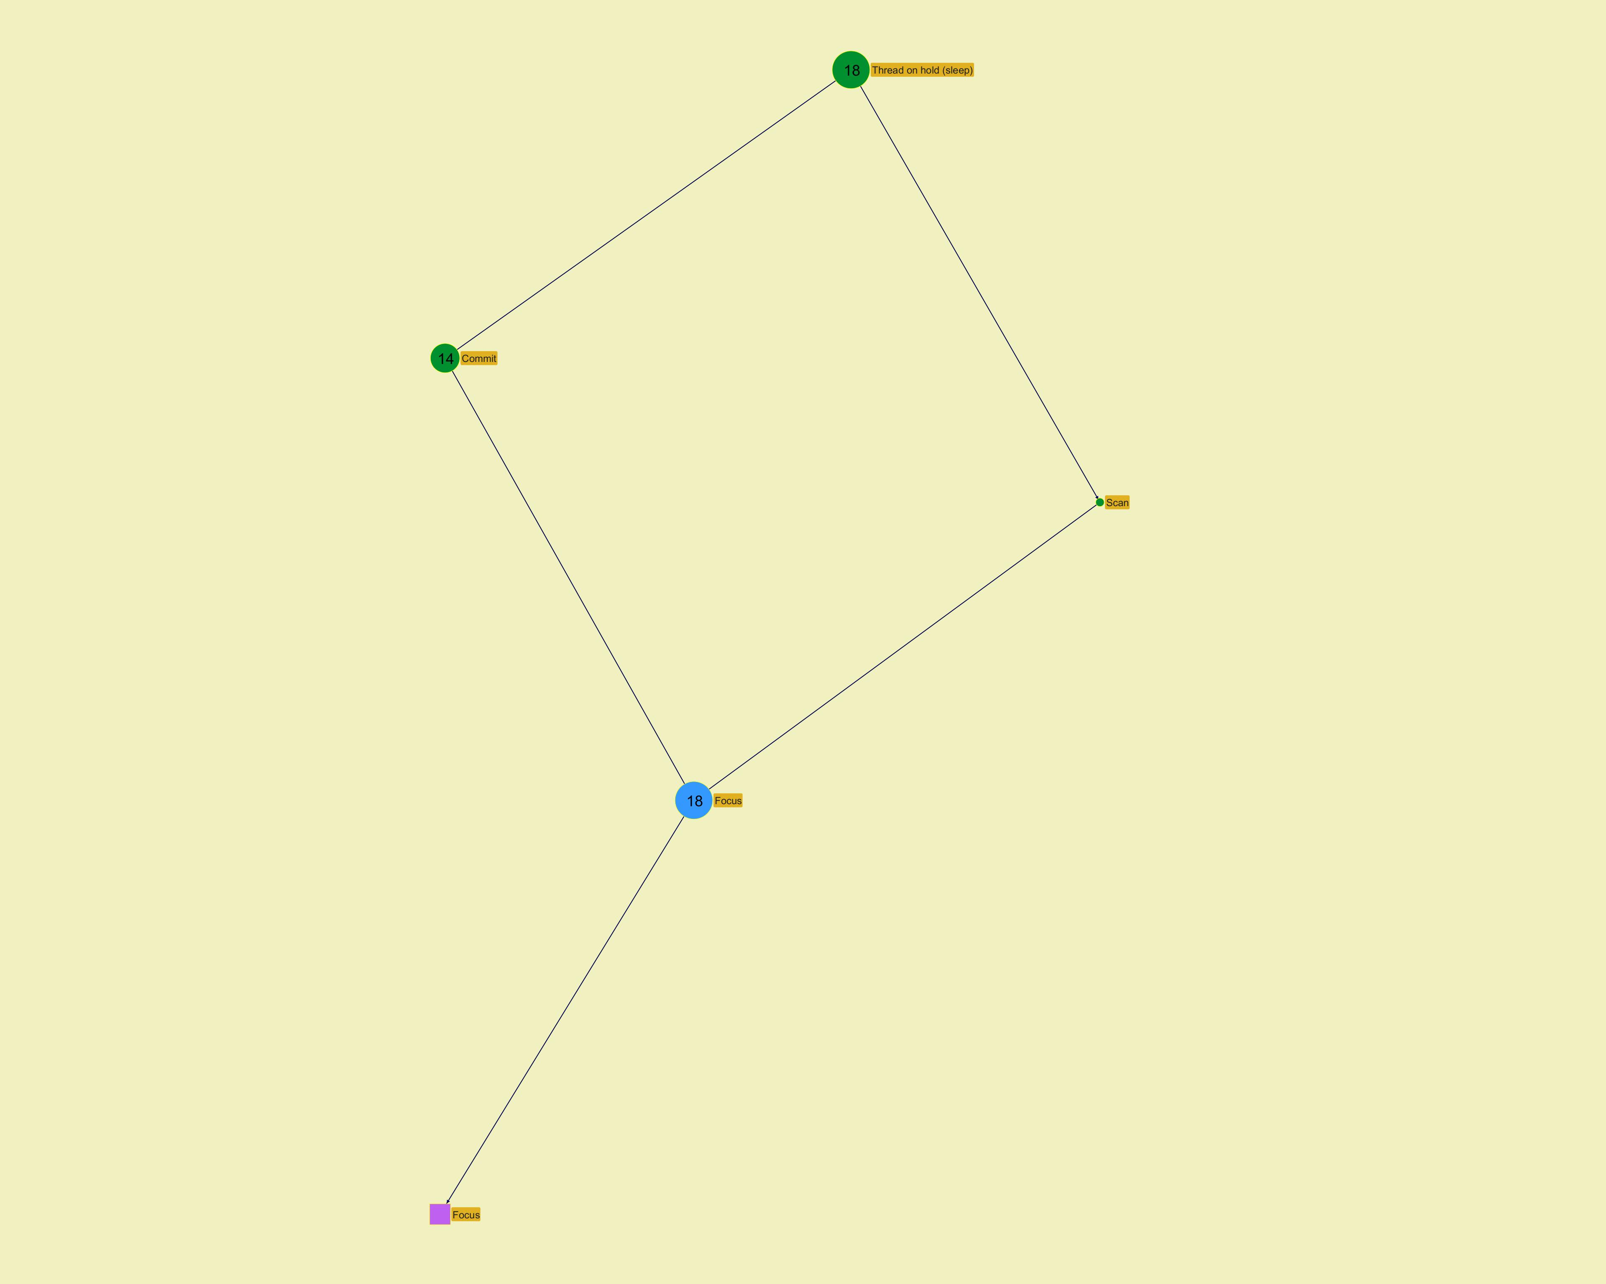
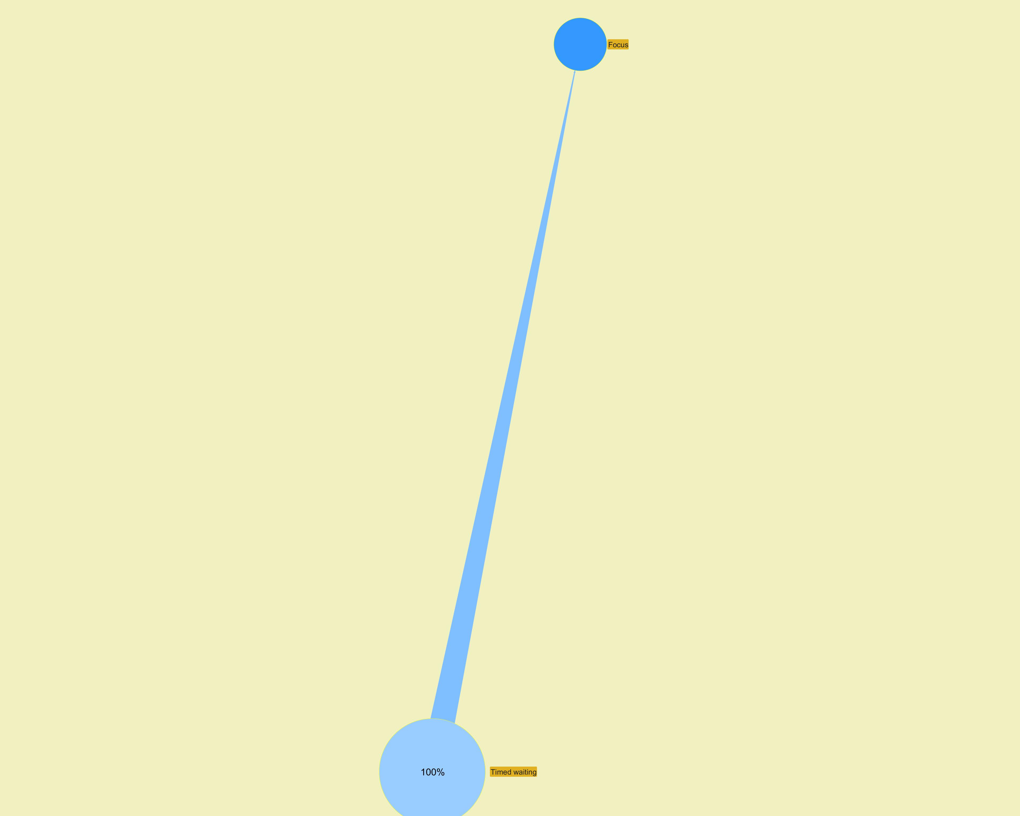

­ | ­

­ | ­
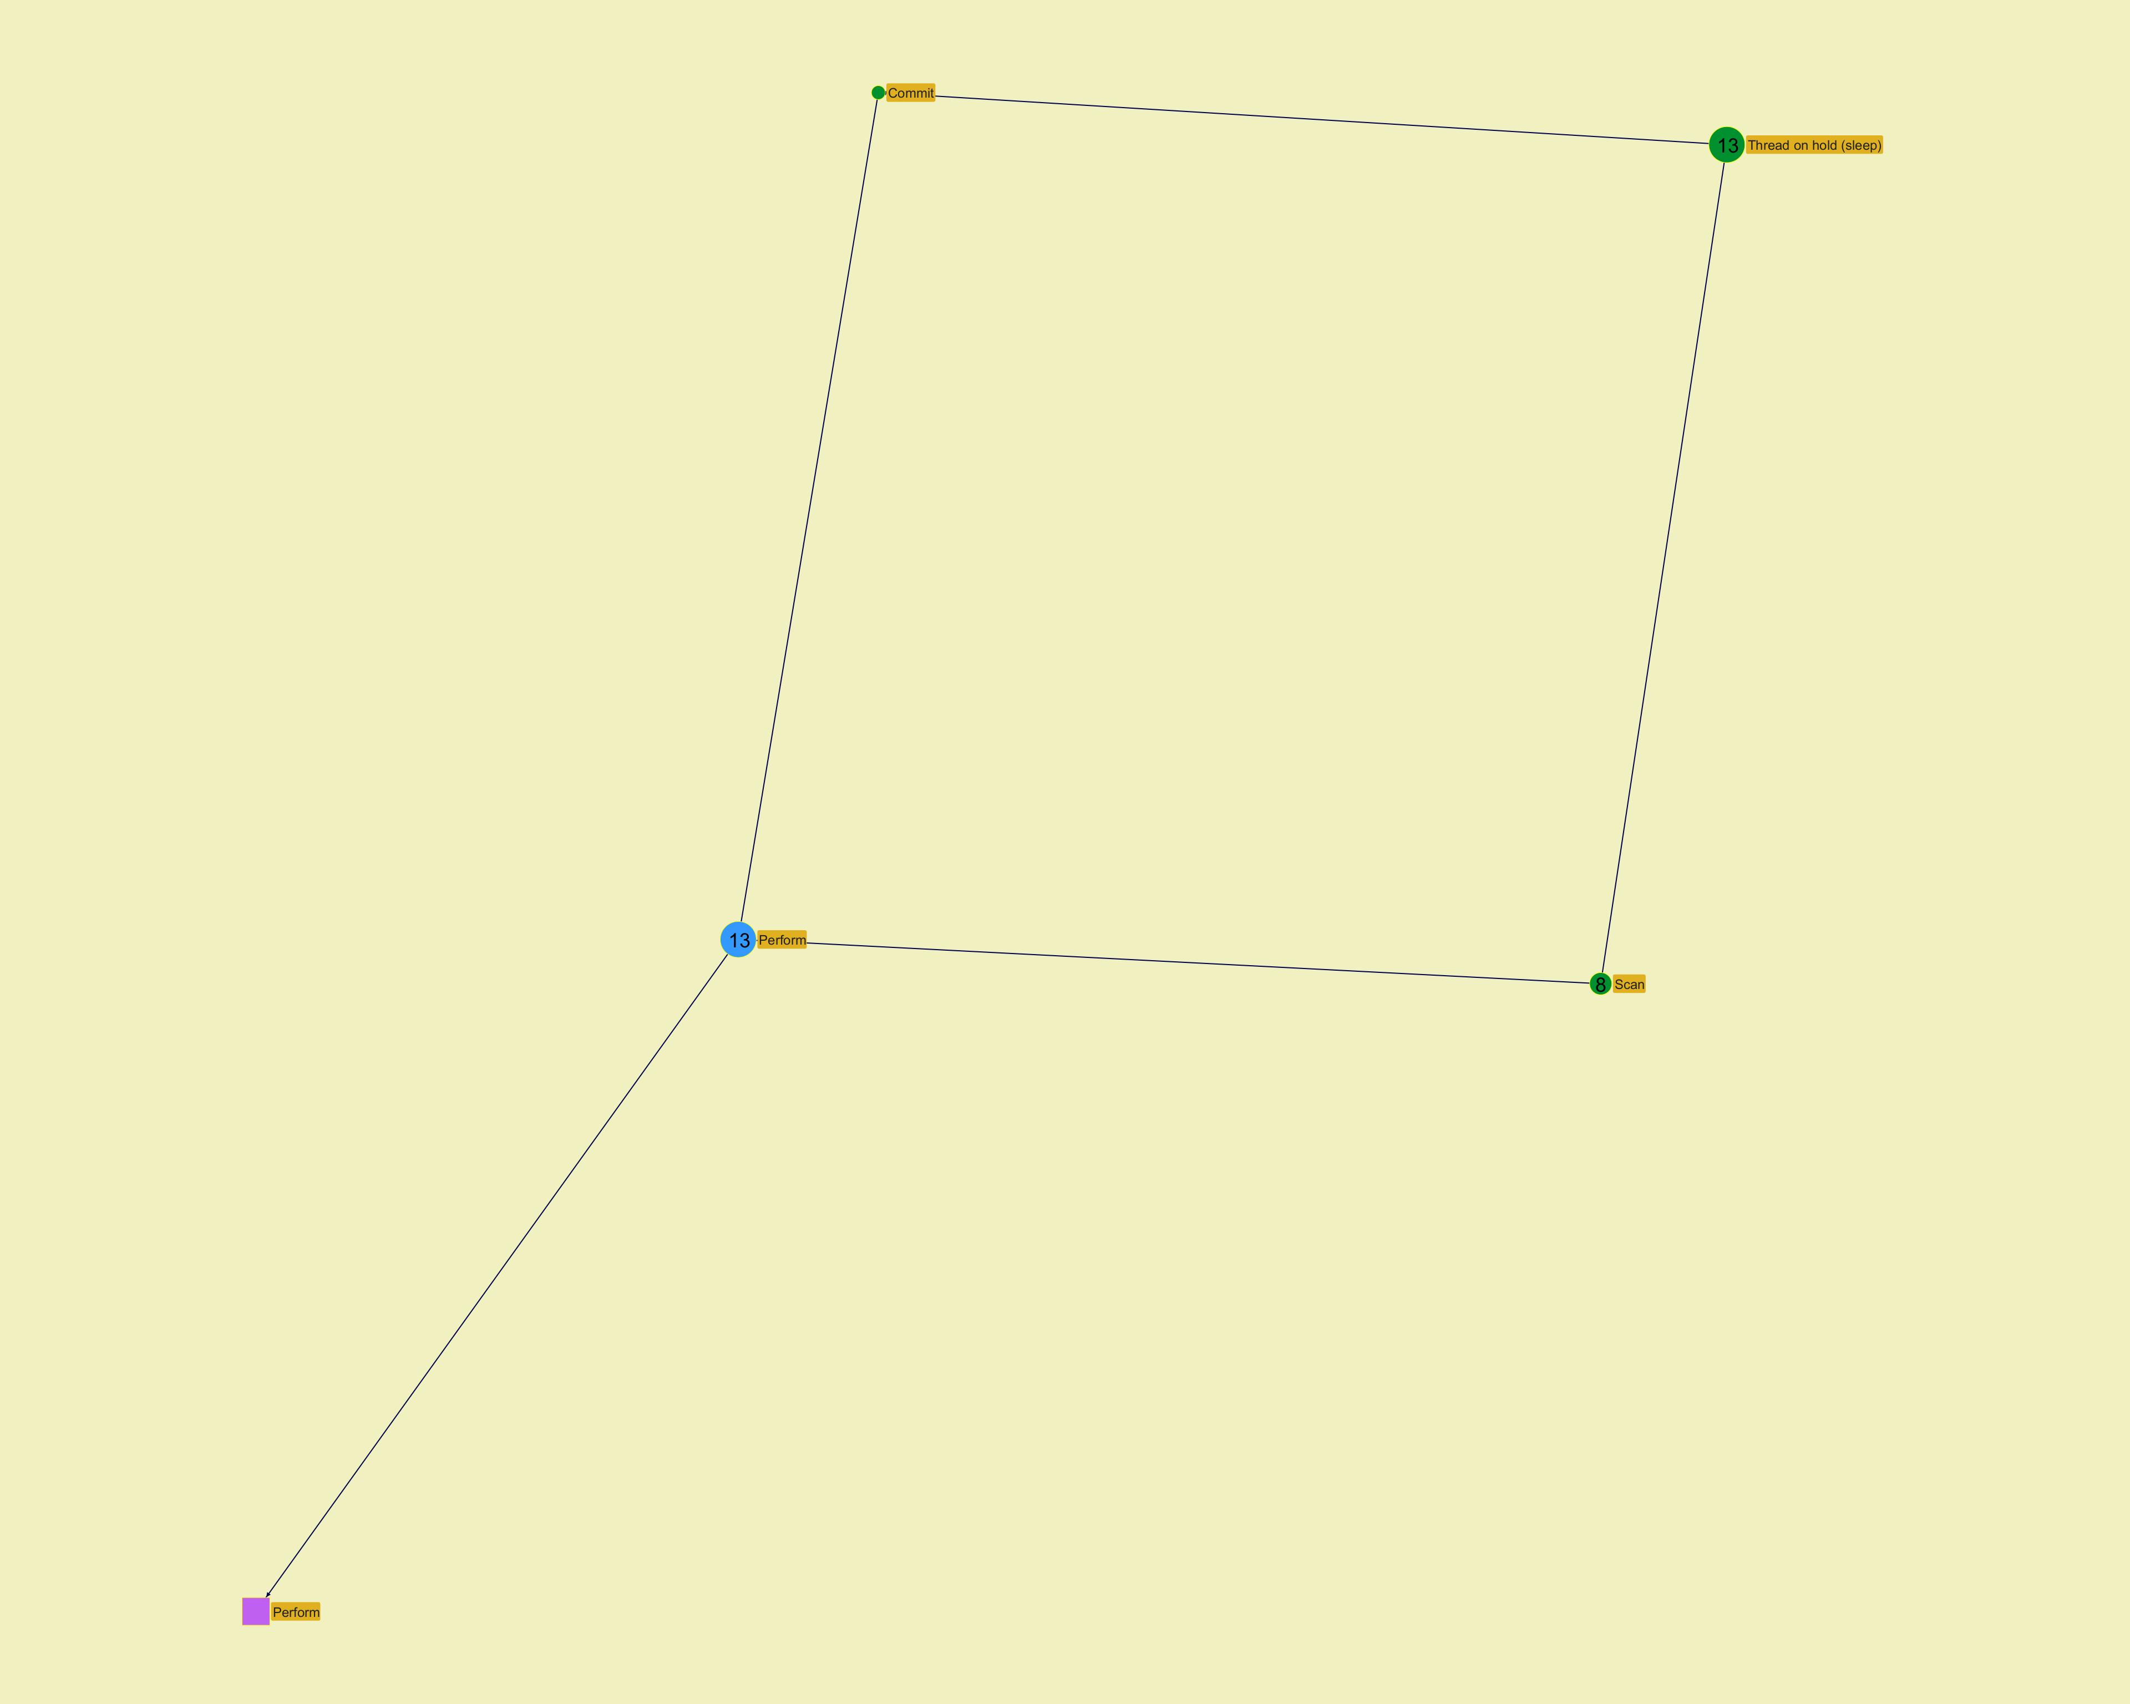
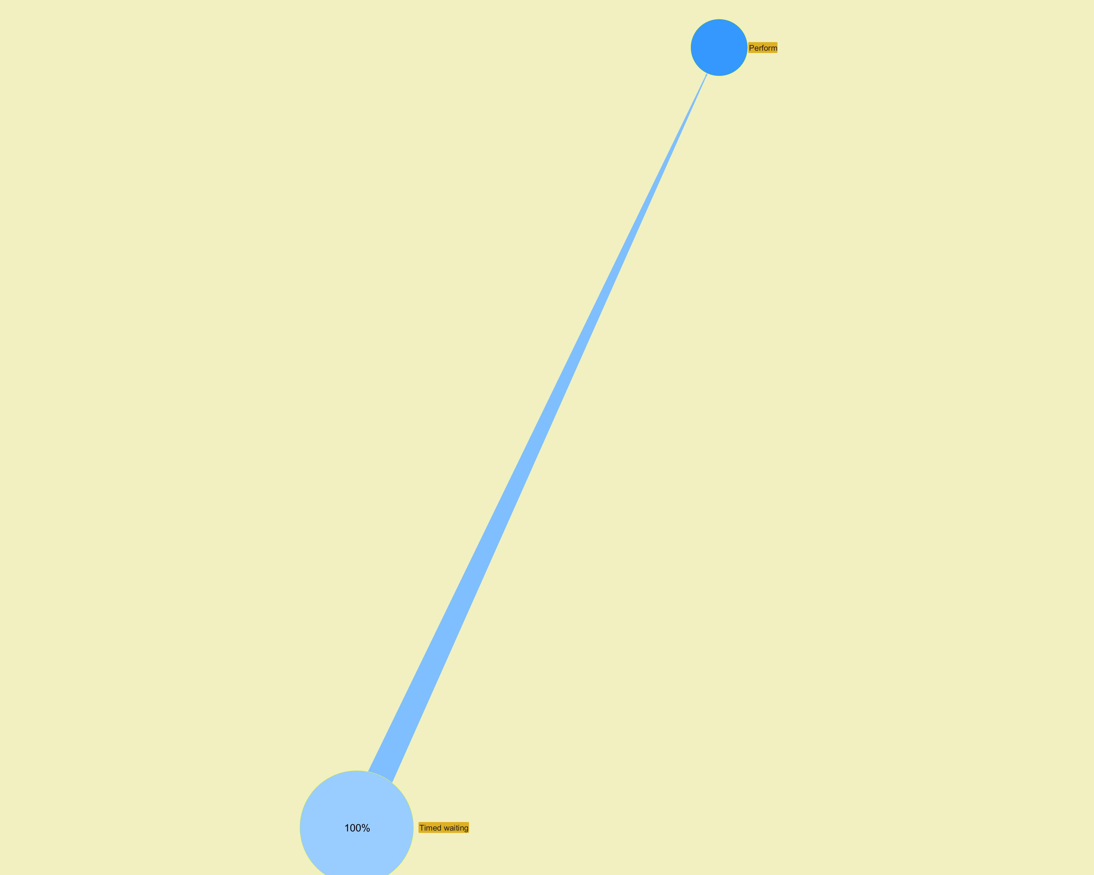

­ | ­

­ | ­
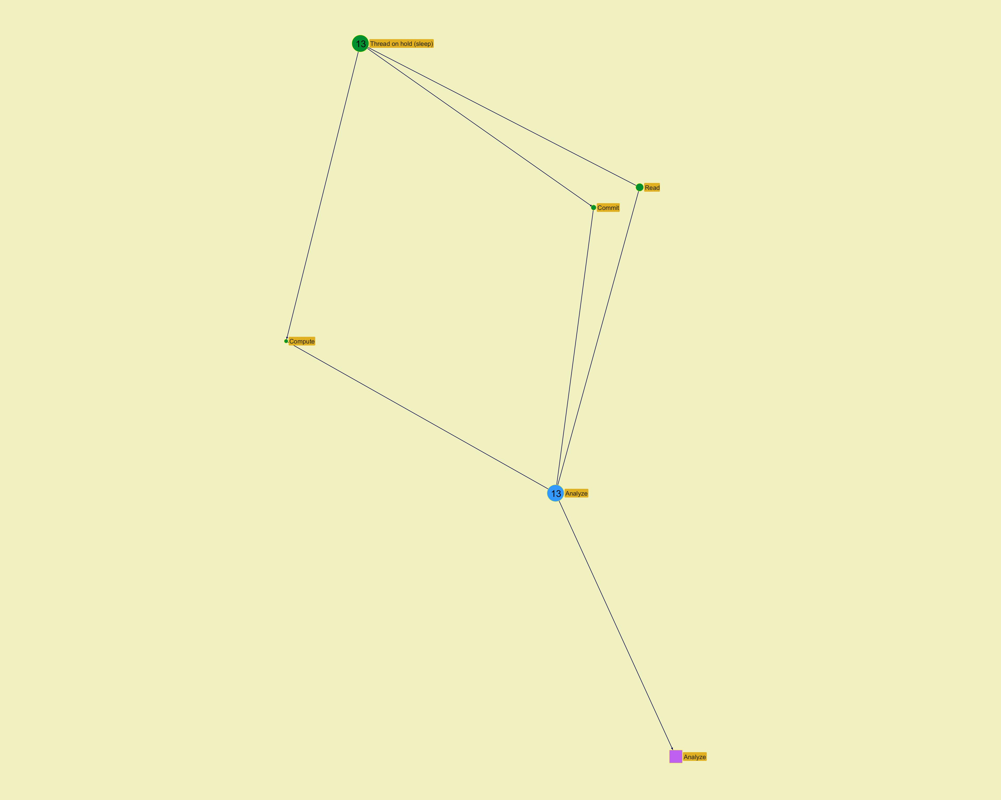
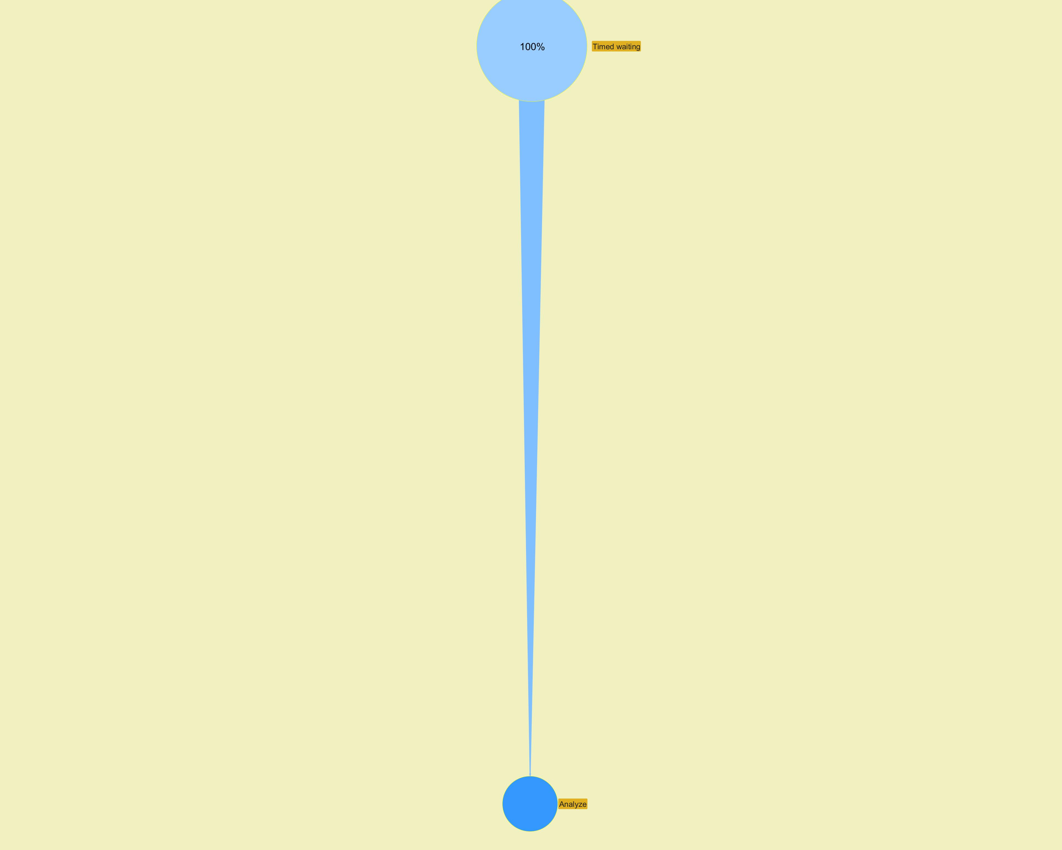

­ | ­

Action Profiling
...
­
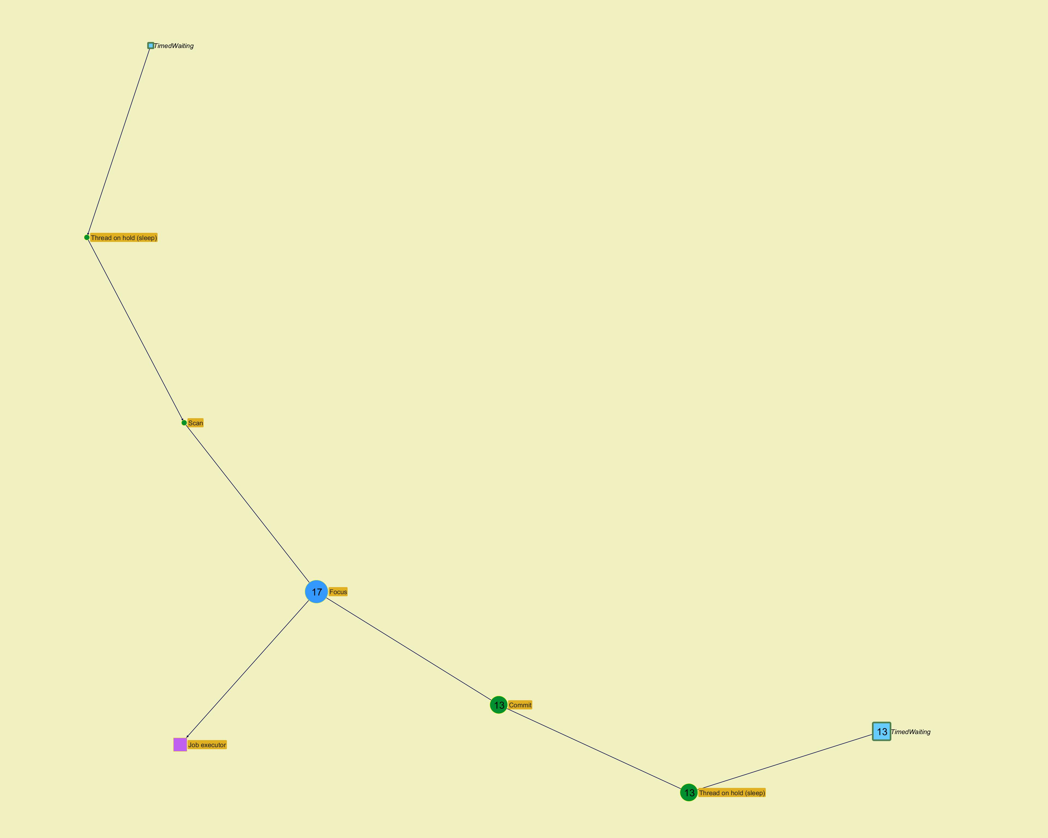

­

­
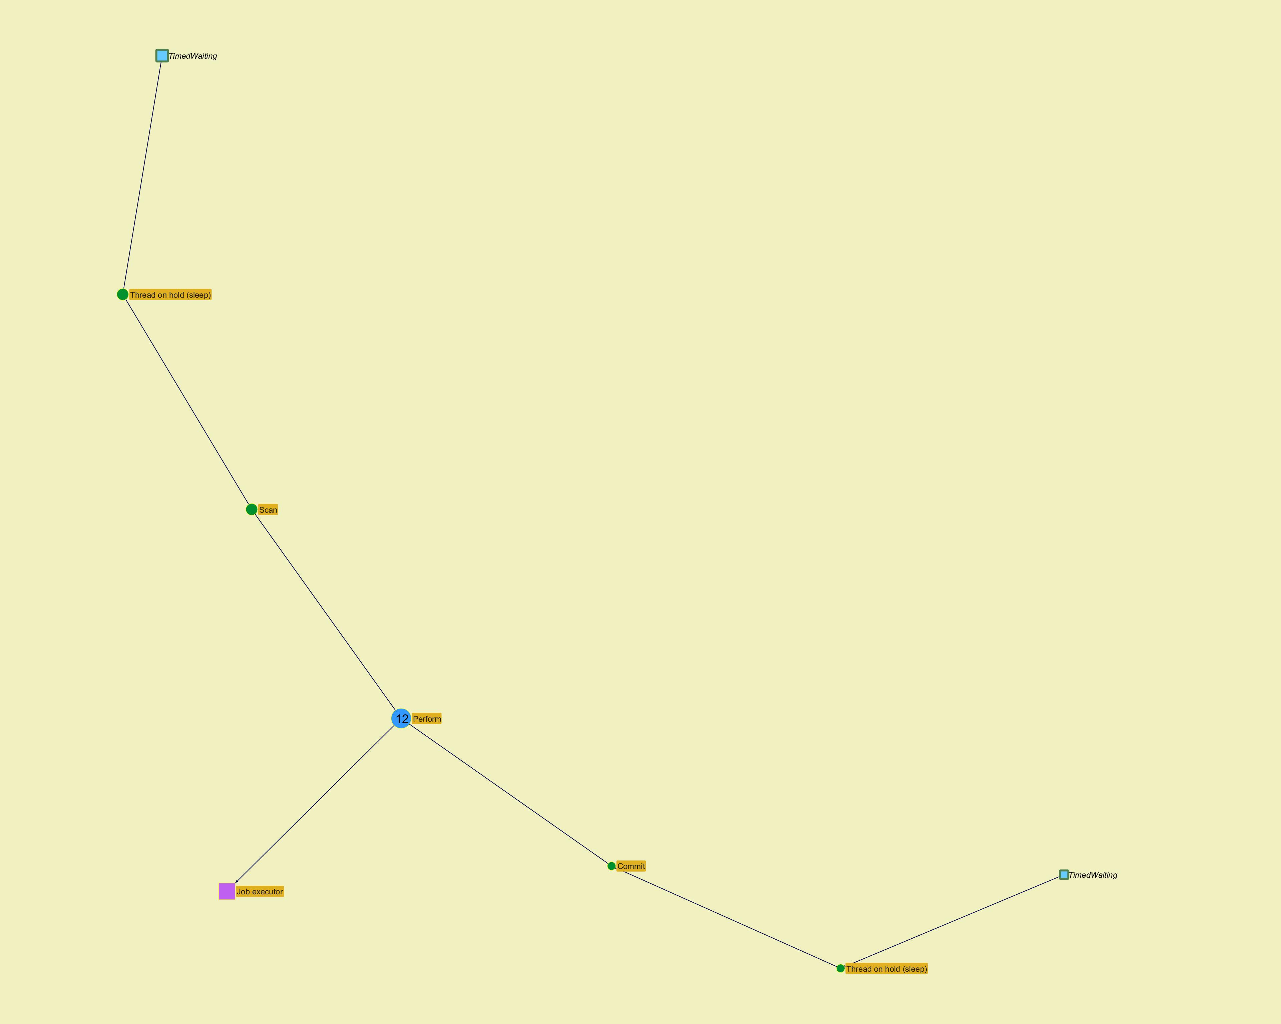

­

­
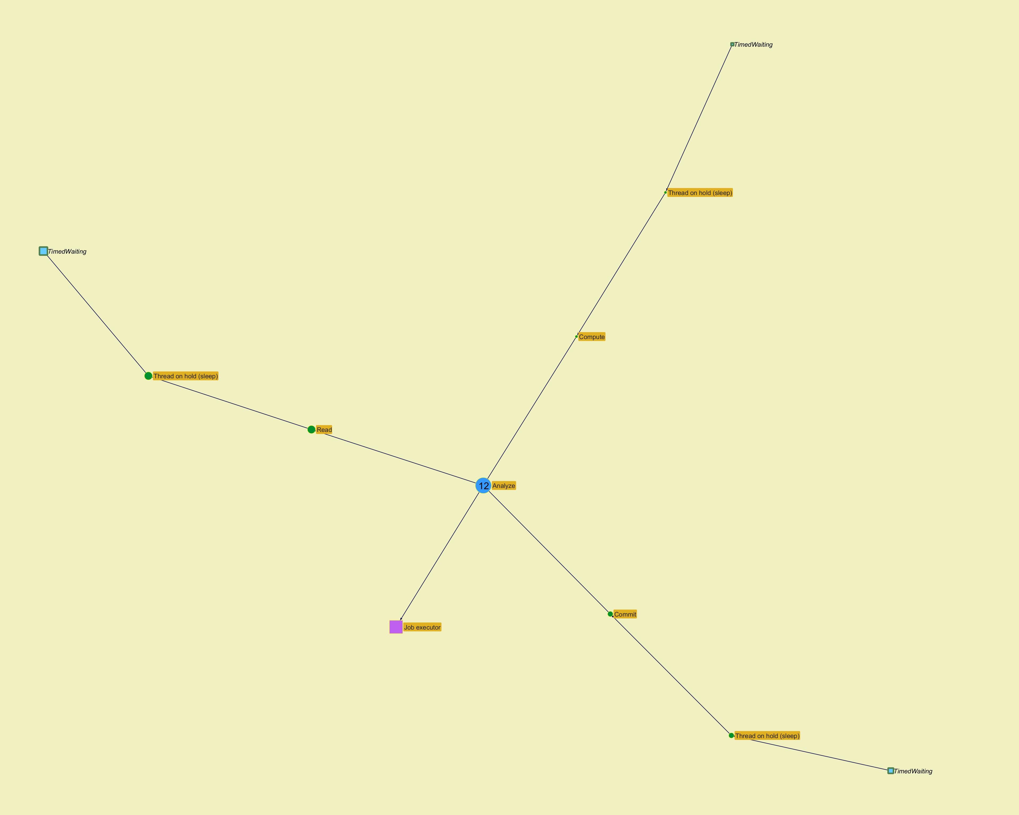

­

Top stacks
...
­ | ­
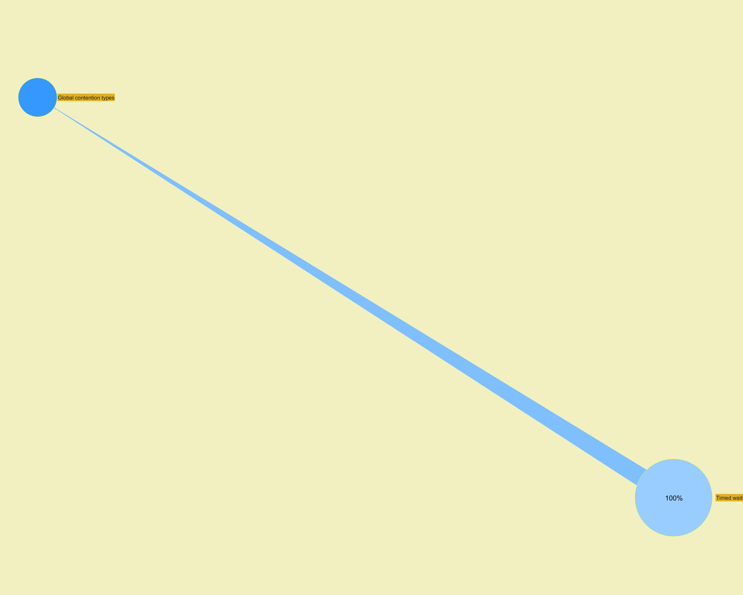

 | ­
...

Modules
...
­




