Menu

JZR report | Jeyzer |  | Items | The noblest pleasure is the joy of understanding Leonardo Da Vinci
 | Session info | Lists analysis and session recording information. | 43
 | Process card | Displays and groups all the process properties per category : OS, architecture, startup parameters... Permits to collect technical details helping in the troubleshooting. | 21
 | Virtual Threads | Displays the virtual thread info. | 1056
 | Monitoring alerts | Displays monitoring events. Permits to identify process activity problems at a glance. | 18 (4)
 | Monitoring sequence | Displays Jeyzer time sequence display monitoring events, along with header figures. | 6
 | Stack groups | Displays groups of similar stacks on a time line. Permits to get a good overview of the different process activities in a large multi-threaded environment. | 36
 | Thread activity | Displays actions in a time line manner, focusing on large stacks and on main indicators such as CPU, memory and thread count. Permits to get a good overview of the active stacks, in a generic approach. | 1056
 | Charts | Displays CPU/memory/GC/Lock figures in charts at process and system level. | 34 (7)
 | Memory GC Global | Displays global garbage collecting figures such as execution time, executed GC, released memory.. Permits to identify GC dysfunctions and potential memory leaks. Includes GC graphs. | 21 (4)
 | Memory GC Old | Displays garbage collecting figures for the Old Generation memory zone. Permits to spot out of memory cases. Includes GC graphs. | 18 (4)
 | Memory | Displays actions in a time line manner, focusing on process and thread memory consumption. Permits to identify high memory consuming actions. Includes memory graphs. | 1056 (4)
 | CPU | Displays actions in a time line manner, focusing on process and thread CPU consumption. Permits to identify high CPU consuming actions. | 1056 (1)
 | Task list | Displays all the detected actions in a flat mode. Permits to narrow actions occuring on a specific time range. | 1056
 | Top stacks | Displays all stacks grouped by apperance order. Permits to spot eventual bottlenecks. | 29
 | Action histogram | Lists all the functions and operations at the action level. Permits to spot concentration points within actions. | 6
 | Function histogram | Displays and groups all the detected functions and operations. Permits to spot concentration points : I/O, specific action, database access.. | 28 (2)
 | Monitoring Rules | Displays monitoring rules applied on the current session. Includes rule hit count. | 114
 | Modules | Displays the list of Java modules loaded by the JVM. Includes their version and attributes. Detect the snapshot libraries. | 65 (1)
 | JVM Flags | Displays all the JVM flags including the changed ones. Permits to review the JVM technical details. Exhaustive JVM flag documentation available at : https://chriswhocodes.com/hotspot_options_jdk11.html | 871
 | About | All about Jeyzer.

Monitoring alerts
Jeyzer
Graph | Cont | Vth | ThA | Cht | GCg | GCo | Mem | Cpu | Sgr | Mon | Start date | Event | Recommendation | Additional information | Rank | End date | Level | Scope | Count | Action (composite) | Duration (sec) | Thread | Ref
 |  |  |  |  |  |  |  |  |  |  | 12/28/23 | JMX SSL disabled | JMX remote SSL is disabled. This JMX connection should be secured in a production environment. | com.sun.management.jmxremote.ssl : false | W8 | In progress | WARNING | System | 1 | Not applicable | 0 hours 8 minutes 20 seconds | Not applicable | JZR-PCD-0101
 |  |  |  |  |  |  |  |  |  |  | 12/28/23 | JMX remote authentication disabled | JMX remote authentication is disabled. This security issue should be adressed in a production environment as anybody could take control of the JVM remotely. | com.sun.management.jmxremote.authenticate : false | W10 | In progress | WARNING | System | 1 | Not applicable | 0 hours 8 minutes 20 seconds | Not applicable | JZR-PCD-0091
 |  |  |  |  |  |  |  |  |  |  | 12/28/23 | Java preview active | Java preview features are active : make sure it is enabled on purpose. Never use preview features on production environments as those are experimental. | enable-preview : enable-preview | W7 | In progress | WARNING | System | 1 | Not applicable | 0 hours 8 minutes 20 seconds | Not applicable | JZR-PCD-0171
 |  |  |  |  |  |  |  |  |  |  | 12/28/23 | Missing Xmx | Maximum Java heap size is not set. Please add the -Xmx<size> to the process startup command line. |  | W1 | In progress | WARNING | System | 1 | Not applicable | 0 hours 8 minutes 20 seconds | Not applicable | JZR-PCD-0041
 |  |  |  |  |  |  |  |  |  |  | 12/28/23 | Virtual threads not visible | Java virtual threads are used but cannot be displayed (because not available in the recording). You must use the Jcmd command to get it in your recording. Command is : jcmd <pid> Thread.dump_to_file -format=text|json <txt file path> | jzr.analysis.virtual.thread.carriers.only : true | W6 | In progress | WARNING | System | 1 | Not applicable | 0 hours 8 minutes 20 seconds | Not applicable | JZR-PCD-0181
 |  |  |  |  |  |  |  |  |  |  | 12/28/23 | Core dump creation on crash | The CreateCoredumpOnCrash option is enabled. The JVM will generate a core dump on any crash. | jzr.jdk.flag.CreateCoredumpOnCrash : true | I9 | In progress | INFO | System | 1 | Not applicable | 0 hours 8 minutes 20 seconds | Not applicable | JZR-JVMF-0051
 |  |  |  |  |  |  |  |  |  |  | 12/28/23 | Heap dump on Out of memory | The HeapDumpOnOutOfMemoryError option is not enabled on the JVM command line. You may consider to activate it as a safety troubleshooting procedure to detect any memory leak. | jzr.jdk.flag.HeapDumpOnOutOfMemoryError : false | I6 | In progress | INFO | System | 1 | Not applicable | 0 hours 8 minutes 20 seconds | Not applicable | JZR-JVMF-0031
 |  |  |  |  |  |  |  |  |  |  | 12/28/23 | JFR enabled | Java Flight Recorder is enabled. | XX:\+FlightRecorder|XX:StartFlightRecording : XX:StartFlightRecording=maxage=6h,maxsize=100M,dumponexit=true,settings=C:\demo-pg\jeyzer-441\demo\config\jfr\jeyzer-demo.jfc,filename=C:\demo-pg\jeyzer-441\work\recordings\demo-virtual-threads\jfr\demo-virtual-threads.jfr | I1 | In progress | INFO | System | 1 | Not applicable | 0 hours 8 minutes 20 seconds | Not applicable | JZR-PCD-0071
 |  |  |  |  |  |  |  |  |  |  | 12/28/23 | JMX remote access enabled | JMX remote access is enabled. | com.sun.management.jmxremote : com.sun.management.jmxremote | I1 | In progress | INFO | System | 1 | Not applicable | 0 hours 8 minutes 20 seconds | Not applicable | JZR-PCD-0051
 |  |  |  |  |  |  |  |  |  | M | 12/28/23 | Virtual threads detected | Java virtual threads are used. In case of massive usage, you may monitor closely the VM memory and CPU. |  | I2 | In progress | INFO | System | 1 | Not applicable | 0 hours 8 minutes 20 seconds | Not applicable | JZR-STD-0181
§ | W | V | T | C | G | G | M | C | S | M | 12/28/23 | Virtual threads high CPU usage | Virtual threads are highly CPU consuming. You sould review with the developer team the underlying tasks to be less CPU consuming. | Max CPU usage : 100% | C3 | 12/28/23 | CRITICAL | Global | 18 | Not applicable | 0 hours 3 minutes 16 seconds | Not applicable | JZR-ADV-0211
 |  | V | T | C | G | G | M | C | S | M | 12/28/23 | System CPU overload | System CPU high. Check system usage. | Max CPU usage : 100% | W4 | 12/28/23 | WARNING | Global | 11 | Not applicable | 0 hours 1 minutes 19 seconds | Not applicable | JZR-ADV-0012
 |  | V | T | C | G | G | M | C | S | M | 12/28/23 | System running out of CPUs | High applicative CPU access, exceeding the system CPU capacity. You may consider to increase it. | Max runnable CPUs vs available CPUs : 13 / 12 | W3 | 12/28/23 | WARNING | Session | 3 | Not applicable | 0 hours 0 minutes 10 seconds | Not applicable | JZR-PCD-0031
 |  | V | T | C | G | G | M | C | S | M | 12/28/23 | Virtual threads high CPU usage | Virtual threads are CPU consuming. You may review with the developer team the underlying tasks to be less CPU consuming. | Max CPU usage : 100% | W3 | 12/28/23 | WARNING | Global | 21 | Not applicable | 0 hours 3 minutes 31 seconds | Not applicable | JZR-ADV-0212
§ | W | V | T | C | G | G | M | C | S | M | 12/28/23 | System CPU overload | System CPU very high. Check system usage and possibly stop the root cause application. | Max CPU usage : 100% | C4 | 12/28/23 | CRITICAL | Global | 10 | Not applicable | 0 hours 1 minutes 14 seconds | Not applicable | JZR-ADV-0011
 |  | V | T | C | G | G | M | C | S | M | 12/28/23 | System running out of CPUs | High applicative CPU access, exceeding the system CPU capacity. You may consider to increase it. | Max runnable CPUs vs available CPUs : 13 / 12 | W3 | 12/28/23 | WARNING | Session | 9 | Not applicable | 0 hours 0 minutes 43 seconds | Not applicable | JZR-PCD-0031
 |  | V | T | C | G | G | M | C | S | M | 12/28/23 | Locks contention found | High number of locked threads. | Max number of locks detected : 140 | I2 | 12/28/23 | INFO | Session | 1 | Not applicable | Instantaneous | Not applicable | JZR-STD-0081
 |  | V | T | C | G | G | M | C | S | M | 12/28/23 | System running out of CPUs | High applicative CPU access, exceeding the system CPU capacity. You may consider to increase it. | Max runnable CPUs vs available CPUs : 15 / 12 | W3 | 12/28/23 | WARNING | Session | 11 | Not applicable | 0 hours 0 minutes 50 seconds | Not applicable | JZR-PCD-0031

 |  |  |  |  |  |  |  |  |  |  |  |  |  |  |  |  |  |  |  |  |  |  |  | ­ | ­
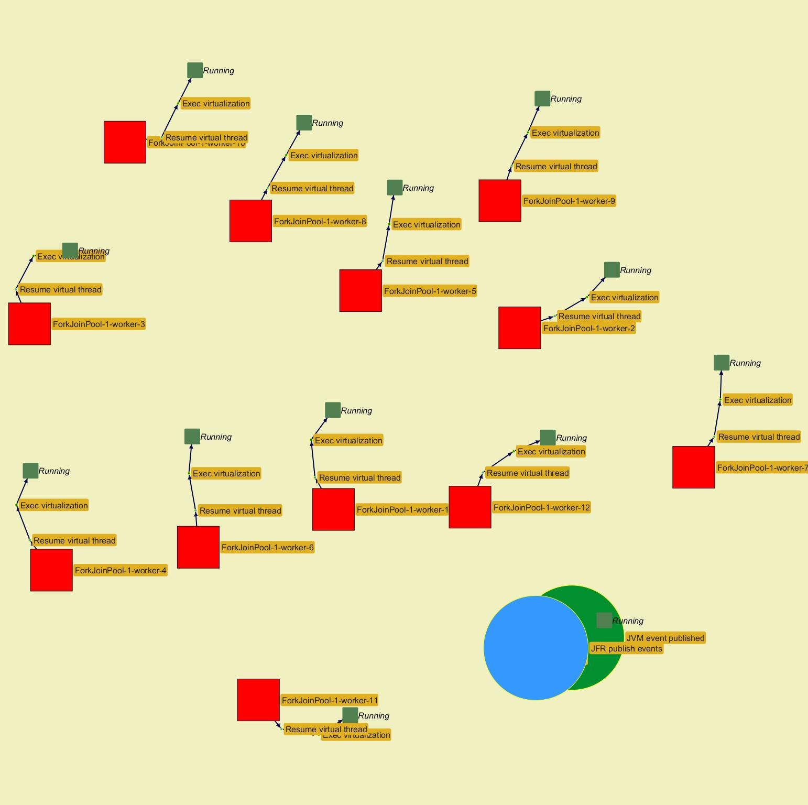
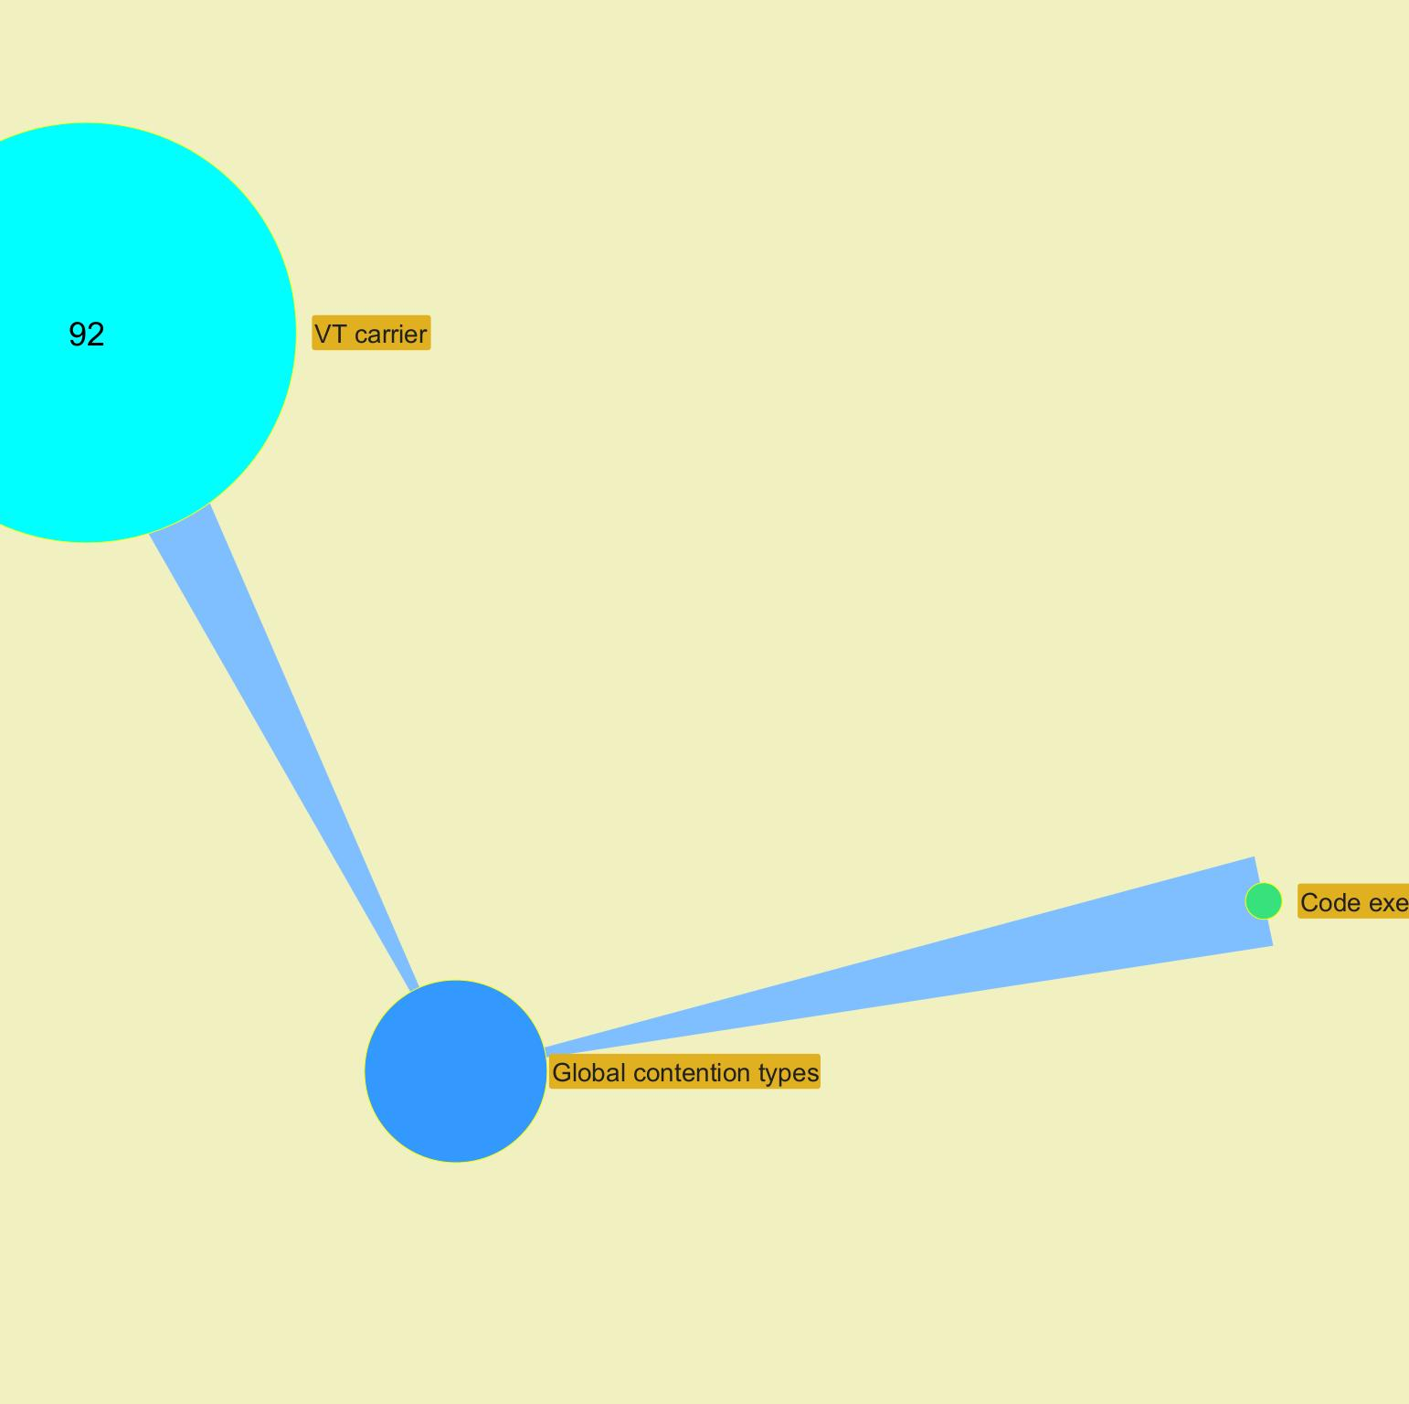

 |  |  |  |  |  |  |  |  |  |  |  |  |  |  |  |  |  |  |  |  |  |  |  |  | ­

 |  |  |  |  |  |  |  |  |  |  |  |  |  |  |  |  |  |  |  |  |  |  |  | ­

 |  |  |  |  |  |  |  |  |  |  |  |  |  |  |  |  |  |  |  |  |  |  |  | ­ | ­
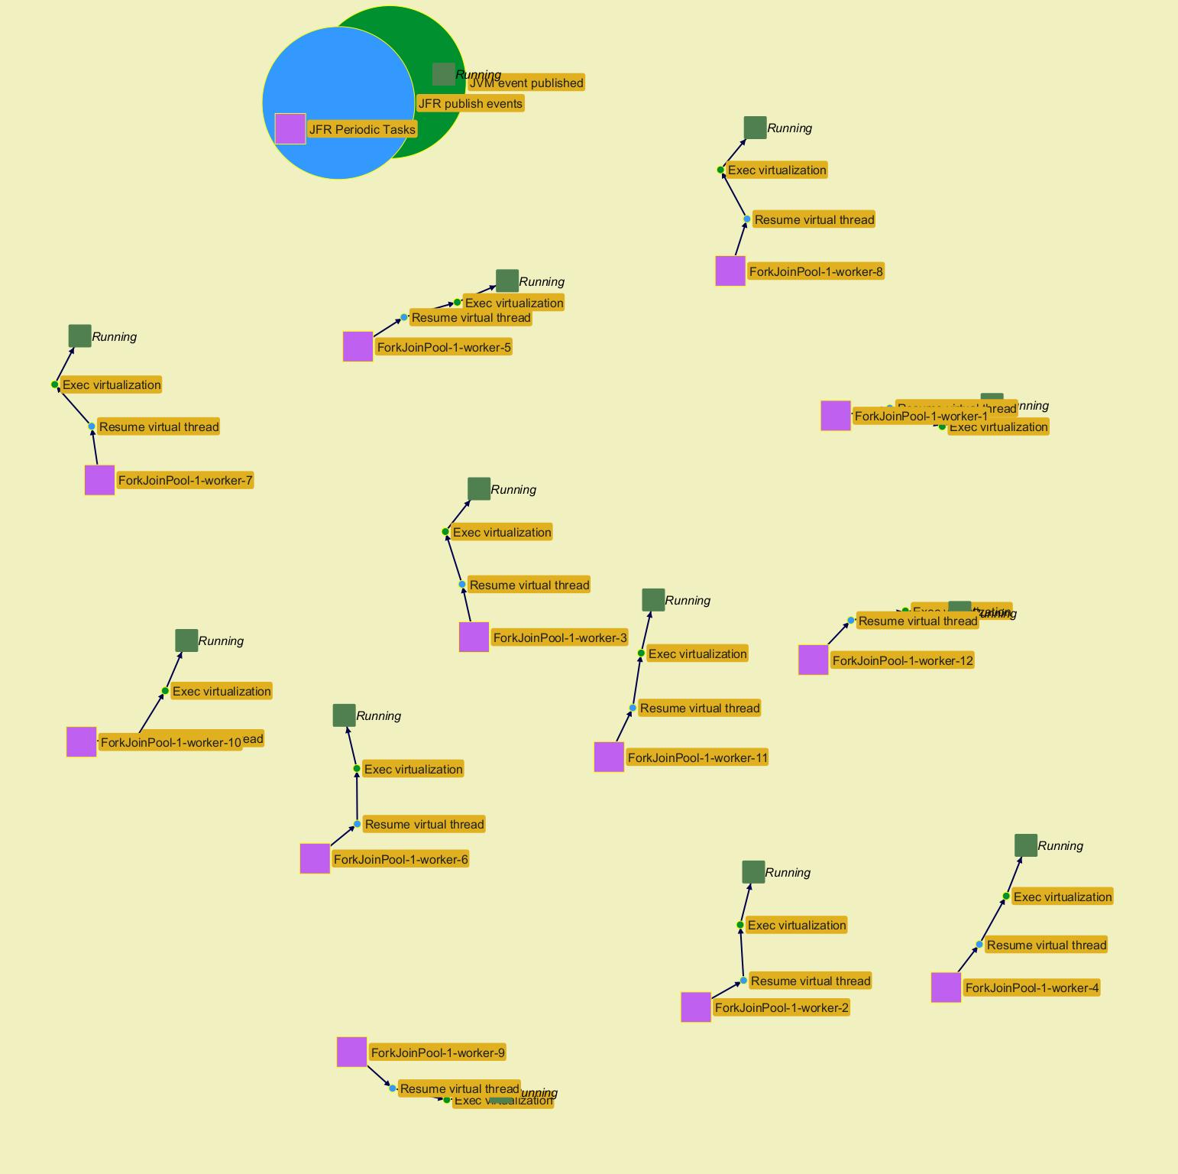
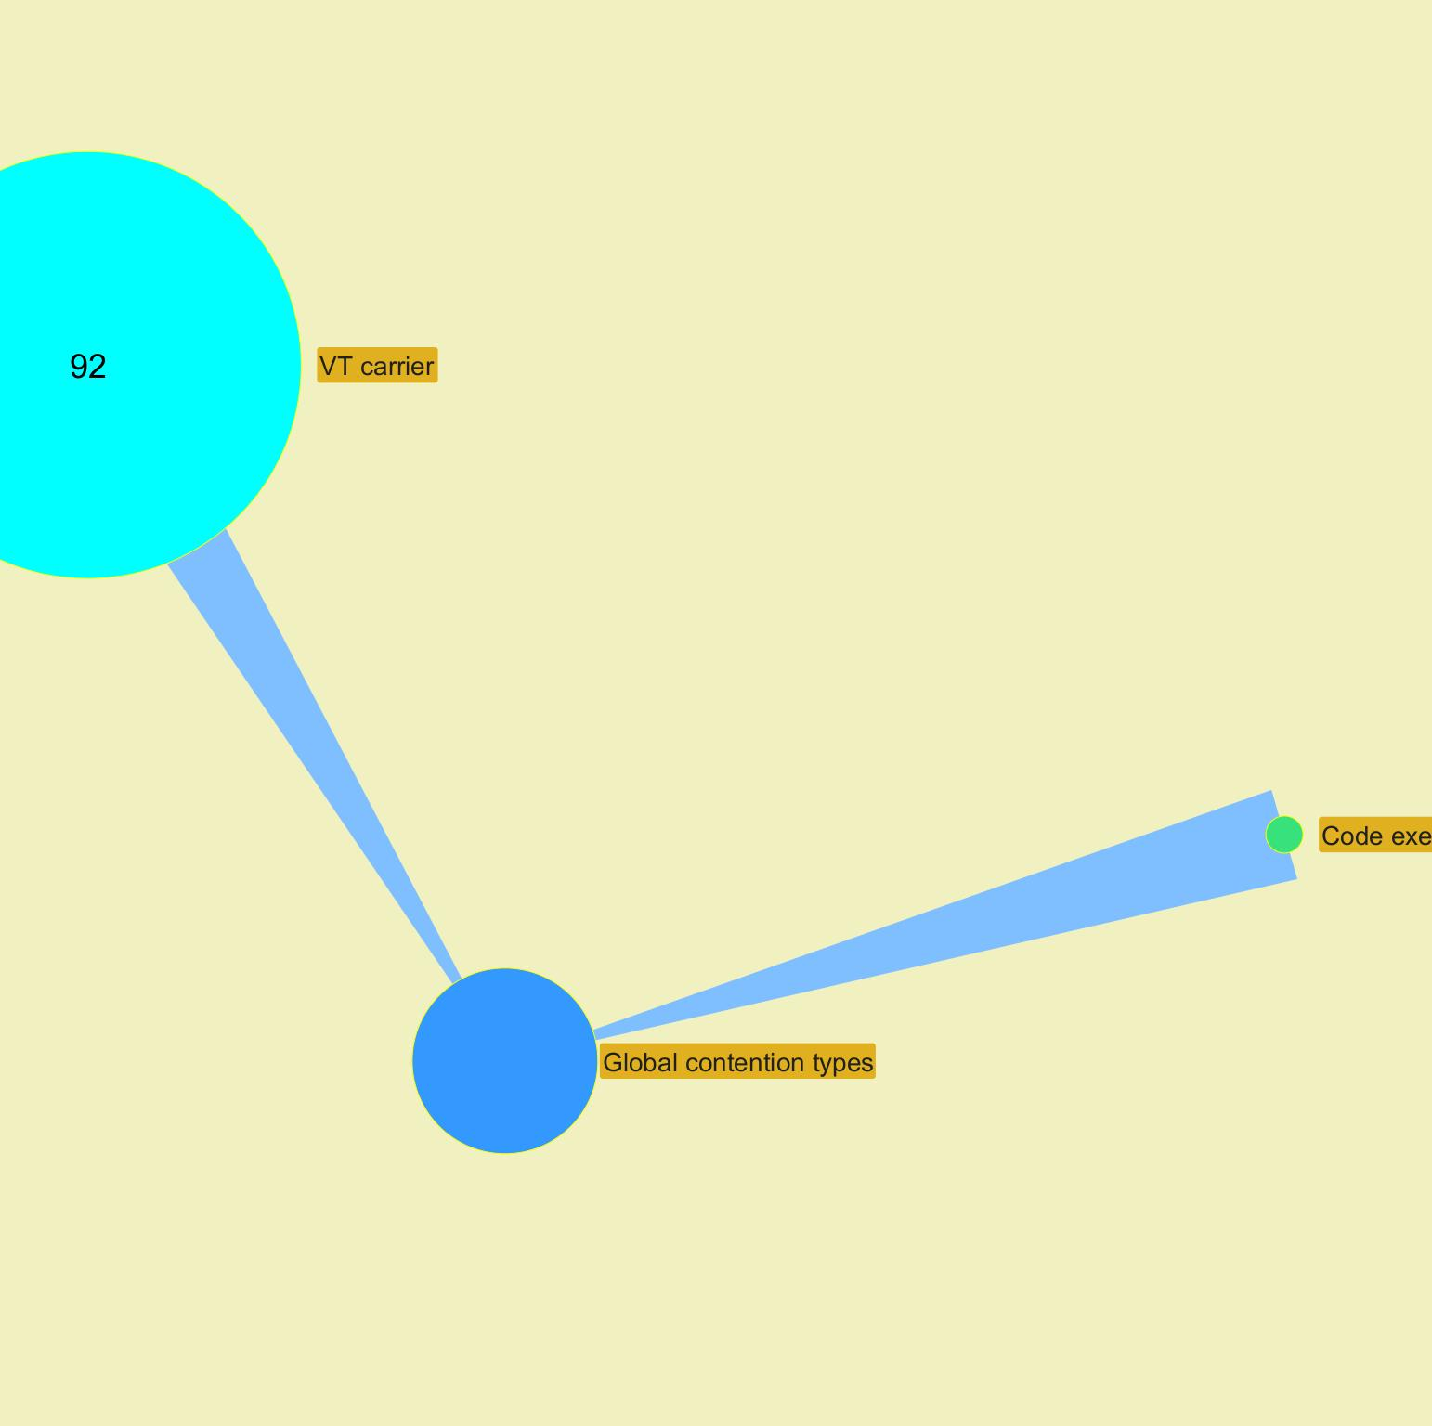

 |  |  |  |  |  |  |  |  |  |  |  |  |  |  |  |  |  |  |  |  |  |  |  |  | ­

 |  |  |  |  |  |  |  |  |  |  |  |  |  |  |  |  |  |  |  |  |  |  |  | ­

Charts
Jeyzer |  |  |  |  |  |  | 28 Dec 2023 | Europe/Brussels PROFILE |  |  |  |  | Up 0d 00:00 |  |  |  |  |  |  |  | 28 Dec 2023 | Europe/Brussels PROFILE |  |  |  |  | Up 0d 00:01 |  |  |  |  |  |  |  | 28 Dec 2023 | Europe/Brussels PROFILE |  |  |  |  | Up 0d 00:02 |  |  |  |  |  |  |  | 28 Dec 2023 | Europe/Brussels PROFILE |  |  |  |  | Up 0d 00:04 |  |  |  |  |  |  |  | 28 Dec 2023 | Europe/Brussels PROFILE |  |  |  |  | Up 0d 00:05 |  |  |  |  |  |  |  | 28 Dec 2023 | Europe/Brussels PROFILE |  |  |  |  | Up 0d 00:06 |  |  |  |  |  |  |  | 28 Dec 2023 | Europe/Brussels PROFILE |  |  |  |  | Up 0d 00:07 |  |  |  |  |  |  |  | 28 Dec 2023
 | Measurement | Avg | Min | Max | Cumul | Std Dev | 00:08:32 | 00:08:37 | 00:08:42 | 00:08:47 | 00:08:52 | 00:08:57 | 00:09:02 | 00:09:07 | 00:09:12 | 00:09:17 | 00:09:22 | 00:09:28 | 00:09:33 | 00:09:38 | 00:09:43 | 00:09:48 | 00:09:53 | 00:09:58 | 00:10:03 | 00:10:08 | 00:10:13 | 00:10:18 | 00:10:23 | 00:10:28 | 00:10:33 | 00:10:38 | 00:10:44 | 00:10:49 | 00:10:54 | 00:10:59 | 00:11:04 | 00:11:09 | 00:11:14 | 00:11:19 | 00:11:24 | 00:11:29 | 00:11:34 | 00:11:39 | 00:11:44 | 00:11:49 | 00:11:55 | 00:12:00 | 00:12:06 | 00:12:11 | 00:12:16 | 00:12:21 | 00:12:26 | 00:12:31 | 00:12:37 | 00:12:42 | 00:12:48 | 00:12:53 | 00:12:58 | 00:13:04 | 00:13:09 | 00:13:14 | 00:13:20 | 00:13:25 | 00:13:30 | 00:13:35 | 00:13:40 | 00:13:45 | 00:13:50 | 00:13:55 | 00:14:00 | 00:14:05 | 00:14:10 | 00:14:16 | 00:14:21 | 00:14:26 | 00:14:31 | 00:14:36 | 00:14:41 | 00:14:46 | 00:14:51 | 00:14:56 | 00:15:01 | 00:15:06 | 00:15:11 | 00:15:16 | 00:15:21 | 00:15:26 | 00:15:31 | 00:15:36 | 00:15:42 | 00:15:47 | 00:15:52 | 00:15:57 | 00:16:02 | 00:16:07 | 00:16:12 | 00:16:17 | 00:16:22 | 00:16:27 | 00:16:32 | 00:16:37 | 00:16:42 | 00:16:47 | 00:16:52
 | Recording snapshot capture time d |  |  |  |  |  | NA | NA | NA | NA | NA | NA | NA | NA | NA | NA | NA | NA | NA | NA | NA | NA | NA | NA | NA | NA | NA | NA | NA | NA | NA | NA | NA | NA | NA | NA | NA | NA | NA | NA | NA | NA | NA | NA | NA | NA | NA | NA | NA | NA | NA | NA | NA | NA | NA | NA | NA | NA | NA | NA | NA | NA | NA | NA | NA | NA | NA | NA | NA | NA | NA | NA | NA | NA | NA | NA | NA | NA | NA | NA | NA | NA | NA | NA | NA | NA | NA | NA | NA | NA | NA | NA | NA | NA | NA | NA | NA | NA | NA | NA | NA | NA | NA | NA | NA
 | Thread count b | 74 | 20 | 1,038 |  | 198 | 20 | 24 | 24 | 24 | 25 | 27 | 27 | 26 | 27 | 26 | 26 | 26 | 26 | 26 | 26 | 26 | 26 | 26 | 26 | 26 | 26 | 26 | 26 | 26 | 26 | 26 | 26 | 26 | 26 | 26 | 26 | 26 | 26 | 26 | 26 | 26 | 26 | 26 | 26 | 26 | 35 | 35 | 35 | 35 | 37 | 37 | 37 | 37 | 37 | 37 | 37 | 37 | 37 | 37 | 37 | 37 | 35 | 1,037 | 1,038 | 1,036 | 1,036 | 36 | 35 | 40 | 40 | 40 | 40 | 40 | 40 | 40 | 40 | 40 | 40 | 40 | 40 | 39 | 39 | 39 | 39 | 39 | 39 | 39 | 39 | 39 | 39 | 39 | 39 | 39 | 39 | 39 | 39 | 39 | 39 | 39 | 39 | 39 | 39 | 39 | 39
 | Locked threads b | 2 | 0 | 140 | 212 | 14 | 0 | 0 | 0 | 0 | 0 | 0 | 0 | 0 | 0 | 0 | 0 | 0 | 0 | 0 | 0 | 0 | 0 | 0 | 0 | 0 | 0 | 0 | 0 | 0 | 0 | 0 | 0 | 0 | 0 | 0 | 0 | 0 | 0 | 0 | 0 | 0 | 0 | 0 | 0 | 0 | 0 | 0 | 0 | 0 | 0 | 0 | 0 | 0 | 0 | 0 | 0 | 0 | 0 | 0 | 0 | 0 | 0 | 140 | 0 | 0 | 0 | 0 | 0 | 2 | 2 | 2 | 2 | 2 | 2 | 2 | 2 | 2 | 2 | 2 | 2 | 2 | 2 | 2 | 2 | 2 | 2 | 2 | 2 | 2 | 2 | 2 | 2 | 2 | 2 | 2 | 2 | 2 | 2 | 2 | 2 | 2 | 2 | 2 | 2
 | Frozen threads b | 6 | 1 | 18 | 573 | 6 | 2 | 2 | 1 | 1 | 1 | 1 | 1 | 1 | 1 | 1 | 1 | 1 | 1 | 1 | 1 | 1 | 1 | 1 | 1 | 1 | 1 | 1 | 1 | 1 | 1 | 1 | 1 | 1 | 1 | 1 | 1 | 1 | 1 | 1 | 1 | 1 | 1 | 1 | 1 | 1 | 13 | 13 | 13 | 1 | 1 | 1 | 1 | 13 | 13 | 13 | 13 | 13 | 13 | 13 | 13 | 13 | 1 | 1 | 15 | 15 | 14 | 2 | 3 | 6 | 6 | 6 | 7 | 7 | 6 | 6 | 6 | 6 | 6 | 18 | 18 | 17 | 17 | 17 | 16 | 15 | 14 | 13 | 12 | 11 | 10 | 9 | 8 | 7 | 6 | 5 | 5 | 5 | 5 | 5 | 5 | 5 | 5 | 5 | 5
 | Actions b | 21 | 1 | 1,001 | 2,062 | 109 | 2 | 2 | 1 | 1 | 1 | 1 | 1 | 1 | 1 | 1 | 1 | 1 | 1 | 1 | 1 | 1 | 1 | 1 | 1 | 1 | 1 | 1 | 1 | 1 | 1 | 1 | 1 | 1 | 1 | 1 | 1 | 1 | 1 | 1 | 1 | 2 | 1 | 1 | 2 | 1 | 13 | 13 | 13 | 2 | 2 | 1 | 1 | 13 | 13 | 13 | 13 | 13 | 13 | 13 | 13 | 13 | 2 | 1,001 | 463 | 43 | 15 | 3 | 3 | 6 | 6 | 6 | 7 | 7 | 9 | 6 | 6 | 6 | 7 | 18 | 18 | 17 | 17 | 17 | 16 | 15 | 14 | 13 | 12 | 11 | 10 | 9 | 8 | 7 | 6 | 6 | 5 | 5 | 5 | 5 | 5 | 6 | 5 | 5 | 5
 |  |  |  |  |  |  | Virtual threads |  |  |  |  |  |  |  |  |  | Virtual threads |  |  |  |  |  |  |  |  |  | Virtual threads |  |  |  |  |  |  |  |  |  | Virtual threads |  |  |  |  |  |  |  |  |  | Virtual threads |  |  |  |  |  |  |  |  |  | Virtual threads |  |  |  |  |  |  |  |  |  | Virtual threads |  |  |  |  |  |  |  |  |  | Virtual threads |  |  |  |  |  |  |  |  |  | Virtual threads |  |  |  |  |  |  |  |  |  | Virtual threads
 | Virtual thread count b | 308 | 0 | 1,000 |  | 316 | 0 | 0 | 277 | 597 | 633 | 633 | 633 | 632 | 632 | 633 | 632 | 632 | 632 | 633 | 632 | 633 | 633 | 633 | 633 | 632 | 632 | 632 | 632 | 631 | 631 | 632 | 632 | 633 | 633 | 633 | 633 | 633 | 633 | 401 | 79 | 0 | 184 | 505 | 633 | 487 | 308 | 193 | 82 | 0 | 0 | 156 | 800 | 988 | 846 | 755 | 612 | 514 | 383 | 265 | 154 | 51 | 0 | 0 | 0 | 0 | 0 | 0 | 0 | 935 | 68 | 62 | 0 | 0 | 1,000 | 561 | 42 | 30 | 0 | 12 | 12 | 12 | 12 | 12 | 11 | 10 | 9 | 8 | 7 | 6 | 5 | 4 | 3 | 2 | 1 | 0 | 5 | 4 | 3 | 2 | 1 | 0 | 0 | 0 | 0
 | VT started | 142 | 0 | 1,000 |  | 200 | 0 | 0 | 277 | 320 | 322 | 321 | 322 | 321 | 322 | 321 | 322 | 321 | 322 | 321 | 320 | 321 | 321 | 321 | 322 | 321 | 321 | 321 | 321 | 320 | 321 | 320 | 322 | 321 | 322 | 321 | 322 | 321 | 321 | 89 | 0 | 0 | 184 | 321 | 321 | 175 | 0 | 0 | 0 | 0 | 0 | 156 | 644 | 202 | 0 | 0 | 0 | 0 | 0 | 0 | 0 | 0 | 0 | 0 | 0 | 0 | 0 | 0 | 0 | 1,000 | 0 | 0 | 0 | 0 | 1,000 | 0 | 0 | 0 | 0 | 12 | 1 | 1 | 1 | 1 | 0 | 0 | 0 | 0 | 0 | 0 | 0 | 0 | 0 | 0 | 0 | 0 | 5 | 0 | 0 | 0 | 0 | 0 | 0 | 0 | 0
 | Virtual thread terminated | 142 | 0 | 867 |  | 166 | 0 | 0 | 0 | 0 | 286 | 321 | 322 | 322 | 322 | 320 | 323 | 321 | 322 | 320 | 321 | 320 | 321 | 321 | 322 | 322 | 321 | 321 | 321 | 321 | 321 | 319 | 322 | 320 | 322 | 321 | 322 | 321 | 321 | 321 | 322 | 79 | 0 | 0 | 193 | 321 | 179 | 115 | 111 | 82 | 0 | 0 | 0 | 14 | 142 | 91 | 143 | 98 | 131 | 118 | 111 | 103 | 51 | 0 | 0 | 0 | 0 | 0 | 0 | 65 | 867 | 6 | 62 | 0 | 0 | 439 | 519 | 12 | 30 | 0 | 1 | 1 | 1 | 1 | 1 | 1 | 1 | 1 | 1 | 1 | 1 | 1 | 1 | 1 | 1 | 1 | 0 | 1 | 1 | 1 | 1 | 1 | 0 | 0 | 0
 | Virtual thread diff |  | -867 | 1,000 |  |  | 0 | 0 | 277 | 320 | 36 | 0 | 0 | -1 | 0 | 1 | -1 | 0 | 0 | 1 | -1 | 1 | 0 | 0 | 0 | -1 | 0 | 0 | 0 | -1 | 0 | 1 | 0 | 1 | 0 | 0 | 0 | 0 | 0 | -232 | -322 | -79 | 184 | 321 | 128 | -146 | -179 | -115 | -111 | -82 | 0 | 156 | 644 | 188 | -142 | -91 | -143 | -98 | -131 | -118 | -111 | -103 | -51 | 0 | 0 | 0 | 0 | 0 | 0 | 935 | -867 | -6 | -62 | 0 | 1,000 | -439 | -519 | -12 | -30 | 12 | 0 | 0 | 0 | 0 | -1 | -1 | -1 | -1 | -1 | -1 | -1 | -1 | -1 | -1 | -1 | -1 | 5 | -1 | -1 | -1 | -1 | -1 | 0 | 0 | 0
 | Virtual thread pinned | 0 | 0 | 1 |  | 0 | 0 | 0 | 0 | 0 | 0 | 0 | 0 | 0 | 0 | 0 | 0 | 0 | 0 | 0 | 0 | 0 | 0 | 0 | 0 | 0 | 0 | 0 | 0 | 0 | 0 | 0 | 0 | 0 | 0 | 0 | 0 | 0 | 0 | 0 | 0 | 0 | 0 | 0 | 0 | 0 | 0 | 0 | 0 | 0 | 0 | 0 | 0 | 0 | 0 | 0 | 0 | 0 | 0 | 0 | 0 | 0 | 0 | 0 | 0 | 0 | 0 | 0 | 0 | 0 | 0 | 0 | 0 | 0 | 0 | 0 | 0 | 0 | 0 | 1 | 1 | 1 | 1 | 1 | 1 | 1 | 1 | 1 | 1 | 1 | 1 | 1 | 1 | 1 | 0 | 0 | 0 | 0 | 0 | 0 | 0 | 0 | 0 | 0 | 0
 | Virtual thread mounted | 3 | 0 | 12 |  | 5 | 0 | 0 | 0 | 0 | 0 | 0 | 0 | 0 | 0 | 0 | 0 | 0 | 0 | 0 | 0 | 0 | 0 | 0 | 0 | 0 | 0 | 0 | 0 | 0 | 0 | 0 | 0 | 0 | 0 | 0 | 0 | 0 | 0 | 0 | 0 | 0 | 0 | 0 | 1 | 0 | 12 | 12 | 12 | 0 | 0 | 0 | 0 | 12 | 12 | 12 | 12 | 12 | 12 | 12 | 12 | 12 | 0 | 0 | 0 | 0 | 0 | 0 | 0 | 0 | 0 | 0 | 0 | 0 | 3 | 0 | 0 | 0 | 0 | 12 | 12 | 12 | 12 | 12 | 11 | 10 | 9 | 8 | 7 | 6 | 5 | 4 | 3 | 2 | 1 | 0 | 0 | 0 | 0 | 0 | 0 | 0 | 0 | 0 | 0
 | Virtual thread CPU usage % | 23.1 | 0.0 | 100.0 |  | 39.0 | 0.0 | 0.0 | 0.0 | 0.0 | 0.0 | 0.0 | 0.0 | 0.0 | 0.0 | 0.0 | 0.0 | 0.0 | 0.0 | 0.0 | 0.0 | 0.0 | 0.0 | 0.0 | 0.0 | 0.0 | 0.0 | 0.0 | 0.0 | 0.0 | 0.0 | 0.0 | 0.0 | 0.0 | 0.0 | 0.0 | 0.0 | 0.0 | 0.0 | 0.0 | 0.0 | 0.0 | 0.0 | 0.0 | 8.3 | 0.0 | 100.0 | 100.0 | 100.0 | 0.0 | 0.0 | 0.0 | 0.0 | 100.0 | 100.0 | 100.0 | 100.0 | 100.0 | 100.0 | 100.0 | 100.0 | 100.0 | 0.0 | 0.0 | 0.0 | 0.0 | 0.0 | 0.0 | 0.0 | 0.0 | 0.0 | 0.0 | 0.0 | 0.0 | 25.0 | 0.0 | 0.0 | 0.0 | 0.0 | 100.0 | 100.0 | 100.0 | 100.0 | 100.0 | 91.7 | 83.3 | 75.0 | 66.7 | 58.3 | 50.0 | 41.7 | 33.3 | 25.0 | 16.7 | 8.3 | 0.0 | 0.0 | 0.0 | 0.0 | 0.0 | 0.0 | 0.0 | 0.0 | 0.0 | 0.0
 |  |  |  |  |  |  | CPU |  |  |  |  |  |  |  |  |  | CPU |  |  |  |  |  |  |  |  |  | CPU |  |  |  |  |  |  |  |  |  | CPU |  |  |  |  |  |  |  |  |  | CPU |  |  |  |  |  |  |  |  |  | CPU |  |  |  |  |  |  |  |  |  | CPU |  |  |  |  |  |  |  |  |  | CPU |  |  |  |  |  |  |  |  |  | CPU |  |  |  |  |  |  |  |  |  | CPU
 | CPU System % a | 14.3 | 0.0 | 100.0 |  | 31.0 | NA | 1.0 | 0.0 | 1.0 | 1.0 | 1.0 | 1.0 | 1.0 | 0.0 | 2.0 | 1.0 | 0.0 | 1.0 | 1.0 | 1.0 | 1.0 | 0.0 | 0.0 | 1.0 | 0.0 | 0.0 | 1.0 | 1.0 | 1.0 | 1.0 | 0.0 | 1.0 | 1.0 | 0.0 | 1.0 | 1.0 | 1.0 | 1.0 | 1.0 | 1.0 | 0.0 | 1.0 | 0.0 | 1.0 | 1.0 | 67.0 | 100.0 | 100.0 | 60.0 | 1.0 | 1.0 | 0.0 | 28.0 | 100.0 | 100.0 | 100.0 | 100.0 | 100.0 | 100.0 | 100.0 | 100.0 | 32.0 | 23.0 | 16.0 | 10.0 | 10.0 | 8.0 | 2.0 | 23.0 | 9.0 | 9.0 | 9.0 | 0.0 | 8.0 | 10.0 | 9.0 | 9.0 | 5.0 | 0.0 | 1.0 | 1.0 | 1.0 | 0.0 | 1.0 | 1.0 | 2.0 | 1.0 | 1.0 | 2.0 | 1.0 | 1.0 | 1.0 | 0.0 | 1.0 | 1.0 | 1.0 | 1.0 | 1.0 | 1.0 | 1.0 | 0.0 | 1.0 | 1.0 | 1.0
 | CPU Process % a | 11.9 | 0.0 | 97.0 |  | 30.0 | NA | 0.0 | 0.0 | 0.0 | 0.0 | 0.0 | 0.0 | 0.0 | 0.0 | 0.0 | 0.0 | 0.0 | 0.0 | 0.0 | 0.0 | 0.0 | 0.0 | 0.0 | 0.0 | 0.0 | 0.0 | 0.0 | 0.0 | 0.0 | 0.0 | 0.0 | 0.0 | 0.0 | 0.0 | 0.0 | 0.0 | 0.0 | 0.0 | 0.0 | 0.0 | 0.0 | 0.0 | 0.0 | 0.0 | 0.0 | 64.0 | 96.0 | 95.0 | 56.0 | 0.0 | 0.0 | 0.0 | 26.0 | 95.0 | 95.0 | 93.0 | 97.0 | 95.0 | 93.0 | 96.0 | 96.0 | 30.0 | 18.0 | 8.0 | 2.0 | 0.0 | 0.0 | 0.0 | 9.0 | 1.0 | 0.0 | 0.0 | 0.0 | 2.0 | 2.0 | 0.0 | 0.0 | 0.0 | 0.0 | 0.0 | 0.0 | 0.0 | 0.0 | 0.0 | 0.0 | 0.0 | 0.0 | 0.0 | 0.0 | 0.0 | 0.0 | 0.0 | 0.0 | 0.0 | 0.0 | 0.0 | 0.0 | 0.0 | 0.0 | 0.0 | 0.0 | 0.0 | 0.0 | 0.0
 | CPU Computed Process % a | 9.4 | 0.0 | 477.0 |  | 54.0 | NA | 3.0 | 2.0 | 2.0 | 2.0 | 2.0 | 5.0 | 2.0 | 2.0 | 2.0 | 2.0 | 3.0 | 3.0 | 2.0 | 2.0 | 2.0 | 2.0 | 2.0 | 2.0 | 2.0 | 2.0 | 2.0 | 2.0 | 2.0 | 2.0 | 0.0 | 1.0 | 0.0 | 1.0 | 0.0 | 1.0 | 0.0 | 0.0 | 0.0 | 1.0 | 0.0 | 1.0 | 0.0 | 1.0 | 0.0 | 477.0 | 1.0 | 2.0 | 0.0 | 1.0 | 1.0 | 1.0 | 3.0 | 6.0 | 1.0 | 1.0 | 1.0 | 2.0 | 1.0 | 2.0 | 1.0 | 0.0 | 238.0 | 80.0 | 8.0 | 2.0 | 1.0 | 0.0 | 18.0 | 1.0 | 0.0 | 1.0 | 0.0 | 5.0 | 2.0 | 1.0 | 1.0 | 0.0 | 0.0 | 0.0 | 0.0 | 0.0 | 0.0 | 0.0 | 0.0 | 0.0 | 0.0 | 0.0 | 0.0 | 0.0 | 0.0 | 0.0 | 0.0 | 0.0 | 0.0 | 0.0 | 0.0 | 0.0 | 0.0 | 0.0 | 0.0 | 0.0 | 0.0 | 0.0
 | Applicative CPU Activity % a | 1.9 |  |  |  | 11.0 | NA | 1.0 | 0.0 | 0.0 | 0.0 | 1.0 | 1.0 | 0.0 | 1.0 | 0.0 | 0.0 | 1.0 | 1.0 | 0.0 | 0.0 | 1.0 | 0.0 | 0.0 | 0.0 | 1.0 | 0.0 | 1.0 | 1.0 | 0.0 | 0.0 | 0.0 | 0.0 | 0.0 | 0.0 | 0.0 | 0.0 | 0.0 | 0.0 | 0.0 | 0.0 | 0.0 | 0.0 | 0.0 | 0.0 | 0.0 | 100.0 | 0.0 | 0.0 | 0.0 | 0.0 | 0.0 | 0.0 | 1.0 | 1.0 | 0.0 | 0.0 | 0.0 | 0.0 | 0.0 | 0.0 | 0.0 | 0.0 | 50.0 | 17.0 | 2.0 | 0.0 | 0.0 | 0.0 | 4.0 | 0.0 | 0.0 | 0.0 | 0.0 | 1.0 | 1.0 | 0.0 | 0.0 | 0.0 | 0.0 | 0.0 | 0.0 | 0.0 | 0.0 | 0.0 | 0.0 | 0.0 | 0.0 | 0.0 | 0.0 | 0.0 | 0.0 | 0.0 | 0.0 | 0.0 | 0.0 | 0.0 | 0.0 | 0.0 | 0.0 | 0.0 | 0.0 | 0.0 | 0.0 | 0.0
 |  |  |  |  |  |  | Memory |  |  |  |  |  |  |  |  |  | Memory |  |  |  |  |  |  |  |  |  | Memory |  |  |  |  |  |  |  |  |  | Memory |  |  |  |  |  |  |  |  |  | Memory |  |  |  |  |  |  |  |  |  | Memory |  |  |  |  |  |  |  |  |  | Memory |  |  |  |  |  |  |  |  |  | Memory |  |  |  |  |  |  |  |  |  | Memory |  |  |  |  |  |  |  |  |  | Memory
 | System memory % g | 28.0 | 27.1 | 28.7 |  | 0.0 | 28.4 | 28.5 | 28.5 | 28.5 | 28.5 | 28.5 | 28.5 | 28.5 | 28.5 | 28.4 | 28.4 | 28.4 | 28.4 | 28.4 | 28.4 | 28.4 | 28.4 | 28.4 | 28.4 | 28.4 | 28.4 | 28.4 | 28.4 | 28.3 | 28.3 | 28.3 | 28.3 | 28.3 | 28.3 | 28.2 | 28.2 | 28.2 | 28.2 | 28.2 | 28.2 | 28.2 | 28.3 | 28.3 | 28.3 | 28.1 | 28.1 | 28.1 | 28.1 | 28.5 | 28.6 | 28.6 | 28.5 | 28.5 | 28.7 | 28.6 | 28.6 | 28.5 | 28.5 | 28.5 | 28.5 | 28.5 | 28.5 | 27.7 | 27.2 | 27.1 | 27.1 | 27.7 | 27.8 | 27.2 | 27.4 | 27.3 | 27.6 | 27.6 | 27.4 | 27.3 | 27.2 | 27.3 | 27.6 | 27.6 | 27.6 | 27.6 | 27.5 | 27.5 | 27.5 | 27.5 | 27.4 | 27.4 | 27.4 | 27.5 | 27.5 | 27.5 | 27.5 | 27.5 | 27.5 | 27.5 | 27.5 | 27.5 | 27.5 | 27.5 | 27.5 | 27.5 | 27.5 | 27.5 | 27.5
 | Process computed memory f | 25 | 0 | 418 | 2,413 | 77 | NA | 2 | 3 | 5 | 5 | 7 | 6 | 6 | 6 | 6 | 6 | 6 | 6 | 7 | 6 | 6 | 6 | 3 | 4 | 6 | 6 | 6 | 6 | 6 | 6 | 6 | 6 | 6 | 6 | 6 | 6 | 6 | 6 | 6 | 3 | 1 | 1 | 3 | 6 | 6 | 4 | 3 | 2 | 1 | 0 | 1 | 3 | 12 | 8 | 4 | 6 | 5 | 4 | 4 | 2 | 2 | 0 | 343 | 325 | 164 | 13 | 1 | 1 | 418 | 216 | 3 | 21 | 0 | 199 | 338 | 74 | 5 | 10 | 0 | 0 | 0 | 0 | 0 | 0 | 0 | 0 | 0 | 0 | 0 | 0 | 0 | 0 | 0 | 0 | 0 | 0 | 0 | 0 | 0 | 0 | 0 | 0 | 0 | 0
 | Applicative Memory Activity % h | 5.8 |  |  |  | 18.0 | NA | 0.0 | 1.0 | 1.0 | 1.0 | 2.0 | 2.0 | 2.0 | 2.0 | 2.0 | 2.0 | 2.0 | 1.0 | 2.0 | 1.0 | 1.0 | 1.0 | 1.0 | 1.0 | 1.0 | 1.0 | 1.0 | 1.0 | 1.0 | 1.0 | 1.0 | 1.0 | 1.0 | 1.0 | 1.0 | 1.0 | 1.0 | 1.0 | 1.0 | 1.0 | 0.0 | 0.0 | 1.0 | 1.0 | 1.0 | 1.0 | 1.0 | 0.0 | 0.0 | 0.0 | 0.0 | 1.0 | 3.0 | 2.0 | 1.0 | 1.0 | 1.0 | 1.0 | 1.0 | 0.0 | 0.0 | 0.0 | 81.0 | 76.0 | 39.0 | 3.0 | 0.0 | 0.0 | 100.0 | 52.0 | 1.0 | 5.0 | 0.0 | 48.0 | 81.0 | 18.0 | 1.0 | 2.0 | 0.0 | 0.0 | 0.0 | 0.0 | 0.0 | 0.0 | 0.0 | 0.0 | 0.0 | 0.0 | 0.0 | 0.0 | 0.0 | 0.0 | 0.0 | 0.0 | 0.0 | 0.0 | 0.0 | 0.0 | 0.0 | 0.0 | 0.0 | 0.0 | 0.0 | 0.0
 | Heap size f | 81 | 0 | 213 |  | 87 | 0 | 0 | 0 | 7 | 7 | 7 | 7 | 7 | 7 | 7 | 7 | 7 | 7 | 7 | 7 | 7 | 7 | 7 | 7 | 7 | 7 | 7 | 7 | 7 | 7 | 7 | 7 | 7 | 7 | 7 | 7 | 7 | 7 | 7 | 7 | 7 | 7 | 7 | 7 | 7 | 7 | 7 | 7 | 7 | 7 | 7 | 7 | 7 | 7 | 7 | 7 | 7 | 7 | 7 | 7 | 7 | 7 | 77 | 147 | 180 | 180 | 180 | 180 | 209 | 175 | 175 | 175 | 175 | 196 | 213 | 185 | 185 | 185 | 185 | 185 | 185 | 185 | 185 | 185 | 185 | 185 | 185 | 185 | 185 | 185 | 185 | 185 | 185 | 185 | 185 | 185 | 185 | 185 | 185 | 185 | 185 | 185 | 185 | 185
 | Heap usage % g | 1.0 | 0.0 | 2.7 |  | 1.0 | 0.0 | 0.0 | 0.0 | 0.1 | 0.1 | 0.1 | 0.1 | 0.1 | 0.1 | 0.1 | 0.1 | 0.1 | 0.1 | 0.1 | 0.1 | 0.1 | 0.1 | 0.1 | 0.1 | 0.1 | 0.1 | 0.1 | 0.1 | 0.1 | 0.1 | 0.1 | 0.1 | 0.1 | 0.1 | 0.1 | 0.1 | 0.1 | 0.1 | 0.1 | 0.1 | 0.1 | 0.1 | 0.1 | 0.1 | 0.1 | 0.1 | 0.1 | 0.1 | 0.1 | 0.1 | 0.1 | 0.1 | 0.1 | 0.1 | 0.1 | 0.1 | 0.1 | 0.1 | 0.1 | 0.1 | 0.1 | 0.1 | 1.0 | 1.8 | 2.3 | 2.3 | 2.3 | 2.3 | 2.6 | 2.2 | 2.2 | 2.2 | 2.2 | 2.5 | 2.7 | 2.3 | 2.3 | 2.3 | 2.3 | 2.3 | 2.3 | 2.3 | 2.3 | 2.3 | 2.3 | 2.3 | 2.3 | 2.3 | 2.3 | 2.3 | 2.3 | 2.3 | 2.3 | 2.3 | 2.3 | 2.3 | 2.3 | 2.3 | 2.3 | 2.3 | 2.3 | 2.3 | 2.3 | 2.3
 | Mem used after major GC f | 168 | 42 | 232 |  | 89 | NA | No exec | No exec | No exec | No exec | No exec | No exec | No exec | No exec | No exec | No exec | No exec | No exec | No exec | No exec | No exec | No exec | No exec | No exec | No exec | No exec | No exec | No exec | No exec | No exec | No exec | No exec | No exec | No exec | No exec | No exec | No exec | No exec | No exec | No exec | No exec | No exec | No exec | No exec | No exec | No exec | No exec | No exec | No exec | No exec | No exec | No exec | No exec | No exec | No exec | No exec | No exec | No exec | No exec | No exec | No exec | No exec | 42 | 42 | 42 | 42 | 42 | 42 | 232 | 232 | 232 | 232 | 232 | 232 | 229 | 229 | 229 | 229 | 229 | 229 | 229 | 229 | 229 | 229 | 229 | 229 | 229 | 229 | 229 | 229 | 229 | 229 | 229 | 229 | 229 | 229 | 229 | 229 | 229 | 229 | 229 | 229 | 229 | 229
 | Mem released after major GC f | -16 | -24 | -12 |  | 6 | NA | No exec | No exec | No exec | No exec | No exec | No exec | No exec | No exec | No exec | No exec | No exec | No exec | No exec | No exec | No exec | No exec | No exec | No exec | No exec | No exec | No exec | No exec | No exec | No exec | No exec | No exec | No exec | No exec | No exec | No exec | No exec | No exec | No exec | No exec | No exec | No exec | No exec | No exec | No exec | No exec | No exec | No exec | No exec | No exec | No exec | No exec | No exec | No exec | No exec | No exec | No exec | No exec | No exec | No exec | No exec | No exec | -24 | No exec | No exec | No exec | No exec | No exec | -12 | No exec | No exec | No exec | No exec | No exec | -12 | No exec | No exec | No exec | No exec | No exec | No exec | No exec | No exec | No exec | No exec | No exec | No exec | No exec | No exec | No exec | No exec | No exec | No exec | No exec | No exec | No exec | No exec | No exec | No exec | No exec | No exec | No exec | No exec | No exec
 | Mem % used after major GC g | 2.1 | 0.5 | 2.9 |  | 1.0 | NA | No exec | No exec | No exec | No exec | No exec | No exec | No exec | No exec | No exec | No exec | No exec | No exec | No exec | No exec | No exec | No exec | No exec | No exec | No exec | No exec | No exec | No exec | No exec | No exec | No exec | No exec | No exec | No exec | No exec | No exec | No exec | No exec | No exec | No exec | No exec | No exec | No exec | No exec | No exec | No exec | No exec | No exec | No exec | No exec | No exec | No exec | No exec | No exec | No exec | No exec | No exec | No exec | No exec | No exec | No exec | No exec | 0.5 | 0.5 | 0.5 | 0.5 | 0.5 | 0.5 | 2.9 | 2.9 | 2.9 | 2.9 | 2.9 | 2.9 | 2.8 | 2.8 | 2.8 | 2.8 | 2.8 | 2.8 | 2.8 | 2.8 | 2.8 | 2.8 | 2.8 | 2.8 | 2.8 | 2.8 | 2.8 | 2.8 | 2.8 | 2.8 | 2.8 | 2.8 | 2.8 | 2.8 | 2.8 | 2.8 | 2.8 | 2.8 | 2.8 | 2.8 | 2.8 | 2.8
 | Mem % released after major GC g | -0.2 | -0.3 | -0.1 |  | 0.0 | NA | No exec | No exec | No exec | No exec | No exec | No exec | No exec | No exec | No exec | No exec | No exec | No exec | No exec | No exec | No exec | No exec | No exec | No exec | No exec | No exec | No exec | No exec | No exec | No exec | No exec | No exec | No exec | No exec | No exec | No exec | No exec | No exec | No exec | No exec | No exec | No exec | No exec | No exec | No exec | No exec | No exec | No exec | No exec | No exec | No exec | No exec | No exec | No exec | No exec | No exec | No exec | No exec | No exec | No exec | No exec | No exec | -0.3 | No exec | No exec | No exec | No exec | No exec | -0.1 | No exec | No exec | No exec | No exec | No exec | -0.1 | No exec | No exec | No exec | No exec | No exec | No exec | No exec | No exec | No exec | No exec | No exec | No exec | No exec | No exec | No exec | No exec | No exec | No exec | No exec | No exec | No exec | No exec | No exec | No exec | No exec | No exec | No exec | No exec | No exec
 | Thread memory f | 147 | 40 | 2,076 |  | 395 | 40 | 48 | 48 | 48 | 50 | 54 | 54 | 52 | 54 | 52 | 52 | 52 | 52 | 52 | 52 | 52 | 52 | 52 | 52 | 52 | 52 | 52 | 52 | 52 | 52 | 52 | 52 | 52 | 52 | 52 | 52 | 52 | 52 | 52 | 52 | 52 | 52 | 52 | 52 | 52 | 70 | 70 | 70 | 70 | 74 | 74 | 74 | 74 | 74 | 74 | 74 | 74 | 74 | 74 | 74 | 74 | 70 | 2,074 | 2,076 | 2,072 | 2,072 | 72 | 70 | 80 | 80 | 80 | 80 | 80 | 80 | 80 | 80 | 80 | 80 | 80 | 80 | 78 | 78 | 78 | 78 | 78 | 78 | 78 | 78 | 78 | 78 | 78 | 78 | 78 | 78 | 78 | 78 | 78 | 78 | 78 | 78 | 78 | 78 | 78 | 78
 | Virtual thread memory f |  | 0 | 0 |  |  | 0 | 0 | 0 | 0 | 0 | 0 | 0 | 0 | 0 | 0 | 0 | 0 | 0 | 0 | 0 | 0 | 0 | 0 | 0 | 0 | 0 | 0 | 0 | 0 | 0 | 0 | 0 | 0 | 0 | 0 | 0 | 0 | 0 | 0 | 0 | 0 | 0 | 0 | 0 | 0 | 0 | 0 | 0 | 0 | 0 | 0 | 0 | 0 | 0 | 0 | 0 | 0 | 0 | 0 | 0 | 0 | 0 | 0 | 0 | 0 | 0 | 0 | 0 | 0 | 0 | 0 | 0 | 0 | 0 | 0 | 0 | 0 | 0 | 0 | 0 | 0 | 0 | 0 | 0 | 0 | 0 | 0 | 0 | 0 | 0 | 0 | 0 | 0 | 0 | 0 | 0 | 0 | 0 | 0 | 0 | 0 | 0 | 0 | 0
 | Native thread memory f | 147 | 40 | 2,076 |  | 395 | 40 | 48 | 48 | 48 | 50 | 54 | 54 | 52 | 54 | 52 | 52 | 52 | 52 | 52 | 52 | 52 | 52 | 52 | 52 | 52 | 52 | 52 | 52 | 52 | 52 | 52 | 52 | 52 | 52 | 52 | 52 | 52 | 52 | 52 | 52 | 52 | 52 | 52 | 52 | 52 | 70 | 70 | 70 | 70 | 74 | 74 | 74 | 74 | 74 | 74 | 74 | 74 | 74 | 74 | 74 | 74 | 70 | 2,074 | 2,076 | 2,072 | 2,072 | 72 | 70 | 80 | 80 | 80 | 80 | 80 | 80 | 80 | 80 | 80 | 80 | 80 | 80 | 78 | 78 | 78 | 78 | 78 | 78 | 78 | 78 | 78 | 78 | 78 | 78 | 78 | 78 | 78 | 78 | 78 | 78 | 78 | 78 | 78 | 78 | 78 | 78
 |  |  |  |  |  |  | GC time |  |  |  |  |  |  |  |  |  | GC time |  |  |  |  |  |  |  |  |  | GC time |  |  |  |  |  |  |  |  |  | GC time |  |  |  |  |  |  |  |  |  | GC time |  |  |  |  |  |  |  |  |  | GC time |  |  |  |  |  |  |  |  |  | GC time |  |  |  |  |  |  |  |  |  | GC time |  |  |  |  |  |  |  |  |  | GC time |  |  |  |  |  |  |  |  |  | GC time
 | GC execution time d | 4 | 0 | 120 | 416 | 18 | NA | 0 | 0 | 4 | 0 | 0 | 0 | 0 | 0 | 0 | 0 | 0 | 0 | 0 | 2 | 0 | 0 | 0 | 0 | 0 | 0 | 0 | 0 | 0 | 0 | 0 | 0 | 0 | 0 | 0 | 0 | 0 | 0 | 0 | 0 | 0 | 0 | 0 | 0 | 0 | 0 | 0 | 0 | 0 | 0 | 0 | 0 | 0 | 0 | 0 | 0 | 0 | 0 | 0 | 0 | 0 | 0 | 84 | 30 | 21 | 0 | 0 | 0 | 120 | 22 | 0 | 0 | 0 | 22 | 104 | 7 | 0 | 0 | 0 | 0 | 0 | 0 | 0 | 0 | 0 | 0 | 0 | 0 | 0 | 0 | 0 | 0 | 0 | 0 | 0 | 0 | 0 | 0 | 0 | 0 | 0 | 0 | 0 | 0
 | GC execution time % e | 0.1 | 0.0 | 2.4 |  | 0.0 | NA | 0.0 | 0.0 | 0.1 | 0.0 | 0.0 | 0.0 | 0.0 | 0.0 | 0.0 | 0.0 | 0.0 | 0.0 | 0.0 | 0.0 | 0.0 | 0.0 | 0.0 | 0.0 | 0.0 | 0.0 | 0.0 | 0.0 | 0.0 | 0.0 | 0.0 | 0.0 | 0.0 | 0.0 | 0.0 | 0.0 | 0.0 | 0.0 | 0.0 | 0.0 | 0.0 | 0.0 | 0.0 | 0.0 | 0.0 | 0.0 | 0.0 | 0.0 | 0.0 | 0.0 | 0.0 | 0.0 | 0.0 | 0.0 | 0.0 | 0.0 | 0.0 | 0.0 | 0.0 | 0.0 | 0.0 | 0.0 | 1.6 | 0.6 | 0.4 | 0.0 | 0.0 | 0.0 | 2.4 | 0.4 | 0.0 | 0.0 | 0.0 | 0.4 | 2.1 | 0.1 | 0.0 | 0.0 | 0.0 | 0.0 | 0.0 | 0.0 | 0.0 | 0.0 | 0.0 | 0.0 | 0.0 | 0.0 | 0.0 | 0.0 | 0.0 | 0.0 | 0.0 | 0.0 | 0.0 | 0.0 | 0.0 | 0.0 | 0.0 | 0.0 | 0.0 | 0.0 | 0.0 | 0.0

 |  |  |  |  | ­ | a CPU

 |  |  |  |  | ­ | b Threads

 |  |  |  |  | ­ | d Time

 |  |  |  |  | ­ | e GC

 |  |  |  |  | ­ | f Memory

 |  |  |  |  | ­ | g Memory %

 |  |  |  |  | ­ | h Memory activity

Memory GC Global
Jeyzer |  | 28 Dec 2023 | Europe/Brussels PROFILE |  |  |  |  | Up 0d 00:00 |  |  |  |  |  |  |  | 28 Dec 2023 | Europe/Brussels PROFILE |  |  |  |  | Up 0d 00:01 |  |  |  |  |  |  |  | 28 Dec 2023 | Europe/Brussels PROFILE |  |  |  |  | Up 0d 00:02 |  |  |  |  |  |  |  | 28 Dec 2023 | Europe/Brussels PROFILE |  |  |  |  | Up 0d 00:04 |  |  |  |  |  |  |  | 28 Dec 2023 | Europe/Brussels PROFILE |  |  |  |  | Up 0d 00:05 |  |  |  |  |  |  |  | 28 Dec 2023 | Europe/Brussels PROFILE |  |  |  |  | Up 0d 00:06 |  |  |  |  |  |  |  | 28 Dec 2023 | Europe/Brussels PROFILE |  |  |  |  | Up 0d 00:07 |  |  |  |  |  |  |  | 28 Dec 2023
 | Measurement | 00:08:32 | 00:08:37 | 00:08:42 | 00:08:47 | 00:08:52 | 00:08:57 | 00:09:02 | 00:09:07 | 00:09:12 | 00:09:17 | 00:09:22 | 00:09:28 | 00:09:33 | 00:09:38 | 00:09:43 | 00:09:48 | 00:09:53 | 00:09:58 | 00:10:03 | 00:10:08 | 00:10:13 | 00:10:18 | 00:10:23 | 00:10:28 | 00:10:33 | 00:10:38 | 00:10:44 | 00:10:49 | 00:10:54 | 00:10:59 | 00:11:04 | 00:11:09 | 00:11:14 | 00:11:19 | 00:11:24 | 00:11:29 | 00:11:34 | 00:11:39 | 00:11:44 | 00:11:49 | 00:11:55 | 00:12:00 | 00:12:06 | 00:12:11 | 00:12:16 | 00:12:21 | 00:12:26 | 00:12:31 | 00:12:37 | 00:12:42 | 00:12:48 | 00:12:53 | 00:12:58 | 00:13:04 | 00:13:09 | 00:13:14 | 00:13:20 | 00:13:25 | 00:13:30 | 00:13:35 | 00:13:40 | 00:13:45 | 00:13:50 | 00:13:55 | 00:14:00 | 00:14:05 | 00:14:10 | 00:14:16 | 00:14:21 | 00:14:26 | 00:14:31 | 00:14:36 | 00:14:41 | 00:14:46 | 00:14:51 | 00:14:56 | 00:15:01 | 00:15:06 | 00:15:11 | 00:15:16 | 00:15:21 | 00:15:26 | 00:15:31 | 00:15:36 | 00:15:42 | 00:15:47 | 00:15:52 | 00:15:57 | 00:16:02 | 00:16:07 | 00:16:12 | 00:16:17 | 00:16:22 | 00:16:27 | 00:16:32 | 00:16:37 | 00:16:42 | 00:16:47 | 00:16:52
 | Executed garbage collector(s) | NA | None | None | G1 Young Generation | None | None | None | None | None | None | None | None | None | None | G1 Young Generation | None | None | None | None | None | None | None | None | None | None | None | None | None | None | None | None | None | None | None | None | None | None | None | None | None | None | None | None | None | None | None | None | None | None | None | None | None | None | None | None | None | None | G1 Young Generation G1 Old Generation | G1 Young Generation | G1 Young Generation | None | None | None | G1 Young Generation G1 Old Generation | G1 Young Generation | None | None | None | G1 Young Generation | G1 Young Generation G1 Old Generation | G1 Young Generation | None | None | None | None | None | None | None | None | None | None | None | None | None | None | None | None | None | None | None | None | None | None | None | None | None | None | None | None
 | Health Indication a | NA | NA | NA | 0.74 | 0.00 | 0.00 | 0.00 | 0.00 | 0.00 | 0.00 | 0.00 | 0.00 | 0.00 | 0.00 | 0.91 | 0.00 | 0.00 | 0.00 | 0.00 | 0.00 | 0.00 | 0.00 | 0.00 | 0.00 | 0.00 | 0.00 | 0.00 | 0.00 | 0.00 | 0.00 | 0.00 | 0.00 | 0.00 | 0.00 | 0.00 | 0.00 | 0.00 | 0.00 | 0.00 | 0.00 | 0.00 | 0.00 | 0.00 | 0.00 | 0.00 | 0.00 | 0.00 | 0.00 | 0.00 | 0.00 | 0.00 | 0.00 | 0.00 | 0.00 | 0.00 | 0.00 | 0.00 | 1.54 | 2.50 | 2.39 | 2.00 | 2.00 | 2.00 | 3.38 | 2.46 | 2.00 | 2.00 | 2.00 | 2.38 | 3.36 | 2.43 | 2.00 | 2.00 | 2.00 | 2.00 | 2.00 | 2.00 | 2.00 | 2.00 | 2.00 | 2.00 | 2.00 | 2.00 | 2.00 | 2.00 | 2.00 | 2.00 | 2.00 | 2.00 | 2.00 | 2.00 | 2.00 | 2.00 | 2.00 | 2.00 | 2.00 | 2.00 | 2.00 | 2.00
 |  | Execution count |  |  |  |  |  |  |  |  |  | Execution count |  |  |  |  |  |  |  |  |  | Execution count |  |  |  |  |  |  |  |  |  | Execution count |  |  |  |  |  |  |  |  |  | Execution count |  |  |  |  |  |  |  |  |  | Execution count |  |  |  |  |  |  |  |  |  | Execution count |  |  |  |  |  |  |  |  |  | Execution count |  |  |  |  |  |  |  |  |  | Execution count |  |  |  |  |  |  |  |  |  | Execution count
 | Major GC count | NA | 0 | 0 | 0 | 0 | 0 | 0 | 0 | 0 | 0 | 0 | 0 | 0 | 0 | 0 | 0 | 0 | 0 | 0 | 0 | 0 | 0 | 0 | 0 | 0 | 0 | 0 | 0 | 0 | 0 | 0 | 0 | 0 | 0 | 0 | 0 | 0 | 0 | 0 | 0 | 0 | 0 | 0 | 0 | 0 | 0 | 0 | 0 | 0 | 0 | 0 | 0 | 0 | 0 | 0 | 0 | 0 | 1 | 0 | 0 | 0 | 0 | 0 | 1 | 0 | 0 | 0 | 0 | 0 | 0 | 0 | 0 | 0 | 0 | 0 | 0 | 0 | 0 | 0 | 0 | 0 | 0 | 0 | 0 | 0 | 0 | 0 | 0 | 0 | 0 | 0 | 0 | 0 | 0 | 0 | 0 | 0 | 0 | 0
 | Minor GC count | NA | 0 | 0 | 1 | 0 | 0 | 0 | 0 | 0 | 0 | 0 | 0 | 0 | 0 | 1 | 0 | 0 | 0 | 0 | 0 | 0 | 0 | 0 | 0 | 0 | 0 | 0 | 0 | 0 | 0 | 0 | 0 | 0 | 0 | 0 | 0 | 0 | 0 | 0 | 0 | 0 | 0 | 0 | 0 | 0 | 0 | 0 | 0 | 0 | 0 | 0 | 0 | 0 | 0 | 0 | 0 | 0 | 6 | 2 | 2 | 0 | 0 | 0 | 4 | 2 | 0 | 0 | 0 | 2 | 3 | 0 | 0 | 0 | 0 | 0 | 0 | 0 | 0 | 0 | 0 | 0 | 0 | 0 | 0 | 0 | 0 | 0 | 0 | 0 | 0 | 0 | 0 | 0 | 0 | 0 | 0 | 0 | 0 | 0
 |  | Execution time Global |  |  |  |  |  |  |  |  |  | Execution time Global |  |  |  |  |  |  |  |  |  | Execution time Global |  |  |  |  |  |  |  |  |  | Execution time Global |  |  |  |  |  |  |  |  |  | Execution time Global |  |  |  |  |  |  |  |  |  | Execution time Global |  |  |  |  |  |  |  |  |  | Execution time Global |  |  |  |  |  |  |  |  |  | Execution time Global |  |  |  |  |  |  |  |  |  | Execution time Global |  |  |  |  |  |  |  |  |  | Execution time Global
 | GC execution time d | NA | 0 | 0 | 4 | 0 | 0 | 0 | 0 | 0 | 0 | 0 | 0 | 0 | 0 | 2 | 0 | 0 | 0 | 0 | 0 | 0 | 0 | 0 | 0 | 0 | 0 | 0 | 0 | 0 | 0 | 0 | 0 | 0 | 0 | 0 | 0 | 0 | 0 | 0 | 0 | 0 | 0 | 0 | 0 | 0 | 0 | 0 | 0 | 0 | 0 | 0 | 0 | 0 | 0 | 0 | 0 | 0 | 84 | 30 | 21 | 0 | 0 | 0 | 120 | 22 | 0 | 0 | 0 | 22 | 104 | 7 | 0 | 0 | 0 | 0 | 0 | 0 | 0 | 0 | 0 | 0 | 0 | 0 | 0 | 0 | 0 | 0 | 0 | 0 | 0 | 0 | 0 | 0 | 0 | 0 | 0 | 0 | 0 | 0
 | GC execution time % e | NA | 0.0 | 0.0 | 0.1 | 0.0 | 0.0 | 0.0 | 0.0 | 0.0 | 0.0 | 0.0 | 0.0 | 0.0 | 0.0 | 0.0 | 0.0 | 0.0 | 0.0 | 0.0 | 0.0 | 0.0 | 0.0 | 0.0 | 0.0 | 0.0 | 0.0 | 0.0 | 0.0 | 0.0 | 0.0 | 0.0 | 0.0 | 0.0 | 0.0 | 0.0 | 0.0 | 0.0 | 0.0 | 0.0 | 0.0 | 0.0 | 0.0 | 0.0 | 0.0 | 0.0 | 0.0 | 0.0 | 0.0 | 0.0 | 0.0 | 0.0 | 0.0 | 0.0 | 0.0 | 0.0 | 0.0 | 0.0 | 1.6 | 0.6 | 0.4 | 0.0 | 0.0 | 0.0 | 2.4 | 0.4 | 0.0 | 0.0 | 0.0 | 0.4 | 2.1 | 0.1 | 0.0 | 0.0 | 0.0 | 0.0 | 0.0 | 0.0 | 0.0 | 0.0 | 0.0 | 0.0 | 0.0 | 0.0 | 0.0 | 0.0 | 0.0 | 0.0 | 0.0 | 0.0 | 0.0 | 0.0 | 0.0 | 0.0 | 0.0 | 0.0 | 0.0 | 0.0 | 0.0 | 0.0
 |  | Memory used After last GC |  |  |  |  |  |  |  |  |  | Memory used After last GC |  |  |  |  |  |  |  |  |  | Memory used After last GC |  |  |  |  |  |  |  |  |  | Memory used After last GC |  |  |  |  |  |  |  |  |  | Memory used After last GC |  |  |  |  |  |  |  |  |  | Memory used After last GC |  |  |  |  |  |  |  |  |  | Memory used After last GC |  |  |  |  |  |  |  |  |  | Memory used After last GC |  |  |  |  |  |  |  |  |  | Memory used After last GC |  |  |  |  |  |  |  |  |  | Memory used After last GC
 | Used memory b | NA | NA | NA | 7 | 7 | 7 | 7 | 7 | 7 | 7 | 7 | 7 | 7 | 7 | 7 | 7 | 7 | 7 | 7 | 7 | 7 | 7 | 7 | 7 | 7 | 7 | 7 | 7 | 7 | 7 | 7 | 7 | 7 | 7 | 7 | 7 | 7 | 7 | 7 | 7 | 7 | 7 | 7 | 7 | 7 | 7 | 7 | 7 | 7 | 7 | 7 | 7 | 7 | 7 | 7 | 7 | 7 | 77 | 147 | 180 | 180 | 180 | 180 | 209 | 175 | 175 | 175 | 175 | 196 | 213 | 185 | 185 | 185 | 185 | 185 | 185 | 185 | 185 | 185 | 185 | 185 | 185 | 185 | 185 | 185 | 185 | 185 | 185 | 185 | 185 | 185 | 185 | 185 | 185 | 185 | 185 | 185 | 185 | 185
 | Used memory % e | NA | NA | NA | 0.1 | 0.1 | 0.1 | 0.1 | 0.1 | 0.1 | 0.1 | 0.1 | 0.1 | 0.1 | 0.1 | 0.1 | 0.1 | 0.1 | 0.1 | 0.1 | 0.1 | 0.1 | 0.1 | 0.1 | 0.1 | 0.1 | 0.1 | 0.1 | 0.1 | 0.1 | 0.1 | 0.1 | 0.1 | 0.1 | 0.1 | 0.1 | 0.1 | 0.1 | 0.1 | 0.1 | 0.1 | 0.1 | 0.1 | 0.1 | 0.1 | 0.1 | 0.1 | 0.1 | 0.1 | 0.1 | 0.1 | 0.1 | 0.1 | 0.1 | 0.1 | 0.1 | 0.1 | 0.1 | 0.9 | 1.8 | 2.2 | 2.2 | 2.2 | 2.2 | 2.6 | 2.2 | 2.2 | 2.2 | 2.2 | 2.4 | 2.6 | 2.3 | 2.3 | 2.3 | 2.3 | 2.3 | 2.3 | 2.3 | 2.3 | 2.3 | 2.3 | 2.3 | 2.3 | 2.3 | 2.3 | 2.3 | 2.3 | 2.3 | 2.3 | 2.3 | 2.3 | 2.3 | 2.3 | 2.3 | 2.3 | 2.3 | 2.3 | 2.3 | 2.3 | 2.3
 |  | Memory released After last GC |  |  |  |  |  |  |  |  |  | Memory released After last GC |  |  |  |  |  |  |  |  |  | Memory released After last GC |  |  |  |  |  |  |  |  |  | Memory released After last GC |  |  |  |  |  |  |  |  |  | Memory released After last GC |  |  |  |  |  |  |  |  |  | Memory released After last GC |  |  |  |  |  |  |  |  |  | Memory released After last GC |  |  |  |  |  |  |  |  |  | Memory released After last GC |  |  |  |  |  |  |  |  |  | Memory released After last GC |  |  |  |  |  |  |  |  |  | Memory released After last GC
 | Released memory b | NA | NA | NA | 21 | No exec | No exec | No exec | No exec | No exec | No exec | No exec | No exec | No exec | No exec | 68 | No exec | No exec | No exec | No exec | No exec | No exec | No exec | No exec | No exec | No exec | No exec | No exec | No exec | No exec | No exec | No exec | No exec | No exec | No exec | No exec | No exec | No exec | No exec | No exec | No exec | No exec | No exec | No exec | No exec | No exec | No exec | No exec | No exec | No exec | No exec | No exec | No exec | No exec | No exec | No exec | No exec | No exec | 91 | 145 | 114 | No exec | No exec | No exec | 127 | 146 | No exec | No exec | No exec | 121 | 119 | 140 | No exec | No exec | No exec | No exec | No exec | No exec | No exec | No exec | No exec | No exec | No exec | No exec | No exec | No exec | No exec | No exec | No exec | No exec | No exec | No exec | No exec | No exec | No exec | No exec | No exec | No exec | No exec | No exec
 | Released memory % e | NA | NA | NA | 0.3 | No exec | No exec | No exec | No exec | No exec | No exec | No exec | No exec | No exec | No exec | 0.8 | No exec | No exec | No exec | No exec | No exec | No exec | No exec | No exec | No exec | No exec | No exec | No exec | No exec | No exec | No exec | No exec | No exec | No exec | No exec | No exec | No exec | No exec | No exec | No exec | No exec | No exec | No exec | No exec | No exec | No exec | No exec | No exec | No exec | No exec | No exec | No exec | No exec | No exec | No exec | No exec | No exec | No exec | 1.1 | 1.8 | 1.4 | No exec | No exec | No exec | 1.6 | 1.8 | No exec | No exec | No exec | 1.5 | 1.5 | 1.7 | No exec | No exec | No exec | No exec | No exec | No exec | No exec | No exec | No exec | No exec | No exec | No exec | No exec | No exec | No exec | No exec | No exec | No exec | No exec | No exec | No exec | No exec | No exec | No exec | No exec | No exec | No exec | No exec
 |  | Memory used Before last GC |  |  |  |  |  |  |  |  |  | Memory used Before last GC |  |  |  |  |  |  |  |  |  | Memory used Before last GC |  |  |  |  |  |  |  |  |  | Memory used Before last GC |  |  |  |  |  |  |  |  |  | Memory used Before last GC |  |  |  |  |  |  |  |  |  | Memory used Before last GC |  |  |  |  |  |  |  |  |  | Memory used Before last GC |  |  |  |  |  |  |  |  |  | Memory used Before last GC |  |  |  |  |  |  |  |  |  | Memory used Before last GC |  |  |  |  |  |  |  |  |  | Memory used Before last GC
 | Used memory before b | NA | NA | NA | 28 | 28 | 28 | 28 | 28 | 28 | 28 | 28 | 28 | 28 | 28 | 75 | 75 | 75 | 75 | 75 | 75 | 75 | 75 | 75 | 75 | 75 | 75 | 75 | 75 | 75 | 75 | 75 | 75 | 75 | 75 | 75 | 75 | 75 | 75 | 75 | 75 | 75 | 75 | 75 | 75 | 75 | 75 | 75 | 75 | 75 | 75 | 75 | 75 | 75 | 75 | 75 | 75 | 75 | 167 | 292 | 294 | 294 | 294 | 294 | 336 | 321 | 321 | 321 | 321 | 317 | 332 | 325 | 325 | 325 | 325 | 325 | 325 | 325 | 325 | 325 | 325 | 325 | 325 | 325 | 325 | 325 | 325 | 325 | 325 | 325 | 325 | 325 | 325 | 325 | 325 | 325 | 325 | 325 | 325 | 325
 | Used memory before % | NA | NA | NA | 0.3 | 0.3 | 0.3 | 0.3 | 0.3 | 0.3 | 0.3 | 0.3 | 0.3 | 0.3 | 0.3 | 0.9 | 0.9 | 0.9 | 0.9 | 0.9 | 0.9 | 0.9 | 0.9 | 0.9 | 0.9 | 0.9 | 0.9 | 0.9 | 0.9 | 0.9 | 0.9 | 0.9 | 0.9 | 0.9 | 0.9 | 0.9 | 0.9 | 0.9 | 0.9 | 0.9 | 0.9 | 0.9 | 0.9 | 0.9 | 0.9 | 0.9 | 0.9 | 0.9 | 0.9 | 0.9 | 0.9 | 0.9 | 0.9 | 0.9 | 0.9 | 0.9 | 0.9 | 0.9 | 2.1 | 3.6 | 3.6 | 3.6 | 3.6 | 3.6 | 4.1 | 4.0 | 4.0 | 4.0 | 4.0 | 3.9 | 4.1 | 4.0 | 4.0 | 4.0 | 4.0 | 4.0 | 4.0 | 4.0 | 4.0 | 4.0 | 4.0 | 4.0 | 4.0 | 4.0 | 4.0 | 4.0 | 4.0 | 4.0 | 4.0 | 4.0 | 4.0 | 4.0 | 4.0 | 4.0 | 4.0 | 4.0 | 4.0 | 4.0 | 4.0 | 4.0
 |  | Memory pools Max size |  |  |  |  |  |  |  |  |  | Memory pools Max size |  |  |  |  |  |  |  |  |  | Memory pools Max size |  |  |  |  |  |  |  |  |  | Memory pools Max size |  |  |  |  |  |  |  |  |  | Memory pools Max size |  |  |  |  |  |  |  |  |  | Memory pools Max size |  |  |  |  |  |  |  |  |  | Memory pools Max size |  |  |  |  |  |  |  |  |  | Memory pools Max size |  |  |  |  |  |  |  |  |  | Memory pools Max size |  |  |  |  |  |  |  |  |  | Memory pools Max size
 | Total max size b | NA | NA | NA | 8,128 | 8,128 | 8,128 | 8,128 | 8,128 | 8,128 | 8,128 | 8,128 | 8,128 | 8,128 | 8,128 | 8,128 | 8,128 | 8,128 | 8,128 | 8,128 | 8,128 | 8,128 | 8,128 | 8,128 | 8,128 | 8,128 | 8,128 | 8,128 | 8,128 | 8,128 | 8,128 | 8,128 | 8,128 | 8,128 | 8,128 | 8,128 | 8,128 | 8,128 | 8,128 | 8,128 | 8,128 | 8,128 | 8,128 | 8,128 | 8,128 | 8,128 | 8,128 | 8,128 | 8,128 | 8,128 | 8,128 | 8,128 | 8,128 | 8,128 | 8,128 | 8,128 | 8,128 | 8,128 | 8,128 | 8,128 | 8,128 | 8,128 | 8,128 | 8,128 | 8,128 | 8,128 | 8,128 | 8,128 | 8,128 | 8,128 | 8,128 | 8,128 | 8,128 | 8,128 | 8,128 | 8,128 | 8,128 | 8,128 | 8,128 | 8,128 | 8,128 | 8,128 | 8,128 | 8,128 | 8,128 | 8,128 | 8,128 | 8,128 | 8,128 | 8,128 | 8,128 | 8,128 | 8,128 | 8,128 | 8,128 | 8,128 | 8,128 | 8,128 | 8,128 | 8,128
 | Old pool - max size | NA | NA | NA | 8,059 | 8,059 | 8,059 | 8,059 | 8,059 | 8,059 | 8,059 | 8,059 | 8,059 | 8,059 | 8,059 | 7,827 | 7,827 | 7,827 | 7,827 | 7,827 | 7,827 | 7,827 | 7,827 | 7,827 | 7,827 | 7,827 | 7,827 | 7,827 | 7,827 | 7,827 | 7,827 | 7,827 | 7,827 | 7,827 | 7,827 | 7,827 | 7,827 | 7,827 | 7,827 | 7,827 | 7,827 | 7,827 | 7,827 | 7,827 | 7,827 | 7,827 | 7,827 | 7,827 | 7,827 | 7,827 | 7,827 | 7,827 | 7,827 | 7,827 | 7,827 | 7,827 | 7,827 | 7,827 | 8,036 | 7,980 | 8,004 | 8,004 | 8,004 | 8,004 | 8,004 | 7,984 | 7,984 | 7,984 | 7,984 | 7,997 | 8,012 | 7,992 | 7,992 | 7,992 | 7,992 | 7,992 | 7,992 | 7,992 | 7,992 | 7,992 | 7,992 | 7,992 | 7,992 | 7,992 | 7,992 | 7,992 | 7,992 | 7,992 | 7,992 | 7,992 | 7,992 | 7,992 | 7,992 | 7,992 | 7,992 | 7,992 | 7,992 | 7,992 | 7,992 | 7,992
 | Young pool max size | NA | NA | NA | 69 | 69 | 69 | 69 | 69 | 69 | 69 | 69 | 69 | 69 | 69 | 301 | 301 | 301 | 301 | 301 | 301 | 301 | 301 | 301 | 301 | 301 | 301 | 301 | 301 | 301 | 301 | 301 | 301 | 301 | 301 | 301 | 301 | 301 | 301 | 301 | 301 | 301 | 301 | 301 | 301 | 301 | 301 | 301 | 301 | 301 | 301 | 301 | 301 | 301 | 301 | 301 | 301 | 301 | 92 | 148 | 124 | 124 | 124 | 124 | 124 | 144 | 144 | 144 | 144 | 131 | 116 | 136 | 136 | 136 | 136 | 136 | 136 | 136 | 136 | 136 | 136 | 136 | 136 | 136 | 136 | 136 | 136 | 136 | 136 | 136 | 136 | 136 | 136 | 136 | 136 | 136 | 136 | 136 | 136 | 136

­ | a GC health

­ | b GC memory used vs released

­ | d GC time

­ | e GC time and memory %

Memory GC Old
Jeyzer |  | 28 Dec 2023 | Europe/Brussels PROFILE |  |  |  |  | Up 0d 00:00 |  |  |  |  |  |  |  | 28 Dec 2023 | Europe/Brussels PROFILE |  |  |  |  | Up 0d 00:01 |  |  |  |  |  |  |  | 28 Dec 2023 | Europe/Brussels PROFILE |  |  |  |  | Up 0d 00:02 |  |  |  |  |  |  |  | 28 Dec 2023 | Europe/Brussels PROFILE |  |  |  |  | Up 0d 00:04 |  |  |  |  |  |  |  | 28 Dec 2023 | Europe/Brussels PROFILE |  |  |  |  | Up 0d 00:05 |  |  |  |  |  |  |  | 28 Dec 2023 | Europe/Brussels PROFILE |  |  |  |  | Up 0d 00:06 |  |  |  |  |  |  |  | 28 Dec 2023 | Europe/Brussels PROFILE |  |  |  |  | Up 0d 00:07 |  |  |  |  |  |  |  | 28 Dec 2023
 | Measurement | 00:08:32 | 00:08:37 | 00:08:42 | 00:08:47 | 00:08:52 | 00:08:57 | 00:09:02 | 00:09:07 | 00:09:12 | 00:09:17 | 00:09:22 | 00:09:28 | 00:09:33 | 00:09:38 | 00:09:43 | 00:09:48 | 00:09:53 | 00:09:58 | 00:10:03 | 00:10:08 | 00:10:13 | 00:10:18 | 00:10:23 | 00:10:28 | 00:10:33 | 00:10:38 | 00:10:44 | 00:10:49 | 00:10:54 | 00:10:59 | 00:11:04 | 00:11:09 | 00:11:14 | 00:11:19 | 00:11:24 | 00:11:29 | 00:11:34 | 00:11:39 | 00:11:44 | 00:11:49 | 00:11:55 | 00:12:00 | 00:12:06 | 00:12:11 | 00:12:16 | 00:12:21 | 00:12:26 | 00:12:31 | 00:12:37 | 00:12:42 | 00:12:48 | 00:12:53 | 00:12:58 | 00:13:04 | 00:13:09 | 00:13:14 | 00:13:20 | 00:13:25 | 00:13:30 | 00:13:35 | 00:13:40 | 00:13:45 | 00:13:50 | 00:13:55 | 00:14:00 | 00:14:05 | 00:14:10 | 00:14:16 | 00:14:21 | 00:14:26 | 00:14:31 | 00:14:36 | 00:14:41 | 00:14:46 | 00:14:51 | 00:14:56 | 00:15:01 | 00:15:06 | 00:15:11 | 00:15:16 | 00:15:21 | 00:15:26 | 00:15:31 | 00:15:36 | 00:15:42 | 00:15:47 | 00:15:52 | 00:15:57 | 00:16:02 | 00:16:07 | 00:16:12 | 00:16:17 | 00:16:22 | 00:16:27 | 00:16:32 | 00:16:37 | 00:16:42 | 00:16:47 | 00:16:52
 | Executed garbage collector(s) | NA | None | None | G1 Young Generation | None | None | None | None | None | None | None | None | None | None | G1 Young Generation | None | None | None | None | None | None | None | None | None | None | None | None | None | None | None | None | None | None | None | None | None | None | None | None | None | None | None | None | None | None | None | None | None | None | None | None | None | None | None | None | None | None | G1 Young Generation G1 Old Generation | G1 Young Generation | G1 Young Generation | None | None | None | G1 Young Generation G1 Old Generation | G1 Young Generation | None | None | None | G1 Young Generation | G1 Young Generation G1 Old Generation | G1 Young Generation | None | None | None | None | None | None | None | None | None | None | None | None | None | None | None | None | None | None | None | None | None | None | None | None | None | None | None | None
 | Health Indication - Old GC Old gen a | NA | 0.00 | 0.00 | 0.00 | 0.00 | 0.00 | 0.00 | 0.00 | 0.00 | 0.00 | 0.00 | 0.00 | 0.00 | 0.00 | 0.00 | 0.00 | 0.00 | 0.00 | 0.00 | 0.00 | 0.00 | 0.00 | 0.00 | 0.00 | 0.00 | 0.00 | 0.00 | 0.00 | 0.00 | 0.00 | 0.00 | 0.00 | 0.00 | 0.00 | 0.00 | 0.00 | 0.00 | 0.00 | 0.00 | 0.00 | 0.00 | 0.00 | 0.00 | 0.00 | 0.00 | 0.00 | 0.00 | 0.00 | 0.00 | 0.00 | 0.00 | 0.00 | 0.00 | 0.00 | 0.00 | 0.00 | 0.00 | 0.00 | 0.00 | 0.00 | 0.00 | 0.00 | 0.00 | 3.00 | 3.00 | 3.00 | 3.00 | 3.00 | 3.00 | 3.00 | 3.00 | 3.00 | 3.00 | 3.00 | 3.00 | 3.00 | 3.00 | 3.00 | 3.00 | 3.00 | 3.00 | 3.00 | 3.00 | 3.00 | 3.00 | 3.00 | 3.00 | 3.00 | 3.00 | 3.00 | 3.00 | 3.00 | 3.00 | 3.00 | 3.00 | 3.00 | 3.00 | 3.00 | 3.00
 |  | Execution count |  |  |  |  |  |  |  |  |  | Execution count |  |  |  |  |  |  |  |  |  | Execution count |  |  |  |  |  |  |  |  |  | Execution count |  |  |  |  |  |  |  |  |  | Execution count |  |  |  |  |  |  |  |  |  | Execution count |  |  |  |  |  |  |  |  |  | Execution count |  |  |  |  |  |  |  |  |  | Execution count |  |  |  |  |  |  |  |  |  | Execution count |  |  |  |  |  |  |  |  |  | Execution count
 | Major GC count | NA | 0 | 0 | 0 | 0 | 0 | 0 | 0 | 0 | 0 | 0 | 0 | 0 | 0 | 0 | 0 | 0 | 0 | 0 | 0 | 0 | 0 | 0 | 0 | 0 | 0 | 0 | 0 | 0 | 0 | 0 | 0 | 0 | 0 | 0 | 0 | 0 | 0 | 0 | 0 | 0 | 0 | 0 | 0 | 0 | 0 | 0 | 0 | 0 | 0 | 0 | 0 | 0 | 0 | 0 | 0 | 0 | 1 | 0 | 0 | 0 | 0 | 0 | 1 | 0 | 0 | 0 | 0 | 0 | 0 | 0 | 0 | 0 | 0 | 0 | 0 | 0 | 0 | 0 | 0 | 0 | 0 | 0 | 0 | 0 | 0 | 0 | 0 | 0 | 0 | 0 | 0 | 0 | 0 | 0 | 0 | 0 | 0 | 0
 |  | Execution time |  |  |  |  |  |  |  |  |  | Execution time |  |  |  |  |  |  |  |  |  | Execution time |  |  |  |  |  |  |  |  |  | Execution time |  |  |  |  |  |  |  |  |  | Execution time |  |  |  |  |  |  |  |  |  | Execution time |  |  |  |  |  |  |  |  |  | Execution time |  |  |  |  |  |  |  |  |  | Execution time |  |  |  |  |  |  |  |  |  | Execution time |  |  |  |  |  |  |  |  |  | Execution time
 | Major GC execution time d | NA | 0 | 0 | 0 | 0 | 0 | 0 | 0 | 0 | 0 | 0 | 0 | 0 | 0 | 0 | 0 | 0 | 0 | 0 | 0 | 0 | 0 | 0 | 0 | 0 | 0 | 0 | 0 | 0 | 0 | 0 | 0 | 0 | 0 | 0 | 0 | 0 | 0 | 0 | 0 | 0 | 0 | 0 | 0 | 0 | 0 | 0 | 0 | 0 | 0 | 0 | 0 | 0 | 0 | 0 | 0 | 0 | 21 | 0 | 0 | 0 | 0 | 0 | 81 | 0 | 0 | 0 | 0 | 0 | 73 | 0 | 0 | 0 | 0 | 0 | 0 | 0 | 0 | 0 | 0 | 0 | 0 | 0 | 0 | 0 | 0 | 0 | 0 | 0 | 0 | 0 | 0 | 0 | 0 | 0 | 0 | 0 | 0 | 0
 | Major GC execution time % e | NA | 0.0 | 0.0 | 0.0 | 0.0 | 0.0 | 0.0 | 0.0 | 0.0 | 0.0 | 0.0 | 0.0 | 0.0 | 0.0 | 0.0 | 0.0 | 0.0 | 0.0 | 0.0 | 0.0 | 0.0 | 0.0 | 0.0 | 0.0 | 0.0 | 0.0 | 0.0 | 0.0 | 0.0 | 0.0 | 0.0 | 0.0 | 0.0 | 0.0 | 0.0 | 0.0 | 0.0 | 0.0 | 0.0 | 0.0 | 0.0 | 0.0 | 0.0 | 0.0 | 0.0 | 0.0 | 0.0 | 0.0 | 0.0 | 0.0 | 0.0 | 0.0 | 0.0 | 0.0 | 0.0 | 0.0 | 0.0 | 0.4 | 0.0 | 0.0 | 0.0 | 0.0 | 0.0 | 1.6 | 0.0 | 0.0 | 0.0 | 0.0 | 0.0 | 1.4 | 0.0 | 0.0 | 0.0 | 0.0 | 0.0 | 0.0 | 0.0 | 0.0 | 0.0 | 0.0 | 0.0 | 0.0 | 0.0 | 0.0 | 0.0 | 0.0 | 0.0 | 0.0 | 0.0 | 0.0 | 0.0 | 0.0 | 0.0 | 0.0 | 0.0 | 0.0 | 0.0 | 0.0 | 0.0
 |  | Memory used Post major GC |  |  |  |  |  |  |  |  |  | Memory used Post major GC |  |  |  |  |  |  |  |  |  | Memory used Post major GC |  |  |  |  |  |  |  |  |  | Memory used Post major GC |  |  |  |  |  |  |  |  |  | Memory used Post major GC |  |  |  |  |  |  |  |  |  | Memory used Post major GC |  |  |  |  |  |  |  |  |  | Memory used Post major GC |  |  |  |  |  |  |  |  |  | Memory used Post major GC |  |  |  |  |  |  |  |  |  | Memory used Post major GC |  |  |  |  |  |  |  |  |  | Memory used Post major GC
 | Major GC - Old pool used b | NA | No exec | No exec | No exec | No exec | No exec | No exec | No exec | No exec | No exec | No exec | No exec | No exec | No exec | No exec | No exec | No exec | No exec | No exec | No exec | No exec | No exec | No exec | No exec | No exec | No exec | No exec | No exec | No exec | No exec | No exec | No exec | No exec | No exec | No exec | No exec | No exec | No exec | No exec | No exec | No exec | No exec | No exec | No exec | No exec | No exec | No exec | No exec | No exec | No exec | No exec | No exec | No exec | No exec | No exec | No exec | No exec | 18 | 18 | 18 | 18 | 18 | 18 | 220 | 220 | 220 | 220 | 220 | 220 | 217 | 217 | 217 | 217 | 217 | 217 | 217 | 217 | 217 | 217 | 217 | 217 | 217 | 217 | 217 | 217 | 217 | 217 | 217 | 217 | 217 | 217 | 217 | 217 | 217 | 217 | 217 | 217 | 217 | 217
 | Major GC - Old pool used % e | NA | No exec | No exec | No exec | No exec | No exec | No exec | No exec | No exec | No exec | No exec | No exec | No exec | No exec | No exec | No exec | No exec | No exec | No exec | No exec | No exec | No exec | No exec | No exec | No exec | No exec | No exec | No exec | No exec | No exec | No exec | No exec | No exec | No exec | No exec | No exec | No exec | No exec | No exec | No exec | No exec | No exec | No exec | No exec | No exec | No exec | No exec | No exec | No exec | No exec | No exec | No exec | No exec | No exec | No exec | No exec | No exec | 0.2 | 0.2 | 0.2 | 0.2 | 0.2 | 0.2 | 2.7 | 2.7 | 2.7 | 2.7 | 2.7 | 2.7 | 2.7 | 2.7 | 2.7 | 2.7 | 2.7 | 2.7 | 2.7 | 2.7 | 2.7 | 2.7 | 2.7 | 2.7 | 2.7 | 2.7 | 2.7 | 2.7 | 2.7 | 2.7 | 2.7 | 2.7 | 2.7 | 2.7 | 2.7 | 2.7 | 2.7 | 2.7 | 2.7 | 2.7 | 2.7 | 2.7
 |  | Memory released Post major GC |  |  |  |  |  |  |  |  |  | Memory released Post major GC |  |  |  |  |  |  |  |  |  | Memory released Post major GC |  |  |  |  |  |  |  |  |  | Memory released Post major GC |  |  |  |  |  |  |  |  |  | Memory released Post major GC |  |  |  |  |  |  |  |  |  | Memory released Post major GC |  |  |  |  |  |  |  |  |  | Memory released Post major GC |  |  |  |  |  |  |  |  |  | Memory released Post major GC |  |  |  |  |  |  |  |  |  | Memory released Post major GC |  |  |  |  |  |  |  |  |  | Memory released Post major GC
 | Major GC - Old pool released b | NA | No exec | No exec | No exec | No exec | No exec | No exec | No exec | No exec | No exec | No exec | No exec | No exec | No exec | No exec | No exec | No exec | No exec | No exec | No exec | No exec | No exec | No exec | No exec | No exec | No exec | No exec | No exec | No exec | No exec | No exec | No exec | No exec | No exec | No exec | No exec | No exec | No exec | No exec | No exec | No exec | No exec | No exec | No exec | No exec | No exec | No exec | No exec | No exec | No exec | No exec | No exec | No exec | No exec | No exec | No exec | No exec | 0 | No exec | No exec | No exec | No exec | No exec | 0 | No exec | No exec | No exec | No exec | No exec | 0 | No exec | No exec | No exec | No exec | No exec | No exec | No exec | No exec | No exec | No exec | No exec | No exec | No exec | No exec | No exec | No exec | No exec | No exec | No exec | No exec | No exec | No exec | No exec | No exec | No exec | No exec | No exec | No exec | No exec
 | Major GC - Old pool released % e | NA | No exec | No exec | No exec | No exec | No exec | No exec | No exec | No exec | No exec | No exec | No exec | No exec | No exec | No exec | No exec | No exec | No exec | No exec | No exec | No exec | No exec | No exec | No exec | No exec | No exec | No exec | No exec | No exec | No exec | No exec | No exec | No exec | No exec | No exec | No exec | No exec | No exec | No exec | No exec | No exec | No exec | No exec | No exec | No exec | No exec | No exec | No exec | No exec | No exec | No exec | No exec | No exec | No exec | No exec | No exec | No exec | 0.0 | No exec | No exec | No exec | No exec | No exec | 0.0 | No exec | No exec | No exec | No exec | No exec | 0.0 | No exec | No exec | No exec | No exec | No exec | No exec | No exec | No exec | No exec | No exec | No exec | No exec | No exec | No exec | No exec | No exec | No exec | No exec | No exec | No exec | No exec | No exec | No exec | No exec | No exec | No exec | No exec | No exec | No exec
 |  | Memory used Before major GC |  |  |  |  |  |  |  |  |  | Memory used Before major GC |  |  |  |  |  |  |  |  |  | Memory used Before major GC |  |  |  |  |  |  |  |  |  | Memory used Before major GC |  |  |  |  |  |  |  |  |  | Memory used Before major GC |  |  |  |  |  |  |  |  |  | Memory used Before major GC |  |  |  |  |  |  |  |  |  | Memory used Before major GC |  |  |  |  |  |  |  |  |  | Memory used Before major GC |  |  |  |  |  |  |  |  |  | Memory used Before major GC |  |  |  |  |  |  |  |  |  | Memory used Before major GC
 | Major GC - Old pool used before b | NA | No exec | No exec | No exec | No exec | No exec | No exec | No exec | No exec | No exec | No exec | No exec | No exec | No exec | No exec | No exec | No exec | No exec | No exec | No exec | No exec | No exec | No exec | No exec | No exec | No exec | No exec | No exec | No exec | No exec | No exec | No exec | No exec | No exec | No exec | No exec | No exec | No exec | No exec | No exec | No exec | No exec | No exec | No exec | No exec | No exec | No exec | No exec | No exec | No exec | No exec | No exec | No exec | No exec | No exec | No exec | No exec | 18 | 18 | 18 | 18 | 18 | 18 | 220 | 220 | 220 | 220 | 220 | 220 | 217 | 217 | 217 | 217 | 217 | 217 | 217 | 217 | 217 | 217 | 217 | 217 | 217 | 217 | 217 | 217 | 217 | 217 | 217 | 217 | 217 | 217 | 217 | 217 | 217 | 217 | 217 | 217 | 217 | 217
 | Major GC - Old pool used before % | NA | No exec | No exec | No exec | No exec | No exec | No exec | No exec | No exec | No exec | No exec | No exec | No exec | No exec | No exec | No exec | No exec | No exec | No exec | No exec | No exec | No exec | No exec | No exec | No exec | No exec | No exec | No exec | No exec | No exec | No exec | No exec | No exec | No exec | No exec | No exec | No exec | No exec | No exec | No exec | No exec | No exec | No exec | No exec | No exec | No exec | No exec | No exec | No exec | No exec | No exec | No exec | No exec | No exec | No exec | No exec | No exec | 0.2 | 0.2 | 0.2 | 0.2 | 0.2 | 0.2 | 2.7 | 2.7 | 2.7 | 2.7 | 2.7 | 2.7 | 2.7 | 2.7 | 2.7 | 2.7 | 2.7 | 2.7 | 2.7 | 2.7 | 2.7 | 2.7 | 2.7 | 2.7 | 2.7 | 2.7 | 2.7 | 2.7 | 2.7 | 2.7 | 2.7 | 2.7 | 2.7 | 2.7 | 2.7 | 2.7 | 2.7 | 2.7 | 2.7 | 2.7 | 2.7 | 2.7
 |  | Memory pool Max size |  |  |  |  |  |  |  |  |  | Memory pool Max size |  |  |  |  |  |  |  |  |  | Memory pool Max size |  |  |  |  |  |  |  |  |  | Memory pool Max size |  |  |  |  |  |  |  |  |  | Memory pool Max size |  |  |  |  |  |  |  |  |  | Memory pool Max size |  |  |  |  |  |  |  |  |  | Memory pool Max size |  |  |  |  |  |  |  |  |  | Memory pool Max size |  |  |  |  |  |  |  |  |  | Memory pool Max size |  |  |  |  |  |  |  |  |  | Memory pool Max size
 | Old pool - max size | NA | NA | NA | 8,059 | 8,059 | 8,059 | 8,059 | 8,059 | 8,059 | 8,059 | 8,059 | 8,059 | 8,059 | 8,059 | 7,827 | 7,827 | 7,827 | 7,827 | 7,827 | 7,827 | 7,827 | 7,827 | 7,827 | 7,827 | 7,827 | 7,827 | 7,827 | 7,827 | 7,827 | 7,827 | 7,827 | 7,827 | 7,827 | 7,827 | 7,827 | 7,827 | 7,827 | 7,827 | 7,827 | 7,827 | 7,827 | 7,827 | 7,827 | 7,827 | 7,827 | 7,827 | 7,827 | 7,827 | 7,827 | 7,827 | 7,827 | 7,827 | 7,827 | 7,827 | 7,827 | 7,827 | 7,827 | 8,036 | 7,980 | 8,004 | 8,004 | 8,004 | 8,004 | 8,004 | 7,984 | 7,984 | 7,984 | 7,984 | 7,997 | 8,012 | 7,992 | 7,992 | 7,992 | 7,992 | 7,992 | 7,992 | 7,992 | 7,992 | 7,992 | 7,992 | 7,992 | 7,992 | 7,992 | 7,992 | 7,992 | 7,992 | 7,992 | 7,992 | 7,992 | 7,992 | 7,992 | 7,992 | 7,992 | 7,992 | 7,992 | 7,992 | 7,992 | 7,992 | 7,992

­ | a GC old health

­ | b GC old memory used vs released

­ | d GC old time

­ | e GC old time and memory %

Memory
Jeyzer | Legend |  | 28 Dec 2023 | Europe/Brussels PROFILE |  |  |  |  | Up 0d 00:00 |  |  |  |  |  |  |  | 28 Dec 2023 | Europe/Brussels PROFILE |  |  |  |  | Up 0d 00:01 |  |  |  |  |  |  |  | 28 Dec 2023 | Europe/Brussels PROFILE |  |  |  |  | Up 0d 00:02 |  |  |  |  |  |  |  | 28 Dec 2023 | Europe/Brussels PROFILE |  |  |  |  | Up 0d 00:04 |  |  |  |  |  |  |  | 28 Dec 2023 | Europe/Brussels PROFILE |  |  |  |  | Up 0d 00:05 |  |  |  |  |  |  |  | 28 Dec 2023 | Europe/Brussels PROFILE |  |  |  |  | Up 0d 00:06 |  |  |  |  |  |  |  | 28 Dec 2023 | Europe/Brussels PROFILE |  |  |  |  | Up 0d 00:07 |  |  |  |  |  |  |  | 28 Dec 2023
T id | Thread name | Max --/-- Mem | 00:08:32 | 00:08:37 | 00:08:42 | 00:08:47 | 00:08:52 | 00:08:57 | 00:09:02 | 00:09:07 | 00:09:12 | 00:09:17 | 00:09:22 | 00:09:28 | 00:09:33 | 00:09:38 | 00:09:43 | 00:09:48 | 00:09:53 | 00:09:58 | 00:10:03 | 00:10:08 | 00:10:13 | 00:10:18 | 00:10:23 | 00:10:28 | 00:10:33 | 00:10:38 | 00:10:44 | 00:10:49 | 00:10:54 | 00:10:59 | 00:11:04 | 00:11:09 | 00:11:14 | 00:11:19 | 00:11:24 | 00:11:29 | 00:11:34 | 00:11:39 | 00:11:44 | 00:11:49 | 00:11:55 | 00:12:00 | 00:12:06 | 00:12:11 | 00:12:16 | 00:12:21 | 00:12:26 | 00:12:31 | 00:12:37 | 00:12:42 | 00:12:48 | 00:12:53 | 00:12:58 | 00:13:04 | 00:13:09 | 00:13:14 | 00:13:20 | 00:13:25 | 00:13:30 | 00:13:35 | 00:13:40 | 00:13:45 | 00:13:50 | 00:13:55 | 00:14:00 | 00:14:05 | 00:14:10 | 00:14:16 | 00:14:21 | 00:14:26 | 00:14:31 | 00:14:36 | 00:14:41 | 00:14:46 | 00:14:51 | 00:14:56 | 00:15:01 | 00:15:06 | 00:15:11 | 00:15:16 | 00:15:21 | 00:15:26 | 00:15:31 | 00:15:36 | 00:15:42 | 00:15:47 | 00:15:52 | 00:15:57 | 00:16:02 | 00:16:07 | 00:16:12 | 00:16:17 | 00:16:22 | 00:16:27 | 00:16:32 | 00:16:37 | 00:16:42 | 00:16:47 | 00:16:52
 | System memory | 9,316 | 9,237 | 9,269 | 9,268 | 9,258 | 9,260 | 9,259 | 9,257 | 9,264 | 9,264 | 9,244 | 9,240 | 9,229 | 9,226 | 9,217 | 9,219 | 9,219 | 9,218 | 9,218 | 9,221 | 9,220 | 9,220 | 9,219 | 9,219 | 9,184 | 9,190 | 9,191 | 9,192 | 9,193 | 9,192 | 9,177 | 9,178 | 9,178 | 9,175 | 9,169 | 9,164 | 9,164 | 9,184 | 9,184 | 9,184 | 9,146 | 9,148 | 9,136 | 9,136 | 9,274 | 9,288 | 9,288 | 9,272 | 9,248 | 9,316 | 9,305 | 9,280 | 9,262 | 9,266 | 9,265 | 9,265 | 9,265 | 9,265 | 9,003 | 8,833 | 8,807 | 8,800 | 9,007 | 9,030 | 8,847 | 8,902 | 8,873 | 8,960 | 8,972 | 8,897 | 8,862 | 8,848 | 8,869 | 8,965 | 8,963 | 8,963 | 8,963 | 8,950 | 8,950 | 8,954 | 8,942 | 8,909 | 8,918 | 8,914 | 8,933 | 8,933 | 8,934 | 8,934 | 8,934 | 8,934 | 8,935 | 8,937 | 8,937 | 8,938 | 8,940 | 8,938 | 8,940 | 8,941 | 8,938 | 8,932
 | System memory % | 28.7 | 28.4 | 28.5 | 28.5 | 28.5 | 28.5 | 28.5 | 28.5 | 28.5 | 28.5 | 28.4 | 28.4 | 28.4 | 28.4 | 28.4 | 28.4 | 28.4 | 28.4 | 28.4 | 28.4 | 28.4 | 28.4 | 28.4 | 28.4 | 28.3 | 28.3 | 28.3 | 28.3 | 28.3 | 28.3 | 28.2 | 28.2 | 28.2 | 28.2 | 28.2 | 28.2 | 28.2 | 28.3 | 28.3 | 28.3 | 28.1 | 28.1 | 28.1 | 28.1 | 28.5 | 28.6 | 28.6 | 28.5 | 28.5 | 28.7 | 28.6 | 28.6 | 28.5 | 28.5 | 28.5 | 28.5 | 28.5 | 28.5 | 27.7 | 27.2 | 27.1 | 27.1 | 27.7 | 27.8 | 27.2 | 27.4 | 27.3 | 27.6 | 27.6 | 27.4 | 27.3 | 27.2 | 27.3 | 27.6 | 27.6 | 27.6 | 27.6 | 27.5 | 27.5 | 27.5 | 27.5 | 27.4 | 27.4 | 27.4 | 27.5 | 27.5 | 27.5 | 27.5 | 27.5 | 27.5 | 27.5 | 27.5 | 27.5 | 27.5 | 27.5 | 27.5 | 27.5 | 27.5 | 27.5 | 27.5
 |  |  | Process |  |  |  |  |  |  |  |  |  | Process |  |  |  |  |  |  |  |  |  | Process |  |  |  |  |  |  |  |  |  | Process |  |  |  |  |  |  |  |  |  | Process |  |  |  |  |  |  |  |  |  | Process |  |  |  |  |  |  |  |  |  | Process |  |  |  |  |  |  |  |  |  | Process |  |  |  |  |  |  |  |  |  | Process |  |  |  |  |  |  |  |  |  | Process
 | Process computed memory | 418 | NA | 2 | 3 | 5 | 5 | 7 | 6 | 6 | 6 | 6 | 6 | 6 | 6 | 7 | 6 | 6 | 6 | 3 | 4 | 6 | 6 | 6 | 6 | 6 | 6 | 6 | 6 | 6 | 6 | 6 | 6 | 6 | 6 | 6 | 3 | 1 | 1 | 3 | 6 | 6 | 4 | 3 | 2 | 1 | 0 | 1 | 3 | 12 | 8 | 4 | 6 | 5 | 4 | 4 | 2 | 2 | 0 | 343 | 325 | 164 | 13 | 1 | 1 | 418 | 216 | 3 | 21 | 0 | 199 | 338 | 74 | 5 | 10 | 0 | 0 | 0 | 0 | 0 | 0 | 0 | 0 | 0 | 0 | 0 | 0 | 0 | 0 | 0 | 0 | 0 | 0 | 0 | 0 | 0 | 0 | 0 | 0 | 0 | 0
 | Applicative Memory Activity % |  | NA | 0.0 | 1.0 | 1.0 | 1.0 | 2.0 | 2.0 | 2.0 | 2.0 | 2.0 | 2.0 | 2.0 | 1.0 | 2.0 | 1.0 | 1.0 | 1.0 | 1.0 | 1.0 | 1.0 | 1.0 | 1.0 | 1.0 | 1.0 | 1.0 | 1.0 | 1.0 | 1.0 | 1.0 | 1.0 | 1.0 | 1.0 | 1.0 | 1.0 | 1.0 | 0.0 | 0.0 | 1.0 | 1.0 | 1.0 | 1.0 | 1.0 | 0.0 | 0.0 | 0.0 | 0.0 | 1.0 | 3.0 | 2.0 | 1.0 | 1.0 | 1.0 | 1.0 | 1.0 | 0.0 | 0.0 | 0.0 | 81.0 | 76.0 | 39.0 | 3.0 | 0.0 | 0.0 | 100.0 | 52.0 | 1.0 | 5.0 | 0.0 | 48.0 | 81.0 | 18.0 | 1.0 | 2.0 | 0.0 | 0.0 | 0.0 | 0.0 | 0.0 | 0.0 | 0.0 | 0.0 | 0.0 | 0.0 | 0.0 | 0.0 | 0.0 | 0.0 | 0.0 | 0.0 | 0.0 | 0.0 | 0.0 | 0.0 | 0.0 | 0.0 | 0.0 | 0.0 | 0.0 | 0.0
 |  |  | Heap |  |  |  |  |  |  |  |  |  | Heap |  |  |  |  |  |  |  |  |  | Heap |  |  |  |  |  |  |  |  |  | Heap |  |  |  |  |  |  |  |  |  | Heap |  |  |  |  |  |  |  |  |  | Heap |  |  |  |  |  |  |  |  |  | Heap |  |  |  |  |  |  |  |  |  | Heap |  |  |  |  |  |  |  |  |  | Heap |  |  |  |  |  |  |  |  |  | Heap
 | VM heap used e | 213 | 0 | 0 | 0 | 7 | 7 | 7 | 7 | 7 | 7 | 7 | 7 | 7 | 7 | 7 | 7 | 7 | 7 | 7 | 7 | 7 | 7 | 7 | 7 | 7 | 7 | 7 | 7 | 7 | 7 | 7 | 7 | 7 | 7 | 7 | 7 | 7 | 7 | 7 | 7 | 7 | 7 | 7 | 7 | 7 | 7 | 7 | 7 | 7 | 7 | 7 | 7 | 7 | 7 | 7 | 7 | 7 | 7 | 77 | 147 | 180 | 180 | 180 | 180 | 209 | 175 | 175 | 175 | 175 | 196 | 213 | 185 | 185 | 185 | 185 | 185 | 185 | 185 | 185 | 185 | 185 | 185 | 185 | 185 | 185 | 185 | 185 | 185 | 185 | 185 | 185 | 185 | 185 | 185 | 185 | 185 | 185 | 185 | 185 | 185
 | VM heap max | 8,128 | 0 | 0 | 0 | 8,128 | 8,128 | 8,128 | 8,128 | 8,128 | 8,128 | 8,128 | 8,128 | 8,128 | 8,128 | 8,128 | 8,128 | 8,128 | 8,128 | 8,128 | 8,128 | 8,128 | 8,128 | 8,128 | 8,128 | 8,128 | 8,128 | 8,128 | 8,128 | 8,128 | 8,128 | 8,128 | 8,128 | 8,128 | 8,128 | 8,128 | 8,128 | 8,128 | 8,128 | 8,128 | 8,128 | 8,128 | 8,128 | 8,128 | 8,128 | 8,128 | 8,128 | 8,128 | 8,128 | 8,128 | 8,128 | 8,128 | 8,128 | 8,128 | 8,128 | 8,128 | 8,128 | 8,128 | 8,128 | 8,128 | 8,128 | 8,128 | 8,128 | 8,128 | 8,128 | 8,128 | 8,128 | 8,128 | 8,128 | 8,128 | 8,128 | 8,128 | 8,128 | 8,128 | 8,128 | 8,128 | 8,128 | 8,128 | 8,128 | 8,128 | 8,128 | 8,128 | 8,128 | 8,128 | 8,128 | 8,128 | 8,128 | 8,128 | 8,128 | 8,128 | 8,128 | 8,128 | 8,128 | 8,128 | 8,128 | 8,128 | 8,128 | 8,128 | 8,128 | 8,128 | 8,128
 | Heap size | 213 | 0 | 0 | 0 | 7 | 7 | 7 | 7 | 7 | 7 | 7 | 7 | 7 | 7 | 7 | 7 | 7 | 7 | 7 | 7 | 7 | 7 | 7 | 7 | 7 | 7 | 7 | 7 | 7 | 7 | 7 | 7 | 7 | 7 | 7 | 7 | 7 | 7 | 7 | 7 | 7 | 7 | 7 | 7 | 7 | 7 | 7 | 7 | 7 | 7 | 7 | 7 | 7 | 7 | 7 | 7 | 7 | 7 | 77 | 147 | 180 | 180 | 180 | 180 | 209 | 175 | 175 | 175 | 175 | 196 | 213 | 185 | 185 | 185 | 185 | 185 | 185 | 185 | 185 | 185 | 185 | 185 | 185 | 185 | 185 | 185 | 185 | 185 | 185 | 185 | 185 | 185 | 185 | 185 | 185 | 185 | 185 | 185 | 185 | 185
 | Heap usage % d | 2.7 | 0.0 | 0.0 | 0.0 | 0.1 | 0.1 | 0.1 | 0.1 | 0.1 | 0.1 | 0.1 | 0.1 | 0.1 | 0.1 | 0.1 | 0.1 | 0.1 | 0.1 | 0.1 | 0.1 | 0.1 | 0.1 | 0.1 | 0.1 | 0.1 | 0.1 | 0.1 | 0.1 | 0.1 | 0.1 | 0.1 | 0.1 | 0.1 | 0.1 | 0.1 | 0.1 | 0.1 | 0.1 | 0.1 | 0.1 | 0.1 | 0.1 | 0.1 | 0.1 | 0.1 | 0.1 | 0.1 | 0.1 | 0.1 | 0.1 | 0.1 | 0.1 | 0.1 | 0.1 | 0.1 | 0.1 | 0.1 | 0.1 | 1.0 | 1.8 | 2.3 | 2.3 | 2.3 | 2.3 | 2.6 | 2.2 | 2.2 | 2.2 | 2.2 | 2.5 | 2.7 | 2.3 | 2.3 | 2.3 | 2.3 | 2.3 | 2.3 | 2.3 | 2.3 | 2.3 | 2.3 | 2.3 | 2.3 | 2.3 | 2.3 | 2.3 | 2.3 | 2.3 | 2.3 | 2.3 | 2.3 | 2.3 | 2.3 | 2.3 | 2.3 | 2.3 | 2.3 | 2.3 | 2.3 | 2.3
 |  |  | Young gen |  |  |  |  |  |  |  |  |  | Young gen |  |  |  |  |  |  |  |  |  | Young gen |  |  |  |  |  |  |  |  |  | Young gen |  |  |  |  |  |  |  |  |  | Young gen |  |  |  |  |  |  |  |  |  | Young gen |  |  |  |  |  |  |  |  |  | Young gen |  |  |  |  |  |  |  |  |  | Young gen |  |  |  |  |  |  |  |  |  | Young gen |  |  |  |  |  |  |  |  |  | Young gen
 | Eden used b | 0 | 0 | 0 | 0 | 0 | 0 | 0 | 0 | 0 | 0 | 0 | 0 | 0 | 0 | 0 | 0 | 0 | 0 | 0 | 0 | 0 | 0 | 0 | 0 | 0 | 0 | 0 | 0 | 0 | 0 | 0 | 0 | 0 | 0 | 0 | 0 | 0 | 0 | 0 | 0 | 0 | 0 | 0 | 0 | 0 | 0 | 0 | 0 | 0 | 0 | 0 | 0 | 0 | 0 | 0 | 0 | 0 | 0 | 0 | 0 | 0 | 0 | 0 | 0 | 0 | 0 | 0 | 0 | 0 | 0 | 0 | 0 | 0 | 0 | 0 | 0 | 0 | 0 | 0 | 0 | 0 | 0 | 0 | 0 | 0 | 0 | 0 | 0 | 0 | 0 | 0 | 0 | 0 | 0 | 0 | 0 | 0 | 0 | 0 | 0
 |  |  | Old gen |  |  |  |  |  |  |  |  |  | Old gen |  |  |  |  |  |  |  |  |  | Old gen |  |  |  |  |  |  |  |  |  | Old gen |  |  |  |  |  |  |  |  |  | Old gen |  |  |  |  |  |  |  |  |  | Old gen |  |  |  |  |  |  |  |  |  | Old gen |  |  |  |  |  |  |  |  |  | Old gen |  |  |  |  |  |  |  |  |  | Old gen |  |  |  |  |  |  |  |  |  | Old gen
 | Old Gen used a b | 213 | 0 | 0 | 0 | 7 | 7 | 7 | 7 | 7 | 7 | 7 | 7 | 7 | 7 | 7 | 7 | 7 | 7 | 7 | 7 | 7 | 7 | 7 | 7 | 7 | 7 | 7 | 7 | 7 | 7 | 7 | 7 | 7 | 7 | 7 | 7 | 7 | 7 | 7 | 7 | 7 | 7 | 7 | 7 | 7 | 7 | 7 | 7 | 7 | 7 | 7 | 7 | 7 | 7 | 7 | 7 | 7 | 7 | 77 | 147 | 180 | 180 | 180 | 180 | 209 | 175 | 175 | 175 | 175 | 196 | 213 | 185 | 185 | 185 | 185 | 185 | 185 | 185 | 185 | 185 | 185 | 185 | 185 | 185 | 185 | 185 | 185 | 185 | 185 | 185 | 185 | 185 | 185 | 185 | 185 | 185 | 185 | 185 | 185 | 185
 | Old Gen Usage % d | 2.7 | NA | NA | NA | 0.1 | 0.1 | 0.1 | 0.1 | 0.1 | 0.1 | 0.1 | 0.1 | 0.1 | 0.1 | 0.1 | 0.1 | 0.1 | 0.1 | 0.1 | 0.1 | 0.1 | 0.1 | 0.1 | 0.1 | 0.1 | 0.1 | 0.1 | 0.1 | 0.1 | 0.1 | 0.1 | 0.1 | 0.1 | 0.1 | 0.1 | 0.1 | 0.1 | 0.1 | 0.1 | 0.1 | 0.1 | 0.1 | 0.1 | 0.1 | 0.1 | 0.1 | 0.1 | 0.1 | 0.1 | 0.1 | 0.1 | 0.1 | 0.1 | 0.1 | 0.1 | 0.1 | 0.1 | 0.1 | 1.0 | 1.8 | 2.3 | 2.3 | 2.3 | 2.3 | 2.6 | 2.2 | 2.2 | 2.2 | 2.2 | 2.5 | 2.7 | 2.3 | 2.3 | 2.3 | 2.3 | 2.3 | 2.3 | 2.3 | 2.3 | 2.3 | 2.3 | 2.3 | 2.3 | 2.3 | 2.3 | 2.3 | 2.3 | 2.3 | 2.3 | 2.3 | 2.3 | 2.3 | 2.3 | 2.3 | 2.3 | 2.3 | 2.3 | 2.3 | 2.3 | 2.3
 | Old Gen committed a | 508 | 0 | 0 | 0 | 508 | 508 | 508 | 508 | 508 | 508 | 508 | 508 | 508 | 508 | 508 | 508 | 508 | 508 | 508 | 508 | 508 | 508 | 508 | 508 | 508 | 508 | 508 | 508 | 508 | 508 | 508 | 508 | 508 | 508 | 508 | 508 | 508 | 508 | 508 | 508 | 508 | 508 | 508 | 508 | 508 | 508 | 508 | 508 | 508 | 508 | 508 | 508 | 508 | 508 | 508 | 508 | 508 | 508 | 208 | 372 | 372 | 372 | 372 | 372 | 396 | 396 | 396 | 396 | 396 | 396 | 396 | 396 | 396 | 396 | 396 | 396 | 396 | 396 | 396 | 396 | 396 | 396 | 396 | 396 | 396 | 396 | 396 | 396 | 396 | 396 | 396 | 396 | 396 | 396 | 396 | 396 | 396 | 396 | 396 | 396
 | Old Gen max a | 8,059 | 0 | 0 | 0 | 8,059 | 8,059 | 8,059 | 8,059 | 8,059 | 8,059 | 8,059 | 8,059 | 8,059 | 8,059 | 8,059 | 7,827 | 7,827 | 7,827 | 7,827 | 7,827 | 7,827 | 7,827 | 7,827 | 7,827 | 7,827 | 7,827 | 7,827 | 7,827 | 7,827 | 7,827 | 7,827 | 7,827 | 7,827 | 7,827 | 7,827 | 7,827 | 7,827 | 7,827 | 7,827 | 7,827 | 7,827 | 7,827 | 7,827 | 7,827 | 7,827 | 7,827 | 7,827 | 7,827 | 7,827 | 7,827 | 7,827 | 7,827 | 7,827 | 7,827 | 7,827 | 7,827 | 7,827 | 7,827 | 8,036 | 7,980 | 8,004 | 8,004 | 8,004 | 8,004 | 8,004 | 7,984 | 7,984 | 7,984 | 7,984 | 7,997 | 8,012 | 7,992 | 7,992 | 7,992 | 7,992 | 7,992 | 7,992 | 7,992 | 7,992 | 7,992 | 7,992 | 7,992 | 7,992 | 7,992 | 7,992 | 7,992 | 7,992 | 7,992 | 7,992 | 7,992 | 7,992 | 7,992 | 7,992 | 7,992 | 7,992 | 7,992 | 7,992 | 7,992 | 7,992 | 7,992
 | Old Gen Peak | 336 | 0 | 0 | 0 | 28 | 28 | 28 | 28 | 28 | 28 | 28 | 28 | 28 | 28 | 28 | 75 | 75 | 75 | 75 | 75 | 75 | 75 | 75 | 75 | 75 | 75 | 75 | 75 | 75 | 75 | 75 | 75 | 75 | 75 | 75 | 75 | 75 | 75 | 75 | 75 | 75 | 75 | 75 | 75 | 75 | 75 | 75 | 75 | 75 | 75 | 75 | 75 | 75 | 75 | 75 | 75 | 75 | 75 | 303 | 303 | 303 | 303 | 303 | 303 | 336 | 336 | 336 | 336 | 336 | 336 | 336 | 336 | 336 | 336 | 336 | 336 | 336 | 336 | 336 | 336 | 336 | 336 | 336 | 336 | 336 | 336 | 336 | 336 | 336 | 336 | 336 | 336 | 336 | 336 | 336 | 336 | 336 | 336 | 336 | 336
 | Old Gen after collection a | 213 | 0 | 0 | 0 | 7 | 7 | 7 | 7 | 7 | 7 | 7 | 7 | 7 | 7 | 7 | 7 | 7 | 7 | 7 | 7 | 7 | 7 | 7 | 7 | 7 | 7 | 7 | 7 | 7 | 7 | 7 | 7 | 7 | 7 | 7 | 7 | 7 | 7 | 7 | 7 | 7 | 7 | 7 | 7 | 7 | 7 | 7 | 7 | 7 | 7 | 7 | 7 | 7 | 7 | 7 | 7 | 7 | 7 | 77 | 147 | 180 | 180 | 180 | 180 | 209 | 175 | 175 | 175 | 175 | 196 | 213 | 185 | 185 | 185 | 185 | 185 | 185 | 185 | 185 | 185 | 185 | 185 | 185 | 185 | 185 | 185 | 185 | 185 | 185 | 185 | 185 | 185 | 185 | 185 | 185 | 185 | 185 | 185 | 185 | 185
2097268740576 | JFR Periodic Tasks | 0 Mb | JFR publish events / JVM event published / NA / 0% | JFR publish events / JVM event published / 0 Mb / 0% | JFR publish events / JVM event published / 0 Mb / 0% | JFR publish events / JVM event published / 0 Mb / 0% | JFR publish events / JVM event published / 0 Mb / 0% | JFR publish events / JVM event published / 0 Mb / 0% | JFR publish events / JVM event published / 0 Mb / 0% | JFR publish events / JVM event published / 0 Mb / 0% | JFR publish events / JVM event published / 0 Mb / 0% | JFR publish events / JVM event published / 0 Mb / 0% | JFR publish events / JVM event published / 0 Mb / 0% | JFR publish events / JVM event published / 0 Mb / 0% | JFR publish events / JVM event published / 0 Mb / 0% | JFR publish events / JVM event published / 0 Mb / 0% | JFR publish events / JVM event published / 0 Mb / 0% | JFR publish events / JVM event published / 0 Mb / 0% | JFR publish events / JVM event published / 0 Mb / 0% | JFR publish events / JVM event published / 0 Mb / 0% | JFR publish events / JVM event published / 0 Mb / 0% | JFR publish events / JVM event published / 0 Mb / 0% | JFR publish events / JVM event published / 0 Mb / 0% | JFR publish events / JVM event published / 0 Mb / 0% | JFR publish events / JVM event published / 0 Mb / 0% | JFR publish events / JVM event published / 0 Mb / 0% | JFR publish events / JVM event published / 0 Mb / 0% | JFR publish events / JVM event published / 0 Mb / 0% | JFR publish events / JVM event published / 0 Mb / 0% | JFR publish events / JVM event published / 0 Mb / 0% | JFR publish events / JVM event published / 0 Mb / 0% | JFR publish events / JVM event published / 0 Mb / 0% | JFR publish events / JVM event published / 0 Mb / 0% | JFR publish events / JVM event published / 0 Mb / 0% | JFR publish events / JVM event published / 0 Mb / 0% | JFR publish events / JVM event published / 0 Mb / 0% | JFR publish events / JVM event published / 0 Mb / 0% | JFR publish events / JVM event published / 0 Mb / 0% | JFR publish events / JVM event published / 0 Mb / 0% | JFR publish events / JVM event published / 0 Mb / 0% | JFR publish events / JVM event published / 0 Mb / 0% | JFR publish events / JVM event published / 0 Mb / 0% | JFR publish events / JVM event published / 0 Mb / 0% | JFR publish events / JVM event published / 0 Mb / 0% | JFR publish events / JVM event published / 0 Mb / 0% | JFR publish events / JVM event published / 0 Mb / 0% | JFR publish events / JVM event published / 0 Mb / 0% | JFR publish events / JVM event published / 0 Mb / 0% | JFR publish events / JVM event published / 0 Mb / 0% | JFR publish events / JVM event published / 0 Mb / 0% | JFR publish events / JVM event published / 0 Mb / 0% | JFR publish events / JVM event published / 0 Mb / 0% | JFR publish events / JVM event published / 0 Mb / 0% | JFR publish events / JVM event published / 0 Mb / 0% | JFR publish events / JVM event published / 0 Mb / 0% | JFR publish events / JVM event published / 0 Mb / 0% | JFR publish events / JVM event published / 0 Mb / 0% | JFR publish events / JVM event published / 0 Mb / 0% | JFR publish events / JVM event published / 0 Mb / 0% | JFR publish events / JVM event published / 0 Mb / 0% | JFR publish events / JVM event published / 0 Mb / 0% | JFR publish events / JVM event published / 0 Mb / 0% | JFR publish events / JVM event published / 0 Mb / 0% | JFR publish events / JVM event published / 0 Mb / 0% | JFR publish events / JVM event published / 0 Mb / 0% | JFR publish events / JVM event published / 0 Mb / 0% | JFR publish events / JVM event published / 0 Mb / 0% | JFR publish events / JVM event published / 0 Mb / 0% | JFR publish events / JVM event published / 0 Mb / 0% | JFR publish events / JVM event published / 0 Mb / 0% | JFR publish events / JVM event published / 0 Mb / 0% | JFR publish events / JVM event published / 0 Mb / 0% | JFR publish events / JVM event published / 0 Mb / 0% | JFR publish events / JVM event published / 0 Mb / 0% | JFR publish events / JVM event published / 0 Mb / 0% | JFR publish events / JVM event published / 0 Mb / 0% | JFR publish events / JVM event published / 0 Mb / 0% | JFR publish events / JVM event published / 0 Mb / 0% | JFR publish events / JVM event published / 0 Mb / 0% | JFR publish events / JVM event published / 0 Mb / 0% | JFR publish events / JVM event published / 0 Mb / 0% | JFR publish events / JVM event published / 0 Mb / 0% | JFR publish events / JVM event published / 0 Mb / 0% | JFR publish events / JVM event published / 0 Mb / 0% | JFR publish events / JVM event published / 0 Mb / 0% | JFR publish events / JVM event published / 0 Mb / 0% | JFR publish events / JVM event published / 0 Mb / 0% | JFR publish events / JVM event published / 0 Mb / 0% | JFR publish events / JVM event published / 0 Mb / 0% | JFR publish events / JVM event published / 0 Mb / 0% | JFR publish events / JVM event published / 0 Mb / 0% | JFR publish events / JVM event published / 0 Mb / 0% | JFR publish events / JVM event published / 0 Mb / 0% | JFR publish events / JVM event published / 0 Mb / 0% | JFR publish events / JVM event published / 0 Mb / 0% | JFR publish events / JVM event published / 0 Mb / 0% | JFR publish events / JVM event published / 0 Mb / 0% | JFR publish events / JVM event published / 0 Mb / 0% | JFR publish events / JVM event published / 0 Mb / 0% | JFR publish events / JVM event published / 0 Mb / 0% | JFR publish events / JVM event published / 0 Mb / 0%
2097500416272 | main | 0 Mb | Test / Massive - 10 thousands virtual threads created / NA / 0% | Test / Massive - 10 thousands virtual threads created / 0 Mb / 0%
2097500416272 | main | 0 Mb |  |  |  |  |  |  |  |  |  |  |  |  |  |  |  |  |  |  |  |  |  |  |  |  |  |  |  |  |  |  |  |  |  |  |  | Test / Massive - One thousand virtual threads created with CPU burst / 0 Mb / 0%
2097265055248 | ForkJoinPool-1-worker-3 | 1 Mb |  |  |  |  |  |  |  |  |  |  |  |  |  |  |  |  |  |  |  |  |  |  |  |  |  |  |  |  |  |  |  |  |  |  |  |  |  |  | Resume virtual thread / Exec virtualization / 0 Mb / 0%
2097244398416 | ForkJoinPool-1-worker-1 | 0 Mb |  |  |  |  |  |  |  |  |  |  |  |  |  |  |  |  |  |  |  |  |  |  |  |  |  |  |  |  |  |  |  |  |  |  |  |  |  |  |  |  | Resume virtual thread / Exec virtualization / 0 Mb / 0% | Resume virtual thread / Exec virtualization / 0 Mb / 0% | Resume virtual thread / Exec virtualization / 0 Mb / 0%
2097265041808 | ForkJoinPool-1-worker-10 | 0 Mb |  |  |  |  |  |  |  |  |  |  |  |  |  |  |  |  |  |  |  |  |  |  |  |  |  |  |  |  |  |  |  |  |  |  |  |  |  |  |  |  | Resume virtual thread / Exec virtualization / 0 Mb / 0% | Resume virtual thread / Exec virtualization / 0 Mb / 0% | Resume virtual thread / Exec virtualization / 0 Mb / 0%
2097265048528 | ForkJoinPool-1-worker-11 | 0 Mb |  |  |  |  |  |  |  |  |  |  |  |  |  |  |  |  |  |  |  |  |  |  |  |  |  |  |  |  |  |  |  |  |  |  |  |  |  |  |  |  | Resume virtual thread / Exec virtualization / 0 Mb / 0% | Resume virtual thread / Exec virtualization / 0 Mb / 0% | Resume virtual thread / Exec virtualization / 0 Mb / 0%
2097265040128 | ForkJoinPool-1-worker-12 | 0 Mb |  |  |  |  |  |  |  |  |  |  |  |  |  |  |  |  |  |  |  |  |  |  |  |  |  |  |  |  |  |  |  |  |  |  |  |  |  |  |  |  | Resume virtual thread / Exec virtualization / 0 Mb / 0% | Resume virtual thread / Exec virtualization / 0 Mb / 0% | Resume virtual thread / Exec virtualization / 0 Mb / 0%
2097265045168 | ForkJoinPool-1-worker-2 | 0 Mb |  |  |  |  |  |  |  |  |  |  |  |  |  |  |  |  |  |  |  |  |  |  |  |  |  |  |  |  |  |  |  |  |  |  |  |  |  |  |  |  | Resume virtual thread / Exec virtualization / 0 Mb / 0% | Resume virtual thread / Exec virtualization / 0 Mb / 0% | Resume virtual thread / Exec virtualization / 0 Mb / 0%
2097265055248 | ForkJoinPool-1-worker-3 | 0 Mb |  |  |  |  |  |  |  |  |  |  |  |  |  |  |  |  |  |  |  |  |  |  |  |  |  |  |  |  |  |  |  |  |  |  |  |  |  |  |  |  | Resume virtual thread / Exec virtualization / 0 Mb / 0% | Resume virtual thread / Exec virtualization / 0 Mb / 0% | Resume virtual thread / Exec virtualization / 0 Mb / 0%
2097265046848 | ForkJoinPool-1-worker-4 | 0 Mb |  |  |  |  |  |  |  |  |  |  |  |  |  |  |  |  |  |  |  |  |  |  |  |  |  |  |  |  |  |  |  |  |  |  |  |  |  |  |  |  | Resume virtual thread / Exec virtualization / 0 Mb / 0% | Resume virtual thread / Exec virtualization / 0 Mb / 0% | Resume virtual thread / Exec virtualization / 0 Mb / 0%
2097265063648 | ForkJoinPool-1-worker-5 | 0 Mb |  |  |  |  |  |  |  |  |  |  |  |  |  |  |  |  |  |  |  |  |  |  |  |  |  |  |  |  |  |  |  |  |  |  |  |  |  |  |  |  | Resume virtual thread / Exec virtualization / 0 Mb / 0% | Resume virtual thread / Exec virtualization / 0 Mb / 0% | Resume virtual thread / Exec virtualization / 0 Mb / 0%
2097265061968 | ForkJoinPool-1-worker-6 | 0 Mb |  |  |  |  |  |  |  |  |  |  |  |  |  |  |  |  |  |  |  |  |  |  |  |  |  |  |  |  |  |  |  |  |  |  |  |  |  |  |  |  | Resume virtual thread / Exec virtualization / 0 Mb / 0% | Resume virtual thread / Exec virtualization / 0 Mb / 0% | Resume virtual thread / Exec virtualization / 0 Mb / 0%
2097265056928 | ForkJoinPool-1-worker-7 | 0 Mb |  |  |  |  |  |  |  |  |  |  |  |  |  |  |  |  |  |  |  |  |  |  |  |  |  |  |  |  |  |  |  |  |  |  |  |  |  |  |  |  | Resume virtual thread / Exec virtualization / 0 Mb / 0% | Resume virtual thread / Exec virtualization / 0 Mb / 0% | Resume virtual thread / Exec virtualization / 0 Mb / 0%
2097265065328 | ForkJoinPool-1-worker-8 | 0 Mb |  |  | Task | (ATBI) | Action to be identified |  |  |  |  |  |  |  |  |  |  |  |  |  |  |  |  |  |  |  |  |  |  |  |  |  |  |  |  |  |  |  |  |  |  |  | Resume virtual thread / Exec virtualization / 0 Mb / 0% | Resume virtual thread / Exec virtualization / 0 Mb / 0% | Resume virtual thread / Exec virtualization / 0 Mb / 0%
2097265043488 | ForkJoinPool-1-worker-9 | 0 Mb |  |  |  | (OTBI) | Operation to be identified |  |  |  |  |  |  |  |  |  |  |  |  |  |  |  |  |  |  |  |  |  |  |  |  |  |  |  |  |  |  |  |  |  |  |  | Resume virtual thread / Exec virtualization / 0 Mb / 0% | Resume virtual thread / Exec virtualization / 0 Mb / 0% | Resume virtual thread / Exec virtualization / 0 Mb / 0%
2097500416272 | main | 0 Mb |  |  |  | (value) | Consumed memory > 100Mb |  |  |  |  |  |  |  |  |  |  |  |  |  |  |  |  |  |  |  |  |  |  |  |  |  |  |  |  |  |  |  |  |  |  |  |  |  |  | Test / Massive - Two thousands virtual threads created with CPU burst in 2 executors / 0 Mb / 0% | (ATBI) / Thread on hold (sleep) / 0 Mb / 0%
2097244398416 | ForkJoinPool-1-worker-1 | 0 Mb |  |  |  | (value) | Applicative memory activity > 50% |  |  |  |  |  |  |  |  |  |  |  |  |  |  |  |  |  |  |  |  |  |  |  |  |  |  |  |  |  |  |  |  |  |  |  |  |  |  |  |  |  |  | Resume virtual thread / Exec virtualization / 0 Mb / 0% | Resume virtual thread / Exec virtualization / 0 Mb / 0% | Resume virtual thread / Exec virtualization / 0 Mb / 0% | Resume virtual thread / Exec virtualization / 0 Mb / 0% | Resume virtual thread / Exec virtualization / 0 Mb / 0% | Resume virtual thread / Exec virtualization / 0 Mb / 0% | Resume virtual thread / Exec virtualization / 0 Mb / 0% | Resume virtual thread / Exec virtualization / 0 Mb / 0% | Resume virtual thread / Exec virtualization / 0 Mb / 0%
2097265041808 | ForkJoinPool-1-worker-10 | 0 Mb |  |  |  |  |  |  |  |  |  |  |  |  |  |  |  |  |  |  |  |  |  |  |  |  |  |  |  |  |  |  |  |  |  |  |  |  |  |  |  |  |  |  |  |  |  |  |  | Resume virtual thread / Exec virtualization / 0 Mb / 0% | Resume virtual thread / Exec virtualization / 0 Mb / 0% | Resume virtual thread / Exec virtualization / 0 Mb / 0% | Resume virtual thread / Exec virtualization / 0 Mb / 0% | Resume virtual thread / Exec virtualization / 0 Mb / 0% | Resume virtual thread / Exec virtualization / 0 Mb / 0% | Resume virtual thread / Exec virtualization / 0 Mb / 0% | Resume virtual thread / Exec virtualization / 0 Mb / 0% | Resume virtual thread / Exec virtualization / 0 Mb / 0%
2097265048528 | ForkJoinPool-1-worker-11 | 0 Mb |  |  |  |  |  |  |  |  |  |  |  |  |  |  |  |  |  |  |  |  |  |  |  |  |  |  |  |  |  |  |  |  |  |  |  |  |  |  |  |  |  |  |  |  |  |  |  | Resume virtual thread / Exec virtualization / 0 Mb / 0% | Resume virtual thread / Exec virtualization / 0 Mb / 0% | Resume virtual thread / Exec virtualization / 0 Mb / 0% | Resume virtual thread / Exec virtualization / 0 Mb / 0% | Resume virtual thread / Exec virtualization / 0 Mb / 0% | Resume virtual thread / Exec virtualization / 0 Mb / 0% | Resume virtual thread / Exec virtualization / 0 Mb / 0% | Resume virtual thread / Exec virtualization / 0 Mb / 0% | Resume virtual thread / Exec virtualization / 0 Mb / 0%
...
Jeyzer | Legend |  | 28 Dec 2023 | Europe/Brussels PROFILE |  |  |  |  | Up 0d 00:00 |  |  |  |  |  |  |  | 28 Dec 2023 | Europe/Brussels PROFILE |  |  |  |  | Up 0d 00:01 |  |  |  |  |  |  |  | 28 Dec 2023 | Europe/Brussels PROFILE |  |  |  |  | Up 0d 00:02 |  |  |  |  |  |  |  | 28 Dec 2023 | Europe/Brussels PROFILE |  |  |  |  | Up 0d 00:04 |  |  |  |  |  |  |  | 28 Dec 2023 | Europe/Brussels PROFILE |  |  |  |  | Up 0d 00:05 |  |  |  |  |  |  |  | 28 Dec 2023 | Europe/Brussels PROFILE |  |  |  |  | Up 0d 00:06 |  |  |  |  |  |  |  | 28 Dec 2023 | Europe/Brussels PROFILE |  |  |  |  | Up 0d 00:07 |  |  |  |  |  |  |  | 28 Dec 2023
T id | Thread name | Max --/-- Mem | 00:08:32 | 00:08:37 | 00:08:42 | 00:08:47 | 00:08:52 | 00:08:57 | 00:09:02 | 00:09:07 | 00:09:12 | 00:09:17 | 00:09:22 | 00:09:28 | 00:09:33 | 00:09:38 | 00:09:43 | 00:09:48 | 00:09:53 | 00:09:58 | 00:10:03 | 00:10:08 | 00:10:13 | 00:10:18 | 00:10:23 | 00:10:28 | 00:10:33 | 00:10:38 | 00:10:44 | 00:10:49 | 00:10:54 | 00:10:59 | 00:11:04 | 00:11:09 | 00:11:14 | 00:11:19 | 00:11:24 | 00:11:29 | 00:11:34 | 00:11:39 | 00:11:44 | 00:11:49 | 00:11:55 | 00:12:00 | 00:12:06 | 00:12:11 | 00:12:16 | 00:12:21 | 00:12:26 | 00:12:31 | 00:12:37 | 00:12:42 | 00:12:48 | 00:12:53 | 00:12:58 | 00:13:04 | 00:13:09 | 00:13:14 | 00:13:20 | 00:13:25 | 00:13:30 | 00:13:35 | 00:13:40 | 00:13:45 | 00:13:50 | 00:13:55 | 00:14:00 | 00:14:05 | 00:14:10 | 00:14:16 | 00:14:21 | 00:14:26 | 00:14:31 | 00:14:36 | 00:14:41 | 00:14:46 | 00:14:51 | 00:14:56 | 00:15:01 | 00:15:06 | 00:15:11 | 00:15:16 | 00:15:21 | 00:15:26 | 00:15:31 | 00:15:36 | 00:15:42 | 00:15:47 | 00:15:52 | 00:15:57 | 00:16:02 | 00:16:07 | 00:16:12 | 00:16:17 | 00:16:22 | 00:16:27 | 00:16:32 | 00:16:37 | 00:16:42 | 00:16:47 | 00:16:52
2097265063648 | ForkJoinPool-1-worker-5 | 0 Mb |  |  |  |  |  |  |  |  |  |  |  |  |  |  |  |  |  |  |  |  |  |  |  |  |  |  |  |  |  |  |  |  |  |  |  |  |  |  |  |  |  |  |  |  |  |  |  |  |  |  |  |  |  |  |  |  |  |  |  |  |  |  |  |  |  |  |  |  |  |  |  |  |  | Resume virtual thread / Exec virtualization / 0 Mb / 0% | Resume virtual thread / Exec virtualization / 0 Mb / 0% | Resume virtual thread / Exec virtualization / 0 Mb / 0% | Resume virtual thread / Exec virtualization / 0 Mb / 0% | Resume virtual thread / Exec virtualization / 0 Mb / 0%
2097265061968 | ForkJoinPool-1-worker-6 | 0 Mb |  |  |  |  |  |  |  |  |  |  |  |  |  |  |  |  |  |  |  |  |  |  |  |  |  |  |  |  |  |  |  |  |  |  |  |  |  |  |  |  |  |  |  |  |  |  |  |  |  |  |  |  |  |  |  |  |  |  |  |  |  |  |  |  |  |  |  |  |  |  |  |  |  | Resume virtual thread / Exec virtualization / 0 Mb / 0% | Resume virtual thread / Exec virtualization / 0 Mb / 0% | Resume virtual thread / Exec virtualization / 0 Mb / 0% | Resume virtual thread / Exec virtualization / 0 Mb / 0% | Resume virtual thread / Exec virtualization / 0 Mb / 0% | Resume virtual thread / Exec virtualization / 0 Mb / 0% | Resume virtual thread / Exec virtualization / 0 Mb / 0%
2097265056928 | ForkJoinPool-1-worker-7 | 0 Mb |  |  |  |  |  |  |  |  |  |  |  |  |  |  |  |  |  |  |  |  |  |  |  |  |  |  |  |  |  |  |  |  |  |  |  |  |  |  |  |  |  |  |  |  |  |  |  |  |  |  |  |  |  |  |  |  |  |  |  |  |  |  |  |  |  |  |  |  |  |  |  |  |  | Resume virtual thread / Exec virtualization / 0 Mb / 0% | Resume virtual thread / Exec virtualization / 0 Mb / 0% | Resume virtual thread / Exec virtualization / 0 Mb / 0% | Resume virtual thread / Exec virtualization / 0 Mb / 0% | Resume virtual thread / Exec virtualization / 0 Mb / 0% | Resume virtual thread / Exec virtualization / 0 Mb / 0% | Resume virtual thread / Exec virtualization / 0 Mb / 0% | Resume virtual thread / Exec virtualization / 0 Mb / 0% | Resume virtual thread / Exec virtualization / 0 Mb / 0%
2097265065328 | ForkJoinPool-1-worker-8 | 0 Mb |  |  |  |  |  |  |  |  |  |  |  |  |  |  |  |  |  |  |  |  |  |  |  |  |  |  |  |  |  |  |  |  |  |  |  |  |  |  |  |  |  |  |  |  |  |  |  |  |  |  |  |  |  |  |  |  |  |  |  |  |  |  |  |  |  |  |  |  |  |  |  |  |  | Resume virtual thread / Exec virtualization / 0 Mb / 0% | Resume virtual thread / Exec virtualization / 0 Mb / 0% | Resume virtual thread / Exec virtualization / 0 Mb / 0% | Resume virtual thread / Exec virtualization / 0 Mb / 0% | Resume virtual thread / Exec virtualization / 0 Mb / 0% | Resume virtual thread / Exec virtualization / 0 Mb / 0% | Resume virtual thread / Exec virtualization / 0 Mb / 0% | Resume virtual thread / Exec virtualization / 0 Mb / 0% | Resume virtual thread / Exec virtualization / 0 Mb / 0% | Resume virtual thread / Exec virtualization / 0 Mb / 0% | Resume virtual thread / Exec virtualization / 0 Mb / 0% | Resume virtual thread / Exec virtualization / 0 Mb / 0% | Resume virtual thread / Exec virtualization / 0 Mb / 0% | Resume virtual thread / Exec virtualization / 0 Mb / 0%
2097265043488 | ForkJoinPool-1-worker-9 | 0 Mb |  |  |  |  |  |  |  |  |  |  |  |  |  |  |  |  |  |  |  |  |  |  |  |  |  |  |  |  |  |  |  |  |  |  |  |  |  |  |  |  |  |  |  |  |  |  |  |  |  |  |  |  |  |  |  |  |  |  |  |  |  |  |  |  |  |  |  |  |  |  |  |  |  | Resume virtual thread / Exec virtualization / 0 Mb / 0% | Resume virtual thread / Exec virtualization / 0 Mb / 0% | Resume virtual thread / Exec virtualization / 0 Mb / 0% | Resume virtual thread / Exec virtualization / 0 Mb / 0% | Resume virtual thread / Exec virtualization / 0 Mb / 0% | Resume virtual thread / Exec virtualization / 0 Mb / 0% | Resume virtual thread / Exec virtualization / 0 Mb / 0% | Resume virtual thread / Exec virtualization / 0 Mb / 0% | Resume virtual thread / Exec virtualization / 0 Mb / 0% | Resume virtual thread / Exec virtualization / 0 Mb / 0% | Resume virtual thread / Exec virtualization / 0 Mb / 0%
2097500416272 | main | 0 Mb |  |  |  |  |  |  |  |  |  |  |  |  |  |  |  |  |  |  |  |  |  |  |  |  |  |  |  |  |  |  |  |  |  |  |  |  |  |  |  |  |  |  |  |  |  |  |  |  |  |  |  |  |  |  |  |  |  |  |  |  |  |  |  |  |  |  |  |  |  |  |  |  |  |  |  |  |  |  |  |  |  |  |  |  |  |  |  |  |  | Test / Lock - Reentrant Lock test / 0 Mb / 0%
2097500416272 | main | 0 Mb |  |  |  |  |  |  |  |  |  |  |  |  |  |  |  |  |  |  |  |  |  |  |  |  |  |  |  |  |  |  |  |  |  |  |  |  |  |  |  |  |  |  |  |  |  |  |  |  |  |  |  |  |  |  |  |  |  |  |  |  |  |  |  |  |  |  |  |  |  |  |  |  |  |  |  |  |  |  |  |  |  |  |  |  |  |  |  |  |  |  |  |  |  |  |  | Test / Lock - Reentrant Lock with deadlock test / 0 Mb / 0%

 | ­ | a Memory old

 | ­ | b Memory old and young used

 | ­ | d Memory heap vs Memory old used %

 | ­ | e Memory heap

CPU
...
 | Applicative CPU Activity % a |  | NA | 1.0 | 0.0 | 0.0 | 0.0 | 1.0 | 1.0 | 0.0 | 1.0 | 0.0 | 0.0 | 1.0 | 1.0 | 0.0 | 0.0 | 1.0 | 0.0 | 0.0 | 0.0 | 1.0 | 0.0 | 1.0 | 1.0 | 0.0 | 0.0 | 0.0 | 0.0 | 0.0 | 0.0 | 0.0 | 0.0 | 0.0 | 0.0 | 0.0 | 0.0 | 0.0 | 0.0 | 0.0 | 0.0 | 0.0 | 100.0 | 0.0 | 0.0 | 0.0 | 0.0 | 0.0 | 0.0 | 1.0 | 1.0 | 0.0 | 0.0 | 0.0 | 0.0 | 0.0 | 0.0 | 0.0 | 0.0 | 50.0 | 17.0 | 2.0 | 0.0 | 0.0 | 0.0 | 4.0 | 0.0 | 0.0 | 0.0 | 0.0 | 1.0 | 1.0 | 0.0 | 0.0 | 0.0 | 0.0 | 0.0 | 0.0 | 0.0 | 0.0 | 0.0 | 0.0 | 0.0 | 0.0 | 0.0 | 0.0 | 0.0 | 0.0 | 0.0 | 0.0 | 0.0 | 0.0 | 0.0 | 0.0 | 0.0 | 0.0 | 0.0 | 0.0 | 0.0 | 0.0 | 0.0
 | CPU runnable threads | 15 | 1 | 1 | 1 | 1 | 1 | 1 | 1 | 1 | 1 | 1 | 1 | 1 | 1 | 1 | 1 | 1 | 1 | 1 | 1 | 1 | 1 | 1 | 1 | 1 | 1 | 1 | 1 | 1 | 1 | 1 | 1 | 1 | 1 | 1 | 1 | 1 | 1 | 1 | 2 | 1 | 13 | 13 | 13 | 1 | 1 | 1 | 1 | 13 | 13 | 13 | 13 | 13 | 13 | 13 | 13 | 13 | 1 | 3 | 1 | 1 | 1 | 1 | 1 | 3 | 3 | 3 | 3 | 3 | 6 | 3 | 3 | 3 | 3 | 15 | 15 | 15 | 15 | 15 | 14 | 13 | 12 | 11 | 10 | 9 | 8 | 7 | 6 | 5 | 4 | 3 | 3 | 3 | 3 | 3 | 3 | 3 | 3 | 3 | 3
2097265063648 | ForkJoinPool-1-worker-5 | 0.0 % |  |  |  |  |  |  |  |  |  |  |  |  |  |  |  |  |  |  |  |  |  |  |  |  |  |  |  |  |  |  |  |  |  |  |  |  |  |  |  |  |  |  |  |  |  |  |  |  |  |  |  |  |  |  |  |  |  |  |  |  |  |  |  |  |  |  |  |  |  |  |  |  |  | Resume virtual thread / Exec virtualization / cpu:0% | Resume virtual thread / Exec virtualization / cpu:0% | Resume virtual thread / Exec virtualization / cpu:0% | Resume virtual thread / Exec virtualization / cpu:0% | Resume virtual thread / Exec virtualization / cpu:0%
2097265061968 | ForkJoinPool-1-worker-6 | 0.0 % |  |  |  |  |  |  |  |  |  |  |  |  |  |  |  |  |  |  |  |  |  |  |  |  |  |  |  |  |  |  |  |  |  |  |  |  |  |  |  |  |  |  |  |  |  |  |  |  |  |  |  |  |  |  |  |  |  |  |  |  |  |  |  |  |  |  |  |  |  |  |  |  |  | Resume virtual thread / Exec virtualization / cpu:0% | Resume virtual thread / Exec virtualization / cpu:0% | Resume virtual thread / Exec virtualization / cpu:0% | Resume virtual thread / Exec virtualization / cpu:0% | Resume virtual thread / Exec virtualization / cpu:0% | Resume virtual thread / Exec virtualization / cpu:0% | Resume virtual thread / Exec virtualization / cpu:0%
2097265056928 | ForkJoinPool-1-worker-7 | 0.0 % |  |  |  |  |  |  |  |  |  |  |  |  |  |  |  |  |  |  |  |  |  |  |  |  |  |  |  |  |  |  |  |  |  |  |  |  |  |  |  |  |  |  |  |  |  |  |  |  |  |  |  |  |  |  |  |  |  |  |  |  |  |  |  |  |  |  |  |  |  |  |  |  |  | Resume virtual thread / Exec virtualization / cpu:0% | Resume virtual thread / Exec virtualization / cpu:0% | Resume virtual thread / Exec virtualization / cpu:0% | Resume virtual thread / Exec virtualization / cpu:0% | Resume virtual thread / Exec virtualization / cpu:0% | Resume virtual thread / Exec virtualization / cpu:0% | Resume virtual thread / Exec virtualization / cpu:0% | Resume virtual thread / Exec virtualization / cpu:0% | Resume virtual thread / Exec virtualization / cpu:0%
2097265065328 | ForkJoinPool-1-worker-8 | 0.0 % |  |  |  |  |  |  |  |  |  |  |  |  |  |  |  |  |  |  |  |  |  |  |  |  |  |  |  |  |  |  |  |  |  |  |  |  |  |  |  |  |  |  |  |  |  |  |  |  |  |  |  |  |  |  |  |  |  |  |  |  |  |  |  |  |  |  |  |  |  |  |  |  |  | Resume virtual thread / Exec virtualization / cpu:0% | Resume virtual thread / Exec virtualization / cpu:0% | Resume virtual thread / Exec virtualization / cpu:0% | Resume virtual thread / Exec virtualization / cpu:0% | Resume virtual thread / Exec virtualization / cpu:0% | Resume virtual thread / Exec virtualization / cpu:0% | Resume virtual thread / Exec virtualization / cpu:0% | Resume virtual thread / Exec virtualization / cpu:0% | Resume virtual thread / Exec virtualization / cpu:0% | Resume virtual thread / Exec virtualization / cpu:0% | Resume virtual thread / Exec virtualization / cpu:0% | Resume virtual thread / Exec virtualization / cpu:0% | Resume virtual thread / Exec virtualization / cpu:0% | Resume virtual thread / Exec virtualization / cpu:0%
2097265043488 | ForkJoinPool-1-worker-9 | 0.0 % |  |  |  |  |  |  |  |  |  |  |  |  |  |  |  |  |  |  |  |  |  |  |  |  |  |  |  |  |  |  |  |  |  |  |  |  |  |  |  |  |  |  |  |  |  |  |  |  |  |  |  |  |  |  |  |  |  |  |  |  |  |  |  |  |  |  |  |  |  |  |  |  |  | Resume virtual thread / Exec virtualization / cpu:0% | Resume virtual thread / Exec virtualization / cpu:0% | Resume virtual thread / Exec virtualization / cpu:0% | Resume virtual thread / Exec virtualization / cpu:0% | Resume virtual thread / Exec virtualization / cpu:0% | Resume virtual thread / Exec virtualization / cpu:0% | Resume virtual thread / Exec virtualization / cpu:0% | Resume virtual thread / Exec virtualization / cpu:0% | Resume virtual thread / Exec virtualization / cpu:0% | Resume virtual thread / Exec virtualization / cpu:0% | Resume virtual thread / Exec virtualization / cpu:0%
2097500416272 | main | 0.0 % |  |  |  |  |  |  |  |  |  |  |  |  |  |  |  |  |  |  |  |  |  |  |  |  |  |  |  |  |  |  |  |  |  |  |  |  |  |  |  |  |  |  |  |  |  |  |  |  |  |  |  |  |  |  |  |  |  |  |  |  |  |  |  |  |  |  |  |  |  |  |  |  |  |  |  |  |  |  |  |  |  |  |  |  |  |  |  |  |  | Test / Lock - Reentrant Lock test / cpu:0%
2097500416272 | main | 0.0 % |  |  |  |  |  |  |  |  |  |  |  |  |  |  |  |  |  |  |  |  |  |  |  |  |  |  |  |  |  |  |  |  |  |  |  |  |  |  |  |  |  |  |  |  |  |  |  |  |  |  |  |  |  |  |  |  |  |  |  |  |  |  |  |  |  |  |  |  |  |  |  |  |  |  |  |  |  |  |  |  |  |  |  |  |  |  |  |  |  |  |  |  |  |  |  | Test / Lock - Reentrant Lock with deadlock test / cpu:0%

 | CPU System % | CPU Process % | CPU Computed Process % | Applicative CPU Activity %
 | 1 | 0 | 3 | 1
 | 0 | 0 | 2 | 0
 | 1 | 0 | 2 | 0
 | 1 | 0 | 2 | 0
 | 1 | 0 | 2 | 1
 | 1 | 0 | 5 | 1
 | 1 | 0 | 2 | 0
 | 0 | 0 | 2 | 1
 | 2 | 0 | 2 | 0
 | 1 | 0 | 2 | 0
 | 0 | 0 | 3 | 1
 | 1 | 0 | 3 | 1
 | 1 | 0 | 2 | 0
 | 1 | 0 | 2 | 0
 | 1 | 0 | 2 | 1
 | 0 | 0 | 2 | 0
 | 0 | 0 | 2 | 0
 | 1 | 0 | 2 | 0
 | 0 | 0 | 2 | 1
 | 0 | 0 | 2 | 0
 | 1 | 0 | 2 | 1
 | 1 | 0 | 2 | 1
 | 1 | 0 | 2 | 0
 | 1 | 0 | 2 | 0
 | 0 | 0 | 0 | 0
 | 1 | 0 | 1 | 0
 | 1 | 0 | 0 | 0
 | 0 | 0 | 1 | 0
 | 1 | 0 | 0 | 0
 | 1 | 0 | 1 | 0
 | 1 | 0 | 0 | 0
 | 1 | 0 | 0 | 0
 | 1 | 0 | 0 | 0
 | 1 | 0 | 1 | 0
 | 0 | 0 | 0 | 0
 | 1 | 0 | 1 | 0
 | 0 | 0 | 0 | 0
 | 1 | 0 | 1 | 0
 | 1 | 0 | 0 | 0
 | 67 | 64 | 477 | 100
 | 100 | 96 | 1 | 0
 | 100 | 95 | 2 | 0
 | 60 | 56 | 0 | 0
 | 1 | 0 | 1 | 0
 | 1 | 0 | 1 | 0
 | 0 | 0 | 1 | 0
 | 28 | 26 | 3 | 1
 | 100 | 95 | 6 | 1
 | 100 | 95 | 1 | 0
...

 | ­ | a CPU system & process

Function histogram
...
­ | ­
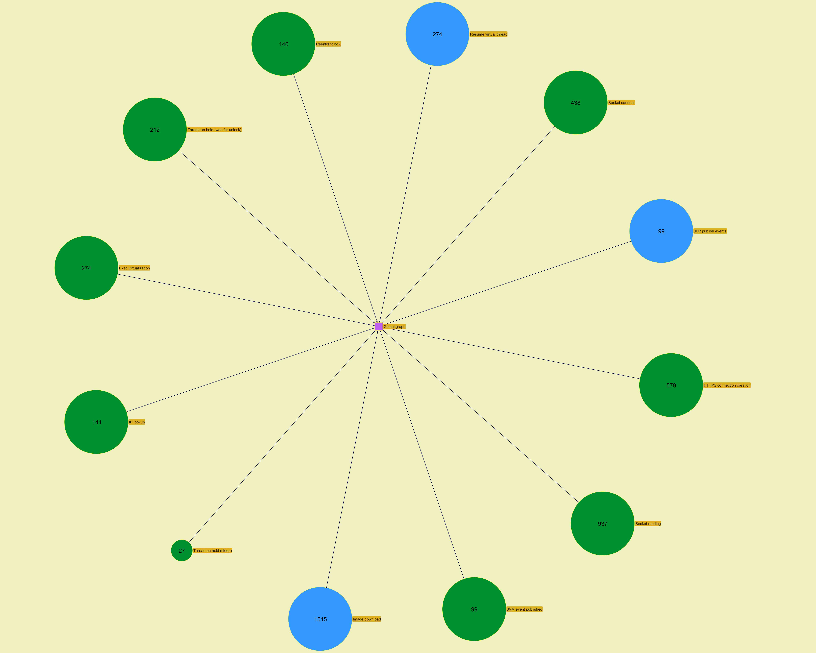
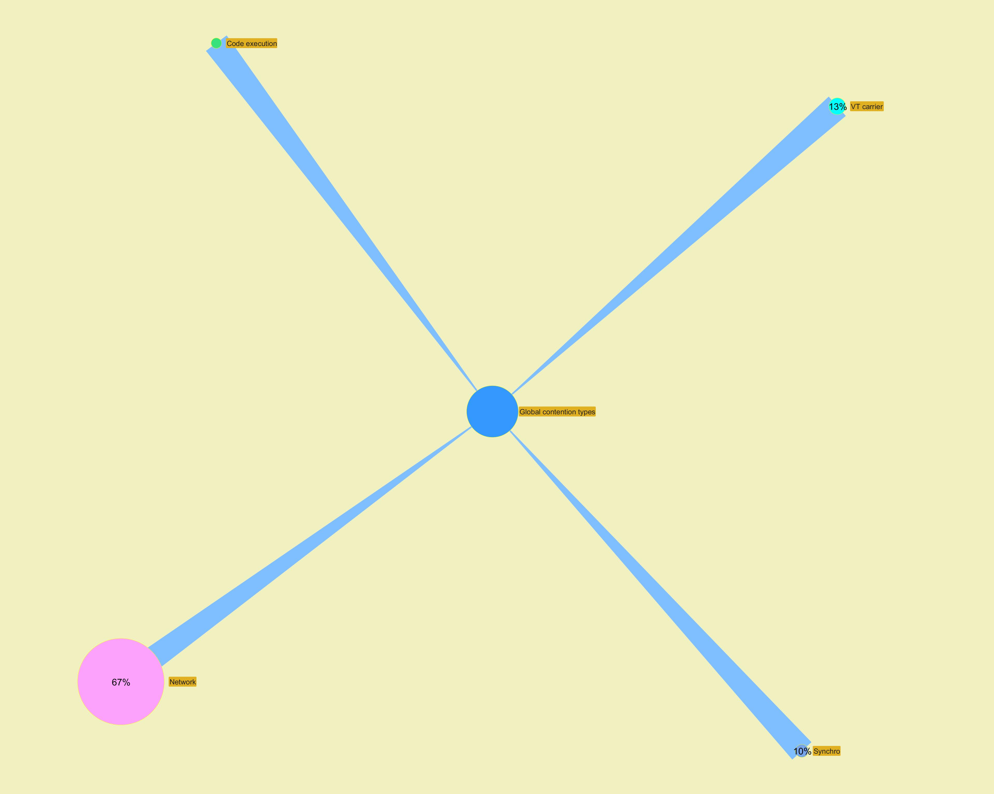

 | ­

­

Modules
...
­




