Menu

JZR report | Jeyzer |  | Items | Ignorance is the root and stem for all evil Plato
 | Session info | Lists analysis and session recording information. | 43
 | Process card | Displays and groups all the process properties per category : OS, architecture, startup parameters... Permits to collect technical details helping in the troubleshooting. | 21
 | Virtual Threads | Displays the virtual thread info. | 1065
 | Monitoring alerts | Displays monitoring events. Permits to identify process activity problems at a glance. | 19 (6)
 | Monitoring sequence | Displays Jeyzer time sequence display monitoring events, along with header figures. | 6
 | Stack groups | Displays groups of similar stacks on a time line. Permits to get a good overview of the different process activities in a large multi-threaded environment. | 33
 | Thread activity | Displays actions in a time line manner, focusing on large stacks and on main indicators such as CPU, memory and thread count. Permits to get a good overview of the active stacks, in a generic approach. | 1065
 | Charts | Displays CPU/memory/GC/Lock figures in charts at process and system level. | 34 (7)
 | Memory GC Global | Displays global garbage collecting figures such as execution time, executed GC, released memory.. Permits to identify GC dysfunctions and potential memory leaks. Includes GC graphs. | 21 (4)
 | Memory GC Old | Displays garbage collecting figures for the Old Generation memory zone. Permits to spot out of memory cases. Includes GC graphs. | 18 (4)
 | Memory | Displays actions in a time line manner, focusing on process and thread memory consumption. Permits to identify high memory consuming actions. Includes memory graphs. | 1065 (4)
 | CPU | Displays actions in a time line manner, focusing on process and thread CPU consumption. Permits to identify high CPU consuming actions. | 1065 (1)
 | Task list | Displays all the detected actions in a flat mode. Permits to narrow actions occuring on a specific time range. | 1065
 | Top stacks | Displays all stacks grouped by apperance order. Permits to spot eventual bottlenecks. | 27
 | Action histogram | Lists all the functions and operations at the action level. Permits to spot concentration points within actions. | 6
 | Function histogram | Displays and groups all the detected functions and operations. Permits to spot concentration points : I/O, specific action, database access.. | 24 (2)
 | Monitoring Rules | Displays monitoring rules applied on the current session. Includes rule hit count. | 107
 | Modules | Displays the list of Java modules loaded by the JVM. Includes their version and attributes. Detect the snapshot libraries. | 65 (1)
 | JVM Flags | Displays all the JVM flags including the changed ones. Permits to review the JVM technical details. Exhaustive JVM flag documentation available at : https://chriswhocodes.com/hotspot_options_jdk11.html | 871
 | About | All about Jeyzer.

Monitoring alerts
Jeyzer
Graph | Cont | Vth | ThA | Cht | GCg | GCo | Mem | Cpu | Sgr | Mon | Start date | Event | Recommendation | Additional information | Rank | End date | Level | Scope | Count | Action (composite) | Duration (sec) | Thread | Ref
 |  |  |  |  |  |  |  |  |  |  | 10/5/23 | JMX SSL disabled | JMX remote SSL is disabled. This JMX connection should be secured in a production environment. | com.sun.management.jmxremote.ssl : false | W8 | In progress | WARNING | System | 1 | Not applicable | 0 hours 9 minutes 49 seconds | Not applicable | JZR-PCD-0101
 |  |  |  |  |  |  |  |  |  |  | 10/5/23 | JMX remote authentication disabled | JMX remote authentication is disabled. This security issue should be adressed in a production environment as anybody could take control of the JVM remotely. | com.sun.management.jmxremote.authenticate : false | W10 | In progress | WARNING | System | 1 | Not applicable | 0 hours 9 minutes 49 seconds | Not applicable | JZR-PCD-0091
 |  |  |  |  |  |  |  |  |  |  | 10/5/23 | Java preview active | Java preview features are active : make sure it is enabled on purpose. Never use preview features on production environments as those are experimental. | enable-preview : enable-preview | W7 | In progress | WARNING | System | 1 | Not applicable | 0 hours 9 minutes 49 seconds | Not applicable | JZR-PCD-0171
 |  |  |  |  |  |  |  |  |  |  | 10/5/23 | Missing Xmx | Maximum Java heap size is not set. Please add the -Xmx<size> to the process startup command line. |  | W1 | In progress | WARNING | System | 1 | Not applicable | 0 hours 9 minutes 49 seconds | Not applicable | JZR-PCD-0041
 |  |  |  |  |  |  |  |  |  |  | 10/5/23 | Virtual threads not visible | Java virtual threads are used but cannot be displayed (because not available in the recording). You must use the Jcmd command to get it in your recording. Command is : jcmd <pid> Thread.dump_to_file -format=text|json <txt file path> | jzr.analysis.virtual.thread.carriers.only : true | W6 | In progress | WARNING | System | 1 | Not applicable | 0 hours 9 minutes 49 seconds | Not applicable | JZR-PCD-0181
 |  |  |  |  |  |  |  |  |  |  | 10/5/23 | Core dump creation on crash | The CreateCoredumpOnCrash option is enabled. The JVM will generate a core dump on any crash. | jzr.jdk.flag.CreateCoredumpOnCrash : true | I9 | In progress | INFO | System | 1 | Not applicable | 0 hours 9 minutes 49 seconds | Not applicable | JZR-JVMF-0051
 |  |  |  |  |  |  |  |  |  |  | 10/5/23 | Heap dump on Out of memory | The HeapDumpOnOutOfMemoryError option is not enabled on the JVM command line. You may consider to activate it as a safety troubleshooting procedure to detect any memory leak. | jzr.jdk.flag.HeapDumpOnOutOfMemoryError : false | I6 | In progress | INFO | System | 1 | Not applicable | 0 hours 9 minutes 49 seconds | Not applicable | JZR-JVMF-0031
 |  |  |  |  |  |  |  |  |  |  | 10/5/23 | JFR enabled | Java Flight Recorder is enabled. | XX:\+FlightRecorder|XX:StartFlightRecording : XX:StartFlightRecording=maxage=6h,maxsize=100M,dumponexit=true,settings=C:\demo-pg\jeyzer-428\demo\config\jfr\jeyzer-demo.jfc,filename=C:\demo-pg\jeyzer-428\work\recordings\demo-virtual-threads\jfr\demo-virtual-threads.jfr | I1 | In progress | INFO | System | 1 | Not applicable | 0 hours 9 minutes 49 seconds | Not applicable | JZR-PCD-0071
 |  |  |  |  |  |  |  |  |  |  | 10/5/23 | JMX remote access enabled | JMX remote access is enabled. | com.sun.management.jmxremote : com.sun.management.jmxremote | I1 | In progress | INFO | System | 1 | Not applicable | 0 hours 9 minutes 49 seconds | Not applicable | JZR-PCD-0051
 |  |  |  |  |  |  |  |  |  | M | 10/5/23 | Virtual threads detected | Java virtual threads are used. In case of massive usage, you may monitor closely the VM memory and CPU. |  | I2 | In progress | INFO | System | 1 | Not applicable | 0 hours 9 minutes 49 seconds | Not applicable | JZR-STD-0181
§ | W | V | T | C | G | G | M | C | S | M | 10/5/23 | Virtual threads high CPU usage | Virtual threads are highly CPU consuming. You sould review with the developer team the underlying tasks to be less CPU consuming. | Max CPU usage : 100% | C3 | 10/5/23 | CRITICAL | Global | 35 | Not applicable | 0 hours 4 minutes 52 seconds | Not applicable | JZR-ADV-0211
 |  | V | T | C | G | G | M | C | S | M | 10/5/23 | System running out of CPUs | High applicative CPU access, exceeding the system CPU capacity. You may consider to increase it. | Max runnable CPUs vs available CPUs : 13 / 12 | W3 | 10/5/23 | WARNING | Session | 6 | Not applicable | 0 hours 0 minutes 26 seconds | Not applicable | JZR-PCD-0031
 |  | V | T | C | G | G | M | C | S | M | 10/5/23 | Virtual threads high CPU usage | Virtual threads are CPU consuming. You may review with the developer team the underlying tasks to be less CPU consuming. | Max CPU usage : 100% | W3 | 10/5/23 | WARNING | Global | 38 | Not applicable | 0 hours 5 minutes 7 seconds | Not applicable | JZR-ADV-0212
§ | W | V | T | C | G | G | M | C | S | M | 10/5/23 | System CPU overload | System CPU very high. Check system usage and possibly stop the root cause application. | Max CPU usage : 100% | C4 | 10/5/23 | CRITICAL | Global | 27 | Not applicable | 0 hours 2 minutes 55 seconds | Not applicable | JZR-ADV-0011
 |  | V | T | C | G | G | M | C | S | M | 10/5/23 | CPU consuming process | Process consuming high CPU (>60%) on very long period. If too frequent, please contact support. | Max CPU usage : 97% | W3 | 10/5/23 | WARNING | Global | 30 | Not applicable | 0 hours 3 minutes 1 seconds | Not applicable | JZR-ADV-0022
 |  | V | T | C | G | G | M | C | S | M | 10/5/23 | System running out of CPUs | High applicative CPU access, exceeding the system CPU capacity. You may consider to increase it. | Max runnable CPUs vs available CPUs : 13 / 12 | W3 | 10/5/23 | WARNING | Session | 15 | Not applicable | 0 hours 1 minutes 12 seconds | Not applicable | JZR-PCD-0031
§ | W | V | T | C | G | G | M | C | S | M | 10/5/23 | CPU consuming process | Process consuming high amount of CPU (>90%) on long period. Check process activity usage. | Max CPU usage : 97% | C3 | 10/5/23 | CRITICAL | Session | 14 | Not applicable | 0 hours 1 minutes 7 seconds | Not applicable | JZR-ADV-0021
 |  | V | T | C | G | G | M | C | S | M | 10/5/23 | System running out of CPUs | High applicative CPU access, exceeding the system CPU capacity. You may consider to increase it. | Max runnable CPUs vs available CPUs : 15 / 12 | W3 | 10/5/23 | WARNING | Session | 10 | Not applicable | 0 hours 0 minutes 45 seconds | Not applicable | JZR-PCD-0031

 |  |  |  |  |  |  |  |  |  |  |  |  |  |  |  |  |  |  |  |  |  |  |  | ­ | ­
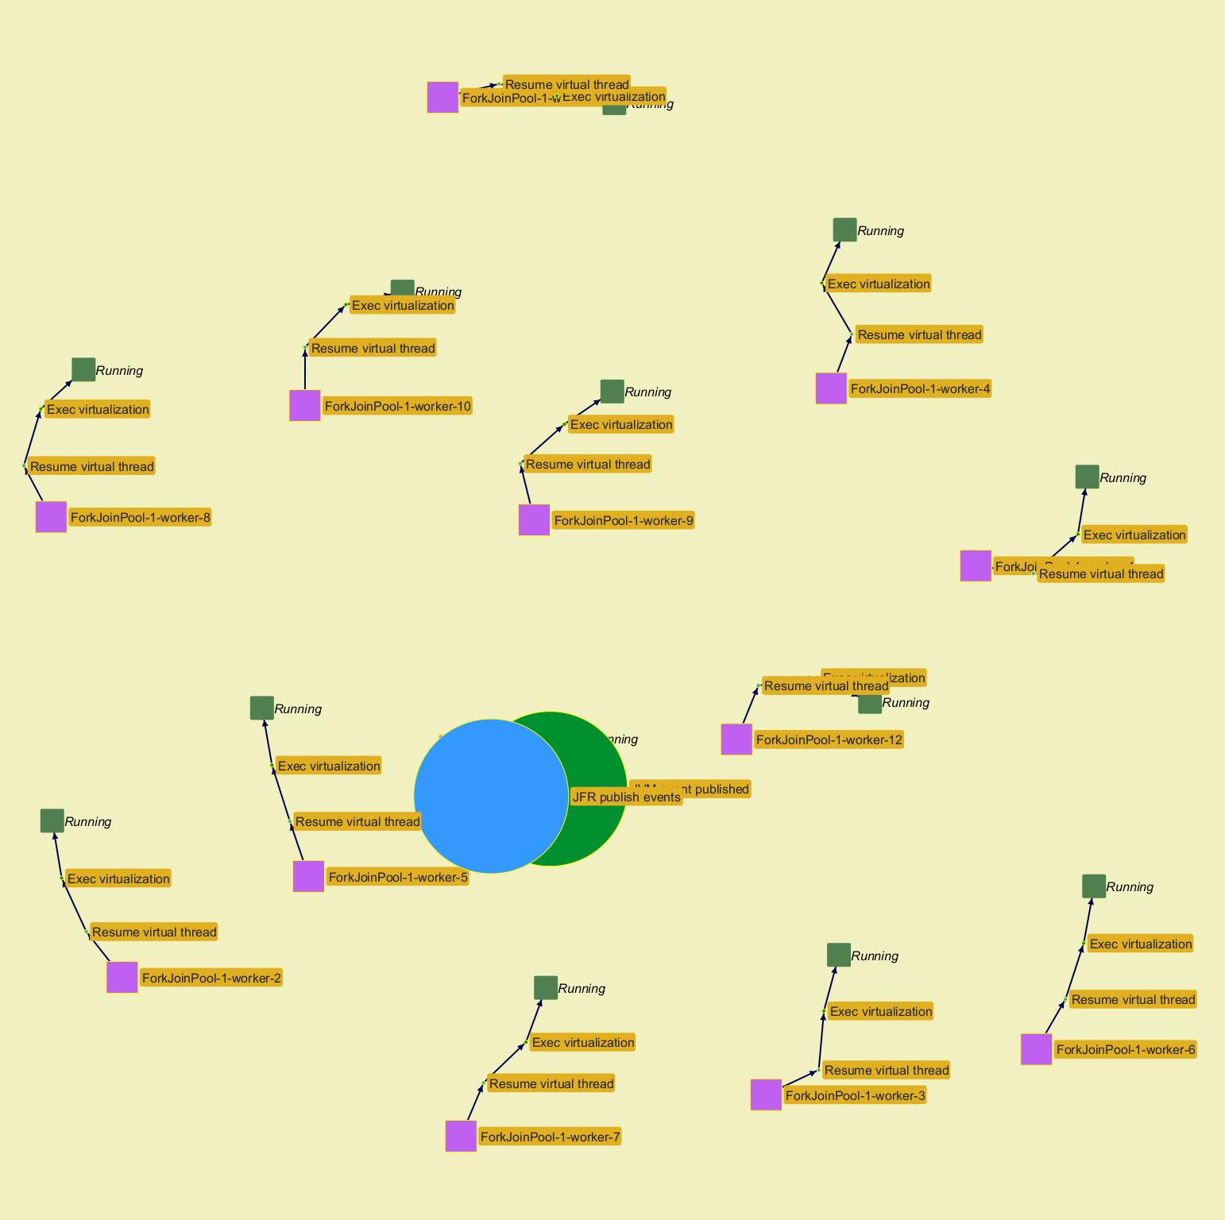
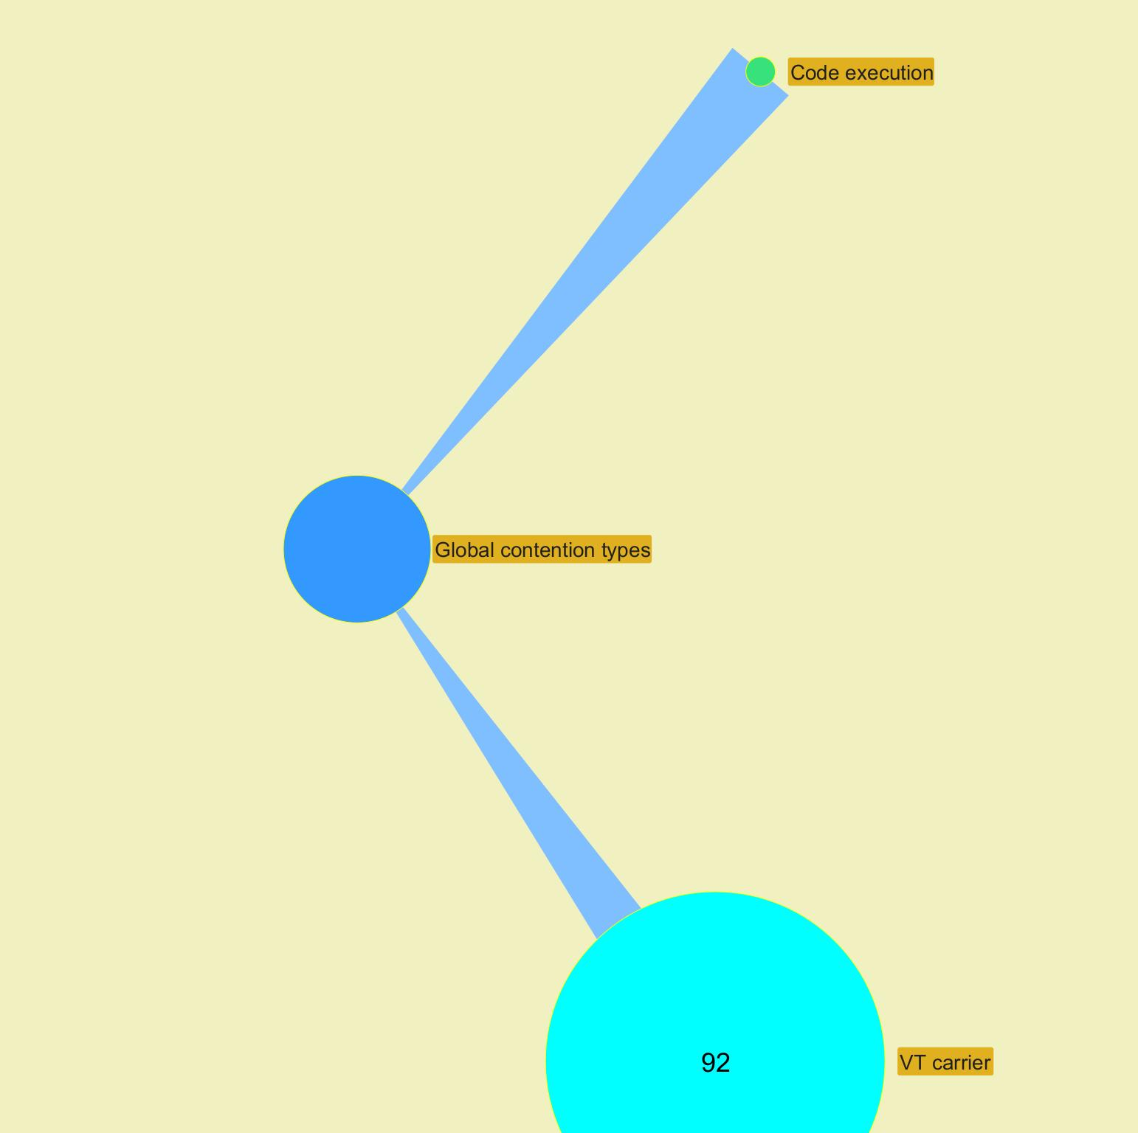

 |  |  |  |  |  |  |  |  |  |  |  |  |  |  |  |  |  |  |  |  |  |  |  |  | ­

 |  |  |  |  |  |  |  |  |  |  |  |  |  |  |  |  |  |  |  |  |  |  |  | ­

 |  |  |  |  |  |  |  |  |  |  |  |  |  |  |  |  |  |  |  |  |  |  |  | ­ | ­
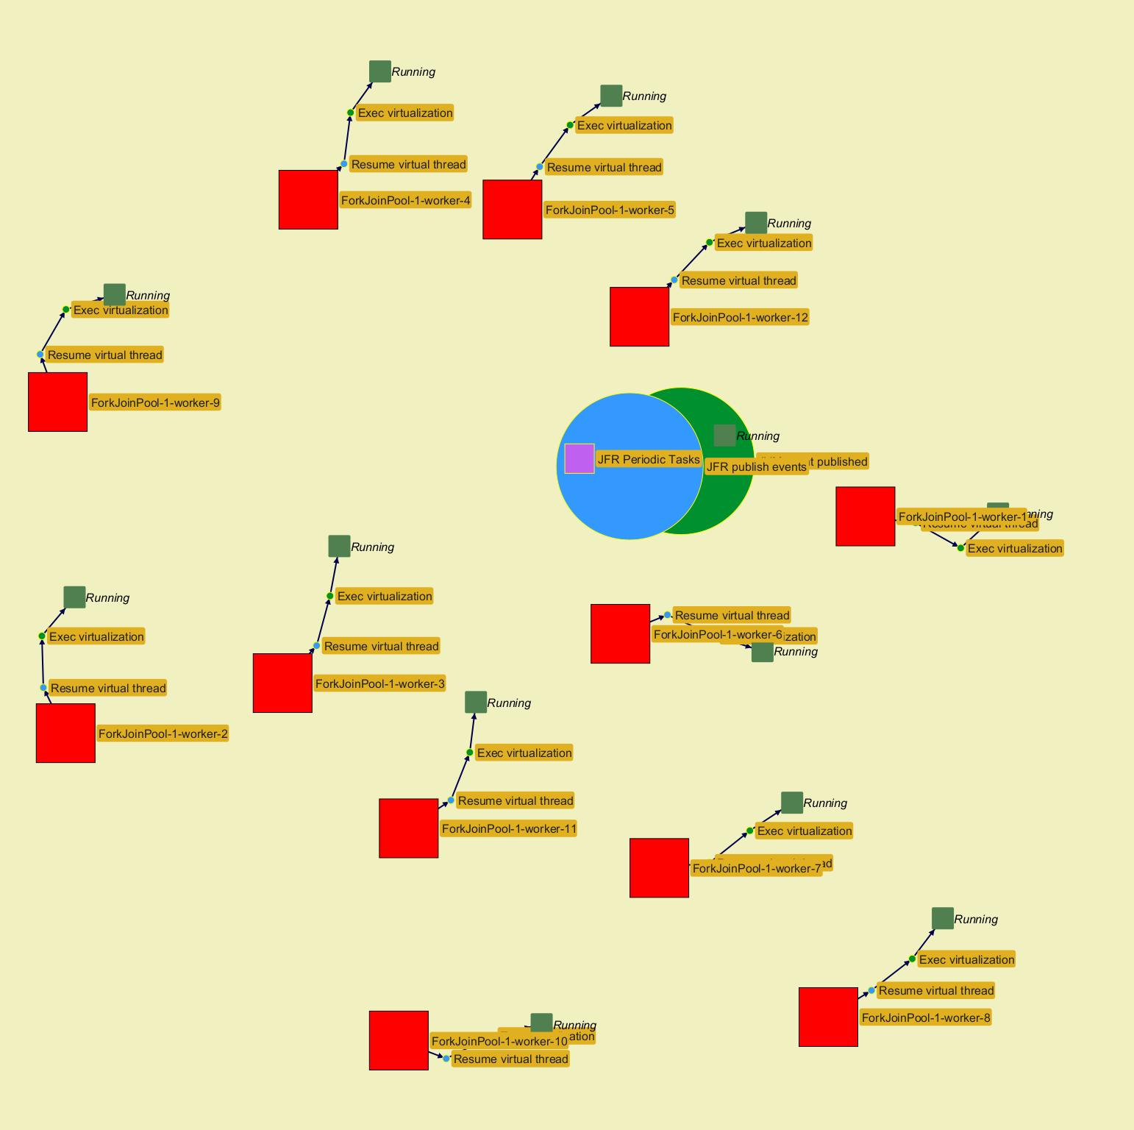
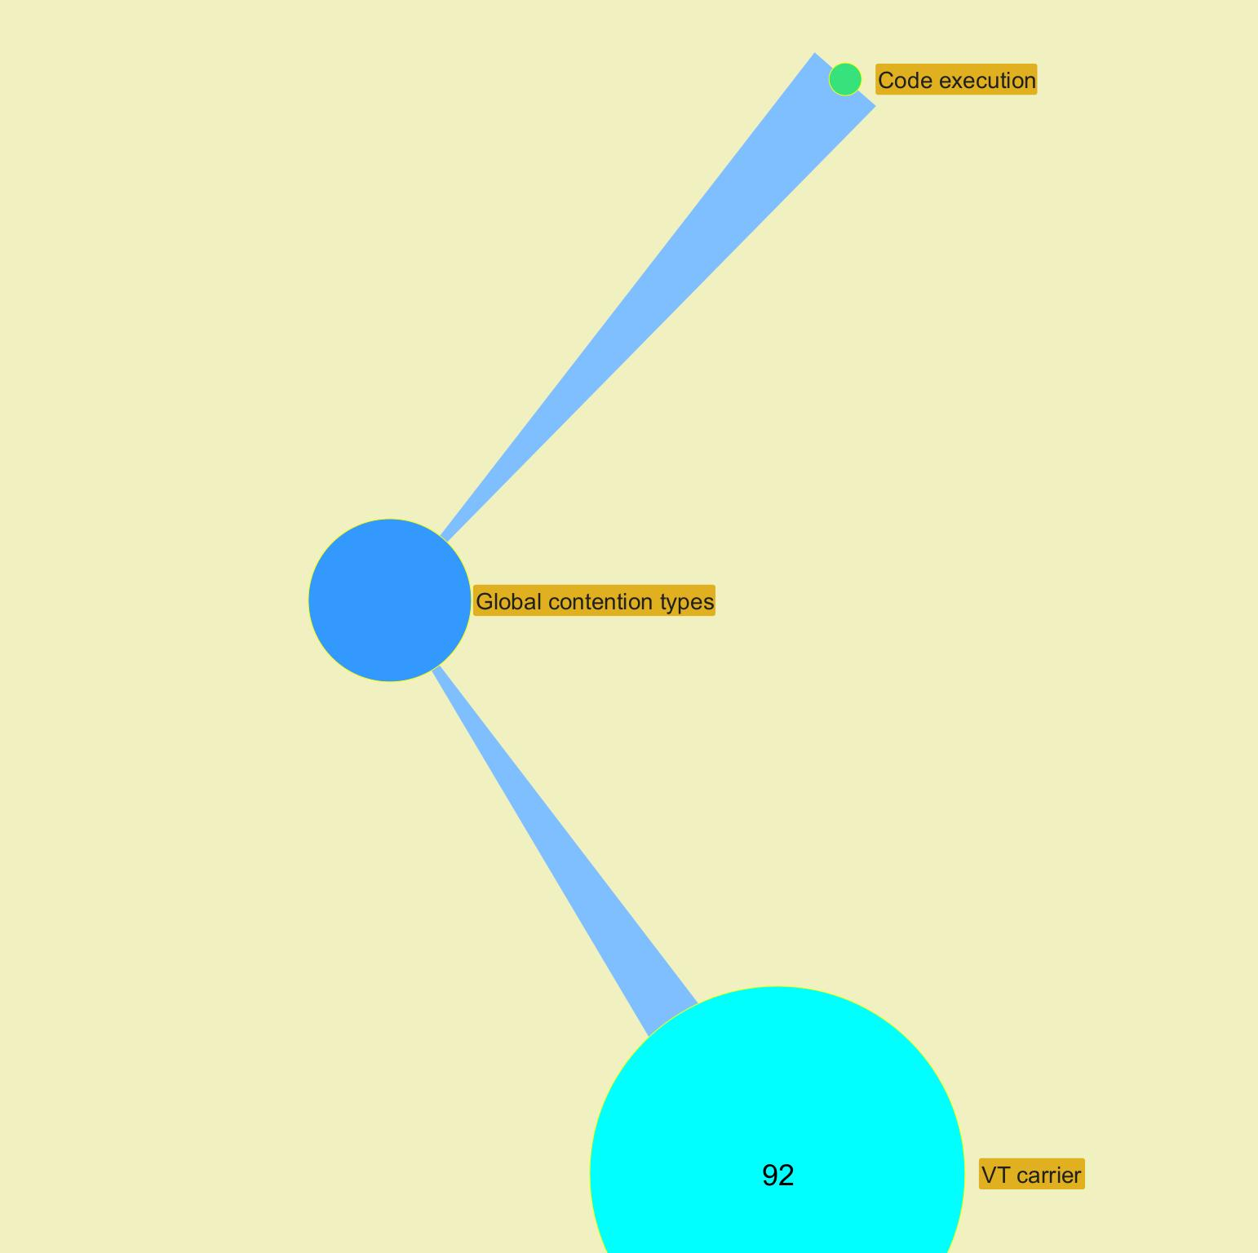

 |  |  |  |  |  |  |  |  |  |  |  |  |  |  |  |  |  |  |  |  |  |  |  |  | ­

 |  |  |  |  |  |  |  |  |  |  |  |  |  |  |  |  |  |  |  |  |  |  |  | ­

 |  |  |  |  |  |  |  |  |  |  |  |  |  |  |  |  |  |  |  |  |  |  |  | ­ | ­
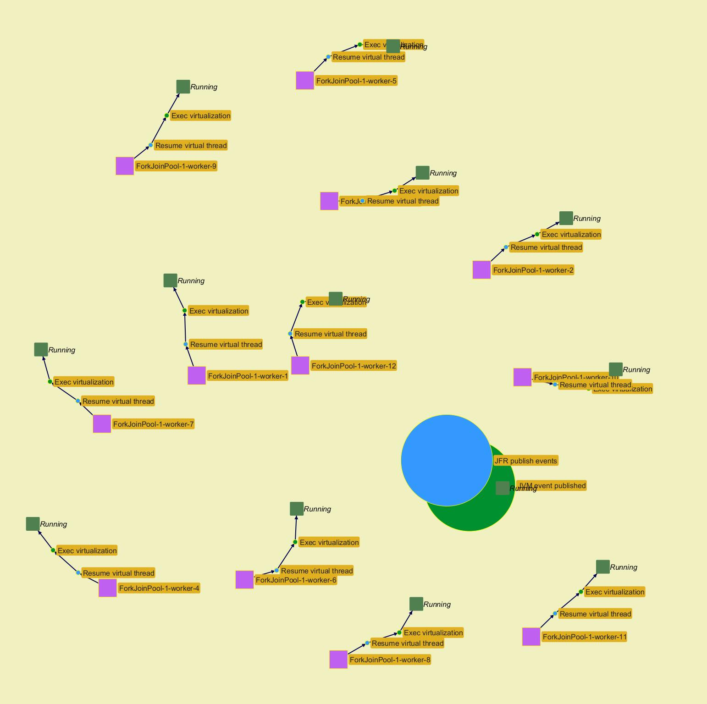
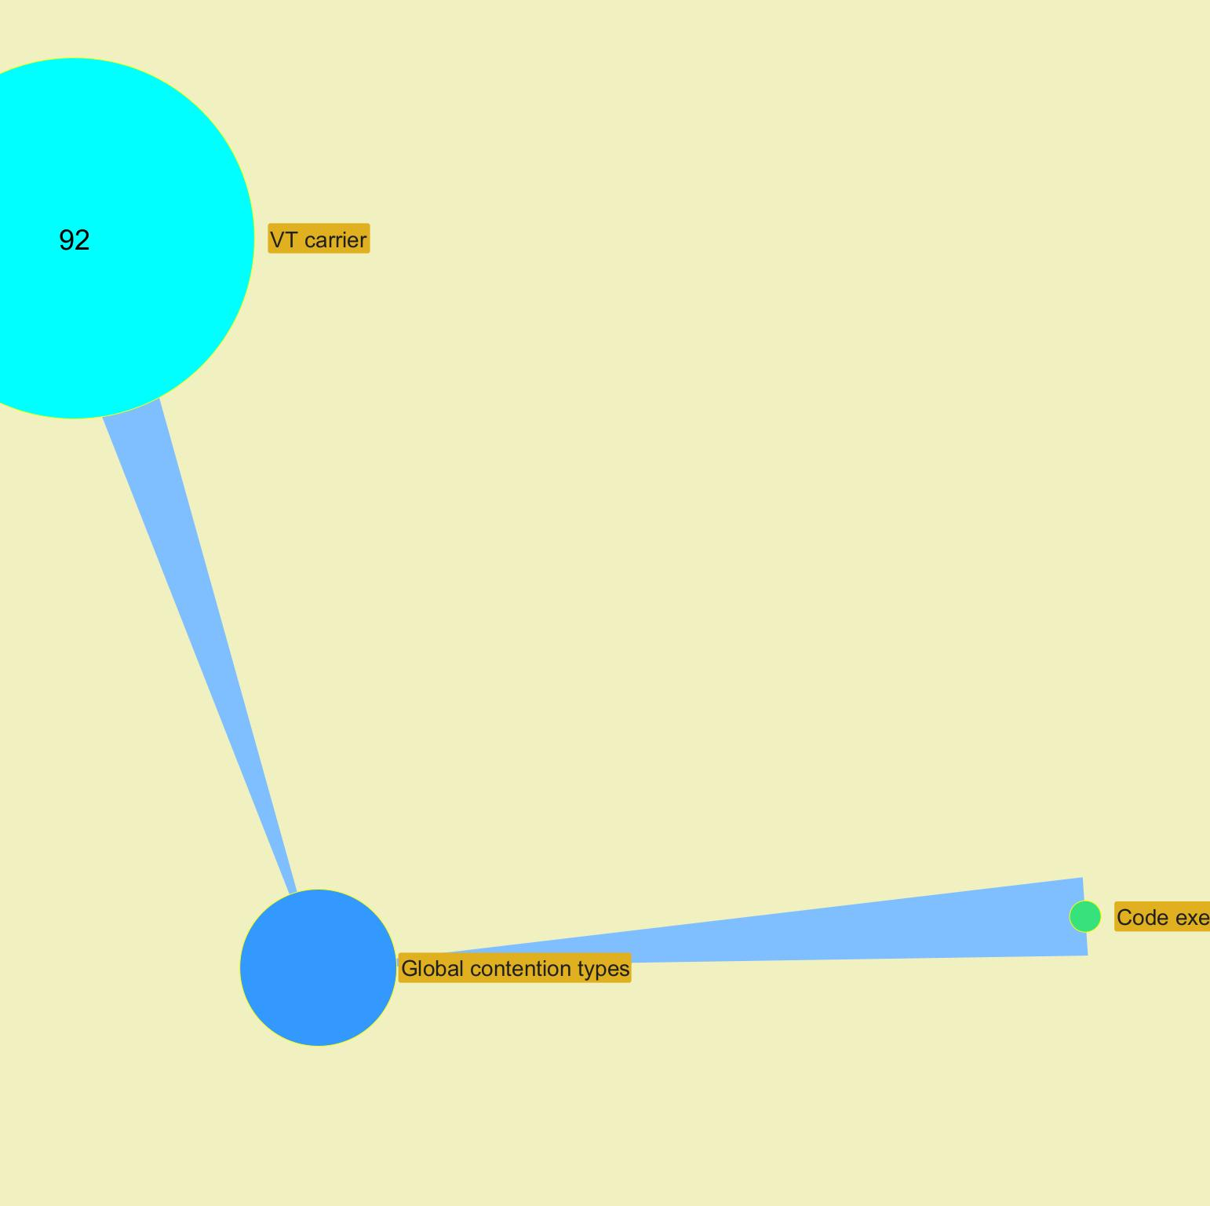

 |  |  |  |  |  |  |  |  |  |  |  |  |  |  |  |  |  |  |  |  |  |  |  |  | ­

 |  |  |  |  |  |  |  |  |  |  |  |  |  |  |  |  |  |  |  |  |  |  |  | ­

Charts
Jeyzer |  |  |  |  |  |  | 05 Oct 2023 | Europe/Brussels PROFILE |  |  |  |  | Up 0d 00:00 |  |  |  |  |  |  |  | 05 Oct 2023 | Europe/Brussels PROFILE |  |  |  |  | Up 0d 00:01 |  |  |  |  |  |  |  | 05 Oct 2023 | Europe/Brussels PROFILE |  |  |  |  | Up 0d 00:02 |  |  |  |  |  |  |  | 05 Oct 2023 | Europe/Brussels PROFILE |  |  |  |  | Up 0d 00:04 |  |  |  |  |  |  |  | 05 Oct 2023 | Europe/Brussels PROFILE |  |  |  |  | Up 0d 00:05 |  |  |  |  |  |  |  | 05 Oct 2023 | Europe/Brussels PROFILE |  |  |  |  | Up 0d 00:06 |  |  |  |  |  |  |  | 05 Oct 2023 | Europe/Brussels PROFILE |  |  |  |  | Up 0d 00:07 |  |  |  |  |  |  |  | 05 Oct 2023 | Europe/Brussels PROFILE |  |  |  |  | Up 0d 00:08 |  |  |  |  |  |  |  | 05 Oct 2023 | Europe/Brussels PROFILE
 | Measurement | Avg | Min | Max | Cumul | Std Dev | 00:26:16 | 00:26:21 | 00:26:26 | 00:26:31 | 00:26:36 | 00:26:41 | 00:26:46 | 00:26:51 | 00:26:56 | 00:27:01 | 00:27:06 | 00:27:11 | 00:27:16 | 00:27:22 | 00:27:27 | 00:27:32 | 00:27:37 | 00:27:42 | 00:27:47 | 00:27:52 | 00:27:57 | 00:28:02 | 00:28:07 | 00:28:12 | 00:28:17 | 00:28:22 | 00:28:27 | 00:28:32 | 00:28:37 | 00:28:42 | 00:28:47 | 00:28:52 | 00:28:57 | 00:29:02 | 00:29:07 | 00:29:12 | 00:29:17 | 00:29:22 | 00:29:27 | 00:29:33 | 00:29:38 | 00:29:43 | 00:29:49 | 00:29:54 | 00:29:59 | 00:30:04 | 00:30:09 | 00:30:14 | 00:30:20 | 00:30:25 | 00:30:30 | 00:30:35 | 00:30:40 | 00:30:45 | 00:30:51 | 00:30:56 | 00:31:01 | 00:31:06 | 00:31:11 | 00:31:16 | 00:31:22 | 00:31:27 | 00:31:32 | 00:31:37 | 00:31:42 | 00:31:47 | 00:31:52 | 00:31:57 | 00:32:03 | 00:32:08 | 00:32:13 | 00:32:18 | 00:32:24 | 00:32:29 | 00:32:34 | 00:32:39 | 00:32:44 | 00:32:49 | 00:32:54 | 00:32:59 | 00:33:04 | 00:33:09 | 00:33:15 | 00:33:20 | 00:33:25 | 00:33:30 | 00:33:35 | 00:33:40 | 00:33:45 | 00:33:50 | 00:33:55 | 00:34:00 | 00:34:05 | 00:34:10 | 00:34:15 | 00:34:20 | 00:34:25 | 00:34:30 | 00:34:35 | 00:34:40 | 00:34:45 | 00:34:50 | 00:34:55 | 00:35:00 | 00:35:05 | 00:35:10 | 00:35:15 | 00:35:20 | 00:35:26 | 00:35:31 | 00:35:36 | 00:35:41 | 00:35:46 | 00:35:51 | 00:35:56 | 00:36:01 | 00:36:06
 | Recording snapshot capture time d |  |  |  |  |  | NA | NA | NA | NA | NA | NA | NA | NA | NA | NA | NA | NA | NA | NA | NA | NA | NA | NA | NA | NA | NA | NA | NA | NA | NA | NA | NA | NA | NA | NA | NA | NA | NA | NA | NA | NA | NA | NA | NA | NA | NA | NA | NA | NA | NA | NA | NA | NA | NA | NA | NA | NA | NA | NA | NA | NA | NA | NA | NA | NA | NA | NA | NA | NA | NA | NA | NA | NA | NA | NA | NA | NA | NA | NA | NA | NA | NA | NA | NA | NA | NA | NA | NA | NA | NA | NA | NA | NA | NA | NA | NA | NA | NA | NA | NA | NA | NA | NA | NA | NA | NA | NA | NA | NA | NA | NA | NA | NA | NA | NA | NA | NA | NA | NA | NA | NA | NA
 | Thread count b | 68 | 19 | 1,037 |  | 182 | 19 | 22 | 24 | 24 | 26 | 26 | 26 | 26 | 26 | 26 | 26 | 26 | 26 | 26 | 26 | 26 | 26 | 26 | 26 | 26 | 26 | 26 | 26 | 26 | 26 | 26 | 26 | 26 | 26 | 26 | 26 | 26 | 27 | 27 | 27 | 27 | 27 | 27 | 35 | 35 | 35 | 35 | 35 | 35 | 35 | 35 | 35 | 35 | 35 | 35 | 35 | 35 | 35 | 35 | 35 | 35 | 35 | 35 | 35 | 35 | 35 | 35 | 37 | 37 | 37 | 37 | 37 | 37 | 37 | 37 | 37 | 37 | 37 | 37 | 35 | 1,037 | 1,037 | 1,036 | 1,036 | 36 | 35 | 41 | 40 | 40 | 40 | 40 | 40 | 40 | 40 | 40 | 40 | 39 | 39 | 39 | 39 | 39 | 39 | 39 | 39 | 39 | 39 | 39 | 39 | 39 | 39 | 39 | 39 | 39 | 39 | 39 | 39 | 39 | 39 | 39 | 39 | 39 | 39
 | Locked threads b | 1 | 0 | 2 | 72 | 1 | 0 | 0 | 0 | 0 | 0 | 0 | 0 | 0 | 0 | 0 | 0 | 0 | 0 | 0 | 0 | 0 | 0 | 0 | 0 | 0 | 0 | 0 | 0 | 0 | 0 | 0 | 0 | 0 | 0 | 0 | 0 | 0 | 0 | 0 | 0 | 0 | 0 | 0 | 0 | 0 | 0 | 0 | 0 | 0 | 0 | 0 | 0 | 0 | 0 | 0 | 0 | 0 | 0 | 0 | 0 | 0 | 0 | 0 | 0 | 0 | 0 | 0 | 0 | 0 | 0 | 0 | 0 | 0 | 0 | 0 | 0 | 0 | 0 | 0 | 0 | 0 | 0 | 0 | 0 | 0 | 0 | 2 | 2 | 2 | 2 | 2 | 2 | 2 | 2 | 2 | 2 | 2 | 2 | 2 | 2 | 2 | 2 | 2 | 2 | 2 | 2 | 2 | 2 | 2 | 2 | 2 | 2 | 2 | 2 | 2 | 2 | 2 | 2 | 2 | 2 | 2 | 2
 | Frozen threads b | 7 | 1 | 17 | 782 | 6 | 2 | 2 | 1 | 1 | 1 | 1 | 1 | 1 | 1 | 1 | 1 | 1 | 1 | 1 | 1 | 1 | 1 | 1 | 1 | 1 | 1 | 1 | 1 | 1 | 1 | 1 | 1 | 1 | 1 | 1 | 1 | 1 | 1 | 1 | 1 | 1 | 1 | 1 | 13 | 13 | 13 | 13 | 13 | 13 | 1 | 1 | 13 | 13 | 13 | 13 | 13 | 13 | 13 | 13 | 13 | 13 | 13 | 13 | 13 | 13 | 13 | 1 | 1 | 1 | 1 | 13 | 13 | 13 | 13 | 13 | 13 | 13 | 13 | 13 | 1 | 11 | 14 | 4 | 2 | 2 | 2 | 6 | 6 | 6 | 7 | 7 | 6 | 6 | 6 | 7 | 7 | 17 | 17 | 17 | 17 | 16 | 15 | 14 | 13 | 12 | 11 | 10 | 9 | 8 | 7 | 6 | 6 | 6 | 5 | 5 | 5 | 5 | 5 | 5 | 5 | 5 | 5
 | Actions b | 18 | 1 | 1,001 | 2,059 | 95 | 2 | 2 | 1 | 1 | 1 | 1 | 1 | 1 | 1 | 1 | 1 | 1 | 1 | 1 | 1 | 1 | 1 | 1 | 1 | 1 | 1 | 1 | 1 | 1 | 1 | 1 | 1 | 1 | 1 | 1 | 1 | 1 | 1 | 1 | 1 | 2 | 1 | 1 | 13 | 13 | 13 | 13 | 13 | 13 | 1 | 1 | 13 | 13 | 13 | 13 | 13 | 13 | 13 | 13 | 13 | 13 | 13 | 13 | 13 | 13 | 13 | 2 | 2 | 3 | 1 | 13 | 13 | 13 | 13 | 13 | 13 | 13 | 13 | 13 | 2 | 1,001 | 291 | 4 | 3 | 3 | 3 | 6 | 6 | 6 | 7 | 7 | 6 | 6 | 6 | 7 | 7 | 17 | 17 | 17 | 17 | 16 | 15 | 14 | 13 | 12 | 11 | 10 | 9 | 8 | 7 | 6 | 6 | 6 | 5 | 5 | 5 | 5 | 5 | 6 | 5 | 5 | 5
 |  |  |  |  |  |  | Virtual threads |  |  |  |  |  |  |  |  |  | Virtual threads |  |  |  |  |  |  |  |  |  | Virtual threads |  |  |  |  |  |  |  |  |  | Virtual threads |  |  |  |  |  |  |  |  |  | Virtual threads |  |  |  |  |  |  |  |  |  | Virtual threads |  |  |  |  |  |  |  |  |  | Virtual threads |  |  |  |  |  |  |  |  |  | Virtual threads |  |  |  |  |  |  |  |  |  | Virtual threads |  |  |  |  |  |  |  |  |  | Virtual threads |  |  |  |  |  |  |  |  |  | Virtual threads |  |  |  |  |  |  |  |  |  | Virtual threads
 | Virtual thread count b | 375 | 0 | 1,518 |  | 388 | 0 | 0 | 285 | 581 | 612 | 593 | 586 | 596 | 621 | 633 | 633 | 632 | 632 | 633 | 632 | 633 | 631 | 630 | 630 | 630 | 630 | 630 | 628 | 628 | 629 | 629 | 629 | 628 | 627 | 628 | 628 | 628 | 628 | 556 | 240 | 0 | 16 | 333 | 642 | 536 | 409 | 288 | 184 | 50 | 1,518 | 1,518 | 1,455 | 1,342 | 1,236 | 1,130 | 1,047 | 940 | 831 | 741 | 634 | 530 | 416 | 329 | 215 | 116 | 29 | 0 | 0 | 403 | 1,002 | 937 | 828 | 708 | 610 | 494 | 399 | 288 | 186 | 85 | 0 | 0 | 0 | 0 | 0 | 0 | 0 | 504 | 7 | 3 | 0 | 0 | 927 | 101 | 2 | 0 | 0 | 12 | 12 | 12 | 12 | 11 | 10 | 9 | 8 | 7 | 6 | 5 | 4 | 3 | 2 | 1 | 0 | 0 | 5 | 4 | 3 | 2 | 1 | 0 | 0 | 0 | 0
 | VT started | 130 | 0 | 1,518 |  | 230 | 0 | 0 | 285 | 296 | 322 | 298 | 295 | 306 | 321 | 321 | 320 | 319 | 321 | 320 | 320 | 321 | 317 | 317 | 318 | 318 | 318 | 317 | 316 | 318 | 317 | 317 | 317 | 316 | 316 | 317 | 318 | 317 | 316 | 246 | 0 | 0 | 16 | 317 | 309 | 0 | 0 | 0 | 0 | 0 | 1,518 | 0 | 0 | 0 | 0 | 0 | 0 | 0 | 0 | 0 | 0 | 0 | 0 | 0 | 0 | 0 | 0 | 0 | 0 | 403 | 599 | 0 | 0 | 0 | 0 | 0 | 0 | 0 | 0 | 0 | 0 | 0 | 0 | 0 | 0 | 0 | 0 | 1,000 | 0 | 0 | 0 | 0 | 1,000 | 0 | 0 | 0 | 0 | 12 | 2 | 1 | 1 | 0 | 0 | 0 | 0 | 0 | 0 | 0 | 0 | 0 | 0 | 0 | 0 | 0 | 5 | 0 | 0 | 0 | 0 | 0 | 0 | 0 | 0
 | Virtual thread terminated | 130 | 0 | 826 |  | 151 | 0 | 0 | 0 | 0 | 291 | 317 | 302 | 296 | 296 | 309 | 320 | 320 | 321 | 319 | 321 | 320 | 319 | 318 | 318 | 318 | 318 | 317 | 318 | 318 | 316 | 317 | 317 | 317 | 317 | 316 | 318 | 317 | 316 | 318 | 316 | 240 | 0 | 0 | 0 | 106 | 127 | 121 | 104 | 134 | 50 | 0 | 63 | 113 | 106 | 106 | 83 | 107 | 109 | 90 | 107 | 104 | 114 | 87 | 114 | 99 | 87 | 29 | 0 | 0 | 0 | 65 | 109 | 120 | 98 | 116 | 95 | 111 | 102 | 101 | 85 | 0 | 0 | 0 | 0 | 0 | 0 | 496 | 497 | 4 | 3 | 0 | 73 | 826 | 99 | 2 | 0 | 0 | 2 | 1 | 1 | 1 | 1 | 1 | 1 | 1 | 1 | 1 | 1 | 1 | 1 | 1 | 1 | 0 | 0 | 1 | 1 | 1 | 1 | 1 | 0 | 0 | 0
 | Virtual thread diff |  | -826 | 1,468 |  |  | 0 | 0 | 285 | 296 | 31 | -19 | -7 | 10 | 25 | 12 | 0 | -1 | 0 | 1 | -1 | 1 | -2 | -1 | 0 | 0 | 0 | 0 | -2 | 0 | 1 | 0 | 0 | -1 | -1 | 1 | 0 | 0 | 0 | -72 | -316 | -240 | 16 | 317 | 309 | -106 | -127 | -121 | -104 | -134 | 1,468 | 0 | -63 | -113 | -106 | -106 | -83 | -107 | -109 | -90 | -107 | -104 | -114 | -87 | -114 | -99 | -87 | -29 | 0 | 403 | 599 | -65 | -109 | -120 | -98 | -116 | -95 | -111 | -102 | -101 | -85 | 0 | 0 | 0 | 0 | 0 | 0 | 504 | -497 | -4 | -3 | 0 | 927 | -826 | -99 | -2 | 0 | 12 | 0 | 0 | 0 | -1 | -1 | -1 | -1 | -1 | -1 | -1 | -1 | -1 | -1 | -1 | -1 | 0 | 5 | -1 | -1 | -1 | -1 | -1 | 0 | 0 | 0
 | Virtual thread pinned | 0 | 0 | 2 |  | 0 | 0 | 0 | 0 | 0 | 0 | 0 | 0 | 0 | 0 | 0 | 0 | 0 | 0 | 0 | 0 | 0 | 0 | 0 | 0 | 0 | 0 | 0 | 0 | 0 | 0 | 0 | 0 | 0 | 0 | 0 | 0 | 0 | 0 | 0 | 0 | 0 | 0 | 0 | 0 | 0 | 0 | 0 | 0 | 0 | 0 | 0 | 0 | 0 | 0 | 0 | 0 | 0 | 0 | 0 | 0 | 0 | 0 | 0 | 0 | 0 | 0 | 0 | 0 | 0 | 0 | 0 | 0 | 0 | 0 | 0 | 0 | 0 | 0 | 0 | 0 | 0 | 0 | 0 | 0 | 0 | 0 | 0 | 0 | 0 | 0 | 0 | 0 | 0 | 0 | 0 | 0 | 1 | 2 | 1 | 1 | 1 | 1 | 1 | 1 | 1 | 2 | 1 | 1 | 1 | 1 | 0 | 0 | 0 | 0 | 0 | 0 | 0 | 0 | 0 | 0 | 0 | 0
 | Virtual thread mounted | 4 | 0 | 12 |  | 5 | 0 | 0 | 0 | 0 | 0 | 0 | 0 | 0 | 0 | 0 | 0 | 0 | 0 | 0 | 0 | 0 | 0 | 0 | 0 | 0 | 0 | 0 | 0 | 0 | 0 | 0 | 0 | 0 | 0 | 0 | 0 | 0 | 0 | 0 | 0 | 0 | 0 | 0 | 12 | 12 | 12 | 12 | 12 | 12 | 0 | 0 | 12 | 12 | 12 | 12 | 12 | 12 | 12 | 12 | 12 | 12 | 12 | 12 | 12 | 12 | 12 | 0 | 0 | 1 | 0 | 12 | 12 | 12 | 12 | 12 | 12 | 12 | 12 | 12 | 0 | 0 | 0 | 0 | 0 | 0 | 0 | 0 | 0 | 0 | 0 | 0 | 0 | 0 | 0 | 0 | 0 | 12 | 12 | 12 | 12 | 11 | 10 | 9 | 8 | 7 | 6 | 5 | 4 | 3 | 2 | 1 | 0 | 0 | 0 | 0 | 0 | 0 | 0 | 0 | 0 | 0 | 0
 | Virtual thread CPU usage % | 33.8 | 0.0 | 100.0 |  | 45.0 | 0.0 | 0.0 | 0.0 | 0.0 | 0.0 | 0.0 | 0.0 | 0.0 | 0.0 | 0.0 | 0.0 | 0.0 | 0.0 | 0.0 | 0.0 | 0.0 | 0.0 | 0.0 | 0.0 | 0.0 | 0.0 | 0.0 | 0.0 | 0.0 | 0.0 | 0.0 | 0.0 | 0.0 | 0.0 | 0.0 | 0.0 | 0.0 | 0.0 | 0.0 | 0.0 | 0.0 | 0.0 | 0.0 | 100.0 | 100.0 | 100.0 | 100.0 | 100.0 | 100.0 | 0.0 | 0.0 | 100.0 | 100.0 | 100.0 | 100.0 | 100.0 | 100.0 | 100.0 | 100.0 | 100.0 | 100.0 | 100.0 | 100.0 | 100.0 | 100.0 | 100.0 | 0.0 | 0.0 | 8.3 | 0.0 | 100.0 | 100.0 | 100.0 | 100.0 | 100.0 | 100.0 | 100.0 | 100.0 | 100.0 | 0.0 | 0.0 | 0.0 | 0.0 | 0.0 | 0.0 | 0.0 | 0.0 | 0.0 | 0.0 | 0.0 | 0.0 | 0.0 | 0.0 | 0.0 | 0.0 | 0.0 | 100.0 | 100.0 | 100.0 | 100.0 | 91.7 | 83.3 | 75.0 | 66.7 | 58.3 | 50.0 | 41.7 | 33.3 | 25.0 | 16.7 | 8.3 | 0.0 | 0.0 | 0.0 | 0.0 | 0.0 | 0.0 | 0.0 | 0.0 | 0.0 | 0.0 | 0.0
 |  |  |  |  |  |  | CPU |  |  |  |  |  |  |  |  |  | CPU |  |  |  |  |  |  |  |  |  | CPU |  |  |  |  |  |  |  |  |  | CPU |  |  |  |  |  |  |  |  |  | CPU |  |  |  |  |  |  |  |  |  | CPU |  |  |  |  |  |  |  |  |  | CPU |  |  |  |  |  |  |  |  |  | CPU |  |  |  |  |  |  |  |  |  | CPU |  |  |  |  |  |  |  |  |  | CPU |  |  |  |  |  |  |  |  |  | CPU |  |  |  |  |  |  |  |  |  | CPU
 | CPU System % a | 26.4 | 0.0 | 100.0 |  | 41.0 | 10.0 | 2.0 | 1.0 | 2.0 | 1.0 | 1.0 | 1.0 | 1.0 | 1.0 | 0.0 | 1.0 | 1.0 | 1.0 | 1.0 | 1.0 | 1.0 | 0.0 | 0.0 | 0.0 | 1.0 | 1.0 | 0.0 | 1.0 | 0.0 | 1.0 | 0.0 | 0.0 | 0.0 | 0.0 | 0.0 | 1.0 | 1.0 | 0.0 | 0.0 | 0.0 | 0.0 | 0.0 | 0.0 | 5.0 | 99.0 | 98.0 | 99.0 | 98.0 | 99.0 | 37.0 | 1.0 | 69.0 | 99.0 | 100.0 | 99.0 | 99.0 | 99.0 | 100.0 | 99.0 | 99.0 | 99.0 | 99.0 | 99.0 | 99.0 | 99.0 | 99.0 | 2.0 | 1.0 | 0.0 | 1.0 | 81.0 | 100.0 | 98.0 | 99.0 | 99.0 | 98.0 | 100.0 | 99.0 | 99.0 | 57.0 | 7.0 | 19.0 | 10.0 | 8.0 | 8.0 | 1.0 | 11.0 | 11.0 | 8.0 | 3.0 | 0.0 | 7.0 | 12.0 | 8.0 | 5.0 | 0.0 | 1.0 | 0.0 | 1.0 | 0.0 | 1.0 | 0.0 | 0.0 | 0.0 | 1.0 | 0.0 | 0.0 | 0.0 | 1.0 | 0.0 | 0.0 | 0.0 | 0.0 | 0.0 | 0.0 | 0.0 | 0.0 | 0.0 | 0.0 | 1.0 | 1.0 | 0.0
 | CPU Process % a | 24.0 | 0.0 | 97.0 |  | 40.0 | 0.0 | 0.0 | 0.0 | 0.0 | 0.0 | 0.0 | 0.0 | 0.0 | 0.0 | 0.0 | 0.0 | 0.0 | 0.0 | 0.0 | 0.0 | 0.0 | 0.0 | 0.0 | 0.0 | 0.0 | 0.0 | 0.0 | 0.0 | 0.0 | 0.0 | 0.0 | 0.0 | 0.0 | 0.0 | 0.0 | 0.0 | 0.0 | 0.0 | 0.0 | 0.0 | 0.0 | 0.0 | 0.0 | 4.0 | 96.0 | 94.0 | 95.0 | 95.0 | 96.0 | 34.0 | 0.0 | 66.0 | 96.0 | 96.0 | 95.0 | 97.0 | 96.0 | 96.0 | 96.0 | 95.0 | 94.0 | 95.0 | 97.0 | 96.0 | 96.0 | 95.0 | 2.0 | 0.0 | 0.0 | 0.0 | 76.0 | 92.0 | 88.0 | 91.0 | 88.0 | 87.0 | 88.0 | 94.0 | 96.0 | 55.0 | 4.0 | 11.0 | 2.0 | 0.0 | 0.0 | 0.0 | 4.0 | 1.0 | 0.0 | 0.0 | 0.0 | 2.0 | 3.0 | 0.0 | 0.0 | 0.0 | 0.0 | 0.0 | 0.0 | 0.0 | 0.0 | 0.0 | 0.0 | 0.0 | 0.0 | 0.0 | 0.0 | 0.0 | 0.0 | 0.0 | 0.0 | 0.0 | 0.0 | 0.0 | 0.0 | 0.0 | 0.0 | 0.0 | 0.0 | 0.0 | 0.0 | 0.0
 | CPU Computed Process % a | 7.3 | 0.0 | 437.0 |  | 42.0 | NA | 4.0 | 2.0 | 3.0 | 6.0 | 3.0 | 4.0 | 4.0 | 3.0 | 3.0 | 3.0 | 3.0 | 4.0 | 3.0 | 3.0 | 3.0 | 3.0 | 2.0 | 3.0 | 3.0 | 3.0 | 3.0 | 3.0 | 3.0 | 0.0 | 1.0 | 1.0 | 1.0 | 1.0 | 0.0 | 1.0 | 1.0 | 1.0 | 1.0 | 0.0 | 1.0 | 1.0 | 1.0 | 53.0 | 437.0 | 5.0 | 3.0 | 4.0 | 2.0 | 5.0 | 0.0 | 1.0 | 2.0 | 2.0 | 2.0 | 2.0 | 2.0 | 1.0 | 0.0 | 1.0 | 1.0 | 1.0 | 1.0 | 1.0 | 2.0 | 1.0 | 0.0 | 0.0 | 1.0 | 1.0 | 1.0 | 2.0 | 3.0 | 1.0 | 1.0 | 1.0 | 1.0 | 1.0 | 1.0 | 0.0 | 62.0 | 121.0 | 4.0 | 0.0 | 0.0 | 0.0 | 18.0 | 3.0 | 0.0 | 0.0 | 0.0 | 7.0 | 4.0 | 0.0 | 0.0 | 0.0 | 0.0 | 0.0 | 0.0 | 0.0 | 0.0 | 0.0 | 0.0 | 0.0 | 0.0 | 0.0 | 0.0 | 0.0 | 0.0 | 0.0 | 0.0 | 0.0 | 0.0 | 0.0 | 0.0 | 0.0 | 0.0 | 0.0 | 0.0 | 0.0 | 0.0 | 0.0
 | Applicative CPU Activity % a | 1.7 |  |  |  | 10.0 | NA | 1.0 | 1.0 | 1.0 | 1.0 | 1.0 | 1.0 | 1.0 | 1.0 | 1.0 | 1.0 | 1.0 | 1.0 | 1.0 | 1.0 | 1.0 | 1.0 | 1.0 | 1.0 | 1.0 | 1.0 | 1.0 | 1.0 | 1.0 | 0.0 | 0.0 | 0.0 | 0.0 | 0.0 | 0.0 | 0.0 | 0.0 | 0.0 | 0.0 | 0.0 | 0.0 | 0.0 | 0.0 | 12.0 | 100.0 | 1.0 | 1.0 | 1.0 | 1.0 | 1.0 | 0.0 | 0.0 | 0.0 | 0.0 | 1.0 | 1.0 | 0.0 | 0.0 | 0.0 | 0.0 | 0.0 | 0.0 | 0.0 | 0.0 | 0.0 | 0.0 | 0.0 | 0.0 | 0.0 | 0.0 | 0.0 | 0.0 | 1.0 | 0.0 | 0.0 | 0.0 | 0.0 | 0.0 | 0.0 | 0.0 | 14.0 | 28.0 | 1.0 | 0.0 | 0.0 | 0.0 | 4.0 | 1.0 | 0.0 | 0.0 | 0.0 | 1.0 | 1.0 | 0.0 | 0.0 | 0.0 | 0.0 | 0.0 | 0.0 | 0.0 | 0.0 | 0.0 | 0.0 | 0.0 | 0.0 | 0.0 | 0.0 | 0.0 | 0.0 | 0.0 | 0.0 | 0.0 | 0.0 | 0.0 | 0.0 | 0.0 | 0.0 | 0.0 | 0.0 | 0.0 | 0.0 | 0.0
 |  |  |  |  |  |  | Memory |  |  |  |  |  |  |  |  |  | Memory |  |  |  |  |  |  |  |  |  | Memory |  |  |  |  |  |  |  |  |  | Memory |  |  |  |  |  |  |  |  |  | Memory |  |  |  |  |  |  |  |  |  | Memory |  |  |  |  |  |  |  |  |  | Memory |  |  |  |  |  |  |  |  |  | Memory |  |  |  |  |  |  |  |  |  | Memory |  |  |  |  |  |  |  |  |  | Memory |  |  |  |  |  |  |  |  |  | Memory |  |  |  |  |  |  |  |  |  | Memory
 | System memory % g | 39.9 | 35.3 | 41.2 |  | 1.0 | 35.3 | 36.1 | 36.3 | 38.2 | 38.6 | 38.8 | 38.8 | 38.8 | 38.9 | 38.9 | 38.9 | 38.9 | 38.8 | 39.0 | 39.2 | 40.1 | 40.2 | 40.2 | 40.2 | 40.2 | 40.1 | 40.1 | 40.1 | 40.1 | 40.1 | 40.0 | 40.0 | 40.0 | 40.0 | 39.9 | 39.9 | 39.9 | 39.9 | 39.8 | 39.8 | 39.7 | 39.9 | 39.8 | 39.7 | 39.8 | 39.7 | 39.7 | 39.6 | 39.7 | 39.7 | 39.6 | 39.6 | 39.6 | 39.6 | 39.8 | 39.8 | 39.8 | 40.0 | 39.9 | 40.2 | 40.3 | 40.3 | 40.3 | 40.3 | 40.3 | 40.3 | 40.4 | 41.2 | 41.2 | 40.7 | 40.6 | 40.7 | 40.7 | 40.7 | 40.4 | 40.1 | 40.5 | 40.6 | 40.6 | 40.7 | 40.7 | 39.8 | 39.5 | 39.8 | 40.2 | 40.7 | 40.2 | 40.0 | 40.3 | 40.4 | 40.4 | 40.2 | 40.1 | 40.1 | 40.3 | 40.3 | 40.3 | 40.3 | 40.3 | 40.3 | 40.3 | 40.3 | 40.3 | 40.3 | 40.3 | 40.2 | 40.2 | 40.2 | 40.3 | 40.3 | 40.3 | 40.3 | 40.3 | 40.3 | 40.3 | 40.3 | 40.3 | 40.3 | 40.3 | 40.3 | 40.3 | 40.3
 | Process computed memory f | 23 | 0 | 671 | 2,636 | 80 | NA | 1 | 2 | 7 | 10 | 9 | 9 | 9 | 9 | 9 | 9 | 9 | 9 | 10 | 9 | 9 | 9 | 9 | 9 | 9 | 9 | 9 | 9 | 9 | 9 | 9 | 9 | 9 | 9 | 9 | 9 | 9 | 9 | 9 | 8 | 3 | 1 | 5 | 7 | 3 | 8 | 6 | 1 | 5 | 13 | 20 | 19 | 0 | 17 | 16 | 0 | 14 | 12 | 0 | 10 | 8 | 6 | 0 | 5 | 3 | 1 | 1 | 1 | 6 | 14 | 6 | 6 | 10 | 8 | 0 | 7 | 5 | 3 | 0 | 2 | 77 | 671 | 129 | 28 | 27 | 1 | 348 | 216 | 2 | 2 | 1 | 139 | 369 | 60 | 1 | 1 | 1 | 1 | 1 | 1 | 1 | 1 | 1 | 1 | 1 | 1 | 1 | 1 | 1 | 1 | 1 | 1 | 1 | 1 | 1 | 1 | 1 | 1 | 1 | 1 | 1 | 1
 | Applicative Memory Activity % h | 3.3 |  |  |  | 12.0 | NA | 0.0 | 0.0 | 1.0 | 2.0 | 1.0 | 1.0 | 1.0 | 1.0 | 1.0 | 1.0 | 1.0 | 1.0 | 2.0 | 1.0 | 1.0 | 1.0 | 1.0 | 1.0 | 1.0 | 1.0 | 1.0 | 1.0 | 1.0 | 1.0 | 1.0 | 1.0 | 1.0 | 1.0 | 1.0 | 1.0 | 1.0 | 1.0 | 1.0 | 1.0 | 0.0 | 0.0 | 1.0 | 1.0 | 0.0 | 1.0 | 1.0 | 0.0 | 1.0 | 2.0 | 3.0 | 3.0 | 0.0 | 3.0 | 2.0 | 0.0 | 2.0 | 2.0 | 0.0 | 1.0 | 1.0 | 1.0 | 0.0 | 1.0 | 0.0 | 0.0 | 0.0 | 0.0 | 1.0 | 2.0 | 1.0 | 1.0 | 2.0 | 1.0 | 0.0 | 1.0 | 1.0 | 0.0 | 0.0 | 0.0 | 12.0 | 100.0 | 20.0 | 4.0 | 4.0 | 0.0 | 54.0 | 33.0 | 0.0 | 0.0 | 0.0 | 22.0 | 57.0 | 9.0 | 0.0 | 0.0 | 0.0 | 0.0 | 0.0 | 0.0 | 0.0 | 0.0 | 0.0 | 0.0 | 0.0 | 0.0 | 0.0 | 0.0 | 0.0 | 0.0 | 0.0 | 0.0 | 0.0 | 0.0 | 0.0 | 0.0 | 0.0 | 0.0 | 0.0 | 0.0 | 0.0 | 0.0
 | Heap size f | 65 | 0 | 187 |  | 80 | 0 | 0 | 0 | 7 | 7 | 7 | 7 | 7 | 7 | 7 | 7 | 7 | 7 | 7 | 7 | 7 | 7 | 7 | 7 | 7 | 7 | 7 | 7 | 7 | 7 | 7 | 7 | 7 | 7 | 7 | 7 | 7 | 7 | 7 | 7 | 7 | 7 | 7 | 7 | 7 | 7 | 7 | 7 | 7 | 7 | 7 | 8 | 8 | 8 | 8 | 8 | 8 | 8 | 8 | 8 | 8 | 8 | 8 | 8 | 8 | 8 | 8 | 8 | 8 | 8 | 8 | 8 | 8 | 8 | 8 | 8 | 8 | 8 | 8 | 8 | 35 | 129 | 131 | 131 | 135 | 135 | 157 | 132 | 132 | 132 | 132 | 135 | 176 | 187 | 187 | 187 | 187 | 187 | 187 | 187 | 187 | 187 | 187 | 187 | 187 | 187 | 187 | 187 | 187 | 187 | 187 | 187 | 187 | 187 | 187 | 187 | 187 | 187 | 187 | 187 | 187 | 187
 | Heap usage % g | 0.8 | 0.0 | 2.3 |  | 1.0 | 0.0 | 0.0 | 0.0 | 0.1 | 0.1 | 0.1 | 0.1 | 0.1 | 0.1 | 0.1 | 0.1 | 0.1 | 0.1 | 0.1 | 0.1 | 0.1 | 0.1 | 0.1 | 0.1 | 0.1 | 0.1 | 0.1 | 0.1 | 0.1 | 0.1 | 0.1 | 0.1 | 0.1 | 0.1 | 0.1 | 0.1 | 0.1 | 0.1 | 0.1 | 0.1 | 0.1 | 0.1 | 0.1 | 0.1 | 0.1 | 0.1 | 0.1 | 0.1 | 0.1 | 0.1 | 0.1 | 0.1 | 0.1 | 0.1 | 0.1 | 0.1 | 0.1 | 0.1 | 0.1 | 0.1 | 0.1 | 0.1 | 0.1 | 0.1 | 0.1 | 0.1 | 0.1 | 0.1 | 0.1 | 0.1 | 0.1 | 0.1 | 0.1 | 0.1 | 0.1 | 0.1 | 0.1 | 0.1 | 0.1 | 0.1 | 0.4 | 1.6 | 1.6 | 1.6 | 1.7 | 1.7 | 2.0 | 1.7 | 1.7 | 1.7 | 1.7 | 1.7 | 2.2 | 2.3 | 2.3 | 2.3 | 2.3 | 2.3 | 2.3 | 2.3 | 2.3 | 2.3 | 2.3 | 2.3 | 2.3 | 2.3 | 2.3 | 2.3 | 2.3 | 2.3 | 2.3 | 2.3 | 2.3 | 2.3 | 2.3 | 2.3 | 2.3 | 2.3 | 2.3 | 2.3 | 2.3 | 2.3
 | Mem used after major GC f | 121 | 38 | 177 |  | 60 | NA | No exec | No exec | No exec | No exec | No exec | No exec | No exec | No exec | No exec | No exec | No exec | No exec | No exec | No exec | No exec | No exec | No exec | No exec | No exec | No exec | No exec | No exec | No exec | No exec | No exec | No exec | No exec | No exec | No exec | No exec | No exec | No exec | No exec | No exec | No exec | No exec | No exec | No exec | No exec | No exec | No exec | No exec | No exec | No exec | No exec | No exec | No exec | No exec | No exec | No exec | No exec | No exec | No exec | No exec | No exec | No exec | No exec | No exec | No exec | No exec | No exec | No exec | No exec | No exec | No exec | No exec | No exec | No exec | No exec | No exec | No exec | No exec | No exec | No exec | 38 | 147 | 147 | 147 | 147 | 147 | 177 | 177 | 177 | 177 | 177 | 177 | 177 | 177 | 177 | 177 | 177 | 177 | 177 | 177 | 177 | 177 | 177 | 177 | 177 | 177 | 177 | 177 | 177 | 177 | 177 | 177 | 177 | 177 | 177 | 177 | 177 | 177 | 177 | 177 | 177 | 177
 | Mem released after major GC f | -13 | -20 | -4 |  | 7 | NA | No exec | No exec | No exec | No exec | No exec | No exec | No exec | No exec | No exec | No exec | No exec | No exec | No exec | No exec | No exec | No exec | No exec | No exec | No exec | No exec | No exec | No exec | No exec | No exec | No exec | No exec | No exec | No exec | No exec | No exec | No exec | No exec | No exec | No exec | No exec | No exec | No exec | No exec | No exec | No exec | No exec | No exec | No exec | No exec | No exec | No exec | No exec | No exec | No exec | No exec | No exec | No exec | No exec | No exec | No exec | No exec | No exec | No exec | No exec | No exec | No exec | No exec | No exec | No exec | No exec | No exec | No exec | No exec | No exec | No exec | No exec | No exec | No exec | No exec | -20 | -16 | No exec | No exec | No exec | No exec | -4 | No exec | No exec | No exec | No exec | No exec | No exec | No exec | No exec | No exec | No exec | No exec | No exec | No exec | No exec | No exec | No exec | No exec | No exec | No exec | No exec | No exec | No exec | No exec | No exec | No exec | No exec | No exec | No exec | No exec | No exec | No exec | No exec | No exec | No exec | No exec
 | Mem % used after major GC g | 1.5 | 0.5 | 2.2 |  | 1.0 | NA | No exec | No exec | No exec | No exec | No exec | No exec | No exec | No exec | No exec | No exec | No exec | No exec | No exec | No exec | No exec | No exec | No exec | No exec | No exec | No exec | No exec | No exec | No exec | No exec | No exec | No exec | No exec | No exec | No exec | No exec | No exec | No exec | No exec | No exec | No exec | No exec | No exec | No exec | No exec | No exec | No exec | No exec | No exec | No exec | No exec | No exec | No exec | No exec | No exec | No exec | No exec | No exec | No exec | No exec | No exec | No exec | No exec | No exec | No exec | No exec | No exec | No exec | No exec | No exec | No exec | No exec | No exec | No exec | No exec | No exec | No exec | No exec | No exec | No exec | 0.5 | 1.8 | 1.8 | 1.8 | 1.8 | 1.8 | 2.2 | 2.2 | 2.2 | 2.2 | 2.2 | 2.2 | 2.2 | 2.2 | 2.2 | 2.2 | 2.2 | 2.2 | 2.2 | 2.2 | 2.2 | 2.2 | 2.2 | 2.2 | 2.2 | 2.2 | 2.2 | 2.2 | 2.2 | 2.2 | 2.2 | 2.2 | 2.2 | 2.2 | 2.2 | 2.2 | 2.2 | 2.2 | 2.2 | 2.2 | 2.2 | 2.2
 | Mem % released after major GC g | -0.2 | -0.2 | 0.0 |  | 0.0 | NA | No exec | No exec | No exec | No exec | No exec | No exec | No exec | No exec | No exec | No exec | No exec | No exec | No exec | No exec | No exec | No exec | No exec | No exec | No exec | No exec | No exec | No exec | No exec | No exec | No exec | No exec | No exec | No exec | No exec | No exec | No exec | No exec | No exec | No exec | No exec | No exec | No exec | No exec | No exec | No exec | No exec | No exec | No exec | No exec | No exec | No exec | No exec | No exec | No exec | No exec | No exec | No exec | No exec | No exec | No exec | No exec | No exec | No exec | No exec | No exec | No exec | No exec | No exec | No exec | No exec | No exec | No exec | No exec | No exec | No exec | No exec | No exec | No exec | No exec | -0.2 | -0.2 | No exec | No exec | No exec | No exec | 0.0 | No exec | No exec | No exec | No exec | No exec | No exec | No exec | No exec | No exec | No exec | No exec | No exec | No exec | No exec | No exec | No exec | No exec | No exec | No exec | No exec | No exec | No exec | No exec | No exec | No exec | No exec | No exec | No exec | No exec | No exec | No exec | No exec | No exec | No exec | No exec
 | Thread memory f | 136 | 38 | 2,074 |  | 365 | 38 | 44 | 48 | 48 | 52 | 52 | 52 | 52 | 52 | 52 | 52 | 52 | 52 | 52 | 52 | 52 | 52 | 52 | 52 | 52 | 52 | 52 | 52 | 52 | 52 | 52 | 52 | 52 | 52 | 52 | 52 | 52 | 54 | 54 | 54 | 54 | 54 | 54 | 70 | 70 | 70 | 70 | 70 | 70 | 70 | 70 | 70 | 70 | 70 | 70 | 70 | 70 | 70 | 70 | 70 | 70 | 70 | 70 | 70 | 70 | 70 | 70 | 74 | 74 | 74 | 74 | 74 | 74 | 74 | 74 | 74 | 74 | 74 | 74 | 70 | 2,074 | 2,074 | 2,072 | 2,072 | 72 | 70 | 82 | 80 | 80 | 80 | 80 | 80 | 80 | 80 | 80 | 80 | 78 | 78 | 78 | 78 | 78 | 78 | 78 | 78 | 78 | 78 | 78 | 78 | 78 | 78 | 78 | 78 | 78 | 78 | 78 | 78 | 78 | 78 | 78 | 78 | 78 | 78
 | Virtual thread memory f |  | 0 | 0 |  |  | 0 | 0 | 0 | 0 | 0 | 0 | 0 | 0 | 0 | 0 | 0 | 0 | 0 | 0 | 0 | 0 | 0 | 0 | 0 | 0 | 0 | 0 | 0 | 0 | 0 | 0 | 0 | 0 | 0 | 0 | 0 | 0 | 0 | 0 | 0 | 0 | 0 | 0 | 0 | 0 | 0 | 0 | 0 | 0 | 0 | 0 | 0 | 0 | 0 | 0 | 0 | 0 | 0 | 0 | 0 | 0 | 0 | 0 | 0 | 0 | 0 | 0 | 0 | 0 | 0 | 0 | 0 | 0 | 0 | 0 | 0 | 0 | 0 | 0 | 0 | 0 | 0 | 0 | 0 | 0 | 0 | 0 | 0 | 0 | 0 | 0 | 0 | 0 | 0 | 0 | 0 | 0 | 0 | 0 | 0 | 0 | 0 | 0 | 0 | 0 | 0 | 0 | 0 | 0 | 0 | 0 | 0 | 0 | 0 | 0 | 0 | 0 | 0 | 0 | 0 | 0 | 0
 | Native thread memory f | 136 | 38 | 2,074 |  | 365 | 38 | 44 | 48 | 48 | 52 | 52 | 52 | 52 | 52 | 52 | 52 | 52 | 52 | 52 | 52 | 52 | 52 | 52 | 52 | 52 | 52 | 52 | 52 | 52 | 52 | 52 | 52 | 52 | 52 | 52 | 52 | 52 | 54 | 54 | 54 | 54 | 54 | 54 | 70 | 70 | 70 | 70 | 70 | 70 | 70 | 70 | 70 | 70 | 70 | 70 | 70 | 70 | 70 | 70 | 70 | 70 | 70 | 70 | 70 | 70 | 70 | 70 | 74 | 74 | 74 | 74 | 74 | 74 | 74 | 74 | 74 | 74 | 74 | 74 | 70 | 2,074 | 2,074 | 2,072 | 2,072 | 72 | 70 | 82 | 80 | 80 | 80 | 80 | 80 | 80 | 80 | 80 | 80 | 78 | 78 | 78 | 78 | 78 | 78 | 78 | 78 | 78 | 78 | 78 | 78 | 78 | 78 | 78 | 78 | 78 | 78 | 78 | 78 | 78 | 78 | 78 | 78 | 78 | 78
 |  |  |  |  |  |  | GC time |  |  |  |  |  |  |  |  |  | GC time |  |  |  |  |  |  |  |  |  | GC time |  |  |  |  |  |  |  |  |  | GC time |  |  |  |  |  |  |  |  |  | GC time |  |  |  |  |  |  |  |  |  | GC time |  |  |  |  |  |  |  |  |  | GC time |  |  |  |  |  |  |  |  |  | GC time |  |  |  |  |  |  |  |  |  | GC time |  |  |  |  |  |  |  |  |  | GC time |  |  |  |  |  |  |  |  |  | GC time |  |  |  |  |  |  |  |  |  | GC time
 | GC execution time d | 3 | 0 | 173 | 385 | 18 | NA | 0 | 0 | 4 | 0 | 0 | 0 | 0 | 0 | 0 | 0 | 2 | 0 | 0 | 0 | 0 | 0 | 0 | 0 | 0 | 0 | 0 | 0 | 0 | 0 | 0 | 0 | 0 | 0 | 0 | 0 | 0 | 0 | 0 | 0 | 0 | 0 | 0 | 0 | 0 | 0 | 0 | 0 | 0 | 0 | 0 | 3 | 0 | 0 | 0 | 0 | 0 | 0 | 0 | 0 | 0 | 0 | 0 | 0 | 0 | 0 | 0 | 0 | 0 | 0 | 0 | 0 | 0 | 0 | 0 | 0 | 0 | 0 | 0 | 0 | 46 | 173 | 13 | 0 | 5 | 0 | 87 | 10 | 0 | 0 | 0 | 12 | 24 | 6 | 0 | 0 | 0 | 0 | 0 | 0 | 0 | 0 | 0 | 0 | 0 | 0 | 0 | 0 | 0 | 0 | 0 | 0 | 0 | 0 | 0 | 0 | 0 | 0 | 0 | 0 | 0 | 0
 | GC execution time % e | 0.1 | 0.0 | 3.3 |  | 0.0 | NA | 0.0 | 0.0 | 0.1 | 0.0 | 0.0 | 0.0 | 0.0 | 0.0 | 0.0 | 0.0 | 0.0 | 0.0 | 0.0 | 0.0 | 0.0 | 0.0 | 0.0 | 0.0 | 0.0 | 0.0 | 0.0 | 0.0 | 0.0 | 0.0 | 0.0 | 0.0 | 0.0 | 0.0 | 0.0 | 0.0 | 0.0 | 0.0 | 0.0 | 0.0 | 0.0 | 0.0 | 0.0 | 0.0 | 0.0 | 0.0 | 0.0 | 0.0 | 0.0 | 0.0 | 0.0 | 0.1 | 0.0 | 0.0 | 0.0 | 0.0 | 0.0 | 0.0 | 0.0 | 0.0 | 0.0 | 0.0 | 0.0 | 0.0 | 0.0 | 0.0 | 0.0 | 0.0 | 0.0 | 0.0 | 0.0 | 0.0 | 0.0 | 0.0 | 0.0 | 0.0 | 0.0 | 0.0 | 0.0 | 0.0 | 0.9 | 3.3 | 0.3 | 0.0 | 0.1 | 0.0 | 1.7 | 0.2 | 0.0 | 0.0 | 0.0 | 0.2 | 0.5 | 0.1 | 0.0 | 0.0 | 0.0 | 0.0 | 0.0 | 0.0 | 0.0 | 0.0 | 0.0 | 0.0 | 0.0 | 0.0 | 0.0 | 0.0 | 0.0 | 0.0 | 0.0 | 0.0 | 0.0 | 0.0 | 0.0 | 0.0 | 0.0 | 0.0 | 0.0 | 0.0 | 0.0 | 0.0

 |  |  |  |  | ­ | a CPU

 |  |  |  |  | ­ | b Threads

 |  |  |  |  | ­ | d Time

 |  |  |  |  | ­ | e GC

 |  |  |  |  | ­ | f Memory

 |  |  |  |  | ­ | g Memory %

 |  |  |  |  | ­ | h Memory activity

Memory GC Global
Jeyzer |  | 05 Oct 2023 | Europe/Brussels PROFILE |  |  |  |  | Up 0d 00:00 |  |  |  |  |  |  |  | 05 Oct 2023 | Europe/Brussels PROFILE |  |  |  |  | Up 0d 00:01 |  |  |  |  |  |  |  | 05 Oct 2023 | Europe/Brussels PROFILE |  |  |  |  | Up 0d 00:02 |  |  |  |  |  |  |  | 05 Oct 2023 | Europe/Brussels PROFILE |  |  |  |  | Up 0d 00:04 |  |  |  |  |  |  |  | 05 Oct 2023 | Europe/Brussels PROFILE |  |  |  |  | Up 0d 00:05 |  |  |  |  |  |  |  | 05 Oct 2023 | Europe/Brussels PROFILE |  |  |  |  | Up 0d 00:06 |  |  |  |  |  |  |  | 05 Oct 2023 | Europe/Brussels PROFILE |  |  |  |  | Up 0d 00:07 |  |  |  |  |  |  |  | 05 Oct 2023 | Europe/Brussels PROFILE |  |  |  |  | Up 0d 00:08 |  |  |  |  |  |  |  | 05 Oct 2023 | Europe/Brussels PROFILE
 | Measurement | 00:26:16 | 00:26:21 | 00:26:26 | 00:26:31 | 00:26:36 | 00:26:41 | 00:26:46 | 00:26:51 | 00:26:56 | 00:27:01 | 00:27:06 | 00:27:11 | 00:27:16 | 00:27:22 | 00:27:27 | 00:27:32 | 00:27:37 | 00:27:42 | 00:27:47 | 00:27:52 | 00:27:57 | 00:28:02 | 00:28:07 | 00:28:12 | 00:28:17 | 00:28:22 | 00:28:27 | 00:28:32 | 00:28:37 | 00:28:42 | 00:28:47 | 00:28:52 | 00:28:57 | 00:29:02 | 00:29:07 | 00:29:12 | 00:29:17 | 00:29:22 | 00:29:27 | 00:29:33 | 00:29:38 | 00:29:43 | 00:29:49 | 00:29:54 | 00:29:59 | 00:30:04 | 00:30:09 | 00:30:14 | 00:30:20 | 00:30:25 | 00:30:30 | 00:30:35 | 00:30:40 | 00:30:45 | 00:30:51 | 00:30:56 | 00:31:01 | 00:31:06 | 00:31:11 | 00:31:16 | 00:31:22 | 00:31:27 | 00:31:32 | 00:31:37 | 00:31:42 | 00:31:47 | 00:31:52 | 00:31:57 | 00:32:03 | 00:32:08 | 00:32:13 | 00:32:18 | 00:32:24 | 00:32:29 | 00:32:34 | 00:32:39 | 00:32:44 | 00:32:49 | 00:32:54 | 00:32:59 | 00:33:04 | 00:33:09 | 00:33:15 | 00:33:20 | 00:33:25 | 00:33:30 | 00:33:35 | 00:33:40 | 00:33:45 | 00:33:50 | 00:33:55 | 00:34:00 | 00:34:05 | 00:34:10 | 00:34:15 | 00:34:20 | 00:34:25 | 00:34:30 | 00:34:35 | 00:34:40 | 00:34:45 | 00:34:50 | 00:34:55 | 00:35:00 | 00:35:05 | 00:35:10 | 00:35:15 | 00:35:20 | 00:35:26 | 00:35:31 | 00:35:36 | 00:35:41 | 00:35:46 | 00:35:51 | 00:35:56 | 00:36:01 | 00:36:06
 | Executed garbage collector(s) | NA | None | None | G1 Young Generation | None | None | None | None | None | None | None | G1 Young Generation | None | None | None | None | None | None | None | None | None | None | None | None | None | None | None | None | None | None | None | None | None | None | None | None | None | None | None | None | None | None | None | None | None | None | G1 Young Generation | None | None | None | None | None | None | None | None | None | None | None | None | None | None | None | None | None | None | None | None | None | None | None | None | None | None | None | None | G1 Young Generation G1 Old Generation | G1 Young Generation G1 Old Generation | G1 Young Generation | None | G1 Young Generation | None | G1 Young Generation G1 Old Generation | G1 Young Generation | None | None | None | G1 Young Generation | G1 Young Generation | G1 Young Generation | None | None | None | None | None | None | None | None | None | None | None | None | None | None | None | None | None | None | None | None | None | None | None | None | None | None | None | None
 | Health Indication a | NA | NA | NA | 0.76 | 0.00 | 0.00 | 0.00 | 0.00 | 0.00 | 0.00 | 0.00 | 0.91 | 0.00 | 0.00 | 0.00 | 0.00 | 0.00 | 0.00 | 0.00 | 0.00 | 0.00 | 0.00 | 0.00 | 0.00 | 0.00 | 0.00 | 0.00 | 0.00 | 0.00 | 0.00 | 0.00 | 0.00 | 0.00 | 0.00 | 0.00 | 0.00 | 0.00 | 0.00 | 0.00 | 0.00 | 0.00 | 0.00 | 0.00 | 0.00 | 0.00 | 0.00 | 0.97 | 0.00 | 0.00 | 0.00 | 0.00 | 0.00 | 0.00 | 0.00 | 0.00 | 0.00 | 0.00 | 0.00 | 0.00 | 0.00 | 0.00 | 0.00 | 0.00 | 0.00 | 0.00 | 0.00 | 0.00 | 0.00 | 0.00 | 0.00 | 0.00 | 0.00 | 0.00 | 0.00 | 0.00 | 0.74 | 2.43 | 2.42 | 2.00 | 2.40 | 2.00 | 2.49 | 2.56 | 2.00 | 2.00 | 2.00 | 2.55 | 2.43 | 2.41 | 2.00 | 2.00 | 2.00 | 2.00 | 2.00 | 2.00 | 2.00 | 2.00 | 2.00 | 2.00 | 2.00 | 2.00 | 2.00 | 2.00 | 2.00 | 2.00 | 2.00 | 2.00 | 2.00 | 2.00 | 2.00 | 2.00 | 2.00 | 2.00 | 2.00 | 2.00 | 2.00 | 2.00
 |  | Execution count |  |  |  |  |  |  |  |  |  | Execution count |  |  |  |  |  |  |  |  |  | Execution count |  |  |  |  |  |  |  |  |  | Execution count |  |  |  |  |  |  |  |  |  | Execution count |  |  |  |  |  |  |  |  |  | Execution count |  |  |  |  |  |  |  |  |  | Execution count |  |  |  |  |  |  |  |  |  | Execution count |  |  |  |  |  |  |  |  |  | Execution count |  |  |  |  |  |  |  |  |  | Execution count |  |  |  |  |  |  |  |  |  | Execution count |  |  |  |  |  |  |  |  |  | Execution count
 | Major GC count | NA | 0 | 0 | 0 | 0 | 0 | 0 | 0 | 0 | 0 | 0 | 0 | 0 | 0 | 0 | 0 | 0 | 0 | 0 | 0 | 0 | 0 | 0 | 0 | 0 | 0 | 0 | 0 | 0 | 0 | 0 | 0 | 0 | 0 | 0 | 0 | 0 | 0 | 0 | 0 | 0 | 0 | 0 | 0 | 0 | 0 | 0 | 0 | 0 | 0 | 0 | 0 | 0 | 0 | 0 | 0 | 0 | 0 | 0 | 0 | 0 | 0 | 0 | 0 | 0 | 0 | 0 | 0 | 0 | 0 | 0 | 0 | 0 | 0 | 0 | 1 | 1 | 0 | 0 | 0 | 0 | 0 | 0 | 0 | 0 | 0 | 0 | 0 | 0 | 0 | 0 | 0 | 0 | 0 | 0 | 0 | 0 | 0 | 0 | 0 | 0 | 0 | 0 | 0 | 0 | 0 | 0 | 0 | 0 | 0 | 0 | 0 | 0 | 0 | 0 | 0 | 0
 | Minor GC count | NA | 0 | 0 | 1 | 0 | 0 | 0 | 0 | 0 | 0 | 0 | 1 | 0 | 0 | 0 | 0 | 0 | 0 | 0 | 0 | 0 | 0 | 0 | 0 | 0 | 0 | 0 | 0 | 0 | 0 | 0 | 0 | 0 | 0 | 0 | 0 | 0 | 0 | 0 | 0 | 0 | 0 | 0 | 0 | 0 | 0 | 1 | 0 | 0 | 0 | 0 | 0 | 0 | 0 | 0 | 0 | 0 | 0 | 0 | 0 | 0 | 0 | 0 | 0 | 0 | 0 | 0 | 0 | 0 | 0 | 0 | 0 | 0 | 0 | 0 | 3 | 10 | 1 | 0 | 1 | 0 | 4 | 1 | 0 | 0 | 0 | 1 | 3 | 0 | 0 | 0 | 0 | 0 | 0 | 0 | 0 | 0 | 0 | 0 | 0 | 0 | 0 | 0 | 0 | 0 | 0 | 0 | 0 | 0 | 0 | 0 | 0 | 0 | 0 | 0 | 0 | 0
 |  | Execution time Global |  |  |  |  |  |  |  |  |  | Execution time Global |  |  |  |  |  |  |  |  |  | Execution time Global |  |  |  |  |  |  |  |  |  | Execution time Global |  |  |  |  |  |  |  |  |  | Execution time Global |  |  |  |  |  |  |  |  |  | Execution time Global |  |  |  |  |  |  |  |  |  | Execution time Global |  |  |  |  |  |  |  |  |  | Execution time Global |  |  |  |  |  |  |  |  |  | Execution time Global |  |  |  |  |  |  |  |  |  | Execution time Global |  |  |  |  |  |  |  |  |  | Execution time Global |  |  |  |  |  |  |  |  |  | Execution time Global
 | GC execution time d | NA | 0 | 0 | 4 | 0 | 0 | 0 | 0 | 0 | 0 | 0 | 2 | 0 | 0 | 0 | 0 | 0 | 0 | 0 | 0 | 0 | 0 | 0 | 0 | 0 | 0 | 0 | 0 | 0 | 0 | 0 | 0 | 0 | 0 | 0 | 0 | 0 | 0 | 0 | 0 | 0 | 0 | 0 | 0 | 0 | 0 | 3 | 0 | 0 | 0 | 0 | 0 | 0 | 0 | 0 | 0 | 0 | 0 | 0 | 0 | 0 | 0 | 0 | 0 | 0 | 0 | 0 | 0 | 0 | 0 | 0 | 0 | 0 | 0 | 0 | 46 | 173 | 13 | 0 | 5 | 0 | 87 | 10 | 0 | 0 | 0 | 12 | 24 | 6 | 0 | 0 | 0 | 0 | 0 | 0 | 0 | 0 | 0 | 0 | 0 | 0 | 0 | 0 | 0 | 0 | 0 | 0 | 0 | 0 | 0 | 0 | 0 | 0 | 0 | 0 | 0 | 0
 | GC execution time % e | NA | 0.0 | 0.0 | 0.1 | 0.0 | 0.0 | 0.0 | 0.0 | 0.0 | 0.0 | 0.0 | 0.0 | 0.0 | 0.0 | 0.0 | 0.0 | 0.0 | 0.0 | 0.0 | 0.0 | 0.0 | 0.0 | 0.0 | 0.0 | 0.0 | 0.0 | 0.0 | 0.0 | 0.0 | 0.0 | 0.0 | 0.0 | 0.0 | 0.0 | 0.0 | 0.0 | 0.0 | 0.0 | 0.0 | 0.0 | 0.0 | 0.0 | 0.0 | 0.0 | 0.0 | 0.0 | 0.1 | 0.0 | 0.0 | 0.0 | 0.0 | 0.0 | 0.0 | 0.0 | 0.0 | 0.0 | 0.0 | 0.0 | 0.0 | 0.0 | 0.0 | 0.0 | 0.0 | 0.0 | 0.0 | 0.0 | 0.0 | 0.0 | 0.0 | 0.0 | 0.0 | 0.0 | 0.0 | 0.0 | 0.0 | 0.9 | 3.3 | 0.3 | 0.0 | 0.1 | 0.0 | 1.7 | 0.2 | 0.0 | 0.0 | 0.0 | 0.2 | 0.5 | 0.1 | 0.0 | 0.0 | 0.0 | 0.0 | 0.0 | 0.0 | 0.0 | 0.0 | 0.0 | 0.0 | 0.0 | 0.0 | 0.0 | 0.0 | 0.0 | 0.0 | 0.0 | 0.0 | 0.0 | 0.0 | 0.0 | 0.0 | 0.0 | 0.0 | 0.0 | 0.0 | 0.0 | 0.0
 |  | Memory used After last GC |  |  |  |  |  |  |  |  |  | Memory used After last GC |  |  |  |  |  |  |  |  |  | Memory used After last GC |  |  |  |  |  |  |  |  |  | Memory used After last GC |  |  |  |  |  |  |  |  |  | Memory used After last GC |  |  |  |  |  |  |  |  |  | Memory used After last GC |  |  |  |  |  |  |  |  |  | Memory used After last GC |  |  |  |  |  |  |  |  |  | Memory used After last GC |  |  |  |  |  |  |  |  |  | Memory used After last GC |  |  |  |  |  |  |  |  |  | Memory used After last GC |  |  |  |  |  |  |  |  |  | Memory used After last GC |  |  |  |  |  |  |  |  |  | Memory used After last GC
 | Used memory b | NA | NA | NA | 7 | 7 | 7 | 7 | 7 | 7 | 7 | 7 | 7 | 7 | 7 | 7 | 7 | 7 | 7 | 7 | 7 | 7 | 7 | 7 | 7 | 7 | 7 | 7 | 7 | 7 | 7 | 7 | 7 | 7 | 7 | 7 | 7 | 7 | 7 | 7 | 7 | 7 | 7 | 7 | 7 | 7 | 7 | 8 | 8 | 8 | 8 | 8 | 8 | 8 | 8 | 8 | 8 | 8 | 8 | 8 | 8 | 8 | 8 | 8 | 8 | 8 | 8 | 8 | 8 | 8 | 8 | 8 | 8 | 8 | 8 | 8 | 35 | 129 | 131 | 131 | 135 | 135 | 157 | 132 | 132 | 132 | 132 | 135 | 176 | 187 | 187 | 187 | 187 | 187 | 187 | 187 | 187 | 187 | 187 | 187 | 187 | 187 | 187 | 187 | 187 | 187 | 187 | 187 | 187 | 187 | 187 | 187 | 187 | 187 | 187 | 187 | 187 | 187
 | Used memory % e | NA | NA | NA | 0.1 | 0.1 | 0.1 | 0.1 | 0.1 | 0.1 | 0.1 | 0.1 | 0.1 | 0.1 | 0.1 | 0.1 | 0.1 | 0.1 | 0.1 | 0.1 | 0.1 | 0.1 | 0.1 | 0.1 | 0.1 | 0.1 | 0.1 | 0.1 | 0.1 | 0.1 | 0.1 | 0.1 | 0.1 | 0.1 | 0.1 | 0.1 | 0.1 | 0.1 | 0.1 | 0.1 | 0.1 | 0.1 | 0.1 | 0.1 | 0.1 | 0.1 | 0.1 | 0.1 | 0.1 | 0.1 | 0.1 | 0.1 | 0.1 | 0.1 | 0.1 | 0.1 | 0.1 | 0.1 | 0.1 | 0.1 | 0.1 | 0.1 | 0.1 | 0.1 | 0.1 | 0.1 | 0.1 | 0.1 | 0.1 | 0.1 | 0.1 | 0.1 | 0.1 | 0.1 | 0.1 | 0.1 | 0.4 | 1.6 | 1.6 | 1.6 | 1.7 | 1.7 | 1.9 | 1.6 | 1.6 | 1.6 | 1.6 | 1.7 | 2.2 | 2.3 | 2.3 | 2.3 | 2.3 | 2.3 | 2.3 | 2.3 | 2.3 | 2.3 | 2.3 | 2.3 | 2.3 | 2.3 | 2.3 | 2.3 | 2.3 | 2.3 | 2.3 | 2.3 | 2.3 | 2.3 | 2.3 | 2.3 | 2.3 | 2.3 | 2.3 | 2.3 | 2.3 | 2.3
 |  | Memory released After last GC |  |  |  |  |  |  |  |  |  | Memory released After last GC |  |  |  |  |  |  |  |  |  | Memory released After last GC |  |  |  |  |  |  |  |  |  | Memory released After last GC |  |  |  |  |  |  |  |  |  | Memory released After last GC |  |  |  |  |  |  |  |  |  | Memory released After last GC |  |  |  |  |  |  |  |  |  | Memory released After last GC |  |  |  |  |  |  |  |  |  | Memory released After last GC |  |  |  |  |  |  |  |  |  | Memory released After last GC |  |  |  |  |  |  |  |  |  | Memory released After last GC |  |  |  |  |  |  |  |  |  | Memory released After last GC |  |  |  |  |  |  |  |  |  | Memory released After last GC
 | Released memory b | NA | NA | NA | 22 | No exec | No exec | No exec | No exec | No exec | No exec | No exec | 72 | No exec | No exec | No exec | No exec | No exec | No exec | No exec | No exec | No exec | No exec | No exec | No exec | No exec | No exec | No exec | No exec | No exec | No exec | No exec | No exec | No exec | No exec | No exec | No exec | No exec | No exec | No exec | No exec | No exec | No exec | No exec | No exec | No exec | No exec | 299 | No exec | No exec | No exec | No exec | No exec | No exec | No exec | No exec | No exec | No exec | No exec | No exec | No exec | No exec | No exec | No exec | No exec | No exec | No exec | No exec | No exec | No exec | No exec | No exec | No exec | No exec | No exec | No exec | 99 | 98 | 94 | No exec | 92 | No exec | 150 | 169 | No exec | No exec | No exec | 165 | 135 | 128 | No exec | No exec | No exec | No exec | No exec | No exec | No exec | No exec | No exec | No exec | No exec | No exec | No exec | No exec | No exec | No exec | No exec | No exec | No exec | No exec | No exec | No exec | No exec | No exec | No exec | No exec | No exec | No exec
 | Released memory % e | NA | NA | NA | 0.3 | No exec | No exec | No exec | No exec | No exec | No exec | No exec | 0.9 | No exec | No exec | No exec | No exec | No exec | No exec | No exec | No exec | No exec | No exec | No exec | No exec | No exec | No exec | No exec | No exec | No exec | No exec | No exec | No exec | No exec | No exec | No exec | No exec | No exec | No exec | No exec | No exec | No exec | No exec | No exec | No exec | No exec | No exec | 3.7 | No exec | No exec | No exec | No exec | No exec | No exec | No exec | No exec | No exec | No exec | No exec | No exec | No exec | No exec | No exec | No exec | No exec | No exec | No exec | No exec | No exec | No exec | No exec | No exec | No exec | No exec | No exec | No exec | 1.2 | 1.2 | 1.2 | No exec | 1.1 | No exec | 1.8 | 2.1 | No exec | No exec | No exec | 2.0 | 1.7 | 1.6 | No exec | No exec | No exec | No exec | No exec | No exec | No exec | No exec | No exec | No exec | No exec | No exec | No exec | No exec | No exec | No exec | No exec | No exec | No exec | No exec | No exec | No exec | No exec | No exec | No exec | No exec | No exec | No exec
 |  | Memory used Before last GC |  |  |  |  |  |  |  |  |  | Memory used Before last GC |  |  |  |  |  |  |  |  |  | Memory used Before last GC |  |  |  |  |  |  |  |  |  | Memory used Before last GC |  |  |  |  |  |  |  |  |  | Memory used Before last GC |  |  |  |  |  |  |  |  |  | Memory used Before last GC |  |  |  |  |  |  |  |  |  | Memory used Before last GC |  |  |  |  |  |  |  |  |  | Memory used Before last GC |  |  |  |  |  |  |  |  |  | Memory used Before last GC |  |  |  |  |  |  |  |  |  | Memory used Before last GC |  |  |  |  |  |  |  |  |  | Memory used Before last GC |  |  |  |  |  |  |  |  |  | Memory used Before last GC
 | Used memory before b | NA | NA | NA | 28 | 28 | 28 | 28 | 28 | 28 | 28 | 28 | 79 | 79 | 79 | 79 | 79 | 79 | 79 | 79 | 79 | 79 | 79 | 79 | 79 | 79 | 79 | 79 | 79 | 79 | 79 | 79 | 79 | 79 | 79 | 79 | 79 | 79 | 79 | 79 | 79 | 79 | 79 | 79 | 79 | 79 | 79 | 307 | 307 | 307 | 307 | 307 | 307 | 307 | 307 | 307 | 307 | 307 | 307 | 307 | 307 | 307 | 307 | 307 | 307 | 307 | 307 | 307 | 307 | 307 | 307 | 307 | 307 | 307 | 307 | 307 | 134 | 228 | 225 | 225 | 227 | 227 | 307 | 301 | 301 | 301 | 301 | 300 | 311 | 316 | 316 | 316 | 316 | 316 | 316 | 316 | 316 | 316 | 316 | 316 | 316 | 316 | 316 | 316 | 316 | 316 | 316 | 316 | 316 | 316 | 316 | 316 | 316 | 316 | 316 | 316 | 316 | 316
 | Used memory before % | NA | NA | NA | 0.4 | 0.4 | 0.4 | 0.4 | 0.4 | 0.4 | 0.4 | 0.4 | 1.0 | 1.0 | 1.0 | 1.0 | 1.0 | 1.0 | 1.0 | 1.0 | 1.0 | 1.0 | 1.0 | 1.0 | 1.0 | 1.0 | 1.0 | 1.0 | 1.0 | 1.0 | 1.0 | 1.0 | 1.0 | 1.0 | 1.0 | 1.0 | 1.0 | 1.0 | 1.0 | 1.0 | 1.0 | 1.0 | 1.0 | 1.0 | 1.0 | 1.0 | 1.0 | 3.8 | 3.8 | 3.8 | 3.8 | 3.8 | 3.8 | 3.8 | 3.8 | 3.8 | 3.8 | 3.8 | 3.8 | 3.8 | 3.8 | 3.8 | 3.8 | 3.8 | 3.8 | 3.8 | 3.8 | 3.8 | 3.8 | 3.8 | 3.8 | 3.8 | 3.8 | 3.8 | 3.8 | 3.8 | 1.6 | 2.8 | 2.8 | 2.8 | 2.8 | 2.8 | 3.8 | 3.7 | 3.7 | 3.7 | 3.7 | 3.7 | 3.8 | 3.9 | 3.9 | 3.9 | 3.9 | 3.9 | 3.9 | 3.9 | 3.9 | 3.9 | 3.9 | 3.9 | 3.9 | 3.9 | 3.9 | 3.9 | 3.9 | 3.9 | 3.9 | 3.9 | 3.9 | 3.9 | 3.9 | 3.9 | 3.9 | 3.9 | 3.9 | 3.9 | 3.9 | 3.9
 |  | Memory pools Max size |  |  |  |  |  |  |  |  |  | Memory pools Max size |  |  |  |  |  |  |  |  |  | Memory pools Max size |  |  |  |  |  |  |  |  |  | Memory pools Max size |  |  |  |  |  |  |  |  |  | Memory pools Max size |  |  |  |  |  |  |  |  |  | Memory pools Max size |  |  |  |  |  |  |  |  |  | Memory pools Max size |  |  |  |  |  |  |  |  |  | Memory pools Max size |  |  |  |  |  |  |  |  |  | Memory pools Max size |  |  |  |  |  |  |  |  |  | Memory pools Max size |  |  |  |  |  |  |  |  |  | Memory pools Max size |  |  |  |  |  |  |  |  |  | Memory pools Max size
 | Total max size b | NA | NA | NA | 8,128 | 8,128 | 8,128 | 8,128 | 8,128 | 8,128 | 8,128 | 8,128 | 8,128 | 8,128 | 8,128 | 8,128 | 8,128 | 8,128 | 8,128 | 8,128 | 8,128 | 8,128 | 8,128 | 8,128 | 8,128 | 8,128 | 8,128 | 8,128 | 8,128 | 8,128 | 8,128 | 8,128 | 8,128 | 8,128 | 8,128 | 8,128 | 8,128 | 8,128 | 8,128 | 8,128 | 8,128 | 8,128 | 8,128 | 8,128 | 8,128 | 8,128 | 8,128 | 8,128 | 8,128 | 8,128 | 8,128 | 8,128 | 8,128 | 8,128 | 8,128 | 8,128 | 8,128 | 8,128 | 8,128 | 8,128 | 8,128 | 8,128 | 8,128 | 8,128 | 8,128 | 8,128 | 8,128 | 8,128 | 8,128 | 8,128 | 8,128 | 8,128 | 8,128 | 8,128 | 8,128 | 8,128 | 8,128 | 8,128 | 8,128 | 8,128 | 8,128 | 8,128 | 8,128 | 8,128 | 8,128 | 8,128 | 8,128 | 8,128 | 8,128 | 8,128 | 8,128 | 8,128 | 8,128 | 8,128 | 8,128 | 8,128 | 8,128 | 8,128 | 8,128 | 8,128 | 8,128 | 8,128 | 8,128 | 8,128 | 8,128 | 8,128 | 8,128 | 8,128 | 8,128 | 8,128 | 8,128 | 8,128 | 8,128 | 8,128 | 8,128 | 8,128 | 8,128 | 8,128
 | Old pool - max size | NA | NA | NA | 8,055 | 8,055 | 8,055 | 8,055 | 8,055 | 8,055 | 8,055 | 8,055 | 7,827 | 7,827 | 7,827 | 7,827 | 7,827 | 7,827 | 7,827 | 7,827 | 7,827 | 7,827 | 7,827 | 7,827 | 7,827 | 7,827 | 7,827 | 7,827 | 7,827 | 7,827 | 7,827 | 7,827 | 7,827 | 7,827 | 7,827 | 7,827 | 7,827 | 7,827 | 7,827 | 7,827 | 7,827 | 7,827 | 7,827 | 7,827 | 7,827 | 7,827 | 7,827 | 7,829 | 7,829 | 7,829 | 7,829 | 7,829 | 7,829 | 7,829 | 7,829 | 7,829 | 7,829 | 7,829 | 7,829 | 7,829 | 7,829 | 7,829 | 7,829 | 7,829 | 7,829 | 7,829 | 7,829 | 7,829 | 7,829 | 7,829 | 7,829 | 7,829 | 7,829 | 7,829 | 7,829 | 7,829 | 8,059 | 8,028 | 8,028 | 8,028 | 8,028 | 8,028 | 7,980 | 7,955 | 7,955 | 7,955 | 7,955 | 7,964 | 7,983 | 7,990 | 7,990 | 7,990 | 7,990 | 7,990 | 7,990 | 7,990 | 7,990 | 7,990 | 7,990 | 7,990 | 7,990 | 7,990 | 7,990 | 7,990 | 7,990 | 7,990 | 7,990 | 7,990 | 7,990 | 7,990 | 7,990 | 7,990 | 7,990 | 7,990 | 7,990 | 7,990 | 7,990 | 7,990
 | Young pool max size | NA | NA | NA | 73 | 73 | 73 | 73 | 73 | 73 | 73 | 73 | 301 | 301 | 301 | 301 | 301 | 301 | 301 | 301 | 301 | 301 | 301 | 301 | 301 | 301 | 301 | 301 | 301 | 301 | 301 | 301 | 301 | 301 | 301 | 301 | 301 | 301 | 301 | 301 | 301 | 301 | 301 | 301 | 301 | 301 | 301 | 299 | 299 | 299 | 299 | 299 | 299 | 299 | 299 | 299 | 299 | 299 | 299 | 299 | 299 | 299 | 299 | 299 | 299 | 299 | 299 | 299 | 299 | 299 | 299 | 299 | 299 | 299 | 299 | 299 | 69 | 100 | 100 | 100 | 99 | 99 | 148 | 173 | 173 | 173 | 173 | 164 | 145 | 138 | 138 | 138 | 138 | 138 | 138 | 138 | 138 | 138 | 138 | 138 | 138 | 138 | 138 | 138 | 138 | 138 | 138 | 138 | 138 | 138 | 138 | 138 | 138 | 138 | 138 | 138 | 138 | 138

­ | a GC health

­ | b GC memory used vs released

­ | d GC time

­ | e GC time and memory %

Memory GC Old
Jeyzer |  | 05 Oct 2023 | Europe/Brussels PROFILE |  |  |  |  | Up 0d 00:00 |  |  |  |  |  |  |  | 05 Oct 2023 | Europe/Brussels PROFILE |  |  |  |  | Up 0d 00:01 |  |  |  |  |  |  |  | 05 Oct 2023 | Europe/Brussels PROFILE |  |  |  |  | Up 0d 00:02 |  |  |  |  |  |  |  | 05 Oct 2023 | Europe/Brussels PROFILE |  |  |  |  | Up 0d 00:04 |  |  |  |  |  |  |  | 05 Oct 2023 | Europe/Brussels PROFILE |  |  |  |  | Up 0d 00:05 |  |  |  |  |  |  |  | 05 Oct 2023 | Europe/Brussels PROFILE |  |  |  |  | Up 0d 00:06 |  |  |  |  |  |  |  | 05 Oct 2023 | Europe/Brussels PROFILE |  |  |  |  | Up 0d 00:07 |  |  |  |  |  |  |  | 05 Oct 2023 | Europe/Brussels PROFILE |  |  |  |  | Up 0d 00:08 |  |  |  |  |  |  |  | 05 Oct 2023 | Europe/Brussels PROFILE
 | Measurement | 00:26:16 | 00:26:21 | 00:26:26 | 00:26:31 | 00:26:36 | 00:26:41 | 00:26:46 | 00:26:51 | 00:26:56 | 00:27:01 | 00:27:06 | 00:27:11 | 00:27:16 | 00:27:22 | 00:27:27 | 00:27:32 | 00:27:37 | 00:27:42 | 00:27:47 | 00:27:52 | 00:27:57 | 00:28:02 | 00:28:07 | 00:28:12 | 00:28:17 | 00:28:22 | 00:28:27 | 00:28:32 | 00:28:37 | 00:28:42 | 00:28:47 | 00:28:52 | 00:28:57 | 00:29:02 | 00:29:07 | 00:29:12 | 00:29:17 | 00:29:22 | 00:29:27 | 00:29:33 | 00:29:38 | 00:29:43 | 00:29:49 | 00:29:54 | 00:29:59 | 00:30:04 | 00:30:09 | 00:30:14 | 00:30:20 | 00:30:25 | 00:30:30 | 00:30:35 | 00:30:40 | 00:30:45 | 00:30:51 | 00:30:56 | 00:31:01 | 00:31:06 | 00:31:11 | 00:31:16 | 00:31:22 | 00:31:27 | 00:31:32 | 00:31:37 | 00:31:42 | 00:31:47 | 00:31:52 | 00:31:57 | 00:32:03 | 00:32:08 | 00:32:13 | 00:32:18 | 00:32:24 | 00:32:29 | 00:32:34 | 00:32:39 | 00:32:44 | 00:32:49 | 00:32:54 | 00:32:59 | 00:33:04 | 00:33:09 | 00:33:15 | 00:33:20 | 00:33:25 | 00:33:30 | 00:33:35 | 00:33:40 | 00:33:45 | 00:33:50 | 00:33:55 | 00:34:00 | 00:34:05 | 00:34:10 | 00:34:15 | 00:34:20 | 00:34:25 | 00:34:30 | 00:34:35 | 00:34:40 | 00:34:45 | 00:34:50 | 00:34:55 | 00:35:00 | 00:35:05 | 00:35:10 | 00:35:15 | 00:35:20 | 00:35:26 | 00:35:31 | 00:35:36 | 00:35:41 | 00:35:46 | 00:35:51 | 00:35:56 | 00:36:01 | 00:36:06
 | Executed garbage collector(s) | NA | None | None | G1 Young Generation | None | None | None | None | None | None | None | G1 Young Generation | None | None | None | None | None | None | None | None | None | None | None | None | None | None | None | None | None | None | None | None | None | None | None | None | None | None | None | None | None | None | None | None | None | None | G1 Young Generation | None | None | None | None | None | None | None | None | None | None | None | None | None | None | None | None | None | None | None | None | None | None | None | None | None | None | None | None | G1 Young Generation G1 Old Generation | G1 Young Generation G1 Old Generation | G1 Young Generation | None | G1 Young Generation | None | G1 Young Generation G1 Old Generation | G1 Young Generation | None | None | None | G1 Young Generation | G1 Young Generation | G1 Young Generation | None | None | None | None | None | None | None | None | None | None | None | None | None | None | None | None | None | None | None | None | None | None | None | None | None | None | None | None
 | Health Indication - Old GC Old gen a | NA | 0.00 | 0.00 | 0.00 | 0.00 | 0.00 | 0.00 | 0.00 | 0.00 | 0.00 | 0.00 | 0.00 | 0.00 | 0.00 | 0.00 | 0.00 | 0.00 | 0.00 | 0.00 | 0.00 | 0.00 | 0.00 | 0.00 | 0.00 | 0.00 | 0.00 | 0.00 | 0.00 | 0.00 | 0.00 | 0.00 | 0.00 | 0.00 | 0.00 | 0.00 | 0.00 | 0.00 | 0.00 | 0.00 | 0.00 | 0.00 | 0.00 | 0.00 | 0.00 | 0.00 | 0.00 | 0.00 | 0.00 | 0.00 | 0.00 | 0.00 | 0.00 | 0.00 | 0.00 | 0.00 | 0.00 | 0.00 | 0.00 | 0.00 | 0.00 | 0.00 | 0.00 | 0.00 | 0.00 | 0.00 | 0.00 | 0.00 | 0.00 | 0.00 | 0.00 | 0.00 | 0.00 | 0.00 | 0.00 | 0.00 | 0.00 | 2.00 | 2.00 | 2.00 | 2.00 | 2.00 | 2.00 | 2.00 | 2.00 | 2.00 | 2.00 | 2.00 | 2.00 | 2.00 | 2.00 | 2.00 | 2.00 | 2.00 | 2.00 | 2.00 | 2.00 | 2.00 | 2.00 | 2.00 | 2.00 | 2.00 | 2.00 | 2.00 | 2.00 | 2.00 | 2.00 | 2.00 | 2.00 | 2.00 | 2.00 | 2.00 | 2.00 | 2.00 | 2.00 | 2.00 | 2.00 | 2.00
 |  | Execution count |  |  |  |  |  |  |  |  |  | Execution count |  |  |  |  |  |  |  |  |  | Execution count |  |  |  |  |  |  |  |  |  | Execution count |  |  |  |  |  |  |  |  |  | Execution count |  |  |  |  |  |  |  |  |  | Execution count |  |  |  |  |  |  |  |  |  | Execution count |  |  |  |  |  |  |  |  |  | Execution count |  |  |  |  |  |  |  |  |  | Execution count |  |  |  |  |  |  |  |  |  | Execution count |  |  |  |  |  |  |  |  |  | Execution count |  |  |  |  |  |  |  |  |  | Execution count
 | Major GC count | NA | 0 | 0 | 0 | 0 | 0 | 0 | 0 | 0 | 0 | 0 | 0 | 0 | 0 | 0 | 0 | 0 | 0 | 0 | 0 | 0 | 0 | 0 | 0 | 0 | 0 | 0 | 0 | 0 | 0 | 0 | 0 | 0 | 0 | 0 | 0 | 0 | 0 | 0 | 0 | 0 | 0 | 0 | 0 | 0 | 0 | 0 | 0 | 0 | 0 | 0 | 0 | 0 | 0 | 0 | 0 | 0 | 0 | 0 | 0 | 0 | 0 | 0 | 0 | 0 | 0 | 0 | 0 | 0 | 0 | 0 | 0 | 0 | 0 | 0 | 1 | 1 | 0 | 0 | 0 | 0 | 0 | 0 | 0 | 0 | 0 | 0 | 0 | 0 | 0 | 0 | 0 | 0 | 0 | 0 | 0 | 0 | 0 | 0 | 0 | 0 | 0 | 0 | 0 | 0 | 0 | 0 | 0 | 0 | 0 | 0 | 0 | 0 | 0 | 0 | 0 | 0
 |  | Execution time |  |  |  |  |  |  |  |  |  | Execution time |  |  |  |  |  |  |  |  |  | Execution time |  |  |  |  |  |  |  |  |  | Execution time |  |  |  |  |  |  |  |  |  | Execution time |  |  |  |  |  |  |  |  |  | Execution time |  |  |  |  |  |  |  |  |  | Execution time |  |  |  |  |  |  |  |  |  | Execution time |  |  |  |  |  |  |  |  |  | Execution time |  |  |  |  |  |  |  |  |  | Execution time |  |  |  |  |  |  |  |  |  | Execution time |  |  |  |  |  |  |  |  |  | Execution time
 | Major GC execution time d | NA | 0 | 0 | 0 | 0 | 0 | 0 | 0 | 0 | 0 | 0 | 0 | 0 | 0 | 0 | 0 | 0 | 0 | 0 | 0 | 0 | 0 | 0 | 0 | 0 | 0 | 0 | 0 | 0 | 0 | 0 | 0 | 0 | 0 | 0 | 0 | 0 | 0 | 0 | 0 | 0 | 0 | 0 | 0 | 0 | 0 | 0 | 0 | 0 | 0 | 0 | 0 | 0 | 0 | 0 | 0 | 0 | 0 | 0 | 0 | 0 | 0 | 0 | 0 | 0 | 0 | 0 | 0 | 0 | 0 | 0 | 0 | 0 | 0 | 0 | 21 | 74 | 0 | 0 | 0 | 0 | 55 | 0 | 0 | 0 | 0 | 0 | 0 | 0 | 0 | 0 | 0 | 0 | 0 | 0 | 0 | 0 | 0 | 0 | 0 | 0 | 0 | 0 | 0 | 0 | 0 | 0 | 0 | 0 | 0 | 0 | 0 | 0 | 0 | 0 | 0 | 0
 | Major GC execution time % e | NA | 0.0 | 0.0 | 0.0 | 0.0 | 0.0 | 0.0 | 0.0 | 0.0 | 0.0 | 0.0 | 0.0 | 0.0 | 0.0 | 0.0 | 0.0 | 0.0 | 0.0 | 0.0 | 0.0 | 0.0 | 0.0 | 0.0 | 0.0 | 0.0 | 0.0 | 0.0 | 0.0 | 0.0 | 0.0 | 0.0 | 0.0 | 0.0 | 0.0 | 0.0 | 0.0 | 0.0 | 0.0 | 0.0 | 0.0 | 0.0 | 0.0 | 0.0 | 0.0 | 0.0 | 0.0 | 0.0 | 0.0 | 0.0 | 0.0 | 0.0 | 0.0 | 0.0 | 0.0 | 0.0 | 0.0 | 0.0 | 0.0 | 0.0 | 0.0 | 0.0 | 0.0 | 0.0 | 0.0 | 0.0 | 0.0 | 0.0 | 0.0 | 0.0 | 0.0 | 0.0 | 0.0 | 0.0 | 0.0 | 0.0 | 0.4 | 1.4 | 0.0 | 0.0 | 0.0 | 0.0 | 1.1 | 0.0 | 0.0 | 0.0 | 0.0 | 0.0 | 0.0 | 0.0 | 0.0 | 0.0 | 0.0 | 0.0 | 0.0 | 0.0 | 0.0 | 0.0 | 0.0 | 0.0 | 0.0 | 0.0 | 0.0 | 0.0 | 0.0 | 0.0 | 0.0 | 0.0 | 0.0 | 0.0 | 0.0 | 0.0 | 0.0 | 0.0 | 0.0 | 0.0 | 0.0 | 0.0
 |  | Memory used Post major GC |  |  |  |  |  |  |  |  |  | Memory used Post major GC |  |  |  |  |  |  |  |  |  | Memory used Post major GC |  |  |  |  |  |  |  |  |  | Memory used Post major GC |  |  |  |  |  |  |  |  |  | Memory used Post major GC |  |  |  |  |  |  |  |  |  | Memory used Post major GC |  |  |  |  |  |  |  |  |  | Memory used Post major GC |  |  |  |  |  |  |  |  |  | Memory used Post major GC |  |  |  |  |  |  |  |  |  | Memory used Post major GC |  |  |  |  |  |  |  |  |  | Memory used Post major GC |  |  |  |  |  |  |  |  |  | Memory used Post major GC |  |  |  |  |  |  |  |  |  | Memory used Post major GC
 | Major GC - Old pool used b | NA | No exec | No exec | No exec | No exec | No exec | No exec | No exec | No exec | No exec | No exec | No exec | No exec | No exec | No exec | No exec | No exec | No exec | No exec | No exec | No exec | No exec | No exec | No exec | No exec | No exec | No exec | No exec | No exec | No exec | No exec | No exec | No exec | No exec | No exec | No exec | No exec | No exec | No exec | No exec | No exec | No exec | No exec | No exec | No exec | No exec | No exec | No exec | No exec | No exec | No exec | No exec | No exec | No exec | No exec | No exec | No exec | No exec | No exec | No exec | No exec | No exec | No exec | No exec | No exec | No exec | No exec | No exec | No exec | No exec | No exec | No exec | No exec | No exec | No exec | 18 | 131 | 131 | 131 | 131 | 131 | 173 | 173 | 173 | 173 | 173 | 173 | 173 | 173 | 173 | 173 | 173 | 173 | 173 | 173 | 173 | 173 | 173 | 173 | 173 | 173 | 173 | 173 | 173 | 173 | 173 | 173 | 173 | 173 | 173 | 173 | 173 | 173 | 173 | 173 | 173 | 173
 | Major GC - Old pool used % e | NA | No exec | No exec | No exec | No exec | No exec | No exec | No exec | No exec | No exec | No exec | No exec | No exec | No exec | No exec | No exec | No exec | No exec | No exec | No exec | No exec | No exec | No exec | No exec | No exec | No exec | No exec | No exec | No exec | No exec | No exec | No exec | No exec | No exec | No exec | No exec | No exec | No exec | No exec | No exec | No exec | No exec | No exec | No exec | No exec | No exec | No exec | No exec | No exec | No exec | No exec | No exec | No exec | No exec | No exec | No exec | No exec | No exec | No exec | No exec | No exec | No exec | No exec | No exec | No exec | No exec | No exec | No exec | No exec | No exec | No exec | No exec | No exec | No exec | No exec | 0.2 | 1.6 | 1.6 | 1.6 | 1.6 | 1.6 | 2.1 | 2.1 | 2.1 | 2.1 | 2.1 | 2.1 | 2.1 | 2.1 | 2.1 | 2.1 | 2.1 | 2.1 | 2.1 | 2.1 | 2.1 | 2.1 | 2.1 | 2.1 | 2.1 | 2.1 | 2.1 | 2.1 | 2.1 | 2.1 | 2.1 | 2.1 | 2.1 | 2.1 | 2.1 | 2.1 | 2.1 | 2.1 | 2.1 | 2.1 | 2.1 | 2.1
 |  | Memory released Post major GC |  |  |  |  |  |  |  |  |  | Memory released Post major GC |  |  |  |  |  |  |  |  |  | Memory released Post major GC |  |  |  |  |  |  |  |  |  | Memory released Post major GC |  |  |  |  |  |  |  |  |  | Memory released Post major GC |  |  |  |  |  |  |  |  |  | Memory released Post major GC |  |  |  |  |  |  |  |  |  | Memory released Post major GC |  |  |  |  |  |  |  |  |  | Memory released Post major GC |  |  |  |  |  |  |  |  |  | Memory released Post major GC |  |  |  |  |  |  |  |  |  | Memory released Post major GC |  |  |  |  |  |  |  |  |  | Memory released Post major GC |  |  |  |  |  |  |  |  |  | Memory released Post major GC
 | Major GC - Old pool released b | NA | No exec | No exec | No exec | No exec | No exec | No exec | No exec | No exec | No exec | No exec | No exec | No exec | No exec | No exec | No exec | No exec | No exec | No exec | No exec | No exec | No exec | No exec | No exec | No exec | No exec | No exec | No exec | No exec | No exec | No exec | No exec | No exec | No exec | No exec | No exec | No exec | No exec | No exec | No exec | No exec | No exec | No exec | No exec | No exec | No exec | No exec | No exec | No exec | No exec | No exec | No exec | No exec | No exec | No exec | No exec | No exec | No exec | No exec | No exec | No exec | No exec | No exec | No exec | No exec | No exec | No exec | No exec | No exec | No exec | No exec | No exec | No exec | No exec | No exec | 0 | 0 | No exec | No exec | No exec | No exec | 0 | No exec | No exec | No exec | No exec | No exec | No exec | No exec | No exec | No exec | No exec | No exec | No exec | No exec | No exec | No exec | No exec | No exec | No exec | No exec | No exec | No exec | No exec | No exec | No exec | No exec | No exec | No exec | No exec | No exec | No exec | No exec | No exec | No exec | No exec | No exec
 | Major GC - Old pool released % e | NA | No exec | No exec | No exec | No exec | No exec | No exec | No exec | No exec | No exec | No exec | No exec | No exec | No exec | No exec | No exec | No exec | No exec | No exec | No exec | No exec | No exec | No exec | No exec | No exec | No exec | No exec | No exec | No exec | No exec | No exec | No exec | No exec | No exec | No exec | No exec | No exec | No exec | No exec | No exec | No exec | No exec | No exec | No exec | No exec | No exec | No exec | No exec | No exec | No exec | No exec | No exec | No exec | No exec | No exec | No exec | No exec | No exec | No exec | No exec | No exec | No exec | No exec | No exec | No exec | No exec | No exec | No exec | No exec | No exec | No exec | No exec | No exec | No exec | No exec | 0.0 | 0.0 | No exec | No exec | No exec | No exec | 0.0 | No exec | No exec | No exec | No exec | No exec | No exec | No exec | No exec | No exec | No exec | No exec | No exec | No exec | No exec | No exec | No exec | No exec | No exec | No exec | No exec | No exec | No exec | No exec | No exec | No exec | No exec | No exec | No exec | No exec | No exec | No exec | No exec | No exec | No exec | No exec
 |  | Memory used Before major GC |  |  |  |  |  |  |  |  |  | Memory used Before major GC |  |  |  |  |  |  |  |  |  | Memory used Before major GC |  |  |  |  |  |  |  |  |  | Memory used Before major GC |  |  |  |  |  |  |  |  |  | Memory used Before major GC |  |  |  |  |  |  |  |  |  | Memory used Before major GC |  |  |  |  |  |  |  |  |  | Memory used Before major GC |  |  |  |  |  |  |  |  |  | Memory used Before major GC |  |  |  |  |  |  |  |  |  | Memory used Before major GC |  |  |  |  |  |  |  |  |  | Memory used Before major GC |  |  |  |  |  |  |  |  |  | Memory used Before major GC |  |  |  |  |  |  |  |  |  | Memory used Before major GC
 | Major GC - Old pool used before b | NA | No exec | No exec | No exec | No exec | No exec | No exec | No exec | No exec | No exec | No exec | No exec | No exec | No exec | No exec | No exec | No exec | No exec | No exec | No exec | No exec | No exec | No exec | No exec | No exec | No exec | No exec | No exec | No exec | No exec | No exec | No exec | No exec | No exec | No exec | No exec | No exec | No exec | No exec | No exec | No exec | No exec | No exec | No exec | No exec | No exec | No exec | No exec | No exec | No exec | No exec | No exec | No exec | No exec | No exec | No exec | No exec | No exec | No exec | No exec | No exec | No exec | No exec | No exec | No exec | No exec | No exec | No exec | No exec | No exec | No exec | No exec | No exec | No exec | No exec | 18 | 131 | 131 | 131 | 131 | 131 | 173 | 173 | 173 | 173 | 173 | 173 | 173 | 173 | 173 | 173 | 173 | 173 | 173 | 173 | 173 | 173 | 173 | 173 | 173 | 173 | 173 | 173 | 173 | 173 | 173 | 173 | 173 | 173 | 173 | 173 | 173 | 173 | 173 | 173 | 173 | 173
 | Major GC - Old pool used before % | NA | No exec | No exec | No exec | No exec | No exec | No exec | No exec | No exec | No exec | No exec | No exec | No exec | No exec | No exec | No exec | No exec | No exec | No exec | No exec | No exec | No exec | No exec | No exec | No exec | No exec | No exec | No exec | No exec | No exec | No exec | No exec | No exec | No exec | No exec | No exec | No exec | No exec | No exec | No exec | No exec | No exec | No exec | No exec | No exec | No exec | No exec | No exec | No exec | No exec | No exec | No exec | No exec | No exec | No exec | No exec | No exec | No exec | No exec | No exec | No exec | No exec | No exec | No exec | No exec | No exec | No exec | No exec | No exec | No exec | No exec | No exec | No exec | No exec | No exec | 0.2 | 1.6 | 1.6 | 1.6 | 1.6 | 1.6 | 2.1 | 2.1 | 2.1 | 2.1 | 2.1 | 2.1 | 2.1 | 2.1 | 2.1 | 2.1 | 2.1 | 2.1 | 2.1 | 2.1 | 2.1 | 2.1 | 2.1 | 2.1 | 2.1 | 2.1 | 2.1 | 2.1 | 2.1 | 2.1 | 2.1 | 2.1 | 2.1 | 2.1 | 2.1 | 2.1 | 2.1 | 2.1 | 2.1 | 2.1 | 2.1 | 2.1
 |  | Memory pool Max size |  |  |  |  |  |  |  |  |  | Memory pool Max size |  |  |  |  |  |  |  |  |  | Memory pool Max size |  |  |  |  |  |  |  |  |  | Memory pool Max size |  |  |  |  |  |  |  |  |  | Memory pool Max size |  |  |  |  |  |  |  |  |  | Memory pool Max size |  |  |  |  |  |  |  |  |  | Memory pool Max size |  |  |  |  |  |  |  |  |  | Memory pool Max size |  |  |  |  |  |  |  |  |  | Memory pool Max size |  |  |  |  |  |  |  |  |  | Memory pool Max size |  |  |  |  |  |  |  |  |  | Memory pool Max size |  |  |  |  |  |  |  |  |  | Memory pool Max size
 | Old pool - max size | NA | NA | NA | 8,055 | 8,055 | 8,055 | 8,055 | 8,055 | 8,055 | 8,055 | 8,055 | 7,827 | 7,827 | 7,827 | 7,827 | 7,827 | 7,827 | 7,827 | 7,827 | 7,827 | 7,827 | 7,827 | 7,827 | 7,827 | 7,827 | 7,827 | 7,827 | 7,827 | 7,827 | 7,827 | 7,827 | 7,827 | 7,827 | 7,827 | 7,827 | 7,827 | 7,827 | 7,827 | 7,827 | 7,827 | 7,827 | 7,827 | 7,827 | 7,827 | 7,827 | 7,827 | 7,829 | 7,829 | 7,829 | 7,829 | 7,829 | 7,829 | 7,829 | 7,829 | 7,829 | 7,829 | 7,829 | 7,829 | 7,829 | 7,829 | 7,829 | 7,829 | 7,829 | 7,829 | 7,829 | 7,829 | 7,829 | 7,829 | 7,829 | 7,829 | 7,829 | 7,829 | 7,829 | 7,829 | 7,829 | 8,059 | 8,028 | 8,028 | 8,028 | 8,028 | 8,028 | 7,980 | 7,955 | 7,955 | 7,955 | 7,955 | 7,964 | 7,983 | 7,990 | 7,990 | 7,990 | 7,990 | 7,990 | 7,990 | 7,990 | 7,990 | 7,990 | 7,990 | 7,990 | 7,990 | 7,990 | 7,990 | 7,990 | 7,990 | 7,990 | 7,990 | 7,990 | 7,990 | 7,990 | 7,990 | 7,990 | 7,990 | 7,990 | 7,990 | 7,990 | 7,990 | 7,990

­ | a GC old health

­ | b GC old memory used vs released

­ | d GC old time

­ | e GC old time and memory %

Memory
Jeyzer | Legend |  | 05 Oct 2023 | Europe/Brussels PROFILE |  |  |  |  | Up 0d 00:00 |  |  |  |  |  |  |  | 05 Oct 2023 | Europe/Brussels PROFILE |  |  |  |  | Up 0d 00:01 |  |  |  |  |  |  |  | 05 Oct 2023 | Europe/Brussels PROFILE |  |  |  |  | Up 0d 00:02 |  |  |  |  |  |  |  | 05 Oct 2023 | Europe/Brussels PROFILE |  |  |  |  | Up 0d 00:04 |  |  |  |  |  |  |  | 05 Oct 2023 | Europe/Brussels PROFILE |  |  |  |  | Up 0d 00:05 |  |  |  |  |  |  |  | 05 Oct 2023 | Europe/Brussels PROFILE |  |  |  |  | Up 0d 00:06 |  |  |  |  |  |  |  | 05 Oct 2023 | Europe/Brussels PROFILE |  |  |  |  | Up 0d 00:07 |  |  |  |  |  |  |  | 05 Oct 2023 | Europe/Brussels PROFILE |  |  |  |  | Up 0d 00:08 |  |  |  |  |  |  |  | 05 Oct 2023 | Europe/Brussels PROFILE
T id | Thread name | Max --/-- Mem | 00:26:16 | 00:26:21 | 00:26:26 | 00:26:31 | 00:26:36 | 00:26:41 | 00:26:46 | 00:26:51 | 00:26:56 | 00:27:01 | 00:27:06 | 00:27:11 | 00:27:16 | 00:27:22 | 00:27:27 | 00:27:32 | 00:27:37 | 00:27:42 | 00:27:47 | 00:27:52 | 00:27:57 | 00:28:02 | 00:28:07 | 00:28:12 | 00:28:17 | 00:28:22 | 00:28:27 | 00:28:32 | 00:28:37 | 00:28:42 | 00:28:47 | 00:28:52 | 00:28:57 | 00:29:02 | 00:29:07 | 00:29:12 | 00:29:17 | 00:29:22 | 00:29:27 | 00:29:33 | 00:29:38 | 00:29:43 | 00:29:49 | 00:29:54 | 00:29:59 | 00:30:04 | 00:30:09 | 00:30:14 | 00:30:20 | 00:30:25 | 00:30:30 | 00:30:35 | 00:30:40 | 00:30:45 | 00:30:51 | 00:30:56 | 00:31:01 | 00:31:06 | 00:31:11 | 00:31:16 | 00:31:22 | 00:31:27 | 00:31:32 | 00:31:37 | 00:31:42 | 00:31:47 | 00:31:52 | 00:31:57 | 00:32:03 | 00:32:08 | 00:32:13 | 00:32:18 | 00:32:24 | 00:32:29 | 00:32:34 | 00:32:39 | 00:32:44 | 00:32:49 | 00:32:54 | 00:32:59 | 00:33:04 | 00:33:09 | 00:33:15 | 00:33:20 | 00:33:25 | 00:33:30 | 00:33:35 | 00:33:40 | 00:33:45 | 00:33:50 | 00:33:55 | 00:34:00 | 00:34:05 | 00:34:10 | 00:34:15 | 00:34:20 | 00:34:25 | 00:34:30 | 00:34:35 | 00:34:40 | 00:34:45 | 00:34:50 | 00:34:55 | 00:35:00 | 00:35:05 | 00:35:10 | 00:35:15 | 00:35:20 | 00:35:26 | 00:35:31 | 00:35:36 | 00:35:41 | 00:35:46 | 00:35:51 | 00:35:56 | 00:36:01 | 00:36:06
 | System memory | 13,389 | 11,476 | 11,722 | 11,799 | 12,425 | 12,543 | 12,607 | 12,607 | 12,611 | 12,653 | 12,637 | 12,651 | 12,632 | 12,619 | 12,672 | 12,728 | 13,032 | 13,052 | 13,063 | 13,062 | 13,055 | 13,047 | 13,047 | 13,041 | 13,034 | 13,024 | 13,015 | 13,009 | 12,999 | 12,991 | 12,983 | 12,974 | 12,972 | 12,964 | 12,931 | 12,926 | 12,915 | 12,953 | 12,947 | 12,903 | 12,926 | 12,918 | 12,910 | 12,880 | 12,914 | 12,905 | 12,881 | 12,865 | 12,878 | 12,886 | 12,922 | 12,935 | 12,938 | 12,985 | 12,965 | 13,057 | 13,108 | 13,103 | 13,090 | 13,110 | 13,103 | 13,113 | 13,121 | 13,389 | 13,388 | 13,217 | 13,192 | 13,217 | 13,215 | 13,220 | 13,132 | 13,040 | 13,163 | 13,210 | 13,194 | 13,224 | 13,241 | 12,950 | 12,854 | 12,931 | 13,074 | 13,213 | 13,072 | 13,013 | 13,095 | 13,115 | 13,116 | 13,053 | 13,039 | 13,029 | 13,105 | 13,107 | 13,094 | 13,092 | 13,094 | 13,087 | 13,087 | 13,087 | 13,088 | 13,088 | 13,090 | 13,069 | 13,072 | 13,070 | 13,095 | 13,089 | 13,090 | 13,095 | 13,098 | 13,099 | 13,100 | 13,099 | 13,101 | 13,102 | 13,102 | 13,099 | 13,099 | 13,102
 | System memory % | 41.2 | 35.3 | 36.1 | 36.3 | 38.2 | 38.6 | 38.8 | 38.8 | 38.8 | 38.9 | 38.9 | 38.9 | 38.9 | 38.8 | 39.0 | 39.2 | 40.1 | 40.2 | 40.2 | 40.2 | 40.2 | 40.1 | 40.1 | 40.1 | 40.1 | 40.1 | 40.0 | 40.0 | 40.0 | 40.0 | 39.9 | 39.9 | 39.9 | 39.9 | 39.8 | 39.8 | 39.7 | 39.9 | 39.8 | 39.7 | 39.8 | 39.7 | 39.7 | 39.6 | 39.7 | 39.7 | 39.6 | 39.6 | 39.6 | 39.6 | 39.8 | 39.8 | 39.8 | 40.0 | 39.9 | 40.2 | 40.3 | 40.3 | 40.3 | 40.3 | 40.3 | 40.3 | 40.4 | 41.2 | 41.2 | 40.7 | 40.6 | 40.7 | 40.7 | 40.7 | 40.4 | 40.1 | 40.5 | 40.6 | 40.6 | 40.7 | 40.7 | 39.8 | 39.5 | 39.8 | 40.2 | 40.7 | 40.2 | 40.0 | 40.3 | 40.4 | 40.4 | 40.2 | 40.1 | 40.1 | 40.3 | 40.3 | 40.3 | 40.3 | 40.3 | 40.3 | 40.3 | 40.3 | 40.3 | 40.3 | 40.3 | 40.2 | 40.2 | 40.2 | 40.3 | 40.3 | 40.3 | 40.3 | 40.3 | 40.3 | 40.3 | 40.3 | 40.3 | 40.3 | 40.3 | 40.3 | 40.3 | 40.3
 |  |  | Process |  |  |  |  |  |  |  |  |  | Process |  |  |  |  |  |  |  |  |  | Process |  |  |  |  |  |  |  |  |  | Process |  |  |  |  |  |  |  |  |  | Process |  |  |  |  |  |  |  |  |  | Process |  |  |  |  |  |  |  |  |  | Process |  |  |  |  |  |  |  |  |  | Process |  |  |  |  |  |  |  |  |  | Process |  |  |  |  |  |  |  |  |  | Process |  |  |  |  |  |  |  |  |  | Process |  |  |  |  |  |  |  |  |  | Process
 | Process computed memory | 671 | NA | 1 | 2 | 7 | 10 | 9 | 9 | 9 | 9 | 9 | 9 | 9 | 9 | 10 | 9 | 9 | 9 | 9 | 9 | 9 | 9 | 9 | 9 | 9 | 9 | 9 | 9 | 9 | 9 | 9 | 9 | 9 | 9 | 9 | 8 | 3 | 1 | 5 | 7 | 3 | 8 | 6 | 1 | 5 | 13 | 20 | 19 | 0 | 17 | 16 | 0 | 14 | 12 | 0 | 10 | 8 | 6 | 0 | 5 | 3 | 1 | 1 | 1 | 6 | 14 | 6 | 6 | 10 | 8 | 0 | 7 | 5 | 3 | 0 | 2 | 77 | 671 | 129 | 28 | 27 | 1 | 348 | 216 | 2 | 2 | 1 | 139 | 369 | 60 | 1 | 1 | 1 | 1 | 1 | 1 | 1 | 1 | 1 | 1 | 1 | 1 | 1 | 1 | 1 | 1 | 1 | 1 | 1 | 1 | 1 | 1 | 1 | 1 | 1 | 1 | 1 | 1
 | Applicative Memory Activity % |  | NA | 0.0 | 0.0 | 1.0 | 2.0 | 1.0 | 1.0 | 1.0 | 1.0 | 1.0 | 1.0 | 1.0 | 1.0 | 2.0 | 1.0 | 1.0 | 1.0 | 1.0 | 1.0 | 1.0 | 1.0 | 1.0 | 1.0 | 1.0 | 1.0 | 1.0 | 1.0 | 1.0 | 1.0 | 1.0 | 1.0 | 1.0 | 1.0 | 1.0 | 1.0 | 0.0 | 0.0 | 1.0 | 1.0 | 0.0 | 1.0 | 1.0 | 0.0 | 1.0 | 2.0 | 3.0 | 3.0 | 0.0 | 3.0 | 2.0 | 0.0 | 2.0 | 2.0 | 0.0 | 1.0 | 1.0 | 1.0 | 0.0 | 1.0 | 0.0 | 0.0 | 0.0 | 0.0 | 1.0 | 2.0 | 1.0 | 1.0 | 2.0 | 1.0 | 0.0 | 1.0 | 1.0 | 0.0 | 0.0 | 0.0 | 12.0 | 100.0 | 20.0 | 4.0 | 4.0 | 0.0 | 54.0 | 33.0 | 0.0 | 0.0 | 0.0 | 22.0 | 57.0 | 9.0 | 0.0 | 0.0 | 0.0 | 0.0 | 0.0 | 0.0 | 0.0 | 0.0 | 0.0 | 0.0 | 0.0 | 0.0 | 0.0 | 0.0 | 0.0 | 0.0 | 0.0 | 0.0 | 0.0 | 0.0 | 0.0 | 0.0 | 0.0 | 0.0 | 0.0 | 0.0 | 0.0 | 0.0
 |  |  | Heap |  |  |  |  |  |  |  |  |  | Heap |  |  |  |  |  |  |  |  |  | Heap |  |  |  |  |  |  |  |  |  | Heap |  |  |  |  |  |  |  |  |  | Heap |  |  |  |  |  |  |  |  |  | Heap |  |  |  |  |  |  |  |  |  | Heap |  |  |  |  |  |  |  |  |  | Heap |  |  |  |  |  |  |  |  |  | Heap |  |  |  |  |  |  |  |  |  | Heap |  |  |  |  |  |  |  |  |  | Heap |  |  |  |  |  |  |  |  |  | Heap
 | VM heap used e | 187 | 0 | 0 | 0 | 7 | 7 | 7 | 7 | 7 | 7 | 7 | 7 | 7 | 7 | 7 | 7 | 7 | 7 | 7 | 7 | 7 | 7 | 7 | 7 | 7 | 7 | 7 | 7 | 7 | 7 | 7 | 7 | 7 | 7 | 7 | 7 | 7 | 7 | 7 | 7 | 7 | 7 | 7 | 7 | 7 | 7 | 7 | 8 | 8 | 8 | 8 | 8 | 8 | 8 | 8 | 8 | 8 | 8 | 8 | 8 | 8 | 8 | 8 | 8 | 8 | 8 | 8 | 8 | 8 | 8 | 8 | 8 | 8 | 8 | 8 | 8 | 35 | 129 | 131 | 131 | 135 | 135 | 157 | 132 | 132 | 132 | 132 | 135 | 176 | 187 | 187 | 187 | 187 | 187 | 187 | 187 | 187 | 187 | 187 | 187 | 187 | 187 | 187 | 187 | 187 | 187 | 187 | 187 | 187 | 187 | 187 | 187 | 187 | 187 | 187 | 187 | 187 | 187
 | VM heap max | 8,128 | 0 | 0 | 0 | 8,128 | 8,128 | 8,128 | 8,128 | 8,128 | 8,128 | 8,128 | 8,128 | 8,128 | 8,128 | 8,128 | 8,128 | 8,128 | 8,128 | 8,128 | 8,128 | 8,128 | 8,128 | 8,128 | 8,128 | 8,128 | 8,128 | 8,128 | 8,128 | 8,128 | 8,128 | 8,128 | 8,128 | 8,128 | 8,128 | 8,128 | 8,128 | 8,128 | 8,128 | 8,128 | 8,128 | 8,128 | 8,128 | 8,128 | 8,128 | 8,128 | 8,128 | 8,128 | 8,128 | 8,128 | 8,128 | 8,128 | 8,128 | 8,128 | 8,128 | 8,128 | 8,128 | 8,128 | 8,128 | 8,128 | 8,128 | 8,128 | 8,128 | 8,128 | 8,128 | 8,128 | 8,128 | 8,128 | 8,128 | 8,128 | 8,128 | 8,128 | 8,128 | 8,128 | 8,128 | 8,128 | 8,128 | 8,128 | 8,128 | 8,128 | 8,128 | 8,128 | 8,128 | 8,128 | 8,128 | 8,128 | 8,128 | 8,128 | 8,128 | 8,128 | 8,128 | 8,128 | 8,128 | 8,128 | 8,128 | 8,128 | 8,128 | 8,128 | 8,128 | 8,128 | 8,128 | 8,128 | 8,128 | 8,128 | 8,128 | 8,128 | 8,128 | 8,128 | 8,128 | 8,128 | 8,128 | 8,128 | 8,128 | 8,128 | 8,128 | 8,128 | 8,128 | 8,128 | 8,128
 | Heap size | 187 | 0 | 0 | 0 | 7 | 7 | 7 | 7 | 7 | 7 | 7 | 7 | 7 | 7 | 7 | 7 | 7 | 7 | 7 | 7 | 7 | 7 | 7 | 7 | 7 | 7 | 7 | 7 | 7 | 7 | 7 | 7 | 7 | 7 | 7 | 7 | 7 | 7 | 7 | 7 | 7 | 7 | 7 | 7 | 7 | 7 | 7 | 8 | 8 | 8 | 8 | 8 | 8 | 8 | 8 | 8 | 8 | 8 | 8 | 8 | 8 | 8 | 8 | 8 | 8 | 8 | 8 | 8 | 8 | 8 | 8 | 8 | 8 | 8 | 8 | 8 | 35 | 129 | 131 | 131 | 135 | 135 | 157 | 132 | 132 | 132 | 132 | 135 | 176 | 187 | 187 | 187 | 187 | 187 | 187 | 187 | 187 | 187 | 187 | 187 | 187 | 187 | 187 | 187 | 187 | 187 | 187 | 187 | 187 | 187 | 187 | 187 | 187 | 187 | 187 | 187 | 187 | 187
 | Heap usage % d | 2.3 | 0.0 | 0.0 | 0.0 | 0.1 | 0.1 | 0.1 | 0.1 | 0.1 | 0.1 | 0.1 | 0.1 | 0.1 | 0.1 | 0.1 | 0.1 | 0.1 | 0.1 | 0.1 | 0.1 | 0.1 | 0.1 | 0.1 | 0.1 | 0.1 | 0.1 | 0.1 | 0.1 | 0.1 | 0.1 | 0.1 | 0.1 | 0.1 | 0.1 | 0.1 | 0.1 | 0.1 | 0.1 | 0.1 | 0.1 | 0.1 | 0.1 | 0.1 | 0.1 | 0.1 | 0.1 | 0.1 | 0.1 | 0.1 | 0.1 | 0.1 | 0.1 | 0.1 | 0.1 | 0.1 | 0.1 | 0.1 | 0.1 | 0.1 | 0.1 | 0.1 | 0.1 | 0.1 | 0.1 | 0.1 | 0.1 | 0.1 | 0.1 | 0.1 | 0.1 | 0.1 | 0.1 | 0.1 | 0.1 | 0.1 | 0.1 | 0.4 | 1.6 | 1.6 | 1.6 | 1.7 | 1.7 | 2.0 | 1.7 | 1.7 | 1.7 | 1.7 | 1.7 | 2.2 | 2.3 | 2.3 | 2.3 | 2.3 | 2.3 | 2.3 | 2.3 | 2.3 | 2.3 | 2.3 | 2.3 | 2.3 | 2.3 | 2.3 | 2.3 | 2.3 | 2.3 | 2.3 | 2.3 | 2.3 | 2.3 | 2.3 | 2.3 | 2.3 | 2.3 | 2.3 | 2.3 | 2.3 | 2.3
 |  |  | Young gen |  |  |  |  |  |  |  |  |  | Young gen |  |  |  |  |  |  |  |  |  | Young gen |  |  |  |  |  |  |  |  |  | Young gen |  |  |  |  |  |  |  |  |  | Young gen |  |  |  |  |  |  |  |  |  | Young gen |  |  |  |  |  |  |  |  |  | Young gen |  |  |  |  |  |  |  |  |  | Young gen |  |  |  |  |  |  |  |  |  | Young gen |  |  |  |  |  |  |  |  |  | Young gen |  |  |  |  |  |  |  |  |  | Young gen |  |  |  |  |  |  |  |  |  | Young gen
 | Eden used b | 0 | 0 | 0 | 0 | 0 | 0 | 0 | 0 | 0 | 0 | 0 | 0 | 0 | 0 | 0 | 0 | 0 | 0 | 0 | 0 | 0 | 0 | 0 | 0 | 0 | 0 | 0 | 0 | 0 | 0 | 0 | 0 | 0 | 0 | 0 | 0 | 0 | 0 | 0 | 0 | 0 | 0 | 0 | 0 | 0 | 0 | 0 | 0 | 0 | 0 | 0 | 0 | 0 | 0 | 0 | 0 | 0 | 0 | 0 | 0 | 0 | 0 | 0 | 0 | 0 | 0 | 0 | 0 | 0 | 0 | 0 | 0 | 0 | 0 | 0 | 0 | 0 | 0 | 0 | 0 | 0 | 0 | 0 | 0 | 0 | 0 | 0 | 0 | 0 | 0 | 0 | 0 | 0 | 0 | 0 | 0 | 0 | 0 | 0 | 0 | 0 | 0 | 0 | 0 | 0 | 0 | 0 | 0 | 0 | 0 | 0 | 0 | 0 | 0 | 0 | 0 | 0 | 0
 |  |  | Old gen |  |  |  |  |  |  |  |  |  | Old gen |  |  |  |  |  |  |  |  |  | Old gen |  |  |  |  |  |  |  |  |  | Old gen |  |  |  |  |  |  |  |  |  | Old gen |  |  |  |  |  |  |  |  |  | Old gen |  |  |  |  |  |  |  |  |  | Old gen |  |  |  |  |  |  |  |  |  | Old gen |  |  |  |  |  |  |  |  |  | Old gen |  |  |  |  |  |  |  |  |  | Old gen |  |  |  |  |  |  |  |  |  | Old gen |  |  |  |  |  |  |  |  |  | Old gen
 | Old Gen used a b | 187 | 0 | 0 | 0 | 7 | 7 | 7 | 7 | 7 | 7 | 7 | 7 | 7 | 7 | 7 | 7 | 7 | 7 | 7 | 7 | 7 | 7 | 7 | 7 | 7 | 7 | 7 | 7 | 7 | 7 | 7 | 7 | 7 | 7 | 7 | 7 | 7 | 7 | 7 | 7 | 7 | 7 | 7 | 7 | 7 | 7 | 7 | 8 | 8 | 8 | 8 | 8 | 8 | 8 | 8 | 8 | 8 | 8 | 8 | 8 | 8 | 8 | 8 | 8 | 8 | 8 | 8 | 8 | 8 | 8 | 8 | 8 | 8 | 8 | 8 | 8 | 35 | 129 | 131 | 131 | 135 | 135 | 157 | 132 | 132 | 132 | 132 | 135 | 176 | 187 | 187 | 187 | 187 | 187 | 187 | 187 | 187 | 187 | 187 | 187 | 187 | 187 | 187 | 187 | 187 | 187 | 187 | 187 | 187 | 187 | 187 | 187 | 187 | 187 | 187 | 187 | 187 | 187
 | Old Gen Usage % d | 2.3 | NA | NA | NA | 0.1 | 0.1 | 0.1 | 0.1 | 0.1 | 0.1 | 0.1 | 0.1 | 0.1 | 0.1 | 0.1 | 0.1 | 0.1 | 0.1 | 0.1 | 0.1 | 0.1 | 0.1 | 0.1 | 0.1 | 0.1 | 0.1 | 0.1 | 0.1 | 0.1 | 0.1 | 0.1 | 0.1 | 0.1 | 0.1 | 0.1 | 0.1 | 0.1 | 0.1 | 0.1 | 0.1 | 0.1 | 0.1 | 0.1 | 0.1 | 0.1 | 0.1 | 0.1 | 0.1 | 0.1 | 0.1 | 0.1 | 0.1 | 0.1 | 0.1 | 0.1 | 0.1 | 0.1 | 0.1 | 0.1 | 0.1 | 0.1 | 0.1 | 0.1 | 0.1 | 0.1 | 0.1 | 0.1 | 0.1 | 0.1 | 0.1 | 0.1 | 0.1 | 0.1 | 0.1 | 0.1 | 0.1 | 0.4 | 1.6 | 1.6 | 1.6 | 1.7 | 1.7 | 2.0 | 1.7 | 1.7 | 1.7 | 1.7 | 1.7 | 2.2 | 2.3 | 2.3 | 2.3 | 2.3 | 2.3 | 2.3 | 2.3 | 2.3 | 2.3 | 2.3 | 2.3 | 2.3 | 2.3 | 2.3 | 2.3 | 2.3 | 2.3 | 2.3 | 2.3 | 2.3 | 2.3 | 2.3 | 2.3 | 2.3 | 2.3 | 2.3 | 2.3 | 2.3 | 2.3
 | Old Gen committed a | 508 | 0 | 0 | 0 | 508 | 508 | 508 | 508 | 508 | 508 | 508 | 508 | 508 | 508 | 508 | 508 | 508 | 508 | 508 | 508 | 508 | 508 | 508 | 508 | 508 | 508 | 508 | 508 | 508 | 508 | 508 | 508 | 508 | 508 | 508 | 508 | 508 | 508 | 508 | 508 | 508 | 508 | 508 | 508 | 508 | 508 | 508 | 508 | 508 | 508 | 508 | 508 | 508 | 508 | 508 | 508 | 508 | 508 | 508 | 508 | 508 | 508 | 508 | 508 | 508 | 508 | 508 | 508 | 508 | 508 | 508 | 508 | 508 | 508 | 508 | 508 | 168 | 288 | 288 | 288 | 288 | 288 | 372 | 372 | 372 | 372 | 372 | 372 | 372 | 372 | 372 | 372 | 372 | 372 | 372 | 372 | 372 | 372 | 372 | 372 | 372 | 372 | 372 | 372 | 372 | 372 | 372 | 372 | 372 | 372 | 372 | 372 | 372 | 372 | 372 | 372 | 372 | 372
 | Old Gen max a | 8,059 | 0 | 0 | 0 | 8,055 | 8,055 | 8,055 | 8,055 | 8,055 | 8,055 | 8,055 | 8,055 | 7,827 | 7,827 | 7,827 | 7,827 | 7,827 | 7,827 | 7,827 | 7,827 | 7,827 | 7,827 | 7,827 | 7,827 | 7,827 | 7,827 | 7,827 | 7,827 | 7,827 | 7,827 | 7,827 | 7,827 | 7,827 | 7,827 | 7,827 | 7,827 | 7,827 | 7,827 | 7,827 | 7,827 | 7,827 | 7,827 | 7,827 | 7,827 | 7,827 | 7,827 | 7,827 | 7,829 | 7,829 | 7,829 | 7,829 | 7,829 | 7,829 | 7,829 | 7,829 | 7,829 | 7,829 | 7,829 | 7,829 | 7,829 | 7,829 | 7,829 | 7,829 | 7,829 | 7,829 | 7,829 | 7,829 | 7,829 | 7,829 | 7,829 | 7,829 | 7,829 | 7,829 | 7,829 | 7,829 | 7,829 | 8,059 | 8,028 | 8,028 | 8,028 | 8,028 | 8,028 | 7,980 | 7,955 | 7,955 | 7,955 | 7,955 | 7,964 | 7,983 | 7,990 | 7,990 | 7,990 | 7,990 | 7,990 | 7,990 | 7,990 | 7,990 | 7,990 | 7,990 | 7,990 | 7,990 | 7,990 | 7,990 | 7,990 | 7,990 | 7,990 | 7,990 | 7,990 | 7,990 | 7,990 | 7,990 | 7,990 | 7,990 | 7,990 | 7,990 | 7,990 | 7,990 | 7,990
 | Old Gen Peak | 316 | 0 | 0 | 0 | 28 | 28 | 28 | 28 | 28 | 28 | 28 | 28 | 79 | 79 | 79 | 79 | 79 | 79 | 79 | 79 | 79 | 79 | 79 | 79 | 79 | 79 | 79 | 79 | 79 | 79 | 79 | 79 | 79 | 79 | 79 | 79 | 79 | 79 | 79 | 79 | 79 | 79 | 79 | 79 | 79 | 79 | 79 | 307 | 307 | 307 | 307 | 307 | 307 | 307 | 307 | 307 | 307 | 307 | 307 | 307 | 307 | 307 | 307 | 307 | 307 | 307 | 307 | 307 | 307 | 307 | 307 | 307 | 307 | 307 | 307 | 307 | 307 | 307 | 307 | 307 | 307 | 307 | 307 | 307 | 307 | 307 | 307 | 307 | 311 | 316 | 316 | 316 | 316 | 316 | 316 | 316 | 316 | 316 | 316 | 316 | 316 | 316 | 316 | 316 | 316 | 316 | 316 | 316 | 316 | 316 | 316 | 316 | 316 | 316 | 316 | 316 | 316 | 316
 | Old Gen after collection a | 187 | 0 | 0 | 0 | 7 | 7 | 7 | 7 | 7 | 7 | 7 | 7 | 7 | 7 | 7 | 7 | 7 | 7 | 7 | 7 | 7 | 7 | 7 | 7 | 7 | 7 | 7 | 7 | 7 | 7 | 7 | 7 | 7 | 7 | 7 | 7 | 7 | 7 | 7 | 7 | 7 | 7 | 7 | 7 | 7 | 7 | 7 | 8 | 8 | 8 | 8 | 8 | 8 | 8 | 8 | 8 | 8 | 8 | 8 | 8 | 8 | 8 | 8 | 8 | 8 | 8 | 8 | 8 | 8 | 8 | 8 | 8 | 8 | 8 | 8 | 8 | 35 | 129 | 131 | 131 | 135 | 135 | 157 | 132 | 132 | 132 | 132 | 135 | 176 | 187 | 187 | 187 | 187 | 187 | 187 | 187 | 187 | 187 | 187 | 187 | 187 | 187 | 187 | 187 | 187 | 187 | 187 | 187 | 187 | 187 | 187 | 187 | 187 | 187 | 187 | 187 | 187 | 187
2341470263616 | JFR Periodic Tasks | 0 Mb | JFR publish events / JVM event published / NA / 0% | JFR publish events / JVM event published / 0 Mb / 0% | JFR publish events / JVM event published / 0 Mb / 0% | JFR publish events / JVM event published / 0 Mb / 0% | JFR publish events / JVM event published / 0 Mb / 0% | JFR publish events / JVM event published / 0 Mb / 0% | JFR publish events / JVM event published / 0 Mb / 0% | JFR publish events / JVM event published / 0 Mb / 0% | JFR publish events / JVM event published / 0 Mb / 0% | JFR publish events / JVM event published / 0 Mb / 0% | JFR publish events / JVM event published / 0 Mb / 0% | JFR publish events / JVM event published / 0 Mb / 0% | JFR publish events / JVM event published / 0 Mb / 0% | JFR publish events / JVM event published / 0 Mb / 0% | JFR publish events / JVM event published / 0 Mb / 0% | JFR publish events / JVM event published / 0 Mb / 0% | JFR publish events / JVM event published / 0 Mb / 0% | JFR publish events / JVM event published / 0 Mb / 0% | JFR publish events / JVM event published / 0 Mb / 0% | JFR publish events / JVM event published / 0 Mb / 0% | JFR publish events / JVM event published / 0 Mb / 0% | JFR publish events / JVM event published / 0 Mb / 0% | JFR publish events / JVM event published / 0 Mb / 0% | JFR publish events / JVM event published / 0 Mb / 0% | JFR publish events / JVM event published / 0 Mb / 0% | JFR publish events / JVM event published / 0 Mb / 0% | JFR publish events / JVM event published / 0 Mb / 0% | JFR publish events / JVM event published / 0 Mb / 0% | JFR publish events / JVM event published / 0 Mb / 0% | JFR publish events / JVM event published / 0 Mb / 0% | JFR publish events / JVM event published / 0 Mb / 0% | JFR publish events / JVM event published / 0 Mb / 0% | JFR publish events / JVM event published / 0 Mb / 0% | JFR publish events / JVM event published / 0 Mb / 0% | JFR publish events / JVM event published / 0 Mb / 0% | JFR publish events / JVM event published / 0 Mb / 0% | JFR publish events / JVM event published / 0 Mb / 0% | JFR publish events / JVM event published / 0 Mb / 0% | JFR publish events / JVM event published / 0 Mb / 0% | JFR publish events / JVM event published / 0 Mb / 0% | JFR publish events / JVM event published / 0 Mb / 0% | JFR publish events / JVM event published / 0 Mb / 0% | JFR publish events / JVM event published / 0 Mb / 0% | JFR publish events / JVM event published / 0 Mb / 0% | JFR publish events / JVM event published / 0 Mb / 0% | JFR publish events / JVM event published / 0 Mb / 0% | JFR publish events / JVM event published / 0 Mb / 0% | JFR publish events / JVM event published / 0 Mb / 0% | JFR publish events / JVM event published / 0 Mb / 0% | JFR publish events / JVM event published / 0 Mb / 0% | JFR publish events / JVM event published / 0 Mb / 0% | JFR publish events / JVM event published / 0 Mb / 0% | JFR publish events / JVM event published / 0 Mb / 0% | JFR publish events / JVM event published / 0 Mb / 0% | JFR publish events / JVM event published / 0 Mb / 0% | JFR publish events / JVM event published / 0 Mb / 0% | JFR publish events / JVM event published / 0 Mb / 0% | JFR publish events / JVM event published / 0 Mb / 0% | JFR publish events / JVM event published / 0 Mb / 0% | JFR publish events / JVM event published / 0 Mb / 0% | JFR publish events / JVM event published / 0 Mb / 0% | JFR publish events / JVM event published / 0 Mb / 0% | JFR publish events / JVM event published / 0 Mb / 0% | JFR publish events / JVM event published / 0 Mb / 0% | JFR publish events / JVM event published / 0 Mb / 0% | JFR publish events / JVM event published / 0 Mb / 0% | JFR publish events / JVM event published / 0 Mb / 0% | JFR publish events / JVM event published / 0 Mb / 0% | JFR publish events / JVM event published / 0 Mb / 0% | JFR publish events / JVM event published / 0 Mb / 0% | JFR publish events / JVM event published / 0 Mb / 0% | JFR publish events / JVM event published / 0 Mb / 0% | JFR publish events / JVM event published / 0 Mb / 0% | JFR publish events / JVM event published / 0 Mb / 0% | JFR publish events / JVM event published / 0 Mb / 0% | JFR publish events / JVM event published / 0 Mb / 0% | JFR publish events / JVM event published / 0 Mb / 0% | JFR publish events / JVM event published / 0 Mb / 0% | JFR publish events / JVM event published / 0 Mb / 0% | JFR publish events / JVM event published / 0 Mb / 0% | JFR publish events / JVM event published / 0 Mb / 0% | JFR publish events / JVM event published / 0 Mb / 0% | JFR publish events / JVM event published / 0 Mb / 0% | JFR publish events / JVM event published / 0 Mb / 0% | JFR publish events / JVM event published / 0 Mb / 0% | JFR publish events / JVM event published / 0 Mb / 0% | JFR publish events / JVM event published / 0 Mb / 0% | JFR publish events / JVM event published / 0 Mb / 0% | JFR publish events / JVM event published / 0 Mb / 0% | JFR publish events / JVM event published / 0 Mb / 0% | JFR publish events / JVM event published / 0 Mb / 0% | JFR publish events / JVM event published / 0 Mb / 0% | JFR publish events / JVM event published / 0 Mb / 0% | JFR publish events / JVM event published / 0 Mb / 0% | JFR publish events / JVM event published / 0 Mb / 0% | JFR publish events / JVM event published / 0 Mb / 0% | JFR publish events / JVM event published / 0 Mb / 0% | JFR publish events / JVM event published / 0 Mb / 0% | JFR publish events / JVM event published / 0 Mb / 0% | JFR publish events / JVM event published / 0 Mb / 0% | JFR publish events / JVM event published / 0 Mb / 0% | JFR publish events / JVM event published / 0 Mb / 0% | JFR publish events / JVM event published / 0 Mb / 0% | JFR publish events / JVM event published / 0 Mb / 0% | JFR publish events / JVM event published / 0 Mb / 0% | JFR publish events / JVM event published / 0 Mb / 0% | JFR publish events / JVM event published / 0 Mb / 0% | JFR publish events / JVM event published / 0 Mb / 0% | JFR publish events / JVM event published / 0 Mb / 0% | JFR publish events / JVM event published / 0 Mb / 0% | JFR publish events / JVM event published / 0 Mb / 0% | JFR publish events / JVM event published / 0 Mb / 0% | JFR publish events / JVM event published / 0 Mb / 0% | JFR publish events / JVM event published / 0 Mb / 0% | JFR publish events / JVM event published / 0 Mb / 0% | JFR publish events / JVM event published / 0 Mb / 0% | JFR publish events / JVM event published / 0 Mb / 0%
...
Jeyzer | Legend |  | 05 Oct 2023 | Europe/Brussels PROFILE |  |  |  |  | Up 0d 00:00 |  |  |  |  |  |  |  | 05 Oct 2023 | Europe/Brussels PROFILE |  |  |  |  | Up 0d 00:01 |  |  |  |  |  |  |  | 05 Oct 2023 | Europe/Brussels PROFILE |  |  |  |  | Up 0d 00:02 |  |  |  |  |  |  |  | 05 Oct 2023 | Europe/Brussels PROFILE |  |  |  |  | Up 0d 00:04 |  |  |  |  |  |  |  | 05 Oct 2023 | Europe/Brussels PROFILE |  |  |  |  | Up 0d 00:05 |  |  |  |  |  |  |  | 05 Oct 2023 | Europe/Brussels PROFILE |  |  |  |  | Up 0d 00:06 |  |  |  |  |  |  |  | 05 Oct 2023 | Europe/Brussels PROFILE |  |  |  |  | Up 0d 00:07 |  |  |  |  |  |  |  | 05 Oct 2023 | Europe/Brussels PROFILE |  |  |  |  | Up 0d 00:08 |  |  |  |  |  |  |  | 05 Oct 2023 | Europe/Brussels PROFILE
T id | Thread name | Max --/-- Mem | 00:26:16 | 00:26:21 | 00:26:26 | 00:26:31 | 00:26:36 | 00:26:41 | 00:26:46 | 00:26:51 | 00:26:56 | 00:27:01 | 00:27:06 | 00:27:11 | 00:27:16 | 00:27:22 | 00:27:27 | 00:27:32 | 00:27:37 | 00:27:42 | 00:27:47 | 00:27:52 | 00:27:57 | 00:28:02 | 00:28:07 | 00:28:12 | 00:28:17 | 00:28:22 | 00:28:27 | 00:28:32 | 00:28:37 | 00:28:42 | 00:28:47 | 00:28:52 | 00:28:57 | 00:29:02 | 00:29:07 | 00:29:12 | 00:29:17 | 00:29:22 | 00:29:27 | 00:29:33 | 00:29:38 | 00:29:43 | 00:29:49 | 00:29:54 | 00:29:59 | 00:30:04 | 00:30:09 | 00:30:14 | 00:30:20 | 00:30:25 | 00:30:30 | 00:30:35 | 00:30:40 | 00:30:45 | 00:30:51 | 00:30:56 | 00:31:01 | 00:31:06 | 00:31:11 | 00:31:16 | 00:31:22 | 00:31:27 | 00:31:32 | 00:31:37 | 00:31:42 | 00:31:47 | 00:31:52 | 00:31:57 | 00:32:03 | 00:32:08 | 00:32:13 | 00:32:18 | 00:32:24 | 00:32:29 | 00:32:34 | 00:32:39 | 00:32:44 | 00:32:49 | 00:32:54 | 00:32:59 | 00:33:04 | 00:33:09 | 00:33:15 | 00:33:20 | 00:33:25 | 00:33:30 | 00:33:35 | 00:33:40 | 00:33:45 | 00:33:50 | 00:33:55 | 00:34:00 | 00:34:05 | 00:34:10 | 00:34:15 | 00:34:20 | 00:34:25 | 00:34:30 | 00:34:35 | 00:34:40 | 00:34:45 | 00:34:50 | 00:34:55 | 00:35:00 | 00:35:05 | 00:35:10 | 00:35:15 | 00:35:20 | 00:35:26 | 00:35:31 | 00:35:36 | 00:35:41 | 00:35:46 | 00:35:51 | 00:35:56 | 00:36:01 | 00:36:06
2341478797120 | ForkJoinPool-1-worker-4 | 0 Mb |  |  |  |  |  |  |  |  |  |  |  |  |  |  |  |  |  |  |  |  |  |  |  |  |  |  |  |  |  |  |  |  |  |  |  |  |  |  |  |  |  |  |  |  |  |  |  |  |  |  |  |  |  |  |  |  |  |  |  |  |  |  |  |  |  |  |  |  |  |  |  |  |  |  |  |  |  |  |  |  |  |  |  |  |  |  |  |  |  |  |  | Resume virtual thread / Exec virtualization / 0 Mb / 0% | Resume virtual thread / Exec virtualization / 0 Mb / 0% | Resume virtual thread / Exec virtualization / 0 Mb / 0% | Resume virtual thread / Exec virtualization / 0 Mb / 0% | Resume virtual thread / Exec virtualization / 0 Mb / 0% | Resume virtual thread / Exec virtualization / 0 Mb / 0% | Resume virtual thread / Exec virtualization / 0 Mb / 0%
2341478800480 | ForkJoinPool-1-worker-5 | 0 Mb |  |  |  |  |  |  |  |  |  |  |  |  |  |  |  |  |  |  |  |  |  |  |  |  |  |  |  |  |  |  |  |  |  |  |  |  |  |  |  |  |  |  |  |  |  |  |  |  |  |  |  |  |  |  |  |  |  |  |  |  |  |  |  |  |  |  |  |  |  |  |  |  |  |  |  |  |  |  |  |  |  |  |  |  |  |  |  |  |  |  |  | Resume virtual thread / Exec virtualization / 0 Mb / 0% | Resume virtual thread / Exec virtualization / 0 Mb / 0% | Resume virtual thread / Exec virtualization / 0 Mb / 0% | Resume virtual thread / Exec virtualization / 0 Mb / 0% | Resume virtual thread / Exec virtualization / 0 Mb / 0% | Resume virtual thread / Exec virtualization / 0 Mb / 0% | Resume virtual thread / Exec virtualization / 0 Mb / 0% | Resume virtual thread / Exec virtualization / 0 Mb / 0% | Resume virtual thread / Exec virtualization / 0 Mb / 0% | Resume virtual thread / Exec virtualization / 0 Mb / 0% | Resume virtual thread / Exec virtualization / 0 Mb / 0%
2341478803840 | ForkJoinPool-1-worker-7 | 0 Mb |  |  |  |  |  |  |  |  |  |  |  |  |  |  |  |  |  |  |  |  |  |  |  |  |  |  |  |  |  |  |  |  |  |  |  |  |  |  |  |  |  |  |  |  |  |  |  |  |  |  |  |  |  |  |  |  |  |  |  |  |  |  |  |  |  |  |  |  |  |  |  |  |  |  |  |  |  |  |  |  |  |  |  |  |  |  |  |  |  |  |  | Resume virtual thread / Exec virtualization / 0 Mb / 0% | Resume virtual thread / Exec virtualization / 0 Mb / 0% | Resume virtual thread / Exec virtualization / 0 Mb / 0% | Resume virtual thread / Exec virtualization / 0 Mb / 0% | Resume virtual thread / Exec virtualization / 0 Mb / 0% | Resume virtual thread / Exec virtualization / 0 Mb / 0% | Resume virtual thread / Exec virtualization / 0 Mb / 0% | Resume virtual thread / Exec virtualization / 0 Mb / 0% | Resume virtual thread / Exec virtualization / 0 Mb / 0% | Resume virtual thread / Exec virtualization / 0 Mb / 0% | Resume virtual thread / Exec virtualization / 0 Mb / 0% | Resume virtual thread / Exec virtualization / 0 Mb / 0% | Resume virtual thread / Exec virtualization / 0 Mb / 0% | Resume virtual thread / Exec virtualization / 0 Mb / 0% | Resume virtual thread / Exec virtualization / 0 Mb / 0%
2341478805520 | ForkJoinPool-1-worker-8 | 0 Mb |  |  |  |  |  |  |  |  |  |  |  |  |  |  |  |  |  |  |  |  |  |  |  |  |  |  |  |  |  |  |  |  |  |  |  |  |  |  |  |  |  |  |  |  |  |  |  |  |  |  |  |  |  |  |  |  |  |  |  |  |  |  |  |  |  |  |  |  |  |  |  |  |  |  |  |  |  |  |  |  |  |  |  |  |  |  |  |  |  |  |  | Resume virtual thread / Exec virtualization / 0 Mb / 0% | Resume virtual thread / Exec virtualization / 0 Mb / 0% | Resume virtual thread / Exec virtualization / 0 Mb / 0% | Resume virtual thread / Exec virtualization / 0 Mb / 0% | Resume virtual thread / Exec virtualization / 0 Mb / 0% | Resume virtual thread / Exec virtualization / 0 Mb / 0% | Resume virtual thread / Exec virtualization / 0 Mb / 0% | Resume virtual thread / Exec virtualization / 0 Mb / 0% | Resume virtual thread / Exec virtualization / 0 Mb / 0% | Resume virtual thread / Exec virtualization / 0 Mb / 0% | Resume virtual thread / Exec virtualization / 0 Mb / 0% | Resume virtual thread / Exec virtualization / 0 Mb / 0% | Resume virtual thread / Exec virtualization / 0 Mb / 0%
2341457102112 | ForkJoinPool-1-worker-9 | 0 Mb |  |  |  |  |  |  |  |  |  |  |  |  |  |  |  |  |  |  |  |  |  |  |  |  |  |  |  |  |  |  |  |  |  |  |  |  |  |  |  |  |  |  |  |  |  |  |  |  |  |  |  |  |  |  |  |  |  |  |  |  |  |  |  |  |  |  |  |  |  |  |  |  |  |  |  |  |  |  |  |  |  |  |  |  |  |  |  |  |  |  |  | Resume virtual thread / Exec virtualization / 0 Mb / 0% | Resume virtual thread / Exec virtualization / 0 Mb / 0% | Resume virtual thread / Exec virtualization / 0 Mb / 0% | Resume virtual thread / Exec virtualization / 0 Mb / 0%
2339673243232 | main | 0 Mb |  |  |  |  |  |  |  |  |  |  |  |  |  |  |  |  |  |  |  |  |  |  |  |  |  |  |  |  |  |  |  |  |  |  |  |  |  |  |  |  |  |  |  |  |  |  |  |  |  |  |  |  |  |  |  |  |  |  |  |  |  |  |  |  |  |  |  |  |  |  |  |  |  |  |  |  |  |  |  |  |  |  |  |  |  |  |  |  |  |  |  |  |  |  |  |  |  |  |  |  |  |  |  |  |  |  | Test / Lock - Reentrant Lock test / 0 Mb / 0% | Test / Lock - Reentrant Lock test / 0 Mb / 0%
2339673243232 | main | 0 Mb |  |  |  |  |  |  |  |  |  |  |  |  |  |  |  |  |  |  |  |  |  |  |  |  |  |  |  |  |  |  |  |  |  |  |  |  |  |  |  |  |  |  |  |  |  |  |  |  |  |  |  |  |  |  |  |  |  |  |  |  |  |  |  |  |  |  |  |  |  |  |  |  |  |  |  |  |  |  |  |  |  |  |  |  |  |  |  |  |  |  |  |  |  |  |  |  |  |  |  |  |  |  |  |  |  |  |  |  |  |  |  |  |  | Test / Lock - Reentrant Lock with deadlock test / 0 Mb / 0%

 | ­ | a Memory old

 | ­ | b Memory old and young used

 | ­ | d Memory heap vs Memory old used %

 | ­ | e Memory heap

CPU
...
 | Applicative CPU Activity % a |  | NA | 1.0 | 1.0 | 1.0 | 1.0 | 1.0 | 1.0 | 1.0 | 1.0 | 1.0 | 1.0 | 1.0 | 1.0 | 1.0 | 1.0 | 1.0 | 1.0 | 1.0 | 1.0 | 1.0 | 1.0 | 1.0 | 1.0 | 1.0 | 0.0 | 0.0 | 0.0 | 0.0 | 0.0 | 0.0 | 0.0 | 0.0 | 0.0 | 0.0 | 0.0 | 0.0 | 0.0 | 0.0 | 12.0 | 100.0 | 1.0 | 1.0 | 1.0 | 1.0 | 1.0 | 0.0 | 0.0 | 0.0 | 0.0 | 1.0 | 1.0 | 0.0 | 0.0 | 0.0 | 0.0 | 0.0 | 0.0 | 0.0 | 0.0 | 0.0 | 0.0 | 0.0 | 0.0 | 0.0 | 0.0 | 0.0 | 0.0 | 1.0 | 0.0 | 0.0 | 0.0 | 0.0 | 0.0 | 0.0 | 0.0 | 14.0 | 28.0 | 1.0 | 0.0 | 0.0 | 0.0 | 4.0 | 1.0 | 0.0 | 0.0 | 0.0 | 1.0 | 1.0 | 0.0 | 0.0 | 0.0 | 0.0 | 0.0 | 0.0 | 0.0 | 0.0 | 0.0 | 0.0 | 0.0 | 0.0 | 0.0 | 0.0 | 0.0 | 0.0 | 0.0 | 0.0 | 0.0 | 0.0 | 0.0 | 0.0 | 0.0 | 0.0 | 0.0 | 0.0 | 0.0 | 0.0 | 0.0
 | CPU runnable threads | 15 | 1 | 1 | 1 | 1 | 1 | 1 | 1 | 1 | 1 | 1 | 1 | 1 | 1 | 1 | 1 | 1 | 1 | 1 | 1 | 1 | 1 | 1 | 1 | 1 | 1 | 1 | 1 | 1 | 1 | 1 | 1 | 1 | 1 | 1 | 1 | 1 | 1 | 1 | 13 | 13 | 13 | 13 | 13 | 13 | 1 | 1 | 13 | 13 | 13 | 13 | 13 | 13 | 13 | 13 | 13 | 13 | 13 | 13 | 13 | 13 | 13 | 1 | 1 | 3 | 1 | 13 | 13 | 13 | 13 | 13 | 13 | 13 | 13 | 13 | 1 | 1 | 1 | 1 | 1 | 1 | 1 | 3 | 3 | 3 | 3 | 3 | 3 | 3 | 3 | 3 | 3 | 15 | 15 | 15 | 15 | 14 | 13 | 12 | 11 | 10 | 9 | 8 | 7 | 6 | 5 | 4 | 3 | 3 | 3 | 3 | 3 | 3 | 3 | 3 | 3 | 3 | 3
2341478797120 | ForkJoinPool-1-worker-4 | 0.0 % |  |  |  |  |  |  |  |  |  |  |  |  |  |  |  |  |  |  |  |  |  |  |  |  |  |  |  |  |  |  |  |  |  |  |  |  |  |  |  |  |  |  |  |  |  |  |  |  |  |  |  |  |  |  |  |  |  |  |  |  |  |  |  |  |  |  |  |  |  |  |  |  |  |  |  |  |  |  |  |  |  |  |  |  |  |  |  |  |  |  |  | Resume virtual thread / Exec virtualization / cpu:0% | Resume virtual thread / Exec virtualization / cpu:0% | Resume virtual thread / Exec virtualization / cpu:0% | Resume virtual thread / Exec virtualization / cpu:0% | Resume virtual thread / Exec virtualization / cpu:0% | Resume virtual thread / Exec virtualization / cpu:0% | Resume virtual thread / Exec virtualization / cpu:0%
2341478800480 | ForkJoinPool-1-worker-5 | 0.0 % |  |  |  |  |  |  |  |  |  |  |  |  |  |  |  |  |  |  |  |  |  |  |  |  |  |  |  |  |  |  |  |  |  |  |  |  |  |  |  |  |  |  |  |  |  |  |  |  |  |  |  |  |  |  |  |  |  |  |  |  |  |  |  |  |  |  |  |  |  |  |  |  |  |  |  |  |  |  |  |  |  |  |  |  |  |  |  |  |  |  |  | Resume virtual thread / Exec virtualization / cpu:0% | Resume virtual thread / Exec virtualization / cpu:0% | Resume virtual thread / Exec virtualization / cpu:0% | Resume virtual thread / Exec virtualization / cpu:0% | Resume virtual thread / Exec virtualization / cpu:0% | Resume virtual thread / Exec virtualization / cpu:0% | Resume virtual thread / Exec virtualization / cpu:0% | Resume virtual thread / Exec virtualization / cpu:0% | Resume virtual thread / Exec virtualization / cpu:0% | Resume virtual thread / Exec virtualization / cpu:0% | Resume virtual thread / Exec virtualization / cpu:0%
2341478803840 | ForkJoinPool-1-worker-7 | 0.0 % |  |  |  |  |  |  |  |  |  |  |  |  |  |  |  |  |  |  |  |  |  |  |  |  |  |  |  |  |  |  |  |  |  |  |  |  |  |  |  |  |  |  |  |  |  |  |  |  |  |  |  |  |  |  |  |  |  |  |  |  |  |  |  |  |  |  |  |  |  |  |  |  |  |  |  |  |  |  |  |  |  |  |  |  |  |  |  |  |  |  |  | Resume virtual thread / Exec virtualization / cpu:0% | Resume virtual thread / Exec virtualization / cpu:0% | Resume virtual thread / Exec virtualization / cpu:0% | Resume virtual thread / Exec virtualization / cpu:0% | Resume virtual thread / Exec virtualization / cpu:0% | Resume virtual thread / Exec virtualization / cpu:0% | Resume virtual thread / Exec virtualization / cpu:0% | Resume virtual thread / Exec virtualization / cpu:0% | Resume virtual thread / Exec virtualization / cpu:0% | Resume virtual thread / Exec virtualization / cpu:0% | Resume virtual thread / Exec virtualization / cpu:0% | Resume virtual thread / Exec virtualization / cpu:0% | Resume virtual thread / Exec virtualization / cpu:0% | Resume virtual thread / Exec virtualization / cpu:0% | Resume virtual thread / Exec virtualization / cpu:0%
2341478805520 | ForkJoinPool-1-worker-8 | 0.0 % |  |  |  |  |  |  |  |  |  |  |  |  |  |  |  |  |  |  |  |  |  |  |  |  |  |  |  |  |  |  |  |  |  |  |  |  |  |  |  |  |  |  |  |  |  |  |  |  |  |  |  |  |  |  |  |  |  |  |  |  |  |  |  |  |  |  |  |  |  |  |  |  |  |  |  |  |  |  |  |  |  |  |  |  |  |  |  |  |  |  |  | Resume virtual thread / Exec virtualization / cpu:0% | Resume virtual thread / Exec virtualization / cpu:0% | Resume virtual thread / Exec virtualization / cpu:0% | Resume virtual thread / Exec virtualization / cpu:0% | Resume virtual thread / Exec virtualization / cpu:0% | Resume virtual thread / Exec virtualization / cpu:0% | Resume virtual thread / Exec virtualization / cpu:0% | Resume virtual thread / Exec virtualization / cpu:0% | Resume virtual thread / Exec virtualization / cpu:0% | Resume virtual thread / Exec virtualization / cpu:0% | Resume virtual thread / Exec virtualization / cpu:0% | Resume virtual thread / Exec virtualization / cpu:0% | Resume virtual thread / Exec virtualization / cpu:0%
2341457102112 | ForkJoinPool-1-worker-9 | 0.0 % |  |  |  |  |  |  |  |  |  |  |  |  |  |  |  |  |  |  |  |  |  |  |  |  |  |  |  |  |  |  |  |  |  |  |  |  |  |  |  |  |  |  |  |  |  |  |  |  |  |  |  |  |  |  |  |  |  |  |  |  |  |  |  |  |  |  |  |  |  |  |  |  |  |  |  |  |  |  |  |  |  |  |  |  |  |  |  |  |  |  |  | Resume virtual thread / Exec virtualization / cpu:0% | Resume virtual thread / Exec virtualization / cpu:0% | Resume virtual thread / Exec virtualization / cpu:0% | Resume virtual thread / Exec virtualization / cpu:0%
2339673243232 | main | 0.0 % |  |  |  |  |  |  |  |  |  |  |  |  |  |  |  |  |  |  |  |  |  |  |  |  |  |  |  |  |  |  |  |  |  |  |  |  |  |  |  |  |  |  |  |  |  |  |  |  |  |  |  |  |  |  |  |  |  |  |  |  |  |  |  |  |  |  |  |  |  |  |  |  |  |  |  |  |  |  |  |  |  |  |  |  |  |  |  |  |  |  |  |  |  |  |  |  |  |  |  |  |  |  |  |  |  |  | Test / Lock - Reentrant Lock test / cpu:0% | Test / Lock - Reentrant Lock test / cpu:0%
2339673243232 | main | 0.0 % |  |  |  |  |  |  |  |  |  |  |  |  |  |  |  |  |  |  |  |  |  |  |  |  |  |  |  |  |  |  |  |  |  |  |  |  |  |  |  |  |  |  |  |  |  |  |  |  |  |  |  |  |  |  |  |  |  |  |  |  |  |  |  |  |  |  |  |  |  |  |  |  |  |  |  |  |  |  |  |  |  |  |  |  |  |  |  |  |  |  |  |  |  |  |  |  |  |  |  |  |  |  |  |  |  |  |  |  |  |  |  |  |  | Test / Lock - Reentrant Lock with deadlock test / cpu:0%

 | CPU System % | CPU Process % | CPU Computed Process % | Applicative CPU Activity %
00:26:16 | 10.0 | 0.0 | 0.0 | 0.0
00:26:21 | 2.0 | 0.0 | 4.0 | 1.0
00:26:26 | 1.0 | 0.0 | 2.0 | 1.0
00:26:31 | 2.0 | 0.0 | 3.0 | 1.0
00:26:36 | 1.0 | 0.0 | 6.0 | 1.0
00:26:41 | 1.0 | 0.0 | 3.0 | 1.0
00:26:46 | 1.0 | 0.0 | 4.0 | 1.0
00:26:51 | 1.0 | 0.0 | 4.0 | 1.0
00:26:56 | 1.0 | 0.0 | 3.0 | 1.0
00:27:01 | 0.0 | 0.0 | 3.0 | 1.0
00:27:06 | 1.0 | 0.0 | 3.0 | 1.0
00:27:11 | 1.0 | 0.0 | 3.0 | 1.0
00:27:16 | 1.0 | 0.0 | 4.0 | 1.0
00:27:22 | 1.0 | 0.0 | 3.0 | 1.0
00:27:27 | 1.0 | 0.0 | 3.0 | 1.0
00:27:32 | 1.0 | 0.0 | 3.0 | 1.0
00:27:37 | 0.0 | 0.0 | 3.0 | 1.0
00:27:42 | 0.0 | 0.0 | 2.0 | 1.0
00:27:47 | 0.0 | 0.0 | 3.0 | 1.0
00:27:52 | 1.0 | 0.0 | 3.0 | 1.0
00:27:57 | 1.0 | 0.0 | 3.0 | 1.0
00:28:02 | 0.0 | 0.0 | 3.0 | 1.0
00:28:07 | 1.0 | 0.0 | 3.0 | 1.0
00:28:12 | 0.0 | 0.0 | 3.0 | 1.0
00:28:17 | 1.0 | 0.0 | 0.0 | 0.0
00:28:22 | 0.0 | 0.0 | 1.0 | 0.0
00:28:27 | 0.0 | 0.0 | 1.0 | 0.0
00:28:32 | 0.0 | 0.0 | 1.0 | 0.0
00:28:37 | 0.0 | 0.0 | 1.0 | 0.0
00:28:42 | 0.0 | 0.0 | 0.0 | 0.0
00:28:47 | 1.0 | 0.0 | 1.0 | 0.0
00:28:52 | 1.0 | 0.0 | 1.0 | 0.0
00:28:57 | 0.0 | 0.0 | 1.0 | 0.0
00:29:02 | 0.0 | 0.0 | 1.0 | 0.0
00:29:07 | 0.0 | 0.0 | 0.0 | 0.0
00:29:12 | 0.0 | 0.0 | 1.0 | 0.0
00:29:17 | 0.0 | 0.0 | 1.0 | 0.0
00:29:22 | 0.0 | 0.0 | 1.0 | 0.0
00:29:27 | 5.0 | 4.0 | 53.0 | 12.0
00:29:33 | 99.0 | 96.0 | 437.0 | 100.0
00:29:38 | 98.0 | 94.0 | 5.0 | 1.0
00:29:43 | 99.0 | 95.0 | 3.0 | 1.0
00:29:49 | 98.0 | 95.0 | 4.0 | 1.0
00:29:54 | 99.0 | 96.0 | 2.0 | 1.0
00:29:59 | 37.0 | 34.0 | 5.0 | 1.0
00:30:04 | 1.0 | 0.0 | 0.0 | 0.0
00:30:09 | 69.0 | 66.0 | 1.0 | 0.0
00:30:14 | 99.0 | 96.0 | 2.0 | 0.0
00:30:20 | 100.0 | 96.0 | 2.0 | 0.0
00:30:25 | 99.0 | 95.0 | 2.0 | 1.0
...

 | ­ | a CPU system & process

Function histogram
...
­ | ­
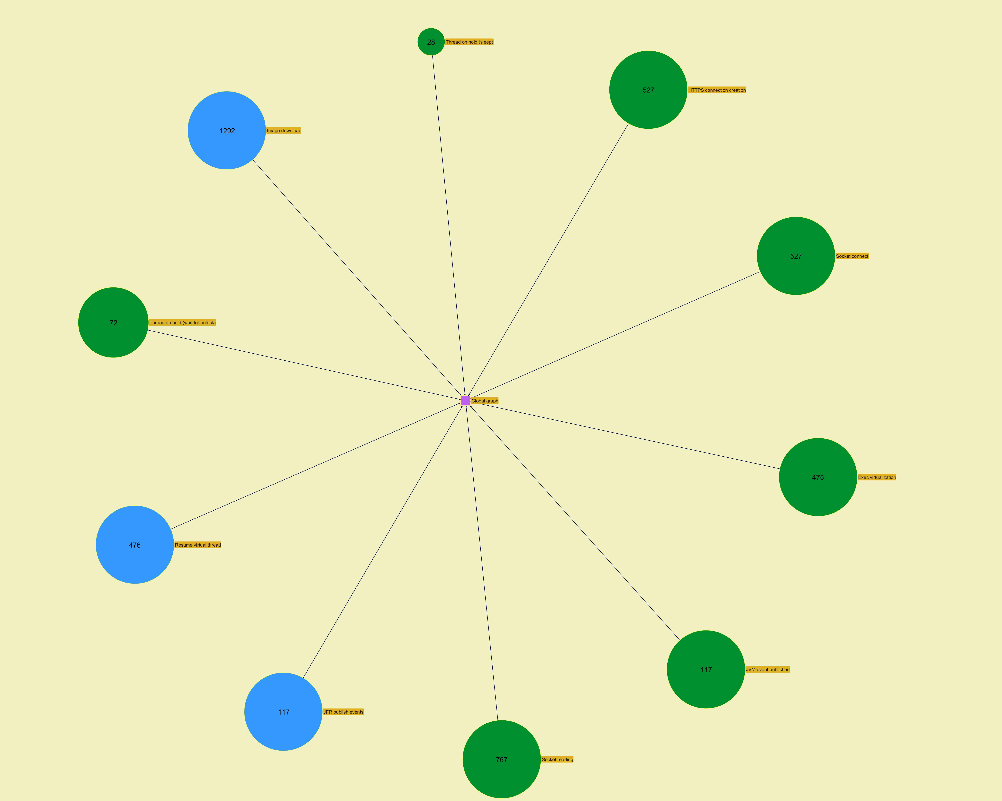
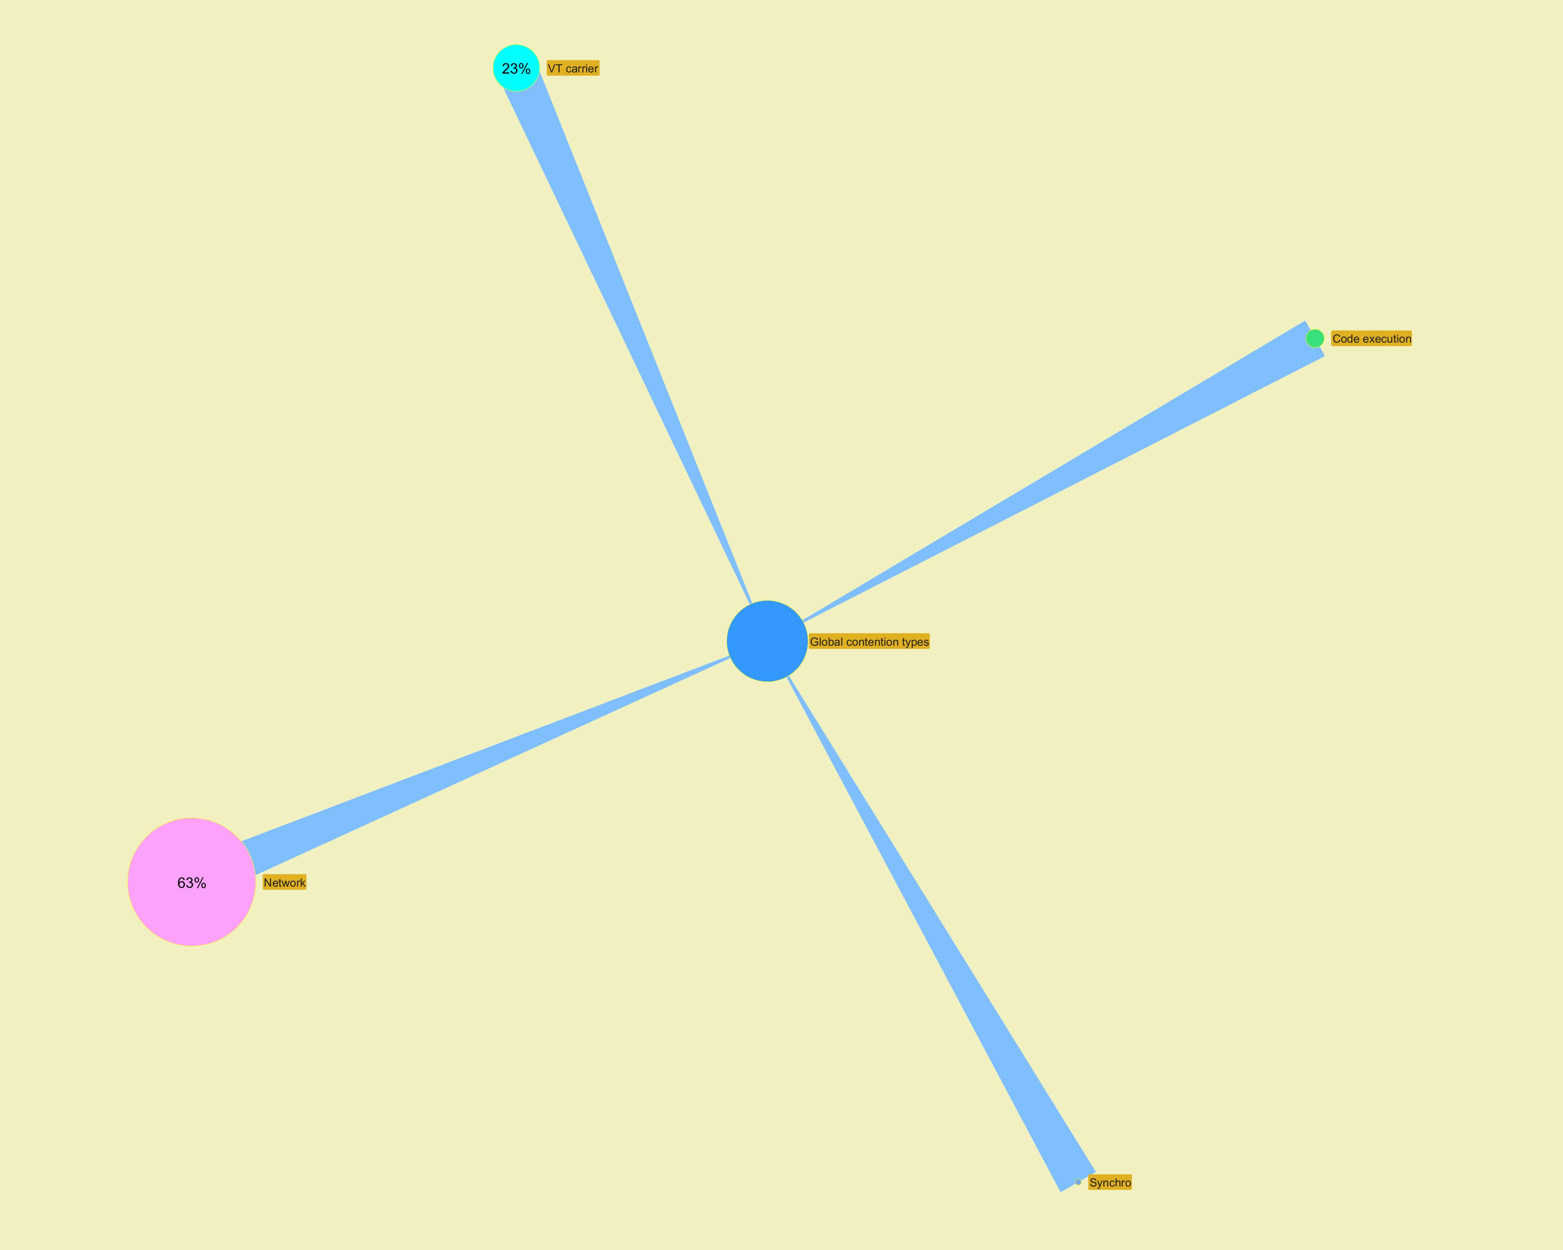

 | ­

­

Modules
...
­




