Summary
 |  | Assessment Scope | Enter Text
 |  | Date of Assessment | 2014-03-01
 |  | Total Questions | 62
< put company logo here > |  | Completed | 100.00%
Information Security Self Assessment |  | Overall Average Rating | 0.0

Maturity Rating by Domain
Section Rating Breakdown | ISO 27002:2013

Information security policies | 0.0
Organization of information security | 0.0
Human resource security | 0.0
Asset management | 0.0
Access control | 0.0
Cryptography | 0.0
Physical and environmental security | 0.0
Operations management | 0.0
Communications security | 0.0
System acquisition, development and maintenance | 0.0
Supplier relationships | 0.0
Information security incident management | 0.0
Information security aspects of business continuity management | 0.0
Compliance | 0.0

How to use this document
1. Determine Scope of this assessment and populate this in H3. (ex. 'whole org', 'dev for product X', etc)
2. Review the 'Maturity Metric' Tab to understand what each level requires
3. On 'Questionnaire' tab, review questions for each domain and rate appropriately.
4. Cross-reference AUP reference number and 'AUPSIG' tab for more questions, if needed.
5. Record notes to document reasons for the rating (or rating change on subsequent assessments)

Note: Rate items with respect to the maturity of processes, procedures and controls around that particular line of questioning.
Note2: This is far from exhaustive; use this only as a beginning baseline.

Maturity Metric
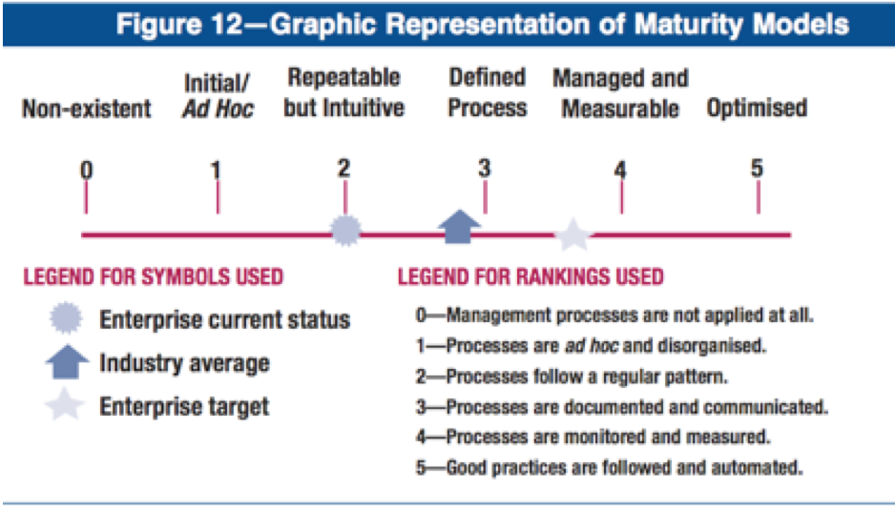
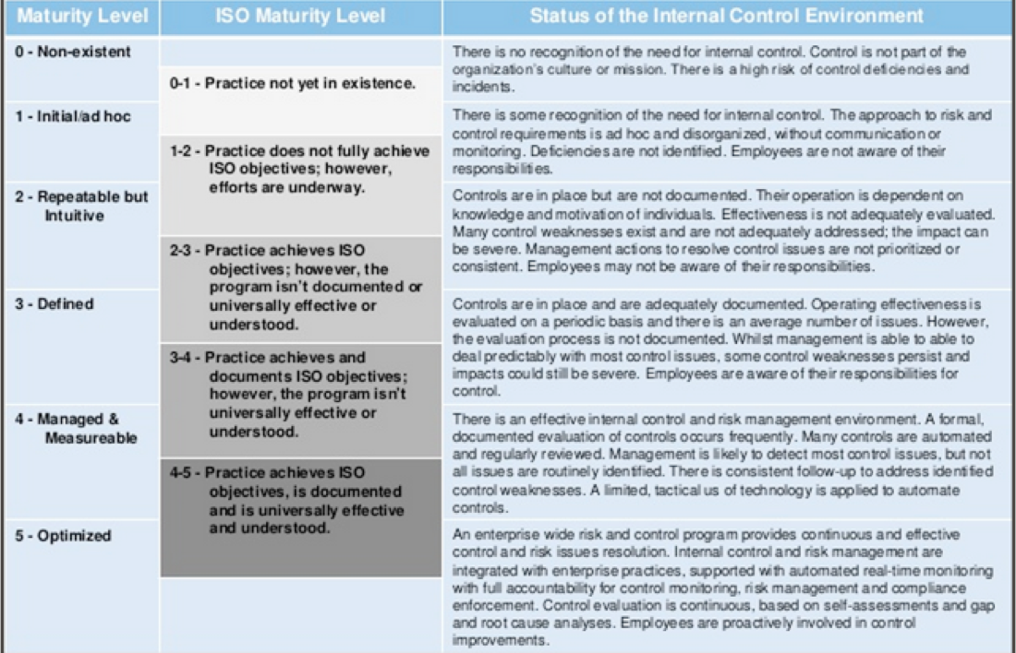
Maturity Rating | Value | Short Name | Description | Details
 | 0 | 0 - Non-Existant | Non existant; Process does not exist or is not applied | Non-existent—Complete lack of any recognisable processes. The enterprise has not even recognised that there is an issue to be addressed. | Ref: Cobit 4.1
 | 1 | 1 - Initial / Ad-Hoc | Initial / Ad-Hoc; Process are adhoc and disorganized | Initial/Ad Hoc—There is evidence that the enterprise has recognised that the issues exist and need to be addressed. There are, however, no standardised processes; instead, there are ad hoc approaches that tend to be applied on an individual or case-by-case basis. The overall approach to management is disorganised. | http://www.isaca.org/Knowledge-Center/cobit/Documents/COBIT4.pdf
 | 2 | 2 - Repeatable | Repeatable but Intuitive; Processes follow a regular pattern | Repeatable but Intuitive—Processes have developed to the stage where similar procedures are followed by different people undertaking the same task. There is no formal training or communication of standard procedures, and responsibility is left to the individual. There is a high degree of reliance on the knowledge of individuals and, therefore, errors are likely. | http://www.slideshare.net/pgpmikey/implementing-a-security-framework-based-on-isoiec-27002
 | 3 | 3 - Defined | Defined; Processes are documented and communicated | Defined Process—Procedures have been standardised and documented, and communicated through training. It is mandated that these processes should be followed; however, it is unlikely that deviations will be detected. The procedures themselves are not sophisticated but are the formalisation of existing practices.
 | 4 | 4 - Managed and Measured | Managed and Measured; Processes are monitored and measured | Managed and Measurable—Management monitors and measures compliance with procedures and takes action where processes appear not to be working effectively. Processes are under constant improvement and provide good practice. Automation and tools are used in a limited or fragmented way.
 | 5 | 5 - Optimized | Optimized; Good practices are followed and automated | Optimised—Processes have been refined to a level of good practice, based on the results of continuous improvement and maturity modelling with other enterprises. IT is used in an integrated way to automate the workflow, providing tools to improve quality and effectiveness, making the enterprise quick to adapt.

