Instructions


v 2.0
Developed by
J.F. Devlin
Dept. of Geology
University of Kansas
Developed April 29, 2014, most recent update January 22, 2015

This program is electronic supplementary material for the article
Devlin, J.F. 2015. HydrogeoSieveXL: an Excel-based tool to estimate hydraulic conductivity from grain-size analysis. Hydrogeology Journal.

Introduction
HydrogeoSieveXL is a utility aimed at providing hydrogeologists a quick and comprehensive means of obtaining hydraulic conductivity (K) estimates from grain size analyses. Note that the methods tend to be most accurate in handling the coarser fractions of material common to aquifers, i.e., sand and gravel, although the values of K that are generated are generally only approximate. The presence of significant fractions of fine fractions further degrades the quality of the K estimates. This worksheet contains six tabbed worksheets: 1) this manual, 2) the HydrogeoSieveXLworksheet where all the computational work is done, and 3) a worksheet with sample data from selected literature sources 4) a table of equations used in the K estimations, and their sources, 5) a reference list with citations to contributing literature, 6) a sheet that summarizes the grain size data in a format suitable for pdf report generation and 7) a sheet that summarizes the K estimation calculations in a format suitable for pdf report generation. Following is an overview of the operation of the worksheet "Input" in the form of a tutorial that covers all the features of HydrogeoSieveXL.
Before beginning, confirm that the "Input" worksheet is empty of data. Click on the tab called "Input" and verify that it looks like Figure 1, below. If there are any numbers entered in the sheet, click on "Reset" on the upper left corner of the sheet to prepare it for new data.

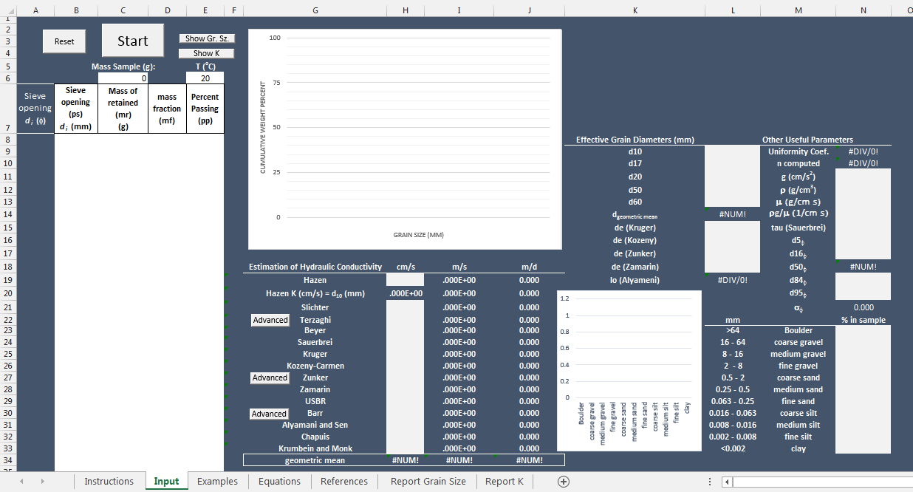

Figure 1: "Input" ready to receive new data.

Data Input
To illustrate the input process, we will use the dataset from the "Examples" worksheet that is called "Case 1 Vukovic 15 oC ". Click on the "Examples" tab and select the "Case 1 ..." dataset on the upper left corner of the sheet (Figure 2). The dataset consists of two columns of data: ps - particle size, and pr - percent retained. The two columns are separated by two empty columns to permit the data to be pasted directly into the input space in the "Input" sheet.

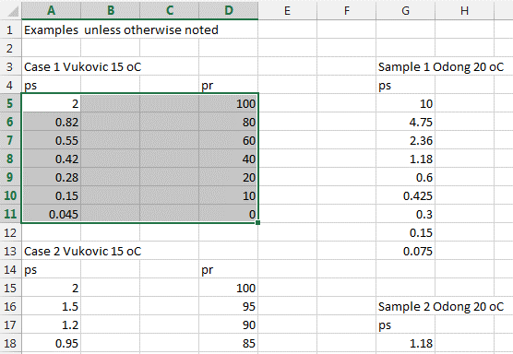

Figure 2: Selecting data for pasting into the "Input" sheet.

With the data copied (Ctrl-c or using the menus), click on the "Input" tab and then on cell A8. Paste the data you copied (Ctrl-v or using the menus) (Figure 3).

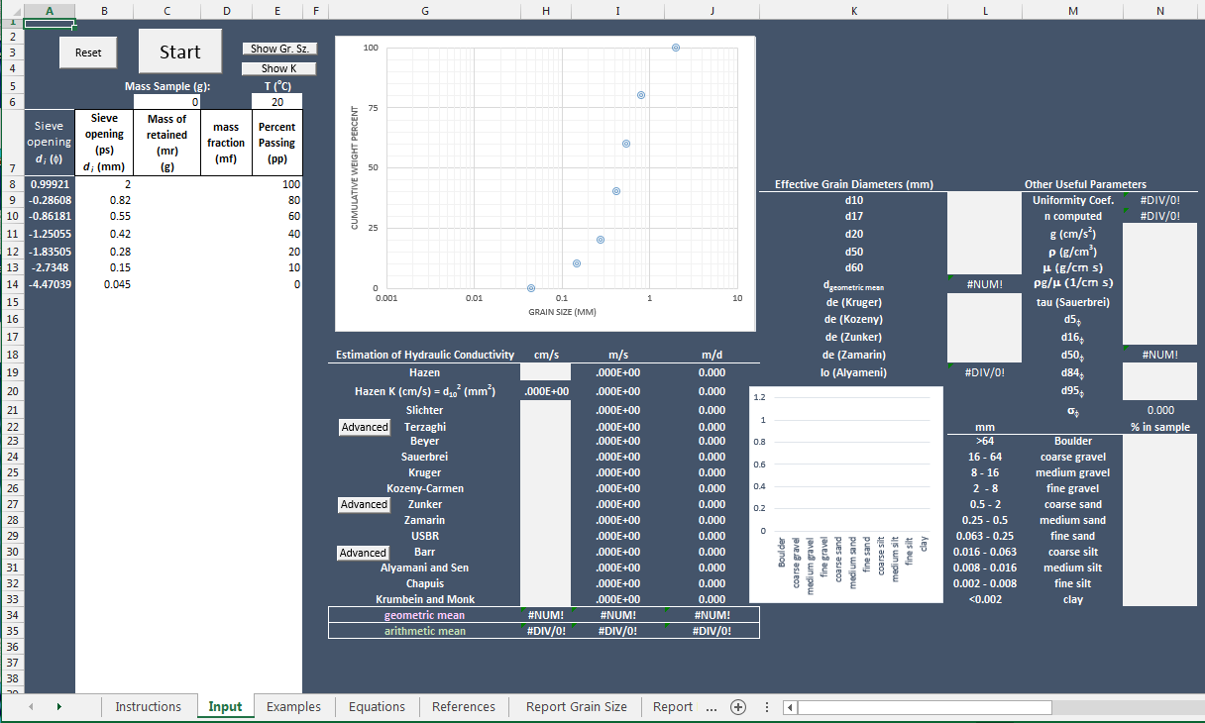

Figure 3: Successful pasting of data into the "Input" sheet.

Congratulations! The first data are entered and you have a grain size curve to show for it. Of course, if the original data are coming from the laboratory rather than a manuscript, the input might be in the form of particle size and mass retained instead of percent retained. If that is the case, simply type the data in or paste them in to the appropriate columns. The next step does not depend on which of the three particle retention formats you use. The only column that must always contain data is the particle size column (and at least one of the other three).
Regardless of which data format are chosen for entry, all the columns are useful so the first step is to complete them all. To begin the data analysis, click on the "Start" button above the input table just filled in (Figure 4).

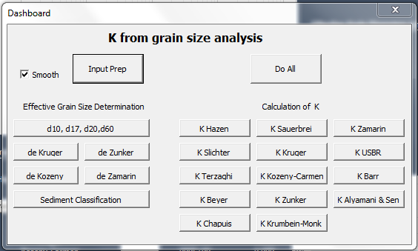

Figure 4: Clicking on "Start" launches the Dashboard.

Clicking on the "Start" button launches the Dashboard, the control centre for all the basic calculations of the sheet. By default, a smoothing feature is active that uses a spline to interpolate between points for grain size determinations (d10 etc.). In some cases, linear interpolations may be preferred, in which case the checkbox can be deselected. To complete the input phase of the work, click on "Input Prep" at the top of the Dashboard (Figure 5).

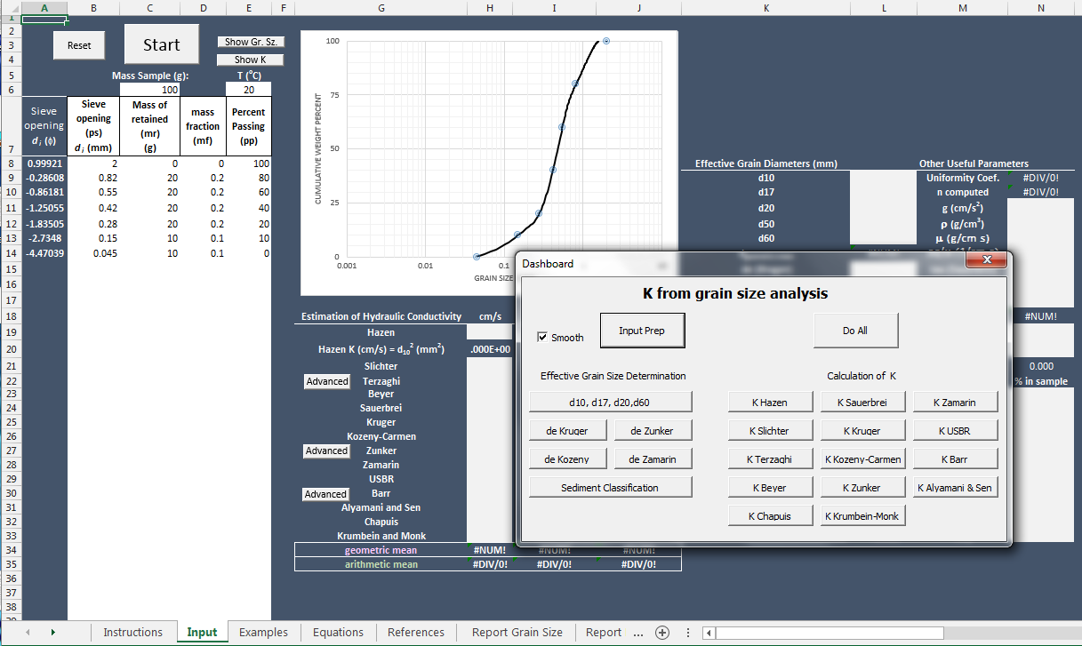

Figure 5: Result of clicking on "Input Prep" in the Dashboard.

The "Input Prep" discovers which particle retention format was placed in the input table and fills in the remaining columns. The interpolated lines are shown in the graph. By default, the program enters a total sample mass of 100 g and a temperature of 20 oC. These values can be changed, at any time.
Calculating Effective Grain Diameters
Almost all attempts to relate hydraulic conductivity to grain size curves begins with the identification of some 'effective grain diameter'. Several of these have been proposed, and the ones relevant to the analyses performed here are estimated with the buttons on the left side of the Dashboard, or with the "Do All" button. The d10 particle size refers to that size that corresponds to 10% of the sample weight being retained on the sieves. Similar definitions apply to d17, d20, d50, and d60, where the numbers are the percentages retained. The d50 number is generally noteworthy because is represents the median grain size.
Specialized formulas are used to calculate the effective grain diameters for the Kruger, Kozeny, Zunker, and Zamarin analyses. The effective diameters for each of these cases is calculated and pasted in the sheet when the corresponding button is selected. The calculated values are pasted in a table on the middle right portion of the sheet (Figure 6).

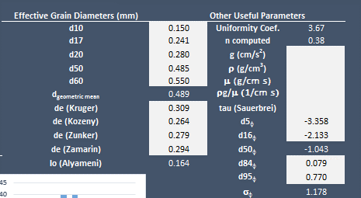

Figure 6: Calculated values of the effective grain diameters.

Uniformity Coefficient and Porosity
With the computation of the effective grain diameters, the uniformity coefficient, U = d60/d10, can be calculated as well as an estimate of the porosity, n = 0.255*( 1+ 0.83^U). At this point it is also possible to provide a qualitative description of the sample in terms of its uniformity (and to some degree its sorting), textural class, and the presence or absence of fine material. This description is generated by clicking on the "Sediment Classification" button beneath the effective grain diameter buttons on the left side of the Dashboard (Figure 7). The description is also generated by the "Do All" button.

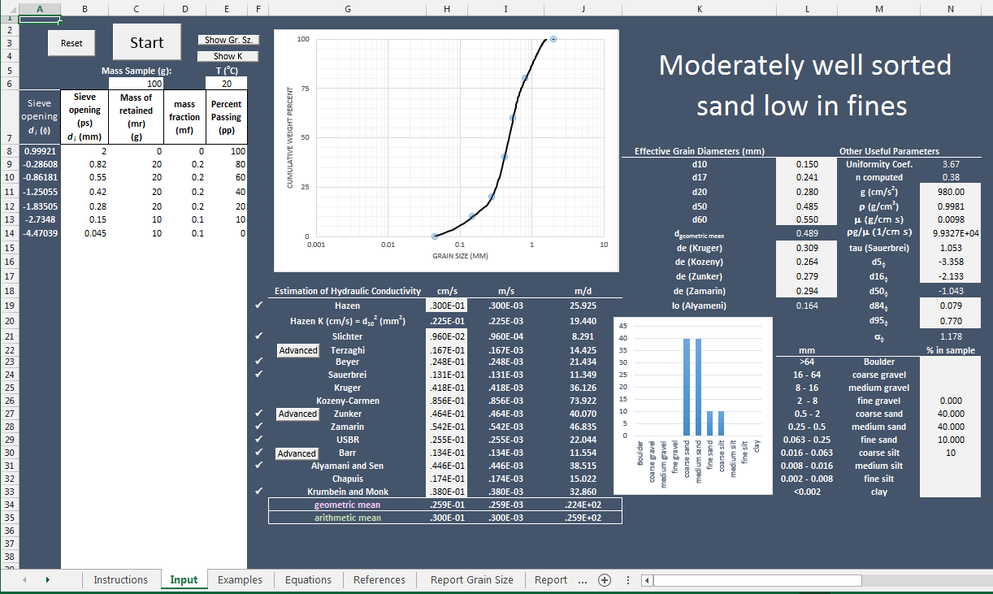

Figure 7: Automatically generated description of the sample. Red arrow shows the location where the description appears.

Grain Size Distribution and Descriptive Sample Classification
As well as generating the sample description, the "Sediment Classification"and "Do All" buttons prompt the calculation of weight percentages of the sample in standard grain size classification ranges. This affords the user the opportunity to assess the percentage of coarse sand or medium silt in the sample, for example. The table of this grain size distribution is reported on the lower right portion of the screen. Immediately to the left of the table is a histogram showing the same information graphically.
Hydraulic Conductivity
In this version of HydrogeoSieveXL, 15 methods of estimating hydraulic conductivity from grain size analysis are computed. If the K from grain size approach enjoys any success, it seems to be in its application to coarser grained media, including sand. Even in these kinds of sediments the various specific methods have been shown to generate quite different estimates of hydraulic conductivity. One benefit of using HydrogeoSieveXL is to facilitate the comparison of hydraulic conductivity values generated from the specific methods, so an appreciation of the uncertainty associated with the resulting K values is gained.
To calculate hydraulic conductivity from each of the methods, simply click on the button for that method in the Dashboard. Alternatively, to calculate them all at once, click on the "Do All" button. The bank of buttons for these calculations are on the right side of the Dashboard (Figure 8). If the grain size curve meets the criteria summarized for each test in the 'Equations' sheet, a check mark appears to the left of the test name, in column F.

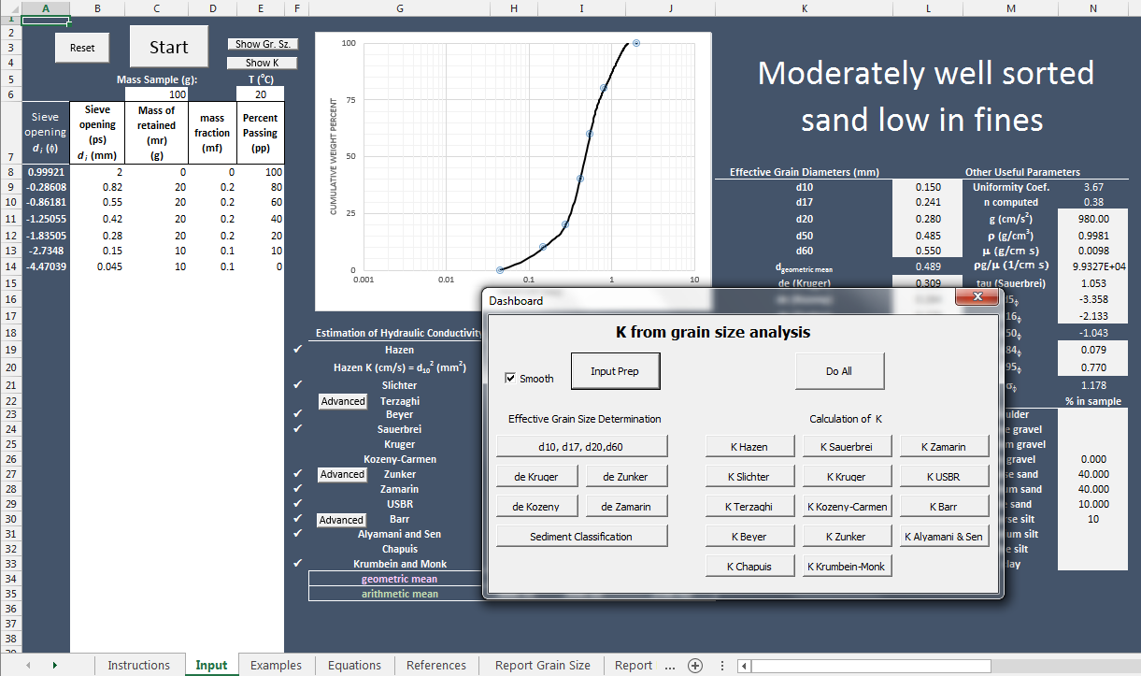

Figure 8: The buttons controling the calculation of hydraulic conductivity are grouped under the heading "Calculation of K" in the Dashboard. The calculated values are tabulated immediately under the Dashboard in the image. The "Do All" button also performs these operations.

Advanced Options for Hydraulic Conductivity Calculation
The hydraulic conductivities calculated by HydroSieve are based on the generalized formula:
$$K=\frac{ρg}{μ}Cφ(n)d_{e}^{2}$$
where K is hydraulic conductivity (cm/s), ρ is fluid density (g/mL), g is acceleration due to gravity (cm/s²), μ is dynamic viscosity (poise, or g/cm s), C is a constant related to porous medium characteristics, ϕ(n) is a function of porosity, and d_{e} is the effective grain diameter (cm). Both the density and viscosity terms are temperature sensitive, and are calculated as a function of the fluid temperature entered in cell D6. The values of these parameters are displayed in cells m11 and m12 of the sheet. Three of the methods offer the opportunity to adjust the magnitude of the constant C according the coarseness/smoothness of the grains, the Terzaghi, Zunder, and Barr methods. By default, intermediate values of C are used in the calculations. However these values can be varied over the ranges recommended by the developers of the methods by clicking on the "Advanced" buttons located beside the method names (Figure 9).
For example, selecting the "Advanced" button beside the Terzaghi method the "Terzaghi Advanced" userform appears. One of five option buttons can be selected to characterise the aquifer material as being coarse and angular in grain shape, or smooth and well rounded. The default value of C is indicated (center button in this case), and the current value of C is displayed.

Figure 9: The advanced userform for the Terzaghi method of K estimation. (A) Userform as it appears after the Dashboard driven calculation; C is the default value of 0.0084 and K is 0.0167 cm/s. (B) C adjusted for smooth grains. The value of C increases to 0.0107 and the value of K increases to 0.02127 cm/s.

Displaying the Results
Once the hydraulic conductivities have been calculated to the user's satisfaction, the results of the different methods can be compared graphically in a histogram format. To view the histogram, click on the "Show K" button located to the left of the grain retention curve graph at the top of the sheet. The retention diagram is replaced with the K comparison diagram (Figure 10).

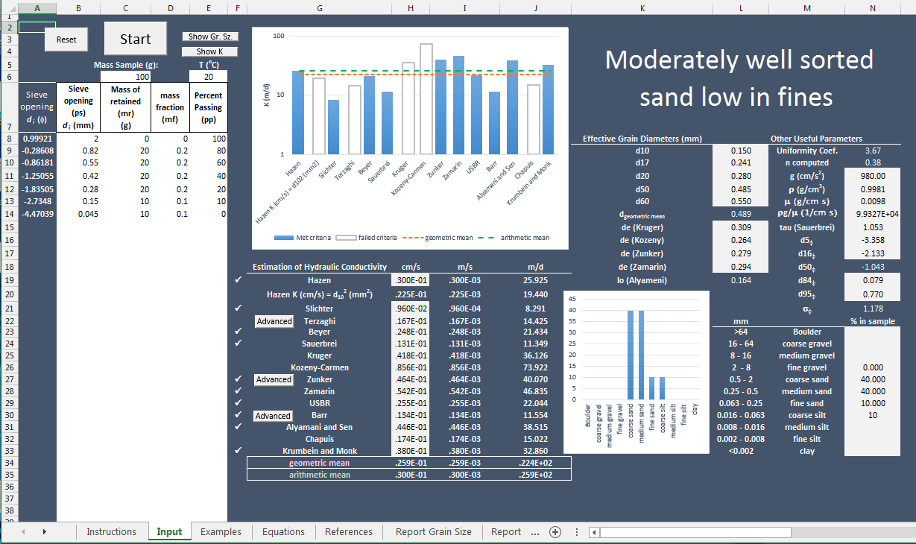

Figure 10: Clicking on the "Show K" button, located above the temperature input cell, replaces the grain retention curve with the K comparison diagram. The geometric and arithmetic means of the estimates of K are shown as red and green horizontal lines, repectively. Open bars represent K estimates from tests that failed their criteria, blue bars represent tests that met their criteria. The criteria are summarized in the 'Equations' sheet.

The grain retention curve can be displayed again by selecting the "Show Gr Sz" button.
Printing Reports
The data displayed on the "Input" worksheet are summarized in a form suitable for printing in the worksheets named "Report Grain Size" and "Report K". Simple click on the appropriate tab to view these sheets, and then select 'Print' under the 'File' tab at the top of the worsheet to send the file to a printer.
Conclusion
HydroSieve is a utility aimed at hydrogeologists for rapidly conducting grain size analysis on data from sieve tests. It plots grain retention curves, particle size distribution diagrams, and estimated hydraulic conductivity comparison diagrams. It calculates several commonly required effective grain diameters and uses them to estimate useful coefficients such as the uniformity coefficient and porosity. I also uses the effective grain diameters in the estimation of hydraulic conductivity by several published methods. The results of these calculations can provide hydrogeologists with potentially useful preliminary estimations of K, while at the same time reminding them of the highly uncertain nature of the parameter estimated in this fashion.

Input
 | Met criteria | failed criteria | geometric mean | arithmetic mean
Hazen | 0 | 0 | 0 | 0
Hazen K (cm/s) = d102 (mm2) | 0 | 0 | 0 | 0
Slichter | 0 | 0 | 0 | 0
Terzaghi | 0 | 0 | 0 | 0
Beyer | 0 | 0 | 0 | 0
Sauerbrei | 0 | 0 | 0 | 0
Kruger | 0 | 0 | 0 | 0
Kozeny-Carmen | 0 | 0 | 0 | 0
Zunker | 0 | 0 | 0 | 0
Zamarin | 0 | 0 | 0 | 0
USBR | 0 | 0 | 0 | 0
Barr | 0 | 0 | 0 | 0
Alyamani and Sen | 0 | 0 | 0 | 0
Chapuis | 0 | 0 | 0 | 0
Krumbein and Monk | 0 | 0 | 0 | 0
 |  |  |  |  |  |  |  |  |  |  |  |  | Zunker | Terzaghi | Barr | Plotted Data - Line | ü |  | Estimation of Hydraulic Conductivity | cm/s | m/s | m/d | Estimation of Hydraulic Conductivity | cm/s | m/s | m/d | A. mean | G mean
 |  |  |  |  |  |  |  |  |  |  |  |  | 0.00155 | 0.0084 | 0.00402 |  |  | 0 | Hazen |  |  |  | Hazen | 0 | 0 | 0 | #DIV/0! | #NUM!
 |  |  |  |  |  |  |  |  |  |  |  |  |  |  |  |  |  | 0 | Hazen K (cm/s) = d102 (mm2) |  |  |  | Hazen K (cm/s) = d102 (mm2) | 0 | 0 | 0 | #DIV/0! | #NUM!
 |  | Mass Sample (g): |  | T (oC) |  |  |  |  |  |  |  |  |  |  |  |  |  | 0 | Slichter |  |  |  | Slichter | 0 | 0 | 0 | #DIV/0! | #NUM!
 |  | 0 |  | 20 |  |  |  |  |  |  |  |  |  |  |  |  |  | 0 | Terzaghi |  |  |  | Terzaghi | 0 | 0 | 0 | #DIV/0! | #NUM!
Sieve opening di (f) | Sieve opening (ps) di (mm) | Mass of retained (mr) (g) | mass fraction (mf) | Percent Passing (pp) |  |  |  |  |  |  |  |  |  |  |  |  |  | 0 | Beyer |  |  |  | Beyer | 0 | 0 | 0 | #DIV/0! | #NUM!
 |  |  |  |  |  |  |  |  | Effective Grain Diameters (mm) |  | Other Useful Parameters |  |  |  |  |  |  | 0 | Sauerbrei |  |  |  | Sauerbrei | 0 | 0 | 0 | #DIV/0! | #NUM!
 |  |  |  |  |  |  |  |  | d10 |  | Uniformity Coef. | #DIV/0! |  |  |  |  |  | 0 | Kruger |  |  |  | Kruger | 0 | 0 | 0 | #DIV/0! | #NUM!
 |  |  |  |  |  |  |  |  | d17 |  | n computed | #DIV/0! |  |  |  |  |  | 0 | Kozeny-Carmen |  |  |  | Kozeny-Carmen | 0 | 0 | 0 | #DIV/0! | #NUM!
 |  |  |  |  |  |  |  |  | d20 |  | g (cm/s2) |  |  |  |  |  |  | 0 | Zunker |  |  |  | Zunker | 0 | 0 | 0 | #DIV/0! | #NUM!
 |  |  |  |  |  |  |  |  | d50 |  | r (g/cm3) |  |  |  |  |  |  | 0 | Zamarin |  |  |  | Zamarin | 0 | 0 | 0 | #DIV/0! | #NUM!
 |  |  |  |  |  |  |  |  | d60 |  | m (g/cm s) |  |  |  |  |  |  | 0 | USBR |  |  |  | USBR | 0 | 0 | 0 | #DIV/0! | #NUM!
 |  |  |  |  |  |  |  |  | dgeometric mean | #NUM! | rg/m (1/cm s) |  |  |  |  |  |  | 0 | Barr |  |  |  | Barr | 0 | 0 | 0 | #DIV/0! | #NUM!
 |  |  |  |  |  |  |  |  | de (Kruger) |  | tau (Sauerbrei) |  |  |  |  |  |  | 0 | Alyamani and Sen |  |  |  | Alyamani and Sen | 0 | 0 | 0 | #DIV/0! | #NUM!
 |  |  |  |  |  |  |  |  | de (Kozeny) |  | d5f |  |  |  |  |  |  | 0 | Chapuis |  |  |  | Chapuis | 0 | 0 | 0 | #DIV/0! | #NUM!
 |  |  |  |  |  |  |  |  | de (Zunker) |  | d16f |  |  |  |  |  |  | 0 | Krumbein and Monk |  |  |  | Krumbein and Monk | 0 | 0 | 0 | #DIV/0! | #NUM!
 |  |  |  |  | Estimation of Hydraulic Conductivity | cm/s | m/s | m/d | de (Zamarin) |  | d50f | #NUM! |  |  |  |  |  |  | geometric mean | #NUM! | #NUM! | #NUM!
 |  |  |  |  | Hazen |  | 0 | 0.000 | Io (Alyameni) | #DIV/0! | d84f |  |  |  |  |  |  |  | arithmetic mean | #DIV/0! | #DIV/0! | #DIV/0!
Boulder
coarse gravel
medium gravel
fine gravel
coarse sand
medium sand
fine sand
coarse silt
medium silt
fine silt
clay
 |  |  |  |  | Hazen K (cm/s) = d102 (mm2) | 0 | 0 | 0.000 |  |  | d95f
 |  |  |  |  | Slichter |  | 0 | 0.000 |  |  | sf | 0.000
 |  |  |  |  | Terzaghi |  | 0 | 0.000 |  | mm |  | % in sample
 |  |  |  |  | Beyer |  | 0 | 0.000 |  | >64 | Boulder
 |  |  |  |  | Sauerbrei |  | 0 | 0.000 |  | 16 - 64 | coarse gravel
 |  |  |  |  | Kruger |  | 0 | 0.000 |  | 8 - 16 | medium gravel
 |  |  |  |  | Kozeny-Carmen |  | 0 | 0.000 |  | 2 - 8 | fine gravel
 |  |  |  |  | Zunker |  | 0 | 0.000 |  | 0.5 - 2 | coarse sand
 |  |  |  |  | Zamarin |  | 0 | 0.000 |  | 0.25 - 0.5 | medium sand
 |  |  |  |  | USBR |  | 0 | 0.000 |  | 0.063 - 0.25 | fine sand
 |  |  |  |  | Barr |  | 0 | 0.000 |  | 0.016 - 0.063 | coarse silt
 |  |  |  |  | Alyamani and Sen |  | 0 | 0.000 |  | 0.008 - 0.016 | medium silt
 |  |  |  |  | Chapuis |  | 0 | 0.000 |  | 0.002 - 0.008 | fine silt
 |  |  |  |  | Krumbein and Monk |  | 0 | 0.000 |  | <0.002 | clay
 |  |  |  |  | geometric mean | #NUM! | #NUM! | #NUM!
 |  |  |  |  | arithmetic mean | #DIV/0! | #DIV/0! | #DIV/0!

Equations
Adopting the equation form presented in Vukovic and Soro (1992),
$$K=\frac{ρg}{μ}Nφ(n)d_{e}^{2}$$
the following values and equations aresubstituted into the appropriate terms to evalute the models listed in the table below. The values of d_{e} to be entered should be in cm units. The values of K calculated have the units cm/s, except for the Alyamani and Sen model (see footnote).

 |  | 4.95 | 100.53432846
 |  | 4.925 | 100.79155754
 |  | 4.9 | 101.04220971
20 |  | 4.875 | 101.28631987
 |  | 4.85 | 101.52392291
 |  | 4.825 | 101.75505374
 |  | 4.8 | 101.97974725
 |  | 4.775 | 102.19803833
 | 980 | 4.75 | 102.40996188
 | 0.998136 | 4.725 | 102.61555281
 |  | 4.7 | 102.814846
 |  | 4.675 | 103.00787634
 |  | 4.65 | 103.19467875
 |  | 4.625 | 103.37528811
 |  | 4.6 | 103.54973933
 |  | 4.575 | 103.71806729
 |  | 4.55 | 103.88030689
 |  | 4.525 | 104.03649304
 |  | 4.5 | 104.18666062
 |  | 4.475 | 104.33084453
 |  | 4.45 | 104.46907968
 |  | 4.425 | 104.60140095
 |  | 4.4 | 104.72784325
 |  | 4.375 | 104.84844146
 |  | 4.35 | 104.96323049
 |  | 4.325 | 105.07224524
 |  | 4.3 | 105.17552059
 |  | 4.275 | 105.27309145
 |  | 4.25 | 105.36499271
 |  | 4.225 | 105.45125927
 |  | 4.2 | 105.53192602
 |  | 4.175 | 105.60702787
 |  | 4.15 | 105.6765997
 |  | 4.125 | 105.74067642
 |  | 4.1 | 105.79929292
 |  | 4.075 | 105.8524841
 |  | 4.05 | 105.90028485
 |  | 4.025 | 105.94273007
 |  | 4 | 105.97985466
 |  | 3.975 | 106.01169351
 |  | 3.95 | 106.03828153
 |  | 3.925 | 106.0596536
 |  | 3.9 | 106.07584462
 |  | 3.875 | 106.08688949
 |  | 3.85 | 106.09282311
 |  | 3.825 | 106.09368037
 |  | 3.8 | 106.08949618
 |  | 3.775 | 106.08030541
 |  | 3.75 | 106.06614298
 |  | 3.725 | 106.04704378
 |  | 3.7 | 106.0230427
 |  | 3.675 | 105.99417465
 |  | 3.65 | 105.96047451
 |  | 3.625 | 105.92197719
 |  | 3.6 | 105.87871758
 |  | 3.575 | 105.83073058
 |  | 3.55 | 105.77805108
 |  | 3.525 | 105.72071398
 |  | 3.5 | 105.65875418
 |  | 3.475 | 105.59220658
 |  | 3.45 | 105.52110606
 |  | 3.425 | 105.44548753
 |  | 3.4 | 105.36538589
 |  | 3.375 | 105.28083602
 |  | 3.35 | 105.19187283
 |  | 3.325 | 105.09853121
 |  | 3.3 | 105.00084607
 |  | 3.275 | 104.89885229
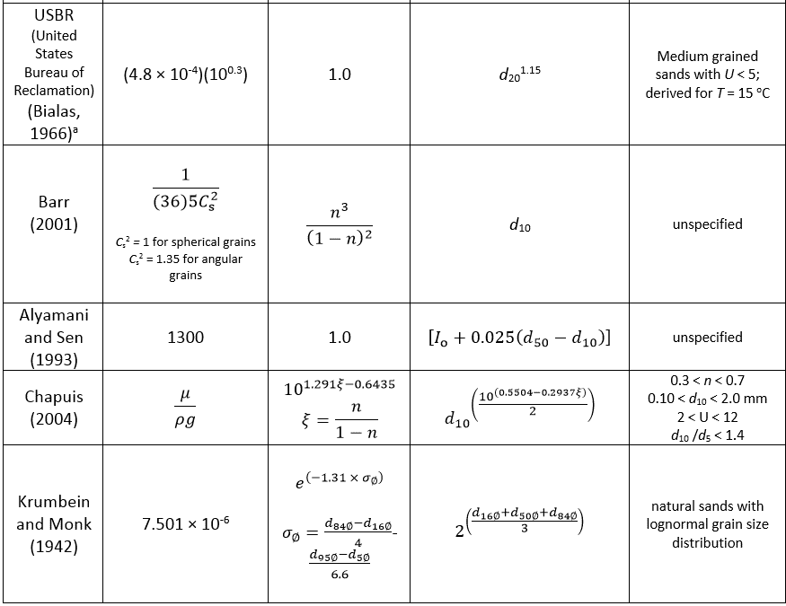
 |  | 3.25 | 104.79258477
 |  | 3.225 | 104.68207841
 |  | 3.2 | 104.5673681
 |  | 3.175 | 104.44848875
 |  | 3.15 | 104.32547525
 |  | 3.125 | 104.19836249
 |  | 3.1 | 104.06718537
 |  | 3.075 | 103.93197879
 |  | 3.05 | 103.79277765
 |  | 3.025 | 103.64961683
 |  | 3 | 103.50253125
 |  | 2.975 | 103.35155578
 |  | 2.95 | 103.19672534
 |  | 2.925 | 103.03807482
 |  | 2.9 | 102.87563911
 |  | 2.875 | 102.7094531
 |  | 2.85 | 102.53955171
 |  | 2.825 | 102.36596982
 |  | 2.8 | 102.18874233
 |  | 2.775 | 102.00790413
 |  | 2.75 | 101.82349013
 |  | 2.725 | 101.63553521
 |  | 2.7 | 101.44407428
 |  | 2.675 | 101.24914224
 |  | 2.65 | 101.05077397
 |  | 2.625 | 100.84900437
 |  | 2.6 | 100.64386835
 |  | 2.575 | 100.4354008
 |  | 2.55 | 100.22363661
 |  | 2.525 | 100.00861068
 |  | 2.5 | 99.790357912
 |  | 2.475 | 99.568913196
 |  | 2.45 | 99.344311431
 |  | 2.425 | 99.116587513
 |  | 2.4 | 98.885776338
 |  | 2.375 | 98.651912804
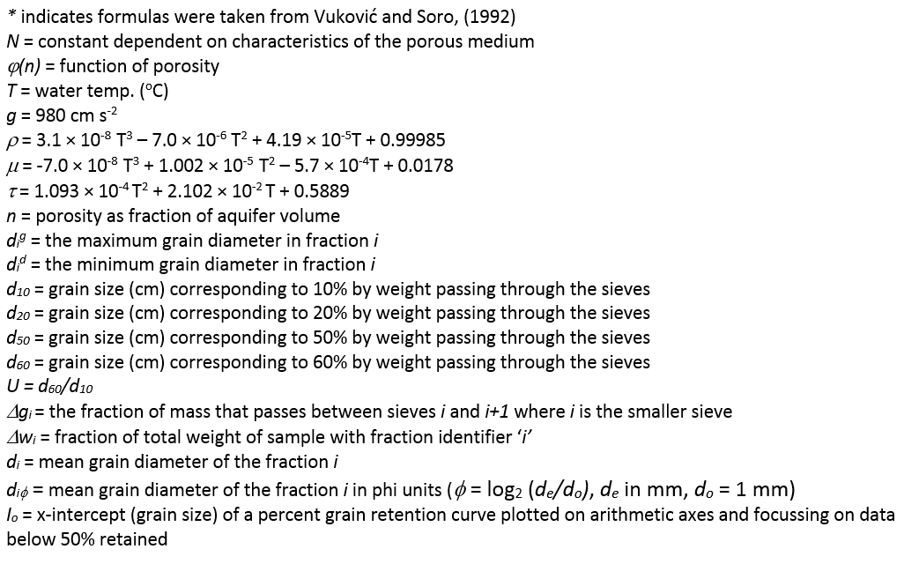
 |  | 2.35 | 98.415031807
 |  | 2.325 | 98.175168242
 |  | 2.3 | 97.932357008
 |  | 2.275 | 97.686632999
 |  | 2.25 | 97.438031113
 |  | 2.225 | 97.186586247
 |  | 2.2 | 96.932333296
 |  | 2.175 | 96.675307158
 |  | 2.15 | 96.415542728
 |  | 2.125 | 96.153074903
 |  | 2.1 | 95.88793858
 |  | 2.075 | 95.620168656
 |  | 2.05 | 95.349800026
 |  | 2.025 | 95.076867588
 |  | 2 | 94.801406237
 |  | 1.975 | 94.523450871
 |  | 1.95 | 94.243036385
 |  | 1.925 | 93.960197677
 |  | 1.9 | 93.674969643
 |  | 1.875 | 93.387387178
 |  | 1.85 | 93.097485181
 |  | 1.825 | 92.805298547
 |  | 1.8 | 92.510862173
 |  | 1.775 | 92.214210955
 |  | 1.75 | 91.915379791
 |  | 1.725 | 91.614403575
 |  | 1.7 | 91.311317206
 |  | 1.675 | 91.006155578
 |  | 1.65 | 90.69895359
 |  | 1.625 | 90.389746137
 |  | 1.6 | 90.078568116
 |  | 1.575 | 89.765454423
 |  | 1.55 | 89.450439956
 |  | 1.525 | 89.13355961
 |  | 1.5 | 88.814848281
 |  | 1.475 | 88.494340867
 |  | 1.45 | 88.172072264
 |  | 1.425 | 87.848077369
 |  | 1.4 | 87.522391078
 |  | 1.375 | 87.195048287
 |  | 1.35 | 86.866083893
 |  | 1.325 | 86.535532792
 |  | 1.3 | 86.203429881
 |  | 1.275 | 85.869810057
 |  | 1.25 | 85.534708216
 |  | 1.225 | 85.198159255
 |  | 1.2 | 84.86019807
 |  | 1.175 | 84.520859557
 |  | 1.15 | 84.180178613
 |  | 1.125 | 83.838190134
 |  | 1.1 | 83.494929018
 |  | 1.075 | 83.15043016
 |  | 1.05 | 82.804728458
 |  | 1.025 | 82.457858807
 |  | 1 | 82.109856104
 |  | 0.975 | 81.760755245
 |  | 0.95 | 81.410591128
 |  | 0.925 | 81.059398648
 |  | 0.9 | 80.707212703
 |  | 0.875 | 80.354068188
 |  | 0.85 | 80
 |  | 0.825 | 79.611494949
 |  | 0.8 | 79.156688737
 |  | 0.775 | 78.638089598
 |  | 0.75 | 78.058205763
 |  | 0.725 | 77.419545467
 |  | 0.7 | 76.724616943
 |  | 0.675 | 75.975928425
 |  | 0.65 | 75.175988145
 |  | 0.625 | 74.327304338
 |  | 0.6 | 73.432385236
 |  | 0.575 | 72.493739074
 |  | 0.55 | 71.513874083
 |  | 0.525 | 70.495298499
 |  | 0.5 | 69.440520553
 |  | 0.475 | 68.35204848
 |  | 0.45 | 67.232390513
 |  | 0.425 | 66.084054885
 |  | 0.4 | 64.909549829
 |  | 0.375 | 63.711383579
 |  | 0.35 | 62.492064369
 |  | 0.325 | 61.254100432
 |  | 0.3 | 60
 |  | 0.275 | 58.479899869
 |  | 0.25 | 56.473329286
 |  | 0.225 | 54.026885167
 |  | 0.2 | 51.187164424
 |  | 0.175 | 48.000763973
 |  | 0.15 | 44.514280728
 |  | 0.125 | 40.774311602
 |  | 0.1 | 36.549975598
 |  | 0.075 | 31.054118487
 |  | 0.05 | 23.8350505
 |  | 0.025 | 14.490623196
 |  | 0 | 0

Report Grain Size
 |  | Grain Size Analysis Report |  |  | Date:

 |  | Sample Name:
 |  |  | Mass Sample (g): | 0 |  | T (oC) | 20

0
Boulder
coarse gravel
medium gravel
fine gravel
coarse sand
medium sand
fine sand
coarse silt
medium silt
fine silt
clay

Sieve opening (ps) di (mm) | Mass of retained (mr) (g) | mass fraction (mf) | Percent Passing (pp) | Effective Grain Diameters (mm) |  | Other Useful Parameters
 |  |  |  | d10 | 0.000 | Uniformity Coef. | #DIV/0!
 |  |  |  | d17 | 0.000 | n computed | #DIV/0!
 |  |  |  | d20 | 0.000 | g (cm/s2) | 0.00
 |  |  |  | d50 | 0.000 | r (g/cm3) | 0.0000
 |  |  |  | d60 | 0.000 | m (g/cm s) | 0.0000
 |  |  |  | de (Kruger) | 0.000 | rg/m (1/cm s) | 0.0000E+00
 |  |  |  | de (Kozeny) | 0.000 | tau (Sauerbrei) | 0.000
 |  |  |  | de (Zunker) | 0.000 | dgeometric mean | #NUM!
 |  |  |  | de (Zamarin) | 0.000 | sf | 0.000
 |  |  |  | Io (Alyameni) | #DIV/0!
 |  |  |  | mm |  | 0 | % in sample
 |  |  |  | >64 |  | Boulder
 |  |  |  | 16 - 64 |  | coarse gravel
 |  |  |  | 8 - 16 |  | medium gravel
 |  |  |  | 2 - 8 |  | fine gravel
 |  |  |  | 0.5 - 2 |  | coarse sand
 |  |  |  | 0.25 - 0.5 |  | medium sand
 |  |  |  | 0.063 - 0.25 |  | fine sand
 |  |  |  | 0.016 - 0.063 |  | coarse silt
 |  |  |  | 0.008 - 0.016 |  | medium silt
 |  |  |  | 0.002 - 0.008 |  | fine silt
 |  |  |  | <0.002 |  | clay

Report K
 | K from Grain Size Analysis Report |  |  | Date:

 | Sample Name:

 | Mass Sample (g): | 0 |  | T (oC) | 20

0
 | Met criteria | Failed criteria | geometric mean | arithmetic mean
Hazen | 0 | 0 | 0 | 0
Hazen K (cm/s) = d102 (mm2) | 0 | 0 | 0 | 0
Slichter | 0 | 0 | 0 | 0
Terzaghi | 0 | 0 | 0 | 0
Beyer | 0 | 0 | 0 | 0
Sauerbrei | 0 | 0 | 0 | 0
Kruger | 0 | 0 | 0 | 0
Kozeny-Carmen | 0 | 0 | 0 | 0
Zunker | 0 | 0 | 0 | 0
Zamarin | 0 | 0 | 0 | 0
USBR | 0 | 0 | 0 | 0
Barr | 0 | 0 | 0 | 0
Alyamani and Sen | 0 | 0 | 0 | 0
Chapuis | 0 | 0 | 0 | 0
Krumbein and Monk | 0 | 0 | 0 | 0

 | Estimation of Hydraulic Conductivity | cm/s | m/s | m/d
 | Hazen |  | 0 | 0.00
 | Hazen K (cm/s) = d10 (mm) | 0 | 0 | 0.00
 | Slichter |  | 0 | 0.00
 | Terzaghi |  | 0 | 0.00
 | Beyer |  | 0 | 0.00
 | Sauerbrei |  | 0 | 0.00
 | Kruger |  | 0 | 0.00
 | Kozeny-Carmen |  | 0 | 0.00
 | Zunker |  | 0 | 0.00
 | Zamarin |  | 0 | 0.00
 | USBR |  | 0 | 0.00
 | Barr |  | 0 | 0.00
 | Alyamani and Sen |  | 0 | 0.00
 | Chapuis |  | 0 | 0.00
 | Krumbein and Monk |  | 0 | 0.00
 | geometric mean | #NUM! | #NUM! | #NUM!
 | arithmetic mean | #DIV/0! | #DIV/0! | #DIV/0!

